Problem_Statement
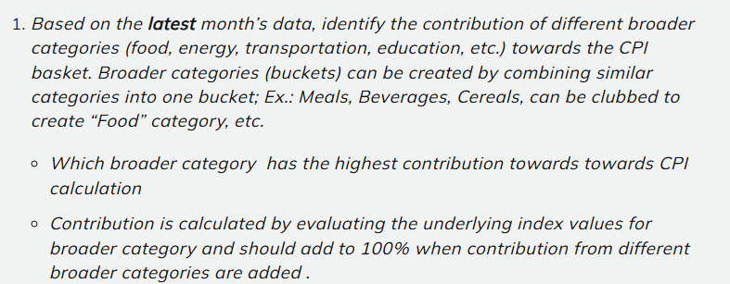

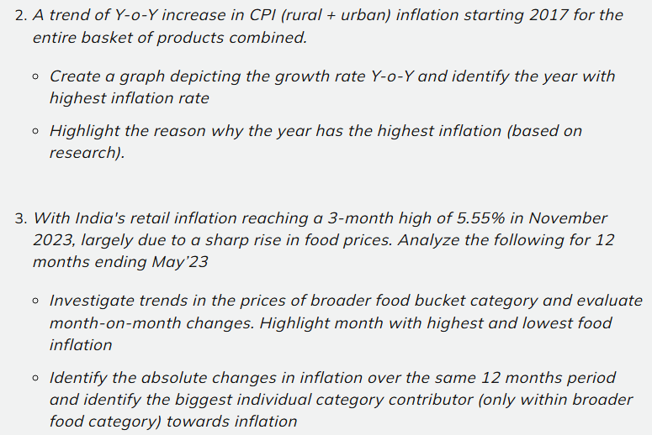

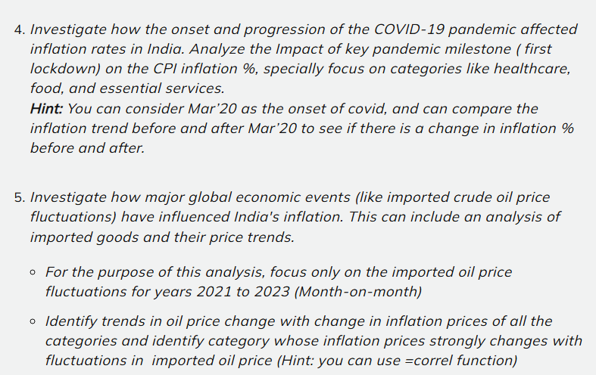

1.CPI Contribution Analysis
 | Consumer Price Index (CPI) data, Government of India
 | Reference Month: May 2023
Sector | Year | Month | Cereals and products | Meat and fish | Egg | Milk and products | Oils and fats | Fruits | Vegetables | Pulses and products | Sugar and Confectionery | Spices | Non-alcoholic beverages | Prepared meals, snacks, sweets etc. | Food and beverages | Pan, tobacco and intoxicants | Clothing | Footwear | Clothing and footwear | Housing | Fuel and light | Household goods and services | Health | Transport and communication | Recreation and amusement | Education | Personal care and effects | Miscellaneous | General index
Rural | 2023 | May | 173.2 | 211.5 | 171 | 179.6 | 173.3 | 169 | 148.7 | 174.9 | 121.9 | 221 | 178.7 | 191.1 | 176.8 | 199.9 | 191.2 | 187.9 | 190.8 | - | 182.5 | 179.8 | 187.8 | 169.7 | 173.8 | 180.3 | 184.9 | 179.5 | 179.8
Urban | 2023 | May | 174.7 | 219.4 | 176.7 | 179.4 | 164.4 | 175.8 | 185 | 176.9 | 124.2 | 211.9 | 165.9 | 197.7 | 183.1 | 204.2 | 181.3 | 168.1 | 179.3 | 175.6 | 183.4 | 170.1 | 182.2 | 160.4 | 169.2 | 174.8 | 185.6 | 171.6 | 178.2
Rural+Urban | 2023 | May | 173.7 | 214.3 | 173.2 | 179.5 | 170 | 172.2 | 161 | 175.6 | 122.7 | 218 | 173.4 | 194.2 | 179.1 | 201 | 187.3 | 179.7 | 186.2 | 175.6 | 182.8 | 175.2 | 185.7 | 164.8 | 171.2 | 177.1 | 185.2 | 175.7 | 179.1

 | May'2023 |  |  |  |  |  |  |  | May'2023
Category | Rural | Urban | Rural+Urban | New Food Category |  | New Food Category | Rural | Urban | Rural+Urban | Rural | Urban | Rural+Urban
Cereals and products | 173.2 | 174.7 | 173.7 | Food |  | Food | 2099.6 | 2137.4 | 2112.7 | 47% | 46% | 45%
Meat and fish | 211.5 | 219.4 | 214.3 | Food |  | Luxury | 749.7 | 756.7 | 751.6 | 17% | 16% | 16%
Egg | 171 | 176.7 | 173.2 | Food |  | Clothing | 569.9 | 528.7 | 553.2 | 13% | 11% | 12%
Milk and products | 179.6 | 179.4 | 179.5 | Food |  | Housing | 179.8 | 345.7 | 350.8 | 4% | 7% | 8%
Oils and fats | 173.3 | 164.4 | 170 | Food |  | Fuel and light | 182.5 | 183.4 | 182.8 | 4% | 4% | 4%
Fruits | 169 | 175.8 | 172.2 | Food |  | Health | 187.8 | 182.2 | 185.7 | 4% | 4% | 4%
Vegetables | 148.7 | 185 | 161 | Food |  | Transportation | 169.7 | 160.4 | 164.8 | 4% | 3% | 4%
Pulses and products | 174.9 | 176.9 | 175.6 | Food |  | Education | 180.3 | 174.8 | 177.1 | 4% | 4% | 4%
Sugar and Confectionery | 121.9 | 124.2 | 122.7 | Food |  | Other expenses | 179.5 | 171.6 | 175.7 | 4% | 4% | 4%
Spices | 221 | 211.9 | 218 | Food |  | GI | 179.8 | 178.2 | 179.1
Non-alcoholic beverages | 178.7 | 165.9 | 173.4 | Food |  | Total (Exc GI) | 4498.8 | 4640.9 | 4654.4 | 100% | 100% | 100%
Prepared meals, snacks, sweets etc. | 191.1 | 197.7 | 194.2 | Luxury
Rural CPI Contribution
Urban CPI Contribution
Rural + Urban CPI Contribution
Food and beverages | 176.8 | 183.1 | 179.1 | Food
Pan, tobacco and intoxicants | 199.9 | 204.2 | 201 | Luxury
Clothing | 191.2 | 181.3 | 187.3 | Clothing
Footwear | 187.9 | 168.1 | 179.7 | Clothing
Clothing and footwear | 190.8 | 179.3 | 186.2 | Clothing
Housing | - | 175.6 | 175.6 | Housing
Fuel and light | 182.5 | 183.4 | 182.8 | Fuel and light
Household goods and services | 179.8 | 170.1 | 175.2 | Housing
Health | 187.8 | 182.2 | 185.7 | Health
Transport and communication | 169.7 | 160.4 | 164.8 | Transportation
Recreation and amusement | 173.8 | 169.2 | 171.2 | Luxury
Education | 180.3 | 174.8 | 177.1 | Education
Personal care and effects | 184.9 | 185.6 | 185.2 | Luxury
Miscellaneous | 179.5 | 171.6 | 175.7 | Other expenses
General index | 179.8 | 178.2 | 179.1 | GI

 |  |  |  |  |  | Insight

 |  |  |  |  |  | 1. Food has the highest contribution to CPI across all three categories, accounting for approximately 47% in Rural, 46% in Urban, and 45% in Rural + Urban areas.
 |  |  |  |  |  | 2. Luxury is the second-largest contributor, accounting for approximately 17% in Rural, 16% in Urban, and 16% in Rural + Urban areas.
 |  |  |  |  |  | 3. Clothing contributes approximately 13% in Rural, 11% in Urban, and 12% in Rural + Urban areas.
 |  |  |  |  |  | 4. Housing has a higher contribution in Urban areas (7%) compared with Rural areas (4%), while the Rural + Urban contribution is approximately 8%.
 |  |  |  |  |  | 5. Fuel & Light, Health, Transportation, Education, and Other Expenses each have relatively smaller individual contributions, generally around 4% across the Rural, Urban, and Rural + Urban categories.

2.CPI YOY Analysis
Rural + Urban CPI YoY Inflation Trend — March Data (2017–2023)
 | CPI Index and YoY Inflation — March Data
Year | Rural + Urban Index | Rural Index | Urban Index | Rural + Urban YoY | Rural YoY | Urban YoY
2016 | 126 | 128 | 123.8 | - | - | -
2017 | 130.9 | 132.8 | 128.7 | 3.9% | 3.8% | 4.0%
2018 | 136.5 | 138.7 | 134 | 4.3% | 4.4% | 4.1%
2019 | 140.4 | 141.2 | 139.5 | 2.9% | 1.8% | 4.1%
2020 | 148.6 | 149.8 | 147.3 | 5.8% | 6.1% | 5.6%
2021 | 156.8 | 156.7 | 156.9 | 5.5% | 4.6% | 6.5%
2022 | 167.7 | 168.7 | 166.5 | 7.0% | 7.7% | 6.1%
2023 | 177.2 | 178 | 176.3 | 5.7% | 5.5% | 5.9%
Reason for the Highest Inflation in 2022

Insight: The highest Rural + Urban YoY inflation in the analysis was recorded in 2022 at 7.0%, based on March data. The increase was largely driven by supply-side shocks and higher global commodity prices following the Russia-Ukraine conflict. The RBI reported that food and beverages were the primary source of the inflation build-up in 2022-23, with higher global food prices, supply shortages and adverse weather conditions contributing significantly. Heat waves and uneven rainfall affected agricultural supply, while higher international energy prices increased fuel and transportation costs. This impact is also visible in the data: Rural YoY inflation increased from 4.6% in 2021 to 7.7% in 2022. The stronger rise in rural inflation is consistent with the significant role of food and agricultural supply shocks during this period.

3.Food Inflation Analysis
 |  |  |  | Monthly Food Bucket CPI and MoM Inflation (Jun-22 to May-23)
Month | Year | Cereals and products | Meat and fish | Egg | Milk and products | Oils and fats | Fruits | Vegetables | Pulses and products | Sugar and Confectionery | Spices | Non-alcoholic beverages | Food and beverages | Food Bucket | MoM Inflation
June | 2022 | 155 | 219.4 | 170.8 | 165.8 | 200.9 | 169.7 | 182.3 | 164.3 | 119.9 | 187.1 | 167.9 | 174.9 | 2078 | -
July | 2022 | 156.5 | 213 | 175.2 | 166.6 | 195.8 | 174.2 | 182.1 | 164.3 | 120 | 190 | 168.4 | 175 | 2081.1 | 0.15%
August | 2022 | 160.3 | 206.5 | 169.2 | 168.1 | 192.4 | 172.9 | 186.7 | 167.2 | 120.9 | 193.6 | 168.8 | 176.3 | 2082.9 | 0.09%
September | 2022 | 163.5 | 209.2 | 169.7 | 169.7 | 188.7 | 165.7 | 191.8 | 169.1 | 121.6 | 197.3 | 169.4 | 177.8 | 2093.5 | 0.51%
October | 2022 | 165.2 | 210.9 | 170.9 | 170.9 | 186.5 | 163.8 | 199.7 | 169.8 | 121.9 | 199.9 | 169.9 | 179.6 | 2109 | 0.74%
November | 2022 | 167.4 | 209.4 | 181.4 | 172.3 | 188.9 | 160.7 | 183.1 | 170.5 | 122.1 | 202.8 | 170.4 | 178.3 | 2107.3 | -0.08%
December | 2022 | 169.2 | 209 | 190.2 | 173.6 | 188.5 | 158 | 159.9 | 170.8 | 121.8 | 205.2 | 171 | 175.9 | 2093.1 | -0.67%
January | 2023 | 173.8 | 210.7 | 194.5 | 174.6 | 187.2 | 158.3 | 153.9 | 170.9 | 121.1 | 208.4 | 171.4 | 176.7 | 2101.5 | 0.40%
February | 2023 | 174.4 | 207.7 | 175.2 | 177.3 | 179.3 | 169.5 | 152.7 | 171 | 120 | 209.7 | 172.3 | 177 | 2086.1 | -0.73%
March | 2023 | 174.4 | 207.7 | 175.2 | 177.3 | 179.2 | 169.5 | 152.8 | 171.1 | 120 | 209.7 | 172.3 | 177 | 2086.2 | 0.00%
April | 2023 | 173.8 | 209.3 | 169.6 | 178.4 | 174.9 | 176.3 | 155.4 | 173.4 | 121.3 | 212.9 | 172.9 | 177.9 | 2096.1 | 0.47%
May | 2023 | 173.7 | 214.3 | 173.2 | 179.5 | 170 | 172.2 | 161 | 175.6 | 122.7 | 218 | 173.4 | 179.1 | 2112.7 | 0.79%

Month-on-Month Food Inflation Trend (July 2022 – May 2023)
 |  |  |  |  |  |  |  |  |  |  |  |  |  |  | Insight: The broader food bucket showed fluctuations during the 12 months ending May 2023. Month-on-month food inflation was highest in May 2023 at 0.79%, while the lowest was recorded in February 2023 at -0.73%. The negative value indicates a month-on-month decline in the overall food bucket index during February 2023.

YoY Inflation by Food Category (Jun-22 to May-23)
 |  |  |  |  | YoY Inflation by Food Category (Jun-22 to May-23)
 |  |  |  |  | Food Category | Jun-22 | May-23 | Absolute Change
 |  |  |  |  | Cereals and products | 155 | 173.7 | 12.1%
 |  |  |  |  | Meat and fish | 219.4 | 214.3 | -2.3%
 |  |  |  |  | Egg | 170.8 | 173.2 | 1.4%
 |  |  |  |  | Milk and products | 165.8 | 179.5 | 8.3%
 |  |  |  |  | Oils and fats | 200.9 | 170 | -15.4%
 |  |  |  |  | Fruits | 169.7 | 172.2 | 1.5%
 |  |  |  |  | Vegetables | 182.3 | 161 | -11.7%
 |  |  |  |  | Pulses and products | 164.3 | 175.6 | 6.9%
Highest Inflation Contributor: Spices (+30.9)
 |  |  |  |  | Sugar and Confectionery | 119.9 | 122.7 | 2.3%
 |  |  |  |  | Spices | 187.1 | 218 | 16.5%
 |  |  |  |  | Non-alcoholic beverages | 167.9 | 173.4 | 3.3%
 |  |  |  |  | Food and beverages | 174.9 | 179.1 | 2.4% |  | Insight: Comparing June 2022 with May 2023, Spices recorded the highest positive inflation at 16.5%, followed by Cereals and products at 12.1% and Milk and products at 8.3%. In contrast, Oils and fats declined by 15.4% and Vegetables declined by 11.7% over the same period. Spices were therefore the largest positive individual food-category contributor in this analysis.

4.COVID Inflation Analysis
Category Mapping |  | Monthly CPI Inflation Analysis (Food, Essential Services & Health) |  |  |  |  |  |  |  |  |  |  |  | Pre- vs Post-COVID CPI Inflation Comparison
Original CPI category | New Category | Period | Month | Year | Food | Essential Services | Health | Food MoM % | Essential Services MoM % | Health MoM % | Food YoY % | Essential Services YoY % | Health YoY % | Category | Pre-COVID Avg YoY | Post-COVID Avg YoY | Change
Cereals and products | Food | Feb'18 | February | 2018 | 1760.4 | 1094.4 | 133.8 | - | - | - | - | - | - | Food | 4.86% | 8.19% | 3.34%
Meat and fish | Food | Mar'18 | March | 2018 | 1756 | 1098.5 | 134.3 | -0.25% | 0.37% | 0.37% | - | - | - | Essential Services | 2.73% | 2.98% | 0.25%
Egg | Food | Apr'18 | April | 2018 | 1757.1 | 1105.3 | 135.2 | 0.06% | 0.62% | 0.67% | - | - | - | Health | 6.63% | 4.62% | -2.01%
Milk and products | Food | May'18 | May | 2018 | 1759.8 | 1110.6 | 136 | 0.15% | 0.48% | 0.59% | - | - | -
Oils and fats | Food | Jun'18 | June | 2018 | 1774.1 | 1114.7 | 136.2 | 0.81% | 0.37% | 0.15% | - | - | -
Fruits | Food | Jul'18 | July | 2018 | 1795.3 | 1121 | 137 | 1.19% | 0.57% | 0.59% | - | - | -
Vegetables | Food | Aug'18 | August | 2018 | 1798.7 | 1127.4 | 137.7 | 0.19% | 0.57% | 0.51% | - | - | -
Pulses and products | Food | Sep'18 | September | 2018 | 1779.5 | 1132.8 | 138.4 | -1.07% | 0.48% | 0.51% | - | - | -
Sugar and Confectionery | Food | Oct'18 | October | 2018 | 1776.2 | 1141.7 | 142.1 | -0.19% | 0.79% | 2.67% | - | - | -
Spices | Food | Nov'18 | November | 2018 | 1775.7 | 1141.3 | 142.1 | -0.03% | -0.04% | 0.00% | - | - | -
Non-alcoholic beverages | Food | Dec'18 | December | 2018 | 1762.8 | 1140.4 | 144.9 | -0.73% | -0.08% | 1.97% | - | - | -
Prepared meals, snacks, sweets etc. | Food | Jan'19 | January | 2019 | 1753.4 | 1137.3 | 145.1 | -0.53% | -0.27% | 0.14% | - | - | -
Food and beverages | Food | Feb'19 | February | 2019 | 1757.1 | 1138.7 | 145.6 | 0.21% | 0.12% | 0.34% | -0.19% | 4.05% | 8.82%
Clothing | Essential Services | Mar'19 | March | 2019 | 1762.9 | 1141.9 | 146.2 | 0.33% | 0.28% | 0.41% | 0.39% | 3.95% | 8.86%
Footwear | Essential Services | Apr'19 | April | 2019 | 1770.6333333 | 1142.4333333 | 146.23333333 | 0.44% | 0.05% | 0.02% | 0.77% | 3.36% | 8.16%
Clothing and footwear | Essential Services | May'19 | May | 2019 | 1791.9 | 1146.7 | 146.9 | 1.20% | 0.37% | 0.46% | 1.82% | 3.25% | 8.01%
Housing | Essential Services | Jun'19 | June | 2019 | 1814.1 | 1147.9 | 147.4 | 1.24% | 0.10% | 0.34% | 2.25% | 2.98% | 8.22%
Fuel and light | Essential Services | Jul'19 | July | 2019 | 1837.5 | 1150.7 | 147.9 | 1.29% | 0.24% | 0.34% | 2.35% | 2.65% | 7.96%
Household goods and services | Essential Services | Aug'19 | August | 2019 | 1846.5 | 1152.9 | 148.5 | 0.49% | 0.19% | 0.41% | 2.66% | 2.26% | 7.84%
Transport and communication | Essential Services | Sep'19 | September | 2019 | 1857.7 | 1155 | 149 | 0.61% | 0.18% | 0.34% | 4.39% | 1.96% | 7.66%
Education | Essential Services | Oct'19 | October | 2019 | 1885.6 | 1158.7 | 149.4 | 1.50% | 0.32% | 0.27% | 6.16% | 1.49% | 5.14%
Health | Health | Nov'19 | November | 2019 | 1910.9 | 1162.7 | 149.9 | 1.34% | 0.35% | 0.33% | 7.61% | 1.88% | 5.49%
Pan, tobacco and intoxicants | — | Dec'19 | December | 2019 | 1946.1 | 1168.4 | 150.4 | 1.84% | 0.49% | 0.33% | 10.40% | 2.46% | 3.80%
Recreation and amusement | — | Jan'20 | January | 2020 | 1940.4 | 1172.9 | 151.2 | -0.29% | 0.39% | 0.53% | 10.66% | 3.13% | 4.20%
Personal care and effects | — | Feb'20 | February | 2020 | 1911.6 | 1176.9 | 151.7 | -1.48% | 0.34% | 0.33% | 8.79% | 3.35% | 4.19%
Miscellaneous | — | Mar'20 | March | 2020 | 1895.4 | 1178.7 | 152.3 | -0.85% | 0.15% | 0.40% | 7.52% | 3.22% | 4.17%
General index | — | Apr'20 | April | 2020 | 1958.6 | 1260.7 | 150.7 | 3.33% | 6.96% | -1.05% | 10.62% | 10.35% | 3.05%
 |  | May'20 | May | 2020 | 1940.2666667 | 1052.4333333 | 152.46666667 | -0.94% | -16.52% | 1.17% | 8.28% | -8.22% | 3.79%
 |  | Jun'20 | June | 2020 | 1966.8 | 1182.7 | 154.4 | 1.37% | 12.38% | 1.27% | 8.42% | 3.03% | 4.75%
 |  | Jul'20 | July | 2020 | 1966.8 | 1182.7 | 154.4 | 0.00% | 0.00% | 0.00% | 7.04% | 2.78% | 4.39%
 |  | Aug'20 | August | 2020 | 1995.2 | 1192.1 | 155 | 1.44% | 0.79% | 0.39% | 8.05% | 3.40% | 4.38%
 |  | Sep'20 | September | 2020 | 2007 | 1194.7 | 155.6 | 0.59% | 0.22% | 0.39% | 8.04% | 3.44% | 4.43%
 |  | Oct'20 | October | 2020 | 2048.6 | 1198 | 156.3 | 2.07% | 0.28% | 0.45% | 8.64% | 3.39% | 4.62%
 |  | Nov'20 | November | 2020 | 2095.6 | 1201.8 | 157.2 | 2.29% | 0.32% | 0.58% | 9.67% | 3.36% | 4.87%
 |  | Dec'20 | December | 2020 | 2109.1 | 1206.8 | 158.3 | 0.64% | 0.42% | 0.70% | 8.38% | 3.29% | 5.25%
 |  | Jan'21 | January | 2021 | 2076.5 | 1212.5 | 159.3 | -1.55% | 0.47% | 0.63% | 7.01% | 3.38% | 5.36%
 |  | Feb'21 | February | 2021 | 2039.3 | 1228.1 | 161.3 | -1.79% | 1.29% | 1.26% | 6.68% | 4.35% | 6.33%
 |  | Mar'21 | March | 2021 | 2039.4 | 1235.1 | 161.7 | 0.00% | 0.57% | 0.25% | 7.60% | 4.78% | 6.17%
 |  | Apr'21 | April | 2021 | 2064.1 | 1240.3 | 162.3 | 1.21% | 0.42% | 0.37% | 5.39% | -1.62% | 7.70%
 |  | May'21 | May | 2021 | 2105.7 | 1260.1 | 165.8 | 2.02% | 1.60% | 2.16% | 8.53% | 19.73% | 8.75%
 |  | Jun'21 | June | 2021 | 2133.9 | 1262.2 | 166.3 | 1.34% | 0.17% | 0.30% | 8.50% | 6.72% | 7.71%
 |  | Jul'21 | July | 2021 | 2147 | 1271.6 | 167 | 0.61% | 0.74% | 0.42% | 9.16% | 7.52% | 8.16%
 |  | Aug'21 | August | 2021 | 2142 | 1283 | 168.4 | -0.23% | 0.90% | 0.84% | 7.36% | 7.63% | 8.65%
 |  | Sep'21 | September | 2021 | 2142 | 1283.1 | 168.4 | 0.00% | 0.01% | 0.00% | 6.73% | 7.40% | 8.23%
 |  | Oct'21 | October | 2021 | 2175.5 | 1292.1 | 169.1 | 1.56% | 0.70% | 0.42% | 6.19% | 7.85% | 8.19%
 |  | Nov'21 | November | 2021 | 2194.1 | 1296.9 | 169.9 | 0.85% | 0.37% | 0.47% | 4.70% | 7.91% | 8.08%
 |  | Dec'21 | December | 2021 | 2180.9 | 1302 | 170.6 | -0.60% | 0.39% | 0.41% | 3.40% | 7.89% | 7.77%
 |  | Jan'22 | January | 2022 | 2164.2 | 1310.1 | 171.4 | -0.77% | 0.62% | 0.47% | 4.22% | 8.05% | 7.60%
 |  | Feb'22 | February | 2022 | 2161.2 | 1318.1 | 172.2 | -0.14% | 0.61% | 0.47% | 5.98% | 7.33% | 6.76%
 |  | Mar'22 | March | 2022 | 2184.2 | 1327 | 173 | 1.06% | 0.68% | 0.46% | 7.10% | 7.44% | 6.99%

COVID-19 Impact on CPI Inflation
 |  |  |  |  |  |  |  | Insight: Following the onset of COVID-19 in March 2020, food inflation increased from an average of 4.86% to 8.19%, while essential-services inflation increased slightly from 2.73% to 2.98%. Health inflation decreased from 6.63% to 4.62%. This indicates that the pandemic affected different CPI categories differently, with the largest increase observed in food inflation.

