Covariance
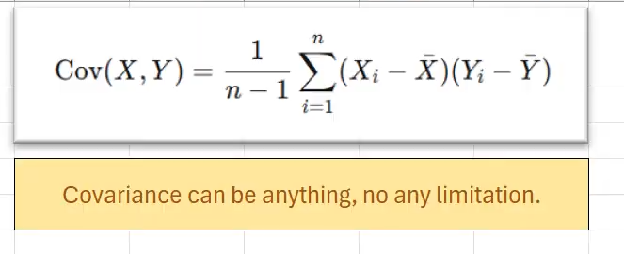
Study Hours (x) | Exam Score (y) | x̄ | ȳ | x-x̄ | y-ȳ | (x-x̄)(y-ȳ)
2 | 65 | 6 | 75 | -4 | -10 | 40
10 | 85 |  |  | 4 | 10 | 40
6 | 75 |  |  | 0 | 0 | 0
8 | 80 |  |  | 2 | 5 | 10
4 | 70 |  |  | -2 | -5 | 10

Exam Score (y) vs. Study Hours (x)
 |  |  |  |  | Sum | 100
 |  |  |  |  | n | 5
 |  |  |  |  | n-1 | 4
 |  |  |  |  | COV | 25

Pearson Correlation
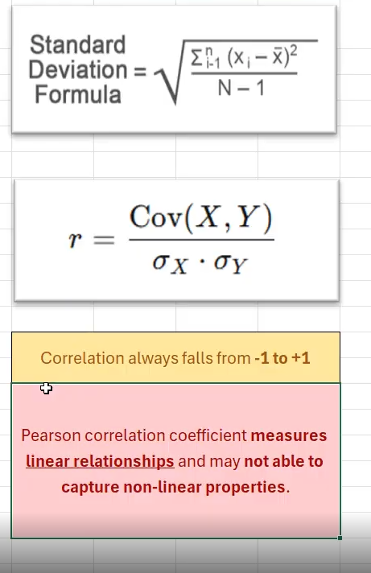
Study Hours (x) | Exam Score (y) | x̄ | ȳ | x-x̄ | y-ȳ | (x-x̄)(y-ȳ) |  | (x-x̄)^2 | (y-ȳ)^2
2 | 65 | 6 | 75 | -4 | -10 | 40 |  | 16 | 100
10 | 85 |  |  | 4 | 10 | 40 |  | 16 | 100
6 | 75 |  |  | 0 | 0 | 0 |  | 0 | 0
8 | 80 |  |  | 2 | 5 | 10 |  | 4 | 25
4 | 70 |  |  | -2 | -5 | 10 |  | 4 | 25

 |  |  |  |  | Sum | 100 | Sum | 40 | 250
 |  |  |  |  | n | 5 | Sum/n-1 | 10 | 62.5
 |  |  |  |  | n-1 | 4 | STD(X) | 3.16227766
 |  |  |  |  | COV | 25 | STD(Y) | 7.90569415
 |  |  |  |  |  |  | CORR | 1

