Arkusz1
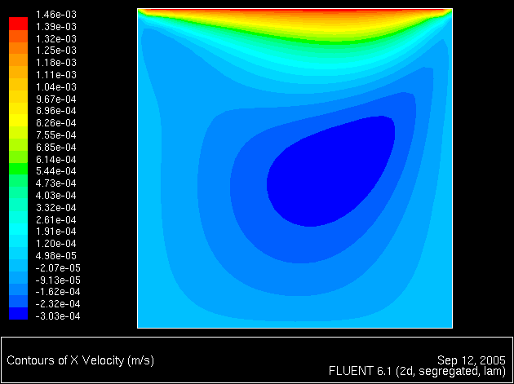
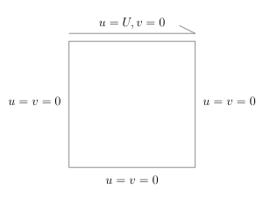
1000
 | solver |  |  |  |  | parallel_for |  |  |  |  | eigen

 | time [ms] | time [s] | speedup | iterations | memory bound | time [ms] | time [s] | speedup | iterations | memory bound | time [ms] | time [s] | speedup | iterations | memory bound
 | 108314 | 108.3 | 1 | 1 | 12290.2 | 99779 | 99.8 | 1 | 1 | 13341.5 | 761676 | 761.7 | 1 | 1 | 1747.7
 | 116656 | 116.7 | 0.93 | 1.00 | 11411.3 | 98596 | 98.6 | 1.1 | 1 | 13501.6 | 769732 | 769.7 | 0.990 | 1.00 | 1729.4
 | 122199 | 122.2 | 0.89 | 1.00 | 10893.7 | 105493 | 105.5 | 1.0 | 1 | 12618.8 | 765416 | 765.4 | 0.995 | 1.00 | 1739.2
 | 116484 | 116.5 | 0.93 | 1.00 | 11428.2 | 15289 | 15.3 | 7.1 | 10 | 870691.3 | 815219 | 815.2 | 0.934 | 1.00 | 1632.9
 | 119942 | 119.9 | 0.90 | 1.00 | 11098.7 | 11628 | 11.6 | 9.3 | 10 | 1144822.8 | 1065562 | 1065.6 | 0.715 | 1.00 | 1249.3
 | 121307 | 121.3 | 0.89 | 1.00 | 10973.8 | 12039 | 12.0 | 9.0 | 10 | 1105739.7 | 1001626 | 1001.6 | 0.760 | 1.00 | 1329.0

