car-rego-desktop
Project Name | Calculater - Desktop Native
Module Name | Validating combinations of different operators like positive, negative, multiplication and division.
Creatred By | satish
Created Date | 2020-11-18
Reviewed By | Harish
Reviewed By | 2020-11-18
Assumptions
1.Assuming as calculator is already instatlled in the Androied mobile.
2.Post condition would be the o/p visible on the screen.

Testcase ID | Testcase Description | Test Steps | Test Data | Expected Results | Actual Results | Result | JIRA | Retest | Remarks | Snapshot

TS_Rego_001 | This test case is to validate car registration for the current year for 3 months. | 1.launch the browser 2.Enter the URL vicrods.vic.gov.au 3.Navigate through registration->registration fees->short term registration. 4.click lable lets get started. 5.Enter the valid post code and click next. 6.Select the vehicle type using radio button and click next. 7.Select the fule type and click next. 8.select yes or no for concession card and click calculate. 9.Validate 3 months rego lable and total price. | 1.Enter valid post code 2.select radio button for vehicle type. 3.select radio button for fule type. 4.select yes or no for the concession card. 5.validate 3 months lable and total price = $211.20. | 1.four digit and non zero numbers. 2.select one radio button for vehicle type. 3.select one radio button for fule type. 4.click yes or no button for concession card. 5.lable= 3 mongths and total price =$211.20 | 1.four digit and non zero numbers. 2.select one radio button for vehicle type. 3.select one radio button for fule type. 4.click yes or no button for concession card. 5.lable= 3 mongths and total price =$211.20 | pass |  |  |  | 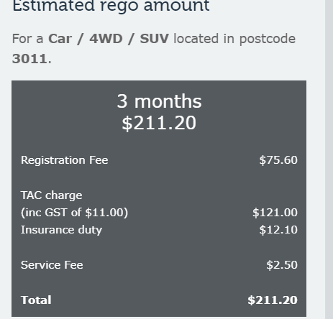
TS_Rego_002 | This test case is to validate car registration for the current year for 6 months. | 1.launch the browser 2.Enter the URL vicrods.vic.gov.au 3.Navigate through registration->registration fees->short term registration. 4.click lable lets get started. 5.Enter the valid post code and click next. 6.Select the vehicle type using radio button and click next. 7.Select the fule type and click next. 8.select yes or no for concession card and click calculate. 9.Validate 6 months rego lable and total price. | 1.Enter valid post code 2.select radio button for vehicle type. 3.select radio button for fule type. 4.select yes or no for the concession card. 5.validate 6 months lable and total price = $419.90 | 1.Enter valid post code 2.select radio button for vehicle type. 3.select radio button for fule type. 4.select yes or no for the concession card. 5.validate 6 months lable and total price = $419.90 | 1.Enter valid post code 2.select radio button for vehicle type. 3.select radio button for fule type. 4.select yes or no for the concession card. 5.validate 6 months lable and total price = $419.90 | pass |  |  |  | 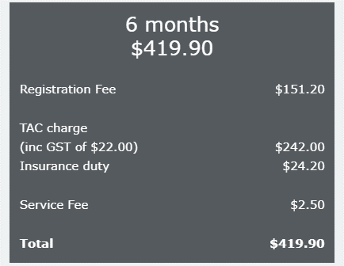
TS_Rego_003 | This test case is to validate car registration for the current year for 12 months. | 1.launch the browser 2.Enter the URL vicrods.vic.gov.au 3.Navigate through registration->registration fees->short term registration. 4.click lable lets get started. 5.Enter the valid post code and click next. 6.Select the vehicle type using radio button and click next. 7.Select the fule type and click next. 8.select yes or no for concession card and click calculate. 9.Validate 12 months rego lable and total price. | 1.Enter valid post code 2.select radio button for vehicle type. 3.select radio button for fule type. 4.select yes or no for the concession card. 5.validate 12 months lable and total price = $834.80 | 1.Enter valid post code 2.select radio button for vehicle type. 3.select radio button for fule type. 4.select yes or no for the concession card. 5.validate 12 months lable and total price = $834.80 | 1.Enter valid post code 2.select radio button for vehicle type. 3.select radio button for fule type. 4.select yes or no for the concession card. 5.validate 12 months lable and total price = $834.80 | pass |  |  |  | 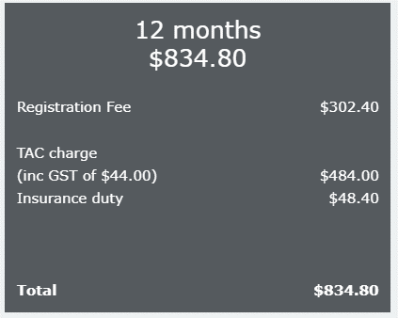

car-rego-mobile
Project Name | Calculater - Desktop Native
Module Name | Validating combinations of different operators like positive, negative, multiplication and division.
Creatred By | satish
Created Date | 2020-11-18
Reviewed By | Harish
Reviewed By | 2020-11-18
Assumptions
1.Assuming as calculator is already instatlled in the Androied mobile.
2.Post condition would be the o/p visible on the screen.

Testcase ID | Testcase Description | Test Steps | Test Data | Expected Results | Actual Results | Result | JIRA | Retest | Remarks | Snapshot

TS_Rego_001 | This test case is to validate car registration for the current year for 3 months. | 1.launch the browser 2.Enter the URL vicrods.vic.gov.au 3.Navigate through registration->registration fees->short term registration. 4.click lable lets get started. 5.Enter the valid post code and click next. 6.Select the vehicle type using radio button and click next. 7.Select the fule type and click next. 8.select yes or no for concession card and click calculate. 9.Validate 3 months rego lable and total price. | 1.Enter valid post code 2.select radio button for vehicle type. 3.select radio button for fule type. 4.select yes or no for the concession card. 5.validate 3 months lable and total price = $211.20. | 1.four digit and non zero numbers. 2.select one radio button for vehicle type. 3.select one radio button for fule type. 4.click yes or no button for concession card. 5.lable= 3 mongths and total price =$211.20 | 1.four digit and non zero numbers. 2.select one radio button for vehicle type. 3.select one radio button for fule type. 4.click yes or no button for concession card. 5.lable= 3 mongths and total price =$211.20 | pass |  |  |  | 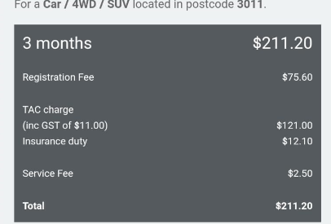
TS_Rego_002 | This test case is to validate car registration for the current year for 6 months. | 1.launch the browser 2.Enter the URL vicrods.vic.gov.au 3.Navigate through registration->registration fees->short term registration. 4.click lable lets get started. 5.Enter the valid post code and click next. 6.Select the vehicle type using radio button and click next. 7.Select the fule type and click next. 8.select yes or no for concession card and click calculate. 9.Validate 6 months rego lable and total price. | 1.Enter valid post code 2.select radio button for vehicle type. 3.select radio button for fule type. 4.select yes or no for the concession card. 5.validate 6 months lable and total price = $419.90 | 1.Enter valid post code 2.select radio button for vehicle type. 3.select radio button for fule type. 4.select yes or no for the concession card. 5.validate 6 months lable and total price = $419.90 | 1.Enter valid post code 2.select radio button for vehicle type. 3.select radio button for fule type. 4.select yes or no for the concession card. 5.validate 6 months lable and total price = $419.90 | pass |  |  |  | 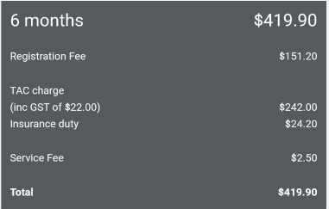
TS_Rego_003 | This test case is to validate car registration for the current year for 12 months. | 1.launch the browser 2.Enter the URL vicrods.vic.gov.au 3.Navigate through registration->registration fees->short term registration. 4.click lable lets get started. 5.Enter the valid post code and click next. 6.Select the vehicle type using radio button and click next. 7.Select the fule type and click next. 8.select yes or no for concession card and click calculate. 9.Validate 12 months rego lable and total price. | 1.Enter valid post code 2.select radio button for vehicle type. 3.select radio button for fule type. 4.select yes or no for the concession card. 5.validate 12 months lable and total price = $834.80 | 1.Enter valid post code 2.select radio button for vehicle type. 3.select radio button for fule type. 4.select yes or no for the concession card. 5.validate 12 months lable and total price = $834.80 | 1.Enter valid post code 2.select radio button for vehicle type. 3.select radio button for fule type. 4.select yes or no for the concession card. 5.validate 12 months lable and total price = $834.80 | pass |  |  |  | 