Motor Characterization
Control Law Characterization

STS3250
Encoder Resolution | 4096 | counts/rev
Peak Stall Torque | 50 | kg*cm @12v
Peak Stall Torque | 4.9035 | Nm
Stall Current | 4.6 | A @ 12v
Torque Constant | 11 | kgcm/A
Torque Constant | 1.0787315 | Nm/A
Calculated (kt) | 1.0659782609
Winding Resistance | 1.2 | ohm
KP | 32
KD | 0
KI | 0
Output Voltage | 12.1 | V
Output Freq | 24.16 | kHz

Error Gain = DutyCycle / (Position Error * KP)

STS3250 Spot Check Error Gain Measurement and Calcs
Encoder Resolution | 4096 | 4096 | 4096 | 4096 | 4096 | counts/rev | Error (rad) | Error Gain
Present Position | 2263 | 2263 | 2263 | 2263 | 2263 | counts | 0.13805827091 | 0.16382926011
Goal Position | 2353 | 2358 | 2363 | 2368 | 2374 | counts | 0.14572817485 | 0.16390694112
Position Error | 90 | 95 | 100 | 105 | 111 | counts | 0.15339807879 | 0.16382926011 | * Chose this value right before torque protection kicks in
Position Error Scale | 0.13805827091 | 0.14572817485 | 0.15339807879 | 0.16106798273 | 0.17027186746 | radians | 0.16106798273 | 0.03915221786
KP | 32 | 32 | 32 | 32 | 32 |  | 0.17027186746 | 0.037044746259
KD | 0 | 0 | 0 | 0 | 0
KI | 0 | 0 | 0 | 0 | 0
Output Freq | 24.15 | 24.15 | 24.15 | 24.15 | 24.15 | khz
Output Period | 41.407867495 | 41.407867495 | 41.407867495 | 41.407867495 | 41.407867495 | uS
Output Voltage | 12.1 | 12.1 | 12.1 | 12.1 | 12.1 | vdc
Present PWM | -720 | -760 | -800 | 22 |  | register
PWM On Time | 29.97 | 31.65 | 33.3 | 8.356 | 8.358 | uS
Effort (duty cycle) | 0.7237755 | 0.7643475 | 0.804195 | 0.2017974 | 0.2018457
Max PWM On Time | 41.4 | 41.4 | 41.4 | 41.4 | 41.4
Max Effort | 0.99981 | 0.99981 | 0.99981 | 0.99981 | 0.99981
Error_Gain | 0.16382926011 | 0.16390694112 | 0.16382926011 | 0.03915221786 | 0.037044746259

More Data Points 2025-03-27
STS3250 (High Res Error Gain Measurement and Calcs)

Present Position [steps] | Goal Position [steps] | Position Error [steps] | Position Error [Radians] | Duty Cycle % | Error Gain
1861 | 1862 | 1 | 0.0015339807879 | 0.975 | 0.19862536898
1861 | 1863 | 2 | 0.0030679615758 | 1.775 | 0.18080001535
1861 | 1864 | 3 | 0.0046019423637 | 2.579 | 0.17512985525
1861 | 1865 | 4 | 0.0061359231515 | 3.379 | 0.17209105687
1861 | 1866 | 5 | 0.0076699039394 | 4.179 | 0.17026777784
1861 | 1867 | 6 | 0.0092038847273 | 4.977 | 0.16898435238
1861 | 1868 | 7 | 0.010737865515 | 5.777 | 0.16812582514
1861 | 1869 | 8 | 0.012271846303 | 6.578 | 0.16750739451
1861 | 1870 | 9 | 0.013805827091 | 7.378 | 0.16700375753
1861 | 1871 | 10 | 0.015339807879 | 8.175 | 0.16653973245
1861 | 1872 | 11 | 0.016873788667 | 8.975 | 0.16621563511
1861 | 1873 | 12 | 0.018407769455 | 9.776 | 0.16596253052
1861 | 1874 | 13 | 0.019941750243 | 10.577 | 0.1657483651
1861 | 1875 | 14 | 0.02147573103 | 11.377 | 0.16555024343
1861 | 1876 | 15 | 0.023009711818 | 12.177 | 0.16537853799
1861 | 1877 | 16 | 0.024543692606 | 12.975 | 0.16520283093
1861 | 1878 | 17 | 0.026077673394 | 13.775 | 0.16507176215
1861 | 1879 | 18 | 0.027611654182 | 14.575 | 0.16495525657
1861 | 1880 | 19 | 0.02914563497 | 15.375 | 0.16485101474
1861 | 1881 | 20 | 0.030679615758 | 16.175 | 0.16475719709
1861 | 1882 | 21 | 0.032213596546 | 16.975 | 0.16467231445
1861 | 1883 | 22 | 0.033747577333 | 17.775 | 0.16459514842
1861 | 1884 | 23 | 0.035281558121 | 18.575 | 0.16452469248
1861 | 1885 | 24 | 0.036815538909 | 19.375 | 0.16446010786
1861 | 1886 | 25 | 0.038349519697 | 20.172 | 0.16437624382
1861 | 1887 | 26 | 0.039883500485 | 20.973 | 0.16433017213
1861 | 1888 | 27 | 0.041417481273 | 21.772 | 0.16427242292
1861 | 1889 | 28 | 0.042951462061 | 22.572 | 0.16422607431
1861 | 1890 | 29 | 0.044485442849 | 23.37 | 0.16416887261
1861 | 1891 | 30 | 0.046019423637 | 24.172 | 0.1641426468
1861 | 1892 | 31 | 0.047553404424 | 24.97 | 0.16409182675
1861 | 1893 | 32 | 0.049087385212 | 25.77 | 0.16405691534
1861 | 1894 | 33 | 0.050621366 | 26.57 | 0.16402411978
1861 | 1895 | 34 | 0.052155346788 | 27.37 | 0.16399325336
1861 | 1896 | 35 | 0.053689327576 | 28.17 | 0.16396415074
1861 | 1897 | 36 | 0.055223308364 | 28.97 | 0.16393666494
1861 | 1898 | 37 | 0.056757289152 | 29.77 | 0.16391066485
1861 | 1899 | 38 | 0.05829126994 | 30.565 | 0.16385922815
1861 | 1900 | 39 | 0.059825250728 | 31.363 | 0.16382609986
1861 | 1901 | 40 | 0.061359231515 | 32.17 | 0.16384046462
1861 | 1902 | 41 | 0.062893212303 | 32.968 | 0.16380940999
1861 | 1903 | 42 | 0.064427193091 | 33.767 | 0.1637846846
1861 | 1904 | 43 | 0.065961173879 | 34.568 | 0.16377058449
1861 | 1905 | 44 | 0.067495154667 | 35.36 | 0.16371545564
1861 | 1906 | 45 | 0.069029135455 | 36.168 | 0.16373521015
1861 | 1907 | 46 | 0.070563116243 | 36.965 | 0.16370539051
1861 | 1908 | 47 | 0.072097097031 | 37.765 | 0.16368984309
1861 | 1909 | 48 | 0.073631077819 | 38.565 | 0.16367494348
1861 | 1910 | 49 | 0.075165058606 | 39.365 | 0.16366065201
1861 | 1911 | 50 | 0.076699039394 | 40.165 | 0.16364693221
1861 | 1912 | 51 | 0.078233020182 | 40.965 | 0.16363375043
1861 | 1913 | 52 | 0.07976700097 | 41.765 | 0.16362107565
1861 | 1914 | 53 | 0.081300981758 | 42.565 | 0.16360887916
1861 | 1915 | 54 | 0.082834962546 | 43.363 | 0.16358958927
1861 | 1916 | 55 | 0.084368943334 | 44.163 | 0.16357840877
1861 | 1917 | 56 | 0.085902924122 | 44.962 | 0.16356398974
1861 | 1918 | 57 | 0.087436904909 | 45.763 | 0.16355722466
1861 | 1919 | 58 | 0.088970885697 | 46.562 | 0.16354366809
1861 | 1920 | 59 | 0.090504866485 | 47.365 | 0.16354438247
1861 | 1921 | 60 | 0.092038847273 | 48.163 | 0.16352809651
1861 | 1922 | 61 | 0.093572828061 | 48.965 | 0.1635257031
1861 | 1923 | 62 | 0.095106808849 | 49.765 | 0.16351681534
1861 | 1924 | 63 | 0.096640789637 | 50.563 | 0.16350174248
1861 | 1925 | 64 | 0.098174770425 | 51.36 | 0.16348395754
1861 | 1926 | 65 | 0.099708751213 | 52.155 | 0.16346045158
1861 | 1927 | 66 | 0.101242732 | 52.95 | 0.16343765792
1861 | 1928 | 67 | 0.10277671279 | 53.77 | 0.16349155897
1861 | 1929 | 68 | 0.10431069358 | 54.56 | 0.16345399897
1861 | 1930 | 69 | 0.10584467436 | 55.36 | 0.16344705205
1861 | 1931 | 70 | 0.10737865515 | 56.158 | 0.16343448309
1861 | 1932 | 71 | 0.10891263594 | 56.955 | 0.16341939892
1861 | 1933 | 72 | 0.11044661673 | 57.75 | 0.16339907491
1861 | 1934 | 73 | 0.11198059752 | 58.55 | 0.16339326103
1861 | 1935 | 74 | 0.1135145783 | 59.355 | 0.16340136903
1861 | 1936 | 75 | 0.11504855909 | 60.158 | 0.16340382834
1861 | 1937 | 76 | 0.11658253988 | 60.95 | 0.16337673737
1861 | 1938 | 77 | 0.11811652067 | 61.754 | 0.16338209838
1861 | 1939 | 78 | 0.11965050146 | 62.555 | 0.16337948661
1861 | 1940 | 79 | 0.12118448224 | 63.35 | 0.16336146868
1861 | 1941 | 80 | 0.12271846303 | 64.15 | 0.16335663359
1861 | 1942 | 81 | 0.12425244382 | 64.95 | 0.16335191789
1861 | 1943 | 82 | 0.12578642461 | 65.75 | 0.1633473172
1861 | 1944 | 83 | 0.12732040539 | 66.55 | 0.16334282738
1861 | 1945 | 84 | 0.12885438618 | 67.35 | 0.16333844445
1861 | 1946 | 85 | 0.13038836697 | 68.15 | 0.16333416466
1861 | 1947 | 86 | 0.13192234776 | 68.95 | 0.16332998439
1861 | 1948 | 87 | 0.13345632855 | 69.745 | 0.16331419227
1861 | 1949 | 88 | 0.13499030933 | 70.55 | 0.16332190887
1861 | 1950 | 89 | 0.13652429012 | 71.345 | 0.16330656237
1861 | 1951 | 90 | 0.13805827091 | 72.145 | 0.16330287459
1861 | 1952 | 91 | 0.1395922517 | 72.945 | 0.16329926785
1861 | 1953 | 92 | 0.14112623249 | 73.745 | 0.16329573952
1861 | 1954 | 93 | 0.14266021327 | 74.54 | 0.16328133448
1861 | 1955 | 94 | 0.14419419406 | 75.343 | 0.16328457365
1861 | 1956 | 95 | 0.14572817485 | 76.14 | 0.16327487821
1861 | 1957 | 96 | 0.14726215564 | 76.95 | 0.16329297161
1861 | 1958 | 97 | 0.14879613642 | 77.74 | 0.16326868818
1861 | 1959 | 98 | 0.15033011721 | 78.54 | 0.16326568791
1861 | 1960 | 99 | 0.151864098 | 79.343 | 0.16326892153
1861 | 1961 | 100 | 0.15339807879 | 80.135 | 0.16324968147

Dataset Inspection Pendulum BAM
 | Potential Issues with Dataset

 | Changed duration time of experiments yesterday from 6 seconds to 8 seconds. Now nearly half the dataset is different lengths.
 | Spurious random spikes in pos/vel (can be filtered out, should nbe filtered at time of experiment, or force retry of experment)
 | Failed lift and drop (a couple found still, probably old, new data acquistion does a better job of guranteeing kos torque off is executed.
 | sin_time_square is interesting, seems like the motor can't keep up in any meaningful way… ?

Plan
Repetitions | 6
Gains (KP) | [4, 8, 16, 24, 32]
Trajectories | drop_lift, sin_sin, up_down, sin_time_square, brutal
Arm Lengths | 100, 150 mm
Weights | 0.5, 1, 1.5, 2, 2.5 lb
Raw Data | sysid/sts3215v12/logs_gold1_first_complete_dataset_mismatch_duration_6s_vs_8s

Total Experiments | 1543 | * Untouched Raw Data, Process via bam with --dt 0.005
M1 Best Score | 0.18800476457
Iterations | 5000
kt | 2.5
R | 10
armature | 0.03929

Total Experiments | 1325
M1 Best Score | 0.19029474229 | * Removed 218 files that had pos/vel spikes detected
Iterations | 5000
kt | 2.5
R | 10
armature | 0.039598546017

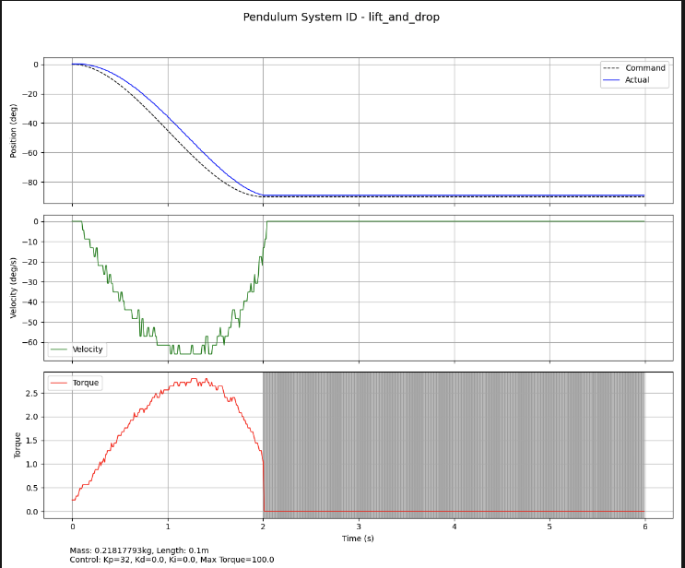
 |  |  | BAD LIFT AND DROP. Torque did not disable at t=2sec
Total Experiments | 1323
M1 Best Score |  | * Removed 2 Bad Lift and Drops where Torque Did not Disable
Iterations | 5000
kt
R
armature

Dataset No Interpolation
 | Since our datacollection implementation records at a reliable 100hz we will not use Bam's "process" function which performs interpolation to create a stable dt between entries.
 | original bam recording implementation with feetech sdk did not properly regulate the collection loop rate and data points were captured irradicatlly.

Plan
Repetitions | 6
Gains (KP) | [4, 8, 16, 24, 32]
Trajectories | drop_lift, sin_sin, up_down, sin_time_square, brutal
Arm Lengths | 100, 150 mm
Weights | 0.5, 1, 1.5, 2, 2.5 lb
Raw Data | sysid/sts3215v12/logs_gold1_first_complete_dataset_mismatch_duration_6s_vs_8s

Total Experiments | 1541 | * added dt = 0.01 to our raw dataset
M1 Best Score | 0.18856702275
Iterations | 5000
kt
R
armature

Total Experiments | 1539
M1 Best Score | 0.18830301264 | Removed BAD LIFT AND DROP. Torque did not disable at t=2sec
Iterations | 5000
kt
R
armature

Total Experiments | 1539 | Changed kt from calculated (1.089666667) to specsheet (1.0787315) ** This parameter is used during fit
M1 Best Score | 0.18833238063
Iterations | 5000
kt
R
armature

Total Experiments | 1539 | Changed Initial Guess at resistance from 5.5ohm to 2.0ohm (compared to sts3215 7.4v)
M1 Best Score | 0.18833238063
Iterations | 5000
kt
R
armature

Total Experiments | 1539 | Changed q_offset to make tighter (was +- 0.2 radians, changed to +-0.1 radians) measured backlash is +- 0.0175 radians
M1 Best Score | 0.18825503563
Iterations | 5000
kt
R
armature

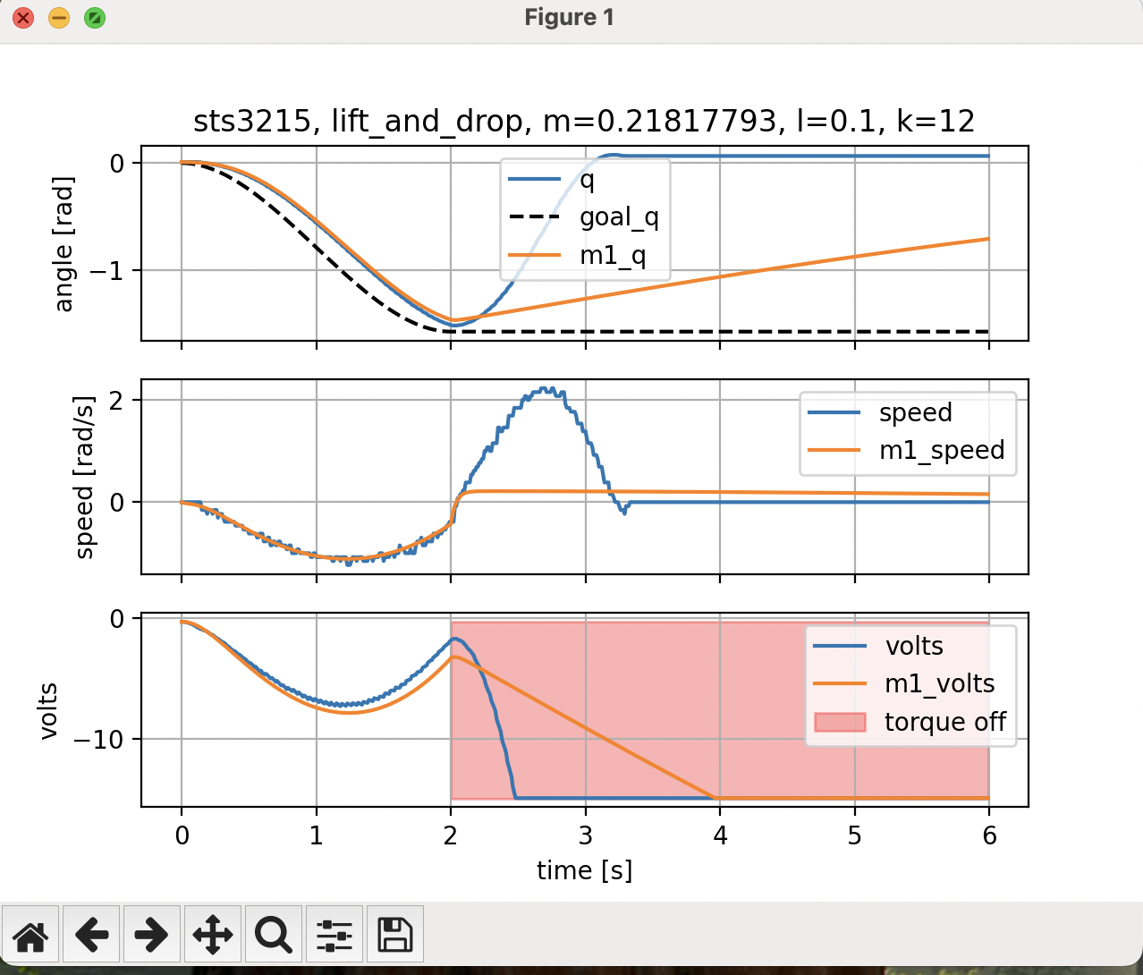
Total Experiments | 1259 | Removed all Lift and Drop Trajectories, need to investigate, this looks like its wrecking the fit process
M1 Best Score | 0.15606123271 | Changed q_offset back to +- 0.2 radians
Iterations
kt
R
armature

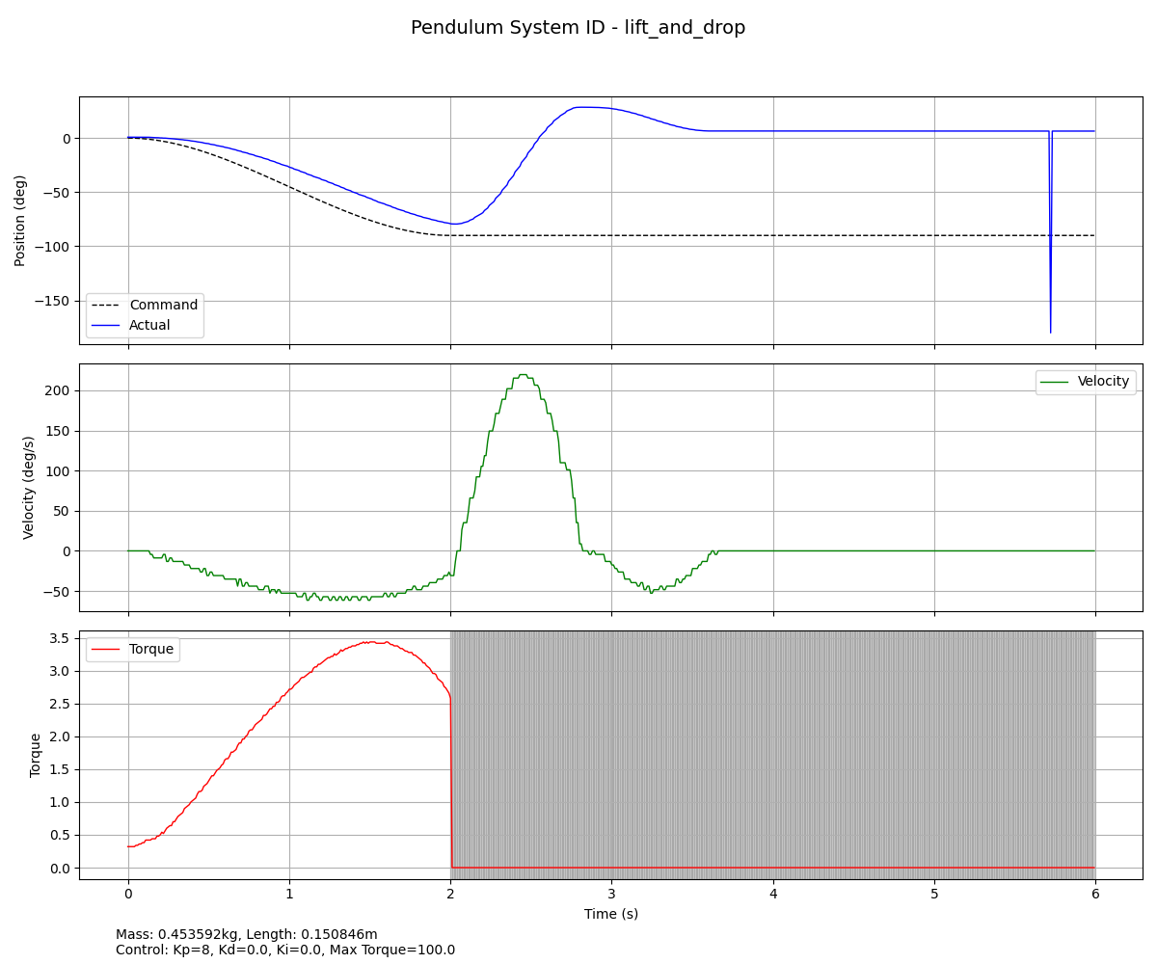
Total Experiments | 1259 | removed all data files with spikes in them
M1 Best Score | 0.15518471926
Iterations
kt
R
armature

