Motor Characterization
 | Control Law Characterization

 | STS3215
 | Encoder Resolution | 4096 | counts/rev
 | Peak Stall Torque | 30 | kg*cm @12v
 | Peak Stall Torque | 2.9421 | Nm
 | Stall Current | 2.7 | A @ 12v
 | Torque Constant (kt) | 11 | kg*cm / A
*From Spec | Torque Constant (kt) | 1.0787315 | Nm/A
 | Calculated (kt) | 1.0896666667
 | Winding Resistance | 1 | ohm
 | KP | 32
 | KD | 0
 | KI | 0
 | Output Voltage | 12.1 | V
 | Output Freq | 24.16 | kHz

 | Error Gain = Effort / (Position Error * KP)

 | STS3215
 | Encoder Resolution | 4096 | 4096 | 4096 | 4096 | 4096 | 4096 | 4096 | 4096 | 4096 | 4096 | counts/rev |  | Error (rad) | Error Gain
 | Present Position | 1576 | 1576 | 1576 | 1576 | 1576 | 1576 | 1576 | 1576 | 1576 | 1576 | counts |  | 7 | 0.19081786409
 | Goal Position | 1583 | 1587 | 1601 | 1626 | 1651 | 1661 | 1666 | 1671 | 1676 | 1687 | counts |  | 11 | 0.18033294479
 | Position Error | 7 | 11 | 25 | 50 | 75 | 85 | 90 | 95 | 100 | 111 | counts |  | 25 | 0.17055954323
 | Position Error Radians | 0.010737865515 | 0.016873788667 | 0.038349519697 | 0.076699039394 | 0.11504855909 | 0.13038836697 | 0.13805827091 | 0.14572817485 | 0.15339807879 | 0.17027186746 | radians |  | 50 | 0.1607789856
 | KP | 32 | 32 | 32 | 32 | 32 | 32 | 32 | 32 | 32 | 32 |  |  | 75 | 0.16543639399
 | KD | 0 | 0 | 0 | 0 | 0 | 0 | 0 | 0 | 0 | 0 |  |  | 85 | 0.16513155947
 | KI | 0 | 0 | 0 | 0 | 0 | 0 | 0 | 0 | 0 | 0 |  |  | 90 | 0.16497721288
 | Output Freq | 24.15 | 24.15 | 24.15 | 24.15 | 24.15 | 24.15 | 24.15 | 24.15 | 24.15 | 24.15 | khz |  | 95 | 0.16489090064
 | Output Period | 41.407867495 | 41.407867495 | 41.407867495 | 41.407867495 | 41.407867495 | 41.407867495 | 41.407867495 | 41.407867495 | 41.407867495 | 41.407867495 | uS |  | 100 | 0.041021272396
 | Output Voltage | 12.1 | 12.1 | 12.1 | 12.1 | 12.1 | 12.1 | 12.1 | 12.1 | 12.1 | 12.1 | vdc |  | 111 | 0.036942805
 | Present PWM (Register) | -64 | -96 | -208 | -408 | -608 | -688 | -688 | -768 | -200 | -200
 | PWM On Time | 2.715 | 4.032 | 8.667 | 16.34 | 25.22 | 28.53 | 30.18 | 31.84 | 8.338 | 8.335 | uS
 | Effort (duty cycle) | 0.06556725 | 0.0973728 | 0.20930805 | 0.394611 | 0.609063 | 0.6889995 | 0.728847 | 0.768936 | 0.2013627 | 0.20129025 |  | Note: We choose error gain right before dropping off the cliff.
 | Max PWM On Time | 41.26 | 41.26 | 41.26 | 41.26 | 41.26 | 41.26 | 41.26 | 41.26 | 41.26 | 41.26
 | Max Effort | 0.996429 | 0.996429 | 0.996429 | 0.996429 | 0.996429 | 0.996429 | 0.996429 | 0.996429 | 0.996429 | 0.996429
 | Error_Gain | 0.19081786409 | 0.18033294479 | 0.17055954323 | 0.1607789856 | 0.16543639399 | 0.16513155947 | 0.16497721288 | 0.16489090064 | 0.041021272396 | 0.036942804507

 | More Data Points 2025-03-26
 | STS3215

 | Error Gain
0.0030679615758 | 0.25770368385
0.0046019423637 | 0.22612734314
0.0061359231515 | 0.21033917279
0.0076699039394 | 0.20086627058
0.0092038847273 | 0.19455100244
0.010737865515 | 0.19004009662
0.012271846303 | 0.18665691726
0.013805827091 | 0.18402555553
0.015339807879 | 0.18192046615
0.016873788667 | 0.18019812029
0.018407769455 | 0.17876283208
0.019941750243 | 0.17754835744
0.02147573103 | 0.17650737917
0.023009711818 | 0.17560519801
0.024543692606 | 0.17481578949
0.026077673394 | 0.17411925256
0.027611654182 | 0.17350010863
0.02914563497 | 0.17283891757
0.030679615758 | 0.17244756394
0.032213596546 | 0.17199647336
0.033747577333 | 0.17158639101
0.035281558121 | 0.171211968
0.036815538909 | 0.17078386427
0.038349519697 | 0.17051223983
0.039883500485 | 0.17022233298
0.041417481273 | 0.16995390071
0.042951462061 | 0.16970464218
0.044485442849 | 0.16947257389
0.046019423637 | 0.16925597681
0.047553404424 | 0.16905335375
0.049087385212 | 0.16886339462
0.050621366 | 0.16868494817
0.052155346788 | 0.16851699857
0.053689327576 | 0.16835864609
0.055223308364 | 0.16820909097
0.056757289152 | 0.16806761991
0.05829126994 | 0.16792287267
0.059825250728 | 0.16779599547
0.061359231515 | 0.16767546213
0.062893212303 | 0.16756080846
0.064427193091 | 0.16745161449
0.065961173879 | 0.16734749931
0.067495154667 | 0.16724811663
0.069029135455 | 0.16715315097
0.070563116243 | 0.16704902827
0.072097097031 | 0.16696233962
0.073631077819 | 0.166879263
0.075165058606 | 0.16679957726
0.076699039394 | 0.16672307895
0.078233020182 | 0.16664958057
...
 | Present Position [steps] | Goal Position [steps] | Position Error [steps] | Position Error [Radians] | Duty Cycle % | Error Gain
 | 1624 | 1622 | -2 | 0.0030679615758 | 2.53 | 0.25770368385
 | 1624 | 1621 | -3 | 0.0046019423637 | 3.33 | 0.22612734314
 | 1624 | 1620 | -4 | 0.0061359231515 | 4.13 | 0.21033917279
 | 1624 | 1619 | -5 | 0.0076699039394 | 4.93 | 0.20086627058
 | 1624 | 1618 | -6 | 0.0092038847273 | 5.73 | 0.19455100244
 | 1624 | 1617 | -7 | 0.010737865515 | 6.53 | 0.19004009662
 | 1624 | 1616 | -8 | 0.012271846303 | 7.33 | 0.18665691726
 | 1624 | 1615 | -9 | 0.013805827091 | 8.13 | 0.18402555553
 | 1624 | 1614 | -10 | 0.015339807879 | 8.93 | 0.18192046615
 | 1624 | 1613 | -11 | 0.016873788667 | 9.73 | 0.18019812029
 | 1624 | 1612 | -12 | 0.018407769455 | 10.53 | 0.17876283208
 | 1624 | 1611 | -13 | 0.019941750243 | 11.33 | 0.17754835744
 | 1624 | 1610 | -14 | 0.02147573103 | 12.13 | 0.17650737917
 | 1624 | 1609 | -15 | 0.023009711818 | 12.93 | 0.17560519801
 | 1624 | 1608 | -16 | 0.024543692606 | 13.73 | 0.17481578949
 | 1624 | 1607 | -17 | 0.026077673394 | 14.53 | 0.17411925256
 | 1624 | 1606 | -18 | 0.027611654182 | 15.33 | 0.17350010863
 | 1624 | 1605 | -19 | 0.02914563497 | 16.12 | 0.17283891757
 | 1624 | 1604 | -20 | 0.030679615758 | 16.93 | 0.17244756394
 | 1624 | 1603 | -21 | 0.032213596546 | 17.73 | 0.17199647336
 | 1624 | 1602 | -22 | 0.033747577333 | 18.53 | 0.17158639101
 | 1624 | 1601 | -23 | 0.035281558121 | 19.33 | 0.171211968
 | 1624 | 1600 | -24 | 0.036815538909 | 20.12 | 0.17078386427
 | 1624 | 1599 | -25 | 0.038349519697 | 20.925 | 0.17051223983
 | 1624 | 1598 | -26 | 0.039883500485 | 21.725 | 0.17022233298
 | 1624 | 1597 | -27 | 0.041417481273 | 22.525 | 0.16995390071
 | 1624 | 1596 | -28 | 0.042951462061 | 23.325 | 0.16970464218
 | 1624 | 1595 | -29 | 0.044485442849 | 24.125 | 0.16947257389
 | 1624 | 1594 | -30 | 0.046019423637 | 24.925 | 0.16925597681
 | 1624 | 1593 | -31 | 0.047553404424 | 25.725 | 0.16905335375
 | 1624 | 1592 | -32 | 0.049087385212 | 26.525 | 0.16886339462
 | 1624 | 1591 | -33 | 0.050621366 | 27.325 | 0.16868494817
 | 1624 | 1590 | -34 | 0.052155346788 | 28.125 | 0.16851699857
 | 1624 | 1589 | -35 | 0.053689327576 | 28.925 | 0.16835864609
 | 1624 | 1588 | -36 | 0.055223308364 | 29.725 | 0.16820909097
 | 1624 | 1587 | -37 | 0.056757289152 | 30.525 | 0.16806761991
 | 1624 | 1586 | -38 | 0.05829126994 | 31.323 | 0.16792287267
 | 1624 | 1585 | -39 | 0.059825250728 | 32.123 | 0.16779599547
 | 1624 | 1584 | -40 | 0.061359231515 | 32.923 | 0.16767546213
 | 1624 | 1583 | -41 | 0.062893212303 | 33.723 | 0.16756080846
 | 1624 | 1582 | -42 | 0.064427193091 | 34.523 | 0.16745161449
 | 1624 | 1581 | -43 | 0.065961173879 | 35.323 | 0.16734749931
 | 1624 | 1580 | -44 | 0.067495154667 | 36.123 | 0.16724811663
 | 1624 | 1579 | -45 | 0.069029135455 | 36.923 | 0.16715315097
 | 1624 | 1578 | -46 | 0.070563116243 | 37.72 | 0.16704902827
 | 1624 | 1577 | -47 | 0.072097097031 | 38.52 | 0.16696233962
 | 1624 | 1576 | -48 | 0.073631077819 | 39.32 | 0.166879263
 | 1624 | 1575 | -49 | 0.075165058606 | 40.12 | 0.16679957726
 | 1624 | 1574 | -50 | 0.076699039394 | 40.92 | 0.16672307895
 | 1624 | 1573 | -51 | 0.078233020182 | 41.72 | 0.16664958057
 | 1624 | 1572 | -52 | 0.07976700097 | 42.52 | 0.16657890905
 | 1624 | 1571 | -53 | 0.081300981758 | 43.32 | 0.16651090439
 | 1624 | 1570 | -54 | 0.082834962546 | 44.12 | 0.16644541841
 | 1624 | 1569 | -55 | 0.084368943334 | 44.92 | 0.16638231374
 | 1624 | 1568 | -56 | 0.085902924122 | 45.715 | 0.16630327368
 | 1624 | 1567 | -57 | 0.087436904909 | 46.515 | 0.16624487698
 | 1624 | 1566 | -58 | 0.088970885697 | 47.318 | 0.16619903111
 | 1624 | 1565 | -59 | 0.090504866485 | 48.114 | 0.16613056937
 | 1624 | 1564 | -60 | 0.092038847273 | 48.915 | 0.16608136622
 | 1624 | 1563 | -61 | 0.093572828061 | 49.715 | 0.16603043663
 | 1624 | 1562 | -62 | 0.095106808849 | 50.515 | 0.16598114994
 | 1624 | 1561 | -63 | 0.096640789637 | 51.315 | 0.16593342791
 | 1624 | 1560 | -64 | 0.098174770425 | 52.115 | 0.16588719718
 | 1624 | 1559 | -65 | 0.099708751213 | 52.915 | 0.16584238895
 | 1624 | 1558 | -66 | 0.101242732 | 53.715 | 0.16579893853
 | 1624 | 1557 | -67 | 0.10277671279 | 54.513 | 0.16575070401
 | 1624 | 1556 | -68 | 0.10431069358 | 55.313 | 0.16570987985
 | 1624 | 1555 | -69 | 0.10584467436 | 56.112 | 0.16566728657
 | 1624 | 1554 | -70 | 0.10737865515 | 56.912 | 0.1656288205
 | 1624 | 1553 | -71 | 0.10891263594 | 57.71 | 0.16558569944
 | 1624 | 1552 | -72 | 0.11044661673 | 58.51 | 0.16554943503
 | 1624 | 1551 | -73 | 0.11198059752 | 59.31 | 0.16551416416
 | 1624 | 1550 | -74 | 0.1135145783 | 60.11 | 0.16547984656
 | 1624 | 1549 | -75 | 0.11504855909 | 60.91 | 0.1654464441
 | 1624 | 1548 | -76 | 0.11658253988 | 61.71 | 0.16541392064
 | 1624 | 1547 | -77 | 0.11811652067 | 62.51 | 0.16538224196
 | 1624 | 1546 | -78 | 0.11965050146 | 63.31 | 0.16535137554
 | 1624 | 1545 | -79 | 0.12118448224 | 64.11 | 0.16532129056
 | 1624 | 1544 | -80 | 0.12271846303 | 64.91 | 0.1652919577
 | 1624 | 1543 | -81 | 0.12425244382 | 65.71 | 0.16526334911
 | 1624 | 1542 | -82 | 0.12578642461 | 66.51 | 0.16523543828
 | 1624 | 1541 | -83 | 0.12732040539 | 67.31 | 0.16520820001
 | 1624 | 1540 | -84 | 0.12885438618 | 68.11 | 0.16518161027
 | 1624 | 1539 | -85 | 0.13038836697 | 68.91 | 0.16515564617
 | 1624 | 1538 | -86 | 0.13192234776 | 69.71 | 0.16513028589
 | 1624 | 1537 | -87 | 0.13345632855 | 70.5 | 0.1650820927
 | 1624 | 1536 | -88 | 0.13499030933 | 71.3 | 0.16505814462
 | 1624 | 1535 | -89 | 0.13652429012 | 72.1 | 0.1650347347
 | 1624 | 1534 | -90 | 0.13805827091 | 72.9 | 0.165011845
 | 1624 | 1533 | -91 | 0.1395922517 | 73.7 | 0.16498945837
 | 1624 | 1532 | -92 | 0.14112623249 | 74.5 | 0.1649675584
 | 1624 | 1531 | -93 | 0.14266021327 | 75.3 | 0.16494612941
 | 1624 | 1530 | -94 | 0.14419419406 | 76.1 | 0.16492515635
 | 1624 | 1529 | -95 | 0.14572817485 | 76.9 | 0.16490462483
 | 1624 | 1528 | -96 | 0.14726215564 | 77.695 | 0.16487391071
 | 1624 | 1527 | -97 | 0.14879613642 | 78.495 | 0.16485433083
 | 1624 | 1526 | -98 | 0.15033011721 | 79.295 | 0.16483515053
 | 1624 | 1525 | -99 | 0.151864098 | 80 | 0.16481635771
 | 1624 | 1524 | -100 | 0.15339807879 | 80.89 | 0.16478775484

Dataset Inspection Pendulum BAM
 | Potential Issues with Dataset

 | Changed duration time of experiments yesterday from 6 seconds to 8 seconds. Now nearly half the dataset is different lengths.
 | Spurious random spikes in pos/vel (can be filtered out, should nbe filtered at time of experiment, or force retry of experment)
 | Failed lift and drop (a couple found still, probably old, new data acquistion does a better job of guranteeing kos torque off is executed.
 | sin_time_square is interesting, seems like the motor can't keep up in any meaningful way… ?

Plan
Repetitions | 6
Gains (KP) | [4, 8, 16, 24, 32]
Trajectories | drop_lift, sin_sin, up_down, sin_time_square, brutal
Arm Lengths | 100, 150 mm
Weights | 0.5, 1, 1.5, 2, 2.5 lb
Raw Data | sysid/sts3215v12/logs_gold1_first_complete_dataset_mismatch_duration_6s_vs_8s

Total Experiments | 1543 | * Untouched Raw Data, Process via bam with --dt 0.005
M1 Best Score | 0.18800476457
Iterations | 5000
kt | 2.5
R | 10
armature | 0.03929

Total Experiments | 1325
M1 Best Score | 0.19029474229 | * Removed 218 files that had pos/vel spikes detected
Iterations | 5000
kt | 2.5
R | 10
armature | 0.039598546017

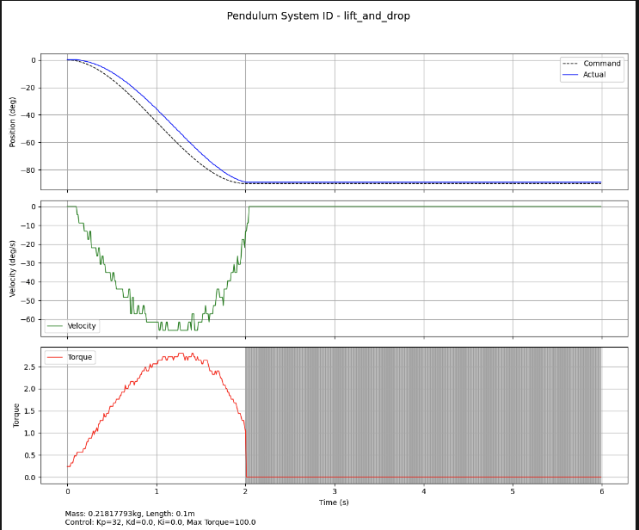
 |  |  | BAD LIFT AND DROP. Torque did not disable at t=2sec
Total Experiments | 1323
M1 Best Score |  | * Removed 2 Bad Lift and Drops where Torque Did not Disable
Iterations | 5000
kt
R
armature

Dataset No Interpolation
 | Since our datacollection implementation records at a reliable 100hz we will not use Bam's "process" function which performs interpolation to create a stable dt between entries.
 | original bam recording implementation with feetech sdk did not properly regulate the collection loop rate and data points were captured irradicatlly.

Plan
Repetitions | 6
Gains (KP) | [4, 8, 16, 24, 32]
Trajectories | drop_lift, sin_sin, up_down, sin_time_square, brutal
Arm Lengths | 100, 150 mm
Weights | 0.5, 1, 1.5, 2, 2.5 lb
Raw Data | sysid/sts3215v12/logs_gold1_first_complete_dataset_mismatch_duration_6s_vs_8s

Total Experiments | 1541 | * added dt = 0.01 to our raw dataset
M1 Best Score | 0.18856702275
Iterations | 5000
kt
R
armature

Total Experiments | 1539
M1 Best Score | 0.18830301264 | Removed BAD LIFT AND DROP. Torque did not disable at t=2sec
Iterations | 5000
kt
R
armature

Total Experiments | 1539 | Changed kt from calculated (1.089666667) to specsheet (1.0787315) ** This parameter is used during fit
M1 Best Score | 0.18833238063
Iterations | 5000
kt
R
armature

Total Experiments | 1539 | Changed Initial Guess at resistance from 5.5ohm to 2.0ohm (compared to sts3215 7.4v)
M1 Best Score | 0.18833238063
Iterations | 5000
kt
R
armature

Total Experiments | 1539 | Changed q_offset to make tighter (was +- 0.2 radians, changed to +-0.1 radians) measured backlash is +- 0.0175 radians
M1 Best Score | 0.18825503563
Iterations | 5000
kt
R
armature

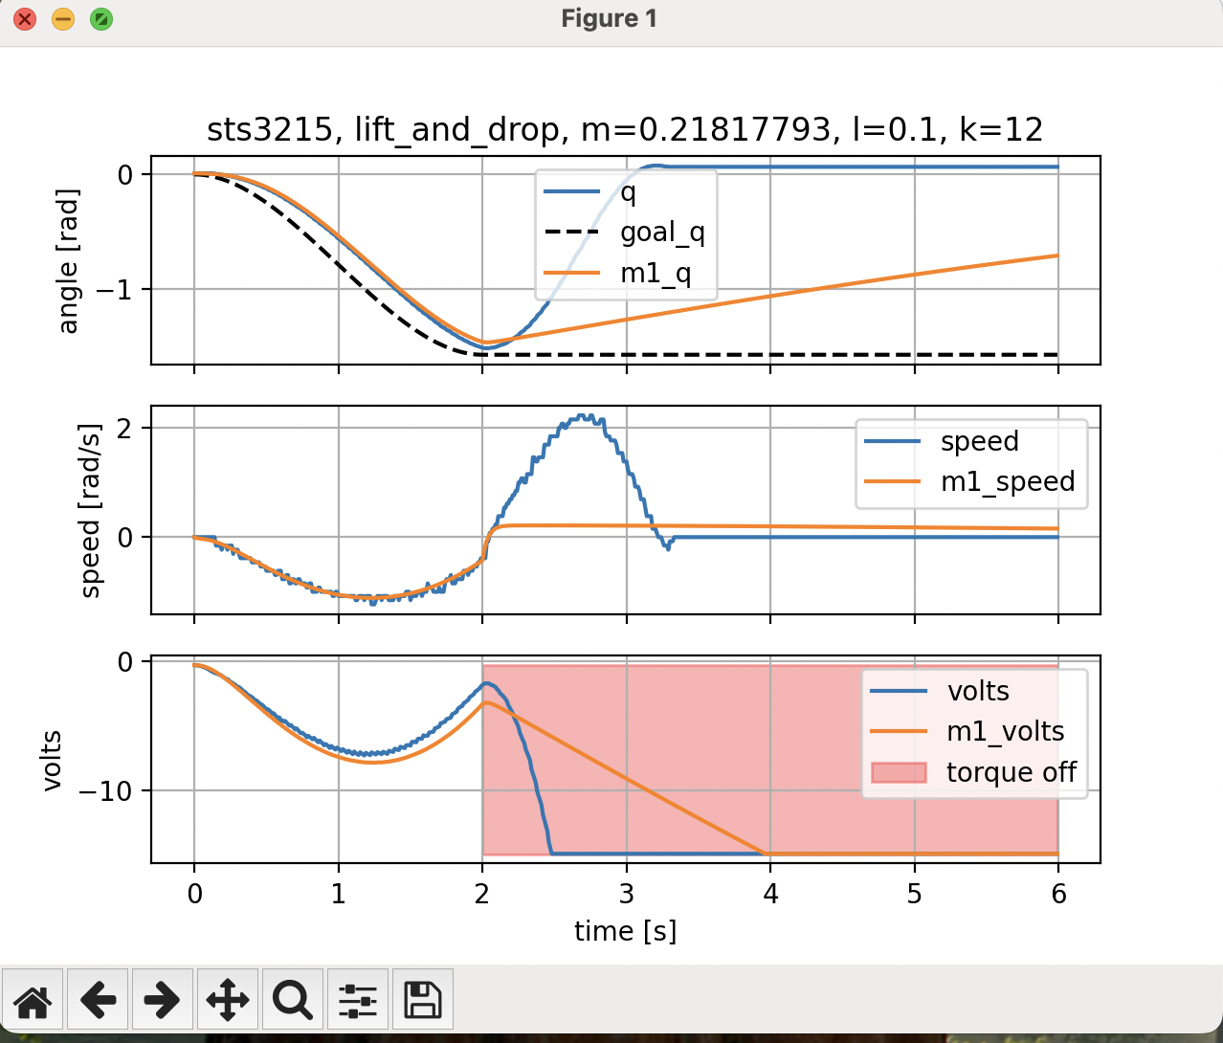
Total Experiments | 1259 | Removed all Lift and Drop Trajectories, need to investigate, this looks like its wrecking the fit process
M1 Best Score | 0.15606123271 | Changed q_offset back to +- 0.2 radians
Iterations
kt
R
armature

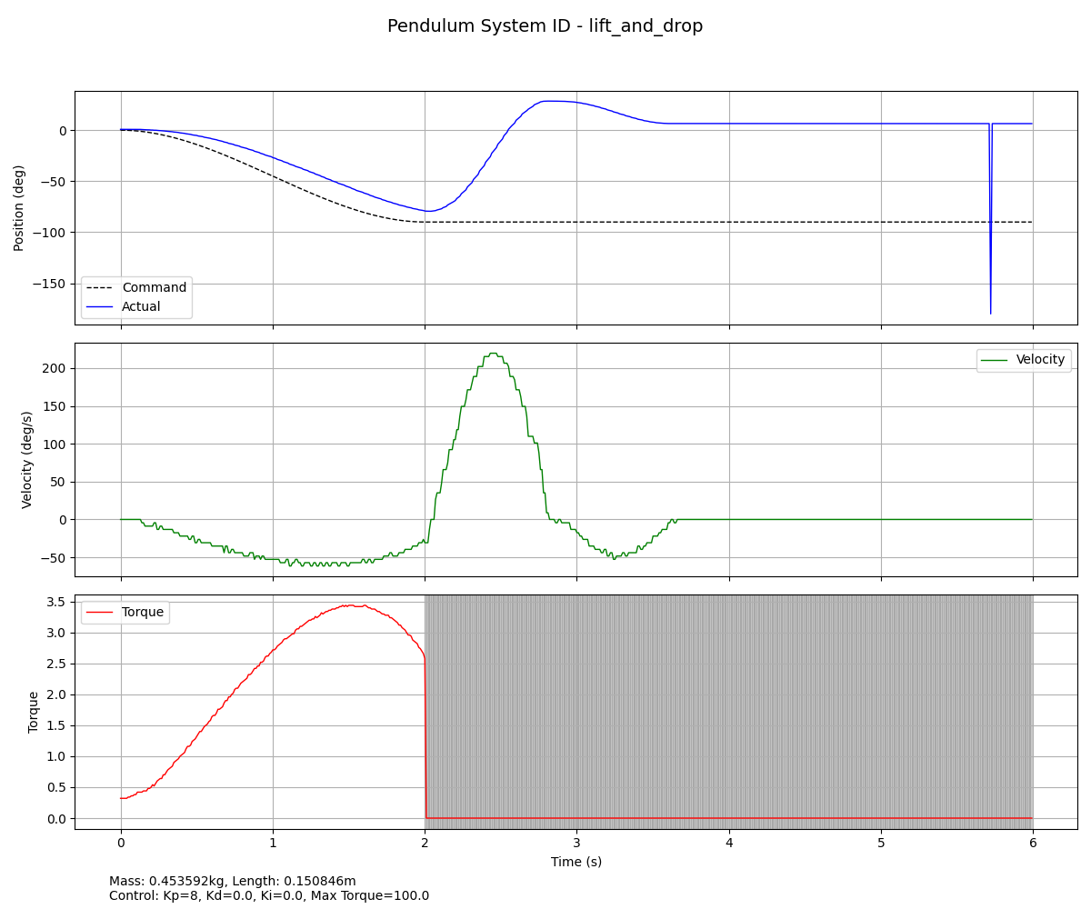
Total Experiments | 1259 | removed all data files with spikes in them
M1 Best Score | 0.15518471926
Iterations
kt
R
armature

