Setup
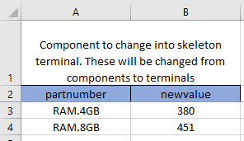
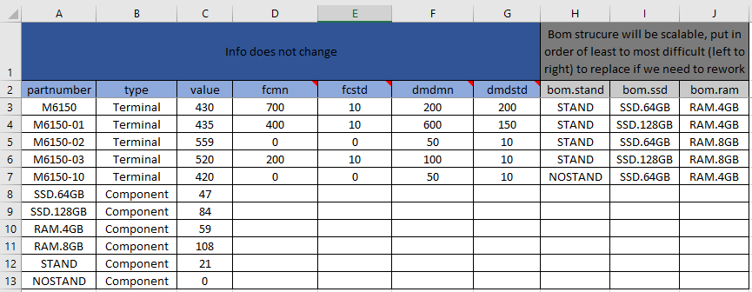
Item Master Tab
 | 1) | All parts in BOMs must be present in column A
 | 2) | Add as many columns of parts for BOMs as you would like, column name MUST start with "bom"
 | 3) | Demand (forecast/SO Demand) column names must start with "dmd"
 | 4) | Only two types of parts allowed (Terminal & Component)

Simchange Tab
 | 1) | Parts you want to turn into the "golden box" that get changed to terminal part numbers

 |  | Terminal Cost | 445
 |  | Hard Drive Cost | 50
 |  | Ram Cost | 1
 |  | NewValue | 394

 |  |  | 395
 |  |  |  | 70/30 or 80/20 | Favor towards 8GB

