Charts
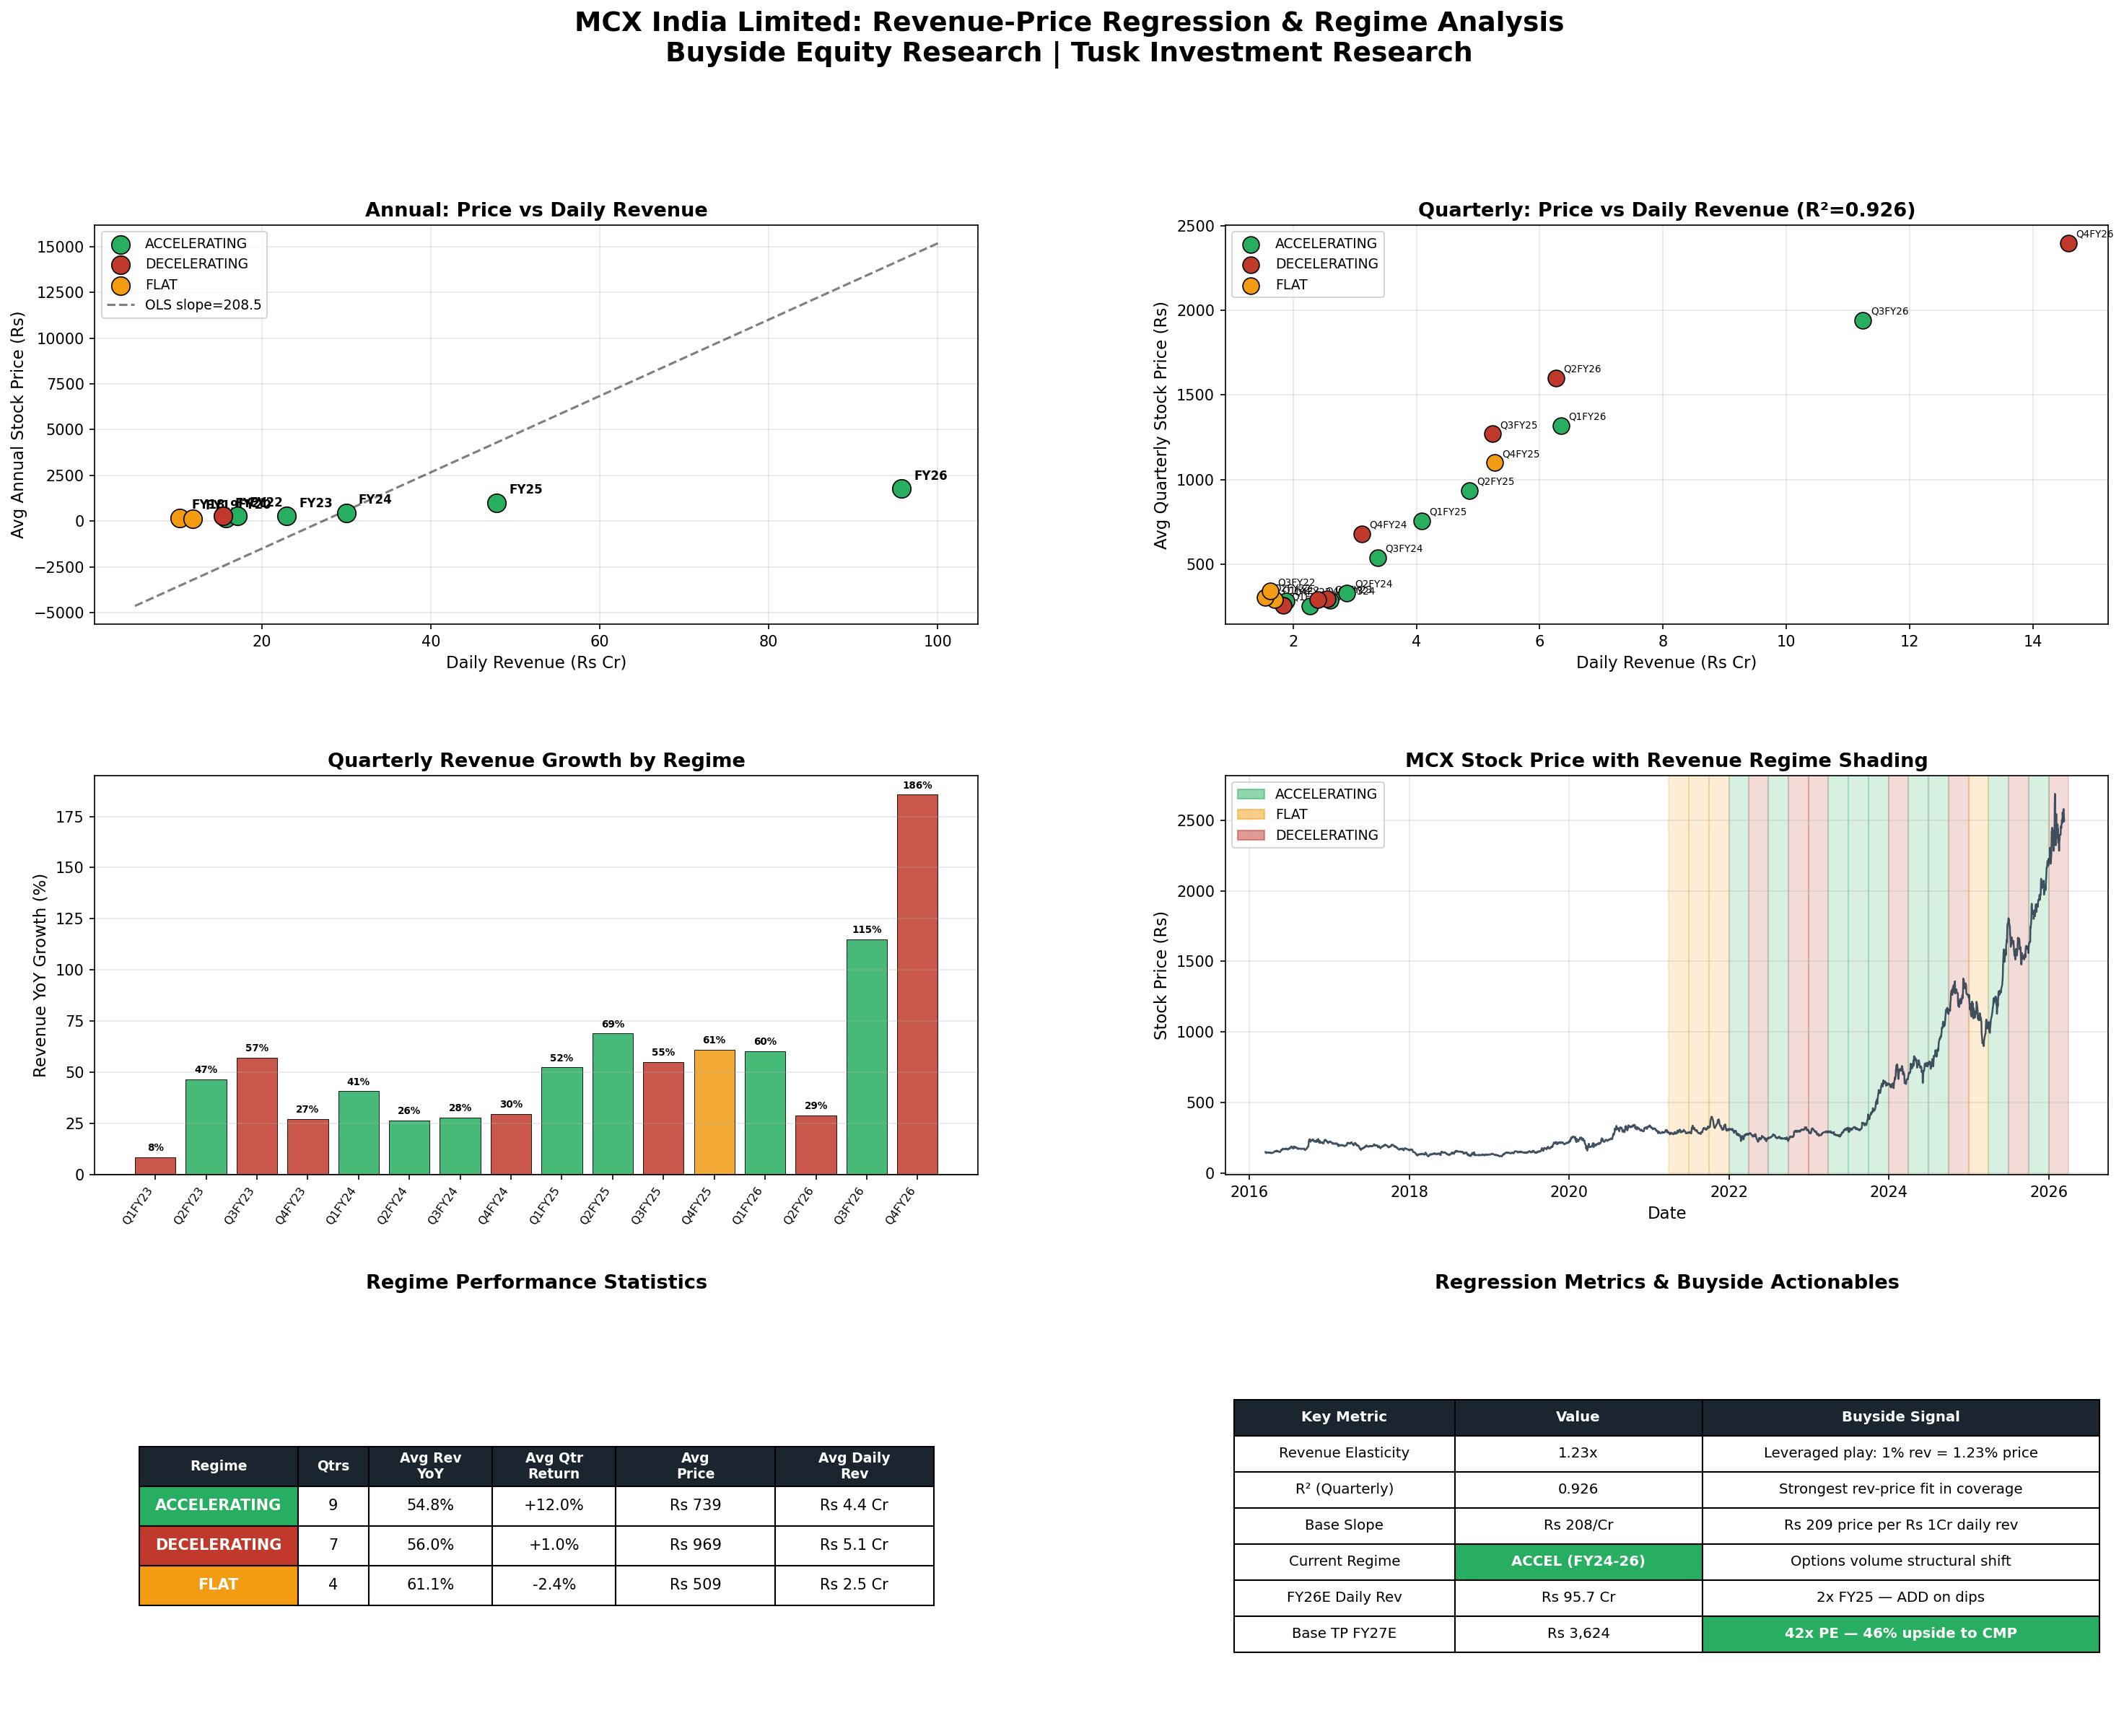
MCX India — Revenue-Price Regression Charts

