Sheet3
Date | Revenue
2020-04-01 334500.00
2020-05-01 633000.00
2020-06-01 789400.00
2020-07-01 971800.00
2020-08-01 1121500.00
2020-09-01 835284.00
2020-10-01 1206900.00
2020-11-01 1363975.00
2020-12-01 2279550.00
2021-01-01 1089703.00
2021-02-01 1080050.00
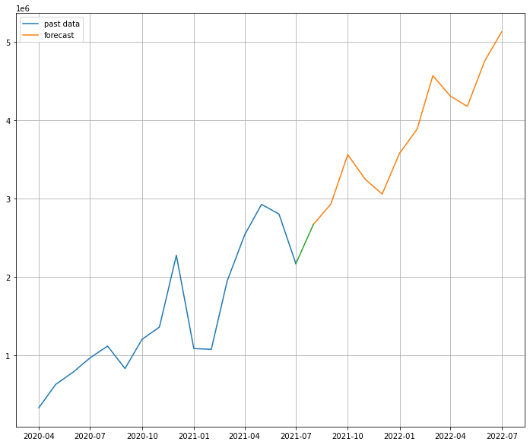
2021-03-01 1948610.00
2021-04-01 2537040.16
2021-05-01 2928879.00
2021-06-01 2805965.00
2021-07-01 2172345.00

2021-08-01 2.672962e+06
2021-09-01 2.931895e+06
2021-10-01 3.563100e+06
2021-11-01 3.249347e+06
2021-12-01 3.060455e+06
2022-01-01 3.581543e+06
2022-02-01 3.888820e+06
2022-03-01 4.570941e+06
2022-04-01 4.310813e+06
2022-05-01 4.178399e+06
2022-06-01 4.758970e+06
2022-07-01 5.128895e+06

