Selenium_Topics
Si.No | Topics | Status
1 | Selenium Basics |  |  |  | Test Applications |  | Selenium 3 |  | https://www.selenium.dev/downloads/
2 | Launch broswer & verify title- chrome |  |  |  | https://demoqa.com/ | 1 | chromedriver | Chrome Broswer
3 | Launch broswer & verify title- firefox |  |  |  |  | 2 | geckodriver | Firefox Broswer
4 | Learn Selenium basic functions on test websites
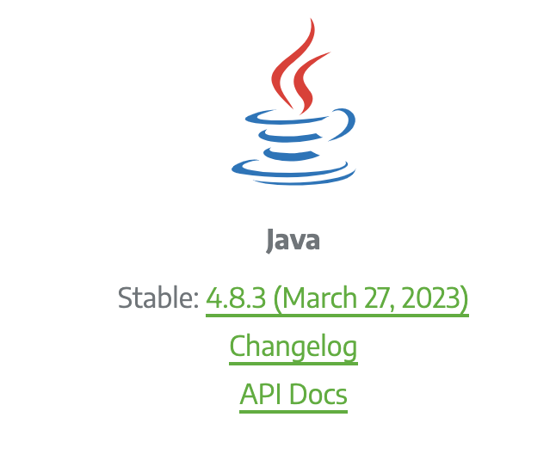
5 | Create selenium java project in Eclipse & run tests
6 | Create maven java project in Eclipse & run tests
7 | Learn testng tool
8 | Use tetsng tool with maven & selenium
9 | Use html reports with selenium
10 | Use allure reports with selenium

 | Selenium Basics |  |  | Selenium Actions
 | Topics
 | Launch Browser |  | 1 | Enter text
1 | Basic concepts - launch browser |  | 2 | Click
2 | Basic concepts - find elements |  | 3 | Select radio button
3 | Basic concepts - find elements - 8 locators |  | 4 | Select checkbox button
4 | Basics actions - driver.get() |  | 5 | Select dropdown - single option
5 | Basics actions - driver.findElement(By.id("eleId").sendkeys("sample text") |  | 6 | Select dropdown - multiple options
6 | Basics actions - driver.findElement(By.id("eleId").click() |  | 7 | Drag and Drop
7 | Basics actions - driver.findElement(By.id("eleId").clear() |  | 8 | File upload
8 | Basics actions - driver.findElement(By.id("eleId").selectById() |  | 9 | File download
 |  |  | 10 | Browser tab switch
 |  |  | 11 | Popup handling
 |  |  | 12 | Popup handling cancel
 |  |  | 13 | Popup handling ok

