AAPL
Ann Date | Per | Per End | C | Reported | Comp | Estimate | %Surp | Guidance | %Guid Surp | %Px Chg | T12M | P/E
Average of Absolute Values
01/30/2018 | Q1 18 | 12/17 |  |  |  | 3.669 |  |  |  |  | 9.22 | 15.25
10/24/2017 | Q4 17 | 09/17 |  |  |  | 1.92 |  |  |  |  | 8.92 | 15.77
07/25/2017 | Q3 17 | 06/17 |  |  |  | 1.623 |  |  |  |  | 8.67 | 16.22
04/25/2017 | Q2 17 | 03/17 |  |  |  | 2.013 |  |  |  |  | 8.46 | 16.62
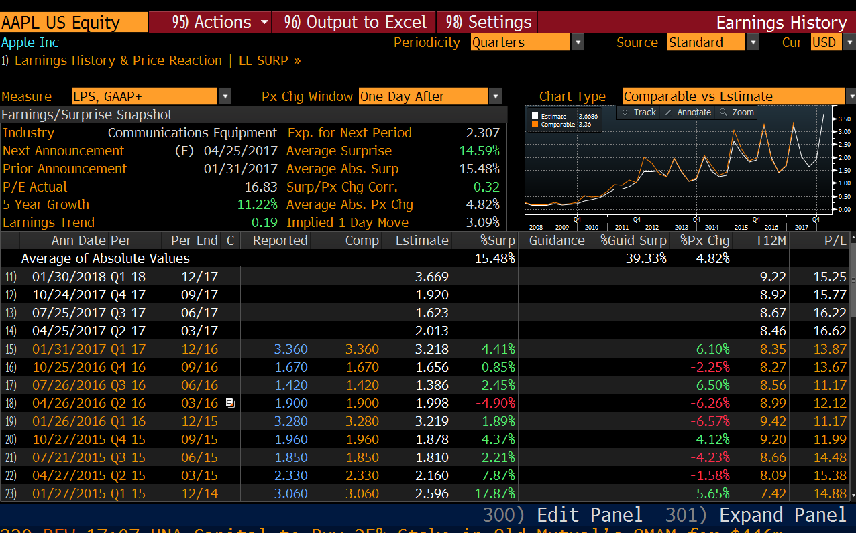
01/31/2017 | Q1 17 | 12/16 |  | 3.36 | 3.36 | 3.218 | 4.41% |  |  | 6.10% | 8.35 | 13.87
10/25/2016 | Q4 16 | 09/16 |  | 1.67 | 1.67 | 1.656 | 0.85% |  |  | -2.25% | 8.27 | 13.67
07/26/2016 | Q3 16 | 06/16 |  | 1.42 | 1.42 | 1.386 | 2.45% |  |  | 6.50% | 8.56 | 11.17
04/26/2016 | Q2 16 | 03/16 |  | 1.9 | 1.9 | 1.998 | -4.90% |  |  | -6.26% | 8.99 | 12.12
01/26/2016 | Q1 16 | 12/15 |  | 3.28 | 3.28 | 3.219 | 1.89% |  |  | -6.57% | 9.42 | 11.17
10/27/2015 | Q4 15 | 09/15 |  | 1.96 | 1.96 | 1.878 | 4.37% |  |  | 4.12% | 9.2 | 11.99
07/21/2015 | Q3 15 | 06/15 |  | 1.85 | 1.85 | 1.81 | 2.21% |  |  | -4.23% | 8.66 | 14.48
04/27/2015 | Q2 15 | 03/15 |  | 2.33 | 2.33 | 2.16 | 7.87% |  |  | -1.58% | 8.09 | 15.38
01/27/2015 | Q1 15 | 12/14 |  | 3.06 | 3.06 | 2.596 | 17.87% |  |  | 5.65% | 7.42 | 14.88
10/20/2014 | Q4 14 | 09/14 |  | 1.42 | 1.42 | 1.303 | 8.98% |  |  | 2.72% | 6.43 | 15.67
07/22/2014 | Q3 14 | 06/14 |  | 1.28 | 1.28 | 1.232 | 3.90% |  |  | 2.61% | 6.19 | 15.01
04/23/2014 | Q2 14 | 03/14 |  | 1.66 | 1.66 | 1.455 | 14.09% |  |  | 8.20% | 5.98 | 12.82
01/27/2014 | Q1 14 | 12/13 |  | 2.071 | 2.071 | 2.009 | 3.11% |  |  | -7.99% | 5.76 | 13.91
10/28/2013 | Q4 13 | 09/13 |  | 1.18 | 1.18 | 1.131 | 4.33% |  |  | -2.49% | 5.66 | 12.03
07/23/2013 | Q3 13 | 06/13 |  | 1.067 | 1.067 | 1.046 | 2.02% |  |  | 5.14% | 5.72 | 9.9
04/23/2013 | Q2 13 | 03/13 |  | 1.441 | 1.441 | 1.426 | 1.08% |  |  | -0.16% | 5.98 | 10.57
01/23/2013 | Q1 13 | 12/12 |  | 1.973 | 1.973 | 1.934 | 2.01% | 1.679 | 17.50% | -12.35% | 6.3 | 12.07
10/25/2012 | Q4 12 | 09/12 |  | 1.239 | 1.239 | 1.25 | -0.91% | 1.093 | 13.32% | -0.91% | 6.31 | 15.1
07/24/2012 | Q3 12 | 06/12 |  | 1.331 | 1.331 | 1.482 | -10.16% | 1.24 | 7.37% | -4.32% | 6.08 | 13.72
04/24/2012 | Q2 12 | 03/12 |  | 1.757 | 1.757 | 1.433 | 22.62% | 1.214 | 44.74% | 8.87% | 5.86 | 14.62
01/24/2012 | Q1 12 | 12/11 |  | 1.981 | 1.981 | 1.448 | 36.84% | 1.329 | 49.09% | 6.24% | 5.02 | 11.53
10/18/2011 | Q4 11 | 09/11 |  | 1.007 | 1.007 | 1.044 | -3.53% | 0.786 | 28.14% | -5.59% | 3.95 | 13.79
07/19/2011 | Q3 11 | 06/11 |  | 1.113 | 1.113 | 0.839 | 32.64% | 0.719 | 54.78% | 2.67% | 3.61 | 13.28
04/20/2011 | Q2 11 | 03/11 |  | 0.914 | 0.914 | 0.772 | 18.43% | 0.7 | 30.61% | 2.42% | 3 | 16.6
01/18/2011 | Q1 11 | 12/10 |  | 0.919 | 0.919 | 0.77 | 19.29% | 0.686 | 33.90% | -0.53% | 2.56 | 18
10/18/2010 | Q4 10 | 09/10 |  | 0.663 | 0.663 | 0.586 | 13.12% | 0.491 | 35.00% | -2.68% | 2.16 | 18.77
07/20/2010 | Q3 10 | 06/10 |  | 0.501 | 0.501 | 0.444 | 12.93% | ~0.334 | 50.13% | 0.93% | 1.9 | 18.91
04/20/2010 | Q2 10 | 03/10 |  | 0.476 | 0.476 | 0.351 | 35.53% | ~0.303 | 57.00% | 5.98% | 1.68 | 19.98
01/25/2010 | Q1 10 | 12/09 |  | 0.524 | 0.524 | 0.296 | 77.12% | ~0.249 | 110.56% | 1.41% | 1.46 | 20.62
10/19/2009 | Q4 09 | 09/09 |  | 0.396 | 0.26 | 0.205 | 26.83% | ~0.172 | 51.16% | 4.69% | 1.3 | 20.37
07/21/2009 | Q3 09 | 06/09 |  | 0.287 | 0.193 | 0.169 | 14.12% | ~0.139 | 38.75% | 3.45% | 1.25 | 16.28
04/22/2009 | Q2 09 | 03/09 |  | 0.256 | 0.19 | 0.154 | 23.38% | ~0.136 | 39.71% | 3.20% | 1.15 | 13.06
01/21/2009 | Q1 09 | 12/08 |  | 0.357 | 0.254 | 0.201 | 26.51% | ~0.172 | 47.84% | 6.68% | 1.06 | 11.5
10/21/2008 | Q4 08 | 09/08 |  | 0.354 | 0.18 | 0.159 | 13.21% | 0.143 | 25.87% | 5.88% | 0.97 | 16.74
07/21/2008 | Q3 08 | 06/08 |  | 0.179 | 0.17 | 0.155 | 9.68% | 0.143 | 18.88% | -2.57% | 0.75 | 31.89
04/23/2008 | Q2 08 | 03/08 |  | 0.174 | 0.166 | 0.153 | 8.31% | 0.134 | 23.67% | 3.71% | 0.71 | 28.87
01/22/2008 | Q1 08 | 12/07 |  | 0.26 | 0.251 | 0.228 | 10.28% | 0.203 | 23.86% | -10.65% | 0.66 | 42.87
10/22/2007 | Q4 07 | 09/07 |  | 0.139 | 0.144 | 0.118 | 22.28% | 0.093 | 55.15% | 6.77% | 0.56 | 39.15
07/25/2007 | Q3 07 | 06/07 |  | 0.134 | 0.131 | 0.102 | 28.85% | 0.094 | 39.82% | 6.37% | 0.51 | 34.18
04/25/2007 | Q2 07 | 03/07 |  | 0.124 | 0.124 | 0.087 | 42.86% | ~0.079 | 57.32% | 3.66% | 0.45 | 29.5
01/17/2007 | Q1 07 | 12/06 |  | 0.163 | 0.163 | 0.112 | 45.41% | ~0.102 | 59.66% | -6.19% | 0.4 | 30.3
10/18/2006 | Q4 06 | 09/06 |  | 0.089 | 0.089 | 0.074 | 19.69% | ~0.067 | 32.20% | 5.98%
07/19/2006 | Q3 06 | 06/06 |  | 0.077 | 0.077 | 0.07 | 10.20% | ~0.059 | 30.75% | 11.83%
04/19/2006 | Q2 06 | 03/06 |  | 0.067 | 0.067 | 0.061 | 10.07% | 0.054 | 24.34% | 3.02%

