Auditing Tools
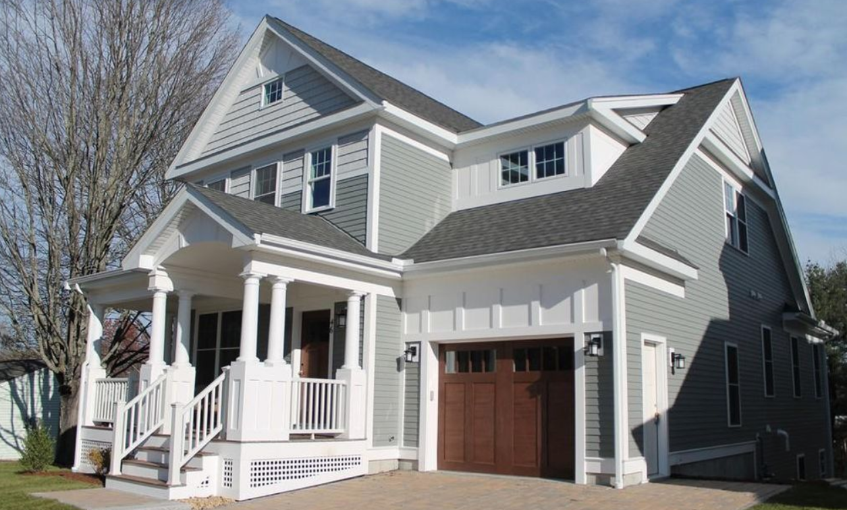
 |  |  |  | PROPERTY COST |  | Cash to Close:
 |  |  |  | Purchase Price | $499,000 | $109,780
 |  |  |  | Tax Rate | $9.50

 |  |  |  | LOAN COST
 |  |  |  | Down Payment % | 20%
 |  |  |  | Interest Rate | 4.50% | Monthly Expenses:
 |  |  |  | Term Length (yrs) | 20 | $3,271
PROPERTY DETAILS |  |  |  | Loan Amount | $399,200
 |  |  |  | Est. Closing Costs | $9,980
Address: | 63 Main St. | Zip Code: | 90210
MLS # | 72393006 | Year Built: | 2015 | MONTHLY EXPENSES
Beds/Baths: | 3 bed, 2 bath | Listing Date: | 2019-01-01 | Mortgage Costs | $2,526
 |  |  |  | Property Tax | $395
Notes: | Close to public park, walking distance to grocery store, town center and schools |  |  | Utilities | $150
 |  |  |  | Insurance | $200

 | Formulas > Formula Auditing (section on top)
 | Data > Data Tools (section on top) > Data Validation

Shortcuts Manual
KEYBOARD SHORTCUTS
Ctrl + Arrow
Jumps to the last cell in a data region, in the direction of the arrow.

Ctrl + Shift + Arrow
Selects to the last cell in a data region, in the direction of the arrow.

Ctrl + Home/End
Jimpt to the Home(left top) or End (bottom right) cell in a region

CTRL + .
Jumps straigt to each corner within a selected cell range.

Ctrl + PgUp/PgDn
Switches worksheet tabs, either to the left (PgUP) or right (PgDn)

FUNCTION SHORTCUTS
F1
Lanuches the Excel help pane (default)
Link to the Microsoft Support website (tool-specific)

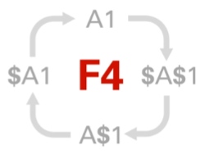
F2
Allow you to edit the active cell
Hightlights cell referenced by the active formula

F4
Repeats the last action taken (default)
Toggles absolute/relative cell references within a formula

F9
Calculates all workbook formulas (when in manual mode)
Evaluates each function argument within the formula bar

Simple Programming
Month | Revenue | Cost | Profit
Jan | $4,439 | $1,401 | $3,038
Feb | $4,199 | $2,300 | $1,899
Mar | $4,283 | $1,162 | $3,121
Apr | $4,102 | $1,846 | $2,256
May | $4,273 | $2,243 | $2,030
Jun | $5,737 | $2,377 | $3,360
Jul | $4,201 | $1,355 | $2,846
Aug | $6,372 | $2,132 | $4,240
Sep | $5,938 | $2,884 | $3,054
Oct | $6,392 | $2,612 | $3,780
Nov | $7,971 | $2,642 | $5,329
Dec | $7,088 | $1,984 | $5,104

Complex Programming
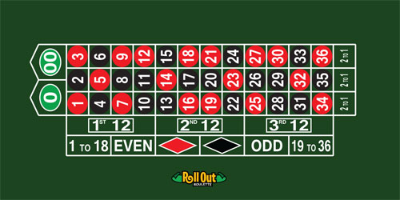
 |  |  |  | PLACE YOUR BET!
 |  |  |  | Bet Placement: | 00
 |  |  |  | Bet Amount: | $1,000
 |  |  |  | Payout: | 2 to 1

 |  |  |  | PRESS F9 TO SPIN
 |  |  |  |  | Spin Result: | 2
 |  |  |  | 13 | -$1,000

SIMULATION DATA |  | SIMULATION RESULTS:
 | Result: | Total Gain/Loss: |  | +$62,000
Spin # | -$1,000
1 | -$1,000
2 | -$1,000 | Total Spins: | 10 | Win Probability: | 20.0%
3 | $35,000 | # Wins: | 2 | Avg Return: | $6,200.00
4 | -$1,000 | # Losses: | 8 | Largest Win: | $35,000.00
5 | -$1,000
6 | -$1,000
7 | -$1,000
8 | -$1,000
9 | -$1,000
10 | $35,000

