ksoloti_gills
Source: | ksoloti_gills_v04 |  |  |  | 1.3inch OLED, 4-pin header, I2c, SH1106, pinout GND-VCC-SCL-SDA
Date: | Fri 14 Jun 2024 15:10:09 CST
Ref | Qnty | Value | Cmp name | Footprint | Description | Example
C53 | 1 | 1000uF – 2200uF, 10V+ | C_Polarized_Small | Capacitor_THT:CP_Radial_D10.0mm_P5.00mm | Polarized capacitor, small symbol
ENC1 | 1 | STEC11 | RotaryEncoder_Switch_GND | Library:ALPS_STEC11 | Rotary encoder, dual channel, incremental quadrate outputs, with switch, 20mm shaft | (T18 shaft:) https://www.amazon.com/Taiss-Detents-Points-Encoder-Diameter/dp/B07F24TRYG (D-shaft:) https://www.mouser.com/ProductDetail/Alps-Alpine/EC11E1534408?qs=PoKhxlfUXjJk5yy1jIb28A%3D%3D
H1, H3 | 2 | Conn_02x12_Female | Conn_02x12_Female | Library:PinSocket_2x12_P2.54mm_Vertical_smcrt_sqr | Generic connector, double row, 02x12, script generated (kicad-library-utils/schlib/autogen/connector/)
H2 | 1 | Conn_02x02_Female | Conn_02x02_Female | Library:PinSocket_2x02_P2.54mm_Vertical_smcrt_sqr | Generic connector, double row, 02x02, script generated (kicad-library-utils/schlib/autogen/connector/)
J1 | 1 | 9-20VDC | Barrel_Jack_Switch | Library:dc_socket_2.1mm_5.5mm | DC Barrel Jack with an internal switch | https://www.mouser.com/ProductDetail/Gravitech/CON-SOCJ-2155?qs=fkzBJ5HM%252BdCcpvFQyQZHtA%3D%3D
J3, J4, J5, J6, J7 | 5 | IN_L, IN_R, OUT_L, OUT_R, HP_OUT | AudioJack3_Switch | Library:Jack_6.35mm_Neutrik_NRJ6HF_Horizontal_no_screwhole | Audio Jack, 3 Poles (Stereo / TRS), Switched Poles (Normalling) | https://www.mouser.com/ProductDetail/Neutrik/NRJ6HF-1?qs=lytv%2F56AjyI%252Bc%252Bp%2FfWZpBw%3D%3D
J3n, J4n, J5n, J6n | 4 | JUST_NUTS | AudioJack3_Switch_nut | Library:Jack_6.35mm_Neutrik_NRJ6HF_Horizontal_no_screwhole_nut | Plastic nut for Audio Jack, 3 Poles (Stereo / TRS), Switched Poles (Normalling) | https://www.mouser.com/ProductDetail/Neutrik/NRJ-NUT-B?qs=S12Y1JoqO2A%2FB2tjq8cO2w%3D%3D
J8, J9 | 2 | EXP_IO | AudioJack4 | Library:PJ-320A_THT | Audio Jack, 4 Poles (TRRS) | https://42keebs.eu/shop/parts/components/pj-320-trrs-socket/?attribute_type=PJ-320A%20(Through-Hole)&attribute_pa_colour=black https://www.taydaelectronics.com/pj-320a-3-5-mm-audio-socket-through-hole-pcb-silver-plated.html
J10, J11 | 2 | MIDI_OUT, MIDI_IO | DIN-5_180degree | Library:MIDI_DIN-5_DS-5-01c | 5-pin DIN connector (5-pin DIN-5 stereo) | https://www.mouser.com/ProductDetail/Kycon/KCDX-5S-N?qs=uMQTibCNu0QKDGeRAj6hLg%3D%3D
J12 | 1 | LINE_IN_OUT | Conn_01x06_Female | Connector_PinSocket_2.54mm:PinSocket_1x06_P2.54mm_Vertical | Generic connector, single row, 01x06, script generated (kicad-library-utils/schlib/autogen/connector/)
J13 | 1 | HP_OUT | Conn_01x03_Female | Connector_PinSocket_2.54mm:PinSocket_1x03_P2.54mm_Vertical | Generic connector, single row, 01x03, script generated (kicad-library-utils/schlib/autogen/connector/)
LED1 | 1 | GREEN | LED | Library:LED_D3.0mm_marked | Light emitting diode | https://www.mouser.com/ProductDetail/Kingbright/WP710A10SGD?qs=jBF9H7RTBaS5vBvRdVQZww%3D%3D
LED2 | 1 | RED | LED | Library:LED_D3.0mm_marked | Light emitting diode | https://www.mouser.com/ProductDetail/Kingbright/WP710A10ID?qs=wRBQ8ZgBZ98VyHeNIlWGkQ%3D%3D
LED3, LED4 | 2 | LED_Dual_AKA | LED_Dual_AKA | Library:LED_D3.0mm-3_marked | Dual LED, common cathode on pin 2 | https://www.mouser.com/ProductDetail/Kingbright/WP115VEGW?qs=58z0TXQGVSQe%2FVnyoskf7A%3D%3D
LED standoffs | 4 | LED standoffs | LED standoffs | - | Standoffs for 3mm LED, plastic, 4mm height. 2 pcs for 2-pin LED, 2 pcs for 3-pin LED.
OLED1 | 1 | 128x64_OLED | display_i2c_oled | Library:128x64OLED_1_3in, SH1106, white | 1.3inch OLED, 4-pin header, I2c, SH1106, white, pinout GND-VCC-SCL-SDA. Exact dimensions are a bit tricky to get as there are various manufacturers. The one used in Gills is by Shenzhen Enrich Electronics, model ENH-OB0130011A | 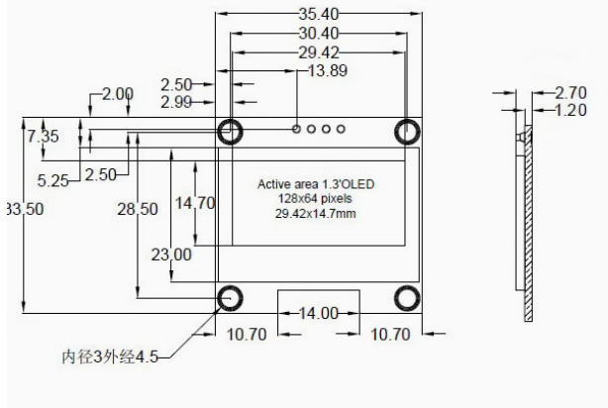 | 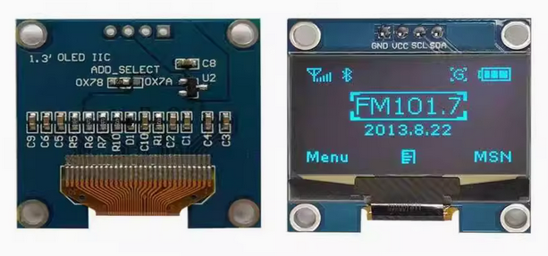
RV1, RV2, RV3, RV4, RV5, RV6, RV7, RV8, RV9, RV10 | 10 | B10k | R_POT_GND | Library:ALPS_POT_VERTICAL_PS | Potentiometer
RV11, RV12 | 2 | 2*B100k | R_POT_Dual_Separate_GND | Library:ALPS_POT_VERTICAL_PS_DUAL | Dual potentiometer, separate units
SW1, SW2, SW3, SW4 | 4 | TL1105 | TL1105 | Library:TL1105T | Double Pole Single Throw (DPST) Switch Momentary tact switch, 6*6mm. With 6.5mm diameter circular cap. | (standard click:) https://www.mouser.com/ProductDetail/CUI-Devices/TS02-66-120-BK-160-LCR-D?qs=A6eO%252BMLsxmT55wwvoE7v5Q%3D%3D (very light click:) https://www.mouser.com/ProductDetail/CUI-Devices/TS02-66-120-BK-100-LCR-D?qs=A6eO%252BMLsxmR5F%2Fi9iPUK6w%3D%3D
H1, H2, H3 (Core) | 3 | Conn_02x12_Male | Conn_02x12_Male | Library:PinHeader_2x12_P2.54mm_Vertical_smcrt_sqr | Generic connector, double row, 02x12, script generated (kicad-library-utils/schlib/autogen/connector/)
J1 (Core) | 1 | Conn_01x06_Male | Conn_01x06_Male | Library:PinHeader_1x06_P2.54mm_Vertical_smcrt_sqr | Generic connector, single row, 01x06, script generated (kicad-library-utils/schlib/autogen/connector/)
J2 (Core) | 1 | Conn_01x03_Male | Conn_01x03_Male | Library:PinHeader_1x03_P2.54mm_Vertical_smcrt_sqr | Generic connector, single row, 01x03, script generated (kicad-library-utils/schlib/autogen/connector/)
PDM mic header (Core) | 1 | Conn_01x02_Male | Conn_01x02_Male | Library:PinHeader_1x02_P2.54mm_Vertical_smcrt_sqr | Optional. Connects the digital Mic clock and data lines to the Core.
J1 (CV Expander) | 1 | Conn_02x03_Male | Conn_02x03_Male | Library:PinHeader_2x03_P2.54mm_Vertical_smcrt_sqr | Generic connector, double row, 02x03, script generated (kicad-library-utils/schlib/autogen/connector/)
TR1, TR2, TR3, TR4 (CV Expander) | 4 | 50k | Trimmer Bourns 3266P | Potentiometer_THT:Potentiometer_Bourns_3266P_Horizontal | Trimmer Potentiometer, Bourns 3266P Horizontal, 50k | https://www.digikey.tw/en/products/detail/bourns-inc/3266P-1-503/3722092
HEAT1 | 1 | Isolation tape, or Heatshrink, 3-4mm diameter, ca. 3cm length (optional) |  |  | Optional. For shielding LED1 and LED2 against light bleed from each other.
J14 (HP_POT) | 1 | 2*B1k to 2*B5k | R_POT_Dual_Separate_GND | Library:ALPS_POT_VERTICAL_PS_DUAL_HORIZONTAL | Optional headphone control. Involves drilling a hole. B1k recommended but can be as low as 500R or as high as 5k, with varying response. See “Optional Headphone Volume Control” here: ksoloti.github.io/6-1-gills_build_guide.html | Example (the right value may not be in stock!): smallbear-electronics.mybigcommerce.com/dual-gang-9mm-pc-mount/
Core PCB | 1 | Core PCB | Core PCB |  | Core PCB, 59mm * 89mm
Gills PCB | 1 | Gills PCB | Gills PCB |  | Gills PCB, 150mm * 92mm
Gills CV Expander PCB | 1 | Gills CV Expander PCB | Gills CV Expander PCB |  | Gills CV Expander PCB, 74mm * 70.5mm
Gills Enclosure | 1 | Gills Enclosure | Gills Enclosure |  | Gills enclosure consisting of 6 PCB panels: top, bottom, left, right, front, rear.
Hardware | 5 | M3 standoff, brass, male/female, 10mm | M3 standoff, brass, male/female, 10mm |  | Fix Gills enclosure top panel to Gills PCB
Hardware | 4 | M3 standoff, brass, female/female, 20mm | M3 standoff, brass, female/female, 20mm |  | Fix Gills enclosure bottom panel to Gills PCB
Hardware | 2 | M3 standoff, brass, male/female, 12mm | M3 standoff, brass, male/female, 12mm |  | Fix Ksoloti Core to Gills PCB
Hardware | 3 | M3 standoff, nylon, male/female, 6mm | M3 standoff, nylon, male/female, 6mm |  | Fix OLED display to Gills PCB
Hardware | 2 | M3 nut | M3 nut |  | Fix Ksoloti Core to Gills PCB
Hardware | 11 | M3 hex screw, black alloy, button head, 6mm | M3 hex screw, black alloy, button head, 6mm |  | 5 screws on top panel, 4 screws on bottom panel, 2 screws on OLED module
Hardware | 12 | Potentiometer nut, M6? M7? | Potentiometer nut, M6? M7? | Usually included with the pots | Encoder does not get one.

