CH-8-TCP-UDP
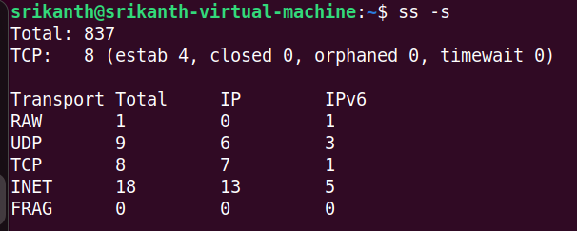
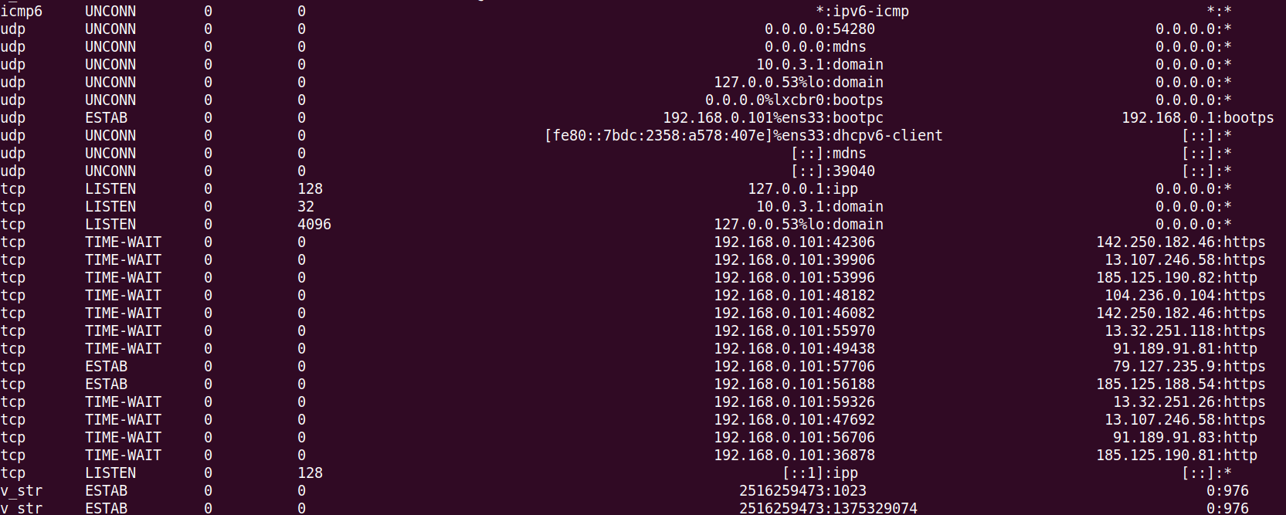
ETHERNET FRAME
FCS | DATA | ACK | SEQ | SRC PORT | DEST PORT | SRC IP | DST IP | SRC MAC | DST MAC

Ethernet Frames are used by Switches and Routers

The moment the frame comes from the network card, the FCS, SRC MAC and DST MAC will be stripped off and the rest of the frame is processed by the computer
The stripped off frame is called the IP Packet

IP PACKET
 | DATA | ACK | SEQ | SRC PORT | DEST PORT | SRC IP | DST IP

Now when we strip off the SRC IP and DST IP, then it becomes a TCP and/or UDP Packet
 | TCP and UDP
 | DATA | ACK | SEQ | SRC PORT | DEST PORT
PDU means a Protocol Data Unit, it is the infon used by different protocols provided in frame segments
TCP is a connection oriented protocol, TCP deals in Segments
UDP is a connection less oriented protocol, UDP deals in Datagrams and has low overhead with one way communication

TCP is a two-way connection-oriented initiated by a TCP 3-Way Handshake(syn, syn-ack, ack)
 | Client --> Server | Sends a "SYN" Packet
 | Server --> Client | Sends a "SYN/ACK" Packet
 | Clinet --> Server | As soon as clent receives a "SYN/ACK" packet, it sends "ACK" packet to Server

In Windows, we can use a command "netstat" to view all the connections established:
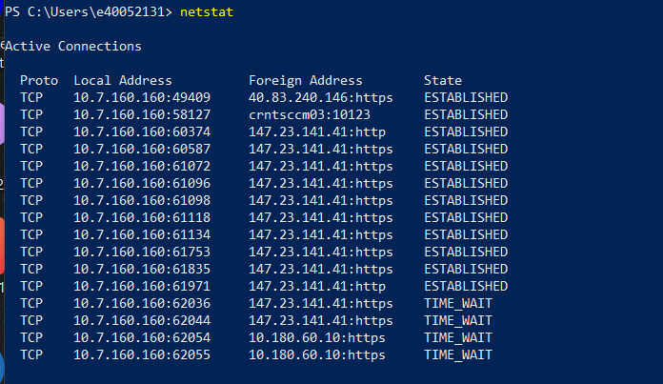
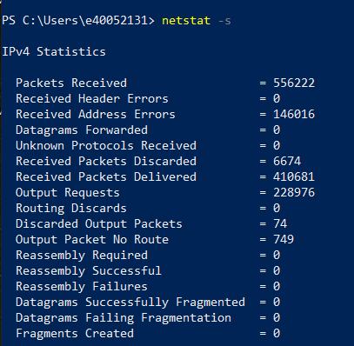
netstat
netstat -s

In Linux, you can use the following commands:
ss -a | shows all ports and connections
ss -l | shows all listening ports
ss -t | shows all TCP connections
ss -u | shows all UDP connections
ss -tuln | shows detailed info of each connection
ss -s | Displays network statistics

