Requirements
REQUIREMENTS
Req Id | Feature | Requirement | Description | Inputs/Outputs and Event triggers | Responsibilty | Ranking/Importance | Functional Req. ? | Associated Test ID | % Maturity | Severity of Fall-out [1, 2, 3] | Probability of Fall-out [%] | Risk | Remark
Req.001 | Activation of ADV(Default mode) | Motor status: 1. Left and right motors starts to rotate when the program is loaded to Lego brick 2. Normal operation starts according to the maneuver. | As soon as the specified program is deployed the rover moves as per the specified maneuver. | Input: Battery Event Trigger: Edge_Trigger: Act as a clock pulse Ouput: Left motor Right Motor | Sachin | 1 | yes | Test_V001 | 100 |  |  | 0 |  | 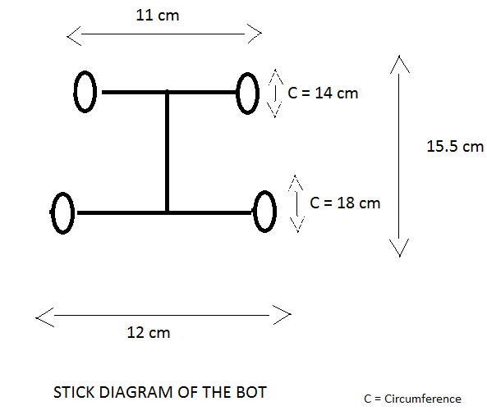 | 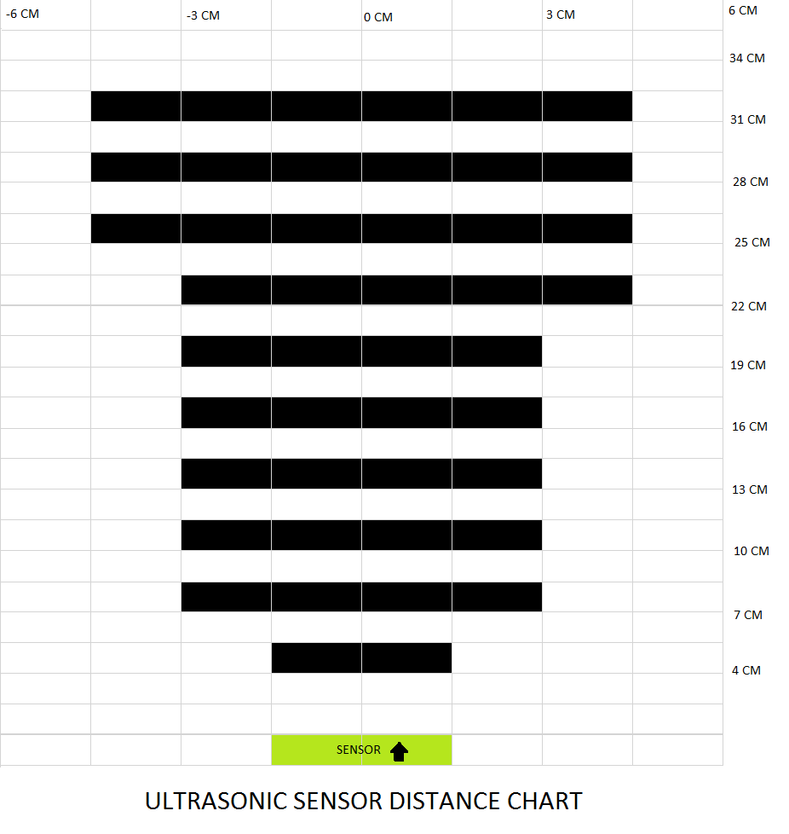
Req.002 | Emergency push button M0 | The maneuver is deployed to the lego brick before taking the rover in hand During all maneuvers,if the push button is pressed once the vehicle comes to a halt and when pressed twice it restarts. This is for a safe human interaction and to avoid accidents | The wheels of the rover starts rotating when the program is runned. If Emergency push button is pressed once the rover will stop and when button is double pressed it will start moving again | Input: Battery Event Trigger: Edge_Trigger: Act as a clock pulse Push_button: Pulse generated when pressed Ouput: Left motor Right Motor | Kevin | 1 | yes | Test_V001 | 100 |  |  | 0
Req.003 | M1 - Drive a straight line forward | The vehicle moves a distance of 1 meter. 1.Position the Lego model on any flat surface of your choice and install the software on it. 2.Use a ruler to measure and mark a 1-meter distance on a flat surface, designating it as the starting point. 3.Maneuver M0 is Active. 4. Maneuver works for low,high and medium speed. | The vehicle moves for 1m and stops. If emergency push button is pressed within the 1m distance, the vehicle stop. If emergency push button is pressed twice the vehicle resumes the maneuver M1. | Input: Battery Power: 30%,50%,100% Event Trigger: Edge_Trigger: Act as a clock pulse Push_button: Pulse generated when pressed Ouput: Left motor Right Motor | Shahala | 2 | yes | Test_V002 | 100 |  |  | 0
Req.004 | M2 - Drive a square with "X" meter side length | The car creates a square shape with each side measuring 'X' centimeters in length. 1.Position the Lego model on a flat surface of your choice and install the software on it. 2.Using a ruler, draw a square with sides measuring 'X' centimeters on the flat surface and mark it as the starting point. 3.Maneuver M0 is Active. 4. Maneuver works for low,high and medium speed. | The vehicle moves straight for 'X'distance and then take turn of 90 degree ,so as to form a square. If emergency push button is pressed within the process, the vehicle stops. If the emergency button is pressed twice the maneuver M2 resumes. | Input: Battery Power: 20%,50%,100% Distance: Constant block of 'X' cm Event Trigger: Edge_Trigger: Act as a clock pulse Push_button: Pulse generated when pressed Ouput: Left motor Right Motor | Sachin | 2 | yes | Test_V003 | 80 |  |  | 0
Req.005 | M3 - Drive a circle with x cm diameter | The vehicle travels in a circular path with a diameter of 'X' centimeters. 1.On the flat surface, use a ruler to draw a circle with a diameter of 'X' centimeters and mark it as the starting point. Position the Lego model on any flat surface of your choice and install the software on it. 2.Maneuver M0 is Active. 3. Maneuver works for low,high and medium speed. | The vehicle moves in a circle with x cm diameter and stops.The value of x is entered in the model file before deployment . If emergency push button is pressed within the process, the vehicle stops. If the emergency button is pressed twice the maneuver M3 resumes. | Input: Battery Power: 20%,50%,100% Diameter: Constant block of 'X' cm Event Trigger: Edge_Trigger: Act as a clock pulse Push_button: Pulse generated when pressed Ouput: Left motor Right Motor | Kevin | 2 | yes | Test_V004
Req.006 | M4-Drive to a given target point (x,y, delta) | 1.The vehicle moves to the given target point (x,y, delta) given in the model file without any stop in its path .If we want to stop the vehicle it can be done by pressing the emergency push button once and to resume its movement it can be done by pressing the mergency button twice. 2.Maneuver M0 is Active. 3. Maneuver works for low,high and medium speed. | The vehicle moves to a target point (x,y,delta) given by the user. During the transit If emergency push button is pressed the vehicle stops and if the emergency button is pressed twice the maneuver M4 resumes. | Input: Battery Power: 20%,50%,100% Position coordinates Event Trigger: Edge_Trigger: Act as a clock pulse Push_button: Pulse generated when pressed Ouput: Left motor Right Motor | Shahala | 2 | yes | Test_V005

Specification
Specification
Maneuver | Specification | Inputs/Outputs and Event triggers
M0 - Emergency push button | When the push button is pressed a trigger is stimulated which inactivates the left and right motor of the vehicle as a result the vehicle stops. Left motor = Inactive Right motor = Inactive When the push button is pressed twice it activates the left and right motor enables it to move indefinitely Left motor = Active Right motor = Active | Input: Battery Event Trigger: Edge_Trigger: Act as a clock pulse Push_button: Pulse generated when pressed Ouput: Left motor Right Motor"
M1 - Drive a straight line forward 1m | Time parameters were calculated for moving one meter that is , 1.95 seconds is required. An emergency push button is introduced for safe user interactions. | Input: Battery Power: 30%,50%,100% Event Trigger: Edge_Trigger: Act as a clock pulse Push_button: Pulse generated when pressed Ouput: Left motor Right Motor"
M2 - Drive a square with "X" meter side length | Time parameters were calculated for square model. The vehicle moves straight for 'x' m distance with 0.0192*x and the vehicle rotates 90degree where Left motor is active and right motor is Inactive and takes the turns with a time of 0.32 sec. An emergency push button is introduced for safe user interactions. | Input: Battery Power: 20%,50%,100% Distance: Constant block of 'X' cm Event Trigger: Edge_Trigger: Act as a clock pulse Push_button: Pulse generated when pressed Ouput: Left motor Right Motor

System Architecture

 | 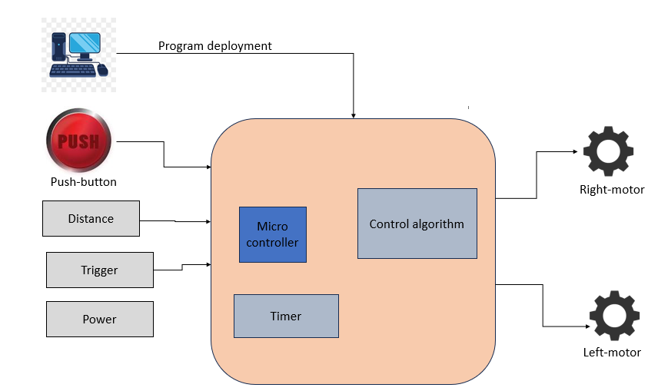

Hardware Architecture

Topology | Control Subsystem | Plant Subsystem
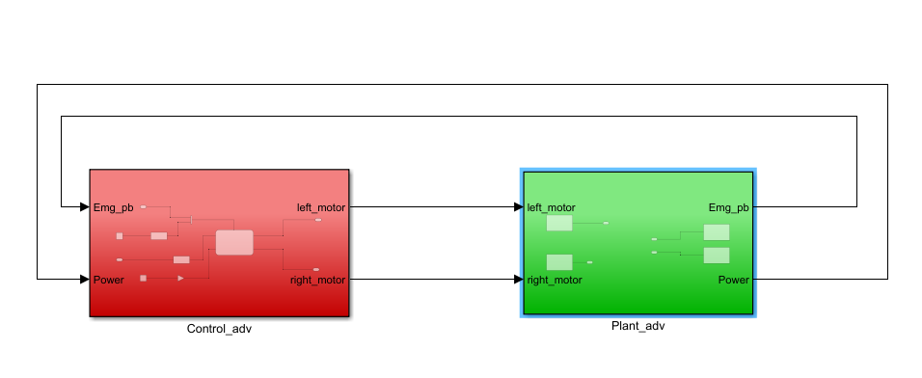 | 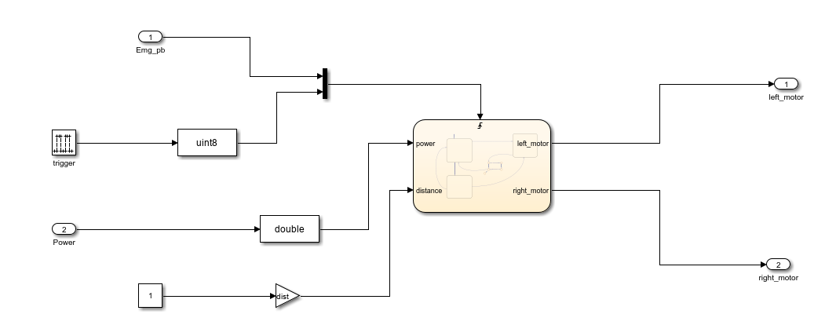 | 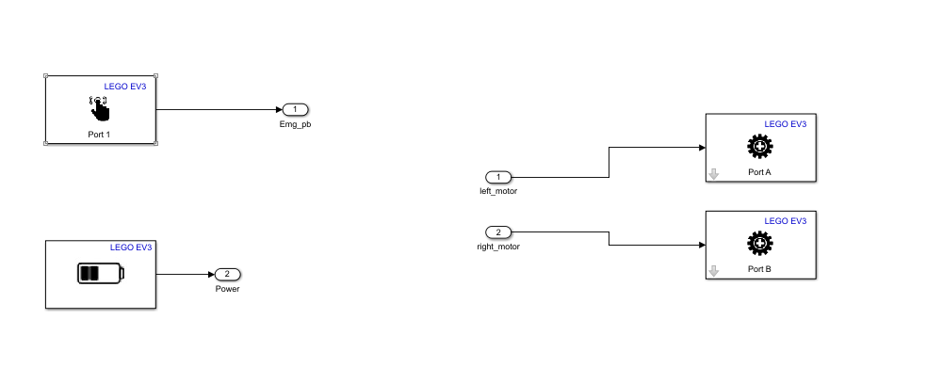

Software Architecture

M0 (Emergency Push Button) | 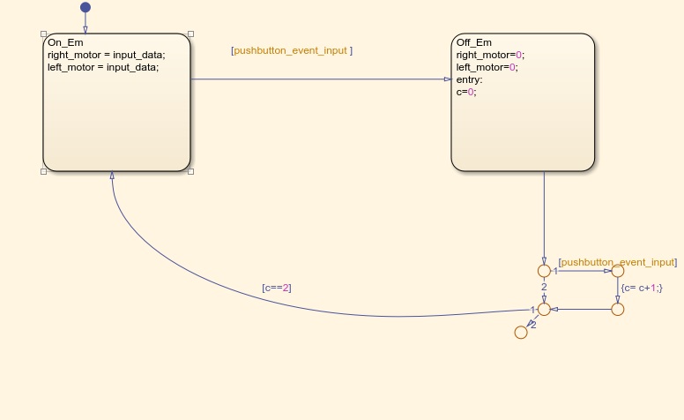
M1(Drive a straight line forward) | 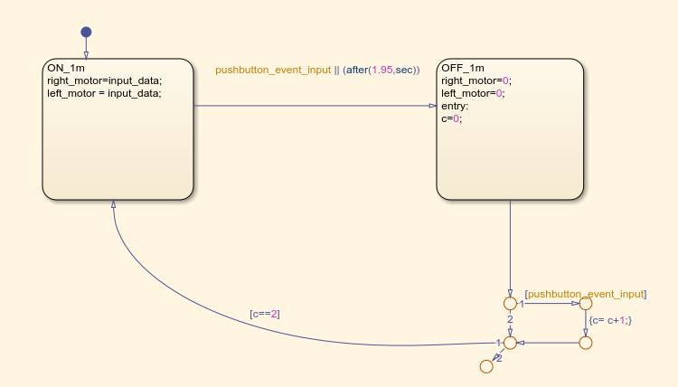
M2(Drive a square with x cm side length) | 