Test Harness
TEST Harness
Test_ID | Test_name | Requirement | Test Case | Acceptance Criteria/Solution | Test passed? Yes/no | Result
Test_V001 | Emergency push button(M0) | 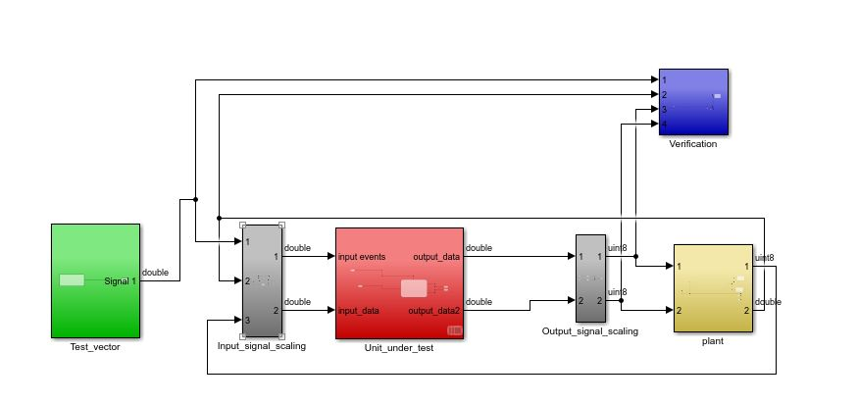 | 1-One press (Push button) = pulse stop. 2-Double press (Push button)= pulse resume | Push Button is pressed once for stopping and twice for resuming the functionality | yes | 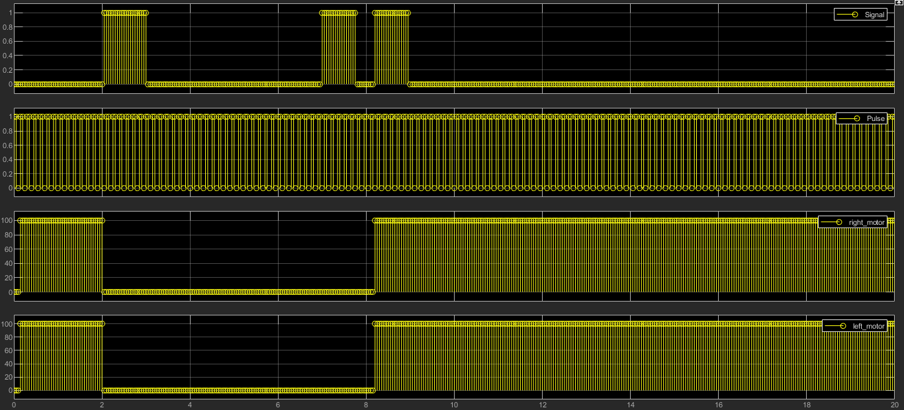
Test_V002 | Drive a straight line forward(M1) |  | 1-One press (Push button) =The maneuver should stop . 2-Double Press (Push button) = The maneuver will move straight for a distance of 1m | The maneuver will move straight forward for a distance of 1m when pressed twice and also the maneuver will stop when the push button is pressed once . | yes | 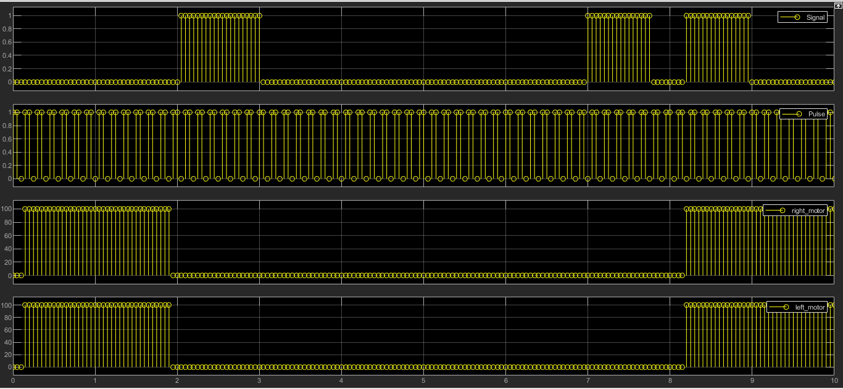
Test_V003 | Drive a square with "X" meter side length(M2) |  | 1-One press (Push button) =The maneuver should stop . 2-Double Press (Push button) = The maneuver will follow square pattern for a given input distance. | The maneuver will move in a square pattern for a given input distance, when pressed twice and also the maneuver will stop when the push button is pressed once . | yes | 