Dashboard
UCI Donation Tracker Dashboard

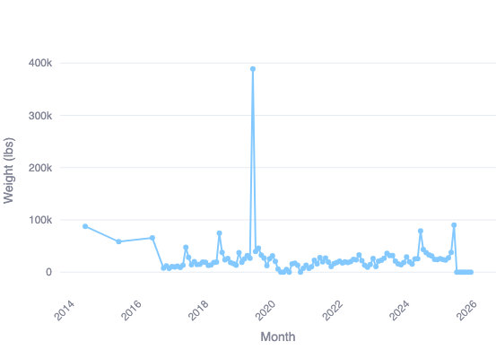
Total Donations Over Time
Top 10 Locations

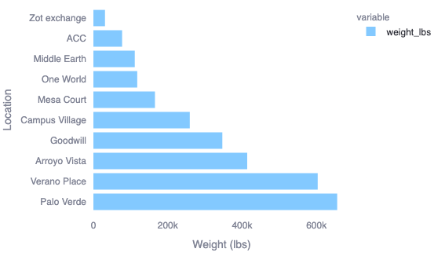

Donation Trends for Housing Communities

Donation Trends for

