Pivot Tables
Row Labels | Sum of weight_lbs | Location | Sum of weight_lbs | Row Labels | Sum of weight_lbs | Variables | Totals
2017 | 213507 | Palo Verde | 656013.6 | G | 24970 | Total Donations | 1444
January | 10904 | Verano Place | 603557.8 | total? | 11272.8 | Total Weight | 2912798.14
February | 9748 | Arroyo Vista | 413891.4 | UG | 276360.6 | Unique Locations | 22
March | 11660 | Goodwill | 346954.6 | (blank) | 2600194.74 | Grand Total | 2914264.14 | <<< ignore
April | 8802 | Campus Village | 259361 | Grand Total | 2912798.14
May | 13490 | Mesa Court | 165641.4
June | 47563 | One World | 117972
July | 28164 | Middle Earth | 111350.5
August | 13954 | ACC | 77278.9
September | 20004 | Zot exchange | 31208.26
October | 14736 | FRESH | 25098.88
November | 14966 | Move-out total | 20744
December | 19516 | Goodwill MO | 18480
2018 | 293894.1 | Tex Green | 17508
January | 19082 | ATRS | 17508
February | 12770 | Unknown | 11272.8
March | 13928 | Basic Needs | 6939
April | 18414 | AMVETS | 5818
May | 19310 | Food | 4934.4
June | 74526.1 | Mary's Kitchen | 665.6 | so dumb, all this
July | 37694 | Dept Freecycle | 600
August | 23682 | Grand Total | 2912798.14
September | 26380
October | 18648
November | 16142
December | 13318
2019 | 711999.48
January | 37238
February | 18896
March | 25452
April | 31832
May | 26428
June | 388781.48
July | 39502 |  |  |  | < bullshit
August | 45972
September | 32620
October | 26934
November | 12608
December | 25736
2020 | 116684
January | 31328
February | 20792
March | 5918
April | 0
May | 0
June | 5282
July | 0
August | 15988
September | 17002
October | 13122
November | 0
December | 7252
2021 | 208444.8
January | 13508
February | 7116
March | 10210
April | 22636
May | 15850
June | 27930.8
July | 19594
August | 27038
September | 19336
October | 10550
November | 16394
December | 18282
2022 | 236880
January | 20960
February | 17386
March | 19618
April | 18526
May | 19986
June | 24402
July | 23560
August | 33082
September | 21932
October | 13448
November | 9564
December | 14416
2023 | 276412
January | 26156
February | 10720
March | 21024
April | 22952
May | 26684
June | 35916
July | 31888
August | 31758
September | 20964
October | 15686
November | 14280
December | 18384
2024 | 387743.86
January | 29220.48
February | 19730.58
March | 15403.9
April | 25330.8
May | 25846.2
June | 78796
July | 43362.6
August | 37544.88
September | 33141.2
October | 30879.2
November | 24315.62
December | 24172.4
2025 | 228557.4
January | 25716.6
February | 24241.2
March | 23361
April | 27347.2
May | 37610.6
June | 90280.8
July
August
September
October
November
December
Grand Total | 2674122.64

Total Donations (lbs)
 | Total
January | 10904
February | 9748
March | 11660
April | 8802
May | 13490
June | 47563
July | 28164
August | 13954
September | 20004
October | 14736
November | 14966
December | 19516
January | 19082
February | 12770
March | 13928
April | 18414
May | 19310
June | 74526.1
July | 37694
August | 23682
September | 26380
October | 18648
November | 16142
December | 13318
January | 37238
February | 18896
March | 25452
April | 31832
May | 26428
June | 388781.48
July | 39502
August | 45972
September | 32620
October | 26934
November | 12608
December | 25736
January | 31328
February | 20792
March | 5918
April | 0
May | 0
June | 5282
July | 0
August | 15988
September | 17002
October | 13122
November | 0
December | 7252
January | 13508
February | 7116
...

Dashboard
UCI Donation Tracker Dashboard

Total Donations Over Time
Top 10 Locations

Total Donations (lbs)
 | Total
January | 10904
February | 9748
March | 11660
April | 8802
May | 13490
June | 47563
July | 28164
August | 13954
September | 20004
October | 14736
November | 14966
December | 19516
January | 19082
February | 12770
March | 13928
April | 18414
May | 19310
June | 74526.1
July | 37694
August | 23682
September | 26380
October | 18648
November | 16142
December | 13318
January | 37238
February | 18896
March | 25452
April | 31832
May | 26428
June | 388781.48
July | 39502
August | 45972
September | 32620
October | 26934
November | 12608
December | 25736
January | 31328
February | 20792
March | 5918
April | 0
May | 0
June | 5282
July | 0
August | 15988
September | 17002
October | 13122
November | 0
December | 7252
January | 13508
February | 7116
...

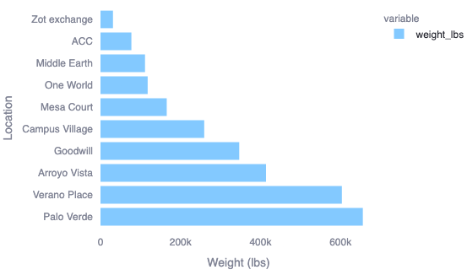

Donation Trends for Housing Communities

Visit kstrekalova.github.io/Donation_Data_UCI/donation_widget.html for an interactive graph.

