Basics
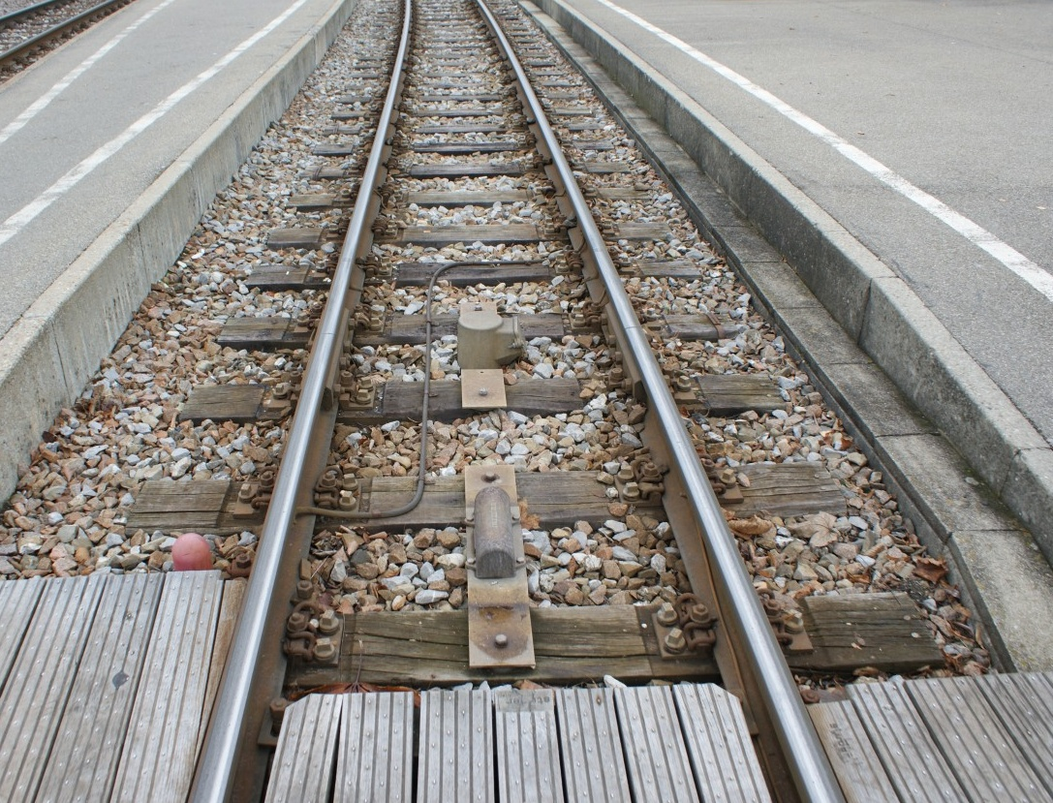
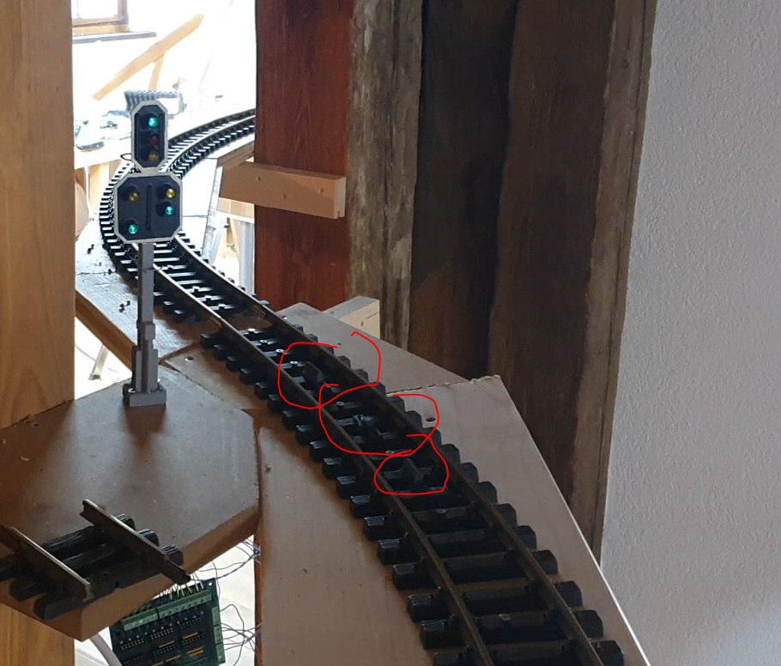
 | Light Signals:

 |  |  |  | Symbol
 |  |  |  | H
 |  | Hauptsignal
 |  | Main Singal |  |  |  |  | The main Signal only can take the three following states

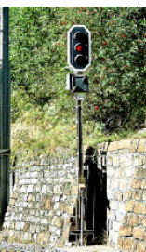
 |  |  |  |  |  |  | 1.) Stop! |  | 2.) Free |  |  |  |  |  | 2.) Free, but you are getting deflected by a swith
 |  |  |  |  |  |  | the default state

 |  |  | Symbol

 |  | Vorsignal | V |  |  |  |  |  |  |  |  |  |  |  |  |  |  |  |  |  | switch position: deflection
 |  | Pre-Signal |  |  |  |  | A main signal can have no or one pre-signal
 |  |  |  |  |  |  | it always shows what the main signal shows, except for a single case |  |  |  |  |  |  |  |  |  |  |  |  | switch position: straight
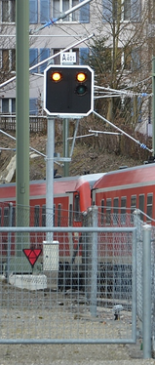

 |  |  |  |  |  |  | V1.) If the main Signals |  |  |  |  |  | V2.) if the main Signal |  |  |  | V3.) if the main Signal
 |  |  |  |  |  |  |  | shows Stop |  |  |  |  |  | shows Free |  |  |  | shows Free but deflection

 |  | Zwergsignal
 |  | Darf-Signal
 |  | (only used in stations)

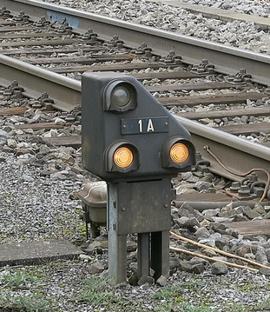

 |  |  |  |  |  |  |  |  |  | A dawrf knows only three states

 |  |  |  |  | Symbol
 |  |  |  |  | Z |  |  |  |  |  | 1.) Stop! |  |  |  |  | 2.) Free |  |  | 3.) this free, next stop

Shape Signal:

 |  | Hippsche Wendescheibe |  |  |  | A Turn disk only knows two states,
 |  | Hippsch' Turn-Disk

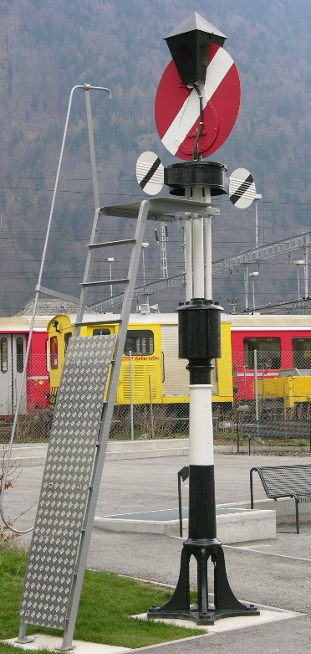
 |  |  |  |  |  | 2.) Free |  |  |  |  |  | 1.) Stopp

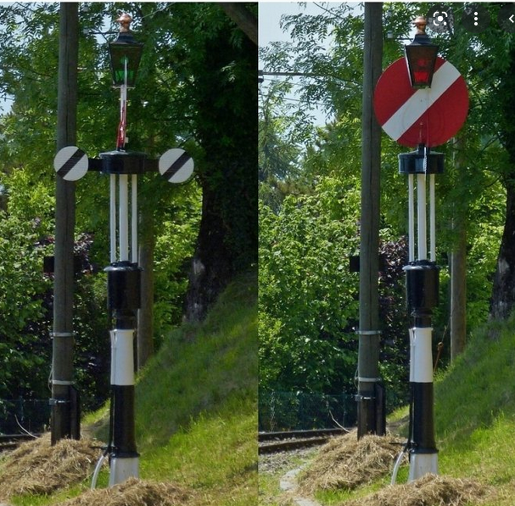

Magnets:

 |  | Each main signal got a magnet

Rules and valid combinations
 | .) A Signal is only valid in the direction it is facing, if I approach a Signal from the back, I can act as if it is not there

 | .) There can be the following combinations:

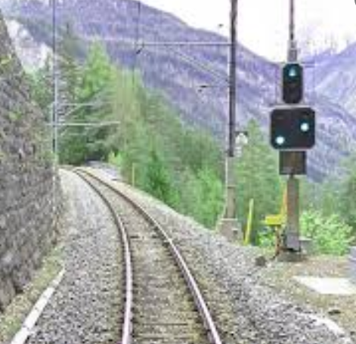
 |  |  | H |  |  |  |  |  |  |  |  |  |  |  | H
 |  |  |  |  |  |  |  | V |  |  |  |  |  |  | V

 |  |  | Main Signal |  |  |  |  | Pre Signal

 |  |  |  |  |  |  |  |  |  |  |  |  |  | Main-Pre-Signal

 |  |  |  |  |  |  |  |  |  |  |  |  |  | A main signal and a pre signal may be combined on one signal post

 | .) examples:

 |  |  |  |  |  | Main signal always in the beginning of a block

 |  |  |  |  | H1 |  |  |  |  |  |  | H2 |  |  |  |  |  |  |  | H3
 |  |  | V1 |  |  |  |  |  |  | V2 |  |  |  |  |  |  |  | V3

Block 0 |  |  |  |  |  | Block 1 |  |  |  |  |  |  | Block 2 |  |  |  |  |  |  |  | Block 3

 |  |  |  |  |  | with the combination of HV the line above also could be build like this:

 |  |  |  |  | H1 |  |  |  |  |  |  | H2 |  |  |  |  |  |  |  | H3
 |  |  |  |  | V2 |  |  |  |  |  |  | V3

Block 0 |  |  |  |  |  | Block 1 |  |  |  |  |  |  | Block 2 |  |  |  |  |  |  |  | Block 3

 |  |  |  |  |  |  | the pre signal jumped to the post of the previous main signal

 | .) now for the single exception where a pre signal does not show what its main signal shows

 |  | lets go with the previosu track layout again

 |  |  |  |  |  |  | H1 |  |  |  |  |  |  | H2 |  |  |  |  |  |  |  | H3

 |  | V1 |  |  |  |  |  |  | V2 |  |  |  |  |  |  |  | V3

 |  | Block 0 |  |  |  |  |  | Block 1 |  |  |  |  |  |  |  | Block 2 |  |  |  |  |  |  | Block 3

 | if we go with separate Signals, all is fine

 |  |  |  |  |  |  | H1 |  |  |  |  |  |  | H2 |  |  |  |  |  |  |  | H3 |  |  |  | H4

 |  | V1 |  |  |  |  |  |  | V2 |  |  |  |  |  |  |  | V3 |  |  |  |  |  |  | V4

 |  | Block 0 |  |  |  |  |  | Block 1 |  |  |  |  |  |  |  | Block 2 |  |  |  |  |  |  | Block 3 |  |  |  | Block 4

 | but if we go with the combined versions
 | there would be a problem that under the red H3 would be green V4
 | so the Presignal on a HV shows whats its main signal says, unless, the main signal it is mounted on is red, then it shows red as well, no matter what

 |  |  |  |  |  |  |  |  |  |  |  |  |  |  |  |  |  |  |  |  |  |  |  |  | WRONG!

 |  |  |  |  |  |  | H1 |  |  |  |  |  |  | H2 |  |  |  |  |  |  |  | H3 |  |  |  | H4 |  | H5

 |  |  |  | V2 |  |  |  |  |  |  | V3 |  |  |  |  |  |  |  | V4 |  |  |  |  |  | V5

 |  | Block 0 |  |  |  |  |  | Block 1 |  |  |  |  |  |  |  | Block 2 |  |  |  |  |  |  | Block 3 |  |  |  | Block 4

 |  |  |  |  |  |  |  |  |  |  |  |  |  |  |  |  |  |  |  |  |  |  |  |  | Correct

 |  |  |  |  |  |  | H1 |  |  |  |  |  |  | H2 |  |  |  |  |  |  |  | H3 |  |  |  | H4 |  | H5

 |  |  |  | V2 |  |  |  |  |  |  | V3 |  |  |  |  |  |  |  | V4 |  |  |  |  |  | V5

 |  | Block 0 |  |  |  |  |  | Block 1 |  |  |  |  |  |  |  | Block 2 |  |  |  |  |  |  | Block 3 |  |  |  | Block 4

Track fundamentals
A Block is the section of a track between at least two main signals facing the same direction

if one ore more switch are in that track section, the block extends over them as well,

till the next main signal facing the same direction each

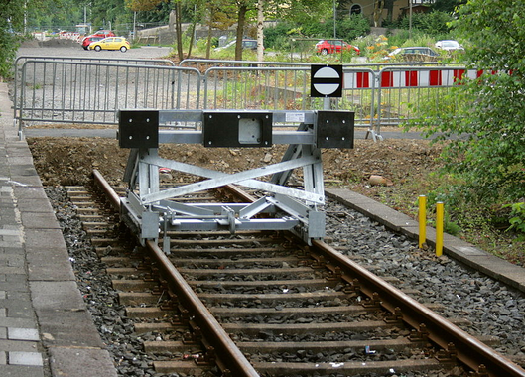
Blocks cannot have 'open ends' there must be a signal or track termination

examples of valid Blocks |  |  |  |  |  |  |  |  |  |  |  |  |  |  |  |  |  |  |  | This track here is not part of the Block, as you cant reach it without reversing your travel direction
all with travel direction left to right |  |  |  |  |  |  |  |  |  |  |  |  |  |  |  |  |  |  |  |  |  |  | But you will have somewhere a Main signal that would Prevent a train
 |  |  |  |  |  |  |  |  |  |  |  |  |  |  |  |  |  |  |  |  |  |  | To enter this Block from this 'invisible' End
 |  |  |  |  |  |  |  |  |  |  |  |  |  | H | H |  |  |  | H |  | H |  |  |  |  | H

 |  | H |  |  |  | H |  |  |  |  | H |  |  | H | H |  |  |  | H |  |  |  |  |  |  | H | H |  | H

 |  |  | Block |  |  |  |  |  |  |  |  | Block |  |  |  | Block |  |  |  |  |  |  |  |  |  |  |  | Block
 |  |  |  |  |  |  |  |  |  |  |  |  |  |  |  |  |  |  |  |  | H |  |  |  | H

 |  |  |  |  |  |  |  |  |  |  |  |  |  |  |  |  |  |  |  |  |  | Block

 | 1.) | just a straight track

 |  |  |  |  |  |  |  | H1 |  |  |  |  |  |  |  |  | H2
 |  |  |  |  | V1 |  |  |  |  |  |  |  |  |  | V2

 |  | Block 10 |  |  |  |  |  |  | Block 11 |  |  |  |  |  |  |  |  | Block 12 |  |  |  |  |  | If H1 gest the command to go green, and no other route has reserved that block
 |  |  |  |  |  |  |  |  |  |  |  |  |  |  |  |  |  |  |  |  |  |  |  | it will go green

 | 2.) | just a straight track with HV

 |  |  |  |  |  |  |  | H1 |  |  |  |  |  |  |  |  | H2
 |  |  |  |  |  |  |  | V2 |  |  |  |  |  |  |  |  | V3

 |  | Block 10 |  |  |  |  |  |  | Block 11 |  |  |  |  |  |  |  |  | Block 12 |  |  |  |  |  | If H1 gets the command to go green, an no other route has reserved that block,
 |  |  |  |  |  |  |  |  |  |  |  |  |  |  |  |  |  |  |  |  |  |  |  | it will go green, but act like in that exception on the previous sheet in the case if

 | 3.) | A switch within a block, 'easy' orientation

 |  |  |  |  |  |  |  | H1 |  |  |  |  |  |  |  |  | H2
 |  |  |  |  | V1 |  |  |  |  |  |  |  |  |  | V2

 |  | Block 10 |  |  |  |  |  |  |  |  |  |  |  |  |  |  |  | Block 12 |  |  |  |  |  | If H1 gets the command to go green, and no other route has reserved that block
 |  |  |  |  |  |  |  |  |  |  |  |  |  |  |  |  |  |  |  |  |  |  |  | it will go green

 |  |  |  |  |  |  |  |  |  |  |  |  |  |  |  |  | H3
 |  |  |  |  |  |  |  |  |  |  |  |  |  |  | V3

 |  |  |  |  |  |  |  |  |  | Block 11 |  |  |  |  |  |  |  | Block 13

 | 4.) | A switch within a block with HV, 'easy' orientation

 |  |  |  |  |  |  |  | H1 |  |  |  |  |  |  |  |  | H2
 |  |  |  |  |  |  |  | VX |  |  |  |  |  |  |  |  | V4

 |  | Block 10 |  |  |  |  |  |  |  |  |  |  |  |  |  |  |  | Block 12 |  |  |  |  |  | If H1 gets the command to go green, and no other route has reserved that block
 |  |  |  |  |  |  |  |  |  |  |  |  |  |  |  |  |  |  |  |  |  |  |  | it will go green, the pre signal VX will now show the state of either H2 oder H3,
 |  |  |  |  |  |  |  |  |  |  |  |  |  |  |  |  |  |  |  |  |  |  |  | depending on the position of the switch
 |  |  |  |  |  |  |  |  |  |  |  |  |  |  |  |  | H3
 |  |  |  |  |  |  |  |  |  |  |  |  |  |  |  |  | V5

 |  |  |  |  |  |  |  |  |  | Block 11 |  |  |  |  |  |  |  | Block 13

 | 5.) | A switch within a block, 'hard' orientation

 |  |  |  |  |  |  |  | H1 |  |  |  |  |  |  |  |  | H3
 |  |  |  |  | V1 |  |  |  |  |  |  |  |  |  | V3

 |  | Block 10 |  |  |  |  |  |  |  |  |  |  |  |  |  |  |  | Block 13 |  |  |  |  |  | If H1 gets the command to go green, and no other route has reserved that block and the switch is in the correct position
 |  |  |  |  |  |  |  |  |  |  |  |  |  |  |  |  |  |  |  |  |  |  |  | it will go green

 |  |  |  |  |  |  | H1a |  |  |  |  |  |  |  |  |  |  |  |  |  |  |  |  | same goes for H1a
 |  |  |  | V1a

 |  | Block 20
 |  |  |  |  |  |  |  |  |  |  |  |  | Block 11

 | 6.) | A switch within a block with HV, 'hard' orientation

 |  |  |  |  |  |  |  | H1 |  |  |  |  |  |  |  |  | H3
 |  |  |  |  |  |  |  | V3 |  |  |  |  |  |  |  |  | V4

 |  | Block 10 |  |  |  |  |  |  |  |  |  |  |  |  |  |  |  | Block 13 |  |  |  |  |  | If H1 gets the command to go green, and no other route has reserved that block and the switch is in the correct position
 |  |  |  |  |  |  |  |  |  |  |  |  |  |  |  |  |  |  |  |  |  |  |  | it will go green

 |  |  |  |  |  |  | H1a |  |  |  |  |  |  |  |  |  |  |  |  |  |  |  |  | same goes for H1a
 |  |  |  |  |  |  | V3
 |  |  |  |  |  |  |  |  |  |  |  |  |  |  |  |  |  |  |  |  |  |  |  | and again that exception, if H1 or H1a are red, but H3 green, V3 still shows red
 |  | Block 20
 |  |  |  |  |  |  |  |  |  |  |  |  | Block 11

