electricity
source: | http://www.ecmodels.eu/index_files/MODELS%20Description%20of%20GEM-E3%20Developments.pdf
 | Table 6, page 26

 | Coal | Gas | Oil | Nuclear | Biomass | Hydro | Wind | PV
Coal | 0.27 | 0 | 0 | 0 | 0 | 0 | 0 | 0
Oil | 0 | 0 | 0.66 | 0 | 0 | 0 | 0 | 0
Gas | 0 | 0.69 | 0 | 0 | 0 | 0 | 0 | 0
Agriculture | 0 | 0 | 0 | 0 | 0.51 | 0 | 0 | 0
Labour | 0.26 | 0.1 | 0.11 | 0.22 | 0.13 | 0.13 | 0.08 | 0.02
Capital | 0.46 | 0.21 | 0.22 | 0.78 | 0.35 | 0.87 | 0.92 | 0.98

 | 0.72 | 0.31 | 0.33 | 1 | 0.48 | 1 | 1 | 1
Note, updated data in 2013 documentation is:
(not implemented in EXIOBASE as of version 3.4)

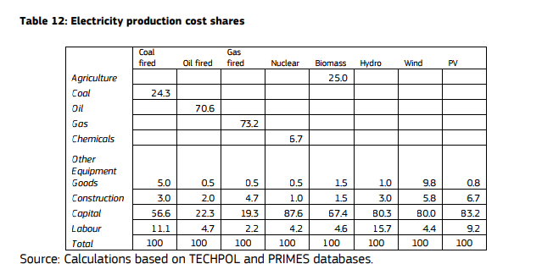

 |  |  |  |  |  |  |  |  |  |  | Coal | Gas | Oil | Nuclear | Biomass | Hydro | Wind | PV |  |  | 96 | 'Production of electricity by coal'
 |  |  |  |  |  |  |  |  |  | Agriculture | 0 | 0 | 0 | 0 | 0.25 | 0 | 0 | 0 |  |  | 97 | 'Production of electricity by gas'
 |  |  |  |  |  |  |  |  |  | Coal | 0.243 | 0 | 0 | 0 | 0 | 0 | 0 | 0 |  |  | 98 | 'Production of electricity by nuclear'
 |  |  |  |  |  |  |  |  |  | Oil | 0 | 0 | 0.706 | 0 | 0 | 0 | 0 | 0 |  |  | 99 | 'Production of electricity by hydro'
 |  |  |  |  |  |  |  |  |  | Gas | 0 | 0.732 | 0 | 0 | 0 | 0 | 0 | 0 |  |  | 100 | Production of electricity by wind'
 |  |  |  |  |  |  |  |  |  | Chemicals | 0 | 0 | 0 | 0.067 | 0 | 0 | 0 | 0 |  |  | 101 | 'Production of electricity by petroleum and other oil derivatives'
 |  |  |  |  |  |  |  |  |  | Other Equipment Goods | 0.05 | 0.005 | 0.005 | 0.005 | 0.015 | 0.01 | 0.098 | 0.008 |  |  | 102 | Production of electricity by biomass and waste'
 |  |  |  |  |  |  |  |  |  | Construction | 0.03 | 0.047 | 0.02 | 0.01 | 0.015 | 0.03 | 0.058 | 0.067 |  |  | 103 | 'Production of electricity by solar photovoltaic'
 |  |  |  |  |  |  |  |  |  | Labour | 0.111 | 0.022 | 0.047 | 0.042 | 0.046 | 0.157 | 0.044 | 0.092 |  |  | 104 | 'Production of electricity by solar thermal'
 |  |  |  |  |  |  |  |  |  | Capital | 0.566 | 0.193 | 0.223 | 0.876 | 0.674 | 0.803 | 0.8 | 0.832 |  |  | 105 | 'Production of electricity by tide, wave, ocean'
 |  |  |  |  |  |  |  |  |  |  |  |  |  |  |  |  |  |  |  |  | 106 | 'Production of electricity by Geothermal'
 |  |  |  |  |  |  |  |  |  |  | 0.677 | 0.215 | 0.27 | 0.918 | 0.72 | 0.96 | 0.844 | 0.924 |  |  | 107 | 'Production of electricity nec'

 |  |  |  |  |  |  |  |  |  | 96 | 97 | 98 | 99 | 100 | 101 | 102 | 103 | 104 | 105 | 106 | 107
 |  |  |  |  |  |  |  |  |  | 'Production of electricity by coal' | 'Production of electricity by gas' | 'Production of electricity by nuclear' | 'Production of electricity by hydro' | Production of electricity by wind' | 'Production of electricity by petroleum and other oil derivatives' | Production of electricity by biomass and waste' | 'Production of electricity by solar photovoltaic' | 'Production of electricity by solar thermal' | 'Production of electricity by tide, wave, ocean' | 'Production of electricity by Geothermal' | 'Production of electricity nec'
 |  |  |  |  |  |  |  |  | Labour | 0.111 | 0.022 | 0.042 | 0.157 | 0.044 | 0.047 | 0.046 | 0.092
 |  |  |  |  |  |  |  |  | Capital | 0.566 | 0.193 | 0.876 | 0.803 | 0.8 | 0.223 | 0.674 | 0.832

