drug effect_todd
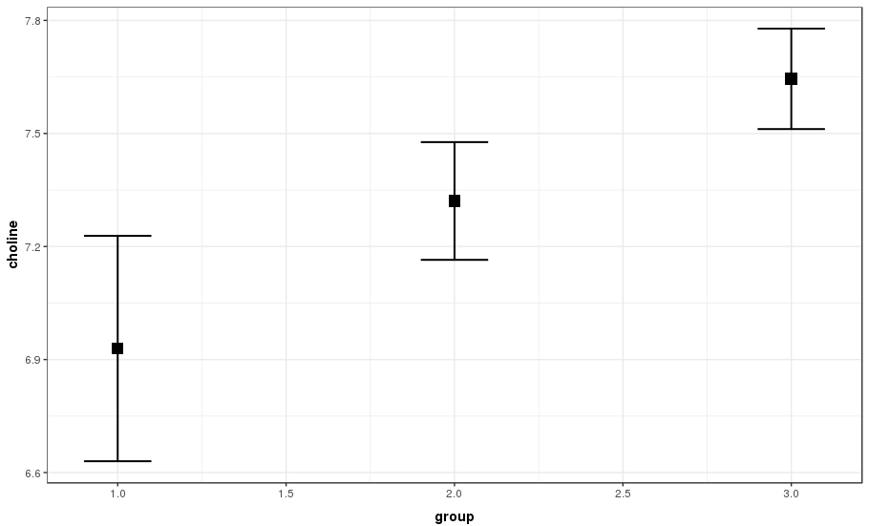
These results are in complete agreement with Jeff's python drug effects one tab to the left
results for left side choline
group | N | choline | se | ci
1 | 4 | 1.7314 | 0.17441274 | asd with meds
2 | 13 | 1.474708 | 0.06138111 | asd without meds
3 | 20 | 1.502875 | 0.07094681 | controls

one way ANOVA with three groups
F = 6.016 | p=0.00579

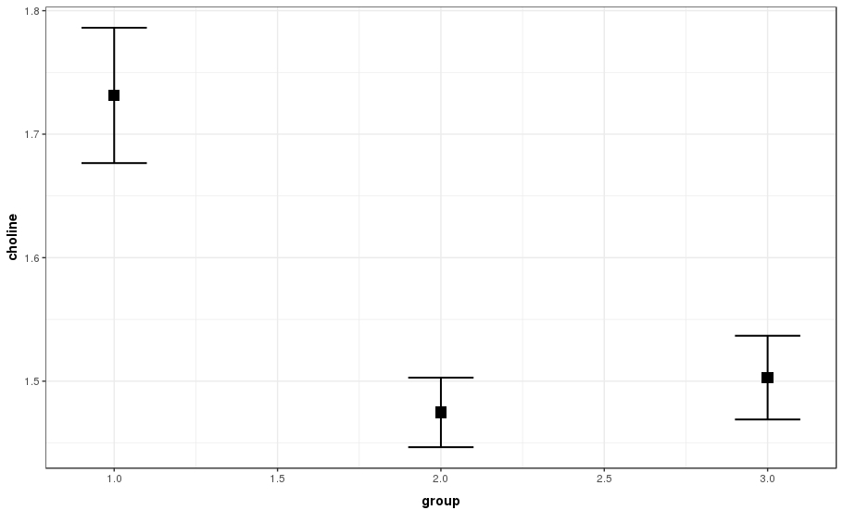

group 1 = asd with meds
group2 = asd without meds
group 3 = controls

Results for NAA right side

group | N | NAA | Standard dev | Standard error | ci | sd | se | ci
1 | 4 | 6.92915 | 0.598113 | 0.2990565 | 0.9517312
2 | 13 | 7.3208 | 0.5633991 | 0.1562588 | 0.3404587
3 | 20 | 7.645005 | 0.5960555 | 0.1332821 | 0.2789626

one way ANOVA with 3 groups
F = 3.014 | p=0.0624

