Calibration
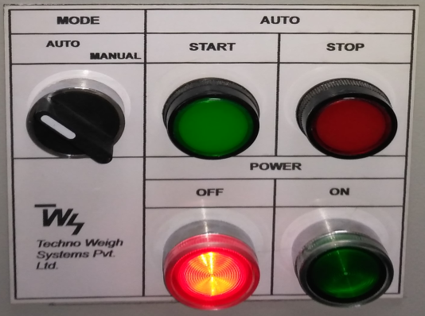
CALIBRATION OF BEADS WEIGHING MACHINE
NOTE: Keep Auto mode STOP Lamp indication ON while performing calibration or Parameters setting
1) Press cali (no.2 keys ) in Weighing Machine
Need to insert Password
2) Press 0 in Machine 6 times It will show 888888 on display
3) Press ENTER
4) CAL ON
KG - 1 - (Up to -1- to - 7 -) Press Enter button till -8 -
5) Now Applied Weight(Hang) 20 KG on both clamp in cross position (Total 40KG)
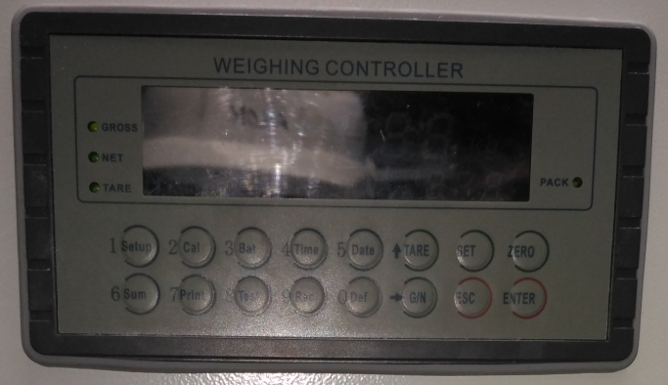
6) Press ENTER
It will show - 9 - on display
7) Enter the value of weight which is applied on both clamp which is 40 KG
Weight digit value will move from right to left
8) Press ENTER
It will ask Password (Ignore)
9) Press ENTER
Now display will show actual weight 40KG on indicator and below row count 41
10) Remove the Weight from the both clamp, Calibration is completed, Machine is ready for filling

Parameter setting

PARAMETER SETTING
NOTE: Keep Auto mode STOP Lamp indication ON while performing calibration or Parameters setting
1) Press ENTER
F1.1 apears on indicator (Selection of weight which is filled in a bag)
25 KG or 40 KG
2) Press ENTER
F1.2 (For Line feed)
3) Press ENTER
F1.3 (No Use)
4) Press ENTER
F1.4 Inflight weight Value( This value is used for adjust exess material in a bag)
5) Press ENTER
F1.5 Discharge time of bag to open clamp after filling
6) Press ENTER
F1.6 (No Use)
7) Press ENTER
8) Press Esc button for exit

