Sheet1
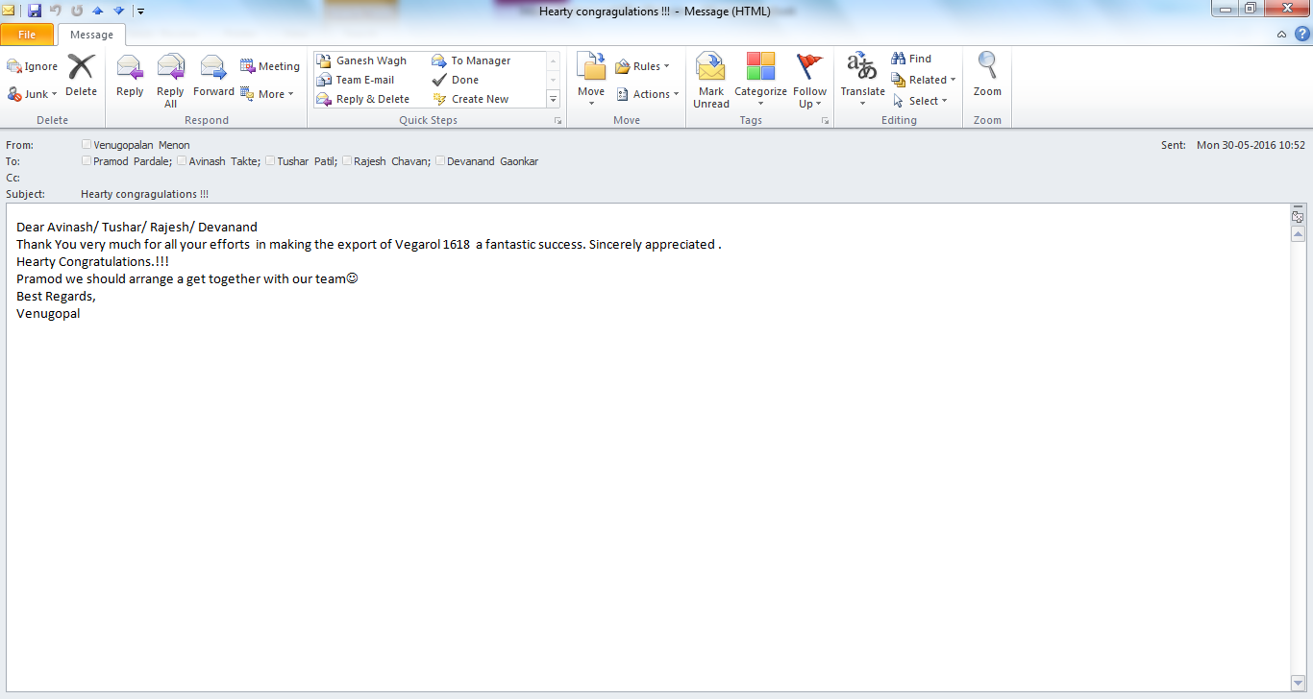
Arranged ISO Tanks and relevant co-ordination for VEGAROL 1618 TA shipment (Team EXIM). These ISO tanks used to move 280 MT - bulk cargo vessel.
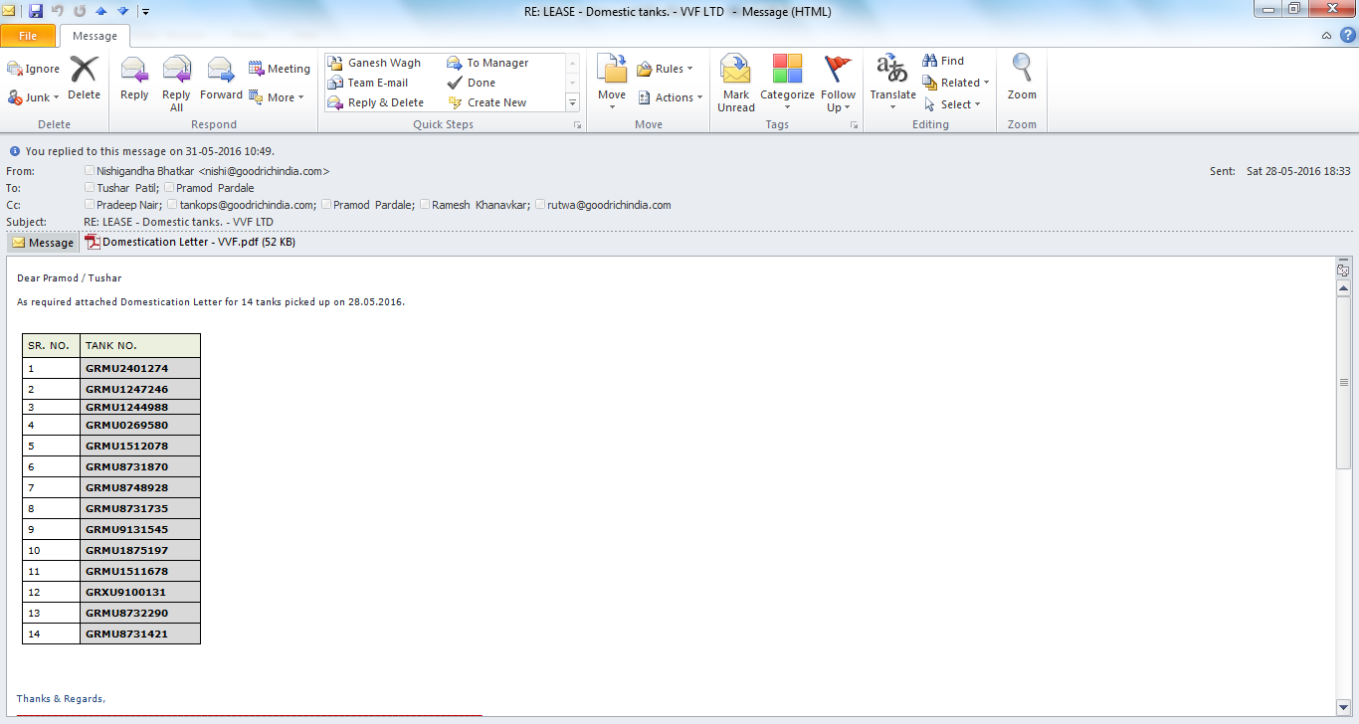

APRRECIATION FROM HOD FOR EFFICIENT MANAGEMENT OF ISO'S
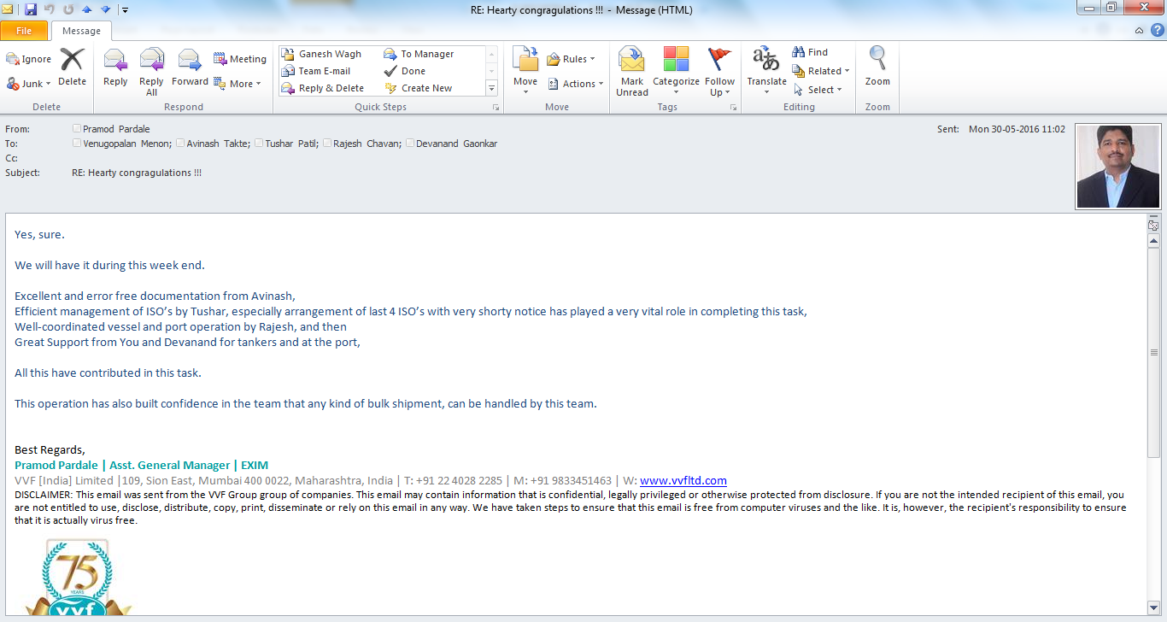

APPRECIATION FROM HOD FOR TEAM

