Sheet1
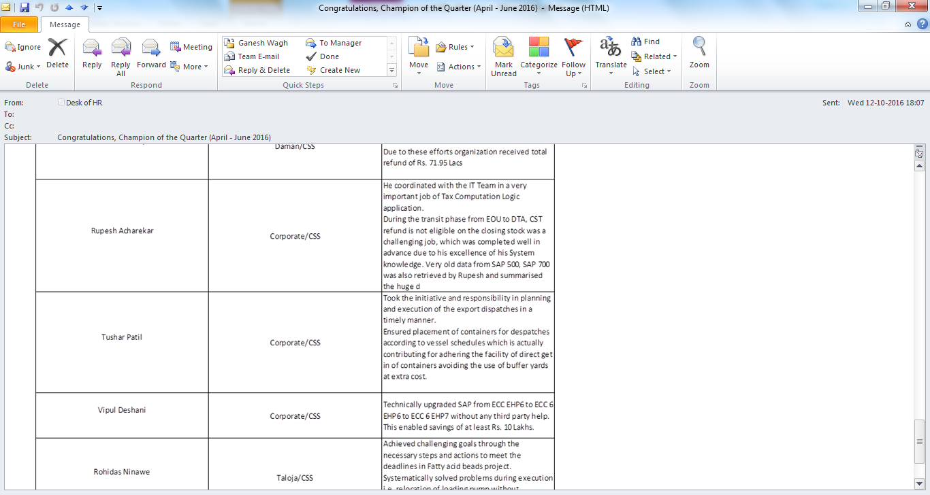
NOMINATED BY HOD FOR CHAMPION OF THE QUARTER (APRIL - JUNE 2016)

