Sheet1
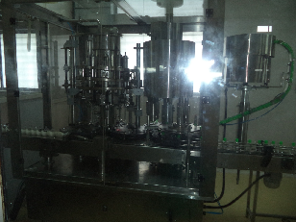
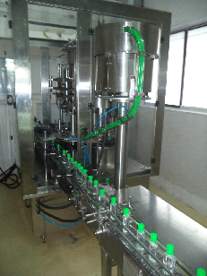
Identify Monoblock machine (NPA), modified at OEM end and installed successfully on DHS line, re aligned the line layout, bulk storage tank shift in manufacturing section
Pipe line change (1.5" to 3.0") from storage tank to Monoblock machine for Bulk transfer by gravity.
Result - shift production increase by approx. 35%, capping operation shifted manual to machine, Hygiene condition improve for filling / capping operation.

