homomorphism -- maybe (2)
sys1 | ker_vc-sys-seq

1_sys1 |  | 1_ker_vc-sys-seq

sys
vc

sys
vc

 |  |  | 4 options
 |  |  | 1 | left covers right
 |  |  | 2 | left supports right
 |  |  | 3 | right covers left
 |  |  | 4 | right supports left
2_sys1 |  | 2_ker_vc-sys-seq
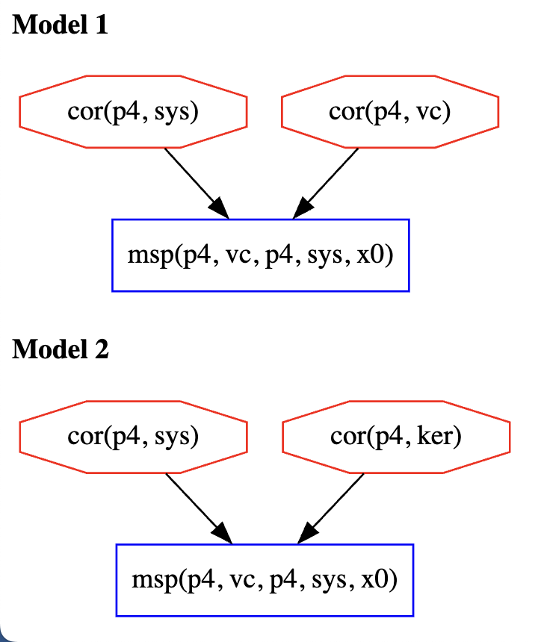

sys
ker
 |  |  | for each model H on the right, find a model G on the left and a homomorphism from G to H

sys
ker

 |  | 3_ker_vc-sys-seq

sys
ker
 |  |  | if yellow is true, then right is just as good as left

 |  |  | does right support left? NO

 |  | 4_ker_vc-sys-seq

vc
sys
ker

 |  | 5_ker_vc-sys-seq
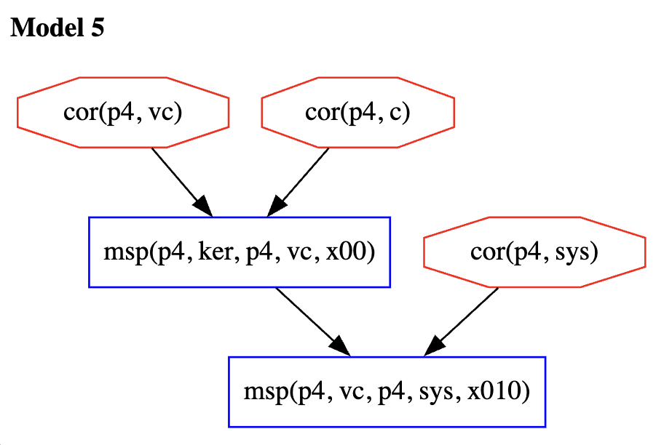

sys
c
vc

homomorphism -- with a1
sys1 | vc-sys-seq |  | ker_vc-sys-seq

1_sys1 |  | 1_vc-sys-seq |  | 1_ker_vc-sys-seq

sys
vc
sys
vc

sys
vc

sys
ker
2_sys1 |  |  |  | 2_ker_vc-sys-seq
 |  | 2_vc-sys-seq

sys
ker

sys
ker

 |  | 3_vc-sys-seq |  | 3_ker_vc-sys-seq

sys
vc
a1
sys
ker

 |  | 4_vc-sys-seq |  | 4_ker_vc-sys-seq

sys
vc
c
vc
sys
ker

 |  |  |  | 5_ker_vc-sys-seq

sys
c
vc

table
msp(p4,vc,p4,sys)
 |  | ASSUMING ORDER 1 |  | ASSUMING ORDER 2
Protocol Name | Measurement Chain | Chase Output (vc < vc_t < ker < ker_t) | Label | Chase Output (vc < ker < vc_t < ker_t) | Label
sys |  | 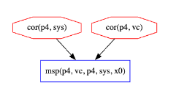 | vc |  | vc
msp(p3,a1,p4,vc)
msp(p4,vc,p4,sys)
vc-sys-par |  | 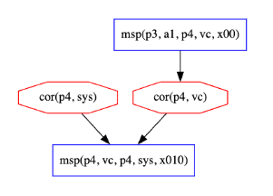 | vc_t |  | ker
msp(p3,a1,p4,vc)
msp(p4,vc,p4,sys)
vc-sys-seq |  |  | vc_t |  | ker
msp(p4,vc,p4,sys)
msp(p4,ker,p4,vc)
ker_vc-sys-par |  | 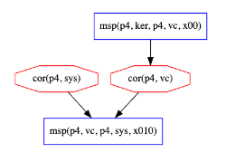 | vc_t | 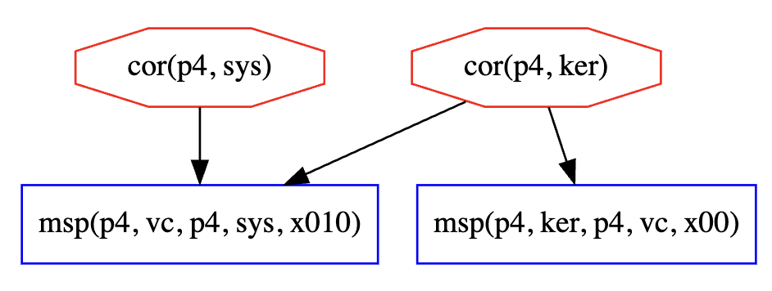 | ker
msp(p4,ker,p4,vc)
msp(p4,vc,p4,sys)
ker_vc-sys-seq |  |  | vc_t | 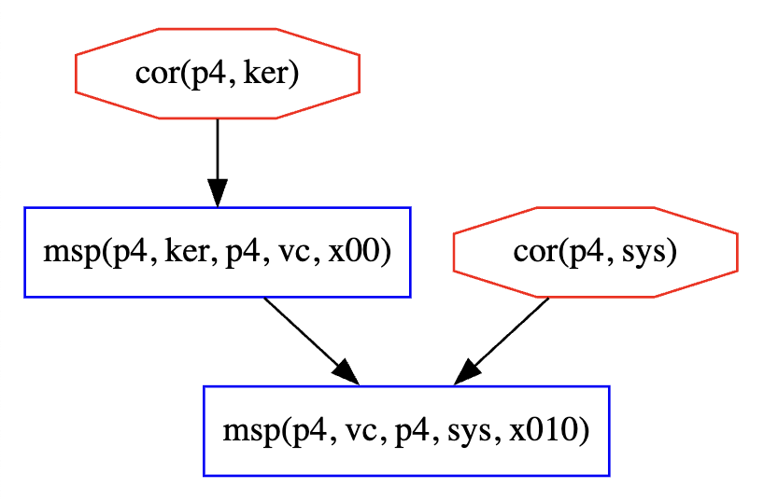 | ker
msp(p1,rtm,p4,ker)
msp(p4,vc,p4,sys)
rtm_ker-sys-par |  |  | vc |  | vc
msp(p1,rtm,p4,ker)
msp(p4,vc,p4,sys)
rtm_ker-sys-seq |  |  | vc |  | vc
msp(p4,vc,p4,sys)
msp(p1,rtm,p4,ker)
msp(p4,ker,p4,vc)
rtm_ker-vc-sys-par |  | 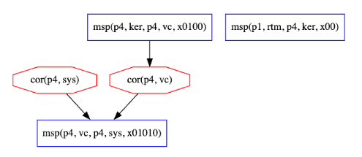 | vc_t | 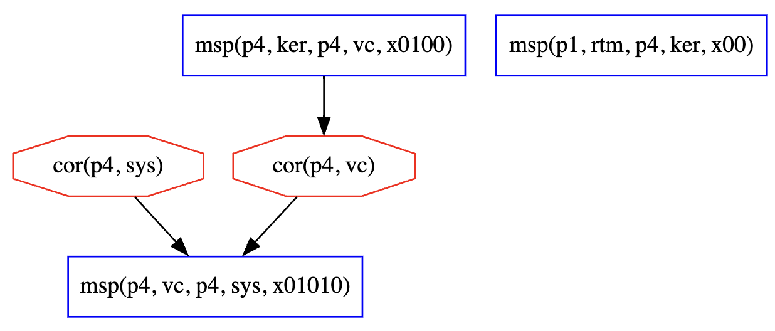 | vc_t
msp(p4,vc,p4,sys)
msp(p1,rtm,p4,ker)
msp(p4,ker,p4,vc)
rtm_ker-vc-sys-seq |  |  | vc_t | 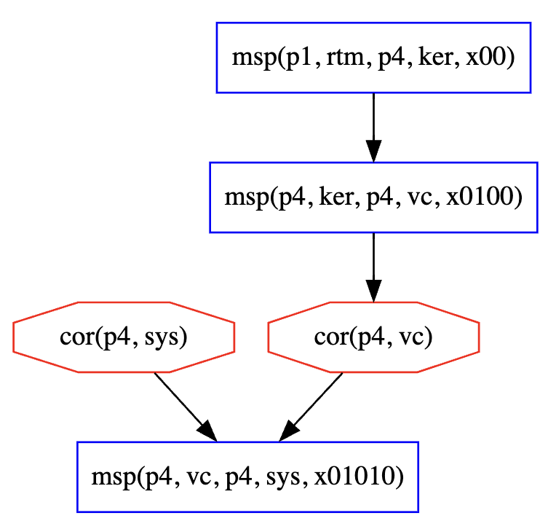 | vc_t
msp(p4,vc,p4,sys)
msp(p3,a1,p4,vc)
msp(p1,rtm,p3,a1)
a1-vc-sys-par |  | 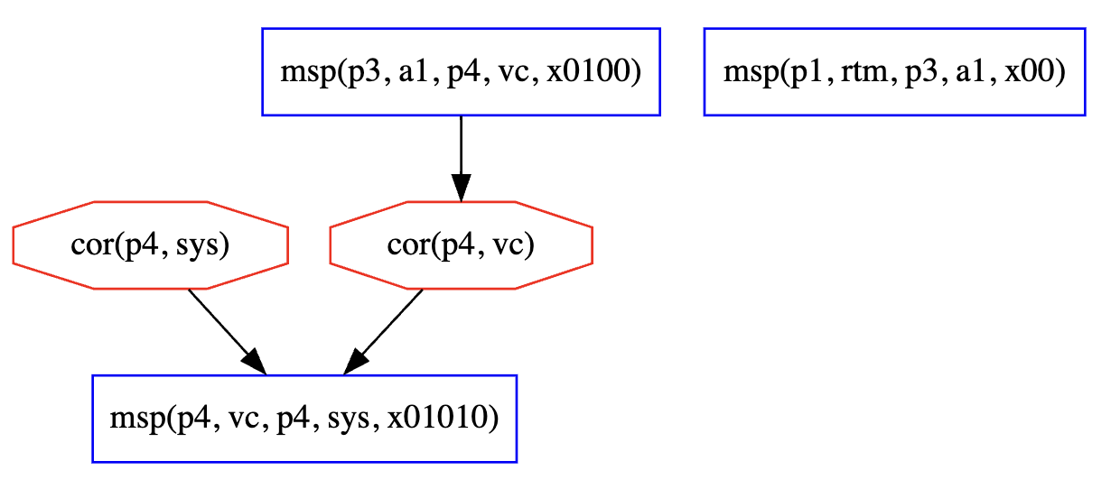 | vc_t |  | ker
msp(p4,vc,p4,sys)
msp(p3,a1,p4,vc)
msp(p1,rtm,p3,a1)
a1-vc-sys-seq |  | 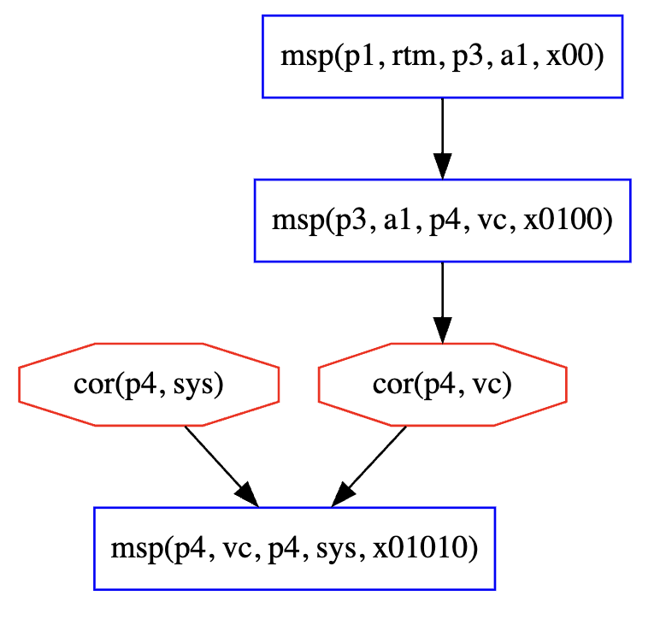 | vc_t | 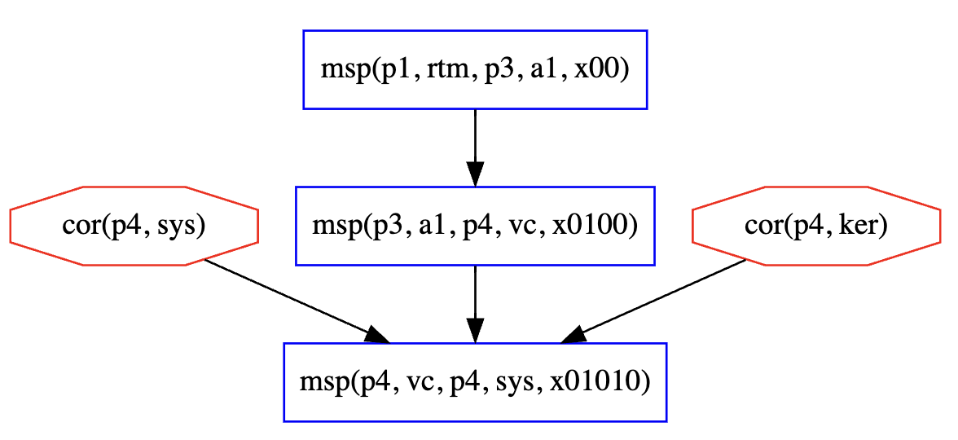 | ker
msp(p4,vc,p4,sys)
msp(p3,a2,p4,ker)
msp(p1,rtm,p3,a2)
a2-ker-vc-seq |  | 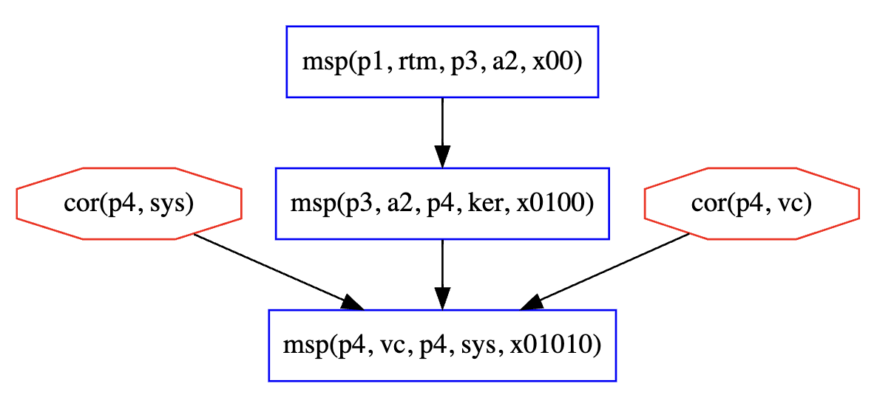 | vc |  | vc
msp(p4,vc,p4,sys)
msp(p3,a2,p4,ker)
msp(p1,rtm,p3,a2)
a2-ker-vc-par |  |  | vc |  | vc
msp(p4,ker,p4,vc)
msp(p3,a2,p4,ker)
msp(p1,rtm,p3,a1)
msp(p4,vc,p4,sys)
msp(p3,a1,p4,vc)
msp(p1,rtm,p3,a2)
a1-a2-vc-ker-sys |  | 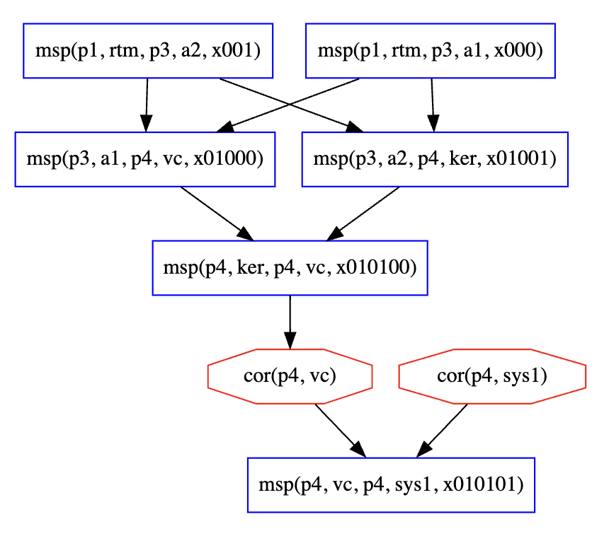 | vc_t |  | vc_t

 | vc | vc_t | ker
sys | 2 | 0 | 0
vc-sys-par | 0 | 1 | 1
vc-sys-seq | 0 | 1 | 1
ker_vc-sys-par | 0 | 1 | 1
ker_vc-sys-seq | 0 | 1 | 1
rtm_ker-sys-par | 2 | 0 | 0
rtm_ker-sys-seq | 2 | 0 | 0
rtm_ker-vc-sys-par | 0 | 2 | 0
rtm_ker-vc-sys-seq | 0 | 2 | 0
a1-vc-sys-par | 0 | 1 | 1
a1-vc-sys-seq | 0 | 1 | 1
a2-ker-vc-seq | 2 | 0 | 0
a2-ker-vc-par | 2 | 0 | 0
a1-a2-vc-ker-sys | 0 | 2 | 0

analysis
vc < ker < vc_t
a: vc < vc_t < ker |  |  |  | b: vc < x < ker < vc_t |  |  |  | together
Protocol Name | vc | vc_t | ker | Protocol Name | vc | vc_t | ker | Protocol Name | vc | vc_t | ker
sys | 1 | 0 | 0 | sys | 1 | 0 | 0 | sys | 2 | 0 | 0
vc-sys-par | 0 | 1 | 0 | vc-sys-par | 0 | 0 | 1 | vc-sys-par | 0 | 1 | 1
vc-sys-seq | 0 | 1 | 0 | vc-sys-seq | 0 | 0 | 1 | vc-sys-seq | 0 | 1 | 1
ker_vc-sys-par | 0 | 1 | 0 | ker_vc-sys-par | 0 | 0 | 1 | ker_vc-sys-par | 0 | 1 | 1
ker_vc-sys-seq | 0 | 1 | 0 | ker_vc-sys-seq | 0 | 0 | 1 | ker_vc-sys-seq | 0 | 1 | 1
rtm_ker-sys-par | 1 | 0 | 0 | rtm_ker-sys-par | 1 | 0 | 0 | rtm_ker-sys-par | 2 | 0 | 0
rtm_ker-sys-seq | 1 | 0 | 0 | rtm_ker-sys-seq | 1 | 0 | 0 | rtm_ker-sys-seq | 2 | 0 | 0
rtm_ker-vc-sys-par | 0 | 1 | 0 | rtm_ker-vc-sys-par | 0 | 1 | 0 | rtm_ker-vc-sys-par | 0 | 2 | 0
rtm_ker-vc-sys-seq | 0 | 1 | 0 | rtm_ker-vc-sys-seq | 0 | 1 | 0 | rtm_ker-vc-sys-seq | 0 | 2 | 0
a1-vc-sys-par | 0 | 1 | 0 | a1-vc-sys-par | 0 | 0 | 1 | a1-vc-sys-par | 0 | 1 | 1
a1-vc-sys-seq | 0 | 1 | 0 | a1-vc-sys-seq | 0 | 0 | 1 | a1-vc-sys-seq | 0 | 1 | 1
a2-ker-vc-seq | 1 | 0 | 0 | a2-ker-vc-seq | 1 | 0 | 0 | a2-ker-vc-seq | 2 | 0 | 0
a2-ker-vc-par | 1 | 0 | 0 | a2-ker-vc-par | 1 | 0 | 0 | a2-ker-vc-par | 2 | 0 | 0
a1-a2-vc-ker-sys | 0 | 1 | 0 | a1-a2-vc-ker-sys | 0 | 1 | 0 | a1-a2-vc-ker-sys | 0 | 2 | 0

Measurement Operations with Minimum Cost Attack

 |  |  |  |  |  |  |  |  |  |  |  | Protocol Name | Protocol
 |  |  |  |  |  |  |  |  |  |  |  | sys | *target: @p4 [vc p4 sys]
 |  |  |  |  |  |  |  |  |  |  |  | rtm_ker-sys-par | *target: @p1 [rtm p4 ker +~+ @p4 vc p4 sys]
 |  |  |  |  |  |  |  |  |  |  |  | rtm_ker-sys-seq | *target: @p1 [rtm p4 ker +<+ @p4 vc p4 sys]
 |  |  |  |  |  |  |  |  |  |  |  | ker_vc-sys-par | *target: @p4 [(ker p4 vc) +~+ @p4 (vc p4 sys)]
 |  |  |  |  |  |  |  |  |  |  |  | ker_vc-sys-seq | *target: @p4 [(ker p4 vc) +<+ @p4 (vc p4 sys)]
 |  |  |  |  |  |  |  |  |  |  |  | rtm_ker-vc-sys-par | *target: @p1 [(rtm p4 ker) +~+ @p4 [(ker p4 vc) +~+ @p4 (vc p4 sys)]]
 |  |  |  |  |  |  |  |  |  |  |  | rtm_ker-vc-sys-seq | *target: @p1 [(rtm p4 ker) +<+ @p4 [(ker p4 vc) +<+ @p4 (vc p4 sys)]]
 |  |  |  |  |  |  |  |  |  |  |  | vc-sys-par | *target: @p3 [(a1 p4 vc) +~+ @p4 (vc p4 sys)]
 |  |  |  |  |  |  |  |  |  |  |  | vc-sys-seq | *target: @p3 [(a1 p4 vc) +<+ @p4 (vc p4 sys)]
 |  |  |  |  |  |  |  |  |  |  |  | a1-vc-sys-seq | *target: @p1 [(rtm p3 a1) +<+ @p3 [(a1 p4 vc) +<+ @p4 (vc p4 sys)]]
 |  |  |  |  |  |  |  |  |  |  |  | a1-vc-sys-par | *target: @p1 [(rtm p3 a1) +~+ @p3 [(a1 p4 vc) +~+ @p4 (vc p4 sys)]]
 |  |  |  |  |  |  |  |  |  |  |  | a2-ker-vc-seq | *target: @p1 [rtm p3 a2 +<+ @p3 [a2 p4 ker +<+ @p4 (vc p4 sys)]]
 |  |  |  |  |  |  |  |  |  |  |  | a2-ker-vc-par | *target: @p1 [(rtm p3 a2) +~+ @p3 [(a2 p4 ker) +~+ @p4 (vc p4 sys)]]
 |  |  |  |  |  |  |  |  |  |  |  | a1-a2-vc-ker-sys | *target: @p1 [(rtm p3 a1 +~+ rtm p3 a2) +<+ @p3 [(a1 p4 vc +~+ a2 p4 ker) +<+ @p4 (vc p4 sys1)]]

lattice
sys
vc_t
sys
ker_t
Protocol Name | Protocol
sys | *target: @p4 [vc p4 sys]
rtm_ker-sys-par | *target: @p1 [rtm p4 ker +~+ @p4 vc p4 sys]
sys
vc
sys
ker
sys
ker
vc
rtm_ker-sys-seq | *target: @p1 [rtm p4 ker +<+ @p4 vc p4 sys]
sys
vc
a1
sys
c
vc
ker_vc-sys-par | *target: @p4 [(ker p4 vc) +~+ @p4 (vc p4 sys)]
ker_vc-sys-seq | *target: @p4 [(ker p4 vc) +<+ @p4 (vc p4 sys)]
rtm_ker-vc-sys-par | *target: @p1 [(rtm p4 ker) +~+ @p4 [(ker p4 vc) +~+ @p4 (vc p4 sys)]]
rtm_ker-vc-sys-seq | *target: @p1 [(rtm p4 ker) +<+ @p4 [(ker p4 vc) +<+ @p4 (vc p4 sys)]]
vc-sys-par | *target: @p3 [(a1 p4 vc) +~+ @p4 (vc p4 sys)]
vc-sys-seq | *target: @p3 [(a1 p4 vc) +<+ @p4 (vc p4 sys)]
a1-vc-sys-seq | *target: @p1 [(rtm p3 a1) +<+ @p3 [(a1 p4 vc) +<+ @p4 (vc p4 sys)]]
a1-vc-sys-par | *target: @p1 [(rtm p3 a1) +~+ @p3 [(a1 p4 vc) +~+ @p4 (vc p4 sys)]]
a2-ker-vc-seq | *target: @p1 [rtm p3 a2 +<+ @p3 [a2 p4 ker +<+ @p4 (vc p4 sys)]]
a2-ker-vc-par | *target: @p1 [(rtm p3 a2) +~+ @p3 [(a2 p4 ker) +~+ @p4 (vc p4 sys)]]
a1-a2-vc-ker-sys | *target: @p1 [(rtm p3 a1 +~+ rtm p3 a2) +<+ @p3 [(a1 p4 vc +~+ a2 p4 ker) +<+ @p4 (vc p4 sys1)]]

 | system layers
 | sys
 | vc
 | ker

