6-2. Heatmap (EV 1-5 vs EV 1-0)
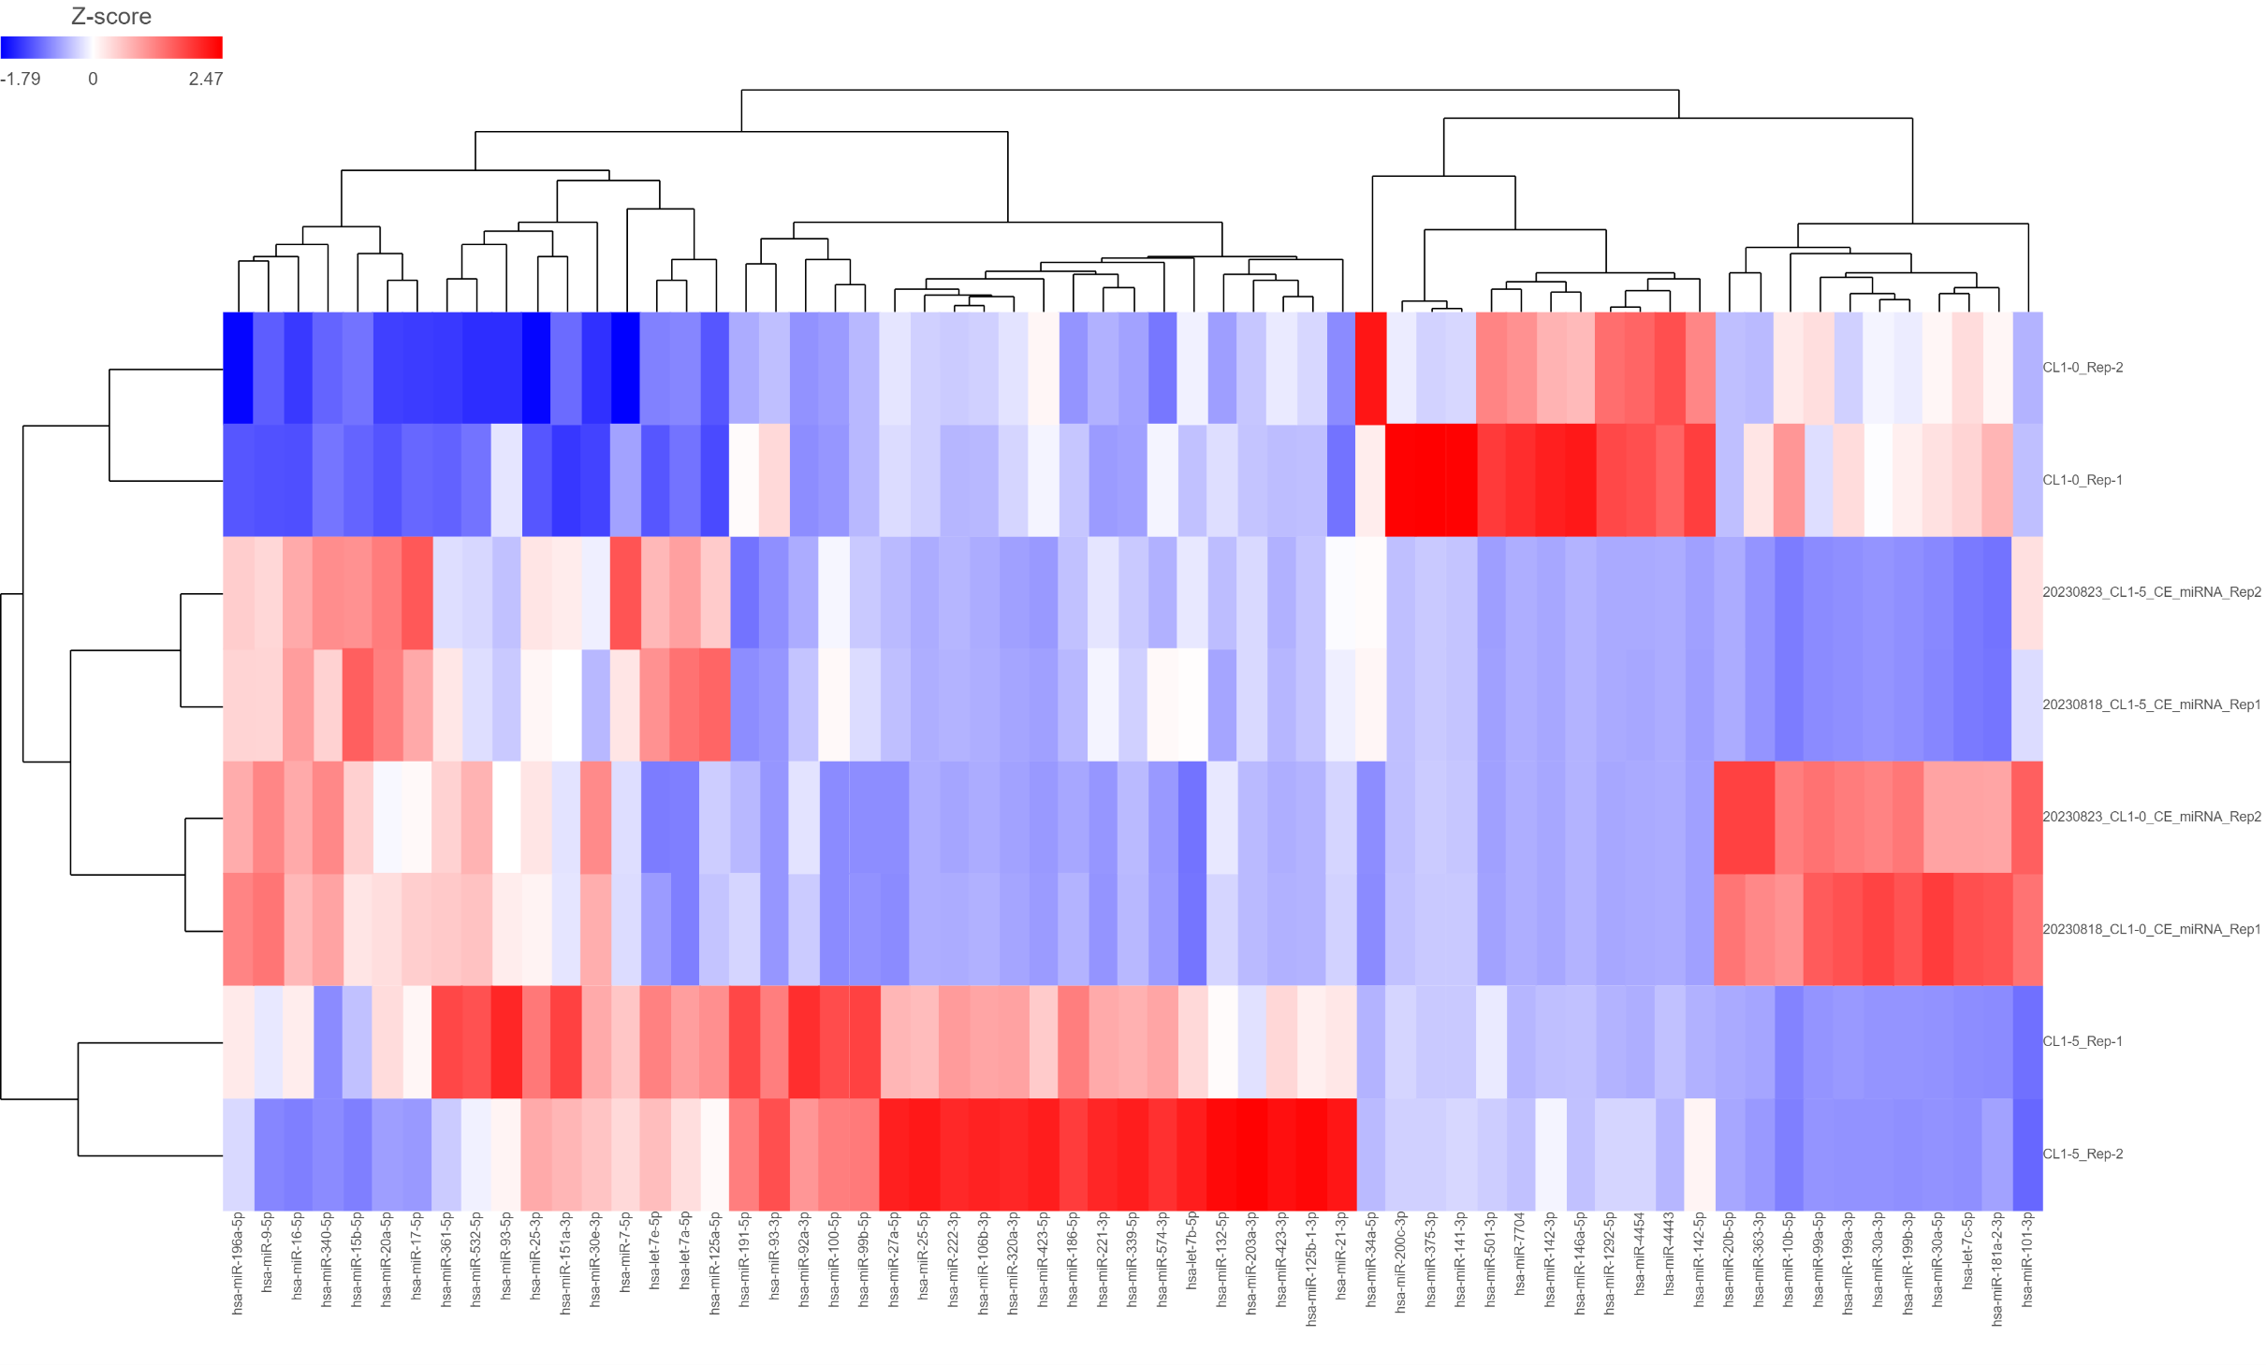

6-2. Heatmap (CE 1-5 vs CE 1-0)
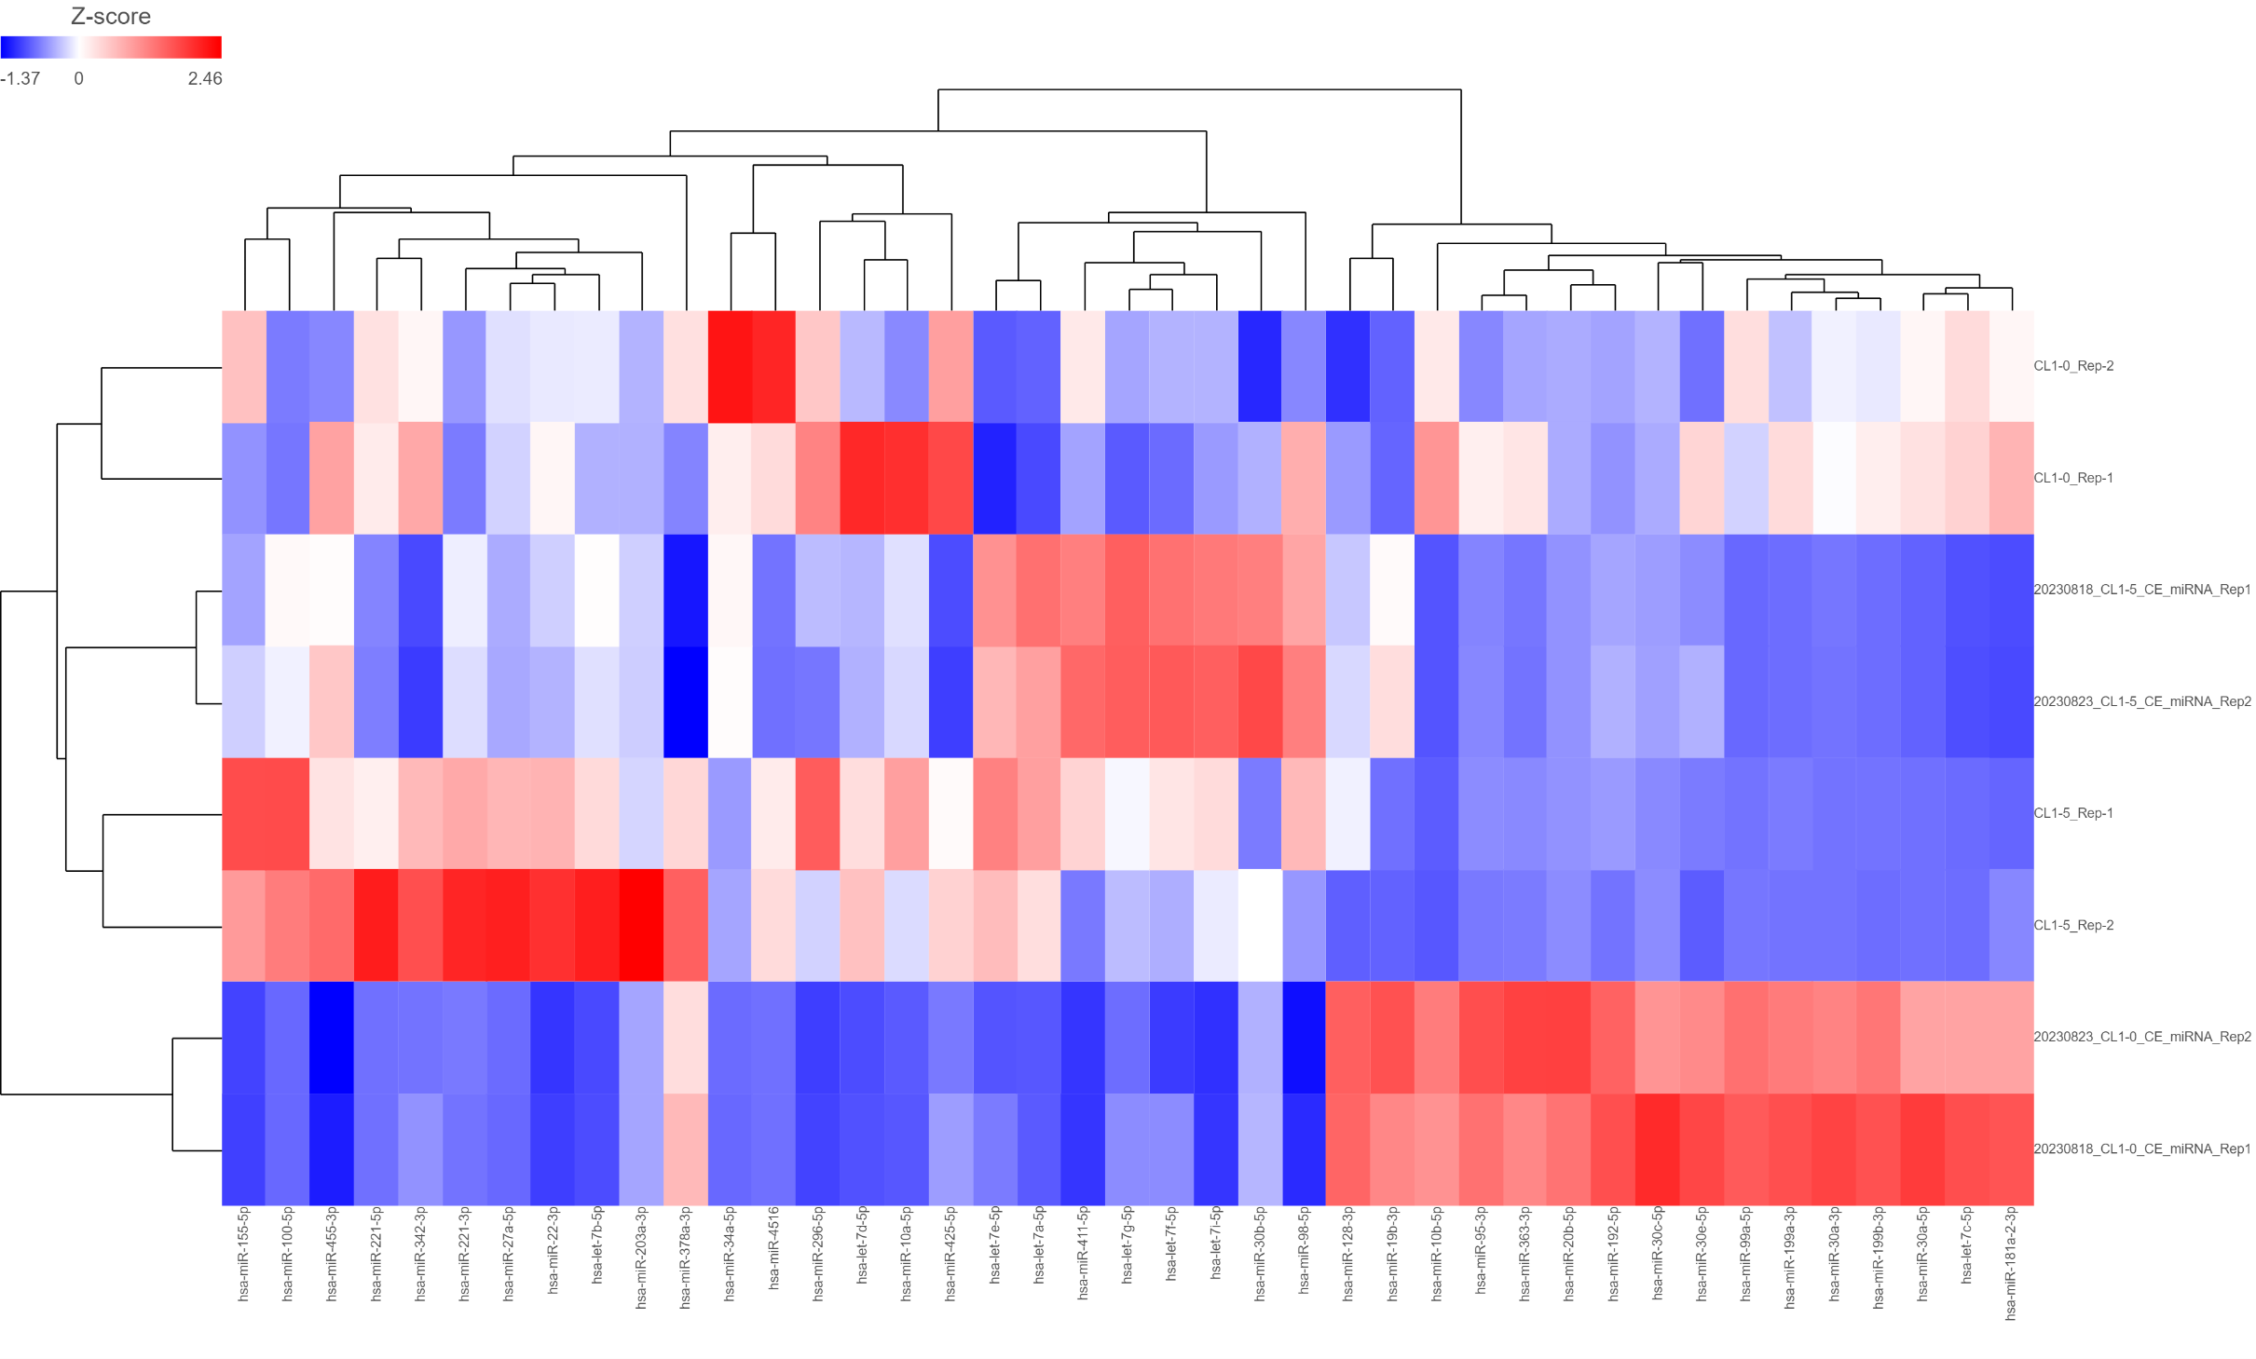

6-2. Heatmap (EV 1-0 vs CE 1-0)
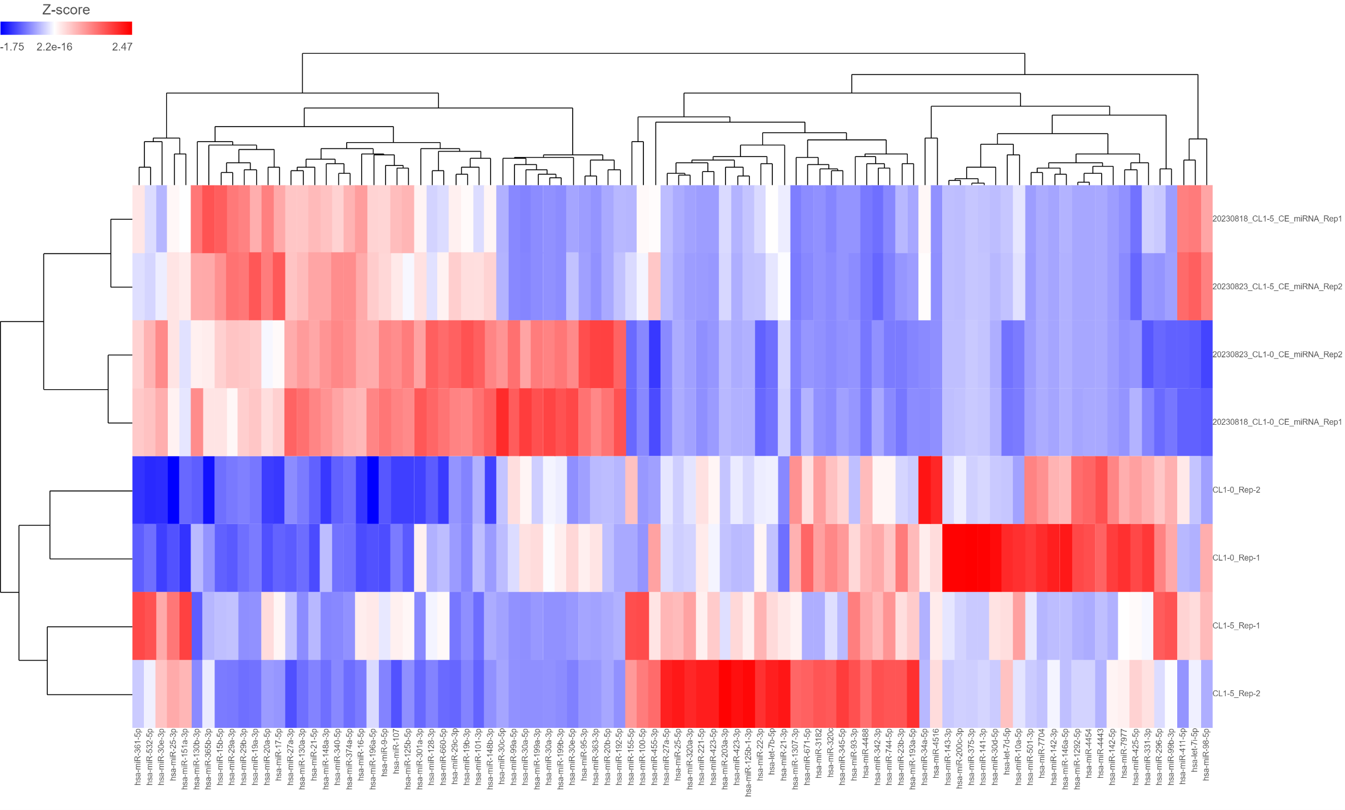

6-2. Heatmap (EV 1-5 vs CE 1-5)
