1
 | Keuwl | Accelerometer | Data | File |  | 2016-12-02 | 13-59-44
Number | Time(s) | X(g) | Y(g) | Z(g) | R(g) | Theta(deg) | Phi(deg)
1 | 10.062 | -0.046858992 | 0.8932495 | 0.2518671 | 0.9292618 | 74.27384 | 93.00293
2 | 10.062 | -0.043930303 | 0.9264413 | 0.24600971 | 0.95955414 | 75.14468 | 92.714836
3 | 10.074 | -0.050763905 | 0.91863143 | 0.25772443 | 0.95544887 | 74.3511 | 93.16297
4 | 10.1 | -0.029286869 | 0.9205839 | 0.29384494 | 0.9667871 | 72.30562 | 91.82216
5 | 10.135 | -0.04490653 | 0.9313224 | 0.27041543 | 0.97082573 | 73.82681 | 92.76055
6 | 10.135 | -0.04881145 | 0.9274175 | 0.25089085 | 0.96199375 | 74.882286 | 93.01279
7 | 10.167001 | -0.014643434 | 0.98403883 | 0.25479576 | 1.0165962 | 75.48484 | 90.852554
8 | 10.178 | -0.054668825 | 0.93229866 | 0.28505886 | 0.9764364 | 73.025986 | 93.35591
9 | 10.201 | -0.084931925 | 0.95670444 | 0.2928687 | 1.004126 | 73.04232 | 95.073166
10 | 10.274 | -0.08590815 | 0.9664667 | 0.2294138 | 0.99703 | 76.697205 | 95.079605
11 | 10.274 | -0.050763905 | 0.9469421 | 0.2762728 | 0.98772615 | 73.75735 | 93.06859
12 | 10.274 | -0.03904916 | 0.89032084 | 0.32410803 | 0.9482838 | 70.01441 | 92.51136
13 | 10.274 | -0.010738519 | 0.9117979 | 0.27822527 | 0.95336246 | 73.032104 | 90.67476
14 | 10.294001 | -0.036120474 | 0.9030118 | 0.2762728 | 0.94501936 | 73.001526 | 92.29061
15 | 10.319 | -0.035144243 | 0.9781815 | 0.22258021 | 1.0038007 | 77.188896 | 92.05765
16 | 10.334001 | -0.055645052 | 0.95377576 | 0.27139166 | 0.9931959 | 74.1422 | 93.33896
17 | 10.354 | -0.062478654 | 0.9508471 | 0.23722363 | 0.9819821 | 76.02041 | 93.75941
18 | 10.374001 | -0.04490653 | 0.93327487 | 0.25772443 | 0.96924734 | 74.57947 | 92.75478
19 | 10.396001 | -0.052716363 | 0.9117979 | 0.25674823 | 0.9487223 | 74.29852 | 93.30892
20 | 10.4210005 | -0.02831064 | 0.95572823 | 0.16693515 | 0.9706108 | 80.09647 | 91.696724
21 | 10.434001 | -0.07224095 | 0.9586569 | 0.19622204 | 0.9811956 | 78.46406 | 94.309456
22 | 10.454 | -0.114218794 | 0.9518233 | 0.22258021 | 0.98415214 | 76.92864 | 96.84277
23 | 10.475 | -0.11324256 | 0.98403883 | 0.22453266 | 1.0156629 | 77.22811 | 96.56468
24 | 10.501 | -0.050763905 | 0.98208636 | 0.24405725 | 1.0132297 | 76.06207 | 92.95898
25 | 10.514001 | -0.054668825 | 0.9010593 | 0.26358184 | 0.94041055 | 73.722855 | 93.47198
26 | 10.534 | -0.017572122 | 0.8776299 | 0.29482117 | 0.9259927 | 71.434784 | 91.14703
27 | 10.555 | -0.010738519 | 0.873725 | 0.29189247 | 0.9212556 | 71.52795 | 90.704155
28 | 10.579 | -0.02831064 | 0.90496427 | 0.26553428 | 0.94354135 | 73.65485 | 91.79184
29 | 10.594001 | -0.029286869 | 0.9440134 | 0.22648512 | 0.9712438 | 76.515 | 91.77696
30 | 10.626 | -0.07224095 | 0.93620354 | 0.18938842 | 0.9578955 | 78.59675 | 94.412415
31 | 10.650001 | -0.07028849 | 0.9488945 | 0.20403185 | 0.97312397 | 77.89717 | 94.2364
32 | 10.6640005 | -0.052716363 | 0.9342511 | 0.2421048 | 0.96655 | 75.49387 | 93.22957
33 | 10.684001 | -0.03807293 | 0.91472656 | 0.24796216 | 0.9485038 | 74.84539 | 92.3834
34 | 10.704 | -0.041001618 | 0.9010593 | 0.24405725 | 0.93442655 | 74.85967 | 92.60538
35 | 10.724001 | -0.031239327 | 0.9235126 | 0.19036464 | 0.94344586 | 78.35917 | 91.937386
36 | 10.749001 | -0.0370967 | 0.95377576 | 0.16595893 | 0.9688172 | 80.13656 | 92.22737
37 | 10.764001 | -0.022453265 | 0.9723241 | 0.1718163 | 0.98764324 | 79.981514 | 91.32286
38 | 10.784 | -0.035144243 | 0.9752528 | 0.16498269 | 0.9897335 | 80.40434 | 92.06382
39 | 10.806001 | -0.049787678 | 0.9654905 | 0.1786499 | 0.9831412 | 79.530426 | 92.95197
40 | 10.824 | -0.06833603 | 0.9469421 | 0.17084008 | 0.964653 | 79.79911 | 94.127594
41 | 10.844001 | -0.111290105 | 0.9449896 | 0.174745 | 0.96743304 | 79.59369 | 96.716705
42 | 10.864 | -0.025381953 | 0.9967298 | 0.20110317 | 1.0171317 | 78.59657 | 91.45873
43 | 10.887 | -0.050763905 | 0.9586569 | 0.18255483 | 0.9772033 | 79.233116 | 93.03116
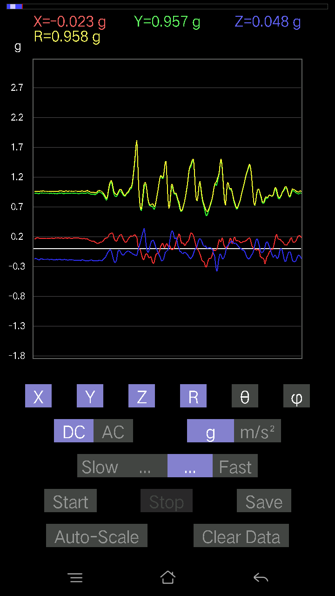
44 | 10.904 | -0.016595893 | 0.93229866 | 0.20793676 | 0.95535016 | 77.42866 | 91.01981
45 | 10.924001 | -0.035144243 | 0.9030118 | 0.19426957 | 0.9243409 | 77.86763 | 92.22877
46 | 10.944 | -0.011714748 | 0.90789294 | 0.22648512 | 0.9357897 | 75.99387 | 90.73926
47 | 10.969001 | -0.00976229 | 0.97134787 | 0.053692598 | 0.9728797 | 86.83627 | 90.57582
48 | 10.984 | -0.010738519 | 0.9410847 | 0.28213018 | 0.98252386 | 73.31269 | 90.65376
49 | 11.004001 | -0.004881145 | 0.87274873 | 0.51349646 | 1.0126168 | 59.529247 | 90.32044
50 | 11.024 | -0.02831064 | 0.8766537 | 0.2518671 | 0.91255695 | 73.978294 | 91.84966
51 | 11.053 | -0.006833603 | 0.94206095 | 0.16888762 | 0.95710427 | 79.83655 | 90.41561
52 | 11.065001 | 0.021477038 | 0.9693954 | 0.13862452 | 0.9794925 | 81.86379 | 88.73081
53 | 11.084001 | 0.05662128 | 1.0045396 | 0.19426957 | 1.0247178 | 79.071526 | 86.77391
54 | 11.106001 | -0.008786061 | 0.9752528 | 0.208913 | 0.9974166 | 77.90964 | 90.51617
55 | 11.124001 | -0.09664667 | 0.9791577 | -0.15619664 | 0.9962368 | 99.02043 | 95.637054
56 | 11.144 | -9.76E-04 | 1.0113733 | 0.25381953 | 1.0427374 | 75.91172 | 90.055305
57 | 11.1640005 | 0.035144243 | 1.0113733 | 0.22843759 | 1.0374463 | 77.27968 | 88.00983
58 | 11.194 | 0.017572122 | 0.9586569 | 0.29482117 | 1.0031208 | 72.90817 | 88.94989
59 | 11.205001 | 0.025381953 | 0.91472656 | 0.28408262 | 0.9581607 | 72.75325 | 88.41056
60 | 11.225 | 0.013667206 | 0.89617825 | 0.21965154 | 0.922805 | 76.22994 | 89.126274
61 | 11.254001 | 0.011714748 | 0.9225364 | 0.18353106 | 0.9406882 | 78.74926 | 89.27248
62 | 11.286 | -0.0019524579 | 0.9410847 | 0.15619664 | 0.953961 | 80.576256 | 90.11887
63 | 11.294001 | -0.002928687 | 0.9508471 | 0.1552204 | 0.9634377 | 80.728615 | 90.176476
64 | 11.314 | 0.016595893 | 0.9596331 | 0.174745 | 0.9755547 | 79.681274 | 89.009224
65 | 11.342001 | 0.0605262 | 0.99184865 | 0.1444819 | 1.0041425 | 81.727234 | 86.507935
66 | 11.3550005 | 0.07907455 | 0.9791577 | 0.1483868 | 0.9934894 | 81.4102 | 85.38294
67 | 11.374001 | 0.062478654 | 0.9391323 | 0.18060236 | 0.958379 | 79.13791 | 86.19383
68 | 11.399 | 0.01952458 | 0.9459658 | 0.18060236 | 0.96324956 | 79.1935 | 88.81759
69 | 11.4140005 | 0.005857374 | 0.93620354 | 0.1718163 | 0.95185727 | 79.600746 | 89.64153
70 | 11.434001 | -0.04783522 | 0.92448884 | 0.19329333 | 0.94569033 | 78.20598 | 92.961975
71 | 11.458 | -0.042954076 | 0.97330034 | 0.13276714 | 0.98325264 | 82.23973 | 92.52696
72 | 11.474001 | -0.032215554 | 0.99868226 | 0.111290105 | 1.0053804 | 83.644646 | 91.84761
73 | 11.494 | -0.03807293 | 0.9664667 | 0.12398108 | 0.97513014 | 82.695465 | 92.25594
74 | 11.514001 | -0.18548352 | 0.7058135 | 0.22453266 | 0.76353896 | 72.898315 | 104.72406
75 | 11.537001 | -0.010738519 | 0.75267255 | 0.07224095 | 0.7562077 | 84.51814 | 90.81739
76 | 11.554001 | -0.00976229 | 0.84248555 | 0.0019524579 | 0.8425444 | 89.867226 | 90.66389
77 | 11.574 | 0.010738519 | 0.9508471 | 0.09859913 | 0.95600593 | 84.080185 | 89.35295
78 | 11.597 | 0.01952458 | 0.9615856 | 0.1181237 | 0.9690105 | 82.99815 | 88.83679
79 | 11.614 | 0.07907455 | 0.96256185 | 0.036120474 | 0.96647954 | 87.85817 | 85.30369
80 | 11.634001 | 0.14643435 | 0.9010593 | -0.051740136 | 0.9143456 | 93.243935 | 80.769356
81 | 11.660001 | 0.07516963 | 0.84053314 | 0.031239327 | 0.8444657 | 87.879974 | 84.88958
82 | 11.674001 | -0.033191785 | 0.8659151 | 0.123004854 | 0.8752376 | 81.920975 | 92.19515
83 | 11.694 | 0.04002539 | 0.9498709 | 0.07224095 | 0.9534545 | 85.65467 | 87.58711
84 | 11.726001 | -0.023429496 | 1.0426126 | 0.055645052 | 1.0443592 | 86.94575 | 91.28733
85 | 11.734 | -0.051740136 | 1.057256 | 0.04490653 | 1.0594734 | 87.57075 | 92.80171
86 | 11.758 | 0.0605262 | 1.0084445 | -0.049787678 | 1.0114853 | 92.82137 | 86.56526
87 | 11.774 | 0.107385196 | 0.93620354 | -0.058573738 | 0.94416076 | 93.55679 | 83.45661
88 | 11.795001 | 0.09664667 | 0.91570276 | -0.026358182 | 0.92116606 | 91.63968 | 83.9751
89 | 11.821 | 0.023429496 | 0.9313224 | 0.03904916 | 0.9324351 | 87.59982 | 88.5589
90 | 11.834001 | 0.020500809 | 0.93327487 | 0.0605262 | 0.93546015 | 86.29025 | 88.741615
91 | 11.854 | 0.0976229 | 0.9947773 | -0.004881145 | 0.9995679 | 90.27979 | 84.3952
92 | 11.886001 | 0.20598431 | 1.0767806 | -0.08688438 | 1.0997431 | 94.531334 | 79.17036
93 | 11.894001 | 0.23039004 | 1.0553036 | -0.08590815 | 1.0835707 | 94.547325 | 77.68462
94 | 11.919001 | 0.16498269 | 0.9928249 | -0.0019524579 | 1.0064415 | 90.11115 | 80.56509
95 | 11.934001 | 0.14057697 | 0.97037166 | 0.035144243 | 0.9811311 | 87.94722 | 81.75695
96 | 11.954 | 0.15424417 | 0.99087244 | 0.010738519 | 1.0028633 | 89.386475 | 81.15206
97 | 11.981001 | 0.10836142 | 1.0162543 | 0.029286869 | 1.0224347 | 88.35858 | 83.91365
98 | 11.994 | 0.093717985 | 1.0123495 | 0.032215554 | 1.0171884 | 88.185074 | 84.71093
99 | 12.014001 | 0.093717985 | 0.9859913 | 0.042954076 | 0.9913662 | 87.5167 | 84.57037
100 | 12.045001 | 0.11617125 | 0.9488945 | 0.026358182 | 0.95634264 | 88.42065 | 83.02013
101 | 12.054001 | 0.127886 | 0.93229866 | 0.012690976 | 0.9411146 | 89.22734 | 82.18932
102 | 12.076 | 0.1718163 | 0.938156 | -0.014643434 | 0.9538721 | 90.879616 | 79.62172
103 | 12.106001 | 0.1786499 | 0.9449896 | -0.021477038 | 0.961968 | 91.2793 | 79.2946
104 | 12.114 | 0.17084008 | 0.9088692 | 0.025381953 | 0.9251345 | 88.42784 | 79.35434
105 | 12.134001 | 0.15717287 | 0.85127175 | 0.0605262 | 0.86777323 | 86.000435 | 79.539116
106 | 12.1640005 | 0.20598431 | 0.88055855 | -0.010738519 | 0.90439385 | 90.68033 | 76.833855
107 | 12.174001 | 0.2323425 | 0.9371798 | -0.077122085 | 0.96862626 | 94.56673 | 76.07616
108 | 12.194 | 0.18450728 | 1.0006347 | -0.04881145 | 1.0186732 | 92.746475 | 79.55257
109 | 12.223001 | 0.0976229 | 1.0562798 | 0.046858992 | 1.0618159 | 87.47066 | 84.71964
110 | 12.234 | 0.088836834 | 1.0338265 | 0.08102701 | 1.0407951 | 85.53494 | 85.08863
111 | 12.254001 | 0.13960074 | 1.0367552 | 0.004881145 | 1.0461231 | 89.73266 | 82.33116
112 | 12.293 | 0.21672285 | 1.0582323 | -0.119099945 | 1.0867425 | 96.291885 | 78.42603
113 | 12.2960005 | 0.18938842 | 0.9947773 | -0.073217176 | 1.0152885 | 94.13545 | 79.22087
114 | 12.326 | 0.17572121 | 0.95279956 | -0.045882765 | 0.9699537 | 92.711334 | 79.550575
115 | 12.334001 | 0.16986385 | 0.9108216 | -0.012690976 | 0.92661256 | 90.78475 | 79.435974
116 | 12.361001 | 0.062478654 | 0.83760446 | -0.05662128 | 0.8418377 | 93.856575 | 85.73409
117 | 12.374001 | 0.11031388 | 0.9127741 | -0.025381953 | 0.91976625 | 91.58134 | 83.1089
118 | 12.395 | 0.18841219 | 0.99868226 | 0.03807293 | 1.0170128 | 87.85457 | 79.31611
119 | 12.415001 | 0.14545812 | 1.0006347 | -0.020500809 | 1.0113596 | 91.1615 | 81.72908
120 | 12.434001 | 0.12983845 | 1.0182068 | -0.082003236 | 1.0297221 | 94.56766 | 82.73305
121 | 12.460001 | 0.13276714 | 1.0269929 | -0.09274176 | 1.0396839 | 95.11769 | 82.6338
122 | 12.474001 | -0.036120474 | 0.9274175 | -0.06931226 | 0.9307052 | 94.270935 | 92.23039
123 | 12.494 | -0.0976229 | 0.86982006 | -0.10640897 | 0.8817256 | 96.9315 | 96.4037
124 | 12.530001 | -0.025381953 | 0.85224795 | -0.15033926 | 0.8657787 | 99.99989 | 91.7059
125 | 12.534 | 0.050763905 | 0.89617825 | -0.1513155 | 0.9102795 | 99.56868 | 86.75795
126 | 12.56 | 0.14252943 | 0.93229866 | -0.16010156 | 0.9566232 | 99.63443 | 81.307945
127 | 12.574 | 0.21574661 | 0.9508471 | -0.18060236 | 0.9916017 | 100.493965 | 77.21608
128 | 12.594001 | 0.29189247 | 0.9576807 | -0.17084008 | 1.0156475 | 99.68365 | 73.04925
129 | 12.630001 | 0.34949 | 0.9898962 | -0.14936304 | 1.0603523 | 98.09771 | 70.554054
130 | 12.634001 | 0.40123013 | 0.99965847 | -0.11226633 | 1.083008 | 95.95006 | 68.131096
131 | 12.663001 | 0.43246946 | 0.9752528 | -0.05662128 | 1.0683416 | 93.038055 | 66.08542
132 | 12.696001 | 0.33484653 | 0.9371798 | -0.026358182 | 0.9955516 | 91.517136 | 70.338615
133 | 12.704 | 0.28115395 | 0.94206095 | -0.06638357 | 0.9853594 | 93.86294 | 73.3825
134 | 12.727 | 0.22746135 | 0.93522733 | -0.10055158 | 0.96772903 | 95.964066 | 76.330215
135 | 12.744 | 0.18743597 | 0.9440134 | -0.12886222 | 0.9710299 | 97.62603 | 78.76985
136 | 12.764001 | 0.1952458 | 0.9459658 | -0.15033926 | 0.9775347 | 98.84688 | 78.338005
137 | 12.7890005 | 0.19036464 | 0.938156 | -0.16107778 | 0.9707324 | 99.55151 | 78.52964
138 | 12.804001 | 0.1952458 | 0.93229866 | -0.17084008 | 0.96772313 | 100.16818 | 78.17183
139 | 12.824 | 0.19719826 | 0.93327487 | -0.18060236 | 0.97082764 | 100.721146 | 78.06906
140 | 12.851001 | 0.19036464 | 0.9371798 | -0.1786499 | 0.972862 | 100.58147 | 78.518005
141 | 12.864 | 0.18060236 | 0.93620354 | -0.17669745 | 0.9696991 | 100.49903 | 79.08124
142 | 12.884001 | 0.16595893 | 0.9313224 | -0.16303024 | 0.9599389 | 99.77817 | 79.89612
143 | 12.913001 | 0.16303024 | 0.9459658 | -0.1581491 | 0.9728522 | 99.35565 | 80.22155
144 | 12.924001 | 0.18450728 | 0.9449896 | -0.14252943 | 0.9733257 | 98.42041 | 78.9521
145 | 12.952001 | 0.19622204 | 0.9459658 | -0.15033926 | 0.9777302 | 98.84509 | 78.2813
146 | 12.964001 | 0.19719826 | 0.94206095 | -0.16303024 | 0.9761889 | 99.61384 | 78.177185
147 | 12.985001 | 0.19817449 | 0.94206095 | -0.16595893 | 0.9768799 | 99.781235 | 78.120316
148 | 13.021001 | 0.19622204 | 0.94206095 | -0.15326795 | 0.97440904 | 99.04982 | 78.234085
149 | 13.034 | 0.16888762 | 0.9518233 | -0.174745 | 0.9823576 | 100.24649 | 79.93839
150 | 13.057 | 0.16107778 | 0.94206095 | -0.17767367 | 0.9721074 | 100.53124 | 80.29714
151 | 13.074 | 0.16791138 | 0.9401085 | -0.17962612 | 0.9717323 | 100.65247 | 79.87327
152 | 13.094001 | 0.1786499 | 0.93229866 | -0.17376876 | 0.9650348 | 100.373535 | 79.152306
153 | 13.126 | 0.16693515 | 0.9303462 | -0.16791138 | 0.9600029 | 100.07326 | 79.82748
154 | 13.134001 | 0.16498269 | 0.9342511 | -0.1581491 | 0.9617981 | 99.464165 | 79.98519
155 | 13.165001 | 0.1581491 | 0.93620354 | -0.1483868 | 0.96099263 | 98.882576 | 80.41177
156 | 13.175 | 0.16888762 | 0.9449896 | -0.14741059 | 0.97121483 | 98.73007 | 79.867134
157 | 13.201 | 0.16303024 | 0.9313224 | -0.15424417 | 0.9579831 | 99.26548 | 80.07084
158 | 13.214001 | 0.16010156 | 0.9235126 | -0.16010156 | 0.950863 | 99.69335 | 80.16486
159 | 13.241 | 0.16595893 | 0.9303462 | -0.1581491 | 0.95817405 | 99.50029 | 79.885735
160 | 13.254001 | 0.14936304 | 0.94206095 | -0.1581491 | 0.96685016 | 99.41426 | 80.99079
161 | 13.279 | 0.1513155 | 0.9518233 | -0.12495731 | 0.97184277 | 97.38741 | 80.96703
162 | 13.294001 | 0.16303024 | 0.9596331 | -0.13569583 | 0.98279595 | 97.93625 | 80.358185
163 | 13.317 | 0.17084008 | 0.9371798 | -0.15326795 | 0.9648748 | 99.14001 | 79.66889
164 | 13.334001 | 0.15424417 | 0.938156 | -0.16107778 | 0.96429974 | 99.61583 | 80.663414
165 | 13.357 | 0.1581491 | 0.9274175 | -0.16888762 | 0.9558438 | 100.176994 | 80.32265
166 | 13.374001 | 0.16400647 | 0.9498709 | -0.17572121 | 0.9798116 | 100.33143 | 80.20379
167 | 13.394001 | 0.16595893 | 0.93620354 | -0.17669745 | 0.9670788 | 100.5278 | 79.947716
168 | 13.432001 | 0.16693515 | 0.9410847 | -0.17279254 | 0.9712698 | 100.24768 | 79.94117
169 | 13.434001 | 0.1581491 | 0.9235126 | -0.15424417 | 0.9495672 | 99.348335 | 80.28251
170 | 13.471001 | 0.14350566 | 0.9283937 | -0.14350566 | 0.95031714 | 98.685356 | 81.2131
171 | 13.474001 | 0.14057697 | 0.9205839 | -0.13862452 | 0.9415165 | 98.46674 | 81.317764
172 | 13.509001 | 0.16498269 | 0.9342511 | -0.13471961 | 0.9582243 | 98.08216 | 79.98519
173 | 13.514001 | 0.15912533 | 0.9586569 | -0.15229172 | 0.9836344 | 98.90668 | 80.57553
174 | 13.55 | 0.15033926 | 0.95670444 | -0.16595893 | 0.98256177 | 99.72412 | 81.06941
175 | 13.554001 | 0.16888762 | 0.9391323 | -0.18548352 | 0.97205794 | 101.00037 | 79.80526
176 | 13.584001 | 0.1444819 | 0.9440134 | -0.1786499 | 0.971572 | 100.59567 | 81.29836
177 | 13.594001 | 0.1415532 | 0.9440134 | -0.18450728 | 0.9722353 | 100.939735 | 81.47213
178 | 13.621 | 0.1444819 | 0.9508471 | -0.18743597 | 0.97985584 | 101.02804 | 81.359955
179 | 13.634001 | 0.14545812 | 0.91472656 | -0.1718163 | 0.942021 | 100.50907 | 80.964584
180 | 13.662001 | 0.14643435 | 0.8912971 | -0.17084008 | 0.9192605 | 100.71041 | 80.67002
181 | 13.674001 | 0.15717287 | 0.895202 | -0.17572121 | 0.9257256 | 100.942276 | 80.04193
182 | 13.701 | 0.17767367 | 0.90789294 | -0.18060236 | 0.9425788 | 101.04644 | 78.927216
183 | 13.714001 | 0.17767367 | 0.90691674 | -0.18157859 | 0.9418262 | 101.11589 | 78.915596
184 | 13.740001 | 0.16986385 | 0.90496427 | -0.18353106 | 0.9388811 | 101.272675 | 79.36915
185 | 13.754001 | 0.1552204 | 0.9274175 | -0.18841219 | 0.95900774 | 101.33036 | 80.49856
186 | 13.779 | 0.14741059 | 0.97134787 | -0.17962612 | 0.9987553 | 100.36102 | 81.370705
187 | 13.794001 | 0.11324256 | 0.98794377 | -0.18060236 | 1.01068 | 100.29369 | 83.46104
188 | 13.818001 | 0.09567044 | 0.97427654 | -0.18645974 | 0.99656147 | 100.783775 | 84.39174
189 | 13.834001 | 0.10152781 | 0.9596331 | -0.18060236 | 0.98174375 | 100.60055 | 83.960655
190 | 13.859 | 0.13081467 | 0.9498709 | -0.18938842 | 0.9773613 | 101.17319 | 82.158646
191 | 13.874001 | 0.14350566 | 0.9459658 | -0.18743597 | 0.9749756 | 101.08394 | 81.37384
192 | 13.902 | 0.14936304 | 0.9440134 | -0.18743597 | 0.9739624 | 101.09561 | 81.00912
193 | 13.9140005 | 0.14936304 | 0.93620354 | -0.18255483 | 0.9654598 | 100.899445 | 80.935356
194 | 13.942 | 0.1483868 | 0.94303715 | -0.16498269 | 0.96879154 | 99.805115 | 81.05783
195 | 13.954 | 0.14936304 | 0.9459658 | -0.15229172 | 0.9697182 | 99.03556 | 81.027374
196 | 13.986001 | 0.1552204 | 0.94206095 | -0.12202863 | 0.9625296 | 97.28351 | 80.64362
197 | 13.995001 | 0.174745 | 0.92937 | -0.13081467 | 0.9546606 | 97.87587 | 79.35128
198 | 14.026001 | 0.17962612 | 0.9283937 | -0.17279254 | 0.9612688 | 100.35547 | 79.04968
199 | 14.034 | 0.18157859 | 0.93327487 | -0.2020794 | 0.97201276 | 101.99919 | 78.99004
200 | 14.068001 | 0.19426957 | 0.9313224 | -0.21477039 | 0.9753094 | 102.721214 | 78.21732
201 | 14.074 | 0.18938842 | 0.93229866 | -0.20598431 | 0.973385 | 102.2171 | 78.517105
202 | 14.110001 | 0.19036464 | 0.92937 | -0.19719826 | 0.96894497 | 101.74279 | 78.42412
203 | 14.114 | 0.19231711 | 0.9264413 | -0.18841219 | 0.96476865 | 101.26182 | 78.272705
204 | 14.151001 | 0.20305562 | 0.93229866 | -0.17962612 | 0.97091603 | 100.66153 | 77.712814
205 | 14.154 | 0.19036464 | 0.9283937 | -0.1718163 | 0.96315855 | 100.2759 | 78.41227
206 | 14.195001 | 0.17669745 | 0.9303462 | -0.16791138 | 0.96174854 | 100.05478 | 79.24609
207 | 14.195001 | 0.16693515 | 0.9342511 | -0.17376876 | 0.9648254 | 100.37581 | 79.86911
208 | 14.233001 | 0.16498269 | 0.9313224 | -0.16498269 | 0.96010417 | 99.89472 | 79.95434
209 | 14.244 | 0.17669745 | 0.9342511 | -0.16693515 | 0.9653572 | 99.95798 | 79.29
210 | 14.271001 | 0.18645974 | 0.9274175 | -0.17767367 | 0.9625167 | 100.63739 | 78.63209
211 | 14.284 | 0.18060236 | 0.92546505 | -0.18353106 | 0.9606177 | 101.01437 | 78.95764
212 | 14.314001 | 0.174745 | 0.92448884 | -0.18743597 | 0.95934755 | 101.26684 | 79.29635
213 | 14.324 | 0.1718163 | 0.92937 | -0.18450728 | 0.96296024 | 101.046425 | 79.525764
214 | 14.3550005 | 0.17376876 | 0.93522733 | -0.16888762 | 0.9661101 | 100.06772 | 79.47426
215 | 14.364 | 0.174745 | 0.93327487 | -0.16791138 | 0.9642261 | 100.02868 | 79.39482
216 | 14.393001 | 0.17084008 | 0.9342511 | -0.17767367 | 0.9662191 | 100.59616 | 79.63721
217 | 14.404 | 0.17084008 | 0.93327487 | -0.18157859 | 0.9660016 | 100.8343 | 79.6266
218 | 14.436001 | 0.1718163 | 0.9313224 | -0.18450728 | 0.9648447 | 101.024574 | 79.54724
219 | 14.444 | 0.17279254 | 0.9303462 | -0.17962612 | 0.9631546 | 100.74847 | 79.478386
220 | 14.481001 | 0.17376876 | 0.93229866 | -0.18255483 | 0.9657653 | 100.89595 | 79.44194
221 | 14.484001 | 0.17279254 | 0.9303462 | -0.17669745 | 0.96261275 | 100.5772 | 79.478386
222 | 14.517001 | 0.16986385 | 0.93229866 | -0.17279254 | 0.9632714 | 100.3337 | 79.674034
223 | 14.524001 | 0.16888762 | 0.9235126 | -0.18450728 | 0.95678705 | 101.1186 | 79.636536
224 | 14.556001 | 0.17084008 | 0.9283937 | -0.18450728 | 0.96184415 | 101.0594 | 79.57326
225 | 14.564001 | 0.17279254 | 0.9283937 | -0.18060236 | 0.9614517 | 100.82696 | 79.45676
226 | 14.592001 | 0.1786499 | 0.9274175 | -0.1786499 | 0.96121526 | 100.71118 | 79.09658
227 | 14.604001 | 0.17376876 | 0.92448884 | -0.18450728 | 0.9586022 | 101.097275 | 79.354774
228 | 14.626 | 0.174745 | 0.92937 | -0.18645974 | 0.96386284 | 101.15422 | 79.35128
229 | 14.644001 | 0.17572121 | 0.92448884 | -0.18841219 | 0.95971704 | 101.32188 | 79.237946
230 | 14.665001 | 0.17669745 | 0.9264413 | -0.18645974 | 0.9613962 | 101.183205 | 79.20183
231 | 14.693001 | 0.17572121 | 0.92448884 | -0.18157859 | 0.9583989 | 100.921295 | 79.237946
232 | 14.704 | 0.17669745 | 0.9264413 | -0.18450728 | 0.9610195 | 101.06901 | 79.20183
233 | 14.729001 | 0.17767367 | 0.92448884 | -0.18353106 | 0.95913047 | 101.03167 | 79.12121
234 | 14.744 | 0.1786499 | 0.9342511 | -0.18255483 | 0.9685387 | 100.86437 | 79.17444
235 | 14.764001 | 0.17279254 | 0.93229866 | -0.17962612 | 0.96504074 | 100.72721 | 79.49993
236 | 14.806001 | 0.18060236 | 0.93327487 | -0.18548352 | 0.96851605 | 101.0411 | 79.0478
237 | 14.806001 | 0.17767367 | 0.9342511 | -0.18841219 | 0.9694804 | 101.206375 | 79.23221
238 | 14.824 | 0.174745 | 0.9283937 | -0.18548352 | 0.96273303 | 101.10826 | 79.34033
239 | 14.846001 | 0.17376876 | 0.92156017 | -0.18353106 | 0.95559007 | 101.07305 | 79.321724
240 | 14.886001 | 0.17767367 | 0.9274175 | -0.17962612 | 0.9612163 | 100.7704 | 79.15475
241 | 14.887001 | 0.17767367 | 0.93327487 | -0.18743597 | 0.96835023 | 101.16074 | 79.22121
242 | 14.925001 | 0.17669745 | 0.93327487 | -0.18353106 | 0.9674232 | 100.935936 | 79.27906
243 | 14.925001 | 0.174745 | 0.9283937 | -0.19231711 | 0.9640729 | 101.50679 | 79.34033
244 | 14.967001 | 0.17767367 | 0.9274175 | -0.19134088 | 0.96347415 | 101.454796 | 79.15475
245 | 14.974001 | 0.17962612 | 0.9313224 | -0.19036464 | 0.9674015 | 101.34869 | 79.08329
246 | 15.003 | 0.17572121 | 0.9283937 | -0.18548352 | 0.96291065 | 101.106186 | 79.28216
247 | 15.014001 | 0.174745 | 0.9313224 | -0.18938842 | 0.96631527 | 101.30258 | 79.37309
248 | 15.040001 | 0.174745 | 0.9283937 | -0.19036464 | 0.9636853 | 101.393036 | 79.34033
249 | 15.054001 | 0.174745 | 0.9274175 | -0.18938842 | 0.96255237 | 101.34735 | 79.32938
250 | 15.080001 | 0.17962612 | 0.9274175 | -0.19231711 | 0.96403044 | 101.5073 | 79.03844
251 | 15.094001 | 0.18353106 | 0.9274175 | -0.19719826 | 0.9657505 | 101.78219 | 78.8061
252 | 15.125001 | 0.18060236 | 0.9274175 | -0.1952458 | 0.9648012 | 101.67552 | 78.980316
253 | 15.134001 | 0.18060236 | 0.92937 | -0.19329333 | 0.96628577 | 101.53915 | 79.00291
254 | 15.162001 | 0.17767367 | 0.9264413 | -0.19134088 | 0.96253455 | 101.466125 | 79.143585
255 | 15.174001 | 0.18060236 | 0.92448884 | -0.19622204 | 0.962185 | 101.76709 | 78.946266
256 | 15.200001 | 0.17572121 | 0.92448884 | -0.19329333 | 0.9606872 | 101.60733 | 79.237946
257 | 15.214001 | 0.17572121 | 0.9274175 | -0.19426957 | 0.96370214 | 101.62976 | 79.27114
258 | 15.238001 | 0.16693515 | 0.9274175 | -0.20403185 | 0.96415746 | 102.21712 | 79.79603
259 | 15.254001 | 0.17084008 | 0.93522733 | -0.18548352 | 0.9686282 | 101.0398 | 79.64779
260 | 15.274001 | 0.16498269 | 0.9313224 | -0.19036464 | 0.9647898 | 101.37982 | 79.95434
261 | 15.313001 | 0.17084008 | 0.9274175 | -0.19231711 | 0.962432 | 101.52667 | 79.56252
262 | 15.314001 | 0.16791138 | 0.92937 | -0.20012695 | 0.9653878 | 101.964294 | 79.75872
263 | 15.354001 | 0.16205402 | 0.9283937 | -0.19915071 | 0.9632431 | 101.93198 | 80.0986
264 | 15.354001 | 0.16498269 | 0.93327487 | -0.20500809 | 0.9696647 | 102.20567 | 79.97492
265 | 15.402 | 0.16400647 | 0.9391323 | -0.20012695 | 0.97412443 | 101.85542 | 80.09398
266 | 15.402 | 0.15229172 | 0.9313224 | -0.20598431 | 0.96591085 | 102.31311 | 80.71307
267 | 15.4140005 | 0.13960074 | 0.9274175 | -0.19915071 | 0.95877665 | 101.98838 | 81.43974
268 | 15.443001 | 0.13764828 | 0.91863143 | -0.1952458 | 0.9491848 | 101.870384 | 81.478165
269 | 15.454 | 0.127886 | 0.91472656 | -0.18841219 | 0.94264454 | 101.52972 | 82.04118
270 | 15.490001 | 0.127886 | 0.9127741 | -0.19231711 | 0.9415398 | 101.78607 | 82.024376
271 | 15.494 | 0.1210524 | 0.9127741 | -0.20012695 | 0.9422638 | 102.26242 | 82.445496
272 | 15.536001 | 0.12495731 | 0.91375035 | -0.20598431 | 0.94497806 | 102.590294 | 82.21298
273 | 15.536001 | 0.11324256 | 0.90398806 | -0.20305562 | 0.93340766 | 102.56472 | 82.85976
274 | 15.583001 | 0.10640897 | 0.9108216 | -0.20012695 | 0.9385999 | 102.311035 | 83.33649
275 | 15.583001 | 0.09274176 | 0.92156017 | -0.19915071 | 0.94738334 | 102.134735 | 84.25335
276 | 15.594001 | 0.084931925 | 0.93229866 | -0.19915071 | 0.9571077 | 102.0096 | 84.794754
277 | 15.630001 | 0.09176553 | 0.95475197 | -0.19915071 | 0.97960865 | 101.72978 | 84.50991
278 | 15.634001 | 0.09567044 | 0.9518233 | -0.19622204 | 0.9765365 | 101.59174 | 84.260315
279 | 15.678 | 0.10933765 | 0.94206095 | -0.1952458 | 0.968274 | 101.633064 | 83.379745
280 | 15.678 | 0.11226633 | 0.9401085 | -0.20500809 | 0.9687291 | 102.21764 | 83.19007
281 | 15.694001 | 0.114218794 | 0.9264413 | -0.19915071 | 0.9544634 | 102.043365 | 82.9716
282 | 15.722001 | 0.127886 | 0.9117979 | -0.18157859 | 0.93845665 | 101.15632 | 82.01595
283 | 15.734001 | 0.1483868 | 0.88934463 | -0.1718163 | 0.9178635 | 100.78893 | 80.52748
284 | 15.765 | 0.16888762 | 0.86103404 | -0.15326795 | 0.8907265 | 99.90823 | 78.902596
285 | 15.774001 | 0.17572121 | 0.8278422 | -0.13764828 | 0.8574075 | 99.23825 | 78.01603
286 | 15.812 | 0.17767367 | 0.8122225 | -0.10055158 | 0.8374866 | 96.89577 | 77.66091
287 | 15.814001 | 0.18353106 | 0.8600578 | -0.071264714 | 0.8823048 | 94.63289 | 77.95411
288 | 15.862 | 0.21574661 | 0.96256185 | -0.045882765 | 0.98751056 | 92.66309 | 77.36664
289 | 15.862 | 0.24405725 | 1.0455412 | -0.026358182 | 1.0739716 | 91.406334 | 76.8609
290 | 15.874001 | 0.2489384 | 1.0992339 | -0.014643434 | 1.1271646 | 90.74437 | 77.23973
291 | 15.913001 | 0.255772 | 1.1148535 | -0.03807293 | 1.1444507 | 91.90643 | 77.07869
292 | 15.915001 | 0.26748675 | 1.0728757 | -0.09274176 | 1.1096002 | 94.79445 | 76.000565
293 | 15.963 | 0.24308102 | 0.98208636 | -0.15619664 | 1.0237086 | 98.77643 | 76.09785
294 | 15.963 | 0.17572121 | 0.9127741 | -0.20793676 | 0.95250833 | 102.60946 | 79.10311
295 | 15.974001 | 0.14350566 | 0.88641596 | -0.23527117 | 0.928267 | 104.68188 | 80.80393
296 | 16.013 | 0.12398108 | 0.87274873 | -0.22746135 | 0.9103847 | 104.46875 | 81.914764
297 | 16.014 | 0.12398108 | 0.8756774 | -0.17767367 | 0.902081 | 101.35923 | 81.94145
298 | 16.062 | 0.16400647 | 0.90691674 | -0.06443111 | 0.92387635 | 93.999054 | 79.749435
299 | 16.064001 | 0.19426957 | 0.9401085 | -0.025381953 | 0.96030664 | 91.514565 | 78.3244
300 | 16.104 | 0.21965154 | 0.96451426 | -0.029286869 | 0.9896425 | 91.69582 | 77.17067
301 | 16.104 | 0.23429495 | 0.9664667 | -0.049787678 | 0.99570626 | 92.86612 | 76.37301
302 | 16.143002 | 0.24015234 | 0.95279956 | -0.08297946 | 0.9860962 | 94.82712 | 75.85331
303 | 16.144001 | 0.20500809 | 0.92937 | -0.099575356 | 0.9569076 | 95.972984 | 77.56044
304 | 16.187 | 0.16595893 | 0.9020356 | -0.11031388 | 0.9237855 | 96.858345 | 79.57515
305 | 16.188002 | 0.13667206 | 0.882511 | -0.10152781 | 0.8987841 | 96.486046 | 81.19669
306 | 16.204 | 0.11324256 | 0.8766537 | -0.07809832 | 0.8873809 | 95.049126 | 82.63953
307 | 16.237001 | 0.102504045 | 0.9020356 | -0.0605262 | 0.90985644 | 93.81429 | 83.51693
308 | 16.244001 | 0.1210524 | 0.92448884 | -0.04881145 | 0.9336573 | 92.99678 | 82.54014
309 | 16.288 | 0.1483868 | 0.9313224 | -0.04002539 | 0.9439185 | 92.43027 | 80.947205
310 | 16.288 | 0.1718163 | 0.9488945 | -0.03904916 | 0.9651148 | 92.318855 | 79.73666
311 | 16.304 | 0.19134088 | 0.9850151 | -0.04881145 | 1.0046136 | 92.78494 | 79.0071
312 | 16.339 | 0.21281794 | 1.001611 | -0.062478654 | 1.0258751 | 93.49163 | 78.00443
313 | 16.344 | 0.21477039 | 1.010397 | -0.07028849 | 1.0353593 | 93.89269 | 77.99979
314 | 16.388 | 0.20598431 | 1.069947 | -0.08297946 | 1.0927497 | 94.35503 | 79.10284
315 | 16.388 | 0.21086545 | 1.2017379 | -0.09274176 | 1.2236173 | 94.346794 | 80.04779
316 | 16.404001 | 0.22746135 | 1.3462198 | -0.09859913 | 1.3688565 | 94.13061 | 80.40971
317 | 16.441 | 0.2323425 | 1.5014402 | -0.11031388 | 1.5233104 | 94.15283 | 81.20345
318 | 16.444 | 0.20793676 | 1.7084008 | -0.10933765 | 1.7244785 | 93.63518 | 83.06042
319 | 16.492 | 0.19622204 | 1.8079761 | -0.11617125 | 1.8222997 | 93.655075 | 83.805855
320 | 16.492 | 0.058573738 | 1.4526287 | -0.046858992 | 1.4545642 | 91.84611 | 87.69094
321 | 16.504002 | 0.010738519 | 1.0338265 | 0.010738519 | 1.0339379 | 89.404915 | 89.404884
322 | 16.545 | -0.006833603 | 0.7917217 | 0.061502427 | 0.7941363 | 85.55824 | 90.49452
323 | 16.546001 | -0.0302631 | 0.65895456 | 0.117147475 | 0.6699705 | 79.9298 | 92.62952
324 | 16.564001 | -0.090789296 | 0.63454884 | 0.17572121 | 0.66466 | 74.67003 | 98.14244
325 | 16.592001 | -0.1483868 | 0.74193406 | 0.24015234 | 0.7938249 | 72.39064 | 101.30993
326 | 16.604 | -0.18548352 | 0.8922733 | 0.29189247 | 0.9569519 | 72.24045 | 101.743256
327 | 16.644001 | -0.17669745 | 1.0269929 | 0.3397277 | 1.0960617 | 71.943596 | 99.762344
328 | 16.644001 | -0.1181237 | 1.0787331 | 0.24503349 | 1.1125015 | 77.27602 | 96.249115
329 | 16.695002 | -0.08297946 | 1.082638 | 0.07907455 | 1.0886889 | 85.83478 | 94.382904
330 | 16.695002 | -0.08786061 | 0.97427654 | -0.022453265 | 0.9784878 | 91.31487 | 95.153015
331 | 16.705 | -0.11324256 | 0.8327233 | -0.06345488 | 0.84278023 | 94.318016 | 97.74419
332 | 16.747002 | -0.15326795 | 0.75950617 | -0.04783522 | 0.7762918 | 93.532814 | 101.409035
333 | 16.747002 | -0.1513155 | 0.71948075 | 0.017572122 | 0.73543024 | 88.63087 | 101.87691
334 | 16.764 | -0.13081467 | 0.7155758 | 0.08297946 | 0.73215216 | 83.492325 | 100.35986
335 | 16.792002 | -0.16400647 | 0.7136234 | 0.123004854 | 0.7424869 | 80.46407 | 102.943085
336 | 16.804 | -0.22453266 | 0.7106947 | 0.13960074 | 0.7582811 | 79.39124 | 107.533104
337 | 16.838001 | -0.2518671 | 0.6794554 | 0.13960074 | 0.73796004 | 79.09558 | 110.33922
338 | 16.844 | -0.2294138 | 0.6570021 | 0.107385196 | 0.7041406 | 81.22786 | 109.24832
339 | 16.889 | -0.15033926 | 0.7058135 | 0.059549972 | 0.7241 | 85.28267 | 102.02438
340 | 16.889 | -0.0976229 | 0.7897693 | 0.0078098318 | 0.7958183 | 89.43771 | 97.046555
341 | 16.904001 | -0.07907455 | 0.8815348 | -0.020500809 | 0.8853116 | 91.3269 | 95.12577
342 | 16.935001 | -0.07907455 | 0.9664667 | -0.061502427 | 0.97164464 | 93.62909 | 94.67742
343 | 16.944 | -0.06833603 | 1.0689708 | -0.09664667 | 1.075504 | 95.155655 | 93.65777
344 | 16.977001 | -0.029286869 | 1.1665937 | -0.12495731 | 1.1736323 | 96.1119 | 91.43809
345 | 16.984001 | 0.042954076 | 1.2154051 | -0.16595893 | 1.2274351 | 97.770645 | 87.97593
346 | 17.018002 | 0.059549972 | 1.1997855 | -0.20793676 | 1.2191263 | 99.8205 | 87.15852
347 | 17.024 | 0.09469421 | 1.172451 | -0.20110317 | 1.193336 | 99.70189 | 85.38247
348 | 17.057001 | 0.06931226 | 1.1900232 | -0.18841219 | 1.2068383 | 98.98179 | 86.6666
349 | 17.064001 | 0.016595893 | 1.3081468 | -0.12983845 | 1.3146793 | 95.6678 | 89.273155
350 | 17.097 | 0.025381953 | 1.4516525 | -0.06443111 | 1.4533033 | 92.541 | 88.99829
351 | 17.104 | 0.07516963 | 1.4643435 | -0.050763905 | 1.4671502 | 91.98285 | 87.06139
352 | 17.143002 | 0.084931925 | 1.1578076 | -0.034168016 | 1.1614212 | 91.68584 | 85.804535
353 | 17.144001 | 0.03904916 | 0.83760446 | -0.021477038 | 0.8387892 | 91.46721 | 87.3308
354 | 17.188002 | 0.041001618 | 0.6745742 | 0.022453265 | 0.676192 | 88.097115 | 86.52176
355 | 17.188002 | 0.049787678 | 0.72045696 | 0.127886 | 0.73341113 | 79.95792 | 86.04682
356 | 17.204 | 0.004881145 | 0.90691674 | 0.22843759 | 0.93525696 | 75.86242 | 89.69163
357 | 17.232 | -0.01854835 | 1.044565 | 0.29384494 | 1.0852672 | 74.29061 | 91.017296
358 | 17.245 | -0.0156196635 | 1.0260166 | 0.29774985 | 1.0684611 | 73.81906 | 90.87218
359 | 17.274 | 9.76E-04 | 0.9498709 | 0.25674823 | 0.98395896 | 74.87452 | 89.94112
360 | 17.284 | 0.012690976 | 0.91375035 | 0.17572121 | 0.9305798 | 79.1155 | 89.20428
361 | 17.314001 | 0.054668825 | 0.9117979 | 0.16693515 | 0.92856413 | 79.64319 | 86.56882
362 | 17.324001 | 0.12398108 | 0.90398806 | 0.18548352 | 0.9311122 | 78.509445 | 82.19066
363 | 17.355001 | 0.15619664 | 0.84931916 | 0.12398108 | 0.87241715 | 81.82992 | 79.579285
364 | 17.364 | 0.19426957 | 0.7936742 | 0.045882765 | 0.81839144 | 86.78605 | 76.246
365 | 17.395 | 0.24991462 | 0.7438865 | 0.0078098318 | 0.78478366 | 89.42981 | 71.42982
366 | 17.404001 | 0.22355644 | 0.6677406 | -0.042954076 | 0.7054786 | 93.49069 | 71.48969
367 | 17.45 | 0.13764828 | 0.62478656 | -0.050763905 | 0.64178056 | 94.53675 | 77.57551
368 | 17.45 | 0.08786061 | 0.6238103 | -0.07028849 | 0.6338764 | 96.36643 | 81.98291
369 | 17.464 | 0.09859913 | 0.6550496 | -0.08590815 | 0.667976 | 97.38925 | 81.44001
370 | 17.495 | 0.09567044 | 0.7155758 | -0.07809832 | 0.72615486 | 96.17413 | 82.38488
371 | 17.505001 | 0.059549972 | 0.77317333 | -0.0605262 | 0.77782166 | 94.46298 | 85.595764
372 | 17.537 | 0.053692598 | 0.8551766 | -0.071264714 | 0.85981894 | 94.754326 | 86.40738
373 | 17.544 | 0.093717985 | 0.9469421 | -0.07516963 | 0.95453274 | 94.51673 | 84.34789
374 | 17.585001 | 0.11324256 | 1.0396838 | -0.09567044 | 1.0501995 | 95.226746 | 83.78384
375 | 17.585001 | 0.1210524 | 1.1607363 | -0.11519502 | 1.172703 | 95.637276 | 84.04619
376 | 17.633001 | 0.1513155 | 1.2935034 | -0.1415532 | 1.3099942 | 96.203285 | 83.3278
377 | 17.633001 | 0.21281794 | 1.3579346 | -0.1581491 | 1.3835783 | 96.56351 | 81.09296
378 | 17.644001 | 0.26651052 | 1.3706255 | -0.16986385 | 1.4065902 | 96.936134 | 78.99646
379 | 17.684 | 0.255772 | 1.4301754 | -0.14643435 | 1.4602275 | 95.7554 | 79.860435
380 | 17.685001 | 0.24015234 | 1.4780107 | -0.12398108 | 1.5025179 | 94.73318 | 80.771034
381 | 17.737001 | 0.20988922 | 1.4858205 | -0.07907455 | 1.502654 | 93.01649 | 81.95951
382 | 17.737001 | 0.15033926 | 1.2739788 | -0.0302631 | 1.2831757 | 91.35142 | 83.26978
383 | 17.745 | 0.08590815 | 0.99868226 | -0.004881145 | 1.0023823 | 90.27901 | 85.083435
384 | 17.784 | 0.033191785 | 0.82198477 | 0.014643434 | 0.82278496 | 88.98023 | 87.68765
385 | 17.784 | -0.0019524579 | 0.8005078 | 0.045882765 | 0.80182403 | 86.719574 | 90.13975
386 | 17.835001 | -0.020500809 | 0.9059405 | 0.117147475 | 0.9137133 | 82.63381 | 91.29634
387 | 17.835001 | -0.050763905 | 1.0601847 | 0.15424417 | 1.0725483 | 81.731575 | 92.74135
388 | 17.845001 | -0.08981306 | 1.1177822 | 0.17084008 | 1.1343235 | 81.33774 | 94.59381
389 | 17.886002 | -0.13276714 | 1.0045396 | 0.15326795 | 1.0248015 | 81.39865 | 97.528984
390 | 17.886002 | -0.19329333 | 0.873725 | 0.12398108 | 0.9033986 | 82.111916 | 102.47457
391 | 17.937 | -0.21379416 | 0.780007 | 0.077122085 | 0.8124449 | 84.55294 | 105.3279
392 | 17.937 | -0.21672285 | 0.7292431 | 0.043930303 | 0.7620329 | 86.69514 | 106.55136
393 | 17.945002 | -0.2421048 | 0.6657882 | 0.04002539 | 0.70957077 | 86.76635 | 109.98311
394 | 17.987001 | -0.30555966 | 0.5954997 | 0.04881145 | 0.6710955 | 85.828964 | 117.163025
395 | 17.987001 | -0.3104408 | 0.54961693 | 0.01854835 | 0.6315032 | 88.31688 | 119.45912
396 | 18.005001 | -0.25772443 | 0.56523657 | 0.006833603 | 0.62125754 | 89.36976 | 114.51102
397 | 18.039001 | -0.19915071 | 0.614048 | 0.005857374 | 0.645562 | 89.48013 | 107.96914
398 | 18.044 | -0.16303024 | 0.6560259 | 0.020500809 | 0.6762907 | 88.26289 | 103.95597
399 | 18.092001 | -0.16010156 | 0.70874226 | 0.014643434 | 0.72674793 | 88.84545 | 102.7292
400 | 18.092001 | -0.16205402 | 0.7585299 | 0.012690976 | 0.77575135 | 89.06262 | 102.0595
401 | 18.104 | -0.12593354 | 0.8122225 | -0.0078098318 | 0.82196444 | 90.5444 | 98.81342
402 | 18.141 | -0.07028849 | 0.88934463 | -0.027334413 | 0.8925365 | 91.75499 | 94.51892
403 | 18.144001 | -0.012690976 | 0.9938011 | -0.09274176 | 0.99819976 | 95.330986 | 90.731636
404 | 18.194 | -0.035144243 | 1.0650659 | -0.11617125 | 1.071959 | 96.22153 | 91.889915
405 | 18.194 | -0.033191785 | 1.0816617 | -0.24796216 | 1.1102158 | 102.90563 | 91.75762
406 | 18.205 | -0.01854835 | 1.0553036 | -0.3699908 | 1.1184376 | 109.31797 | 91.00694
407 | 18.242 | 0.0078098318 | 1.1158297 | -0.37487194 | 1.1771431 | 108.56976 | 89.59898
408 | 18.244001 | 0.08297946 | 1.1900232 | -0.23039004 | 1.214957 | 100.93108 | 86.01126
409 | 18.294 | 0.15424417 | 1.2564068 | -0.13471961 | 1.2729881 | 96.07496 | 83.001045
410 | 18.295 | 0.12690976 | 1.4135796 | -0.08590815 | 1.4218627 | 93.46389 | 84.8698
411 | 18.306002 | 0.114218794 | 1.5033927 | -0.10055158 | 1.5110745 | 93.81546 | 85.65536
412 | 18.342001 | 0.18157859 | 1.4028411 | -0.1552204 | 1.4230345 | 96.262115 | 82.62485
413 | 18.344002 | 0.15717287 | 1.1919756 | -0.17669745 | 1.2152083 | 98.36073 | 82.488365
414 | 18.388 | 0.06931226 | 0.9576807 | -0.1581491 | 0.97312266 | 99.35303 | 85.86043
415 | 18.388 | 0.033191785 | 0.77414954 | -0.119099945 | 0.7839604 | 98.73826 | 87.54494
416 | 18.405 | 0.017572122 | 0.72729063 | -0.059549972 | 0.729936 | 94.679535 | 88.615944
417 | 18.427 | 0.026358182 | 0.9313224 | 0.021477038 | 0.9319428 | 88.679474 | 88.37885
418 | 18.444 | 0.0078098318 | 1.1089962 | 0.049787678 | 1.1101407 | 87.429535 | 89.59651
419 | 18.468 | 0.04490653 | 1.0953289 | 0.0605262 | 1.0979186 | 86.83979 | 87.65229
420 | 18.484001 | 0.12202863 | 1.0143019 | 0.08981306 | 1.0255563 | 84.97589 | 83.13983
421 | 18.515001 | 0.1786499 | 0.98208636 | 0.0976229 | 1.0029655 | 84.414314 | 79.69014
422 | 18.524 | 0.16107778 | 0.9928249 | 0.12495731 | 1.0135392 | 82.91809 | 80.78452
423 | 18.560001 | 0.084931925 | 0.95475197 | 0.13179092 | 0.96753997 | 82.171265 | 84.91652
424 | 18.564001 | 0.09274176 | 0.87958235 | 0.10640897 | 0.8908361 | 83.13973 | 83.981064
425 | 18.605001 | 0.17279254 | 0.7946504 | 0.08786061 | 0.8179523 | 83.83366 | 77.7323
426 | 18.606 | 0.19622204 | 0.74583894 | 0.08981306 | 0.7764311 | 83.35748 | 75.26013
427 | 18.650002 | 0.14936304 | 0.69898 | 0.093717985 | 0.7208782 | 82.5301 | 77.938034
428 | 18.654001 | 0.12983845 | 0.66188323 | 0.07809832 | 0.67900425 | 83.39529 | 78.90149
429 | 18.693 | 0.12983845 | 0.6716455 | 0.058573738 | 0.6865833 | 85.10604 | 79.05888
430 | 18.694 | 0.13179092 | 0.7165521 | 0.03904916 | 0.72961676 | 86.93206 | 79.57842
431 | 18.744001 | 0.12495731 | 0.7643873 | 0.022453265 | 0.77485895 | 88.33949 | 80.71576
432 | 18.745 | 0.10348027 | 0.80441266 | 0.005857374 | 0.8110624 | 89.58621 | 82.669685
433 | 18.755001 | 0.10543273 | 0.87860614 | -0.002928687 | 0.88491434 | 90.18963 | 83.15723
434 | 18.797 | 0.1044565 | 0.9479183 | -0.020500809 | 0.95387655 | 91.2315 | 83.711624
435 | 18.797 | 0.11617125 | 1.0055158 | -0.020500809 | 1.0124121 | 91.160286 | 83.40961
436 | 18.814001 | 0.12202863 | 1.0650659 | -0.029286869 | 1.0724337 | 91.56487 | 83.463905
437 | 18.848001 | 0.12007617 | 1.1324255 | -0.050763905 | 1.1399047 | 92.55242 | 83.94729
438 | 18.855001 | 0.13374338 | 1.2007617 | -0.090789296 | 1.2115934 | 94.29742 | 83.64447
439 | 18.889002 | 0.13764828 | 1.2544543 | -0.13374338 | 1.2690507 | 96.04955 | 83.73812
440 | 18.894001 | 0.1552204 | 1.2983845 | -0.15912533 | 1.3172762 | 96.9382 | 83.18271
441 | 18.937 | 0.16986385 | 1.3462198 | -0.17279254 | 1.3678519 | 97.257225 | 82.80852
442 | 18.937 | 0.18255483 | 1.39796 | -0.16595893 | 1.4195637 | 96.713715 | 82.56004
443 | 18.954 | 0.16010156 | 1.3706255 | -0.1513155 | 1.3882158 | 96.257675 | 83.337524
444 | 18.987001 | 0.09859913 | 1.2808125 | -0.114218794 | 1.2896699 | 95.081024 | 85.59795
445 | 18.994001 | 0.04002539 | 1.1099724 | -0.09664667 | 1.1148907 | 94.973045 | 87.93482
446 | 19.036001 | 0.020500809 | 0.90496427 | -0.06638357 | 0.9076273 | 94.19434 | 88.70226
447 | 19.036001 | -0.006833603 | 0.75267255 | -0.013667206 | 0.75282764 | 91.04023 | 90.52018
448 | 19.085001 | -0.012690976 | 0.72338563 | 0.059549972 | 0.7259435 | 85.29468 | 91.00509
449 | 19.085001 | -0.017572122 | 0.79562664 | 0.123004854 | 0.8052706 | 81.21369 | 91.26522
450 | 19.094002 | -0.025381953 | 0.90691674 | 0.16400647 | 0.9219763 | 79.753365 | 91.60313
451 | 19.136002 | -0.0156196635 | 0.9830626 | 0.15424417 | 0.9952122 | 81.084 | 90.910286
452 | 19.136002 | -0.010738519 | 0.9967298 | 0.09567044 | 1.0013683 | 84.51762 | 90.61726
453 | 19.155 | -0.049787678 | 0.967443 | 0.041001618 | 0.9695906 | 87.57638 | 92.94602
454 | 19.184 | -0.12886222 | 0.9010593 | -0.034168016 | 0.91086817 | 92.14976 | 98.138794
455 | 19.229 | -0.14545812 | 0.84931916 | -0.06345488 | 0.8640183 | 94.211685 | 99.71844
456 | 19.229 | -0.15619664 | 0.77903074 | -0.071264714 | 0.79772484 | 95.12535 | 101.33755
457 | 19.245 | -0.15717287 | 0.75657743 | -0.052716363 | 0.7745268 | 93.90272 | 101.73581
458 | 19.28 | -0.18450728 | 0.7643873 | -0.027334413 | 0.7868151 | 91.99089 | 103.570435
459 | 19.284 | -0.25772443 | 0.80246025 | 0.025381953 | 0.84321326 | 88.275055 | 107.80535
460 | 19.331001 | -0.20500809 | 0.844438 | 0.08590815 | 0.87320334 | 84.35395 | 103.64595
461 | 19.331001 | -0.14350566 | 0.83858067 | 0.11617125 | 0.85866594 | 82.22446 | 99.710915
462 | 19.345001 | -0.12398108 | 0.8434618 | 0.10836142 | 0.85938424 | 82.75618 | 98.36207
463 | 19.383001 | -0.08786061 | 0.8776299 | 0.065407336 | 0.8844387 | 85.7589 | 95.7169
464 | 19.385 | -0.049787678 | 0.90398806 | 0.027334413 | 0.9057706 | 88.27066 | 93.15241
465 | 19.435001 | -0.035144243 | 0.8912971 | -0.0156196635 | 0.89212644 | 91.003204 | 92.258026
466 | 19.435001 | -0.0039049159 | 0.8834872 | -0.073217176 | 0.88652456 | 94.7374 | 90.25324
467 | 19.444 | -0.016595893 | 0.8776299 | -0.10836142 | 0.88445 | 97.03747 | 91.08333
468 | 19.485 | 0.006833603 | 0.88836837 | -0.14350566 | 0.8999105 | 99.175934 | 89.55927
469 | 19.485 | 0.07224095 | 0.9498709 | -0.13276714 | 0.9618215 | 97.93428 | 85.65083
470 | 19.538 | 0.1415532 | 1.0094208 | -0.1044565 | 1.0246358 | 95.85118 | 82.01735
471 | 19.538 | 0.22648512 | 0.98794377 | -0.12007617 | 1.0206599 | 96.75624 | 77.08811
472 | 19.545 | 0.23819989 | 0.9371798 | -0.16010156 | 0.98014164 | 99.40112 | 75.73929
473 | 19.588001 | 0.17669745 | 0.86884385 | -0.16400647 | 0.9016706 | 100.47997 | 78.504486
474 | 19.588001 | 0.1552204 | 0.8336995 | -0.13179092 | 0.85820574 | 98.83362 | 79.45328
475 | 19.605001 | 0.15619664 | 0.84150934 | -0.053692598 | 0.8575653 | 93.58967 | 79.484726
476 | 19.640001 | 0.1552204 | 0.8639627 | 9.76E-04 | 0.87779605 | 89.93628 | 79.81484
477 | 19.645 | 0.12495731 | 0.8922733 | -0.0039049159 | 0.90098906 | 90.24832 | 82.02793
478 | 19.692001 | 0.1181237 | 0.94303715 | -0.032215554 | 0.95095223 | 91.94139 | 82.86038
479 | 19.692001 | 0.10640897 | 0.9596331 | -0.0976229 | 0.9704374 | 95.77354 | 83.6726
480 | 19.704 | 0.07516963 | 0.98208636 | -0.17767367 | 1.0008557 | 100.22544 | 85.62307
481 | 19.745 | 0.0605262 | 1.0143019 | -0.21672285 | 1.0389613 | 102.04007 | 86.58505
482 | 19.745 | 0.065407336 | 1.019183 | -0.20500809 | 1.0416528 | 101.3505 | 86.32801
483 | 19.764002 | 0.05662128 | 1.0035634 | -0.15229172 | 1.0166309 | 98.61536 | 86.77078
484 | 19.798 | 0.08590815 | 0.9488945 | -0.099575356 | 0.9579646 | 95.96637 | 84.82683
485 | 19.804 | 0.107385196 | 0.8922733 | -0.059549972 | 0.90068275 | 93.79096 | 83.13745
486 | 19.845001 | 0.127886 | 0.86298645 | -0.051740136 | 0.8739436 | 93.39407 | 81.57068
487 | 19.845001 | 0.1718163 | 0.882511 | -0.067359805 | 0.9016008 | 94.28464 | 78.98289
488 | 19.890001 | 0.18645974 | 0.9342511 | -0.1210524 | 0.96033645 | 97.241516 | 78.7131
489 | 19.894001 | 0.13179092 | 0.9781815 | -0.19134088 | 1.005395 | 100.971115 | 82.32671
490 | 19.94 | 0.10933765 | 0.9664667 | -0.21379416 | 0.9958517 | 102.39703 | 83.545494
491 | 19.94 | 0.11031388 | 0.96451426 | -0.2186753 | 0.995126 | 102.69414 | 83.47529
492 | 19.955002 | 0.11031388 | 0.9479183 | -0.21769907 | 0.9788315 | 102.85045 | 83.36207
493 | 19.991001 | 0.13276714 | 0.93522733 | -0.20110317 | 0.9657742 | 102.01865 | 81.92014
494 | 19.994001 | 0.16498269 | 0.9303462 | -0.15912533 | 0.95816714 | 99.55955 | 79.94401
495 | 20.042002 | 0.2020794 | 0.9205839 | -0.1210524 | 0.9502444 | 97.31884 | 77.61924
496 | 20.042002 | 0.21769907 | 0.91570276 | -0.10933765 | 0.9475543 | 96.62608 | 76.62677
497 | 20.054 | 0.22062775 | 0.93620354 | -0.119099945 | 0.96919477 | 97.05866 | 76.7395
498 | 20.095001 | 0.20500809 | 0.93327487 | -0.14057697 | 0.96581167 | 98.369316 | 77.61088
499 | 20.095001 | 0.18157859 | 0.92937 | -0.16595893 | 0.96137494 | 99.940575 | 78.944916
500 | 20.115002 | 0.15326795 | 0.93327487 | -0.18060236 | 0.96286565 | 100.81087 | 80.6738
501 | 20.144001 | 0.15033926 | 0.9401085 | -0.19329333 | 0.9714773 | 101.47665 | 80.91437
502 | 20.154001 | 0.15033926 | 0.9449896 | -0.18743597 | 0.97505873 | 101.08298 | 80.96052
503 | 20.192001 | 0.15424417 | 0.95670444 | -0.16498269 | 0.9830025 | 99.661995 | 80.84133
504 | 20.194 | 0.14643435 | 0.9606094 | -0.1513155 | 0.9834174 | 98.85109 | 81.33261
505 | 20.231 | 0.12886222 | 0.95279956 | -0.1513155 | 0.97330827 | 98.94377 | 82.297714
506 | 20.234001 | 0.117147475 | 0.9488945 | -0.17669745 | 0.9722892 | 100.47074 | 82.96206
507 | 20.27 | 0.12202863 | 0.93522733 | -0.17376876 | 0.9590291 | 100.439224 | 82.56603
508 | 20.274 | 0.13374338 | 0.93620354 | -0.1718163 | 0.9611895 | 100.29718 | 81.869896
509 | 20.311 | 0.14350566 | 0.9342511 | -0.16693515 | 0.9598366 | 100.01584 | 81.267334
510 | 20.314001 | 0.15229172 | 0.93229866 | -0.16107778 | 0.95829 | 99.67671 | 80.722626
511 | 20.352001 | 0.1552204 | 0.9313224 | -0.16107778 | 0.95781046 | 99.6816 | 80.53768
512 | 20.354 | 0.15033926 | 0.938156 | -0.17376876 | 0.96588516 | 100.364296 | 80.895775
513 | 20.398 | 0.14741059 | 0.94206095 | -0.16986385 | 0.96853626 | 100.10089 | 81.10666
514 | 20.399 | 0.14936304 | 0.9401085 | -0.18060236 | 0.9688811 | 100.74294 | 80.97239
515 | 20.414001 | 0.1415532 | 0.93620354 | -0.174745 | 0.9628344 | 100.45657 | 81.402054
516 | 20.441002 | 0.15229172 | 0.9313224 | -0.17962612 | 0.96063507 | 100.77699 | 80.71307
517 | 20.454 | 0.15229172 | 0.9401085 | -0.17279254 | 0.9679122 | 100.283615 | 80.79838
518 | 20.494001 | 0.14936304 | 0.93620354 | -0.16791138 | 0.9627983 | 100.0437 | 80.935356
519 | 20.495 | 0.14252943 | 0.93522733 | -0.16400647 | 0.96013695 | 99.83525 | 81.33475
520 | 20.541 | 0.1415532 | 0.9371798 | -0.16888762 | 0.96273893 | 100.10334 | 81.41087
521 | 20.541 | 0.14936304 | 0.9518233 | -0.16303024 | 0.9771672 | 99.60412 | 81.0817
522 | 20.554 | 0.15033926 | 0.9391323 | -0.16888762 | 0.96596813 | 100.069214 | 80.905075
523 | 20.586 | 0.1444819 | 0.9313224 | -0.16595893 | 0.9569633 | 99.98687 | 81.18164
524 | 20.594002 | 0.14741059 | 0.93327487 | -0.15326795 | 0.95719534 | 99.213974 | 81.02429
525 | 20.637001 | 0.1444819 | 0.93522733 | -0.1552204 | 0.95896745 | 99.31499 | 81.21789
526 | 20.637001 | 0.1513155 | 0.9371798 | -0.1552204 | 0.96192294 | 99.28612 | 80.82827
527 | 20.654001 | 0.15912533 | 0.9391323 | -0.16303024 | 0.9663691 | 99.71247 | 80.38322
528 | 20.69 | 0.16107778 | 0.938156 | -0.174745 | 0.96779054 | 100.40242 | 80.25753
529 | 20.695002 | 0.16010156 | 0.938156 | -0.17084008 | 0.966931 | 100.176605 | 80.31545
530 | 20.741001 | 0.15326795 | 0.9342511 | -0.16791138 | 0.96151465 | 100.05725 | 80.68337
531 | 20.741001 | 0.1552204 | 0.9401085 | -0.1718163 | 0.9682036 | 100.22178 | 80.624535
532 | 20.754002 | 0.1552204 | 0.9449896 | -0.16498269 | 0.9717603 | 99.774864 | 80.672104
533 | 20.787 | 0.1581491 | 0.9459658 | -0.16010156 | 0.9723656 | 99.477 | 80.50891
534 | 20.794 | 0.1552204 | 0.9410847 | -0.1581491 | 0.9668221 | 99.414536 | 80.63409
535 | 20.835001 | 0.15717287 | 0.9410847 | -0.16010156 | 0.9674586 | 99.52551 | 80.5184
536 | 20.835001 | 0.15229172 | 0.9469421 | -0.16888762 | 0.97386605 | 99.98671 | 80.863655
537 | 20.875002 | 0.1581491 | 0.9410847 | -0.16791138 | 0.96894056 | 99.979385 | 80.46059
538 | 20.875002 | 0.15424417 | 0.9391323 | -0.1581491 | 0.9647652 | 99.43479 | 80.67294
539 | 20.914001 | 0.1483868 | 0.94303715 | -0.17279254 | 0.9701521 | 100.25961 | 81.05783
540 | 20.914001 | 0.1513155 | 0.9391323 | -0.1718163 | 0.96663684 | 100.238525 | 80.847015
541 | 20.962002 | 0.15033926 | 0.9342511 | -0.17376876 | 0.9620928 | 100.40561 | 80.85836
542 | 20.962002 | 0.14545812 | 0.938156 | -0.16693515 | 0.9639305 | 99.97286 | 81.186646
543 | 20.974 | 0.14936304 | 0.93327487 | -0.16791138 | 0.9599508 | 100.07381 | 80.90739
544 | 21.007002 | 0.15619664 | 0.93620354 | -0.16693515 | 0.9637125 | 99.97514 | 80.52799
545 | 21.015001 | 0.15619664 | 0.9391323 | -0.17669745 | 0.9682917 | 100.514465 | 80.55699
546 | 21.060001 | 0.15229172 | 0.93522733 | -0.17279254 | 0.96317196 | 100.334785 | 80.751175
547 | 21.060001 | 0.1552204 | 0.93327487 | -0.1718163 | 0.96156967 | 100.29307 | 80.55711
548 | 21.075 | 0.15717287 | 0.93522733 | -0.16791138 | 0.9630928 | 100.0406 | 80.460106
549 | 21.105001 | 0.16205402 | 0.9342511 | -0.17962612 | 0.9650659 | 100.72692 | 80.15946
550 | 21.116001 | 0.1581491 | 0.9313224 | -0.18060236 | 0.96176386 | 100.823395 | 80.362465
551 | 21.157001 | 0.16400647 | 0.9313224 | -0.17669745 | 0.9620195 | 100.5838 | 80.01258
552 | 21.157001 | 0.16498269 | 0.9303462 | -0.17962612 | 0.9617842 | 100.76396 | 79.94401
553 | 21.174002 | 0.16107778 | 0.93327487 | -0.18157859 | 0.964323 | 100.853386 | 80.20756
554 | 21.211 | 0.16400647 | 0.9410847 | -0.18157859 | 0.972373 | 100.76245 | 80.11413
555 | 21.214 | 0.1581491 | 0.9303462 | -0.1718163 | 0.9592059 | 100.31871 | 80.35254
556 | 21.265001 | 0.15619664 | 0.92448884 | -0.17767367 | 0.95427716 | 100.73032 | 80.41018
557 | 21.265001 | 0.15912533 | 0.9196077 | -0.174745 | 0.949492 | 100.605194 | 80.18297
558 | 21.274 | 0.1552204 | 0.92937 | -0.17669745 | 0.9586678 | 100.62123 | 80.51816
559 | 21.315 | 0.15717287 | 0.92937 | -0.17962612 | 0.9595298 | 100.78955 | 80.40109
560 | 21.315 | 0.15424417 | 0.93327487 | -0.17962612 | 0.9628389 | 100.75203 | 80.61545
561 | 21.365002 | 0.15912533 | 0.9313224 | -0.18157859 | 0.9621087 | 100.87867 | 80.30409
562 | 21.365002 | 0.1552204 | 0.9283937 | -0.18645974 | 0.95957047 | 101.20476 | 80.50837
563 | 21.374 | 0.15424417 | 0.9274175 | -0.17669745 | 0.95661724 | 100.644264 | 80.55724
564 | 21.417002 | 0.15619664 | 0.93522733 | -0.18060236 | 0.96522784 | 100.78409 | 80.51828
565 | 21.417002 | 0.15619664 | 0.9479183 | -0.18548352 | 0.97844297 | 100.9277 | 80.64297
566 | 21.435001 | 0.15717287 | 0.9401085 | -0.19231711 | 0.9723647 | 101.40734 | 80.508736
567 | 21.470001 | 0.1552204 | 0.93229866 | -0.19134088 | 0.9643057 | 101.444786 | 80.54741
568 | 21.474 | 0.14741059 | 0.9303462 | -0.18255483 | 0.9594791 | 100.96822 | 80.996506
569 | 21.521002 | 0.1444819 | 0.93327487 | -0.17572121 | 0.96060133 | 100.540375 | 81.1998
570 | 21.521002 | 0.1552204 | 0.93522733 | -0.1718163 | 0.9634648 | 100.2726 | 80.57648
571 | 21.534 | 0.17376876 | 0.9469421 | -0.15912533 | 0.9758155 | 99.38508 | 79.601616
572 | 21.568 | 0.174745 | 0.95279956 | -0.1581491 | 0.9815162 | 99.27234 | 79.60735
573 | 21.574001 | 0.18645974 | 0.9449896 | -0.174745 | 0.97893226 | 100.28273 | 78.83812
574 | 21.619001 | 0.18353106 | 0.9391323 | -0.18645974 | 0.97489506 | 101.026405 | 78.94227
575 | 21.619001 | 0.15326795 | 0.9469421 | -0.17767367 | 0.975581 | 100.49332 | 80.80608
576 | 21.634 | 0.14936304 | 0.9371798 | -0.16498269 | 0.9632417 | 99.86217 | 80.94464
577 | 21.672 | 0.15912533 | 0.9313224 | -0.15912533 | 0.9581248 | 99.559975 | 80.30409
578 | 21.674002 | 0.174745 | 0.9303462 | -0.16595893 | 0.96105266 | 99.94394 | 79.3622
579 | 21.722 | 0.18060236 | 0.9264413 | -0.16986385 | 0.9590435 | 100.201935 | 78.96899
580 | 21.722 | 0.17962612 | 0.9342511 | -0.1786499 | 0.96799093 | 100.63533 | 79.11669
581 | 21.735 | 0.17279254 | 0.9264413 | -0.17084008 | 0.9577772 | 100.27492 | 79.435036
582 | 21.765001 | 0.1786499 | 0.9283937 | -0.17084008 | 0.9607377 | 100.24291 | 79.107765
583 | 21.774 | 0.16010156 | 0.93620354 | -0.17767367 | 0.9662699 | 100.5956 | 80.29564
584 | 21.809002 | 0.14545812 | 0.938156 | -0.16595893 | 0.9637619 | 99.9157 | 81.186646
585 | 21.814001 | 0.13374338 | 0.9401085 | -0.14545812 | 0.96065044 | 98.709015 | 81.90322
586 | 21.86 | 0.1415532 | 0.938156 | -0.1044565 | 0.95450777 | 96.282745 | 81.41968
587 | 21.86 | 0.12886222 | 0.93620354 | -0.11324256 | 0.95179117 | 96.833145 | 82.162865
588 | 21.875002 | 0.12495731 | 0.938156 | -0.1483868 | 0.958003 | 98.91052 | 82.41317
589 | 21.906 | 0.12690976 | 0.94303715 | -0.17084008 | 0.96675307 | 100.1785 | 82.335434
590 | 21.914001 | 0.13179092 | 0.94206095 | -0.17572121 | 0.96732914 | 100.46624 | 82.03621
591 | 21.95 | 0.14936304 | 0.93522733 | -0.16791138 | 0.9618491 | 100.05372 | 80.92605
592 | 21.954 | 0.1483868 | 0.9176552 | -0.17084008 | 0.94514346 | 100.41378 | 80.81466
593 | 21.990002 | 0.14741059 | 0.92448884 | -0.18548352 | 0.9543656 | 101.20691 | 80.9404
594 | 21.994001 | 0.1513155 | 0.9371798 | -0.18255483 | 0.9667102 | 100.88517 | 80.82827
595 | 22.039001 | 0.15619664 | 0.95572823 | -0.16986385 | 0.9831925 | 99.94878 | 80.718094
596 | 22.039001 | 0.17669745 | 0.9479183 | -0.16400647 | 0.9780947 | 99.65293 | 79.440926
597 | 22.054 | 0.16693515 | 0.9264413 | -0.18060236 | 0.9585291 | 100.86037 | 79.7855
598 | 22.088001 | 0.16888762 | 0.9205839 | -0.18938842 | 0.9549166 | 101.43931 | 79.60429
599 | 22.094002 | 0.16986385 | 0.92937 | -0.16888762 | 0.9597423 | 100.135216 | 79.6422
600 | 22.139002 | 0.17669745 | 0.93327487 | -0.1415532 | 0.9603443 | 98.47619 | 79.27906
601 | 22.139002 | 0.18353106 | 0.9283937 | -0.14545812 | 0.95747405 | 98.73813 | 78.81757
602 | 22.154001 | 0.1718163 | 0.9391323 | -0.16205402 | 0.96837586 | 99.63356 | 79.63227
603 | 22.189001 | 0.16303024 | 0.9440134 | -0.17767367 | 0.9743244 | 100.507 | 80.20172
604 | 22.194 | 0.16400647 | 0.95377576 | -0.18645974 | 0.9855727 | 100.90547 | 80.243126
605 | 22.238 | 0.16888762 | 0.95670444 | -0.18255483 | 0.98850024 | 100.642395 | 79.988686
606 | 22.238 | 0.16986385 | 0.9440134 | -0.16791138 | 0.97376037 | 99.92949 | 79.79947
607 | 22.254002 | 0.16888762 | 0.94303715 | -0.1581491 | 0.9710063 | 99.3736 | 79.84659
608 | 22.288 | 0.15424417 | 0.93327487 | -0.16303024 | 0.95988125 | 99.77876 | 80.61545
609 | 22.294 | 0.15033926 | 0.9264413 | -0.16693515 | 0.95329046 | 100.085335 | 80.782616
610 | 22.339 | 0.1513155 | 0.9235126 | -0.1786499 | 0.9527264 | 100.80776 | 80.69489
611 | 22.339 | 0.16010156 | 0.9176552 | -0.1552204 | 0.9443607 | 99.46038 | 80.103325
612 | 22.354002 | 0.16498269 | 0.92448884 | -0.127886 | 0.94776255 | 97.75484 | 79.88161
613 | 22.388 | 0.16693515 | 0.92448884 | -0.11519502 | 0.94647604 | 96.99077 | 79.76438
614 | 22.394001 | 0.15619664 | 0.9313224 | -0.12495731 | 0.9525614 | 97.5378 | 80.479256
615 | 22.438002 | 0.15326795 | 0.9518233 | -0.1444819 | 0.9748506 | 98.52316 | 80.85243
616 | 22.438002 | 0.17962612 | 0.94303715 | -0.1513155 | 0.97184414 | 98.95736 | 79.215706
617 | 22.454 | 0.16986385 | 0.9303462 | -0.1513155 | 0.95775473 | 99.09024 | 79.65283
618 | 22.490002 | 0.14936304 | 0.9264413 | -0.14252943 | 0.9491667 | 98.63635 | 80.841446
619 | 22.494001 | 0.16693515 | 0.938156 | -0.14936304 | 0.9645275 | 98.908455 | 79.910416
620 | 22.54 | 0.17767367 | 0.9371798 | -0.14741059 | 0.96519625 | 98.784935 | 79.265076
621 | 22.54 | 0.1952458 | 0.9391323 | -0.13276714 | 0.96835816 | 97.88039 | 78.25549
622 | 22.555 | 0.19817449 | 0.9371798 | -0.1210524 | 0.96552205 | 97.202415 | 78.06022
623 | 22.586 | 0.18450728 | 0.94206095 | -0.12007617 | 0.96743995 | 97.12979 | 78.91861
624 | 22.594002 | 0.18743597 | 0.94206095 | -0.12886222 | 0.9691318 | 97.64106 | 78.74717
625 | 22.628 | 0.19036464 | 0.93327487 | -0.12398108 | 0.96052694 | 97.41621 | 78.47125
626 | 22.634 | 0.17669745 | 0.9313224 | -0.13764828 | 0.9578781 | 98.26208 | 79.2571
627 | 22.675001 | 0.16986385 | 0.93229866 | -0.12690976 | 0.956107 | 97.62772 | 79.674034
628 | 22.675001 | 0.16888762 | 0.9469421 | -0.11617125 | 0.96887463 | 96.88652 | 79.887596
629 | 22.696001 | 0.14936304 | 0.9469421 | -0.114218794 | 0.9654297 | 96.79451 | 81.036476
630 | 22.728 | 0.16400647 | 0.9459658 | -0.12983845 | 0.9688176 | 97.701805 | 80.16414
631 | 22.735 | 0.17572121 | 0.93522733 | -0.123004854 | 0.95950943 | 97.36533 | 79.35868
632 | 22.779001 | 0.1786499 | 0.93229866 | -0.114218794 | 0.956108 | 96.86107 | 79.152306
633 | 22.779001 | 0.18353106 | 0.93522733 | -0.09567044 | 0.9578552 | 95.732254 | 78.89724
634 | 22.794 | 0.19426957 | 0.9518233 | -0.09176553 | 0.97577107 | 95.39631 | 78.464226
635 | 22.828001 | 0.20988922 | 0.9498709 | -0.09664667 | 0.9775729 | 95.67375 | 77.539795
636 | 22.834002 | 0.21184167 | 0.9391323 | -0.093717985 | 0.9672794 | 95.560005 | 77.288445
637 | 22.878 | 0.2186753 | 0.93522733 | -0.088836834 | 0.9645522 | 95.28452 | 76.83951
638 | 22.878 | 0.20598431 | 0.9225364 | -0.090789296 | 0.9496029 | 95.4863 | 77.41343
639 | 22.894001 | 0.21281794 | 0.9449896 | -0.08786061 | 0.9726337 | 95.18275 | 77.30835
640 | 22.924002 | 0.2020794 | 0.9342511 | -0.082003236 | 0.9593674 | 94.90342 | 77.79489
641 | 22.934002 | 0.19231711 | 0.9469421 | -0.08005078 | 0.9695841 | 94.73584 | 78.51978
642 | 22.967001 | 0.19915071 | 0.92156017 | -0.0976229 | 0.9478736 | 95.91146 | 77.8058
643 | 22.974 | 0.16693515 | 0.96451426 | -0.08786061 | 0.98278916 | 95.12904 | 80.1807
644 | 23.013 | 0.18841219 | 0.95279956 | -0.09176553 | 0.97557527 | 95.39739 | 78.81431
645 | 23.014002 | 0.18743597 | 0.93229866 | -0.09274176 | 0.9554654 | 95.57015 | 78.63239
646 | 23.057001 | 0.18353106 | 0.9479183 | -0.0976229 | 0.97044474 | 95.77349 | 79.04227
647 | 23.064001 | 0.17572121 | 0.9391323 | -0.10055158 | 0.96070707 | 96.00782 | 79.401924
648 | 23.095001 | 0.17376876 | 0.9440134 | -0.10543273 | 0.96564645 | 96.26826 | 79.57007
649 | 23.104002 | 0.17572121 | 0.93522733 | -0.09859913 | 0.956687 | 95.91559 | 79.35868
650 | 23.139002 | 0.18450728 | 0.9469421 | -0.10055158 | 0.9699757 | 95.9502 | 78.97433
651 | 23.144001 | 0.19231711 | 0.94206095 | -0.10152781 | 0.9668364 | 96.02776 | 78.46189
652 | 23.184002 | 0.19622204 | 0.9371798 | -0.09274176 | 0.96198237 | 95.5323 | 78.17452
653 | 23.184002 | 0.1952458 | 0.9449896 | -0.10933765 | 0.9711236 | 96.46457 | 78.32629
654 | 23.233002 | 0.19134088 | 0.938156 | -0.12983845 | 0.9662329 | 97.722534 | 78.47239
655 | 23.233002 | 0.18548352 | 0.9283937 | -0.11226633 | 0.9533744 | 96.76266 | 78.70165
656 | 23.245 | 0.18353106 | 0.9303462 | -0.09274176 | 0.95280045 | 95.585785 | 78.84045
657 | 23.282001 | 0.18353106 | 0.95670444 | -0.09176553 | 0.97846204 | 95.381424 | 79.140495
658 | 23.284 | 0.17767367 | 0.9488945 | -0.10543273 | 0.97112554 | 96.23275 | 79.394585
659 | 23.334002 | 0.18255483 | 0.93327487 | -0.1044565 | 0.95668143 | 96.26841 | 78.932304
660 | 23.334002 | 0.18450728 | 0.93522733 | -0.08786061 | 0.9572944 | 95.26602 | 78.83966
661 | 23.345001 | 0.18938842 | 0.938156 | -0.099575356 | 0.9622473 | 95.93972 | 78.586914
662 | 23.387001 | 0.19817449 | 0.9313224 | -0.12007617 | 0.959715 | 97.187485 | 77.9873
663 | 23.387001 | 0.19622204 | 0.93327487 | -0.13569583 | 0.9632852 | 98.09806 | 78.12644
664 | 23.405 | 0.18841219 | 0.9391323 | -0.1210524 | 0.96546483 | 97.20284 | 78.65571
665 | 23.438002 | 0.18938842 | 0.9274175 | -0.09567044 | 0.9513801 | 95.7714 | 78.45829
666 | 23.444 | 0.18548352 | 0.9313224 | -0.09469421 | 0.9543231 | 95.69463 | 78.736275
667 | 23.490002 | 0.18841219 | 0.9440134 | -0.10933765 | 0.9688215 | 96.479996 | 78.71286
668 | 23.490002 | 0.18645974 | 0.9469421 | -0.13374338 | 0.9743479 | 97.88959 | 78.86056
669 | 23.504002 | 0.18157859 | 0.9469421 | -0.13667206 | 0.9738323 | 98.06779 | 79.14515
670 | 23.539001 | 0.20598431 | 0.95670444 | -0.15424417 | 0.9907089 | 98.956856 | 77.84936
671 | 23.544 | 0.20500809 | 0.9303462 | -0.13667206 | 0.9624196 | 98.1641 | 77.57308
672 | 23.585001 | 0.22453266 | 0.9225364 | -0.12593354 | 0.9577826 | 97.55538 | 76.32095
673 | 23.585001 | 0.22160399 | 0.9098454 | -0.09567044 | 0.94131815 | 95.833305 | 76.31144
674 | 23.635 | 0.20793676 | 0.9264413 | -0.08102701 | 0.95294106 | 94.877655 | 77.34979
675 | 23.635 | 0.19622204 | 0.9469421 | -0.062478654 | 0.9690748 | 93.69656 | 78.29305
676 | 23.645 | 0.17376876 | 0.9410847 | -0.0741934 | 0.9598649 | 94.433136 | 79.53832
677 | 23.687 | 0.19719826 | 0.9586569 | -0.119099945 | 0.98594874 | 96.93812 | 78.37624
678 | 23.687 | 0.17962612 | 0.93620354 | -0.117147475 | 0.960451 | 97.00589 | 79.13885
679 | 23.705002 | 0.18645974 | 0.93620354 | -0.10933765 | 0.9608325 | 96.53411 | 78.73603
680 | 23.735 | 0.20598431 | 0.9459658 | -0.123004854 | 0.97591555 | 97.240845 | 77.71559
681 | 23.744001 | 0.22746135 | 0.9274175 | -0.13569583 | 0.96449745 | 98.087814 | 76.219475
682 | 23.784 | 0.2421048 | 0.9098454 | -0.14936304 | 0.95328 | 99.014435 | 75.0992
683 | 23.784 | 0.2186753 | 0.9059405 | -0.09469421 | 0.93675715 | 95.80178 | 76.429565
684 | 23.833 | 0.21477039 | 0.9283937 | -0.06833603 | 0.9553591 | 94.10182 | 76.97459
685 | 23.833 | 0.20403185 | 0.9606094 | -0.117147475 | 0.989001 | 96.80267 | 78.008675
686 | 23.844002 | 0.22453266 | 0.9576807 | -0.102504045 | 0.9889764 | 95.949196 | 76.80507
687 | 23.883001 | 0.2255089 | 0.9391323 | -0.07614586 | 0.96882504 | 94.50787 | 76.49751
688 | 23.885 | 0.22258021 | 0.93620354 | -0.0976229 | 0.96723795 | 95.7927 | 76.62635
689 | 23.936 | 0.21379416 | 0.91472656 | -0.10348027 | 0.94506127 | 96.286255 | 76.84472
690 | 23.936 | 0.1786499 | 0.92448884 | -0.14936304 | 0.95336497 | 99.013626 | 79.06287
691 | 23.944 | 0.17962612 | 0.93522733 | -0.1415532 | 0.962784 | 98.45455 | 79.127785
692 | 23.986002 | 0.16986385 | 0.93327487 | -0.09176553 | 0.9530355 | 95.52544 | 79.6846
693 | 23.986002 | 0.18255483 | 0.9469421 | -0.117147475 | 0.9714675 | 96.92605 | 79.08819
694 | 24.005001 | 0.19719826 | 0.9479183 | -0.1210524 | 0.9757509 | 97.12652 | 78.24821
695 | 24.036001 | 0.21086545 | 0.93620354 | -0.1181237 | 0.96689945 | 97.01721 | 77.30682
696 | 24.082 | 0.21281794 | 0.9449896 | -0.10640897 | 0.9744843 | 96.26892 | 77.30835
697 | 24.082 | 0.21477039 | 0.94206095 | -0.08590815 | 0.97004396 | 95.08083 | 77.15724
698 | 24.094002 | 0.22453266 | 0.9410847 | -0.090789296 | 0.97174996 | 95.360886 | 76.58072
699 | 24.134 | 0.21477039 | 0.95377576 | -0.10055158 | 0.9828149 | 95.87219 | 77.309845
700 | 24.134 | 0.21379416 | 0.9459658 | -0.0976229 | 0.97472537 | 95.748055 | 77.264755
701 | 24.182001 | 0.2186753 | 0.9449896 | -0.09274176 | 0.97438455 | 95.46167 | 76.9708
702 | 24.182001 | 0.20696054 | 0.9596331 | -0.08297946 | 0.9851974 | 94.83153 | 77.829636
703 | 24.194 | 0.20500809 | 0.9606094 | -0.08297946 | 0.9857405 | 94.828865 | 77.95297
704 | 24.222002 | 0.21379416 | 0.9781815 | -0.09567044 | 1.0058329 | 95.45798 | 77.67114
705 | 24.234001 | 0.20403185 | 0.9898962 | -0.06833603 | 1.0130119 | 93.86801 | 78.353615
706 | 24.261002 | 0.21086545 | 0.9850151 | -0.050763905 | 1.008611 | 92.88494 | 77.91688
707 | 24.274002 | 0.23722363 | 0.9791577 | -0.062478654 | 1.0094198 | 93.54862 | 76.38118
708 | 24.303001 | 0.19915071 | 0.9752528 | -0.054668825 | 0.996879 | 93.14368 | 78.45864
709 | 24.314001 | 0.18841219 | 0.9869675 | -0.054668825 | 1.0062766 | 93.11429 | 79.19227
710 | 24.349 | 0.18743597 | 0.98892 | -0.04881145 | 1.007709 | 92.77638 | 79.26769
711 | 24.355001 | 0.17279254 | 0.9723241 | -0.067359805 | 0.9898529 | 93.90201 | 79.92312
712 | 24.390001 | 0.16498269 | 0.9850151 | -0.07028849 | 1.0012065 | 94.02569 | 80.491646
713 | 24.394001 | 0.16205402 | 0.97330034 | -0.06638357 | 0.9889296 | 93.84897 | 80.547
714 | 24.439001 | 0.14936304 | 0.938156 | -0.055645052 | 0.9515999 | 93.352295 | 80.95391
715 | 24.439001 | 0.14252943 | 0.91375035 | -0.04002539 | 0.9256654 | 92.47822 | 81.13428
716 | 24.454 | 0.15912533 | 0.9088692 | -0.031239327 | 0.92322266 | 91.9391 | 80.069275
717 | 24.490002 | 0.16400647 | 0.916679 | -0.045882765 | 0.93236464 | 92.82073 | 79.85632
...

2
...
File |  | 2016-12-02 | 14-00-18
0.13862452 | 0.96852994 | 81.771065 | 87.54847
0.18157859 | 0.9512784 | 78.99594 | 86.76369
0.19036464 | 0.9221773 | 78.08681 | 88.574104
0.16107778 | 0.9320579 | 80.04821 | 88.35472
0.15424417 | 0.9541353 | 80.69682 | 86.79051
0.14350566 | 0.9656968 | 81.45401 | 87.12882
0.13569583 | 0.9764462 | 82.0118 | 88.14866
0.08981306 | 0.99204135 | 84.805695 | 89.60369
0.088836834 | 1.0113851 | 84.96083 | 89.77792
0.17376876 | 0.9704384 | 79.68487 | 90.11717
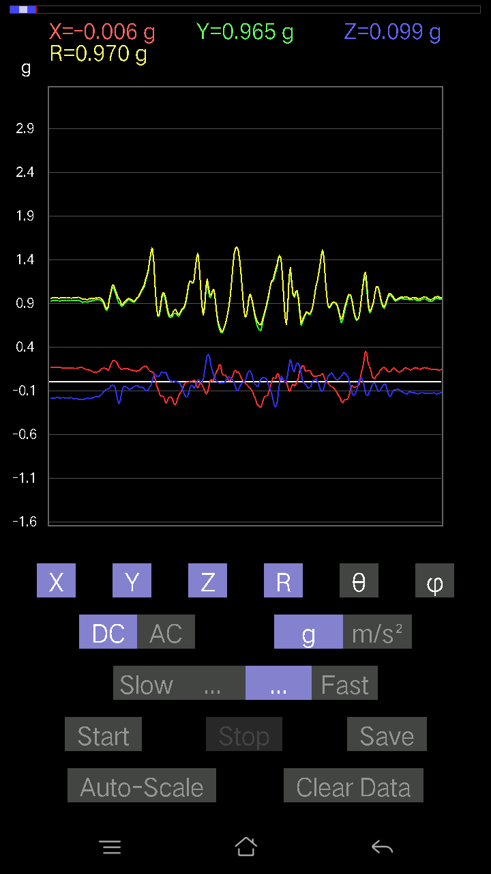
0.22258021 | 0.99372685 | 77.056786 | 89.36469
0.16107778 | 0.9618679 | 80.35963 | 91.59278
0.12593354 | 0.96695274 | 82.51668 | 90.64178
0.099575356 | 0.99015856 | 84.22829 | 89.09152
0.06638357 | 0.9917684 | 86.16206 | 87.964676
0.0741934 | 0.9530766 | 85.535225 | 88.52818
0.065407336 | 0.925828 | 85.94883 | 89.87887
0.09664667 | 0.9324647 | 84.05081 | 89.57783
0.19329333 | 0.94646347 | 78.21575 | 90.72446
0.1952458 | 0.9525364 | 78.17199 | 90.29997
0.117147475 | 0.9571173 | 82.96959 | 90.58884
0.0078098318 | 1.0080779 | 89.556114 | 91.94243
0.054668825 | 1.0021954 | 86.87302 | 90.670746
0.020500809 | 0.9922526 | 88.81613 | 91.12772
0.084931925 | 0.9954803 | 85.10571 | 89.887215
0.14057697 | 0.9178219 | 81.18969 | 89.25995
0.1552204 | 0.92315805 | 80.32027 | 88.89357
0.1786499 | 0.89108163 | 78.434586 | 91.34563
0.15912533 | 0.89079064 | 79.70981 | 92.4258
-0.01952458 | 0.9371432 | 91.193794 | 93.464615
0.07907455 | 0.9795085 | 85.369545 | 90.744804
0.11519502 | 0.98593426 | 83.29032 | 90.399864
0.15912533 | 1.019958 | 81.02453 | 89.94448
0.12983845 | 1.0148623 | 82.649605 | 90.44457
0.054668825 | 0.98962903 | 86.83327 | 91.075584
0.035144243 | 0.9808459 | 87.946625 | 90.74184
0.01854835 | 0.98422575 | 88.92016 | 90.2842
0.07516963 | 1.0018541 | 85.69702 | 88.488144
0.10933765 | 0.99413097 | 83.68565 | 88.98101
0.1210524 | 0.9885889 | 82.9665 | 89.486916
0.11519502 | 0.97235596 | 83.19619 | 90.347595
0.08688438 | 0.9646141 | 84.83227 | 90.75691
0.07907455 | 0.9638708 | 85.29425 | 90.29114
0.08786061 | 0.9510414 | 84.69925 | 90.472534
0.09469421 | 0.9264994 | 84.13376 | 90.78898
0.04783522 | 0.92962986 | 87.050476 | 89.81926
0.045882765 | 0.95587826 | 87.24871 | 89.58991
0.054668825 | 0.94949394 | 86.699265 | 90.059006
0.07224095 | 0.94969416 | 85.637436 | 89.94093
0.049787678 | 0.9668996 | 87.048416 | 89.07315
0.07516963 | 0.9774529 | 85.58939 | 91.37759
0.07028849 | 1.0108304 | 86.012695 | 92.44137
0.055645052 | 0.9958478 | 86.796814 | 91.80045
0.08297946 | 0.87620616 | 84.565765 | 104.25398
0.029286869 | 0.86352086 | 88.056404 | 93.89168
-0.041001618 | 0.86798406 | 92.707535 | 90.96774
-0.016595893 | 0.8820023 | 91.07815 | 91.52245
...

3
...
File |  | 2016-12-02 | 14-01-00
0.23331872 | 0.93930984 | 75.617516 | 89.56967
0.2362474 | 0.9438014 | 75.50386 | 89.81636
0.26162934 | 0.95299345 | 74.06574 | 87.80209
0.24796216 | 0.95245934 | 74.90983 | 89.75671
0.23039004 | 0.9755165 | 76.339264 | 89.88199
0.208913 | 0.9773413 | 77.65742 | 90
0.17962612 | 0.9878343 | 79.52315 | 89.6545
0.16595893 | 0.9854716 | 80.30487 | 89.42418
0.18743597 | 0.9752489 | 78.91921 | 88.421844
0.2020794 | 0.9713661 | 77.9927 | 88.704735
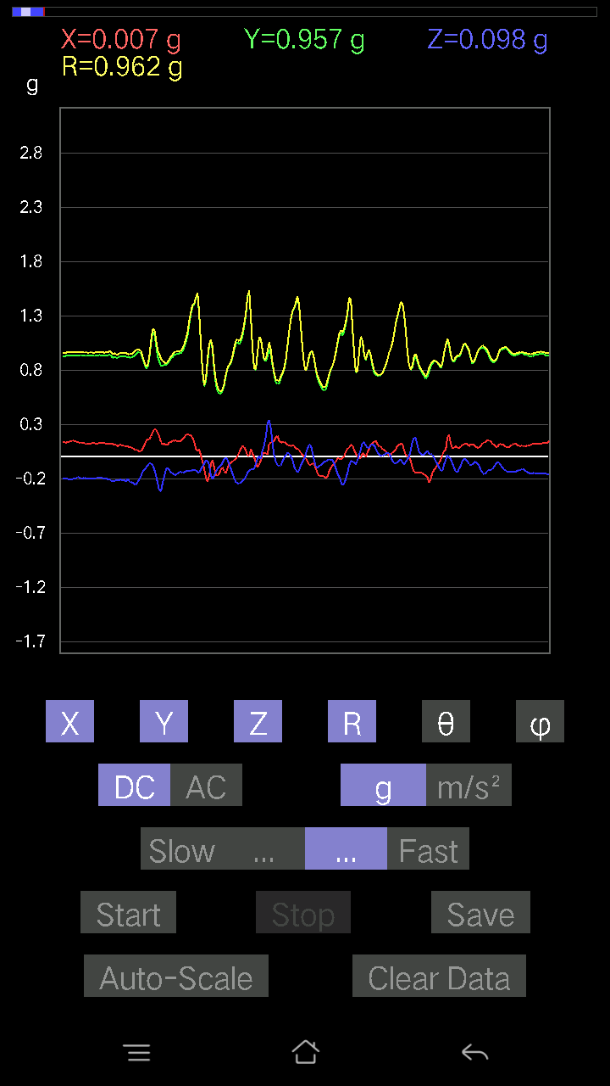
0.18353106 | 0.97244805 | 79.12127 | 88.76991
0.18157859 | 0.9738935 | 79.25455 | 89.12309
0.17376876 | 0.9687759 | 79.66697 | 88.65004
0.18060236 | 0.95377666 | 79.084854 | 88.50671
0.18841219 | 0.95169204 | 78.581375 | 88.020935
0.2020794 | 0.95840925 | 77.8279 | 87.850174
0.20110317 | 0.95593756 | 77.855804 | 88.563416
0.20598431 | 0.95780396 | 77.58102 | 88.92359
0.19915071 | 0.9593236 | 78.018555 | 88.62898
0.18255483 | 0.96433383 | 79.08768 | 87.45913
0.16986385 | 0.9714538 | 79.92976 | 86.54769
0.14545812 | 0.97801876 | 81.44682 | 87.85964
0.107385196 | 0.9879418 | 83.75986 | 89.88609
0.10348027 | 1.004041 | 84.08437 | 89.71996
0.10152781 | 1.0091399 | 84.2258 | 88.272736
0.1513155 | 0.9776303 | 81.09609 | 86.98721
0.13374338 | 0.95108646 | 81.916176 | 88.0394
0.1952458 | 0.95071876 | 78.14905 | 87.23366
0.1952458 | 0.9511922 | 78.15503 | 87.95673
0.20793676 | 0.9405879 | 77.22805 | 87.865364
0.20793676 | 0.91523176 | 76.86797 | 89.93725
0.13276714 | 0.9340247 | 81.828 | 90.605
0.08981306 | 0.9624554 | 84.64556 | 91.98499
0.12593354 | 0.9875491 | 82.67362 | 91.4849
0.11519502 | 0.98785406 | 83.30342 | 89.82897
0.10933765 | 0.98650926 | 83.63667 | 86.117615
0.08981306 | 0.97165936 | 84.69643 | 84.20887
0.090789296 | 0.9517972 | 84.52639 | 85.86391
0.082003236 | 0.9009372 | 84.77772 | 90.5611
0.16986385 | 0.94092673 | 79.59947 | 89.87912
0.19036464 | 0.980602 | 78.806076 | 88.42985
0.23331872 | 1.0026633 | 76.543976 | 87.59018
0.20012695 | 0.9621686 | 77.99508 | 89.465096
0.1483868 | 0.960451 | 81.11237 | 90.41262
0.1552204 | 0.9846362 | 80.929924 | 89.942474
0.13569583 | 0.9711134 | 81.96765 | 90.05817
0.14936304 | 0.9509362 | 80.963165 | 89.94044
0.1786499 | 0.94542617 | 79.107765 | 90
0.20500809 | 0.9299651 | 77.26471 | 88.88999
0.2255089 | 0.959198 | 76.4024 | 87.3593
0.0605262 | 1.0182049 | 86.5921 | 87.30248
-0.00976229 | 1.0272638 | 90.5445 | 91.19803
0.1415532 | 1.0106652 | 81.948715 | 90.670746
0.15717287 | 0.9995584 | 80.95313 | 91.02
0.15619664 | 0.9803522 | 80.83216 | 91.61842
0.14643435 | 1.0026076 | 81.60171 | 90.22557
0.06443111 | 1.0095836 | 86.34093 | 90.61069
...

4
...
File |  | 2016-12-02 | 14-01-35
0.14741059 | 0.92976624 | 80.877495 | 91.58437
0.12886222 | 0.936511 | 82.09111 | 91.14576
0.07224095 | 0.9575652 | 85.67336 | 90.76156
0.05759751 | 0.9617486 | 86.5666 | 91.631584
0.08688438 | 0.95106447 | 84.758446 | 91.00405
0.114218794 | 0.94670504 | 83.07046 | 92.14313
0.11226633 | 0.9677857 | 83.3385 | 92.09525
0.12398108 | 0.9324239 | 82.358955 | 92.11886
0.13569583 | 0.9162308 | 81.48303 | 92.90248
0.14545812 | 0.9067785 | 80.76919 | 92.43797
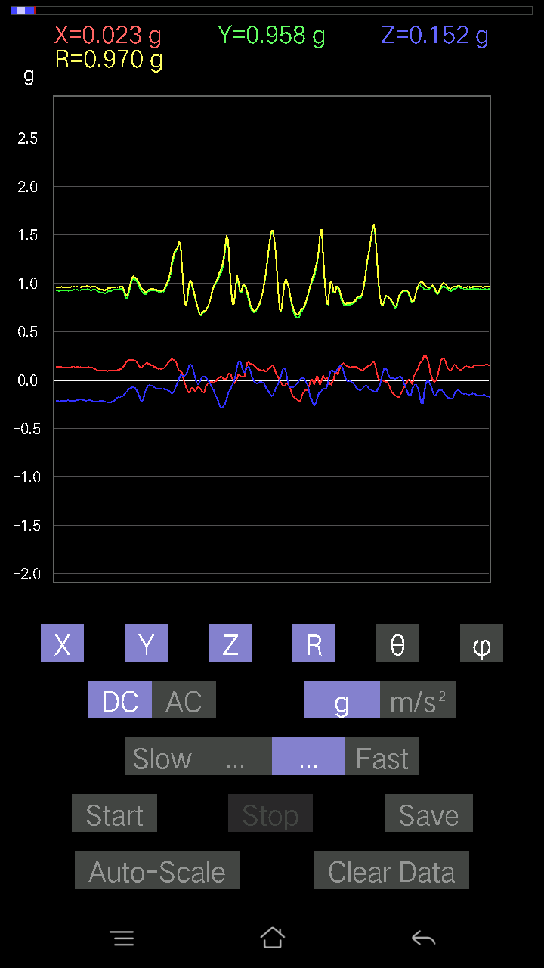
0.10640897 | 0.9355035 | 83.46875 | 90.662
0.1181237 | 0.9690105 | 82.99815 | 88.83679
0.0976229 | 0.95977956 | 84.162125 | 90.58582
0.1483868 | 0.96618277 | 81.16552 | 93.6348
0.07907455 | 0.97901607 | 85.36721 | 91.94926
0.027334413 | 1.0146706 | 88.456314 | 89.944855
-0.024405725 | 1.0204517 | 91.37045 | 89.945175
-0.11031388 | 1.0379968 | 96.10067 | 88.753456
0.077122085 | 1.017365 | 85.65248 | 89.062614
0.10640897 | 0.95969373 | 83.63406 | 90.05865
0.15229172 | 0.90932786 | 80.358826 | 91.49759
0.1786499 | 0.90445024 | 78.60784 | 91.26182
0.11226633 | 0.9521801 | 83.22882 | 91.95251
0.041977845 | 1.0211574 | 87.64401 | 90.932
0.017572122 | 1.0369157 | 89.02899 | 90.26975
0.026358182 | 0.98149526 | 88.46113 | 90.45608
0.055645052 | 0.9641931 | 86.691536 | 89.59324
0.05759751 | 0.96825236 | 86.58968 | 90.69446
0.01854835 | 0.98011154 | 88.91563 | 92.28377
0.023429496 | 0.9796136 | 88.629524 | 91.085236
0.03904916 | 0.97610456 | 87.70727 | 90.6882
0.054668825 | 0.95632833 | 86.72288 | 89.70708
-0.022453265 | 1.1000749 | 91.169525 | 84.80557
0.0605262 | 1.0052619 | 86.54817 | 86.541885
0.071264714 | 0.87762606 | 85.34236 | 90.44762
0.026358182 | 0.86928797 | 88.262436 | 89.42062
0.027334413 | 0.8858809 | 88.23182 | 90.37902
0.02831064 | 0.9683001 | 88.32458 | 91.733955
0.025381953 | 0.8335086 | 88.25496 | 99.78241
0.031239327 | 0.75915474 | 87.6416 | 95.02084
0.0078098318 | 0.8009416 | 89.44131 | 93.35416
-0.035144243 | 0.8513439 | 92.36589 | 88.42164
0.025381953 | 0.9016092 | 88.3868 | 87.08181
0.035144243 | 0.9317485 | 87.83837 | 87.71659
-0.01854835 | 0.9678925 | 91.09806 | 84.67475
0.034168016 | 0.88984704 | 87.79944 | 83.50698
0.06345488 | 0.9326677 | 86.098816 | 84.6423
0.050763905 | 0.9802375 | 87.03148 | 87.77105
0.067359805 | 0.96979743 | 86.017166 | 89.71092
0.06443111 | 0.9485238 | 86.10503 | 88.40394
0.036120474 | 0.96048087 | 87.84479 | 87.20162
0.005857374 | 0.9726573 | 89.65496 | 86.086464
0.01952458 | 0.9651237 | 88.84082 | 86.92628
0.036120474 | 0.974833 | 87.87653 | 87.58776
0.020500809 | 1.0167954 | 88.84471 | 84.76572
0.004881145 | 1.03405 | 89.72954 | 84.310936
0.0019524579 | 1.0190017 | 89.89022 | 83.95077
...

5
...
File |  | 2016-12-02 | 14-02-14
0.16693515 | 0.9812272 | 80.20468 | 96.551
0.3612047 | 1.0064201 | 68.96731 | 99.14907
0.1513155 | 0.9805592 | 81.1229 | 101.921364
0.107385196 | 1.041159 | 84.07998 | 96.00618
0.09859913 | 1.0450196 | 84.586006 | 93.22755
0.13471961 | 0.9735104 | 82.04557 | 92.030914
0.1786499 | 0.9051249 | 78.61645 | 92.58539
0.19719826 | 0.90100807 | 77.35768 | 94.33039
0.16010156 | 0.90695196 | 79.832466 | 97.79339
0.043930303 | 0.93310845 | 87.301544 | 98.61385
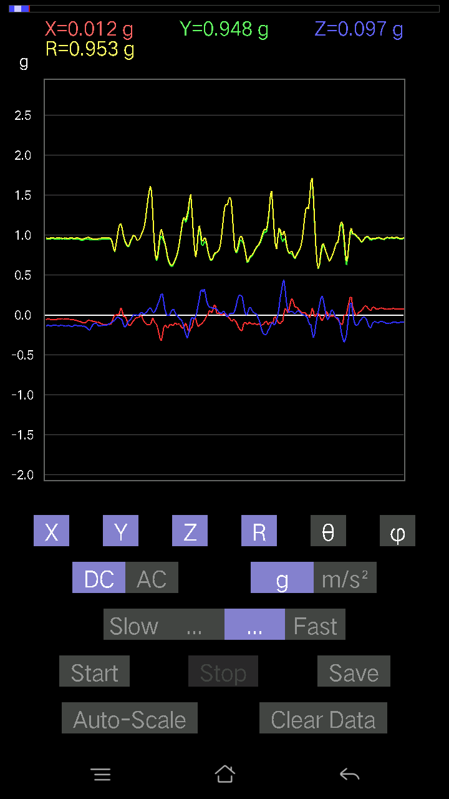
0.15424417 | 1.0151092 | 81.26015 | 97.04204
0.19915071 | 1.0245667 | 78.791756 | 97.36662
0.20012695 | 0.96784276 | 78.0665 | 99.01562
0.20305562 | 0.94736874 | 77.6234 | 97.39493
0.19719826 | 0.9317531 | 77.781395 | 98.321205
0.17669745 | 0.9504325 | 79.28565 | 97.68964
0.18255483 | 0.9474543 | 78.890816 | 97.11755
0.16400647 | 0.9585286 | 80.14809 | 96.58874
0.18157859 | 0.98540735 | 79.38157 | 96.3657
0.111290105 | 1.0095949 | 83.67129 | 95.58302
0.09176553 | 1.0154926 | 84.81536 | 96.150856
0.14643435 | 0.9734721 | 81.34846 | 97.22594
0.16498269 | 0.95555115 | 80.057655 | 98.710014
0.174745 | 0.96383464 | 79.554405 | 99.36531
0.12593354 | 0.95802534 | 82.44654 | 98.15509
0.13471961 | 0.9597761 | 81.93099 | 98.38815
0.14643435 | 0.9859807 | 81.45904 | 98.811584
0.14252943 | 0.9744492 | 81.58936 | 97.03865
0.12983845 | 0.93602437 | 82.026634 | 94.95406
0.08395569 | 0.92457134 | 84.79008 | 92.85634
0.07907455 | 0.9394052 | 85.17141 | 95.14574
0.22453266 | 1.0082767 | 77.13295 | 122.095856
0.16595893 | 0.9191127 | 79.597374 | 104.38139
0.06931226 | 0.84983015 | 85.321754 | 97.08406
0.011714748 | 0.8896151 | 89.24549 | 91.1948
0.00976229 | 0.95409 | 89.413734 | 91.34858
0.0078098318 | 0.97040504 | 89.53888 | 90.11528
0 | 0.9537883 | 90 | 89.70678
0.010738519 | 0.9353399 | 89.34218 | 89.40195
0.01952458 | 0.92277604 | 88.78761 | 90.48503
0.02831064 | 0.89473826 | 88.18679 | 90.68802
0.013667206 | 0.90539646 | 89.13507 | 88.45518
0 | 0.9201055 | 90 | 88.11515
0.002928687 | 0.91587603 | 89.81679 | 88.90064
0.011714748 | 0.91527027 | 89.26664 | 88.16618
0.034168016 | 0.89294064 | 87.80707 | 90.31343
0.024405725 | 0.87409246 | 88.400024 | 89.55189
0.005857374 | 0.8833098 | 89.620056 | 87.592964
-0.00976229 | 0.93897897 | 90.595695 | 87.676056
-0.03904916 | 0.99762964 | 92.24324 | 85.50662
-0.026358182 | 1.0036119 | 91.50495 | 86.70884
-9.76E-04 | 0.9941511 | 90.05626 | 88.48072
0.01854835 | 0.9815205 | 88.91718 | 88.745964
0.016595893 | 0.9966572 | 89.04589 | 87.75426
-0.017572122 | 1.0447606 | 90.96372 | 85.01402
-0.0605262 | 1.0686783 | 93.24677 | 83.53824
-0.045882765 | 1.0412762 | 92.5255 | 83.15509
...

6
...
Data | File |  | 2016-12-02 | 14-02-46
1.0035634 | 0.053692598 | 1.0051883 | 86.938065 | 91.11456
0.9693954 | 0.25772443 | 1.0042568 | 75.12969 | 92.88255
0.91472656 | 0.23527117 | 0.94993955 | 75.66035 | 96.33348
0.9127741 | 0.2723679 | 0.9584694 | 73.490776 | 96.64939
0.88934463 | 0.5213063 | 1.0328821 | 59.687874 | 94.143715
0.8717725 | 0.2626056 | 0.9130273 | 73.28443 | 94.4821
0.97037166 | 0.16791138 | 0.9870931 | 80.20596 | 93.9709
1.0094208 | 0.13276714 | 1.0184557 | 82.50954 | 91.49578
0.9928249 | 0.117147475 | 1.0002632 | 83.27428 | 91.91478
0.938156 | 0.093717985 | 0.9433428 | 84.29845 | 91.907166
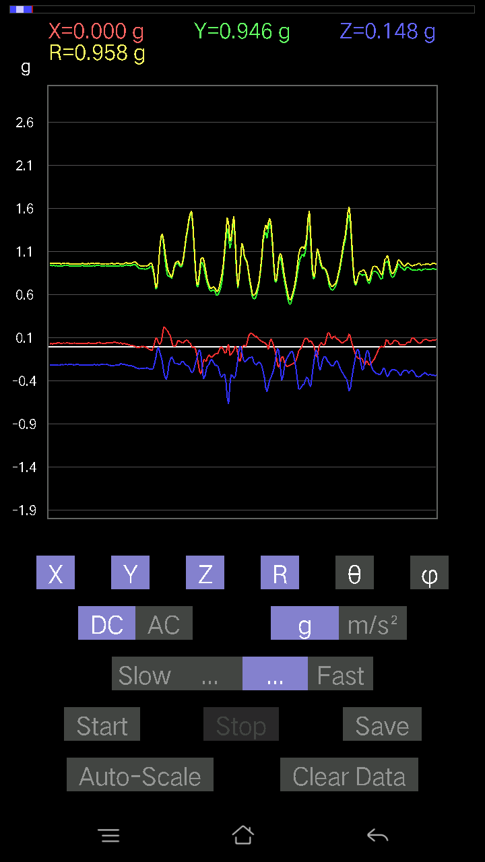
0.95279956 | 0.18450728 | 0.97187805 | 79.0562 | 93.1083
0.95670444 | 0.2489384 | 0.99007195 | 75.43758 | 93.270485
0.93620354 | 0.26455808 | 0.9782511 | 74.309555 | 96.248375
0.90691674 | 0.21574661 | 0.9417706 | 76.75672 | 98.38897
0.967443 | 0.14057697 | 0.98414004 | 81.787636 | 96.67629
1.0250404 | 0.09176553 | 1.0295027 | 84.88611 | 91.52753
1.0172306 | 0.1181237 | 1.0241573 | 83.37691 | 90.76976
0.9469421 | 0.13862452 | 0.9574537 | 81.67519 | 91.712456
0.8991069 | 0.18841219 | 0.91865486 | 78.164894 | 90.37326
0.89813066 | 0.17767367 | 0.91554457 | 78.80998 | 90.24911
0.9235126 | 0.16205402 | 0.9377227 | 80.04838 | 90.84787
0.9459658 | 0.15424417 | 0.9589997 | 80.74442 | 91.95049
0.9615856 | 0.13960074 | 0.97274894 | 81.7489 | 92.73184
0.9596331 | 0.12593354 | 0.9691914 | 82.534065 | 93.02808
0.9615856 | 0.12007617 | 0.9722746 | 82.905846 | 94.70106
0.98208636 | 0.1181237 | 0.9901397 | 83.14829 | 92.561226
0.9371798 | 0.15912533 | 0.9512423 | 80.3702 | 92.14758
0.8991069 | 0.20305562 | 0.9226196 | 77.28592 | 92.54894
0.90691674 | 0.18255483 | 0.92615014 | 78.631905 | 92.77319
0.96451426 | 0.1513155 | 0.9767804 | 81.08828 | 91.79715
0.99087244 | 0.13667206 | 1.001591 | 82.157234 | 92.98908
0.99087244 | 0.14545812 | 1.0027778 | 81.65952 | 92.932785
1.0025872 | 0.16303024 | 1.0158614 | 80.76497 | 90.836784
0.9957536 | 0.13374338 | 1.0046971 | 82.35019 | 90.11234
0.938156 | 0.19622204 | 0.95845747 | 78.186485 | 90.05962
0.9313224 | 0.20403185 | 0.9538301 | 77.64853 | 91.74116
0.9449896 | 0.21086545 | 0.96950936 | 77.437935 | 93.01589
0.9596331 | 0.17279254 | 0.9780344 | 79.82395 | 94.53685
0.98208636 | 0.16498269 | 0.9989823 | 80.49401 | 94.60335
0.95377576 | 0.16400647 | 0.9705396 | 80.2712 | 94.38973
0.96353805 | 0.14936304 | 0.97561085 | 81.19356 | 91.97293
0.9781815 | 0.11226633 | 0.9847117 | 83.453514 | 90.85766
0.91863143 | 0.09469421 | 0.9247372 | 84.12254 | 92.98083
0.9127741 | 0.09469421 | 0.9213295 | 84.10072 | 95.133644
0.94303715 | 0.08102701 | 0.949809 | 85.106224 | 94.79309
0.96451426 | 0.09859913 | 0.9716152 | 84.17562 | 93.76404
0.9606094 | 0.14057697 | 0.9729767 | 81.69276 | 93.837265
1.001611 | 0.12983845 | 1.0101442 | 82.61508 | 88.99491
0.9205839 | 0.13179092 | 0.9300562 | 81.853645 | 90.78982
0.9401085 | 0.1210524 | 0.9479108 | 82.66304 | 90.53546
0.9371798 | 0.07028849 | 0.93999493 | 85.711685 | 91.13383
0.93229866 | 0.055645052 | 0.93427664 | 86.58547 | 91.49955
0.9488945 | 0.08981306 | 0.95481575 | 84.60259 | 93.41483
0.9752528 | 0.08590815 | 0.9822174 | 84.9823 | 94.63546
0.9869675 | 0.06345488 | 0.99051505 | 86.32697 | 93.17041
0.9664667 | 0.06443111 | 0.96974486 | 86.190384 | 92.7758
0.95670444 | 0.053692598 | 0.9599395 | 86.79359 | 93.44528
...

7
...
Data | File |  | 2016-12-02 | 14-03-19
0.93522733 | 0.18743597 | 0.9540055 | 78.669235 | 91.1362
0.9440134 | 0.17669745 | 0.96094805 | 79.40426 | 91.95453
0.9518233 | 0.19231711 | 0.97184277 | 78.58645 | 92.34928
0.9371798 | 0.21379416 | 0.9617639 | 77.156204 | 91.90915
0.938156 | 0.20403185 | 0.9616415 | 77.75043 | 93.33501
0.9371798 | 0.20696054 | 0.9613714 | 77.56826 | 93.39795
0.94206095 | 0.19036464 | 0.96122915 | 78.57746 | 90.9499
0.9401085 | 0.19817449 | 0.9609297 | 78.098366 | 91.07082
0.93327487 | 0.19817449 | 0.954421 | 78.01601 | 91.55787
0.92448884 | 0.18157859 | 0.9427365 | 78.89497 | 92.0562
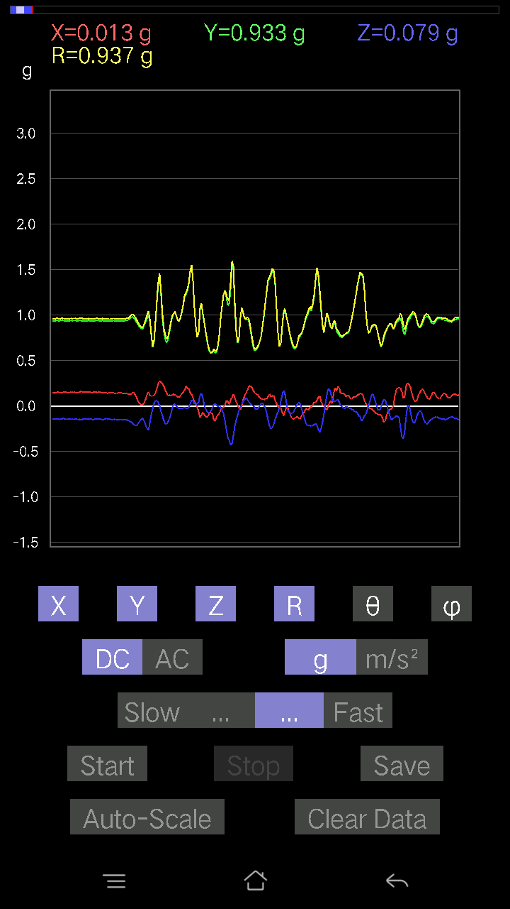
0.9371798 | 0.18353106 | 0.9557795 | 78.92917 | 92.38594
0.9469421 | 0.19231711 | 0.96643364 | 78.521706 | 91.063095
0.9371798 | 0.18938842 | 0.9565151 | 78.58006 | 91.670654
0.91472656 | 0.20403185 | 0.9379011 | 77.43536 | 92.26131
0.8932495 | 0.2255089 | 0.9230745 | 75.85941 | 93.68938
0.9479183 | 0.17962612 | 0.9648115 | 79.27021 | 90.41304
0.97427654 | 0.2020794 | 0.99508196 | 78.28298 | 89.311104
0.967443 | 0.21379416 | 0.9916325 | 77.54938 | 92.42683
0.9391323 | 0.20012695 | 0.96126837 | 77.983665 | 92.73763
0.9479183 | 0.14643435 | 0.96025896 | 81.22848 | 92.771164
0.9586569 | 0.14936304 | 0.97121686 | 81.1534 | 92.62373
0.967443 | 0.16205402 | 0.9816987 | 80.498405 | 92.31139
0.96256185 | 0.17669745 | 0.9787046 | 79.598656 | 90.639175
0.9342511 | 0.16595893 | 0.9490984 | 79.92951 | 91.25707
0.9196077 | 0.058573738 | 0.9218481 | 86.357 | 91.641785
0.9654905 | 0.1415532 | 0.97651696 | 81.6652 | 92.20037
0.97037166 | 0.16303024 | 0.9852304 | 80.47522 | 92.93715
0.96256185 | 0.16986385 | 0.97860473 | 80.004105 | 92.84502
0.93229866 | 0.2020794 | 0.955196 | 77.78632 | 92.99704
0.9283937 | 0.20696054 | 0.953106 | 77.4587 | 93.730095
0.92546505 | 0.16986385 | 0.94256866 | 79.61779 | 93.44086
0.9488945 | 0.17376876 | 0.9646866 | 79.62268 | 90.29473
0.9401085 | 0.21965154 | 0.96576136 | 76.853676 | 91.546555
0.9469421 | 0.21477039 | 0.9715592 | 77.22885 | 92.007484
0.9283937 | 0.18255483 | 0.94810575 | 78.898544 | 93.730095
0.916679 | 0.11226633 | 0.9269072 | 83.0433 | 94.930244
0.91375035 | 0.15229172 | 0.92758864 | 80.550385 | 92.99672
0.9869675 | 0.1952458 | 1.0064144 | 78.81361 | 91.47316
1.04066 | 0.14741059 | 1.0510504 | 81.937645 | 90.1075
1.0611609 | 0.1415532 | 1.0706477 | 82.40253 | 90.7379
0.96451426 | 0.1786499 | 0.98181754 | 79.51615 | 92.49207
0.916679 | 0.20793676 | 0.94073784 | 77.23012 | 92.37833
0.9401085 | 0.19329333 | 0.9598858 | 78.38284 | 90.89239
0.96353805 | 0.1718163 | 0.97879606 | 79.89001 | 90.63853
0.967443 | 0.16107778 | 0.9808853 | 80.54826 | 90.92498
0.9127741 | 0.19036464 | 0.9330395 | 78.22749 | 92.14376
0.8834872 | 0.18255483 | 0.90224 | 78.326454 | 90.822975
0.9108216 | 0.13862452 | 0.9215384 | 81.34831 | 88.7106
0.96451426 | 0.1044565 | 0.970596 | 83.82181 | 88.26078
0.97427654 | 0.13667206 | 0.98405045 | 82.01654 | 91.262825
0.9508471 | 0.1552204 | 0.96457213 | 80.73961 | 92.82133
0.8297946 | 0.20793676 | 0.8844273 | 76.401955 | 105.14098
0.83858067 | 0.10933765 | 0.8467688 | 82.58106 | 92.93226
0.8717725 | 0.08981306 | 0.87660426 | 84.11941 | 91.283005
0.91375035 | 0.07224095 | 0.91668946 | 85.48004 | 90.79572
0.91472656 | 0.051740136 | 0.9162636 | 86.76286 | 89.266266
0.9303462 | 0.031239327 | 0.93265074 | 88.080505 | 86.45735
...

8
...
Data | File |  | 2016-12-02 | 14-03-53
0.95670444 | 0.13862452 | 0.9681318 | 81.767654 | 93.15392
0.9508471 | 0.14936304 | 0.9628949 | 81.07632 | 91.64665
0.91863143 | 0.17669745 | 0.9367948 | 79.12779 | 93.102264
0.91375035 | 0.20988922 | 0.93908256 | 77.085045 | 93.36287
0.9313224 | 0.20793676 | 0.95521945 | 77.42691 | 92.6407
0.93620354 | 0.20110317 | 0.9604292 | 77.91346 | 94.53117
0.92448884 | 0.18938842 | 0.952982 | 78.537155 | 98.17245
0.9488945 | 0.16107778 | 0.96981007 | 80.439316 | 97.15404
0.93620354 | 0.19036464 | 0.9606385 | 78.57034 | 96.13027
0.9449896 | 0.21379416 | 0.9698239 | 77.26475 | 92.60256
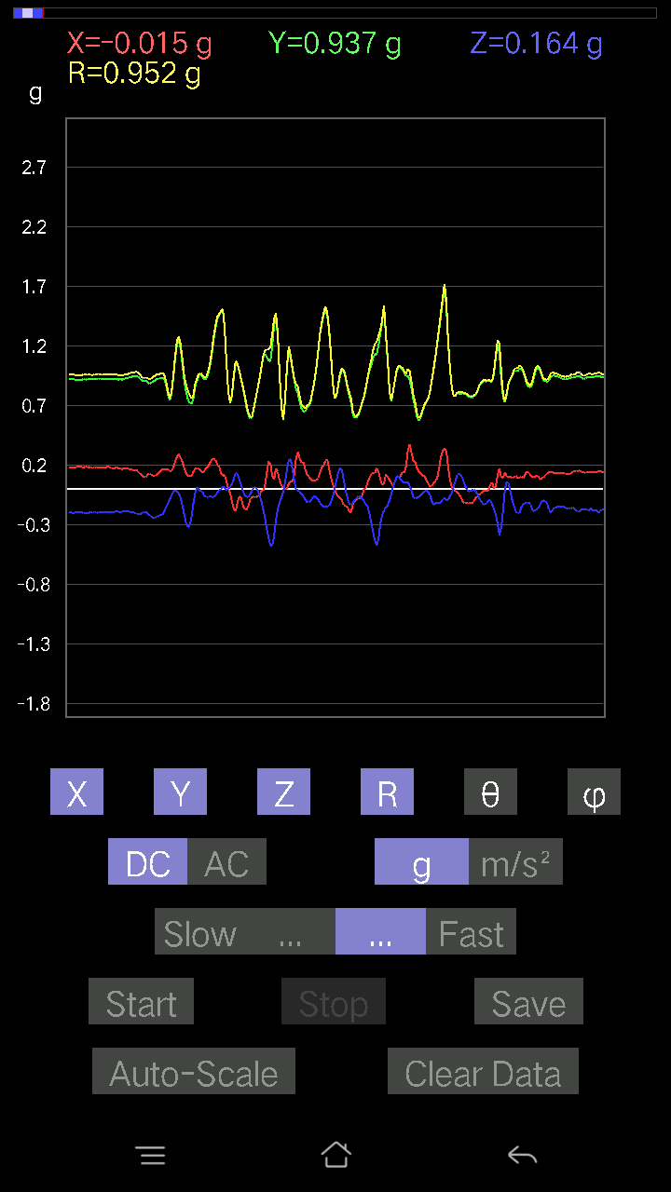
0.9654905 | 0.21086545 | 0.9884052 | 77.6819 | 91.04268
0.9469421 | 0.20598431 | 0.9699128 | 77.73849 | 92.42034
0.9205839 | 0.14741059 | 0.9358258 | 80.937065 | 95.03004
0.9440134 | 0.099575356 | 0.9514347 | 83.99253 | 93.90452
0.99087244 | 0.13862452 | 1.0009228 | 82.03913 | 91.63657
0.9850151 | 0.14936304 | 0.99772084 | 81.39021 | 93.12007
0.9850151 | 0.13667206 | 0.9967967 | 82.11928 | 93.968575
0.9772052 | 0.127886 | 0.9880411 | 82.56312 | 94.11409
0.97330034 | 0.15912533 | 0.9862614 | 80.7152 | 90.5172
0.8473667 | 0.21184167 | 0.87675846 | 76.017876 | 95.13491
0.873725 | 0.19329333 | 0.90005463 | 77.59871 | 96.31208
0.9235126 | 0.14057697 | 0.9392378 | 81.39212 | 96.034225
0.967443 | 0.10152781 | 0.97680384 | 84.03397 | 95.24655
0.9957536 | 0.08395569 | 1.0023339 | 85.19527 | 94.484604
1.0113733 | 0.08981306 | 1.0167719 | 84.932365 | 93.03891
0.9791577 | 0.15326795 | 0.9930481 | 81.12143 | 93.65101
0.9498709 | 0.20500809 | 0.97381186 | 77.8471 | 93.82189
0.9488945 | 0.18743597 | 0.9724421 | 78.88682 | 96.0489
0.98111016 | 0.15912533 | 0.9988092 | 80.83286 | 95.738815
1.0055158 | 0.16888762 | 1.0219536 | 80.487686 | 93.943275
1.0182068 | 0.15424417 | 1.0309339 | 81.395325 | 92.68977
0.96256185 | 0.08005078 | 0.9667966 | 85.25047 | 92.497116
0.9401085 | 0.06833603 | 0.9432438 | 85.8454 | 92.1409
0.8747012 | 0.12983845 | 0.89009446 | 81.61231 | 96.62077
0.8678676 | 0.12495731 | 0.8839752 | 81.87354 | 97.37078
0.9176552 | 0.107385196 | 0.9283671 | 83.357666 | 95.65024
0.9664667 | 0.07614586 | 0.97166574 | 85.50533 | 93.87169
0.89715445 | 0.012690976 | 0.8992182 | 89.19134 | 93.79752
0.9059405 | 0.055645052 | 0.9104412 | 86.49597 | 94.49784
0.9596331 | 0.08297946 | 0.96686596 | 85.07664 | 94.99992
0.9664667 | 0.0741934 | 0.9710785 | 85.61816 | 93.46823
0.9850151 | 0.054668825 | 0.9868092 | 86.82421 | 91.36258
1.001611 | 0.043930303 | 1.0025783 | 87.48865 | 89.832466
0.98794377 | 0.032215554 | 0.9887022 | 88.13276 | 88.75464
0.96353805 | 0.073217176 | 0.96636516 | 85.65479 | 90.58048
0.9664667 | 0.07809832 | 0.9698338 | 85.38111 | 91.21518
0.9488945 | 0.034168016 | 0.94973075 | 87.938255 | 91.23768
0.9391323 | 0.012690976 | 0.9392363 | 89.22579 | 89.64265
0.92448884 | 0.01952458 | 0.9247079 | 88.790146 | 90.302505
0.8942258 | 0.0156196635 | 0.89436275 | 88.999306 | 90.06255
0.8854397 | 0.022453265 | 0.88573295 | 88.5474 | 89.74732
0.9196077 | -0.0078098318 | 0.9198481 | 90.486465 | 88.783714
0.92156017 | 0.034168016 | 0.9233341 | 87.87928 | 92.850296
0.9283937 | 0.0370967 | 0.92930067 | 87.712204 | 91.084335
0.97037166 | 0.025381953 | 0.97197956 | 88.503624 | 87.06285
0.95572823 | -0.09176553 | 0.9657891 | 95.45225 | 83.7626
0.93327487 | -0.16595893 | 0.95730436 | 99.98328 | 81.84473
...

9
...
Data | File |  | 2016-12-02 | 14-04-45
0.95475197 | 0.09469421 | 0.96728927 | 84.38195 | 97.341225
0.9723241 | 0.07614586 | 0.9823115 | 85.55414 | 96.869995
0.9781815 | 0.08102701 | 0.98697144 | 85.29091 | 96.03877
0.98111016 | 0.073217176 | 0.98857397 | 85.75259 | 95.62591
1.0035634 | -9.76E-04 | 1.0116794 | 90.05529 | 97.26217
1.0035634 | 0.13179092 | 1.0166913 | 82.55195 | 95.445595
0.9586569 | 0.08005078 | 0.968522 | 85.25895 | 96.67937
0.9469421 | 0.13960074 | 0.96194625 | 81.65559 | 95.76907
0.9440134 | 0.17669745 | 0.9630483 | 79.427635 | 94.31714
0.92156017 | 0.12007617 | 0.93658274 | 82.634026 | 97.18477
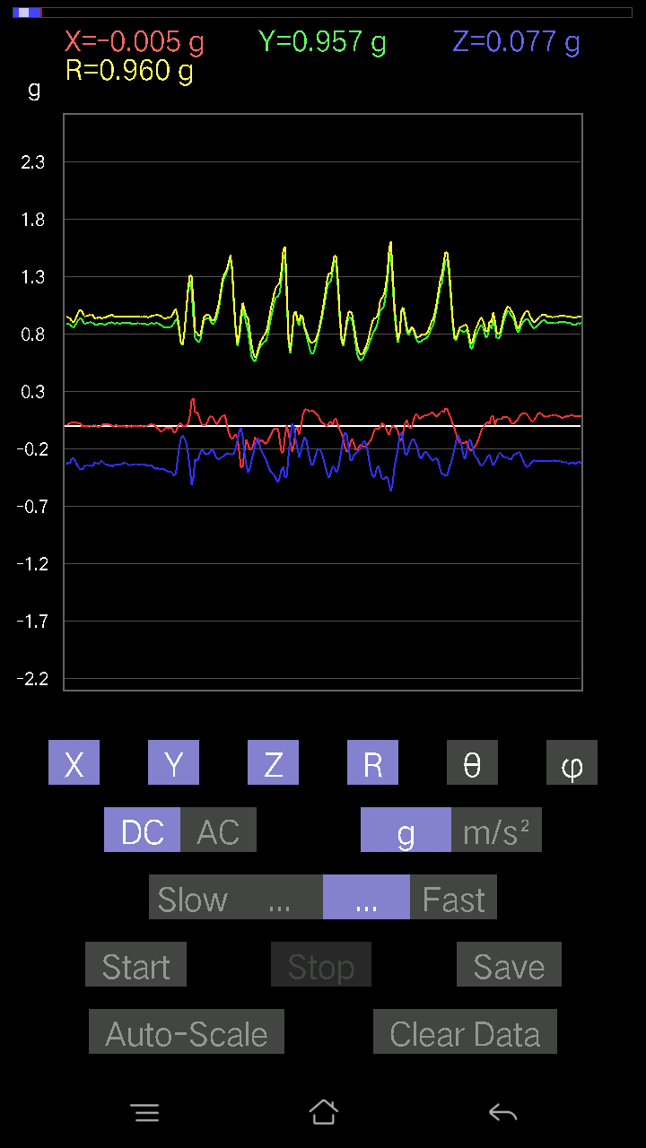
0.9088692 | 0.2860351 | 0.95533425 | 72.57793 | 94.36105
0.8776299 | 0.035144243 | 0.8887535 | 87.73374 | 98.78926
0.9196077 | 0.05662128 | 0.9278141 | 86.50127 | 96.7804
0.94303715 | 0.0019524579 | 0.94935644 | 89.882164 | 96.613464
0.96256185 | 0.054668825 | 0.96884817 | 86.765274 | 95.67607
0.98208636 | 0.093717985 | 0.9890486 | 84.562744 | 94.09371
0.9859913 | 0.1718163 | 1.003742 | 80.143814 | 94.41605
0.9342511 | 0.27334413 | 0.9794306 | 73.79441 | 96.61603
0.938156 | 0.08102701 | 0.9526684 | 85.12095 | 98.75512
0.9772052 | 0.022453265 | 0.98604876 | 88.695206 | 97.5684
0.9684192 | 0.06931226 | 0.97817415 | 85.93668 | 97.01125
0.95377576 | 0.119099945 | 0.9679457 | 82.93218 | 96.828896
0.94303715 | 0.107385196 | 0.9562146 | 83.55194 | 97.0228
0.91472656 | 0.08297946 | 0.9254373 | 84.85566 | 97.057274
0.9059405 | 0.08005078 | 0.9157881 | 84.98527 | 96.75999
0.9313224 | 0.07614586 | 0.9408052 | 85.35758 | 96.6959
0.9117979 | 0.16010156 | 0.9352192 | 80.1429 | 98.28463
0.9274175 | 0.15619664 | 0.9541733 | 80.57837 | 99.85308
0.967443 | 0.07028849 | 0.9928561 | 85.94039 | 102.35115
0.9957536 | 0.07516963 | 1.0210129 | 85.777916 | 102.064064
1.0143019 | 0.04002539 | 1.0327871 | 87.77896 | 100.62965
0.9684192 | 0.11519502 | 0.9886188 | 83.30863 | 99.49979
0.9283937 | 0.12007617 | 0.94535816 | 82.702774 | 98.07949
0.9342511 | 0.13374338 | 0.94901407 | 81.89841 | 96.08379
0.9176552 | 0.16693515 | 0.93693674 | 79.73675 | 95.52949
0.93522733 | 0.1181237 | 0.9501517 | 82.85846 | 97.25748
0.9938011 | 0.08102701 | 1.003731 | 85.36971 | 96.61185
1.0182068 | -0.006833603 | 1.0360518 | 90.377914 | 100.64287
1.0152781 | 0.034168016 | 1.0365262 | 88.11096 | 101.468765
0.9469421 | 0.10640897 | 0.97990096 | 83.76587 | 103.56274
0.93620354 | 0.1181237 | 0.9563073 | 82.90466 | 99.41387
0.95279956 | 0.06833603 | 0.95964456 | 85.91653 | 95.501274
0.95279956 | 0.041977845 | 0.95576817 | 87.48273 | 93.75173
0.9615856 | 0.062478654 | 0.9668522 | 86.29492 | 94.70106
0.8844635 | 0.09274176 | 0.94787616 | 84.3851 | 110.34785
0.9576807 | 0.016595893 | 0.9619354 | 89.01145 | 95.29973
0.8756774 | -0.002928687 | 0.88037616 | 90.190605 | 95.91922
0.9127741 | -0.04881145 | 0.9162781 | 93.05367 | 93.97673
0.9469421 | 0.012690976 | 0.9536582 | 89.2375 | 96.76124
0.9781815 | -9.76E-04 | 0.9841657 | 90.05683 | 96.321365
0.9264413 | 9.76E-04 | 0.9322031 | 89.939995 | 96.37332
0.87274873 | -0.002928687 | 0.8812434 | 90.190414 | 97.95956
0.8600578 | 0.008786061 | 0.8750558 | 89.424706 | 100.60787
0.8581053 | -0.014643434 | 0.86950994 | 90.964966 | 99.240204
0.844438 | -0.05662128 | 0.8537478 | 93.8027 | 97.57295
0.844438 | -0.10640897 | 0.8552467 | 97.14721 | 95.6778
0.87274873 | -0.12886222 | 0.8851636 | 98.37087 | 94.73182
...

10
...
File |  | 2016-12-02 | 14-05-47
0.2255089 | 0.9738665 | 76.611046 | 95.49911
0.23917611 | 0.9558199 | 75.5088 | 96.42029
0.23527117 | 0.9576069 | 75.77759 | 95.79453
0.23527117 | 0.96090984 | 75.8275 | 95.47164
0.24308102 | 0.9599414 | 75.33157 | 95.42891
0.27139166 | 0.95919406 | 73.564415 | 94.86967
0.2762728 | 0.9452644 | 73.00607 | 95.32887
0.25772443 | 0.94528204 | 74.178406 | 95.04966
0.25381953 | 0.9704816 | 74.838554 | 94.9025
0.23136626 | 0.9626127 | 76.09266 | 95.335335
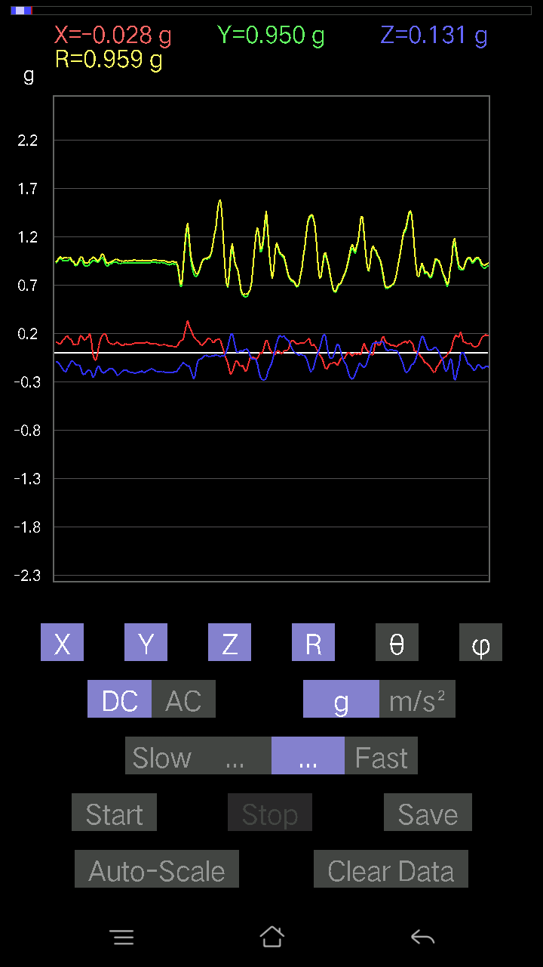
0.19719826 | 0.9665401 | 78.22758 | 93.90452
0.12398108 | 1.0020405 | 82.89266 | 94.787
0.28115395 | 1.0150801 | 73.92013 | 93.730156
0.2762728 | 0.95103896 | 73.11236 | 94.73812
0.3065359 | 0.9423199 | 71.0163 | 94.46129
0.29091623 | 0.945208 | 72.0745 | 94.79463
0.33582276 | 0.9466432 | 69.2218 | 95.12577
0.29189247 | 0.95057535 | 72.1173 | 95.75981
0.28213018 | 0.9629443 | 72.96313 | 95.964485
0.20696054 | 0.9992661 | 78.04681 | 93.03384
0.21672285 | 1.0035776 | 77.52872 | 92.22673
0.20305562 | 0.9918511 | 78.18666 | 91.78631
0.21281794 | 0.98457766 | 77.51691 | 93.37671
0.22062775 | 0.97690475 | 76.94751 | 95.710594
0.19426957 | 0.9885137 | 78.66606 | 94.33231
0.19134088 | 0.9905069 | 78.861885 | 91.84204
0.20012695 | 0.96836257 | 78.073 | 91.88949
0.27334413 | 0.95849675 | 73.43039 | 90.66974
0.28408262 | 0.93928194 | 72.395386 | 90.81221
0.25284332 | 0.9396203 | 74.38982 | 92.65869
0.2294138 | 0.9546267 | 76.0947 | 92.898575
0.24698594 | 0.97401726 | 75.31087 | 93.80223
0.19036464 | 0.9662644 | 78.63778 | 93.07175
0.15619664 | 0.9896213 | 80.91876 | 92.57657
0.22746135 | 1.0005151 | 76.85923 | 90.51668
0.25089085 | 0.98058975 | 75.17562 | 89.527954
0.29091623 | 0.96292657 | 72.415215 | 88.59836
0.25870067 | 0.9440639 | 74.095856 | 89.50715
0.06638357 | 0.95945185 | 86.03259 | 91.7534
0.19622204 | 0.9655166 | 78.274086 | 96.046165
0.18450728 | 0.9706509 | 79.04219 | 95.290085
0.23136626 | 0.99155754 | 76.50643 | 94.93707
0.24991462 | 1.0009743 | 75.54193 | 93.52234
0.19622204 | 1.0014992 | 78.70104 | 89.88609
0.16888762 | 0.99271214 | 80.204765 | 89.37103
0.14643435 | 0.97461396 | 81.358665 | 89.70975
0.19915071 | 0.93168056 | 77.65755 | 91.475105
0.17962612 | 0.93699473 | 78.94772 | 89.75671
0.1718163 | 0.9278496 | 79.32855 | 89.81596
0.15717287 | 0.9262695 | 80.23057 | 90.674034
0.11324256 | 0.8988313 | 82.762146 | 96.22243
0.13764828 | 0.9213316 | 81.40776 | 91.10525
0.114218794 | 0.9379899 | 83.00575 | 92.163345
0.14057697 | 0.9477368 | 81.469894 | 90.71616
0.13471961 | 0.9284594 | 81.65692 | 90.12177
0.08981306 | 0.92790234 | 84.44556 | 90.48452
0.050763905 | 1.026141 | 87.16438 | 87.70721
...

11
...
Data | File |  | 2016-12-02 | 14-06-48
0.9176552 | 0.2831064 | 0.96172625 | 72.88005 | 93.22709
0.90789294 | 0.21672285 | 0.93472844 | 76.593605 | 93.138885
0.9264413 | 0.2860351 | 0.97136015 | 72.87432 | 93.617676
0.9088692 | 0.2831064 | 0.9538022 | 72.73337 | 93.74872
0.9176552 | 0.26943922 | 0.959118 | 73.68464 | 94.501236
0.9225364 | 0.2997023 | 0.97283065 | 72.0569 | 94.59802
0.9196077 | 0.30751213 | 0.9716093 | 71.548744 | 93.82619
0.92937 | 0.28505886 | 0.97485787 | 72.997665 | 94.50455
0.9391323 | 0.27041543 | 0.97974396 | 73.97801 | 94.22104
0.9469421 | 0.26553428 | 0.98577136 | 74.3734 | 94.068825
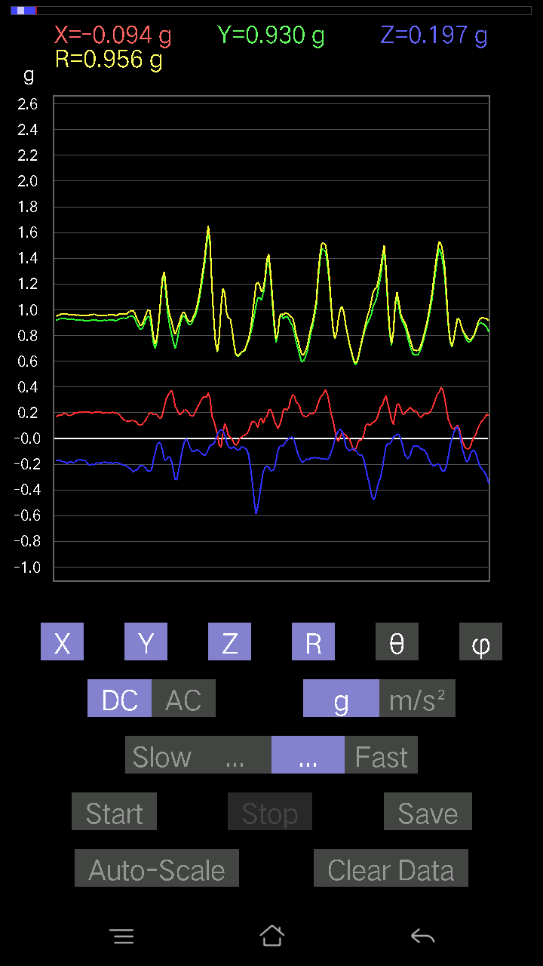
0.93522733 | 0.26358184 | 0.9747171 | 74.31081 | 94.71414
0.9283937 | 0.268463 | 0.9689125 | 73.91419 | 94.269684
0.91375035 | 0.28115395 | 0.95787966 | 72.931366 | 93.728745
0.9196077 | 0.27334413 | 0.9610998 | 73.476555 | 93.58391
0.9176552 | 0.24308102 | 0.9514888 | 75.1983 | 94.016304
0.92448884 | 0.23429495 | 0.9557601 | 75.8099 | 93.86627
0.9235126 | 0.24991462 | 0.95870507 | 74.889626 | 93.81006
0.9127741 | 0.27724904 | 0.95612496 | 73.143745 | 94.03771
0.91375035 | 0.27724904 | 0.95719045 | 73.16307 | 94.15521
0.91375035 | 0.25479576 | 0.9506651 | 74.45361 | 93.911575
0.90789294 | 0.2323425 | 0.9393636 | 75.67982 | 94.05935
0.92156017 | 0.18548352 | 0.94296443 | 78.6558 | 94.60287
0.93229866 | 0.18255483 | 0.95146525 | 78.93824 | 93.23631
0.94303715 | 0.20500809 | 0.9658931 | 77.745926 | 92.43035
0.9586569 | 0.22746135 | 0.98533094 | 76.653015 | 90.64178
0.9469421 | 0.042954076 | 0.94997257 | 87.408424 | 93.77487
1.0123495 | 0.19231711 | 1.0312703 | 79.252235 | 92.3193
0.9606094 | 0.21672285 | 0.98601115 | 77.30286 | 92.96694
0.9469421 | 0.24112856 | 0.97772384 | 75.72227 | 92.007484
0.9176552 | 0.26358184 | 0.9555187 | 73.9872 | 92.3758
0.86982006 | 0.5535218 | 1.0317087 | 57.553642 | 92.506294
0.9283937 | 0.22355644 | 0.95585275 | 76.47429 | 92.5889
0.92448884 | 0.28408262 | 0.9683828 | 72.94091 | 93.022316
0.93229866 | 0.20598431 | 0.9586399 | 77.59202 | 95.26475
0.97330034 | 0.19426957 | 0.99465185 | 78.73692 | 93.84459
0.98208636 | 0.2323425 | 1.0101947 | 76.703064 | 92.618065
0.9342511 | 0.2362474 | 0.9656819 | 75.83926 | 93.826
0.9440134 | 0.21672285 | 0.972203 | 77.119446 | 95.08222
0.95572823 | 0.16400647 | 0.9730776 | 80.29682 | 94.84597
0.95670444 | 0.15912533 | 0.9716147 | 80.573975 | 93.50353
0.9440134 | 0.17962612 | 0.96291715 | 79.248856 | 93.72755
0.9225364 | 0.20305562 | 0.94681376 | 77.61603 | 93.995125
0.91863143 | 0.19134088 | 0.93937474 | 78.2472 | 92.737885
0.9693954 | 0.12593354 | 0.9775431 | 82.59821 | 90.1154
0.9947773 | 0.08102701 | 0.99811953 | 85.34362 | 89.437744
0.9459658 | 0.16986385 | 0.9618114 | 79.827736 | 92.24574
0.9117979 | 0.21184167 | 0.93886685 | 76.95975 | 94.53003
0.84150934 | 0.2518671 | 0.8921729 | 73.60203 | 100.515274
0.8542004 | 0.18255483 | 0.88839525 | 78.141914 | 100.742165
0.9576807 | 0.17767367 | 0.9759625 | 79.510826 | 93.6745
1.0250404 | 0.14252943 | 1.0359625 | 82.09207 | 92.61742
1.0152781 | 0.13276714 | 1.0272007 | 82.57366 | 94.617714
0.9830626 | 0.20988922 | 1.0096695 | 78.00191 | 95.50208
0.9830626 | 0.20012695 | 1.0068977 | 78.535774 | 94.99429
1.0064921 | 0.13667206 | 1.0161237 | 82.270096 | 91.61119
1.0260166 | 0.10348027 | 1.0315341 | 84.242584 | 88.582886
0.9576807 | 0.17962612 | 0.9744634 | 79.37773 | 90.759224
...

12
...
File |  | 2016-12-02 | 14-07-23
0.24503349 | 0.959997 | 75.21195 | 92.35082
0.23136626 | 0.95468104 | 75.97476 | 93.50476
0.18548352 | 0.9658773 | 78.92835 | 93.660995
0.21477039 | 0.96191496 | 77.09861 | 93.163284
0.23331872 | 0.9537797 | 75.8403 | 93.025505
0.26358184 | 0.96617573 | 74.16849 | 92.82935
0.19622204 | 0.95381767 | 78.12819 | 93.83799
0.1786499 | 0.9852637 | 79.55323 | 93.17663
0.18060236 | 0.9777108 | 79.35522 | 93.90313
0.19915071 | 0.9781313 | 78.25225 | 93.623695
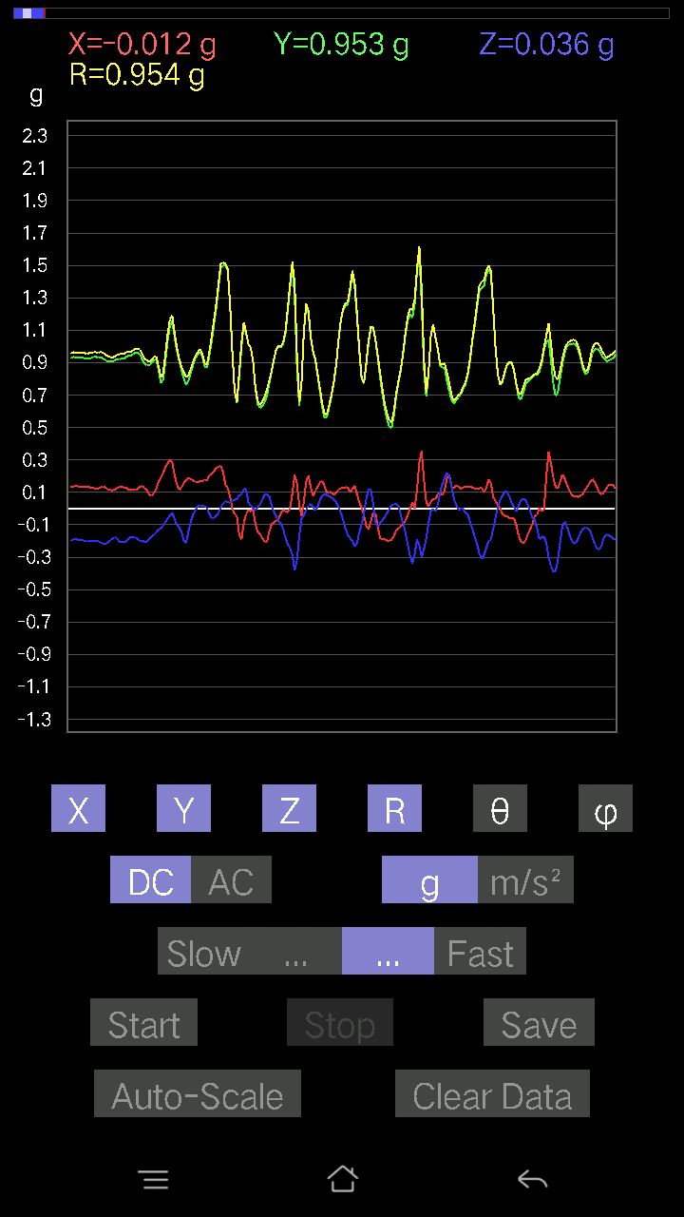
0.18841219 | 0.97770053 | 78.88905 | 92.21604
0.21769907 | 0.96759903 | 76.99777 | 95.0494
0.31239328 | 0.97092783 | 71.231384 | 96.83069
0.3397277 | 0.9418187 | 68.85592 | 98.88656
0.32020313 | 0.9818835 | 70.967094 | 95.12896
0.29189247 | 0.9961909 | 72.96184 | 94.232056
0.20500809 | 0.9621428 | 77.69741 | 95.183655
0.20110317 | 0.9365023 | 77.59981 | 94.53003
0.18841219 | 0.9553696 | 78.625916 | 94.06435
0.2323425 | 0.9621542 | 76.026 | 93.11669
0.22355644 | 0.9564259 | 76.48255 | 94.21418
0.16986385 | 0.9695566 | 79.90985 | 94.34028
0.15326795 | 0.9628478 | 80.84058 | 95.00797
0.15912533 | 0.95691705 | 80.42784 | 94.926094
0.18938842 | 0.9441815 | 78.42884 | 94.176094
0.20500809 | 0.9413991 | 77.421936 | 93.89912
0.18255483 | 0.9590658 | 79.02699 | 93.15017
0.14741059 | 0.96525854 | 81.21564 | 93.81407
0.1415532 | 0.98002553 | 81.69525 | 93.00066
0.16303024 | 0.9705244 | 80.32951 | 94.50632
0.19134088 | 0.961072 | 78.51619 | 94.33949
0.16595893 | 0.95440453 | 79.986084 | 92.26207
0.14741059 | 0.94557285 | 81.031265 | 92.27625
0.21379416 | 0.9458898 | 76.936874 | 92.42891
0.24600971 | 0.93874556 | 74.80754 | 92.65583
0.24796216 | 0.95266193 | 74.91312 | 92.920105
0.24405725 | 0.97542274 | 75.51026 | 94.03076
0.19622204 | 0.9814909 | 78.467575 | 94.54145
-0.067359805 | 1.0659255 | 93.623146 | 92.05104
0.22355644 | 0.9875626 | 76.916435 | 93.95719
0.19817449 | 0.94224966 | 77.858864 | 93.3415
0.28994003 | 0.9556748 | 72.338806 | 93.56484
0.28505886 | 0.9588318 | 72.704605 | 95.139114
0.25479576 | 0.9568329 | 74.556335 | 95.10109
0.22746135 | 0.9513996 | 76.16771 | 94.78878
0.18450728 | 0.97209376 | 79.058655 | 93.34237
0.17767367 | 0.9582313 | 79.314476 | 94.1618
0.16986385 | 0.9590166 | 79.797775 | 94.38962
0.14252943 | 0.9961478 | 81.77385 | 93.519714
0.08981306 | 1.0263337 | 84.979706 | 92.846016
0.13276714 | 1.0144503 | 82.47979 | 92.78186
0.13081467 | 0.9588765 | 82.15897 | 93.712234
0.15326795 | 0.9581075 | 80.794876 | 93.491486
0.17084008 | 0.96250725 | 79.77612 | 92.95382
0.16791138 | 0.9497238 | 79.81657 | 93.23294
0.093717985 | 0.9324111 | 84.23138 | 91.38689
0.058573738 | 0.94460887 | 86.44489 | 92.25504
...

13
...
Data | File |  | 2016-12-02 | 14-08-56
0.92448884 | 0.26651052 | 0.9687783 | 74.03205 | 96.98349
0.9235126 | 0.25870067 | 0.9654983 | 74.45797 | 96.87143
0.91375035 | 0.26358184 | 0.95672685 | 74.007965 | 96.52153
0.9030118 | 0.24991462 | 0.94354284 | 74.64087 | 97.02589
0.8932495 | 0.25381953 | 0.9371117 | 74.284966 | 98.02488
0.88641596 | 0.26455808 | 0.93398595 | 73.54531 | 98.2714
0.895202 | 0.28701133 | 0.9473572 | 72.364525 | 97.455444
0.9088692 | 0.27139166 | 0.95480436 | 73.486694 | 96.85976
0.91570276 | 0.2596769 | 0.9591125 | 74.291275 | 97.35044
0.9371798 | 0.23136626 | 0.9753588 | 76.277985 | 98.47239
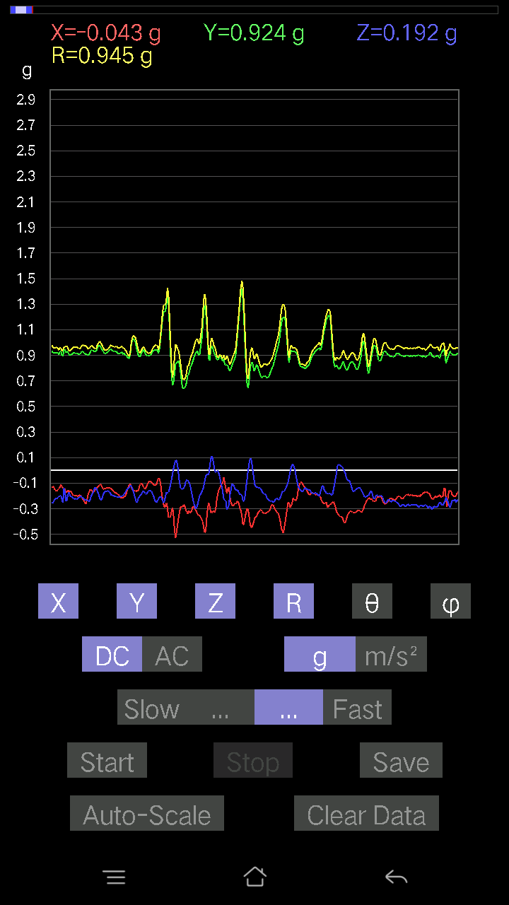
0.9449896 | 0.22746135 | 0.9832409 | 76.62412 | 98.92399
0.9479183 | 0.23136626 | 0.98595977 | 76.42836 | 98.49325
0.9615856 | 0.22355644 | 0.99450624 | 77.00939 | 97.11786
0.95572823 | 0.26065314 | 0.9946097 | 74.80733 | 95.31049
0.95572823 | 0.15033926 | 0.9733145 | 81.114456 | 96.353035
0.93327487 | 0.27529657 | 0.97664666 | 73.627594 | 95.14039
0.9088692 | 0.29091623 | 0.9589799 | 72.34047 | 95.94813
0.8942258 | 0.28798756 | 0.94811994 | 72.31727 | 98.138855
0.895202 | 0.30946457 | 0.95727307 | 71.13877 | 98.8025
0.895202 | 0.29482117 | 0.9542617 | 72.00391 | 99.47246
0.99770606 | 0.08688438 | 1.0086548 | 85.05848 | 96.86267
1.0621371 | 0.06931226 | 1.0669115 | 86.27514 | 93.94338
0.9791577 | 0.18548352 | 0.999186 | 79.301865 | 94.21956
0.89813066 | 0.22453266 | 0.9296596 | 76.02365 | 95.40212
0.882511 | 0.29091623 | 0.9325006 | 71.82175 | 95.05725
0.88641596 | 0.29384494 | 0.9396751 | 71.77743 | 96.72082
0.90496427 | 0.25479576 | 0.9500318 | 74.442986 | 98.58818
0.93620354 | 0.20793676 | 0.9680308 | 77.59598 | 98.01297
0.9196077 | 0.20500809 | 0.951627 | 77.5593 | 98.27481
0.9449896 | 0.1786499 | 0.967597 | 79.36029 | 96.42463
0.9479183 | 0.13862452 | 0.9636789 | 81.72935 | 96.288376
0.9440134 | 0.17084008 | 0.96354246 | 79.787224 | 95.43474
0.92448884 | 0.19719826 | 0.95072323 | 78.02885 | 96.267136
0.9449896 | 0.1952458 | 0.968427 | 78.368805 | 94.959526
0.99184865 | 0.19426957 | 1.0117807 | 78.93003 | 92.70488
1.019183 | 0.16107778 | 1.0360807 | 81.05604 | 95.2538
1.0348027 | 0.12983845 | 1.0480376 | 82.8835 | 95.710594
0.99087244 | 0.17084008 | 1.0126365 | 80.28728 | 96.90954
0.9518233 | 0.1786499 | 0.9761016 | 79.454056 | 97.305756
0.95377576 | 0.18450728 | 0.97507936 | 79.09257 | 95.03047
0.9693954 | 0.15619664 | 0.9826748 | 80.85402 | 92.30674
0.9684192 | 0.13960074 | 0.97928816 | 81.80438 | 92.424385
0.9479183 | 0.123004854 | 0.9575412 | 82.619446 | 93.41834
0.90691674 | 0.11519502 | 0.91761684 | 82.78822 | 94.98305
0.895202 | 0.08981306 | 0.90360475 | 84.295715 | 95.35776
0.873725 | 0.09567044 | 0.88862854 | 83.81951 | 98.515114
0.93522733 | 0.1044565 | 0.9542392 | 83.715485 | 99.598045
0.9664667 | 0.09664667 | 0.9819743 | 84.35176 | 98.502464
0.94206095 | 0.10836142 | 0.96169305 | 83.5303 | 99.645164
0.9449896 | 0.08590815 | 0.96449095 | 84.88984 | 100.36213
0.9303462 | -0.002928687 | 0.99144644 | 90.16925 | 110.21929
0.844438 | 0.093717985 | 0.8613338 | 83.75353 | 99.51602
0.7985553 | 0.13081467 | 0.83151335 | 80.948555 | 103.47454
0.9117979 | 0.016595893 | 0.9151224 | 88.96088 | 94.773796
0.9693954 | 0.01952458 | 0.9707237 | 88.84751 | 92.76743
0.9469421 | 0.0605262 | 0.9506806 | 86.34973 | 93.53956
0.93522733 | 0.08102701 | 0.9445246 | 85.07877 | 96.37301
...

14
...
Data | File |  | 2016-12-02 | 14-09-29
0.91472656 | 0.27920148 | 0.9569982 | 73.037415 | 92.13919
0.9127741 | 0.2762728 | 0.9543895 | 73.173416 | 92.32732
0.90496427 | 0.2860351 | 0.94985574 | 72.4742 | 92.40908
0.91375035 | 0.27432033 | 0.9555492 | 73.3167 | 93.36287
0.91863143 | 0.22648512 | 0.94943774 | 76.19923 | 94.919815
0.9586569 | 0.174745 | 0.9790433 | 79.718445 | 95.641266
0.9928249 | 0.30067852 | 1.0373939 | 73.15161 | 90.50703
0.9440134 | 0.34949 | 1.0066606 | 69.68522 | 90.474
0.88836837 | 0.35144243 | 0.95593506 | 68.429695 | 92.139725
0.89813066 | 0.28701133 | 0.94300485 | 72.28044 | 90.996346
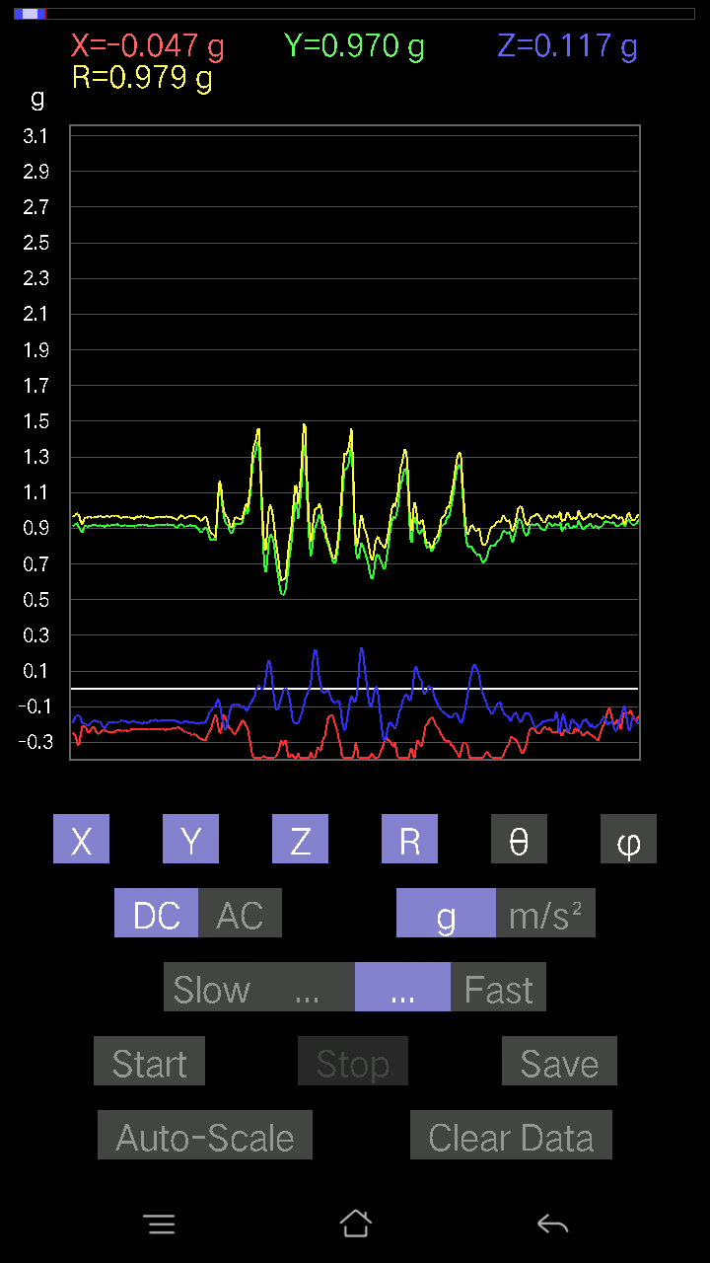
0.9059405 | 0.27529657 | 0.9469441 | 73.09887 | 90.86431
0.88055855 | 0.27920148 | 0.9245069 | 72.4222 | 92.41236
0.8776299 | 0.2762728 | 0.92087483 | 72.54172 | 92.484024
0.88739216 | 0.28798756 | 0.9341787 | 72.044464 | 93.08556
0.9010593 | 0.28798756 | 0.9475975 | 72.3072 | 93.53382
0.9176552 | 0.27529657 | 0.95925367 | 73.32214 | 92.98399
0.94303715 | 0.29482117 | 0.98834926 | 72.644684 | 91.48248
0.9342511 | 0.27724904 | 0.97522736 | 73.48348 | 92.27387
0.93620354 | 0.26553428 | 0.97455865 | 74.18893 | 93.22285
0.967443 | 0.25089085 | 1.0003685 | 75.475235 | 92.54224
0.94206095 | 0.25479576 | 0.9782316 | 74.902306 | 94.089836
0.97037166 | 0.22746135 | 0.99851054 | 76.83238 | 93.56916
0.95670444 | 0.2489384 | 0.99023795 | 75.44007 | 93.44528
0.938156 | 0.26162934 | 0.97589403 | 74.44924 | 93.750755
0.9283937 | 0.24112856 | 0.96086615 | 75.46632 | 93.49006
0.91472656 | 0.25674823 | 0.95187986 | 74.351944 | 93.66389
0.91570276 | 0.2801777 | 0.957806 | 72.9911 | 91.22147
0.9108216 | 0.27334413 | 0.9509783 | 73.29556 | 90.42986
0.9020356 | 0.24405725 | 0.93484056 | 74.86654 | 91.67375
0.8854397 | 0.26455808 | 0.9247862 | 73.37689 | 92.27295
0.89715445 | 0.24698594 | 0.9314775 | 74.62383 | 92.67892
0.9030118 | 0.23722363 | 0.93530834 | 75.307495 | 93.5262
0.9410847 | 0.20012695 | 0.9634158 | 78.01085 | 93.02838
0.9654905 | 0.1581491 | 0.98220766 | 80.734245 | 95.14219
0.98403883 | 0.14057697 | 0.9995026 | 81.91472 | 96.0593
1.0064921 | 0.16791138 | 1.0234615 | 80.557236 | 94.49219
1.0123495 | 0.20403185 | 1.0342034 | 78.62182 | 93.14617
0.99965847 | 0.18743597 | 1.017529 | 79.38509 | 91.73401
0.9723241 | 0.16400647 | 0.9863373 | 80.4285 | 91.380356
0.93327487 | 0.16010156 | 0.94742304 | 80.27111 | 91.91714
0.916679 | 0.20793676 | 0.9411835 | 77.23627 | 92.98717
0.916679 | 0.22843759 | 0.94704324 | 76.041954 | 94.14198
0.91863143 | 0.18353106 | 0.94080615 | 78.75069 | 95.40298
0.99184865 | 0.18645974 | 1.0106503 | 79.36832 | 93.09862
1.0279691 | 0.1581491 | 1.040373 | 81.25646 | 91.41442
0.9459658 | 0.19622204 | 0.96887314 | 78.315285 | 94.425835
0.8912971 | 0.21379416 | 0.9194222 | 76.55387 | 94.63378
0.916679 | 0.16498269 | 0.93289804 | 79.81368 | 93.291336
0.9606094 | 0.12983845 | 0.9694407 | 82.30318 | 90.81513
0.9947773 | 0.123004854 | 1.0023652 | 82.9512 | 89.718864
0.9664667 | 0.16400647 | 0.9803148 | 80.36914 | 89.53701
0.8766537 | 0.2255089 | 0.9091696 | 75.63854 | 95.53366
0.8834872 | 0.25674823 | 0.92190033 | 73.82937 | 93.79307
0.91863143 | 0.15619664 | 0.9366152 | 80.40009 | 95.88537
0.9850151 | 0.13471961 | 0.99702287 | 82.23433 | 94.36397
1.0308977 | 0.14252943 | 1.0418942 | 82.137375 | 92.76498
0.98013395 | 0.18353106 | 0.9980523 | 79.40362 | 92.4524
...

15
...
File |  | 2016-12-02 | 14-10-03
0.4041588 | 0.99466234 | 66.02565 | 95.30029
0.42563587 | 0.9699832 | 63.972183 | 97.59464
0.1181237 | 0.91328454 | 82.56858 | 96.87221
0.0976229 | 0.99783456 | 84.3855 | 95.81148
0.082003236 | 1.0418124 | 85.48546 | 92.31644
0.10933765 | 1.000431 | 83.72558 | 93.26407
0.11226633 | 0.9563387 | 83.2584 | 93.53593
0.11031388 | 0.9479163 | 83.317055 | 94.04329
0.12690976 | 0.96659 | 82.45549 | 91.92665
0.1415532 | 0.9603557 | 81.52391 | 92.591866
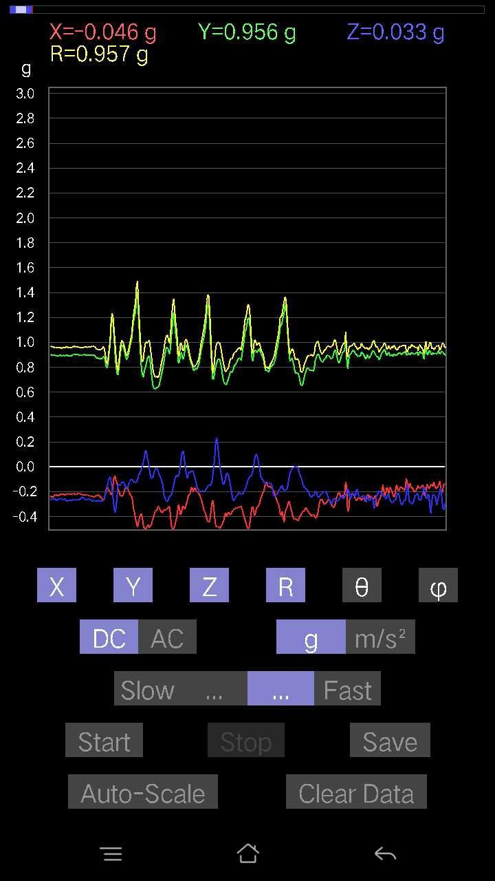
0.15424417 | 0.9601434 | 80.75555 | 94.3127
0.16498269 | 0.9795626 | 80.30375 | 94.52311
0.174745 | 0.99994206 | 79.93559 | 97.005226
0.16303024 | 0.97789544 | 80.4031 | 98.031654
0.11519502 | 0.962786 | 83.128235 | 95.273895
0.16400647 | 0.9717643 | 80.28358 | 90.99279
0.13471961 | 0.9402524 | 81.7623 | 91.202255
0.16205402 | 0.89397216 | 79.556015 | 92.03632
0.22648512 | 0.89678264 | 75.37137 | 94.581635
0.21769907 | 0.9950456 | 77.362434 | 91.95905
0.18841219 | 1.0347166 | 79.508446 | 91.099594
0.12398108 | 1.0315087 | 83.0967 | 92.45871
0.12983845 | 1.0254095 | 82.72562 | 94.29327
0.12495731 | 1.0052205 | 82.859184 | 94.88473
0.123004854 | 0.9821257 | 82.80518 | 93.73389
0.12983845 | 0.96962744 | 82.304665 | 91.39718
0.16888762 | 0.95272595 | 79.789345 | 91.78991
0.16205402 | 0.947005 | 80.1469 | 92.27863
0.15229172 | 0.93257207 | 80.60134 | 94.137596
0.13960074 | 0.96629375 | 81.6934 | 94.802505
0.13081467 | 0.91189086 | 81.75222 | 97.27108
0.13471961 | 0.94243723 | 81.781525 | 91.79928
0.10055158 | 0.96491635 | 84.018486 | 92.62373
0.123004854 | 0.984986 | 82.82619 | 90.68683
0.13569583 | 0.99984676 | 82.199936 | 93.333305
0.13667206 | 0.9830001 | 82.00795 | 92.75911
0.114218794 | 0.934117 | 82.97661 | 92.172455
0.10836142 | 0.9094902 | 83.15723 | 92.66444
0.10152781 | 0.9163671 | 83.63892 | 92.5189
0.107385196 | 0.9395838 | 83.43732 | 92.81752
0.11324256 | 0.9338567 | 83.03498 | 93.26016
0.11031388 | 0.92611617 | 83.159 | 93.65222
0.090789296 | 0.90964484 | 84.27192 | 92.84389
0.07809832 | 0.91366065 | 85.09646 | 91.84365
0.07516963 | 0.91445196 | 85.28486 | 91.964355
0.0741934 | 0.9231927 | 85.39039 | 92.0671
0.077122085 | 0.9273934 | 85.229774 | 92.17934
0.07614586 | 0.938909 | 85.34818 | 92.03261
0.07809832 | 0.956282 | 85.31551 | 91.40863
0.06833603 | 0.9660693 | 85.943726 | 90.87069
0.06931226 | 0.9625786 | 85.870735 | 91.748055
0.077122085 | 0.97081894 | 85.44361 | 91.4451
0.06345488 | 0.99147725 | 86.33054 | 91.86584
0.058573738 | 1.0043043 | 86.656456 | 90.22316
0.07516963 | 1.0024884 | 85.69975 | 89.77619
0.07614586 | 0.99390185 | 85.60609 | 90.84667
...

16
...
File |  | 2016-12-02 | 14-10-34
0.2020794 | 0.985783 | 78.17086 | 91.50744
0.35534734 | 0.9660904 | 68.41877 | 91.30761
0.39537275 | 0.94709814 | 65.32586 | 92.0802
0.32117933 | 0.9308322 | 69.81544 | 92.62582
0.26358184 | 0.9570555 | 74.0136 | 91.76333
0.2323425 | 0.9694676 | 76.13353 | 90.95088
0.27822527 | 0.9639123 | 73.22334 | 91.576
0.2626056 | 0.9708988 | 74.30736 | 91.79552
0.27334413 | 0.99373204 | 74.03392 | 92.10809
0.25870067 | 0.9575895 | 74.32632 | 93.15627
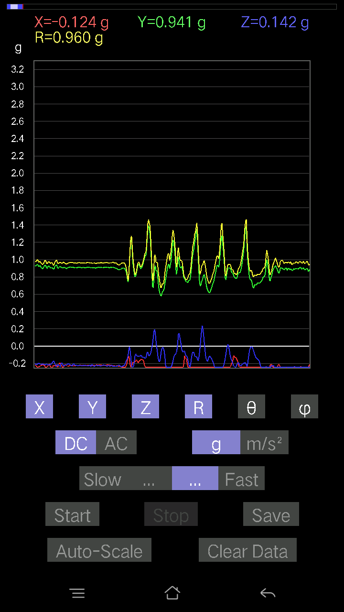
0.27139166 | 0.9676069 | 73.71131 | 91.62626
0.26065314 | 0.96573526 | 74.341606 | 91.925186
0.24991462 | 0.96274644 | 74.95456 | 91.62455
0.23429495 | 0.9599687 | 75.873405 | 92.04327
0.24112856 | 0.9629468 | 75.498405 | 92.580765
0.24112856 | 0.9597373 | 75.448845 | 91.98738
0.24405725 | 0.96961945 | 75.42162 | 91.31143
0.24112856 | 0.9717014 | 75.63188 | 91.24795
0.19231711 | 0.9817477 | 78.703125 | 92.78987
0.18450728 | 0.97756994 | 79.1207 | 93.03116
0.119099945 | 0.96082217 | 82.87952 | 92.05379
0.255772 | 0.96716166 | 74.66535 | 91.739334
0.24015234 | 0.9507869 | 75.369606 | 91.58101
0.21477039 | 0.95725906 | 77.03477 | 91.979065
0.1952458 | 0.96494937 | 78.326294 | 92.60525
0.22062775 | 0.9765809 | 76.9431 | 93.17657
0.24600971 | 0.978063 | 75.43208 | 92.127655
0.23819989 | 0.9750807 | 75.860275 | 91.95251
0.16107778 | 0.9789679 | 80.52958 | 93.76784
0.14643435 | 0.9882162 | 81.4785 | 92.69092
0.14741059 | 0.96614426 | 81.223755 | 92.69566
0.16595893 | 0.95286596 | 79.96975 | 92.80287
0.26162934 | 0.9890568 | 74.66132 | 90.586426
0.26162934 | 0.9821081 | 74.5501 | 92.127655
0.24503349 | 0.97203285 | 75.39916 | 94.166115
0.19036464 | 0.99775475 | 79.00093 | 94.63085
0.18548352 | 1.0181376 | 79.50328 | 93.074455
0.22355644 | 0.9666077 | 76.627594 | 91.427635
0.062478654 | 0.88960606 | 85.972694 | 92.71132
0.114218794 | 0.97275674 | 83.25691 | 91.91108
0.22160399 | 0.9530325 | 76.55422 | 93.19991
0.2596769 | 0.9578179 | 74.26949 | 94.85937
0.23429495 | 0.96603715 | 75.96397 | 95.859055
0.19915071 | 0.97918886 | 78.26512 | 96.372406
0.18255483 | 0.9756524 | 79.2158 | 96.72688
0.18841219 | 0.9819457 | 78.93769 | 94.59012
0.1581491 | 0.99354076 | 80.84086 | 92.22452
0.18938842 | 0.9728165 | 78.77394 | 93.1083
0.20696054 | 0.9415747 | 77.30256 | 94.510796
0.20988922 | 0.95064604 | 77.244804 | 95.74061
0.19231711 | 0.9640284 | 78.492676 | 94.98
0.20012695 | 0.973056 | 78.13136 | 93.11466
0.21965154 | 0.9660869 | 76.858185 | 94.284706
0.1718163 | 0.96105814 | 79.70139 | 96.16382
0.14057697 | 0.9673977 | 81.64451 | 94.797615
0.1581491 | 0.949243 | 80.409485 | 96.2874
0.19426957 | 0.9570858 | 78.288704 | 96.39951
...

17
...
File |  | 2016-12-02 | 14-11-24
0.15424417 | 0.93941337 | 80.5497 | 93.9265
0.17767367 | 0.948463 | 79.20311 | 94.80851
0.1513155 | 0.9645226 | 80.97408 | 96.23644
0.107385196 | 0.986089 | 83.748085 | 95.77305
0.107385196 | 0.99578327 | 83.80919 | 94.46804
0.10640897 | 0.99646825 | 83.86992 | 93.50238
0.12886222 | 0.9907301 | 82.52648 | 93.81786
0.12495731 | 0.96417826 | 82.553535 | 95.978386
0.099575356 | 0.961018 | 84.05266 | 95.861984
-0.18450728 | 1.00853 | 100.54144 | 96.04739
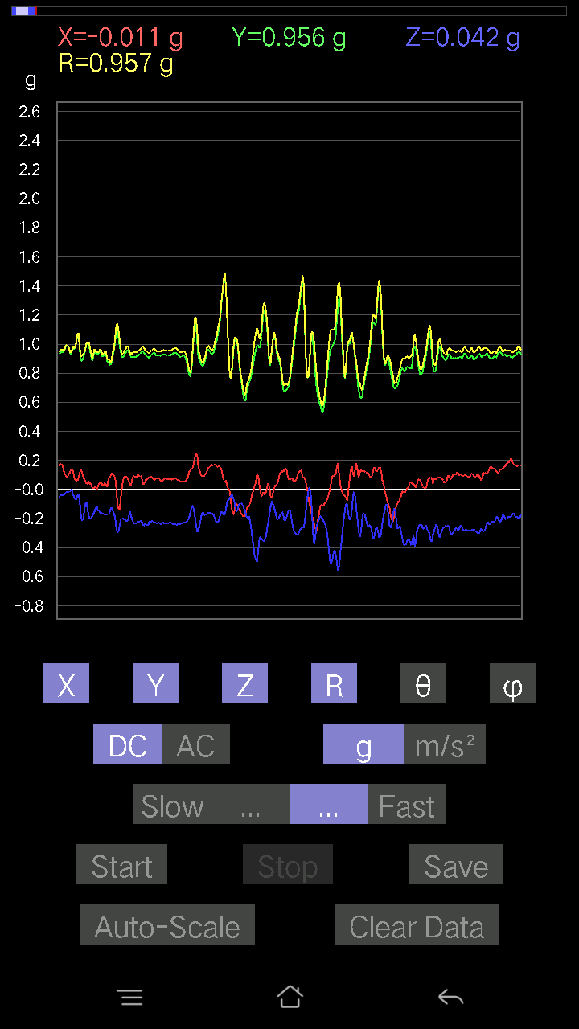
0.20012695 | 1.0235485 | 78.72474 | 91.22599
0.19622204 | 1.0068977 | 78.76241 | 92.039345
0.18353106 | 0.94766945 | 78.83321 | 93.0697
0.18743597 | 0.96936846 | 78.851135 | 92.882965
0.1581491 | 0.9755435 | 80.67039 | 93.72131
0.117147475 | 0.96949375 | 83.059784 | 96.23108
0.12886222 | 0.96246964 | 82.30573 | 97.3505
0.19915071 | 0.9852492 | 78.33832 | 94.75883
0.49104318 | 1.0468531 | 62.026314 | 94.60287
0.19915071 | 0.89570856 | 77.153564 | 97.45074
-0.0741934 | 0.94835204 | 94.48707 | 98.431305
0.0302631 | 0.9979921 | 88.2623 | 92.299576
0.09859913 | 1.0174563 | 84.43888 | 88.56376
0.107385196 | 0.947506 | 83.492424 | 91.48555
0.073217176 | 0.91097283 | 85.39002 | 93.883736
0.14057697 | 0.9441183 | 81.43695 | 91.49798
0.16303024 | 0.96101695 | 80.23291 | 91.00405
0.13667206 | 0.94206697 | 81.65827 | 92.34098
0.088836834 | 0.9566741 | 84.67184 | 94.29062
0.127886 | 0.96929365 | 82.41844 | 95.30511
0.12886222 | 0.94872177 | 82.19354 | 97.7598
0.13667206 | 0.9752704 | 81.94419 | 94.58085
0.1181237 | 1.014618 | 83.31436 | 91.276726
0.032215554 | 1.0743568 | 88.28168 | 89.6354
0.00976229 | 1.0817097 | 89.4829 | 89.844864
0.07224095 | 0.9771955 | 85.76044 | 93.848434
0.107385196 | 0.9367246 | 83.4172 | 97.05046
0.13471961 | 0.9100638 | 81.48704 | 99.61557
0.071264714 | 0.91860086 | 85.550545 | 95.996216
0.008786061 | 0.9640532 | 89.47782 | 91.79897
0.029286869 | 0.9431831 | 88.22062 | 93.38388
0.014643434 | 0.9848467 | 89.148056 | 92.158936
0.023429496 | 0.9738798 | 88.62145 | 92.93126
0.029286869 | 0.9498893 | 88.233185 | 93.24192
0.004881145 | 0.94357514 | 89.703606 | 94.15319
0.017572122 | 0.93220866 | 88.919914 | 95.710594
0.01952458 | 0.9265951 | 88.79261 | 97.87394
0.008786061 | 0.96231323 | 89.476875 | 97.168274
-0.010738519 | 0.9645904 | 90.63787 | 95.168175
-0.013667206 | 0.9404652 | 90.83267 | 93.92882
0.04881145 | 0.8854822 | 86.84002 | 110.556046
0.023429496 | 0.93955433 | 88.571075 | 90.95286
0.025381953 | 0.90152305 | 88.38665 | 95.40797
-0.082003236 | 0.99235296 | 94.74005 | 90.50903
-0.01854835 | 0.9793455 | 91.08522 | 90.28562
0.004881145 | 0.91775596 | 89.69527 | 89.207664
...

18
...
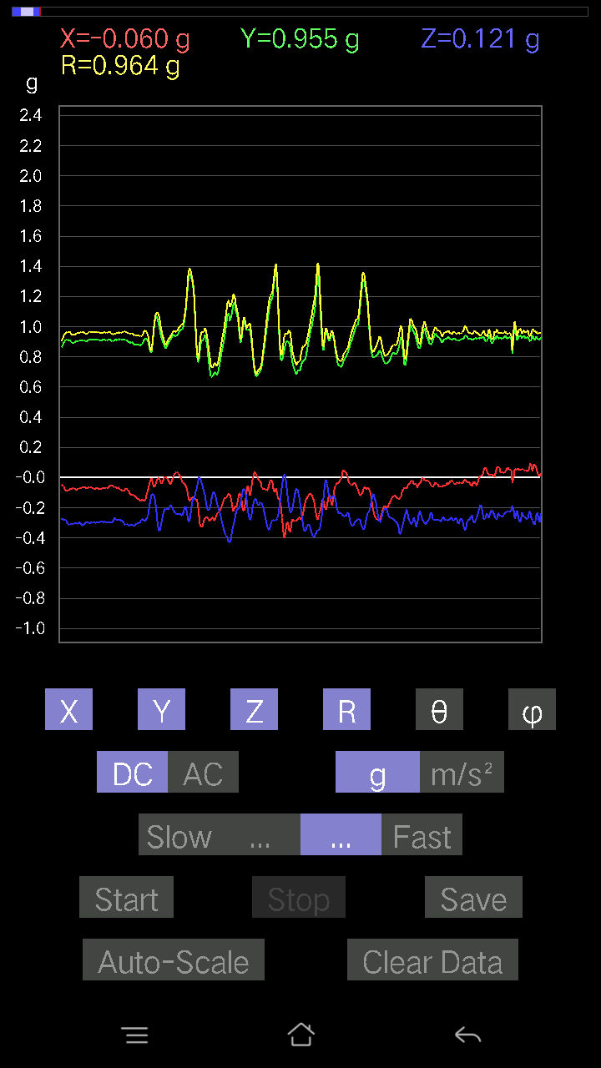
...

19
...
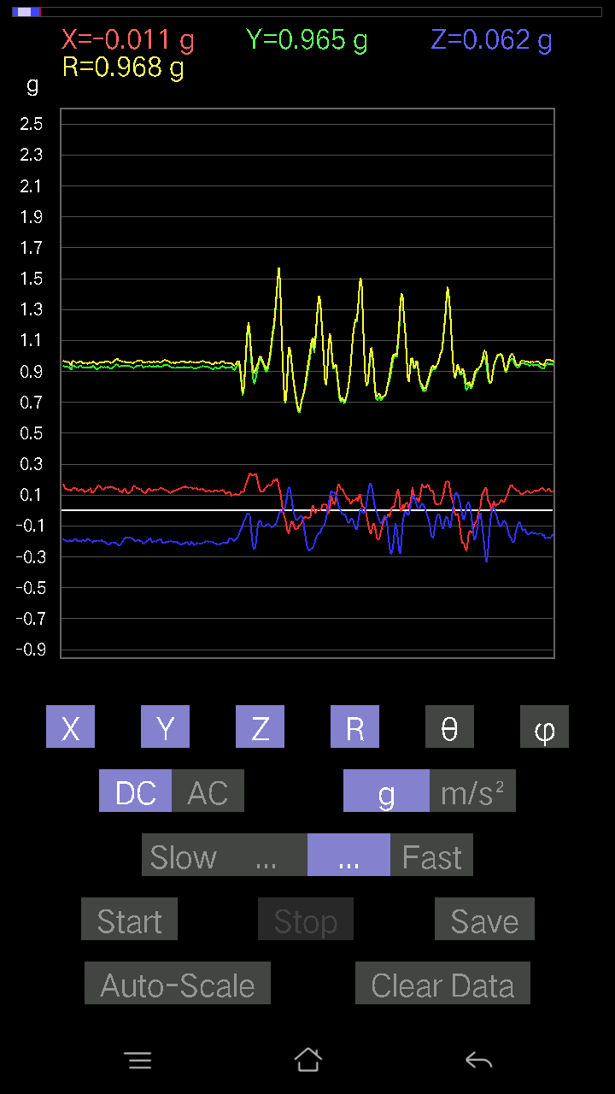
...

20
...



