第一次
 | Keuwl | Accelerometer | Data | File |  | 2016-12-02 | 09-50-01
Number | Time(s) | X(g) | Y(g) | Z(g) | R(g) | Theta(deg) | Phi(deg)
1 | 5.945 | -0.045882765 | 0.9498709 | 0.099575356 | 0.95617735 | 84.02244 | 92.76548
2 | 5.9470005 | -0.031239327 | 0.9401085 | 0.0976229 | 0.9456797 | 84.074776 | 91.903206
3 | 5.9800005 | -0.042954076 | 0.95670444 | 0.08786061 | 0.9616901 | 84.75811 | 92.57074
4 | 5.9880004 | -0.0302631 | 0.9664667 | 0.07516963 | 0.9698579 | 85.55479 | 91.793526
5 | 6.011 | -0.006833603 | 0.9967298 | 0.06638357 | 0.99896127 | 86.189735 | 90.392815
6 | 6.044 | -0.017572122 | 1.0084445 | 0.07907455 | 1.0116926 | 85.51715 | 90.998276
7 | 6.0520005 | -0.041001618 | 0.98794377 | 0.073217176 | 0.99150133 | 85.76515 | 92.376526
8 | 6.077 | -0.033191785 | 0.9654905 | 0.04490653 | 0.967104 | 87.33857 | 91.96895
9 | 6.124 | -0.025381953 | 0.9684192 | 0.04783522 | 0.9699321 | 87.173134 | 91.50136
10 | 6.124 | -0.0078098318 | 0.97037166 | 0.04002539 | 0.9712282 | 87.63811 | 90.46112
11 | 6.1270003 | -9.76E-04 | 0.9615856 | 0.06833603 | 0.9640112 | 85.93505 | 90.05817
12 | 6.1480002 | 9.76E-04 | 0.95377576 | 0.065407336 | 0.95601636 | 86.07696 | 89.94135
13 | 6.168 | -0.0078098318 | 0.9596331 | 0.05662128 | 0.96133375 | 86.6234 | 90.466286
14 | 6.1870003 | -0.0156196635 | 0.9518233 | 0.09274176 | 0.95645833 | 84.435646 | 90.940155
15 | 6.2100005 | -0.017572122 | 0.9488945 | 0.077122085 | 0.9521856 | 85.35425 | 91.06091
16 | 6.228 | -0.017572122 | 0.97330034 | 0.07809832 | 0.97658676 | 85.41312 | 91.03432
17 | 6.248 | -0.021477038 | 0.98403883 | 0.06931226 | 0.98671067 | 85.97189 | 91.250305
18 | 6.267 | -0.022453265 | 0.98208636 | 0.05759751 | 0.9840301 | 86.64443 | 91.309715
19 | 6.288 | -0.01854835 | 0.98013395 | 0.042954076 | 0.98125005 | 87.49108 | 91.08415
20 | 6.307 | -0.014643434 | 0.9723241 | 0.051740136 | 0.97380984 | 86.954346 | 90.86282
21 | 6.3320003 | -0.008786061 | 0.97427654 | 0.050763905 | 0.9756377 | 87.01746 | 90.51668
22 | 6.347 | -0.012690976 | 0.9752528 | 0.052716363 | 0.97675896 | 86.906204 | 90.74555
23 | 6.367 | -0.01952458 | 0.97134787 | 0.053692598 | 0.97302663 | 86.836754 | 91.15152
24 | 6.387 | -0.024405725 | 0.9664667 | 0.046858992 | 0.9679098 | 87.22508 | 91.446556
25 | 6.4070005 | -0.0302631 | 0.95279956 | 0.034168016 | 0.95389223 | 87.94725 | 91.81924
26 | 6.4290004 | -0.0156196635 | 0.96256185 | 0.034168016 | 0.96329474 | 87.96729 | 90.929665
27 | 6.4550004 | -0.0039049159 | 0.9772052 | 0.022453265 | 0.97747093 | 88.683754 | 90.22895
28 | 6.4680004 | 0.004881145 | 0.9791577 | 0.016595893 | 0.9793105 | 89.02899 | 89.71438
29 | 6.4880004 | -0.011714748 | 0.9693954 | 0.01952458 | 0.9696628 | 88.846245 | 90.69236
30 | 6.512 | -0.02831064 | 0.95279956 | 0.035144243 | 0.95386773 | 87.88852 | 91.701935
31 | 6.5270004 | -0.017572122 | 0.95377576 | 0.034168016 | 0.9545494 | 87.94866 | 91.05548
32 | 6.5470004 | -0.006833603 | 0.95670444 | 0.035144243 | 0.9573741 | 87.896255 | 90.40925
33 | 6.5680003 | -0.052716363 | 0.9020356 | -0.13179092 | 0.9131353 | 98.29836 | 93.34465
34 | 6.597 | 0.017572122 | 0.9791577 | 0.14643435 | 0.9902028 | 81.49573 | 88.97187
35 | 6.6080003 | 0.0019524579 | 0.9772052 | 0.13179092 | 0.9860541 | 82.31915 | 89.88552
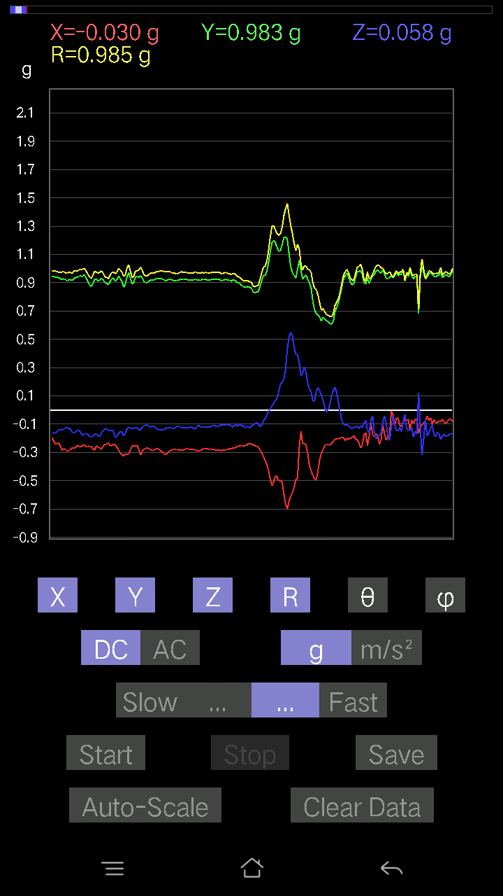
36 | 6.6280003 | -0.01952458 | 0.96256185 | 0.0039049159 | 0.9627678 | 89.76761 | 91.162025
37 | 6.6530004 | -0.008786061 | 0.9859913 | 0.020500809 | 0.98624355 | 88.80892 | 90.510544
38 | 6.668 | 0.014643434 | 1.0113733 | 0.0741934 | 1.0141968 | 85.80479 | 89.17049
39 | 6.6870003 | 0.013667206 | 0.99868226 | 0.08005078 | 1.0019786 | 85.4176 | 89.21594
40 | 6.7070003 | -9.76E-04 | 0.96256185 | 0.067359805 | 0.96491635 | 85.99699 | 90.05811
41 | 6.734 | -0.042954076 | 0.9313224 | 0.07614586 | 0.9354169 | 85.33078 | 92.6407
42 | 6.748 | -0.054668825 | 0.95572823 | 0.041001618 | 0.9581682 | 87.54747 | 93.27382
43 | 6.768 | -0.029286869 | 1.001611 | 0.025381953 | 1.0023605 | 88.54899 | 91.674835
44 | 6.788 | -0.0370967 | 1.0152781 | 0.026358182 | 1.0162975 | 88.51384 | 92.09257
45 | 6.8100004 | -0.04881145 | 0.9947773 | 0.002928687 | 0.9959785 | 89.83152 | 92.80912
46 | 6.834 | -0.027334413 | 0.9586569 | 0.041001618 | 0.95992255 | 87.551956 | 91.63325
47 | 6.8480005 | 0.006833603 | 0.92448884 | 0.088836834 | 0.9287725 | 84.511284 | 89.57649
48 | 6.867 | 0.041001618 | 0.9371798 | 0.06638357 | 0.9404222 | 85.95217 | 87.4949
49 | 6.8880005 | 0.032215554 | 0.92937 | 0.054668825 | 0.93153375 | 86.63556 | 88.0147
50 | 6.9080005 | 0.026358182 | 0.93522733 | 0.04490653 | 0.9366758 | 87.252045 | 88.38562
51 | 6.938 | 0.01854835 | 0.95670444 | 0.03904916 | 0.9576807 | 87.66313 | 88.889305
52 | 6.9470005 | 0.032215554 | 0.98208636 | 0.046858992 | 0.98373127 | 87.269745 | 88.12119
53 | 6.9670005 | 0.022453265 | 1.0084445 | 0.026358182 | 1.0090388 | 88.50314 | 88.7245
54 | 6.9880004 | 0.022453265 | 1.0211354 | 0.0078098318 | 1.0214121 | 89.561905 | 88.74036
55 | 7.0140004 | 0.0302631 | 1.0289453 | 0.04783522 | 1.0305011 | 87.33941 | 88.315315
56 | 7.0270004 | 0.020500809 | 1.0035634 | 0.073217176 | 1.0064396 | 85.82812 | 88.82973
57 | 7.0470004 | 0.01854835 | 0.9654905 | 0.08005078 | 0.96898097 | 85.2612 | 88.89941
58 | 7.0670004 | 0.034168016 | 0.9440134 | 0.10640897 | 0.9506059 | 83.57295 | 87.92712
59 | 7.0950003 | 0.041001618 | 0.9459658 | 0.0976229 | 0.95187324 | 84.113464 | 87.51814
60 | 7.1070004 | 0.036120474 | 0.97330034 | 0.042954076 | 0.97491705 | 87.47478 | 87.87465
61 | 7.1280003 | 0.0039049159 | 0.9938011 | -0.010738519 | 0.9938668 | 90.61908 | 89.77487
62 | 7.1470003 | -0.0156196635 | 0.99965847 | 0.031239327 | 1.0002685 | 88.210304 | 90.89517
63 | 7.1710005 | -0.008786061 | 0.9781815 | 0.041001618 | 0.97907984 | 87.599884 | 90.51462
64 | 7.1870003 | 0.004881145 | 0.967443 | 0.06443111 | 0.9695984 | 86.18981 | 89.71092
65 | 7.2070003 | 0.024405725 | 0.95377576 | 0.08590815 | 0.95794785 | 84.854836 | 88.5342
66 | 7.227 | 0.058573738 | 0.98403883 | 0.09274176 | 0.99013346 | 84.62546 | 86.59356
67 | 7.254 | 0.08395569 | 0.9606094 | 0.088836834 | 0.9683547 | 84.73628 | 85.005135
68 | 7.267 | 0.04783522 | 0.9313224 | 0.10348027 | 0.93827385 | 83.66808 | 87.059715
69 | 7.287 | 0.052716363 | 0.9274175 | 0.054668825 | 0.93052185 | 86.63189 | 86.74669
70 | 7.307 | 0.08981306 | 0.9938011 | -0.059549972 | 0.9996265 | 93.41526 | 84.83602
71 | 7.334 | 0.031239327 | 1.0143019 | 0.017572122 | 1.0149349 | 89.00796 | 88.235916
72 | 7.347 | -0.034168016 | 0.98111016 | 0.021477038 | 0.98193985 | 88.74673 | 91.99457
73 | 7.3670006 | -0.0078098318 | 0.99965847 | -0.021477038 | 0.99991965 | 91.230736 | 90.44762
74 | 7.3900003 | -9.76E-04 | 1.0025872 | -0.033191785 | 1.003137 | 91.89615 | 90.055786
75 | 7.4080005 | -0.017572122 | 0.98208636 | 0.04881145 | 0.9834556 | 87.15509 | 91.02506
76 | 7.4280005 | -0.049787678 | 0.92546505 | 0.041001618 | 0.9277098 | 87.466896 | 93.0794
77 | 7.4470005 | -0.19817449 | 0.7819594 | -0.049787678 | 0.8082156 | 93.53177 | 104.22123
78 | 7.4730005 | 0.07224095 | 0.8844635 | -0.1044565 | 0.89353544 | 96.71337 | 85.330574
79 | 7.4880004 | 0.04490653 | 0.9313224 | 0.06931226 | 0.9349771 | 85.74862 | 87.23945
80 | 7.5080004 | 0.031239327 | 0.9283937 | 0.14643435 | 0.9403902 | 81.04164 | 88.07279
81 | 7.5380006 | 0.049787678 | 0.98892 | 0.050763905 | 0.9914729 | 87.06515 | 87.11785
82 | 7.5480003 | 0.077122085 | 1.0465174 | -0.04002539 | 1.0501183 | 92.184364 | 85.78526
83 | 7.5710006 | 0.034168016 | 1.0250404 | -0.005857374 | 1.0256264 | 90.32722 | 88.09085
84 | 7.5870004 | 0.004881145 | 1.0035634 | 0.032215554 | 1.0040922 | 88.16139 | 89.72133
85 | 7.6070004 | 9.76E-04 | 1.0074683 | -0.012690976 | 1.0075487 | 90.72171 | 89.94448
86 | 7.6330004 | -0.008786061 | 0.97330034 | -0.011714748 | 0.9734105 | 90.68956 | 90.5172
87 | 7.6480002 | -0.013667206 | 0.9117979 | 0.016595893 | 0.9120513 | 88.957375 | 90.85876
88 | 7.668 | 0.0019524579 | 0.8844635 | 0.02831064 | 0.88491863 | 88.16666 | 89.87352
89 | 7.688 | 0.00976229 | 0.91375035 | 0.031239327 | 0.9143363 | 88.042046 | 89.387886
90 | 7.7070003 | 0.036120474 | 0.96353805 | 0.006833603 | 0.96423906 | 89.59394 | 87.85314
91 | 7.727 | 0.0019524579 | 0.9772052 | 0.032215554 | 0.977738 | 88.11182 | 89.88552
92 | 7.7510004 | -0.011714748 | 0.95377576 | 0.058573738 | 0.9556445 | 86.486 | 90.7037
93 | 7.7680006 | -0.0039049159 | 0.9752528 | 0.042954076 | 0.9762061 | 87.47811 | 90.22941
94 | 7.787 | -0.006833603 | 1.0387076 | 0.0078098318 | 1.0387595 | 89.56922 | 90.37694
95 | 7.8190002 | -0.04002539 | 1.0348027 | 0.01854835 | 1.0357426 | 88.97388 | 92.21505
96 | 7.827 | -0.04002539 | 0.938156 | 0.020500809 | 0.9392332 | 88.7493 | 92.44298
97 | 7.8480005 | 0.016595893 | 0.92546505 | 0.011714748 | 0.92568797 | 89.274895 | 88.97266
98 | 7.8760004 | 0.002928687 | 0.9459658 | 0.0039049159 | 0.9459784 | 89.76349 | 89.82262
99 | 7.8880005 | -0.020500809 | 0.9693954 | 0.016595893 | 0.96975416 | 89.01942 | 91.21151
100 | 7.9090004 | -0.020500809 | 0.9303462 | 0.045882765 | 0.9317025 | 87.17726 | 91.262344
101 | 7.9400005 | -0.012690976 | 0.93620354 | 0.0370967 | 0.9370242 | 87.73107 | 90.77664
102 | 7.9470005 | -0.041977845 | 0.95475197 | 0.033191785 | 0.95625055 | 88.01084 | 92.51752
103 | 7.9680004 | -0.041001618 | 1.0045396 | 0.016595893 | 1.005513 | 89.0543 | 92.3373
104 | 7.998 | -0.05662128 | 1.010397 | 0.024405725 | 1.0122765 | 88.61848 | 93.20742
105 | 8.007 | -0.07028849 | 0.9479183 | 0.041977845 | 0.9514471 | 87.47129 | 94.240746
106 | 8.027 | -0.0302631 | 0.9313224 | 0.025381953 | 0.9321596 | 88.43969 | 91.86116
107 | 8.056001 | -0.033191785 | 0.9401085 | 0.022453265 | 0.94096214 | 88.632675 | 92.022064
108 | 8.068001 | -0.053692598 | 0.95377576 | 0.017572122 | 0.9554475 | 88.94618 | 93.22205
109 | 8.089001 | -0.054668825 | 0.9401085 | 0.002928687 | 0.94170123 | 89.82181 | 93.328094
110 | 8.108001 | -0.055645052 | 0.9108216 | 0.025381953 | 0.91287273 | 88.406715 | 93.49604
111 | 8.127001 | -0.04490653 | 0.9098454 | -9.76E-04 | 0.91095346 | 90.0614 | 92.82561
112 | 8.152 | -0.034168016 | 0.9088692 | -0.010738519 | 0.9095747 | 90.67645 | 92.15296
113 | 8.167001 | -0.036120474 | 0.938156 | -0.008786061 | 0.9388922 | 90.53618 | 92.20489
114 | 8.188001 | -0.041977845 | 0.9772052 | 0.004881145 | 0.9781186 | 89.71407 | 92.45975
115 | 8.212001 | -0.025381953 | 0.9947773 | 0.013667206 | 0.995195 | 89.21312 | 91.46159
116 | 8.228001 | -0.02831064 | 1.0025872 | 0.017572122 | 1.0031407 | 88.99629 | 91.61746
117 | 8.247001 | -0.032215554 | 1.0299215 | 0.029286869 | 1.0308414 | 88.37197 | 91.7916
118 | 8.271001 | -0.041001618 | 1.0494461 | 0.020500809 | 1.0504467 | 88.88173 | 92.2374
119 | 8.287001 | -0.041977845 | 1.0162543 | 0.01854835 | 1.01729 | 88.95526 | 92.36534
120 | 8.307 | -0.041001618 | 0.9928249 | 0.0156196635 | 0.99379396 | 89.099434 | 92.36485
121 | 8.334001 | -0.035144243 | 0.99770606 | 0.022453265 | 0.9985773 | 88.71158 | 92.01741
122 | 8.347 | -0.032215554 | 0.97427654 | 0.026358182 | 0.9751653 | 88.45114 | 91.89386
123 | 8.367001 | -0.004881145 | 0.98013395 | 0.0302631 | 0.98061323 | 88.23149 | 90.28533
124 | 8.391001 | 0.0019524579 | 0.99184865 | 0.010738519 | 0.9919087 | 89.3797 | 89.887215
125 | 8.407001 | 0.021477038 | 1.0113733 | -0.008786061 | 1.0116395 | 90.49762 | 88.78348
126 | 8.428 | 0.01952458 | 1.0045396 | 0 | 1.0047294 | 90 | 88.88652
127 | 8.453 | 0.010738519 | 0.96451426 | 0.032215554 | 0.9651119 | 88.087105 | 89.36212
128 | 8.468 | 0.006833603 | 0.95572823 | 0.03904916 | 0.95655006 | 87.66037 | 89.59033
129 | 8.487 | 0.008786061 | 0.9518233 | 0.021477038 | 0.9521061 | 88.70744 | 89.47113
130 | 8.514 | -0.0019524579 | 0.9401085 | 0.022453265 | 0.9403786 | 88.63183 | 90.118996
131 | 8.527 | -0.0039049159 | 0.9488945 | 0.020500809 | 0.949124 | 88.76233 | 90.23579
132 | 8.547 | -0.004881145 | 0.9508471 | 0.013667206 | 0.95095783 | 89.17651 | 90.29412
133 | 8.578 | 0.002928687 | 0.9576807 | 0.008786061 | 0.95772547 | 89.474365 | 89.82478
134 | 8.588 | 0.012690976 | 0.96451426 | 0.017572122 | 0.9647578 | 88.95635 | 89.246155
135 | 8.609 | -0.011714748 | 0.9469421 | 0.027334413 | 0.9474089 | 88.34669 | 90.70878
136 | 8.639 | -0.0019524579 | 0.9440134 | 0.017572122 | 0.94417894 | 88.93361 | 90.1185
137 | 8.647 | 0.027334413 | 0.9596331 | 0 | 0.96002233 | 90 | 88.368416
138 | 8.6710005 | 0.052716363 | 0.9830626 | -0.011714748 | 0.98454475 | 90.681755 | 86.93047
139 | 8.688001 | 0.05662128 | 0.9752528 | -0.023429496 | 0.977176 | 91.3739 | 86.677246
140 | 8.707001 | 0.054668825 | 0.9693954 | -0.01952458 | 0.971132 | 91.15201 | 86.77224
141 | 8.739 | 0.06443111 | 0.96353805 | -0.012690976 | 0.9657732 | 90.75293 | 86.17437
142 | 8.748 | 0.065407336 | 0.9586569 | -0.00976229 | 0.9609352 | 90.582085 | 86.09687
143 | 8.77 | 0.07614586 | 0.9615856 | -0.01952458 | 0.9647934 | 91.15958 | 85.47232
144 | 8.788 | 0.05662128 | 0.9859913 | -0.021477038 | 0.9878492 | 91.24578 | 86.713356
145 | 8.808001 | 0.07224095 | 0.99184865 | -0.022453265 | 0.9947294 | 91.2934 | 85.834236
146 | 8.831 | 0.06638357 | 0.9938011 | -0.013667206 | 0.99610955 | 90.786156 | 86.17845
147 | 8.847 | 0.08395569 | 0.97037166 | -0.023429496 | 0.97427857 | 91.37798 | 85.05514
148 | 8.867001 | 0.0976229 | 0.91472656 | -0.029286869 | 0.9203872 | 91.82347 | 83.90825
149 | 8.894 | 0.06345488 | 0.8776299 | -9.76E-04 | 0.87992144 | 90.06357 | 85.86456
150 | 8.907001 | 0.043930303 | 0.8991069 | 0.006833603 | 0.90020543 | 89.565056 | 87.20276
151 | 8.927 | 0.067359805 | 0.9449896 | -0.014643434 | 0.94750047 | 90.88553 | 85.9228
152 | 8.954 | 0.088836834 | 0.9928249 | -0.049787678 | 0.9980342 | 92.85943 | 84.886856
153 | 8.967 | 0.102504045 | 0.9967298 | -0.04783522 | 1.0031278 | 92.733246 | 84.12833
154 | 8.987 | 0.10055158 | 0.9791577 | -0.024405725 | 0.9846096 | 91.42035 | 84.13674
155 | 9.019 | 0.09567044 | 0.96451426 | -0.027334413 | 0.9696328 | 91.61541 | 84.33534
156 | 9.028001 | 0.10543273 | 0.9850151 | -0.06931226 | 0.99306345 | 94.0023 | 83.89051
157 | 9.049001 | 0.14643435 | 1.0348027 | -0.15033926 | 1.05587 | 98.18584 | 81.94559
158 | 9.081 | 0.16595893 | 1.0553036 | -0.18450728 | 1.0840899 | 99.79919 | 81.06276
159 | 9.087001 | 0.13471961 | 1.0289453 | -0.14350566 | 1.0476029 | 97.873405 | 82.5407
160 | 9.119 | 0.090789296 | 0.9752528 | -0.11031388 | 0.98566216 | 96.42593 | 84.68149
161 | 9.127001 | 0.052716363 | 0.9410847 | -0.088836834 | 0.94673723 | 95.384254 | 86.79384
162 | 9.154 | 0.0156196635 | 0.9274175 | -0.09176553 | 0.9320773 | 95.65008 | 89.03511
163 | 9.167001 | 0.006833603 | 0.9723241 | -0.1210524 | 0.9798543 | 97.09652 | 89.59733
164 | 9.190001 | -0.0078098318 | 1.0045396 | -0.1718163 | 1.0191574 | 99.70565 | 90.44544
165 | 9.223001 | 0.022453265 | 1.0201592 | -0.1718163 | 1.0347705 | 99.55782 | 88.73915
166 | 9.227 | 0.046858992 | 0.98892 | -0.16400647 | 1.003522 | 99.40609 | 87.287125
167 | 9.2560005 | 0.036120474 | 0.9684192 | -0.1181237 | 0.97626513 | 96.94956 | 87.86395
168 | 9.267 | 0.012690976 | 0.9654905 | -0.090789296 | 0.96983284 | 95.37151 | 89.24691
169 | 9.287001 | 0.0019524579 | 0.976229 | -0.08297946 | 0.9797512 | 94.85845 | 89.88541
170 | 9.3220005 | -0.014643434 | 0.9596331 | -0.127886 | 0.96822774 | 97.58995 | 90.87423
171 | 9.328 | 0.045882765 | 0.95670444 | -0.114218794 | 0.9645903 | 96.800446 | 87.25424
172 | 9.353001 | 0.049787678 | 0.9928249 | -0.04881145 | 0.9952702 | 92.81111 | 87.129166
173 | 9.367001 | 0.04490653 | 0.9479183 | -0.08590815 | 0.95286196 | 95.1727 | 87.287704
174 | 9.391001 | 0.046858992 | 0.9313224 | -0.10933765 | 0.93888867 | 96.687515 | 87.11962
175 | 9.407001 | 0.05662128 | 0.9576807 | -0.099575356 | 0.96450686 | 95.92576 | 86.616425
176 | 9.427 | 0.06443111 | 0.96451426 | -0.08590815 | 0.97047377 | 95.078575 | 86.17823
177 | 9.459001 | 0.036120474 | 0.9235126 | -0.08395569 | 0.9280241 | 95.19048 | 87.760185
178 | 9.467 | 0.051740136 | 0.9283937 | -0.071264714 | 0.9325613 | 94.38271 | 86.81016
179 | 9.492001 | 0.02831064 | 0.9576807 | -0.067359805 | 0.96046406 | 94.0216 | 88.30673
180 | 9.507001 | 0.043930303 | 0.9898962 | -0.13960074 | 1.0006561 | 98.01945 | 87.458954
181 | 9.527 | 0.024405725 | 0.9938011 | -0.208913 | 1.0158154 | 101.868164 | 88.593216
182 | 9.562 | -0.024405725 | 0.98208636 | -0.29091623 | 1.0245591 | 106.49567 | 91.42356
183 | 9.568001 | -0.08395569 | 0.95475197 | -0.25284332 | 0.9912263 | 104.778404 | 95.02535
184 | 9.595 | -0.1181237 | 0.9508471 | -0.20696054 | 0.98025304 | 102.18857 | 97.08157
185 | 9.607 | -0.111290105 | 0.9518233 | -0.17376876 | 0.97393465 | 100.2777 | 96.66892
186 | 9.628 | -0.14936304 | 0.9498709 | -0.16693515 | 0.97592586 | 99.84905 | 98.93633
187 | 9.648001 | -0.19719826 | 0.9459658 | -0.17962612 | 0.982855 | 100.53053 | 101.775375
188 | 9.667001 | -0.2323425 | 0.9342511 | -0.21086545 | 0.9855315 | 102.35459 | 103.96579
189 | 9.705001 | -0.23917611 | 0.94206095 | -0.22160399 | 0.9968913 | 102.843864 | 104.245605
190 | 9.707001 | -0.21086545 | 0.94303715 | -0.20793676 | 0.98844373 | 102.143906 | 102.60415
191 | 9.746 | -0.17669745 | 0.91863143 | -0.16400647 | 0.9497388 | 99.944016 | 100.88779
192 | 9.747001 | -0.16595893 | 0.9108216 | -0.13471961 | 0.93556815 | 98.279236 | 100.32646
193 | 9.780001 | -0.18353106 | 0.93229866 | -0.14545812 | 0.9612609 | 98.70344 | 101.136765
194 | 9.787001 | -0.18353106 | 0.9586569 | -0.16595893 | 0.9900753 | 99.64962 | 100.83791
195 | 9.814 | -0.18743597 | 0.95670444 | -0.1952458 | 0.9942517 | 101.325035 | 101.08489
196 | 9.828 | -0.17376876 | 0.9606094 | -0.20598431 | 0.9976951 | 101.91499 | 100.2536
197 | 9.847 | -0.15619664 | 0.9488945 | -0.1952458 | 0.9812844 | 101.476715 | 99.34758
198 | 9.8810005 | -0.16498269 | 0.9488945 | -0.17962612 | 0.9797375 | 100.56443 | 99.86332
199 | 9.8880005 | -0.15033926 | 0.95377576 | -0.15619664 | 0.97810405 | 99.189095 | 98.957565
200 | 9.913 | -0.16010156 | 0.93620354 | -0.15619664 | 0.9625523 | 99.338875 | 99.70436
201 | 9.928 | -0.17279254 | 0.9391323 | -0.16107778 | 0.9683867 | 99.57487 | 100.42535
202 | 9.9470005 | -0.19426957 | 0.9459658 | -0.16498269 | 0.97969955 | 99.69488 | 101.60527
203 | 9.982 | -0.22160399 | 0.9449896 | -0.16107778 | 0.9839003 | 99.42251 | 103.197624
204 | 9.987 | -0.24112856 | 0.9371798 | -0.16400647 | 0.9815025 | 99.619095 | 104.42877
205 | 10.015 | -0.2362474 | 0.9391323 | -0.14936304 | 0.97984266 | 98.768105 | 104.12029
206 | 10.028001 | -0.23331872 | 0.9342511 | -0.1415532 | 0.9732934 | 98.3626 | 104.022156
207 | 10.051001 | -0.25870067 | 0.92937 | -0.13764828 | 0.9744751 | 98.1204 | 105.555145
208 | 10.087001 | -0.28505886 | 0.9225364 | -0.14057697 | 0.97575295 | 98.28344 | 107.170876
209 | 10.087001 | -0.2723679 | 0.9283937 | -0.13471961 | 0.97685647 | 97.927 | 106.35039
210 | 10.123 | -0.2801777 | 0.9196077 | -0.123004854 | 0.9691791 | 97.29145 | 106.94445
211 | 10.128 | -0.29384494 | 0.9127741 | -0.12495731 | 0.9670138 | 97.42451 | 107.84467
212 | 10.159 | -0.28408262 | 0.9235126 | -0.13081467 | 0.9750338 | 97.7103 | 107.09847
213 | 10.168 | -0.27822527 | 0.9196077 | -0.13960074 | 0.9708636 | 98.267235 | 106.83308
214 | 10.196 | -0.26651052 | 0.916679 | -0.15912533 | 0.9678064 | 99.463455 | 106.21099
215 | 10.208 | -0.2723679 | 0.9313224 | -0.16010156 | 0.9834522 | 99.369194 | 106.30171
216 | 10.235001 | -0.25870067 | 0.93620354 | -0.15424417 | 0.9834604 | 99.02342 | 105.447044
217 | 10.248 | -0.25284332 | 0.9371798 | -0.14252943 | 0.9810965 | 98.35324 | 105.09845
218 | 10.271001 | -0.25870067 | 0.9479183 | -0.14545812 | 0.9932941 | 98.420685 | 105.26511
219 | 10.287001 | -0.25772443 | 0.9459658 | -0.16303024 | 0.99390745 | 99.440865 | 105.240105
220 | 10.307 | -0.25284332 | 0.9459658 | -0.18060236 | 0.99568987 | 100.45039 | 104.96454
221 | 10.343 | -0.24405725 | 0.95572823 | -0.16986385 | 1.0009166 | 99.77086 | 104.32506
222 | 10.348001 | -0.26065314 | 0.93229866 | -0.16400647 | 0.98184466 | 99.615715 | 105.61999
223 | 10.378 | -0.25479576 | 0.9108216 | -0.174745 | 0.96179664 | 100.46798 | 105.62858
224 | 10.387 | -0.25772443 | 0.8834872 | -0.18743597 | 0.9392038 | 101.51176 | 106.262634
225 | 10.412001 | -0.25870067 | 0.87274873 | -0.19036464 | 0.92997587 | 101.81185 | 106.5109
226 | 10.427 | -0.2723679 | 0.8932495 | -0.18548352 | 0.9520941 | 101.23399 | 106.95741
227 | 10.449 | -0.28505886 | 0.9235126 | -0.17279254 | 0.9818306 | 100.136284 | 107.153786
228 | 10.485001 | -0.25381953 | 0.92546505 | -0.17084008 | 0.97472876 | 100.09434 | 105.336914
229 | 10.488001 | -0.2626056 | 0.9127741 | -0.18157859 | 0.967 | 100.822975 | 106.05055
230 | 10.52 | -0.268463 | 0.9176552 | -0.18743597 | 0.9743181 | 101.09151 | 106.30701
231 | 10.527 | -0.2762728 | 0.92937 | -0.16205402 | 0.9830141 | 99.48876 | 106.55558
232 | 10.558001 | -0.25772443 | 0.92156017 | -0.1444819 | 0.9677655 | 98.58604 | 105.62424
233 | 10.568001 | -0.24405725 | 0.9000831 | -0.13374338 | 0.9421257 | 98.16123 | 105.17095
234 | 10.594001 | -0.24112856 | 0.89715445 | -0.13179092 | 0.93829525 | 98.07434 | 105.04389
235 | 10.608001 | -0.23331872 | 0.88641596 | -0.14252943 | 0.92762357 | 98.83852 | 104.746666
236 | 10.632001 | -0.24991462 | 0.90496427 | -0.14350566 | 0.94974285 | 98.69065 | 105.438
237 | 10.647 | -0.2518671 | 0.9283937 | -0.14350566 | 0.9725974 | 98.48491 | 105.17863
238 | 10.673 | -0.24405725 | 0.93327487 | -0.15033926 | 0.9763031 | 98.85812 | 104.65503
239 | 10.688001 | -0.24503349 | 0.9117979 | -0.19231711 | 0.96353656 | 101.513275 | 105.04208
240 | 10.708 | -0.2626056 | 0.9176552 | -0.18841219 | 0.97290903 | 101.166374 | 105.96954
241 | 10.745001 | -0.2801777 | 0.9459658 | -0.16595893 | 1.0004466 | 99.54864 | 106.49832
242 | 10.748 | -0.30360723 | 0.9303462 | -0.15326795 | 0.99056166 | 98.90104 | 108.07347
243 | 10.780001 | -0.3162982 | 0.9088692 | -0.1552204 | 0.9747724 | 99.16264 | 109.18855
244 | 10.788 | -0.32606047 | 0.8678676 | -0.18255483 | 0.9448999 | 101.1396 | 110.59135
245 | 10.816001 | -0.30946457 | 0.89032084 | -0.16791138 | 0.9574099 | 100.10082 | 109.166824
246 | 10.828 | -0.3162982 | 0.94206095 | -0.13276714 | 1.002572 | 97.60983 | 108.55955
247 | 10.8550005 | -0.31239328 | 0.97134787 | -0.12202863 | 1.0276172 | 96.819916 | 107.82821
248 | 10.867001 | -0.28213018 | 0.9303462 | -0.127886 | 0.9805592 | 97.49395 | 106.87008
249 | 10.894 | -0.25381953 | 0.8922733 | -0.13081467 | 0.9368503 | 98.02657 | 105.879135
250 | 10.907001 | -0.25479576 | 0.9030118 | -0.12983845 | 0.94721127 | 97.87859 | 105.75706
251 | 10.929001 | -0.25381953 | 0.9410847 | -0.12690976 | 0.9829399 | 97.418304 | 105.09406
252 | 10.967001 | -0.25089085 | 0.94303715 | -0.12398108 | 0.9836852 | 97.24067 | 104.898186
253 | 10.977 | -0.2860351 | 0.938156 | -0.14350566 | 0.9912349 | 98.32423 | 106.95598
254 | 11.001 | -0.3192269 | 0.9488945 | -0.13764828 | 1.0105709 | 97.82851 | 108.593956
255 | 11.017 | -0.29091623 | 0.93229866 | -0.12007617 | 0.9839875 | 97.009285 | 107.33011
256 | 11.038 | -0.27920148 | 0.90691674 | -0.11226633 | 0.95553917 | 96.74727 | 107.1114
257 | 11.075001 | -0.27139166 | 0.9000831 | -0.107385196 | 0.94622123 | 96.51645 | 106.77903
258 | 11.077001 | -0.27041543 | 0.9020356 | -0.10640897 | 0.9476896 | 96.44691 | 106.68787
259 | 11.112 | -0.27432033 | 0.9117979 | -0.1210524 | 0.9598337 | 97.24533 | 106.744255
260 | 11.117001 | -0.28213018 | 0.9176552 | -0.1181237 | 0.96728575 | 97.0144 | 107.08988
261 | 11.153001 | -0.28798756 | 0.9176552 | -0.11519502 | 0.9686578 | 96.82991 | 107.42341
262 | 11.158001 | -0.27920148 | 0.92156017 | -0.11617125 | 0.9699084 | 96.87914 | 106.85503
263 | 11.191001 | -0.2762728 | 0.9264413 | -0.12593354 | 0.97492534 | 97.421776 | 106.605034
264 | 11.1970005 | -0.27529657 | 0.9313224 | -0.13764828 | 0.9808653 | 98.06715 | 106.467545
265 | 11.228001 | -0.27920148 | 0.92937 | -0.1415532 | 0.9806729 | 98.29923 | 106.72133
266 | 11.238001 | -0.29189247 | 0.92937 | -0.1415532 | 0.98436123 | 98.267914 | 107.43623
267 | 11.265 | -0.30067852 | 0.92448884 | -0.13862452 | 0.9819898 | 98.11538 | 108.01647
268 | 11.277 | -0.31434575 | 0.91570276 | -0.13569583 | 0.9776186 | 97.97855 | 108.9465
269 | 11.303 | -0.3133695 | 0.91570276 | -0.12983845 | 0.9765091 | 97.64078 | 108.891846
270 | 11.318001 | -0.30360723 | 0.9196077 | -0.1210524 | 0.97596586 | 97.12494 | 108.27057
271 | 11.341001 | -0.28798756 | 0.92546505 | -0.127886 | 0.97763854 | 97.516464 | 107.28517
272 | 11.357 | -0.28408262 | 0.9225364 | -0.12690976 | 0.9735925 | 97.48994 | 107.11551
273 | 11.3810005 | -0.2801777 | 0.91570276 | -0.13081467 | 0.9665007 | 97.778786 | 107.01255
274 | 11.398001 | -0.27724904 | 0.916679 | -0.12983845 | 0.96645 | 97.72079 | 106.82791
275 | 11.417001 | -0.2831064 | 0.91375035 | -0.11617125 | 0.963631 | 96.92418 | 107.2145
276 | 11.452001 | -0.2801777 | 0.9176552 | -0.11519502 | 0.9663646 | 96.84619 | 106.97843
277 | 11.458 | -0.28505886 | 0.92156017 | -0.1181237 | 0.9718461 | 96.981316 | 107.18799
278 | 11.494 | -0.2860351 | 0.9264413 | -0.12593354 | 0.9777366 | 97.400314 | 107.15787
279 | 11.497001 | -0.28408262 | 0.9205839 | -0.12495731 | 0.97148955 | 97.390114 | 107.14968
280 | 11.531 | -0.2801777 | 0.92448884 | -0.12398108 | 0.9739356 | 97.313545 | 106.86008
281 | 11.537001 | -0.27334413 | 0.9235126 | -0.127886 | 0.97156954 | 97.56369 | 106.48786
282 | 11.567 | -0.27822527 | 0.91863143 | -0.12593354 | 0.9680663 | 97.47466 | 106.84995
283 | 11.577001 | -0.27920148 | 0.9196077 | -0.1210524 | 0.96865135 | 97.17902 | 106.88878
284 | 11.601001 | -0.27920148 | 0.9176552 | -0.12202863 | 0.9669207 | 97.25025 | 106.92266
285 | 11.618001 | -0.28115395 | 0.91863143 | -0.13081467 | 0.96955854 | 97.754105 | 107.01712
286 | 11.64 | -0.28115395 | 0.92546505 | -0.13569583 | 0.97670186 | 97.98609 | 106.89865
287 | 11.658001 | -0.2889638 | 0.9196077 | -0.114218794 | 0.9706824 | 96.75757 | 107.44402
288 | 11.679001 | -0.28701133 | 0.9196077 | -0.10640897 | 0.9692145 | 96.30315 | 107.333244
289 | 11.719001 | -0.28701133 | 0.91570276 | -0.1210524 | 0.96723354 | 97.189606 | 107.4027
290 | 11.728001 | -0.27822527 | 0.9235126 | -0.12202863 | 0.9722015 | 97.21066 | 106.7659
291 | 11.7560005 | -0.27432033 | 0.9205839 | -0.117147475 | 0.9677034 | 96.953125 | 106.59328
292 | 11.768001 | -0.27432033 | 0.92546505 | -0.12007617 | 0.97270525 | 97.090996 | 106.51054
293 | 11.799001 | -0.27529657 | 0.91863143 | -0.12007617 | 0.9664834 | 97.13689 | 106.68249
294 | 11.808001 | -0.27724904 | 0.9176552 | -0.119099945 | 0.9659932 | 97.08218 | 106.81102
295 | 11.838 | -0.27432033 | 0.9196077 | -0.117147475 | 0.9667748 | 96.95983 | 106.60992
296 | 11.847 | -0.28115395 | 0.9264413 | -0.11324256 | 0.97476405 | 96.671364 | 106.88186
297 | 11.882001 | -0.2801777 | 0.92546505 | -0.10933765 | 0.97310835 | 96.45133 | 106.8433
298 | 11.887001 | -0.2831064 | 0.9264413 | -0.11324256 | 0.975329 | 96.66748 | 106.992355
299 | 11.922001 | -0.28213018 | 0.92448884 | -0.11617125 | 0.97353625 | 96.853386 | 106.97084
300 | 11.928 | -0.2831064 | 0.92448884 | -0.11031388 | 0.9731382 | 96.50898 | 107.02617
301 | 11.963 | -0.28701133 | 0.916679 | -0.107385196 | 0.96654415 | 96.37886 | 107.38529
302 | 11.968 | -0.28505886 | 0.91472656 | -0.107385196 | 0.9641135 | 96.395004 | 107.30875
303 | 12.001 | -0.28213018 | 0.9205839 | -0.10640897 | 0.96870786 | 96.30646 | 107.038666
304 | 12.007001 | -0.28213018 | 0.92546505 | -0.10640897 | 0.9733477 | 96.27627 | 106.953964
305 | 12.043 | -0.27920148 | 0.9176552 | -0.10152781 | 0.9645478 | 96.042114 | 106.92266
306 | 12.047001 | -0.27529657 | 0.91863143 | -0.10640897 | 0.9648807 | 96.33157 | 106.68249
307 | 12.085001 | -0.27529657 | 0.9098454 | -0.10933765 | 0.9568498 | 96.561424 | 106.83451
308 | 12.087001 | -0.26943922 | 0.9176552 | -0.12202863 | 0.9641471 | 97.271225 | 106.36314
309 | 12.127001 | -0.2723679 | 0.91863143 | -0.1044565 | 0.9638356 | 96.221695 | 106.514725
310 | 12.127001 | -0.2626056 | 0.9098454 | -0.10543273 | 0.95283604 | 96.352875 | 106.09955
311 | 12.165001 | -0.25674823 | 0.9000831 | -0.11617125 | 0.9431675 | 97.075165 | 105.92077
312 | 12.167001 | -0.25381953 | 0.89813066 | -0.09567044 | 0.9381982 | 95.85277 | 105.780754
313 | 12.204 | -0.25089085 | 0.8834872 | -0.11519502 | 0.92561644 | 97.149124 | 105.85338
314 | 12.208 | -0.25381953 | 0.873725 | -0.11031388 | 0.91650903 | 96.913055 | 106.19873
315 | 12.243001 | -0.25284332 | 0.86884385 | -0.12398108 | 0.91334045 | 97.80168 | 106.225586
316 | 12.247001 | -0.2489384 | 0.86982006 | -0.1210524 | 0.9128039 | 97.62079 | 105.97087
317 | 12.280001 | -0.23917611 | 0.87274873 | -0.11617125 | 0.9123548 | 97.3154 | 105.32559
318 | 12.288 | -0.23819989 | 0.8668914 | -0.12593354 | 0.90779907 | 97.974014 | 105.36425
319 | 12.319 | -0.23917611 | 0.86103404 | -0.11519502 | 0.9010298 | 97.34526 | 105.52411
320 | 12.327001 | -0.24698594 | 0.8336995 | -0.1044565 | 0.8757672 | 96.85022 | 106.502075
321 | 12.357 | -0.25284332 | 0.8278422 | -0.09664667 | 0.8709724 | 96.370895 | 106.983955
322 | 12.368001 | -0.25674823 | 0.8346757 | -0.08786061 | 0.8776803 | 95.74525 | 107.09802
323 | 12.395 | -0.26162934 | 0.8366282 | -0.09664667 | 0.8818941 | 96.29167 | 107.36544
324 | 12.408001 | -0.28213018 | 0.8717725 | -0.1210524 | 0.9242502 | 97.525856 | 107.933044
325 | 12.433001 | -0.30165476 | 0.91570276 | -0.107385196 | 0.9700715 | 96.35557 | 108.23314
326 | 12.448001 | -0.32996538 | 0.9508471 | -0.073217176 | 1.0091324 | 94.16073 | 109.137924
327 | 12.472 | -0.35632357 | 0.9498709 | -0.062478654 | 1.0164275 | 93.52413 | 110.56249
328 | 12.487 | -0.38463423 | 0.9772052 | -0.0370967 | 1.0508329 | 92.02309 | 111.48492
329 | 12.51 | -0.42856455 | 1.0416363 | -0.011714748 | 1.1264151 | 90.59589 | 112.36393
330 | 12.549001 | -0.49104318 | 1.1187584 | 0.008786061 | 1.2218106 | 89.58798 | 113.69753
331 | 12.549001 | -0.5359497 | 1.1831895 | 0.02831064 | 1.2992232 | 88.7514 | 114.36912
332 | 12.602 | -0.50666285 | 1.197833 | 0.04881145 | 1.3014966 | 87.85067 | 112.92753
333 | 12.602 | -0.4656612 | 1.1831895 | 0.067359805 | 1.2733088 | 86.96756 | 111.48283
334 | 12.607 | -0.47444725 | 1.1490215 | 0.08395569 | 1.2459531 | 86.13633 | 112.436424
335 | 12.643001 | -0.5017817 | 1.121687 | 0.13081467 | 1.2357504 | 83.92337 | 114.10114
336 | 12.648001 | -0.4949481 | 1.1285207 | 0.18450728 | 1.2460239 | 81.484505 | 113.68136
337 | 12.684001 | -0.51349646 | 1.1704986 | 0.19426957 | 1.2928598 | 81.3578 | 113.68701
338 | 12.687 | -0.5935472 | 1.21931 | 0.2186753 | 1.3736209 | 80.83975 | 115.95633
339 | 12.724001 | -0.6648119 | 1.2241911 | 0.28798756 | 1.4225173 | 78.31978 | 118.504715
340 | 12.727 | -0.70093244 | 1.206619 | 0.43149322 | 1.4606239 | 72.81745 | 120.152565
341 | 12.7630005 | -0.6452874 | 1.1070436 | 0.51349646 | 1.380442 | 68.16223 | 120.23759
342 | 12.767 | -0.60819066 | 1.0152781 | 0.54864067 | 1.3044893 | 65.12886 | 120.92323
343 | 12.8 | -0.5857374 | 0.97134787 | 0.5222825 | 1.248753 | 65.276276 | 121.090614
344 | 12.807 | -0.54668826 | 0.9479183 | 0.4412555 | 1.1798829 | 68.03857 | 119.97313
345 | 12.84 | -0.49299565 | 0.93327487 | 0.39342028 | 1.1264219 | 69.55761 | 117.844925
346 | 12.847001 | -0.4842096 | 0.9928249 | 0.39146784 | 1.1719246 | 70.48592 | 115.99891
347 | 12.878 | -0.26651052 | 1.0553036 | 0.3338703 | 1.1384915 | 72.94697 | 104.17335
348 | 12.887001 | -0.15033926 | 0.98892 | 0.24015234 | 1.0287068 | 76.49969 | 98.64413
349 | 12.922001 | -0.2362474 | 0.92546505 | 0.26065314 | 0.9900699 | 74.73597 | 104.320305
350 | 12.927001 | -0.23722363 | 0.9440134 | 0.30555966 | 1.0201975 | 72.57181 | 104.10593
351 | 12.960001 | -0.24600971 | 0.95279956 | 0.26651052 | 1.0194978 | 74.84605 | 104.477394
352 | 12.967001 | -0.3104408 | 0.9225364 | 0.18645974 | 0.9910672 | 79.15572 | 108.598495
353 | 12.998 | -0.39634898 | 0.8991069 | 0.15033926 | 0.994026 | 81.30105 | 113.78909
354 | 13.007001 | -0.42954078 | 0.8600578 | 0.12495731 | 0.9694426 | 82.5942 | 116.53903
355 | 13.037001 | -0.46370876 | 0.7682922 | 0.065407336 | 0.89976484 | 85.831276 | 121.11341
356 | 13.047001 | -0.4881145 | 0.7048373 | 0.0605262 | 0.8594852 | 85.96181 | 124.70341
357 | 13.075001 | -0.49104318 | 0.68140787 | 0.13374338 | 0.8504866 | 80.95239 | 125.777664
358 | 13.088 | -0.42856455 | 0.6706693 | 0.1581491 | 0.8114654 | 78.76151 | 122.578995
359 | 13.114 | -0.35046622 | 0.6560259 | 0.13471961 | 0.7558743 | 79.73331 | 118.112305
360 | 13.127001 | -0.30165476 | 0.6286915 | 0.102504045 | 0.70480895 | 81.63752 | 115.632324
361 | 13.151001 | -0.2801777 | 0.6570021 | 0.067359805 | 0.717418 | 84.61245 | 113.095764
362 | 13.168 | -0.2518671 | 0.64431113 | 0.01854835 | 0.69203895 | 88.46415 | 111.35098
363 | 13.190001 | -0.24015234 | 0.63064396 | -0.0156196635 | 0.67500293 | 91.32595 | 110.847084
364 | 13.228001 | -0.24503349 | 0.6238103 | 0.002928687 | 0.67021585 | 89.74963 | 111.44496
365 | 13.228001 | -0.2489384 | 0.6101431 | 0.043930303 | 0.6604353 | 86.18603 | 112.19546
366 | 13.268001 | -0.23429495 | 0.60819066 | 0.10055158 | 0.65946996 | 81.22971 | 111.06832
367 | 13.268001 | -0.22258021 | 0.6277153 | 0.14057697 | 0.68068373 | 78.08132 | 109.52389
368 | 13.307 | -0.20500809 | 0.69312257 | 0.15912533 | 0.74011356 | 77.5844 | 106.47688
369 | 13.307 | -0.20403185 | 0.72533816 | 0.1210524 | 0.76315016 | 80.87308 | 105.71087
370 | 13.344001 | -0.20403185 | 0.7585299 | 0.054668825 | 0.7873915 | 86.01873 | 105.05527
371 | 13.348001 | -0.19915071 | 0.8083176 | -0.01854835 | 0.83269584 | 91.276375 | 103.8407
372 | 13.384001 | -0.1952458 | 0.8717725 | -0.073217176 | 0.89636433 | 94.68527 | 102.62388
373 | 13.387001 | -0.1952458 | 0.9264413 | -0.102504045 | 0.9523243 | 96.17904 | 101.900826
374 | 13.422001 | -0.21672285 | 0.9479183 | -0.107385196 | 0.97828907 | 96.30196 | 102.878204
375 | 13.427001 | -0.20012695 | 0.9684192 | -0.102504045 | 0.9941799 | 95.917946 | 101.676
376 | 13.460001 | -0.20696054 | 0.9371798 | -0.114218794 | 0.96653223 | 96.78672 | 102.45295
377 | 13.467001 | -0.20012695 | 0.9030118 | -0.12007617 | 0.93268394 | 97.39694 | 102.49601
378 | 13.497001 | -0.19329333 | 0.8844635 | -0.13569583 | 0.91545147 | 98.52427 | 102.32777
379 | 13.508 | -0.18060236 | 0.895202 | -0.12007617 | 0.9210983 | 97.49051 | 101.40603
380 | 13.535001 | -0.20696054 | 0.93327487 | -0.123004854 | 0.9638282 | 97.332146 | 102.503426
381 | 13.548 | -0.21086545 | 0.98111016 | -0.11324256 | 1.0098838 | 96.43836 | 102.12979
382 | 13.574 | -0.2323425 | 0.9772052 | -0.13179092 | 1.0130557 | 97.47494 | 103.37444
383 | 13.588 | -0.26943922 | 0.98892 | -0.11324256 | 1.0312052 | 96.304695 | 105.24076
384 | 13.611001 | -0.24503349 | 0.95572823 | -0.12202863 | 0.9941574 | 97.0506 | 104.37999
385 | 13.627001 | -0.17669745 | 0.9020356 | -0.09176553 | 0.9237484 | 95.70119 | 101.08318
386 | 13.649001 | -0.16107778 | 0.8912971 | -0.0741934 | 0.9087691 | 94.68293 | 100.24409
387 | 13.689001 | -0.2518671 | 0.93229866 | -0.1415532 | 0.97604054 | 98.3389 | 105.117966
388 | 13.689001 | -0.18841219 | 0.8942258 | -0.16303024 | 0.92828757 | 100.11501 | 101.89812
389 | 13.729001 | -0.090789296 | 0.9264413 | -0.07224095 | 0.9336782 | 94.437546 | 95.59699
390 | 13.737 | -0.17376876 | 0.9440134 | -0.041977845 | 0.9607909 | 92.504105 | 100.42993
391 | 13.769001 | -0.18645974 | 0.9576807 | -0.15326795 | 0.9876288 | 98.92769 | 101.01761
392 | 13.777 | -0.16791138 | 0.98208636 | -0.20403185 | 1.0170137 | 101.573135 | 99.702286
393 | 13.808001 | -0.18450728 | 0.99087244 | -0.18548352 | 1.0248294 | 100.42741 | 100.548065
394 | 13.818001 | -0.2421048 | 0.9752528 | -0.18060236 | 1.0209554 | 100.18898 | 103.94174
395 | 13.845 | -0.20988922 | 0.9684192 | -0.16205402 | 1.0040671 | 99.288025 | 102.2288
396 | 13.857 | -0.1044565 | 0.9938011 | -0.082003236 | 1.0026346 | 94.69133 | 96.00021
397 | 13.884001 | -0.17084008 | 0.96353805 | -0.042954076 | 0.9795085 | 92.51338 | 100.05434
398 | 13.897 | -0.21281794 | 0.9313224 | -0.09567044 | 0.96010715 | 95.718765 | 102.87174
399 | 13.922001 | -0.1952458 | 0.92937 | -0.18353106 | 0.96722966 | 100.93815 | 101.86439
400 | 13.937 | -0.18060236 | 0.9371798 | -0.21379416 | 0.9780752 | 102.62603 | 100.90766
401 | 13.961 | -0.006833603 | 0.9488945 | -0.12202863 | 0.95673317 | 97.32787 | 90.41262
402 | 13.978001 | -0.034168016 | 0.93522733 | -0.04002539 | 0.93670684 | 92.44899 | 92.09234
403 | 13.999001 | -0.10933765 | 0.9508471 | -0.102504045 | 0.9625861 | 96.112915 | 96.559616
404 | 14.037001 | -0.055645052 | 0.9723241 | -0.14350566 | 0.984431 | 98.38217 | 93.275406
405 | 14.037001 | -0.058573738 | 0.9498709 | -0.14741059 | 0.96302414 | 98.80491 | 93.52867
406 | 14.075001 | -0.111290105 | 0.9596331 | -0.123004854 | 0.97386414 | 97.25618 | 96.61513
407 | 14.077001 | -0.11519502 | 0.9596331 | -0.15326795 | 0.97859937 | 99.01075 | 96.84507
408 | 14.113001 | -0.08297946 | 0.98794377 | -0.077122085 | 0.9944176 | 94.448044 | 94.801125
409 | 14.117001 | -0.065407336 | 0.9117979 | -0.033191785 | 0.91474324 | 92.07945 | 94.10305
410 | 14.151001 | -0.071264714 | 0.9606094 | -0.13667206 | 0.9728969 | 98.07559 | 94.24283
411 | 14.157001 | -0.06833603 | 0.9440134 | -0.13862452 | 0.95658135 | 98.33245 | 94.14035
412 | 14.190001 | -0.1415532 | 0.9869675 | -0.14350566 | 1.007341 | 98.190216 | 98.161835
413 | 14.1970005 | -0.07028849 | 0.9488945 | -0.12398108 | 0.9595377 | 97.4239 | 94.2364
414 | 14.227 | -0.093717985 | 0.9264413 | -0.19426957 | 0.9512188 | 101.78456 | 95.776344
415 | 14.237 | -0.07028849 | 0.9479183 | -0.1513155 | 0.9624894 | 99.04514 | 94.240746
416 | 14.268001 | -0.061502427 | 0.9401085 | -0.16986385 | 0.9573088 | 100.22062 | 93.74299
417 | 14.305 | -0.16400647 | 0.6794554 | 0.12398108 | 0.70987964 | 79.94166 | 103.570435
418 | 14.307001 | -0.1181237 | 0.9488945 | -0.12690976 | 0.96460354 | 97.56014 | 97.09599
419 | 14.344001 | -0.10152781 | 1.0143019 | -0.32020313 | 1.0684785 | 107.43847 | 95.71605
420 | 14.347001 | -0.09567044 | 0.9693954 | -0.2020794 | 0.9948449 | 101.71985 | 95.636314
421 | 14.382001 | -0.07907455 | 0.92546505 | -0.062478654 | 0.93093604 | 93.84823 | 94.88367
422 | 14.3880005 | -0.042954076 | 0.938156 | -0.18353106 | 0.95690405 | 101.057655 | 92.62149
423 | 14.419001 | -0.07614586 | 0.96353805 | -0.16498269 | 0.98052186 | 99.68667 | 94.51854
424 | 14.428 | -0.054668825 | 0.9723241 | -0.12886222 | 0.9823484 | 97.53765 | 93.21806
425 | 14.458001 | -0.09664667 | 0.9606094 | -0.102504045 | 0.9708852 | 96.06046 | 95.74518
426 | 14.467001 | -0.06931226 | 0.9440134 | -0.1718163 | 0.962022 | 100.28818 | 94.19929
427 | 14.495001 | -0.08981306 | 0.9449896 | -0.18841219 | 0.9677659 | 101.22649 | 95.42916
428 | 14.508 | -0.08786061 | 0.9479183 | -0.15619664 | 0.9647103 | 99.3178 | 95.2955
429 | 14.533001 | -0.08102701 | 0.95377576 | -0.1718163 | 0.9725094 | 100.17604 | 94.85584
430 | 14.547001 | -0.08102701 | 0.98111016 | -0.20793676 | 1.0061711 | 101.92677 | 94.721176
431 | 14.570001 | -0.065407336 | 0.93620354 | -0.18450728 | 0.9564508 | 101.12256 | 93.996445
432 | 14.609001 | -0.08297946 | 0.9459658 | -0.17279254 | 0.96519125 | 100.31293 | 95.013115
433 | 14.617001 | -0.09469421 | 0.95572823 | -0.18450728 | 0.97797054 | 100.874794 | 95.65844
434 | 14.648001 | -0.08005078 | 0.9508471 | -0.18157859 | 0.9713337 | 100.77411 | 94.812325
435 | 14.657001 | -0.0605262 | 0.9410847 | -0.17572121 | 0.95926106 | 100.55527 | 93.67993
436 | 14.687 | -0.06833603 | 0.9576807 | -0.16498269 | 0.97418755 | 99.75027 | 94.08147
437 | 14.6970005 | -0.084931925 | 0.9830626 | -0.16986385 | 1.001239 | 99.767685 | 94.93782
438 | 14.726001 | -0.07614586 | 0.94206095 | -0.16205402 | 0.9589257 | 99.729416 | 94.62112
439 | 14.737 | -0.09664667 | 0.9606094 | -0.19329333 | 0.98461837 | 101.321434 | 95.74518
440 | 14.7630005 | -0.10055158 | 0.9615856 | -0.21672285 | 0.990821 | 102.63448 | 95.96964
441 | 14.778001 | -0.099575356 | 0.9479183 | -0.17376876 | 0.96884465 | 100.33229 | 95.99672
442 | 14.803 | -0.11519502 | 0.93620354 | -0.18353106 | 0.960953 | 101.01048 | 97.014694
443 | 14.817 | -0.08102701 | 0.9401085 | -0.22648512 | 0.9703942 | 103.49703 | 94.926094
444 | 14.843 | -0.10348027 | 0.9576807 | -0.23136626 | 0.9906517 | 103.50614 | 96.16705
445 | 14.858001 | -0.093717985 | 0.9518233 | -0.19915071 | 0.9769399 | 101.762276 | 95.62331
446 | 14.8810005 | -0.09469421 | 0.9449896 | -0.16107778 | 0.9632852 | 99.62605 | 95.72231
447 | 14.897 | -0.08981306 | 0.9479183 | -0.14643435 | 0.9633579 | 98.74309 | 95.41248
448 | 14.919001 | -0.10152781 | 0.9303462 | -0.24600971 | 0.9676635 | 104.728 | 96.22799
449 | 14.957001 | -0.14252943 | 0.9606094 | -0.18743597 | 0.98904866 | 100.92427 | 98.43963
450 | 14.957001 | -0.10933765 | 0.9410847 | -0.084931925 | 0.95121425 | 95.12264 | 96.62706
451 | 14.994 | -0.09567044 | 0.9264413 | -0.11617125 | 0.93858516 | 97.109886 | 95.89584
452 | 14.997001 | -0.04881145 | 0.9723241 | -0.15424417 | 0.9856916 | 99.00282 | 92.87388
453 | 15.037001 | -0.034168016 | 0.967443 | -0.13764828 | 0.97778344 | 98.09274 | 92.02272
454 | 15.037001 | -0.05759751 | 0.9488945 | -0.114218794 | 0.957478 | 96.851204 | 93.47357
455 | 15.077001 | -0.06931226 | 0.9508471 | -0.19134088 | 0.9723815 | 101.348465 | 94.16922
456 | 15.087001 | -0.07224095 | 0.97037166 | -0.1483868 | 0.98430616 | 98.67055 | 94.25763
457 | 15.113001 | -0.07809832 | 0.9576807 | -0.14057697 | 0.9710888 | 98.32351 | 94.662125
458 | 15.127001 | -0.067359805 | 0.9586569 | -0.19915071 | 0.9814384 | 101.707596 | 94.01927
459 | 15.156001 | -0.05759751 | 0.9469421 | -0.2255089 | 0.97512615 | 103.37134 | 93.48071
460 | 15.172001 | -0.071264714 | 0.9459658 | -0.19134088 | 0.96775067 | 101.403496 | 94.308266
461 | 15.195001 | -0.077122085 | 0.9615856 | -0.20305562 | 0.9858125 | 101.88675 | 94.58548
462 | 15.207001 | -0.09664667 | 0.967443 | -0.18157859 | 0.9890689 | 100.57867 | 95.704865
463 | 15.233001 | -0.08395569 | 0.9664667 | -0.19036464 | 0.9886077 | 101.10212 | 94.964745
464 | 15.247001 | -0.082003236 | 0.97330034 | -0.21379416 | 0.999873 | 102.34639 | 94.815956
465 | 15.27 | -0.062478654 | 0.9693954 | -0.19036464 | 0.98988366 | 101.08763 | 93.687675
466 | 15.304001 | -0.08395569 | 0.9586569 | -0.1444819 | 0.9731118 | 98.538506 | 95.00499
467 | 15.313001 | -0.13081467 | 0.9615856 | -0.11519502 | 0.977256 | 96.76954 | 97.746994
468 | 15.343 | -0.12495731 | 0.9664667 | -0.127886 | 0.9828668 | 97.47626 | 97.367065
469 | 15.348001 | -0.1210524 | 0.96353805 | -0.13374338 | 0.9802788 | 97.84155 | 97.160736
470 | 15.3810005 | -0.08590815 | 0.9654905 | -0.16010156 | 0.9824381 | 99.37895 | 95.08472
471 | 15.387001 | -0.055645052 | 0.9664667 | -0.15619664 | 0.9805874 | 99.16562 | 93.29521
472 | 15.420001 | -0.016595893 | 0.94206095 | -0.13569583 | 0.9519284 | 98.195335 | 91.009254
473 | 15.427001 | -0.013667206 | 0.9020356 | -0.046858992 | 0.9033553 | 92.97339 | 90.86805
474 | 15.458001 | -0.029286869 | 0.9596331 | -0.090789296 | 0.9643631 | 95.40207 | 91.748055
475 | 15.467001 | -0.045882765 | 0.98208636 | -0.11226633 | 0.98954666 | 96.514366 | 92.6749
476 | 15.496 | -0.071264714 | 0.98208636 | -0.099575356 | 0.9896906 | 95.77445 | 94.15037
477 | 15.508 | -0.071264714 | 0.98208636 | -0.08981306 | 0.9887561 | 95.21161 | 94.15037
478 | 15.534 | -0.054668825 | 0.9664667 | -0.06345488 | 0.97008926 | 93.75047 | 93.237526
479 | 15.548 | -0.073217176 | 0.9772052 | -0.0370967 | 0.9806462 | 92.16795 | 94.28488
480 | 15.5720005 | -0.07907455 | 0.99770606 | -0.07224095 | 1.0034385 | 94.12849 | 94.531586
481 | 15.588 | -0.07028849 | 1.0279691 | -0.09567044 | 1.0348014 | 95.30474 | 93.911575
482 | 15.611001 | -0.023429496 | 1.0045396 | -0.07028849 | 1.0072682 | 94.00143 | 91.336105
483 | 15.627001 | -9.76E-04 | 0.9596331 | -0.055645052 | 0.96124554 | 93.31862 | 90.05829
484 | 15.648001 | -0.016595893 | 0.92937 | -0.049787678 | 0.9308506 | 93.065994 | 91.02303
485 | 15.689001 | -0.052716363 | 0.9615856 | -0.05759751 | 0.9647504 | 93.42271 | 93.13795
486 | 15.689001 | -0.054668825 | 0.9684192 | -0.05662128 | 0.9716123 | 93.340836 | 93.23101
487 | 15.727001 | -0.071264714 | 0.9781815 | -0.055645052 | 0.9823513 | 93.247246 | 94.16688
488 | 15.727001 | -0.052716363 | 0.9723241 | -0.062478654 | 0.97575444 | 93.67123 | 93.10336
489 | 15.766001 | -0.025381953 | 0.95279956 | -0.054668825 | 0.9547041 | 93.2827 | 91.52596
490 | 15.767001 | -0.027334413 | 0.9576807 | -0.04783522 | 0.95926416 | 92.85833 | 91.63491
491 | 15.804001 | -0.023429496 | 0.99184865 | -0.054668825 | 0.9936304 | 93.15396 | 91.353195
492 | 15.807001 | -0.010738519 | 1.001611 | -0.059549972 | 1.0034372 | 93.402275 | 90.61426
493 | 15.842001 | -0.020500809 | 1.0055158 | -0.043930303 | 1.0066838 | 92.50111 | 91.16801
494 | 15.847001 | -0.050763905 | 1.0631135 | -0.0605262 | 1.0660443 | 93.2548 | 92.73381
495 | 15.893001 | -0.041977845 | 1.0963051 | -0.07809832 | 1.0998847 | 94.07176 | 92.1928
496 | 15.893001 | -0.026358182 | 1.0474937 | -0.053692598 | 1.0492 | 92.93338 | 91.44144
497 | 15.908001 | -0.0370967 | 0.9752528 | -0.012690976 | 0.9760406 | 90.74501 | 92.17837
498 | 15.931001 | -0.014643434 | 0.938156 | -0.010738519 | 0.9383317 | 90.65572 | 90.89424
499 | 15.948001 | -0.035144243 | 0.967443 | -0.01952458 | 0.968278 | 91.1554 | 92.08047
500 | 15.971001 | -0.059549972 | 1.0221118 | -0.013667206 | 1.0239363 | 90.76479 | 93.33438
501 | 15.988001 | -0.041001618 | 1.0260166 | -0.013667206 | 1.0269264 | 90.762566 | 92.28844
502 | 16.01 | -0.052716363 | 0.96353805 | 0.0019524579 | 0.964981 | 89.88407 | 93.1316
503 | 16.027 | -0.0741934 | 0.97134787 | 0.023429496 | 0.974459 | 88.62227 | 94.36788
504 | 16.049002 | -0.04783522 | 0.96353805 | 0.020500809 | 0.9649425 | 88.78262 | 92.84214
505 | 16.087 | -0.043930303 | 0.9752528 | -0.011714748 | 0.976312 | 90.68751 | 92.57915
506 | 16.087 | -0.029286869 | 1.0182068 | -0.03807293 | 1.0193392 | 92.140526 | 91.64755
507 | 16.125 | -0.055645052 | 1.0064921 | -0.023429496 | 1.0083014 | 91.33148 | 93.164444
508 | 16.127 | -0.062478654 | 0.9938011 | -0.013667206 | 0.99585694 | 90.786354 | 93.59736
509 | 16.161001 | -0.09469421 | 1.0045396 | 0.010738519 | 1.0090501 | 89.390236 | 95.38515
510 | 16.167 | -0.08005078 | 1.0582323 | -0.0302631 | 1.0616871 | 91.63342 | 94.32594
511 | 16.201 | -0.05662128 | 1.0504224 | -0.07614586 | 1.0546997 | 94.14017 | 93.08545
512 | 16.207 | -0.014643434 | 1.0025872 | -0.10055158 | 1.0077232 | 95.726555 | 90.836784
513 | 16.240002 | -0.008786061 | 0.92937 | -0.08005078 | 0.93285257 | 94.92277 | 90.54165
514 | 16.247002 | -0.027334413 | 0.89813066 | -0.07516963 | 0.90168524 | 94.78205 | 91.74325
515 | 16.279001 | -0.04490653 | 0.8542004 | -0.082003236 | 0.85930175 | 95.476074 | 93.00935
516 | 16.287 | -0.077122085 | 0.84053314 | -0.061502427 | 0.84630156 | 94.16747 | 95.242424
517 | 16.316 | -0.0741934 | 0.88836837 | -0.088836834 | 0.8958767 | 95.69091 | 94.77406
518 | 16.327002 | -0.049787678 | 0.8668914 | -0.102504045 | 0.87434924 | 96.73254 | 93.287025
519 | 16.353 | -0.067359805 | 0.87860614 | -0.09664667 | 0.88646865 | 96.25908 | 94.3841
520 | 16.367 | -0.08981306 | 0.90789294 | -0.11226633 | 0.91920596 | 97.01528 | 95.64959
521 | 16.391 | -0.08395569 | 0.93229866 | -0.119099945 | 0.9436176 | 97.251 | 95.14574
522 | 16.407001 | -0.09176553 | 0.967443 | -0.1181237 | 0.9789382 | 96.93049 | 95.4185
523 | 16.43 | -0.102504045 | 1.0152781 | -0.1210524 | 1.0275944 | 96.76525 | 95.76514
524 | 16.448 | -0.1210524 | 0.9723241 | -0.06833603 | 0.9822106 | 93.9895 | 97.096695
525 | 16.469 | -0.09469421 | 0.9196077 | -0.07224095 | 0.92728853 | 94.468185 | 95.879166
526 | 16.504002 | -0.08981306 | 0.96353805 | -0.09469421 | 0.9723368 | 95.5888 | 95.32525
527 | 16.517 | -0.10933765 | 1.010397 | -0.102504045 | 1.0214518 | 95.7594 | 96.176094
528 | 16.538 | -0.10348027 | 0.9859913 | -0.10640897 | 0.9971007 | 96.126175 | 95.99129
529 | 16.573 | -0.11617125 | 0.9869675 | -0.08786061 | 0.9976573 | 95.05241 | 96.71313
530 | 16.588001 | -0.09664667 | 1.0299215 | -0.119099945 | 1.0412798 | 96.56777 | 95.36087
531 | 16.613 | -0.082003236 | 1.0357789 | -0.13179092 | 1.0473448 | 97.22888 | 94.5267
532 | 16.627 | -0.055645052 | 1.0650659 | -0.16595893 | 1.0793536 | 98.84476 | 92.99074
533 | 16.651001 | -0.06931226 | 1.073852 | -0.16010156 | 1.0879313 | 98.46246 | 93.69306
534 | 16.667002 | -0.10152781 | 0.90496427 | -0.08786061 | 0.9148703 | 95.510956 | 96.40124
535 | 16.689001 | -0.16400647 | 0.86884385 | -0.062478654 | 0.88639235 | 94.04193 | 100.689606
536 | 16.728 | -0.174745 | 0.8180799 | -0.041001618 | 0.8375391 | 92.80603 | 102.057396
537 | 16.728 | -0.1483868 | 0.77903074 | -0.058573738 | 0.7951971 | 94.2242 | 100.784294
538 | 16.766 | -0.14545812 | 0.84150934 | -0.06638357 | 0.8565645 | 94.44487 | 99.80689
539 | 16.768002 | -0.16400647 | 0.9518233 | -0.084931925 | 0.9695768 | 95.025375 | 99.776505
540 | 16.805 | -0.13276714 | 1.0338265 | -0.14545812 | 1.0524174 | 97.94447 | 97.31805
541 | 16.807001 | -0.1513155 | 1.0465174 | -0.127886 | 1.0651056 | 96.89607 | 98.227356
542 | 16.845001 | -0.16107778 | 1.0689708 | -0.12398108 | 1.088125 | 96.542496 | 98.569145
543 | 16.847 | -0.16693515 | 1.0933765 | -0.11617125 | 1.112131 | 95.99596 | 98.6808
544 | 16.883001 | -0.14936304 | 1.0621371 | -0.10640897 | 1.0778532 | 95.66564 | 98.00473
545 | 16.887001 | -0.16303024 | 1.0035634 | -0.0370967 | 1.017396 | 92.08961 | 99.22717
546 | 16.921001 | -0.1581491 | 0.9488945 | -0.058573738 | 0.9637649 | 93.48435 | 99.462326
547 | 16.927 | -0.18743597 | 0.93620354 | -0.06443111 | 0.9569538 | 93.86061 | 101.32143
548 | 16.961 | -0.16986385 | 0.9117979 | -0.077122085 | 0.93068624 | 94.75331 | 100.55297
549 | 16.967001 | -0.14643435 | 0.86298645 | -0.07028849 | 0.87813956 | 94.59101 | 99.63041
550 | 17.005001 | -0.15424417 | 0.8395569 | -0.04002539 | 0.8545461 | 92.684616 | 100.41034
551 | 17.007 | -0.16595893 | 0.93229866 | -0.07028849 | 0.9495597 | 94.24504 | 100.09352
552 | 17.044 | -0.18645974 | 0.99087244 | -0.117147475 | 1.0150462 | 96.62733 | 100.65714
553 | 17.047 | -0.19329333 | 0.9859913 | -0.11617125 | 1.0114529 | 96.59531 | 101.09158
554 | 17.084002 | -0.20403185 | 0.9781815 | -0.10836142 | 1.0050921 | 96.189224 | 101.78199
555 | 17.087 | -0.23039004 | 0.97037166 | -0.08005078 | 1.0005543 | 94.588936 | 103.356125
556 | 17.125 | -0.23917611 | 0.9684192 | -0.058573738 | 0.99923563 | 93.36052 | 103.87305
557 | 17.130001 | -0.16010156 | 0.92448884 | -0.10055158 | 0.9436222 | 96.117004 | 99.82495
558 | 17.161001 | -0.13569583 | 0.9088692 | -0.11226633 | 0.9257755 | 96.96525 | 98.49164
559 | 17.167002 | -0.1552204 | 0.90789294 | -0.08590815 | 0.92506385 | 95.32858 | 99.70193
560 | 17.201 | -0.14741059 | 0.88641596 | -0.065407336 | 0.9009668 | 94.163155 | 99.44186
561 | 17.207 | -0.16303024 | 0.88641596 | -0.04783522 | 0.90255207 | 93.03809 | 100.42141
562 | 17.239 | -0.18743597 | 0.938156 | -0.022453265 | 0.9569603 | 91.34446 | 101.29847
563 | 17.248001 | -0.18450728 | 0.93522733 | -0.031239327 | 0.9537657 | 91.87698 | 101.16034
564 | 17.278 | -0.14741059 | 0.92156017 | -0.050763905 | 0.934655 | 93.113434 | 99.08791
565 | 17.287 | -0.09567044 | 0.91375035 | -0.077122085 | 0.9219763 | 94.798325 | 95.97714
566 | 17.318 | -0.077122085 | 0.938156 | -0.071264714 | 0.9440144 | 94.329445 | 94.69949
567 | 17.328001 | -0.1044565 | 0.98111016 | -0.05759751 | 0.9883349 | 93.340935 | 96.077255
568 | 17.355001 | -0.107385196 | 0.98208636 | -0.03904916 | 0.98871136 | 92.26349 | 96.24016
569 | 17.368 | -0.12886222 | 0.93620354 | 0.0039049159 | 0.9450385 | 89.76325 | 97.837135
570 | 17.394001 | -0.12593354 | 0.9342511 | 0.013667206 | 0.9427996 | 89.16939 | 97.67698
571 | 17.407001 | -0.13081467 | 0.967443 | 0.014643434 | 0.9763569 | 89.14064 | 97.70065
572 | 17.435001 | -0.114218794 | 0.9664667 | -0.006833603 | 0.9732166 | 90.40231 | 96.74006
573 | 17.447 | -0.117147475 | 0.9371798 | 0.024405725 | 0.9447884 | 88.519775 | 97.125015
574 | 17.484001 | -0.09664667 | 0.9449896 | -0.0078098318 | 0.949951 | 90.471054 | 95.83949
575 | 17.488 | -0.0976229 | 0.9693954 | -0.006833603 | 0.9743225 | 90.401855 | 95.75058
576 | 17.525002 | -0.11324256 | 0.99184865 | -0.026358182 | 0.99864024 | 91.51244 | 96.51344
577 | 17.527 | -0.10640897 | 0.98403883 | -0.035144243 | 0.9903991 | 92.03356 | 96.17169
578 | 17.577002 | -0.13179092 | 0.9586569 | 0.01854835 | 0.96785116 | 88.901886 | 97.827644
579 | 17.577002 | -0.12690976 | 0.9752528 | 0.0370967 | 0.9841749 | 87.83983 | 97.414246
580 | 17.587 | -0.11324256 | 0.96256185 | 0.033191785 | 0.96976846 | 88.03858 | 96.70984
581 | 17.616001 | -0.082003236 | 0.967443 | 0.014643434 | 0.9710226 | 89.135925 | 94.84497
582 | 17.627 | -0.07809832 | 0.98892 | 0.00976229 | 0.9920471 | 89.43617 | 94.515465
583 | 17.655 | -0.090789296 | 0.9947773 | 0.022453265 | 0.99916404 | 88.71234 | 95.21471
584 | 17.667002 | -0.10640897 | 0.9488945 | 0.055645052 | 0.9564622 | 86.664764 | 96.398415
585 | 17.694 | -0.1210524 | 0.9127741 | 0.08590815 | 0.92476505 | 84.66969 | 97.554504
586 | 17.707 | -0.10055158 | 0.9098454 | 0.049787678 | 0.9167378 | 86.88676 | 96.30645
587 | 17.731 | -0.088836834 | 0.9401085 | 0.03904916 | 0.9451036 | 87.63202 | 95.39822
588 | 17.747002 | -0.099575356 | 0.99087244 | 0.050763905 | 0.99715614 | 87.08189 | 95.73853
589 | 17.77 | -0.06345488 | 0.9752528 | 0.034168016 | 0.97791207 | 87.99769 | 93.72271
590 | 17.811 | -0.046858992 | 0.93327487 | 0.041001618 | 0.9353496 | 87.4876 | 92.87436
591 | 17.811 | -0.06345488 | 0.9449896 | 0.08005078 | 0.95049465 | 85.168816 | 93.841576
592 | 17.827002 | -0.08005078 | 0.98403883 | 0.058573738 | 0.98902553 | 86.604744 | 94.65073
593 | 17.848001 | -0.046858992 | 0.97037166 | 0.051740136 | 0.97287923 | 86.95143 | 92.76465
594 | 17.867 | -0.031239327 | 0.9117979 | 0.06345488 | 0.91453695 | 86.021355 | 91.96226
595 | 17.887001 | -0.07028849 | 0.9586569 | 0.0605262 | 0.9631339 | 86.39699 | 94.193405
596 | 17.92 | -0.0605262 | 0.95670444 | 0.0370967 | 0.9593346 | 87.78387 | 93.62001
597 | 17.927 | -0.08297946 | 0.9205839 | 0.058573738 | 0.9261702 | 86.37402 | 95.1506
598 | 17.959002 | -0.10933765 | 0.9313224 | 0.08688438 | 0.9417351 | 84.70637 | 96.6959
599 | 17.967001 | -0.08297946 | 0.9498709 | 0.062478654 | 0.95553327 | 86.25098 | 94.99261
600 | 17.998001 | -0.088836834 | 0.9850151 | 0.06443111 | 0.9911095 | 86.27263 | 95.153465
601 | 18.008001 | -0.0741934 | 0.99087244 | 0.041977845 | 0.9945326 | 87.5809 | 94.282135
602 | 18.039001 | -0.055645052 | 0.95377576 | 0.041977845 | 0.9563194 | 87.484184 | 93.33896
603 | 18.047 | -0.07907455 | 0.9488945 | 0.06638357 | 0.9544948 | 86.011955 | 94.76364
604 | 18.076 | -0.07809832 | 0.97330034 | 0.06638357 | 0.9786826 | 86.11067 | 94.58762
605 | 18.088001 | -0.058573738 | 0.95670444 | 0.062478654 | 0.96053 | 86.27051 | 93.50353
606 | 18.114 | -0.071264714 | 0.9752528 | 0.06638357 | 0.9801038 | 86.11632 | 94.17935
607 | 18.127 | -0.07809832 | 0.98794377 | 0.059549972 | 0.9928134 | 86.56128 | 94.51991
608 | 18.154001 | -0.051740136 | 0.9928249 | 0.03904916 | 0.9949388 | 87.75069 | 92.983215
609 | 18.168001 | -0.031239327 | 0.9859913 | 0.035144243 | 0.98711187 | 87.95966 | 91.814705
610 | 18.193 | -0.045882765 | 0.9938011 | 0.0370967 | 0.9955511 | 87.864525 | 92.64341
611 | 18.208 | -0.061502427 | 0.9898962 | 0.050763905 | 0.9931032 | 87.06997 | 93.55523
612 | 18.232 | -0.0605262 | 0.9791577 | 0.050763905 | 0.98233914 | 87.037834 | 93.53722
613 | 18.248001 | -0.04881145 | 0.9723241 | 0.036120474 | 0.97421837 | 87.87519 | 92.87388
614 | 18.283 | -0.04002539 | 0.97330034 | 0.024405725 | 0.97442865 | 88.56481 | 92.354866
615 | 18.288 | -0.041001618 | 0.96353805 | 0.024405725 | 0.9647188 | 88.55036 | 92.436646
616 | 18.327002 | -0.061502427 | 0.95377576 | 0.04002539 | 0.9565944 | 87.60196 | 93.6895
617 | 18.328001 | -0.061502427 | 0.9664667 | 0.041001618 | 0.96928924 | 87.57562 | 93.64118
618 | 18.376001 | -0.033191785 | 0.9684192 | 0.032215554 | 0.9695232 | 88.09581 | 91.963
619 | 18.376001 | -0.034168016 | 0.98013395 | 0.0302631 | 0.98119617 | 88.232544 | 91.99655
620 | 18.387001 | -0.034168016 | 0.9830626 | 0.02831064 | 0.98406357 | 88.351425 | 91.99061
621 | 18.42 | -0.034168016 | 0.976229 | 0.036120474 | 0.97749436 | 87.88232 | 92.00453
622 | 18.428001 | -0.03904916 | 0.9586569 | 0.04881145 | 0.9606927 | 87.08763 | 92.33255
623 | 18.459002 | -0.050763905 | 0.9615856 | 0.04783522 | 0.96411204 | 87.15605 | 93.02195
624 | 18.467001 | -0.058573738 | 0.95377576 | 0.055645052 | 0.95719147 | 86.667305 | 93.51426
625 | 18.497002 | -0.04783522 | 0.9498709 | 0.042954076 | 0.9520441 | 87.41407 | 92.882965
626 | 18.507 | -0.051740136 | 0.97037166 | 0.034168016 | 0.9723506 | 87.98624 | 93.05212
627 | 18.536001 | -0.04881145 | 0.9791577 | 0.035144243 | 0.9810033 | 87.94695 | 92.85386
628 | 18.548 | -0.03904916 | 0.9850151 | 0.0370967 | 0.98648655 | 87.844894 | 92.2702
629 | 18.580002 | -0.03807293 | 0.98403883 | 0.03904916 | 0.985549 | 87.72925 | 92.2157
630 | 18.59 | -0.041001618 | 0.98892 | 0.046858992 | 0.9908782 | 87.28945 | 92.37418
631 | 18.62 | -0.049787678 | 0.9859913 | 0.06833603 | 0.9896097 | 86.040375 | 92.8907
632 | 18.627 | -0.0302631 | 0.98892 | 0.0370967 | 0.99007815 | 87.852715 | 91.75283
633 | 18.658 | -0.032215554 | 0.97427654 | 0.035144243 | 0.97544235 | 87.93524 | 91.89386
634 | 18.667002 | -0.0370967 | 0.95572823 | 0.04783522 | 0.9576434 | 87.136826 | 92.222824
635 | 18.697 | -0.033191785 | 0.9596331 | 0.054668825 | 0.96176195 | 86.74142 | 91.98096
636 | 18.707 | -0.025381953 | 0.97037166 | 0.041001618 | 0.9715691 | 87.581314 | 91.49834
637 | 18.737001 | -0.025381953 | 0.98013395 | 0.03807293 | 0.98120147 | 87.77623 | 91.48342
638 | 18.748001 | -0.036120474 | 0.9830626 | 0.05662128 | 0.9853541 | 86.7058 | 92.10426
639 | 18.788 | -0.046858992 | 0.97330034 | 0.059549972 | 0.97624564 | 86.502846 | 92.75635
640 | 18.788 | -0.031239327 | 0.96256185 | 0.06931226 | 0.9655596 | 85.88351 | 91.85885
641 | 18.808 | -0.032215554 | 0.9615856 | 0.054668825 | 0.963677 | 86.7479 | 91.91884
642 | 18.836 | -0.04783522 | 0.9596331 | 0.06345488 | 0.9629177 | 86.22155 | 92.85368
643 | 18.847 | -0.04881145 | 0.9654905 | 0.07224095 | 0.96941906 | 85.726364 | 92.89419
644 | 18.867 | -0.033191785 | 0.96353805 | 0.06443111 | 0.96626014 | 86.17663 | 91.97293
645 | 18.906 | -0.043930303 | 0.95670444 | 0.07224095 | 0.96043324 | 85.68631 | 92.62908
646 | 18.907001 | -0.03904916 | 0.9479183 | 0.067359805 | 0.95111054 | 85.93878 | 92.35895
647 | 18.945002 | -0.04002539 | 0.9654905 | 0.062478654 | 0.96833754 | 86.30061 | 92.37389
648 | 18.947 | -0.042954076 | 0.97134787 | 0.05662128 | 0.9739444 | 86.66717 | 92.532036
649 | 18.985 | -0.029286869 | 0.97427654 | 0.04881145 | 0.975938 | 87.13316 | 91.7218
650 | 18.987001 | -0.0302631 | 0.9830626 | 0.05759751 | 0.9852134 | 86.64847 | 91.76327

第二次
 | Keuwl | Accelerometer | Data | File |  | 2016-12-02 | 09-50-54
Number | Time(s) | X(g) | Y(g) | Z(g) | R(g) | Theta(deg) | Phi(deg)
1 | 8.604 | -0.05662128 | 0.9488945 | 0.06345488 | 0.9526979 | 86.18096 | 93.41483
2 | 8.610001 | -0.045882765 | 0.9606094 | 0.059549972 | 0.96354645 | 86.456696 | 92.73461
3 | 8.632 | -0.041977845 | 0.967443 | 0.054668825 | 0.96989524 | 86.76877 | 92.484535
4 | 8.661 | -0.0302631 | 0.9693954 | 0.052716363 | 0.9712993 | 86.888794 | 91.78811
5 | 8.688001 | -0.026358182 | 0.9664667 | 0.05759751 | 0.96854025 | 86.5907 | 91.562225
6 | 8.688001 | -0.03904916 | 0.976229 | 0.04490653 | 0.9780412 | 87.368355 | 92.29061
7 | 8.716001 | -0.050763905 | 0.97037166 | 0.03807293 | 0.9724442 | 87.756195 | 92.99464
8 | 8.7890005 | -0.04783522 | 0.9693954 | 0.036120474 | 0.9712468 | 87.86869 | 92.82499
9 | 8.7890005 | -0.058573738 | 0.9723241 | 0.035144243 | 0.97472054 | 87.93371 | 93.44739
10 | 8.7890005 | -0.050763905 | 0.976229 | 0.041001618 | 0.97840744 | 87.59823 | 92.9767
11 | 8.7890005 | -0.051740136 | 0.9723241 | 0.06345488 | 0.97576517 | 86.27137 | 93.046
12 | 8.81 | -0.04783522 | 0.9693954 | 0.082003236 | 0.97403294 | 85.170586 | 92.82499
13 | 8.828 | -0.043930303 | 0.97134787 | 0.082003236 | 0.9757925 | 85.17931 | 92.5895
14 | 8.848001 | -0.041001618 | 0.976229 | 0.08297946 | 0.98060685 | 85.1458 | 92.40501
15 | 8.868 | -0.04783522 | 0.97037166 | 0.08590815 | 0.9753408 | 84.94683 | 92.82216
16 | 8.889001 | -0.05759751 | 0.976229 | 0.06931226 | 0.9803799 | 85.94584 | 93.37653
17 | 8.909 | -0.059549972 | 0.9772052 | 0.0605262 | 0.9808872 | 86.46228 | 93.487236
18 | 8.936001 | -0.053692598 | 0.9723241 | 0.065407336 | 0.97599953 | 86.1574 | 93.16071
19 | 8.949 | -0.046858992 | 0.967443 | 0.067359805 | 0.9709166 | 86.02177 | 92.77301
20 | 8.968 | -0.03807293 | 0.97427654 | 0.07614586 | 0.977989 | 85.534454 | 92.23788
21 | 8.988001 | -0.049787678 | 0.9791577 | 0.07224095 | 0.98308057 | 85.785866 | 92.910835
22 | 9.015 | -0.04881145 | 0.98794377 | 0.05759751 | 0.9908244 | 86.667465 | 92.82852
23 | 9.028001 | -0.043930303 | 0.9830626 | 0.058573738 | 0.9857854 | 86.593575 | 92.558685
24 | 9.048 | -0.052716363 | 0.98111016 | 0.05759751 | 0.9842122 | 86.64505 | 93.07562
25 | 9.068001 | -0.049787678 | 0.9752528 | 0.04881145 | 0.977742 | 87.13846 | 92.92247
26 | 9.097 | -0.04881145 | 0.9684192 | 0.04783522 | 0.97082776 | 87.17574 | 92.88545
27 | 9.108001 | -0.05662128 | 0.9654905 | 0.041977845 | 0.96805996 | 87.51471 | 93.35627
28 | 9.128 | -0.04783522 | 0.9752528 | 0.04002539 | 0.9772453 | 87.65266 | 92.80805
29 | 9.154 | -0.050763905 | 0.9723241 | 0.03904916 | 0.9744311 | 87.70332 | 92.98863
30 | 9.168 | -0.062478654 | 0.9664667 | 0.0302631 | 0.9689569 | 88.21021 | 93.69882
31 | 9.189 | -0.06443111 | 0.96451426 | 0.041001618 | 0.9675331 | 87.57122 | 93.82177
32 | 9.208 | -0.05759751 | 0.96353805 | 0.046858992 | 0.9663948 | 87.220726 | 93.420906
33 | 9.231001 | -0.050763905 | 0.9664667 | 0.067359805 | 0.97014034 | 86.01858 | 93.006714
34 | 9.248 | -0.043930303 | 0.9752528 | 0.065407336 | 0.9784304 | 86.16696 | 92.57915
35 | 9.268001 | -0.04783522 | 0.976229 | 0.051740136 | 0.97876877 | 86.96979 | 92.80525
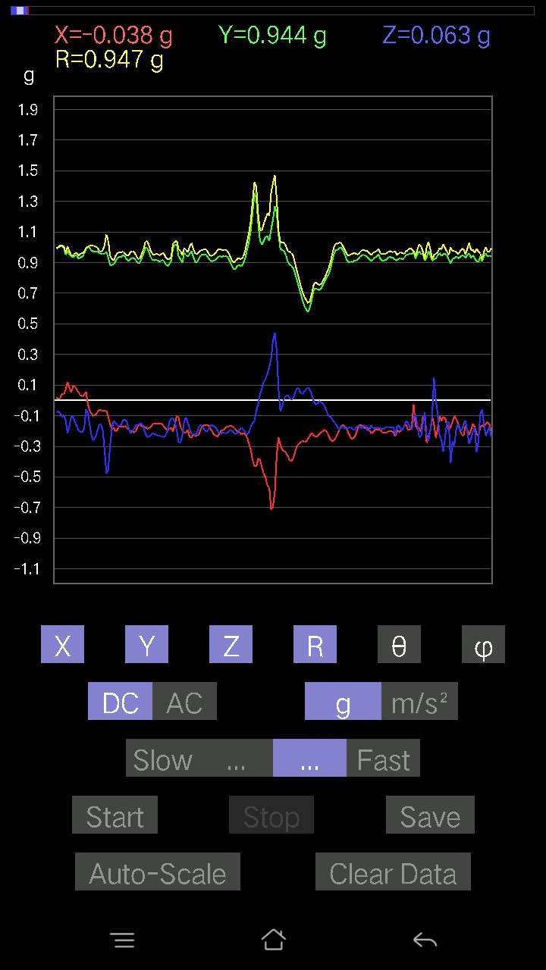
36 | 9.288 | -0.06638357 | 0.96256185 | 0.02831064 | 0.9652635 | 88.319305 | 93.94518
37 | 9.308001 | -0.077122085 | 0.9371798 | 0.033191785 | 0.9409333 | 87.97845 | 94.70437
38 | 9.333 | -0.071264714 | 0.9274175 | 0.04881145 | 0.9314314 | 86.99605 | 94.3941
39 | 9.348001 | -0.05662128 | 0.94303715 | 0.084931925 | 0.94854546 | 84.86291 | 93.436
40 | 9.368 | -0.022453265 | 0.9586569 | 0.11031388 | 0.9652442 | 83.43755 | 91.34171
41 | 9.3880005 | -0.0156196635 | 0.98013395 | 0.062478654 | 0.9822475 | 86.35307 | 90.913
42 | 9.4140005 | -0.01854835 | 0.9928249 | 0.050763905 | 0.9942949 | 87.07348 | 91.0703
43 | 9.429001 | -0.042954076 | 1.0084445 | 0.017572122 | 1.0095118 | 89.002625 | 92.439
44 | 9.448001 | -0.049787678 | 1.0084445 | 0.012690976 | 1.0097526 | 89.27986 | 92.82644
45 | 9.475 | -0.04881145 | 0.9938011 | 0.053692598 | 0.9964468 | 86.91118 | 92.811874
46 | 9.488001 | -0.046858992 | 0.94303715 | 0.073217176 | 0.9470352 | 85.565926 | 92.84466
47 | 9.509001 | -0.09567044 | 0.95572823 | 0.073217176 | 0.9632913 | 85.6409 | 95.716385
48 | 9.537001 | -0.1044565 | 0.94206095 | 0.05759751 | 0.9495828 | 86.52255 | 96.327156
49 | 9.548 | -0.090789296 | 0.9596331 | 0.031239327 | 0.9644244 | 88.14377 | 95.40457
50 | 9.568001 | -0.07809832 | 0.9850151 | 0.04881145 | 0.9893112 | 87.17194 | 94.533295
51 | 9.599001 | -0.067359805 | 0.9869675 | 0.058573738 | 0.990996 | 86.6115 | 93.90434
52 | 9.608001 | -0.055645052 | 0.9654905 | 0.06345488 | 0.96917224 | 86.24597 | 93.29853
53 | 9.629001 | -0.07516963 | 0.9479183 | 0.061502427 | 0.952881 | 86.29935 | 94.53405
54 | 9.659 | -0.065407336 | 0.95377576 | 0.053692598 | 0.95752245 | 86.785484 | 93.92304
55 | 9.668 | -0.06443111 | 0.9596331 | 0.053692598 | 0.9632912 | 86.80475 | 93.841156
56 | 9.688001 | -0.032215554 | 0.9928249 | 0.042954076 | 0.99427575 | 87.52397 | 91.858505
57 | 9.714001 | -0.046858992 | 1.0045396 | 0.034168016 | 1.0062122 | 88.05403 | 92.67075
58 | 9.728001 | -0.035144243 | 0.99087244 | 0.07907455 | 0.9946437 | 85.440155 | 92.03131
59 | 9.748 | -0.04783522 | 0.9957536 | 0.049787678 | 0.99814445 | 87.140884 | 92.75033
60 | 9.77 | -0.055645052 | 0.9830626 | 0.04002539 | 0.98544943 | 87.67221 | 93.2397
61 | 9.788 | -0.05759751 | 0.98208636 | 0.06638357 | 0.9860111 | 86.13962 | 93.356445
62 | 9.808001 | -0.031239327 | 1.001611 | 0.059549972 | 1.0038658 | 86.59918 | 91.78642
63 | 9.831 | -0.027334413 | 1.0006347 | 0.04490653 | 1.0020146 | 87.43136 | 91.564766
64 | 9.863001 | -0.041001618 | 0.9859913 | 0.0976229 | 0.99166036 | 84.35043 | 92.381226
65 | 9.868 | -0.071264714 | 0.9127741 | 0.1181237 | 0.9231405 | 82.64836 | 94.4643
66 | 9.889001 | -0.067359805 | 0.9108216 | 0.08395569 | 0.91715974 | 84.74786 | 94.22961
67 | 9.92 | -0.022453265 | 0.9693954 | 0.0302631 | 0.9701275 | 88.21237 | 91.32686
68 | 9.928 | -0.020500809 | 0.9664667 | 0.005857374 | 0.9667019 | 89.65283 | 91.21518
69 | 9.948001 | 0.0019524579 | 0.98111016 | 0.017572122 | 0.9812694 | 88.973915 | 89.88598
70 | 9.972 | -0.022453265 | 0.9791577 | 0.029286869 | 0.97985286 | 88.28723 | 91.31363
71 | 9.988001 | -0.042954076 | 0.98111016 | 0.04002539 | 0.98286533 | 87.66609 | 92.506874
72 | 10.008 | -0.06443111 | 0.9723241 | 0.041001618 | 0.97531873 | 87.59062 | 93.79117
73 | 10.028001 | -0.08005078 | 0.976229 | 0.055645052 | 0.98108494 | 86.74856 | 94.68777
74 | 10.053 | -0.102504045 | 0.9791577 | 0.04002539 | 0.98532176 | 87.67191 | 95.976295
75 | 10.068001 | -0.0605262 | 1.0055158 | 0.03807293 | 1.0080551 | 87.835495 | 93.44472
76 | 10.088 | -0.0605262 | 1.0133257 | 0.033191785 | 1.0156742 | 88.127266 | 93.41823
77 | 10.109 | -0.059549972 | 0.9791577 | 0.036120474 | 0.98163164 | 87.89125 | 93.4803
78 | 10.142 | -0.07224095 | 0.9440134 | 0.034168016 | 0.94738984 | 87.93316 | 94.37605
79 | 10.148001 | -0.093717985 | 0.95377576 | 0.036120474 | 0.9590495 | 87.84157 | 95.61187
80 | 10.178 | -0.26455808 | 0.9010593 | 0.058573738 | 0.94091964 | 86.43094 | 106.362656
81 | 10.188001 | -0.082003236 | 0.9030118 | -0.017572122 | 0.9068978 | 91.11024 | 95.18884
82 | 10.211 | -0.084931925 | 0.9117979 | 0.046858992 | 0.9169431 | 87.07071 | 95.32162
83 | 10.243 | -0.111290105 | 0.91375035 | 0.08297946 | 0.9242352 | 84.848946 | 96.94413
84 | 10.248 | -0.032215554 | 0.96451426 | 0.025381953 | 0.96538585 | 88.4934 | 91.91302
85 | 10.276 | -0.002928687 | 0.9947773 | 0.012690976 | 0.9948626 | 89.26909 | 90.16868
86 | 10.288 | -0.020500809 | 1.0338265 | 0.03807293 | 1.0347304 | 87.89133 | 91.136024
87 | 10.308001 | -0.046858992 | 1.0387076 | 0.062478654 | 1.0416394 | 86.56127 | 92.58302
88 | 10.339001 | -0.055645052 | 1.0084445 | 0.071264714 | 1.0124897 | 85.96387 | 93.158325
89 | 10.348001 | -0.04490653 | 0.98892 | 0.062478654 | 0.9919087 | 86.38864 | 92.6
90 | 10.370001 | -0.07516963 | 0.99184865 | 0.058573738 | 0.99641615 | 86.62996 | 94.334015
91 | 10.398001 | -0.07809832 | 0.99184865 | 0.046858992 | 0.9960215 | 87.30346 | 94.50219
92 | 10.408001 | -0.0605262 | 0.98013395 | 0.045882765 | 0.98307234 | 87.324875 | 93.5337
93 | 10.429001 | -0.050763905 | 0.9488945 | 0.053692598 | 0.9517671 | 86.76602 | 93.06229
94 | 10.452001 | -0.04783522 | 0.92546505 | 0.03904916 | 0.92752284 | 87.587105 | 92.958855
95 | 10.468 | -0.05759751 | 0.95279956 | 0.049787678 | 0.9558365 | 87.01422 | 93.459366
96 | 10.488001 | -0.07809832 | 0.97134787 | 0.06638357 | 0.9767409 | 86.10293 | 94.59681
97 | 10.508 | -0.08395569 | 0.9459658 | 0.062478654 | 0.95173705 | 86.236 | 95.071785
98 | 10.5390005 | -0.050763905 | 0.9459658 | 0.036120474 | 0.9480153 | 87.81644 | 93.07175
99 | 10.548 | -0.061502427 | 0.9693954 | 0.04490653 | 0.97238195 | 87.35303 | 93.63021
100 | 10.569 | -0.06638357 | 0.98794377 | 0.046858992 | 0.9912797 | 87.29055 | 93.84414
101 | 10.599001 | -0.06833603 | 0.99087244 | 0.041977845 | 0.99411273 | 87.57988 | 93.94518
102 | 10.608001 | -0.07028849 | 0.976229 | 0.04881145 | 0.9799725 | 87.14497 | 94.11819
103 | 10.63 | -0.06931226 | 0.9693954 | 0.051740136 | 0.97324646 | 86.95258 | 94.089714
104 | 10.663 | -0.06638357 | 0.97134787 | 0.04881145 | 0.9748364 | 87.12992 | 93.909615
105 | 10.668 | -0.062478654 | 0.9791577 | 0.046858992 | 0.9822673 | 87.26567 | 93.65101
106 | 10.703 | -0.077122085 | 0.9947773 | 0.043930303 | 0.998729 | 87.478966 | 94.4331
107 | 10.708 | -0.082003236 | 1.0064921 | 0.04783522 | 1.0109595 | 87.28794 | 94.657845
108 | 10.733001 | -0.077122085 | 1.001611 | 0.049787678 | 1.0058087 | 87.16269 | 94.40298
109 | 10.748 | -0.077122085 | 0.98892 | 0.055645052 | 0.99348223 | 86.78918 | 94.45925
110 | 10.768001 | -0.0741934 | 0.97330034 | 0.04783522 | 0.97729546 | 87.19445 | 94.35915
111 | 10.794001 | -0.08395569 | 0.95572823 | 0.046858992 | 0.96055233 | 87.20381 | 95.02025
112 | 10.808001 | -0.06931226 | 0.9518233 | 0.04881145 | 0.9555911 | 87.07207 | 94.164955
113 | 10.828 | -0.06833603 | 0.9459658 | 0.04490653 | 0.9494934 | 87.28917 | 94.131836
114 | 10.851001 | -0.07516963 | 0.9449896 | 0.052716363 | 0.9494392 | 86.81709 | 94.54804
115 | 10.879001 | -0.071264714 | 0.9391323 | 0.046858992 | 0.9429973 | 87.15171 | 94.33949
116 | 10.8880005 | -0.055645052 | 0.9459658 | 0.050763905 | 0.94895977 | 86.93354 | 93.36646
117 | 10.908001 | -0.055645052 | 0.9508471 | 0.04881145 | 0.9537238 | 87.06633 | 93.34922
118 | 10.939 | -0.071264714 | 0.9654905 | 0.03904916 | 0.96890426 | 87.690216 | 94.22146
119 | 10.948001 | -0.08590815 | 0.95279956 | 0.036120474 | 0.95734626 | 87.83773 | 95.152084
120 | 10.97 | -0.10055158 | 0.98208636 | 0.02831064 | 0.9876263 | 88.35737 | 95.845894
121 | 10.988001 | -0.0976229 | 0.9898962 | 0.014643434 | 0.9948061 | 89.156586 | 95.63226
122 | 11.008 | -0.10836142 | 1.0045396 | 0.011714748 | 1.0104352 | 89.33571 | 96.156784
123 | 11.044001 | -0.10933765 | 1.0123495 | 0.002928687 | 1.0182409 | 89.835205 | 96.16427
124 | 11.048 | -0.11226633 | 1.0025872 | 0.017572122 | 1.0090063 | 89.00213 | 96.389175
125 | 11.078 | -0.111290105 | 0.9947773 | 0.016595893 | 1.0011208 | 89.05015 | 96.383385
126 | 11.088 | -0.102504045 | 0.98794377 | 0.013667206 | 0.99334127 | 89.211655 | 95.92352
127 | 11.111 | -0.09274176 | 0.9869675 | 0.0156196635 | 0.99143827 | 89.09729 | 95.36811
128 | 11.13 | -0.084931925 | 0.9830626 | 0.01854835 | 0.98689896 | 88.92309 | 94.93782
129 | 11.148001 | -0.08786061 | 0.95670444 | 0.026358182 | 0.9610919 | 88.42845 | 95.24714
130 | 11.183001 | -0.08688438 | 0.9391323 | 0.01854835 | 0.94332516 | 88.87334 | 95.285706
131 | 11.198001 | -0.088836834 | 0.9479183 | 0.026358182 | 0.9524368 | 88.41417 | 95.354
132 | 11.22 | -0.093717985 | 0.9498709 | 0.021477038 | 0.95472455 | 88.71099 | 95.63479
133 | 11.238001 | -0.08102701 | 0.95475197 | 0.0156196635 | 0.9583114 | 89.066086 | 94.8509
134 | 11.258 | -0.09176553 | 0.9508471 | 0.022453265 | 0.95552874 | 88.65353 | 95.5125
135 | 11.286 | -0.09274176 | 0.9440134 | 0.017572122 | 0.94872075 | 88.93871 | 95.61085
136 | 11.298 | -0.09567044 | 0.938156 | 0.01952458 | 0.9432236 | 88.8139 | 95.82273
137 | 11.318001 | -0.09469421 | 0.9303462 | 0.00976229 | 0.9352039 | 89.40189 | 95.81177
138 | 11.346001 | -0.08981306 | 0.9401085 | -0.016595893 | 0.9445347 | 91.00677 | 95.45718
139 | 11.358001 | -0.08395569 | 0.9391323 | -0.021477038 | 0.9431221 | 91.30487 | 95.1085
140 | 11.379001 | -0.09274176 | 0.9235126 | -0.013667206 | 0.9282582 | 90.84363 | 95.73458
...

第三次
...
File |  | 2016-12-02 | 09-51-37
0.002928687 | 0.9582602 | 89.82489 | 91.98499
-0.002928687 | 0.96109045 | 90.1746 | 91.80445
-0.04490653 | 0.9621043 | 92.67527 | 91.746284
-0.03904916 | 0.9657195 | 92.317406 | 91.681274
0 | 0.95614743 | 90 | 91.696724
-0.006833603 | 0.9561719 | 90.409485 | 91.696724
-0.00976229 | 0.98126805 | 90.57002 | 90.855095
-0.017572122 | 0.9775211 | 91.030014 | 91.03018
-0.017572122 | 0.96127784 | 91.047424 | 91.86262
-0.0019524579 | 0.95352346 | 90.11732 | 92.22965
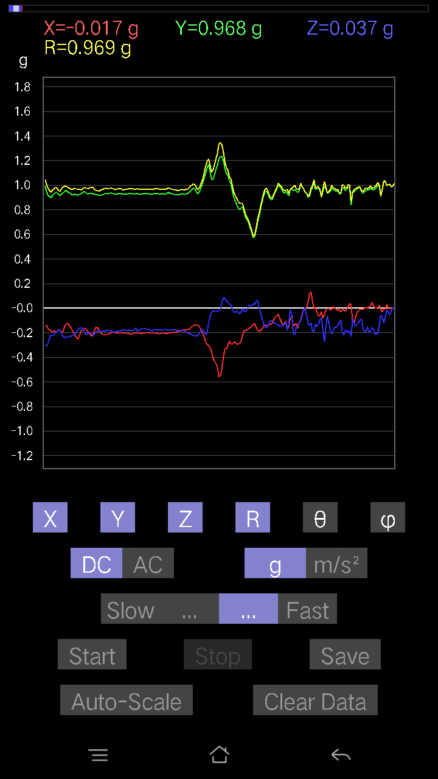
-0.0039049159 | 0.9599037 | 90.23308 | 91.34035
-0.008786061 | 0.96286374 | 90.52283 | 91.33627
-0.025381953 | 0.96337193 | 91.50974 | 91.8008
-0.00976229 | 0.96870655 | 90.577415 | 91.27046
-0.0039049159 | 0.955808 | 90.23408 | 90.70226
-0.025381953 | 0.9387917 | 91.549286 | 91.4306
0.005857374 | 0.96941507 | 89.65381 | 90.1154
-0.00976229 | 0.9578021 | 90.58399 | 90.70083
0.011714748 | 0.9821562 | 89.31658 | 90
-0.00976229 | 1.0016819 | 90.55841 | 90.3909
-0.055645052 | 1.009299 | 93.16045 | 91.38771
-0.010738519 | 1.0134296 | 90.60713 | 90.55196
-0.002928687 | 0.9958656 | 90.168495 | 90.84252
0.024405725 | 0.96340996 | 88.54839 | 91.91689
0.034168016 | 0.931434 | 87.897736 | 91.80305
0.029286869 | 0.9178967 | 88.171585 | 92.31741
0.023429496 | 0.9328873 | 88.56086 | 91.43959
-0.0039049159 | 0.9315562 | 90.24017 | 91.261024
0.006833603 | 0.9694239 | 89.59611 | 90.173096
-0.021477038 | 0.9813763 | 91.254 | 89.54392
-0.012690976 | 0.9969487 | 90.729385 | 89.0461
-0.012690976 | 0.99504983 | 90.730774 | 88.875595
-0.0039049159 | 1.0084823 | 90.221855 | 89.55628
-0.029286869 | 1.0186448 | 91.64753 | 89.6704
9.76E-04 | 1.0280604 | 89.945595 | 89.23828
0.0019524579 | 0.988934 | 89.88688 | 89.7172
0.010738519 | 0.9606818 | 89.359535 | 89.70886
0.0039049159 | 0.94402605 | 89.763 | 89.82225
-0.005857374 | 0.9596912 | 90.3497 | 89.47543
0.005857374 | 0.9792453 | 89.65728 | 89.31454
9.76E-04 | 0.99030143 | 89.94352 | 88.36181
0.0039049159 | 1.0026522 | 89.776855 | 86.37147
0.016595893 | 1.0087516 | 89.057335 | 86.28184
0.024405725 | 0.9732303 | 88.56304 | 87.98742
0.002928687 | 0.9508536 | 89.823524 | 89.88235
-0.020500809 | 0.9589258 | 91.22501 | 90.58344
-0.04002539 | 0.9760816 | 92.35014 | 90.22941
-0.022453265 | 0.99703044 | 91.29042 | 90.56116
0.016595893 | 0.9884621 | 89.03798 | 93.00089
0.005857374 | 0.97351766 | 89.655266 | 92.8165
-0.016595893 | 0.98011595 | 90.970215 | 92.3408
-0.027334413 | 0.96215284 | 91.62797 | 91.105064
0.014643434 | 0.98462075 | 89.14786 | 95.40532
-0.01952458 | 0.99328554 | 91.12631 | 93.83281
-0.02831064 | 0.9616619 | 91.68699 | 93.31863
0.025381953 | 0.93765557 | 88.44884 | 93.822014
...

第四次
...
File |  | 2016-12-02 | 09-53-31
0.0019524579 | 0.9514628 | 89.88242 | 87.942
-0.008786061 | 0.95080185 | 90.52946 | 86.40899
-0.042954076 | 0.9589934 | 92.567184 | 86.026695
-0.006833603 | 0.964823 | 90.405815 | 84.65861
0.010738519 | 0.9549247 | 89.355675 | 85.42608
-0.008786061 | 0.9529225 | 90.52828 | 87.29882
-0.010738519 | 0.95791155 | 90.64232 | 87.195915
0.012690976 | 0.96194327 | 89.24407 | 86.10082
0.008786061 | 0.9352793 | 89.461754 | 87.36756
-0.054668825 | 0.9170704 | 93.41757 | 87.73869
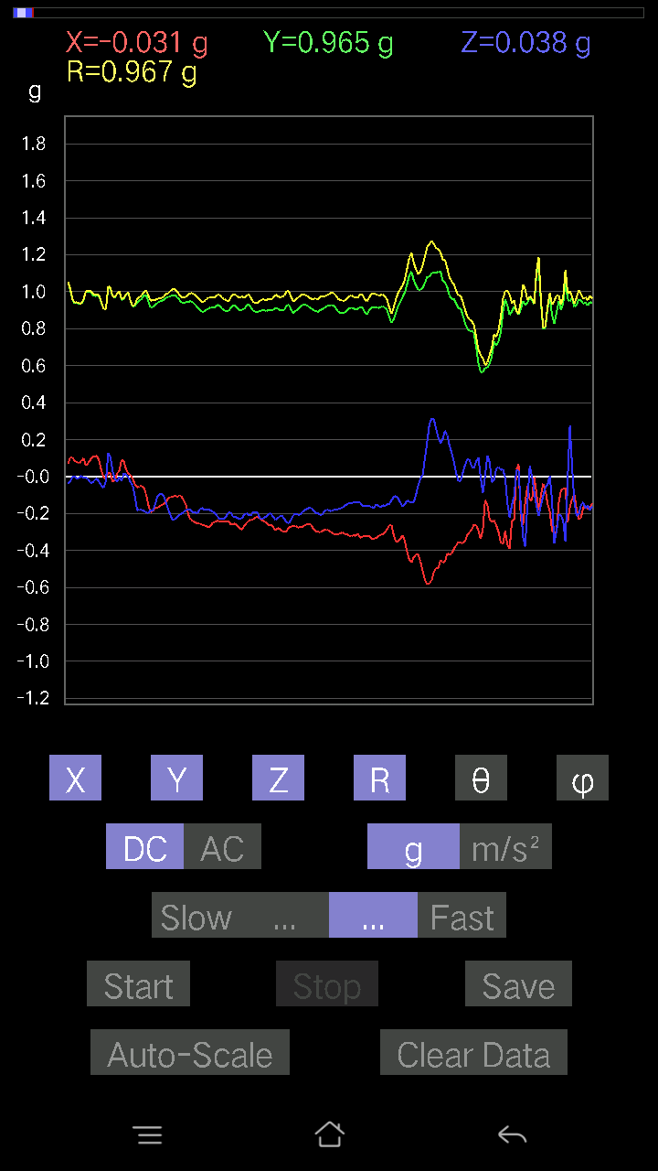
0.10152781 | 0.9743607 | 84.01896 | 87.92163
-0.004881145 | 0.9900546 | 90.28248 | 86.2686
0.01952458 | 0.98038137 | 88.858864 | 87.374115
0.029286869 | 0.9823193 | 88.29153 | 86.58002
9.76E-04 | 0.981301 | 89.943 | 87.20591
-0.014643434 | 1.0019314 | 90.83742 | 87.2073
0.0078098318 | 1.0022658 | 89.553535 | 86.76135
0.065407336 | 0.96893966 | 86.129364 | 86.1205
0.093717985 | 0.94612855 | 84.31529 | 85.95671
-0.04002539 | 0.9069272 | 92.52946 | 90.86431
0.073217176 | 0.9963875 | 85.78596 | 86.507935
0.04881145 | 1.0003623 | 87.20321 | 88.20834
0.06345488 | 1.008661 | 86.39314 | 88.94423
0.06638357 | 0.9943672 | 86.17211 | 88.59045
0.065407336 | 0.9932208 | 86.22412 | 88.87116
0.06833603 | 0.98761624 | 86.03237 | 88.75093
0.07028849 | 0.9896502 | 85.92722 | 87.22248
0.065407336 | 0.9684438 | 86.12737 | 86.58255
0.06833603 | 0.94538385 | 85.85482 | 87.56713
0.07809832 | 0.94584495 | 85.2637 | 86.73459
0.059549972 | 0.9514106 | 86.41144 | 87.87891
0.052716363 | 0.9687011 | 86.88044 | 86.528275
0.09567044 | 0.9678468 | 84.32712 | 85.87301
-0.0370967 | 0.9623722 | 92.20914 | 89.30202
-0.002928687 | 1.019356 | 90.16461 | 88.957375
0.059549972 | 1.0550529 | 86.76436 | 86.493225
0.111290105 | 1.0165263 | 83.714615 | 85.62252
0.12398108 | 0.9704964 | 82.6604 | 87.44229
0.10348027 | 0.9170059 | 83.52061 | 88.46511
0.050763905 | 0.9112589 | 86.80654 | 86.24727
0.036120474 | 0.92175764 | 87.7542 | 88.17784
0.054668825 | 0.9213057 | 86.59816 | 90.72984
0.05759751 | 0.94871676 | 86.51938 | 90.41347
0.0302631 | 0.99129266 | 88.25055 | 86.44127
-0.0156196635 | 1.0075233 | 90.88829 | 84.99659
0.020500809 | 1.0121899 | 88.839455 | 86.79258
0.013667206 | 1.0094963 | 89.224266 | 86.45132
-0.014643434 | 1.0075014 | 90.83279 | 86.49986
0.012690976 | 0.96032506 | 89.2428 | 87.96083
0.006833603 | 0.94900596 | 89.58742 | 87.287704
0.0039049159 | 0.9517813 | 89.76493 | 87.47216
0.0019524579 | 0.93679374 | 89.880585 | 87.969505
-0.012690976 | 0.9486605 | 90.76651 | 86.637
-0.017572122 | 0.9449841 | 91.06548 | 87.63131
-0.021477038 | 0.9234187 | 91.33272 | 87.87891
...

第五次
...
File |  | 2016-12-02 | 09-54-03
0.08005078 | 0.992497 | 85.37373 | 86.09566
0.08786061 | 0.9690788 | 84.79819 | 86.752655
0.11324256 | 0.9586654 | 83.21609 | 87.23736
0.1044565 | 0.9664164 | 83.79498 | 86.213036
0.099575356 | 0.9760835 | 84.144775 | 86.71472
0.07907455 | 0.96698827 | 85.309456 | 87.15498
0.08981306 | 0.9467226 | 84.55631 | 86.912346
0.08786061 | 0.9364885 | 84.61664 | 87.29937
0.06833603 | 0.9554714 | 85.89866 | 87.12294
0.067359805 | 0.97150093 | 86.02416 | 85.725235
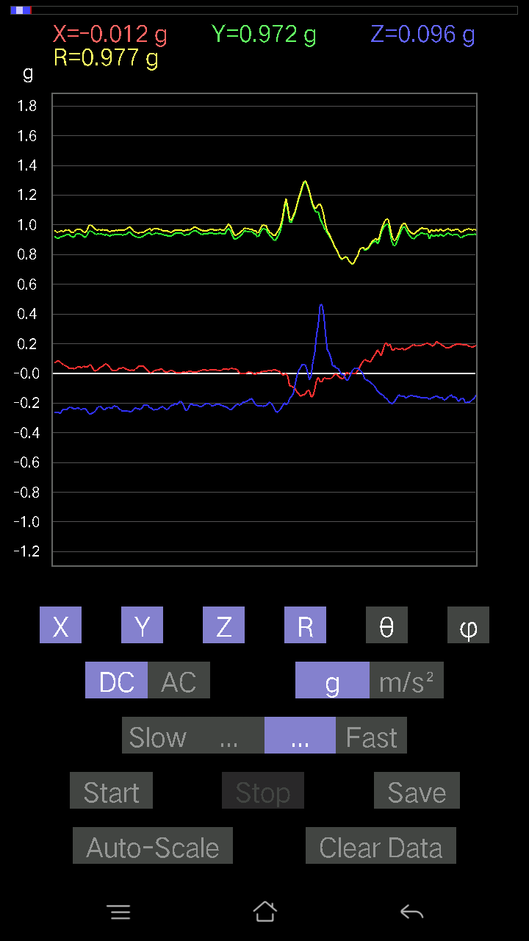
0.0302631 | 0.9702573 | 88.21261 | 86.01711
0.0302631 | 0.96804667 | 88.20853 | 86.23976
0.06345488 | 0.9586102 | 86.20455 | 85.66857
0.052716363 | 0.9122869 | 86.687325 | 85.45057
0.13764828 | 0.93051624 | 81.4932 | 87.81142
0.08981306 | 0.94948196 | 84.57218 | 87.09918
0.033191785 | 0.9973516 | 88.09285 | 86.35016
0.07614586 | 1.0366306 | 85.78754 | 85.0162
0.15619664 | 1.0154706 | 81.15181 | 87.713844
0.062478654 | 0.9715656 | 86.31293 | 88.96152
0.07614586 | 0.9706947 | 85.500824 | 88.67047
0.06345488 | 0.9756636 | 86.27098 | 87.06874
0.036120474 | 0.9696608 | 87.865204 | 88.037
0.052716363 | 0.9768736 | 86.90657 | 87.18914
0.08005078 | 0.9636593 | 85.23497 | 85.74425
0.13569583 | 0.8973382 | 81.302345 | 84.8855
0.14643435 | 0.88058996 | 80.42775 | 88.13162
0.10055158 | 0.93725556 | 83.841286 | 88.07885
0.051740136 | 0.9805777 | 86.97539 | 87.3715
0.058573738 | 0.99444586 | 86.623276 | 86.5045
0.07028849 | 0.98606133 | 85.91237 | 86.87064
0.049787678 | 0.9741039 | 87.07027 | 86.83611
0.029286869 | 0.9543696 | 88.24148 | 89.00314
0.0302631 | 0.94352716 | 88.16196 | 90.17794
0.032215554 | 0.9416607 | 88.039444 | 90.41604
0.04002539 | 0.9537243 | 87.594734 | 89.236885
0.054668825 | 0.97147 | 86.77402 | 88.09661
0.055645052 | 0.96740013 | 86.702515 | 87.045044
0.06345488 | 0.96419907 | 86.22658 | 86.80082
-0.0019524579 | 1.0391483 | 90.10765 | 83.68953
-0.021477038 | 1.052343 | 91.16942 | 82.696945
0.014643434 | 0.9840248 | 89.14734 | 84.362946
0.0302631 | 0.93470496 | 88.1446 | 84.78389
0.02831064 | 0.89926857 | 88.19592 | 84.20272
0.033191785 | 0.8845825 | 87.84961 | 84.2957
0.017572122 | 0.8772981 | 88.8523 | 84.95568
0.008786061 | 0.8974227 | 89.43905 | 85.19495
0.006833603 | 0.93969274 | 89.58333 | 85.82957
-0.0039049159 | 0.99096143 | 90.22578 | 86.3286
-0.027334413 | 1.0125561 | 91.54691 | 84.46536
0.016595893 | 1.0154184 | 89.06352 | 85.64355
0.034168016 | 1.0029873 | 88.04777 | 86.594215
0.04881145 | 0.97366846 | 87.12647 | 86.25862
0.02831064 | 0.9711345 | 88.32947 | 84.633415
0.008786061 | 0.9829157 | 89.48784 | 83.84206
-0.013667206 | 0.97128654 | 90.80625 | 84.34672
...

第六次
...
File |  | 2016-12-02 | 09-55-46
0.08981306 | 0.99469113 | 84.81957 | 87.7974
0.09274176 | 0.98768276 | 84.61208 | 88.69158
0.06931226 | 0.9777951 | 85.935104 | 89.25445
0.07809832 | 0.980601 | 85.43194 | 88.62654
0.077122085 | 0.967735 | 85.429054 | 89.01424
0.07809832 | 0.96985495 | 85.38121 | 88.72697
0.055645052 | 0.9585843 | 86.67216 | 88.65555
0.065407336 | 0.9495642 | 86.050255 | 88.40558
0.0302631 | 0.95339257 | 88.180984 | 89.1195
0.014643434 | 0.9656509 | 89.13112 | 89.42069
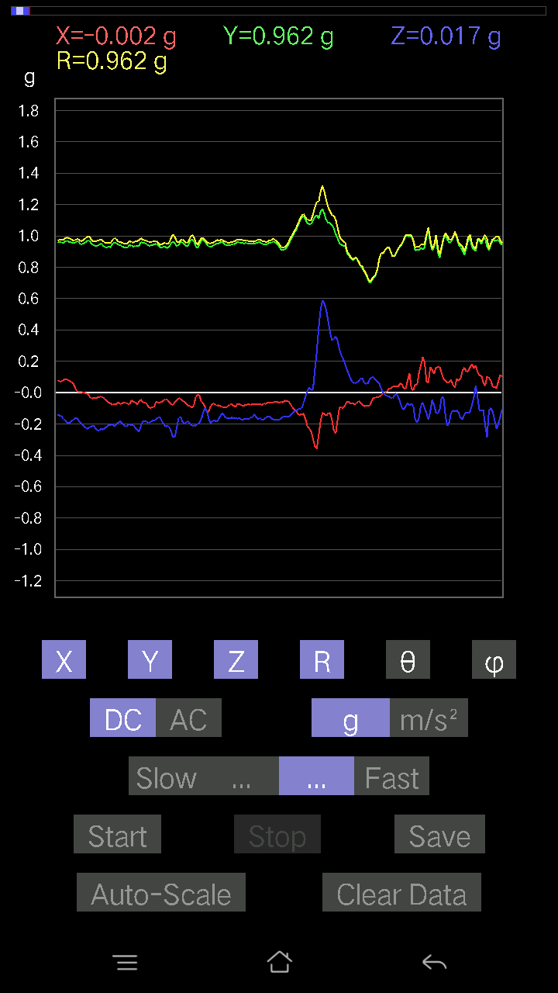
0.036120474 | 0.98215526 | 87.89237 | 88.40411
0.025381953 | 0.9708808 | 88.50193 | 88.904945
0.04490653 | 0.9669779 | 87.33822 | 88.26254
0.04881145 | 0.9576926 | 87.0785 | 87.777176
0.050763905 | 0.9616683 | 86.974106 | 86.61986
0.046858992 | 0.94996107 | 87.17261 | 87.52325
0.04783522 | 0.94470364 | 87.09758 | 88.2212
0.055645052 | 0.9604312 | 86.67856 | 88.94989
0.10055158 | 0.97559136 | 84.084175 | 89.59651
0.07516963 | 0.97230595 | 85.566 | 90.0577
0.07907455 | 0.9775504 | 85.360245 | 89.311104
0.08688438 | 0.9756089 | 84.89066 | 88.388084
0.0039049159 | 0.99680626 | 89.77555 | 89.32662
0.08297946 | 1.0018744 | 85.24908 | 87.81463
0.13471961 | 0.97611624 | 82.06695 | 88.553444
0.127886 | 0.9692814 | 82.41835 | 88.83561
0.13764828 | 0.9511301 | 81.67889 | 89.52453
0.13374338 | 0.9389689 | 81.81114 | 90.42129
0.11519502 | 0.96944803 | 83.17568 | 90.34865
0.08297946 | 0.9632145 | 85.05793 | 89.94171
0.07516963 | 0.9851336 | 85.62385 | 88.918
0.06638357 | 0.9756104 | 86.098404 | 89.42534
0.059549972 | 0.96640015 | 86.46717 | 90.579895
0.06345488 | 0.9753686 | 86.26985 | 89.88506
0.07516963 | 0.9810655 | 85.60567 | 90
0.088836834 | 0.99001604 | 84.85177 | 90.45382
0.08102701 | 0.9902899 | 85.306725 | 90.11334
0.062478654 | 0.99287915 | 86.39218 | 89.491974
0.065407336 | 0.99793816 | 86.242 | 89.49446
0.0605262 | 0.9812835 | 86.463715 | 88.68637
0.08590815 | 0.9421135 | 84.76812 | 89.52304
0.09859913 | 0.940443 | 83.981865 | 89.52155
0.067359805 | 0.967897 | 86.00933 | 89.36276
0.052716363 | 1.0005014 | 86.97969 | 88.32025
0.04490653 | 1.0106473 | 87.453316 | 88.78113
0.026358182 | 1.0072082 | 88.50043 | 88.444336
0.020500809 | 0.9834702 | 88.805565 | 88.8622
0.0302631 | 0.9670114 | 88.206604 | 90.69446
0.021477038 | 0.9780046 | 88.74168 | 91.945366
0.013667206 | 0.96822035 | 89.1912 | 93.35289
0.023429496 | 0.96006256 | 88.60161 | 89.009224
0.0156196635 | 0.95988727 | 89.06762 | 90.9325
0.012690976 | 0.9519159 | 89.23611 | 90.23506
0.0156196635 | 0.96193093 | 89.0696 | 88.77865
0.025381953 | 0.9785283 | 88.51364 | 89.65691
0.0370967 | 0.973032 | 87.81508 | 89.942474
...

第七次
...
File |  | 2016-12-02 | 09-56-35
0.054668825 | 0.9639025 | 86.74866 | 84.35303
0.05759751 | 0.95184577 | 86.53083 | 83.51028
0.045882765 | 0.9455961 | 87.218765 | 84.48387
0.067359805 | 0.952108 | 85.94305 | 84.27769
0.0741934 | 0.95561844 | 85.54713 | 84.23683
0.0605262 | 0.9586301 | 86.380035 | 84.20215
0.06931226 | 0.95488816 | 85.837425 | 83.880325
0.07614586 | 0.9653977 | 85.47609 | 83.76892
0.077122085 | 0.9746086 | 85.461365 | 83.59623
0.07907455 | 0.9644565 | 85.29711 | 83.878296
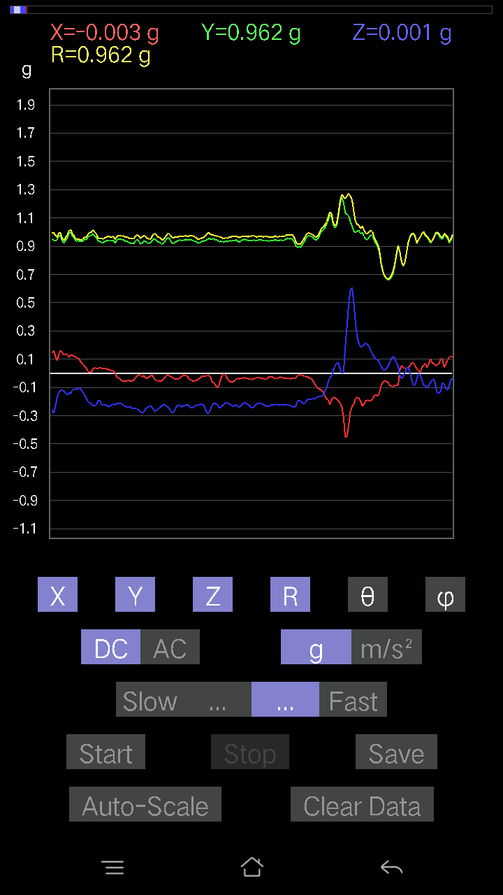
0.08981306 | 0.9608812 | 84.636765 | 83.67272
0.09859913 | 0.96002823 | 84.10508 | 83.54338
0.12007617 | 0.95862156 | 82.804276 | 83.51692
0.10348027 | 0.9689603 | 83.8694 | 84.300964
0.08102701 | 0.9753671 | 85.23476 | 83.367485
0.10152781 | 0.9395411 | 83.79644 | 84.90316
0.09274176 | 1.0013341 | 84.68575 | 82.68711
0.061502427 | 0.9798193 | 86.40123 | 85.07485
0.093717985 | 0.97705895 | 84.49581 | 84.12345
0.08786061 | 0.97926277 | 84.85243 | 84.831535
0.046858992 | 0.9946413 | 87.29971 | 84.474266
0.052716363 | 1.0092909 | 87.00602 | 84.107185
0.082003236 | 0.97554785 | 85.1781 | 83.83137
0.102504045 | 0.9383434 | 83.72853 | 84.47439
0.08981306 | 0.9116212 | 84.34604 | 85.98906
0.08102701 | 0.9189079 | 84.94123 | 85.71846
0.111290105 | 0.9295904 | 83.124084 | 85.935974
0.1044565 | 0.9405747 | 83.6238 | 85.08728
0.099575356 | 0.93002087 | 83.85368 | 84.60841
0.111290105 | 0.9409657 | 83.2076 | 83.52098
0.062478654 | 0.97964764 | 86.34338 | 83.002716
0.002928687 | 1.0478803 | 89.83987 | 82.020874
0.010738519 | 1.0823091 | 89.43151 | 82.06724
0.02831064 | 1.0208079 | 88.41078 | 83.24213
0.0741934 | 0.9626653 | 85.57978 | 83.57615
0.093717985 | 0.9240826 | 84.17921 | 84.27125
0.088836834 | 0.94986683 | 84.63354 | 83.24179
0.034168016 | 0.97254413 | 87.98663 | 82.03267
-9.76E-04 | 1.0171937 | 90.054985 | 80.61
0.002928687 | 1.0314182 | 89.83731 | 79.25375
0.049787678 | 0.9790687 | 87.08514 | 79.239784
0.07809832 | 0.96466935 | 85.35633 | 79.055145
0.036120474 | 0.9714975 | 87.86924 | 80.21564
0.006833603 | 1.0083094 | 89.61169 | 82.93691
0.0156196635 | 1.0138823 | 89.11728 | 84.69568
0.022453265 | 0.9714499 | 88.6756 | 84.34672
0.0078098318 | 0.92138743 | 89.51434 | 83.123474
0.034168016 | 0.9254048 | 87.88403 | 83.39263
0.017572122 | 0.93313855 | 88.92099 | 82.72626
0.020500809 | 0.9562889 | 88.77161 | 82.07674
0.006833603 | 0.98420197 | 89.60217 | 81.09828
0.021477038 | 0.9738461 | 88.736305 | 82.162384
0.027334413 | 0.92532605 | 88.30722 | 88.24598
-0.032215554 | 0.9529759 | 91.93726 | 85.06078
-0.026358182 | 0.9253585 | 91.63225 | 83.820076
-0.00976229 | 0.9148458 | 90.61141 | 81.59319
...

第八次
...
File |  | 2016-12-02 | 09-57-09
0.1181237 | 0.9304455 | 82.70639 | 84.47635
0.16303024 | 0.9411521 | 80.02467 | 83.83307
0.19426957 | 0.960259 | 78.32795 | 83.443054
0.16107778 | 0.97248536 | 80.465866 | 83.45371
0.1513155 | 0.9881025 | 81.19121 | 82.64762
0.16791138 | 0.9694735 | 80.02616 | 81.770485
0.119099945 | 0.88684857 | 82.282104 | 84.45407
0.15912533 | 0.9079192 | 79.90599 | 83.10007
0.1786499 | 0.95182574 | 79.181885 | 82.74141
0.14350566 | 0.963978 | 81.43866 | 83.94492
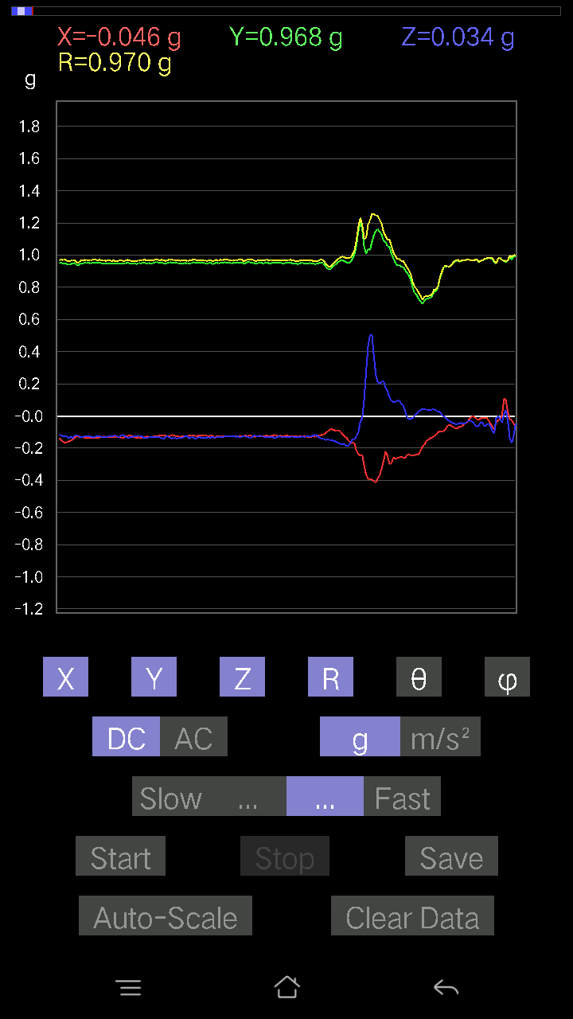
0.15424417 | 0.99057996 | 81.04197 | 84.676186
0.13276714 | 0.9837996 | 82.24407 | 83.96397
0.15619664 | 0.9519774 | 80.556435 | 84.81097
0.16107778 | 0.92745507 | 79.998314 | 84.9719
0.16498269 | 0.940145 | 79.893036 | 84.67426
0.14741059 | 0.9560373 | 81.130226 | 83.82983
0.12202863 | 0.9703471 | 82.77548 | 84.17956
0.12495731 | 0.97717404 | 82.653114 | 84.39278
0.12398108 | 0.9738094 | 82.6855 | 85.24598
0.114218794 | 0.954947 | 83.130554 | 86.16238
0.08297946 | 0.9544993 | 85.012695 | 86.29157
0.10543273 | 0.958733 | 83.68636 | 85.41672
0.11324256 | 0.96282613 | 83.24554 | 84.551346
0.12690976 | 0.96038306 | 82.40644 | 84.11401
0.0302631 | 0.9319593 | 88.13913 | 86.15397
0.21477039 | 0.95610696 | 77.018875 | 85.19149
0.1786499 | 0.9617783 | 79.295166 | 86.2686
0.16400647 | 1.0120034 | 80.67345 | 86.469086
0.16888762 | 1.0320263 | 80.581375 | 86.53676
0.16986385 | 1.0356096 | 80.55952 | 88.30244
0.055645052 | 0.98378557 | 86.75749 | 89.08881
-0.020500809 | 0.9608286 | 91.22259 | 90.05823
0.1210524 | 0.97824824 | 82.89177 | 88.44406
0.12495731 | 0.9547948 | 82.47993 | 87.93139
0.1581491 | 0.9568518 | 80.48646 | 87.86574
0.16791138 | 0.98250073 | 80.15973 | 87.97728
0.15326795 | 0.9943236 | 81.132904 | 88.46261
0.127886 | 1.009492 | 82.722015 | 87.821014
0.11617125 | 1.0040585 | 83.3559 | 88.03666
0.10836142 | 0.98051935 | 83.65504 | 88.737175
0.10836142 | 0.9599717 | 83.51865 | 89.354935
0.10640897 | 0.9597176 | 83.634224 | 89.58949
0.10055158 | 0.98732907 | 84.15475 | 89.14575
0.09859913 | 0.9844368 | 84.25174 | 88.5151
0.08688438 | 0.95786875 | 84.79578 | 89.00314
0.09274176 | 0.940184 | 84.33902 | 88.38562
0.084931925 | 0.95312095 | 84.887634 | 86.87573
0.10836142 | 0.98887086 | 83.70884 | 86.5266
0.088836834 | 0.97968554 | 84.79733 | 86.96009
0.07907455 | 0.97033286 | 85.32566 | 87.917435
0.07809832 | 0.9940394 | 85.49382 | 89.20976
0.054668825 | 0.99338484 | 86.84525 | 89.54886
0.046858992 | 0.99685746 | 87.30572 | 90.11234
0.042954076 | 0.9869501 | 87.505585 | 90.397095
0.046858992 | 0.97540325 | 87.246414 | 90.05741
0.017572122 | 0.96966475 | 88.96164 | 87.28741
...

第九次
...
File |  | 2016-12-02 | 09-57-39
0.12593354 | 0.9681687 | 82.52613 | 88.543144
0.11031388 | 0.9965447 | 83.64454 | 88.136
0.08981306 | 0.99630904 | 84.828 | 88.365036
0.12007617 | 0.9806093 | 82.966446 | 87.52792
0.13764828 | 0.94799924 | 81.651215 | 87.67364
0.14643435 | 0.9368696 | 81.0077 | 87.52095
0.119099945 | 0.9463028 | 82.769684 | 87.914185
0.102504045 | 0.97816294 | 83.984795 | 86.893524
0.09176553 | 0.9742922 | 84.59548 | 86.76899
0.10640897 | 0.9523822 | 83.58499 | 88.2267
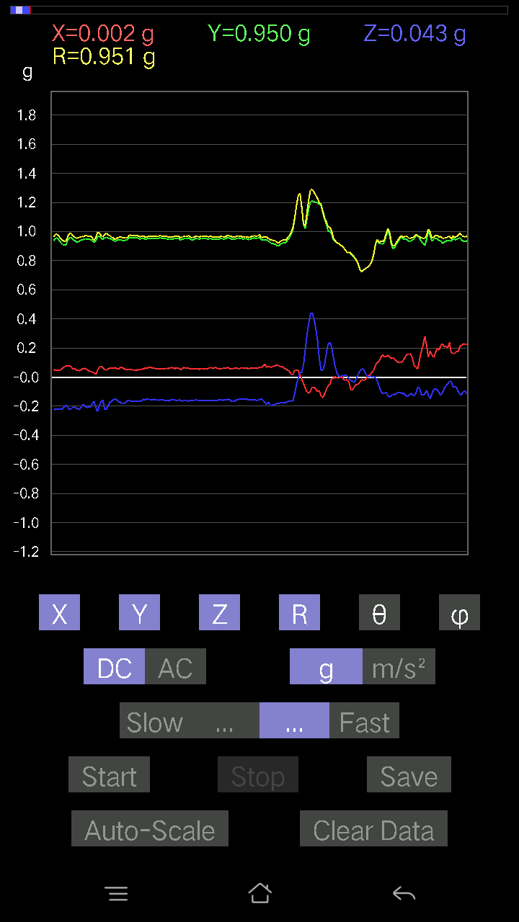
0.12202863 | 0.9385389 | 82.52927 | 88.737656
0.10348027 | 0.94296086 | 83.699684 | 89.22417
0.088836834 | 0.95711184 | 84.67428 | 88.88475
0.08981306 | 0.96155334 | 84.640526 | 87.8962
0.073217176 | 0.95142764 | 85.58643 | 87.817795
0.07809832 | 0.93985295 | 85.23344 | 88.32761
0.08395569 | 0.95749956 | 84.96972 | 87.36016
0.090789296 | 0.9736381 | 84.64954 | 86.36248
0.10152781 | 0.96204084 | 83.94208 | 86.372604
0.08688438 | 0.95314246 | 84.769905 | 87.05225
0.1044565 | 0.96774685 | 83.80354 | 88.13927
0.102504045 | 0.9800085 | 83.99616 | 88.450294
0.09859913 | 0.997984 | 84.330025 | 88.64814
0.093717985 | 1.0101022 | 84.6764 | 88.77639
-0.046858992 | 0.97795004 | 92.74641 | 87.99547
0.15912533 | 0.9908581 | 80.75865 | 85.706566
0.052716363 | 0.93397206 | 86.76432 | 88.86024
0.1044565 | 0.9643177 | 83.781425 | 87.43188
0.090789296 | 0.9812583 | 84.69121 | 87.65219
0.09664667 | 0.9774963 | 84.3258 | 86.0291
0.08688438 | 0.9883305 | 84.956604 | 88.23848
0.041001618 | 1.008531 | 87.67001 | 88.77876
0.022453265 | 1.024675 | 88.7444 | 88.471016
0.01952458 | 1.017859 | 88.90089 | 86.975655
0.08395569 | 1.0007067 | 85.18743 | 85.28294
0.090789296 | 0.9489176 | 84.50973 | 86.74133
0.0976229 | 0.91477245 | 83.87383 | 87.78558
0.07614586 | 0.9572293 | 85.4374 | 88.299805
0.06833603 | 0.98578733 | 86.024994 | 88.464134
0.08590815 | 0.99226034 | 85.03321 | 88.01922
0.08005078 | 0.97388375 | 85.28511 | 88.7897
0.09176553 | 0.96012807 | 84.51551 | 89.824425
0.054668825 | 0.9300204 | 86.63007 | 90.36148
0.046858992 | 0.942647 | 87.15065 | 88.33627
0.04002539 | 0.96857566 | 87.63164 | 87.051
0.0302631 | 0.9779779 | 88.22672 | 86.105995
0.027334413 | 0.9763246 | 88.39567 | 85.06502
0.071264714 | 0.9530211 | 85.71155 | 88.17516
0.06443111 | 0.926736 | 86.013306 | 89.8185
0.034168016 | 0.9126681 | 87.854485 | 88.71198
0.012690976 | 0.9432418 | 89.22908 | 86.201706
0.008786061 | 0.9246455 | 89.45556 | 87.21614
0.013667206 | 0.9123397 | 89.141655 | 88.22158
0.01952458 | 0.88114065 | 88.730316 | 88.348915
0.023429496 | 0.9149828 | 88.5327 | 84.7336
0.008786061 | 0.9725324 | 89.48237 | 81.804825
...

第十次
...
File |  | 2016-12-02 | 09-58-10
0.12983845 | 0.94711065 | 82.12057 | 90.2981
0.19036464 | 0.9839754 | 78.84494 | 87.56582
0.13179092 | 0.94280165 | 81.96451 | 88.62181
0.042954076 | 0.9303621 | 87.35376 | 90
0.09274176 | 0.9631923 | 84.47467 | 89.35822
0.16986385 | 1.003581 | 80.25533 | 87.22796
0.1483868 | 1.0007528 | 81.473015 | 87.738754
0.12593354 | 0.9820083 | 82.63205 | 87.98944
0.08688438 | 0.9835012 | 84.93178 | 88.17264
0.050763905 | 0.96518296 | 86.98513 | 88.54905

0.10152781 | 0.9692308 | 83.98718 | 88.43303
0.102504045 | 0.9755816 | 83.96882 | 87.69326
0.10055158 | 0.98043627 | 84.11351 | 87.418274
0.07614586 | 0.9736137 | 85.51434 | 88.67448
0.0741934 | 0.952079 | 85.53053 | 88.58558
0.09469421 | 0.93949443 | 84.21518 | 88.20448
0.07907455 | 0.9506596 | 85.22871 | 88.287544
0.065407336 | 0.9613026 | 86.098564 | 88.30846
0.06833603 | 0.9767746 | 85.98826 | 87.300995
0.08981306 | 0.956697 | 84.613235 | 87.88542
0.08688438 | 0.94256705 | 84.71105 | 88.331085
0.088836834 | 0.9399245 | 84.5766 | 88.14661
0.10348027 | 0.95544285 | 83.782326 | 87.466965
0.10836142 | 0.95926464 | 83.513855 | 87.00572
0.09567044 | 0.9615088 | 84.289604 | 87.36824
0.093717985 | 0.9503121 | 84.3404 | 87.81104
0.07907455 | 0.9660219 | 85.30475 | 88.77989
0.084931925 | 0.98913294 | 85.074234 | 88.24023
0.08981306 | 0.99361175 | 84.81393 | 87.964676
0.10152781 | 0.98981917 | 84.1127 | 88.06814
0.08395569 | 0.97243583 | 85.04718 | 88.38321
0.09567044 | 0.9707865 | 84.34435 | 88.03105
0.102504045 | 0.9656627 | 83.90664 | 88.01904
-0.061502427 | 0.9579245 | 93.68114 | 88.771164
0.09274176 | 0.9912326 | 84.63144 | 87.56215
0.09176553 | 1.0025681 | 84.74834 | 87.9266
0.14545812 | 0.97978044 | 81.46231 | 88.15239
0.13569583 | 0.9483128 | 81.7732 | 88.331085
0.13276714 | 0.9310753 | 81.80193 | 89.93931
0.14643435 | 0.9649914 | 81.27183 | 89.47221
0.07614586 | 0.99963844 | 85.631355 | 89.83165
0.06931226 | 1.0088929 | 86.0606 | 89.666565
0.035144243 | 0.98466814 | 87.9546 | 89.886314
0.034168016 | 0.99059397 | 88.02334 | 89.15249
0.067359805 | 0.9703869 | 86.01959 | 87.97728
0.10152781 | 0.9414533 | 83.80909 | 87.7285
0.117147475 | 0.9439003 | 82.870636 | 88.32761
0.114218794 | 0.9587016 | 83.157585 | 89.41237
0.14741059 | 0.9747802 | 81.30211 | 89.53561
0.062478654 | 1.0055993 | 86.437874 | 90.78024
-0.0370967 | 1.0006208 | 92.12465 | 91.34262
0.06638357 | 0.96777785 | 86.06677 | 89.76827
0.093717985 | 0.95468265 | 84.366394 | 88.82245
0.08981306 | 0.96651655 | 84.66813 | 86.56869
0.07614586 | 0.96695423 | 85.48338 | 86.923164
0.071264714 | 0.9684497 | 85.78 | 88.49409
...

第十一次
...
File |  | 2016-12-02 | 09-58-39
0.11324256 | 0.9585161 | 83.21502 | 84.82153
0.093717985 | 0.96801805 | 84.444244 | 84.884415
0.10152781 | 0.964698 | 83.958824 | 84.39384
0.10543273 | 0.9754644 | 83.79508 | 84.62802
0.10152781 | 0.98218584 | 84.06678 | 84.43753
0.10933765 | 0.9752997 | 83.563225 | 84.39278
0.10055158 | 0.96442044 | 84.015396 | 83.92384
0.093717985 | 0.9666304 | 84.43625 | 83.94231
0.114218794 | 0.96052045 | 83.1706 | 84.24272
0.093717985 | 0.9649697 | 84.42664 | 84.34156
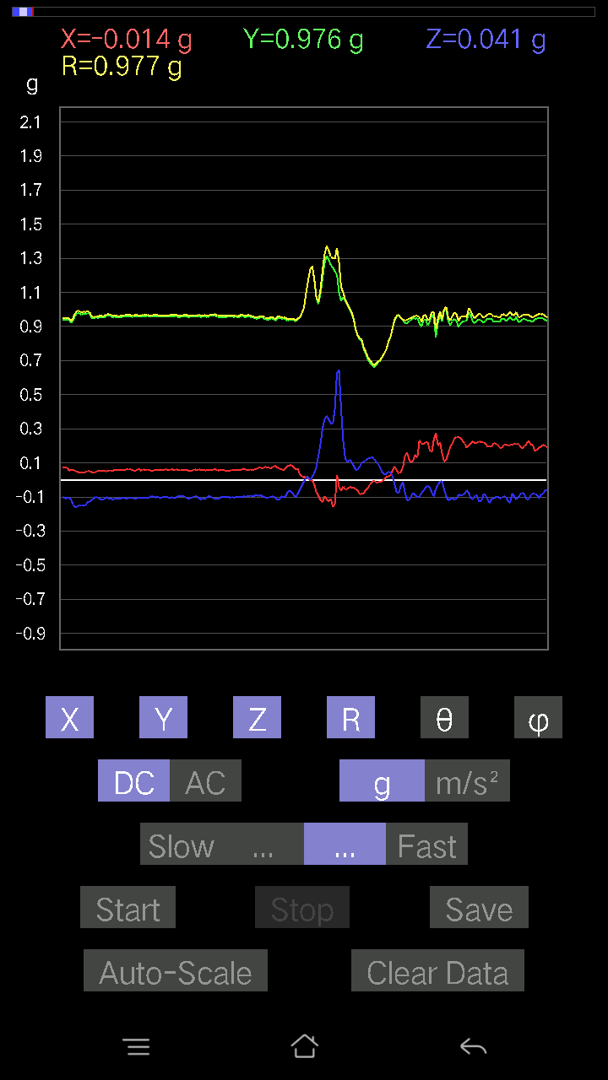
0.082003236 | 0.97092444 | 85.15509 | 83.68535
0.07809832 | 0.9571948 | 85.319984 | 84.06772
0.082003236 | 0.95568776 | 85.07766 | 83.99715
0.08297946 | 0.9656035 | 85.07019 | 82.9471
0.07028849 | 0.9738764 | 85.86114 | 83.71068
0.067359805 | 0.9636711 | 85.991806 | 83.82044
0.077122085 | 0.9543036 | 85.364586 | 83.458496
0.07614586 | 0.9446709 | 85.37662 | 83.33181
0.09274176 | 0.9430402 | 84.35622 | 83.969154
0.06833603 | 0.9472364 | 85.862946 | 84.307076
0.090789296 | 0.9605553 | 84.57645 | 83.375595
0.08786061 | 0.9615603 | 84.7574 | 83.73722
0.09469421 | 0.9577368 | 84.32573 | 84.65148
0.1210524 | 0.9812224 | 82.91342 | 84.015045
0.13374338 | 0.995241 | 82.27706 | 83.63476
0.13276714 | 0.9866822 | 82.26687 | 84.55695
0.08102701 | 0.9768756 | 85.242134 | 85.39859
0.082003236 | 0.98868483 | 85.242325 | 84.14254
0.08688438 | 0.9874695 | 84.952194 | 83.96123
0.011714748 | 0.97957563 | 89.31478 | 85.31223
0.07907455 | 0.97421443 | 85.34432 | 84.461365
0.13862452 | 0.8999248 | 81.13887 | 87.54597
0.15033926 | 0.9561893 | 80.953995 | 84.60178
0.117147475 | 0.9872379 | 83.18512 | 84.80041
0.09176553 | 0.99035674 | 84.6834 | 84.831245
0.1044565 | 0.98880094 | 83.93598 | 84.75922
0.11226633 | 0.96032214 | 83.28649 | 85.53832
0.12398108 | 0.9469174 | 82.47659 | 85.76581
0.07516963 | 0.9610433 | 85.51393 | 85.96845
0.084931925 | 0.96957624 | 84.974625 | 86.98721
0.09859913 | 0.9540899 | 84.06825 | 87.287704
0.088836834 | 0.97120905 | 84.7518 | 83.857796
0.062478654 | 1.0050864 | 86.43606 | 81.77527
0.051740136 | 0.9951069 | 87.019585 | 80.50066
0.08981306 | 0.9524443 | 84.58912 | 81.65299
0.09567044 | 0.9303006 | 84.09737 | 86.37088
0.07907455 | 1.0365864 | 85.62502 | 84.58019
0.01854835 | 1.0580674 | 88.99553 | 83.642296
0.042954076 | 0.9895173 | 87.51206 | 84.50334
0.06345488 | 0.90118414 | 85.9623 | 83.0139
0.08395569 | 0.8809762 | 84.5315 | 84.37826
0.046858992 | 0.92261285 | 87.08873 | 83.612885
0.0370967 | 0.9777746 | 87.82568 | 83.28682
0.03904916 | 0.96693057 | 87.6855 | 84.433426
0.013667206 | 0.9431908 | 89.16973 | 83.581215
0.004881145 | 0.9307037 | 89.69951 | 84.52263
...

第十二次
...
File |  | 2016-12-02 | 09-59-07
0.099575356 | 0.9342919 | 83.88189 | 86.68658
0.174745 | 0.9443612 | 79.33651 | 86.622925
0.13276714 | 0.9261656 | 81.75818 | 86.33611
0.1210524 | 0.92329645 | 82.466324 | 86.63713
0.09859913 | 0.9519234 | 84.0547 | 86.45315
0.12495731 | 0.96731687 | 82.57783 | 85.85622
0.11617125 | 0.96264404 | 83.06869 | 85.60578
0.11324256 | 0.97064906 | 83.300224 | 85.178535
0.10640897 | 0.9702219 | 83.70342 | 85.64578
0.09664667 | 0.9739699 | 84.30519 | 85.725235
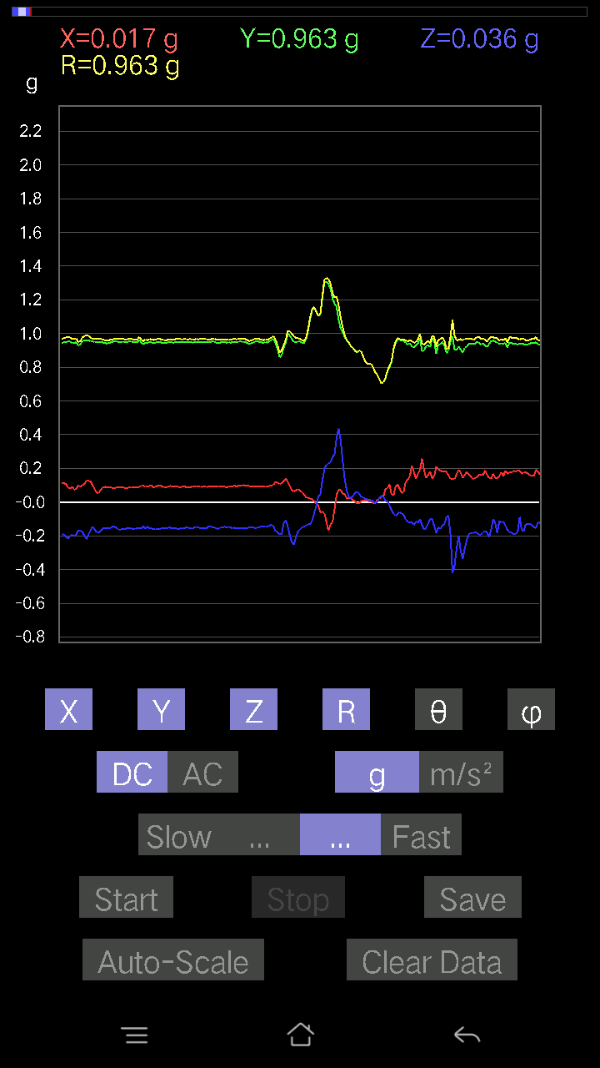
0.08981306 | 0.9631706 | 84.64955 | 87.024
0.09176553 | 0.9614136 | 84.522865 | 87.01793
0.1044565 | 0.9580732 | 83.74073 | 86.76804
0.099575356 | 0.9471433 | 83.96521 | 87.62395
0.09176553 | 0.954333 | 84.4821 | 87.34931
0.073217176 | 0.9660875 | 85.65354 | 86.57217
0.05759751 | 0.97595316 | 86.61663 | 85.574875
-0.016595893 | 0.932156 | 91.020134 | 84.95227
0.12983845 | 0.96867996 | 82.29709 | 84.631485
0.114218794 | 0.9784119 | 83.29607 | 85.2746
0.09664667 | 0.9873233 | 84.38246 | 85.95494
0.082003236 | 1.0099875 | 85.342896 | 87.27633
0.084931925 | 1.0111481 | 85.18173 | 89.167274
0.08395569 | 1.0100179 | 85.2319 | 89.55543
0.041001618 | 0.9870564 | 87.619286 | 88.808876
0.09567044 | 0.960471 | 84.28341 | 86.368904
0.117147475 | 0.9231689 | 82.70967 | 85.4139
0.1513155 | 0.9234017 | 80.56855 | 85.32815
0.127886 | 0.93625754 | 82.14927 | 87.285164
0.10055158 | 0.98750526 | 84.15579 | 87.09495
0.053692598 | 1.0209833 | 86.98547 | 87.03623
0.050763905 | 1.0153124 | 87.13411 | 86.68861
0.042954076 | 0.99087054 | 87.51546 | 87.4
0.07028849 | 0.9477378 | 85.74678 | 87.21739
0.10055158 | 0.9311188 | 83.80054 | 85.28152
0.071264714 | 0.97157353 | 85.79359 | 82.47402
0.09274176 | 1.0002251 | 84.67984 | 83.69702
0.09274176 | 0.9886511 | 84.61738 | 85.39209
0.07809832 | 0.95531785 | 85.31077 | 86.060875
0.041977845 | 0.9611737 | 87.496895 | 85.80233
-0.006833603 | 0.9525403 | 90.41105 | 85.00228
9.76E-04 | 0.92874783 | 89.93977 | 84.51113
0.046858992 | 1.0066403 | 87.331924 | 85.601295
0.025381953 | 0.98344016 | 88.52107 | 87.381935
0.0370967 | 0.9487785 | 87.75919 | 87.22598
0.00976229 | 0.93002915 | 89.39857 | 85.0016
-0.013667206 | 0.9462051 | 90.82762 | 85.383644
-0.006833603 | 0.9661989 | 90.405235 | 86.640335
0.016595893 | 0.9599241 | 89.00938 | 86.20918
0.008786061 | 0.9016626 | 89.44168 | 83.15969
-0.0039049159 | 0.87404346 | 90.25598 | 80.48508
0.020500809 | 0.864567 | 88.641266 | 82.60207
0.036120474 | 0.91293335 | 87.73248 | 85.08869
0.025381953 | 0.9445337 | 88.46014 | 84.065414
0.031239327 | 0.9065599 | 88.025246 | 84.00069
0.021477038 | 0.9254805 | 88.67026 | 83.15243
...

第十三次
...
File |  | 2016-12-02 | 09-59-43
0.16498269 | 0.9673489 | 80.18012 | 86.94712
0.127886 | 0.97462964 | 82.4602 | 87.79963
0.1552204 | 0.9742443 | 80.832344 | 87.14921
0.16693515 | 0.95367223 | 79.91875 | 86.48312
0.12983845 | 0.93316716 | 82.00207 | 85.75913
0.12690976 | 0.9496038 | 82.319725 | 85.47822
0.11031388 | 0.96526194 | 83.437675 | 86.08893
0.13179092 | 0.98609424 | 82.31947 | 85.53106
0.13276714 | 0.98310965 | 82.238594 | 85.68938
0.12983845 | 0.9757696 | 82.35339 | 86.70147
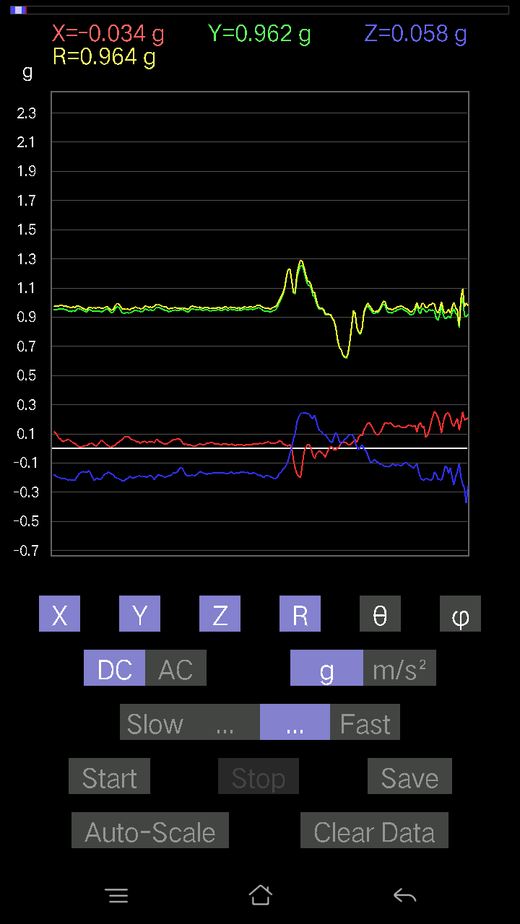
0.123004854 | 0.9827315 | 82.80964 | 86.61333
0.11519502 | 0.9742551 | 83.20951 | 87.45519
0.119099945 | 0.97693557 | 82.99755 | 87.11455
0.1181237 | 0.9496259 | 82.854485 | 87.14945
0.1210524 | 0.9285806 | 82.50944 | 87.26502
0.1210524 | 0.9180426 | 82.42296 | 87.10997
0.12007617 | 0.93038774 | 82.5847 | 87.270805
0.09859913 | 0.96179813 | 84.11596 | 86.31426
0.082003236 | 0.98942435 | 85.24589 | 86.36705
0.07614586 | 1.0166543 | 85.70461 | 85.305084
0.08395569 | 1.0149425 | 85.25509 | 85.5716
0.073217176 | 0.97476506 | 85.69231 | 85.79549
0.1444819 | 0.9842756 | 81.559044 | 86.090385
0.17572121 | 0.96849203 | 79.54647 | 86.70941
0.14643435 | 0.9759742 | 81.370804 | 86.92628
0.12202863 | 0.9700072 | 82.77294 | 87.7907
0.1415532 | 0.9749713 | 81.65189 | 89.07221
0.11519502 | 0.9694618 | 83.17578 | 89.53513
0.119099945 | 0.9810577 | 83.02712 | 88.16165
0.1210524 | 0.9593168 | 82.75075 | 87.648315
0.14741059 | 0.95958936 | 81.16332 | 87.04922
0.12202863 | 0.95027053 | 82.62201 | 88.45665
0.111290105 | 0.9515704 | 83.28365 | 89.40812
0.12886222 | 0.9756885 | 82.41059 | 87.85964
0.06931226 | 0.998438 | 86.01929 | 88.652115
0.10055158 | 1.001305 | 84.23661 | 88.20307
0.11324256 | 0.9890568 | 83.425476 | 88.234985
0.11031388 | 0.9756714 | 83.507996 | 87.40268
0.12007617 | 0.95633125 | 82.78695 | 87.58215
0.102504045 | 0.95133454 | 83.81451 | 87.63375
0.07516963 | 0.96145976 | 85.51588 | 87.606766
0.10055158 | 0.9780728 | 84.099236 | 88.044876
0.11324256 | 0.99151087 | 83.44182 | 89.772865
0.127886 | 0.9845873 | 82.53688 | 89.65623
0.12495731 | 0.972791 | 82.61983 | 88.78236
0.10348027 | 0.99034524 | 84.002266 | 86.4768
0.09274176 | 0.9802063 | 84.57087 | 86.788376
0.10152781 | 0.9479993 | 83.852005 | 88.16004
0.10055158 | 0.9345596 | 83.82345 | 87.7118
0.09859913 | 0.9314416 | 83.923485 | 87.70456
0.10348027 | 0.95807666 | 83.799484 | 87.88542
0.06638357 | 0.9578165 | 86.0258 | 86.54417
0.07516963 | 0.9097841 | 85.26061 | 86.48139
0.09567044 | 0.8842846 | 83.78903 | 88.09085
0.09469421 | 0.89914614 | 83.95464 | 87.434364
0.084931925 | 0.91246605 | 84.6592 | 86.61185
...

第十四次
...
File |  | 2016-12-02 | 10-00-10
0.15033926 | 0.96208304 | 81.00987 | 88.351654
0.10543273 | 0.95109755 | 83.63547 | 86.09145
0.111290105 | 0.93599385 | 83.17135 | 84.75653
0.117147475 | 0.9243709 | 82.71921 | 85.23636
0.11519502 | 0.9333964 | 82.910774 | 84.860245
0.12007617 | 0.9604887 | 82.81834 | 84.709915
0.13862452 | 0.97717214 | 81.84434 | 85.65895
0.12398108 | 0.99423784 | 82.83659 | 86.87993
0.0976229 | 0.99711025 | 84.38141 | 85.994705
0.119099945 | 0.9890881 | 83.08401 | 85.723625
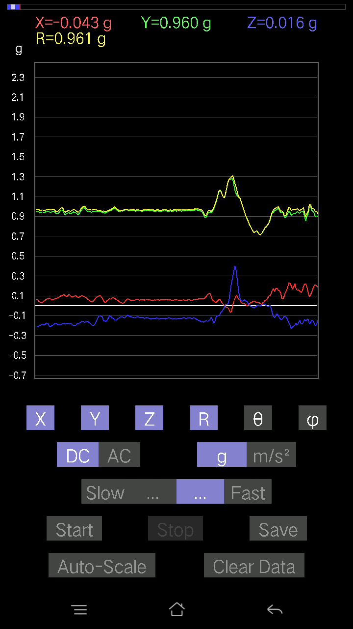
0.12495731 | 0.9789046 | 82.666176 | 85.90617
0.12202863 | 0.9688182 | 82.76402 | 85.163864
0.10543273 | 0.96402115 | 83.72114 | 85.852005
0.0976229 | 0.95670885 | 84.143326 | 85.58777
0.107385196 | 0.9491235 | 83.50356 | 86.32007
0.11324256 | 0.939256 | 83.07522 | 87.23945
0.114218794 | 0.94844294 | 83.08321 | 88.217514
0.11617125 | 0.95763 | 83.03222 | 87.82228
0.10836142 | 0.9688467 | 83.57827 | 86.162735
0.10055158 | 0.9836363 | 84.13273 | 86.10988
0.09567044 | 1.0081077 | 84.554375 | 86.43062
0.06638357 | 0.99444056 | 86.17239 | 87.01092
0.088836834 | 0.97110844 | 84.75125 | 88.03304
0.10348027 | 0.9600164 | 83.81206 | 86.65763
0.12398108 | 0.9627366 | 82.60091 | 86.3652
0.13276714 | 1.0004752 | 82.37412 | 85.765686
0.12007617 | 1.0092427 | 83.16696 | 86.928535
0.04002539 | 0.98222953 | 87.66457 | 88.57503
0.051740136 | 0.9637289 | 86.922455 | 87.73262
0.07907455 | 0.9339047 | 85.1429 | 88.797745
0.111290105 | 0.9305956 | 83.131546 | 88.304634
0.15717287 | 0.94738984 | 80.450424 | 86.285484
0.1513155 | 0.95491064 | 80.882454 | 86.49767
0.117147475 | 0.95627844 | 82.96339 | 87.16997
0.08102701 | 0.99348223 | 85.32184 | 87.11785
0.07028849 | 1.0283732 | 86.080826 | 86.50868
0.031239327 | 1.0346663 | 88.26983 | 87.07818
0.06931226 | 0.9870351 | 85.97322 | 88.06814
0.077122085 | 0.93524617 | 85.26991 | 87.71899
0.06638357 | 0.92408925 | 85.88051 | 85.32203
0.06345488 | 0.93798125 | 86.12095 | 84.372665
0.073217176 | 0.9544214 | 85.6003 | 83.75717
0.06833603 | 0.96924055 | 85.95702 | 84.03036
0.052716363 | 0.96117663 | 86.855995 | 84.16183
0.021477038 | 0.94344586 | 88.69558 | 83.522285
0.04002539 | 0.9174751 | 87.49964 | 85.47961
0.02831064 | 0.93663764 | 88.26792 | 86.29323
0.0370967 | 0.94523764 | 87.7508 | 86.80046
0.03904916 | 0.94271576 | 87.626015 | 85.601295
0.016595893 | 0.9368818 | 88.98501 | 83.837845
0.016595893 | 0.9560897 | 89.0054 | 84.07981
0.016595893 | 0.9701644 | 89.01984 | 85.0927
0.013667206 | 0.9933009 | 89.211624 | 85.32054
0.0302631 | 0.97203445 | 88.21588 | 85.38935
0.017572122 | 0.96168417 | 88.95302 | 85.574524
0.008786061 | 0.9747611 | 89.48355 | 85.23159
...

第十五次
...
File |  | 2016-12-02 | 10-00-44
0.14741059 | 0.93561757 | 80.93503 | 86.850395
0.14350566 | 0.9479847 | 81.293106 | 86.41622
0.1581491 | 0.961526 | 80.533134 | 85.868164
0.14741059 | 0.95069367 | 81.07996 | 86.245346
0.13081467 | 0.9405245 | 82.00498 | 87.29654
0.13276714 | 0.9543611 | 82.00329 | 87.276505
0.12983845 | 0.96067584 | 82.23252 | 87.354744
0.10543273 | 0.9814884 | 83.83331 | 86.788376
0.107385196 | 0.98735565 | 83.756134 | 86.978226
0.11324256 | 0.99494594 | 83.464554 | 86.82959
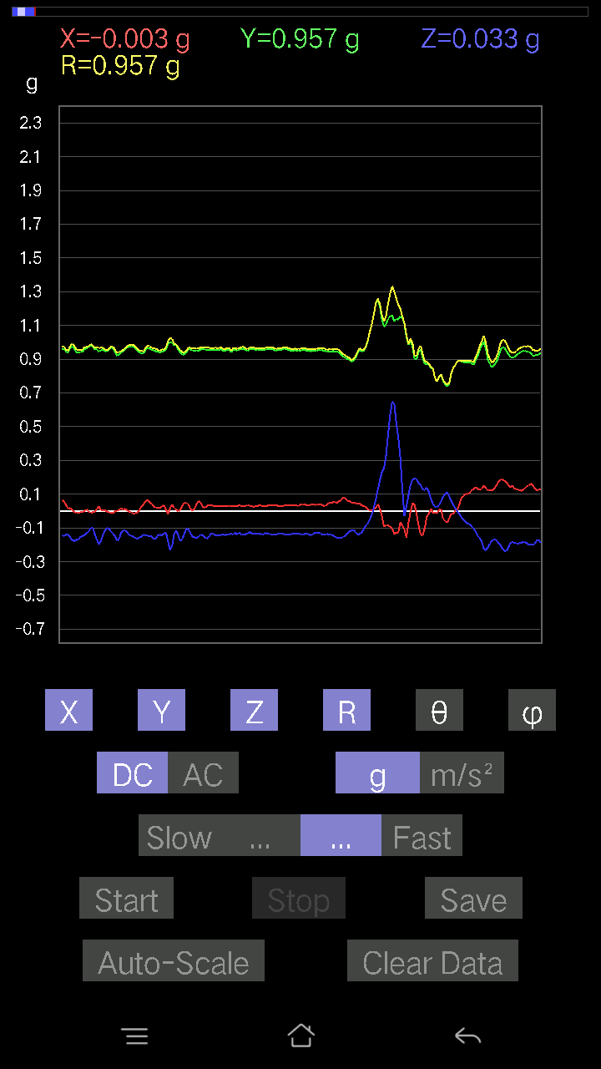
0.11324256 | 0.9953448 | 83.467186 | 86.43425
0.08981306 | 0.9748193 | 84.71367 | 87.0599
0.093717985 | 0.9563338 | 84.37615 | 87.53087
0.10055158 | 0.95566225 | 83.96035 | 86.82017
0.102504045 | 0.950459 | 83.808784 | 86.38674
0.102504045 | 0.95706207 | 83.85167 | 86.58867
0.1044565 | 0.9614983 | 83.763115 | 87.30709
0.04783522 | 0.9309735 | 87.05473 | 88.37545
0.13667206 | 0.9587289 | 81.80425 | 86.28394
0.1181237 | 0.9576658 | 82.91478 | 88.17516
0.10836142 | 0.98455536 | 83.68115 | 86.969185
0.127886 | 1.0161091 | 82.76966 | 86.835556
0.11226633 | 0.99212295 | 83.502625 | 87.7865
-0.01952458 | 0.99155706 | 91.12827 | 88.19423
0.088836834 | 1.0161724 | 84.98463 | 84.41036
0.10543273 | 0.94720674 | 83.609215 | 85.30051
0.13764828 | 0.905058 | 81.25206 | 86.93463
0.14350566 | 0.9334209 | 81.15617 | 86.48041
0.127886 | 0.97170347 | 82.437355 | 86.63013
0.1210524 | 0.9887778 | 82.96785 | 86.178345
0.1044565 | 0.97622806 | 83.85759 | 87.11745
0.046858992 | 0.98724174 | 87.27946 | 87.27639
0.05662128 | 0.98323905 | 86.69871 | 88.17627
0.06345488 | 0.9638199 | 86.2251 | 89.01124
0.071264714 | 0.9380687 | 85.64307 | 89.04317
0.11519502 | 0.91627294 | 82.77759 | 87.16832
0.1210524 | 0.93860286 | 82.589874 | 85.9101
0.11617125 | 0.9603736 | 83.05222 | 84.47623
0.08395569 | 0.9760674 | 85.06565 | 82.675224
0.07614586 | 0.9694018 | 85.49481 | 83.212395
0.06345488 | 0.98664546 | 86.312546 | 83.45278
0.0741934 | 0.98719925 | 85.68984 | 84.080215
0.127886 | 1.0083902 | 82.71402 | 85.91438
0.06443111 | 0.9797376 | 86.2293 | 84.613914
0.050763905 | 0.89846385 | 86.76102 | 87.50503
0.006833603 | 0.95713973 | 89.59093 | 84.5569
0.029286869 | 0.93825966 | 88.21128 | 87.91202
0.023429496 | 0.9321085 | 88.55966 | 88.13884
0.026358182 | 0.94170886 | 88.396095 | 86.07526
0.042954076 | 0.9663721 | 87.45243 | 85.59241
0.0302631 | 0.983943 | 88.23748 | 85.27414
0.0302631 | 0.99108404 | 88.25018 | 84.457954
0.023429496 | 0.9757486 | 88.62409 | 84.14106
0.029286869 | 0.94899297 | 88.231514 | 85.040474
0.0078098318 | 0.9355824 | 89.52171 | 84.55116
0.04490653 | 0.9038747 | 87.152245 | 87.70692
...

第十六次
...
File |  | 2016-12-02 | 10-01-/30
0.31532198 | 0.95264095 | 70.670654 | 80.0569
0.268463 | 0.9514672 | 73.61102 | 79.71159
0.2889638 | 0.9762105 | 72.78215 | 79.442986
0.26748675 | 0.9786709 | 74.1383 | 79.12121
0.29774985 | 0.96948045 | 72.11406 | 78.464165
0.30165476 | 0.9486922 | 71.459854 | 78.86081
0.28701133 | 0.94067 | 72.23499 | 78.7513
0.27432033 | 0.95208156 | 73.25415 | 78.76226
0.27432033 | 0.958005 | 73.36072 | 79.33543
0.27920148 | 0.95405346 | 72.98347 | 78.89448
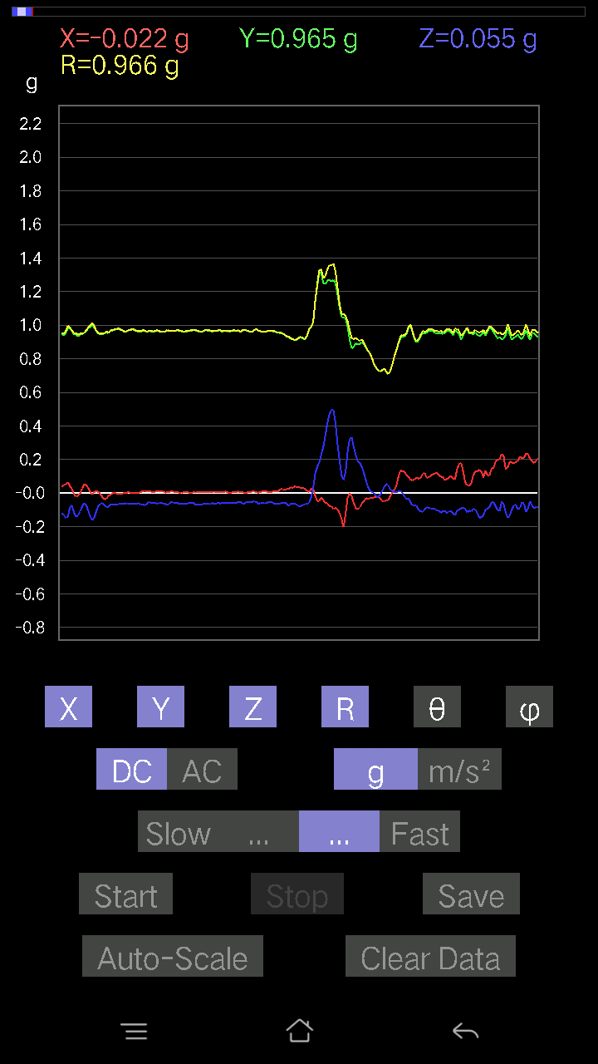
0.2967736 | 0.94996715 | 71.79583 | 79.52884
0.2860351 | 0.9577254 | 72.62281 | 78.9781
0.27139166 | 0.9769969 | 73.87216 | 78.1758
0.255772 | 0.9862662 | 74.969475 | 78.17183
0.2518671 | 0.98653334 | 75.20833 | 78.36806
0.26455808 | 0.9848549 | 74.41745 | 78.724754
0.24796216 | 0.9709553 | 75.20392 | 79.33276
0.25772443 | 0.9619457 | 74.45947 | 79.68436
0.26162934 | 0.94764936 | 73.97347 | 80.06317
0.23819989 | 0.9284354 | 75.13393 | 79.91258
0.23819989 | 0.9310262 | 75.17625 | 78.99477
0.24600971 | 0.94733155 | 74.94851 | 79.361565
0.2294138 | 0.9456036 | 75.959305 | 79.51518
0.23819989 | 0.9725499 | 75.822716 | 78.35269
0.23819989 | 0.9380591 | 75.2899 | 79.89917
0.22160399 | 0.9565495 | 76.604576 | 82.03992
0.2294138 | 1.0011437 | 76.75286 | 80.66035
0.255772 | 1.009113 | 75.31752 | 81.14057
0.1552204 | 0.97854334 | 80.87296 | 81.57515
0.19134088 | 1.0022602 | 78.99414 | 80.864815
0.23331872 | 0.9828672 | 76.2677 | 82.65699
0.21477039 | 0.93083566 | 76.66003 | 84.184944
0.25284332 | 0.95300055 | 74.614456 | 83.96232
0.23819989 | 0.9654041 | 75.71555 | 83.95031
0.12690976 | 0.9939325 | 82.66419 | 83.34651
0.174745 | 1.0257872 | 80.19171 | 83.623146
0.18353106 | 1.0090827 | 79.52077 | 83.5602
0.20598431 | 0.9805398 | 77.873405 | 84.213936
0.21769907 | 0.9699482 | 77.029816 | 82.99976
0.20110317 | 0.95904046 | 77.89569 | 83.3041
0.16986385 | 0.95085204 | 79.70922 | 83.95031
0.15717287 | 0.96878034 | 80.663185 | 84.07981
0.13667206 | 0.97922534 | 81.976944 | 84.10573
0.102504045 | 0.9592561 | 83.86578 | 83.653336
0.1581491 | 0.9649794 | 80.56732 | 83.58194
0.14350566 | 0.9628577 | 81.42862 | 82.99157
0.14350566 | 0.99825513 | 81.734726 | 81.18927
0.127886 | 1.0090138 | 82.718544 | 81.13487
0.11324256 | 1.0091021 | 83.55663 | 81.940895
0.099575356 | 1.0075327 | 84.32815 | 81.60165
0.08590815 | 0.9568941 | 84.84916 | 81.695595
0.11519502 | 0.8928761 | 82.58728 | 82.39701
0.099575356 | 0.8064437 | 82.907326 | 83.204414
0.09664667 | 0.8331289 | 83.33844 | 82.8163
0.08395569 | 0.9279805 | 84.80927 | 84.30145
0.13276714 | 1.0047374 | 82.40666 | 87.24698
...

第十七次
...
File |  | 2016-12-02 | 10-02-03
0.19426957 | 0.9420053 | 78.0985 | 81.16618
0.29482117 | 0.97821647 | 72.45911 | 81.937744
0.26748675 | 0.9504721 | 73.65472 | 82.37293
0.28994003 | 0.949374 | 72.2177 | 81.9924
0.28213018 | 0.9538261 | 72.79521 | 81.06248
0.28115395 | 0.9565938 | 72.90772 | 80.97013
0.27432033 | 0.95553124 | 73.316376 | 80.97972
0.29482117 | 0.94799733 | 71.880875 | 81.58895
0.29189247 | 0.9443955 | 71.996284 | 81.12126
0.29091623 | 0.9369322 | 71.91071 | 81.807724
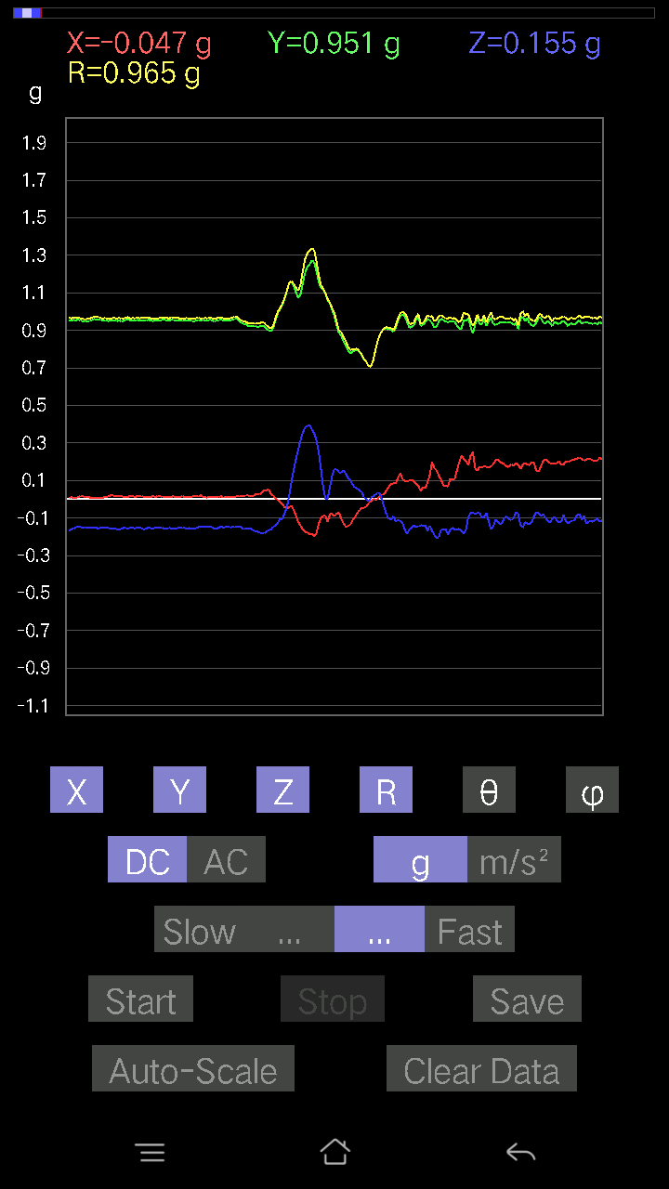
0.2997023 | 0.95060295 | 71.62252 | 82.41355
0.29091623 | 0.95729643 | 72.30839 | 82.86738
0.25870067 | 0.9653049 | 74.45477 | 82.278175
0.24600971 | 0.9737119 | 75.36553 | 81.718765
0.2421048 | 0.968736 | 75.52733 | 82.22409
0.23722363 | 0.9680559 | 75.81512 | 82.88977
0.22355644 | 0.9732817 | 76.72098 | 82.95555
0.19915071 | 0.9729756 | 78.18911 | 82.401474
0.18841219 | 0.9698853 | 78.79836 | 82.3937
0.1718163 | 0.9731568 | 79.8308 | 82.15067
0.19134088 | 0.96641195 | 78.5805 | 82.47949
0.22648512 | 0.9675178 | 76.46208 | 82.36606
0.2323425 | 0.9698101 | 76.13853 | 82.85288
0.23527117 | 0.97923404 | 76.09809 | 83.27641
0.22062775 | 0.97946525 | 76.98223 | 84.48187
0.23136626 | 0.99103254 | 76.49915 | 84.76878
0.25479576 | 0.98576355 | 75.02038 | 85.177826
0.2294138 | 0.98593813 | 76.544754 | 84.684105
0.21281794 | 0.980931 | 77.46975 | 83.20827
0.1786499 | 0.9671931 | 79.3558 | 83.27641
0.22258021 | 0.9926521 | 77.04253 | 83.21923
0.21769907 | 0.9858628 | 77.24275 | 83.70478
0.22355644 | 0.9790919 | 76.8012 | 84.53463
0.21184167 | 0.9686607 | 77.36758 | 85.3199
0.21965154 | 0.96038157 | 76.7787 | 84.96806
0.21184167 | 0.9515013 | 77.135895 | 85.29144
0.21184167 | 0.9503226 | 77.11967 | 85.467
0.19622204 | 0.95745414 | 78.17393 | 84.80016
0.21477039 | 0.9575094 | 77.038216 | 84.235725
0.2020794 | 0.97022575 | 77.97838 | 84.15451
0.19915071 | 1.0000993 | 78.513855 | 83.76695
0.21184167 | 0.9989099 | 77.75615 | 83.742065
0.20793676 | 0.9870414 | 77.83858 | 84.60089
0.18255483 | 1.0012908 | 79.49511 | 84.023705
0.19231711 | 1.0322181 | 79.26222 | 83.42227
0.19622204 | 1.0116912 | 78.816345 | 83.95854
0.19231711 | 0.97892505 | 78.67012 | 84.68951
0.18450728 | 0.9673838 | 79.00472 | 84.336296
0.20988922 | 0.96002877 | 77.37154 | 84.378525
0.21281794 | 0.9613457 | 77.21019 | 84.56249
0.20012695 | 0.9745182 | 78.14943 | 84.83212
0.20500809 | 0.9852124 | 77.98984 | 84.76878
0.20598431 | 0.97333014 | 77.7822 | 84.52343
0.21184167 | 0.97250193 | 77.4183 | 84.03726
0.21184167 | 0.9699614 | 77.384796 | 83.84253
0.20696054 | 0.97427696 | 77.73551 | 83.52356
...

第十八次
...
File |  | 2016-12-02 | 10-02-43
0.25089085 | 0.9773583 | 75.12548 | 85.79204
0.24112856 | 0.96836644 | 75.58133 | 85.70193
0.23917611 | 0.9737589 | 75.78143 | 85.5513
0.23527117 | 0.9638831 | 75.87212 | 85.867485
0.20696054 | 0.9479324 | 77.38913 | 85.7636
0.255772 | 0.95544297 | 74.47256 | 85.438194
0.2421048 | 0.9539355 | 75.29776 | 86.11738
0.2723679 | 0.96405864 | 73.58921 | 86.004875
0.28408262 | 0.9659804 | 72.89718 | 85.63382
0.2762728 | 0.9683763 | 73.42352 | 85.65676
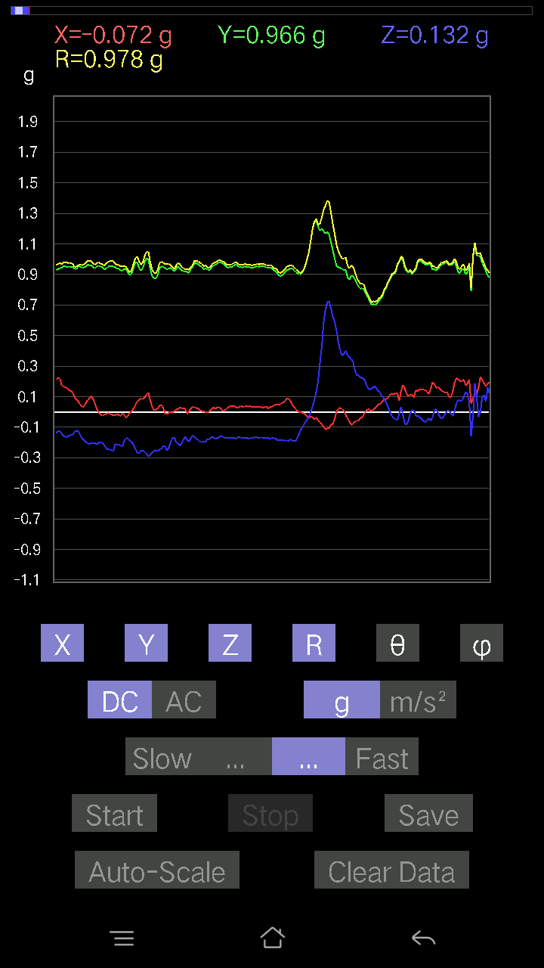
0.26748675 | 0.97203827 | 74.02718 | 85.26618
0.255772 | 0.9697414 | 74.707146 | 85.33071
0.2596769 | 0.9681219 | 74.44118 | 85.19651
0.26162934 | 0.96913725 | 74.33805 | 84.838135
0.25381953 | 0.9653961 | 74.75675 | 85.37101
0.2518671 | 0.9533185 | 74.68056 | 85.554634
0.26065314 | 0.96181786 | 74.27619 | 85.94882
0.24698594 | 0.9528365 | 74.97674 | 85.68054
0.24015234 | 0.9557985 | 75.44801 | 85.70331
0.25381953 | 0.9547744 | 74.582985 | 85.55935
0.25089085 | 0.9587692 | 74.83022 | 85.522484
0.24600971 | 0.9619918 | 75.18318 | 85.72584
0.23917611 | 0.97532016 | 75.80467 | 85.08407
0.22648512 | 0.9750431 | 76.56853 | 85.15799
0.22453266 | 0.97478545 | 76.68288 | 85.750534
0.23331872 | 0.9709008 | 76.09507 | 85.9609
0.22160399 | 0.9604649 | 76.660194 | 87.00609
0.23527117 | 0.958793 | 75.795555 | 87.23075
0.20012695 | 0.9505709 | 77.84638 | 86.386116
0.18645974 | 0.9521215 | 78.70643 | 85.92292
0.10933765 | 0.9366305 | 83.29629 | 85.54595
0.19426957 | 0.9600506 | 78.32538 | 85.414215
0.22062775 | 0.9927827 | 77.15986 | 86.82017
0.2186753 | 1.0019672 | 77.39397 | 86.73767
0.2255089 | 1.0025312 | 77.00068 | 86.73441
0.19719826 | 0.98336893 | 78.431854 | 87.61889
0.22258021 | 0.983943 | 76.92581 | 87.72339
0.20110317 | 0.97282976 | 78.06981 | 87.413445
0.20403185 | 0.9789596 | 77.9704 | 87.72106
0.19426957 | 0.9759781 | 78.518524 | 87.777176
0.17669745 | 0.9494759 | 79.27473 | 87.96101
0.19329333 | 0.9565255 | 78.34146 | 87.969505
0.19134088 | 0.9733454 | 78.662926 | 88.00689
0.16107778 | 0.9833151 | 80.57183 | 87.92372
0.16595893 | 0.9780066 | 80.23015 | 88.60706
0.15912533 | 0.96341646 | 80.49302 | 88.52818
0.16595893 | 0.96889395 | 80.137344 | 87.655525
0.19329333 | 0.9757662 | 78.574486 | 86.606064
0.21672285 | 0.967272 | 77.05264 | 87.92283
0.19719826 | 0.96098524 | 78.15855 | 88.2751
0.19426957 | 0.9786417 | 78.55019 | 88.13359
0.16888762 | 1.010388 | 80.37777 | 86.96655
0.13862452 | 0.9995122 | 82.027824 | 87.5129
0.16205402 | 0.98851275 | 80.5645 | 87.59018
0.18743597 | 0.99264824 | 79.11583 | 85.92256
0.15326795 | 0.9965544 | 81.152916 | 84.48158
...

第十九次
...
File |  | 2016-12-02 | 10-03-22
0.10933765 | 0.9534499 | 83.41507 | 79.18808
0.16888762 | 0.9402591 | 79.65248 | 79.29491
0.18353106 | 0.93117815 | 78.632835 | 79.33894
0.14545812 | 0.9569041 | 81.25662 | 78.69006
0.14350566 | 0.97918534 | 81.57259 | 78.13513
0.13960074 | 0.9681765 | 81.70966 | 78.30077
0.13179092 | 0.96554273 | 82.154976 | 78.75888
0.15326795 | 0.93936616 | 80.60958 | 79.68436
0.1483868 | 0.9440462 | 80.95665 | 80.172745
0.14643435 | 0.96244943 | 81.2486 | 80.847015
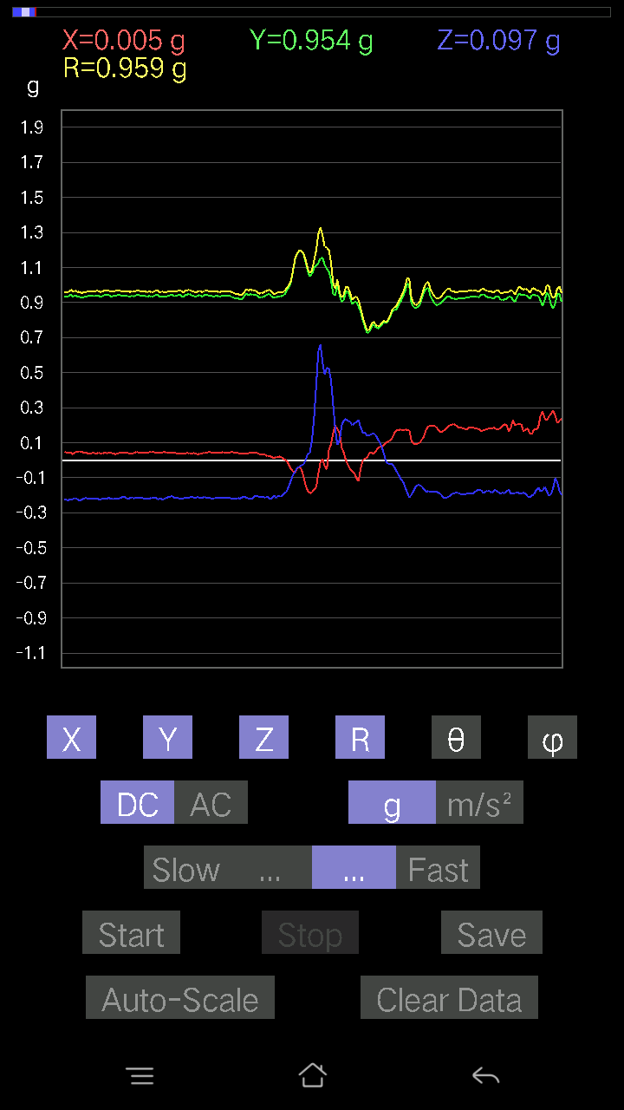
0.13960074 | 0.98095524 | 81.818405 | 80.50927
0.117147475 | 0.98917246 | 83.19851 | 80.73428
0.123004854 | 0.980168 | 82.79073 | 80.69843
0.12593354 | 0.9671892 | 82.518524 | 80.92124
0.12886222 | 0.9618432 | 82.30069 | 80.865685
0.13276714 | 0.9618848 | 82.06624 | 80.682465
0.12398108 | 0.9534524 | 82.52845 | 81.208855
0.10933765 | 0.94282955 | 83.34056 | 81.60804
0.08005078 | 0.93728757 | 85.10058 | 82.31036
0.07516963 | 0.9447002 | 85.43616 | 81.895096
0.102504045 | 0.9481284 | 83.79351 | 80.76206
0.11617125 | 0.95246834 | 82.99427 | 81.208855
0.11226633 | 0.95344585 | 83.23785 | 81.81977
0.08590815 | 0.9615227 | 84.874016 | 82.67939
0.088836834 | 0.97709656 | 84.78351 | 82.85359
0.09664667 | 0.96398205 | 84.24599 | 82.92562
0.07614586 | 0.9553053 | 85.42819 | 83.93873
0.07224095 | 0.9608216 | 85.68806 | 85.20727
0.08395569 | 0.9706589 | 85.038086 | 85.13548
0.10152781 | 0.9807604 | 84.05813 | 84.71732
0.13374338 | 0.9745822 | 82.11232 | 84.31247
0.102504045 | 0.9489694 | 83.799034 | 84.537186
0.10152781 | 0.9370862 | 83.78013 | 84.58813
0.07516963 | 0.94614714 | 85.44315 | 86.201706
0.127886 | 0.99113405 | 82.58646 | 84.41399
0.15326795 | 0.9984876 | 81.17018 | 83.40939
0.12690976 | 0.9979434 | 82.69384 | 84.34001
0.08786061 | 0.9979759 | 84.94921 | 85.38121
0.08102701 | 0.9894691 | 85.302826 | 86.25384
0.08005078 | 0.98015386 | 85.31534 | 85.816475
0.10543273 | 0.97584873 | 83.79754 | 85.72953
0.13374338 | 0.98155105 | 82.16868 | 84.81599
0.09469421 | 0.9680383 | 84.38631 | 85.64137
0.06931226 | 0.9744903 | 85.921295 | 86.660576
0.08786061 | 0.98159134 | 84.86468 | 86.90903
0.1044565 | 0.98445857 | 83.909134 | 86.62683
0.11324256 | 0.97121197 | 83.30412 | 86.28622
0.09176553 | 0.9602149 | 84.51601 | 86.2521
0.06931226 | 0.9676104 | 85.89225 | 85.82354
0.06345488 | 0.98229545 | 86.296196 | 85.48751
0.0741934 | 0.98850167 | 85.69553 | 85.79714
0.067359805 | 0.98443055 | 86.07646 | 86.352615
0.07028849 | 0.9785053 | 85.88075 | 86.616714
0.08297946 | 0.96699464 | 85.07729 | 86.45626
0.08005078 | 0.96292466 | 85.23133 | 86.38367
0.090789296 | 0.96164215 | 84.582596 | 86.66785
...

第二十次
...



