第一次
 | Keuwl | Accelerometer | Data | File |  | 2016-12-02 | 10-08-30
Number | Time(s) | X(g) | Y(g) | Z(g) | R(g) | Theta(deg) | Phi(deg)
1 | 6.813 | 0.26553428 | 0.90398806 | 0.21672285 | 0.9667842 | 77.046 | 73.63056
2 | 6.813 | 0.25772443 | 0.8991069 | 0.20988922 | 0.9585763 | 77.35208 | 74.00532
3 | 6.813 | 0.25381953 | 0.92156017 | 0.21769907 | 0.98035216 | 77.16982 | 74.60118
4 | 6.834 | 0.25284332 | 0.916679 | 0.21086545 | 0.97400945 | 77.49691 | 74.579796
5 | 6.8650002 | 0.255772 | 0.9235126 | 0.22258021 | 0.98378694 | 76.9237 | 74.51963
6 | 6.866 | 0.2596769 | 0.90496427 | 0.22746135 | 0.96857166 | 76.41769 | 73.98932
7 | 6.9090004 | 0.25284332 | 0.89813066 | 0.22355644 | 0.95945084 | 76.52597 | 74.27693
8 | 6.9090004 | 0.25479576 | 0.90789294 | 0.22160399 | 0.96865827 | 76.775085 | 74.32348
9 | 6.9300003 | 0.27041543 | 0.91472656 | 0.22843759 | 0.9808328 | 76.532036 | 73.53104
10 | 6.9670005 | 0.26065314 | 0.916679 | 0.21965154 | 0.9780017 | 77.0211 | 74.12716
11 | 6.9670005 | 0.26358184 | 0.9225364 | 0.20793676 | 0.9817263 | 77.77171 | 74.0546
12 | 7.0000005 | 0.2626056 | 0.91375035 | 0.20598431 | 0.9727954 | 77.77538 | 73.96571
13 | 7.0070004 | 0.2626056 | 0.8747012 | 0.2020794 | 0.9353609 | 77.5232 | 73.289024
14 | 7.0320005 | 0.27334413 | 0.90789294 | 0.208913 | 0.970892 | 77.57413 | 73.24425
15 | 7.0720005 | 0.25772443 | 0.93327487 | 0.19134088 | 0.98693216 | 78.82102 | 74.56248
16 | 7.0720005 | 0.2489384 | 0.9342511 | 0.19036464 | 0.98541063 | 78.8614 | 75.079765
17 | 7.0990005 | 0.24698594 | 0.92448884 | 0.22355644 | 0.9826796 | 76.85026 | 75.04223
18 | 7.1060004 | 0.255772 | 0.9127741 | 0.21574661 | 0.97217405 | 77.17806 | 74.34639
19 | 7.1320004 | 0.26651052 | 0.9127741 | 0.21281794 | 0.97441053 | 77.38452 | 73.72333
20 | 7.1650004 | 0.27334413 | 0.9127741 | 0.21477039 | 0.97672915 | 77.297585 | 73.32887
21 | 7.1670003 | 0.27432033 | 0.92156017 | 0.23039004 | 0.9887388 | 76.52541 | 73.42334
22 | 7.1980004 | 0.27139166 | 0.91472656 | 0.2255089 | 0.9804246 | 76.702255 | 73.47482
23 | 7.2070003 | 0.25870067 | 0.90789294 | 0.22062775 | 0.9694701 | 76.84562 | 74.0953
24 | 7.2320004 | 0.2489384 | 0.9020356 | 0.2294138 | 0.9634673 | 76.22482 | 74.57188
25 | 7.2700005 | 0.2421048 | 0.88739216 | 0.25772443 | 0.9552494 | 74.34775 | 74.73955
26 | 7.2700005 | 0.2362474 | 0.8717725 | 0.25479576 | 0.93846744 | 74.24634 | 74.83722
27 | 7.2990003 | 0.2421048 | 0.8766537 | 0.24503349 | 0.94190115 | 74.921165 | 74.561485
28 | 7.307 | 0.255772 | 0.8815348 | 0.23429495 | 0.947321 | 75.6808 | 73.82024
29 | 7.3310003 | 0.26651052 | 0.8942258 | 0.24015234 | 0.96350443 | 75.56693 | 73.404106
30 | 7.373 | 0.27724904 | 0.91863143 | 0.23331872 | 0.9875163 | 76.33361 | 73.20584
31 | 7.373 | 0.268463 | 0.9108216 | 0.23039004 | 0.97711205 | 76.362 | 73.57722
32 | 7.3980002 | 0.26455808 | 0.90496427 | 0.23917611 | 0.9727058 | 75.76572 | 73.7042
33 | 7.4070005 | 0.25870067 | 0.9127741 | 0.22648512 | 0.97538614 | 76.57334 | 74.17608
34 | 7.431 | 0.255772 | 0.91375035 | 0.22453266 | 0.9750764 | 76.68692 | 74.3623
35 | 7.465 | 0.25772443 | 0.9059405 | 0.22843759 | 0.9691923 | 76.36717 | 74.119865
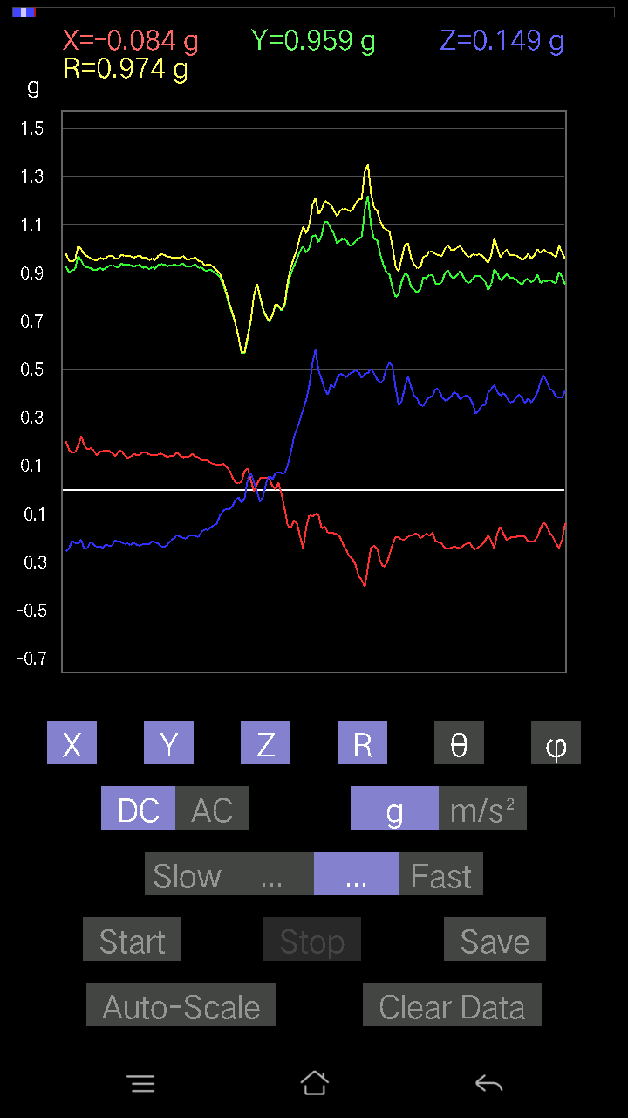
36 | 7.4670005 | 0.26162934 | 0.9059405 | 0.23429495 | 0.9716338 | 76.04646 | 73.89165
37 | 7.5070004 | 0.2626056 | 0.90789294 | 0.2294138 | 0.9725544 | 76.35603 | 73.86763
38 | 7.5070004 | 0.26553428 | 0.9098454 | 0.2362474 | 0.9768009 | 76.00375 | 73.730354
39 | 7.5340004 | 0.26065314 | 0.9059405 | 0.2323425 | 0.97090226 | 76.154434 | 73.948654
40 | 7.5650005 | 0.26162934 | 0.9098454 | 0.23136626 | 0.9745763 | 76.266754 | 73.95722
41 | 7.5670004 | 0.25479576 | 0.9108216 | 0.22160399 | 0.9714038 | 76.81314 | 74.37142
42 | 7.5990005 | 0.2626056 | 0.9098454 | 0.22843759 | 0.9741479 | 76.43785 | 73.90045
43 | 7.609 | 0.26162934 | 0.9059405 | 0.22746135 | 0.9700086 | 76.438194 | 73.89165
44 | 7.635 | 0.255772 | 0.8942258 | 0.22453266 | 0.95680404 | 76.427864 | 74.038086
45 | 7.6650004 | 0.25870067 | 0.8991069 | 0.23429495 | 0.96447575 | 75.94078 | 73.947845
46 | 7.6660004 | 0.26358184 | 0.9030118 | 0.23429495 | 0.9694328 | 76.01414 | 73.727905
47 | 7.6990004 | 0.25870067 | 0.9098454 | 0.2323425 | 0.97402656 | 76.19972 | 74.12771
48 | 7.7110004 | 0.26162934 | 0.9030118 | 0.24600971 | 0.97180295 | 75.33614 | 73.842125
49 | 7.7380004 | 0.2626056 | 0.91375035 | 0.2323425 | 0.9787157 | 76.26714 | 73.96571
50 | 7.767 | 0.26553428 | 0.9020356 | 0.18548352 | 0.95842624 | 78.84118 | 73.59703
51 | 7.767 | 0.27724904 | 0.88055855 | 0.23136626 | 0.9517251 | 75.930305 | 72.52309
52 | 7.8190002 | 0.2831064 | 0.9088692 | 0.21184167 | 0.97522783 | 77.45403 | 72.698555
53 | 7.8190002 | 0.26162934 | 0.9264413 | 0.21086545 | 0.98549867 | 77.645 | 74.23019
54 | 7.8500004 | 0.25674823 | 0.90691674 | 0.21477039 | 0.96671814 | 77.16381 | 74.19318
55 | 7.8500004 | 0.26748675 | 0.9088692 | 0.22648512 | 0.9741088 | 76.555405 | 73.600464
56 | 7.8800006 | 0.27529657 | 0.9030118 | 0.2294138 | 0.971519 | 76.34121 | 73.04538
57 | 7.9070005 | 0.27529657 | 0.9059405 | 0.22355644 | 0.9728791 | 76.71538 | 73.09706
58 | 7.9070005 | 0.2723679 | 0.9059405 | 0.22062775 | 0.97138506 | 76.87202 | 73.26678
59 | 7.9360003 | 0.26162934 | 0.9030118 | 0.22062775 | 0.96568984 | 76.7932 | 73.842125
60 | 8.0060005 | 0.268463 | 0.8991069 | 0.2294138 | 0.96596915 | 76.2612 | 73.37498
61 | 8.0060005 | 0.27432033 | 0.90398806 | 0.23722363 | 0.97402316 | 75.903824 | 73.11928
62 | 8.0060005 | 0.2723679 | 0.90496427 | 0.2255089 | 0.97159606 | 76.57917 | 73.24973
63 | 8.0060005 | 0.27041543 | 0.89715445 | 0.23527117 | 0.9661072 | 75.90532 | 73.226425
64 | 8.032001 | 0.27529657 | 0.90691674 | 0.2323425 | 0.97584283 | 76.225914 | 73.11422
65 | 8.065001 | 0.2801777 | 0.91863143 | 0.22453266 | 0.9863053 | 76.841225 | 73.038574
66 | 8.067 | 0.2762728 | 0.90398806 | 0.23039004 | 0.972934 | 76.30229 | 73.006035
67 | 8.099 | 0.27041543 | 0.88836837 | 0.23136626 | 0.9570022 | 76.009476 | 73.069984
68 | 8.110001 | 0.2596769 | 0.8834872 | 0.24015234 | 0.9516591 | 75.38331 | 73.62074
69 | 8.142 | 0.2723679 | 0.9225364 | 0.22160399 | 0.9870998 | 77.02652 | 73.55139
70 | 8.174001 | 0.27041543 | 0.91863143 | 0.22258021 | 0.98313284 | 76.91485 | 73.597275
71 | 8.174001 | 0.27822527 | 0.9020356 | 0.2323425 | 0.9721422 | 76.17244 | 72.85806
72 | 8.203 | 0.28505886 | 0.9020356 | 0.22160399 | 0.97161466 | 76.816055 | 72.46256
73 | 8.207001 | 0.28505886 | 0.9059405 | 0.23527117 | 0.9784371 | 76.08654 | 72.53355
74 | 8.233001 | 0.28505886 | 0.89813066 | 0.22258021 | 0.9682144 | 76.709564 | 72.391014
75 | 8.265 | 0.268463 | 0.8844635 | 0.23819989 | 0.9545089 | 75.54898 | 73.11528
76 | 8.267 | 0.255772 | 0.87079626 | 0.26553428 | 0.9456288 | 73.69193 | 73.631325
77 | 8.301001 | 0.27334413 | 0.90691674 | 0.23527117 | 0.97599566 | 76.05103 | 73.22723
78 | 8.307 | 0.26651052 | 0.8922733 | 0.2362474 | 0.9607249 | 75.764656 | 73.3698
79 | 8.333 | 0.2723679 | 0.8942258 | 0.22843759 | 0.96229297 | 76.267525 | 73.06004
80 | 8.365001 | 0.27139166 | 0.9059405 | 0.22258021 | 0.97155726 | 76.75613 | 73.32342
81 | 8.366 | 0.27041543 | 0.89617825 | 0.23819989 | 0.96591884 | 75.72333 | 73.20918
82 | 8.409 | 0.28798756 | 0.916679 | 0.22160399 | 0.9860759 | 77.01281 | 72.55916
83 | 8.409 | 0.28115395 | 0.89617825 | 0.21184167 | 0.9628395 | 77.28993 | 72.58203
84 | 8.440001 | 0.26162934 | 0.86884385 | 0.24600971 | 0.94013846 | 74.83059 | 73.241714
85 | 8.469001 | 0.27334413 | 0.916679 | 0.22843759 | 0.9834639 | 76.56874 | 73.395966
86 | 8.469001 | 0.26943922 | 0.9127741 | 0.22746135 | 0.97851557 | 76.55832 | 73.55408
87 | 8.499001 | 0.26455808 | 0.91570276 | 0.22843759 | 0.98014605 | 76.52242 | 73.88533
88 | 8.507 | 0.26162934 | 0.89617825 | 0.25479576 | 0.96773255 | 74.73454 | 73.72542
89 | 8.533 | 0.28408262 | 0.93522733 | 0.22160399 | 1.0022283 | 77.225685 | 73.10343
90 | 8.566 | 0.2831064 | 0.9449896 | 0.21184167 | 1.0089755 | 77.88016 | 73.32248
91 | 8.567 | 0.29774985 | 0.94206095 | 0.20793676 | 1.0096393 | 78.11479 | 72.46022
92 | 8.599 | 0.2967736 | 0.9274175 | 0.20305562 | 0.9946906 | 78.22087 | 72.255325
93 | 8.617001 | 0.2967736 | 0.9176552 | 0.20305562 | 0.98559487 | 78.11059 | 72.078575
94 | 8.651 | 0.27724904 | 0.9098454 | 0.2020794 | 0.97237945 | 78.0054 | 73.05292
95 | 8.651 | 0.26065314 | 0.9030118 | 0.21379416 | 0.9638871 | 77.18498 | 73.899284
96 | 8.681001 | 0.24991462 | 0.88934463 | 0.24600971 | 0.9559874 | 75.08797 | 74.304115
97 | 8.71 | 0.25089085 | 0.8854397 | 0.27139166 | 0.9594806 | 73.569466 | 74.17983
98 | 8.71 | 0.25479576 | 0.89032084 | 0.2596769 | 0.9617818 | 74.33599 | 74.02972
99 | 8.739 | 0.268463 | 0.9020356 | 0.22843759 | 0.9684649 | 76.356735 | 73.425995
100 | 8.769 | 0.27724904 | 0.92156017 | 0.19719826 | 0.98235804 | 78.419785 | 73.25622
101 | 8.771001 | 0.28505886 | 0.8991069 | 0.21379416 | 0.96713996 | 77.22881 | 72.40896
102 | 8.806001 | 0.27724904 | 0.8766537 | 0.24600971 | 0.9517928 | 75.02071 | 72.450005
103 | 8.806001 | 0.2762728 | 0.88641596 | 0.2323425 | 0.9571013 | 75.950714 | 72.6891
104 | 8.841001 | 0.2626056 | 0.8932495 | 0.20988922 | 0.954416 | 77.29603 | 73.61724
105 | 8.871 | 0.26358184 | 0.88836837 | 0.22355644 | 0.953232 | 76.43639 | 73.474205
106 | 8.871 | 0.25479576 | 0.88739216 | 0.2294138 | 0.95132357 | 76.04544 | 73.979706
107 | 8.906 | 0.24600971 | 0.8844635 | 0.22648512 | 0.9455644 | 76.14157 | 74.45632
108 | 8.906 | 0.25284332 | 0.8834872 | 0.24308102 | 0.9505619 | 75.18354 | 74.02952
109 | 8.938001 | 0.25381953 | 0.88836837 | 0.2801777 | 0.9654648 | 73.13008 | 74.0546
110 | 8.967 | 0.2489384 | 0.8991069 | 0.22843759 | 0.96049327 | 76.24129 | 74.524025
111 | 8.967 | 0.24503349 | 0.8844635 | 0.24698594 | 0.95043105 | 74.93781 | 74.51504
112 | 9 | 0.24796216 | 0.87079626 | 0.26358184 | 0.9429988 | 73.76877 | 74.10552
113 | 9.007 | 0.25284332 | 0.88641596 | 0.25089085 | 0.9553058 | 74.773895 | 74.07961
114 | 9.034 | 0.2596769 | 0.9000831 | 0.23917611 | 0.9668438 | 75.677574 | 73.906975
115 | 9.066 | 0.25674823 | 0.9098454 | 0.24112856 | 0.97564405 | 75.691185 | 74.24152
116 | 9.067 | 0.2489384 | 0.91570276 | 0.23527117 | 0.9776678 | 76.07537 | 74.791405
117 | 9.099 | 0.25089085 | 0.91375035 | 0.23819989 | 0.9770492 | 75.88936 | 74.646515
118 | 9.113001 | 0.2489384 | 0.90789294 | 0.22355644 | 0.9675833 | 76.64133 | 74.66672
119 | 9.141001 | 0.24405725 | 0.89617825 | 0.22648512 | 0.9560308 | 76.296265 | 74.76601
120 | 9.176001 | 0.22453266 | 0.86884385 | 0.22746135 | 0.9257663 | 75.77676 | 75.51024
121 | 9.176001 | 0.2020794 | 0.85322416 | 0.24308102 | 0.9098989 | 74.50516 | 76.67547
122 | 9.209001 | 0.18353106 | 0.85322416 | 0.255772 | 0.9094473 | 73.66584 | 77.86048
123 | 9.209001 | 0.18157859 | 0.86298645 | 0.2489384 | 0.9163442 | 74.23665 | 78.117874
124 | 9.245001 | 0.18255483 | 0.8766537 | 0.24796216 | 0.92915726 | 74.52203 | 78.23681
125 | 9.280001 | 0.18060236 | 0.8932495 | 0.24308102 | 0.9431863 | 75.06499 | 78.5697
126 | 9.280001 | 0.19231711 | 0.91375035 | 0.22160399 | 0.9597051 | 76.64944 | 78.114426
127 | 9.312 | 0.20403185 | 0.9410847 | 0.21477039 | 0.9866082 | 77.426865 | 77.76731
128 | 9.312 | 0.21281794 | 0.9479183 | 0.19719826 | 0.9913262 | 78.52598 | 77.3463
129 | 9.343 | 0.20598431 | 0.9205839 | 0.19036464 | 0.9623632 | 78.5911 | 77.38759
130 | 9.374001 | 0.18743597 | 0.8922733 | 0.19134088 | 0.9316089 | 78.14781 | 78.13662
131 | 9.374001 | 0.18353106 | 0.8268659 | 0.08395569 | 0.8511401 | 84.33919 | 77.48552
132 | 9.406 | 0.18060236 | 0.9225364 | 0.33777523 | 0.99889076 | 70.23578 | 78.92345
133 | 9.406 | 0.18255483 | 0.9108216 | 0.1718163 | 0.94469213 | 79.52098 | 78.66645
134 | 9.443001 | 0.1513155 | 0.9313224 | 0.22062775 | 0.9689863 | 76.838936 | 80.771576
135 | 9.478001 | 0.1581491 | 0.9235126 | 0.20305562 | 0.9587065 | 77.77205 | 80.28251
136 | 9.478001 | 0.18157859 | 0.9498709 | 0.19426957 | 0.9863905 | 78.64134 | 79.177826
137 | 9.51 | 0.20598431 | 0.9615856 | 0.16010156 | 0.9963478 | 80.75314 | 77.90922
138 | 9.51 | 0.20793676 | 0.9684192 | 0.20598431 | 1.0116832 | 78.25212 | 77.88158
139 | 9.542001 | 0.19134088 | 0.9342511 | 0.255772 | 0.98734784 | 74.98633 | 78.42551
140 | 9.573001 | 0.1786499 | 0.873725 | 0.21086545 | 0.91639256 | 76.696815 | 78.44406
141 | 9.573001 | 0.16303024 | 0.83077085 | 0.18645974 | 0.8669061 | 77.5794 | 78.89738
142 | 9.603001 | 0.19817449 | 0.8581053 | 0.208913 | 0.9051312 | 76.65526 | 76.995865
143 | 9.606001 | 0.23331872 | 0.9401085 | 0.23819989 | 0.99748725 | 76.18428 | 76.06179
144 | 9.634001 | 0.23331872 | 0.99184865 | 0.20988922 | 1.0403148 | 78.36037 | 76.76263
145 | 9.665001 | 0.2489384 | 1.0582323 | 0.26748675 | 1.1195424 | 76.176895 | 76.76243
146 | 9.667001 | 0.23039004 | 0.9928249 | 0.1786499 | 1.0347447 | 80.058 | 76.935455
147 | 9.698001 | 0.24698594 | 0.96353805 | 0.21086545 | 1.0167949 | 78.031 | 75.622795
148 | 9.706 | 0.25089085 | 0.9479183 | 0.23527117 | 1.0083888 | 76.507744 | 75.17514
149 | 9.734 | 0.2762728 | 0.9303462 | 0.24600971 | 1.0011951 | 75.77585 | 73.460846
150 | 9.766001 | 0.26651052 | 0.9410847 | 0.17962612 | 0.9944515 | 79.59364 | 74.18814
151 | 9.767 | 0.25089085 | 0.9196077 | 0.17962612 | 0.9699949 | 79.328224 | 74.73973
152 | 9.802 | 0.24600971 | 0.9469421 | 0.17767367 | 0.9943782 | 79.70722 | 75.43685
153 | 9.806001 | 0.24991462 | 0.95377576 | 0.22062775 | 1.0103575 | 77.38692 | 75.31708
154 | 9.835 | 0.26943922 | 0.9127741 | 0.18938842 | 0.9703721 | 78.74529 | 73.55408
155 | 9.867001 | 0.25772443 | 0.9088692 | 0.22453266 | 0.9710201 | 76.63028 | 74.168465
156 | 9.867001 | 0.2723679 | 0.9313224 | 0.20598431 | 0.9919553 | 78.015045 | 73.69829
157 | 9.902 | 0.26162934 | 0.96451426 | 0.20500809 | 1.0201794 | 78.40731 | 74.823425
158 | 9.907001 | 0.26455808 | 0.9615856 | 0.19622204 | 1.0164354 | 78.86922 | 74.61699
159 | 9.937 | 0.29091623 | 0.94303715 | 0.19622204 | 1.006208 | 78.75461 | 72.8556
160 | 9.968 | 0.3162982 | 0.89715445 | 0.18938842 | 0.96994776 | 78.7403 | 70.57954
161 | 9.968 | 0.30946457 | 0.88934463 | 0.21184167 | 0.96518344 | 77.32131 | 70.813675
162 | 10.001 | 0.29189247 | 0.9098454 | 0.20598431 | 0.97747093 | 77.834755 | 72.21296
163 | 10.0060005 | 0.27334413 | 0.92156017 | 0.20110317 | 0.9820553 | 78.1835 | 73.47911
164 | 10.036 | 0.26162934 | 0.9127741 | 0.20988922 | 0.9724505 | 77.53546 | 74.00606
165 | 10.071 | 0.27139166 | 0.93522733 | 0.19719826 | 0.99357474 | 78.55229 | 73.81791
166 | 10.071 | 0.2518671 | 0.8912971 | 0.20696054 | 0.9490417 | 77.40411 | 74.22051
167 | 10.106001 | 0.24698594 | 0.86103404 | 0.18450728 | 0.9145625 | 78.36105 | 73.99457
168 | 10.106001 | 0.093717985 | 0.7380291 | 0.20598431 | 0.7719453 | 74.5238 | 82.76308
169 | 10.177 | 0.23331872 | 0.75169635 | 0.102504045 | 0.7937204 | 82.57989 | 72.7562
170 | 10.177 | 0.19915071 | 0.7682922 | 0.10055158 | 0.80002785 | 82.77968 | 75.46807
171 | 10.177 | 0.17084008 | 0.7975791 | 0.08005078 | 0.81958944 | 84.39488 | 77.910034
172 | 10.187 | 0.17279254 | 0.9283937 | 0.041977845 | 0.9452694 | 87.45475 | 79.45676
173 | 10.211 | 0.11617125 | 0.9781815 | 0.059549972 | 0.9868541 | 86.54048 | 83.227135
174 | 10.227 | 0.13862452 | 0.9508471 | 0.041001618 | 0.9617734 | 87.55667 | 81.70525
175 | 10.247001 | 0.16888762 | 0.91375035 | 0.004881145 | 0.9292398 | 89.699036 | 79.52825
176 | 10.276 | 0.084931925 | 0.9684192 | 0.041977845 | 0.9730423 | 87.52744 | 84.98789
177 | 10.286 | 0.09664667 | 1.0777569 | 0.004881145 | 1.0820925 | 89.74155 | 84.87577
178 | 10.313001 | 0.16693515 | 1.121687 | -0.053692598 | 1.1353114 | 92.71072 | 81.53508
179 | 10.327001 | 0.16986385 | 1.0562798 | -0.024405725 | 1.0701292 | 91.30682 | 80.864296
180 | 10.349001 | 0.16303024 | 1.0328503 | -0.02831064 | 1.046021 | 91.5509 | 81.03015
181 | 10.368 | 0.107385196 | 1.0045396 | 0.00976229 | 1.0103102 | 89.44636 | 83.89826
182 | 10.386001 | 0.07809832 | 0.9654905 | 0.062478654 | 0.97065693 | 86.30947 | 85.37543
183 | 10.422001 | 0.08102701 | 0.9313224 | 0.082003236 | 0.93843025 | 84.98691 | 85.027664
184 | 10.427 | 0.088836834 | 0.87079626 | 0.09567044 | 0.8805288 | 83.762436 | 84.17496
185 | 10.461 | 0.13276714 | 0.8756774 | 0.036120474 | 0.88642126 | 87.66463 | 81.37868
186 | 10.467001 | 0.26748675 | 0.9752528 | -0.12495731 | 1.018961 | 97.04403 | 74.662415
187 | 10.500001 | 0.24600971 | 1.0338265 | -0.13179092 | 1.0708345 | 97.069496 | 76.614815
188 | 10.507001 | 0.25089085 | 1.0367552 | -0.10543273 | 1.0718786 | 95.64489 | 76.39617
189 | 10.541 | 0.2626056 | 1.0377314 | -0.11031388 | 1.0761122 | 95.88381 | 75.799
190 | 10.5460005 | 0.2323425 | 1.0396838 | -0.13374338 | 1.0736911 | 97.15559 | 77.402855
191 | 10.581 | 0.24503349 | 1.0260166 | -0.13471961 | 1.0634382 | 97.27796 | 76.5682
192 | 10.587001 | 0.24503349 | 0.9898962 | -0.09274176 | 1.0239809 | 95.19639 | 76.09679
193 | 10.620001 | 0.268463 | 0.97427654 | -0.036120474 | 1.0112329 | 92.047 | 74.5944
194 | 10.626 | 0.26455808 | 0.9498709 | -0.04490653 | 0.98704726 | 92.60762 | 74.43642
195 | 10.654 | 0.09469421 | 0.8668914 | -0.15619664 | 0.88592607 | 100.15484 | 83.76605
196 | 10.667001 | 0.114218794 | 0.91472656 | -0.15326795 | 0.9344847 | 99.43992 | 82.88251
197 | 10.689 | 0.2860351 | 0.9772052 | -0.041001618 | 1.0190325 | 92.30597 | 73.68486
198 | 10.723001 | 0.21184167 | 0.83077085 | -0.0078098318 | 0.8573902 | 90.521904 | 75.69476
199 | 10.727 | 0.2186753 | 0.8366282 | -0.008786061 | 0.86477906 | 90.58213 | 75.35191
200 | 10.7560005 | 0.24991462 | 0.9371798 | -0.04490653 | 0.97096854 | 92.65083 | 75.06858
201 | 10.767 | 0.29189247 | 0.9781815 | -0.07224095 | 1.0233567 | 94.048 | 73.38473
202 | 10.799001 | 0.3104408 | 0.9469421 | -0.05662128 | 0.99813765 | 93.25196 | 71.849045
203 | 10.807 | 0.2997023 | 0.90789294 | -0.03807293 | 0.95683885 | 92.28042 | 71.73155
204 | 10.835 | 0.26065314 | 0.9117979 | -0.034168016 | 0.9489378 | 92.06347 | 74.0465
205 | 10.846001 | 0.2421048 | 0.9264413 | -0.06833603 | 0.9599886 | 94.08201 | 75.35455
206 | 10.873 | 0.23429495 | 0.9127741 | -0.102504045 | 0.9479229 | 96.20784 | 75.60387
207 | 10.887 | 0.24015234 | 0.89617825 | -0.093717985 | 0.93251896 | 95.76795 | 74.99868
208 | 10.906 | 0.24308102 | 0.9059405 | -0.09274176 | 0.94255906 | 95.646675 | 74.98023
209 | 10.941001 | 0.23819989 | 0.9225364 | -0.09567044 | 0.9575831 | 95.73389 | 75.52237
210 | 10.9470005 | 0.2323425 | 0.93327487 | -0.11226633 | 0.96829164 | 96.658 | 76.02018
211 | 10.976001 | 0.24600971 | 0.9459658 | -0.1415532 | 0.98762816 | 98.24038 | 75.42246
212 | 10.987 | 0.2626056 | 0.9508471 | -0.16010156 | 0.999352 | 99.21882 | 74.560875
213 | 11.0130005 | 0.2518671 | 0.9469421 | -0.18060236 | 0.9963702 | 100.44318 | 75.105354
214 | 11.027 | 0.2489384 | 0.9791577 | -0.21379416 | 1.03268 | 101.94827 | 75.73549
215 | 11.048 | 0.26455808 | 0.93620354 | -0.23331872 | 1.0004528 | 103.48631 | 74.22044
216 | 11.083 | 0.19817449 | 0.89617825 | -0.22453266 | 0.94489336 | 103.74656 | 77.530685
217 | 11.087001 | 0.123004854 | 0.9596331 | -0.1718163 | 0.9826224 | 100.07021 | 82.69571
218 | 11.119 | 0.16010156 | 0.95670444 | -0.20305562 | 0.99103355 | 101.82322 | 80.499756
219 | 11.126 | 0.15912533 | 0.90398806 | -0.22160399 | 0.9442582 | 103.573105 | 80.01673
220 | 11.153001 | 0.13764828 | 0.87958235 | -0.22258021 | 0.91768956 | 104.03674 | 81.10577
221 | 11.166 | 0.12593354 | 0.90398806 | -0.20403185 | 0.9352447 | 102.600914 | 82.06923
222 | 11.190001 | 0.10640897 | 0.9342511 | -0.19622204 | 0.9605473 | 101.787445 | 83.50215
223 | 11.207001 | 0.11226633 | 0.95377576 | -0.21769907 | 0.9847258 | 102.77223 | 83.28676
224 | 11.226001 | 0.13081467 | 0.95377576 | -0.24991462 | 0.99461454 | 104.55255 | 82.19035
225 | 11.262 | 0.12690976 | 0.9576807 | -0.26651052 | 1.0021409 | 105.42288 | 82.45127
226 | 11.266001 | 0.1581491 | 0.9127741 | -0.28798756 | 0.9701054 | 107.26923 | 80.1704
227 | 11.298 | 0.14057697 | 0.94303715 | -0.30848834 | 1.0021207 | 107.92883 | 81.52145
228 | 11.307 | 0.13276714 | 0.9410847 | -0.30458343 | 0.9980173 | 107.76951 | 81.96977
229 | 11.34 | 0.12886222 | 0.90789294 | -0.28115395 | 0.959126 | 107.04577 | 81.92165
230 | 11.347 | 0.102504045 | 0.88739216 | -0.24600971 | 0.92654884 | 105.39737 | 83.41088
231 | 11.382001 | 0.11519502 | 0.89617825 | -0.208913 | 0.92738885 | 103.01876 | 82.67535
232 | 11.386001 | 0.13569583 | 0.895202 | -0.21379416 | 0.93032676 | 103.285614 | 81.38065
233 | 11.419001 | 0.12007617 | 0.89032084 | -0.2294138 | 0.927211 | 104.3251 | 82.318954
234 | 11.426001 | 0.13179092 | 0.9000831 | -0.20598431 | 0.93271005 | 102.75867 | 81.6699
235 | 11.455001 | 0.1552204 | 0.9313224 | -0.15912533 | 0.95748407 | 99.56644 | 80.53768
236 | 11.467001 | 0.16791138 | 0.9371798 | -0.13081467 | 0.9610477 | 97.8232 | 79.84228
237 | 11.492001 | 0.19915071 | 0.9459658 | -0.12983845 | 0.97538215 | 97.64966 | 78.11134
238 | 11.5060005 | 0.20598431 | 0.96451426 | -0.18548352 | 1.0035545 | 100.651024 | 77.944855
239 | 11.529 | 0.18450728 | 0.96256185 | -0.27334413 | 1.0174897 | 105.58369 | 79.148964
240 | 11.564 | 0.17572121 | 0.9000831 | -0.33094162 | 0.97496146 | 109.842804 | 78.95322
241 | 11.577001 | 0.16010156 | 0.88836837 | -0.28994003 | 0.9481013 | 107.80698 | 79.78383
242 | 11.602 | 0.13764828 | 0.90691674 | -0.2294138 | 0.9455558 | 104.04142 | 81.369736
243 | 11.617001 | 0.1483868 | 0.91375035 | -0.22453266 | 0.95256144 | 103.63375 | 80.77608
244 | 11.6380005 | 0.16205402 | 0.90789294 | -0.24112856 | 0.953244 | 104.65249 | 79.87959
245 | 11.675 | 0.14350566 | 0.9205839 | -0.2362474 | 0.9611875 | 104.22835 | 81.13973
246 | 11.676001 | 0.13960074 | 0.9205839 | -0.2518671 | 0.9645725 | 105.1364 | 81.37715
247 | 11.712001 | 0.17084008 | 0.9225364 | -0.23429495 | 0.9670335 | 104.02127 | 79.50852
248 | 11.717001 | 0.18255483 | 0.95670444 | -0.18938842 | 0.9922085 | 101.00389 | 79.1969
249 | 11.748 | 0.16888762 | 0.9205839 | -0.208913 | 0.95897985 | 102.58274 | 79.60429
250 | 11.757001 | 0.16205402 | 0.9088692 | -0.23722363 | 0.95319456 | 104.41078 | 79.890236
251 | 11.785001 | 0.21379416 | 0.9303462 | -0.22843759 | 0.9815476 | 103.45797 | 77.05808
252 | 11.797001 | 0.2255089 | 0.9391323 | -0.2294138 | 0.9927006 | 103.361885 | 76.49751
253 | 11.823001 | 0.2020794 | 0.9264413 | -0.25381953 | 0.98160785 | 104.98554 | 77.69513
254 | 11.837001 | 0.16791138 | 0.90496427 | -0.24308102 | 0.95196795 | 104.794075 | 79.4886
255 | 11.860001 | 0.1552204 | 0.9108216 | -0.21086545 | 0.9477097 | 102.85592 | 80.32868
256 | 11.898001 | 0.15717287 | 0.916679 | -0.2186753 | 0.9554175 | 103.2311 | 80.27073
257 | 11.938001 | 0.18450728 | 0.97037166 | -0.22160399 | 1.0123104 | 102.644966 | 79.234245
258 | 11.938001 | 0.22453266 | 0.9518233 | -0.20598431 | 0.99940586 | 101.894295 | 76.72673
259 | 11.974001 | 0.18450728 | 0.9274175 | -0.24698594 | 0.97731686 | 104.63843 | 78.74807
260 | 11.986001 | 0.16888762 | 0.92448884 | -0.24015234 | 0.9699875 | 104.334526 | 79.64724
261 | 12.011001 | 0.17376876 | 0.9205839 | -0.21477039 | 0.9611434 | 102.91193 | 79.31066
262 | 12.027 | 0.16498269 | 0.91375035 | -0.22648512 | 0.95574814 | 103.70787 | 79.7652
263 | 12.048 | 0.14350566 | 0.9127741 | -0.23527117 | 0.95346886 | 104.285446 | 81.06514
264 | 12.085001 | 0.1581491 | 0.9225364 | -0.23429495 | 0.96487236 | 104.05332 | 80.27242
265 | 12.086 | 0.16107778 | 0.91375035 | -0.23917611 | 0.95817065 | 104.45487 | 80.002495
266 | 12.121 | 0.16498269 | 0.9205839 | -0.22746135 | 0.96251374 | 103.66945 | 79.839584
267 | 12.127001 | 0.16400647 | 0.9303462 | -0.23136626 | 0.9726112 | 103.76154 | 80.00231
268 | 12.162001 | 0.15229172 | 0.93229866 | -0.2294138 | 0.9721133 | 103.650276 | 80.722626
269 | 12.167001 | 0.14057697 | 0.9283937 | -0.208913 | 0.9619363 | 102.543434 | 81.38971
270 | 12.205001 | 0.1581491 | 0.92156017 | -0.21379416 | 0.95916224 | 102.879234 | 80.262314
271 | 12.207001 | 0.16400647 | 0.9391323 | -0.21574661 | 0.9774529 | 102.75152 | 80.09398
272 | 12.248 | 0.1444819 | 0.9342511 | -0.22453266 | 0.97165585 | 103.36081 | 81.208855
273 | 12.248 | 0.13374338 | 0.93522733 | -0.22062775 | 0.9701619 | 103.14483 | 81.86153
274 | 12.284 | 0.13862452 | 0.93229866 | -0.22843759 | 0.9698357 | 103.623604 | 81.542595
275 | 12.286 | 0.15033926 | 0.9274175 | -0.2186753 | 0.96463674 | 103.10239 | 80.79215
276 | 12.320001 | 0.1444819 | 0.9313224 | -0.22648512 | 0.9692946 | 103.512634 | 81.18164
277 | 12.326 | 0.14643435 | 0.9342511 | -0.23136626 | 0.9735494 | 103.74802 | 81.09195
278 | 12.361001 | 0.1581491 | 0.92156017 | -0.22453266 | 0.9616128 | 103.502975 | 80.262314
279 | 12.367001 | 0.1552204 | 0.9264413 | -0.22453266 | 0.9658167 | 103.4431 | 80.48873
280 | 12.402 | 0.14741059 | 0.91570276 | -0.2255089 | 0.9545133 | 103.665634 | 80.854935
281 | 12.406 | 0.14545812 | 0.92546505 | -0.21086545 | 0.96026444 | 102.68501 | 81.067726
282 | 12.438001 | 0.14350566 | 0.9176552 | -0.21769907 | 0.95398 | 103.19117 | 81.1119
283 | 12.446001 | 0.14741059 | 0.93522733 | -0.22160399 | 0.9723623 | 103.17363 | 81.04273
284 | 12.475 | 0.1513155 | 0.9371798 | -0.23429495 | 0.97780186 | 103.863754 | 80.82827
285 | 12.486001 | 0.14350566 | 0.93620354 | -0.2362474 | 0.97615767 | 104.00565 | 81.28526
286 | 12.51 | 0.13569583 | 0.92937 | -0.22648512 | 0.9661457 | 103.55751 | 81.69303
287 | 12.527 | 0.14252943 | 0.93229866 | -0.208913 | 0.9659918 | 102.48992 | 81.307945
288 | 12.5460005 | 0.14057697 | 0.9342511 | -0.20110317 | 0.9659345 | 102.016624 | 81.44289
289 | 12.588 | 0.15619664 | 0.93327487 | -0.18743597 | 0.9646406 | 101.204216 | 80.4988
290 | 12.588 | 0.14350566 | 0.93229866 | -0.19329333 | 0.96287954 | 101.580536 | 81.24933
291 | 12.623 | 0.13569583 | 0.9410847 | -0.19817449 | 0.9712502 | 101.773346 | 81.79502
292 | 12.637001 | 0.13764828 | 0.9264413 | -0.2020794 | 0.9581632 | 102.17527 | 81.548965
293 | 12.660001 | 0.13862452 | 0.92937 | -0.18841219 | 0.9583551 | 101.33818 | 81.51633
294 | 12.677001 | 0.1513155 | 0.92937 | -0.18645974 | 0.95989174 | 101.20096 | 80.752525
295 | 12.6970005 | 0.13667206 | 0.9371798 | -0.19134088 | 0.966228 | 101.42171 | 81.70286
296 | 12.734 | 0.13667206 | 0.9205839 | -0.1952458 | 0.9509337 | 101.848236 | 81.55541
297 | 12.737 | 0.12495731 | 0.92448884 | -0.17376876 | 0.9489413 | 100.55146 | 82.302345
298 | 12.774 | 0.12202863 | 0.9098454 | -0.16400647 | 0.93252766 | 100.12947 | 82.36107
299 | 12.777 | 0.123004854 | 0.9117979 | -0.16498269 | 0.9347325 | 100.16611 | 82.31697
300 | 12.809001 | 0.11226633 | 0.91472656 | -0.1552204 | 0.9345704 | 99.56041 | 83.00296
301 | 12.816001 | 0.10836142 | 0.90496427 | -0.14643435 | 0.9231173 | 99.1274 | 83.17185
302 | 12.845 | 0.1044565 | 0.89617825 | -0.13862452 | 0.9128326 | 98.73484 | 83.35173
303 | 12.856001 | 0.1044565 | 0.8854397 | -0.10543273 | 0.8977921 | 96.744125 | 83.271835
304 | 12.883 | 0.10836142 | 0.8542004 | -0.08688438 | 0.8654186 | 95.76196 | 82.77024
305 | 12.897 | 0.09567044 | 0.8151512 | -0.07809832 | 0.8244536 | 95.43563 | 83.30609
306 | 12.918 | 0.08395569 | 0.7653635 | -0.08102701 | 0.7742062 | 96.00747 | 83.740036
307 | 12.955001 | 0.053692598 | 0.733148 | -0.067359805 | 0.7381912 | 95.23551 | 85.81138
308 | 12.956 | 0.0302631 | 0.69117016 | -0.041977845 | 0.69310474 | 93.47224 | 87.49289
309 | 12.991 | 0.02831064 | 0.63454884 | -0.029286869 | 0.6358549 | 92.63992 | 87.44542
310 | 12.997001 | 0.035144243 | 0.56718904 | -0.054668825 | 0.5709003 | 95.495 | 86.45436
311 | 13.027 | 0.07907455 | 0.56816524 | -0.032215554 | 0.5745454 | 93.21434 | 82.076744
312 | 13.037001 | 0.088836834 | 0.63064396 | 0.04490653 | 0.6384516 | 85.966675 | 81.98168
313 | 13.066001 | 0.043930303 | 0.70093244 | 0.07028849 | 0.70581627 | 84.284744 | 86.41373
314 | 13.077001 | -0.004881145 | 0.80441266 | 0.035144243 | 0.8051948 | 87.49842 | 90.347664
315 | 13.099001 | 0.025381953 | 0.8551766 | -0.005857374 | 0.8555733 | 90.39226 | 88.29994
316 | 13.132001 | 0.04881145 | 0.8005078 | -0.049787678 | 0.8035385 | 93.55235 | 86.51067
317 | 13.137001 | 0.052716363 | 0.7487676 | -0.027334413 | 0.75111854 | 92.08555 | 85.972786
318 | 13.177001 | 0.049787678 | 0.7175283 | 0.029286869 | 0.7198496 | 87.6683 | 86.03074
319 | 13.177001 | 0.049787678 | 0.6980037 | 0.059549972 | 0.70230633 | 85.13593 | 85.920074
320 | 13.216001 | 0.016595893 | 0.7224094 | 0.043930303 | 0.7239342 | 86.520996 | 88.683975
321 | 13.216001 | 0.002928687 | 0.76926845 | 0.06931226 | 0.77239025 | 84.8515 | 89.78187
322 | 13.255001 | 0.031239327 | 0.7604824 | 0.0741934 | 0.76473135 | 84.432465 | 87.64771
323 | 13.2560005 | -0.01952458 | 0.7438865 | 0.07028849 | 0.7474549 | 84.604095 | 91.50348
324 | 13.292001 | -0.08005078 | 0.7653635 | 0.06833603 | 0.7725667 | 84.92537 | 95.97096
325 | 13.297001 | -0.1483868 | 0.84931916 | 0.1044565 | 0.86848885 | 83.092094 | 99.91027
326 | 13.330001 | -0.15912533 | 0.89715445 | 0.15619664 | 0.92444813 | 80.27252 | 100.05776
327 | 13.337001 | -0.12495731 | 0.9303462 | 0.22062775 | 0.96427953 | 76.77353 | 97.64977
328 | 13.367001 | -0.13862452 | 0.9576807 | 0.25479576 | 1.0006448 | 75.248245 | 98.236374
329 | 13.377001 | -0.19231711 | 0.9938011 | 0.29384494 | 1.0540262 | 73.8124 | 100.95231
330 | 13.403001 | -0.2421048 | 1.0113733 | 0.33582276 | 1.0928254 | 72.103546 | 103.462265
331 | 13.417001 | -0.15229172 | 0.9850151 | 0.37487194 | 1.0648834 | 69.38841 | 98.788826
332 | 13.441001 | -0.10348027 | 1.0055158 | 0.43637437 | 1.1009963 | 66.650116 | 95.87577
333 | 13.457001 | -0.11031388 | 1.0533512 | 0.5252112 | 1.1821864 | 63.623287 | 95.9786
334 | 13.482 | -0.0976229 | 1.057256 | 0.58280873 | 1.2111921 | 61.237106 | 95.27551
335 | 13.497001 | -0.10543273 | 1.0279691 | 0.49397188 | 1.1453578 | 64.45107 | 95.85601
336 | 13.527 | -0.15912533 | 1.0582323 | 0.4588276 | 1.164345 | 66.79233 | 98.55144
337 | 13.537001 | -0.15033926 | 1.1148535 | 0.41880223 | 1.200373 | 69.58035 | 97.68007
338 | 13.5720005 | -0.17767367 | 1.1109486 | 0.3943965 | 1.1921926 | 70.68168 | 99.08635
339 | 13.577001 | -0.17669745 | 1.0845904 | 0.4373506 | 1.1827232 | 68.29778 | 99.25312
340 | 13.608001 | -0.17962612 | 1.0621371 | 0.42661208 | 1.1586193 | 68.3949 | 99.5989
341 | 13.616 | -0.18353106 | 1.0211354 | 0.464685 | 1.1368084 | 65.872856 | 100.18912
342 | 13.646001 | -0.19622204 | 1.0367552 | 0.48225713 | 1.160145 | 65.437416 | 100.71735
343 | 13.657001 | -0.22746135 | 1.04066 | 0.47737598 | 1.1673045 | 65.86074 | 102.32947
344 | 13.683001 | -0.2489384 | 1.0377314 | 0.4685899 | 1.1655185 | 66.29397 | 103.48962
345 | 13.6970005 | -0.2762728 | 1.0133257 | 0.48323336 | 1.1561445 | 65.293526 | 105.25045
346 | 13.72 | -0.2860351 | 1.0172306 | 0.48616204 | 1.1631542 | 65.293594 | 105.70545
347 | 13.737 | -0.3104408 | 1.0338265 | 0.49690056 | 1.1883101 | 65.28169 | 106.714134
348 | 13.76 | -0.3572998 | 1.0426126 | 0.49006698 | 1.2061797 | 66.02758 | 108.91641
349 | 13.777 | -0.37487194 | 1.0504224 | 0.464685 | 1.2082418 | 67.38134 | 109.64033
350 | 13.809001 | -0.40220633 | 1.1626887 | 0.48323336 | 1.3217903 | 68.5561 | 109.081924
351 | 13.817 | -0.3192269 | 1.2202863 | 0.48518583 | 1.3514472 | 68.960464 | 104.66005
352 | 13.854001 | -0.23819989 | 1.0972813 | 0.5037342 | 1.2306558 | 65.83776 | 102.24784
353 | 13.857 | -0.23136626 | 1.04066 | 0.48323336 | 1.1704776 | 65.61591 | 102.5345
354 | 13.899001 | -0.2421048 | 1.0367552 | 0.4588276 | 1.1593096 | 66.685585 | 103.14426
355 | 13.899001 | -0.29579738 | 0.9791577 | 0.44418418 | 1.1151437 | 66.526794 | 106.809235
356 | 13.9470005 | -0.3192269 | 0.93522733 | 0.45687518 | 1.0887107 | 65.18764 | 108.84663
357 | 13.9470005 | -0.30848834 | 0.90398806 | 0.50568664 | 1.0807768 | 62.102463 | 108.84235
358 | 13.956 | -0.268463 | 0.8932495 | 0.52911615 | 1.0723484 | 60.434505 | 106.72797
359 | 13.991001 | -0.22355644 | 0.83858067 | 0.51544887 | 1.0093971 | 59.29285 | 104.92727
360 | 13.997001 | -0.19329333 | 0.7995315 | 0.42270714 | 0.9248212 | 62.80186 | 103.59095
361 | 14.031001 | -0.19719826 | 0.81417495 | 0.35046622 | 0.9080719 | 67.297554 | 103.6152
362 | 14.037001 | -0.20598431 | 0.8678676 | 0.36901456 | 0.9652955 | 67.524925 | 103.35183
363 | 14.067 | -0.20500809 | 0.8991069 | 0.43051702 | 1.0177262 | 64.97469 | 102.84459
364 | 14.076 | -0.19231711 | 0.88934463 | 0.47054234 | 1.0243679 | 62.654896 | 102.202095
365 | 14.103001 | -0.18841219 | 0.8434618 | 0.42856455 | 0.9646733 | 63.624077 | 102.59199
366 | 14.117001 | -0.18353106 | 0.8297946 | 0.39244407 | 0.9360849 | 65.213394 | 102.4717
367 | 14.14 | -0.17962612 | 0.82003236 | 0.3778006 | 0.9205715 | 65.770164 | 102.35536
368 | 14.157001 | -0.20012695 | 0.83174706 | 0.35046622 | 0.9244893 | 67.72257 | 103.52879
369 | 14.177001 | -0.19036464 | 0.882511 | 0.34949 | 0.9680948 | 68.83788 | 102.172646
370 | 14.222001 | -0.18157859 | 0.87860614 | 0.37194324 | 0.97121644 | 67.48245 | 101.676735
371 | 14.222001 | -0.19036464 | 0.8932495 | 0.38463423 | 0.9909979 | 67.16192 | 102.030594
372 | 14.237 | -0.17572121 | 0.8912971 | 0.3904916 | 0.98882365 | 66.73994 | 101.152954
373 | 14.267001 | -0.21477039 | 0.8571291 | 0.4217309 | 0.9791086 | 64.48614 | 104.06695
374 | 14.277 | -0.21574661 | 0.8542004 | 0.41587353 | 0.97424626 | 64.73111 | 104.17483
375 | 14.31 | -0.22355644 | 0.86298645 | 0.38756293 | 0.97207415 | 66.50326 | 104.52321
376 | 14.317 | -0.24112856 | 0.9000831 | 0.37096703 | 1.0029502 | 68.29204 | 104.99715
377 | 14.346001 | -0.2421048 | 0.9127741 | 0.37487194 | 1.0160217 | 68.34847 | 104.85511
378 | 14.356001 | -0.24015234 | 0.8844635 | 0.38951537 | 0.99582684 | 66.97407 | 105.19089
379 | 14.384001 | -0.23429495 | 0.87860614 | 0.40611124 | 0.99587613 | 65.93374 | 104.93142
380 | 14.397 | -0.23917611 | 0.8932495 | 0.3973252 | 1.0064627 | 66.74813 | 104.98986
381 | 14.420001 | -0.24112856 | 0.9088692 | 0.37487194 | 1.0122821 | 68.26443 | 104.85861
382 | 14.437 | -0.2294138 | 0.8834872 | 0.38756293 | 0.9916579 | 66.99427 | 104.55643
383 | 14.461 | -0.22160399 | 0.86201024 | 0.39342028 | 0.9731133 | 66.153336 | 104.4173
384 | 14.476001 | -0.2186753 | 0.8600578 | 0.38268176 | 0.9664179 | 66.67292 | 104.26555
385 | 14.498001 | -0.23917611 | 0.8776299 | 0.35827604 | 0.9776508 | 68.50215 | 105.24433
386 | 14.535001 | -0.24600971 | 0.88836837 | 0.31727442 | 0.97487545 | 71.00709 | 105.47864
387 | 14.537001 | -0.23527117 | 0.88934463 | 0.33094162 | 0.9776547 | 70.21414 | 104.81783
388 | 14.571001 | -0.22746135 | 0.88055855 | 0.35046622 | 0.97465307 | 68.92557 | 104.48374
389 | 14.577001 | -0.20988922 | 0.8668914 | 0.35144243 | 0.95867926 | 68.49452 | 103.610374
390 | 14.608001 | -0.18743597 | 0.83077085 | 0.40513504 | 0.94310486 | 64.55936 | 102.71402
391 | 14.617001 | -0.21086545 | 0.8542004 | 0.41880223 | 0.9744321 | 64.5457 | 103.86664
392 | 14.644001 | -0.2421048 | 0.9176552 | 0.43637437 | 1.0445709 | 65.30709 | 104.779564
393 | 14.657001 | -0.17962612 | 0.8991069 | 0.40708748 | 1.0031844 | 66.05903 | 101.297966
394 | 14.681001 | -0.1513155 | 0.86884385 | 0.39146784 | 0.96490055 | 66.0645 | 99.87939
395 | 14.696001 | -0.18157859 | 0.88055855 | 0.40318257 | 0.9853478 | 65.846794 | 101.65156
396 | 14.717001 | -0.20793676 | 0.89715445 | 0.38561043 | 0.9984083 | 67.280174 | 103.04925
397 | 14.752001 | -0.19817449 | 0.882511 | 0.36315718 | 0.9746702 | 68.12425 | 102.65625
398 | 14.757001 | -0.1952458 | 0.88055855 | 0.3660859 | 0.97340804 | 67.9085 | 102.5019
399 | 14.788001 | -0.19426957 | 0.8747012 | 0.38170552 | 0.9739312 | 66.92583 | 102.52203
400 | 14.7960005 | -0.19231711 | 0.8600578 | 0.3973252 | 0.9667226 | 65.732185 | 102.60453
401 | 14.824 | -0.19036464 | 0.85224795 | 0.383658 | 0.9538127 | 66.28195 | 102.59133
402 | 14.836 | -0.19426957 | 0.8717725 | 0.35925224 | 0.9626994 | 68.08864 | 102.56277
403 | 14.862 | -0.21477039 | 0.8776299 | 0.38170552 | 0.9808464 | 67.0978 | 103.75097
404 | 14.877001 | -0.21184167 | 0.86201024 | 0.36218095 | 0.9587041 | 67.80365 | 103.807
405 | 14.898001 | -0.21184167 | 0.8717725 | 0.3807293 | 0.9745866 | 67.0046 | 103.6582
406 | 14.937 | -0.1952458 | 0.8942258 | 0.40318257 | 1.0001584 | 66.22671 | 102.3167
407 | 14.937 | -0.15912533 | 0.85908157 | 0.45004156 | 0.98279166 | 62.746925 | 100.493805
408 | 14.975 | -0.13374338 | 0.86884385 | 0.47639978 | 0.99986684 | 61.545338 | 98.751
409 | 14.976001 | -0.14936304 | 0.8659151 | 0.45199403 | 0.9881381 | 62.779255 | 99.786736
410 | 15.012001 | -0.1786499 | 0.87274873 | 0.42075467 | 0.98521096 | 64.7182 | 101.56852
411 | 15.016001 | -0.19329333 | 0.8639627 | 0.41294485 | 0.9768917 | 64.99401 | 102.61104
412 | 15.048 | -0.22062775 | 0.8571291 | 0.38658667 | 0.9658137 | 66.404915 | 104.43476
413 | 15.057001 | -0.24112856 | 0.9059405 | 0.38561043 | 1.0136895 | 67.64136 | 104.90452
414 | 15.083001 | -0.20598431 | 0.8854397 | 0.38170552 | 0.9859676 | 67.223465 | 103.09608
415 | 15.096001 | -0.13862452 | 0.85322416 | 0.41196862 | 0.95756274 | 64.51808 | 99.22829
416 | 15.117001 | -0.10640897 | 0.8190561 | 0.47347105 | 0.95202446 | 60.176437 | 97.402214
417 | 15.153001 | -0.13862452 | 0.8454143 | 0.5359497 | 1.0105366 | 57.970116 | 99.31205
418 | 15.157001 | -0.13471961 | 0.84150934 | 0.49690056 | 0.9865077 | 59.755135 | 99.09546
419 | 15.194001 | -0.12690976 | 0.8542004 | 0.43051702 | 0.9649401 | 63.502464 | 98.4507
420 | 15.196001 | -0.12007617 | 0.8551766 | 0.41880223 | 0.9597607 | 64.12807 | 97.99271
421 | 15.232 | -0.09469421 | 0.8454143 | 0.50568664 | 0.9896521 | 59.27126 | 96.39102
422 | 15.237 | -0.11519502 | 0.83760446 | 0.4978768 | 0.9811893 | 59.507755 | 97.83071
423 | 15.269001 | -0.12398108 | 0.84053314 | 0.4685899 | 0.97028023 | 61.12222 | 98.39079
424 | 15.277 | -0.12690976 | 0.8434618 | 0.4588276 | 0.9685332 | 61.72301 | 98.55671
425 | 15.305 | -0.14350566 | 0.86884385 | 0.47347105 | 0.9998292 | 61.734894 | 99.378784
426 | 15.317 | -0.1483868 | 0.87274873 | 0.4588276 | 0.99711174 | 62.602783 | 99.64929
427 | 15.343 | -0.13569583 | 0.84834296 | 0.43246946 | 0.9618363 | 63.280117 | 99.08771
428 | 15.356001 | -0.111290105 | 0.8278422 | 0.4549227 | 0.9511376 | 61.426006 | 97.65659
429 | 15.380001 | -0.10640897 | 0.8268659 | 0.4978768 | 0.97103626 | 59.154335 | 97.33306
430 | 15.396001 | -0.11226633 | 0.84150934 | 0.5213063 | 0.9962439 | 58.44803 | 97.599
431 | 15.417001 | -0.14252943 | 0.85908157 | 0.49201941 | 1.0002095 | 60.533382 | 99.42008
432 | 15.451001 | -0.18060236 | 0.88641596 | 0.44418418 | 1.0077946 | 63.84834 | 101.516075
433 | 15.456 | -0.14741059 | 0.8717725 | 0.38170552 | 0.96302456 | 66.64911 | 99.59753
434 | 15.486001 | -0.08395569 | 0.8649389 | 0.39342028 | 0.9539116 | 65.642525 | 95.544075
435 | 15.496 | -0.06931226 | 0.8551766 | 0.46078008 | 0.97388375 | 61.761906 | 94.633705
436 | 15.521001 | -0.07907455 | 0.84248555 | 0.50763905 | 0.9867786 | 59.039925 | 95.36199
437 | 15.536001 | -0.11617125 | 0.8327233 | 0.51740134 | 0.9872325 | 58.39282 | 97.94194
438 | 15.559001 | -0.13960074 | 0.84248555 | 0.48225713 | 0.98073554 | 60.545643 | 99.408485
439 | 15.6 | -0.127886 | 0.85908157 | 0.44613665 | 0.9764291 | 62.81234 | 98.46708
440 | 15.6 | -0.117147475 | 0.87079626 | 0.43832684 | 0.98190635 | 63.486805 | 97.66195
441 | 15.6380005 | -0.119099945 | 0.83174706 | 0.46761367 | 0.9615875 | 60.902752 | 98.14893
442 | 15.6380005 | -0.1483868 | 0.82100856 | 0.5271637 | 0.9869019 | 57.713024 | 100.24488
443 | 15.674001 | -0.13179092 | 0.8454143 | 0.5222825 | 1.0024337 | 58.599674 | 98.86047
444 | 15.677001 | -0.10640897 | 0.85224795 | 0.47151858 | 0.97978526 | 61.23313 | 97.116936
445 | 15.709001 | -0.093717985 | 0.8434618 | 0.45785138 | 0.96428144 | 61.652958 | 96.340195
446 | 15.717001 | -0.21477039 | 0.7721971 | 0.44613665 | 0.91730726 | 60.898735 | 105.54279
447 | 15.746 | -0.17376876 | 0.9030118 | 0.52033 | 1.0565838 | 60.497303 | 100.89242
448 | 15.757001 | -0.117147475 | 0.88739216 | 0.5047104 | 1.0275801 | 60.582882 | 97.52032
449 | 15.782001 | -0.10836142 | 0.8542004 | 0.5232587 | 1.0075715 | 58.712906 | 97.22976
450 | 15.7960005 | -0.10543273 | 0.9791577 | 0.5749989 | 1.1403902 | 59.720913 | 96.14576
451 | 15.819001 | -0.014643434 | 0.9391323 | 0.511544 | 1.0695145 | 61.42586 | 90.89331
452 | 15.859001 | -0.102504045 | 0.8395569 | 0.56718904 | 1.0183644 | 56.154125 | 96.96096
453 | 15.859001 | -0.13960074 | 0.79269797 | 0.5037342 | 0.94952965 | 57.960136 | 99.987854
454 | 15.877001 | -0.09469421 | 0.79269797 | 0.41684976 | 0.9006113 | 62.428703 | 96.812164
455 | 15.901001 | -0.14741059 | 0.8678676 | 0.3807293 | 0.95910317 | 66.61149 | 99.6399
456 | 15.917001 | -0.19134088 | 0.93327487 | 0.25381953 | 0.98591965 | 75.08152 | 101.58627
457 | 15.944001 | -0.09859913 | 0.8434618 | 0.24308102 | 0.88331085 | 74.02648 | 96.66751
458 | 15.956 | 0.07516963 | 0.75267255 | 0.417826 | 0.8641441 | 61.084824 | 84.29677
459 | 15.986001 | 0.14057697 | 0.7604824 | 0.673598 | 1.0255874 | 48.944305 | 79.52696
460 | 15.997001 | 0.010738519 | 0.7136234 | 0.75169635 | 1.0365429 | 43.51488 | 89.137886
461 | 16.023 | -0.16205402 | 0.65993077 | 0.6062382 | 0.9106563 | 48.262745 | 103.796684
462 | 16.037 | -0.14252943 | 0.68336034 | 0.5632841 | 0.8969866 | 51.09921 | 101.781364
463 | 16.060001 | -0.050763905 | 0.7380291 | 0.6384538 | 0.9771833 | 49.204487 | 93.934784
464 | 16.077002 | -0.093717985 | 0.9127741 | 0.71948075 | 1.1660155 | 51.89954 | 95.862236
465 | 16.1 | -0.13276714 | 1.0494461 | 0.6491923 | 1.2411345 | 58.462025 | 97.21028
466 | 16.117 | -0.014643434 | 0.9596331 | 0.50763905 | 1.085729 | 62.124237 | 90.87423
467 | 16.139 | -0.16205402 | 0.79660285 | 0.43442193 | 0.9217158 | 61.880066 | 101.49885
468 | 16.157001 | -0.17767367 | 0.7321718 | 0.46956614 | 0.8877701 | 58.06697 | 103.640114
469 | 16.181002 | -0.208913 | 0.73412424 | 0.57988006 | 0.9585635 | 52.77498 | 105.885
470 | 16.196001 | -0.17572121 | 0.8336995 | 0.6970275 | 1.1008089 | 50.713703 | 101.90218
471 | 16.220001 | -0.08590815 | 0.9235126 | 0.69312257 | 1.1578751 | 53.22916 | 95.314545
472 | 16.236 | 0.06345488 | 0.88641596 | 0.5994046 | 1.0719354 | 56.00091 | 85.90542
473 | 16.262001 | 0.024405725 | 0.82198477 | 0.43832684 | 0.9318718 | 61.941525 | 88.29932
474 | 16.276001 | -0.046858992 | 0.82491344 | 0.32020313 | 0.88611966 | 68.81661 | 93.251175
475 | 16.303001 | -0.18548352 | 0.8561529 | 0.18938842 | 0.8962533 | 77.80079 | 102.22408
476 | 16.317001 | -0.18157859 | 0.85322416 | 0.13179092 | 0.88223076 | 81.40878 | 102.014145
477 | 16.346 | -0.13960074 | 0.9508471 | 0.45199403 | 1.0620251 | 64.811584 | 98.35233
478 | 16.356 | -0.07614586 | 0.8942258 | 0.43246946 | 0.9962268 | 64.27149 | 94.86716
479 | 16.382 | -0.055645052 | 0.85224795 | 0.4139211 | 0.9490804 | 64.14287 | 93.73566
480 | 16.397001 | -0.07028849 | 0.8932495 | 0.47054234 | 1.01205 | 62.293674 | 94.49925
481 | 16.417002 | -0.1718163 | 0.8346757 | 0.38268176 | 0.93415725 | 65.816864 | 101.631744
482 | 16.453001 | -0.1415532 | 0.9108216 | 0.32801294 | 0.9783792 | 70.41155 | 98.83382
483 | 16.456001 | -0.084931925 | 0.8912971 | 0.3065359 | 0.9463552 | 71.10033 | 95.44329
484 | 16.488 | -0.06638357 | 0.9030118 | 0.31239328 | 0.9578239 | 70.9648 | 94.20445
485 | 16.496 | -0.08102701 | 0.9127741 | 0.28115395 | 0.95852464 | 72.94321 | 95.07285
486 | 16.525002 | -0.052716363 | 0.9108216 | 0.27334413 | 0.9524138 | 73.32148 | 93.31246
487 | 16.536001 | 0.0302631 | 0.8581053 | 0.3904916 | 0.9432626 | 65.544914 | 87.98016
488 | 16.560001 | -0.08981306 | 0.94303715 | 0.37096703 | 1.0173504 | 68.61455 | 95.44033
489 | 16.576 | -0.10348027 | 0.8659151 | 0.3612047 | 0.94392055 | 67.50118 | 96.81475
490 | 16.597 | -0.14741059 | 0.8649389 | 0.45199403 | 0.98698926 | 62.744946 | 99.67193
491 | 16.638 | -0.07028849 | 0.91570276 | 0.5281399 | 1.0594261 | 60.09819 | 94.389366
492 | 16.638 | -0.006833603 | 0.92156017 | 0.5964759 | 1.097772 | 57.08793 | 90.42486
493 | 16.674002 | -0.28994003 | 0.788793 | 0.16107778 | 0.85569024 | 79.14973 | 110.18213
494 | 16.676 | -0.13471961 | 0.9586569 | 0.27041543 | 1.0051353 | 74.39322 | 97.99937
495 | 16.711 | -0.16107778 | 0.9440134 | 0.3904916 | 1.0342103 | 67.81647 | 99.68317
496 | 16.717001 | -0.12690976 | 0.9020356 | 0.42661208 | 1.0058689 | 64.90484 | 98.00853
497 | 16.748001 | -0.071264714 | 0.85127175 | 0.42563587 | 0.95441514 | 63.514896 | 94.78539
498 | 16.756 | -0.102504045 | 0.88641596 | 0.42954078 | 0.990326 | 64.29506 | 96.59631
499 | 16.783 | -0.10055158 | 0.9196077 | 0.4588276 | 1.0326236 | 63.6194 | 96.240036
500 | 16.796001 | -0.090789296 | 0.91375035 | 0.5105677 | 1.0506483 | 60.924946 | 95.674225
501 | 16.820002 | -0.20110317 | 0.8561529 | 0.3612047 | 0.95074135 | 67.67133 | 103.218666
502 | 16.836 | -0.12495731 | 0.9108216 | 0.22160399 | 0.94568425 | 76.447754 | 97.811745
503 | 16.856 | -0.08981306 | 0.9508471 | 0.21477039 | 0.97892946 | 77.32661 | 95.39591
504 | 16.890001 | -0.09664667 | 0.8815348 | 0.28505886 | 0.9315056 | 72.1805 | 96.25661
505 | 16.896 | -0.19134088 | 0.8942258 | 0.41587353 | 1.0045904 | 65.54533 | 102.07767
506 | 16.926 | -0.21769907 | 0.9693954 | 0.3699908 | 1.0601951 | 69.57484 | 102.65704
507 | 16.937 | -0.15424417 | 0.98403883 | 0.2928687 | 1.0382175 | 73.615135 | 98.9084
508 | 16.963001 | 0 | 0.9225364 | 0.16107778 | 0.93649316 | 80.09582 | 90
509 | 16.976002 | -0.05759751 | 0.9498709 | 0.24015234 | 0.9814506 | 75.83641 | 93.47001
510 | 17.001001 | -0.18743597 | 0.93229866 | 0.3338703 | 1.0078603 | 70.65434 | 101.36761
511 | 17.017 | -0.1415532 | 0.938156 | 0.30067852 | 0.9952796 | 72.41595 | 98.58032
512 | 17.038 | -0.090789296 | 0.9274175 | 0.2626056 | 0.9681465 | 74.26159 | 95.59114
513 | 17.081001 | -0.13667206 | 0.9342511 | 0.27432033 | 0.9832375 | 73.799644 | 98.32279
514 | 17.081001 | -0.14545812 | 0.9508471 | 0.2762728 | 1.0007972 | 73.97524 | 98.69753
515 | 17.097 | -0.12983845 | 0.92448884 | 0.26651052 | 0.97085816 | 74.06717 | 97.99453
516 | 17.121 | -0.111290105 | 0.91472656 | 0.2762728 | 0.96199626 | 73.31038 | 96.93679
517 | 17.137001 | -0.17767367 | 0.9606094 | 0.30165476 | 1.0224158 | 72.84 | 100.478966
518 | 17.160002 | -0.11617125 | 0.98111016 | 0.2362474 | 1.0158178 | 76.55165 | 96.75283
519 | 17.176 | -0.09469421 | 0.9469421 | 0.22160399 | 0.9771257 | 76.89174 | 95.710594
520 | 17.2 | -0.067359805 | 0.91863143 | 0.24405725 | 0.95288247 | 75.15973 | 94.19378
521 | 17.216002 | -0.099575356 | 0.90789294 | 0.28115395 | 0.9556319 | 72.889984 | 96.25903
522 | 17.241001 | -0.11519502 | 0.9479183 | 0.28115395 | 0.9954228 | 73.59371 | 96.92885
523 | 17.257 | -0.08395569 | 0.9391323 | 0.268463 | 0.98035216 | 74.1069 | 95.1085
524 | 17.281 | -0.08688438 | 0.9313224 | 0.27041543 | 0.9736708 | 73.87536 | 95.32978
525 | 17.296001 | -0.11519502 | 0.96256185 | 0.30751213 | 1.0170343 | 72.4005 | 96.82444
526 | 17.322 | -0.119099945 | 1.0025872 | 0.28798756 | 1.0499061 | 74.079796 | 96.77457
527 | 17.336 | -0.0976229 | 1.0035634 | 0.24308102 | 1.0371876 | 76.44577 | 95.55604
528 | 17.359001 | -0.052716363 | 0.9791577 | 0.21281794 | 1.0034043 | 77.75479 | 93.08174
529 | 17.395 | -0.08297946 | 0.97427654 | 0.25674823 | 1.0109501 | 75.2876 | 94.86815
530 | 17.397001 | -0.08981306 | 0.9850151 | 0.27920148 | 1.0277522 | 74.23679 | 95.209785
531 | 17.436 | -0.09176553 | 0.9898962 | 0.24600971 | 1.024127 | 76.10082 | 95.2963
532 | 17.436 | -0.082003236 | 0.9850151 | 0.2255089 | 1.0138212 | 77.147934 | 94.75894
533 | 17.473001 | -0.09176553 | 0.97134787 | 0.23819989 | 1.004329 | 76.28024 | 95.39685
534 | 17.476002 | -0.08786061 | 0.93327487 | 0.22746135 | 0.9646036 | 76.36074 | 95.378105
535 | 17.51 | -0.12398108 | 0.93620354 | 0.26748675 | 0.98152816 | 74.18568 | 97.54376
536 | 17.517 | -0.11031388 | 0.98403883 | 0.23722363 | 1.0182222 | 76.52753 | 96.39633
537 | 17.545 | -0.09859913 | 0.99868226 | 0.19915071 | 1.0231075 | 78.77556 | 95.6385
538 | 17.557001 | -0.062478654 | 0.9469421 | 0.16791138 | 0.96374124 | 79.966225 | 93.77487
539 | 17.582 | -0.06638357 | 0.88641596 | 0.19329333 | 0.90967155 | 77.731865 | 94.282875
540 | 17.596 | -0.07516963 | 0.895202 | 0.21281794 | 0.9232164 | 76.67243 | 94.799835
541 | 17.619001 | -0.05759751 | 0.9313224 | 0.1786499 | 0.9500498 | 79.16142 | 93.53894
542 | 17.655 | -0.049787678 | 0.95670444 | 0.1513155 | 0.9698755 | 81.02431 | 92.979034
543 | 17.666 | -0.09274176 | 0.976229 | 0.18255483 | 0.997472 | 79.45443 | 95.42681
544 | 17.691 | -0.09469421 | 0.95670444 | 0.19817449 | 0.98159236 | 78.35245 | 95.6527
545 | 17.706001 | -0.06345488 | 0.95670444 | 0.15033926 | 0.9705214 | 81.08868 | 93.79467
546 | 17.736 | -0.119099945 | 0.9654905 | 0.1513155 | 0.9845065 | 81.158775 | 97.0323
547 | 17.747002 | -0.11324256 | 1.0289453 | 0.102504045 | 1.0402209 | 84.34486 | 96.28052
548 | 17.783 | -0.114218794 | 0.97037166 | 0.111290105 | 0.9833883 | 83.501915 | 96.71318
549 | 17.787 | -0.13471961 | 0.88934463 | 0.14741059 | 0.9114895 | 80.69297 | 98.613785
550 | 17.824001 | -0.14350566 | 0.895202 | 0.1552204 | 0.91982275 | 80.28483 | 99.10734
551 | 17.827002 | -0.15619664 | 0.95670444 | 0.1444819 | 0.9800795 | 81.522644 | 99.2726
552 | 17.864 | -0.119099945 | 0.9654905 | 0.10640897 | 0.97861105 | 83.75762 | 97.0323
553 | 17.867 | -0.13081467 | 0.97037166 | 0.10836142 | 0.98512733 | 83.68484 | 97.67769
554 | 17.902 | -0.1513155 | 0.97134787 | 0.13374338 | 0.9921191 | 82.25261 | 98.85431
555 | 17.907001 | -0.16107778 | 0.9508471 | 0.12690976 | 0.97270876 | 82.50322 | 99.61488
556 | 17.94 | -0.15229172 | 0.99087244 | 0.10055158 | 1.0075374 | 84.272385 | 98.73768
557 | 17.947 | -0.15717287 | 1.0211354 | 0.10055158 | 1.0380421 | 84.44124 | 98.75028
558 | 17.979 | -0.17962612 | 0.9596331 | 0.10933765 | 0.98240316 | 83.60996 | 100.60206
559 | 17.986 | -0.16303024 | 0.9576807 | 0.06833603 | 0.97385883 | 85.97623 | 99.6611
560 | 18.019001 | -0.19622204 | 0.99770606 | 0.08590815 | 1.0204414 | 85.17071 | 101.12653
561 | 18.027 | -0.19036464 | 0.98403883 | 0.0605262 | 1.0041088 | 86.5442 | 100.94876
562 | 18.058 | -0.18743597 | 0.9684192 | 0.061502427 | 0.98830694 | 86.432175 | 100.95406
563 | 18.067001 | -0.20012695 | 0.9440134 | 0.06638357 | 0.96727395 | 86.06472 | 101.96926
564 | 18.094002 | -0.18255483 | 0.9596331 | 0.043930303 | 0.9778302 | 87.42505 | 100.770905
565 | 18.107 | -0.19134088 | 0.99087244 | 0.031239327 | 1.0096611 | 88.22696 | 100.92949
566 | 18.131 | -0.1786499 | 0.967443 | -0.022453265 | 0.9840558 | 91.307434 | 100.46249
567 | 18.146 | -0.22843759 | 0.9440134 | 0.03807293 | 0.9720054 | 87.75518 | 103.60325
568 | 18.166 | -0.26065314 | 0.88934463 | 0.0370967 | 0.9274967 | 87.707756 | 106.335045
569 | 18.201 | -0.2489384 | 0.84150934 | 0.011714748 | 0.8776364 | 89.23519 | 106.47946
570 | 18.206001 | -0.2596769 | 0.88739216 | 0.01952458 | 0.9248125 | 88.79028 | 106.31102
571 | 18.238 | -0.27139166 | 0.90789294 | 0.013667206 | 0.94768655 | 89.17367 | 106.64271
572 | 18.246 | -0.2801777 | 0.8395569 | -0.00976229 | 0.8851274 | 90.63194 | 108.45493
573 | 18.273 | -0.30458343 | 0.81417495 | 0.041977845 | 0.8702954 | 87.23532 | 110.51086
574 | 18.286001 | -0.31239328 | 0.85908157 | 0.022453265 | 0.9143931 | 88.59294 | 109.98311
575 | 18.308 | -0.33094162 | 0.9127741 | 0.012690976 | 0.9709994 | 89.25112 | 109.92896
576 | 18.344002 | -0.35144243 | 0.91863143 | 0.02831064 | 0.98397 | 88.351265 | 110.93544
577 | 18.346 | -0.34460884 | 0.9098454 | 0.024405725 | 0.97322637 | 88.563034 | 110.74445
578 | 18.380001 | -0.34753752 | 0.9000831 | 0.021477038 | 0.9650872 | 88.72484 | 111.11243
579 | 18.386002 | -0.35144243 | 0.9440134 | 0.034168016 | 1.0078892 | 88.05727 | 110.41956
580 | 18.421001 | -0.34558508 | 0.9479183 | 0.005857374 | 1.008966 | 89.66738 | 110.03047
581 | 18.427 | -0.34558508 | 0.90789294 | 0.021477038 | 0.9716789 | 88.73349 | 110.83909
582 | 18.463001 | -0.336799 | 0.88934463 | 0.01952458 | 0.9511827 | 88.82383 | 110.74191
583 | 18.467001 | -0.31239328 | 0.9440134 | -0.035144243 | 0.9949804 | 92.02419 | 108.31043
584 | 18.503 | -0.31434575 | 0.9772052 | -0.0302631 | 1.026966 | 91.68866 | 107.831856
585 | 18.507 | -0.29579738 | 0.96451426 | -0.0605262 | 1.0106667 | 93.43335 | 107.049736
586 | 18.542002 | -0.27139166 | 0.9303462 | -0.08688438 | 0.9730089 | 95.123024 | 106.26251
587 | 18.546001 | -0.2928687 | 0.9440134 | -0.065407336 | 0.99056125 | 93.786026 | 107.23587
588 | 18.580002 | -0.28115395 | 0.96256185 | -0.07809832 | 1.0058191 | 94.4533 | 106.28252
589 | 18.586 | -0.27724904 | 0.9576807 | -0.090789296 | 1.0011305 | 95.20312 | 106.14576
590 | 18.618 | -0.2294138 | 0.9342511 | -0.114218794 | 0.968763 | 96.77102 | 103.79652
591 | 18.627 | -0.16791138 | 0.8668914 | -0.16498269 | 0.898284 | 100.58327 | 100.96209
592 | 18.655 | -0.19817449 | 0.8766537 | -0.12593354 | 0.9075539 | 97.97619 | 102.73806
593 | 18.668001 | -0.20793676 | 0.98013395 | -0.11324256 | 1.0083274 | 96.44834 | 101.97778
594 | 18.691 | -0.208913 | 0.99087244 | -0.123004854 | 1.0200995 | 96.92565 | 101.90572
595 | 18.707 | -0.2294138 | 0.9371798 | -0.09176553 | 0.9692046 | 95.432976 | 103.75504
596 | 18.735 | -0.23527117 | 0.88641596 | -0.071264714 | 0.9198719 | 94.4433 | 104.86463
597 | 18.748001 | -0.25479576 | 0.8815348 | -0.023429496 | 0.917918 | 91.46261 | 106.12122
598 | 18.778002 | -0.24015234 | 0.92546505 | -0.043930303 | 0.9571252 | 92.6307 | 104.54704
599 | 18.786001 | -0.20305562 | 0.92156017 | -0.08395569 | 0.9473929 | 95.08408 | 102.42594
600 | 18.821001 | -0.17962612 | 0.89813066 | -0.067359805 | 0.91839075 | 94.20616 | 101.30993
601 | 18.827002 | -0.18645974 | 0.8639627 | -0.051740136 | 0.88536763 | 93.35023 | 102.178734
602 | 18.861 | -0.1718163 | 0.8766537 | -0.073217176 | 0.8963277 | 94.68547 | 101.088905
603 | 18.867 | -0.17767367 | 0.895202 | -0.071264714 | 0.9154415 | 94.46484 | 101.2258
604 | 18.902 | -0.1581491 | 0.90398806 | -0.082003236 | 0.921374 | 95.10614 | 99.92324
605 | 18.907001 | -0.13960074 | 0.86884385 | -0.093717985 | 0.88496387 | 96.07904 | 99.12794
606 | 18.944 | -0.14545812 | 0.88641596 | -0.082003236 | 0.90200657 | 95.21608 | 99.31901
607 | 18.947 | -0.13764828 | 0.9283937 | -0.08688438 | 0.9425555 | 95.28901 | 98.43352
608 | 18.984001 | -0.13276714 | 0.96451426 | -0.06833603 | 0.9760044 | 94.014915 | 97.837616
609 | 18.986 | -0.12690976 | 0.98208636 | -0.08005078 | 0.9934827 | 94.62167 | 97.36322
610 | 19.022001 | -0.12593354 | 0.9928249 | -0.06443111 | 1.0028518 | 93.68367 | 97.229004
611 | 19.027 | -0.107385196 | 0.99184865 | -0.08590815 | 1.0013369 | 94.92165 | 96.179214
612 | 19.061 | -0.102504045 | 1.0162543 | -0.077122085 | 1.0243182 | 94.31795 | 95.759636
613 | 19.067001 | -0.08590815 | 1.0523748 | -0.09859913 | 1.0604692 | 95.33489 | 94.666855
614 | 19.102001 | -0.09859913 | 1.0064921 | -0.08981306 | 1.0152904 | 95.07504 | 95.595024
615 | 19.107 | -0.10348027 | 0.9723241 | -0.071264714 | 0.98040855 | 94.168434 | 96.074875
616 | 19.143002 | -0.09176553 | 0.9596331 | -0.08786061 | 0.9680062 | 95.20759 | 95.46233
617 | 19.147001 | -0.10055158 | 0.95475197 | -0.052716363 | 0.96147853 | 93.14301 | 96.012054
618 | 19.192001 | -0.119099945 | 0.98794377 | -0.03807293 | 0.9958249 | 92.1911 | 96.87402
619 | 19.192001 | -0.09664667 | 0.99184865 | -0.07516963 | 0.9993772 | 94.31366 | 95.565384
620 | 19.207 | -0.08786061 | 0.95377576 | -0.084931925 | 0.96157223 | 95.067314 | 95.26316
621 | 19.237001 | -0.061502427 | 0.9205839 | -0.10543273 | 0.9286406 | 96.519104 | 93.82214
622 | 19.247002 | -0.077122085 | 0.9449896 | -0.08297946 | 0.95175564 | 95.001724 | 94.66566
623 | 19.284 | -0.09469421 | 0.9235126 | -0.032215554 | 0.9289135 | 91.987465 | 95.85448
624 | 19.287 | -0.1181237 | 0.89715445 | 0.020500809 | 0.9051296 | 88.70216 | 97.500694
625 | 19.328001 | -0.10836142 | 0.9225364 | -0.011714748 | 0.9289525 | 90.72256 | 96.69929
626 | 19.328001 | -0.08102701 | 0.9576807 | -0.032215554 | 0.96164215 | 91.9198 | 94.836136
627 | 19.347 | -0.08590815 | 0.9479183 | -0.050763905 | 0.95315593 | 93.05295 | 95.17847
628 | 19.37 | -0.099575356 | 0.9283937 | -0.054668825 | 0.9353175 | 93.350815 | 96.12189
629 | 19.387001 | -0.07809832 | 0.9615856 | -0.06931226 | 0.96723855 | 94.10934 | 94.64327
630 | 19.408 | -0.062478654 | 0.9684192 | -0.11519502 | 0.97724575 | 96.76961 | 93.69138
631 | 19.446001 | -0.071264714 | 0.96256185 | -0.071264714 | 0.9678237 | 94.22274 | 94.23425
632 | 19.446001 | -0.05662128 | 0.9264413 | -0.093717985 | 0.93288934 | 95.765656 | 93.49739
633 | 19.483002 | -0.06443111 | 0.9410847 | -0.090789296 | 0.9476468 | 95.49766 | 93.916626
634 | 19.487001 | -0.071264714 | 0.9586569 | -0.073217176 | 0.96408635 | 94.3555 | 94.25144
635 | 19.52 | -0.06833603 | 0.9274175 | -0.06345488 | 0.93209416 | 93.90359 | 94.21418
636 | 19.527 | -0.07614586 | 0.9098454 | -0.032215554 | 0.9135944 | 92.020805 | 94.78399
637 | 19.561 | -0.06345488 | 0.9342511 | -0.0605262 | 0.93835765 | 93.69827 | 93.8856
638 | 19.567001 | -0.03807293 | 0.976229 | -0.08102701 | 0.98032546 | 94.74109 | 92.233406
639 | 19.603 | -0.022453265 | 1.0045396 | -0.082003236 | 1.0081311 | 94.665695 | 91.28045
640 | 19.607 | -0.031239327 | 1.0094208 | -0.042954076 | 1.010817 | 92.435486 | 91.77261
641 | 19.647001 | -0.054668825 | 1.0045396 | 0.002928687 | 1.0060303 | 89.833206 | 93.11507
642 | 19.647001 | -0.07809832 | 1.0074683 | 0.041001618 | 1.0113224 | 87.676445 | 94.43267
643 | 19.687 | -0.08297946 | 0.9928249 | 0.035144243 | 0.9969062 | 87.97971 | 94.777626
644 | 19.688002 | -0.06833603 | 1.0162543 | 0.031239327 | 1.0190282 | 88.24326 | 93.846954
645 | 19.725 | -0.041977845 | 1.0269929 | -0.0078098318 | 1.0278802 | 90.43534 | 92.34064
646 | 19.727001 | -0.0078098318 | 1.023088 | -0.036120474 | 1.0237553 | 92.02195 | 90.43736
647 | 19.76 | -0.012690976 | 0.9957536 | -0.025381953 | 0.9961579 | 91.460045 | 90.7302
648 | 19.767 | -0.055645052 | 0.9606094 | 0.026358182 | 0.9625806 | 88.430885 | 93.315254
649 | 19.800001 | -0.09274176 | 0.96451426 | 0.04783522 | 0.9701428 | 87.173744 | 95.492325
650 | 19.807001 | -0.12202863 | 0.97330034 | 0.067359805 | 0.9832303 | 86.07166 | 97.14623
651 | 19.841002 | -0.09274176 | 0.9830626 | 0.01854835 | 0.98760176 | 88.92385 | 95.38931
652 | 19.846 | -0.08688438 | 0.9654905 | 0.017572122 | 0.9695512 | 88.96152 | 95.14219
653 | 19.880001 | -0.11519502 | 0.9440134 | 0.0605262 | 0.95294 | 86.35839 | 96.95723
654 | 19.887001 | -0.102504045 | 0.9518233 | 0.041977845 | 0.95824677 | 87.48924 | 96.14663
655 | 19.921001 | -0.071264714 | 0.9869675 | 0.008786061 | 0.98957604 | 89.49129 | 94.12991
656 | 19.927 | -0.036120474 | 1.0211354 | -0.021477038 | 1.0219997 | 91.20414 | 92.02587
657 | 19.963001 | -0.12007617 | 1.0064921 | 0.21184167 | 1.0355296 | 78.19548 | 96.80333
658 | 19.967001 | -0.12398108 | 1.0269929 | 0.174745 | 1.0491052 | 80.4118 | 96.883575
659 | 20.005001 | -0.12202863 | 1.0094208 | 0.14741059 | 1.0274001 | 81.75078 | 96.89302
660 | 20.007002 | -0.10348027 | 0.9693954 | 0.09859913 | 0.9798762 | 84.22489 | 96.093094
661 | 20.042002 | -0.07224095 | 0.9488945 | 0.034168016 | 0.95225364 | 87.94372 | 94.35363
662 | 20.047 | -0.099575356 | 0.9596331 | 0.006833603 | 0.9648096 | 89.59418 | 95.92404
663 | 20.081001 | -0.102504045 | 0.9664667 | 0.00976229 | 0.9719364 | 89.4245 | 96.05419
664 | 20.087002 | -0.09664667 | 0.9371798 | 0.0302631 | 0.9426359 | 88.16022 | 95.88782
665 | 20.119001 | -0.114218794 | 0.9225364 | 0.07224095 | 0.932383 | 85.556274 | 97.057846
666 | 20.127 | -0.12886222 | 0.938156 | 0.10933765 | 0.95325595 | 83.41373 | 97.82103
667 | 20.160002 | -0.14643435 | 0.9401085 | 0.16303024 | 0.9653112 | 80.27679 | 98.85343
668 | 20.167002 | -0.13862452 | 0.9479183 | 0.1210524 | 0.9656187 | 82.79831 | 98.320015
669 | 20.203001 | -0.13862452 | 0.938156 | 0.12886222 | 0.9570574 | 82.261955 | 98.40536
670 | 20.207 | -0.11617125 | 0.91570276 | 0.10348027 | 0.9288248 | 83.6034 | 97.23024
671 | 20.244001 | -0.10640897 | 0.976229 | 0.11031388 | 0.9881878 | 83.59057 | 96.22068
672 | 20.246 | -0.12983845 | 1.001611 | 0.13179092 | 1.0185536 | 82.56564 | 97.38604
673 | 20.282001 | -0.17279254 | 0.97134787 | 0.15033926 | 0.9979859 | 81.33583 | 100.0868
674 | 20.287 | -0.1786499 | 0.95279956 | 0.14252943 | 0.9798252 | 81.63584 | 100.61965
675 | 20.320002 | -0.16595893 | 0.9479183 | 0.14741059 | 0.97356117 | 81.29113 | 99.93054
676 | 20.327002 | -0.1483868 | 0.967443 | 0.14057697 | 0.9888005 | 81.826614 | 98.72009
677 | 20.361 | -0.14252943 | 0.9850151 | 0.14057697 | 1.0051523 | 81.960464 | 98.23342
678 | 20.367 | -0.15717287 | 0.967443 | 0.16791138 | 0.9944061 | 80.278694 | 99.227776
679 | 20.403002 | -0.18645974 | 0.97037166 | 0.16595893 | 1.0019635 | 80.46595 | 100.876976
680 | 20.407001 | -0.21965154 | 0.9615856 | 0.084931925 | 0.9900036 | 85.078575 | 102.8671
681 | 20.446001 | -0.18548352 | 0.99770606 | 0.035144243 | 1.0154096 | 88.01655 | 100.531624
682 | 20.447 | -0.22062775 | 0.9830626 | 0.11031388 | 1.0135373 | 83.75152 | 102.64924
683 | 20.489 | -0.19036464 | 0.9967298 | 0.09859913 | 1.0195248 | 84.4502 | 100.81266
684 | 20.489 | -0.14350566 | 0.9850151 | 0.09274176 | 0.99972475 | 84.67717 | 98.28903
685 | 20.526001 | -0.15229172 | 0.9752528 | 0.13374338 | 0.9960914 | 82.2837 | 98.87541
686 | 20.526001 | -0.20305562 | 0.9654905 | 0.15326795 | 0.9984461 | 81.169815 | 101.876976
687 | 20.563002 | -0.22355644 | 0.9576807 | 0.19134088 | 1.0018688 | 78.989784 | 103.13956
688 | 20.567001 | -0.17767367 | 0.9488945 | 0.21086545 | 0.9881462 | 77.67862 | 100.605415
689 | 20.601002 | -0.14252943 | 0.9391323 | 0.21965154 | 0.97495174 | 76.97979 | 98.62976
690 | 20.606 | -0.12593354 | 0.9264413 | 0.20988922 | 0.9582308 | 77.34745 | 97.74091
691 | 20.638 | -0.10933765 | 0.93522733 | 0.18841219 | 0.9602625 | 78.68464 | 96.66819
692 | 20.648 | -0.065407336 | 0.92448884 | 0.1552204 | 0.939708 | 80.49234 | 94.04692
693 | 20.684002 | -0.06931226 | 0.92937 | 0.12495731 | 0.940291 | 82.36325 | 94.26521
694 | 20.687 | -0.061502427 | 0.9410847 | 0.12495731 | 0.9513345 | 82.452415 | 93.73912
695 | 20.727001 | -0.050763905 | 0.9391323 | 0.14545812 | 0.9516851 | 81.2083 | 93.094055
696 | 20.728 | -0.046858992 | 0.9283937 | 0.14936304 | 0.94149876 | 80.87181 | 92.88945
697 | 20.766 | -0.042954076 | 0.9127741 | 0.16205402 | 0.9280426 | 79.943504 | 92.69428
698 | 20.767 | -0.050763905 | 0.895202 | 0.18353106 | 0.9152307 | 78.43205 | 93.245575
699 | 20.803001 | -0.041977845 | 0.88934463 | 0.19329333 | 0.91107535 | 77.75106 | 92.70241
700 | 20.807001 | -0.023429496 | 0.8834872 | 0.1952458 | 0.9051075 | 77.54249 | 91.51909
701 | 20.841002 | -0.0370967 | 0.8932495 | 0.19426957 | 0.9148833 | 77.74027 | 92.37813
702 | 20.847 | -0.055645052 | 0.9010593 | 0.15424417 | 0.9158578 | 80.30432 | 93.53382
703 | 20.879002 | -0.06443111 | 0.9117979 | 0.13081467 | 0.92338467 | 81.85558 | 94.04202
704 | 20.887001 | -0.08590815 | 0.9108216 | 0.14350566 | 0.92605084 | 81.08522 | 95.38816
705 | 20.915 | -0.07224095 | 0.9098454 | 0.16888762 | 0.9282028 | 79.51657 | 94.53971
706 | 20.929 | -0.04490653 | 0.90496427 | 0.16595893 | 0.92115104 | 79.62064 | 92.84083
707 | 20.962002 | -0.041977845 | 0.92546505 | 0.17767367 | 0.94330037 | 79.1433 | 92.59708
708 | 20.967001 | -0.062478654 | 0.94303715 | 0.20696054 | 0.9674995 | 77.64825 | 93.79045
709 | 21.008001 | -0.09469421 | 0.96451426 | 0.22746135 | 0.99548656 | 76.79166 | 95.60722
710 | 21.008001 | -0.0741934 | 0.9693954 | 0.20403185 | 0.99340886 | 78.14793 | 94.37664
711 | 21.027 | -0.052716363 | 0.96353805 | 0.16107778 | 0.97833055 | 80.52335 | 93.1316
712 | 21.052002 | -0.07809832 | 0.95670444 | 0.1513155 | 0.97174025 | 81.04168 | 94.666855
713 | 21.067001 | -0.099575356 | 0.96451426 | 0.17279254 | 0.9849164 | 79.895805 | 95.89427
714 | 21.092001 | -0.077122085 | 0.96353805 | 0.17376876 | 0.98211455 | 79.808815 | 94.576225
715 | 21.107 | -0.050763905 | 0.96256185 | 0.18157859 | 0.9808532 | 79.33169 | 93.01889
716 | 21.135 | -0.051740136 | 0.9586569 | 0.19231711 | 0.9791251 | 78.67247 | 93.08934
717 | 21.147001 | -0.06833603 | 0.95670444 | 0.16791138 | 0.9737286 | 80.07019 | 94.08562
718 | 21.179 | -0.07614586 | 0.95670444 | 0.1513155 | 0.9715853 | 81.04024 | 94.55068
...

第二次
...
File |  | 2016-12-02 | 10-09-10
0.34265637 | 0.9427835 | 68.68766 | 69.36942
0.34070393 | 0.93835765 | 68.7102 | 68.10355
0.31434575 | 0.9645339 | 70.97963 | 68.65421
0.3328941 | 0.98878366 | 70.32586 | 68.27668
0.35241866 | 0.9786031 | 68.89217 | 68.48302
0.3338703 | 0.93712133 | 69.12856 | 68.75611
0.31532198 | 0.90218824 | 69.54278 | 69.30455
0.3807293 | 0.8951493 | 64.828766 | 68.28834
0.336799 | 0.9158365 | 68.42307 | 68.19859
0.29091623 | 0.9303979 | 71.77922 | 68.28086
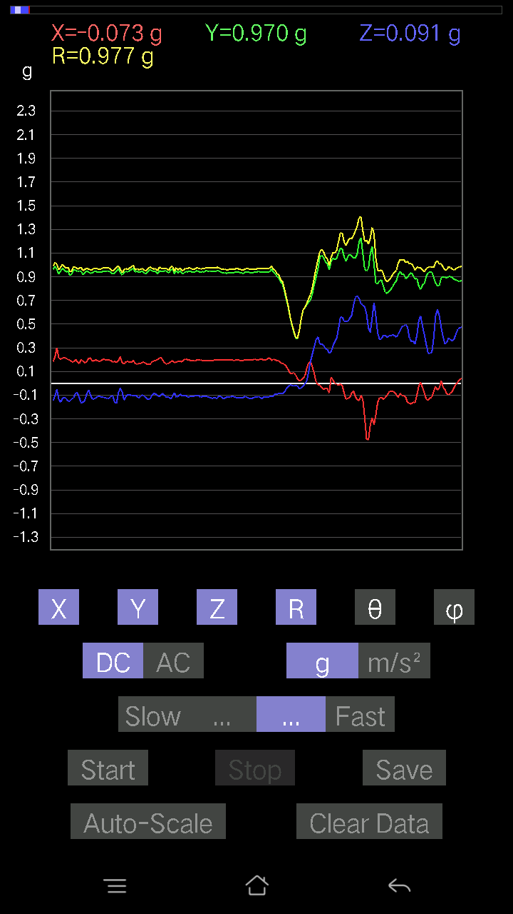
0.2967736 | 0.973316 | 72.24726 | 67.459045
0.28505886 | 0.9972632 | 73.39087 | 67.28559
0.26358184 | 0.9950748 | 74.63979 | 67.94962
0.2626056 | 0.9837264 | 74.51716 | 69.06415
0.2362474 | 0.9560338 | 75.69332 | 70.22839
0.24015234 | 0.9446271 | 75.27205 | 70.65506
0.23819989 | 0.9477148 | 75.4431 | 69.829346
0.2255089 | 0.94119924 | 76.13722 | 70.074425
0.21965154 | 0.92902696 | 76.32396 | 71.917755
0.22160399 | 0.9415105 | 76.38652 | 72.10629
0.23429495 | 0.94206107 | 75.59913 | 72.825165
0.23722363 | 0.93890446 | 75.36503 | 72.811264
0.2294138 | 0.9388755 | 75.856606 | 72.01191
0.21086545 | 0.93366086 | 76.94725 | 70.82604
0.21769907 | 0.9261904 | 76.405556 | 71.0149
0.22648512 | 0.9336516 | 75.96114 | 71.33071
0.22160399 | 0.9532525 | 76.55738 | 70.82099
0.20598431 | 0.9737017 | 77.786934 | 70.33827
0.10543273 | 0.9754306 | 83.79487 | 69.43045
0.24015234 | 1.0913166 | 77.28759 | 70.6678
0.21281794 | 1.0673696 | 78.49898 | 71.15919
0.22062775 | 1.0508125 | 77.880035 | 71.496185
0.21672285 | 1.0167967 | 77.69341 | 71.49383
0.24112856 | 0.9890303 | 75.88889 | 71.177795
0.24112856 | 0.9710618 | 75.622215 | 71.35821
0.22843759 | 0.9637892 | 76.28926 | 71.77285
0.14252943 | 0.98847795 | 81.70958 | 72.57775
0.24015234 | 1.0119148 | 76.27131 | 72.248825
0.2362474 | 0.981918 | 76.07817 | 70.80412
0.26455808 | 0.95081455 | 73.8446 | 70.712845
0.28505886 | 0.92811036 | 72.113106 | 71.104454
0.2831064 | 0.93351024 | 72.34584 | 70.51113
0.22062775 | 0.99207443 | 77.150536 | 69.004005
0.26748675 | 0.9831145 | 74.21187 | 70.59276
0.23039004 | 0.93641484 | 75.75704 | 71.95481
0.19134088 | 0.9255238 | 78.06875 | 69.884964
0.15619664 | 1.0019258 | 81.03121 | 67.55838
0.14545812 | 0.9995722 | 81.63258 | 67.66293
0.13764828 | 0.9941683 | 82.041504 | 66.94314
0.12886222 | 0.95042497 | 82.20762 | 66.86381
0.12690976 | 0.87953734 | 81.70374 | 68.067314
0.12983845 | 0.88338155 | 81.54811 | 70.552864
0.102504045 | 0.9665959 | 83.912544 | 72.50364
0.065407336 | 1.0569066 | 86.45195 | 71.88364
0.06931226 | 1.0320759 | 86.14922 | 72.68162
0.077122085 | 0.9861411 | 85.51455 | 73.3825
...

第三次
...
File |  | 2016-12-02 | 10-09-50
0.268463 | 0.9782043 | 74.071075 | 80.742966
0.22355644 | 0.93643165 | 76.18827 | 80.234314
0.20696054 | 0.93546987 | 77.2183 | 79.89257
0.21769907 | 0.9518338 | 76.77854 | 79.743744
0.2294138 | 0.9495015 | 76.01812 | 79.49968
0.22062775 | 0.95080894 | 76.58267 | 79.6627
0.20500809 | 0.9611632 | 77.68468 | 80.243904
0.21184167 | 0.96529937 | 77.32286 | 80.332634
0.17572121 | 0.97318816 | 79.59748 | 80.13419
0.18645974 | 0.9773729 | 79.0019 | 80.748535
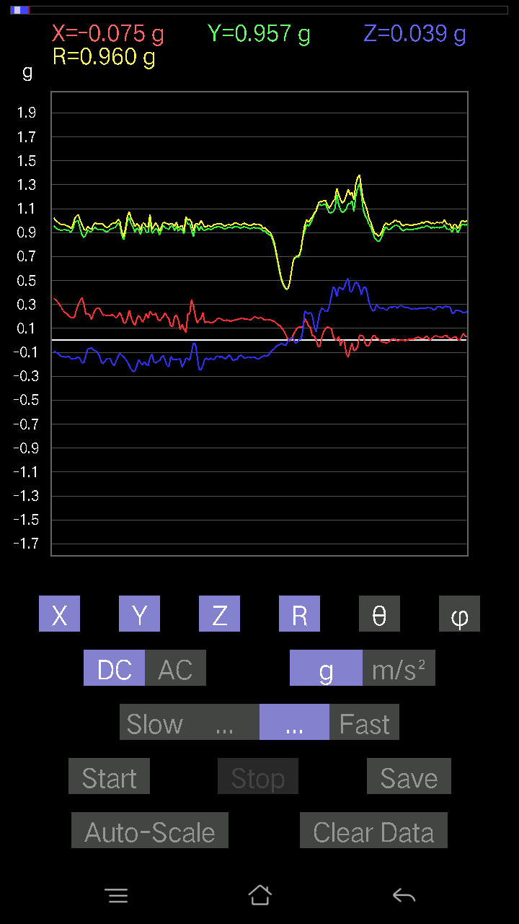
0.18060236 | 0.9720785 | 79.29281 | 81.24048
0.17084008 | 0.97026205 | 79.8587 | 81.654564
0.1581491 | 0.95177114 | 80.4352 | 82.88977
0.14350566 | 0.98305583 | 81.60602 | 81.39814
0.1552204 | 0.9808484 | 80.8946 | 81.82906
0.1483868 | 0.96017116 | 81.109764 | 82.311844
0.1483868 | 0.9529695 | 81.04203 | 82.49174
0.16107778 | 0.94917876 | 80.22949 | 82.50414
0.17084008 | 0.95288044 | 79.67171 | 80.831955
0.15424417 | 0.955228 | 80.70756 | 81.4839
0.14545812 | 0.96646225 | 81.343765 | 81.12476
0.16205402 | 0.98176074 | 80.49901 | 81.12647
0.14252943 | 0.9775563 | 81.61629 | 81.992584
0.15912533 | 1.0012412 | 80.855316 | 82.10996
0.19231711 | 1.0253152 | 79.189064 | 81.0216
0.2186753 | 0.9999883 | 77.368614 | 80.556526
0.208913 | 0.97061956 | 77.57058 | 80.27574
0.15229172 | 0.9352875 | 80.628876 | 81.54416
0.14936304 | 0.93803465 | 80.83781 | 81.02423
0.20305562 | 0.96262014 | 77.822525 | 80.625626
0.2020794 | 0.97764444 | 78.070946 | 80.72033
0.18743597 | 0.9793451 | 78.96614 | 81.17863
0.2020794 | 0.9460072 | 77.66583 | 81.80142
0.17962612 | 0.9656779 | 79.27995 | 80.64429
0.27334413 | 1.034103 | 74.672874 | 80.98947
0.18841219 | 1.0231351 | 79.38831 | 80.5011
0.10055158 | 1.01145 | 84.29462 | 80.56509
0.15033926 | 1.0162145 | 81.49241 | 80.0436
0.18841219 | 0.9607388 | 78.69032 | 80.57672
0.21965154 | 0.84591806 | 74.95008 | 81.68592
0.27334413 | 0.8404651 | 71.020515 | 79.31117
0.21086545 | 0.87099373 | 75.989624 | 77.45683
0.25870067 | 0.98826104 | 74.82467 | 76.74605
0.15229172 | 0.99741465 | 81.217354 | 77.822014
-0.025381953 | 1.0270615 | 91.41611 | 76.80939
0.15619664 | 1.0406445 | 81.36751 | 75.212166
0.1483868 | 0.9801616 | 81.2925 | 76.00576
0.1581491 | 0.9467554 | 80.38405 | 76.821236
0.16400647 | 0.9941966 | 80.50487 | 76.82154
0.15424417 | 1.0428483 | 81.49437 | 75.7533
0.15717287 | 1.0287833 | 81.2122 | 75.65687
0.14350566 | 0.9789264 | 81.57035 | 73.48333
0.13081467 | 0.9388527 | 81.990654 | 72.64957
0.11031388 | 0.9343455 | 83.219536 | 73.87243
0.123004854 | 0.94210345 | 82.49781 | 74.729126
0.10152781 | 0.9760191 | 84.02916 | 73.82507
...

第四次
...
File |  | 2016-12-02 | 10-10-28
0.03807293 | 0.9595943 | 87.726135 | 76.996635
0.041977845 | 0.9517161 | 87.47201 | 77.00538
0.06443111 | 0.93589664 | 86.05239 | 76.76291
0.077122085 | 0.9310942 | 85.24877 | 77.23581
0.06833603 | 0.92653334 | 85.77033 | 76.932785
0.067359805 | 0.932593 | 85.858 | 76.89721
0.04002539 | 0.9413531 | 87.5631 | 76.55515
0.04783522 | 0.9592422 | 87.1416 | 76.685936
0.032215554 | 1.0026314 | 88.158714 | 77.45303
0.013667206 | 1.0098833 | 89.22456 | 78.05999
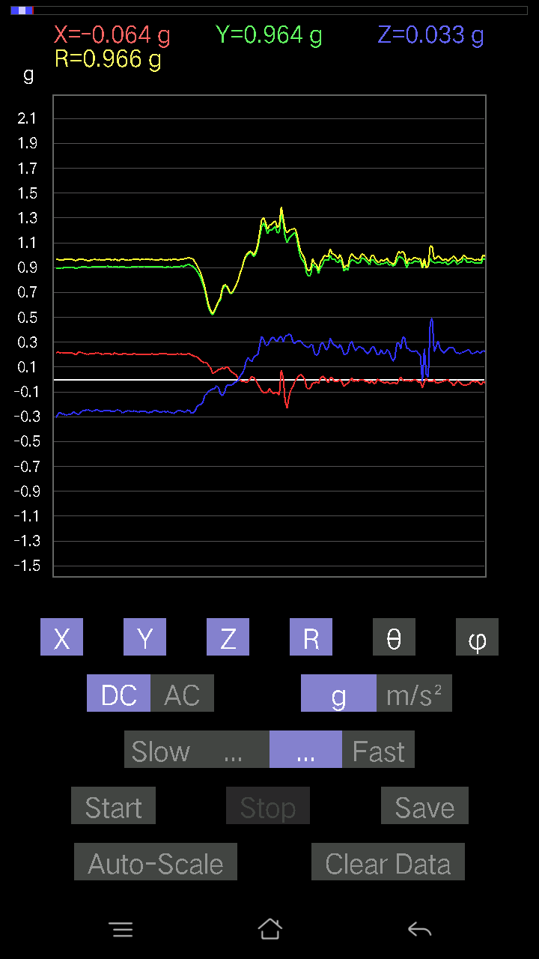
0.011714748 | 1.0094566 | 89.33507 | 78.16842
0.0156196635 | 0.9976449 | 89.10291 | 78.14022
0.020500809 | 0.9793884 | 88.80058 | 77.97307
0.024405725 | 0.9543496 | 88.53461 | 78.31063
0.043930303 | 0.95024896 | 87.35025 | 78.55139
0.035144243 | 0.9493067 | 87.87837 | 78.724754
0.020500809 | 0.9713057 | 88.7906 | 79.16451
0.013667206 | 0.9784279 | 89.19964 | 78.77977
-0.005857374 | 0.97701406 | 90.3435 | 78.88094
0.0156196635 | 0.974054 | 89.081184 | 78.61123
0.020500809 | 0.9603662 | 88.776825 | 78.86144
0.02831064 | 0.958274 | 88.307045 | 78.95347
0.027334413 | 0.9621166 | 88.37197 | 79.2946
0.029286869 | 0.95756316 | 88.247345 | 79.1829
0.04002539 | 0.9547754 | 87.59738 | 79.56404
0.049787678 | 0.93954164 | 86.96239 | 79.50852
0.0605262 | 0.95046306 | 86.34889 | 79.383965
-0.0019524579 | 0.9550753 | 90.11713 | 79.51705
0.09469421 | 0.9497514 | 84.27786 | 78.62042
0.077122085 | 0.96254295 | 85.40435 | 79.387505
0.084931925 | 1.0015491 | 85.135445 | 80.768036
0.06833603 | 1.0117991 | 86.12734 | 80.53768
0.054668825 | 0.99208117 | 86.8411 | 80.92757
0.050763905 | 0.984018 | 87.04289 | 80.91197
-0.0039049159 | 0.9876857 | 90.226524 | 80.21182
0.026358182 | 1.0017033 | 88.49218 | 79.94995
0.045882765 | 0.9877822 | 87.33764 | 80.20219
0.053692598 | 0.9718192 | 86.83282 | 80.73669
0.05662128 | 0.956536 | 86.606445 | 81.35627
0.07224095 | 0.8954958 | 85.37284 | 82.2687
0.10348027 | 0.8903085 | 83.32545 | 82.00408
0.08005078 | 0.94212365 | 85.125786 | 80.36135
0.062478654 | 0.97730863 | 86.334625 | 80.72624
0.052716363 | 1.0009495 | 86.98104 | 81.632484
0.046858992 | 1.0166477 | 87.35821 | 81.93221
0.049787678 | 1.0088007 | 87.17111 | 81.587265
0.046858992 | 1.01683 | 87.35868 | 80.42905
0.041001618 | 1.0127296 | 87.67967 | 80.39228
0.052716363 | 0.9858178 | 86.93466 | 79.65958
0.045882765 | 0.9569857 | 87.25189 | 80.5954
0.0302631 | 0.9714578 | 88.21482 | 80.859665
0.0302631 | 0.98501176 | 88.23939 | 81.33159
0.0019524579 | 0.9562206 | 89.88301 | 80.83579
0.024405725 | 0.9207589 | 88.48113 | 80.16803
0.016595893 | 0.9363909 | 88.98448 | 83.052826
-0.006833603 | 0.8561184 | 90.457344 | 84.56896
...

第五次
...
File |  | 2016-12-02 | 10-11-43
0.05759751 | 0.9465928 | 86.51156 | 75.03045
0.08981306 | 0.9357072 | 84.492035 | 74.87129
0.08102701 | 0.9069683 | 84.87446 | 75.28796
0.0741934 | 0.881625 | 85.17255 | 75.19162
0.09664667 | 0.8860874 | 83.73822 | 75.624916
0.08102701 | 0.9028979 | 84.85129 | 76.05427
0.04490653 | 0.92309 | 87.21157 | 75.65477
0.043930303 | 0.9421874 | 87.32757 | 75.891685
0.04002539 | 0.9643057 | 87.62115 | 76.5833
0.036120474 | 0.98191905 | 87.89187 | 77.41555
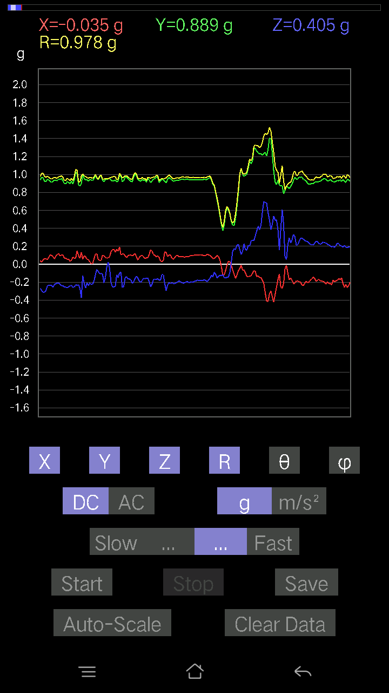
0.016595893 | 1.0031098 | 89.05203 | 77.74944
0.013667206 | 1.0150627 | 89.22852 | 78.00916
0.025381953 | 1.0066043 | 88.55511 | 78.75547
0.024405725 | 0.99069405 | 88.58838 | 78.745445
0.023429496 | 0.98550695 | 88.63772 | 78.511925
0.014643434 | 0.968298 | 89.13349 | 78.54278
0.050763905 | 0.95258737 | 86.94523 | 79.47426
0.012690976 | 0.9384064 | 89.22511 | 78.53809
0.06443111 | 0.94225365 | 86.07906 | 78.92345
0.090789296 | 0.910717 | 84.27869 | 79.94911
0.029286869 | 0.9591165 | 88.25018 | 79.31941
-0.08981306 | 1.0448062 | 94.93131 | 78.805984
-0.042954076 | 1.0579516 | 92.32691 | 79.30233
0.011714748 | 1.0117124 | 89.33655 | 78.64669
0.04881145 | 0.9748565 | 87.129974 | 77.315414
0.0156196635 | 0.9333122 | 89.04107 | 77.43218
0.046858992 | 0.89619154 | 87.00282 | 77.20682
0.077122085 | 0.9394235 | 85.291 | 77.41287
0.082003236 | 0.947013 | 85.032455 | 79.748184
0.077122085 | 0.98493046 | 85.509026 | 80.15372
0.012690976 | 1.0274739 | 89.29228 | 79.26664
-0.043930303 | 1.0340722 | 92.43482 | 77.4477
-0.0078098318 | 1.017463 | 90.4398 | 78.150986
0.051740136 | 0.963851 | 86.922844 | 79.066185
0.117147475 | 0.94523364 | 82.880745 | 77.49706
0.14057697 | 0.9137138 | 81.14976 | 76.429565
0.19231711 | 0.9141456 | 77.85543 | 77.57302
0.14741059 | 0.9706377 | 81.2647 | 78.79298
-0.11226633 | 1.0113897 | 96.373085 | 78.51545
-0.010738519 | 1.0087545 | 90.60995 | 77.82004
0.088836834 | 1.0015206 | 84.911064 | 76.589325
0.067359805 | 0.9586857 | 85.970924 | 75.87865
0.051740136 | 0.9477861 | 86.870636 | 75.849075
0.042954076 | 0.90412146 | 87.2769 | 78.96944
0.055645052 | 0.9079045 | 86.48617 | 79.25901
0.053692598 | 0.9566994 | 86.782715 | 78.26515
0.049787678 | 1.0103409 | 87.17543 | 77.200645
0.02831064 | 1.0067444 | 88.38857 | 75.27624
0.026358182 | 0.9432201 | 88.39867 | 75.48894
0.021477038 | 0.8640707 | 88.57573 | 76.670494
-0.021477038 | 0.8905162 | 91.381966 | 76.03995
-0.020500809 | 0.9579601 | 91.22625 | 75.77962
-0.012690976 | 1.0100018 | 90.719955 | 76.75631
-0.016595893 | 1.0013341 | 90.94965 | 77.95597
0.0078098318 | 0.9576746 | 89.532745 | 77.57889
0.01854835 | 0.9513505 | 88.88284 | 78.27489
...

第六次
...
File |  | 2016-12-02 | 10-12-19
0.07028849 | 0.9744869 | 85.86374 | 77.764565
0.077122085 | 0.9928192 | 85.544785 | 78.62357
0.09664667 | 0.98949087 | 84.394806 | 79.54783
0.13960074 | 0.9585226 | 81.625565 | 78.23893
0.10640897 | 0.9348676 | 83.46429 | 78.11134
0.090789296 | 0.9361166 | 84.43442 | 77.288864
0.10055158 | 0.9210068 | 83.7322 | 77.62361
0.13667206 | 0.87896395 | 81.05466 | 77.40132
0.127886 | 0.9044866 | 81.87167 | 77.084984
0.10543273 | 0.94745725 | 83.61091 | 78.759964
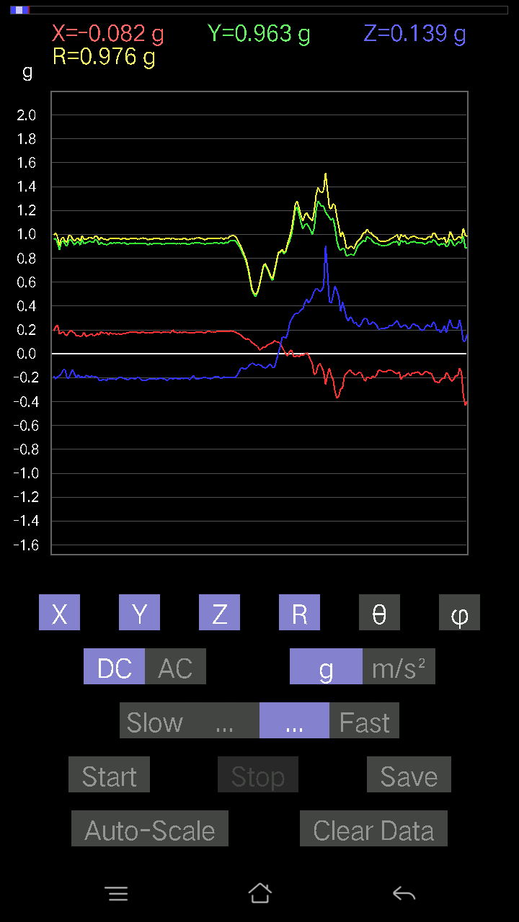
0.10836142 | 0.9595481 | 83.51578 | 79.73713
0.1181237 | 0.9747924 | 83.03989 | 80.300095
0.07907455 | 0.9796272 | 85.3701 | 80.67894
0.08395569 | 0.9805102 | 85.088066 | 80.50944
0.067359805 | 0.975898 | 86.04211 | 81.000496
0.07224095 | 0.97106385 | 85.73362 | 81.477806
0.073217176 | 0.96396726 | 85.64396 | 81.59009
0.041001618 | 0.9663469 | 87.56824 | 81.45205
0.03807293 | 0.9742345 | 87.76032 | 81.40673
0.034168016 | 0.9707615 | 87.98293 | 81.55191
0.0370967 | 0.97598106 | 87.821686 | 81.480576
0.020500809 | 0.9823702 | 88.80422 | 81.886
-9.76E-04 | 0.99004734 | 90.056496 | 81.49438
9.76E-04 | 0.9905844 | 89.943535 | 81.670265
0.08688438 | 0.9957756 | 84.99441 | 81.511055
0.111290105 | 1.0014749 | 83.61976 | 83.52327
0.13764828 | 1.0048645 | 82.126755 | 83.97629
0.15033926 | 0.99441177 | 81.30444 | 83.785484
0.090789296 | 0.9603701 | 84.5754 | 82.07674
0.12398108 | 0.96795154 | 82.64099 | 81.28484
0.15229172 | 0.96377724 | 80.90827 | 82.27718
0.11031388 | 0.956787 | 83.379295 | 82.86038
0.043930303 | 0.9725951 | 87.41118 | 83.07492
0.02831064 | 0.99803174 | 88.374504 | 82.86108
0.08786061 | 0.9871433 | 84.89364 | 82.69858
0.08786061 | 0.9541114 | 84.716354 | 82.560974
0.119099945 | 0.9427795 | 82.742516 | 82.14056
0.11031388 | 0.9504209 | 83.33475 | 82.632454
0.15424417 | 0.9624865 | 80.77825 | 83.03564
0.08688438 | 0.992894 | 84.97984 | 82.285774
0.041977845 | 1.0109297 | 87.62016 | 82.167496
0.022453265 | 0.98638606 | 88.695656 | 82.72021
0.03807293 | 0.973387 | 87.75837 | 82.15454
0.033191785 | 0.9704428 | 88.03995 | 81.666
0.067359805 | 0.9665599 | 86.0038 | 81.968346
0.07028849 | 0.9676414 | 85.83443 | 82.44366
0.05759751 | 0.9529965 | 86.53503 | 82.92603
0.06833603 | 0.9493645 | 85.87223 | 82.65518
0.055645052 | 0.96873057 | 86.70705 | 80.82292
0.029286869 | 0.9962248 | 88.315384 | 79.20782
0.031239327 | 0.9790312 | 88.17147 | 78.432236
0.04881145 | 0.95657736 | 87.07509 | 79.757996
0.052716363 | 0.93563133 | 86.770065 | 79.218506
0.053692598 | 0.90805775 | 86.610176 | 80.20292
0.04783522 | 0.8849024 | 86.901245 | 82.31751
0.01854835 | 0.91401625 | 88.837204 | 81.58424
...

第七次
...
File |  | 2016-12-02 | 10-12-59
0.114218794 | 0.97695947 | 83.28605 | 83.761665
0.10933765 | 0.9751243 | 83.562065 | 83.92754
0.10055158 | 0.9797697 | 84.10949 | 84.07811
0.08395569 | 0.96920025 | 85.0306 | 84.19718
0.082003236 | 0.959216 | 85.0958 | 83.666275
0.107385196 | 0.9537072 | 83.53492 | 83.255684
0.10348027 | 0.93729216 | 83.66143 | 83.440994
0.093717985 | 0.9449503 | 84.30818 | 83.50215
0.107385196 | 0.95393705 | 83.53648 | 83.13848
0.1181237 | 0.9463083 | 82.8293 | 82.71242
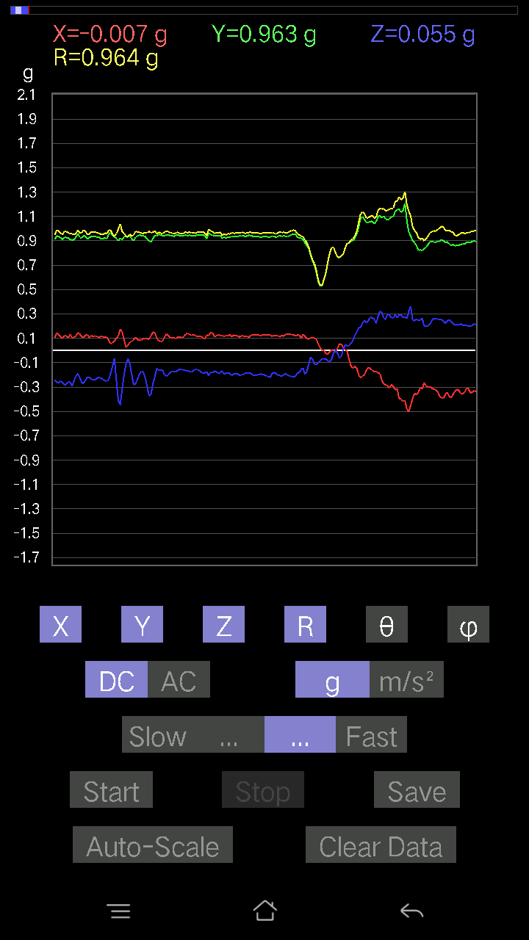
0.11324256 | 0.9416213 | 83.0927 | 82.800766
0.11324256 | 0.9572725 | 83.20617 | 83.27641
0.119099945 | 0.96130943 | 82.88314 | 84.12604
0.1181237 | 0.9665855 | 82.9805 | 84.39384
0.1181237 | 0.96929175 | 83.00019 | 84.526596
0.13374338 | 0.97218984 | 82.09279 | 84.58996
0.10348027 | 0.97085965 | 83.88144 | 84.95245
0.082003236 | 0.97990054 | 85.19957 | 84.722595
0.06833603 | 0.97931147 | 85.998665 | 84.43753
0.05759751 | 0.97649354 | 86.6185 | 84.54063
0.059549972 | 0.9724559 | 86.4892 | 84.690796
0.059549972 | 0.9655744 | 86.46415 | 84.71099
0.062478654 | 0.96815 | 86.2999 | 85.07289
0.0605262 | 0.955967 | 86.36994 | 85.30452
0.03904916 | 0.9640053 | 87.678474 | 85.05793
0.0019524579 | 0.93587166 | 89.88047 | 83.77201
0.041977845 | 0.9690267 | 87.5172 | 83.34079
0.07028849 | 0.9523682 | 85.7675 | 84.86955
0.10055158 | 0.97381717 | 84.07336 | 86.18593
0.08297946 | 0.99294055 | 85.20624 | 85.92647
0.06443111 | 1.0099385 | 86.34222 | 85.333145
0.06345488 | 1.0026908 | 86.371635 | 84.906784
0.08981306 | 0.9810679 | 84.74744 | 83.86213
0.062478654 | 0.9574 | 86.25829 | 84.42922
0.07224095 | 0.95751595 | 85.67314 | 85.484474
0.09664667 | 0.9657876 | 84.25678 | 85.27986
0.0976229 | 0.95435303 | 84.128815 | 85.162964
0.059549972 | 0.95640206 | 86.43019 | 84.95412
0.051740136 | 0.9648586 | 86.92606 | 85.58349
0.1181237 | 0.968678 | 82.995735 | 85.63253
0.06443111 | 0.9872837 | 86.25816 | 84.19902
0.08688438 | 0.99088496 | 84.969635 | 84.83636
0.08005078 | 0.9753422 | 85.292175 | 85.04521
0.13276714 | 0.96567804 | 82.0976 | 85.66857
0.022453265 | 0.9587916 | 88.65811 | 85.619194
0.042954076 | 0.96922827 | 87.459946 | 84.32964
0.06638357 | 0.9779242 | 86.10765 | 84.027
0.1210524 | 0.9791947 | 82.898674 | 84.060295
0.10640897 | 0.97150147 | 83.711754 | 84.13956
0.09567044 | 0.95085347 | 84.225395 | 85.44258
0.08786061 | 0.9174916 | 84.50484 | 85.03291
0.12593354 | 0.9314048 | 82.22934 | 86.9681
0.090789296 | 0.9780534 | 84.67377 | 85.16958
0.023429496 | 1.0137638 | 88.6757 | 82.80653
0.011714748 | 0.99020326 | 89.322136 | 83.148254
0.0156196635 | 0.9425924 | 89.05051 | 81.18164
...

第八次
...
File |  | 2016-12-02 | 10-13-40
0.13960074 | 0.9579732 | 81.62073 | 78.11134
0.1444819 | 0.95457923 | 81.29445 | 77.87626
0.13667206 | 0.957904 | 81.79714 | 78.296684
0.114218794 | 0.96219385 | 83.18253 | 78.20783
0.1210524 | 0.9671552 | 82.80981 | 77.603966
0.12398108 | 0.96440256 | 82.61376 | 77.92158
0.14057697 | 0.94996107 | 81.49001 | 78.187996
0.1415532 | 0.93696165 | 81.31066 | 77.15023
0.13081467 | 0.9637027 | 82.19849 | 77.54109
0.1181237 | 0.95883924 | 82.9235 | 78.4595
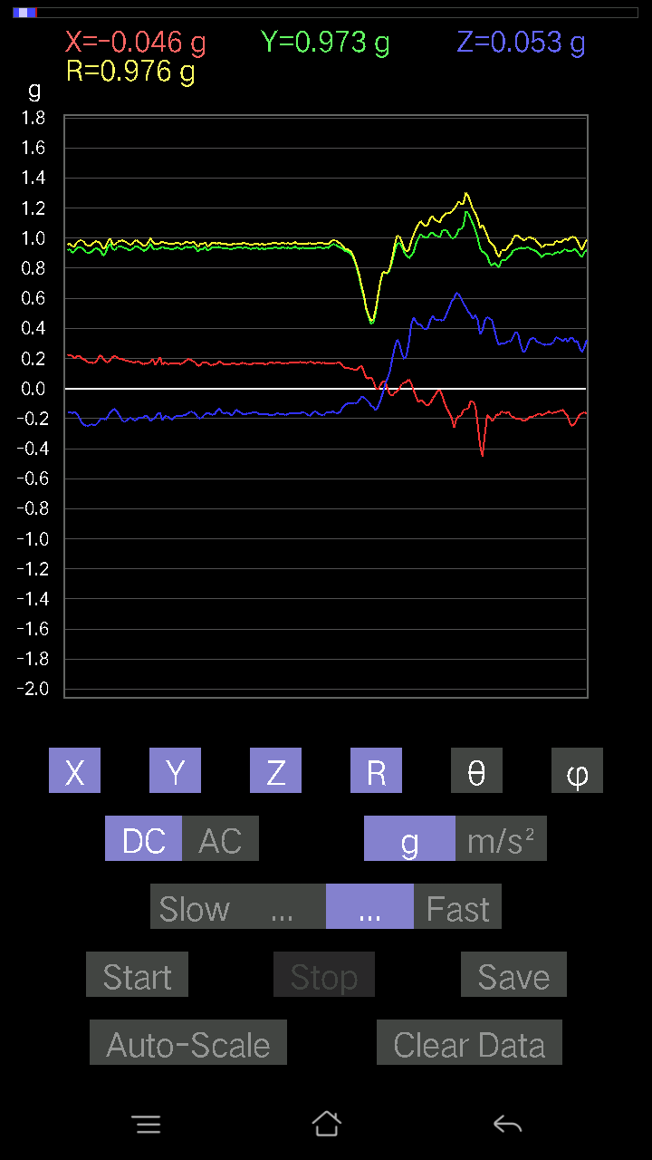
0.1210524 | 0.9697138 | 82.82888 | 77.99457
0.111290105 | 0.9635602 | 83.3676 | 77.45218
0.127886 | 0.9644633 | 82.38025 | 77.496574
0.14252943 | 0.9558413 | 81.42441 | 77.71511
0.13276714 | 0.9678684 | 82.1156 | 77.831894
0.12593354 | 0.9786266 | 82.60645 | 78.452705
0.08102701 | 0.9889316 | 85.30026 | 78.69007
0.084931925 | 0.98830545 | 85.0701 | 78.678925
0.093717985 | 0.9633723 | 84.41737 | 78.66718
0.10055158 | 0.9513049 | 83.93259 | 78.63209
0.102504045 | 0.9475161 | 83.78948 | 78.643486
0.099575356 | 0.94968414 | 83.981415 | 78.492615
0.09567044 | 0.9482159 | 84.209274 | 77.93423
0.05759751 | 0.9664696 | 86.58339 | 78.383064
0.08005078 | 0.9676773 | 85.25481 | 78.4967
-0.033191785 | 0.93738574 | 92.029205 | 78.39732
0.19719826 | 0.98402953 | 78.43973 | 79.497955
0.10933765 | 0.95443445 | 83.4219 | 77.99589
0.051740136 | 0.95054525 | 86.87973 | 79.510666
0.20110317 | 1.0027416 | 78.43068 | 80.678085
0.12690976 | 0.9742022 | 82.51478 | 79.871254
0.14057697 | 0.95007145 | 81.491005 | 79.7058
0.10933765 | 0.9568463 | 83.43855 | 78.44773
0.21086545 | 1.0218624 | 78.091225 | 79.48
0.051740136 | 0.98665273 | 86.994026 | 79.38035
0.034168016 | 0.9871554 | 88.01645 | 78.70119
0.090789296 | 0.99654484 | 84.77287 | 77.90524
0.09567044 | 0.95541495 | 84.25306 | 78.147705
0.119099945 | 0.9134124 | 82.507866 | 78.18132
0.14545812 | 0.9336598 | 81.03718 | 78.273766
0.15229172 | 0.9628943 | 80.899864 | 78.39009
0.117147475 | 0.9737369 | 83.09017 | 78.40637
0.127886 | 0.9642577 | 82.37862 | 78.69006
0.16498269 | 0.993875 | 80.4447 | 79.148964
0.14545812 | 1.0090289 | 81.71156 | 79.29431
0.16888762 | 1.0045055 | 80.320885 | 78.51282
0.1181237 | 0.9887778 | 83.13881 | 77.829636
0.102504045 | 0.9831717 | 84.01555 | 78.073044
0.09859913 | 0.9717171 | 84.17623 | 78.11134
0.14936304 | 0.9702699 | 81.14469 | 77.294
0.13179092 | 0.9636275 | 82.13928 | 77.598305
0.117147475 | 0.97282577 | 83.08367 | 78.09941
0.10152781 | 0.9699187 | 83.99146 | 78.144196
0.11324256 | 0.9661279 | 83.26873 | 77.90117
0.114218794 | 0.95381016 | 83.12232 | 77.49682
0.11226633 | 0.98770547 | 83.47344 | 76.89003
...

第九次
...
File |  | 2016-12-02 | 10-14-16
0.077122085 | 0.98732376 | 85.519936 | 84.13674
0.052716363 | 0.97747046 | 86.908455 | 84.37494
0.062478654 | 0.95591605 | 86.25248 | 83.595055
0.052716363 | 0.9273255 | 86.741104 | 82.8525
0.041977845 | 0.9160217 | 87.37343 | 81.90448
0.042954076 | 0.9273846 | 87.34525 | 82.12606
0.041977845 | 0.9385105 | 87.43641 | 82.882385
0.0605262 | 0.94473594 | 86.32673 | 83.22084
0.06345488 | 0.9476026 | 86.16039 | 83.35928
0.05662128 | 0.9564114 | 86.606 | 83.659805
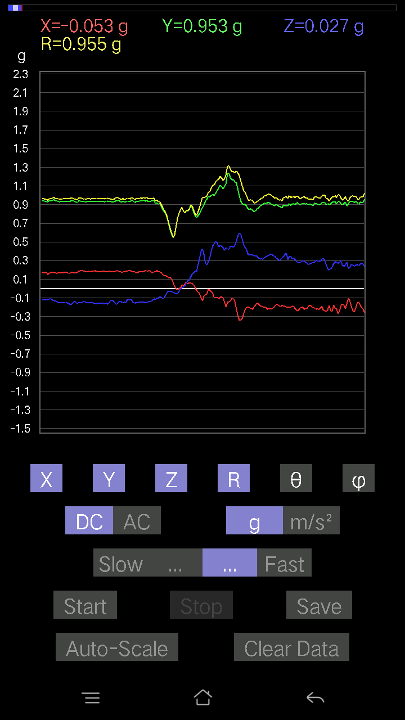
0.050763905 | 0.9570516 | 86.959496 | 83.666275
0.06638357 | 0.96939194 | 86.07333 | 82.86781
0.07907455 | 0.9714543 | 85.33106 | 83.28342
0.026358182 | 0.9604967 | 88.427475 | 83.93001
0.023429496 | 0.97723794 | 88.62619 | 83.34368
0.029286869 | 0.9703879 | 88.270515 | 83.93365
0.025381953 | 0.9641486 | 88.49147 | 84.06997
0.042954076 | 0.969183 | 87.45982 | 83.28342
0.053692598 | 0.9524128 | 86.76822 | 83.10116
0.046858992 | 0.94285774 | 87.15129 | 83.81067
0.022453265 | 0.96173817 | 88.66222 | 84.289406
0.027334413 | 0.9788792 | 88.39986 | 84.676186
0.031239327 | 0.9862832 | 88.18492 | 83.86032
0.041977845 | 0.9831619 | 87.55291 | 84.18175
0.04783522 | 0.9808197 | 87.20454 | 84.56779
0.051740136 | 0.9815321 | 86.97833 | 85.544395
0.049787678 | 0.9887041 | 87.11356 | 85.23636
0.046858992 | 0.9930361 | 87.29534 | 84.86173
0.01952458 | 0.98780584 | 88.86744 | 84.49792
0.05759751 | 0.9734903 | 86.608055 | 84.003044
0.036120474 | 0.9873961 | 87.903564 | 84.43606
0.071264714 | 0.9957005 | 85.89569 | 84.13249
0.071264714 | 0.98224115 | 85.839355 | 84.56779
0.08395569 | 0.97007006 | 85.035065 | 84.26061
0.08688438 | 0.9600829 | 84.807816 | 84.551346
0.053692598 | 0.9678783 | 86.81991 | 84.899895
0.05662128 | 0.9746839 | 86.6697 | 84.415245
0.05662128 | 0.9605463 | 86.62063 | 84.684105
0.05759751 | 0.97410095 | 86.61018 | 84.81599
0.041001618 | 1.0032319 | 87.6577 | 83.906296
0.014643434 | 1.0253458 | 89.1817 | 83.76826
0.031239327 | 1.0010556 | 88.211716 | 83.33262
0.04881145 | 0.9738784 | 87.12709 | 84.066246
0.051740136 | 0.9607348 | 86.91286 | 84.39384
0.065407336 | 0.9790175 | 86.169266 | 84.49452
0.06345488 | 0.9744825 | 86.26646 | 83.659805
0.071264714 | 0.93807125 | 85.643074 | 82.08132
0.084931925 | 0.93731153 | 84.80117 | 82.9716
0.08395569 | 0.94975233 | 84.92858 | 84.136444
0.07809832 | 0.9752274 | 85.40671 | 83.83137
0.065407336 | 0.9722589 | 86.14259 | 83.354164
0.058573738 | 0.9758995 | 86.55902 | 82.803764
0.034168016 | 0.9615658 | 87.96364 | 82.52844
0.02831064 | 0.97678876 | 88.33914 | 82.24258
0.024405725 | 0.9805514 | 88.57377 | 81.466415
0.011714748 | 0.9852893 | 89.318756 | 81.45239
...

第十次
...
File |  | 2016-12-02 | 10-14-49
0.20110317 | 0.9617698 | 77.930565 | 85.17709
0.19231711 | 0.9726074 | 78.59554 | 85.065834
0.19231711 | 0.97037846 | 78.569 | 85.29008
0.19036464 | 0.97334343 | 78.721504 | 84.95412
0.19329333 | 0.9687281 | 78.49034 | 84.57084
0.19329333 | 0.9592074 | 78.37452 | 84.51451
0.19622204 | 0.95696384 | 78.167786 | 83.89722
0.20696054 | 0.95929986 | 77.540985 | 84.43795
0.17767367 | 0.9701561 | 79.447334 | 84.83212
0.17669745 | 0.9989156 | 79.81138 | 85.50094
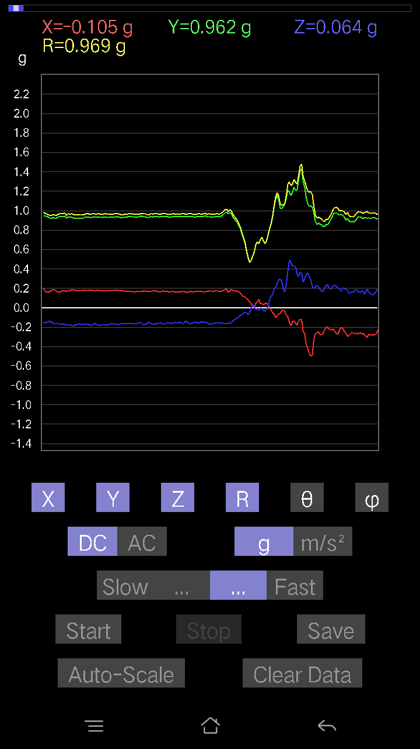
0.17962612 | 0.98861206 | 79.53148 | 85.680725
0.19915071 | 0.98151857 | 78.29337 | 85.163864
0.19719826 | 0.9720167 | 78.294846 | 84.82153
0.18157859 | 0.9655043 | 79.16006 | 84.56526
0.174745 | 0.966154 | 79.57976 | 84.57641
0.18743597 | 0.9702581 | 78.86149 | 84.7045
0.18157859 | 0.9628162 | 79.129425 | 85.08407
0.17962612 | 0.96495926 | 79.27187 | 84.682724
0.20012695 | 0.96907383 | 78.08188 | 84.623985
0.19134088 | 0.9672976 | 78.591095 | 84.623985
0.19036464 | 0.97890556 | 78.78642 | 84.4575
0.18743597 | 0.9692164 | 78.84936 | 84.757645
0.19622204 | 0.97435045 | 78.38189 | 84.42353
0.19329333 | 0.97290605 | 78.540436 | 84.35945
0.19426957 | 0.970151 | 78.44861 | 84.40066
0.19426957 | 0.9672025 | 78.41291 | 84.44213
0.19426957 | 0.9675808 | 78.4175 | 84.20721
0.18938842 | 0.9628355 | 78.65603 | 84.77875
0.18743597 | 0.9693934 | 78.851425 | 84.64052
0.19915071 | 0.9584127 | 78.006996 | 84.56249
0.1952458 | 0.9530365 | 78.17828 | 84.4147
0.19134088 | 0.94986826 | 78.37886 | 84.097984
0.19622204 | 0.941978 | 77.97675 | 83.67322
0.20500809 | 0.95068914 | 77.54683 | 83.59992
0.21086545 | 0.95196944 | 77.20259 | 83.59992
0.20012695 | 0.952725 | 77.87428 | 84.044426
0.20110317 | 0.9631798 | 77.948494 | 84.23032
0.20403185 | 0.96323776 | 77.77104 | 84.585014
0.20110317 | 0.97438276 | 78.0891 | 85.065834
0.18157859 | 0.9938994 | 79.473335 | 85.58813
0.17962612 | 1.0030466 | 79.68379 | 85.68824
0.16986385 | 0.9938184 | 80.15866 | 85.53996
0.1718163 | 0.984082 | 79.94488 | 85.14528
0.17376876 | 0.9735739 | 79.718445 | 85.32364
0.17084008 | 0.9610328 | 79.76027 | 85.678406
0.17279254 | 0.96801466 | 79.71748 | 85.767944
0.17572121 | 0.9759967 | 79.62775 | 85.217
0.18157859 | 0.97433376 | 79.25946 | 85.84778
0.18353106 | 0.9691043 | 79.08327 | 85.70499
0.19817449 | 0.9690536 | 78.199585 | 85.750534
0.208913 | 0.9639948 | 77.48379 | 85.47822
0.21281794 | 0.9657234 | 77.26914 | 85.54209
0.19915071 | 0.9719147 | 78.17603 | 85.17288
0.15717287 | 0.95284045 | 80.505554 | 84.99416
0.18353106 | 0.9383917 | 78.72137 | 85.68054
0.24015234 | 0.9683827 | 75.641205 | 83.60713
...

第十一次
...
File |  | 2016-12-02 | 10-16-07
0.16303024 | 0.84283 | 78.84686 | 76.89891
0.07224095 | 0.95267546 | 85.651115 | 74.13548
0.073217176 | 0.9825971 | 85.72671 | 75.105354
0.127886 | 0.9435131 | 82.210014 | 76.47169
0.084931925 | 0.9396466 | 84.814125 | 76.7321
0.041977845 | 0.9823707 | 87.55094 | 76.59958
0.042954076 | 1.0032979 | 87.54625 | 76.884094
0.023429496 | 0.99180454 | 88.64637 | 77.605804
0.026358182 | 0.99179626 | 88.47712 | 77.893425
0.021477038 | 0.9852062 | 88.75088 | 77.75453
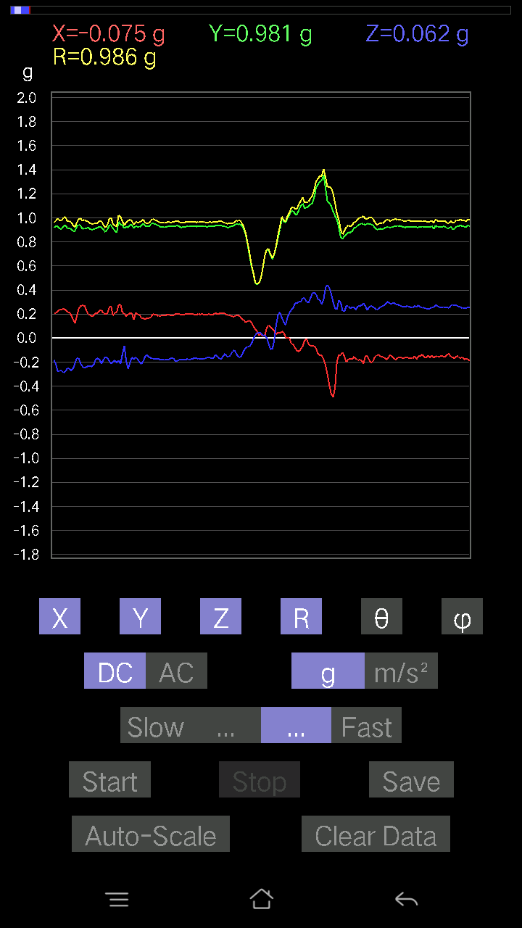
0.031239327 | 0.97386074 | 88.16176 | 78.48721
0.023429496 | 0.9631541 | 88.606094 | 79.248314
0.01952458 | 0.9569499 | 88.83092 | 79.297745
0.012690976 | 0.9533644 | 89.23727 | 79.13885
0.034168016 | 0.9402788 | 87.91752 | 78.73676
0.049787678 | 0.9496084 | 86.99462 | 78.23893
0.031239327 | 0.97060585 | 88.155594 | 78.85968
9.76E-04 | 0.99883735 | 89.944 | 78.32765
0.07614586 | 1.0283607 | 85.7536 | 77.85572
0.03807293 | 0.97927886 | 87.771866 | 79.01516
0.06931226 | 0.9920629 | 85.99366 | 78.96718
0.054668825 | 1.0186709 | 86.92364 | 78.48517
0.013667206 | 1.0314339 | 89.24077 | 77.64767
0.07028849 | 1.0228536 | 86.05964 | 77.62577
0.09567044 | 0.9849362 | 84.425865 | 78.22008
0.11519502 | 0.96765023 | 83.16294 | 78.09635
0.10640897 | 0.9747763 | 83.73296 | 78.610825
0.045882765 | 0.95129895 | 87.23546 | 78.863235
0.10348027 | 0.940994 | 83.68646 | 79.170944
0.13667206 | 0.92871034 | 81.53743 | 78.7856
0.084931925 | 0.93357354 | 84.7803 | 78.73727
0.0078098318 | 0.96482295 | 89.53621 | 78.087456
0.014643434 | 0.9781966 | 89.14226 | 77.72551
0.052716363 | 0.9581979 | 86.846214 | 78.105316
0.061502427 | 0.9481656 | 86.28092 | 78.57413
0.053692598 | 0.9534839 | 86.77185 | 78.04477
0.07907455 | 0.9476367 | 85.21345 | 77.94661
0.06638357 | 0.9815705 | 86.12213 | 78.20841
0.049787678 | 1.0056595 | 87.16227 | 79.30167
0.035144243 | 1.0136214 | 88.01305 | 79.11239
0.00976229 | 1.0101645 | 89.44628 | 78.51631
0.032215554 | 0.99613297 | 88.1467 | 78.11713
0.046858992 | 0.9726083 | 87.238495 | 78.17065
0.04002539 | 0.9470875 | 87.57787 | 77.9713
0.041001618 | 0.94303966 | 87.5081 | 78.58528
0.025381953 | 0.947854 | 88.46553 | 78.4701
0 | 0.96506387 | 90 | 77.20087
0.0370967 | 0.94747984 | 87.75613 | 78.400406
0.062478654 | 0.907767 | 86.0534 | 78.18132
0.046858992 | 0.9027628 | 87.02466 | 77.04723
0.0039049159 | 0.7903507 | 89.71692 | 75.843605
-0.035144243 | 0.7616714 | 92.64462 | 74.21617
-0.0605262 | 0.8738907 | 93.97152 | 76.134926
-0.020500809 | 0.9657297 | 91.216385 | 78.45148
0.010738519 | 1.0082186 | 89.38973 | 77.188354
...

第十二次
...
File |  | 2016-12-02 | 10-18-21
0.19817449 | 0.95450735 | 78.017105 | 75.03385
0.19719826 | 0.9378858 | 77.86251 | 74.94284
0.19134088 | 0.94211817 | 78.281906 | 74.59598
0.18060236 | 0.9618521 | 79.177605 | 74.59949
0.17084008 | 0.98476195 | 80.009575 | 74.64877
0.16498269 | 0.9951585 | 80.45714 | 74.77487
0.18645974 | 0.9878458 | 79.11993 | 74.59317
0.18548352 | 0.97336936 | 79.01464 | 74.8989
0.20598431 | 0.96912104 | 77.72831 | 75.0039
0.18743597 | 0.97577584 | 78.92527 | 75.11373
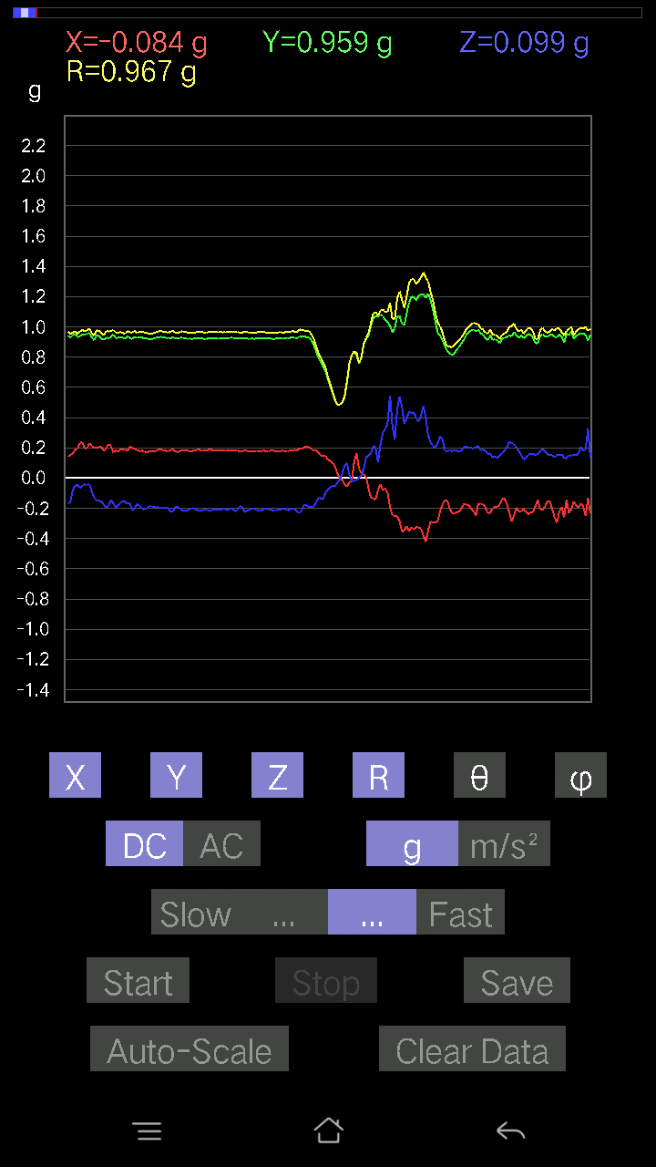
0.19426957 | 0.9797011 | 78.562744 | 74.97478
0.20793676 | 0.97329295 | 77.6641 | 74.82227
0.21184167 | 0.96611464 | 77.33373 | 74.62518
0.20696054 | 0.9609704 | 77.56299 | 74.43122
0.20793676 | 0.9630176 | 77.53037 | 74.46315
0.19915071 | 0.9694446 | 78.14546 | 74.60527
0.19329333 | 0.9805077 | 78.63047 | 74.749985
0.20500809 | 0.9677527 | 77.76984 | 74.37142
0.2020794 | 0.95339394 | 77.762886 | 74.565865
0.19622204 | 0.9547769 | 78.14029 | 74.42462
0.19915071 | 0.9583988 | 78.00682 | 74.41521
0.19622204 | 0.958459 | 78.18651 | 74.488655
0.1952458 | 0.95616233 | 78.21748 | 74.514275
0.19915071 | 0.96458584 | 78.08488 | 74.58375
0.19622204 | 0.9661876 | 78.28235 | 74.31448
0.19622204 | 0.96869177 | 78.313065 | 74.419075
0.20110317 | 0.9771608 | 78.12346 | 74.30368
0.1952458 | 0.9825758 | 78.538574 | 74.597145
0.19231711 | 0.9847673 | 78.73822 | 74.643295
0.19134088 | 0.98079723 | 78.75019 | 74.82137
0.18938842 | 0.9803478 | 78.86129 | 75.06109
0.18353106 | 0.9667743 | 79.05663 | 74.73454
0.18938842 | 0.96228105 | 78.64941 | 74.88528
0.18255483 | 0.9718898 | 79.17354 | 74.88364
0.18060236 | 0.9731279 | 79.3045 | 74.97061
0.18841219 | 0.9671419 | 78.766174 | 75.09137
0.19817449 | 0.9673149 | 78.17807 | 74.81742
0.19719826 | 0.9733262 | 78.310814 | 74.981636
0.19134088 | 0.973661 | 78.66665 | 74.642105
0.18938842 | 0.9786587 | 78.84182 | 74.55073
0.19719826 | 0.98120964 | 78.406044 | 74.98986
0.19426957 | 0.96897894 | 78.43445 | 75.16347
0.19329333 | 0.9695227 | 78.4999 | 74.99274
0.18743597 | 0.9694622 | 78.85223 | 74.52311
0.18060236 | 0.9722795 | 79.29505 | 74.71407
0.18060236 | 0.96529746 | 79.2167 | 74.71902
0.174745 | 0.95470756 | 79.45341 | 74.61944
0.17376876 | 0.9612639 | 79.58532 | 74.67223
0.16693515 | 0.9608186 | 79.99451 | 74.501205
0.17669745 | 0.97377014 | 79.54536 | 75.11373
0.174745 | 0.9682843 | 79.60294 | 75.15181
0.18841219 | 0.9667891 | 78.762024 | 74.71902
0.18255483 | 0.9591091 | 79.0275 | 74.854294
0.19329333 | 0.9716186 | 78.52505 | 74.966415
0.16693515 | 0.9626717 | 80.01396 | 74.53273
0.17572121 | 0.96599627 | 79.51916 | 74.806854
...

第十三次
...
File |  | 2016-12-02 | 10-18-55
0.11324256 | 0.9458203 | 83.12351 | 77.75547
0.12398108 | 0.9383775 | 82.40772 | 78.00604
0.13764828 | 0.93511623 | 81.535355 | 78.36985
0.13081467 | 0.93054444 | 81.91867 | 78.26143
0.1044565 | 0.9473491 | 83.669586 | 78.759964
0.07809832 | 0.9766824 | 85.41357 | 78.430916
0.067359805 | 0.9835148 | 86.0728 | 78.81304
0.0741934 | 0.97561425 | 85.638565 | 78.949425
0.061502427 | 0.9665648 | 86.35181 | 79.32691
0.04490653 | 0.9682484 | 87.34172 | 79.76757
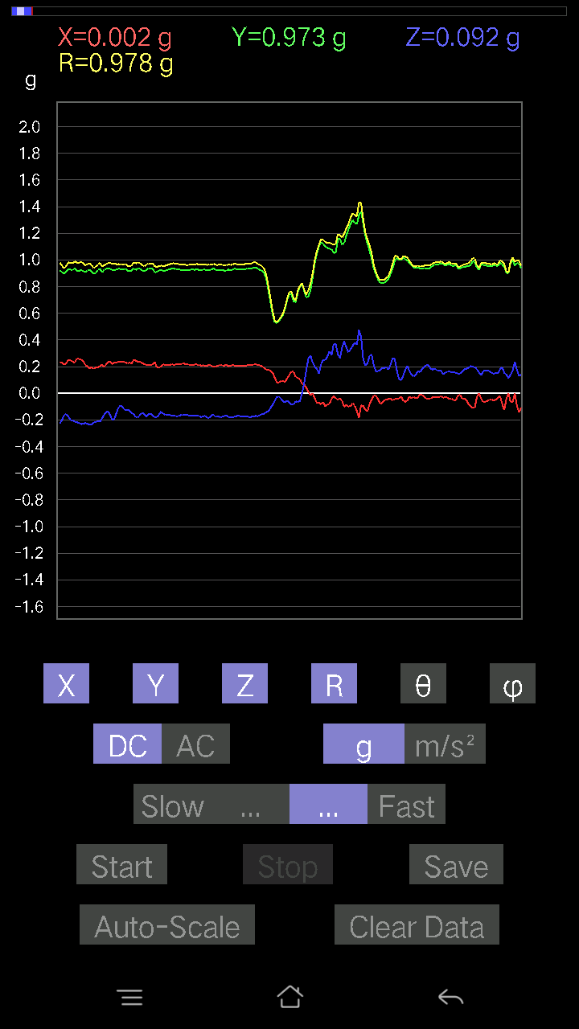
-0.03904916 | 0.9815195 | 92.28008 | 79.56252
0.0605262 | 1.0005038 | 86.53173 | 79.23928
0.011714748 | 0.9621641 | 89.30238 | 79.18035
-0.008786061 | 0.98323566 | 90.51199 | 79.41529
-0.011714748 | 0.9669587 | 90.69416 | 79.23464
0.041001618 | 0.95726854 | 87.545166 | 79.41268
0.10348027 | 0.934017 | 83.63911 | 79.5173
0.09859913 | 0.9381647 | 83.96719 | 81.03049
0.059549972 | 0.9787226 | 86.5117 | 80.50944
0.07516963 | 1.0070341 | 85.7192 | 80.99552
0.088836834 | 1.0073155 | 84.940414 | 80.59267
0.12398108 | 0.9810563 | 82.73983 | 79.12967
0.10152781 | 0.97276944 | 84.00914 | 78.179825
0.0976229 | 0.9676168 | 84.20957 | 78.120316
0.06833603 | 0.9524513 | 85.885635 | 78.62079
0.09567044 | 0.9519794 | 84.23225 | 79.18808
0.067359805 | 0.9503267 | 85.935425 | 79.2571
0.111290105 | 0.98308927 | 83.49992 | 80.914246
0.114218794 | 1.0099291 | 83.50619 | 79.91452
0.090789296 | 1.0127646 | 84.85681 | 80.47386
0.08297946 | 0.98520327 | 85.168495 | 79.572845
0.09567044 | 0.94948494 | 84.21704 | 79.03844
0.14545812 | 0.9176127 | 80.87911 | 80.0099
0.084931925 | 0.8920773 | 84.53677 | 79.35713
0.062478654 | 0.95204896 | 86.237236 | 78.62079
0.06638357 | 0.9754521 | 86.09777 | 79.12967
0.10152781 | 1.0011337 | 84.17947 | 77.48946
0.06833603 | 0.99317044 | 86.054596 | 79.21042
0.13960074 | 0.9528125 | 81.57502 | 78.77154
0.12007617 | 0.9363227 | 82.631966 | 78.17029
0.07809832 | 0.9810849 | 85.4342 | 77.48981
0.09567044 | 0.9813316 | 84.40533 | 78.11724
0.06345488 | 0.9668528 | 86.23695 | 79.91814
0.08102701 | 0.9664859 | 85.190865 | 78.00665
0.08981306 | 0.97502804 | 84.714806 | 78.33981
0.06833603 | 0.9709096 | 85.96398 | 76.83223
0.059549972 | 0.9660356 | 86.465836 | 76.65318
0.046858992 | 0.98276985 | 87.26707 | 75.83938
0.054668825 | 0.9794297 | 86.80026 | 76.49092
0.0741934 | 0.9658773 | 85.59451 | 76.69629
0.059549972 | 0.9739057 | 86.49443 | 76.94069
0.033191785 | 0.99415445 | 88.086716 | 76.82395
0.027334413 | 0.9880065 | 88.41464 | 77.84591
0.026358182 | 0.9595918 | 88.425995 | 77.42059
0.034168016 | 0.93023205 | 87.89502 | 77.875824
0.022453265 | 0.9734658 | 88.67834 | 77.42756
...

第十四次
...
File |  | 2016-12-02 | 10-19-24
0.19622204 | 0.9565027 | 78.161995 | 72.58538
0.20793676 | 0.9480455 | 77.33019 | 73.190704
0.20696054 | 0.9268327 | 77.097145 | 72.58319
0.18645974 | 0.89696366 | 78.00192 | 73.11756
0.25089085 | 0.8953638 | 73.727196 | 72.14128
0.23819989 | 0.9446332 | 75.39456 | 71.894005
0.19915071 | 0.9629226 | 78.063995 | 72.82307
0.208913 | 0.99354887 | 77.861855 | 72.512
0.17572121 | 1.0052433 | 79.93271 | 73.084236
0.17084008 | 1.0148097 | 80.30828 | 73.20971
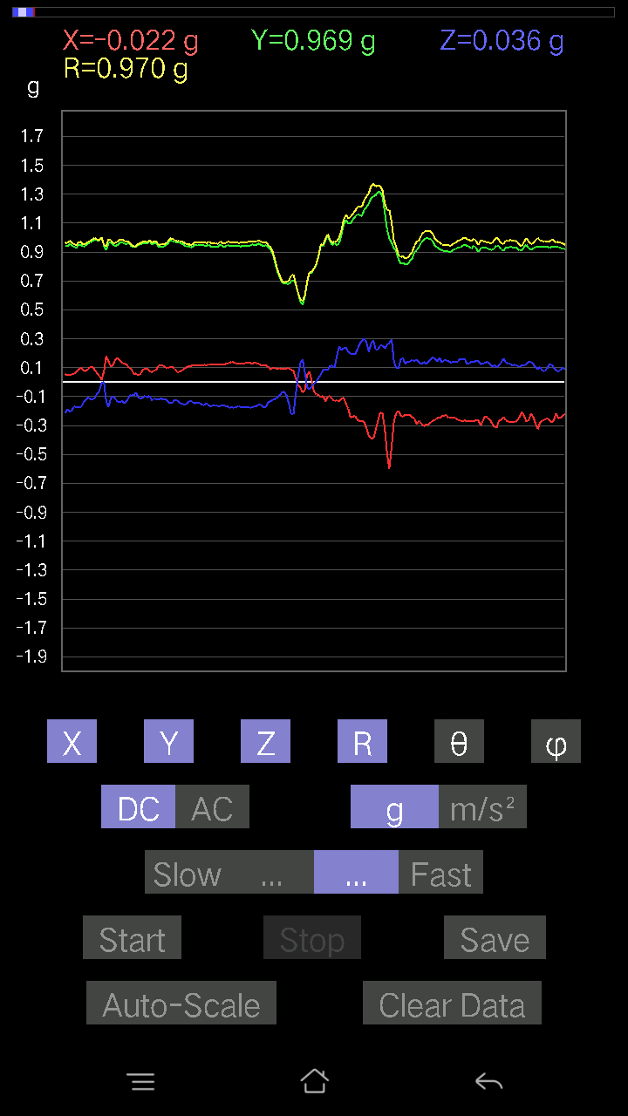
0.16791138 | 1.0024278 | 80.35723 | 73.17607
0.13764828 | 0.98188007 | 81.941246 | 73.12992
0.111290105 | 0.99144495 | 83.55494 | 73.181114
0.1210524 | 0.98488927 | 82.93994 | 73.10343
0.127886 | 0.98456985 | 82.53675 | 73.73979
0.11226633 | 0.97665596 | 83.39928 | 73.935814
0.11519502 | 0.96368283 | 83.13466 | 74.19112
0.13471961 | 0.9548168 | 81.8888 | 74.48539
0.1444819 | 0.95675427 | 81.31439 | 75.04572
0.1415532 | 0.9539041 | 81.466156 | 75.37414
0.15619664 | 0.9516545 | 80.55321 | 74.80759
0.1513155 | 0.95171356 | 80.85157 | 73.95648
0.16498269 | 0.9513711 | 80.01353 | 74.53021
0.16693515 | 0.95423573 | 79.92477 | 74.63523
0.13764828 | 0.9520901 | 81.68734 | 74.73968
0.16693515 | 0.98207957 | 80.21327 | 74.43567
0.15326795 | 0.9994669 | 81.1789 | 74.52136
0.09469421 | 0.980926 | 84.4603 | 74.99109
0.16595893 | 1.0100145 | 80.54265 | 74.83351
0.16400647 | 1.0012522 | 80.57239 | 74.93362
0.16010156 | 0.9658137 | 80.458115 | 74.9097
0.16010156 | 0.96438426 | 80.44384 | 75.007965
0.16791138 | 0.95439255 | 79.866905 | 76.05039
0.1718163 | 0.95683295 | 79.65542 | 76.871765
0.17279254 | 0.97054 | 79.74453 | 76.943924
0.15912533 | 0.97252107 | 80.58284 | 76.345535
0.17279254 | 0.96155876 | 79.64769 | 76.207565
0.14252943 | 0.97274595 | 81.57453 | 75.667694
0.13179092 | 0.98483163 | 82.30956 | 75.75526
0.13764828 | 0.9993272 | 82.082855 | 75.14139
0.1513155 | 0.98961544 | 81.20478 | 75.07595
0.14057697 | 0.9736414 | 81.69846 | 76.34394
0.12690976 | 0.96763843 | 82.46371 | 76.88301
0.13569583 | 0.9527525 | 81.8118 | 77.747826
0.13374338 | 0.9581447 | 81.97612 | 77.82289
0.13960074 | 0.9764803 | 81.78065 | 77.100815
0.12690976 | 0.9684393 | 82.46998 | 77.193146
0.09567044 | 0.94106907 | 84.165146 | 76.12315
0.102504045 | 0.93331885 | 83.69463 | 75.7444
0.07907455 | 0.95070165 | 85.22891 | 74.46009
0.06345488 | 0.97373104 | 86.26357 | 74.26019
0.073217176 | 0.9481114 | 85.57097 | 75.16006
0.08590815 | 0.9318426 | 84.7103 | 74.75017
0.06931226 | 0.9274494 | 85.71404 | 74.07122
0.06833603 | 0.91201943 | 85.702896 | 73.66599
0.036120474 | 0.8910244 | 87.6767 | 74.54652
...

第十五次
...
File |  | 2016-12-02 | 10-19-58
0.10152781 | 0.97077125 | 83.99676 | 73.25081
0.09664667 | 0.95706195 | 84.20424 | 73.255745
0.10152781 | 0.9532235 | 83.88583 | 73.730354
0.09859913 | 0.9610507 | 84.111374 | 74.36001
0.10152781 | 0.97683454 | 84.03416 | 73.659195
0.0976229 | 0.9759971 | 84.25946 | 72.749054
0.114218794 | 0.96975756 | 83.235954 | 72.53856
0.114218794 | 0.95919305 | 83.1611 | 73.013855
0.10933765 | 0.9616901 | 83.47174 | 73.00918
0.09176553 | 0.9499832 | 84.45676 | 73.56706
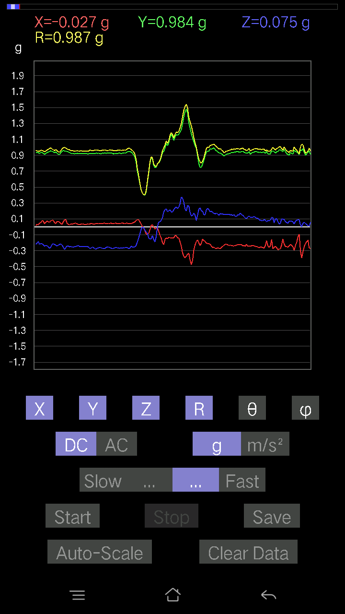
0.07907455 | 0.93523043 | 85.1498 | 73.44448
0.119099945 | 0.95235777 | 82.815895 | 73.49354
0.1044565 | 0.9633995 | 83.775475 | 73.781845
0.10152781 | 0.9606832 | 83.93349 | 74.28784
0.11617125 | 0.95423627 | 83.00732 | 73.65712
0.1181237 | 0.95072776 | 82.86281 | 74.022026
0.12886222 | 0.94283 | 82.144455 | 74.29317
0.12983845 | 0.950266 | 82.1469 | 74.23416
0.12495731 | 0.9616287 | 82.533676 | 74.683136
0.12398108 | 0.97611225 | 82.70286 | 74.56248
0.11519502 | 0.9799656 | 83.24927 | 74.58357
0.10933765 | 0.97981197 | 83.592995 | 74.47282
0.093717985 | 0.9746051 | 84.48191 | 74.59317
0.09567044 | 0.9669527 | 84.32185 | 74.765274
0.09859913 | 0.95960236 | 84.10245 | 75.1252
0.0976229 | 0.955174 | 84.13388 | 75.66393
0.10543273 | 0.9548143 | 83.66035 | 75.94946
0.099575356 | 0.9605448 | 84.04971 | 75.86436
0.1044565 | 0.9653212 | 83.78791 | 75.56794
0.099575356 | 0.96958655 | 84.1054 | 75.16198
0.08981306 | 0.97783643 | 84.73003 | 75.127785
0.10543273 | 0.9712909 | 83.76832 | 75.8373
0.1210524 | 0.97429657 | 82.862785 | 76.27248
0.14545812 | 0.97857594 | 81.45173 | 77.29565
0.17084008 | 0.97960234 | 79.956406 | 78.144196
0.13764828 | 0.9401476 | 81.580986 | 77.758224
0.13764828 | 0.9306356 | 81.4943 | 77.9392
0.15229172 | 0.93236816 | 80.599266 | 77.24695
0.16400647 | 0.9377918 | 79.927986 | 77.66831
0.1718163 | 0.95282453 | 79.61142 | 77.42588
0.17279254 | 0.97020704 | 79.740974 | 77.83977
0.1513155 | 0.9869415 | 81.18076 | 78.51011
0.14057697 | 1.0001627 | 81.92009 | 78.2248
0.12690976 | 0.97803766 | 82.5443 | 78.090546
0.13960074 | 0.9678728 | 81.70704 | 77.28116
0.12690976 | 0.9760053 | 82.52869 | 77.828545
0.13667206 | 0.97249115 | 81.92101 | 78.35967
0.17084008 | 0.9594012 | 79.74267 | 78.910835
0.16400647 | 0.9591845 | 80.154884 | 79.22401
0.13569583 | 0.9675163 | 81.937584 | 79.54893
0.1444819 | 0.9927078 | 81.63126 | 79.75118
0.13471961 | 0.9932376 | 82.20455 | 79.771416
0.13471961 | 0.98699456 | 82.15494 | 78.65641
0.12690976 | 0.98293465 | 82.58166 | 78.3862
0.13764828 | 0.9699914 | 81.841805 | 79.15848
0.15424417 | 0.9557541 | 80.712715 | 80.16721
...

第十六次
...
File |  | 2016-12-02 | 10-21-12
0.18255483 | 0.96139574 | 79.05392 | 72.67072
0.2020794 | 0.96005505 | 77.84909 | 73.75172
0.18548352 | 0.9186995 | 78.352036 | 74.00337
0.17376876 | 0.9166848 | 79.07277 | 74.39605
0.17084008 | 0.92219025 | 79.32402 | 75.08051
0.16303024 | 0.9200376 | 79.79332 | 75.25958
0.12398108 | 0.9391186 | 82.41375 | 74.30221
0.09274176 | 0.95900923 | 84.45049 | 74.45707
0.077122085 | 0.97775894 | 85.47602 | 74.90594
0.052716363 | 0.9951414 | 86.96341 | 75.60882
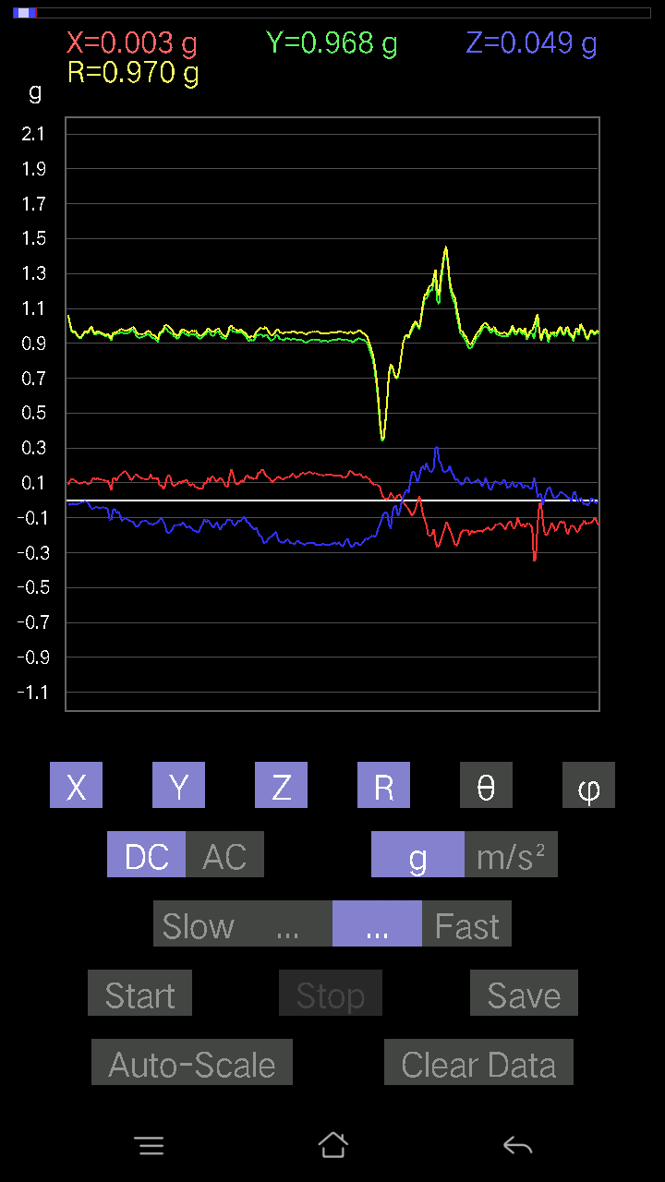
0.051740136 | 1.002019 | 87.04017 | 75.191
0.051740136 | 1.0032111 | 87.043686 | 75.1513
0.0605262 | 0.9896805 | 86.49376 | 75.57923
0.06833603 | 0.98218155 | 86.010376 | 76.51759
0.07028849 | 0.9896714 | 85.92731 | 76.67837
0.06638357 | 0.98721033 | 86.14432 | 76.23921
0.01952458 | 0.9759839 | 88.85372 | 75.33813
0.093717985 | 0.98146504 | 84.5206 | 75.29723
0.11226633 | 0.9564503 | 83.25919 | 76.99214
0.12007617 | 0.9537808 | 82.76756 | 78.272705
0.119099945 | 0.9774081 | 83.00095 | 78.27169
0.127886 | 0.9798602 | 82.50067 | 78.17065
0.09567044 | 0.9777263 | 84.38463 | 76.95368
0.082003236 | 0.9702189 | 85.15156 | 76.27248
0.090789296 | 0.9804854 | 84.68701 | 76.64466
0.11519502 | 0.9790544 | 83.24296 | 77.41503
0.10152781 | 0.97092783 | 83.997734 | 77.86074
0.08688438 | 0.9376033 | 84.682976 | 78.17306
0.12593354 | 0.94047844 | 82.30477 | 78.949005
0.13374338 | 0.978313 | 82.14259 | 79.78807
0.08395569 | 1.0165339 | 85.262535 | 79.39391
0.065407336 | 1.0187242 | 86.31879 | 78.646904
0.10836142 | 0.97727793 | 83.6339 | 78.52065
0.17376876 | 0.95657337 | 79.533676 | 78.14197
0.15424417 | 0.94694716 | 80.625565 | 78.85444
0.10152781 | 0.9638757 | 83.95365 | 77.88894
0.10543273 | 0.98114127 | 83.83112 | 78.74629
0.119099945 | 0.9699865 | 82.94713 | 79.00913
0.107385196 | 0.9530115 | 83.53018 | 78.944916
0.14545812 | 0.9522762 | 81.2138 | 79.54099
0.14252943 | 0.95788157 | 81.44281 | 80.50855
0.12983845 | 0.9737492 | 82.33743 | 80.15654
0.12690976 | 0.96988285 | 82.481255 | 80.00213
0.13276714 | 0.972571 | 82.15397 | 79.373215
0.13960074 | 0.9673996 | 81.70296 | 78.827576
0.16400647 | 0.963027 | 80.19456 | 79.56863
0.117147475 | 0.976044 | 83.10658 | 79.1995
0.08688438 | 1.0175575 | 85.10182 | 79.45829
0.09859913 | 0.9977046 | 84.32843 | 80.148674
0.093717985 | 0.9697606 | 84.45426 | 80.09944
0.07809832 | 0.95167553 | 85.292786 | 78.78259
0.08395569 | 0.96324366 | 84.999794 | 78.43857
0.09274176 | 0.97149545 | 84.52204 | 78.29305
0.0976229 | 0.9694833 | 84.220764 | 78.43987
0.102504045 | 0.971901 | 83.94589 | 79.05327
0.08590815 | 0.97599566 | 84.95023 | 78.82546
...

第十七次
...
File |  | 2016-12-02 | 10-22-05
0.09274176 | 0.9185594 | 84.20529 | 74.25638
0.093717985 | 0.9358371 | 84.25256 | 74.92928
0.10152781 | 0.92789733 | 83.718285 | 75.09593
0.13276714 | 0.92741555 | 81.76936 | 74.95867
0.12495731 | 0.92858416 | 82.26639 | 75.37401
0.09664667 | 0.95965344 | 84.21995 | 75.06858
0.071264714 | 0.9759444 | 85.81246 | 74.765045
0.046858992 | 0.97855395 | 87.25529 | 75.42246
0.059549972 | 0.9839599 | 86.5303 | 75.49413
0.058573738 | 0.99096817 | 86.61141 | 75.71691
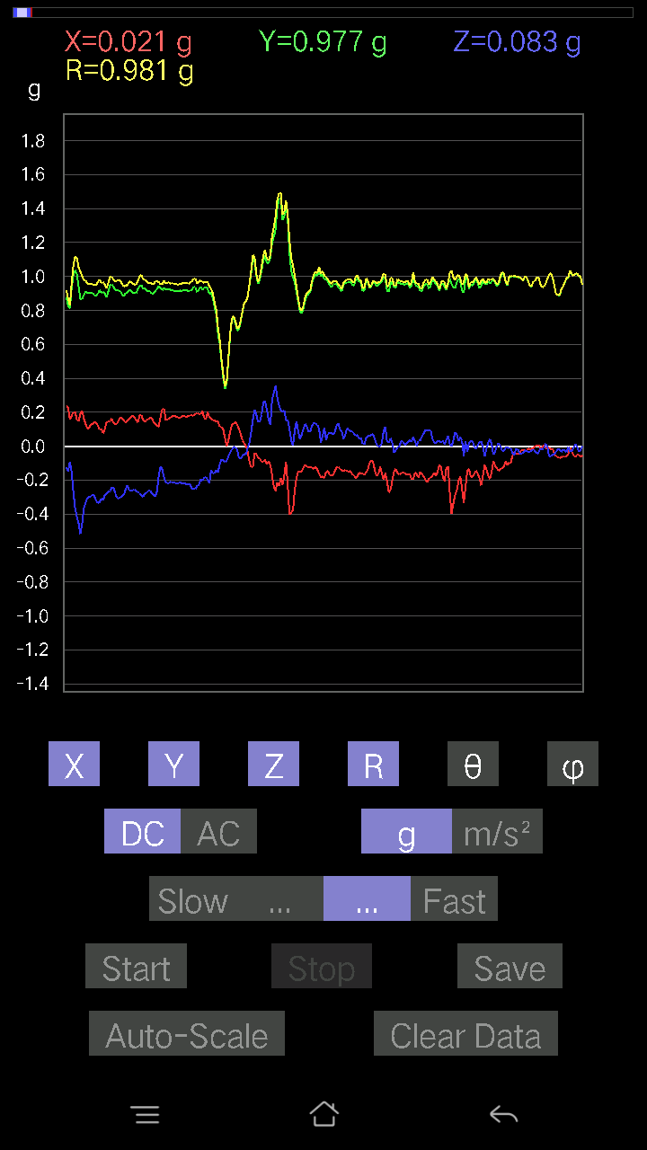
0.035144243 | 0.98631895 | 87.95802 | 76.30783
0.0156196635 | 0.99882114 | 89.103966 | 75.85509
0.0370967 | 1.0001341 | 87.87431 | 75.46153
0.013667206 | 0.9746447 | 89.196526 | 76.089035
0.03904916 | 0.9355845 | 87.60791 | 75.97827
0.093717985 | 0.92232615 | 84.16808 | 75.26885
0.0741934 | 0.93465143 | 85.44702 | 76.2404
0.041977845 | 0.96366704 | 87.50337 | 76.513306
0.0605262 | 0.98484725 | 86.476524 | 76.97127
0.08590815 | 1.0124662 | 85.132576 | 77.02616
0.14057697 | 1.012982 | 82.02301 | 77.694954
0.088836834 | 0.9810286 | 84.804474 | 76.713585
0.08395569 | 0.9717873 | 85.04386 | 75.93573
0.09859913 | 0.95457476 | 84.07128 | 75.59227
0.127886 | 0.9521015 | 82.280716 | 77.085365
0.123004854 | 0.9668551 | 82.69093 | 76.69936
0.10055158 | 0.9846222 | 84.138626 | 77.09955
0.09664667 | 0.9807454 | 84.34466 | 77.75714
0.08005078 | 0.9911629 | 85.36749 | 77.5019
0.07516963 | 0.98719156 | 85.63299 | 77.39723
0.09567044 | 0.9874927 | 84.44034 | 76.26742
0.07907455 | 0.9560397 | 85.255615 | 76.00647
0.11324256 | 0.9522362 | 83.17007 | 75.34677
0.13569583 | 0.9658956 | 81.923965 | 75.87865
0.119099945 | 0.9578314 | 82.85716 | 75.84956
0.107385196 | 0.9649232 | 83.61038 | 76.2184
0.1044565 | 0.9860179 | 83.9188 | 76.11595
0.08005078 | 0.9955646 | 85.388016 | 75.47161
0.077122085 | 0.9782676 | 85.47837 | 74.79518
0.053692598 | 0.9358518 | 86.71097 | 73.36383
0.042954076 | 0.94756496 | 87.40183 | 73.77052
0.06931226 | 0.93868923 | 85.76546 | 73.83301
0.045882765 | 0.8247853 | 86.81099 | 74.530426
9.76E-04 | 0.8420251 | 89.93357 | 73.498
-0.021477038 | 0.7902367 | 91.55737 | 73.04304
-0.023429496 | 0.80679995 | 91.66411 | 75.560036
-0.0019524579 | 0.9325506 | 90.11996 | 77.60781
0.04490653 | 1.0315771 | 87.50502 | 77.58304
0.052716363 | 1.0759958 | 87.19178 | 79.95584
0.046858992 | 1.0383708 | 87.41351 | 78.98617
9.76E-04 | 0.9746002 | 89.94261 | 76.5623
-0.07516963 | 0.9464987 | 94.55515 | 72.35245
-0.005857374 | 0.8988292 | 90.37338 | 76.431656
0.03807293 | 0.9187487 | 87.624985 | 79.6461
9.76E-04 | 0.95776516 | 89.9416 | 77.81959
-0.010738519 | 0.95543003 | 90.64399 | 75.86436
...

第十八次
...
File |  | 2016-12-02 | 10-22-35
0.13764828 | 0.9534444 | 81.699234 | 77.63196
0.12983845 | 0.9508761 | 82.15196 | 77.49052
0.15326795 | 0.9503653 | 80.71922 | 76.70143
0.15424417 | 0.9385364 | 80.54079 | 77.26804
0.15229172 | 0.953993 | 80.814224 | 77.5485
0.12202863 | 0.9584729 | 82.6855 | 77.84771
0.11617125 | 0.9647844 | 83.084145 | 77.81959
0.11031388 | 0.9715543 | 83.48036 | 77.678604
0.123004854 | 0.9716009 | 82.72683 | 77.540436
0.111290105 | 0.9619051 | 83.35614 | 77.90933
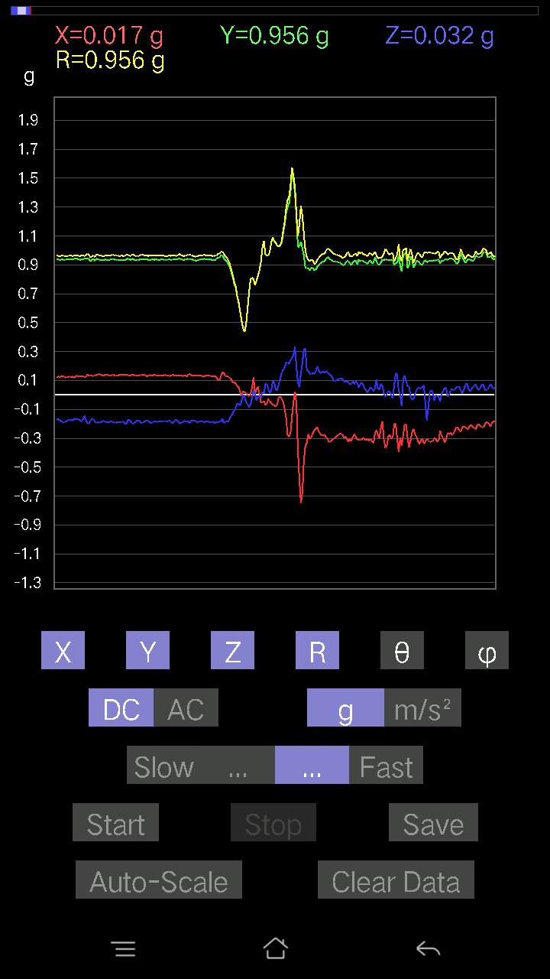
0.11617125 | 0.96223 | 83.06569 | 78.26515
0.11031388 | 0.9880137 | 83.58943 | 78.0644
0.093717985 | 0.98364854 | 84.5328 | 77.97307
0.08981306 | 0.9828809 | 84.75715 | 78.084854
0.09567044 | 0.9738792 | 84.36237 | 78.25996
0.10933765 | 0.9711236 | 83.53543 | 78.32629
0.10640897 | 0.95978993 | 83.634705 | 79.265076
0.08005078 | 0.95746565 | 85.20408 | 79.506386
0.08981306 | 0.96704876 | 84.67107 | 79.248314
0.08102701 | 0.95650214 | 85.14055 | 79.85263
0.09469421 | 0.941729 | 84.22895 | 80.28251
0.10640897 | 0.9412316 | 83.50867 | 80.20337
0.10836142 | 0.96890223 | 83.57864 | 78.65589
0.10933765 | 0.978725 | 83.585846 | 78.41938
0.127886 | 0.9655876 | 82.389175 | 78.586914
0.088836834 | 0.95455575 | 84.65997 | 78.20531
0.19426957 | 0.97754157 | 78.53713 | 78.896164
0.15033926 | 0.97525287 | 81.132256 | 80.31819
0.13179092 | 0.9933283 | 82.37574 | 81.33159
0.14545812 | 1.0085276 | 81.70741 | 81.108955
0.18743597 | 1.0206193 | 79.41761 | 80.98679
0.17572121 | 0.9903164 | 79.77935 | 81.35856
0.13179092 | 0.9778068 | 82.253975 | 80.547165
0.12007617 | 0.9722309 | 82.905525 | 79.26994
0.10640897 | 0.95629287 | 83.611336 | 79.76359
0.16400647 | 0.9390232 | 79.94133 | 82.04956
0.18645974 | 0.94227993 | 78.5869 | 82.95761
0.1513155 | 0.9633663 | 80.96316 | 82.3937
0.1513155 | 0.9806525 | 81.12375 | 82.065834
0.15912533 | 0.9837953 | 80.69173 | 81.67435
0.15717287 | 0.98170686 | 80.7872 | 82.00867
0.1483868 | 0.9770629 | 81.26467 | 81.74703
0.1483868 | 0.9485254 | 80.99971 | 82.7565
0.17767367 | 0.9575054 | 79.30628 | 81.82786
0.174745 | 0.9649859 | 79.567 | 82.13662
0.15912533 | 0.9691323 | 80.54961 | 83.02013
0.1044565 | 0.97675073 | 83.860886 | 82.37491
0.11226633 | 1.0135274 | 83.64041 | 82.08978
0.11617125 | 1.0134296 | 83.41761 | 81.52418
0.13276714 | 0.97279453 | 82.155785 | 81.377396
0.13764828 | 0.93970144 | 81.57696 | 80.44865
0.14252943 | 0.9425408 | 81.30247 | 81.13973
0.16010156 | 0.9545383 | 80.34433 | 81.76902
0.15619664 | 0.96807265 | 80.71485 | 81.53871
0.15717287 | 0.96890223 | 80.66437 | 82.07674
0.14252943 | 0.94180804 | 81.29565 | 82.28625
...

第十九次
...
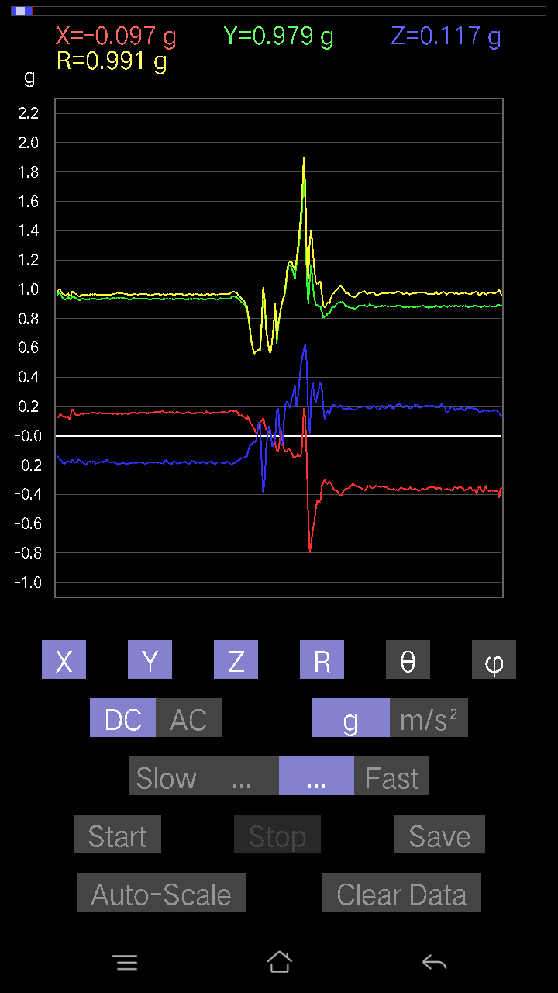
...

第二十次
...



