第一次
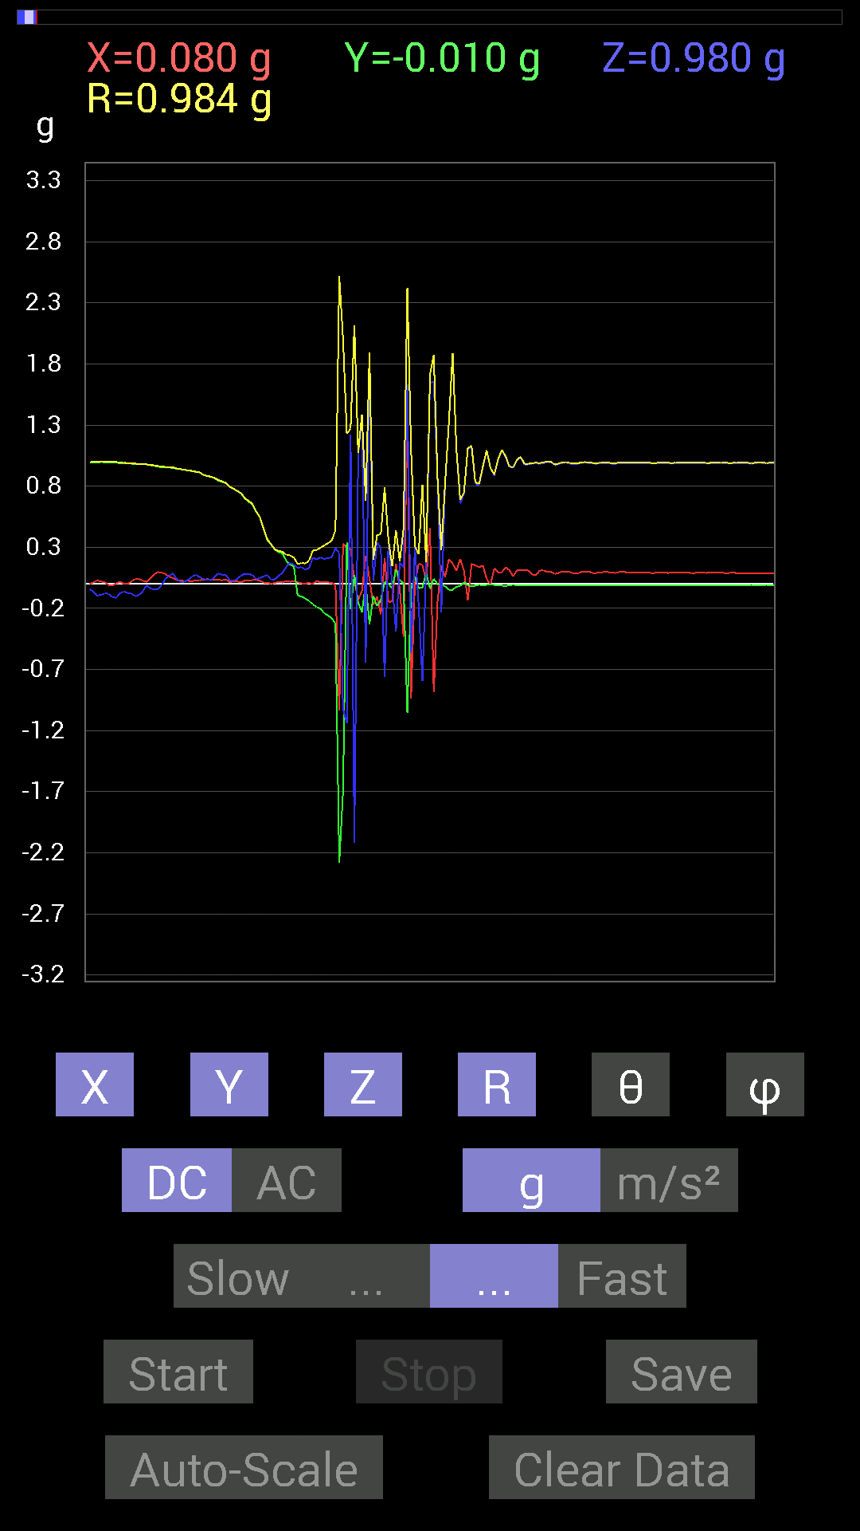
 | Keuwl | Accelerometer | Data | File |  | 2015-04-30 | 14-21-45
Number | Time(s) | X(g) | Y(g) | Z(g) | R(g) | Theta(deg) | Phi(deg)
1 | 7.431 | 0.029293451 | 0.99404395 | -0.09569329 | 0.9990689 | 95.49636 | 88.31204
2 | 7.4440002 | 0.019530004 | 0.99794966 | -0.08788191 | 1.0020021 | 95.03167 | 88.87886
3 | 7.4900002 | 0.013670692 | 0.995996 | -0.07811691 | 0.9991482 | 94.48416 | 89.21363
4 | 7.4900002 | -0.0078113796 | 0.995996 | -0.08007053 | 0.9992399 | 94.59612 | 90.44935
5 | 7.504 | -0.013670692 | 0.995996 | -0.10741191 | 1.0018643 | 96.154625 | 90.78637
6 | 7.5460005 | 0.0058593126 | 0.99209034 | -0.11326967 | 0.99855274 | 96.5133 | 89.66161
7 | 7.5470004 | 0.017576382 | 0.98818463 | -0.07811691 | 0.99142325 | 94.51917 | 88.98101
8 | 7.5650005 | 0.0019536226 | 0.9901383 | -0.060540527 | 0.9919893 | 93.4989 | 89.88695
9 | 7.603 | 0 | 0.9862326 | -0.07421122 | 0.9890207 | 94.30324 | 90
10 | 7.6080003 | 0.021482073 | 0.984279 | -0.07811691 | 0.9876076 | 94.53667 | 88.74971
11 | 7.6240005 | 0.04101208 | 0.97841966 | -0.101552606 | 0.9845303 | 95.920494 | 87.599754
12 | 7.662 | 0.04101208 | 0.97841966 | -0.08983553 | 0.98339075 | 95.24144 | 87.599754
13 | 7.6660004 | 0.027341384 | 0.97841966 | -0.060540527 | 0.98067206 | 93.53933 | 88.399315
14 | 7.7230005 | 0.017576382 | 0.97841966 | -0.01171707 | 0.97864765 | 90.686005 | 88.97085
15 | 7.7230005 | 0.046869833 | 0.9706083 | -0.035152763 | 0.9723749 | 92.07178 | 87.23538
16 | 7.727 | 0.07811691 | 0.9667026 | -0.044917766 | 0.97089326 | 92.6517 | 85.380104
17 | 7.78 | 0.097646914 | 0.9588912 | -0.044917766 | 0.96489626 | 92.66819 | 84.18543
18 | 7.781 | 0.0917876 | 0.95693755 | -0.01171707 | 0.96140087 | 90.69831 | 84.521065
19 | 7.787 | 0.0820226 | 0.9530319 | 0.042964146 | 0.9575194 | 87.42826 | 85.08096
20 | 7.8410006 | 0.060540527 | 0.9530319 | 0.06639984 | 0.9572585 | 86.02251 | 86.36522
21 | 7.8410006 | 0.048823457 | 0.9491262 | 0.08788191 | 0.95443565 | 84.71687 | 87.055275
22 | 7.8470006 | 0.031247074 | 0.94326687 | 0.039058454 | 0.9445922 | 87.63017 | 88.10269
23 | 7.8970003 | 0.031247074 | 0.9393612 | 0.017576382 | 0.9400451 | 88.92866 | 88.0948
24 | 7.8970003 | 0.021482073 | 0.93350345 | 0.017576382 | 0.933916 | 88.92162 | 88.681725
25 | 7.9080005 | 0.027341384 | 0.9295962 | 0.033199143 | 0.93059057 | 87.95552 | 88.31529
26 | 7.9610004 | 0.019530004 | 0.9237384 | 0.060540527 | 0.92592615 | 86.251114 | 88.78881
27 | 7.9610004 | 0.031247074 | 0.91592705 | 0.07421122 | 0.91945964 | 85.37052 | 88.0461
28 | 7.9670005 | 0.029293451 | 0.9120198 | 0.05858846 | 0.9143691 | 86.32624 | 88.16033
29 | 8.016001 | 0.035152763 | 0.89249134 | 0.04101208 | 0.89412445 | 87.37101 | 87.744446
30 | 8.017 | 0.039058454 | 0.8827264 | 0.033199143 | 0.88421357 | 87.848236 | 87.46645
31 | 8.028001 | 0.037106387 | 0.87686706 | 0.031247074 | 0.87820786 | 87.96096 | 87.57686
32 | 8.073 | 0.037106387 | 0.86515 | 0.05468277 | 0.8676702 | 86.38668 | 87.54408
33 | 8.074 | 0.035152763 | 0.84562 | 0.08592984 | 0.8507014 | 84.20263 | 87.61956
34 | 8.088 | 0.029293451 | 0.8358565 | 0.07421122 | 0.8396556 | 84.92941 | 87.99283
35 | 8.129001 | 0.037106387 | 0.82413787 | 0.07225915 | 0.8281313 | 84.994255 | 87.42203
36 | 8.129001 | 0.015622759 | 0.79484445 | 0.031247074 | 0.7956118 | 87.74917 | 88.87399
37 | 8.149 | 0.021482073 | 0.77922165 | 0.027341384 | 0.77999705 | 87.99119 | 88.42084
38 | 8.185 | 0.019530004 | 0.75969166 | 0.039058454 | 0.76094574 | 87.057785 | 88.527374
39 | 8.190001 | 0.013670692 | 0.74016166 | 0.06835346 | 0.7434368 | 84.72463 | 88.94187
40 | 8.243 | 0.027341384 | 0.69915116 | 0.083976224 | 0.70470697 | 83.1561 | 87.7605
41 | 8.243 | 0.031247074 | 0.67376184 | 0.0820226 | 0.679455 | 83.066444 | 87.344696
42 | 8.249001 | 0.031247074 | 0.65227973 | 0.07225915 | 0.6570134 | 83.68577 | 87.25738
43 | 8.3220005 | 0.035152763 | 0.59173924 | 0.04101208 | 0.5941995 | 86.04226 | 86.60029
44 | 8.323 | 0.025387762 | 0.5448694 | 0.046869833 | 0.54747057 | 85.088806 | 87.332275
45 | 8.323 | 0.01171707 | 0.44526887 | 0.062494148 | 0.44978568 | 82.01337 | 88.49263
46 | 8.33 | 0.009765002 | 0.35738695 | 0.07225915 | 0.36474943 | 78.57376 | 88.434875
47 | 8.393001 | 0.0019536226 | 0.32223418 | 0.033199143 | 0.3239458 | 84.11779 | 89.65263
48 | 8.393001 | 0.009765002 | 0.27927005 | 0.039058454 | 0.28215718 | 82.043106 | 87.997406
49 | 8.393001 | 0.015622759 | 0.25974005 | 0.06835346 | 0.2690375 | 75.281715 | 86.55794
50 | 8.411 | 0.01171707 | 0.24802297 | 0.0917876 | 0.2647218 | 69.712425 | 87.29525
51 | 8.464001 | 0.025387762 | 0.18943451 | 0.14061105 | 0.23727925 | 53.65846 | 82.366776
52 | 8.464001 | 0.017576382 | 0.15818743 | 0.17185813 | 0.23423794 | 42.803326 | 83.659805
53 | 8.471001 | 0.021482073 | 0.14451675 | 0.15818743 | 0.21533656 | 42.726105 | 81.54503
54 | 8.494 | 0.013670692 | -0.09569329 | 0.13084605 | 0.16268 | 36.45579 | 278.13022
55 | 8.51 | 0.0058593126 | -0.101552606 | 0.13865899 | 0.1719697 | 36.26411 | 273.30215
56 | 8.530001 | 0.0019536226 | -0.11912899 | 0.11717536 | 0.16710955 | 45.47753 | 270.9395
57 | 8.55 | 0.009765002 | -0.13865899 | 0.12889399 | 0.18956615 | 47.16089 | 274.02838
58 | 8.604 | 0 | -0.16795245 | 0.21482228 | 0.27268413 | 38.01902 | 270
59 | 8.604 | 0.025387762 | -0.18943451 | 0.20115158 | 0.2774742 | 43.536312 | 277.6332
60 | 8.612 | 0.013670692 | -0.20115158 | 0.2167759 | 0.2960416 | 42.92481 | 273.88797
61 | 8.635 | 0.017576382 | -0.23825797 | 0.20505883 | 0.3148411 | 49.359634 | 274.2191
62 | 8.651 | 0.013670692 | -0.25778797 | 0.21091658 | 0.33335766 | 50.750134 | 273.03558
63 | 8.6710005 | 0.0078113796 | -0.27927005 | 0.21872796 | 0.35481644 | 51.94236 | 271.60217
64 | 8.696 | -0.0078113796 | -0.32613987 | 0.29294074 | 0.4384547 | 48.077805 | 268.62796
65 | 8.712001 | -1.0331024 | -2.2829807 | 0.25192866 | 2.5184855 | 84.258995 | 245.65213
66 | 8.732 | 0.3280935 | -1.6971008 | -1.0213853 | 2.007741 | 120.57885 | 280.94177
67 | 8.765 | 0.29684642 | 0.33981058 | -1.1424664 | 1.2283398 | 158.44884 | 48.860695
68 | 8.772 | 0.28903505 | -0.20896451 | 1.2205849 | 1.2716268 | 16.28864 | 324.1341
69 | 8.807 | 0.023435695 | 0.07421122 | -2.116982 | 2.118412 | 177.89467 | 72.47403
70 | 8.813001 | -0.13084605 | -0.15232968 | 1.0545845 | 1.0735332 | 10.781036 | 229.33853
71 | 8.870001 | -0.056634836 | -0.23044659 | 1.3670536 | 1.3874973 | 9.847721 | 256.19257
72 | 8.870001 | 0.23044659 | 0.0019536226 | -0.64251477 | 0.68259406 | 160.26828 | 0.4857162
73 | 8.873 | 0.042964146 | -0.3280935 | 1.8670053 | 1.8961014 | 10.050327 | 277.46048
74 | 8.893001 | -0.17185813 | -0.097646914 | 0.025387762 | 0.19928542 | 82.68098 | 209.6045
75 | 8.935 | -0.10545829 | -0.18162313 | 0.33981058 | 0.3994742 | 31.718153 | 239.85869
76 | 8.935 | -0.24802297 | -0.13084605 | 0.29489282 | 0.40693715 | 43.559074 | 207.81416
77 | 8.955001 | 0.21287021 | 0.015622759 | -0.75969166 | 0.78910655 | 164.3068 | 4.197469
78 | 9.01 | -0.15037607 | 0.0019536226 | 0.3280935 | 0.36091843 | 24.625376 | 179.25568
79 | 9.01 | -0.14061105 | -0.035152763 | 0.0019536226 | 0.14495172 | 89.22776 | 194.03624
80 | 9.015 | 0.16599882 | 0.11912899 | -0.39058766 | 0.4408016 | 152.38533 | 35.6651
81 | 9.036 | -0.039058454 | 0.029293451 | 0.17576382 | 0.18241872 | 15.523985 | 143.13046
82 | 9.103001 | -0.4315982 | 0.0058593126 | 0.13670537 | 0.45276892 | 72.42632 | 179.22221
83 | 9.103001 | 1.4451722 | -1.0526325 | 1.632653 | 2.4211802 | 47.598545 | 323.9312
84 | 9.103001 | -0.9374091 | -0.04101208 | -0.5643979 | 1.0949717 | 121.027214 | 182.50511
85 | 9.117001 | 0.0019536226 | 0.05858846 | 0.30465782 | 0.31024638 | 10.891516 | 88.09019
86 | 9.202001 | 0.16599882 | -0.035152763 | -0.17381175 | 0.24290296 | 135.68915 | 348.0434
87 | 9.202001 | 0.15428175 | -0.027341384 | -0.79484445 | 0.8101408 | 168.8484 | 349.95053
88 | 9.202001 | 0.027341384 | 0.08983553 | 0.15037607 | 0.17728773 | 31.983196 | 73.07241
89 | 9.202001 | 0.45893955 | -0.039058454 | 1.6482774 | 1.7114232 | 15.612611 | 355.13553
90 | 9.218 | -0.88468 | 0.042964146 | 1.652183 | 1.8746235 | 28.195414 | 177.21964
91 | 9.297001 | -0.14451675 | -0.0019536226 | 0.84952724 | 0.861734 | 9.655287 | 180.77449
92 | 9.297001 | 0.14842243 | -0.0058593126 | -0.23239866 | 0.27581277 | 147.41524 | 357.7393
93 | 9.297001 | 0.056634836 | -0.019530004 | 0.82413787 | 0.82631236 | 4.157558 | 340.97372
94 | 9.297001 | 0.20115158 | -0.050777078 | 1.3104188 | 1.3267395 | 8.996236 | 345.8327
95 | 9.333 | 0.16599882 | -0.046869833 | 1.8826296 | 1.890515 | 5.2349133 | 344.23294
96 | 9.336 | 0.10741191 | -0.023435695 | 1.0916909 | 1.0972127 | 5.7506046 | 347.6918
97 | 9.365001 | 0.20505883 | -0.015622759 | 0.65813905 | 0.68952173 | 17.352808 | 355.64325
98 | 9.376 | 0.10936398 | 0.015622759 | 0.74016166 | 0.74836075 | 8.489105 | 8.129761
99 | 9.397 | -0.13279969 | -0.009765002 | 1.103408 | 1.1114136 | 6.881109 | 184.20549
100 | 9.416 | 0.16404675 | -0.019530004 | 1.1190323 | 1.1311613 | 8.39805 | 353.21082
101 | 9.437 | 0.15232968 | -0.013670692 | 0.8163265 | 0.83053005 | 10.611554 | 354.87177
102 | 9.456 | 0.13670537 | -0.0058593126 | 0.8104672 | 0.8219366 | 9.582875 | 357.54575
103 | 9.487 | 0.15037607 | -0.013670692 | 0.9510798 | 0.9629915 | 9.021143 | 354.8055
104 | 9.496 | 0.04101208 | -0.0078113796 | 1.093643 | 1.0944395 | 2.1861484 | 349.2163
105 | 9.523001 | -0.0058593126 | -0.0019536226 | 0.9491262 | 0.9491463 | 0.37272853 | 198.43951
106 | 9.537001 | 0.12694037 | -0.0078113796 | 0.88468 | 0.89377487 | 8.180717 | 356.4787
107 | 9.5720005 | 0.09569329 | -0.01171707 | 1.0135725 | 1.0181471 | 5.433432 | 353.01923
108 | 9.577001 | 0.09569329 | -0.013670692 | 1.093643 | 1.0979067 | 5.0511727 | 351.86978
109 | 9.597 | 0.13670537 | -0.015622759 | 1.037008 | 1.0460967 | 7.558163 | 353.4805
110 | 9.625 | 0.11326967 | -0.01171707 | 0.9549855 | 0.9617508 | 6.799937 | 354.0941
111 | 9.64 | 0.062494148 | -0.0058593126 | 0.9510798 | 0.9531488 | 3.7758465 | 354.64374
112 | 9.674001 | 0.111317605 | -0.01171707 | 1.0116203 | 1.0177939 | 6.313885 | 353.99127
113 | 9.678 | 0.115223296 | -0.013670692 | 1.0331024 | 1.0395979 | 6.4082065 | 353.23376
114 | 9.698001 | 0.111317605 | -0.013670692 | 0.97646755 | 0.98288727 | 6.552092 | 352.9987
115 | 9.727 | 0.11326967 | -0.01171707 | 0.97646755 | 0.98308504 | 6.6516905 | 354.0941
116 | 9.738001 | 0.07811691 | -0.009765002 | 0.984279 | 0.9874222 | 4.5729036 | 352.8747
117 | 9.776 | 0.070305526 | -0.009765002 | 0.9901383 | 0.99267924 | 4.1003566 | 352.09256
118 | 9.779 | 0.10936398 | -0.01171707 | 0.98232687 | 0.98846537 | 6.3887167 | 353.88477
119 | 9.801001 | 0.111317605 | -0.013670692 | 0.98818463 | 0.9945287 | 6.4750834 | 352.9987
120 | 9.819 | 0.09959898 | -0.01171707 | 0.99794966 | 1.002976 | 5.7384925 | 353.29044

第二次

 | Keuwl | Accelerometer | Data | File |  | 2015-04-30 | 14-22-21
Number | Time(s) | X(g) | Y(g) | Z(g) | R(g) | Theta(deg) | Phi(deg)
1 | 9.856001 | 0.019530004 | 0.99404395 | -0.07616484 | 0.9971489 | 94.38067 | 88.87445
2 | 9.93 | 0.0078113796 | 0.9901383 | -0.10545829 | 0.9957692 | 96.07939 | 89.54799
3 | 9.93 | -0.0078113796 | 0.9901383 | -0.14451675 | 1.0006598 | 98.30378 | 90.45201
4 | 9.931001 | 0.0058593126 | 0.9901383 | -0.12889399 | 0.9985098 | 97.4168 | 89.66095
5 | 9.937 | 0.009765002 | 0.9901383 | -0.06835346 | 0.9925429 | 93.94891 | 89.43495
6 | 9.994 | 0.033199143 | 0.98818463 | -0.04101208 | 0.9895924 | 92.37521 | 88.075806
7 | 9.994 | 0.08788191 | 0.97841966 | 0.04101208 | 0.9832142 | 87.60937 | 84.867455
8 | 9.999001 | 0.05468277 | 0.97646755 | 0.0039056898 | 0.9780053 | 89.77119 | 86.79475
9 | 10.067 | 0.0078113796 | 0.9686562 | -0.013670692 | 0.96878415 | 90.80854 | 89.53797
10 | 10.067 | -0.0058593126 | 0.9706083 | 0 | 0.970626 | 90 | 90.34588
11 | 10.068001 | 0.013670692 | 0.9686562 | 0.05468277 | 0.9702947 | 86.76928 | 89.19144
12 | 10.079 | 0.0058593126 | 0.9725619 | 0.070305526 | 0.9751174 | 85.86541 | 89.654816
13 | 10.142 | 0.009765002 | 0.9725619 | 0.09959898 | 0.97769725 | 84.153076 | 89.42474
14 | 10.143001 | 0.0058593126 | 0.9667026 | 0.06639984 | 0.968998 | 86.07077 | 89.652725
15 | 10.143001 | -0.0019536226 | 0.96084327 | 0.033199143 | 0.9614186 | 88.0211 | 90.11649
16 | 10.159 | 0 | 0.9588912 | 0.01171707 | 0.9589628 | 89.29991 | 90
17 | 10.18 | -0.0058593126 | 0.95693755 | 0 | 0.9569555 | 90 | 90.350815
18 | 10.213 | 0.0058593126 | 0.9491262 | 0.05468277 | 0.95071816 | 86.70268 | 89.64629
19 | 10.218 | 0.0039056898 | 0.9510798 | 0.0820226 | 0.9546181 | 85.07096 | 89.76471
20 | 10.2560005 | 0.0039056898 | 0.9491262 | 0.08983553 | 0.95337623 | 84.59306 | 89.76423
21 | 10.259001 | 0.0019536226 | 0.9374091 | 0.062494148 | 0.939492 | 86.18592 | 89.88059
22 | 10.301001 | -0.0019536226 | 0.93350345 | 0.04101208 | 0.9344059 | 87.48442 | 90.11991
23 | 10.301001 | 0.0058593126 | 0.9256905 | 0.017576382 | 0.92587584 | 88.91226 | 89.637344
24 | 10.319 | 0 | 0.91983277 | 0.0078113796 | 0.91986597 | 89.51344 | 90
25 | 10.345 | 0.0078113796 | 0.90811414 | 0.060540527 | 0.9101634 | 86.18609 | 89.507164
26 | 10.359 | 0.0019536226 | 0.906162 | 0.06835346 | 0.9087385 | 85.68626 | 89.87647
27 | 10.39 | 0 | 0.89835066 | 0.07225915 | 0.90125203 | 85.40129 | 90
28 | 10.400001 | 0.009765002 | 0.8885857 | 0.048823457 | 0.88997954 | 86.855225 | 89.370384
29 | 10.438001 | -0.046869833 | 0.88077426 | 0.039058454 | 0.88288486 | 87.46443 | 93.04608
30 | 10.440001 | 0.15818743 | 0.8514793 | -0.0058593126 | 0.8660685 | 90.387634 | 79.4756
31 | 10.481001 | 0.023435695 | 0.84952724 | 0.031247074 | 0.8504247 | 87.89431 | 88.4198
32 | 10.481001 | 0.09959898 | 0.8065615 | 0.08788191 | 0.8174256 | 83.82817 | 82.96042
33 | 10.526001 | 0.042964146 | 0.80851513 | 0.08983553 | 0.8146245 | 83.66863 | 86.95819
34 | 10.526001 | -0.0078113796 | 0.8026558 | 0.101552606 | 0.8090923 | 82.78954 | 90.55758
35 | 10.542001 | 0.05858846 | 0.7518803 | 0.09374122 | 0.75996315 | 82.914536 | 85.544365
36 | 10.59 | 0.029293451 | 0.74016166 | 0.013670692 | 0.74086726 | 88.9427 | 87.73358
37 | 10.59 | 0.048823457 | 0.7245389 | 0.0039056898 | 0.72619253 | 89.69184 | 86.14492
38 | 10.601001 | 0.070305526 | 0.69133824 | 0.048823457 | 0.69661695 | 85.98104 | 84.193275
39 | 10.6710005 | 0.037106387 | 0.5663515 | 0.048823457 | 0.56966186 | 85.083374 | 86.251434
40 | 10.6710005 | 0.07811691 | 0.7382096 | 0.10741191 | 0.750062 | 81.76671 | 83.95947
41 | 10.672001 | -0.07225915 | 0.5858799 | 0.07811691 | 0.5954653 | 82.461845 | 97.03104
42 | 10.682 | 0.015622759 | 0.35348126 | -0.0019536226 | 0.35383174 | 90.31635 | 87.46935
43 | 10.778001 | -0.048823457 | 0.43940955 | 0.019530004 | 0.4425448 | 87.47065 | 96.34022
44 | 10.778001 | -0.044917766 | 0.47456387 | -0.025387762 | 0.47736046 | 93.04864 | 95.406975
45 | 10.778001 | 0.050777078 | 0.30465782 | -0.0058593126 | 0.30891588 | 91.086815 | 80.53754
46 | 10.778001 | 0.017576382 | 0.34176418 | 0.13670537 | 0.36851057 | 68.22472 | 87.05596
47 | 10.783001 | 0.052729145 | 0.1933402 | 0.15623537 | 0.25410685 | 52.059616 | 74.74488
48 | 10.818001 | 0.06835346 | 0.17185813 | 0.13475175 | 0.22883497 | 53.92385 | 68.31071
49 | 10.8220005 | 0.025387762 | 0.11912899 | 0.17966951 | 0.21706541 | 34.1347 | 77.96958
50 | 10.861 | 0.060540527 | 0.14256468 | 0.035152763 | 0.15882556 | 77.212875 | 66.99135
51 | 10.862 | 0.031247074 | -0.0078113796 | 0.10545829 | 0.11026717 | 16.983517 | 345.96442
52 | 10.897 | -0.037106387 | -0.13084605 | 0.16599882 | 0.21460004 | 39.32837 | 254.1673
53 | 10.903001 | 0.0039056898 | -0.12303468 | 0.10350622 | 0.16083011 | 49.94109 | 271.81824
54 | 10.936001 | -0.017576382 | -0.15623537 | 0.16404675 | 0.22722182 | 43.78285 | 263.58124
55 | 10.943001 | -0.021482073 | -0.18162313 | 0.19919951 | 0.27042353 | 42.555676 | 263.2545
56 | 10.976001 | 0.0058593126 | -0.1835752 | 0.14451675 | 0.23370767 | 51.80313 | 271.82813
57 | 10.984 | 0.013670692 | -0.21287021 | 0.18162313 | 0.28015634 | 49.587048 | 273.67453
58 | 11.016001 | 0.0058593126 | -0.23239866 | 0.18748245 | 0.2986522 | 51.11482 | 271.44424
59 | 11.025001 | 0.025387762 | -0.24606936 | 0.19919951 | 0.31760842 | 51.157196 | 275.89053
60 | 11.057 | -0.0078113796 | -0.28317574 | 0.28317574 | 0.40054715 | 45.010895 | 268.4199
61 | 11.065001 | 0.009765002 | -0.5526808 | 0.2167759 | 0.5937535 | 68.58663 | 271.0122
62 | 11.1 | -0.013670692 | -0.38863403 | 0.29489282 | 0.4880421 | 52.826084 | 267.98538
63 | 11.104 | -1.0643495 | -2.9567425 | -0.69133824 | 3.2176256 | 102.4073 | 250.20245
64 | 11.143001 | 0.32613987 | 0.31442282 | -1.4295478 | 1.4996119 | 162.41666 | 43.952072
65 | 11.144 | -0.2538823 | -0.46870455 | -0.21091658 | 0.57325906 | 111.58773 | 241.557
66 | 11.184001 | 0.28708142 | -0.20505883 | 1.7869347 | 1.8214282 | 11.168317 | 324.46222
67 | 11.185 | -0.31051713 | 0.06835346 | 0.5448694 | 0.63085324 | 30.26514 | 167.5856
68 | 11.226001 | -0.78117377 | -0.13670537 | -0.16404675 | 0.80983466 | 101.68718 | 189.92624
69 | 11.226001 | 0.8436679 | -0.01171707 | 0.97646755 | 1.2905045 | 40.82975 | 359.2043
70 | 11.268001 | -0.5214337 | 0.015622759 | -0.86124426 | 1.0069155 | 148.79613 | 178.28386
71 | 11.268001 | 0.5761165 | -0.07421122 | 0.22458728 | 0.62278163 | 68.86175 | 352.65997
72 | 11.286 | -0.05858846 | 0.029293451 | -1.4939955 | 1.495431 | 177.4894 | 153.43556
73 | 11.309001 | 0.017576382 | -0.16014107 | 0.19529383 | 0.25316748 | 39.520073 | 276.26346
74 | 11.326 | 0.32223418 | -0.035152763 | -0.0078113796 | 0.32424003 | 91.38046 | 353.77417
75 | 11.3550005 | -0.16599882 | 0.023435695 | -0.08788191 | 0.18928304 | 117.66418 | 171.9641
76 | 11.366 | 0.15623537 | -0.050777078 | 0.80070376 | 0.8173826 | 11.59442 | 341.99564
77 | 11.394001 | -0.097646914 | -0.0058593126 | 0.6229863 | 0.6306197 | 8.923832 | 183.43391
78 | 11.407001 | -0.2909871 | -0.05858846 | 0.025387762 | 0.29791045 | 85.11136 | 191.38394
79 | 11.438001 | -0.37886903 | 0.046869833 | -1.4607949 | 1.5098544 | 165.35414 | 172.94778
80 | 11.4470005 | -0.5585401 | -0.38472834 | 2.407969 | 2.501659 | 15.730215 | 214.55948
81 | 11.483001 | 0.039058454 | -0.013670692 | -0.87686706 | 0.87784296 | 177.2981 | 340.70966
82 | 11.488001 | -0.25974005 | -0.025387762 | 0.5702572 | 0.6271385 | 24.591167 | 185.58252
83 | 11.530001 | 0.29489282 | -0.14061105 | 0.68157476 | 0.7558289 | 25.609879 | 334.50723
84 | 11.530001 | -0.013670692 | -0.062494148 | -0.2987985 | 0.3055699 | 167.91556 | 257.66083
85 | 11.549001 | 0.27731642 | 0.035152763 | 0.79875016 | 0.8462517 | 19.288324 | 7.2243114
86 | 11.574 | 0.24411729 | -0.021482073 | 1.7029586 | 1.7205007 | 8.188826 | 354.97098
87 | 11.589001 | 0.12303468 | -0.039058454 | 2.8825314 | 2.8854206 | 2.564222 | 342.38748
88 | 11.617001 | -0.15428175 | -0.056634836 | 0.48042163 | 0.50775516 | 18.885397 | 200.15753
89 | 11.628 | -0.24606936 | 0.0019536226 | 0.60931563 | 0.6571297 | 21.991718 | 179.54512
90 | 11.663 | -0.28512782 | -0.0078113796 | 0.6347034 | 0.69585 | 24.199078 | 181.56929
91 | 11.669001 | 0.38082266 | -0.01171707 | 1.1795728 | 1.2395786 | 17.900488 | 358.2377
92 | 11.72 | -0.27927005 | -0.0058593126 | 1.0428674 | 1.0796288 | 14.994658 | 181.20193
93 | 11.72 | 0.031247074 | 0 | 1.037008 | 1.0374787 | 1.7258973 | 0
94 | 11.729 | -0.062494148 | -0.0058593126 | 0.9901383 | 0.99212587 | 3.6273623 | 185.35626
95 | 11.784 | -0.021482073 | -0.0019536226 | 0.9686562 | 0.9688963 | 1.2756423 | 185.1963
96 | 11.784 | -0.09959898 | 0.0019536226 | 0.87882066 | 0.8844487 | 6.4671135 | 178.8763
97 | 11.790001 | -0.0917876 | -0.0039056898 | 1.0663031 | 1.0702535 | 4.9243383 | 182.43654
98 | 11.846001 | -0.0078113796 | -0.0078113796 | 1.1483257 | 1.1483788 | 0.55142933 | 225
99 | 11.846001 | -0.027341384 | -0.0019536226 | 0.9256905 | 0.9260962 | 1.6960443 | 184.087
100 | 11.85 | -0.021482073 | 0 | 0.8710093 | 0.8712741 | 1.412639 | 180
101 | 11.8810005 | -0.04101208 | -0.0019536226 | 0.94326687 | 0.94416004 | 2.492379 | 182.72723
102 | 11.89 | -0.037106387 | -0.0039056898 | 1.0331024 | 1.0337759 | 2.0683842 | 186.00864
103 | 11.9210005 | -0.046869833 | -0.0039056898 | 1.0331024 | 1.0341724 | 2.6066186 | 184.76349
104 | 11.931001 | -0.039058454 | -0.0019536226 | 0.9588912 | 0.95968837 | 2.3354836 | 182.86343
105 | 11.962001 | -0.01171707 | -0.0039056898 | 0.92764413 | 0.9277263 | 0.76258856 | 198.43495
106 | 11.971001 | -0.046869833 | -0.0039056898 | 1.005761 | 1.0068601 | 2.6773725 | 184.76349
107 | 12.005 | -0.04101208 | -0.0039056898 | 1.037008 | 1.0378261 | 2.2750328 | 185.44002
108 | 12.011001 | -0.035152763 | -0.0058593126 | 1.0213853 | 1.0220069 | 1.9983135 | 189.46315

第三次

 | Keuwl | Accelerometer | Data | File |  | 2015-04-30 | 14-22-45
Number | Time(s) | X(g) | Y(g) | Z(g) | R(g) | Theta(deg) | Phi(deg)
1 | 3.4700003 | 0.029293451 | 0.9862326 | -0.04101208 | 0.9875195 | 92.3802 | 88.29868
2 | 3.542 | 0.042964146 | 0.984279 | -0.009765002 | 0.9852646 | 90.56787 | 87.5006
3 | 3.542 | 0.037106387 | 0.98232687 | -0.0078113796 | 0.98305845 | 90.45528 | 87.83674
4 | 3.542 | -0.0078113796 | 0.97646755 | 0.06639984 | 0.97875375 | 86.10999 | 90.458336
5 | 3.5500002 | 0.025387762 | 0.9725619 | 0.021482073 | 0.97313035 | 88.73508 | 88.50469
6 | 3.5770001 | 0.009765002 | 0.97841966 | 0.042964146 | 0.9794112 | 87.48578 | 89.428185
7 | 3.591 | 0.0078113796 | 0.98037326 | 0.09569329 | 0.98506343 | 84.42525 | 89.54349
8 | 3.6150002 | 0.019530004 | 0.98232687 | 0.056634836 | 0.9841519 | 86.70099 | 88.86103
9 | 3.6310003 | 0.013670692 | 0.97841966 | 0.05468277 | 0.98004186 | 86.801445 | 89.1995
10 | 3.663 | 0.046869833 | 0.9725619 | 0.06639984 | 0.975952 | 86.098816 | 87.24093
11 | 3.6710002 | 0.019530004 | 0.97451395 | 0.015622759 | 0.9748348 | 89.08173 | 88.851906
12 | 3.6970003 | 0.037106387 | 0.9686562 | 0.04101208 | 0.9702338 | 87.57737 | 87.80624
13 | 3.7120001 | 0.027341384 | 0.9667026 | 0.08592984 | 0.9708993 | 84.92237 | 88.37993
14 | 3.7310002 | 0.035152763 | 0.9647505 | 0.06639984 | 0.9676716 | 86.06538 | 87.91323
15 | 3.7710001 | 0.031247074 | 0.96084327 | 0.06835346 | 0.96377814 | 85.93303 | 88.13737
16 | 3.772 | 0.031247074 | 0.9588912 | 0.06639984 | 0.9616952 | 86.040886 | 88.13358
17 | 3.8250003 | 0.044917766 | 0.9588912 | 0.037106387 | 0.96065956 | 87.78635 | 87.31803
18 | 3.8250003 | 0.05468277 | 0.9491262 | 0.062494148 | 0.95275193 | 86.23908 | 86.702614
19 | 3.8320003 | 0.052729145 | 0.9491262 | 0.06444622 | 0.95277184 | 86.121506 | 86.820175
20 | 3.864 | 0.046869833 | 0.94522053 | 0.062494148 | 0.94844306 | 86.22197 | 87.16125
21 | 3.8710003 | 0.048823457 | 0.9374091 | 0.06835346 | 0.9411651 | 85.835144 | 87.01853
22 | 3.9010003 | 0.039058454 | 0.93350345 | 0.06639984 | 0.9366767 | 85.93497 | 87.6041
23 | 3.9120002 | 0.044917766 | 0.9295962 | 0.046869833 | 0.9318602 | 87.116974 | 87.23364
24 | 3.9340003 | 0.039058454 | 0.91983277 | 0.04101208 | 0.9215747 | 87.44937 | 87.568535
25 | 3.9830003 | 0.039058454 | 0.91397345 | 0.052729145 | 0.91632605 | 86.70114 | 87.55296
26 | 3.9830003 | 0.042964146 | 0.9042084 | 0.046869833 | 0.90644115 | 87.03606 | 87.279594
27 | 3.9940002 | 0.044917766 | 0.89835066 | 0.060540527 | 0.901508 | 86.14942 | 87.13758
28 | 4.045 | 0.042964146 | 0.89053774 | 0.060540527 | 0.8936266 | 86.11541 | 87.2379
29 | 4.045 | 0.044917766 | 0.8710093 | 0.05468277 | 0.87387925 | 86.412384 | 87.04788
30 | 4.0550003 | 0.042964146 | 0.86124426 | 0.039058454 | 0.86319935 | 87.40657 | 87.144104
31 | 4.118 | 0.04101208 | 0.8514793 | 0.042964146 | 0.8535484 | 87.114746 | 87.24244
32 | 4.118 | 0.037106387 | 0.82413787 | 0.050777078 | 0.826534 | 86.47789 | 87.42203
33 | 4.119 | 0.033199143 | 0.81242085 | 0.044917766 | 0.8143387 | 86.83804 | 87.65994
34 | 4.137 | 0.035152763 | 0.79679805 | 0.056634836 | 0.7995814 | 85.9383 | 87.47389
35 | 4.188 | 0.035152763 | 0.78117377 | 0.06835346 | 0.7849461 | 85.00433 | 87.42343
36 | 4.188 | 0.033199143 | 0.7421153 | 0.052729145 | 0.74472666 | 85.93987 | 87.43854
37 | 4.196 | 0.027341384 | 0.7206332 | 0.056634836 | 0.72337216 | 85.50956 | 87.827194
38 | 4.2190003 | 0.033199143 | 0.7050089 | 0.060540527 | 0.70838195 | 85.09734 | 87.30391
39 | 4.234 | 0.025387762 | 0.65227973 | 0.050777078 | 0.6547455 | 85.55211 | 87.77108
40 | 4.255 | 0.021482073 | 0.6229863 | 0.070305526 | 0.6273088 | 83.56506 | 88.025085
41 | 4.2850003 | 0.025387762 | 0.59369284 | 0.07616484 | 0.59909666 | 82.69606 | 87.551384
42 | 4.296 | 0.021482073 | 0.527293 | 0.06444622 | 0.53165096 | 83.03754 | 87.667046
43 | 4.3190002 | 0.023435695 | 0.36129266 | 0.0917876 | 0.3735058 | 75.77407 | 86.288635
44 | 4.335 | 0.023435695 | 0.34957558 | 0.025387762 | 0.35127887 | 85.855484 | 86.164604
45 | 4.355 | 0.01171707 | 0.3183285 | -0.015622759 | 0.31892696 | 92.80778 | 87.892006
46 | 4.395 | 0.017576382 | 0.35152763 | 0.10936398 | 0.36856624 | 72.73881 | 87.137596
47 | 4.3960004 | 0.0058593126 | 0.22263521 | 0.10545829 | 0.24641879 | 64.6616 | 88.49244
48 | 4.451 | 0.017576382 | 0.1933402 | 0.15232968 | 0.24676648 | 51.880547 | 84.80557
49 | 4.451 | 0.013670692 | 0.16404675 | 0.19919951 | 0.2584157 | 39.5698 | 85.23631
50 | 4.458 | 0.01171707 | 0.12889399 | 0.08007053 | 0.15219146 | 58.25652 | 84.80582
51 | 4.5150003 | 0.023435695 | 0.10545829 | 0.09959898 | 0.14693753 | 47.32553 | 77.470924
52 | 4.5150003 | 0.021482073 | -0.05468277 | 0.10545829 | 0.12071924 | 29.122269 | 291.44733
53 | 4.517 | 0.017576382 | -0.12694037 | 0.14256468 | 0.1916963 | 41.952377 | 277.88315
54 | 4.5820003 | 0.013670692 | -0.14451675 | 0.18552883 | 0.23556937 | 38.040424 | 275.40387
55 | 4.5820003 | 0.0019536226 | -0.15818743 | 0.16599882 | 0.22930916 | 43.621887 | 270.70758
56 | 4.5820003 | 0.0039056898 | -0.17576382 | 0.15818743 | 0.2364983 | 48.01982 | 271.27298
57 | 4.5990005 | 0 | -0.21482228 | 0.1835752 | 0.2825747 | 49.48464 | 270
58 | 4.6480002 | 0.009765002 | -0.22654091 | 0.18162313 | 0.2905221 | 51.30598 | 272.4682
59 | 4.6480002 | 0.0058593126 | -0.24802297 | 0.20310521 | 0.32062668 | 50.6939 | 271.3533
60 | 4.658 | 0.013670692 | -0.27145866 | 0.24216366 | 0.36403286 | 48.30043 | 272.883
61 | 4.715 | 0.015622759 | -0.41206974 | 0.25192866 | 0.48323244 | 58.577785 | 272.1712
62 | 4.715 | 0.0917876 | -0.61126924 | 0.5351044 | 0.8175645 | 49.11747 | 278.53967
63 | 4.7180004 | -0.75383234 | -2.5368614 | -0.124988295 | 2.6494436 | 92.70395 | 253.4506
64 | 4.7380004 | 0.31442282 | 0.14256468 | 0.22263521 | 0.41079536 | 57.182743 | 24.390354
65 | 4.7590003 | 0.14647037 | -0.6132213 | 1.1366086 | 1.2997588 | 29.016914 | 283.43362
66 | 4.796 | -0.36715195 | -0.17185813 | 1.47056 | 1.5254122 | 15.411722 | 205.08357
67 | 4.7990003 | 0.07421122 | 0.048823457 | -2.3337562 | 2.3354461 | 177.82022 | 33.340862
68 | 4.8320003 | -0.6600927 | -0.2206816 | 0.9256905 | 1.158156 | 36.938637 | 198.48576
69 | 4.839 | 0.35934058 | 0.052729145 | 0.18748245 | 0.40872446 | 62.696663 | 8.347928
70 | 4.872 | 0.17185813 | -0.015622759 | -0.84171426 | 0.8592219 | 168.41386 | 354.80582
71 | 4.879 | 0.4315982 | -0.13475175 | 0.38472834 | 0.59367573 | 49.605667 | 342.66083
72 | 4.9150004 | -0.07811691 | 0.060540527 | -1.9880879 | 1.9905428 | 177.15414 | 142.22435
73 | 4.919 | -0.28708142 | -0.16209313 | 0.8397622 | 0.9021588 | 21.434431 | 209.45012
74 | 4.96 | -0.3027042 | -0.11326967 | 0.17381175 | 0.36697462 | 61.729538 | 200.51547
75 | 4.96 | -0.15623537 | 0.05858846 | -0.08007053 | 0.18507671 | 115.63486 | 159.4439
76 | 5.0070004 | 0.10350622 | 0.023435695 | 0.8065615 | 0.8135135 | 7.495828 | 12.757703
77 | 5.0070004 | -0.15428175 | -0.009765002 | 0.097646914 | 0.18284729 | 57.721485 | 183.62161
78 | 5.0200005 | -0.4315982 | 0.042964146 | -0.029293451 | 0.43471947 | 93.863785 | 174.31512
79 | 5.0610003 | -0.26169366 | -0.48432732 | 2.9274492 | 2.9787607 | 10.650077 | 241.61658
80 | 5.0610003 | -0.16404675 | -0.15818743 | -0.4315982 | 0.48806924 | 152.16515 | 223.95828
81 | 5.0810003 | 0.0019536226 | 0.021482073 | 0.15623537 | 0.15771742 | 7.860874 | 84.8037
82 | 5.1260004 | -0.0058593126 | -0.0078113796 | 0.34957558 | 0.34971192 | 1.5999775 | 233.12645
83 | 5.1260004 | -0.12889399 | -0.01171707 | -0.69719756 | 0.7091089 | 169.4835 | 185.19418
84 | 5.142 | 0.25192866 | 0.08788191 | 0.49214026 | 0.55981547 | 28.46462 | 19.230635
85 | 5.1920004 | -0.28708142 | -0.062494148 | 2.9274492 | 2.9421556 | 5.73111 | 192.281
86 | 5.1920004 | -0.124988295 | -0.037106387 | 0.517528 | 0.53369856 | 14.140181 | 196.53505
87 | 5.203 | 0.45308024 | 0.029293451 | 1.1385607 | 1.2257488 | 21.740732 | 3.699253
88 | 5.2580004 | -0.033199143 | -0.048823457 | 0.33981058 | 0.34490165 | 9.856663 | 235.78494
89 | 5.2580004 | -0.07811691 | -0.033199143 | 1.3358066 | 1.3385005 | 3.6357193 | 203.02516
90 | 5.2630005 | 0.22654091 | 0.0039056898 | 1.1151251 | 1.1379104 | 11.485198 | 0.9877129
91 | 5.3240004 | -0.11717536 | -0.0058593126 | 0.7518803 | 0.7609785 | 8.868778 | 182.86267
92 | 5.3240004 | -0.12303468 | 0.0039056898 | 0.9647505 | 0.972572 | 7.2713284 | 178.18178
93 | 5.3240004 | -0.09374122 | 0.0078113796 | 1.0018554 | 1.0062617 | 5.3638854 | 175.23659
94 | 5.3430004 | 0.015622759 | -0.009765002 | 0.9003027 | 0.90049124 | 1.172531 | 327.99255
95 | 5.3910003 | 0 | -0.0019536226 | 0.93350345 | 0.9335055 | 0.11869407 | 270
96 | 5.3910003 | -0.11912899 | 0 | 1.0174797 | 1.0244299 | 6.6779375 | 180
97 | 5.4030004 | -0.017576382 | -0.0039056898 | 0.98037326 | 0.9805386 | 1.0522047 | 192.52827
98 | 5.459 | -0.013670692 | -0.0058593126 | 0.995996 | 0.99610704 | 0.85546553 | 203.20016
99 | 5.459 | -0.04101208 | -0.0039056898 | 1.005761 | 1.0066044 | 2.345602 | 185.44002
100 | 5.464 | -0.08592984 | 0.0019536226 | 0.9510798 | 0.95495576 | 5.1639533 | 178.6976
101 | 5.5260005 | -0.048823457 | -0.0058593126 | 0.97646755 | 0.97770494 | 2.8828974 | 186.84335
102 | 5.5270004 | -0.023435695 | -0.0078113796 | 1.0448195 | 1.0451114 | 1.3543636 | 198.4338
103 | 5.5270004 | -0.06639984 | 0 | 0.9549855 | 0.9572911 | 3.9773936 | 180
104 | 5.544 | -0.06444622 | 0 | 0.94522053 | 0.947415 | 3.900434 | 180
105 | 5.6120005 | -0.056634836 | -0.0039056898 | 0.99209034 | 0.99371326 | 3.2750058 | 183.94502
106 | 5.6120005 | -0.035152763 | -0.0058593126 | 1.0331024 | 1.0337169 | 1.9757586 | 189.46315
107 | 5.6120005 | -0.060540527 | -0.0019536226 | 0.9667026 | 0.96859837 | 3.5853395 | 181.84827
108 | 5.6250005 | -0.062494148 | -0.0019536226 | 0.9647505 | 0.9667745 | 3.7081344 | 181.79053
109 | 5.7110004 | -0.052729145 | -0.0019536226 | 0.9862326 | 0.9876431 | 3.0625405 | 182.12184
110 | 5.7110004 | -0.044917766 | -0.0058593126 | 1.005761 | 1.0067806 | 2.5788364 | 187.432
111 | 5.7110004 | -0.05468277 | 0 | 0.984279 | 0.98579675 | 3.179831 | 180
112 | 5.7110004 | -0.060540527 | -0.0019536226 | 0.9725619 | 0.9744463 | 3.563813 | 181.84827
113 | 5.7250004 | -0.050777078 | -0.0039056898 | 0.98232687 | 0.9836461 | 2.9677489 | 184.39844
114 | 5.7520003 | -0.046869833 | -0.0039056898 | 1.0018554 | 1.0029588 | 2.6878068 | 184.76349
115 | 5.7650003 | -0.056634836 | -0.0019536226 | 0.98818463 | 0.98980814 | 3.2820523 | 181.97563
116 | 5.7910004 | -0.056634836 | -0.0019536226 | 0.98037326 | 0.9820097 | 3.3081946 | 181.97563
117 | 5.806 | -0.046869833 | -0.0039056898 | 0.99404395 | 0.995156 | 2.7089164 | 184.76349
118 | 5.841 | -0.048823457 | -0.0039056898 | 0.995996 | 0.9971996 | 2.8153596 | 184.5737
119 | 5.846 | -0.05468277 | -0.0039056898 | 0.98818463 | 0.98970413 | 3.1753335 | 184.08539
120 | 5.8910003 | -0.05468277 | -0.0019536226 | 0.984279 | 0.9857987 | 3.1818619 | 182.04611
121 | 5.8910003 | -0.048823457 | -0.0039056898 | 0.99209034 | 0.99329865 | 2.8263931 | 184.5737
122 | 5.907 | -0.050777078 | -0.0039056898 | 0.99209034 | 0.99339664 | 2.9386492 | 184.39844

第四次
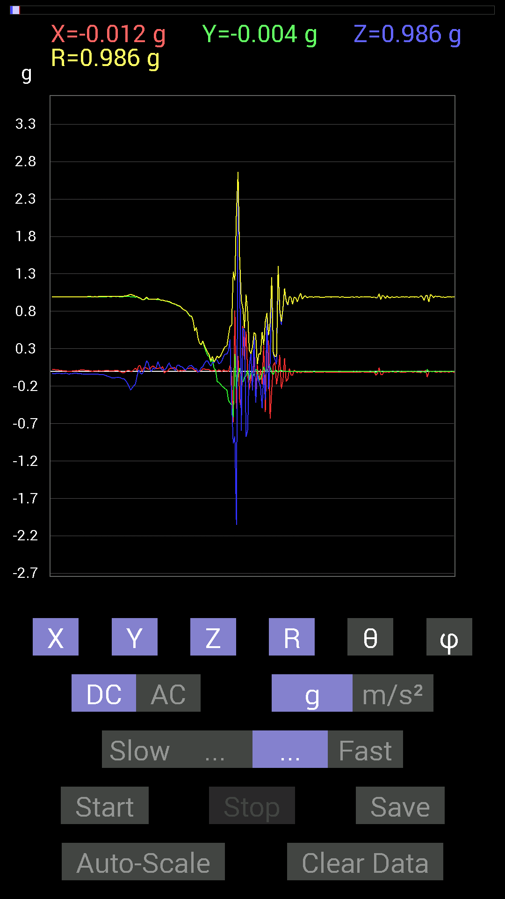
 | Keuwl | Accelerometer | Data | File |  | 2015-04-30 | 14-23-16
Number | Time(s) | X(g) | Y(g) | Z(g) | R(g) | Theta(deg) | Phi(deg)
1 | 4.2710004 | 0.07421122 | 0.98037326 | 0.019530004 | 0.983372 | 88.862015 | 85.67114
2 | 4.301 | 0.07421122 | 0.97451395 | -0.023435695 | 0.9776165 | 91.37364 | 85.64522
3 | 4.3120003 | -0.0019536226 | 0.9588912 | -0.039058454 | 0.95968837 | 92.332535 | 90.11673
4 | 4.341 | 0.04101208 | 0.9530319 | -0.0078113796 | 0.95394593 | 90.46917 | 87.5359
5 | 4.352 | 0.050777078 | 0.9647505 | 0.070305526 | 0.9686407 | 85.837715 | 86.98717
6 | 4.38 | 0.042964146 | 0.98037326 | 0.14061105 | 0.991337 | 81.84568 | 87.49066
7 | 4.394 | 0.027341384 | 0.9588912 | 0.10936398 | 0.96549493 | 83.49601 | 88.36674
8 | 4.4220004 | 0.029293451 | 0.96279687 | 0.027341384 | 0.9636304 | 88.37411 | 88.25729
9 | 4.434 | 0.060540527 | 0.96279687 | -0.0019536226 | 0.96470034 | 90.11603 | 86.401985
10 | 4.466 | 0.07225915 | 0.9588912 | 0.044917766 | 0.96265846 | 87.3256 | 85.690506
11 | 4.474 | 0.052729145 | 0.96084327 | 0.025387762 | 0.9626239 | 88.48873 | 86.85887
12 | 4.513 | 0.037106387 | 0.9588912 | 0.050777078 | 0.9609514 | 86.971054 | 87.78392
13 | 4.513 | 0.035152763 | 0.9588912 | 0.13084605 | 0.9684156 | 82.23482 | 87.90049
14 | 4.5600004 | 0.046869833 | 0.9549855 | 0.07421122 | 0.95901066 | 85.56184 | 87.19023
15 | 4.5600004 | 0.039058454 | 0.94522053 | 0.031247074 | 0.9465431 | 88.10822 | 87.633766
16 | 4.5750003 | 0.06444622 | 0.9491262 | 0.013670692 | 0.9514098 | 89.1767 | 86.11555
17 | 4.618 | -0.025387762 | 0.9413148 | 0.023435695 | 0.9419487 | 88.57433 | 91.54492
18 | 4.618 | 0.0019536226 | 0.9374091 | 0.031247074 | 0.9379318 | 88.09084 | 89.88059
19 | 4.635 | 0 | 0.9315498 | 0.07616484 | 0.9346582 | 85.32581 | 90
20 | 4.6780005 | 0.027341384 | 0.9256905 | 0.11326967 | 0.9329954 | 83.02684 | 88.30819
21 | 4.6780005 | 0.042964146 | 0.91592705 | 0.062494148 | 0.91906136 | 86.101006 | 87.31435
22 | 4.6940002 | 0.033199143 | 0.906162 | 0.050777078 | 0.9081906 | 86.794914 | 87.90179
23 | 4.735 | 0.052729145 | 0.89835066 | 0.033199143 | 0.900509 | 87.88719 | 86.64085
24 | 4.736 | 0.039058454 | 0.89444345 | 0.009765002 | 0.89534914 | 89.3751 | 87.4996
25 | 4.755 | 0.017576382 | 0.87882066 | 0.0820226 | 0.882815 | 84.668945 | 88.85424
26 | 4.7980003 | 0 | 0.8710093 | 0.083976224 | 0.8750481 | 84.49299 | 90
27 | 4.7990003 | 0.015622759 | 0.8631979 | 0.06444622 | 0.8657413 | 85.73093 | 88.963135
28 | 4.815 | 0.0019536226 | 0.8378086 | 0.05858846 | 0.8398569 | 85.999794 | 89.866394
29 | 4.905 | 0.017576382 | 0.8221858 | 0.04101208 | 0.82339567 | 87.145004 | 88.77534
30 | 4.905 | 0.0058593126 | 0.81437445 | 0.015622759 | 0.8145454 | 88.90102 | 89.58777
31 | 4.906 | 0.033199143 | 0.79484445 | 0.031247074 | 0.7961509 | 87.750694 | 87.60825
32 | 4.906 | 0.039058454 | 0.76359737 | 0.062494148 | 0.7671454 | 85.327324 | 87.07184
33 | 4.9170003 | 0.04101208 | 0.736256 | 0.07616484 | 0.74132043 | 84.102905 | 86.811714
34 | 4.9410005 | 0.046869833 | 0.7323503 | 0.07811691 | 0.7379946 | 83.92384 | 86.33811
35 | 4.9560003 | 0.029293451 | 0.66985613 | 0.05468277 | 0.67272246 | 85.337524 | 87.495995
36 | 4.98 | 0.013670692 | 0.53705645 | 0.029293451 | 0.5380284 | 86.87894 | 88.54186
37 | 5.025 | 0.0078113796 | 0.58392787 | 0.037106387 | 0.5851578 | 86.36429 | 89.23358
38 | 5.025 | -0.013670692 | 0.4433168 | -0.009765002 | 0.44363502 | 91.26126 | 91.76629
39 | 5.038 | 0.013670692 | 0.37496334 | 0.0019536226 | 0.37521756 | 89.70168 | 87.911995
40 | 5.0730004 | 0.0058593126 | 0.35152763 | 0.048823457 | 0.35495034 | 82.093895 | 89.045074
41 | 5.078 | 0.035152763 | 0.39839903 | 0.060540527 | 0.404503 | 81.3924 | 84.957565
42 | 5.1210003 | 0.029293451 | 0.3280935 | 0.10350622 | 0.34527814 | 72.55583 | 84.89794
43 | 5.1210003 | 0.025387762 | 0.26364574 | 0.13475175 | 0.29717276 | 63.03502 | 84.499664
44 | 5.138 | 0.023435695 | 0.21287021 | 0.13865899 | 0.255126 | 57.078316 | 83.71739
45 | 5.201 | 0.021482073 | 0.19529383 | 0.09959898 | 0.22027509 | 63.117825 | 83.72277
46 | 5.201 | 0.0058593126 | 0.12303468 | 0.070305526 | 0.1418264 | 60.283066 | 87.273445
47 | 5.201 | 0.0058593126 | 0.16209313 | 0.115223296 | 0.1989596 | 54.610687 | 87.92979
48 | 5.2370005 | 0.015622759 | 0.042964146 | 0.11717536 | 0.1257778 | 21.313421 | 70.01756
49 | 5.2390003 | 0.01171707 | 0.017576382 | 0.15818743 | 0.15959162 | 7.606123 | 56.3111
50 | 5.28 | 0.0019536226 | -0.13865899 | 0.14842243 | 0.20312397 | 43.054993 | 270.80722
51 | 5.28 | 0.017576382 | -0.14647037 | 0.101552606 | 0.17909615 | 55.456734 | 276.84274
52 | 5.328 | 0.009765002 | -0.16990606 | 0.10936398 | 0.20229658 | 57.274685 | 273.28934
53 | 5.328 | -0.0039056898 | -0.20115158 | 0.14451675 | 0.24771416 | 54.30987 | 268.88763
54 | 5.341 | 0.021482073 | -0.21482228 | 0.19919951 | 0.29375252 | 47.303078 | 275.71054
55 | 5.3830004 | 0.0019536226 | -0.23825797 | 0.23239866 | 0.33283603 | 45.71422 | 270.4698
56 | 5.3830004 | 0.009765002 | -0.24411729 | 0.22849298 | 0.33451107 | 46.91634 | 272.29068
57 | 5.399 | -0.0039056898 | -0.3866804 | 0.27536437 | 0.4747236 | 54.545803 | 269.4213
58 | 5.459 | 0.07811691 | -0.42574042 | 0.42769247 | 0.6085047 | 45.34324 | 280.39725
59 | 5.459 | -0.048823457 | -0.4472225 | -0.4101161 | 0.6087585 | 132.3527 | 263.76968
60 | 5.459 | -0.6835268 | -0.61126924 | -0.96279687 | 1.3296002 | 136.39612 | 221.80586
61 | 5.4950004 | 0.8104672 | 0.23239866 | -0.8710093 | 1.212239 | 135.93184 | 16.000061
62 | 5.5000005 | -0.49995163 | -0.24021159 | -2.052534 | 2.1261585 | 164.8779 | 205.66287
63 | 5.539 | 0.2070109 | -0.046869833 | 2.6540384 | 2.662512 | 4.5723896 | 347.2426
64 | 5.5410004 | -0.3827747 | 0.042964146 | 1.4588429 | 1.5088356 | 14.790276 | 173.5957
65 | 5.585 | -0.5038573 | -0.083976224 | -0.79484445 | 0.944829 | 147.27315 | 189.46233
66 | 5.5860004 | 0.6034563 | -0.14647037 | 0.5761165 | 0.8470675 | 47.14615 | 346.35706
67 | 5.6010003 | 0.15623537 | -0.07811691 | 0.5468215 | 0.5740431 | 17.715511 | 333.43518
68 | 5.67 | 0.5331508 | -0.062494148 | -0.87296134 | 1.0248008 | 148.41183 | 353.31448
69 | 5.67 | -0.042964146 | 0.009765002 | -0.7850794 | 0.7863148 | 176.78789 | 167.19519
70 | 5.67 | -0.24411729 | -0.11717536 | 0.0820226 | 0.2829329 | 73.14796 | 205.64082
71 | 5.682 | -0.037106387 | -0.021482073 | 0.23044659 | 0.23440135 | 10.539729 | 210.06792
72 | 5.775 | -0.19919951 | -0.01171707 | -0.25583434 | 0.32445177 | 142.04674 | 183.3663
73 | 5.775 | 0.20505883 | -0.05858846 | 0.47261027 | 0.5185 | 24.28719 | 344.05453
74 | 5.775 | -0.25778797 | 0.025387762 | -0.42183316 | 0.49501756 | 148.44716 | 174.37547
75 | 5.775 | 0.083976224 | 0.01171707 | -0.037106387 | 0.09255365 | 113.63555 | 7.9431086
76 | 5.7830005 | -0.14647037 | -0.12303468 | -0.14061105 | 0.23740803 | 126.31868 | 220.03017
77 | 5.86 | 0.029293451 | -0.09959898 | -0.20115158 | 0.22636259 | 152.70103 | 286.38934
78 | 5.86 | -0.17381175 | -0.033199143 | -0.49214026 | 0.52298635 | 160.22345 | 190.8136
79 | 5.86 | 0.34371626 | 0.060540527 | -0.027341384 | 0.35007653 | 94.47943 | 9.989342
80 | 5.8630004 | -0.54291576 | 0.0039056898 | -0.37886903 | 0.6620532 | 124.90823 | 179.58783
81 | 5.9040003 | 0.33004558 | -0.0019536226 | 0.7050089 | 0.7784417 | 25.08674 | 359.66086
82 | 5.9040003 | 0.4140218 | 0.06444622 | -0.23630434 | 0.48104793 | 119.42135 | 8.847602
83 | 5.9230003 | -0.6307977 | 0.060540527 | 0.12108261 | 0.6451603 | 79.18268 | 174.51785
84 | 5.946 | -0.25192866 | -0.015622759 | 1.2303483 | 1.2559735 | 11.59369 | 183.54852
85 | 5.9630003 | 0.08983553 | -0.044917766 | 0.21872796 | 0.24068642 | 24.66444 | 333.43494
86 | 6.004 | 0.11717536 | 0.013670692 | 0.15818743 | 0.19733275 | 36.714165 | 6.6545377
87 | 6.005 | -0.17381175 | 0.009765002 | 0.09569329 | 0.19865318 | 61.20283 | 176.78442
88 | 6.0750003 | -0.044917766 | -0.01171707 | 1.4022064 | 1.4029746 | 1.8960978 | 194.62015
89 | 6.076 | 0.21872796 | 0.0058593126 | 0.79289085 | 0.8225279 | 15.427392 | 1.5344797
90 | 6.076 | -0.23044659 | 0.015622759 | 0.6190806 | 0.66076505 | 20.46026 | 176.12166
91 | 6.084 | -0.12303468 | 0 | 0.8299972 | 0.8390667 | 8.431865 | 180
92 | 6.116 | 0.17185813 | -0.0039056898 | 1.0897373 | 1.1032125 | 8.964337 | 358.69812
93 | 6.1250005 | -0.13475175 | 0 | 0.93350345 | 0.943179 | 8.213915 | 180
94 | 6.162 | -0.10741191 | 0.0019536226 | 0.88077426 | 0.88730174 | 6.9541225 | 178.95801
95 | 6.1640005 | 0.039058454 | -0.0039056898 | 0.995996 | 0.9967692 | 2.256894 | 354.28964
96 | 6.216 | -0.048823457 | -0.0019536226 | 0.98818463 | 0.9893919 | 2.830753 | 182.29141
97 | 6.216 | -0.05468277 | -0.0019536226 | 0.89249134 | 0.8941671 | 3.5083873 | 182.04611
98 | 6.2250004 | 0.019530004 | -0.0019536226 | 0.9901383 | 0.99033284 | 1.1357386 | 354.2876
99 | 6.2650003 | -0.0058593126 | -0.0019536226 | 0.97841966 | 0.97843915 | 0.3615361 | 198.43951
100 | 6.2660003 | -0.017576382 | 0 | 0.92764413 | 0.9278106 | 1.0853441 | 180
101 | 6.3160005 | -0.0039056898 | -0.0019536226 | 0.99209034 | 0.99209994 | 0.2517883 | 206.57417
102 | 6.3170004 | -0.023435695 | -0.0019536226 | 1.0428674 | 1.0431325 | 1.2918006 | 184.76521
103 | 6.3250003 | -0.0078113796 | -0.0019536226 | 0.96084327 | 0.960877 | 0.4801054 | 194.04161
104 | 6.3690004 | -0.009765002 | -0.0019536226 | 0.99404395 | 0.99409384 | 0.57403123 | 191.31345
105 | 6.3690004 | -0.015622759 | -0.0039056898 | 1.0096667 | 1.0097951 | 0.9136455 | 194.03624
106 | 6.386 | -0.009765002 | -0.0019536226 | 0.98232687 | 0.98237735 | 0.58080876 | 191.31345

第五次
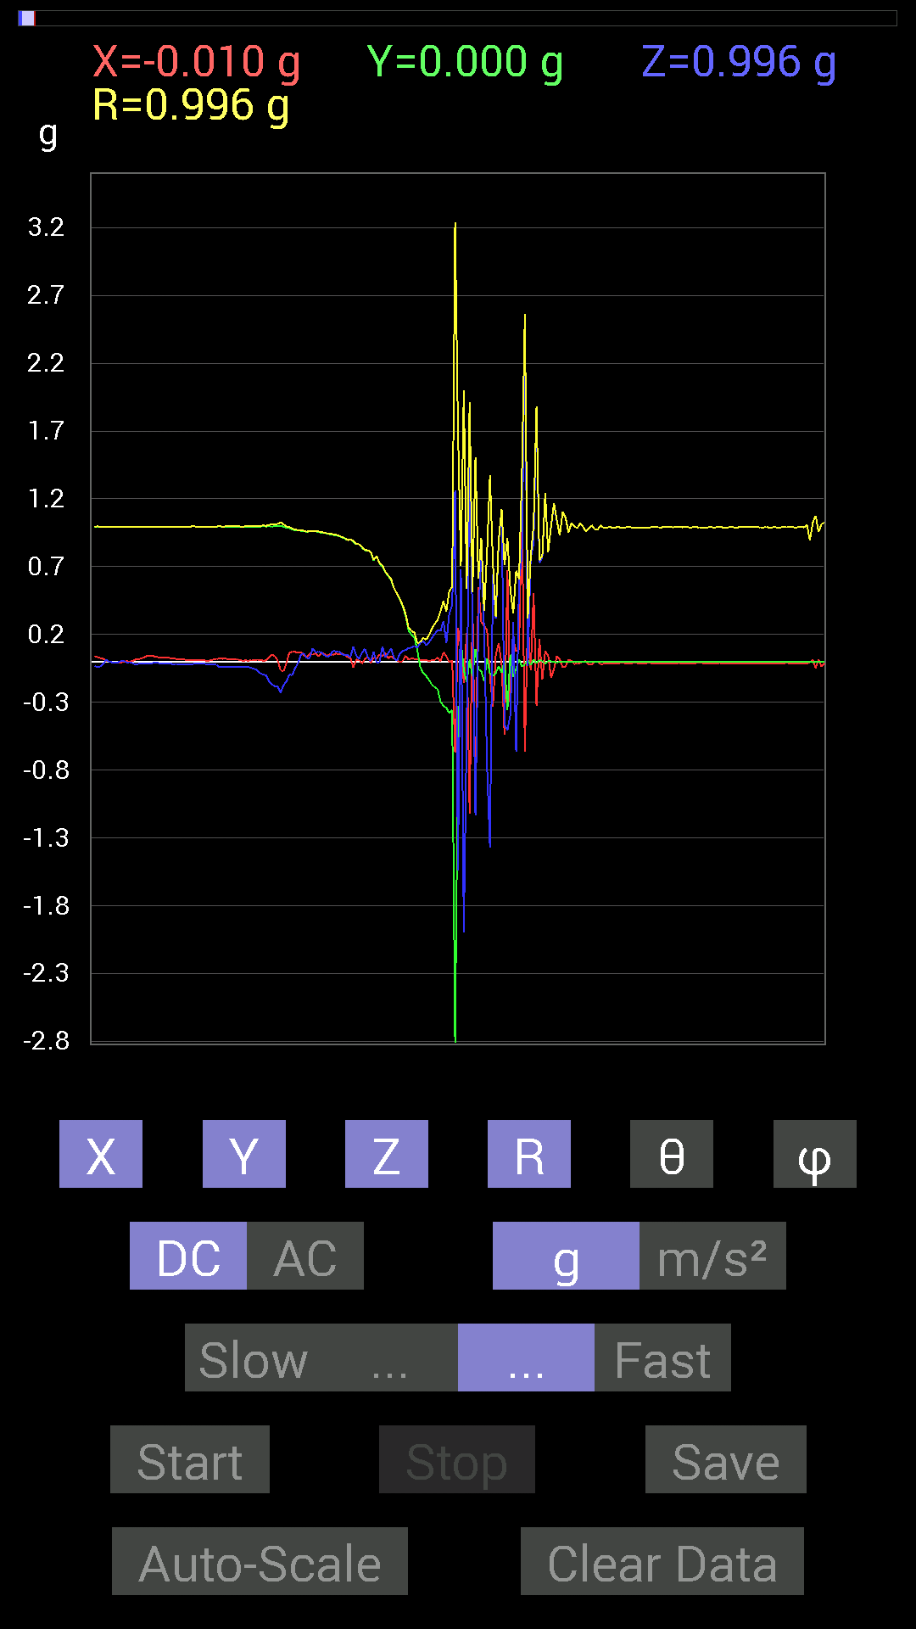
 | Keuwl | Accelerometer | Data | File |  | 2015-04-30 | 14-23-39
Number | Time(s) | X(g) | Y(g) | Z(g) | R(g) | Theta(deg) | Phi(deg)
1 | 3.8020003 | 0.06835346 | 0.9686562 | -0.009765002 | 0.971114 | 90.57615 | 85.9636
2 | 3.8020003 | 0.06835346 | 0.9647505 | 0.052729145 | 0.9686052 | 86.87938 | 85.94731
3 | 3.821 | 0.048823457 | 0.96279687 | 0.062494148 | 0.9660575 | 86.290955 | 87.097015
4 | 3.8560002 | 0.033199143 | 0.95693755 | 0.025387762 | 0.9578498 | 88.4812 | 88.01303
5 | 3.8610003 | 0.060540527 | 0.96084327 | 0.027341384 | 0.9631368 | 88.373276 | 86.39469
6 | 3.9120002 | 0.050777078 | 0.9588912 | 0.097646914 | 0.9651868 | 84.19351 | 86.968796
7 | 3.9120002 | 0.062494148 | 0.96084327 | 0.070305526 | 0.9654368 | 85.82388 | 86.27867
8 | 3.9220002 | 0.039058454 | 0.95693755 | 0.07225915 | 0.9604564 | 85.685326 | 87.662704
9 | 3.9700003 | 0.06444622 | 0.9491262 | 0.070305526 | 0.95390606 | 85.77331 | 86.11555
10 | 3.9710002 | 0.05858846 | 0.9491262 | 0.048823457 | 0.95218533 | 87.06086 | 86.46768
11 | 3.982 | 0.042964146 | 0.94326687 | 0.037106387 | 0.94497365 | 87.74958 | 87.39208
12 | 4.026 | 0.056634836 | 0.9393612 | 0.042964146 | 0.9420472 | 87.385994 | 86.54977
13 | 4.0270004 | 0.048823457 | 0.9354555 | 0.0820226 | 0.9403129 | 84.99578 | 87.01232
14 | 4.044 | 0.060540527 | 0.9315498 | 0.07616484 | 0.9366169 | 85.33561 | 86.28163
15 | 4.083 | 0.05468277 | 0.9256905 | 0.07616484 | 0.93042684 | 85.304504 | 86.61933
16 | 4.084 | 0.060540527 | 0.91592705 | 0.05468277 | 0.919553 | 86.5908 | 86.21839
17 | 4.1390004 | 0.056634836 | 0.91006774 | 0.050777078 | 0.91324097 | 86.81265 | 86.438995
18 | 4.1390004 | 0.033199143 | 0.89249134 | 0.048823457 | 0.89444214 | 86.87093 | 87.869675
19 | 4.143 | 0.029293451 | 0.90225637 | 0.033199143 | 0.90334207 | 87.89382 | 88.140434
20 | 4.197 | -0.042964146 | 0.88077426 | 0.11326967 | 0.88906646 | 82.68046 | 92.79267
21 | 4.1980004 | 0.015622759 | 0.86515 | 0.046869833 | 0.8665595 | 86.89951 | 88.96547
22 | 4.2050004 | 0.013670692 | 0.8690557 | 0.021482073 | 0.86942863 | 88.584175 | 89.098785
23 | 4.256 | -0.013670692 | 0.8397622 | 0.06835346 | 0.84265035 | 85.34721 | 90.93265
24 | 4.256 | 0.019530004 | 0.8202322 | 0.09374122 | 0.82580245 | 83.482 | 88.636024
25 | 4.2650003 | 0.037106387 | 0.81828016 | 0.033199143 | 0.8197936 | 87.67906 | 87.403595
26 | 4.314 | -0.009765002 | 0.8104672 | 0.0039056898 | 0.81053543 | 89.72391 | 90.6903
27 | 4.315 | 0.033199143 | 0.746021 | 0.07225915 | 0.7502472 | 84.47306 | 87.45193
28 | 4.3250003 | 0.023435695 | 0.77922165 | -0.0039056898 | 0.7795838 | 90.28705 | 88.277306
29 | 4.372 | 0.05468277 | 0.7245389 | -0.0039056898 | 0.72661 | 90.307976 | 85.68393
30 | 4.372 | 0.039058454 | 0.7011032 | 0.111317605 | 0.71095914 | 80.99191 | 86.81135
31 | 4.385 | 0.06639984 | 0.65813905 | 0.033199143 | 0.6623127 | 87.126785 | 84.23891
32 | 4.4290004 | 0.025387762 | 0.6327513 | 0.06444622 | 0.6365313 | 84.18908 | 87.70236
33 | 4.4290004 | 0.04101208 | 0.60150427 | 0.097646914 | 0.6107571 | 80.800156 | 86.099464
34 | 4.446 | 0.023435695 | 0.54096216 | 0.029293451 | 0.54226136 | 86.90332 | 87.51937
35 | 4.4900002 | 0.01171707 | 0.5019037 | 0.0078113796 | 0.50210124 | 89.10859 | 88.66266
36 | 4.491 | -0.0039056898 | 0.45893955 | 0.060540527 | 0.46293187 | 82.48554 | 90.48759
37 | 4.506 | 0.0058593126 | 0.40621042 | 0.0820226 | 0.41445017 | 78.5854 | 89.17361
38 | 4.552 | 0.044917766 | 0.33785695 | 0.08592984 | 0.35149518 | 75.84952 | 82.42699
39 | 4.552 | 0.015622759 | 0.23044659 | 0.101552606 | 0.25231454 | 66.26643 | 86.12166
40 | 4.5680003 | 0.023435695 | 0.19919951 | 0.10350622 | 0.22570604 | 62.70393 | 83.29003
41 | 4.6190004 | 0.021482073 | 0.17966951 | 0.11717536 | 0.21557522 | 57.074543 | 83.18183
42 | 4.6190004 | 0.017576382 | 0.08788191 | 0.10350622 | 0.13691492 | 40.88811 | 78.69007
43 | 4.6270003 | 0.01171707 | -0.037106387 | 0.13670537 | 0.14213562 | 15.888711 | 287.52454
44 | 4.6860003 | 0.009765002 | -0.0820226 | 0.15623537 | 0.17672734 | 27.865465 | 276.78925
45 | 4.6860003 | 0.015622759 | -0.10350622 | 0.12303468 | 0.1615399 | 40.39132 | 278.5832
46 | 4.6870003 | 0.0019536226 | -0.13279969 | 0.14061105 | 0.19341934 | 43.366596 | 270.84283
47 | 4.7530003 | 0.01171707 | -0.16795245 | 0.17576382 | 0.24338906 | 43.767586 | 273.99072
48 | 4.7530003 | 0.013670692 | -0.18748245 | 0.20505883 | 0.2781828 | 42.511906 | 274.17047
49 | 4.7530003 | 0.031247074 | -0.20115158 | 0.23239866 | 0.30894575 | 41.21597 | 278.8298
50 | 4.769 | 0.0019536226 | -0.29489282 | 0.22654091 | 0.37186876 | 52.468616 | 270.37958
51 | 4.822 | 0.070305526 | -0.32418782 | 0.30075213 | 0.44776383 | 47.803463 | 282.23605
52 | 4.822 | 0.04101208 | -0.33981058 | 0.13670537 | 0.36856693 | 68.22822 | 276.8818
53 | 4.828 | -0.0039056898 | -0.37886903 | 0.3554349 | 0.5195103 | 46.829403 | 269.40936
54 | 4.8560004 | 0.009765002 | -0.35738695 | 0.4198811 | 0.5514716 | 40.413727 | 271.56512
55 | 4.867 | -0.6718098 | -2.9079192 | 1.2596433 | 3.239448 | 67.11735 | 256.99133
56 | 4.894 | 0.24997504 | -0.7011032 | -1.5369598 | 1.7077115 | 154.15956 | 289.62344
57 | 4.9090004 | 0.115223296 | 0.15623537 | 0.68157476 | 0.7086819 | 15.898189 | 53.591293
58 | 4.931 | -0.15428175 | -0.060540527 | -1.9939457 | 2.0008218 | 175.24854 | 201.42516
59 | 4.9480004 | 0.21091658 | -0.15232968 | -0.47261027 | 0.53949106 | 151.1671 | 324.16217
60 | 4.9690003 | -1.1170787 | 0.017576382 | 1.5486768 | 1.9096004 | 35.806713 | 179.09857
61 | 5.0070004 | 0.4296461 | -0.10741191 | 0.25974005 | 0.51341796 | 59.60864 | 345.9637
62 | 5.0090003 | -0.9862326 | 0.09569329 | -1.134655 | 1.5064043 | 138.87015 | 174.458
63 | 5.0470004 | 0.5507272 | -0.056634836 | 0.26755142 | 0.6148916 | 64.20709 | 354.12854
64 | 5.0490003 | 0.29294074 | -0.06835346 | 0.8631979 | 0.91411 | 19.212564 | 346.86588
65 | 5.0870004 | 0.26364574 | -0.14256468 | 0.22263521 | 0.37336335 | 53.394897 | 331.598
66 | 5.089 | 0.23435228 | 0.023435695 | -0.7733624 | 0.8084304 | 163.0623 | 5.7107067
67 | 5.1280003 | -0.10741191 | -0.08592984 | -1.370961 | 1.3778443 | 174.27046 | 218.65991
68 | 5.129 | -0.33199918 | -0.10741191 | 0.64446837 | 0.73287123 | 28.432983 | 197.92798
69 | 5.1870003 | 0.048823457 | -0.083976224 | 0.31637487 | 0.33095136 | 17.06825 | 300.17355
70 | 5.188 | 0.13670537 | -0.033199143 | 0.88468 | 0.8957953 | 9.035333 | 346.34988
71 | 5.19 | -0.013670692 | -0.08007053 | 1.1229379 | 1.125872 | 4.1373954 | 260.31113
72 | 5.2320004 | -0.53705645 | 0.0078113796 | -0.46479887 | 0.7103018 | 130.87175 | 179.1667
73 | 5.2320004 | 0.67376184 | -0.35934058 | -0.5038573 | 0.91485125 | 123.41871 | 331.92746
74 | 5.2730002 | -0.3554349 | 0.052729145 | -0.3925397 | 0.532167 | 137.5295 | 171.56166
75 | 5.2730002 | 0.16599882 | -0.11326967 | 0.2909871 | 0.353637 | 34.62977 | 325.69223
76 | 5.2900004 | 0.07616484 | -0.048823457 | -0.66399837 | 0.6701333 | 172.24121 | 327.33917
77 | 5.313 | 0.08592984 | 0.019530004 | 0.60150427 | 0.60792494 | 8.334631 | 12.80458
78 | 5.3300004 | 1.1522315 | -0.037106387 | 0.7870331 | 1.3958637 | 55.678753 | 358.1555
79 | 5.361 | -0.66204476 | -0.019530004 | 2.4743688 | 2.561481 | 14.9854555 | 181.68971
80 | 5.3710003 | 0.31637487 | 0.013670692 | -0.029293451 | 0.3180221 | 95.28509 | 2.4742358
81 | 5.427 | -0.062494148 | -0.025387762 | 0.76359737 | 0.7665709 | 5.048224 | 202.10907
82 | 5.4280005 | 0.5038573 | 0.019530004 | 0.8671036 | 1.0030564 | 30.178736 | 2.2197294
83 | 5.432 | -0.3280935 | -0.01171707 | 1.8552883 | 1.8841118 | 10.034895 | 182.04532
84 | 5.5010004 | 0.16795245 | 0.01171707 | 0.7284446 | 0.74764746 | 13.013869 | 3.9907289
85 | 5.5020003 | -0.13279969 | 0.0078113796 | 0.7694567 | 0.78087157 | 9.808767 | 176.6337
86 | 5.5020003 | 0.07811691 | -0.015622759 | 1.242067 | 1.2446191 | 3.6698115 | 348.69052
87 | 5.5130005 | 0.046869833 | 0.0039056898 | 0.8065615 | 0.80793166 | 3.3373017 | 4.7634845
88 | 5.5740004 | -0.11717536 | 0.0039056898 | 0.99404395 | 1.0009339 | 6.726541 | 178.09093
89 | 5.5740004 | -0.05468277 | -0.0019536226 | 1.1659021 | 1.1671854 | 2.6870058 | 182.04611
90 | 5.5740004 | 0.042964146 | -0.0058593126 | 1.0389618 | 1.0398662 | 2.3898277 | 352.2341
91 | 5.5930004 | 0.017576382 | 0 | 0.9295962 | 0.92976236 | 1.083359 | 0

第六次
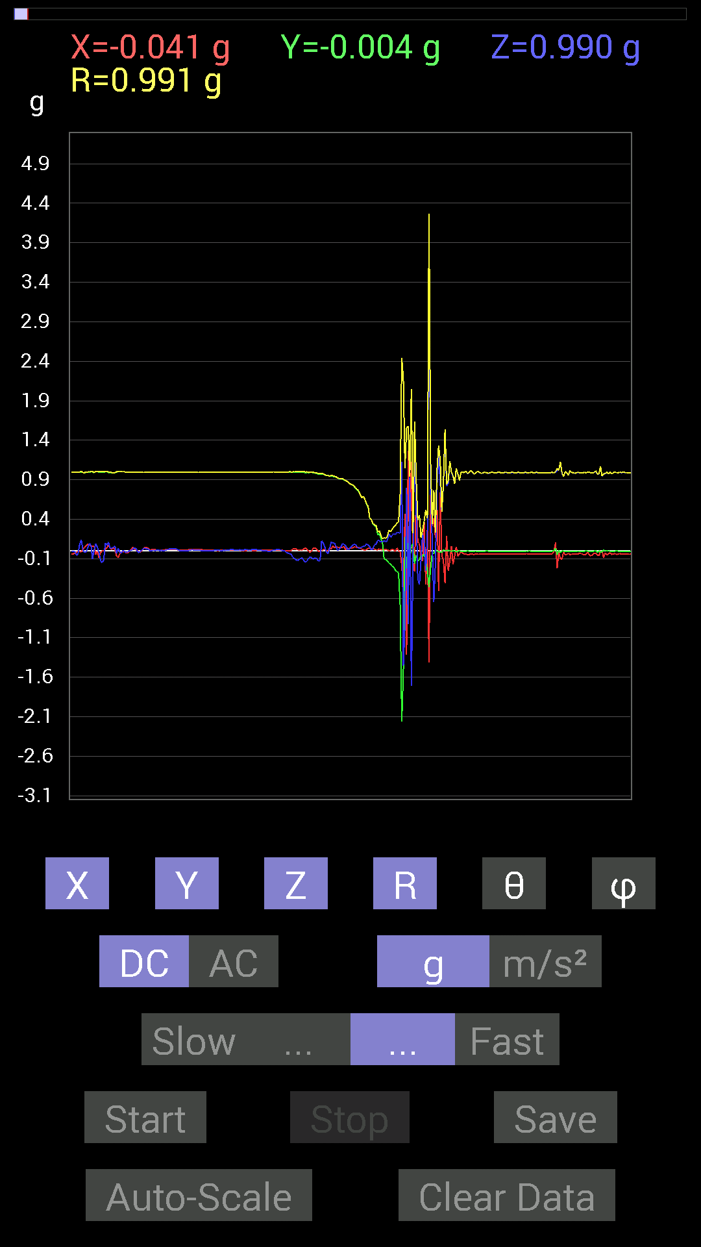
 | Keuwl | Accelerometer | Data | File |  | 2015-04-30 | 14-24-15
Number | Time(s) | X(g) | Y(g) | Z(g) | R(g) | Theta(deg) | Phi(deg)
1 | 11.281 | 0.01171707 | 0.99794966 | -0.09374122 | 1.0024112 | 95.3659 | 89.32732
2 | 11.303 | 0.025387762 | 0.99209034 | -0.12889399 | 1.0007504 | 97.4001 | 88.53411
3 | 11.320001 | 0.033199143 | 0.98818463 | -0.14256468 | 0.99896735 | 98.20481 | 88.075806
4 | 11.345 | 0.017576382 | 0.99209034 | -0.124988295 | 1.0000871 | 97.17945 | 88.98502
5 | 11.360001 | -0.009765002 | 0.9901383 | -0.08983553 | 0.9942533 | 95.18402 | 90.56505
6 | 11.393001 | -0.019530004 | 0.99404395 | -0.07811691 | 0.99729985 | 94.49249 | 91.12555
7 | 11.401001 | 0.009765002 | 0.99209034 | -0.0917876 | 0.9963752 | 95.28567 | 89.436066
8 | 11.469001 | 0.037106387 | 0.98818463 | -0.10741191 | 0.99469745 | 96.19914 | 87.84955
9 | 11.469001 | 0.037106387 | 0.98232687 | -0.08788191 | 0.9869479 | 95.10862 | 87.83674
10 | 11.469001 | 0.015622759 | 0.97841966 | -0.101552606 | 0.98379976 | 95.924904 | 89.08522
11 | 11.482 | -0.0039056898 | 0.9725619 | -0.12889399 | 0.9810737 | 97.54938 | 90.230095
12 | 11.530001 | -0.01171707 | 0.9686562 | -0.124988295 | 0.976757 | 97.35187 | 90.69303
13 | 11.531 | 0.0039056898 | 0.9706083 | 0.12694037 | 0.9788818 | 82.54896 | 89.76945
14 | 11.542001 | 0.013670692 | 0.9725619 | 0.09569329 | 0.97735393 | 84.381134 | 89.19468
15 | 11.59 | 0.023435695 | 0.96084327 | 0.044917766 | 0.9621781 | 87.324265 | 88.60279
16 | 11.591001 | 0.0039056898 | 0.9549855 | -0.019530004 | 0.95519316 | 91.17156 | 89.76567
17 | 11.603001 | 0.0019536226 | 0.9530319 | -0.037106387 | 0.953756 | 92.22968 | 89.88255
18 | 11.653001 | 0.04101208 | 0.94522053 | 0.033199143 | 0.94669217 | 87.9903 | 87.51556
19 | 11.653001 | 0.021482073 | 0.94717413 | 0.111317605 | 0.95393497 | 83.29871 | 88.700745
20 | 11.6640005 | 0.06639984 | 0.94326687 | 0.09959898 | 0.9508319 | 83.987274 | 85.9734
21 | 11.738001 | 0.035152763 | 0.9374091 | 0.09959898 | 0.9433406 | 83.93935 | 87.85242
22 | 11.738001 | 0.052729145 | 0.93350345 | 0.052729145 | 0.9364771 | 86.7722 | 86.767075
23 | 11.738001 | 0.048823457 | 0.91983277 | 0 | 0.9211276 | 90 | 86.96167
24 | 11.743001 | 0.039058454 | 0.91397345 | 0.017576382 | 0.9149765 | 88.8993 | 87.55296
25 | 11.774 | 0.039058454 | 0.9120198 | 0.048823457 | 0.9141605 | 86.93849 | 87.54773
26 | 11.784 | 0.042964146 | 0.90811414 | 0.0917876 | 0.91375166 | 84.23484 | 87.291275
27 | 11.814 | 0.05468277 | 0.89835066 | 0.0820226 | 0.9037432 | 84.79274 | 86.51669
28 | 11.824 | 0.009765002 | 0.886632 | 0.062494148 | 0.8888854 | 85.96842 | 89.368996
29 | 11.869 | 0.033199143 | 0.87686706 | 0.019530004 | 0.8777126 | 88.725006 | 87.83176
30 | 11.869 | 0.021482073 | 0.85538495 | 0.015622759 | 0.8557973 | 88.953995 | 88.56138
31 | 11.886001 | 0.037106387 | 0.8436679 | 0.04101208 | 0.8454788 | 87.219635 | 87.48163
32 | 11.944 | 0.031247074 | 0.8339029 | 0.062494148 | 0.83682495 | 85.71716 | 87.85408
33 | 11.944 | 0.044917766 | 0.8221858 | 0.07811691 | 0.82710904 | 84.58058 | 86.87292
34 | 11.944 | 0.050777078 | 0.79289085 | 0.0820226 | 0.7987377 | 84.10589 | 86.335754
35 | 11.982 | 0.044917766 | 0.77726805 | 0.05468277 | 0.7804828 | 85.98241 | 86.6926
36 | 11.984 | 0.044917766 | 0.75773805 | 0.035152763 | 0.75988173 | 87.3485 | 86.607544
37 | 12.025001 | 0.031247074 | 0.7147739 | 0.037106387 | 0.71641815 | 87.031075 | 87.49685
38 | 12.025001 | 0.027341384 | 0.66985613 | 0.04101208 | 0.67166716 | 86.49934 | 87.66267
39 | 12.0720005 | 0.0078113796 | 0.6874325 | 0.060540527 | 0.6901374 | 84.96741 | 89.34897
40 | 12.0720005 | 0.0058593126 | 0.646422 | 0.056634836 | 0.6489247 | 84.99315 | 89.480675
41 | 12.085001 | 0.015622759 | 0.58978564 | 0.08983553 | 0.59679276 | 81.34232 | 88.48265
42 | 12.120001 | 0.029293451 | 0.55658644 | 0.070305526 | 0.5617735 | 82.81062 | 86.987274
43 | 12.125001 | 0.031247074 | 0.41206974 | 0.050777078 | 0.41636062 | 82.99508 | 85.66358
44 | 12.169001 | 0.019530004 | 0.39449334 | 0.01171707 | 0.39515024 | 88.300804 | 87.165794
45 | 12.169001 | 0.031247074 | 0.34176418 | 0.029293451 | 0.34443757 | 85.12126 | 84.77604
46 | 12.186001 | 0.021482073 | 0.3183285 | 0.07616484 | 0.32801768 | 76.573524 | 86.139305
47 | 12.218 | 0.009765002 | 0.30465782 | 0.08592984 | 0.31669492 | 74.256386 | 88.16416
48 | 12.226001 | 0.01171707 | 0.20115158 | 0.13084605 | 0.24024974 | 57.000946 | 86.66629
49 | 12.272 | 0.025387762 | 0.21482228 | 0.13084605 | 0.25281185 | 58.831078 | 83.26003
50 | 12.272 | 0.009765002 | 0.15818743 | 0.111317605 | 0.19367558 | 54.916946 | 86.46758
51 | 12.288 | 0.021482073 | 0.09374122 | 0.11326967 | 0.14858976 | 40.332794 | 77.09276
52 | 12.338 | 0.01171707 | -0.10545829 | 0.12889399 | 0.1669503 | 39.461662 | 276.3399
53 | 12.338 | 0.015622759 | -0.10545829 | 0.11326967 | 0.15554915 | 43.26495 | 278.4266
54 | 12.348001 | 0.01171707 | -0.12694037 | 0.13279969 | 0.18408395 | 43.82913 | 275.27368
55 | 12.404 | 0 | -0.15428175 | 0.21287021 | 0.26290032 | 35.933437 | 270
56 | 12.404 | 0.0078113796 | -0.17185813 | 0.17185813 | 0.24316959 | 45.02956 | 272.60245
57 | 12.408001 | 0.019530004 | -0.18748245 | 0.19529383 | 0.2714236 | 43.9854 | 275.94705
58 | 12.47 | 0.009765002 | -0.21091658 | 0.2167759 | 0.30261022 | 44.24576 | 272.6508
59 | 12.47 | -0.0058593126 | -0.24411729 | 0.20505883 | 0.31886783 | 49.97782 | 268.62506
60 | 12.47 | 0.035152763 | -0.26364574 | 0.23435228 | 0.3544937 | 48.61694 | 277.59464
61 | 12.489 | 0 | -0.27731642 | 0.23044659 | 0.36056906 | 50.27383 | 270
62 | 12.534 | -0.013670692 | -0.6854805 | 0.22263521 | 0.7208584 | 72.010216 | 268.85748
63 | 12.535001 | -0.18943451 | -2.1618981 | 1.1268437 | 2.4452946 | 62.559887 | 264.9923
64 | 12.549001 | -0.5038573 | -1.5350062 | -1.4510299 | 2.171544 | 131.92844 | 251.82787
65 | 12.601001 | 0.47065663 | 0.16990606 | -0.9178791 | 1.0454128 | 151.4028 | 19.849476
66 | 12.601001 | -1.3143245 | -0.22263521 | 0.80070376 | 1.5550376 | 59.00859 | 189.61415
67 | 12.609 | 1.2694083 | 0.097646914 | -0.92764413 | 1.5752639 | 126.07769 | 4.3987107
68 | 12.669001 | -0.07421122 | -0.101552606 | 0.92764413 | 0.93613243 | 7.7216144 | 233.84193
69 | 12.669001 | 1.1287957 | 0.052729145 | -1.7127236 | 2.0519216 | 146.58383 | 2.6744988
70 | 12.670001 | -0.14061105 | 0.08983553 | -0.15232968 | 0.22593412 | 132.39374 | 147.42574
71 | 12.735001 | -0.26559937 | -0.16599882 | 1.6092188 | 1.6394157 | 11.013957 | 212.00526
72 | 12.735001 | 0.74016166 | -0.05468277 | 0.5351044 | 0.91496783 | 54.20873 | 355.7747
73 | 12.735001 | 0.11326967 | -0.12303468 | -0.34762195 | 0.38575715 | 154.30858 | 312.63367
74 | 12.750001 | 0.09374122 | -0.11717536 | -0.42769247 | 0.45325306 | 160.6663 | 308.6601
75 | 12.77 | -0.097646914 | -0.062494148 | -0.11717536 | 0.16483478 | 135.30537 | 212.6193
76 | 12.81 | -0.12694037 | -0.06835346 | 0.21872796 | 0.26196942 | 33.390717 | 208.30109
77 | 12.81 | 0.36129266 | -0.044917766 | 0.09374122 | 0.37594867 | 75.561195 | 352.91306
78 | 12.858001 | -0.4296461 | -0.14451675 | -0.25778797 | 0.52147436 | 119.62653 | 198.591
79 | 12.858001 | 0.25974005 | -0.24606936 | 0.20896451 | 0.41434428 | 59.71339 | 316.5482
80 | 12.870001 | -1.4158771 | -0.4569875 | 3.997658 | 4.265538 | 20.413637 | 197.88797
81 | 12.937 | 0.8339029 | -0.21872796 | 0.7245389 | 1.1261406 | 49.955505 | 345.30273
82 | 12.937 | 0.31637487 | -0.033199143 | 0.124988295 | 0.3417855 | 68.54981 | 354.00952
83 | 12.937 | 0.41206974 | -0.029293451 | -0.6483741 | 0.7687968 | 147.49687 | 355.93378
84 | 12.952001 | 0.16404675 | 0.013670692 | -0.16014107 | 0.22965929 | 134.21066 | 4.7636867
85 | 12.988001 | 0.61517495 | 0.0019536226 | 0.8280436 | 1.0315523 | 36.60975 | 0.18195467
86 | 12.992001 | -0.50971663 | -0.013670692 | 1.232302 | 1.3336289 | 22.47871 | 181.53632
87 | 13.042001 | 0.7440674 | -0.015622759 | 0.8671036 | 1.1426938 | 40.639355 | 358.79718
88 | 13.042001 | -0.05858846 | -0.017576382 | 0.49409232 | 0.4978642 | 7.057246 | 196.6991
89 | 13.052001 | -0.12108261 | 0.017576382 | 0.84562 | 0.8544256 | 8.23292 | 171.74062
90 | 13.099001 | -0.41206974 | 0 | 1.4803249 | 1.5366076 | 15.555305 | 180
91 | 13.099001 | 0.19138813 | -0.0019536226 | 0.8202322 | 0.8422673 | 13.134733 | 359.41516
92 | 13.114 | -0.25192866 | 0.009765002 | 0.8514793 | 0.8880205 | 16.493708 | 177.78027
93 | 13.156001 | -0.12889399 | -0.0019536226 | 1.12489 | 1.1322521 | 6.5373807 | 180.86836
94 | 13.157001 | 0.05468277 | -0.0078113796 | 0.99209034 | 0.99362695 | 3.1868417 | 351.87036
95 | 13.173 | -0.17185813 | 0.0019536226 | 0.9413148 | 0.9568765 | 10.347333 | 179.34871
96 | 13.213 | -0.06444622 | 0.0019536226 | 0.8475736 | 0.85002244 | 4.3501916 | 178.26367
97 | 13.213 | 0.050777078 | -0.013670692 | 1.0409138 | 1.0422412 | 2.8919818 | 344.93158
98 | 13.271001 | -0.06835346 | -0.0039056898 | 0.9706083 | 0.97301996 | 4.034831 | 183.27031
99 | 13.271001 | -0.039058454 | -0.0019536226 | 0.89249134 | 0.89334774 | 2.5089726 | 182.86343
100 | 13.273001 | -0.009765002 | -0.0058593126 | 0.99209034 | 0.99215573 | 0.6578966 | 210.9651
101 | 13.328001 | -0.029293451 | -0.0039056898 | 0.99990326 | 1.0003399 | 1.692926 | 187.59444
102 | 13.328001 | -0.04101208 | -0.0039056898 | 0.9862326 | 0.9870927 | 2.3920379 | 185.44002
103 | 13.334001 | -0.039058454 | -0.0058593126 | 1.0096667 | 1.0104388 | 2.240007 | 188.53154
104 | 13.384001 | -0.050777078 | -0.0019536226 | 0.97841966 | 0.9797383 | 2.973021 | 182.20334
105 | 13.384001 | -0.050777078 | -0.0039056898 | 0.98818463 | 0.98949605 | 2.9502172 | 184.39844
106 | 13.395 | -0.037106387 | -0.0039056898 | 1.0174797 | 1.0181636 | 2.1001227 | 186.00864
107 | 13.444 | -0.037106387 | -0.0039056898 | 0.99990326 | 1.0005991 | 2.136983 | 186.00864
108 | 13.444 | -0.048823457 | -0.0039056898 | 0.9706083 | 0.9718433 | 2.8887987 | 184.5737
109 | 13.455001 | -0.035152763 | -0.0058593126 | 0.98232687 | 0.9829731 | 2.0777307 | 189.46315
110 | 13.504001 | -0.042964146 | -0.0039056898 | 1.0018554 | 1.0027838 | 2.4656923 | 185.19424
111 | 13.504001 | -0.039058454 | -0.0039056898 | 0.99990326 | 1.0006734 | 2.248031 | 185.71037
112 | 13.516001 | -0.044917766 | -0.0039056898 | 0.984279 | 0.9853111 | 2.6227138 | 184.96948
113 | 13.56 | -0.042964146 | -0.0039056898 | 0.98037326 | 0.981322 | 2.5196378 | 185.19424
114 | 13.561001 | -0.04101208 | -0.0039056898 | 0.98818463 | 0.989043 | 2.3872874 | 185.44002
115 | 13.576 | -0.04101208 | -0.0039056898 | 0.995996 | 0.9968477 | 2.3686032 | 185.44002
116 | 13.617001 | -0.039058454 | -0.0019536226 | 0.9862326 | 0.9870076 | 2.2707272 | 182.86343
117 | 13.617001 | -0.044917766 | -0.0039056898 | 0.98037326 | 0.9814095 | 2.6331418 | 184.96948
118 | 13.705001 | -0.039058454 | -0.0058593126 | 0.9862326 | 0.9870231 | 2.293284 | 188.53154
119 | 13.705001 | -0.04101208 | -0.0039056898 | 0.995996 | 0.9968477 | 2.3686032 | 185.44002
120 | 13.705001 | -0.04101208 | -0.0058593126 | 0.9901383 | 0.99100465 | 2.3959622 | 188.1307
121 | 13.705001 | -0.04101208 | -0.0039056898 | 0.9862326 | 0.9870927 | 2.3920379 | 185.44002
122 | 13.716001 | -0.04101208 | -0.0039056898 | 0.98232687 | 0.98319036 | 2.4015107 | 185.44002
123 | 13.746 | -0.039058454 | -0.0039056898 | 0.995996 | 0.9967692 | 2.256894 | 185.71037
124 | 13.757001 | -0.04101208 | -0.0039056898 | 0.99209034 | 0.9929454 | 2.3779225 | 185.44002
125 | 13.794001 | -0.039058454 | -0.0039056898 | 0.98818463 | 0.98896396 | 2.2747746 | 185.71037
126 | 13.797001 | -0.04101208 | -0.0039056898 | 0.98818463 | 0.989043 | 2.3872874 | 185.44002
127 | 13.863001 | -0.042964146 | -0.0039056898 | 0.9901383 | 0.9910777 | 2.4948907 | 185.19424
128 | 13.863001 | -0.04101208 | -0.0058593126 | 0.99404395 | 0.99490684 | 2.3864675 | 188.1307
129 | 13.863001 | -0.04101208 | -0.0058593126 | 0.98818463 | 0.98905265 | 2.400614 | 188.1307
130 | 13.878 | -0.04101208 | -0.0058593126 | 0.9862326 | 0.9871023 | 2.4054198 | 188.1307
131 | 13.940001 | -0.04101208 | -0.0039056898 | 0.9901383 | 0.990995 | 2.3826096 | 185.44002
132 | 13.940001 | -0.039058454 | -0.0039056898 | 0.99209034 | 0.99286664 | 2.2658951 | 185.71037
133 | 13.940001 | -0.04101208 | -0.0039056898 | 0.9901383 | 0.990995 | 2.3826096 | 185.44002
134 | 13.981001 | -0.04101208 | -0.0039056898 | 0.9862326 | 0.9870927 | 2.3920379 | 185.44002
135 | 13.981001 | -0.04101208 | -0.0039056898 | 0.9901383 | 0.990995 | 2.3826096 | 185.44002
136 | 14.025001 | -0.04101208 | -0.0058593126 | 0.99209034 | 0.99295497 | 2.3912196 | 188.1307

第七次
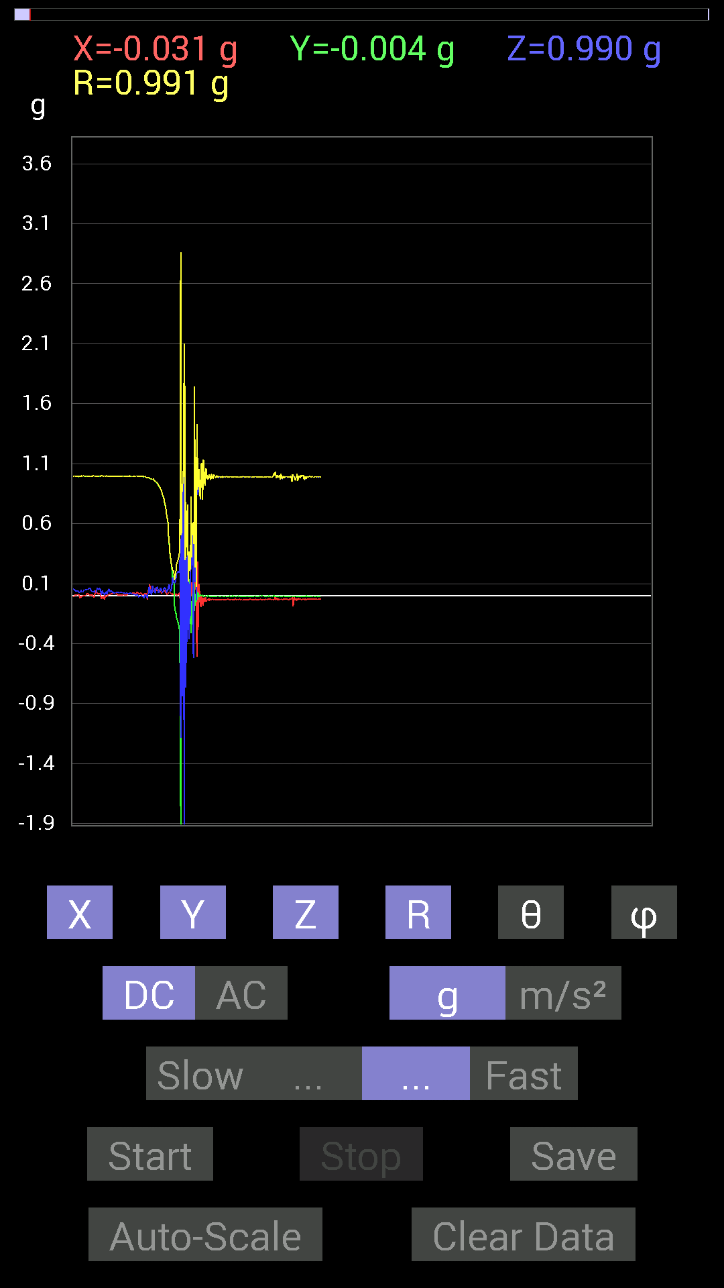
 | Keuwl | Accelerometer | Data | File |  | 2015-04-30 | 14-25-13
Number | Time(s) | X(g) | Y(g) | Z(g) | R(g) | Theta(deg) | Phi(deg)
1 | 3.7800002 | 0.021482073 | 0.99404395 | -0.0019536226 | 0.99427795 | 90.11258 | 88.761986
2 | 3.811 | 0.01171707 | 0.99404395 | -0.0019536226 | 0.9941149 | 90.112595 | 89.32467
3 | 3.818 | 0.0078113796 | 0.99209034 | -0.0078113796 | 0.99215186 | 90.4511 | 89.54888
4 | 3.8480003 | 0.0078113796 | 0.99209034 | -0.013670692 | 0.9922153 | 90.789444 | 89.54888
5 | 3.8590002 | 0.015622759 | 0.99209034 | -0.019530004 | 0.99240553 | 91.127625 | 89.09782
6 | 3.887 | 0.013670692 | 0.99404395 | -0.009765002 | 0.99418586 | 90.562775 | 89.21208
7 | 3.8990002 | 0.013670692 | 0.99209034 | 0.009765002 | 0.99223256 | 89.43612 | 89.21053
8 | 3.9280002 | 0.019530004 | 0.9901383 | 0 | 0.9903309 | 90 | 88.87002
9 | 3.9410002 | 0.015622759 | 0.9862326 | 0.0039056898 | 0.98636407 | 89.773125 | 89.09246
10 | 3.9800003 | -0.0039056898 | 0.9862326 | -0.0078113796 | 0.98627126 | 90.4538 | 90.226906
11 | 3.9800003 | -0.031247074 | 0.984279 | -0.021482073 | 0.9850091 | 91.249664 | 91.81831
12 | 4.0010004 | 0.015622759 | 0.9862326 | 0.017576382 | 0.9865129 | 88.979126 | 89.09246
13 | 4.033 | 0.050777078 | 0.984279 | 0.015622759 | 0.98571163 | 89.091866 | 87.04684
14 | 4.0410004 | 0.04101208 | 0.98232687 | 0.070305526 | 0.9856931 | 85.90985 | 87.60929
15 | 4.09 | 0.09374122 | 0.97646755 | 0.07421122 | 0.98375994 | 85.673706 | 84.51639
16 | 4.09 | 0.06444622 | 0.97646755 | 0.021482073 | 0.9788277 | 88.74245 | 86.22399
17 | 4.1010003 | 0.039058454 | 0.9706083 | 0.04101208 | 0.9722592 | 87.58242 | 87.695595
18 | 4.1470003 | 0.021482073 | 0.9686562 | 0.0058593126 | 0.96891207 | 89.65351 | 88.729546
19 | 4.1470003 | 0.029293451 | 0.9706083 | 0.019530004 | 0.9712466 | 88.84781 | 88.27131
20 | 4.1610003 | 0.04101208 | 0.9706083 | 0.083976224 | 0.9750971 | 85.05952 | 87.58047
21 | 4.201 | 0.033199143 | 0.9686562 | 0.06835346 | 0.97163224 | 85.96596 | 88.03705
22 | 4.201 | 0.042964146 | 0.9667026 | 0.06639984 | 0.9699323 | 86.07456 | 87.45522
23 | 4.2580004 | 0.046869833 | 0.95693755 | 0.048823457 | 0.9593279 | 87.08276 | 87.19595
24 | 4.2580004 | 0.05858846 | 0.9549855 | 0.023435695 | 0.957068 | 88.59686 | 86.489296
25 | 4.263 | 0.044917766 | 0.9491262 | 0.023435695 | 0.9504775 | 88.58713 | 87.290474
26 | 4.313 | 0.05468277 | 0.94522053 | 0.05468277 | 0.94837874 | 86.694534 | 86.689026
27 | 4.313 | 0.044917766 | 0.94326687 | 0.070305526 | 0.94694924 | 85.7422 | 87.273674
28 | 4.322 | 0.042964146 | 0.9374091 | 0.070305526 | 0.9410232 | 85.71534 | 87.37581
29 | 4.368 | 0.042964146 | 0.9295962 | 0.070305526 | 0.93324053 | 85.679535 | 87.35378
30 | 4.368 | 0.048823457 | 0.9237384 | 0.023435695 | 0.9253246 | 88.54871 | 86.974495
31 | 4.3830004 | 0.042964146 | 0.91397345 | 0.029293451 | 0.9154515 | 88.16628 | 87.30862
32 | 4.427 | 0.035152763 | 0.906162 | 0.039058454 | 0.9076844 | 87.53375 | 87.778435
33 | 4.427 | 0.052729145 | 0.90225637 | 0.04101208 | 0.90472585 | 87.40184 | 86.65536
34 | 4.4440002 | 0.025387762 | 0.886632 | 0.06639984 | 0.8894773 | 85.718864 | 88.35985
35 | 4.484 | 0.027341384 | 0.87882066 | 0.05858846 | 0.8811957 | 86.18774 | 88.21802
36 | 4.484 | 0.019530004 | 0.8690557 | 0.04101208 | 0.870242 | 87.29881 | 88.71262
37 | 4.5030003 | 0.031247074 | 0.84171426 | 0.031247074 | 0.84287345 | 87.87544 | 87.87398
38 | 4.545 | 0.031247074 | 0.83195084 | 0.027341384 | 0.8329863 | 88.119026 | 87.84905
39 | 4.545 | 0.035152763 | 0.8202322 | 0.035152763 | 0.82173735 | 87.54822 | 87.545975
40 | 4.564 | 0.042964146 | 0.80070376 | 0.06444622 | 0.8044413 | 85.40494 | 86.928566
41 | 4.61 | 0.04101208 | 0.77140874 | 0.062494148 | 0.7750219 | 85.374916 | 86.956726
42 | 4.61 | 0.033199143 | 0.75383234 | 0.06835346 | 0.75765264 | 84.82388 | 87.478294
43 | 4.625 | 0.027341384 | 0.7323503 | 0.060540527 | 0.7353568 | 85.2776 | 87.86192
44 | 4.682 | 0.015622759 | 0.6874325 | 0.025387762 | 0.6880785 | 87.8855 | 88.698105
45 | 4.683 | 0.009765002 | 0.66204476 | 0.033199143 | 0.66294855 | 87.12954 | 89.15496
46 | 4.6850004 | 0.015622759 | 0.6327513 | 0.046869833 | 0.6346771 | 85.764946 | 88.58564
47 | 4.715 | 0.017576382 | 0.6054099 | 0.052729145 | 0.607956 | 85.02438 | 88.33704
48 | 4.7250004 | 0.029293451 | 0.48042163 | 0.07811691 | 0.48761186 | 80.78132 | 86.51074
49 | 4.748 | 0.027341384 | 0.4315982 | 0.0917876 | 0.4420967 | 78.01716 | 86.375206
50 | 4.7650003 | 0.029293451 | 0.3554349 | 0.062494148 | 0.36207402 | 80.06095 | 85.28857
51 | 4.7920003 | 0.027341384 | 0.33004558 | 0.035152763 | 0.33303657 | 83.94102 | 85.26436
52 | 4.8050003 | 0.015622759 | 0.27927005 | 0.039058454 | 0.2824206 | 82.050575 | 86.798134
53 | 4.84 | 0.01171707 | 0.24997504 | 0.06835346 | 0.25941667 | 74.72281 | 87.316345
54 | 4.846 | 0.009765002 | 0.21091658 | 0.09959898 | 0.23345473 | 64.74607 | 87.34922
55 | 4.9 | 0.009765002 | 0.14647037 | 0.15232968 | 0.21154965 | 43.940083 | 86.18581
56 | 4.9 | 0.017576382 | 0.14842243 | 0.14451675 | 0.207902 | 45.963253 | 83.24641
57 | 4.906 | 0.015622759 | 0.16404675 | 0.11717536 | 0.20220156 | 54.58477 | 84.55992
58 | 4.96 | 0.017576382 | -0.06835346 | 0.10741191 | 0.1285241 | 33.30769 | 284.4206
59 | 4.96 | 0.009765002 | -0.11912899 | 0.10741191 | 0.1606997 | 48.05619 | 274.68607
60 | 4.967 | 0.015622759 | -0.13475175 | 0.11326967 | 0.17672613 | 50.13855 | 276.6132
61 | 5.0220003 | 0.01171707 | -0.15428175 | 0.15428175 | 0.21850173 | 45.08238 | 274.34305
62 | 5.0220003 | 0.0019536226 | -0.18943451 | 0.18552883 | 0.2651607 | 45.59831 | 270.59085
63 | 5.0270004 | 0.01171707 | -0.20310521 | 0.18943451 | 0.27798283 | 47.04207 | 273.30173
64 | 5.084 | 0.0078113796 | -0.21872796 | 0.20115158 | 0.29726234 | 47.415226 | 272.04532
65 | 5.084 | 0.009765002 | -0.23044659 | 0.20115158 | 0.30604404 | 48.908493 | 272.42642
66 | 5.0880003 | 0.01171707 | -0.27341074 | 0.19138813 | 0.33394632 | 55.032585 | 272.45392
67 | 5.15 | 0.025387762 | -0.28708142 | 0.2206816 | 0.3629885 | 52.558033 | 275.05374
68 | 5.15 | -0.039058454 | -0.6659505 | 0.32613987 | 0.7425515 | 63.946186 | 266.6434
69 | 5.15 | -0.8065615 | -2.4802265 | -1.1854321 | 2.864841 | 114.44291 | 251.98564
70 | 5.168 | 0.17966951 | -0.042964146 | 0.46870455 | 0.5037966 | 21.51136 | 346.55148
71 | 5.214 | 0.29294074 | -0.517528 | 0.6307977 | 0.86692286 | 43.312057 | 299.51154
72 | 5.214 | 0.08983553 | -0.1835752 | -0.84171426 | 0.8661716 | 166.35205 | 296.07556
73 | 5.229 | 0.4315982 | -0.21872796 | 0.9178791 | 1.0376035 | 27.795877 | 333.12476
74 | 5.276 | -0.056634836 | -0.06444622 | 0.9862326 | 0.98995733 | 4.9718113 | 228.69124
75 | 5.2770004 | -0.13279969 | 0.111317605 | -2.097452 | 2.1045978 | 175.27715 | 140.02902
76 | 5.289 | -0.7245389 | -0.18162313 | 1.5213355 | 1.6948172 | 26.150448 | 194.07259
77 | 5.341 | 0.24216366 | -0.13279969 | -0.10350622 | 0.29494497 | 110.54446 | 331.26016
78 | 5.341 | 0.15428175 | -0.027341384 | -0.765551 | 0.78142095 | 168.43298 | 349.95053
79 | 5.3510003 | -0.23239866 | -0.025387762 | 0.32613987 | 0.40127409 | 35.633446 | 186.2344
80 | 5.407 | 0.1835752 | -0.05468277 | -0.38863403 | 0.43327412 | 153.76265 | 343.41245
81 | 5.407 | -0.0917876 | -0.031247074 | 0.75383234 | 0.7600424 | 7.329326 | 198.80002
82 | 5.4110003 | -0.070305526 | -0.050777078 | 0.0820226 | 0.119368695 | 46.59613 | 215.83812
83 | 5.431 | -0.01171707 | 0.021482073 | -0.36519834 | 0.36601722 | 176.16666 | 118.60959
84 | 5.4800005 | -0.11326967 | 0.13670537 | 0.101552606 | 0.20452704 | 60.2297 | 129.64406
85 | 5.4800005 | -0.0039056898 | -0.10545829 | -0.18943451 | 0.2168459 | 150.8786 | 267.879
86 | 5.4900002 | 0.12694037 | -0.19529383 | -0.046869833 | 0.23759276 | 101.37734 | 303.02374
87 | 5.545 | -0.0058593126 | -0.31637487 | 0.765551 | 0.82836926 | 22.457024 | 268.939
88 | 5.545 | 0.10936398 | -0.16209313 | 0.25192866 | 0.31890863 | 37.817173 | 304.00748
89 | 5.551 | -0.009765002 | 0.017576382 | 0.6054099 | 0.60574377 | 1.9022806 | 119.055466
90 | 5.6210003 | 0.13279969 | -0.09569329 | 0.5858799 | 0.60831594 | 15.609527 | 324.2241
91 | 5.622 | 0.009765002 | 0.015622759 | -0.52338576 | 0.52370995 | 177.98384 | 57.992565
92 | 5.622 | 0.039058454 | 0.13865899 | 0.4042568 | 0.42915666 | 19.613306 | 74.26815
93 | 5.6320004 | -0.013670692 | -0.12694037 | 1.740065 | 1.7447426 | 4.1964736 | 263.8533
94 | 5.662 | 0.20505883 | 0.01171707 | 0.11326967 | 0.23455581 | 61.12428 | 3.270327
95 | 5.6720004 | 0.27927005 | 0.009765002 | 0.96279687 | 1.0025293 | 16.184761 | 2.0025978
96 | 5.71 | 0.027341384 | -0.048823457 | -0.04101208 | 0.06937774 | 126.23807 | 299.24905
97 | 5.7130003 | -0.507763 | 0.031247074 | 1.3358066 | 1.4293982 | 20.84865 | 176.47853
98 | 5.762 | 0.28708142 | -0.035152763 | 1.0916909 | 1.129354 | 14.838665 | 353.01895
99 | 5.762 | -0.28708142 | 0.027341384 | 0.8358565 | 0.8842055 | 19.03505 | 174.55962
100 | 5.7720003 | -0.11717536 | -0.0019536226 | 1.0487267 | 1.0552542 | 6.3761516 | 180.95518
101 | 5.8170004 | 0.09569329 | -0.01171707 | 1.0409138 | 1.0453689 | 5.2915764 | 353.01923
102 | 5.8170004 | -0.033199143 | 0.0058593126 | 0.8671036 | 0.8677587 | 2.2265105 | 169.99095
103 | 5.833 | -0.07225915 | 0.0039056898 | 0.80070376 | 0.8039671 | 5.164143 | 176.90611
104 | 5.873 | -0.09374122 | 0.0019536226 | 0.98037326 | 0.98484665 | 5.4630704 | 178.80609
105 | 5.873 | 0.0058593126 | -0.0058593126 | 1.1073136 | 1.1073446 | 0.42887193 | 315
106 | 5.9570003 | -0.07421122 | -0.0019536226 | 0.91006774 | 0.9130906 | 4.6634607 | 181.50797
107 | 5.958 | -0.019530004 | 0.0058593126 | 0.79679805 | 0.7970589 | 1.4658033 | 163.29991
108 | 5.958 | -0.0820226 | -0.0039056898 | 1.1327014 | 1.135674 | 4.146426 | 182.72621
109 | 5.958 | -0.019530004 | -0.009765002 | 1.1229379 | 1.1231501 | 1.1138178 | 206.56505
110 | 5.973 | -0.019530004 | -0.0039056898 | 0.9725619 | 0.9727658 | 1.1731983 | 191.30905
111 | 5.9960003 | -0.048823457 | 0 | 0.9178791 | 0.9191767 | 3.0447829 | 180
112 | 6.0410004 | -0.01171707 | -0.0058593126 | 0.98232687 | 0.9824142 | 0.7638705 | 206.56808
113 | 6.0420003 | -0.052729145 | -0.0039056898 | 1.0584902 | 1.0598099 | 2.8596492 | 184.2362
114 | 6.058 | -0.039058454 | -0.0058593126 | 1.0135725 | 1.0143416 | 2.2314277 | 188.53154
115 | 6.124 | -0.04101208 | -0.0039056898 | 0.97451395 | 0.97538435 | 2.4207497 | 185.44002
116 | 6.124 | -0.029293451 | -0.0019536226 | 0.9706083 | 0.9710522 | 1.7325745 | 183.81549
117 | 6.124 | -0.027341384 | -0.0019536226 | 0.97841966 | 0.9788036 | 1.6047405 | 184.087
118 | 6.135 | -0.042964146 | -0.0039056898 | 1.0077146 | 1.0086377 | 2.451362 | 185.19424
119 | 6.163 | -0.023435695 | -0.0039056898 | 0.995996 | 0.99627936 | 1.3665899 | 189.4617
120 | 6.1740003 | -0.039058454 | -0.0039056898 | 0.97841966 | 0.97920674 | 2.2973769 | 185.71037
121 | 6.2050004 | -0.027341384 | -0.0039056898 | 0.9647505 | 0.96514577 | 1.6397245 | 188.12964
122 | 6.215 | -0.035152763 | -0.0039056898 | 1.0096667 | 1.010286 | 2.0062308 | 186.33992
123 | 6.2860003 | -0.035152763 | -0.0039056898 | 1.0077146 | 1.0083351 | 2.0101292 | 186.33992
124 | 6.2860003 | -0.027341384 | -0.0039056898 | 0.98818463 | 0.9885705 | 1.6009557 | 188.12964
125 | 6.2860003 | -0.035152763 | -0.0039056898 | 0.9725619 | 0.97320485 | 2.0828109 | 186.33992
126 | 6.295 | -0.035152763 | -0.0039056898 | 0.995996 | 0.9966238 | 2.033843 | 186.33992
127 | 6.327 | -0.035152763 | -0.0039056898 | 1.0077146 | 1.0083351 | 2.0101292 | 186.33992
128 | 6.3360004 | -0.031247074 | -0.0039056898 | 0.995996 | 0.9964937 | 1.8108891 | 187.12466
129 | 6.3690004 | -0.033199143 | -0.0039056898 | 0.984279 | 0.9848464 | 1.9450104 | 186.70969
130 | 6.3760004 | -0.033199143 | -0.0039056898 | 0.984279 | 0.9848464 | 1.9450104 | 186.70969
131 | 6.418 | -0.035152763 | -0.0039056898 | 0.99794966 | 0.9985762 | 2.0297976 | 186.33992
132 | 6.418 | -0.035152763 | -0.0039056898 | 0.99990326 | 1.0005286 | 2.0257437 | 186.33992
133 | 6.4690003 | -0.035152763 | -0.0019536226 | 0.98232687 | 0.9829576 | 2.052617 | 183.18095
134 | 6.4700003 | -0.031247074 | -0.0039056898 | 0.98232687 | 0.9828315 | 1.83611 | 187.12466
135 | 6.477 | -0.035152763 | -0.0039056898 | 0.9901383 | 0.9907698 | 2.0458362 | 186.33992
136 | 6.5200005 | -0.033199143 | -0.0039056898 | 0.995996 | 0.9965568 | 1.9223393 | 186.70969
137 | 6.5200005 | -0.033199143 | -0.0039056898 | 0.98818463 | 0.98874986 | 1.9374492 | 186.70969
138 | 6.537 | -0.033199143 | -0.0039056898 | 0.984279 | 0.9848464 | 1.9450104 | 186.70969
139 | 6.571 | -0.033199143 | -0.0039056898 | 0.984279 | 0.9848464 | 1.9450104 | 186.70969
140 | 6.5780005 | -0.031247074 | -0.0019536226 | 0.995996 | 0.996488 | 1.8004845 | 183.57758
141 | 6.6600003 | -0.033199143 | -0.0058593126 | 0.9901383 | 0.99071205 | 1.950035 | 190.00905
142 | 6.6600003 | -0.033199143 | -0.0039056898 | 0.9862326 | 0.98679894 | 1.941284 | 186.70969
143 | 6.6600003 | -0.033199143 | -0.0039056898 | 0.984279 | 0.9848464 | 1.9450104 | 186.70969
144 | 6.6600003 | -0.033199143 | -0.0039056898 | 0.99404395 | 0.99460584 | 1.9260008 | 186.70969
145 | 6.7310004 | -0.033199143 | -0.0058593126 | 0.9901383 | 0.99071205 | 1.950035 | 190.00905
146 | 6.7310004 | -0.033199143 | -0.0039056898 | 0.98818463 | 0.98874986 | 1.9374492 | 186.70969
147 | 6.7310004 | -0.033199143 | -0.0058593126 | 0.9901383 | 0.99071205 | 1.950035 | 190.00905

第八次
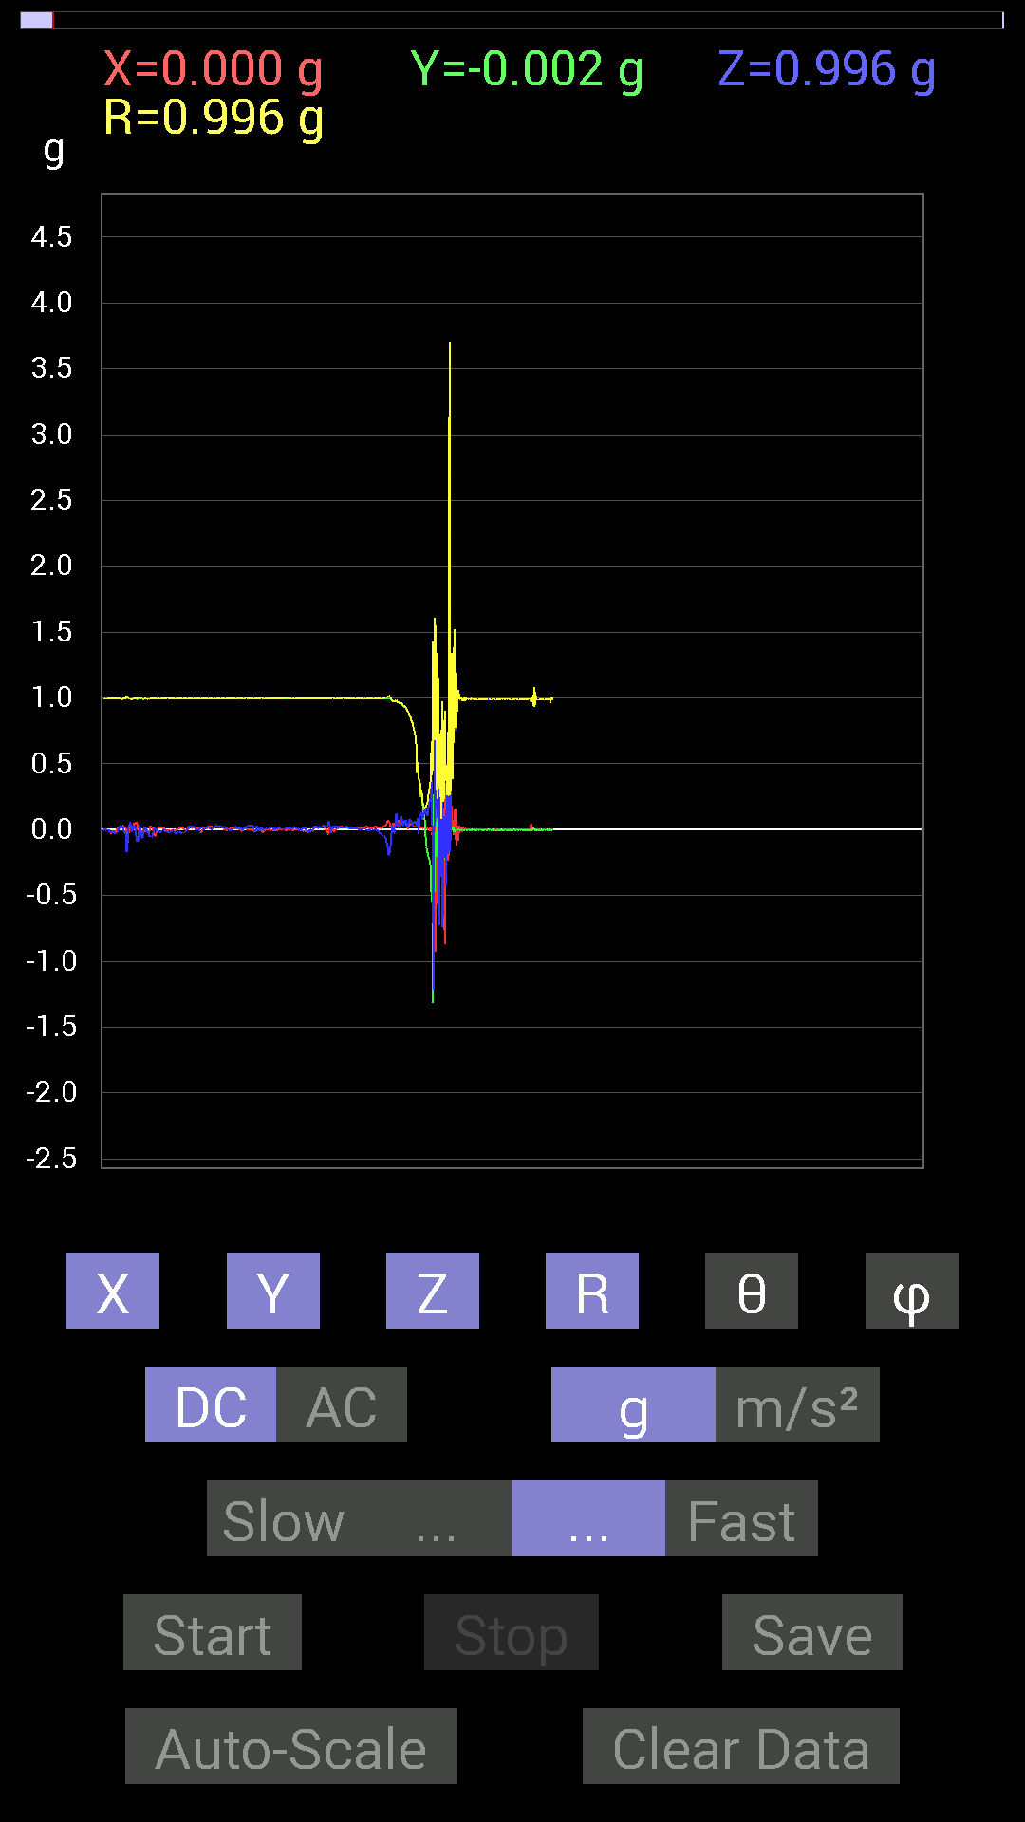
 | Keuwl | Accelerometer | Data | File |  | 2015-04-30 | 14-25-48
Number | Time(s) | X(g) | Y(g) | Z(g) | R(g) | Theta(deg) | Phi(deg)
1 | 9.468 | 0.070305526 | 0.995996 | -0.14842243 | 1.0094454 | 98.45506 | 85.962296
2 | 9.530001 | 0.06639984 | 0.99794966 | -0.1933402 | 1.0186721 | 100.940895 | 86.19337
3 | 9.530001 | 0.056634836 | 0.99404395 | -0.18162313 | 1.0120859 | 100.337975 | 86.73914
4 | 9.530001 | 0.031247074 | 0.99794966 | -0.15623537 | 1.0105886 | 98.8935 | 88.20658
5 | 9.611 | 0.013670692 | 0.99404395 | -0.09959898 | 0.9991147 | 95.72116 | 89.21208
6 | 9.611 | 0.013670692 | 0.98818463 | -0.025387762 | 0.9886052 | 91.47154 | 89.20741
7 | 9.611 | 0.021482073 | 0.98232687 | 0.037106387 | 0.9832621 | 87.83726 | 88.74722
8 | 9.611 | 0.050777078 | 0.97841966 | 0.0039056898 | 0.97974414 | 89.77159 | 87.02918
9 | 9.63 | 0.0078113796 | 0.9686562 | -0.029293451 | 0.9691305 | 91.73212 | 89.53797
10 | 9.699 | 0.01171707 | 0.9686562 | -0.023435695 | 0.96901053 | 91.38584 | 89.30697
11 | 9.699 | 0.042964146 | 0.97451395 | 0.0058593126 | 0.9754782 | 89.655846 | 87.47559
12 | 9.699 | 0.06444622 | 0.97646755 | 0.070305526 | 0.9811142 | 85.890724 | 86.22399
13 | 9.712001 | 0.029293451 | 0.97646755 | 0.12303468 | 0.9846241 | 82.821785 | 88.28168
14 | 9.755 | 0.042964146 | 0.9706083 | 0.062494148 | 0.9735666 | 86.3196 | 87.46545
15 | 9.7560005 | 0.052729145 | 0.9647505 | 0.039058454 | 0.9669796 | 87.68507 | 86.87157
16 | 9.771001 | 0.07421122 | 0.9667026 | 0.033199143 | 0.9701151 | 88.03885 | 85.61016
17 | 9.809 | 0.06639984 | 0.96084327 | 0.013670692 | 0.96323186 | 89.1868 | 86.046814
18 | 9.812 | 0.035152763 | 0.9549855 | 0.046869833 | 0.95678097 | 87.19213 | 87.89191
19 | 9.865001 | 0.052729145 | 0.9588912 | 0.06639984 | 0.96263266 | 86.04475 | 86.85249
20 | 9.866 | 0.044917766 | 0.9549855 | 0.101552606 | 0.9614197 | 83.93667 | 87.307076
21 | 9.873 | 0.05858846 | 0.9491262 | 0.08592984 | 0.95480734 | 84.83656 | 86.46768
22 | 9.923 | 0.060540527 | 0.94717413 | 0.031247074 | 0.94962114 | 88.11436 | 86.342804
23 | 9.923 | 0.048823457 | 0.9413148 | 0.029293451 | 0.94303524 | 88.21994 | 87.03088
24 | 9.932 | 0.06639984 | 0.9354555 | 0.04101208 | 0.93870544 | 87.49595 | 85.93988
25 | 10.019 | 0.046869833 | 0.93350345 | 0.048823457 | 0.9359536 | 87.00984 | 87.12568
26 | 10.02 | 0.046869833 | 0.9315498 | 0.07616484 | 0.9358327 | 85.33169 | 87.11966
27 | 10.02 | 0.031247074 | 0.91983277 | 0.06444622 | 0.92261696 | 85.99454 | 88.05439
28 | 10.02 | 0.031247074 | 0.91592705 | 0.048823457 | 0.9177595 | 86.95051 | 88.0461
29 | 10.033001 | 0.015622759 | 0.89835066 | 0.019530004 | 0.89869875 | 88.75478 | 89.0037
30 | 10.077001 | 0 | 0.9042084 | 0.035152763 | 0.9048915 | 87.77364 | 90
31 | 10.077001 | 0.021482073 | 0.88077426 | 0.052729145 | 0.88261265 | 86.57499 | 88.60284
32 | 10.094001 | 0.035152763 | 0.8690557 | 0.08007053 | 0.87344426 | 84.74019 | 87.683685
33 | 10.134001 | 0.042964146 | 0.8631979 | 0.062494148 | 0.86652297 | 85.864204 | 87.15056
34 | 10.134001 | 0.048823457 | 0.8397622 | 0.06835346 | 0.84395283 | 85.35441 | 86.67259
35 | 10.194 | 0.044917766 | 0.8260915 | 0.06639984 | 0.82997215 | 85.41129 | 86.88767
36 | 10.194 | 0.035152763 | 0.81437445 | 0.037106387 | 0.8159769 | 87.393585 | 87.52834
37 | 10.194 | 0.039058454 | 0.80070376 | 0.023435695 | 0.8019984 | 88.325485 | 87.20731
38 | 10.252001 | 0.019530004 | 0.76359737 | 0.062494148 | 0.7663993 | 85.32276 | 88.534904
39 | 10.252001 | 0.025387762 | 0.7499267 | 0.042964146 | 0.7515853 | 86.722916 | 88.061066
40 | 10.254001 | 0.017576382 | 0.7284446 | 0.060540527 | 0.73116726 | 85.25048 | 88.6178
41 | 10.311001 | 0.021482073 | 0.6835268 | 0.06444622 | 0.68689424 | 84.61644 | 88.19988
42 | 10.311001 | 0.017576382 | 0.636657 | 0.046869833 | 0.63862187 | 85.79115 | 88.41862
43 | 10.315001 | 0.023435695 | 0.4296461 | 0.035152763 | 0.43171835 | 85.329506 | 86.87781
44 | 10.370001 | 0.035152763 | 0.50580937 | 0.08592984 | 0.51425946 | 80.38108 | 86.024445
45 | 10.370001 | 0.037106387 | 0.45112818 | -0.035152763 | 0.45401457 | 94.44066 | 85.29787
46 | 10.375001 | 0.029293451 | 0.36519834 | 0.042964146 | 0.3688819 | 83.31151 | 85.41399
47 | 10.43 | 0.009765002 | 0.3554349 | 0.11717536 | 0.37437865 | 71.76071 | 88.426285
48 | 10.43 | 0.015622759 | 0.24997504 | 0.101552606 | 0.27026752 | 67.92942 | 86.42382
49 | 10.437 | 0.021482073 | 0.27145866 | 0.13084605 | 0.30211252 | 64.33531 | 85.47529
50 | 10.491 | 0.0058593126 | 0.25192866 | 0.11912899 | 0.27873662 | 64.69802 | 88.66766
51 | 10.491 | 0.021482073 | 0.20310521 | 0.07421122 | 0.2173028 | 70.03107 | 83.96238
52 | 10.497001 | 0.009765002 | 0.13084605 | 0.12303468 | 0.179871 | 46.841713 | 85.73194
53 | 10.55 | 0.017576382 | 0.10545829 | 0.12694037 | 0.16596457 | 40.105083 | 80.53768
54 | 10.55 | 0.013670692 | 0.08007053 | 0.14451675 | 0.16578078 | 29.339226 | 80.311134
55 | 10.558001 | 0.025387762 | -0.0019536226 | 0.16404675 | 0.16601112 | 8.822874 | 355.59967
56 | 10.609 | 0.0039056898 | -0.13084605 | 0.11912899 | 0.17699622 | 47.696358 | 271.70975
57 | 10.609 | 0.017576382 | -0.14647037 | 0.124988295 | 0.1933509 | 49.726837 | 276.84274
58 | 10.617001 | 0.0078113796 | -0.16990606 | 0.10545829 | 0.2001263 | 58.199806 | 272.6323
59 | 10.669001 | 0 | -0.20115158 | 0.15037607 | 0.2511472 | 53.219097 | 270
60 | 10.669001 | 0.009765002 | -0.21287021 | 0.18552883 | 0.2825421 | 48.955776 | 272.6265
61 | 10.678 | 0.0058593126 | -0.23044659 | 0.2167759 | 0.31643602 | 46.760113 | 271.45648
62 | 10.728001 | -0.013670692 | -0.24802297 | 0.23239866 | 0.34016383 | 46.906082 | 266.84512
63 | 10.728001 | 0.025387762 | -0.3280935 | 0.24802297 | 0.41207436 | 52.9947 | 274.4247
64 | 10.737 | -0.015622759 | -0.55463284 | 0.37496334 | 0.669671 | 55.949615 | 268.38654
65 | 10.788 | -0.023435695 | -0.4101161 | 0.046869833 | 0.4134504 | 83.49081 | 266.72943
66 | 10.7890005 | -0.4140218 | -1.3143245 | -0.39058766 | 1.4322785 | 105.82522 | 252.5152
67 | 10.8 | 0.20896451 | 0.27145866 | -1.2186313 | 1.2658665 | 164.29868 | 52.411503
68 | 10.85 | -0.3280935 | -0.47065663 | 0.35934058 | 0.6769702 | 57.94 | 235.11975
69 | 10.85 | 0.027341384 | -0.19919951 | 1.5955482 | 1.6081673 | 7.182421 | 277.81537
70 | 10.858001 | -0.92764413 | -0.023435695 | 0.74797463 | 1.1918637 | 51.12913 | 181.44719
71 | 10.916 | -0.24216366 | -0.2070109 | 0.7245389 | 0.7914881 | 23.735483 | 220.5251
72 | 10.916 | 0.1972459 | 0.08983553 | 0.0917876 | 0.23537488 | 67.047775 | 24.486866
73 | 10.919001 | -0.033199143 | -0.17576382 | 1.3299489 | 1.3419237 | 7.660038 | 259.3037
74 | 10.976001 | 0.31051713 | -0.056634836 | -0.5507272 | 0.63476676 | 150.18158 | 349.6635
75 | 10.976001 | -0.101552606 | 0.056634836 | -0.7225853 | 0.7318811 | 170.85843 | 150.85205
76 | 10.979 | -0.07421122 | -0.15037607 | 0.26364574 | 0.31245694 | 32.45826 | 243.73347
77 | 11.049001 | -0.031247074 | 0.015622759 | -0.3554349 | 0.3571476 | 174.38654 | 153.4361
78 | 11.049001 | 0.019530004 | 0.0078113796 | 0.07811691 | 0.08089926 | 15.070369 | 21.799837
79 | 11.05 | 0.0039056898 | -0.08788191 | 0.9725619 | 0.9765322 | 5.1683908 | 272.54468
80 | 11.06 | -0.1835752 | 0.05858846 | -0.74016166 | 0.76483446 | 165.40724 | 162.2994
81 | 11.118001 | 0.16599882 | 0.029293451 | -0.13279969 | 0.2145914 | 128.23213 | 10.007827
82 | 11.118001 | 0.017576382 | -0.23044659 | 0.10350622 | 0.25323528 | 65.87458 | 274.36157
83 | 11.120001 | -0.8690557 | -0.10936398 | -0.21091658 | 0.9009462 | 103.53891 | 187.17253
84 | 11.22 | 0.35738695 | 0.07225915 | 0.048823457 | 0.36787298 | 82.3733 | 11.430392
85 | 11.221001 | -0.027341384 | 0.033199143 | -0.4237868 | 0.4259636 | 174.2051 | 129.4734
86 | 11.221001 | 0.027341384 | -0.0078113796 | 0.488233 | 0.48906034 | 3.3331928 | 344.05545
87 | 11.221001 | -0.17966951 | 0.01171707 | -0.18552883 | 0.25853312 | 135.85843 | 176.26877
88 | 11.221001 | -0.23435228 | 0.101552606 | 0.12303468 | 0.2834986 | 64.27915 | 156.57132
89 | 11.285001 | -0.15037607 | -0.08007053 | 1.4900899 | 1.4997975 | 6.5224557 | 208.0339
90 | 11.285001 | 0.029293451 | -0.11912899 | 3.7066708 | 3.7087004 | 1.8956848 | 283.81476
91 | 11.285001 | 0.20505883 | 0.035152763 | -0.16209313 | 0.26374045 | 127.92238 | 9.72753
92 | 11.302001 | 0.18162313 | -0.01171707 | 0.488233 | 0.5210525 | 20.444155 | 356.30878
93 | 11.347 | 0.17966951 | 0.019530004 | 1.331901 | 1.3441067 | 7.727357 | 6.2036715
94 | 11.347 | 0.0019536226 | 0.01171707 | 0.38082266 | 0.38100785 | 1.7865174 | 80.53398
95 | 11.362 | 0.07616484 | 0.021482073 | 0.497998 | 0.50424653 | 9.029307 | 15.750952
96 | 11.411 | -0.042964146 | -0.009765002 | 1.1678557 | 1.1686866 | 2.160664 | 192.80481
97 | 11.411 | -0.015622759 | -0.021482073 | 1.5232891 | 1.5235206 | 0.998776 | 233.97362
98 | 11.422001 | 0.16014107 | 0.0019536226 | 0.75383234 | 0.77065694 | 11.994243 | 0.6989386
99 | 11.475 | -0.048823457 | -0.0058593126 | 1.1893377 | 1.1903539 | 2.3676114 | 186.84335
100 | 11.476001 | -0.12303468 | -0.0019536226 | 1.1307493 | 1.137425 | 6.2105985 | 180.9097
101 | 11.483001 | 0.031247074 | -0.0019536226 | 0.89835066 | 0.89889604 | 1.9959617 | 356.42242
102 | 11.541 | -0.027341384 | -0.0019536226 | 1.0233374 | 1.0237044 | 1.5342937 | 184.087
103 | 11.541 | -0.083976224 | 0 | 1.0604438 | 1.0637636 | 4.527791 | 180
104 | 11.544001 | 0.033199143 | -0.0019536226 | 0.9901383 | 0.99069667 | 1.9237641 | 356.6323
105 | 11.6050005 | -0.0058593126 | -0.0019536226 | 0.9901383 | 0.99015754 | 0.35718003 | 198.43951
106 | 11.6050005 | -0.015622759 | -0.0019536226 | 1.0135725 | 1.0136946 | 0.8895546 | 187.12782
107 | 11.6050005 | 0.015622759 | -0.0019536226 | 0.98818463 | 0.98831004 | 0.9127884 | 352.87216
108 | 11.670001 | -0.019530004 | 0 | 0.98232687 | 0.982521 | 1.1390076 | 180
109 | 11.670001 | 0.019530004 | -0.0039056898 | 0.97646755 | 0.9766706 | 1.1683513 | 348.69095
110 | 11.670001 | -0.0058593126 | -0.0019536226 | 0.984279 | 0.98429835 | 0.35936466 | 198.43951
111 | 11.684001 | -0.01171707 | -0.0019536226 | 1.0096667 | 1.0097365 | 0.6740565 | 189.46602
112 | 11.734 | 0.01171707 | -0.0019536226 | 0.97646755 | 0.9765398 | 0.6968932 | 350.53397
113 | 11.734 | 0.0019536226 | -0.0039056898 | 0.984279 | 0.98428863 | 0.25410897 | 296.5742
114 | 11.745001 | -0.0039056898 | -0.0019536226 | 1.0018554 | 1.0018649 | 0.2502292 | 206.57417
115 | 11.8 | -0.0039056898 | -0.0019536226 | 0.99209034 | 0.99209994 | 0.2517883 | 206.57417
116 | 11.8 | 0.0058593126 | -0.0019536226 | 0.98818463 | 0.98820394 | 0.358274 | 341.5605
117 | 11.806001 | 0 | -0.0039056898 | 0.9901383 | 0.990146 | 0.22555354 | 270
118 | 11.8550005 | -0.0019536226 | -0.0019536226 | 0.99404395 | 0.99404776 | 0.15825878 | 225
119 | 11.8550005 | 0.0058593126 | -0.0039056898 | 0.98818463 | 0.9882097 | 0.40830377 | 326.31345

第九次
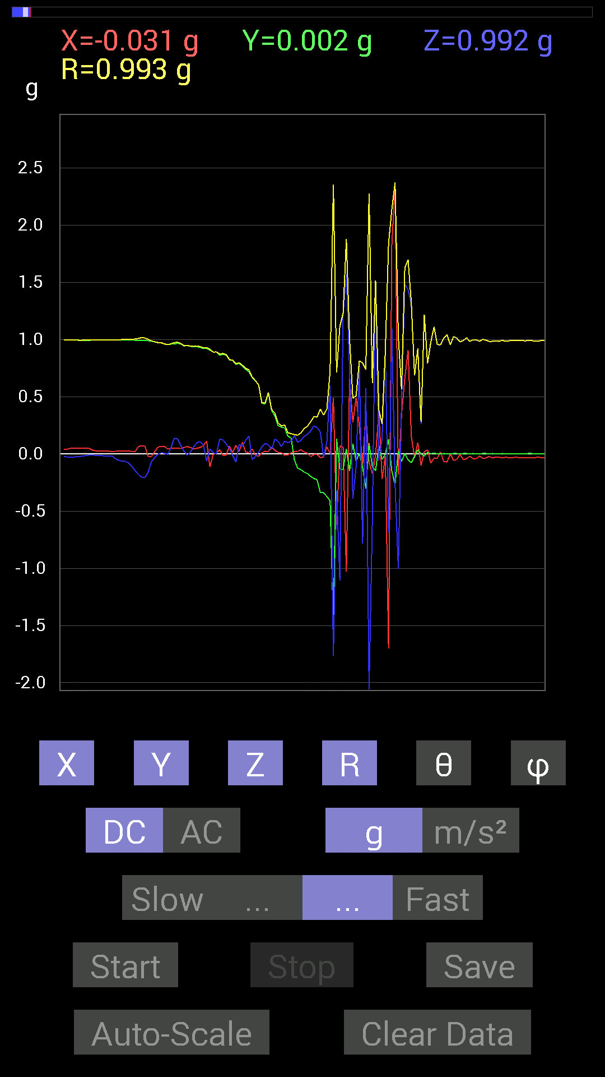
 | Keuwl | Accelerometer | Data | File |  | 2015-04-30 | 14-26-29
Number | Time(s) | X(g) | Y(g) | Z(g) | R(g) | Theta(deg) | Phi(deg)
1 | 9.597 | -0.021482073 | 0.9901383 | -0.15818743 | 1.002925 | 99.074936 | 91.2429
2 | 9.649 | -0.021482073 | 0.9862326 | -0.06639984 | 0.9886987 | 93.850815 | 91.24782
3 | 9.649 | 0.019530004 | 0.98037326 | -0.033199143 | 0.98112965 | 91.939125 | 88.858765
4 | 9.659 | 0.060540527 | 0.9725619 | -0.0019536226 | 0.9744463 | 90.11487 | 86.43802
5 | 9.731001 | 0.06639984 | 0.9706083 | 0.009765002 | 0.9729259 | 89.42493 | 86.086464
6 | 9.731001 | 0.06639984 | 0.96084327 | 0.0078113796 | 0.96316653 | 89.53532 | 86.046814
7 | 9.731001 | 0.042964146 | 0.9549855 | -0.0058593126 | 0.95596945 | 90.35118 | 87.42404
8 | 9.738001 | 0.048823457 | 0.96084327 | 0.052729145 | 0.9635268 | 86.862915 | 87.091125
9 | 9.786 | 0.048823457 | 0.96279687 | 0.13670537 | 0.9736785 | 81.928955 | 87.097015
10 | 9.786 | 0.050777078 | 0.9667026 | 0.13279969 | 0.9771018 | 82.18865 | 86.99324
11 | 9.841001 | 0.046869833 | 0.96279687 | 0.07616484 | 0.9669414 | 85.4822 | 87.21299
12 | 9.841001 | 0.056634836 | 0.94522053 | 0.025387762 | 0.94725597 | 88.46421 | 86.571106
13 | 9.841001 | 0.06444622 | 0.94717413 | -0.009765002 | 0.9494143 | 90.58932 | 86.10757
14 | 9.896001 | 0.056634836 | 0.9413148 | 0.015622759 | 0.9431464 | 89.05088 | 86.55691
15 | 9.896001 | 0.044917766 | 0.9374091 | 0.062494148 | 0.94056314 | 86.19027 | 87.25666
16 | 9.899 | 0.048823457 | 0.9374091 | 0.097646914 | 0.9437449 | 84.06112 | 87.01853
17 | 9.953 | 0.056634836 | 0.9315498 | 0.10936398 | 0.9396558 | 83.31635 | 86.520905
18 | 9.953 | 0.07421122 | 0.9217848 | 0.07811691 | 0.92806077 | 85.17158 | 85.39715
19 | 9.962001 | 0.111317605 | 0.9217848 | -0.062494148 | 0.9305828 | 93.85065 | 83.11413
20 | 10.009001 | -0.11326967 | 0.90811414 | 0.042964146 | 0.9161589 | 87.31207 | 97.109825
21 | 10.009001 | -0.0058593126 | 0.89053774 | 0.01171707 | 0.89063406 | 89.2462 | 90.376976
22 | 10.02 | 0.0039056898 | 0.89249134 | 0 | 0.89249986 | 90 | 89.74927
23 | 10.065001 | 0.039058454 | 0.86515 | 0.12889399 | 0.87557054 | 81.53464 | 87.415054
24 | 10.065001 | -0.013670692 | 0.8690557 | 0.12303468 | 0.8778281 | 81.94301 | 90.901215
25 | 10.081 | -0.009765002 | 0.86515 | 0.08788191 | 0.86965686 | 84.20016 | 90.646675
26 | 10.119 | 0.06835346 | 0.8221858 | 0.046869833 | 0.82635254 | 86.7485 | 85.247574
27 | 10.121 | 0.01171707 | 0.81828016 | -0.013670692 | 0.81847817 | 90.95703 | 89.17963
28 | 10.175 | 0.07616484 | 0.78312737 | -0.070305526 | 0.7899572 | 95.10603 | 84.44504
29 | 10.175 | 0.023435695 | 0.79289085 | 0.0820226 | 0.7974665 | 84.09646 | 88.306984
30 | 10.181001 | 0.101552606 | 0.765551 | 0.06639984 | 0.77510655 | 85.08571 | 82.443665
31 | 10.245001 | 0.017576382 | 0.74016166 | 0.11912899 | 0.74989325 | 80.85919 | 88.63967
32 | 10.245001 | 0.009765002 | 0.7186796 | 0.15623537 | 0.73553056 | 77.736275 | 89.22154
33 | 10.245001 | 0.042964146 | 0.66985613 | -0.048823457 | 0.6730059 | 94.160194 | 86.33011
34 | 10.262 | -0.01171707 | 0.6405627 | -0.023435695 | 0.6410984 | 92.09495 | 91.04793
35 | 10.31 | -0.019530004 | 0.6034563 | 0.013670692 | 0.603927 | 88.70293 | 91.85365
36 | 10.31 | 0.009765002 | 0.4433168 | 0.062494148 | 0.44780648 | 81.97784 | 88.738144
37 | 10.323001 | 0.023435695 | 0.43745747 | 0.0917876 | 0.44759718 | 78.16656 | 86.93346
38 | 10.376 | 0.021482073 | 0.53119874 | 0.08007053 | 0.53762895 | 81.43492 | 87.68418
39 | 10.376 | 0.060540527 | 0.38082266 | 0.039058454 | 0.38757786 | 84.216156 | 80.9671
40 | 10.383 | 0.031247074 | 0.33199918 | 0.13084605 | 0.35821852 | 68.575874 | 84.623276
41 | 10.446 | 0.013670692 | 0.24802297 | 0.10936398 | 0.27140883 | 66.23732 | 86.84512
42 | 10.446 | 0.01171707 | 0.23435228 | 0.06444622 | 0.24333432 | 74.64217 | 87.137726
43 | 10.446 | -0.01171707 | 0.22849298 | 0.111317605 | 0.25443652 | 64.055115 | 92.93555
44 | 10.464001 | -0.0078113796 | 0.15623537 | 0.09959898 | 0.18544666 | 57.51518 | 92.86227
45 | 10.516001 | 0.009765002 | 0.13865899 | 0.10936398 | 0.1768676 | 51.805126 | 85.97162
46 | 10.516001 | 0.023435695 | -0.050777078 | 0.16014107 | 0.1696252 | 19.250221 | 294.77524
47 | 10.524 | 0.021482073 | -0.124988295 | 0.10350622 | 0.16369817 | 50.78004 | 279.7523
48 | 10.586 | 0.037106387 | -0.13670537 | 0.11717536 | 0.183835 | 50.402214 | 285.1861
49 | 10.587001 | 0.017576382 | -0.15818743 | 0.15428175 | 0.22166428 | 45.89181 | 276.34018
50 | 10.587001 | 0.0058593126 | -0.17185813 | 0.16990606 | 0.24173875 | 45.343895 | 271.95267
51 | 10.6050005 | -0.023435695 | -0.19529383 | 0.20115158 | 0.28133765 | 44.35821 | 263.1571
52 | 10.662001 | -0.0058593126 | -0.21482228 | 0.24411729 | 0.3252325 | 41.35822 | 268.43762
53 | 10.662001 | -0.0039056898 | -0.22458728 | 0.23044659 | 0.32180792 | 44.266594 | 269.0037
54 | 10.665001 | -0.033199143 | -0.33981058 | 0.1933402 | 0.39236954 | 60.47849 | 264.41998
55 | 10.716001 | -0.027341384 | -0.33785695 | -0.027341384 | 0.34006238 | 94.61162 | 265.37338
56 | 10.716001 | 0.062494148 | -0.37301126 | 0.10741191 | 0.39316693 | 74.145424 | 279.511
57 | 10.725 | 0.0019536226 | -0.40816402 | 0.59759855 | 0.72368896 | 34.33366 | 270.27423
58 | 10.772 | 0.49409232 | -1.4803249 | -1.7654527 | 2.3563344 | 138.52432 | 288.4576
59 | 10.772 | -0.6210327 | 0.13279969 | -0.32028058 | 0.7112644 | 116.76277 | 167.92984
60 | 10.786 | 0.070305526 | -0.13279969 | -1.1053616 | 1.115528 | 172.25874 | 297.89722
61 | 10.829 | 0.060540527 | -0.13670537 | 1.2205849 | 1.2297076 | 6.983424 | 293.88635
62 | 10.829 | -1.0291967 | 0.044917766 | 1.5701588 | 1.877941 | 33.26876 | 177.50099
63 | 10.885 | 0.65813905 | -0.15037607 | 0.736256 | 0.99891585 | 42.51885 | 347.1296
64 | 10.885 | 0.27536437 | 0.08983553 | -0.3925397 | 0.4878354 | 143.57704 | 18.068521
65 | 10.887 | 0.49214026 | -0.060540527 | -0.11326967 | 0.5086229 | 102.86759 | 352.987
66 | 10.942 | 0.23825797 | 0.0058593126 | 0.77922165 | 0.8148543 | 17.006592 | 1.4087514
67 | 10.942 | -0.09569329 | -0.11717536 | -0.78117377 | 0.7956882 | 169.03955 | 230.7626
68 | 10.948001 | 0.34957558 | -0.3027042 | 0.5761165 | 0.73874426 | 38.752316 | 319.11008
69 | 10.998 | -0.07421122 | 0.09374122 | -2.2751694 | 2.2783086 | 176.9919 | 128.36726
70 | 10.998 | -0.17185813 | -0.11326967 | -0.5819742 | 0.6173 | 160.52272 | 213.38841
71 | 11.007001 | -0.013670692 | -0.14647037 | 1.5096184 | 1.516769 | 5.5657053 | 264.6678
72 | 11.053 | 0.37301126 | 0.07225915 | -0.056634836 | 0.3841436 | 98.4781 | 10.963452
73 | 11.053 | -0.2206816 | -0.048823457 | 0.13475175 | 0.263139 | 59.19663 | 192.47513
74 | 11.070001 | -0.017576382 | -0.0039056898 | 0.9003027 | 0.9004827 | 1.1456882 | 192.52827
75 | 11.107 | -1.7029586 | 0.12694037 | -0.69133824 | 1.8423166 | 112.04006 | 175.737
76 | 11.107 | 1.8259932 | -0.15037607 | 1.1014559 | 2.137772 | 58.98681 | 355.29214
77 | 11.1640005 | 2.3435214 | -0.26755142 | -0.26559937 | 2.373651 | 96.42456 | 353.48694
78 | 11.1640005 | -0.17966951 | 0.023435695 | -1.005761 | 1.0219518 | 169.78752 | 172.56842
79 | 11.169001 | 0.34176418 | -0.06639984 | 0.44526887 | 0.56522214 | 38.02177 | 349.00522
80 | 11.221001 | 0.6600927 | 0.0039056898 | 1.4861827 | 1.6261847 | 23.94892 | 0.33900836
81 | 11.221001 | 0.90811414 | -0.050777078 | 1.4354072 | 1.6993067 | 32.360016 | 356.79965
82 | 11.228001 | 0.15428175 | -0.07616484 | 1.3084668 | 1.3197308 | 7.491167 | 333.72565
83 | 11.278001 | -0.033199143 | -0.021482073 | 0.6854805 | 0.68662006 | 3.3015006 | 212.90558
84 | 11.279 | 0.09959898 | 0.037106387 | 0.9178791 | 0.9240124 | 6.6052113 | 20.433275
85 | 11.290001 | -0.101552606 | 0 | 0.26169366 | 0.28070715 | 21.209194 | 180
86 | 11.335001 | 0.019530004 | -0.019530004 | 1.2186313 | 1.2189442 | 1.2982981 | 315
87 | 11.335001 | 0.035152763 | 0.013670692 | 0.79093874 | 0.7918375 | 2.7301497 | 21.250751
88 | 11.35 | -0.08007053 | 0.0019536226 | 0.97451395 | 0.97779983 | 4.6985292 | 178.60233
89 | 11.416 | -0.035152763 | 0.0078113796 | 1.1112193 | 1.1118026 | 1.8560401 | 167.47173
90 | 11.416 | -0.037106387 | 0 | 0.9549855 | 0.9557061 | 2.2251036 | 180
91 | 11.416 | 0.017576382 | 0.0019536226 | 0.9549855 | 0.95514923 | 1.0609095 | 6.3424177
92 | 11.43 | -0.06835346 | 0.0039056898 | 1.0116203 | 1.0139345 | 3.8718128 | 176.72969
93 | 11.493001 | -0.070305526 | 0.0019536226 | 1.0409138 | 1.0432873 | 3.8655362 | 178.4083
94 | 11.493001 | 0 | 0.0019536226 | 0.9530319 | 0.9530339 | 0.11869407 | 90
95 | 11.493001 | -0.056634836 | 0.0039056898 | 1.0252911 | 1.0268615 | 3.1692238 | 176.05498
96 | 11.55 | -0.048823457 | 0.0039056898 | 1.0116203 | 1.0128053 | 2.7719874 | 175.4263
97 | 11.552001 | -0.0039056898 | 0 | 0.98037326 | 0.9803811 | 0.2289973 | 180
98 | 11.552001 | -0.048823457 | 0.0039056898 | 0.9901383 | 0.991349 | 2.8319285 | 175.4263
99 | 11.606001 | -0.042964146 | 0.0039056898 | 1.015526 | 1.0164421 | 2.4326065 | 174.80576
100 | 11.607 | -0.019530004 | 0 | 0.984279 | 0.9844727 | 1.1365998 | 180
101 | 11.614 | -0.04101208 | 0.0039056898 | 0.99794966 | 0.9987997 | 2.3639712 | 174.55998
102 | 11.6640005 | -0.042964146 | 0.0019536226 | 0.99794966 | 0.998876 | 2.467676 | 177.3965
103 | 11.6640005 | -0.017576382 | 0.0019536226 | 0.984279 | 0.9844378 | 1.029266 | 173.65758
104 | 11.6710005 | -0.039058454 | 0.0039056898 | 1.0018554 | 1.002624 | 2.2436736 | 174.28963
105 | 11.741 | -0.035152763 | 0.0039056898 | 0.99404395 | 0.99467295 | 2.0377846 | 173.66008
106 | 11.741 | -0.021482073 | 0.0019536226 | 0.984279 | 0.9845153 | 1.2553858 | 174.8037
107 | 11.741 | -0.035152763 | 0.0039056898 | 0.984279 | 0.98491424 | 2.0579495 | 173.66008
108 | 11.754001 | -0.027341384 | 0.0019536226 | 0.98818463 | 0.9885647 | 1.5889313 | 175.913
109 | 11.812 | -0.027341384 | 0.0019536226 | 0.984279 | 0.98466057 | 1.5952002 | 175.913
110 | 11.812 | -0.035152763 | 0.0039056898 | 0.99404395 | 0.99467295 | 2.0377846 | 173.66008
...

第十次
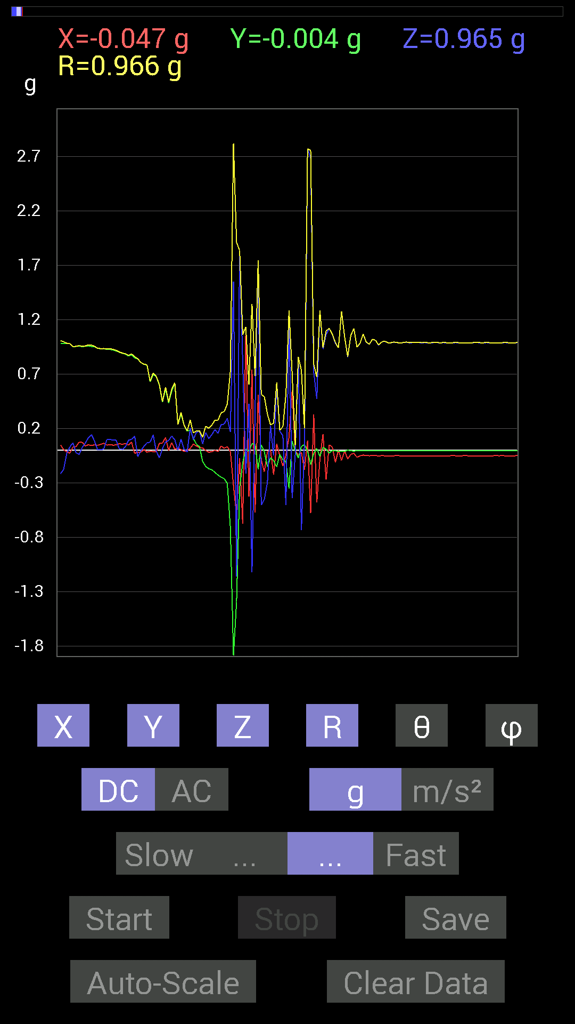
File |  | 2015-04-30 | 14-27-00
Z(g) | R(g) | Theta(deg) | Phi(deg)
-0.029293451 | 0.98480964 | 91.70453 | 90.79573
0.031247074 | 0.98125213 | 88.17516 | 91.597496
0.06835346 | 0.9540447 | 85.89147 | 88.11826
-0.021482073 | 0.9558039 | 91.28786 | 88.00897
-0.039058454 | 0.9625514 | 92.32559 | 85.57455
0.025387762 | 0.956254 | 88.47867 | 85.54745
0.06444622 | 0.9599002 | 86.15035 | 87.662704
0.115223296 | 0.9690586 | 83.17124 | 86.97494
0.14451675 | 0.9668135 | 81.40336 | 87.42404
0.083976224 | 0.9561292 | 84.96126 | 86.94395
0.0039056898 | 0.9384928 | 89.76155 | 87.25666
0.0039056898 | 0.9351118 | 89.76069 | 86.64756
0.01171707 | 0.9357987 | 89.282585 | 86.05074
0.097646914 | 0.93394613 | 83.99858 | 87.10755
0.09959898 | 0.9344645 | 83.88156 | 86.7467
0.09374122 | 0.9277238 | 84.20069 | 87.089195
0.0917876 | 0.91986746 | 84.27329 | 86.94223
0.013670692 | 0.9043885 | 89.13389 | 86.16126
0.0078113796 | 0.8941991 | 89.49948 | 86.49388
0.031247074 | 0.88743484 | 87.98217 | 85.95931
0.0917876 | 0.8732069 | 83.96618 | 86.90598
0.101552606 | 0.88584197 | 83.41716 | 85.16246
0.12889399 | 0.859749 | 81.377686 | 91.97489
-0.05858846 | 0.841987 | 93.99007 | 91.199036
-0.0039056898 | 0.80676246 | 90.27738 | 91.248375
0.037106387 | 0.79184717 | 87.3141 | 89.43416
0.06835346 | 0.7863012 | 85.01296 | 91.28572
0.07421122 | 0.6332847 | 83.270355 | 90.88964
0.14061105 | 0.71133196 | 78.59909 | 90.96282
-0.009765002 | 0.67787737 | 90.825386 | 91.15568
-0.06835346 | 0.6049376 | 96.487854 | 83.844894
0.015622759 | 0.44660327 | 87.99531 | 81.444435
0.07616484 | 0.58144313 | 82.47304 | 78.27137
0.08983553 | 0.44467726 | 78.34465 | 90.25702
0.13084605 | 0.5628686 | 76.557884 | 82.621475
0.09569329 | 0.6207197 | 81.13162 | 89.08769
0 | 0.23711003 | 90 | 85.275375
0.101552606 | 0.34909984 | 73.08825 | 88.99483
0.009765002 | 0.23289865 | 87.59699 | 92.88629
-0.015622759 | 0.17646758 | 95.07907 | 90.63682
0.20505883 | 0.2784021 | 42.56111 | 84.6442
0.097646914 | 0.15853716 | 51.98088 | 63.034466
0.16599882 | 0.17908482 | 22.03903 | 54.462784
0.17381175 | 0.1787659 | 13.520337 | 52.594444
0.05858846 | 0.1191932 | 60.558018 | 281.94406
...

第十一次
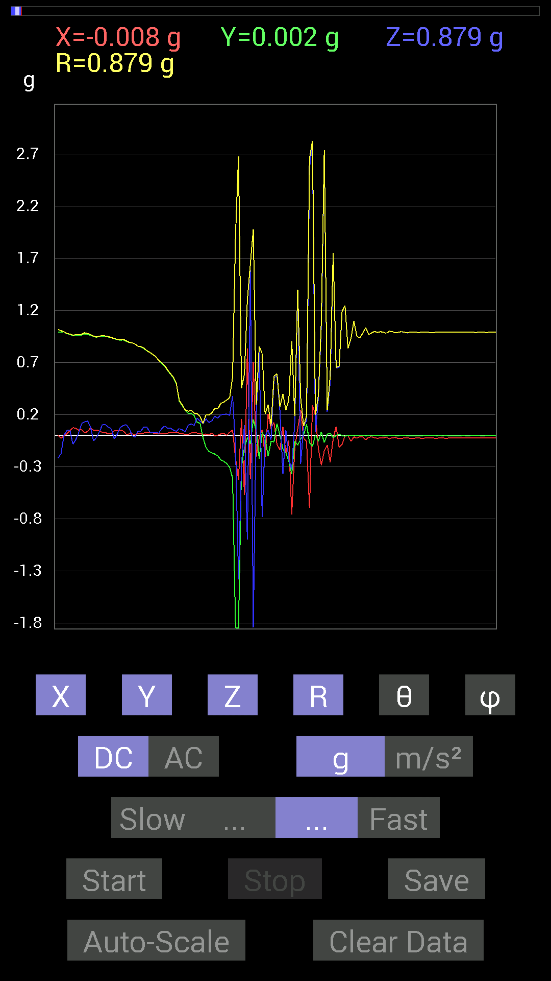
File |  | 2015-04-30 | 14-27-23
Z(g) | R(g) | Theta(deg) | Phi(deg)
-0.23044659 | 1.0182889 | 103.07979 | 86.61364
-0.22654091 | 1.0162661 | 102.8803 | 88.079605
-0.2167759 | 1.0174136 | 102.30207 | 89.77488
-0.17381175 | 1.00565 | 99.952705 | 91.58175
0 | 0.9960132 | 90 | 90.33706
0.050777078 | 0.97794485 | 87.023735 | 88.96879
0.050777078 | 0.973065 | 87.0088 | 87.23538
-0.083976224 | 0.96347743 | 95.00021 | 85.565544
-0.04101208 | 0.9660911 | 92.43303 | 85.93912
0.027341384 | 0.9664727 | 88.37889 | 86.98717
0.115223296 | 0.9712077 | 83.186424 | 86.74934
0.13084605 | 0.9855745 | 82.37082 | 88.39612
0.13865899 | 0.9792334 | 81.85959 | 87.80624
0.07811691 | 0.9668657 | 85.3658 | 85.583496
-0.050777078 | 0.9535868 | 93.05236 | 87.17871
-0.019530004 | 0.94494134 | 91.18427 | 86.80046
0.035152763 | 0.95261246 | 87.88522 | 87.530846
0.10545829 | 0.9592963 | 83.688545 | 88.23945
0.10350622 | 0.9551448 | 83.77881 | 88.349945
0.07811691 | 0.9485415 | 85.27607 | 89.171394
0.06639984 | 0.93985724 | 85.948746 | 89.16449
-0.033199143 | 0.9293242 | 92.047264 | 87.22783
0.009765002 | 0.92293024 | 89.393776 | 87.210236
0.07616484 | 0.9185461 | 85.24364 | 86.82012
0.09374122 | 0.9237462 | 84.17563 | 87.19838
0.10350622 | 0.9101888 | 83.47022 | 89.25758
0.070305526 | 0.8953606 | 85.49638 | 89.122444
0.0019536226 | 0.88872516 | 89.874054 | 88.99275
-0.017576382 | 0.8790051 | 91.14575 | 89.74537
0.039058454 | 0.85645664 | 87.38614 | 88.82285
0.042964146 | 0.8527437 | 87.11202 | 88.81746
0.0820226 | 0.8401982 | 84.3977 | 88.39397
0.0820226 | 0.8152062 | 84.22537 | 87.79209
0.031247074 | 0.7978146 | 87.75539 | 88.17505
0.031247074 | 0.77824885 | 87.69893 | 88.27298
0.031247074 | 0.7566837 | 87.63331 | 88.51977
0.021482073 | 0.72108287 | 88.29282 | 88.91321
0.06444622 | 0.6983598 | 84.705086 | 88.873535
0.08983553 | 0.6721215 | 82.31888 | 88.82399
0.070305526 | 0.6292474 | 83.58498 | 88.03125
0.070305526 | 0.59284693 | 83.189285 | 86.95723
0.050777078 | 0.55794096 | 84.778404 | 86.574486
0.039058454 | 0.49856147 | 85.506714 | 86.39557
0.06639984 | 0.33352306 | 78.51647 | 86.23151
0.052729145 | 0.29241246 | 79.611336 | 86.496475
...

第十二次
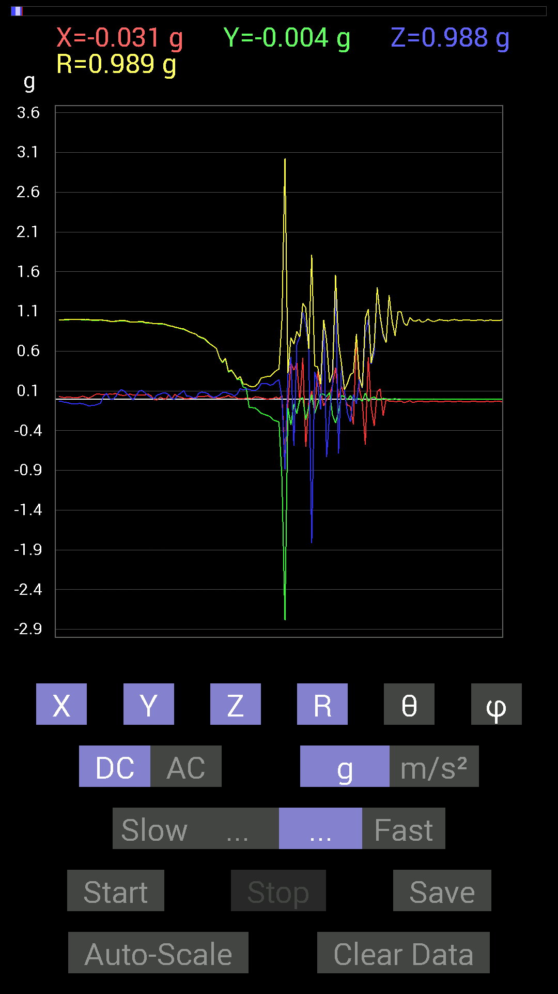
File |  | 2015-04-30 | 14-27-54
Z(g) | R(g) | Theta(deg) | Phi(deg)
-0.08592984 | 0.9977989 | 94.9404 | 89.43717
-0.083976224 | 0.9940173 | 94.84622 | 88.53122
-0.08007053 | 0.99262476 | 94.626816 | 87.17148
-0.06835346 | 0.9927688 | 93.94801 | 86.15586
-0.05468277 | 0.9953221 | 93.14941 | 86.62029
0.031247074 | 0.99008363 | 88.191444 | 86.94562
0.070305526 | 0.9883006 | 85.92066 | 86.82014
0.0078113796 | 0.9783737 | 89.54254 | 86.45223
-0.009765002 | 0.97242403 | 90.57537 | 86.54567
0.021482073 | 0.9790927 | 88.74278 | 85.99578
0.08007053 | 0.98332286 | 85.329315 | 86.68719
0.11717536 | 0.98846275 | 83.19198 | 87.26288
0.097646914 | 0.9861605 | 84.31741 | 87.49066
0.05858846 | 0.9797508 | 86.5717 | 86.79475
0.021482073 | 0.9688346 | 88.72947 | 86.41649
-0.01171707 | 0.96605617 | 90.69495 | 87.10288
0.044917766 | 0.9671295 | 87.337975 | 86.98717
0.09959898 | 0.9731455 | 84.12563 | 86.99324
0.10741191 | 0.97785276 | 83.69364 | 87.00532
0.07421122 | 0.961153 | 85.57175 | 86.962616
0.042964146 | 0.959938 | 87.434746 | 86.26353
0.017576382 | 0.9559455 | 88.94648 | 87.657936
0.0019536226 | 0.94524074 | 89.881584 | 90.35516
0.048823457 | 0.94657934 | 87.04344 | 90.828606
0.060540527 | 0.94549817 | 86.32882 | 88.57677
0.07616484 | 0.946355 | 85.38371 | 89.6441
0.07421122 | 0.9364506 | 85.4547 | 90.11991
0.052729145 | 0.92274106 | 86.724106 | 86.84034
0.0039056898 | 0.9159375 | 89.755684 | 89.87779
-0.0039056898 | 0.904165 | 90.2475 | 86.28468
0.048823457 | 0.8962538 | 86.877266 | 88.12421
0.07225915 | 0.885989 | 85.3219 | 88.4792
0.10545829 | 0.8812824 | 83.12726 | 89.488464
0.033199143 | 0.85993177 | 87.787445 | 90
0.035152763 | 0.84248424 | 87.608635 | 89.46829
0.015622759 | 0.82824856 | 88.9192 | 89.32435
0.0058593126 | 0.8165367 | 89.58885 | 88.76655
0.070305526 | 0.7868224 | 84.87357 | 87.85781
0.08592984 | 0.7729303 | 83.617 | 87.668625
0.0820226 | 0.7589251 | 83.79551 | 87.626396
0.06835346 | 0.719205 | 84.546364 | 86.7161
0.037106387 | 0.68883204 | 86.91206 | 88.04745
0.017576382 | 0.66241914 | 88.47955 | 88.817055
0.029293451 | 0.6335765 | 87.34998 | 88.76231
0.048823457 | 0.5199176 | 84.61163 | 88.91904
...

第十三次
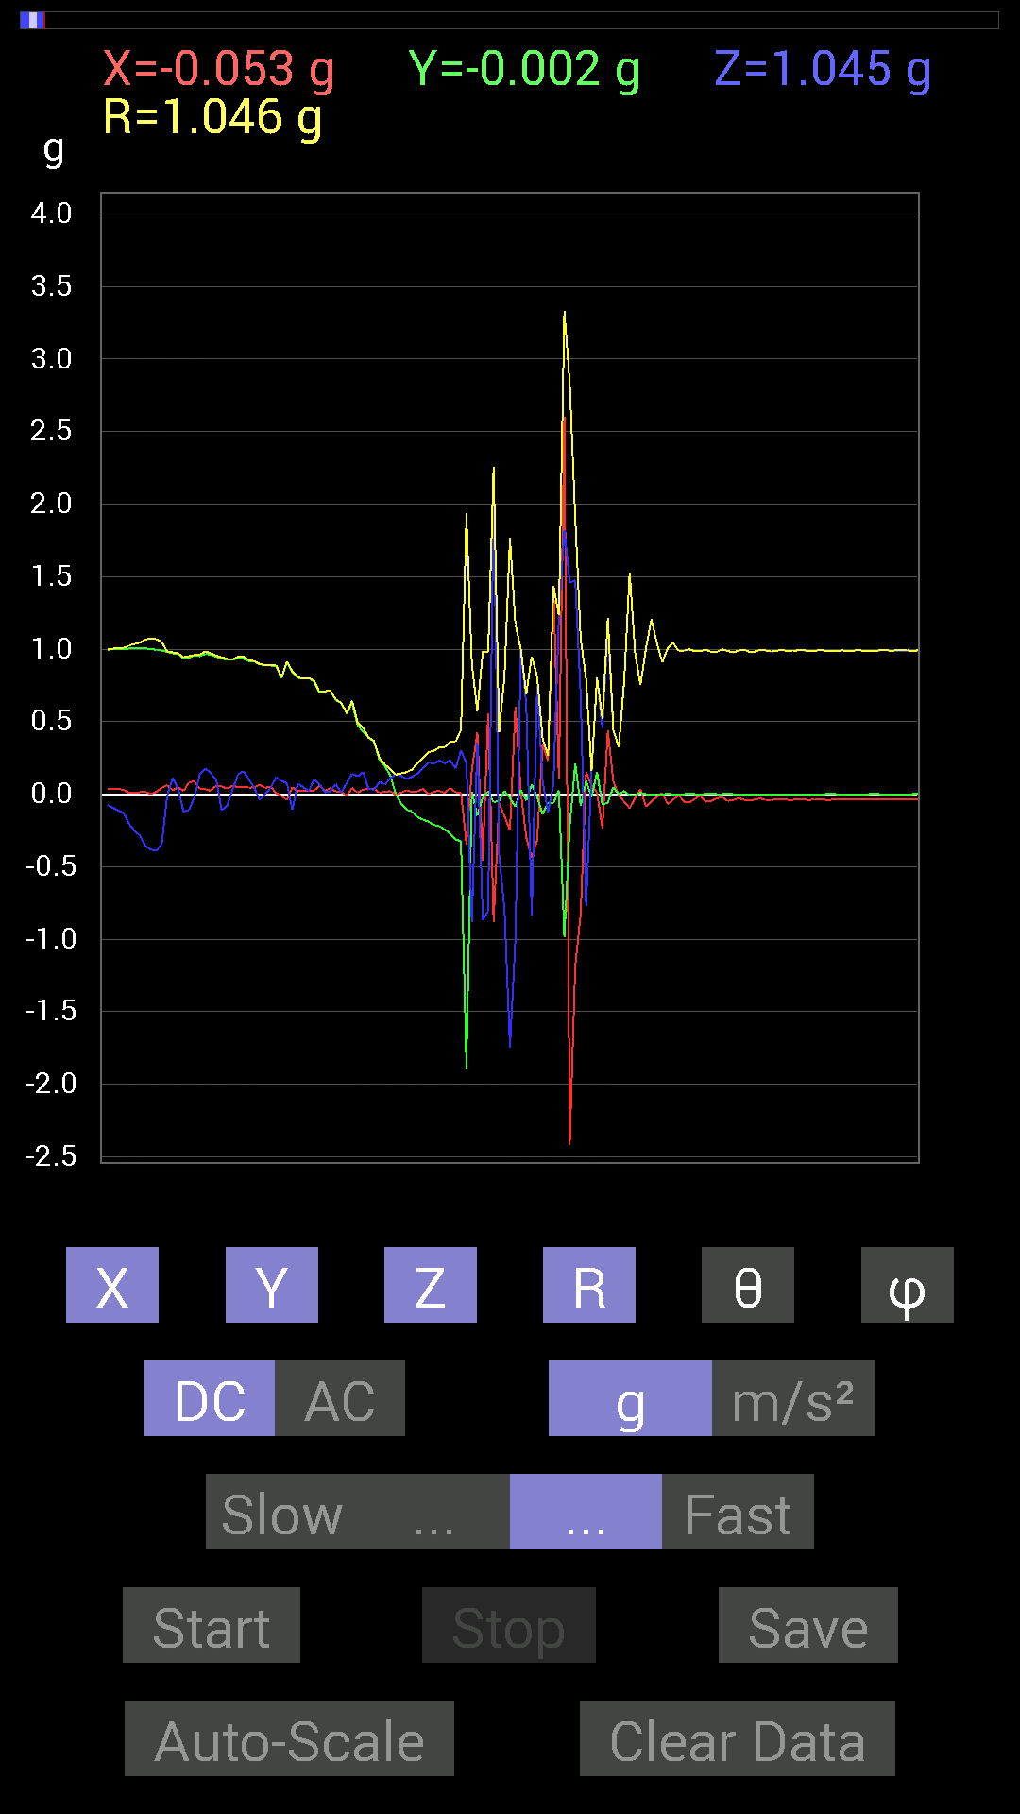
File |  | 2015-04-30 | 14-29-48
Z(g) | R(g) | Theta(deg) | Phi(deg)
-0.09374122 | 1.0031035 | 95.36218 | 87.75866
-0.11326967 | 1.0069122 | 96.45899 | 87.98653
-0.13279969 | 1.0091087 | 97.56212 | 88.32193
-0.20505883 | 1.0245695 | 101.54523 | 89.554146
-0.2538823 | 1.0354466 | 104.19312 | 89.554146
-0.28708142 | 1.0441432 | 105.9587 | 89.21975
-0.35934058 | 1.066303 | 109.694 | 89.10835
-0.3827747 | 1.0724881 | 110.91015 | 90
-0.39058766 | 1.0681415 | 111.448845 | 89.099594
-0.34176418 | 1.0483427 | 109.02643 | 87.51537
-0.009765002 | 0.9824116 | 90.56952 | 86.3526
0.111317605 | 0.9773534 | 83.45999 | 88.386444
0.037106387 | 0.9704991 | 87.8088 | 87.22982
-0.12108261 | 0.94350386 | 97.37327 | 88.68447
-0.10936398 | 0.9511897 | 96.60224 | 85.02004
-0.021482073 | 0.9592612 | 91.28321 | 84.7422
0.14061105 | 0.9621336 | 81.596405 | 87.76574
0.17771745 | 0.98346305 | 79.58913 | 88.03308
0.14451675 | 0.9719332 | 81.44898 | 88.60279
0.09959898 | 0.95419675 | 84.00856 | 86.46042
-0.111317605 | 0.9435301 | 96.775536 | 86.7738
-0.08007053 | 0.9319123 | 94.92897 | 87.58898
0.029293451 | 0.929954 | 88.19489 | 86.38609
0.13475175 | 0.9462726 | 81.813095 | 87.13167
0.15818743 | 0.9481721 | 80.3962 | 86.88651
0.10350622 | 0.9247882 | 83.573746 | 87.19838
0.042964146 | 0.9161824 | 87.31214 | 87.06436
-0.039058454 | 0.8976124 | 92.49394 | 85.87886
0 | 0.88962376 | 90 | 87.23184
0.042964146 | 0.8892371 | 87.23064 | 86.59656
0.115223296 | 0.890249 | 82.56345 | 89.493
0.0917876 | 0.80409205 | 83.445366 | 90.84042
0.07421122 | 0.9159527 | 85.35276 | 92.57477
-0.10741191 | 0.8459653 | 97.29452 | 86.79802
0.07225915 | 0.8061384 | 84.85732 | 88.60617
0.048823457 | 0.79663223 | 86.48629 | 88.45186
0.021482073 | 0.8013347 | 88.46384 | 88.323494
0.09959898 | 0.7820978 | 82.6836 | 88.12451
0.06835346 | 0.70282584 | 84.41887 | 85.35594
0.01171707 | 0.7093986 | 89.05361 | 88.106575
0.019530004 | 0.71438247 | 88.43343 | 86.550766
0.06835346 | 0.65220404 | 83.98414 | 88.44718
0.009765002 | 0.6271171 | 89.107796 | 88.75074
0.07811691 | 0.5601615 | 81.983734 | 90.80689
0.14061105 | 0.64390296 | 77.386505 | 86.07935
...

第十四次
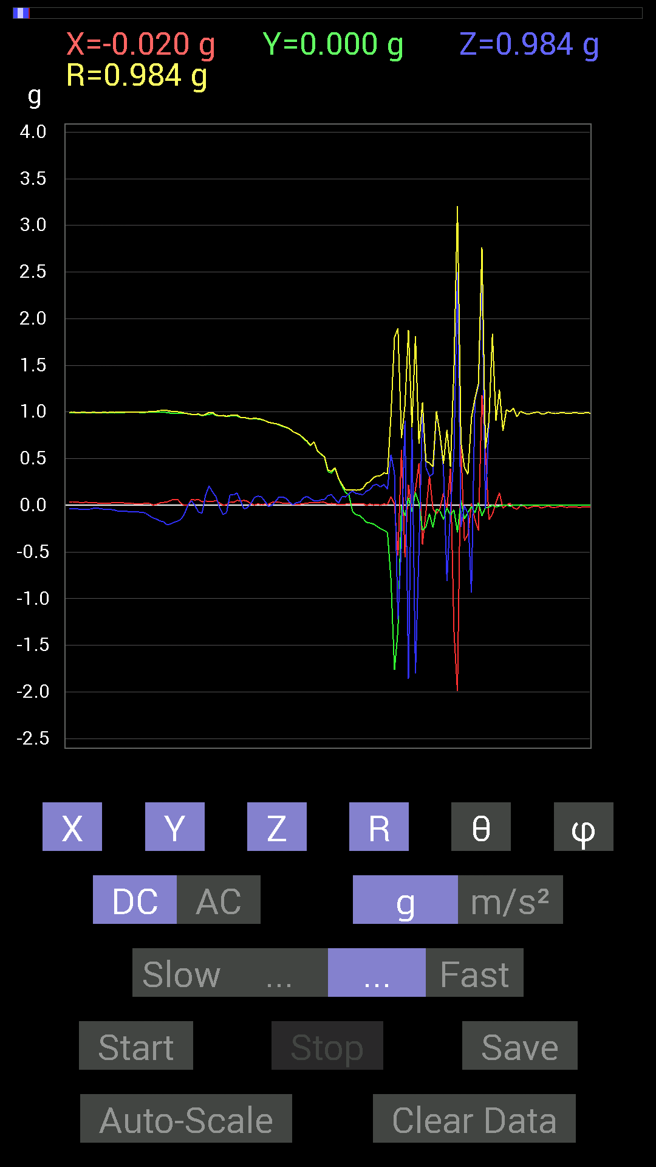
File |  | 2015-04-30 | 14-30-15
Z(g) | R(g) | Theta(deg) | Phi(deg)
-0.19919951 | 1.0094403 | 101.381256 | 86.94562
-0.18162313 | 1.0048856 | 100.41287 | 86.26128
-0.16990606 | 1.002834 | 99.75444 | 86.26128
-0.14842243 | 0.9975296 | 98.55681 | 88.86554
-0.08983553 | 0.9883701 | 95.21496 | 90
0.0039056898 | 0.9823366 | 89.772194 | 89.886055
0.048823457 | 0.9757899 | 87.13202 | 86.32339
-0.0039056898 | 0.97226703 | 90.23016 | 86.66058
-0.07225915 | 0.9791855 | 94.231995 | 86.33073
-0.083976224 | 0.96327627 | 95.00127 | 87.78392
0.10741191 | 0.9757197 | 83.679794 | 87.22982
0.2070109 | 0.99519455 | 77.99422 | 87.58532
0.14451675 | 0.99567676 | 81.654366 | 87.61403
0.0917876 | 0.96859854 | 84.5623 | 86.865234
-0.021482073 | 0.95946777 | 91.282936 | 88.48338
-0.097646914 | 0.96385217 | 95.81455 | 89.88327
-0.07811691 | 0.9543145 | 94.69529 | 89.529434
0.111317605 | 0.9640315 | 83.36921 | 87.8962
0.111317605 | 0.9697143 | 83.40824 | 88.14115
0.13279969 | 0.96754616 | 82.111015 | 86.84608
0.048823457 | 0.9438437 | 87.03486 | 87.03088
-0.039058454 | 0.9435992 | 92.37232 | 86.793846
-0.023435695 | 0.93283445 | 91.4396 | 87.35932
0.021482073 | 0.9280593 | 88.67364 | 88.91453
0.08592984 | 0.9335675 | 84.71876 | 89.75928
0.09959898 | 0.9292237 | 83.846924 | 89.031075
0.08983553 | 0.92229795 | 84.4103 | 89.51241
0.04101208 | 0.90719265 | 87.408905 | 89.13568
-0.01171707 | 0.89066833 | 90.75377 | 89.37176
0.0019536226 | 0.8814019 | 89.873 | 87.84136
0.042964146 | 0.8766743 | 87.19092 | 87.69918
0.08983553 | 0.86663014 | 84.04999 | 87.6627
0.08983553 | 0.8507014 | 83.93816 | 88.4125
0.07616484 | 0.83770186 | 84.783394 | 88.390205
0.033199143 | 0.8212383 | 87.68314 | 88.36339
0.0058593126 | 0.78902864 | 89.57452 | 89.57451
0.029293451 | 0.77200425 | 87.82541 | 89.41984
0.035152763 | 0.75474244 | 87.33044 | 89.109505
0.08007053 | 0.7194595 | 83.61017 | 88.59137
0.09569329 | 0.68865854 | 82.01256 | 88.030685
0.07225915 | 0.6432655 | 83.55025 | 87.54844
0.048823457 | 0.68192095 | 85.89429 | 87.69621
0.046869833 | 0.5824663 | 85.38454 | 87.493744
0.05858846 | 0.55107355 | 83.89695 | 86.32177
0.062494148 | 0.52040815 | 83.10289 | 86.31567
...

第十五次
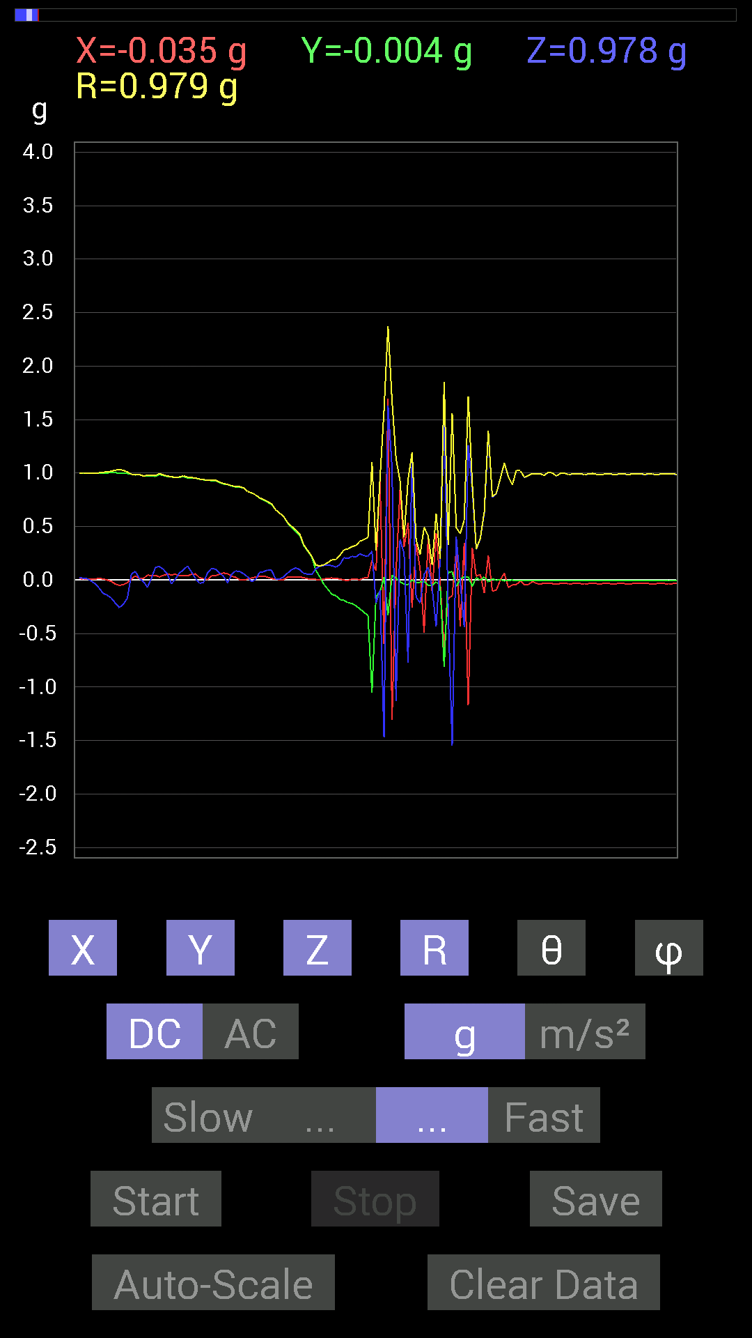
File |  | 2015-04-30 | 14-30-54
Z(g) | R(g) | Theta(deg) | Phi(deg)
0.015622759 | 0.98648006 | 89.092575 | 89.09246
-0.013670692 | 0.972754 | 90.80524 | 89.19468
-0.06639984 | 0.9798442 | 93.885666 | 87.251945
0.015622759 | 0.9774533 | 89.0842 | 87.59496
0.11912899 | 0.9769873 | 82.99621 | 87.345024
0.12694037 | 0.99479985 | 82.668846 | 88.29868
0.09959898 | 0.9825612 | 84.18212 | 87.366234
0.05468277 | 0.9717382 | 86.77408 | 86.76896
-0.033199143 | 0.9665555 | 91.968376 | 87.10288
0.009765002 | 0.95854837 | 89.4163 | 86.72948
0.06639984 | 0.9639265 | 86.050064 | 87.672195
0.09569329 | 0.97415483 | 84.362625 | 87.690956
0.13084605 | 0.96276486 | 82.18896 | 87.65314
0.07616484 | 0.9576331 | 85.438194 | 86.7161
0.013670692 | 0.95492893 | 89.17973 | 86.48212
-0.031247074 | 0.94402874 | 91.89682 | 88.695366
-0.021482073 | 0.93775487 | 91.312645 | 89.16449
0.06639984 | 0.9358701 | 85.93146 | 89.760284
0.10936398 | 0.9369053 | 83.29664 | 87.473854
0.101552606 | 0.93408704 | 83.758545 | 87.468544
0.06639984 | 0.91606724 | 85.84335 | 86.56877
0.033199143 | 0.9014128 | 87.88931 | 85.77278
-0.025387762 | 0.8947726 | 91.62589 | 86.24415
0.052729145 | 0.88118273 | 86.56943 | 87.58224
0.08592984 | 0.8756059 | 84.368065 | 88.330444
0.08007053 | 0.8727453 | 84.73596 | 89.74251
0.05858846 | 0.8612879 | 86.09949 | 89.869736
0.029293451 | 0.82859844 | 87.974 | 89.45951
-0.013670692 | 0.81472325 | 90.96144 | 88.62622
0.0058593126 | 0.7973579 | 89.578964 | 87.89453
0.07421122 | 0.76791304 | 84.45427 | 87.510506
0.07811691 | 0.75295764 | 84.04504 | 87.159935
0.09569329 | 0.7332761 | 82.50146 | 87.844696
0.08983553 | 0.710841 | 82.739586 | 88.88913
0.0078113796 | 0.65627843 | 89.318016 | 89.31797
0.01171707 | 0.62506044 | 88.925896 | 89.64192
0.031247074 | 0.59259266 | 86.977425 | 89.432686
0.06639984 | 0.5360304 | 82.88431 | 87.05352
0.097646914 | 0.5006755 | 78.7535 | 86.580086
0.11326967 | 0.46995983 | 76.05325 | 86.07168
0.097646914 | 0.43018183 | 76.88008 | 85.99057
0.062494148 | 0.3289405 | 79.04802 | 86.18596
0.05468277 | 0.2752462 | 78.540886 | 87.51056
0.052729145 | 0.22133683 | 76.21788 | 87.91753
0.10545829 | 0.13993122 | 41.092995 | 86.34745
...

第十六次
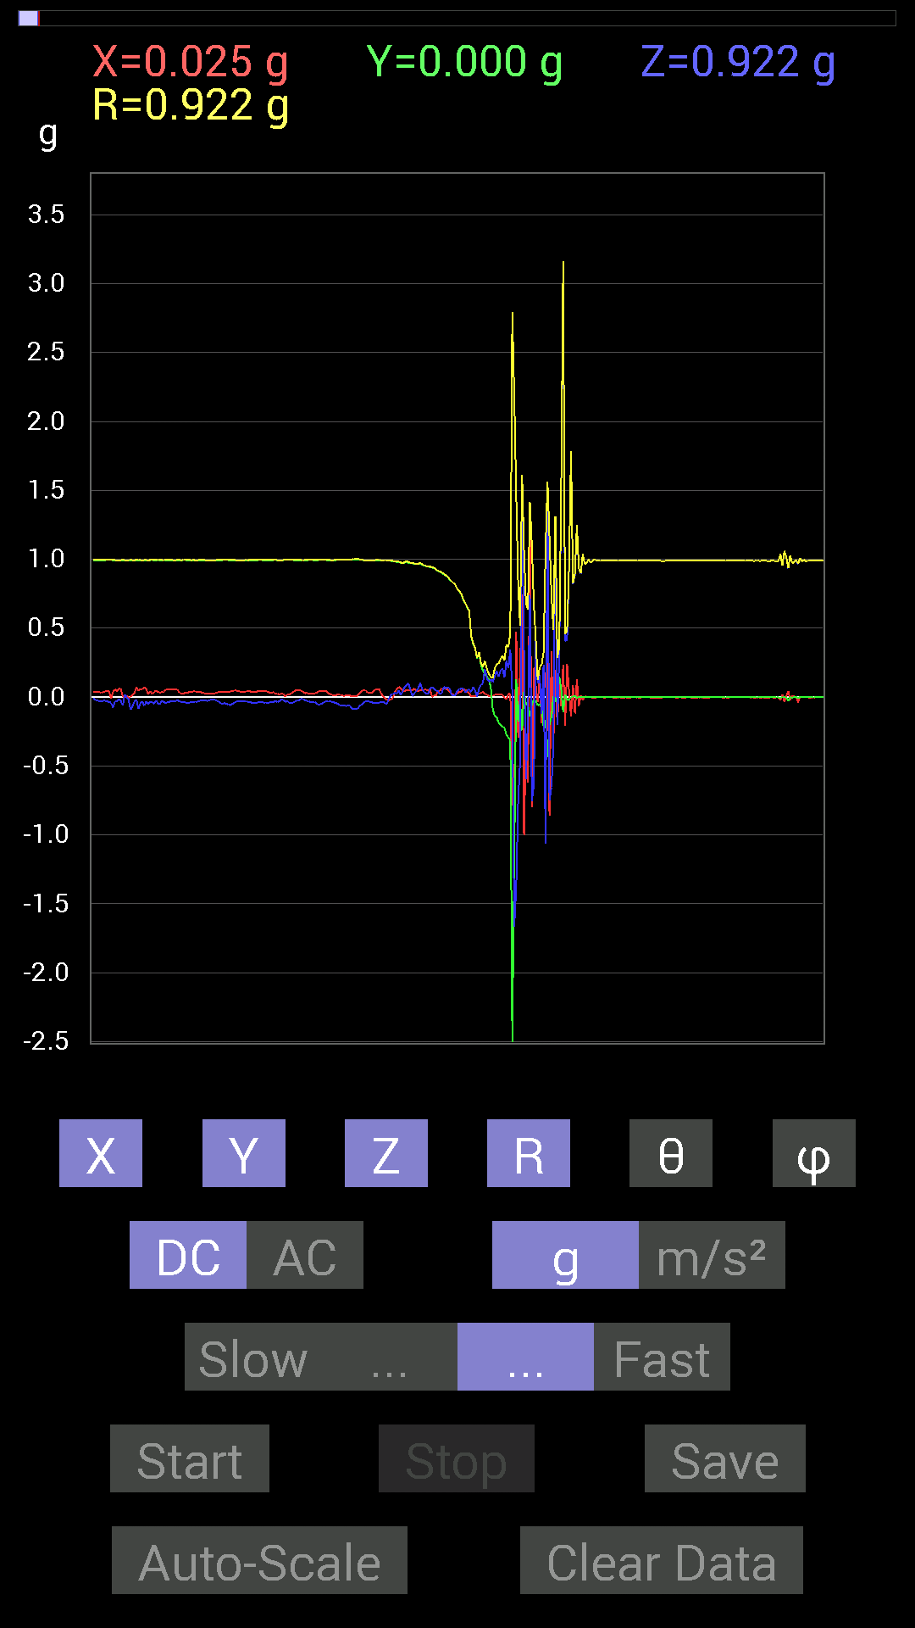
File |  | 2015-04-30 | 14-31-26
Z(g) | R(g) | Theta(deg) | Phi(deg)
0.015622759 | 0.9884644 | 89.0944 | 91.01899
0.025387762 | 0.9885281 | 88.52834 | 90.33972
0.029293451 | 0.985342 | 88.29639 | 87.9546
0.027341384 | 0.9826212 | 88.40554 | 86.46633
0.046869833 | 0.98234874 | 87.26527 | 85.66253
0.01171707 | 0.9767128 | 89.31264 | 86.216446
0.04101208 | 0.9724239 | 87.582825 | 87.46545
0.07421122 | 0.9781956 | 85.64905 | 87.59015
0.083976224 | 0.9873188 | 85.12082 | 86.92744
0.101552606 | 0.9791669 | 84.04696 | 87.01132
0.046869833 | 0.9749139 | 87.24439 | 87.126114
0.0058593126 | 0.97185314 | 89.654564 | 87.12034
0.029293451 | 0.9691633 | 88.267944 | 86.30116
0.042964146 | 0.96888775 | 87.45846 | 87.10873
0.06444622 | 0.96785474 | 86.18204 | 87.45008
0.10350622 | 0.9735531 | 83.89689 | 86.99324
0.05468277 | 0.9636357 | 86.746925 | 87.091125
0.035152763 | 0.95524645 | 87.89106 | 86.7161
0.025387762 | 0.95092875 | 88.470146 | 86.820175
0.021482073 | 0.94877744 | 88.70261 | 86.931366
0.062494148 | 0.9468043 | 86.21542 | 86.80046
0.07225915 | 0.9421384 | 85.601265 | 89.88084
0.05858846 | 0.9393113 | 86.42392 | 89.283875
0.046869833 | 0.9250009 | 87.09557 | 89.27328
0.044917766 | 0.91794443 | 87.19523 | 87.4362
0.019530004 | 0.91129065 | 88.771996 | 87.29708
0.031247074 | 0.9050946 | 88.02155 | 85.91443
0.07616484 | 0.89222795 | 85.103 | 85.84268
0.062494148 | 0.88506156 | 85.95098 | 86.067924
0.07225915 | 0.8755906 | 85.26621 | 86.53566
0.062494148 | 0.8546626 | 85.80671 | 87.37361
0.015622759 | 0.8403524 | 88.93477 | 88.13519
0.015622759 | 0.8263869 | 88.91676 | 88.91657
0.015622759 | 0.812686 | 88.8985 | 89.035965
0.048823457 | 0.783246 | 86.42616 | 87.852455
0.05468277 | 0.76849467 | 85.91963 | 87.0793
0.06639984 | 0.74804467 | 84.90746 | 86.995125
0.062494148 | 0.7061577 | 84.922745 | 85.3817
0.033199143 | 0.6824716 | 87.21172 | 85.56353
0.048823457 | 0.6533264 | 85.71426 | 86.562965
0.05468277 | 0.625979 | 84.9885 | 87.48704
0.037106387 | 0.44293746 | 85.1945 | 89.493
0.07225915 | 0.3914992 | 79.363914 | 89.127464
0.050777078 | 0.35715774 | 81.82657 | 89.050354
0 | 0.2825481 | 90 | 84.44696
...

第十七次
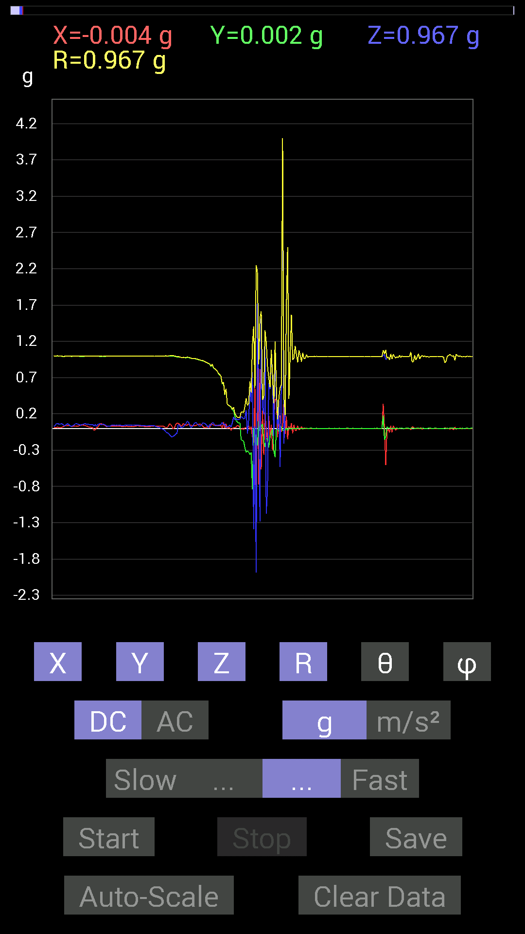
File |  | 2015-04-30 | 14-33-10
Z(g) | R(g) | Theta(deg) | Phi(deg)
-0.07811691 | 0.99482846 | 94.50367 | 86.72631
-0.06639984 | 0.9891589 | 93.84902 | 85.80126
0.052729145 | 0.99000365 | 86.94689 | 86.0353
0.042964146 | 0.98500997 | 87.500084 | 86.58678
0.009765002 | 0.98098385 | 89.42965 | 88.060486
0.017576382 | 0.9734282 | 88.9654 | 87.81504
0.017576382 | 0.9808277 | 88.973206 | 86.11761
0.048823457 | 0.97726727 | 87.13636 | 86.78834
0.060540527 | 0.97539103 | 86.44148 | 87.47053
0.09569329 | 0.98217297 | 84.40879 | 87.366234
0.09374122 | 0.9827049 | 84.52618 | 86.566345
0.050777078 | 0.97501373 | 87.01478 | 87.24093
0.009765002 | 0.9697463 | 89.42304 | 87.345024
0.027341384 | 0.9638995 | 88.374565 | 87.7929
0.044917766 | 0.96650815 | 87.33626 | 87.79736
0.07225915 | 0.9661443 | 85.71077 | 87.909
0.083976224 | 0.95954746 | 84.97925 | 87.54093
0.06444622 | 0.95645535 | 86.13647 | 87.06732
0.048823457 | 0.9500067 | 87.054115 | 86.69584
0.029293451 | 0.9434719 | 88.220764 | 86.55691
0.039058454 | 0.9398147 | 87.61812 | 86.66149
0.06639984 | 0.934901 | 85.92723 | 87.35932
0.07811691 | 0.9351131 | 85.20808 | 88.55887
0.06639984 | 0.9222449 | 85.87125 | 89.63503
0.056634836 | 0.9119977 | 86.43965 | 88.89357
0.035152763 | 0.9051022 | 87.77416 | 88.76266
0.015622759 | 0.89475256 | 88.99954 | 88.874245
0.05858846 | 0.8905687 | 86.22792 | 89.370384
0.037106387 | 0.85681593 | 87.5179 | 85.55116
0.07421122 | 0.8857077 | 85.193695 | 86.32088
0.07811691 | 0.83692366 | 84.644325 | 86.77552
0.04101208 | 0.8225933 | 87.14222 | 86.72955
0.039058454 | 0.8088658 | 87.23223 | 86.67425
0.04101208 | 0.79278105 | 87.03465 | 87.4552
0.046869833 | 0.7561056 | 86.446045 | 87.33012
0.044917766 | 0.74050516 | 86.5224 | 87.12243
0.056634836 | 0.7180771 | 85.47638 | 86.872215
0.0820226 | 0.61481464 | 82.3333 | 89.81629
0.050777078 | 0.6369838 | 85.427826 | 82.04437
0.062494148 | 0.46708196 | 82.31094 | 89.27471
0.015622759 | 0.5488899 | 88.369 | 83.25449
0.027341384 | 0.33312884 | 85.29218 | 90.33715
0.025387762 | 0.31955415 | 85.44319 | 87.892006
0.046869833 | 0.31039432 | 81.31506 | 87.81152
0.021482073 | 0.29499713 | 85.82395 | 95.33221
...

第十八次
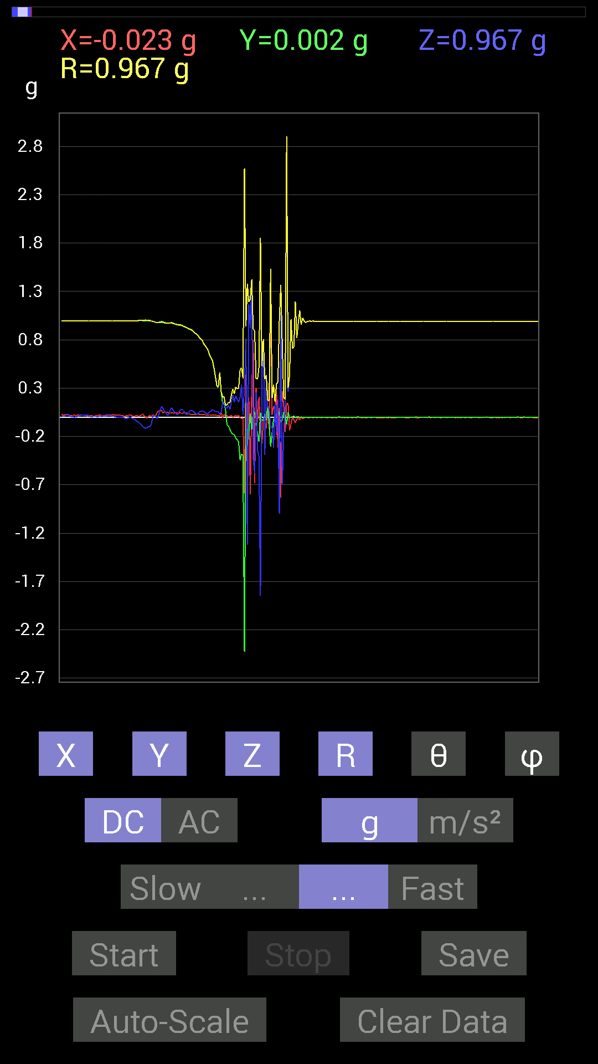
File |  | 2015-04-30 | 14-34-13
Z(g) | R(g) | Theta(deg) | Phi(deg)
0.01171707 | 0.9864259 | 89.319405 | 89.09246
0.0058593126 | 0.98051524 | 89.657616 | 89.087036
-0.017576382 | 0.9778454 | 91.02992 | 87.13759
0.023435695 | 0.9827687 | 88.63356 | 86.23899
0.06835346 | 0.9829194 | 86.01236 | 86.23151
0.10936398 | 0.9888197 | 83.65006 | 86.01169
0.08788191 | 0.98524153 | 84.88251 | 87.49066
0.060540527 | 0.9780338 | 86.45111 | 86.67394
0.046869833 | 0.97472614 | 87.24386 | 87.355675
0.021482073 | 0.97422713 | 88.7365 | 86.896645
0.025387762 | 0.97180605 | 88.50301 | 87.58047
0.07616484 | 0.97632134 | 85.52569 | 87.70022
0.097646914 | 0.97672874 | 84.26236 | 87.12034
0.06639984 | 0.9717147 | 86.08177 | 87.690956
0.050777078 | 0.9650917 | 86.98406 | 87.44491
0.035152763 | 0.96058613 | 87.90279 | 87.31803
0.025387762 | 0.95620286 | 88.478584 | 87.54093
0.050777078 | 0.95331687 | 86.94678 | 87.530846
0.07811691 | 0.9533041 | 85.29972 | 87.40816
0.0820226 | 0.9515209 | 85.05488 | 87.63864
0.06835346 | 0.94087934 | 85.83388 | 87.37581
0.044917766 | 0.93557054 | 87.24811 | 87.364845
0.031247074 | 0.9272136 | 88.06877 | 87.342636
0.027341384 | 0.9211525 | 88.29911 | 87.447075
0.05858846 | 0.9106076 | 86.31104 | 87.906296
0.070305526 | 0.90741056 | 85.55631 | 88.14445
0.06639984 | 0.8992687 | 85.765564 | 88.25294
0.05858846 | 0.8831441 | 86.19616 | 88.22197
0.04101208 | 0.87045234 | 87.29946 | 88.19801
0.031247074 | 0.8584078 | 87.9139 | 88.04308
0.031247074 | 0.84677386 | 87.88523 | 87.88379
0.05468277 | 0.8206283 | 86.17925 | 87.94975
0.05858846 | 0.80921704 | 85.84807 | 87.91999
0.062494148 | 0.7939444 | 85.485374 | 87.878944
0.05858846 | 0.76042366 | 85.58115 | 88.08104
0.044917766 | 0.7379971 | 86.51057 | 88.17684
0.035152763 | 0.7179717 | 87.1936 | 88.1272
0.039058454 | 0.6927739 | 86.76796 | 88.220215
0.052729145 | 0.64308816 | 85.29683 | 88.07923
0.062494148 | 0.6168428 | 84.18522 | 87.81137
0.07421122 | 0.58715457 | 82.73889 | 87.693985
0.06835346 | 0.51481307 | 82.37012 | 87.367516
0.056634836 | 0.4243311 | 82.32993 | 86.80534
0.056634836 | 0.3275461 | 80.04315 | 87.22433
0.05468277 | 0.31194502 | 79.904106 | 86.71913
...

第十九次
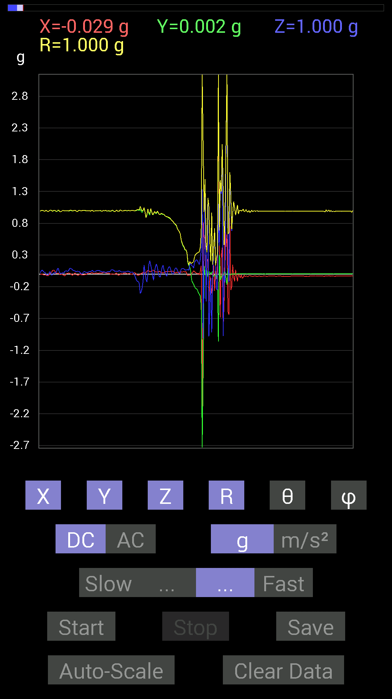
File |  | 2015-04-30 | 14-35-02
Z(g) | R(g) | Theta(deg) | Phi(deg)
-0.10741191 | 1.0021442 | 96.1529 | 88.42755
0.14061105 | 1.0447458 | 82.26516 | 88.91904
0.037106387 | 0.9792184 | 87.82832 | 89.1995
-0.0820226 | 0.8887832 | 95.29516 | 88.48256
-0.124988295 | 0.93499035 | 97.68222 | 87.46321
-0.0019536226 | 1.0249052 | 90.109215 | 86.8323
0.14451675 | 0.9615123 | 81.3556 | 86.820175
0.20896451 | 0.95337164 | 77.338844 | 87.954636
0.14061105 | 1.0316861 | 82.16663 | 87.91939
0.070305526 | 0.98400784 | 85.90283 | 87.26288
-0.031247074 | 0.93403774 | 91.917114 | 86.28163
-0.097646914 | 0.95205534 | 95.886856 | 86.453125
0.04101208 | 0.98624736 | 87.61673 | 87.27373
0.11326967 | 0.9641244 | 83.25305 | 88.129776
0.15818743 | 0.9627254 | 80.542725 | 88.114395
0.10545829 | 0.9922874 | 83.8992 | 88.29868
0.015622759 | 0.96551716 | 89.072876 | 87.91323
-0.04101208 | 0.93733925 | 92.507706 | 87.37033
-0.046869833 | 0.9372884 | 92.86632 | 87.84794
0.029293451 | 0.95567614 | 88.24349 | 88.711365
0.111317605 | 0.94807523 | 83.2571 | 88.811424
0.13670537 | 0.94555503 | 81.687225 | 88.92359
0.05858846 | 0.9374919 | 86.41697 | 88.80398
0.027341384 | 0.91911656 | 88.29534 | 87.56337
-0.015622759 | 0.907138 | 90.9868 | 87.5319
-0.037106387 | 0.9019132 | 92.35792 | 87.515854
0.07811691 | 0.8987844 | 85.01391 | 87.37471
0.11326967 | 0.8908207 | 82.69495 | 87.46645
0.11326967 | 0.88308084 | 82.63057 | 87.44386
0.06835346 | 0.8649253 | 85.46729 | 87.27366
0.023435695 | 0.8471364 | 88.414734 | 86.95941
0 | 0.83121175 | 90 | 86.90229
0.0058593126 | 0.81368273 | 89.58741 | 86.83541
0.06444622 | 0.7919597 | 85.33236 | 88.29861
0.09569329 | 0.78329235 | 82.98276 | 88.84853
0.0917876 | 0.7657048 | 83.115204 | 87.938805
0.05858846 | 0.71366346 | 85.290985 | 88.11177
0.027341384 | 0.6904697 | 87.73059 | 87.72881
0.0078113796 | 0.66664016 | 89.32862 | 87.48133
0.017576382 | 0.6319152 | 88.40614 | 86.98728
0.08007053 | 0.53617907 | 81.41158 | 86.62113
0.083976224 | 0.48666543 | 80.06364 | 86.496544
0.083976224 | 0.44889826 | 79.21805 | 85.17305
0.0820226 | 0.42751372 | 78.938675 | 84.9262
0.05858846 | 0.3809623 | 81.153336 | 84.94024
...

第二十次
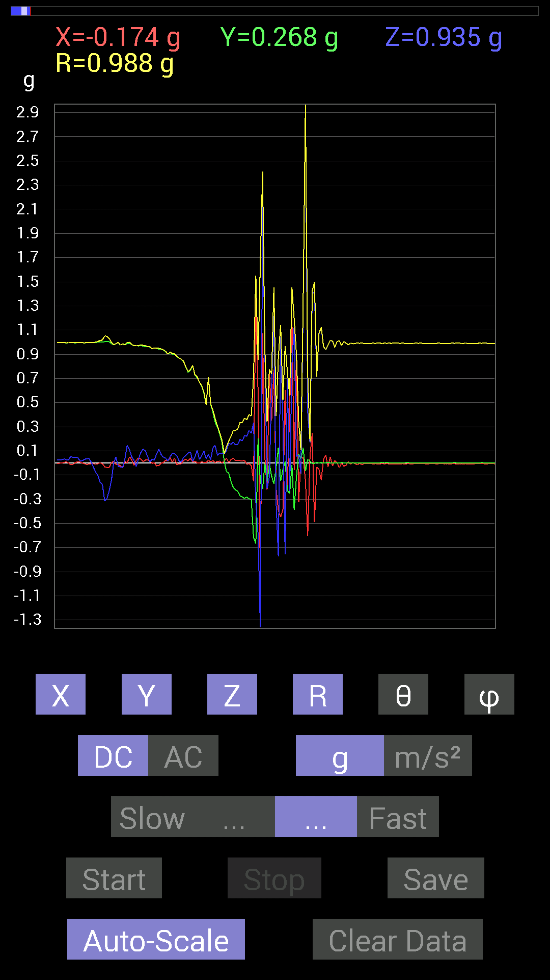
File |  | 2015-04-30 | 14-35-42
Z(g) | R(g) | Theta(deg) | Phi(deg)
-0.29489282 | 1.0487583 | 106.33081 | 92.1129
-0.23239866 | 1.0310279 | 103.02669 | 92.117004
-0.14451675 | 0.99869806 | 98.320206 | 89.88673
0 | 0.97851515 | 90 | 89.1995
0.050777078 | 0.9876084 | 87.05289 | 90.68068
-0.027341384 | 0.99841774 | 91.56922 | 90.784836
-0.033199143 | 0.9753609 | 91.9506 | 91.37762
-0.037106387 | 0.9858316 | 92.157104 | 92.38597
0.033199143 | 0.9790782 | 88.05681 | 89.1995
0.14451675 | 0.99869615 | 81.67978 | 90
0.111317605 | 0.99960655 | 83.6062 | 87.070045
0.050777078 | 0.98206806 | 87.03625 | 88.402504
0.023435695 | 0.9710876 | 88.61712 | 91.15272
-0.027341384 | 0.9731833 | 91.609924 | 88.73465
0.031247074 | 0.97002745 | 88.15404 | 87.57559
0.08592984 | 0.9788583 | 84.96376 | 88.048836
0.115223296 | 0.9736157 | 83.20336 | 89.30557
0.101552606 | 0.97036374 | 83.99276 | 88.608444
0.05468277 | 0.96468264 | 86.750465 | 88.48953
0.0078113796 | 0.96107346 | 89.53431 | 88.83557
0.031247074 | 0.94574493 | 88.10662 | 90.23675
0.023435695 | 0.9513765 | 88.58846 | 89.76471
0.07225915 | 0.9521613 | 85.64766 | 91.41445
0.115223296 | 0.9485839 | 83.023125 | 91.30734
0.07225915 | 0.9440862 | 85.61036 | 90.11891
0.046869833 | 0.9366371 | 87.13169 | 89.76078
0.04101208 | 0.92489785 | 87.45854 | 88.66779
0.017576382 | 0.9006098 | 88.88174 | 89.00586
0.050777078 | 0.91843253 | 86.83069 | 87.19242
0.0820226 | 0.9060106 | 84.80581 | 89.50397
0.07616484 | 0.90241927 | 85.15843 | 87.51047
0.060540527 | 0.88299066 | 86.06854 | 91.01618
0.017576382 | 0.8673169 | 88.838806 | 90.51614
0.0058593126 | 0.85934615 | 89.60934 | 90.520836
0.046869833 | 0.84134346 | 86.806496 | 88.53463
0.062494148 | 0.7939444 | 85.485374 | 87.878944
0.0820226 | 0.7565452 | 83.77591 | 88.660866
0.0917876 | 0.77202255 | 83.171814 | 87.0793
0.013670692 | 0.80868965 | 89.03138 | 89.30803
0.048823457 | 0.73020685 | 86.1662 | 88.92486
0.10350622 | 0.71256924 | 81.6478 | 89.84123
0.029293451 | 0.67049915 | 87.49601 | 90.1671
0.05858846 | 0.6394217 | 84.74277 | 89.12127
0.097646914 | 0.5862708 | 80.41236 | 89.61289
0.037106387 | 0.48186833 | 85.58355 | 89.53421
...

