第一次
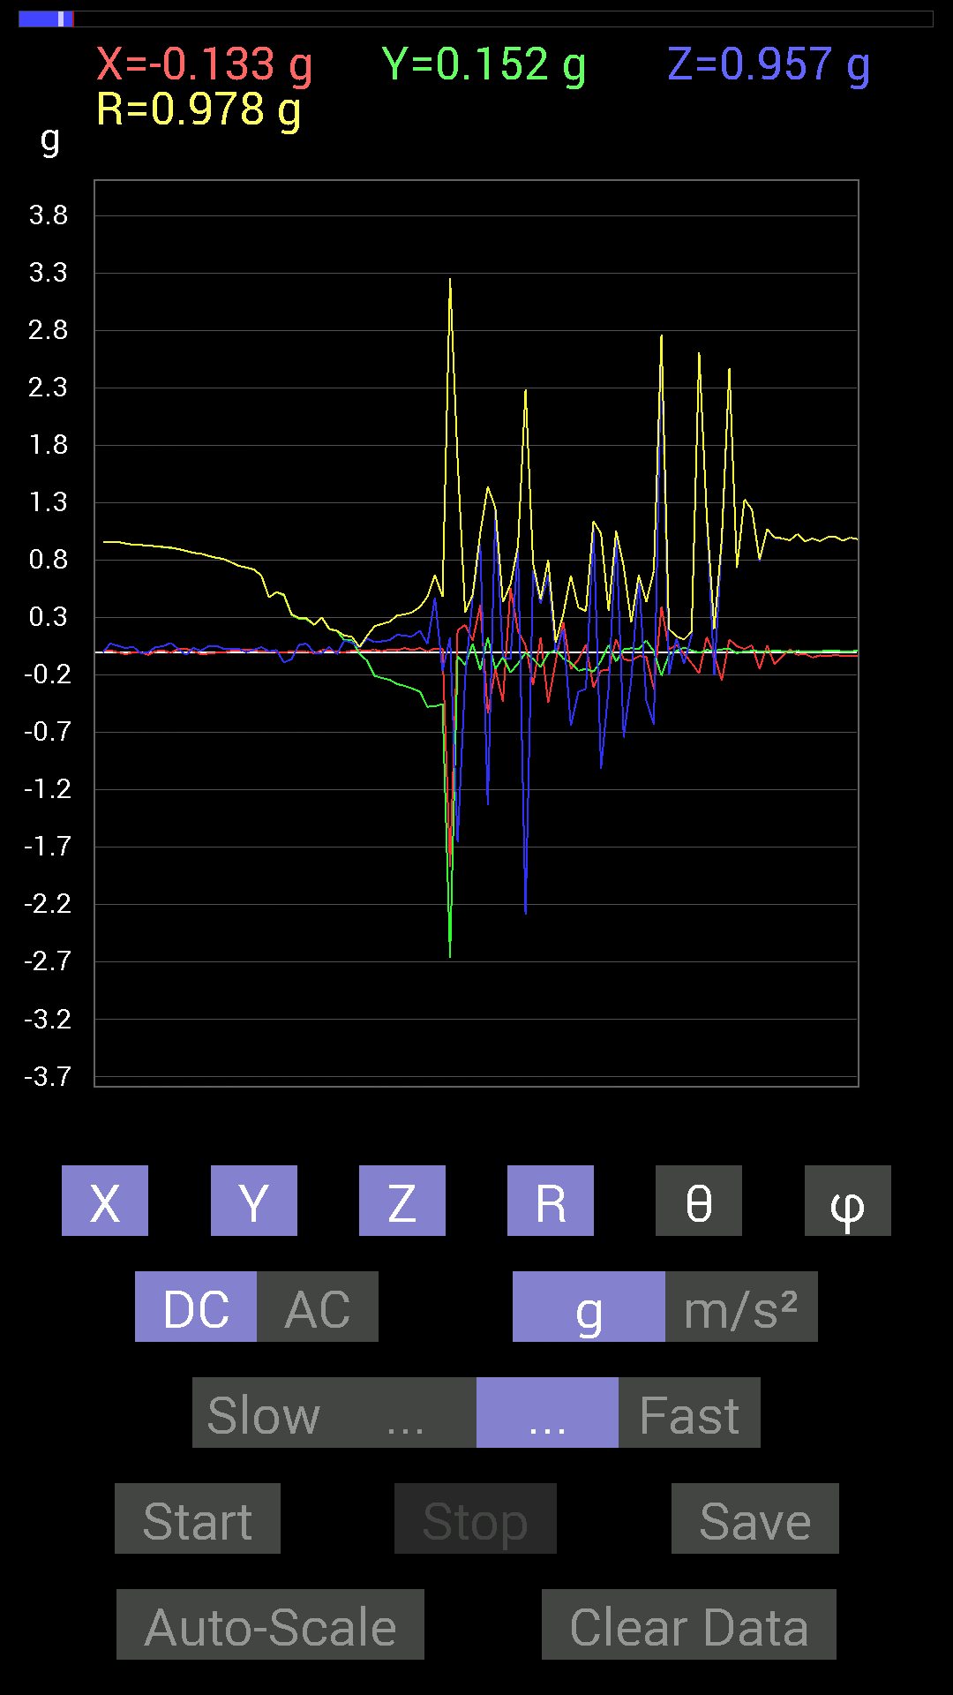
 | Keuwl | Accelerometer | Data | File |  | 2015-04-30 | 14-43-54
Number | Time(s) | X(g) | Y(g) | Z(g) | R(g) | Theta(deg) | Phi(deg)
1 | 17.550001 | 0.01171707 | 0.99209034 | 0.052729145 | 0.9935597 | 86.95783 | 89.32334
2 | 17.550001 | 0.019530004 | 0.98818463 | 0.031247074 | 0.9888714 | 88.189224 | 88.86778
3 | 17.631 | 0.017576382 | 0.984279 | 0.029293451 | 0.9848716 | 88.29558 | 88.976974
4 | 17.631 | 0.009765002 | 0.98818463 | 0.042964146 | 0.9891664 | 87.51059 | 89.43384
5 | 17.632 | 0.01171707 | 0.9901383 | 0.06835346 | 0.992564 | 86.05117 | 89.32201
6 | 17.632 | 0.009765002 | 0.9901383 | 0.08788191 | 0.9940787 | 84.92812 | 89.43495
7 | 17.648 | 0.009765002 | 0.98818463 | 0.042964146 | 0.9891664 | 87.51059 | 89.43384
8 | 17.714 | 0.01171707 | 0.984279 | 0.035152763 | 0.9849762 | 87.95474 | 89.31797
9 | 17.714 | 0.01171707 | 0.984279 | 0.037106387 | 0.9850478 | 87.84118 | 89.31797
10 | 17.714 | 0.01171707 | 0.984279 | 0.04101208 | 0.98520267 | 87.6142 | 89.31797
11 | 17.729 | 0.0078113796 | 0.984279 | 0.07421122 | 0.9871035 | 85.68839 | 89.5453
12 | 17.788 | 0.009765002 | 0.984279 | 0.07616484 | 0.98726976 | 85.57541 | 89.43159
13 | 17.788 | 0.01171707 | 0.984279 | 0.05468277 | 0.98586637 | 86.82036 | 89.31797
14 | 17.789001 | 0.01171707 | 0.98037326 | 0.04101208 | 0.98130065 | 87.604706 | 89.315254
15 | 17.866001 | 0.013670692 | 0.97646755 | 0.037106387 | 0.9772679 | 87.82398 | 89.19791
16 | 17.866001 | 0.015622759 | 0.97646755 | 0.039058454 | 0.9773733 | 87.709694 | 89.08339
17 | 17.866001 | 0.013670692 | 0.97451395 | 0.050777078 | 0.97593164 | 87.01759 | 89.1963
18 | 17.87 | 0.015622759 | 0.98037326 | 0.06444622 | 0.98261344 | 86.23947 | 89.087036
19 | 17.943 | 0.015622759 | 0.97646755 | 0.04101208 | 0.9774533 | 87.595276 | 89.08339
20 | 17.943 | -0.037106387 | 0.96084327 | 0.060540527 | 0.9634634 | 86.39737 | 92.21158
21 | 17.943 | -0.04101208 | 0.9647505 | -0.037106387 | 0.9663345 | 92.200645 | 92.43421
22 | 17.951 | 0.0078113796 | 0.9549855 | -0.0039056898 | 0.95502543 | 90.23432 | 89.53136
23 | 18.03 | 0.013670692 | 0.9549855 | 0.07421122 | 0.95796216 | 85.55697 | 89.17986
24 | 18.03 | -0.0019536226 | 0.95693755 | 0.05468277 | 0.9585006 | 86.729485 | 90.116974
25 | 18.03 | -0.019530004 | 0.94522053 | 0.033199143 | 0.946005 | 87.988846 | 91.18367
26 | 18.031 | -0.0019536226 | 0.93350345 | 0.046869833 | 0.93468136 | 87.12569 | 90.11991
27 | 18.12 | -0.0019536226 | 0.9315498 | -0.009765002 | 0.931603 | 90.60058 | 90.120155
28 | 18.12 | -0.025387762 | 0.9295962 | -0.0019536226 | 0.9299449 | 90.12037 | 91.56439
29 | 18.12 | 0.0078113796 | 0.91983277 | 0.042964146 | 0.92086875 | 87.32583 | 89.51344
30 | 18.12 | 0.013670692 | 0.91397345 | 0.050777078 | 0.9154849 | 86.82047 | 89.14307
31 | 18.132 | -0.0058593126 | 0.906162 | 0.08007053 | 0.90971166 | 84.95043 | 90.370476
32 | 18.202002 | 0.025387762 | 0.89639705 | 0.027341384 | 0.8971732 | 88.25364 | 88.3777
33 | 18.202002 | 0.029293451 | 0.88077426 | -0.025387762 | 0.8816269 | 91.65015 | 88.095116
34 | 18.202002 | 0.0058593126 | 0.8631979 | 0.035152763 | 0.86393327 | 87.66804 | 89.611084
35 | 18.213001 | -0.017576382 | 0.8573386 | 0.01171707 | 0.8575988 | 89.21716 | 91.17446
36 | 18.289001 | -0.013670692 | 0.8358565 | 0.050777078 | 0.837509 | 86.5241 | 90.937004
37 | 18.289001 | -0.0058593126 | 0.8202322 | 0.05468277 | 0.8220738 | 86.18598 | 90.40929
38 | 18.289001 | -0.0039056898 | 0.8104672 | 0.029293451 | 0.81100583 | 87.93003 | 90.27611
39 | 18.293001 | 0.009765002 | 0.78117377 | 0.029293451 | 0.7817838 | 87.85262 | 89.28381
40 | 18.371 | 0.013670692 | 0.7499267 | 0.029293451 | 0.7506231 | 87.763435 | 88.95565
41 | 18.371 | 0.021482073 | 0.736256 | -0.0019536226 | 0.7365719 | 90.15197 | 88.32873
42 | 18.371 | 0.015622759 | 0.7186796 | 0.019530004 | 0.7191146 | 88.44375 | 88.75469
43 | 18.374 | 0.0019536226 | 0.6659505 | 0.042964146 | 0.66733783 | 86.30866 | 89.83192
44 | 18.461 | 0.0058593126 | 0.47651595 | 0.0058593126 | 0.476588 | 89.29557 | 89.29552
45 | 18.461 | 0 | 0.5214337 | 0.017576382 | 0.5217299 | 88.06942 | 90
46 | 18.461 | 0 | 0.49214026 | -0.0917876 | 0.5006266 | 100.56468 | 90
47 | 18.461 | 0.0019536226 | 0.32418782 | -0.060540527 | 0.32979798 | 100.57768 | 89.65473
48 | 18.475 | 0.0019536226 | 0.2909871 | 0.062494148 | 0.29762867 | 77.879196 | 89.61533
49 | 18.541 | 0.0058593126 | 0.28512782 | 0.07421122 | 0.29468545 | 75.414055 | 88.822754
50 | 18.541 | -0.01171707 | 0.23630434 | -0.0078113796 | 0.23672357 | 91.89098 | 92.83867
51 | 18.541 | 0.017576382 | 0.30075213 | -0.009765002 | 0.3014235 | 91.8565 | 86.65536
52 | 18.556002 | 0.013670692 | 0.1972459 | 0.044917766 | 0.20275709 | 77.2008 | 86.03529
53 | 18.623001 | 0.0039056898 | 0.18552883 | -0.019530004 | 0.18659481 | 96.00788 | 88.79401
54 | 18.623001 | -0.0019536226 | 0.101552606 | 0.101552606 | 0.14363036 | 45.0053 | 91.1021
55 | 18.623001 | 0.01171707 | 0.10545829 | 0.0820226 | 0.13411357 | 52.295395 | 83.66009
56 | 18.637001 | 0.017576382 | -0.015622759 | 0.037106387 | 0.04393044 | 32.364227 | 318.3677
57 | 18.701 | 0.01171707 | -0.07421122 | 0.11912899 | 0.14084144 | 32.238213 | 278.97226
58 | 18.701 | 0.019530004 | -0.2070109 | 0.08592984 | 0.22498639 | 67.5465 | 275.3895
59 | 18.701 | 0.0058593126 | -0.22654091 | 0.09374122 | 0.24523975 | 67.5273 | 271.48157
60 | 18.717001 | 0.023435695 | -0.24216366 | 0.10350622 | 0.26439744 | 66.9534 | 275.52765
61 | 18.819 | 0.015622759 | -0.27927005 | 0.15232968 | 0.31849673 | 61.427067 | 273.20187
62 | 18.819 | 0.035152763 | -0.29489282 | 0.14061105 | 0.3285863 | 64.66391 | 276.79788
63 | 18.819 | 0.015622759 | -0.3183285 | 0.13670537 | 0.34679312 | 66.784 | 272.8097
64 | 18.819 | 0.035152763 | -0.34371626 | 0.18552883 | 0.39217028 | 61.765434 | 275.83948
65 | 18.819 | 0.0039056898 | -0.47651595 | 0.070305526 | 0.48169035 | 81.60737 | 270.4696
66 | 18.921001 | 0.031247074 | -0.47261027 | 0.47456387 | 0.6704832 | 44.9443 | 273.78265
67 | 18.921001 | 0.025387762 | -0.45112818 | -0.16599882 | 0.4813697 | 110.17245 | 273.22098
68 | 18.921001 | -1.870911 | -2.6598978 | 0.12889399 | 3.254532 | 87.73024 | 234.87833
69 | 18.921001 | 0.19138813 | -0.037106387 | -1.6580423 | 1.6694641 | 173.29399 | 349.02762
70 | 18.921001 | 0.23630434 | -0.111317605 | -0.22458728 | 0.34448627 | 130.68866 | 334.77594
71 | 19.011002 | 0.09959898 | 0.07225915 | 0.48432732 | 0.4997142 | 14.255178 | 35.96092
72 | 19.011002 | 0.4101161 | -0.15818743 | 0.94326687 | 1.0406588 | 24.985704 | 338.90768
73 | 19.011002 | -0.53119874 | 0.124988295 | -1.331901 | 1.439359 | 157.72015 | 166.75945
74 | 19.011002 | -0.14647037 | -0.14647037 | 1.2401133 | 1.2572939 | 9.48276 | 225
75 | 19.02 | -0.4296461 | -0.044917766 | -0.042964146 | 0.434119 | 95.67978 | 185.96837
76 | 19.09 | 0.5585401 | -0.17771745 | -0.062494148 | 0.589454 | 96.08596 | 342.34985
77 | 19.09 | 0.1835752 | -0.09959898 | 0.89835066 | 0.9223089 | 13.087958 | 331.51788
78 | 19.09 | 0.060540527 | -0.0058593126 | -2.2868865 | 2.2876952 | 178.47646 | 354.47195
79 | 19.1 | -0.28903505 | -0.060540527 | 0.71282184 | 0.77157074 | 22.503216 | 191.83
80 | 19.181002 | 0.12694037 | -0.12889399 | 0.4198811 | 0.4571954 | 23.30898 | 314.56247
81 | 19.181002 | -0.4413632 | -0.013670692 | 0.67376184 | 0.8055702 | 33.240314 | 181.7741
82 | 19.181002 | -0.08007053 | 0.019530004 | -0.0019536226 | 0.082441054 | 91.35788 | 166.29263
83 | 19.181002 | 0.26169366 | -0.056634836 | 0.1972459 | 0.33256128 | 53.621887 | 347.78857
84 | 19.309 | -0.14842243 | -0.0917876 | -0.64251477 | 0.66579235 | 164.80464 | 211.73354
85 | 19.309 | -0.06444622 | -0.16404675 | -0.3456699 | 0.38801074 | 152.98367 | 248.55247
86 | 19.309 | 0.062494148 | -0.14451675 | -0.32028058 | 0.35688972 | 153.82121 | 293.38538
87 | 19.309 | -0.30661142 | -0.17185813 | 1.0838795 | 1.1394475 | 17.967342 | 209.27098
88 | 19.310001 | -0.16209313 | -0.07616484 | -1.015526 | 1.0311975 | 169.9983 | 205.16805
89 | 19.310001 | -0.15428175 | 0.060540527 | -0.31637487 | 0.35715693 | 152.35194 | 158.57484
90 | 19.321001 | 0.111317605 | -0.0820226 | 1.0448195 | 1.0539293 | 7.5387692 | 323.61594
91 | 19.438002 | -0.062494148 | 0.023435695 | -0.7440674 | 0.7470549 | 174.8742 | 159.44365
92 | 19.438002 | -0.07616484 | 0.033199143 | -0.24216366 | 0.25602052 | 161.063 | 156.44832
93 | 19.438002 | -0.035152763 | 0.025387762 | 0.6679041 | 0.66931015 | 3.7145183 | 144.16272
94 | 19.439001 | -0.04101208 | 0.09959898 | -0.4237868 | 0.43726102 | 165.7393 | 112.38049
95 | 19.439001 | -0.32223418 | 0.0058593126 | -0.6307977 | 0.70836073 | 152.93658 | 178.95828
96 | 19.442001 | 0.39644542 | -0.20505883 | 2.7262976 | 2.7625926 | 9.2977705 | 332.65002
97 | 19.553001 | 0.023435695 | -0.021482073 | -0.1972459 | 0.19979154 | 170.8439 | 317.49042
98 | 19.553001 | 0.060540527 | 0.009765002 | 0.12108261 | 0.13572587 | 26.860214 | 9.162717
99 | 19.553001 | -0.015622759 | 0.039058454 | -0.101552606 | 0.109920725 | 157.49878 | 111.80062
100 | 19.553001 | -0.09569329 | 0.013670692 | 0.14842243 | 0.17712514 | 33.075478 | 171.86977
101 | 19.553001 | -0.18552883 | -0.0058593126 | 2.6071684 | 2.6137679 | 4.0723686 | 181.8089
102 | 19.562 | 0.13084605 | 0.017576382 | 1.1854321 | 1.1927611 | 6.354867 | 7.6506705
103 | 19.638 | -0.025387762 | 0.01171707 | -0.19919951 | 0.20115237 | 172.00972 | 155.22552
104 | 19.638 | -0.24802297 | 0.023435695 | 0.9588912 | 0.99072546 | 14.563915 | 174.60214
105 | 19.638 | 0.10936398 | 0.027341384 | 2.4685094 | 2.4710822 | 2.614791 | 14.036435
106 | 19.643002 | 0.050777078 | -0.009765002 | 0.73039824 | 0.73222625 | 4.049462 | 349.1143
107 | 19.754002 | 0.027341384 | 0.0058593126 | 1.3299489 | 1.3302429 | 1.2046351 | 12.095648
108 | 19.754002 | 0.05858846 | 0.009765002 | 1.2381612 | 1.239585 | 2.746448 | 9.462568
109 | 19.754002 | -0.14842243 | 0.0078113796 | 0.78898513 | 0.8028623 | 10.668282 | 176.98734
110 | 19.754002 | 0.056634836 | 0.0039056898 | 1.0682552 | 1.0697626 | 3.0420167 | 3.9450243
111 | 19.754002 | -0.10741191 | 0.01171707 | 0.99209034 | 0.9979568 | 6.2156157 | 173.77449
112 | 19.763 | -0.037106387 | 0.0078113796 | 0.9901383 | 0.99086416 | 2.1932096 | 168.11208
113 | 19.85 | 0.023435695 | 0.0039056898 | 0.9725619 | 0.9728521 | 1.3995568 | 9.461705
114 | 19.851002 | -0.025387762 | 0.009765002 | 1.0272431 | 1.0276033 | 1.5169771 | 158.96155
115 | 19.851002 | -0.015622759 | 0.0058593126 | 0.96279687 | 0.96294147 | 0.992881 | 159.44145
116 | 19.851002 | -0.048823457 | 0.0078113796 | 0.98818463 | 0.98942083 | 2.8644369 | 170.91016
117 | 19.864 | -0.029293451 | 0.0078113796 | 0.9647505 | 0.96522677 | 1.799941 | 165.06895
118 | 19.958 | -0.037106387 | 0.009765002 | 0.99990326 | 1.0006392 | 2.197578 | 165.2562
119 | 19.958 | -0.025387762 | 0.009765002 | 1.005761 | 1.0061288 | 1.5491447 | 158.96155
120 | 19.958 | -0.033199143 | 0.0078113796 | 0.9686562 | 0.9692564 | 2.0164478 | 166.75978
121 | 19.958 | -0.031247074 | 0.0078113796 | 0.995996 | 0.99651664 | 1.8522403 | 165.96443
122 | 19.965 | -0.031247074 | 0.009765002 | 0.98232687 | 0.98287225 | 1.908751 | 162.6455
123 | 20.051 | -0.029293451 | 0.0078113796 | 0.995996 | 0.9964573 | 1.7434965 | 165.06895
124 | 20.051 | -0.031247074 | 0.0078113796 | 0.99209034 | 0.9926131 | 1.8595164 | 165.96443
125 | 20.051 | -0.029293451 | 0.0058593126 | 0.99209034 | 0.99254006 | 1.7248765 | 168.6889
126 | 20.051 | -0.031247074 | 0.0058593126 | 0.98818463 | 0.9886959 | 1.8427066 | 169.37949
127 | 20.066002 | -0.029293451 | 0.009765002 | 0.99209034 | 0.99257076 | 1.7826793 | 161.56413
128 | 20.140001 | -0.031247074 | 0.0078113796 | 0.98818463 | 0.9887094 | 1.8668691 | 165.96443
129 | 20.140001 | -0.031247074 | 0.0078113796 | 0.99209034 | 0.9926131 | 1.8595164 | 165.96443
130 | 20.140001 | -0.031247074 | 0.0058593126 | 0.9901383 | 0.99064857 | 1.839092 | 169.37949
131 | 20.147001 | -0.031247074 | 0.0078113796 | 0.9901383 | 0.99066204 | 1.8631964 | 165.96443
132 | 20.225 | -0.031247074 | 0.0078113796 | 0.9901383 | 0.99066204 | 1.8631964 | 165.96443
133 | 20.226002 | -0.031247074 | 0.0078113796 | 0.99209034 | 0.9926131 | 1.8595164 | 165.96443
134 | 20.226002 | -0.031247074 | 0.0078113796 | 0.99209034 | 0.9926131 | 1.8595164 | 165.96443
135 | 20.227001 | -0.031247074 | 0.0078113796 | 0.9901383 | 0.99066204 | 1.8631964 | 165.96443
136 | 20.313002 | -0.031247074 | 0.0078113796 | 0.99209034 | 0.9926131 | 1.8595164 | 165.96443
137 | 20.313002 | -0.031247074 | 0.0078113796 | 0.9901383 | 0.99066204 | 1.8631964 | 165.96443
138 | 20.314001 | -0.031247074 | 0.009765002 | 0.9901383 | 0.9906794 | 1.8937223 | 162.6455
139 | 20.314001 | -0.031247074 | 0.009765002 | 0.9901383 | 0.9906794 | 1.8937223 | 162.6455
140 | 20.328001 | -0.031247074 | 0.0078113796 | 0.99209034 | 0.9926131 | 1.8595164 | 165.96443
141 | 20.406 | -0.029293451 | 0.0078113796 | 0.99209034 | 0.9925535 | 1.7503302 | 165.06895
142 | 20.406 | -0.029293451 | 0.0078113796 | 0.9901383 | 0.9906023 | 1.7537928 | 165.06895
143 | 20.406 | -0.031247074 | 0.0078113796 | 0.9901383 | 0.99066204 | 1.8631964 | 165.96443
144 | 20.408 | -0.031247074 | 0.0078113796 | 0.99404395 | 0.9945656 | 1.8558292 | 165.96443
145 | 20.491001 | -0.031247074 | 0.0058593126 | 0.9901383 | 0.99064857 | 1.839092 | 169.37949
146 | 20.491001 | -0.029293451 | 0.0078113796 | 0.9901383 | 0.9906023 | 1.7537928 | 165.06895
147 | 20.492 | -0.031247074 | 0.0078113796 | 0.9901383 | 0.99066204 | 1.8631964 | 165.96443
148 | 20.492 | -0.031247074 | 0.0058593126 | 0.99209034 | 0.9925996 | 1.8354704 | 169.37949
149 | 20.581001 | -0.029293451 | 0.0078113796 | 0.98818463 | 0.98864955 | 1.7572486 | 165.06895
150 | 20.581001 | -0.031247074 | 0.0078113796 | 0.99209034 | 0.9926131 | 1.8595164 | 165.96443
151 | 20.581001 | -0.031247074 | 0.0058593126 | 0.9901383 | 0.99064857 | 1.839092 | 169.37949
152 | 20.581001 | -0.031247074 | 0.009765002 | 0.99209034 | 0.99263036 | 1.8899982 | 162.6455
153 | 20.59 | -0.031247074 | 0.0078113796 | 0.99209034 | 0.9926131 | 1.8595164 | 165.96443
154 | 20.664001 | -0.031247074 | 0.0078113796 | 0.9901383 | 0.99066204 | 1.8631964 | 165.96443
155 | 20.664001 | -0.031247074 | 0.0078113796 | 0.9901383 | 0.99066204 | 1.8631964 | 165.96443
156 | 20.664001 | -0.031247074 | 0.0058593126 | 0.99209034 | 0.9925996 | 1.8354704 | 169.37949
157 | 20.67 | -0.031247074 | 0.0078113796 | 0.9901383 | 0.99066204 | 1.8631964 | 165.96443
158 | 20.747002 | -0.033199143 | 0.0078113796 | 0.99209034 | 0.99267644 | 1.9690113 | 166.75978
159 | 20.747002 | -0.031247074 | 0.0078113796 | 0.99209034 | 0.9926131 | 1.8595164 | 165.96443
160 | 20.747002 | -0.031247074 | 0.0078113796 | 0.99209034 | 0.9926131 | 1.8595164 | 165.96443
161 | 20.750002 | -0.031247074 | 0.0058593126 | 0.9901383 | 0.99064857 | 1.839092 | 169.37949
162 | 20.830002 | -0.031247074 | 0.0078113796 | 0.99209034 | 0.9926131 | 1.8595164 | 165.96443
163 | 20.830002 | -0.031247074 | 0.0078113796 | 0.9901383 | 0.99066204 | 1.8631964 | 165.96443
164 | 20.831001 | -0.033199143 | 0.0078113796 | 0.98818463 | 0.988773 | 1.9766499 | 166.75978
165 | 20.831001 | -0.037106387 | 0.0078113796 | 0.99209034 | 0.9928148 | 2.188922 | 168.11208
166 | 20.913 | -0.039058454 | 0.0039056898 | 0.99209034 | 0.99286664 | 2.2658951 | 174.28963
167 | 20.913 | -0.025387762 | 0.0058593126 | 0.9901383 | 0.9904811 | 1.5074008 | 167.0041
168 | 20.913 | -0.042964146 | 0.009765002 | 0.99404395 | 0.9950199 | 2.5379047 | 167.19519
169 | 20.913 | -0.017576382 | 0.0078113796 | 0.99404395 | 0.99423003 | 1.1085347 | 156.03845
170 | 20.997002 | -0.039058454 | 0.0078113796 | 0.984279 | 0.9850846 | 2.3173954 | 168.6905
171 | 20.998001 | -0.031247074 | 0.0058593126 | 0.98818463 | 0.9886959 | 1.8427066 | 169.37949
172 | 20.998001 | -0.029293451 | 0.0078113796 | 0.9901383 | 0.9906023 | 1.7537928 | 165.06895
173 | 20.998001 | -0.029293451 | 0.0078113796 | 0.99404395 | 0.9945061 | 1.7468607 | 165.06895
174 | 21.012001 | -0.029293451 | 0.0078113796 | 0.99209034 | 0.9925535 | 1.7503302 | 165.06895
175 | 21.129002 | -0.033199143 | 0.0078113796 | 0.9901383 | 0.9907255 | 1.9727848 | 166.75978
176 | 21.129002 | -0.029293451 | 0.0078113796 | 0.99209034 | 0.9925535 | 1.7503302 | 165.06895
177 | 21.129002 | -0.029293451 | 0.0078113796 | 0.99209034 | 0.9925535 | 1.7503302 | 165.06895
178 | 21.129002 | -0.029293451 | 0.0078113796 | 0.99209034 | 0.9925535 | 1.7503302 | 165.06895
179 | 21.129002 | -0.029293451 | 0.0058593126 | 0.9901383 | 0.9905889 | 1.728277 | 168.6889
180 | 21.135 | -0.031247074 | 0.0078113796 | 0.99209034 | 0.9926131 | 1.8595164 | 165.96443
181 | 21.223001 | -0.029293451 | 0.0078113796 | 0.9901383 | 0.9906023 | 1.7537928 | 165.06895

第二次
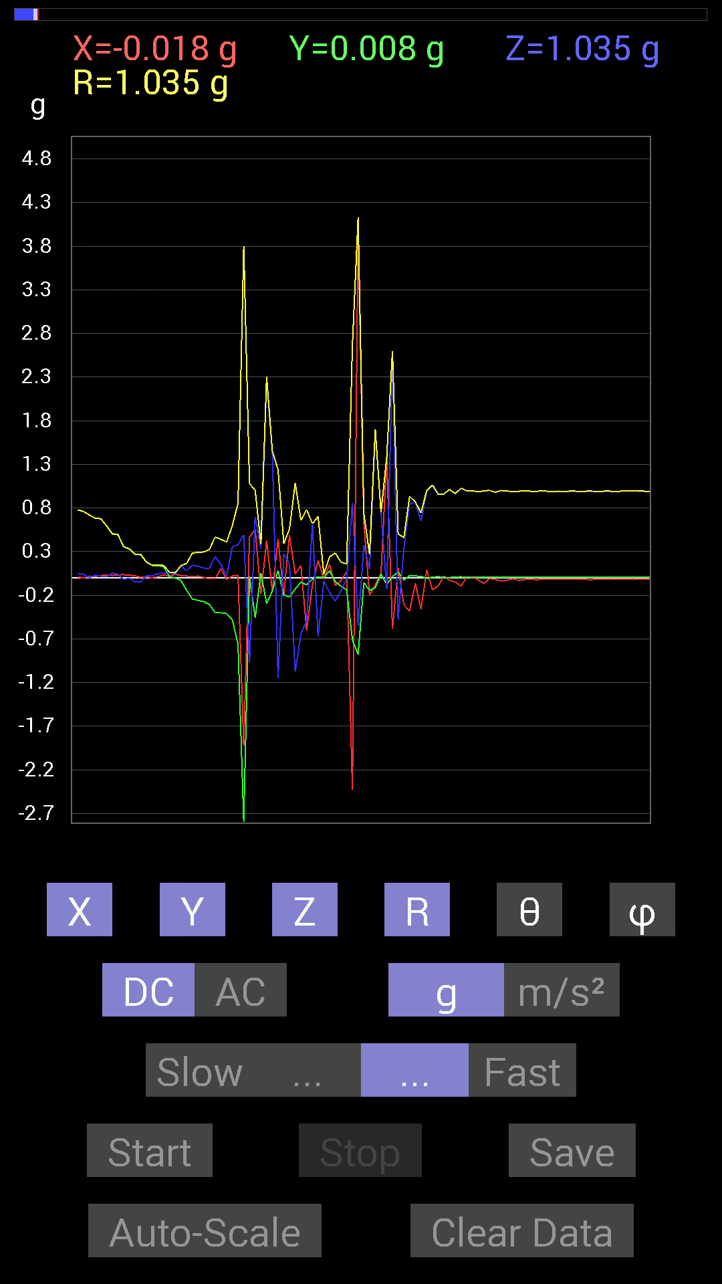
 | Keuwl | Accelerometer | Data | File |  | 2015-04-30 | 14-44-28
Number | Time(s) | X(g) | Y(g) | Z(g) | R(g) | Theta(deg) | Phi(deg)
1 | 15.06 | 0.042964146 | 0.9901383 | 0.07811691 | 0.99414384 | 85.49322 | 87.51537
2 | 15.062 | 0.019530004 | 0.9901383 | 0.09374122 | 0.9947576 | 84.5927 | 88.87002
3 | 15.083001 | 0.023435695 | 0.99404395 | 0.09569329 | 0.9989143 | 84.50279 | 88.64944
4 | 15.117001 | 0.027341384 | 0.99209034 | 0.101552606 | 0.99764913 | 84.15763 | 88.421364
5 | 15.123001 | 0.023435695 | 0.99209034 | 0.10741191 | 0.9981632 | 83.822464 | 88.64678
6 | 15.179001 | 0 | 0.99209034 | 0.08592984 | 0.9958048 | 85.04968 | 90
7 | 15.179001 | -0.0078113796 | 0.99209034 | 0.09374122 | 0.9965399 | 84.602394 | 90.45112
8 | 15.183001 | 0 | 0.99404395 | 0.101552606 | 0.9992178 | 84.16684 | 90
9 | 15.205001 | 0.0058593126 | 0.99209034 | 0.09374122 | 0.9965265 | 84.602325 | 89.66161
10 | 15.237 | -0.0058593126 | 0.995996 | 0.062494148 | 0.9979719 | 86.40972 | 90.33706
11 | 15.243001 | 0 | 0.9901383 | 0.0917876 | 0.99438363 | 84.70371 | 90
12 | 15.264001 | 0.0078113796 | 0.99209034 | 0.10936398 | 0.9981307 | 83.70954 | 89.54888
13 | 15.299001 | 0.019530004 | 0.9901383 | 0.14256468 | 1.0005398 | 81.808174 | 88.87002
14 | 15.304001 | 0.0078113796 | 0.98818463 | 0.14647037 | 0.9990112 | 81.56917 | 89.5471
15 | 15.325001 | -0.009765002 | 0.9862326 | 0.12108261 | 0.9936856 | 83.001 | 90.56728
16 | 15.359001 | 0.021482073 | 0.99209034 | 0.09569329 | 0.99692625 | 84.49179 | 88.75955
17 | 15.364 | 0.056634836 | 0.99209034 | 0.101552606 | 0.9988812 | 84.16486 | 86.732735
18 | 15.425001 | 0.06639984 | 0.99404395 | 0.097646914 | 1.0010331 | 84.402115 | 86.17845
19 | 15.425001 | 0.06444622 | 0.99794966 | 0.08788191 | 1.0038825 | 84.97778 | 86.305046
20 | 15.425001 | 0.048823457 | 0.995996 | 0.0917876 | 1.0014074 | 84.74097 | 87.19363
21 | 15.445001 | 0.042964146 | 0.9901383 | 0.09569329 | 0.99567914 | 84.48487 | 87.51537
22 | 15.501 | 0.056634836 | 0.98818463 | 0.08788191 | 0.99369997 | 84.926186 | 86.71986
23 | 15.501 | 0.06639984 | 0.98818463 | 0.07811691 | 0.99348885 | 85.49024 | 86.15586
24 | 15.5060005 | 0.060540527 | 0.98818463 | 0.11717536 | 0.99694735 | 83.25019 | 86.494194
25 | 15.525001 | 0.037106387 | 0.98818463 | 0.10936398 | 0.9949102 | 83.689095 | 87.84955
26 | 15.575001 | 0.027341384 | 0.98818463 | 0.09959898 | 0.99356747 | 84.24679 | 88.41513
27 | 15.576001 | 0.037106387 | 0.9901383 | 0.09374122 | 0.9952578 | 84.59542 | 87.85379
28 | 15.586 | 0.039058454 | 0.99404395 | 0.08592984 | 0.99851537 | 85.063156 | 87.74986
29 | 15.648001 | 0.04101208 | 0.99404395 | 0.0820226 | 0.998265 | 85.28697 | 87.63744
30 | 15.648001 | 0.039058454 | 0.99209034 | 0.08592984 | 0.9965705 | 85.0535 | 87.74544
31 | 15.648001 | 0.044917766 | 0.99404395 | 0.083976224 | 0.9985955 | 85.176056 | 87.41274
32 | 15.667001 | 0.044917766 | 0.99404395 | 0.09959898 | 1.0000304 | 84.284096 | 87.41274
33 | 15.719001 | 0.033199143 | 0.99209034 | 0.111317605 | 0.9988679 | 83.60145 | 88.08338
34 | 15.719001 | 0.033199143 | 0.98818463 | 0.09959898 | 0.9937459 | 84.247826 | 88.075806
35 | 15.727001 | 0.037106387 | 0.99209034 | 0.101552606 | 0.99796444 | 84.159485 | 87.85801
36 | 15.792001 | 0.035152763 | 0.9901383 | 0.09374122 | 0.9951869 | 84.59503 | 87.96669
37 | 15.792001 | 0.029293451 | 0.99209034 | 0.07811691 | 0.9955921 | 85.49979 | 88.308716
38 | 15.792001 | 0.023435695 | 0.995996 | 0.11326967 | 1.0026901 | 83.513695 | 88.652084
39 | 15.807001 | 0.017576382 | 0.99404395 | 0.10936398 | 1.0001963 | 83.72259 | 88.98702
40 | 15.827001 | 0.01171707 | 0.99209034 | 0.08788191 | 0.99604404 | 84.938156 | 89.32334
41 | 15.8550005 | 0.015622759 | 0.98818463 | 0.09569329 | 0.99293005 | 84.46956 | 89.09425
42 | 15.867001 | 0.019530004 | 0.9901383 | 0.10741191 | 0.9961388 | 83.80986 | 88.87002
43 | 15.887001 | 0.029293451 | 0.9901383 | 0.101552606 | 0.9957635 | 84.14653 | 88.30539
44 | 15.9140005 | 0.039058454 | 0.99209034 | 0.09374122 | 0.9972744 | 84.606384 | 87.74544
45 | 15.927001 | 0.037106387 | 0.99209034 | 0.111317605 | 0.9990054 | 83.60233 | 87.85801
46 | 15.966001 | 0.019530004 | 0.99404395 | 0.08788191 | 0.9981122 | 84.94867 | 88.87445
47 | 15.969001 | 0.015622759 | 0.99209034 | 0.07225915 | 0.99484104 | 85.83472 | 89.09782
48 | 15.988001 | 0.035152763 | 0.99404395 | 0.09959898 | 0.99963945 | 84.28185 | 87.97467
49 | 16.025002 | 0.035152763 | 0.99404395 | 0.09374122 | 0.9990728 | 84.61612 | 87.97467
50 | 16.03 | 0.027341384 | 0.99209034 | 0.07616484 | 0.9953853 | 85.61156 | 88.421364
51 | 16.082 | 0.015622759 | 0.99404395 | 0.070305526 | 0.99664956 | 85.95489 | 89.099594
52 | 16.082 | 0.01171707 | 0.99404395 | 0.07616484 | 0.99702644 | 85.61879 | 89.32467
53 | 16.089 | 0.009765002 | 0.99209034 | 0.0820226 | 0.99552315 | 85.27396 | 89.436066
54 | 16.139 | 0.013670692 | 0.99404395 | 0.0820226 | 0.99751586 | 85.283424 | 89.21208
55 | 16.140001 | 0.023435695 | 0.99404395 | 0.07616484 | 0.99723303 | 85.619705 | 88.64944
56 | 16.152 | 0.050777078 | 0.99209034 | 0.0917876 | 0.99762046 | 84.72095 | 87.070045
57 | 16.196001 | 0.05858846 | 0.9901383 | 0.09374122 | 0.9962901 | 84.601036 | 86.61364
58 | 16.197 | 0.052729145 | 0.9901383 | 0.08788191 | 0.99542826 | 84.93502 | 86.95163
59 | 16.210001 | 0.031247074 | 0.9901383 | 0.08788191 | 0.99452174 | 84.93039 | 88.192444
60 | 16.252 | 0.033199143 | 0.99209034 | 0.10741191 | 0.9984402 | 83.82419 | 88.08338
61 | 16.252 | 0.039058454 | 0.99209034 | 0.11717536 | 0.9997494 | 83.269196 | 87.74544
62 | 16.271 | 0.039058454 | 0.99209034 | 0.10350622 | 0.99823964 | 84.04838 | 87.74544
63 | 16.313002 | 0.037106387 | 0.9901383 | 0.09959898 | 0.9958266 | 84.25989 | 87.85379
64 | 16.313002 | 0.033199143 | 0.9901383 | 0.10350622 | 0.99608713 | 84.03547 | 88.079605
65 | 16.331001 | 0.035152763 | 0.9901383 | 0.10741191 | 0.99656755 | 83.81253 | 87.96669
66 | 16.369001 | 0.037106387 | 0.9901383 | 0.101552606 | 0.9960239 | 84.14807 | 87.85379
67 | 16.372002 | 0.027341384 | 0.99209034 | 0.09569329 | 0.9970697 | 84.492584 | 88.421364
68 | 16.392 | 0.017576382 | 0.99404395 | 0.08788191 | 0.9980759 | 84.94849 | 88.98702
69 | 16.427 | 0.019530004 | 0.99404395 | 0.07225915 | 0.9968581 | 85.84316 | 88.87445
70 | 16.432001 | 0.027341384 | 0.995996 | 0.015622759 | 0.9964937 | 89.10169 | 88.42755
71 | 16.452002 | 0.023435695 | 0.99794966 | -0.023435695 | 0.99849993 | 91.34491 | 88.654724
72 | 16.523 | 0.0058593126 | 0.99990326 | -0.025387762 | 1.0002427 | 91.454414 | 89.66426
73 | 16.523 | 0.019530004 | 0.995996 | 0.035152763 | 0.9968075 | 87.97903 | 88.876656
74 | 16.523 | 0.039058454 | 0.99794966 | 0.062494148 | 1.0006671 | 86.4194 | 87.75866
75 | 16.533 | 0.050777078 | 0.99209034 | 0.042964146 | 0.9943176 | 87.5235 | 87.070045
76 | 16.6 | 0.033199143 | 0.98818463 | 0.023435695 | 0.9890199 | 88.6422 | 88.075806
77 | 16.6 | 0.025387762 | 0.9862326 | -0.019530004 | 0.98675257 | 91.13409 | 88.525406
78 | 16.6 | 0.033199143 | 0.98818463 | 0.025387762 | 0.9890681 | 88.52915 | 88.075806
79 | 16.612001 | 0.031247074 | 0.99209034 | 0.08007053 | 0.9958067 | 85.388 | 88.196
80 | 16.632 | 0.037106387 | 0.995996 | 0.07811691 | 0.9997435 | 85.51852 | 87.8664
81 | 16.659 | 0.039058454 | 0.99209034 | 0.062494148 | 0.9948238 | 86.398346 | 87.74544
82 | 16.673 | 0.037106387 | 0.9862326 | 0.056634836 | 0.98855406 | 86.71569 | 87.8453
83 | 16.697 | 0.039058454 | 0.98818463 | 0.019530004 | 0.98914903 | 88.86867 | 87.736534
84 | 16.713001 | 0.031247074 | 0.9901383 | 0.050777078 | 0.99193174 | 87.06574 | 88.192444
85 | 16.744001 | 0.033199143 | 0.9901383 | 0.0917876 | 0.9949377 | 84.70667 | 88.079605
86 | 16.755001 | 0.027341384 | 0.99404395 | 0.09374122 | 0.9988285 | 84.6148 | 88.42446
87 | 16.795 | 0.029293451 | 0.9901383 | 0.06835346 | 0.9929271 | 86.05261 | 88.30539
88 | 16.795 | 0.035152763 | 0.9862326 | 0.042964146 | 0.9877937 | 87.50713 | 87.95864
89 | 16.814001 | 0.033199143 | 0.984279 | 0.021482073 | 0.985073 | 88.75042 | 88.06818
90 | 16.846 | 0.033199143 | 0.98232687 | 0.021482073 | 0.9831224 | 88.74794 | 88.06435
91 | 16.855001 | 0.031247074 | 0.9862326 | 0.08007053 | 0.9899709 | 85.360756 | 88.18529
92 | 16.922 | 0.035152763 | 0.984279 | 0.083976224 | 0.98848003 | 85.12657 | 87.9546
93 | 16.922 | 0.035152763 | 0.984279 | 0.070305526 | 0.98741263 | 85.916985 | 87.9546
94 | 16.923 | 0.035152763 | 0.98232687 | 0.056634836 | 0.9845858 | 86.70244 | 87.95053
95 | 16.934 | 0.039058454 | 0.97646755 | 0.019530004 | 0.9774435 | 88.85512 | 87.709404
96 | 16.956001 | 0.035152763 | 0.97646755 | 0.025387762 | 0.97742987 | 88.511635 | 87.93825
97 | 16.999 | 0.035152763 | 0.97646755 | 0.05468277 | 0.97862905 | 86.79682 | 87.93825
98 | 16.999 | 0.035152763 | 0.97646755 | 0.07616484 | 0.98006415 | 85.542816 | 87.93825
99 | 17.016 | 0.035152763 | 0.97451395 | 0.06444622 | 0.977275 | 86.218895 | 87.93412
100 | 17.046001 | 0.033199143 | 0.9686562 | 0.042964146 | 0.97017676 | 87.46184 | 88.03705
101 | 17.055 | 0.031247074 | 0.9667026 | 0.023435695 | 0.9674913 | 88.61198 | 88.14865
102 | 17.091002 | 0.033199143 | 0.9647505 | 0.04101208 | 0.9661924 | 87.56723 | 88.029106
103 | 17.095001 | 0.031247074 | 0.96279687 | 0.05858846 | 0.96508384 | 86.51954 | 88.14115
104 | 17.143002 | 0.031247074 | 0.9588912 | 0.06835346 | 0.96183205 | 85.92479 | 88.13358
105 | 17.143002 | 0.033199143 | 0.9510798 | 0.048823457 | 0.95291066 | 87.0631 | 88.0008
106 | 17.159 | 0.029293451 | 0.94717413 | 0.035152763 | 0.9482788 | 87.87556 | 88.22857
107 | 17.193 | 0.033199143 | 0.9413148 | 0.031247074 | 0.9424183 | 88.09994 | 87.98008
108 | 17.197 | 0.031247074 | 0.9393612 | 0.029293451 | 0.9403372 | 88.21483 | 88.0948
109 | 17.253 | 0.033199143 | 0.9295962 | 0.048823457 | 0.93146926 | 86.99544 | 87.954636
110 | 17.253 | 0.031247074 | 0.9237384 | 0.056634836 | 0.9260003 | 86.49356 | 88.06261
111 | 17.259 | 0.033199143 | 0.91983277 | 0.052729145 | 0.92194086 | 86.72126 | 87.932945
112 | 17.312 | 0.033199143 | 0.90225637 | 0.027341384 | 0.90328085 | 88.26545 | 87.892715
113 | 17.312 | 0.031247074 | 0.89249134 | 0.023435695 | 0.89334565 | 88.49675 | 87.994835
114 | 17.318 | 0.031247074 | 0.886632 | 0.025387762 | 0.88754565 | 88.36086 | 87.98159
115 | 17.37 | 0.029293451 | 0.87686706 | 0.029293451 | 0.8778451 | 88.0877 | 88.08663
116 | 17.37 | 0.029293451 | 0.84952724 | 0.044917766 | 0.8512181 | 86.97517 | 88.02511
117 | 17.378 | 0.037106387 | 0.8436679 | 0.05468277 | 0.8462521 | 86.295105 | 87.48163
118 | 17.448 | 0.037106387 | 0.81828016 | 0.027341384 | 0.8195772 | 88.08824 | 87.403595
119 | 17.448 | 0.048823457 | 0.8534329 | 0.050777078 | 0.85633504 | 86.60061 | 86.72578
120 | 17.448 | 0.017576382 | 0.78898513 | -0.039058454 | 0.7901469 | 92.8334 | 88.72382
121 | 17.458 | 0.009765002 | 0.77726805 | 0.048823457 | 0.77886117 | 86.40602 | 89.28022
122 | 17.478 | -0.0039056898 | 0.75773805 | 0.04101208 | 0.7588572 | 86.90197 | 90.29533
123 | 17.508001 | 0.019530004 | 0.7186796 | 0 | 0.7189449 | 90 | 88.44338
124 | 17.519001 | 0.015622759 | 0.6835268 | 0.029293451 | 0.68433255 | 87.54665 | 88.69067
125 | 17.545 | 0.025387762 | 0.67571545 | 0.019530004 | 0.67647415 | 88.34563 | 87.84831
126 | 17.563002 | 0.033199143 | 0.59564495 | 0.01171707 | 0.59668446 | 88.87481 | 86.80984
127 | 17.584002 | 0.025387762 | 0.5019037 | 0.052729145 | 0.5053041 | 84.01021 | 87.10428
128 | 17.599 | 0.033199143 | 0.49214026 | 0.039058454 | 0.49480277 | 85.47251 | 86.14075
129 | 17.630001 | 0.035152763 | 0.3554349 | -0.017576382 | 0.3576012 | 92.81727 | 84.351776
130 | 17.640001 | 0.029293451 | 0.33004558 | -0.0039056898 | 0.33136603 | 90.67534 | 84.927956
131 | 17.68 | 0.023435695 | 0.26559937 | -0.046869833 | 0.2707195 | 99.96989 | 84.95745
132 | 17.68 | 0.0039056898 | 0.26364574 | -0.046869833 | 0.26780796 | 100.07941 | 89.151276
133 | 17.7 | 0.0078113796 | 0.17771745 | 0.025387762 | 0.17969154 | 81.87778 | 87.483246
134 | 17.731 | 0 | 0.14061105 | 0.021482073 | 0.14224257 | 81.31371 | 90
135 | 17.741001 | 0.013670692 | 0.14061105 | 0.046869833 | 0.14884602 | 71.64594 | 84.44696
136 | 17.78 | 0.031247074 | 0.12694037 | 0.052729145 | 0.1409631 | 68.03356 | 76.17126
137 | 17.781 | 0.021482073 | 0.01171707 | 0.060540527 | 0.06529873 | 22.007965 | 28.609587
138 | 17.801 | 0.039058454 | -0.0019536226 | 0.04101208 | 0.056668952 | 43.638077 | 357.13657
139 | 17.829 | 0.025387762 | -0.031247074 | 0.13279969 | 0.13876842 | 16.86563 | 309.09332
140 | 17.841002 | 0.019530004 | -0.14061105 | 0.0820226 | 0.16395304 | 59.9814 | 277.90744
141 | 17.877 | 0.01171707 | -0.24216366 | 0.14256468 | 0.2812565 | 59.54344 | 272.77008
142 | 17.881 | 0.019530004 | -0.25974005 | 0.13475175 | 0.29326499 | 62.645924 | 274.30002
143 | 17.926 | 0.0039056898 | -0.27341074 | 0.111317605 | 0.29522923 | 67.848625 | 270.81842
144 | 17.927 | -0.01171707 | -0.30661142 | 0.10741191 | 0.32509255 | 70.706696 | 267.81152
145 | 17.942001 | -0.009765002 | -0.39839903 | 0.24411729 | 0.467344 | 58.50996 | 268.59592
146 | 17.975 | 0.10545829 | -0.4003511 | 0.15037607 | 0.4404718 | 70.03795 | 284.75732
147 | 17.982 | -0.017576382 | -0.4101161 | 0.017576382 | 0.41086867 | 87.54822 | 267.54596
148 | 18.023 | 0.019530004 | -0.48042163 | 0.35348126 | 0.59677076 | 53.677944 | 272.32788
149 | 18.023 | 0.029293451 | -0.76359737 | 0.38082266 | 0.85379446 | 63.510387 | 272.19693
150 | 18.043001 | -1.9236401 | -3.243824 | 0.49214026 | 3.8032866 | 82.565155 | 239.33138
151 | 18.071001 | 0.46675095 | 0.015622759 | -0.9725619 | 1.0788777 | 154.35027 | 1.9170483
152 | 18.083 | 0.5526808 | -0.4569875 | 0.69915116 | 1.0015517 | 45.727802 | 320.41415
153 | 18.119001 | -0.18748245 | 0.05468277 | 0.33395126 | 0.38686344 | 30.319046 | 163.73969
154 | 18.123001 | 0.42574042 | -0.29489282 | 2.2458744 | 2.3048143 | 12.985373 | 325.29126
155 | 18.169 | -0.15428175 | -0.15037607 | 1.4354072 | 1.4514853 | 8.535916 | 224.26552
156 | 18.169 | 0.4433168 | 0.083976224 | -1.1522315 | 1.2374244 | 158.61528 | 10.726284
157 | 18.184 | -0.1972459 | -0.1972459 | 0.27341074 | 0.39059612 | 45.57434 | 225
158 | 18.220001 | 0.49018663 | -0.2206816 | 0.16209313 | 0.56147796 | 73.22045 | 335.76276
159 | 18.224 | 0.044917766 | -0.12889399 | -1.0760666 | 1.0846891 | 172.7708 | 289.21274
160 | 18.273 | 0.14061105 | -0.050777078 | -0.6405627 | 0.65777683 | 166.86311 | 340.14447
161 | 18.273 | -0.6054099 | -0.08007053 | -0.488233 | 0.7818593 | 128.64192 | 187.53412
162 | 18.285002 | -0.08592984 | -0.017576382 | 0.6132213 | 0.619462 | 8.1397915 | 191.56001
163 | 18.327002 | 0.19919951 | 0.01171707 | -0.67376184 | 0.70268965 | 163.50262 | 3.3663034
164 | 18.327002 | -0.013670692 | 0.0019536226 | -0.039058454 | 0.04142786 | 160.52834 | 171.86716
165 | 18.344002 | 0.15232968 | 0.08007053 | -0.16795245 | 0.24046548 | 134.30255 | 27.728199
166 | 18.381 | -0.08788191 | -0.042964146 | -0.26755142 | 0.2848735 | 159.91661 | 206.05331
167 | 18.386002 | -0.029293451 | -0.097646914 | -0.14647037 | 0.17845614 | 145.16135 | 253.30109
168 | 18.439001 | 0.070305526 | -0.14061105 | -0.01171707 | 0.15764399 | 94.262505 | 296.56506
169 | 18.439001 | -2.4255455 | -0.71282184 | 0.8573386 | 2.6695347 | 71.26712 | 196.37706
170 | 18.446001 | 3.99961 | -0.87882066 | -0.5487751 | 4.131629 | 97.63275 | 347.6075
171 | 18.493 | 0.62884563 | -0.05468277 | 0.37496334 | 0.73418975 | 59.288383 | 355.0302
172 | 18.493 | -0.20310521 | -0.14451675 | 0.101552606 | 0.26916492 | 67.83423 | 215.43324
173 | 18.506 | -0.07811691 | -0.11326967 | 1.6931951 | 1.6987766 | 4.645828 | 235.40775
174 | 18.547 | 0.046869833 | 0.04101208 | 0.746021 | 0.7486161 | 4.772124 | 41.1866
175 | 18.548 | 1.370961 | -0.07616484 | -0.13084605 | 1.3792953 | 95.44352 | 356.82016
176 | 18.567001 | -0.5858799 | 0.015622759 | 2.5329556 | 2.5998776 | 13.028117 | 178.47255
177 | 18.61 | 0.11326967 | 0.06639984 | -0.48237526 | 0.49992484 | 164.77359 | 30.379269
178 | 18.61 | -0.3085635 | -0.025387762 | 0.34176418 | 0.46114936 | 42.173615 | 184.70355
179 | 18.627 | -0.3827747 | 0.025387762 | 0.84952724 | 0.9321253 | 24.302204 | 176.20538
180 | 18.665 | -0.06444622 | 0.019530004 | 0.8671036 | 0.8697145 | 4.4407377 | 163.14091
181 | 18.667002 | -0.35934058 | 0.017576382 | 0.6503277 | 0.7432097 | 28.95197 | 177.19974
182 | 18.687 | 0.08788191 | -0.0078113796 | 0.99794966 | 1.0018423 | 5.0524135 | 354.92062
183 | 18.729 | -0.13865899 | 0.0078113796 | 1.0545845 | 1.0636897 | 7.5021343 | 176.77563
184 | 18.729 | -0.09374122 | 0.013670692 | 0.9549855 | 0.9596727 | 5.6651387 | 171.70279
185 | 18.748001 | 0.017576382 | 0.0039056898 | 0.96084327 | 0.96101195 | 1.073561 | 12.528271
186 | 18.791 | -0.027341384 | 0.0019536226 | 1.0116203 | 1.0119916 | 1.5521735 | 175.913
187 | 18.791 | -0.050777078 | 0.009765002 | 0.96279687 | 0.96418434 | 3.0741525 | 169.11427
188 | 18.808 | -0.09374122 | 0.01171707 | 1.0233374 | 1.0276887 | 5.2744036 | 172.87534
189 | 18.857 | 0.0039056898 | 0.0058593126 | 0.995996 | 0.9960209 | 0.4054182 | 56.313442
190 | 18.857 | 0.013670692 | 0.0019536226 | 0.995996 | 0.9960917 | 0.7942618 | 8.13284
191 | 18.869001 | -0.025387762 | 0.0078113796 | 0.984279 | 0.9846373 | 1.5458568 | 162.89777
192 | 18.917002 | -0.06444622 | 0.009765002 | 0.99404395 | 0.99617875 | 3.7516544 | 171.38399
193 | 18.917002 | -0.0078113796 | 0.0039056898 | 1.0018554 | 1.0018934 | 0.49928528 | 153.43495
194 | 18.929 | -0.019530004 | 0.0058593126 | 0.97841966 | 0.9786321 | 1.1938658 | 163.29991
195 | 18.981 | -0.037106387 | 0.0078113796 | 0.99990326 | 1.000622 | 2.1718671 | 168.11208
196 | 18.981 | -0.029293451 | 0.0058593126 | 0.995996 | 0.9964439 | 1.7180556 | 168.6889
197 | 18.992 | -0.009765002 | 0.0058593126 | 0.984279 | 0.98434484 | 0.6629335 | 149.0349
198 | 19.043001 | -0.029293451 | 0.0058593126 | 0.9901383 | 0.9905889 | 1.728277 | 168.6889
199 | 19.043001 | -0.021482073 | 0.0058593126 | 0.995996 | 0.99624485 | 1.2806945 | 164.74348
200 | 19.053001 | -0.01171707 | 0.0058593126 | 0.99209034 | 0.99217683 | 0.75640523 | 153.43192
201 | 19.103 | -0.021482073 | 0.0058593126 | 0.9901383 | 0.99038863 | 1.2883117 | 164.74348
202 | 19.104 | -0.017576382 | 0.0039056898 | 0.99404395 | 0.99420696 | 1.0375975 | 167.47173
203 | 19.111 | -0.01171707 | 0.0058593126 | 0.99209034 | 0.99217683 | 0.75640523 | 153.43192
204 | 19.165 | -0.019530004 | 0.0058593126 | 0.98818463 | 0.988395 | 1.1820055 | 163.29991
205 | 19.165 | -0.015622759 | 0.0039056898 | 0.99209034 | 0.99222106 | 0.92999065 | 165.96376
206 | 19.17 | -0.017576382 | 0.0078113796 | 0.9901383 | 0.9903251 | 1.112939 | 156.03845
207 | 19.228 | -0.017576382 | 0.0058593126 | 0.99209034 | 0.9922633 | 1.0699092 | 161.56352
208 | 19.228 | -0.015622759 | 0.0058593126 | 0.99209034 | 0.99223065 | 0.96347433 | 159.44145
209 | 19.232 | -0.015622759 | 0.0039056898 | 0.9901383 | 0.99026924 | 0.93188244 | 165.96376
210 | 19.255001 | -0.019530004 | 0.0058593126 | 0.99209034 | 0.99229985 | 1.1773609 | 163.29991
211 | 19.289001 | -0.019530004 | 0.0058593126 | 0.99209034 | 0.99229985 | 1.1773609 | 163.29991
212 | 19.293001 | -0.017576382 | 0.0058593126 | 0.98818463 | 0.9883583 | 1.0741075 | 161.56352
213 | 19.349 | -0.017576382 | 0.0058593126 | 0.99209034 | 0.9922633 | 1.0699092 | 161.56352
214 | 19.349 | -0.019530004 | 0.0058593126 | 0.99209034 | 0.99229985 | 1.1773609 | 163.29991
215 | 19.353 | -0.017576382 | 0.0058593126 | 0.9901383 | 0.9903116 | 1.0719192 | 161.56352
216 | 19.410002 | -0.017576382 | 0.0039056898 | 0.99209034 | 0.9922537 | 1.0396699 | 167.47173
217 | 19.410002 | -0.017576382 | 0.0058593126 | 0.99404395 | 0.99421656 | 1.0677122 | 161.56352
218 | 19.415 | -0.019530004 | 0.0039056898 | 0.99404395 | 0.99424344 | 1.147736 | 168.69095
219 | 19.435001 | -0.015622759 | 0.0058593126 | 0.99209034 | 0.99223065 | 0.96347433 | 159.44145
220 | 19.473001 | -0.017576382 | 0.0039056898 | 0.99209034 | 0.9922537 | 1.0396699 | 167.47173
221 | 19.473001 | -0.017576382 | 0.0058593126 | 0.9901383 | 0.9903116 | 1.0719192 | 161.56352
222 | 19.493 | -0.017576382 | 0.0058593126 | 0.9901383 | 0.9903116 | 1.0719192 | 161.56352
223 | 19.534 | -0.017576382 | 0.0039056898 | 0.99209034 | 0.9922537 | 1.0396699 | 167.47173
224 | 19.534 | -0.021482073 | 0.0058593126 | 0.995996 | 0.99624485 | 1.2806945 | 164.74348
225 | 19.554 | -0.0058593126 | 0.0058593126 | 0.96084327 | 0.960879 | 0.49416426 | 135
226 | 19.594002 | -0.029293451 | 0.0078113796 | 1.0135725 | 1.0140257 | 1.7131506 | 165.06895
227 | 19.595001 | -0.015622759 | 0.0058593126 | 0.9667026 | 0.9668466 | 0.9889315 | 159.44145
228 | 19.614 | -0.015622759 | 0.0058593126 | 0.99209034 | 0.99223065 | 0.96347433 | 159.44145
229 | 19.656 | -0.013670692 | 0.009765002 | 0.9686562 | 0.96880186 | 0.99366903 | 144.4617
230 | 19.656 | -0.0078113796 | 0.0058593126 | 1.0213853 | 1.0214319 | 0.5475121 | 143.12645
231 | 19.674002 | -0.0019536226 | 0.0058593126 | 1.0272431 | 1.0272617 | 0.34491742 | 108.439514
232 | 19.737001 | 0.017576382 | 0.0058593126 | 1.1209843 | 1.1211374 | 0.9468805 | 18.43647
233 | 19.737001 | -0.009765002 | 0.0039056898 | 0.9217848 | 0.92184484 | 0.65371937 | 158.20016
234 | 19.774 | -0.025387762 | 0.0078113796 | 1.0702088 | 1.0705384 | 1.4218901 | 162.89777
235 | 19.802 | 0.0019536226 | 0.0019536226 | 0.9491262 | 0.9491302 | 0.16668902 | 45

第三次
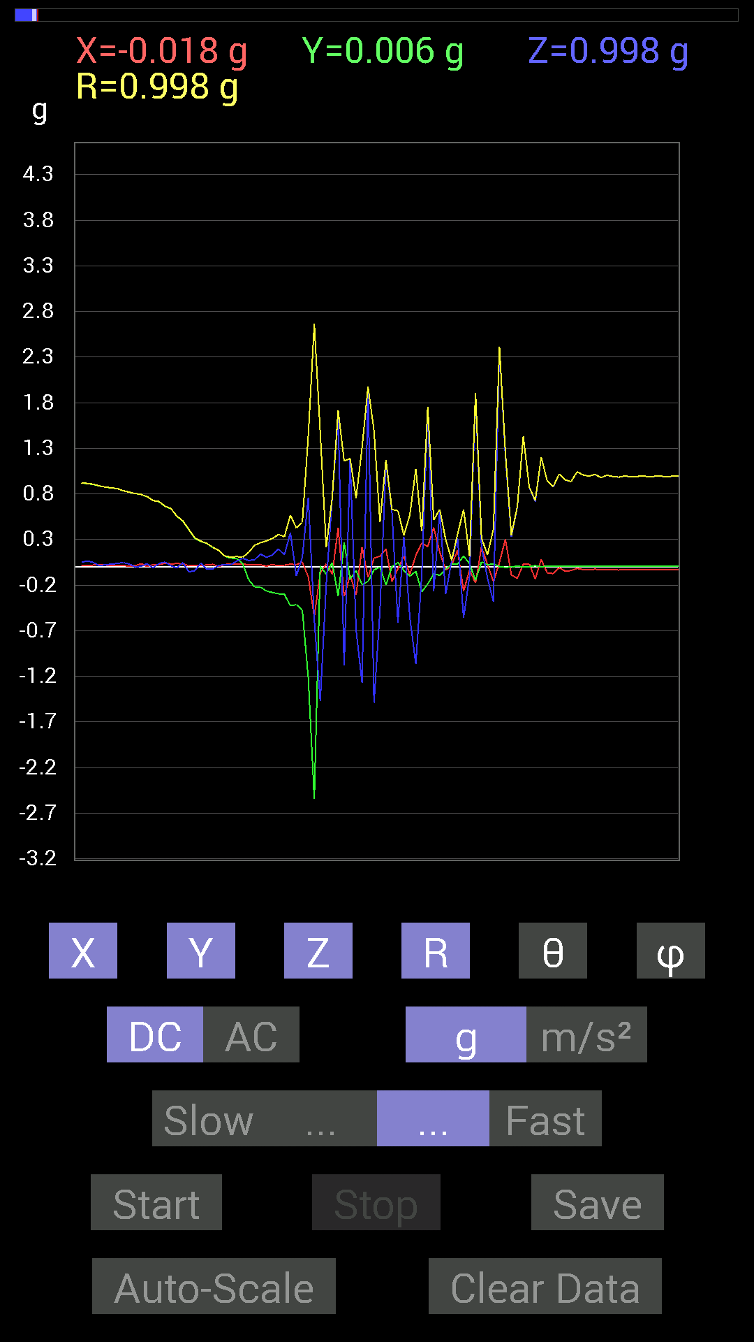
 | Keuwl | Accelerometer | Data | File |  | 2015-04-30 | 14-45-37
Number | Time(s) | X(g) | Y(g) | Z(g) | R(g) | Theta(deg) | Phi(deg)
1 | 56.379 | 0.023435695 | 0.9588912 | -0.0019536226 | 0.9591795 | 90.1167 | 88.599945
2 | 56.413002 | 0.0078113796 | 0.95693755 | 0.048823457 | 0.95821404 | 87.07937 | 89.53231
3 | 56.416004 | 0.017576382 | 0.95693755 | 0.06639984 | 0.95939946 | 86.031395 | 88.94775
4 | 56.435 | 0.025387762 | 0.9510798 | 0.060540527 | 0.9533428 | 86.35907 | 88.47093
5 | 56.473003 | -0.0078113796 | 0.94326687 | 0.037106387 | 0.94402874 | 87.74733 | 90.474464
6 | 56.476 | 0.0039056898 | 0.9374091 | 0.009765002 | 0.9374681 | 89.403175 | 89.761284
7 | 56.496002 | 0.0078113796 | 0.9295962 | 0.0039056898 | 0.92963725 | 89.759285 | 89.518555
8 | 56.539 | -0.0019536226 | 0.91983277 | 0.039058454 | 0.9206638 | 87.56854 | 90.12169
9 | 56.539 | 0.01171707 | 0.91983277 | 0.048823457 | 0.9212021 | 86.961914 | 89.27019
10 | 56.558002 | 0.015622759 | 0.9120198 | 0.06444622 | 0.9144274 | 85.95861 | 89.01863
11 | 56.613003 | 0.019530004 | 0.9042084 | 0.048823457 | 0.90573615 | 86.90999 | 88.76266
12 | 56.613003 | 0.025387762 | 0.886632 | 0.01171707 | 0.8870728 | 89.24318 | 88.35985
13 | 56.619003 | 0.019530004 | 0.87491494 | 0.023435695 | 0.8754467 | 88.46601 | 88.721245
14 | 56.647003 | 0.015622759 | 0.86515 | 0.029293451 | 0.86578673 | 88.06106 | 88.96547
15 | 56.657 | 0.013670692 | 0.8573386 | 0.037106387 | 0.8582501 | 87.52205 | 89.086464
16 | 56.688004 | 0.013670692 | 0.8339029 | 0.046869833 | 0.8353309 | 86.783485 | 89.0608
17 | 56.697002 | 0.0078113796 | 0.81828016 | 0.031247074 | 0.8189138 | 87.81325 | 89.453064
18 | 56.736004 | 0.013670692 | 0.8046094 | 0 | 0.8047255 | 90 | 89.02661
19 | 56.737003 | 0.035152763 | 0.79289085 | 0.0058593126 | 0.79369134 | 89.57702 | 87.46146
20 | 56.759003 | 0.0039056898 | 0.7694567 | 0.033199143 | 0.7701825 | 87.529465 | 89.709175
21 | 56.785004 | 0.023435695 | 0.726491 | -0.009765002 | 0.7269345 | 90.769684 | 88.15235
22 | 56.798004 | 0.025387762 | 0.7147739 | 0.037106387 | 0.7161865 | 87.03011 | 87.96579
23 | 56.832005 | 0.039058454 | 0.66204476 | 0.052729145 | 0.6652888 | 85.45411 | 86.62365
24 | 56.838 | 0.033199143 | 0.63860905 | 0.01171707 | 0.63957876 | 88.95029 | 87.02406
25 | 56.884003 | 0.035152763 | 0.55463284 | -0.01171707 | 0.5558693 | 91.20782 | 86.37343
26 | 56.884003 | 0.033199143 | 0.49995163 | 0.046869833 | 0.5032401 | 84.655945 | 86.20087
27 | 56.899002 | 0.013670692 | 0.40621042 | -0.056634836 | 0.41036728 | 97.93272 | 88.07248
28 | 56.937004 | 0.013670692 | 0.31246918 | -0.04101208 | 0.3154455 | 97.47035 | 87.49488
29 | 56.939003 | 0.01171707 | 0.27927005 | 0.04101208 | 0.2825085 | 81.65281 | 87.5975
30 | 56.991 | 0.021482073 | 0.25583434 | -0.025387762 | 0.25798687 | 95.64745 | 85.20021
31 | 56.991 | 0.027341384 | 0.21091658 | -0.021482073 | 0.21376349 | 95.767654 | 82.61386
32 | 57.001003 | 0.0039056898 | 0.17966951 | 0.015622759 | 0.18038975 | 85.03164 | 88.75469
33 | 57.038002 | 0.023435695 | 0.115223296 | 0.023435695 | 0.11989525 | 78.72793 | 78.50322
34 | 57.041004 | 0.035152763 | 0.097646914 | 0.023435695 | 0.10639487 | 77.275055 | 70.20119
35 | 57.085003 | 0.027341384 | 0.08983553 | 0.062494148 | 0.11279846 | 56.355816 | 73.07241
36 | 57.086002 | 0.033199143 | 0.037106387 | 0.09374122 | 0.1061437 | 27.97481 | 48.180954
37 | 57.100002 | 0.019530004 | -0.13865899 | 0.070305526 | 0.15668632 | 63.33954 | 278.01733
38 | 57.133003 | 0.019530004 | -0.22263521 | 0.07811691 | 0.23674905 | 70.73386 | 275.01328
39 | 57.141003 | 0.021482073 | -0.22263521 | 0.14061105 | 0.2641957 | 57.84422 | 275.5114
40 | 57.185 | 0.0078113796 | -0.26559937 | 0.10350622 | 0.2851624 | 68.71712 | 271.6846
41 | 57.185 | 0.025387762 | -0.2812221 | 0.13084605 | 0.31120908 | 65.13737 | 275.15848
42 | 57.201004 | 0.01171707 | -0.29489282 | 0.19529383 | 0.35389087 | 56.506138 | 272.27536
43 | 57.261 | 0.017576382 | -0.3027042 | 0.13279969 | 0.3310204 | 66.34786 | 273.32312
44 | 57.261 | 0.029293451 | -0.42574042 | 0.37301126 | 0.56678957 | 48.84393 | 273.9361
45 | 57.261 | 0.023435695 | -0.4140218 | -0.097646914 | 0.42602605 | 103.25022 | 273.23978
46 | 57.29 | 0.052729145 | -0.47261027 | 0.10545829 | 0.48709577 | 77.49621 | 276.36615
47 | 57.301003 | -0.111317605 | -1.2225369 | 0.75773805 | 1.4426209 | 58.31486 | 264.7973
48 | 57.329002 | -0.5448694 | -2.5427208 | -0.58002216 | 2.6643455 | 102.57385 | 257.90524
49 | 57.342003 | -0.06835346 | 0.0078113796 | -1.47056 | 1.4721684 | 177.32138 | 173.48056
50 | 57.376003 | 0.033199143 | -0.08007053 | -0.1933402 | 0.21188182 | 155.85185 | 292.52005
51 | 57.384003 | -0.08007053 | 0.046869833 | 0.75383234 | 0.7595204 | 7.016519 | 149.65714
52 | 57.427002 | 0.42769247 | -0.3183285 | 1.630701 | 1.7156456 | 18.105064 | 323.33994
53 | 57.427002 | -0.32223418 | 0.26559937 | -1.0819259 | 1.1597161 | 158.89514 | 140.50317
54 | 57.443005 | -0.0917876 | -0.13475175 | 1.175667 | 1.1869186 | 7.895457 | 235.73885
55 | 57.475002 | -0.3085635 | -0.04101208 | -0.6874325 | 0.75462365 | 155.63846 | 187.57097
56 | 57.483 | 0.2167759 | -0.19529383 | -1.273314 | 1.3063154 | 167.0938 | 317.98425
57 | 57.526 | -0.11717536 | -0.16014107 | 1.9627001 | 1.9727055 | 5.773056 | 233.80704
58 | 57.526 | 0.09569329 | -0.033199143 | -1.4900899 | 1.4935285 | 176.11128 | 340.86667
59 | 57.543003 | 0.11717536 | -0.0039056898 | -0.47456387 | 0.48883146 | 166.123 | 358.0909
60 | 57.573 | 0.1972459 | -0.19919951 | 1.1366086 | 1.1706688 | 13.854893 | 314.71765
61 | 57.584003 | -0.16014107 | 0.0019536226 | 0.607362 | 0.6281222 | 14.771856 | 179.30106
62 | 57.620003 | -0.019530004 | 0.046869833 | -0.6132213 | 0.61531985 | 175.26662 | 112.62081
63 | 57.624004 | 0.11326967 | -0.04101208 | 0.32613987 | 0.3476769 | 20.27265 | 340.09595
64 | 57.670002 | -0.083976224 | -0.101552606 | -0.5526808 | 0.5681734 | 166.58931 | 230.41187
65 | 57.670002 | 0.12694037 | -0.048823457 | -1.0663031 | 1.0749419 | 172.7312 | 338.9624
66 | 57.685 | 0.26169366 | -0.27341074 | -0.08592984 | 0.38809913 | 102.791985 | 313.7456
67 | 57.719 | 0.2206816 | -0.18748245 | 1.7322536 | 1.7562894 | 9.489992 | 319.6501
68 | 57.725002 | 0.4315982 | -0.07811691 | -0.26559937 | 0.51275945 | 121.196884 | 349.74084
69 | 57.768 | 0.16599882 | -0.0917876 | 0.60150427 | 0.63070434 | 17.502762 | 331.06
70 | 57.768 | -0.039058454 | -0.023435695 | -0.29684642 | 0.3003208 | 171.27625 | 210.96443
71 | 57.785004 | 0.021482073 | 0.027341384 | 0.06444622 | 0.07322804 | 28.348505 | 51.84335
72 | 57.816 | 0.18162313 | 0.033199143 | 0.31051713 | 0.36126173 | 30.735577 | 10.358813
73 | 57.825005 | -0.26559937 | 0.11717536 | -0.55658644 | 0.62774324 | 152.45485 | 156.19421
74 | 57.866 | -0.035152763 | 0.035152763 | -0.10545829 | 0.116588525 | 154.7606 | 135
75 | 57.866 | -0.17576382 | -0.14842243 | 1.8923931 | 1.9063247 | 6.931153 | 220.17917
76 | 57.885002 | 0.21872796 | 0.05468277 | 0.22263521 | 0.3168573 | 45.361164 | 14.036435
77 | 57.915 | 0.027341384 | 0.021482073 | -0.124988295 | 0.12973474 | 164.45372 | 38.15665
78 | 57.926003 | -0.16209313 | 0.033199143 | -0.3827747 | 0.41700462 | 156.62312 | 168.42503
79 | 57.965004 | 0.046869833 | 0.0039056898 | 2.4138267 | 2.414285 | 1.1162747 | 4.7634845
80 | 57.966003 | 0.30465782 | -0.0058593126 | 1.2147255 | 1.2523613 | 14.082091 | 358.8982
81 | 58.016003 | -0.08983553 | -0.0019536226 | 0.33199918 | 0.3439443 | 15.144467 | 181.24579
82 | 58.016003 | -0.124988295 | 0.0078113796 | 0.65227973 | 0.6641927 | 10.868049 | 176.42384
83 | 58.027004 | 0.027341384 | 0 | 1.4295478 | 1.4298091 | 1.095394 | 0
84 | 58.066 | 0.033199143 | 0.0019536226 | 0.87296134 | 0.8735946 | 2.1816676 | 3.3677192
85 | 58.067 | -0.13279969 | 0.013670692 | 0.7147739 | 0.7271343 | 10.579459 | 174.12254
86 | 58.115 | 0.08007053 | 0 | 1.1991012 | 1.2017716 | 3.820288 | 0
87 | 58.115 | -0.06444622 | 0.0078113796 | 0.9413148 | 0.9435507 | 3.9451618 | 173.08902
88 | 58.128002 | -0.07421122 | 0.009765002 | 0.87491494 | 0.87811095 | 4.889884 | 172.50386
89 | 58.162003 | -0.0078113796 | 0.0039056898 | 1.0174797 | 1.0175171 | 0.49138466 | 153.43495
90 | 58.168003 | -0.046869833 | 0.0078113796 | 0.9530319 | 0.9542157 | 2.854305 | 170.53798
91 | 58.210003 | -0.04101208 | 0.0078113796 | 0.93350345 | 0.93443656 | 2.5607083 | 169.21631
92 | 58.210003 | -0.015622759 | 0.0058593126 | 1.0409138 | 1.0410476 | 0.9185583 | 159.44145
93 | 58.237003 | -0.031247074 | 0.0058593126 | 1.0077146 | 1.0082159 | 1.8067777 | 169.37949
94 | 58.248 | -0.033199143 | 0.0058593126 | 0.99404395 | 0.99461544 | 1.9423925 | 169.99095
95 | 58.291004 | -0.025387762 | 0.0078113796 | 1.0135725 | 1.0139204 | 1.5011563 | 162.89777
96 | 58.291004 | -0.031247074 | 0.0058593126 | 0.97841966 | 0.978936 | 1.8609893 | 169.37949

第四次
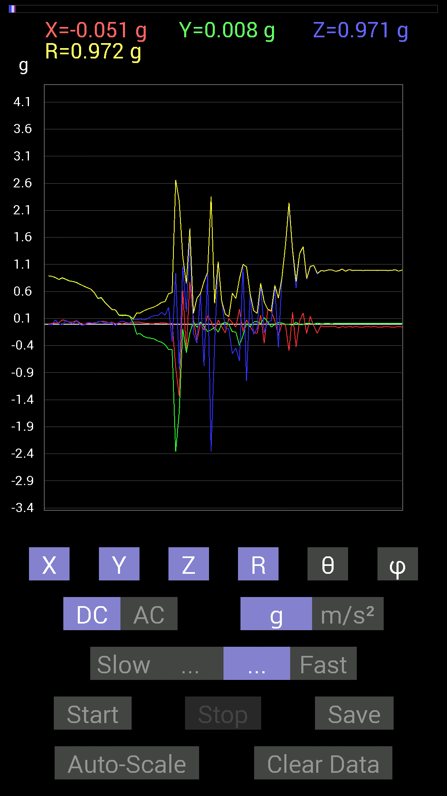
 | Keuwl | Accelerometer | Data | File |  | 2015-04-30 | 14-45-59
Number | Time(s) | X(g) | Y(g) | Z(g) | R(g) | Theta(deg) | Phi(deg)
1 | 11.262 | 0.013670692 | 0.9237384 | 0.0820226 | 0.92747355 | 84.92633 | 89.15212
2 | 11.290001 | 0.025387762 | 0.9237384 | 0.052729145 | 0.9255904 | 86.7342 | 88.4257
3 | 11.304001 | -0.0019536226 | 0.9237384 | 0.023435695 | 0.9240377 | 88.54669 | 90.12118
4 | 11.334001 | 0.017576382 | 0.91397345 | 0.019530004 | 0.91435105 | 88.7761 | 88.89829
5 | 11.344001 | 0.021482073 | 0.89835066 | 0.023435695 | 0.898913 | 88.506065 | 88.63016
6 | 11.38 | -0.0019536226 | 0.89053774 | -0.01171707 | 0.89061695 | 90.753815 | 90.125694
7 | 11.384001 | 0.009765002 | 0.88077426 | -0.01171707 | 0.8809063 | 90.76212 | 89.3648
8 | 11.460001 | 0.017576382 | 0.8573386 | 0.07421122 | 0.8607239 | 85.05384 | 88.82554
9 | 11.460001 | 0.023435695 | 0.8221858 | 0.0058593126 | 0.82254064 | 89.59185 | 88.36728
10 | 11.460001 | 0.07616484 | 0.8514793 | -0.015622759 | 0.8550217 | 91.04695 | 84.8885
11 | 11.464001 | 0.060540527 | 0.8221858 | 0.06639984 | 0.8270814 | 85.39522 | 85.788704
12 | 11.490001 | 0.035152763 | 0.79484445 | 0.027341384 | 0.7960911 | 88.031815 | 87.46769
13 | 11.504001 | 0.037106387 | 0.7850794 | 0.0039056898 | 0.78596556 | 89.71528 | 87.29396
14 | 11.535001 | 0.062494148 | 0.76359737 | 0.05858846 | 0.7683873 | 85.62703 | 85.32124
15 | 11.545 | 0.017576382 | 0.7323503 | -0.01171707 | 0.73265487 | 90.91635 | 88.62517
16 | 11.596001 | -0.0078113796 | 0.7011032 | -0.025387762 | 0.7016062 | 92.073715 | 90.638336
17 | 11.596001 | 0.0078113796 | 0.6718098 | 0.027341384 | 0.6724113 | 87.66962 | 89.33383
18 | 11.606001 | 0.013670692 | 0.646422 | 0.023435695 | 0.64699113 | 87.92414 | 88.788475
19 | 11.670001 | 0.021482073 | 0.58002216 | 0.0058593126 | 0.5804494 | 89.42162 | 87.87893
20 | 11.670001 | 0.033199143 | 0.47261027 | 0.04101208 | 0.47554666 | 85.05255 | 85.98178
21 | 11.670001 | 0.052729145 | 0.48237526 | 0.048823457 | 0.48769864 | 84.2545 | 83.76168
22 | 11.687 | 0.044917766 | 0.39839903 | 0.015622759 | 0.40122744 | 87.768486 | 83.567314
23 | 11.755 | 0.025387762 | 0.33395126 | 0.029293451 | 0.33619353 | 85.00133 | 85.6526
24 | 11.755 | 0.035152763 | 0.26755142 | 0.015622759 | 0.2703027 | 86.686615 | 82.51495
25 | 11.755 | 0.0039056898 | 0.25778797 | -0.025387762 | 0.25906453 | 95.623886 | 89.13199
26 | 11.766001 | 0.01171707 | 0.16014107 | 0.035152763 | 0.16437204 | 77.65129 | 85.815285
27 | 11.828001 | 0.0039056898 | 0.15232968 | 0.052729145 | 0.161245 | 70.91245 | 88.53127
28 | 11.829 | 0.019530004 | 0.16014107 | 0.031247074 | 0.16432577 | 79.03828 | 83.04683
29 | 11.829 | 0.015622759 | 0.14256468 | 0.017576382 | 0.14449114 | 83.01305 | 83.74627
30 | 11.85 | 0.037106387 | 0.023435695 | 0.083976224 | 0.09475295 | 27.592405 | 32.275738
31 | 11.936001 | 0.031247074 | -0.18552883 | 0.07811691 | 0.20371446 | 67.45166 | 279.56012
32 | 11.936001 | 0.031247074 | -0.17966951 | 0.09374122 | 0.2050486 | 62.795624 | 279.86588
33 | 11.936001 | 0.017576382 | -0.23044659 | 0.07811691 | 0.24396068 | 71.32481 | 274.36157
34 | 11.936001 | 0.009765002 | -0.25583434 | 0.09374122 | 0.27264258 | 69.88994 | 272.18588
35 | 11.949 | 0.0058593126 | -0.26169366 | 0.13670537 | 0.29530707 | 62.423912 | 271.28262
36 | 11.972 | 0.0078113796 | -0.27731642 | 0.15428175 | 0.3174402 | 60.92079 | 271.61346
37 | 11.988001 | 0.009765002 | -0.3183285 | 0.15428175 | 0.3538803 | 64.15286 | 271.75705
38 | 12.011001 | 0.023435695 | -0.3359049 | 0.21482228 | 0.399412 | 57.462852 | 273.991
39 | 12.028001 | 0.019530004 | -0.38082266 | 0.16404675 | 0.41511282 | 66.72243 | 272.93576
40 | 12.063001 | 0.0019536226 | -0.47261027 | 0.30661142 | 0.5633603 | 57.02626 | 270.23685
41 | 12.071 | 0.013670692 | -0.47261027 | -0.33199918 | 0.577729 | 125.076004 | 271.65686
42 | 12.092001 | -0.8046094 | -2.357192 | 0.9393612 | 2.6619823 | 69.33641 | 251.15306
43 | 12.143001 | -1.3377602 | -1.6267953 | -0.8358565 | 2.2659924 | 111.64594 | 230.56856
44 | 12.143001 | 0.6190806 | -0.08592984 | 1.0760666 | 1.2444131 | 30.149464 | 352.0977
45 | 12.149 | -0.48042163 | -0.53119874 | 0.2167759 | 0.7483106 | 73.16078 | 227.87349
46 | 12.173 | 0.7870331 | -0.16014107 | 1.5721126 | 1.7653906 | 27.061558 | 348.49878
47 | 12.190001 | 0.0820226 | 0.042964146 | -0.17185813 | 0.19521485 | 151.68506 | 27.645937
48 | 12.210001 | -0.31246918 | -0.062494148 | -0.3554349 | 0.4773641 | 138.12288 | 191.30998
49 | 12.242001 | 0.025387762 | 0.039058454 | 0.56244576 | 0.56437165 | 4.7347035 | 56.97637
50 | 12.251 | -0.11717536 | -0.048823457 | -0.77531445 | 0.7856375 | 170.70161 | 202.62003
51 | 12.282001 | 0.15232968 | -0.13865899 | 0.9315498 | 0.9540522 | 12.468767 | 317.6898
52 | 12.291 | 0.050777078 | -0.10741191 | -2.3532863 | 2.3562834 | 177.10985 | 295.3016
53 | 12.334001 | -0.11912899 | -0.060540527 | -0.35934058 | 0.383383 | 159.60112 | 206.93936
54 | 12.334001 | 0.07421122 | -0.15037607 | 1.1424664 | 1.1547077 | 8.350237 | 296.26654
55 | 12.351001 | -0.050777078 | 0.0019536226 | 0.4198811 | 0.42294475 | 6.900465 | 177.79666
56 | 12.383 | -0.16404675 | 0.033199143 | -0.07616484 | 0.18388747 | 114.46848 | 168.55922
57 | 12.391001 | 0.101552606 | -0.009765002 | -0.08983553 | 0.13593642 | 131.36583 | 354.50748
58 | 12.437 | 0.023435695 | -0.14256468 | -0.5487751 | 0.56747514 | 165.25021 | 279.33514
59 | 12.437 | -0.056634836 | -0.14842243 | -0.4433168 | 0.47092092 | 160.28506 | 249.11421
60 | 12.452001 | 0.27341074 | -0.39449334 | -0.68157476 | 0.83362013 | 144.8461 | 304.72458
61 | 12.497001 | -0.13865899 | -0.21482228 | 1.0721608 | 1.1022267 | 13.413168 | 237.15941
62 | 12.497001 | 0.07616484 | 0.0078113796 | -1.0545845 | 1.0573602 | 175.84753 | 5.8557167
63 | 12.512001 | -0.042964146 | -0.052729145 | 0.5663515 | 0.57042116 | 6.848251 | 230.82657
64 | 12.571001 | -0.15037607 | 0.037106387 | -0.19529383 | 0.24925795 | 141.58224 | 166.13875
65 | 12.571001 | -0.17381175 | 0.046869833 | -0.08007053 | 0.19702436 | 113.978836 | 164.90866
66 | 12.573001 | 0.16599882 | 0.0078113796 | 0.736256 | 0.7547778 | 12.719259 | 2.6941707
67 | 12.593 | -0.35348126 | 0.11717536 | -0.16404675 | 0.406928 | 113.774284 | 161.66017
68 | 12.635 | 0.26559937 | 0.042964146 | 0.044917766 | 0.27277565 | 80.52198 | 9.18874
69 | 12.635 | 0.23044659 | -0.056634836 | 0.056634836 | 0.24396852 | 76.57691 | 346.19257
70 | 12.653001 | 0.05858846 | -0.0078113796 | 0.71282184 | 0.7152682 | 4.7400794 | 352.40576
71 | 12.696001 | -0.20896451 | 0.031247074 | -0.4315982 | 0.48054087 | 153.91606 | 171.4954
72 | 12.696001 | -0.0019536226 | 0.017576382 | 0.8534329 | 0.8536161 | 1.1871265 | 96.342415
73 | 12.714001 | -0.017576382 | -0.0039056898 | 1.4568892 | 1.4570004 | 0.70803547 | 192.52827
74 | 12.761001 | -0.49409232 | -0.0058593126 | 2.1853337 | 2.2405012 | 12.740941 | 180.67943
75 | 12.761001 | 0.21482228 | -0.017576382 | 1.3572903 | 1.3742977 | 9.023321 | 355.32257
76 | 12.774 | -0.42183316 | 0.035152763 | 0.6600927 | 0.78415644 | 32.67069 | 175.23636
77 | 12.827001 | 0.060540527 | -0.015622759 | 1.3006538 | 1.3021557 | 2.7521439 | 345.53024
78 | 12.827001 | 0.20115158 | -0.0058593126 | 1.4158771 | 1.4301064 | 8.089201 | 358.3315
79 | 12.837001 | -0.17771745 | 0.013670692 | 0.8221858 | 0.84128463 | 12.231917 | 175.60126
80 | 12.892 | 0.14061105 | 0.0078113796 | 1.0565381 | 1.0658824 | 7.592333 | 3.1796896
81 | 12.892 | -0.035152763 | -0.0019536226 | 1.0819259 | 1.0824986 | 1.8638265 | 183.18095
82 | 12.896001 | -0.17185813 | 0.017576382 | 0.91983277 | 0.9359148 | 10.636875 | 174.1605
83 | 12.919001 | -0.033199143 | 0.0058593126 | 0.984279 | 0.9848561 | 1.9616424 | 169.99095
84 | 12.955001 | -0.052729145 | 0.0078113796 | 0.97841966 | 0.97987056 | 3.118348 | 171.5734
85 | 12.955001 | -0.050777078 | 0.009765002 | 0.995996 | 0.99733734 | 2.9719014 | 169.11427

第五次

 | Keuwl | Accelerometer | Data | File |  | 2015-04-30 | 14-46-23
Number | Time(s) | X(g) | Y(g) | Z(g) | R(g) | Theta(deg) | Phi(deg)
1 | 9.377001 | 0.031247074 | 0.98818463 | 0.08592984 | 0.9924058 | 85.032684 | 88.18887
2 | 9.377001 | 0.037106387 | 0.9706083 | 0.09374122 | 0.97583026 | 84.487495 | 87.810646
3 | 9.392 | 0.056634836 | 0.9686562 | 0.04101208 | 0.97117674 | 87.57972 | 86.65387
4 | 9.424001 | 0.044917766 | 0.96279687 | -0.0058593126 | 0.9638619 | 90.348305 | 87.328896
5 | 9.433001 | 0.035152763 | 0.9549855 | 0.023435695 | 0.9559196 | 88.59518 | 87.89191
6 | 9.473001 | 0.05468277 | 0.9588912 | 0.060540527 | 0.96235526 | 86.39321 | 86.73612
7 | 9.474 | 0.052729145 | 0.95693755 | 0.052729145 | 0.9598386 | 86.850845 | 86.84608
8 | 9.496 | 0.046869833 | 0.9510798 | 0.07225915 | 0.9549717 | 85.66049 | 87.17871
9 | 9.523001 | 0.048823457 | 0.94326687 | -0.0039056898 | 0.94453764 | 90.23692 | 87.03702
10 | 9.535001 | 0.056634836 | 0.9374091 | -0.019530004 | 0.93932146 | 91.19136 | 86.5426
11 | 9.573001 | 0.052729145 | 0.9295962 | 0.009765002 | 0.9311417 | 89.399124 | 86.75351
12 | 9.573001 | 0.046869833 | 0.92764413 | 0.023435695 | 0.9291231 | 88.55465 | 87.10755
13 | 9.594001 | 0.031247074 | 0.9237384 | 0.05858846 | 0.92612183 | 86.372925 | 88.06261
14 | 9.624001 | 0.019530004 | 0.9413148 | 0.025387762 | 0.9418596 | 88.45541 | 88.811424
15 | 9.636001 | -0.009765002 | 0.90225637 | 0.05858846 | 0.9042093 | 86.284904 | 90.62008
16 | 9.675 | -0.009765002 | 0.89639705 | -0.017576382 | 0.89662254 | 91.12324 | 90.62413
17 | 9.675 | 0.025387762 | 0.87882066 | 0.037106387 | 0.87997 | 87.583244 | 88.345276
18 | 9.695001 | 0.0078113796 | 0.87686706 | 0.07616484 | 0.88020337 | 85.035934 | 89.48961
19 | 9.724001 | -0.0019536226 | 0.87686706 | 0.031247074 | 0.8774258 | 87.95914 | 90.127655
20 | 9.737 | 0.023435695 | 0.7499267 | 0.05468277 | 0.75228286 | 85.83154 | 88.21005
21 | 9.775001 | 0.0078113796 | 0.8827264 | 0.06639984 | 0.8852547 | 85.6984 | 89.493
22 | 9.776 | -0.027341384 | 0.86515 | -0.0039056898 | 0.86559075 | 90.25853 | 91.81012
23 | 9.795 | 0.015622759 | 0.78898513 | 0.08592984 | 0.7938045 | 83.785515 | 88.86563
24 | 9.825001 | 0.04101208 | 0.80070376 | 0.16990606 | 0.81955874 | 78.035 | 87.06787
25 | 9.837001 | 0.056634836 | 0.7147739 | -0.062494148 | 0.7197324 | 94.98125 | 85.46966
26 | 9.876 | 0.035152763 | 0.5468215 | -0.033199143 | 0.548955 | 93.46719 | 86.32177
27 | 9.876 | 0.056634836 | 0.6600927 | 0.023435695 | 0.6629322 | 87.97408 | 85.09613
28 | 9.895 | 0.048823457 | 0.51362234 | -0.19529383 | 0.5516623 | 110.732765 | 84.56995
29 | 9.925 | 0.05468277 | 0.5214337 | 0.027341384 | 0.52500564 | 87.014786 | 84.013275
30 | 9.936001 | 0.050777078 | 0.5292451 | 0.15818743 | 0.55470884 | 73.43087 | 84.51968
31 | 9.974001 | -0.0058593126 | 0.42574042 | -0.09374122 | 0.43597782 | 102.416336 | 90.78849
32 | 9.976001 | 0.017576382 | 0.50580937 | -0.0078113796 | 0.5061749 | 90.88423 | 88.00983
33 | 9.997001 | -0.023435695 | 0.4140218 | 0.08592984 | 0.42349407 | 78.29301 | 93.23977
34 | 10.023001 | -0.017576382 | 0.24216366 | -0.046869833 | 0.24728313 | 100.92589 | 94.15128
35 | 10.037001 | 0.025387762 | 0.21287021 | 0.013670692 | 0.21481423 | 86.35126 | 83.1988
36 | 10.073001 | 0.01171707 | 0.21091658 | 0.0917876 | 0.23032163 | 66.51436 | 86.82031
37 | 10.077001 | 0.052729145 | 0.16599882 | -0.017576382 | 0.17505684 | 95.76243 | 72.37767
38 | 10.124001 | 0.056634836 | 0.07616484 | 0.115223296 | 0.1492816 | 39.479515 | 53.366158
39 | 10.124001 | 0.05468277 | 0.060540527 | 0.15623537 | 0.17625223 | 27.571917 | 47.910316
40 | 10.139001 | 0.031247074 | 0.0039056898 | 0.015622759 | 0.03515259 | 63.61332 | 7.1246653
41 | 10.174001 | 0.015622759 | -0.033199143 | 0.11717536 | 0.122785665 | 17.387001 | 295.2006
42 | 10.178 | 0.025387762 | -0.07421122 | 0.15232968 | 0.17133644 | 27.24368 | 288.8859
43 | 10.226001 | -0.0058593126 | -0.111317605 | 0.009765002 | 0.11189859 | 84.99363 | 266.98697
44 | 10.226001 | -0.0019536226 | -0.23239866 | 0.08592984 | 0.24778396 | 69.708694 | 269.51837
45 | 10.239 | 0.009765002 | -0.2538823 | 0.15428175 | 0.29724473 | 58.732155 | 272.20267
46 | 10.276 | 0.013670692 | -0.27341074 | 0.07225915 | 0.28312844 | 75.21356 | 272.86243
47 | 10.279 | 0.037106387 | -0.29294074 | 0.13475175 | 0.3245754 | 65.470406 | 277.21912
48 | 10.3 | 0.042964146 | -0.39058766 | 0.17185813 | 0.4288821 | 66.37731 | 276.27722
49 | 10.326 | 0.039058454 | -0.43550387 | 0.15623537 | 0.46432605 | 70.33758 | 275.1249
50 | 10.342001 | 0.019530004 | -0.4569875 | 0.035152763 | 0.45875344 | 85.60531 | 272.4471
51 | 10.376 | 0.025387762 | -0.47065663 | -0.097646914 | 0.4813493 | 101.7043 | 273.08762
52 | 10.38 | -0.736256 | -2.5485802 | 0.93350345 | 2.812252 | 70.613335 | 253.8866
53 | 10.427 | -0.5487751 | -1.0975486 | -0.6210327 | 1.3752995 | 116.84393 | 243.43492
54 | 10.428 | 0.2812221 | 0.14256468 | -1.6892879 | 1.7184598 | 169.42776 | 26.88259
55 | 10.440001 | -0.13084605 | -0.5116687 | 0.89053774 | 1.035366 | 30.670082 | 255.6555
56 | 10.487 | 0.24802297 | -0.24021159 | 1.1971492 | 1.2459466 | 16.08846 | 315.91663
57 | 10.487 | -0.031247074 | 0 | -0.65618545 | 0.656929 | 177.27365 | 180
58 | 10.502001 | -0.04101208 | 0.039058454 | 0.4315982 | 0.4352982 | 7.4757485 | 136.39767
59 | 10.5460005 | -0.13084605 | 0.0058593126 | 0.37886903 | 0.40087 | 19.070557 | 177.43599
60 | 10.5460005 | 0.07616484 | 0.13475175 | -1.265501 | 1.2749321 | 173.02661 | 60.52385
61 | 10.562 | -0.13865899 | -0.19138813 | 0.6854805 | 0.72507876 | 19.023037 | 234.07701
62 | 10.607 | 0.015622759 | -0.1835752 | 0.5253394 | 0.55670947 | 19.325985 | 274.86432
63 | 10.607 | -0.24216366 | -0.033199143 | -1.8162298 | 1.8326037 | 172.33517 | 187.80623
64 | 10.622001 | 0.009765002 | -0.08983553 | -1.6580423 | 1.6605029 | 176.88046 | 276.2036
65 | 10.669001 | 0.070305526 | -0.13670537 | 1.4666542 | 1.4746884 | 5.9835324 | 297.2161
66 | 10.669001 | 0.15037607 | -0.042964146 | 0.61517495 | 0.63474333 | 14.2639 | 344.05475
67 | 10.682 | -0.13475175 | 0.08788191 | -0.8104672 | 0.8262798 | 168.77281 | 146.88857
68 | 10.7300005 | 0.05858846 | -0.06835346 | 0.5663515 | 0.5734621 | 9.032114 | 310.6012
69 | 10.7300005 | -0.046869833 | -0.0019536226 | -0.3827747 | 0.38563854 | 173.01302 | 182.38681
70 | 10.743001 | 0.43940955 | -0.47651595 | 1.542819 | 1.6734511 | 22.78885 | 312.68008
71 | 10.793 | 0.6405627 | -0.18748245 | -0.048823457 | 0.66921896 | 94.183784 | 343.6861
72 | 10.793 | -0.9862326 | -0.0917876 | 0.14451675 | 1.0009818 | 81.69891 | 185.31714
73 | 10.804001 | -0.1933402 | 0.019530004 | 0.32418782 | 0.37796772 | 30.939241 | 174.2319
74 | 10.858001 | 0.2987985 | -0.027341384 | 0.22263521 | 0.37362352 | 53.424526 | 354.77173
75 | 10.858001 | -0.25974005 | -0.0078113796 | -0.3027042 | 0.39894328 | 139.35544 | 181.72258
76 | 10.867001 | 0.15623537 | 0.044917766 | -0.18162313 | 0.24374999 | 138.16946 | 16.039976
77 | 10.89 | -0.10936398 | 0.056634836 | -0.10545829 | 0.16214018 | 130.57285 | 152.62233
78 | 10.903001 | -0.49995163 | 0.06639984 | 0.7850794 | 0.9331186 | 32.71704 | 172.43468
79 | 10.923 | -0.517528 | -0.08788191 | 3.1266487 | 3.1704087 | 9.530586 | 189.63751
80 | 10.953 | 0.0820226 | -0.0039056898 | 0.45893955 | 0.46622792 | 10.144276 | 357.2738
81 | 10.964001 | -0.09959898 | -0.013670692 | 0.2167759 | 0.2389532 | 24.880163 | 187.81543
82 | 10.984 | -0.046869833 | 0.062494148 | -0.37886903 | 0.3868385 | 168.34975 | 126.86944
83 | 11.018001 | -0.27145866 | -0.048823457 | 2.7009082 | 2.7149546 | 5.830791 | 190.19598
84 | 11.024 | -0.0078113796 | 0 | 0.22458728 | 0.22472307 | 1.9919374 | 180
85 | 11.048 | 0.05858846 | -0.0058593126 | 0.24997504 | 0.256816 | 13.254217 | 354.28894
86 | 11.065001 | 0.013670692 | 0.013670692 | 1.2596433 | 1.2597916 | 0.8791551 | 45
87 | 11.086 | -0.0039056898 | 0 | 0.7069625 | 0.7069733 | 0.31651786 | 180
88 | 11.111 | -0.0820226 | 0.0078113796 | 0.78117377 | 0.78550696 | 6.02096 | 174.55988
89 | 11.125001 | 0.05858846 | 0.01171707 | 1.1502793 | 1.15183 | 2.973416 | 11.309347
90 | 11.147 | 0.070305526 | 0.0058593126 | 1.0311488 | 1.0335594 | 3.914016 | 4.7640615
91 | 11.166 | -0.015622759 | 0.0078113796 | 0.99404395 | 0.9941974 | 1.0067767 | 153.43495
92 | 11.198001 | 0.070305526 | 0.0039056898 | 0.98232687 | 0.98484725 | 4.099974 | 3.1796896
93 | 11.206 | -0.009765002 | 0.0078113796 | 1.0096667 | 1.0097442 | 0.7096917 | 141.34242
94 | 11.247001 | 0.039058454 | 0.0039056898 | 0.9647505 | 0.96554875 | 2.3299458 | 5.710367
95 | 11.247001 | 0.01171707 | 0.009765002 | 0.99404395 | 0.99416095 | 0.8791551 | 39.80781
96 | 11.266001 | -0.019530004 | 0.009765002 | 1.0116203 | 1.0118558 | 1.2363807 | 153.43495
97 | 11.298 | 0.019530004 | 0.0058593126 | 0.97646755 | 0.9766804 | 1.1961583 | 16.700083
98 | 11.306001 | -0.0039056898 | 0.009765002 | 1.003809 | 1.003864 | 0.60003084 | 111.799835
99 | 11.358001 | 0.015622759 | 0.0078113796 | 0.98818463 | 0.988339 | 1.012784 | 26.565052
100 | 11.358001 | 0.0039056898 | 0.0078113796 | 0.9862326 | 0.98627126 | 0.5074486 | 63.434948
101 | 11.368001 | 0.01171707 | 0.0078113796 | 0.99209034 | 0.9921903 | 0.81325114 | 33.690067
102 | 11.42 | 0.0039056898 | 0.009765002 | 0.9901383 | 0.99019414 | 0.60845053 | 68.200165

第六次
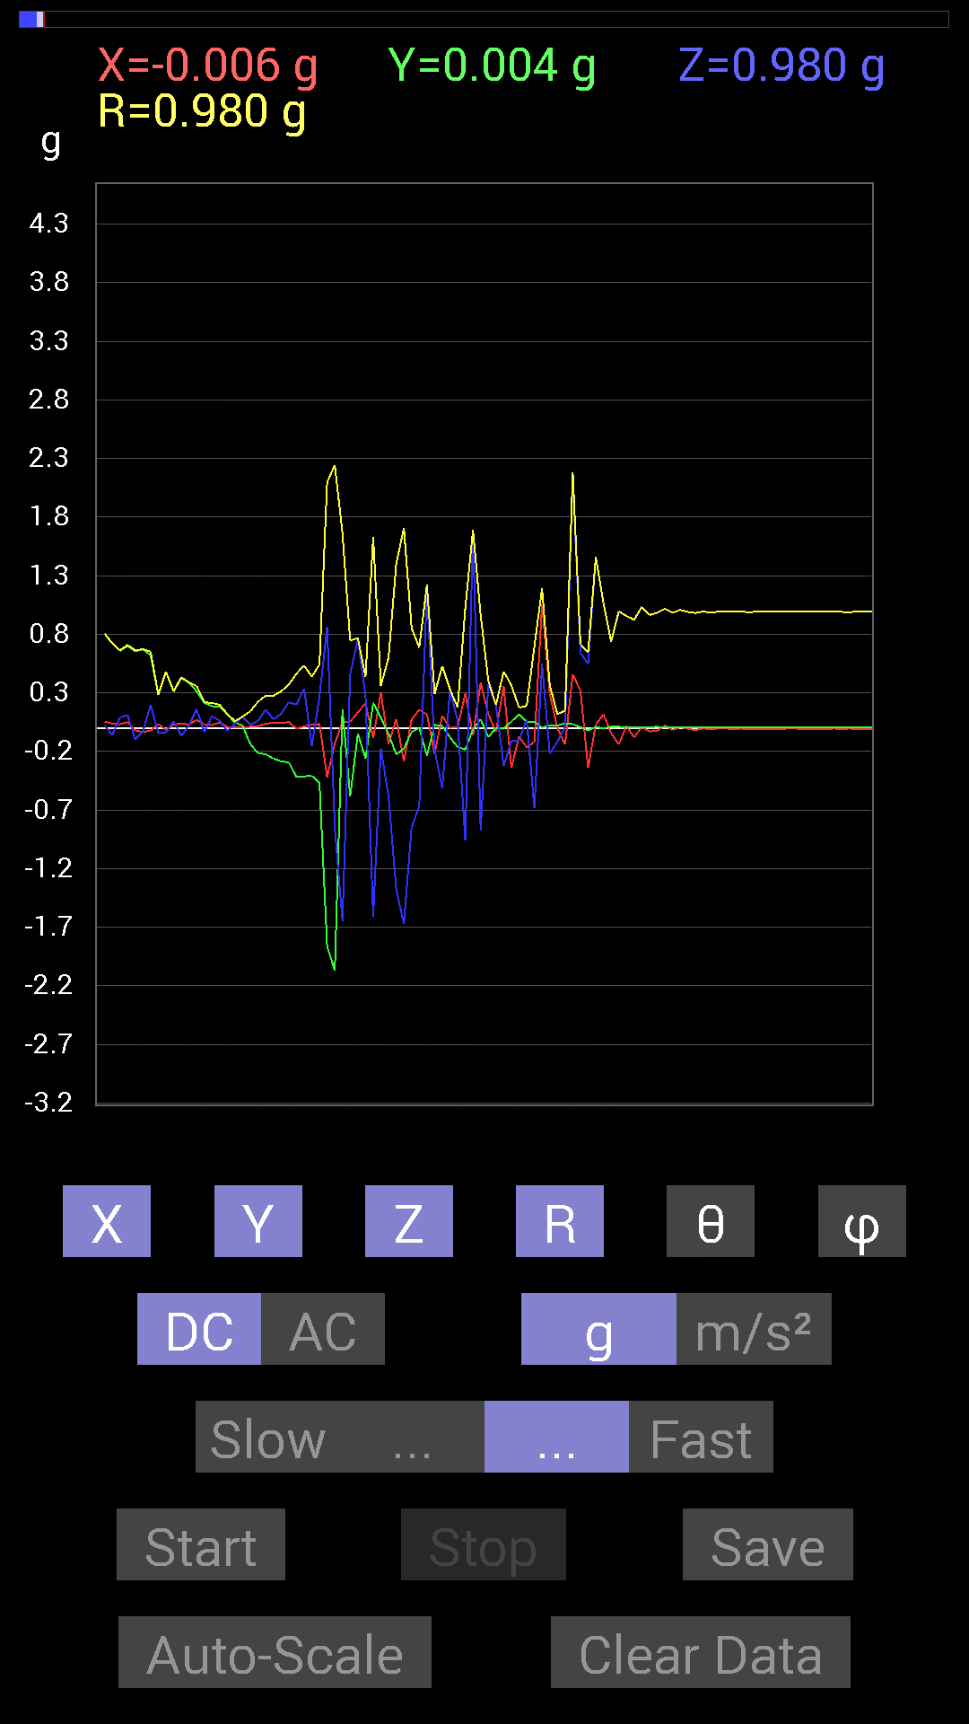
 | Keuwl | Accelerometer | Data | File |  | 2015-04-30 | 14-46-46
Number | Time(s) | X(g) | Y(g) | Z(g) | R(g) | Theta(deg) | Phi(deg)
1 | 10.955001 | 0.009765002 | 0.91983277 | 0.06444622 | 0.92213935 | 85.99246 | 89.39177
2 | 10.955001 | -0.009765002 | 0.91397345 | 0.015622759 | 0.9141591 | 89.02078 | 90.61213
3 | 10.955001 | -0.0078113796 | 0.90811414 | -0.009765002 | 0.90820026 | 90.61606 | 90.492836
4 | 10.971001 | 0.01171707 | 0.9003027 | 0.01171707 | 0.9004552 | 89.254425 | 89.254364
5 | 10.991 | 0.046869833 | 0.87491494 | 0.07616484 | 0.87947375 | 85.03181 | 86.933556
6 | 11.016001 | 0.07225915 | 0.89053774 | -0.017576382 | 0.89363736 | 91.12698 | 85.36112
7 | 11.031 | 0.052729145 | 0.83195084 | 0.048823457 | 0.8350487 | 86.64813 | 86.373436
8 | 11.051001 | 0.017576382 | 0.7733624 | 0.09959898 | 0.7799476 | 82.66332 | 88.69805
9 | 11.080001 | 0.050777078 | 0.8299972 | -0.052729145 | 0.8332191 | 93.62831 | 86.49915
10 | 11.092001 | 0.046869833 | 0.7870331 | -0.0019536226 | 0.78842986 | 90.14197 | 86.59191
11 | 11.117001 | 0.05468277 | 0.8026558 | 0.023435695 | 0.8048576 | 88.331436 | 86.102615
12 | 11.132001 | 0.037106387 | 0.7206332 | -0.062494148 | 0.72428906 | 94.94983 | 87.05237
13 | 11.153001 | 0.031247074 | 0.65618545 | 0.08983553 | 0.6630431 | 82.21306 | 87.273674
14 | 11.206 | 0.050777078 | 0.69915116 | 0.10936398 | 0.7094724 | 81.13259 | 85.846085
15 | 11.207001 | -0.021482073 | 0.6542334 | -0.09959898 | 0.6621199 | 98.65152 | 91.88066
16 | 11.213 | -0.033199143 | 0.66985613 | -0.029293451 | 0.67131776 | 92.50094 | 92.83735
17 | 11.247001 | -0.023435695 | 0.6210327 | 0.19529383 | 0.6514373 | 72.55506 | 92.161125
18 | 11.253 | 0.033199143 | 0.27927005 | -0.042964146 | 0.28449932 | 98.68585 | 83.22059
19 | 11.292001 | -0.015622759 | 0.47846955 | -0.037106387 | 0.48016044 | 94.43219 | 91.87013
20 | 11.293 | 0.029293451 | 0.3085635 | 0.05858846 | 0.3154396 | 79.29596 | 84.57688
21 | 11.313001 | 0.037106387 | 0.42574042 | -0.06835346 | 0.43278632 | 99.087234 | 85.018845
22 | 11.339001 | 0.029293451 | 0.3866804 | 0.023435695 | 0.3884959 | 86.54158 | 85.66776
23 | 11.353001 | 0.06835346 | 0.31246918 | 0.16014107 | 0.35770708 | 63.40457 | 77.66077
24 | 11.385 | 0.029293451 | 0.21482228 | -0.035152763 | 0.2196416 | 99.209564 | 82.23496
25 | 11.395 | 0.023435695 | 0.18552883 | 0.101552606 | 0.21279828 | 61.495697 | 82.80062
26 | 11.4470005 | 0.048823457 | 0.18162313 | 0.060540527 | 0.19757491 | 72.1565 | 74.9536
27 | 11.4470005 | 0.0078113796 | 0.115223296 | -0.025387762 | 0.118245356 | 102.39817 | 86.12166
28 | 11.457001 | 0.0039056898 | 0.044917766 | 0.037106387 | 0.058393016 | 50.54594 | 85.03052
29 | 11.508 | 0.0019536226 | 0.019530004 | 0.09569329 | 0.097685434 | 11.591072 | 84.2876
30 | 11.508 | 0.009765002 | -0.14061105 | 0.027341384 | 0.14357707 | 79.02212 | 273.97263
31 | 11.515 | 0.015622759 | -0.21482228 | 0.060540527 | 0.22373609 | 74.30068 | 274.15945
32 | 11.565001 | 0.035152763 | -0.22458728 | 0.15623537 | 0.27583447 | 55.499744 | 278.89584
33 | 11.565001 | 0.044917766 | -0.26169366 | 0.07225915 | 0.2751773 | 74.77613 | 279.7395
34 | 11.577001 | 0.04101208 | -0.28512782 | 0.12108261 | 0.31247538 | 67.20129 | 278.18515
35 | 11.626 | 0.050777078 | -0.29294074 | 0.21872796 | 0.3690996 | 53.658356 | 279.83368
36 | 11.626 | -0.0058593126 | -0.41792747 | 0.19919951 | 0.4630099 | 64.51801 | 269.19678
37 | 11.636001 | 0.013670692 | -0.4140218 | 0.3359049 | 0.53332263 | 50.9621 | 271.89117
38 | 11.689 | 0.027341384 | -0.40816402 | -0.15428175 | 0.43720508 | 110.66369 | 273.8323
39 | 11.689 | 0.033199143 | -0.47065663 | 0.26559937 | 0.5414452 | 60.62406 | 274.03485
40 | 11.696 | -0.4198811 | -1.8650533 | 0.8631979 | 2.0975783 | 65.69957 | 257.31247
41 | 11.750001 | -0.13279969 | -2.0701106 | -0.8534329 | 2.243065 | 112.36318 | 266.32944
42 | 11.750001 | 0.050777078 | 0.16014107 | -1.6502295 | 1.6587588 | 174.18715 | 72.407364
43 | 11.759001 | 0.052729145 | -0.5858799 | 0.45893955 | 0.74609727 | 52.039337 | 275.14276
44 | 11.811001 | 0.13279969 | -0.046869833 | 0.75383234 | 0.766874 | 10.581803 | 340.5602
45 | 11.811001 | 0.20896451 | -0.26169366 | 0.27927005 | 0.43605217 | 50.17454 | 308.60764
46 | 11.818001 | -0.08788191 | 0.21482228 | -1.6131246 | 1.629737 | 171.81226 | 112.24904
47 | 11.870001 | 0.3027042 | 0.08592984 | -0.17576382 | 0.3604257 | 119.186646 | 15.847864
48 | 11.870001 | -0.13865899 | -0.050777078 | -0.5819742 | 0.60041535 | 165.76283 | 200.1128
49 | 11.878 | 0.07616484 | -0.22654091 | -1.3787723 | 1.3993337 | 170.16585 | 288.58304
50 | 11.93 | -0.28708142 | -0.17576382 | -1.6717114 | 1.7052647 | 168.61525 | 211.47679
51 | 11.93 | 0.07225915 | -0.035152763 | -0.84952724 | 0.85331917 | 174.59651 | 334.05792
52 | 11.938001 | 0.15428175 | 0 | -0.6679041 | 0.68549156 | 166.99316 | 0
53 | 11.990001 | 0.115223296 | -0.23630434 | 1.1912899 | 1.219954 | 12.444829 | 295.9941
54 | 11.990001 | -0.2167759 | 0.025387762 | -0.19138813 | 0.29028562 | 131.24725 | 173.32022
55 | 11.999001 | 0.10350622 | 0.019530004 | -0.517528 | 0.5281384 | 168.49573 | 10.685195
56 | 12.05 | 0 | -0.08007053 | 0.32028058 | 0.33013776 | 14.0363035 | 270
57 | 12.05 | 0.0078113796 | -0.16209313 | 0.06444622 | 0.17460962 | 68.34065 | 272.759
58 | 12.062 | 0.29294074 | -0.18552883 | -0.96279687 | 1.0233343 | 160.1936 | 327.6526
59 | 12.113001 | -0.062494148 | -0.009765002 | 1.6892879 | 1.6904718 | 2.1443887 | 188.88092
60 | 12.113001 | 0.3866804 | 0.07225915 | -0.87882066 | 0.96284413 | 155.88596 | 10.584807
61 | 12.120001 | 0.11717536 | -0.07811691 | 0.37496334 | 0.40053692 | 20.58498 | 326.30994
62 | 12.172001 | -0.035152763 | 0.0019536226 | 0.1933402 | 0.19651963 | 10.320394 | 176.81905
63 | 12.172001 | 0.35738695 | -0.0078113796 | -0.32418782 | 0.48258075 | 132.20454 | 358.7479
64 | 12.18 | -0.34176418 | 0.05468277 | -0.111317605 | 0.36357197 | 107.829025 | 170.90964
65 | 12.232 | -0.07225915 | 0.11717536 | -0.10545829 | 0.17341541 | 127.45407 | 121.66111
66 | 12.232 | -0.16599882 | 0.052729145 | 0.070305526 | 0.18782662 | 68.01828 | 162.37767
67 | 12.241 | -0.11717536 | 0.05468277 | -0.6835268 | 0.69565016 | 169.28761 | 154.98273
68 | 12.291 | 1.0584902 | 0.0019536226 | 0.5468215 | 1.1913937 | 62.678932 | 0.10574893
69 | 12.292001 | 0.29294074 | 0.023435695 | -0.21872796 | 0.3663406 | 126.65975 | 4.574006
70 | 12.301001 | 0 | 0.019530004 | -0.115223296 | 0.116866715 | 170.37996 | 90
71 | 12.351001 | -0.14256468 | 0.04101208 | 0.0058593126 | 0.14846216 | 87.73814 | 163.95088
72 | 12.351001 | 0.45893955 | 0.033199143 | 2.1326046 | 2.1816804 | 12.17568 | 4.1375017
73 | 12.363001 | 0.3183285 | 0.0058593126 | 0.6405627 | 0.7153237 | 26.429008 | 1.0544956
74 | 12.4140005 | -0.34176418 | -0.021482073 | 0.5468215 | 0.6451961 | 32.056236 | 183.59668
75 | 12.4140005 | 0.031247074 | 0.009765002 | 1.4568892 | 1.4572569 | 1.287248 | 17.354511
76 | 12.425 | 0.115223296 | -0.0058593126 | 1.0604438 | 1.0667013 | 6.209115 | 357.08893
77 | 12.497001 | -0.042964146 | 0.01171707 | 0.7343039 | 0.73565304 | 3.4705696 | 164.7454
78 | 12.497001 | -0.14061105 | 0.009765002 | 0.9862326 | 0.9962537 | 8.13347 | 176.02736
79 | 12.497001 | 0.015622759 | 0.0039056898 | 0.9549855 | 0.9551213 | 0.966111 | 14.036243
80 | 12.502001 | -0.08007053 | 0.0078113796 | 0.91983277 | 0.92334425 | 4.998496 | 174.42807
81 | 12.527 | 0.0078113796 | 0.0078113796 | 1.0331024 | 1.0331615 | 0.6129363 | 45
82 | 12.542001 | -0.031247074 | 0.0078113796 | 0.96279687 | 0.96333545 | 1.9160169 | 165.96443
83 | 12.573001 | -0.023435695 | 0.009765002 | 0.98232687 | 0.98265487 | 1.480416 | 157.37987
84 | 12.583 | 0.019530004 | 0.0058593126 | 1.0174797 | 1.017684 | 1.1480769 | 16.700083
85 | 12.619 | -0.017576382 | 0.0078113796 | 0.98232687 | 0.98251516 | 1.1216959 | 156.03845
86 | 12.624001 | 0.0058593126 | 0.0058593126 | 1.0077146 | 1.0077487 | 0.47146893 | 45
87 | 12.644001 | -0.0078113796 | 0.0078113796 | 0.9901383 | 0.9901999 | 0.6391903 | 135

第七次
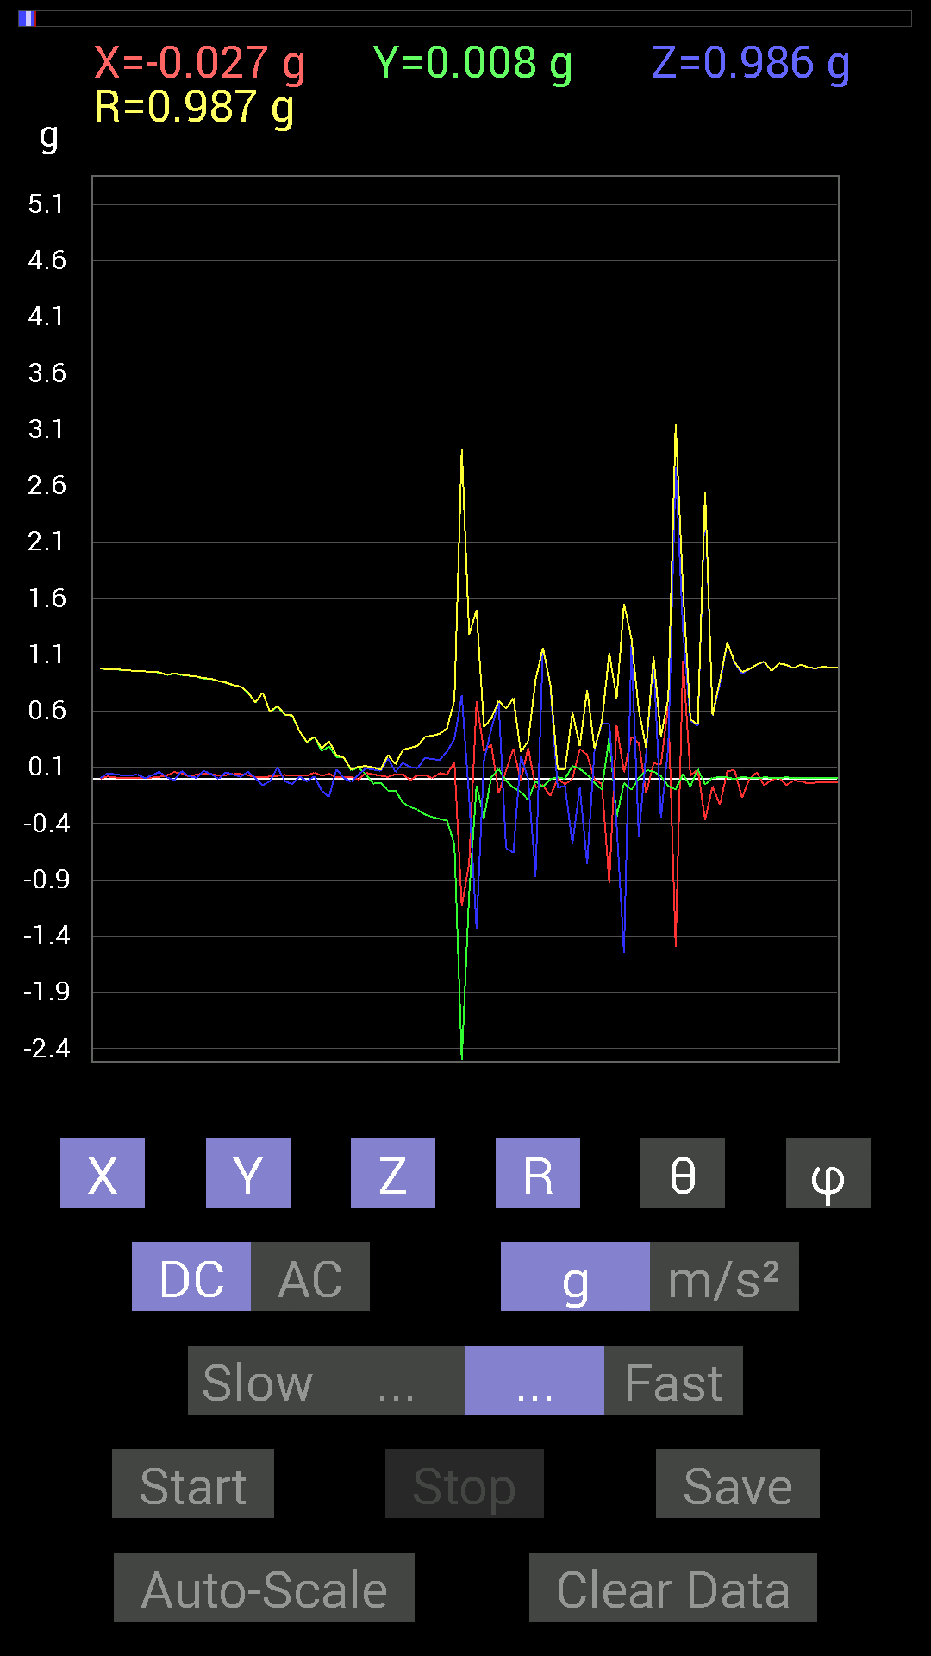
 | Keuwl | Accelerometer | Data | File |  | 2015-04-30 | 14-47-53
Number | Time(s) | X(g) | Y(g) | Z(g) | R(g) | Theta(deg) | Phi(deg)
1 | 17.307001 | 0.05858846 | 0.9354555 | -0.015622759 | 0.93741864 | 90.95492 | 86.41619
2 | 17.352001 | 0.046869833 | 0.91983277 | 0.06835346 | 0.92355907 | 85.75561 | 87.08303
3 | 17.352001 | 0.019530004 | 0.91397345 | 0.021482073 | 0.91443443 | 88.65387 | 88.77588
4 | 17.367 | 0.037106387 | 0.906162 | 0.0078113796 | 0.90695506 | 89.50652 | 87.655106
5 | 17.398 | 0.046869833 | 0.8885857 | 0.06835346 | 0.8924424 | 85.60733 | 86.980644
6 | 17.409 | 0.042964146 | 0.886632 | 0.042964146 | 0.8887115 | 87.229 | 87.225746
7 | 17.444 | 0.027341384 | 0.8671036 | -0.0019536226 | 0.8675367 | 90.12903 | 88.193954
8 | 17.448 | 0.031247074 | 0.8514793 | 0.056634836 | 0.8539326 | 86.19722 | 87.89834
9 | 17.494001 | 0.044917766 | 0.8299972 | 0.037106387 | 0.83203954 | 87.44394 | 86.90229
10 | 17.494001 | 0.04101208 | 0.81828016 | 0.015622759 | 0.8194562 | 88.9076 | 87.130745
11 | 17.508001 | 0.031247074 | 0.76359737 | 0.062494148 | 0.76678735 | 85.325134 | 87.656715
12 | 17.568 | 0.013670692 | 0.67571545 | 0.0058593126 | 0.6758791 | 89.50329 | 88.84098
13 | 17.568 | 0.009765002 | 0.76359737 | -0.060540527 | 0.76605576 | 94.532745 | 89.267334
14 | 17.569 | 0.019530004 | 0.59173924 | -0.021482073 | 0.59245104 | 92.07798 | 88.10967
15 | 17.598001 | 0.023435695 | 0.6405627 | 0.101552606 | 0.6489859 | 80.99742 | 87.90471
16 | 17.61 | 0.033199143 | 0.5683035 | -0.021482073 | 0.5696776 | 92.16109 | 86.65669
17 | 17.639 | 0.029293451 | 0.5585401 | -0.050777078 | 0.5616079 | 95.18741 | 86.99779
18 | 17.650002 | 0.029293451 | 0.41792747 | 0.019530004 | 0.4194078 | 87.33102 | 85.99057
19 | 17.686 | 0.027341384 | 0.32418782 | -0.025387762 | 0.3263278 | 94.46203 | 85.17919
20 | 17.69 | 0.052729145 | 0.36910403 | 0.021482073 | 0.3734697 | 86.702515 | 81.869896
21 | 17.735 | 0.025387762 | 0.24606936 | -0.10741191 | 0.2696887 | 113.470764 | 84.10945
22 | 17.736 | 0.042964146 | 0.28512782 | -0.16404675 | 0.3317456 | 119.6365 | 81.43092
23 | 17.75 | 0.01171707 | 0.1933402 | 0.083976224 | 0.21111542 | 66.560905 | 86.53192
24 | 17.782001 | 0.017576382 | 0.18552883 | 0.0039056898 | 0.18640047 | 88.79938 | 84.58814
25 | 17.791 | 0.015622759 | 0.07421122 | -0.027341384 | 0.08061592 | 109.82547 | 78.111824
26 | 17.831001 | -0.0078113796 | 0.09959898 | 0.037106387 | 0.106573254 | 69.62413 | 94.48443
27 | 17.831001 | 0.050777078 | 0.037106387 | 0.0917876 | 0.11126616 | 34.417873 | 36.15823
28 | 17.878 | 0.039058454 | -0.044917766 | 0.08007053 | 0.099772036 | 36.627155 | 311.00876
29 | 17.878 | 0.023435695 | -0.035152763 | 0.06835346 | 0.08035636 | 31.719841 | 303.69064
30 | 17.892 | 0.015622759 | -0.10741191 | 0.17966951 | 0.20991075 | 31.13705 | 278.27548
31 | 17.924002 | 0.039058454 | -0.10545829 | 0.05858846 | 0.12680544 | 62.481544 | 290.32306
32 | 17.93 | 0.039058454 | -0.21287021 | 0.13865899 | 0.2570323 | 57.353024 | 280.39725
33 | 17.971 | -0.013670692 | -0.25192866 | 0.10350622 | 0.27270585 | 67.69402 | 266.89395
34 | 17.971 | 0.031247074 | -0.27536437 | 0.0917876 | 0.29193643 | 71.67483 | 276.47397
35 | 17.992 | 0.031247074 | -0.3183285 | 0.18552883 | 0.36977068 | 59.8848 | 275.60617
36 | 18.024 | 0.0058593126 | -0.34176418 | 0.17381175 | 0.38346788 | 63.04678 | 270.9822
37 | 18.031 | 0.048823457 | -0.35738695 | 0.16599882 | 0.3970702 | 65.28789 | 277.77914
38 | 18.071001 | 0.037106387 | -0.37496334 | 0.24216366 | 0.4479036 | 57.271408 | 275.65158
39 | 18.071001 | 0.14842243 | -0.58392787 | 0.35152763 | 0.6975476 | 59.73847 | 284.26138
40 | 18.119001 | -1.134655 | -2.5993557 | 0.7440674 | 2.9321883 | 75.29997 | 246.41806
41 | 18.119001 | -0.74797463 | -1.0213853 | -0.17771745 | 1.2783886 | 97.99095 | 233.78416
42 | 18.133001 | 0.6854805 | -0.060540527 | -1.3338546 | 1.5009053 | 152.71034 | 354.95282
43 | 18.166 | 0.24802297 | -0.34957558 | 0.15818743 | 0.45688263 | 69.74297 | 305.3556
44 | 18.173 | 0.3027042 | 0.013670692 | 0.4413632 | 0.5353673 | 34.471085 | 2.5858285
45 | 18.213001 | -0.13279969 | 0.08592984 | 0.6718098 | 0.69017977 | 13.248869 | 147.09456
46 | 18.213001 | 0.07225915 | -0.021482073 | -0.617127 | 0.62171423 | 173.03558 | 343.4432
47 | 18.263 | 0.26559937 | -0.08007053 | -0.65813905 | 0.7142138 | 157.14452 | 343.22345
48 | 18.264 | -0.019530004 | -0.11717536 | 0.20505883 | 0.23698229 | 30.083961 | 260.53732
49 | 18.273 | 0.27341074 | -0.18943451 | -0.0058593126 | 0.3326758 | 91.009186 | 325.28357
50 | 18.313002 | -0.07811691 | -0.021482073 | -0.87296134 | 0.87671274 | 174.69774 | 195.3762
51 | 18.313002 | -0.05858846 | -0.07421122 | 1.1600428 | 1.1638896 | 4.659679 | 231.70952
52 | 18.362001 | -0.15428175 | -0.0058593126 | 0.8280436 | 0.8423143 | 10.561811 | 182.17493
53 | 18.362001 | -0.0019536226 | 0.01171707 | -0.0820226 | 0.08287831 | 171.7595 | 99.46602
54 | 18.374 | -0.050777078 | -0.0019536226 | -0.06444622 | 0.08206975 | 141.74487 | 182.20334
55 | 18.411001 | -0.0039056898 | 0.11326967 | -0.58002216 | 0.5909915 | 168.94366 | 91.97485
56 | 18.415 | 0.26364574 | 0.08592984 | -0.08007053 | 0.28862485 | 106.10633 | 18.052301
57 | 18.461 | 0.21091658 | 0.037106387 | -0.75773805 | 0.7874196 | 164.21838 | 9.977896
58 | 18.461 | -0.0078113796 | -0.039058454 | 0.26169366 | 0.26470765 | 8.654444 | 258.69052
59 | 18.475 | -0.048823457 | -0.097646914 | 0.49214026 | 0.50410384 | 12.507508 | 243.43495
60 | 18.509 | -0.9315498 | 0.37105766 | 0.49214026 | 1.1169919 | 63.858192 | 158.28148
61 | 18.514 | 0.47261027 | -0.33981058 | -0.41206974 | 0.7131852 | 125.295105 | 324.28357
62 | 18.563002 | 0.056634836 | -0.039058454 | -1.5506305 | 1.5521559 | 177.45963 | 325.40775
63 | 18.564001 | 0.37105766 | -0.09959898 | 1.1854321 | 1.2461352 | 17.957243 | 344.97488
64 | 18.576 | 0.3183285 | 0.0039056898 | -0.5194801 | 0.6092683 | 148.49883 | 0.7029478
65 | 18.62 | -0.12694037 | 0.07421122 | 0.22849298 | 0.27171713 | 32.762367 | 149.68881
66 | 18.62 | 0.13475175 | 0.06639984 | 1.0780202 | 1.0884367 | 7.933132 | 26.232086
67 | 18.636002 | 0.12694037 | 0.021482073 | -0.34957558 | 0.37252975 | 159.78175 | 9.605142
68 | 18.677 | 0.6483741 | -0.06639984 | 0.2812221 | 0.7098477 | 66.66088 | 354.15274
69 | 18.677 | -1.492042 | -0.09569329 | 2.7731674 | 3.1505244 | 28.330597 | 183.66968
70 | 18.697 | 1.0506788 | 0.04101208 | 1.3123724 | 1.6816449 | 38.70187 | 2.235342
71 | 18.736 | 0.029293451 | -0.070305526 | 0.5214337 | 0.52696687 | 8.310235 | 292.6195
72 | 18.738 | 0.08007053 | 0.08592984 | 0.46284524 | 0.47751537 | 14.238984 | 47.021526
73 | 18.767 | -0.36519834 | -0.050777078 | 2.5251443 | 2.5519211 | 8.307376 | 187.91563
74 | 18.778002 | -0.06835346 | 0.0078113796 | 0.5585401 | 0.56276125 | 7.022024 | 173.48056
75 | 18.795 | -0.23044659 | 0.01171707 | 0.8397622 | 0.8708866 | 15.364181 | 177.0893
76 | 18.827002 | 0.06444622 | 0.009765002 | 1.2108198 | 1.212573 | 3.081467 | 8.616016
77 | 18.837002 | 0.07811691 | -0.0039056898 | 1.0291967 | 1.0321645 | 4.345867 | 357.1377
78 | 18.857 | -0.17185813 | 0.015622759 | 0.9315498 | 0.9473987 | 10.494901 | 174.8058
79 | 18.886002 | 0 | 0.0078113796 | 0.9725619 | 0.9725933 | 0.4605518 | 90
80 | 18.897001 | 0.05468277 | 0.0019536226 | 1.0116203 | 1.0130991 | 3.0961077 | 2.046106
81 | 18.918001 | -0.060540527 | 0.01171707 | 1.0389618 | 1.0407901 | 3.3966131 | 169.04636
82 | 18.944 | -0.01171707 | 0.0078113796 | 0.95693755 | 0.95704114 | 0.8430232 | 146.30994
83 | 18.958 | 0.0078113796 | 0.0058593126 | 1.0233374 | 1.023384 | 0.54679686 | 36.87355
84 | 18.977001 | -0.056634836 | 0.01171707 | 1.0096667 | 1.0113217 | 3.2782922 | 168.3111
85 | 19.002 | -0.017576382 | 0.0058593126 | 0.98232687 | 0.98250157 | 1.0804651 | 161.56352

第八次
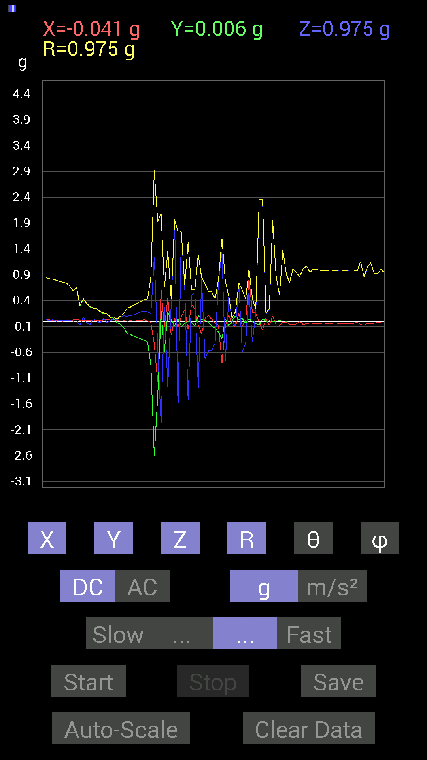
 | Keuwl | Accelerometer | Data | File |  | 2015-04-30 | 14-48-23
Number | Time(s) | X(g) | Y(g) | Z(g) | R(g) | Theta(deg) | Phi(deg)
1 | 3.999 | 0.046869833 | 0.96279687 | 0.050777078 | 0.9652735 | 86.984634 | 87.21299
2 | 3.999 | 0.042964146 | 0.9588912 | 0.048823457 | 0.96109414 | 87.08813 | 87.43452
3 | 3.999 | 0.039058454 | 0.9549855 | 0.037106387 | 0.9565039 | 87.776726 | 87.657936
4 | 4.0290003 | 0.042964146 | 0.94717413 | 0.035152763 | 0.9487995 | 87.876724 | 87.402824
5 | 4.038 | 0.042964146 | 0.94326687 | 0.039058454 | 0.9450523 | 87.631325 | 87.39208
6 | 4.076 | 0.037106387 | 0.9393612 | 0.035152763 | 0.94075084 | 87.85854 | 87.73789
7 | 4.079 | 0.037106387 | 0.9295962 | 0.042964146 | 0.931328 | 87.35589 | 87.71416
8 | 4.1140003 | 0.039058454 | 0.9217848 | 0.044917766 | 0.92370474 | 87.21273 | 87.57368
9 | 4.118 | 0.035152763 | 0.91592705 | 0.04101208 | 0.91751844 | 87.43809 | 87.8021
10 | 4.1720004 | 0.042964146 | 0.91397345 | 0.025387762 | 0.9153349 | 88.41064 | 87.30862
11 | 4.1720004 | 0.035152763 | 0.89639705 | 0.033199143 | 0.8977002 | 87.88058 | 87.754265
12 | 4.1790004 | 0.027341384 | 0.8885857 | 0.031247074 | 0.8895552 | 87.98698 | 88.23759
13 | 4.223 | 0.027341384 | 0.8827264 | 0.021482073 | 0.88341093 | 88.60659 | 88.2259
14 | 4.223 | 0.033199143 | 0.85929066 | 0.029293451 | 0.8604306 | 88.04898 | 87.787445
15 | 4.2400002 | 0.033199143 | 0.84562 | 0.029293451 | 0.84677833 | 88.01752 | 87.75172
16 | 4.2720003 | 0.027341384 | 0.8221858 | 0.015622759 | 0.82278866 | 88.912025 | 88.09536
17 | 4.28 | 0.017576382 | 0.8202322 | 0.029293451 | 0.8209433 | 87.9551 | 88.77242
18 | 4.3240004 | 0.025387762 | 0.79484445 | 0 | 0.7952498 | 90 | 88.17056
19 | 4.3240004 | 0.0078113796 | 0.77531445 | 0.017576382 | 0.775553 | 88.70139 | 89.42276
20 | 4.34 | 0.0019536226 | 0.755786 | 0.021482073 | 0.75609374 | 88.371895 | 89.8519
21 | 4.375 | 0.015622759 | 0.7382096 | 0.015622759 | 0.7385402 | 88.7879 | 88.78763
22 | 4.381 | 0.01171707 | 0.6854805 | 0.025387762 | 0.68605053 | 87.87925 | 89.02073
23 | 4.4240003 | 0.025387762 | 0.5858799 | 0 | 0.5864297 | 90 | 87.51877
24 | 4.4240003 | 0.035152763 | 0.66985613 | 0.013670692 | 0.67091715 | 88.83245 | 86.99599
25 | 4.441 | 0.023435695 | 0.2987985 | -0.070305526 | 0.30785167 | 103.2014 | 85.5153
26 | 4.4750004 | 0.023435695 | 0.4296461 | 0.08788191 | 0.43916765 | 78.4566 | 86.87781
27 | 4.4810004 | 0.025387762 | 0.33981058 | -0.039058454 | 0.34298882 | 96.53884 | 85.72729
28 | 4.53 | 0.019530004 | 0.2812221 | -0.056634836 | 0.28753224 | 101.35975 | 86.02737
29 | 4.53 | 0.009765002 | 0.24997504 | 0.046869833 | 0.25451848 | 79.38836 | 87.76294
30 | 4.5410004 | 0.019530004 | 0.24411729 | 0.0039056898 | 0.24492842 | 89.08631 | 85.425934
31 | 4.577 | 0.009765002 | 0.18943451 | -0.025387762 | 0.19137745 | 97.62322 | 87.04912
32 | 4.5820003 | 0.027341384 | 0.15037607 | 0.062494148 | 0.1651243 | 67.76122 | 79.69505
33 | 4.6260004 | 0.039058454 | 0.14451675 | -0.023435695 | 0.1515252 | 98.897385 | 74.87604
34 | 4.6270003 | 0.023435695 | 0.07421122 | 0.0078113796 | 0.078214794 | 84.268265 | 72.47403
35 | 4.643 | 0.029293451 | 0.060540527 | 0.048823457 | 0.08310831 | 54.02248 | 64.179276
36 | 4.7070003 | 0.015622759 | -0.029293451 | 0.023435695 | 0.04063753 | 54.781178 | 298.07187
37 | 4.7070003 | 0.0039056898 | -0.052729145 | 0.08592984 | 0.10089378 | 31.604456 | 274.2362
38 | 4.7070003 | 0.013670692 | -0.12694037 | 0.10545829 | 0.16559649 | 50.443493 | 276.1467
39 | 4.722 | 0 | -0.23825797 | 0.097646914 | 0.25749132 | 67.71437 | 270
40 | 4.743 | 0.015622759 | -0.25583434 | 0.10936398 | 0.27866784 | 66.89279 | 273.49448
41 | 4.776 | 0.0039056898 | -0.2909871 | 0.12694037 | 0.31749424 | 66.433105 | 270.76898
42 | 4.7840004 | 0.017576382 | -0.31637487 | 0.15818743 | 0.35415426 | 63.470245 | 273.17984
43 | 4.826 | 0.01171707 | -0.33981058 | 0.18552883 | 0.38733637 | 61.380783 | 271.97485
44 | 4.826 | 0.035152763 | -0.36715195 | 0.1972459 | 0.41826096 | 61.86272 | 275.4691
45 | 4.8440003 | 0.009765002 | -0.39058766 | 0.18552883 | 0.4325217 | 64.59926 | 271.43213
46 | 4.875 | -0.021482073 | -0.84562 | 0.15623537 | 0.86020005 | 79.53547 | 268.54477
47 | 4.8840003 | -0.4472225 | -2.6052148 | 1.2459726 | 2.9222596 | 64.7624 | 260.2593
48 | 4.925 | -1.1737134 | -1.4490778 | -0.50580937 | 1.932168 | 105.1759 | 230.99347
49 | 4.925 | 0.6190806 | 0.21482228 | -1.9978529 | 2.102576 | 161.84056 | 19.136883
50 | 4.945 | -0.10936398 | -0.58392787 | 0.27731642 | 0.65561926 | 64.97688 | 259.39197
51 | 4.972 | 0.45503387 | 0.17576382 | -1.263549 | 1.3544389 | 158.89066 | 21.119818
52 | 4.985 | -0.26950505 | 0.039058454 | 0.33785695 | 0.43394223 | 38.86963 | 171.75374
53 | 5.0200005 | 0.060540527 | -0.08788191 | 1.9705116 | 1.9733992 | 3.0999622 | 304.56238
54 | 5.0270004 | -0.111317605 | 0.060540527 | -1.7205349 | 1.7251948 | 175.78783 | 151.46027
55 | 5.072 | 0.09569329 | -0.09959898 | 1.7322536 | 1.7377512 | 4.5587893 | 313.85428
56 | 5.072 | 0.22654091 | -0.039058454 | 0.6659505 | 0.70451146 | 19.044462 | 350.21768
57 | 5.0860004 | -0.15623537 | -0.0058593126 | -1.5232891 | 1.5312914 | 174.13991 | 182.14777
58 | 5.13 | 0.33395126 | -0.013670692 | 0.5116687 | 0.6111589 | 33.15328 | 357.65582
59 | 5.13 | 0.23435228 | -0.08983553 | 0.55658644 | 0.610557 | 24.27199 | 339.0264
60 | 5.1460004 | -0.07421122 | 0.10936398 | -1.2850311 | 1.2918098 | 174.12778 | 124.159676
61 | 5.176 | -0.24216366 | 0.037106387 | 0.81437445 | 0.85042685 | 16.74298 | 171.2884
62 | 5.1860003 | 0.05858846 | 0.019530004 | -0.7225853 | 0.72521967 | 175.11493 | 18.435404
63 | 5.2260003 | 0.115223296 | -0.01171707 | -0.57220924 | 0.5838126 | 168.55768 | 354.19354
64 | 5.2260003 | 0.037106387 | -0.09569329 | -0.5585401 | 0.56789184 | 169.58765 | 291.1945
65 | 5.274 | -0.033199143 | -0.13084605 | -0.41597542 | 0.43733102 | 162.02075 | 255.76297
66 | 5.274 | -0.08007053 | -0.20896451 | 0.78898513 | 0.8201067 | 15.834932 | 249.03429
67 | 5.287 | -0.80851513 | -0.33785695 | 1.3416659 | 1.6024704 | 33.149307 | 202.67876
68 | 5.3240004 | -0.09374122 | 0.046869833 | -0.7694567 | 0.7765615 | 172.24364 | 153.43533
69 | 5.328 | 0.12694037 | -0.08788191 | 0.46675095 | 0.49162337 | 18.303267 | 325.3048
70 | 5.372 | -0.060540527 | 0.009765002 | 0.021482073 | 0.06497684 | 70.69412 | 170.83728
71 | 5.373 | -0.11717536 | 0.10741191 | -0.09959898 | 0.1875829 | 122.07033 | 137.48924
72 | 5.3880005 | 0.16014107 | 0.037106387 | 0.726491 | 0.7448565 | 12.749672 | 13.045817
73 | 5.42 | -0.083976224 | 0.052729145 | -0.59759855 | 0.6057693 | 170.57886 | 147.87506
74 | 5.4300003 | 0.0078113796 | -0.037106387 | -0.42574042 | 0.4274258 | 174.91023 | 281.88794
75 | 5.477 | 0.8221858 | 0.046869833 | 0.59369284 | 1.015213 | 54.2114 | 3.2626934
76 | 5.477 | 0.17771745 | -0.0039056898 | -0.40816402 | 0.44519278 | 156.4663 | 358.74103
77 | 5.4890003 | 0.15818743 | -0.042964146 | 0.16990606 | 0.2360874 | 43.97239 | 344.80487
78 | 5.5360003 | -0.01171707 | -0.07225915 | 2.3591456 | 2.360281 | 1.7771819 | 260.78946
79 | 5.537 | -0.16599882 | 0.052729145 | 2.345475 | 2.351933 | 4.2469463 | 162.37767
80 | 5.551 | 0.05858846 | 0 | 0.14842243 | 0.15956762 | 21.541191 | 0
81 | 5.597 | -0.07811691 | 0.01171707 | 0.23825797 | 0.25101075 | 18.342134 | 171.46957
82 | 5.597 | 0.101552606 | -0.0058593126 | 1.9490294 | 1.9516821 | 2.987603 | 356.69785
83 | 5.61 | -0.06639984 | 0.0019536226 | 0.88077426 | 0.88327575 | 4.313115 | 178.31473
84 | 5.656 | -0.07616484 | 0.015622759 | 0.5019037 | 0.5078903 | 8.805802 | 168.4084
85 | 5.656 | -0.015622759 | 0.0039056898 | 1.3885373 | 1.3886306 | 0.66440773 | 165.96376
86 | 5.6710005 | -0.013670692 | 0.0019536226 | 0.9256905 | 0.92579347 | 0.85477906 | 171.86716
87 | 5.716 | -0.05468277 | 0.0078113796 | 0.74797463 | 0.7500115 | 4.223594 | 171.87036
88 | 5.716 | -0.052729145 | 0.0078113796 | 1.0213853 | 1.0227753 | 2.9874718 | 171.5734
89 | 5.7300005 | -0.050777078 | 0.0039056898 | 0.9413148 | 0.94269145 | 3.0968032 | 175.60156
90 | 5.7500005 | 0 | 0.0019536226 | 0.8710093 | 0.87101144 | 0.12666881 | 90
91 | 5.774 | -0.05858846 | 0.0058593126 | 1.0174797 | 1.019182 | 3.31198 | 174.28896
92 | 5.7900004 | -0.044917766 | 0.0078113796 | 1.0702088 | 1.0711795 | 2.439436 | 170.13469
93 | 5.8250003 | -0.033199143 | 0.0058593126 | 0.9510798 | 0.9516771 | 2.0300868 | 169.99095
94 | 5.8310003 | -0.037106387 | 0.0058593126 | 1.0096667 | 1.0103652 | 2.1307461 | 171.02676
95 | 5.8650002 | -0.046869833 | 0.0078113796 | 1.0018554 | 1.0029815 | 2.715412 | 170.53798
96 | 5.8710003 | -0.039058454 | 0.0039056898 | 0.9901383 | 0.9909161 | 2.270296 | 174.28963
97 | 5.9150004 | -0.033199143 | 0.0039056898 | 0.9901383 | 0.9907024 | 1.9336069 | 173.29031
98 | 5.9150004 | -0.039058454 | 0.0039056898 | 0.98232687 | 0.98311085 | 2.2883284 | 174.28963
99 | 5.932 | -0.037106387 | 0.0058593126 | 0.99794966 | 0.99865645 | 2.155767 | 171.02676
100 | 5.9740005 | -0.035152763 | 0.0039056898 | 0.98232687 | 0.9829634 | 2.0620348 | 173.66008
101 | 5.9740005 | -0.035152763 | 0.0058593126 | 0.984279 | 0.9849239 | 2.073582 | 170.53685

第九次
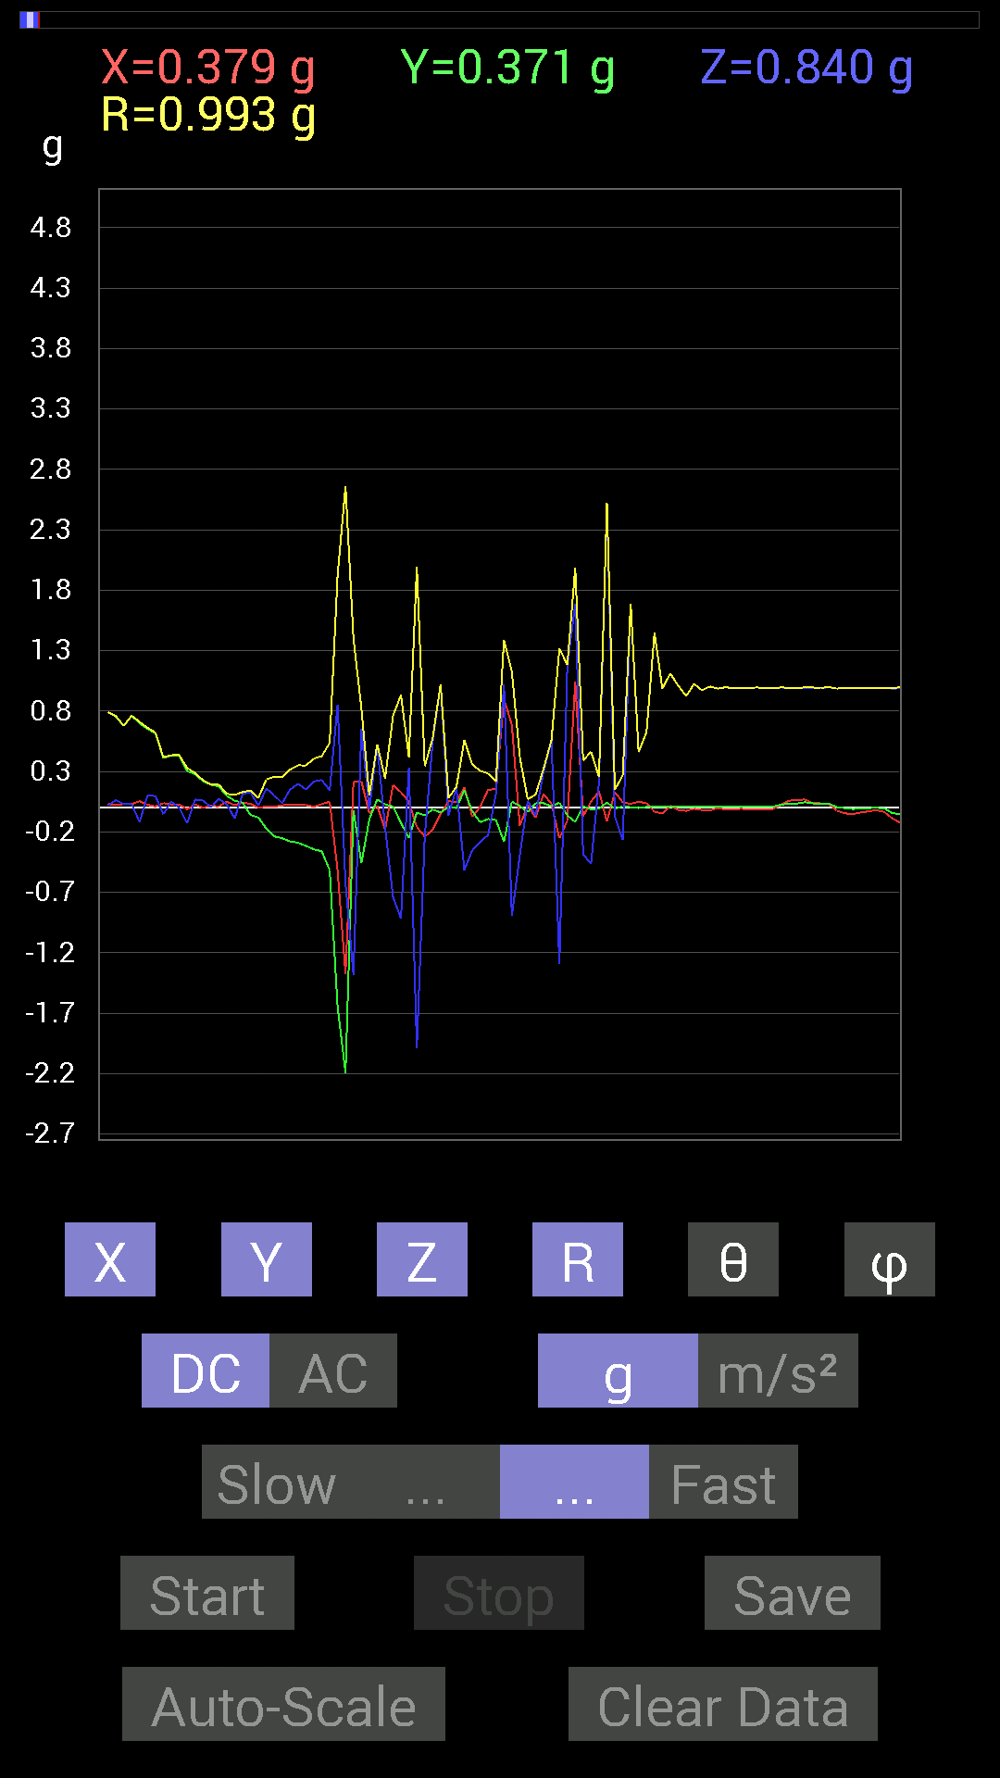
 | Keuwl | Accelerometer | Data | File |  | 2015-04-30 | 14-48-51
Number | Time(s) | X(g) | Y(g) | Z(g) | R(g) | Theta(deg) | Phi(deg)
1 | 4.8510003 | -0.01171707 | 0.98232687 | -0.06639984 | 0.98463815 | 93.86672 | 90.68339
2 | 4.8510003 | 0.019530004 | 0.9686562 | 0.13865899 | 0.97872496 | 81.85533 | 88.84496
3 | 4.867 | -0.019530004 | 0.984279 | 0.023435695 | 0.98475164 | 88.636314 | 91.13671
4 | 4.9170003 | -0.01171707 | 0.97451395 | 0.050777078 | 0.97590625 | 87.01752 | 90.688866
5 | 4.918 | 0.017576382 | 0.9588912 | 0.029293451 | 0.95949954 | 88.250496 | 88.94989
6 | 4.9290004 | 0 | 0.9588912 | 0.023435695 | 0.95917755 | 88.599945 | 90
7 | 4.9810004 | -0.021482073 | 0.9647505 | -0.033199143 | 0.96556056 | 91.970406 | 91.27559
8 | 4.9810004 | 0.0078113796 | 0.9549855 | 0.027341384 | 0.95540875 | 88.360115 | 89.53136
9 | 4.9880004 | 0.019530004 | 0.9510798 | 0.08788191 | 0.955331 | 84.72184 | 88.82362
10 | 5.044 | 0.033199143 | 0.9530319 | -0.015622759 | 0.953738 | 90.938576 | 88.00489
11 | 5.044 | 0.029293451 | 0.9393612 | 0.037106387 | 0.9405501 | 87.73899 | 88.213844
12 | 5.0490003 | 0.015622759 | 0.9295962 | 0.052729145 | 0.93122154 | 86.75397 | 89.03718
13 | 5.1070004 | 0.015622759 | 0.92764413 | -0.031247074 | 0.92830175 | 91.92897 | 89.03516
14 | 5.1070004 | -0.0039056898 | 0.91983277 | 0.023435695 | 0.9201396 | 88.540535 | 90.24328
15 | 5.111 | -0.0019536226 | 0.90811414 | 0.070305526 | 0.91083366 | 85.573044 | 90.12326
16 | 5.1400003 | 0.0019536226 | 0.89835066 | -0.025387762 | 0.89871144 | 91.61877 | 89.8754
17 | 5.1480002 | 0 | 0.886632 | -0.0058593126 | 0.8866514 | 90.37863 | 90
18 | 5.1720004 | -0.0058593126 | 0.87686706 | 0.06444622 | 0.87925166 | 85.79664 | 90.38285
19 | 5.19 | 0.027341384 | 0.8573386 | -0.0078113796 | 0.85781 | 90.52175 | 88.1734
20 | 5.2170005 | 0.025387762 | 0.8436679 | 0.031247074 | 0.84462804 | 87.87985 | 88.27637
21 | 5.23 | 0.023435695 | 0.8339029 | 0.062494148 | 0.83656967 | 85.71585 | 88.390205
22 | 5.268 | 0.035152763 | 0.80851513 | 0.027341384 | 0.8097407 | 88.065 | 87.51045
23 | 5.2720003 | 0.033199143 | 0.79093874 | 0.019530004 | 0.7918761 | 88.58678 | 87.59646
24 | 5.3170004 | 0.021482073 | 0.755786 | 0.062494148 | 0.75866956 | 85.275 | 88.371895
25 | 5.3170004 | 0.031247074 | 0.6776691 | 0.031247074 | 0.6791084 | 87.36278 | 87.359985
26 | 5.3300004 | 0.031247074 | 0.7616453 | 0.031247074 | 0.76292616 | 87.65269 | 87.65072
27 | 5.3650002 | 0.05468277 | 0.69915116 | -0.11717536 | 0.7110082 | 99.48572 | 85.527824
28 | 5.372 | 0.025387762 | 0.6542334 | 0.101552606 | 0.66255474 | 81.18327 | 87.77773
29 | 5.4150004 | 0.01171707 | 0.61517495 | 0.097646914 | 0.62298673 | 80.98228 | 88.90884
30 | 5.4150004 | 0.039058454 | 0.4140218 | -0.052729145 | 0.41918966 | 97.22628 | 84.61072
31 | 5.431 | 0.027341384 | 0.4315982 | 0.050777078 | 0.4354341 | 83.30336 | 86.375206
32 | 5.4630003 | 0.029293451 | 0.43550387 | 0.0019536226 | 0.43649232 | 89.74356 | 86.15189
33 | 5.472 | -0.01171707 | 0.3027042 | -0.12889399 | 0.32921237 | 113.049255 | 92.2167
34 | 5.512 | 0.029293451 | 0.27927005 | 0.06835346 | 0.28900182 | 76.319016 | 84.01198
35 | 5.512 | 0 | 0.2206816 | 0.062494148 | 0.22935973 | 74.18857 | 90
36 | 5.571 | 0.017576382 | 0.19138813 | 0.0039056898 | 0.19223319 | 88.835815 | 84.752884
37 | 5.571 | 0.01171707 | 0.17771745 | 0.07421122 | 0.19294581 | 67.37972 | 86.2279
38 | 5.572 | 0.050777078 | 0.09959898 | 0.031247074 | 0.11608036 | 74.38423 | 62.98682
39 | 5.596 | 0.021482073 | 0.05858846 | -0.08788191 | 0.10778366 | 144.62244 | 69.864006
40 | 5.623 | 0.042964146 | 0.042964146 | 0.115223296 | 0.13026221 | 27.80394 | 45
41 | 5.6320004 | 0.033199143 | -0.05858846 | 0.12889399 | 0.14542507 | 27.584885 | 299.53806
42 | 5.67 | 0.0019536226 | -0.08007053 | 0.017576382 | 0.08200022 | 77.62286 | 271.39767
43 | 5.6730003 | 0.009765002 | -0.17185813 | 0.16014107 | 0.23510791 | 47.06732 | 273.25204
44 | 5.7190003 | 0.0078113796 | -0.23630434 | 0.10350622 | 0.25809747 | 66.35708 | 271.8933
45 | 5.7200003 | 0.021482073 | -0.25192866 | 0.039058454 | 0.25584194 | 81.21852 | 274.87384
46 | 5.734 | 0.023435695 | -0.27731642 | 0.15037607 | 0.31633306 | 61.616386 | 274.83054
47 | 5.7710004 | 0.027341384 | -0.28903505 | 0.19919951 | 0.35209268 | 55.545002 | 275.40384
48 | 5.7730002 | 0.023435695 | -0.31442282 | 0.15232968 | 0.35016465 | 64.21324 | 274.2627
49 | 5.794 | 0.009765002 | -0.34371626 | 0.21872796 | 0.40752688 | 57.539345 | 271.62735
50 | 5.826 | 0.031247074 | -0.35934058 | 0.23044659 | 0.42802763 | 57.425766 | 274.96976
51 | 5.834 | 0.050777078 | -0.5155744 | 0.14451675 | 0.5378479 | 74.41341 | 275.62473
52 | 5.885 | -0.5194801 | -1.6463237 | 0.8514793 | 1.9249048 | 63.746162 | 252.48746
53 | 5.885 | -1.3768187 | -2.1931453 | -0.62493837 | 2.6638439 | 103.56806 | 237.88011
54 | 5.8950005 | 0.21482228 | -0.019530004 | -1.382678 | 1.399403 | 171.13289 | 354.8054
55 | 5.9490004 | 0.21872796 | -0.45893955 | 0.6542334 | 0.82854617 | 37.85035 | 295.4822
56 | 5.9490004 | -0.042964146 | -0.09569329 | -0.013670692 | 0.10578285 | 97.4253 | 245.82098
57 | 5.9550004 | 0.015622759 | 0.070305526 | 0.5214337 | 0.52638394 | 7.86392 | 77.471725
58 | 6.0130005 | -0.17966951 | 0.027341384 | -0.16209313 | 0.2435218 | 131.72995 | 171.34734
59 | 6.0130005 | 0.18943451 | 0.01171707 | -0.7382096 | 0.7622179 | 165.58134 | 3.5393999
60 | 6.0150003 | 0.12889399 | -0.124988295 | -0.91592705 | 0.9333585 | 168.90932 | 315.88135
61 | 6.043 | 0.050777078 | -0.24997504 | 0.33395126 | 0.42022526 | 37.373463 | 281.48218
62 | 6.0550003 | -0.16014107 | -0.039058454 | -1.99004 | 1.9968549 | 175.265 | 193.70685
63 | 6.0750003 | -0.23825797 | -0.062494148 | -0.24021159 | 0.3440552 | 134.28096 | 194.69737
64 | 6.111 | -0.18162313 | -0.013670692 | 0.5448694 | 0.5745055 | 18.483566 | 184.3045
65 | 6.116 | -0.050777078 | -0.039058454 | 1.0213853 | 1.0233923 | 3.5888875 | 217.568
66 | 6.1600003 | 0.05468277 | 0.0078113796 | -0.062494148 | 0.08340708 | 138.5269 | 8.129646
67 | 6.1600003 | 0.046869833 | -0.0019536226 | 0.16599882 | 0.17249987 | 15.780046 | 357.6132
68 | 6.1770005 | 0.16990606 | 0.14451675 | -0.5155744 | 0.56175625 | 156.60513 | 40.383442
69 | 6.2110004 | -0.07421122 | -0.029293451 | -0.34957558 | 0.3585645 | 167.1436 | 201.54068
70 | 6.2170005 | 0.0078113796 | -0.11912899 | -0.2812221 | 0.30551368 | 156.99774 | 273.75156
71 | 6.2660003 | 0.15037607 | -0.0917876 | -0.22458728 | 0.2854424 | 141.88785 | 328.60065
72 | 6.2660003 | 0.15428175 | -0.101552606 | 0.11912899 | 0.21978968 | 57.179188 | 326.64597
73 | 6.2770004 | 0.90225637 | -0.2812221 | 1.0194317 | 1.3901055 | 42.832157 | 342.6884
74 | 6.32 | 0.6854805 | 0.050777078 | -0.89249134 | 1.1265001 | 142.39807 | 4.236457
75 | 6.32 | -0.14647037 | 0.015622759 | -0.39449334 | 0.42109695 | 159.5247 | 173.91176
76 | 6.3370004 | 0.019530004 | -0.035152763 | 0.05858846 | 0.07106156 | 34.464725 | 299.05545
77 | 6.4030004 | -0.08007053 | 0.04101208 | -0.062494148 | 0.109539025 | 124.78646 | 152.87851
78 | 6.4030004 | 0.11326967 | 0.039058454 | 0.2987985 | 0.32192567 | 21.850231 | 19.025581
79 | 6.4040003 | 0.033199143 | 0.01171707 | 0.56049216 | 0.5615968 | 3.5942845 | 19.439613
80 | 6.42 | -0.25192866 | 0.042964146 | -1.2947961 | 1.3197769 | 168.8345 | 170.32184
81 | 6.4690003 | -0.10741191 | -0.062494148 | 1.175667 | 1.1822165 | 6.033839 | 210.1916
82 | 6.4690003 | 1.0409138 | -0.11717536 | 1.6853821 | 1.9843751 | 31.861523 | 353.57727
83 | 6.479 | -0.070305526 | 0.013670692 | -0.3866804 | 0.39325753 | 169.5064 | 168.99632
84 | 6.5290003 | 0.052729145 | -0.01171707 | -0.46089318 | 0.46404758 | 173.31563 | 347.47174
85 | 6.53 | 0.13670537 | -0.0078113796 | 0.21287021 | 0.2531069 | 32.751076 | 356.72968
86 | 6.5390005 | -0.11326967 | 0.044917766 | 2.519285 | 2.52223 | 2.7690198 | 158.3689
87 | 6.5880003 | 0.13084605 | -0.0078113796 | -0.070305526 | 0.14874332 | 118.20733 | 356.58356
88 | 6.589 | 0.044917766 | 0.01171707 | -0.26559937 | 0.2696255 | 170.08612 | 14.620148
...

第十次
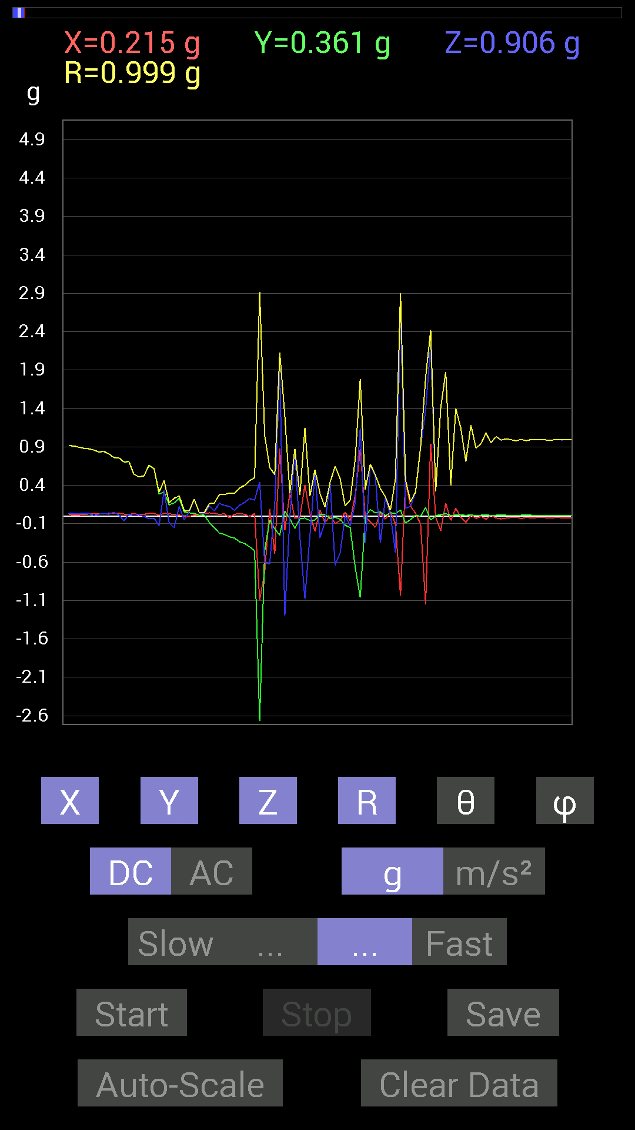
File |  | 2015-04-30 | 14-49-13
Z(g) | R(g) | Theta(deg) | Phi(deg)
0.044917766 | 0.943195 | 87.27037 | 87.62396
0.05858846 | 0.94589144 | 86.44883 | 87.62887
0.019530004 | 0.9362482 | 88.80473 | 87.96744
0.027341384 | 0.9245473 | 88.30536 | 88.30462
0.039058454 | 0.917111 | 87.55911 | 88.41228
0.031247074 | 0.91263014 | 88.037895 | 89.26394
0.031247074 | 0.89707756 | 88.00387 | 89.001526
0.037106387 | 0.881867 | 87.58845 | 88.47583
0.033199143 | 0.8759126 | 87.827835 | 88.33789
0.0058593126 | 0.85995173 | 89.60961 | 87.787445
0.023435695 | 0.8348172 | 88.391335 | 87.85408
0.033199143 | 0.8409989 | 87.73761 | 87.86904
0.023435695 | 0.8114854 | 88.34507 | 87.654305
0.048823457 | 0.7620701 | 86.32672 | 87.35068
0.015622759 | 0.7587139 | 88.82013 | 87.34386
-0.06444622 | 0.70451653 | 95.24851 | 87.92616
0.019530004 | 0.70950884 | 88.42267 | 88.26431
0.0039056898 | 0.5437195 | 89.588425 | 86.91155
0.01171707 | 0.5103037 | 88.68432 | 87.58669
-0.0019536226 | 0.5218797 | 90.214485 | 87.640854
-0.037106387 | 0.6619679 | 93.21338 | 87.12075
-0.029293451 | 0.61676615 | 92.7223 | 86.91092
-0.12303468 | 0.31063873 | 113.332726 | 88.43072
0.33395126 | 0.4613591 | 43.627373 | 83.659805
-0.08788191 | 0.17165788 | 120.79445 | 78.541435
-0.15232968 | 0.23047987 | 131.37038 | 83.51671
0.12303468 | 0.26159137 | 61.94418 | 86.60504
-0.046869833 | 0.071221486 | 131.15404 | 100.49184
0.056634836 | 0.070033915 | 36.033104 | 95.440025
0.2167759 | 0.22035326 | 10.338297 | 69.77525
0.04101208 | 0.041931644 | 12.021394 | 63.434948
0.025387762 | 0.043405198 | 54.20397 | 19.439613
0.13084605 | 0.16079393 | 35.536053 | 296.02985
0.06639984 | 0.17026496 | 67.046776 | 283.69022
0.16599882 | 0.27826422 | 53.376717 | 274.51398
0.13670537 | 0.27814808 | 60.561825 | 277.4115
0.12694037 | 0.30074605 | 65.033714 | 264.65704
0.07421122 | 0.2974429 | 75.55223 | 274.66696
0.13865899 | 0.36457717 | 67.64599 | 274.984
0.17771745 | 0.39982262 | 63.609238 | 273.7518
0.22654091 | 0.46006826 | 60.50108 | 268.88223
0.2070109 | 0.4992368 | 65.502426 | 274.19083
0.44526887 | 2.9163074 | 81.21759 | 247.65787
-0.607362 | 1.0529683 | 125.22645 | 211.63309
-0.6229863 | 0.6318885 | 170.3711 | 332.48804
...

第十一次
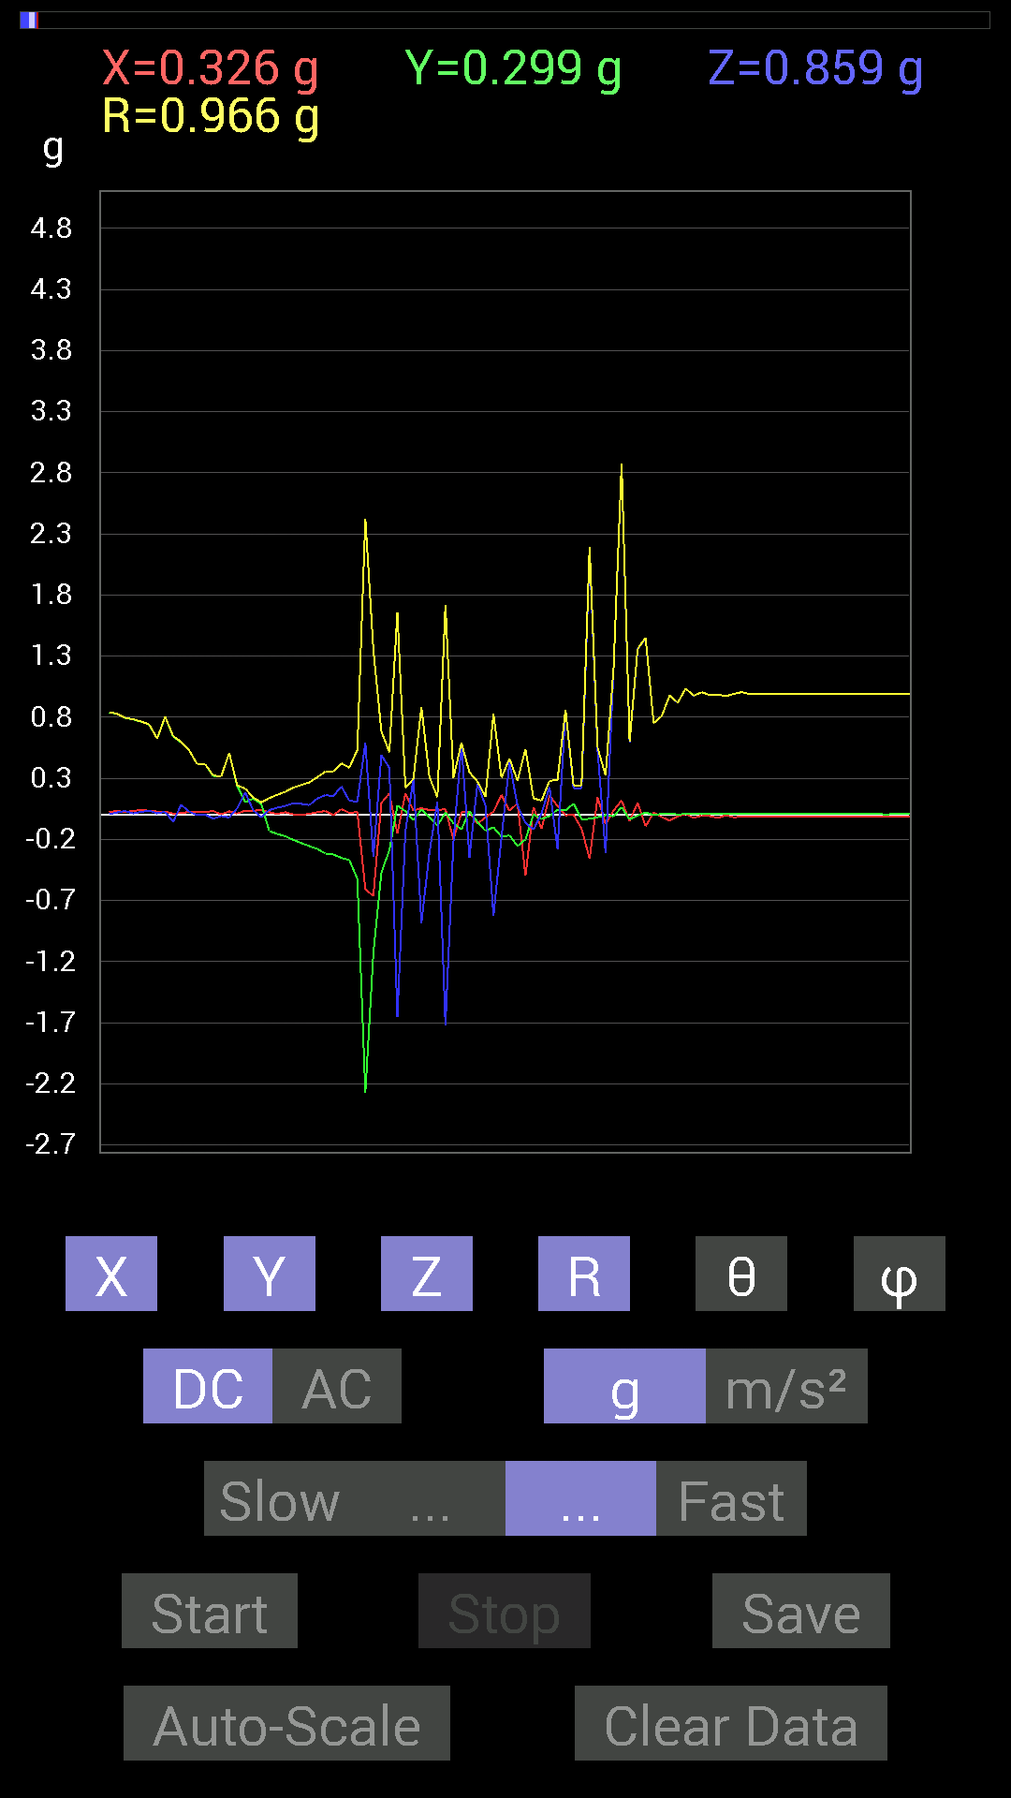
File |  | 2015-04-30 | 14-49-47
Z(g) | R(g) | Theta(deg) | Phi(deg)
0.048823457 | 0.9882125 | 87.1681 | 87.73206
0.025387762 | 0.98523366 | 88.52342 | 87.9546
0.015622759 | 0.98685116 | 89.09292 | 88.18529
0.05468277 | 0.98876816 | 86.8297 | 87.39228
0.050777078 | 0.99050736 | 87.061516 | 87.39742
0.039058454 | 0.98777825 | 87.73383 | 87.73206
0.04101208 | 0.9877107 | 87.62026 | 87.95864
0.027341384 | 0.98178256 | 88.40418 | 87.37672
0.027341384 | 0.9835627 | 88.40707 | 87.60929
0.037106387 | 0.9837275 | 87.83828 | 87.83674
0.042964146 | 0.98457617 | 87.49898 | 87.04098
0.05858846 | 0.98430693 | 86.58759 | 88.74722
0.062494148 | 0.9823651 | 86.35261 | 90.114174
0.021482073 | 0.978673 | 88.74225 | 90.34312
0.052729145 | 0.9760977 | 86.90335 | 88.96672
0.029293451 | 0.9769381 | 88.28173 | 89.541664
0.044917766 | 0.97388065 | 87.35644 | 88.61962
0.08592984 | 0.97839063 | 84.96135 | 89.1963
0.027341384 | 0.96342456 | 88.373764 | 88.72182
0.031247074 | 0.9614782 | 88.13762 | 89.06849
0.027341384 | 0.953552 | 88.35692 | 89.06085
0.021482073 | 0.94746804 | 88.70081 | 89.409325
0.017576382 | 0.94538593 | 88.93471 | 90.11842
0.025387762 | 0.94173 | 88.4552 | 89.28684
0.037106387 | 0.93817574 | 87.73327 | 89.52257
0.017576382 | 0.92794216 | 88.91468 | 89.03516
0.033199143 | 0.9205995 | 87.93332 | 88.90531
0.029293451 | 0.91474307 | 88.16486 | 88.531166
0.021482073 | 0.9028163 | 88.63654 | 88.5121
0.050777078 | 0.89024955 | 86.730255 | 88.74091
0.027341384 | 0.8933904 | 88.24624 | 88.12011
0.04101208 | 0.8782513 | 87.32346 | 88.21405
0.037106387 | 0.8465148 | 87.48767 | 89.20615
0.0078113796 | 0.84213334 | 89.46854 | 88.27237
0.021482073 | 0.82898724 | 88.51509 | 87.70404
0.033199143 | 0.7959425 | 87.609474 | 88.17056
0.013670692 | 0.78395 | 89.00082 | 87.57251
0.025387762 | 0.76522636 | 88.09876 | 86.779625
0.037106387 | 0.74192446 | 87.13323 | 87.280876
0.013670692 | 0.6257739 | 88.748215 | 87.31628
0.027341384 | 0.8056066 | 88.05507 | 87.91495
-0.05468277 | 0.644944 | 94.86377 | 88.95525
0.083976224 | 0.5998601 | 81.95256 | 88.304245
0.027341384 | 0.5305586 | 87.04606 | 87.25364
0 | 0.41674942 | 90 | 86.50746
...

第十二次
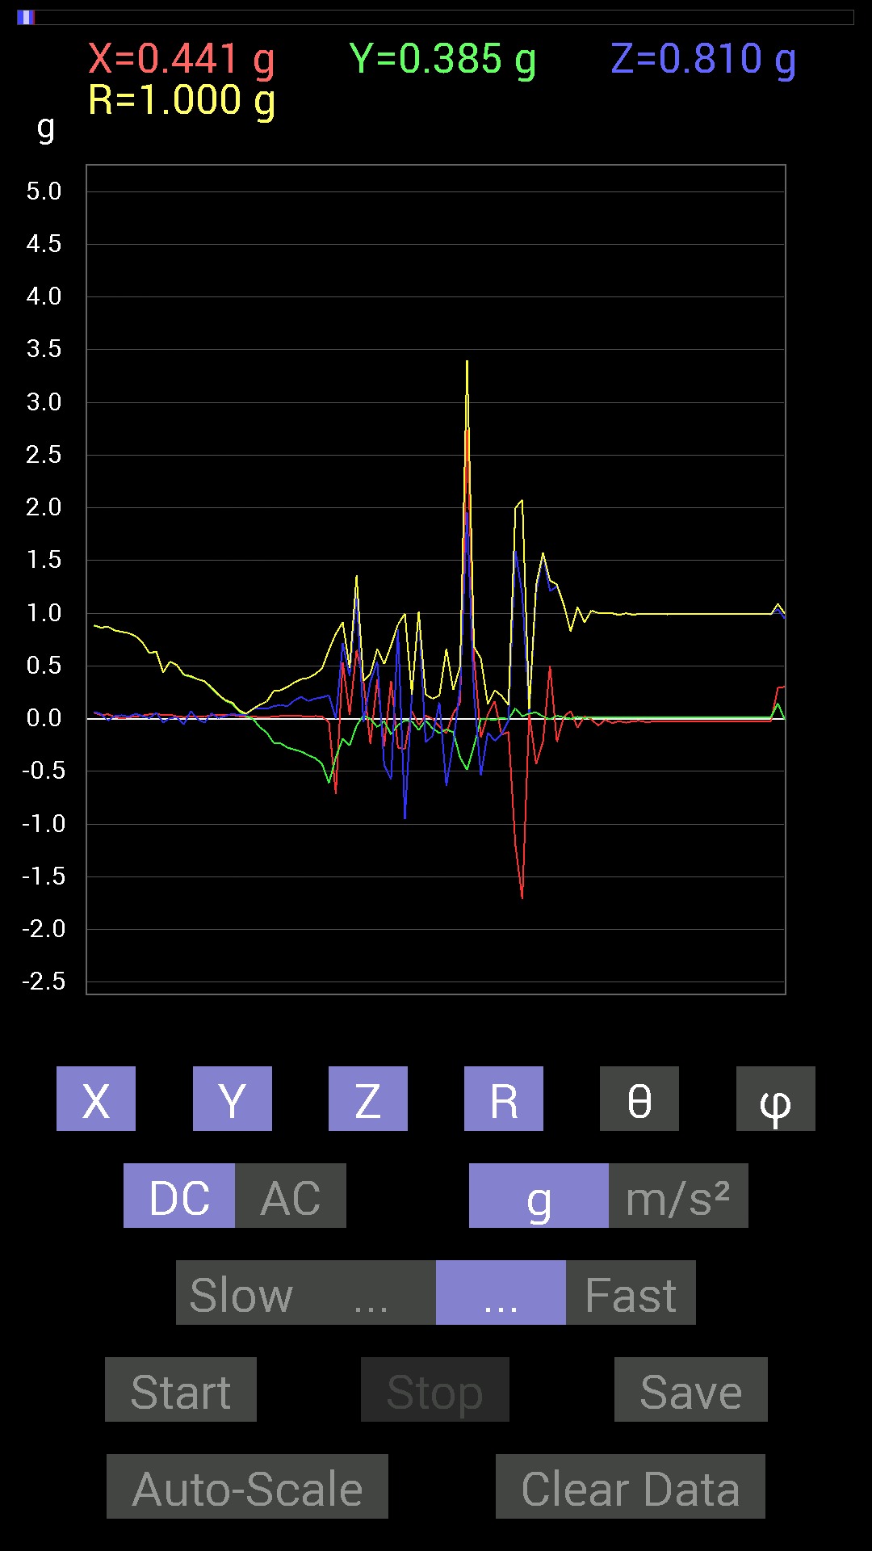
File |  | 2015-04-30 | 14-50-19
Z(g) | R(g) | Theta(deg) | Phi(deg)
0.048823457 | 0.9905939 | 87.17491 | 87.17148
0.04101208 | 0.9861565 | 87.61651 | 87.38711
0.042964146 | 0.98599017 | 87.50257 | 87.72756
0.056634836 | 0.98516864 | 86.70439 | 87.15463
0.056634836 | 0.98516864 | 86.70439 | 87.15463
0.048823457 | 0.98456454 | 87.1576 | 87.38192
0.04101208 | 0.9822583 | 87.60704 | 87.37672
0.070305526 | 0.9772048 | 85.87426 | 88.96672
-0.031247074 | 0.9897889 | 91.8091 | 87.284485
0.07811691 | 0.9760243 | 85.40938 | 91.49531
-0.0058593126 | 0.978673 | 90.34303 | 91.257774
0.013670692 | 0.96730405 | 89.19022 | 88.14865
0.12694037 | 0.97128814 | 82.49037 | 88.95415
0.01171707 | 0.9726638 | 89.30978 | 90.460175
0.015622759 | 0.96098816 | 89.068504 | 90.34939
0.017576382 | 0.953356 | 88.94362 | 88.943436
0.06835346 | 0.9515863 | 85.88084 | 89.882065
0.039058454 | 0.9479811 | 87.63865 | 90.11818
0.07225915 | 0.9423387 | 85.6022 | 88.80895
0.033199143 | 0.94007754 | 87.97616 | 90.95281
0.06444622 | 0.93012816 | 86.02694 | 88.6734
0.01171707 | 0.92956555 | 89.27777 | 84.81647
0.035152763 | 0.91389966 | 87.7956 | 87.05809
0.060540527 | 0.90069324 | 86.14593 | 88.50564
0.029293451 | 0.89400494 | 88.12228 | 87.243935
0.062494148 | 0.884803 | 85.94979 | 86.32088
0.042964146 | 0.8628812 | 87.14598 | 87.92214
-0.019530004 | 0.872193 | 91.283066 | 87.30418
0.023435695 | 0.83633095 | 88.39425 | 88.92922
0.031247074 | 0.82277936 | 87.823524 | 90
0.017576382 | 0.810773 | 88.75781 | 89.033646
0.044917766 | 0.7826615 | 86.70993 | 88.71107
0.023435695 | 0.72160906 | 88.13888 | 87.67223
0.0039056898 | 0.622272 | 89.64038 | 86.40125
0.05468277 | 0.6348958 | 85.05907 | 85.75059
-0.037106387 | 0.4381973 | 94.857605 | 85.8961
0.0058593126 | 0.54226494 | 89.38089 | 86.07604
0.009765002 | 0.5063595 | 88.895 | 87.56807
-0.05468277 | 0.4159069 | 97.55503 | 88.09987
0.070305526 | 0.40320382 | 79.95816 | 86.89836
-0.0058593126 | 0.37338427 | 90.89915 | 87.60169
-0.039058454 | 0.35422966 | 96.33048 | 86.82006
0.048823457 | 0.2947904 | 80.46669 | 83.82982
0.0039056898 | 0.2270614 | 89.014404 | 81.59127
0.023435695 | 0.17508005 | 82.307465 | 78.3107
...

第十三次
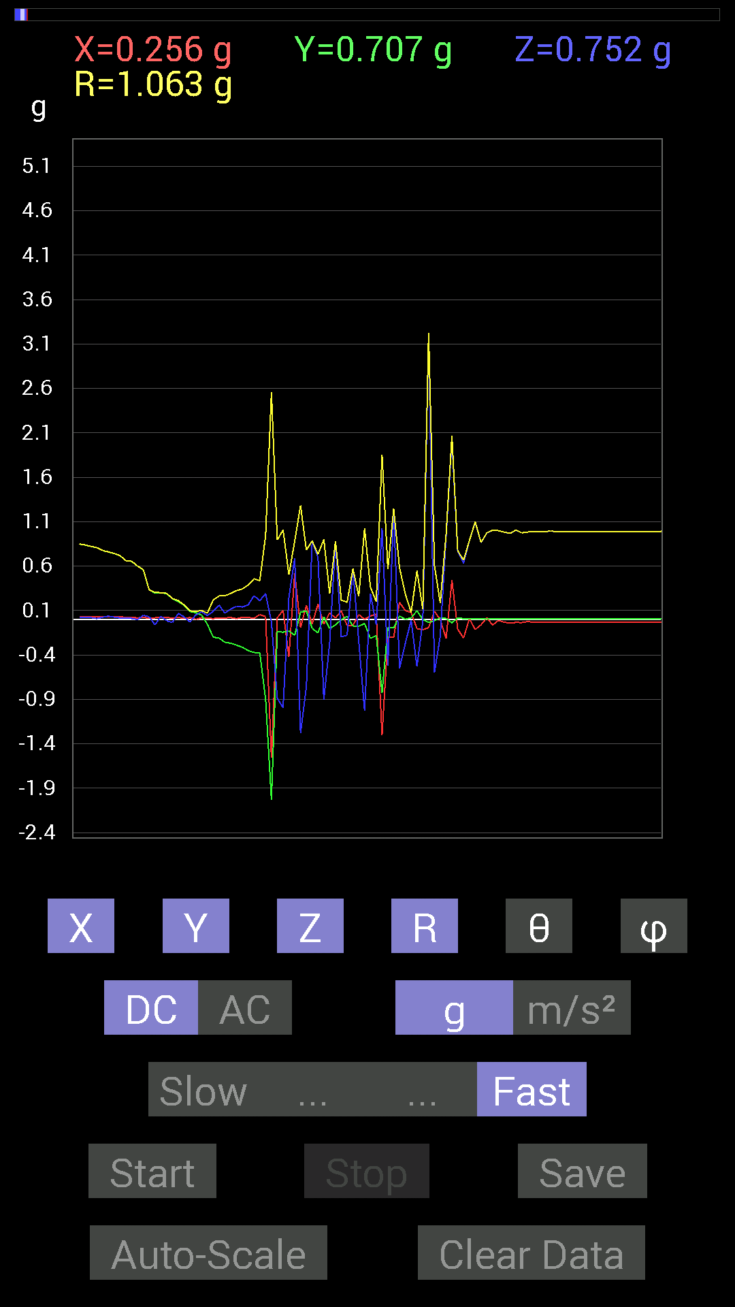
File |  | 2015-04-30 | 14-51-28
Z(g) | R(g) | Theta(deg) | Phi(deg)
0.046869833 | 0.9915721 | 87.29072 | 88.53122
0.039058454 | 0.9873843 | 87.73293 | 88.411995
0.039058454 | 0.98951334 | 87.73781 | 88.075806
0.050777078 | 0.9881643 | 87.05454 | 87.95864
0.06835346 | 0.9888762 | 86.03642 | 88.63875
0.05858846 | 0.9905439 | 86.6091 | 87.96267
0.044917766 | 0.9859302 | 87.38877 | 87.9546
0.031247074 | 0.9815008 | 88.17562 | 87.94646
0.031247074 | 0.9813687 | 88.17538 | 88.17445
0.05858846 | 0.9806099 | 86.574715 | 88.2851
0.06444622 | 0.98305 | 86.24114 | 88.060486
0.048823457 | 0.98007494 | 87.14457 | 88.2851
0.050777078 | 0.97445226 | 87.01306 | 88.04492
0.025387762 | 0.9715077 | 88.502556 | 88.04099
0.031247074 | 0.9697285 | 88.153465 | 88.03705
0.037106387 | 0.9661036 | 87.79883 | 87.91323
0.048823457 | 0.96460545 | 87.09874 | 88.02511
0.052729145 | 0.9607866 | 86.85396 | 88.2502
0.037106387 | 0.9562826 | 87.77621 | 88.00897
0.035152763 | 0.9523782 | 87.884705 | 87.88326
0.023435695 | 0.9440126 | 88.57745 | 88.22123
0.033199143 | 0.94040406 | 87.97686 | 88.213844
0.042964146 | 0.9369628 | 87.371796 | 88.08686
0.037106387 | 0.92696065 | 87.705826 | 88.06669
0.033199143 | 0.9210303 | 87.93429 | 87.932945
0.031247074 | 0.9131586 | 88.03903 | 87.91525
0.021482073 | 0.9029873 | 88.6368 | 88.140434
0.025387762 | 0.89144737 | 88.368034 | 87.99044
0.042964146 | 0.88237494 | 87.20908 | 87.96818
0.037106387 | 0.8722913 | 87.56196 | 88.07378
0.025387762 | 0.85041124 | 88.28927 | 88.02511
0.025387762 | 0.8387754 | 88.265526 | 87.864075
0.021482073 | 0.82305974 | 88.504395 | 87.823524
0.009765002 | 0.80910456 | 89.30849 | 87.92501
0.025387762 | 0.7762829 | 88.12585 | 87.83624
0.037106387 | 0.7611612 | 87.20574 | 87.79179
0.025387762 | 0.7431271 | 88.0422 | 87.73954
0.017576382 | 0.71949106 | 88.60019 | 87.66591
0.015622759 | 0.66076547 | 88.6452 | 87.79744
0.01171707 | 0.65475786 | 88.974625 | 87.94845
0 | 0.601761 | 90 | 88.326256
0.046869833 | 0.5610779 | 85.20819 | 87.397484
0.031247074 | 0.3336722 | 84.6266 | 87.97873
-0.060540527 | 0.30549487 | 101.430084 | 86.26037
0.037106387 | 0.30172643 | 82.93587 | 86.26037
...

第十四次
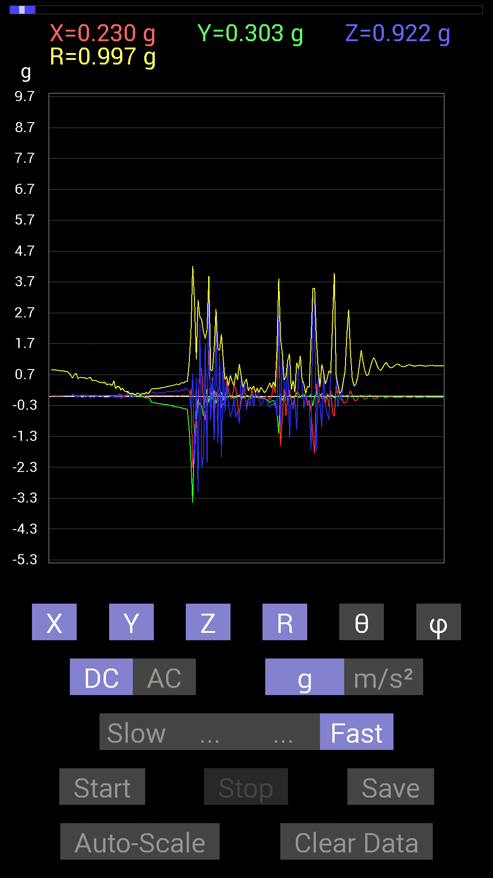
File |  | 2015-04-30 | 14-53-33
Z(g) | R(g) | Theta(deg) | Phi(deg)
0.05468277 | 0.98784196 | 86.82672 | 89.20584
0.019530004 | 0.9886554 | 88.8681 | 88.64143
0.04101208 | 0.98946905 | 87.62449 | 88.30204
0.033199143 | 0.98951334 | 88.07731 | 87.736534
0.05858846 | 0.9886679 | 86.60266 | 87.8453
0.035152763 | 0.9875562 | 87.96008 | 87.8453
0.046869833 | 0.98797125 | 87.28084 | 87.95864
0.062494148 | 0.9886447 | 86.37581 | 88.29868
0.05468277 | 0.98812574 | 86.82764 | 88.411995
0.042964146 | 0.9876624 | 87.5068 | 88.18529
0.04101208 | 0.98556846 | 87.61508 | 88.2953
0.046869833 | 0.98778015 | 87.28031 | 88.29868
0.044917766 | 0.9858625 | 87.38859 | 88.06818
0.042964146 | 0.98389417 | 87.497246 | 87.95053
0.048823457 | 0.9841674 | 87.156456 | 87.95053
0.042964146 | 0.9839659 | 87.49743 | 87.83674
0.033199143 | 0.98358786 | 88.06572 | 87.83674
0.029293451 | 0.98137254 | 88.2895 | 88.060486
0.037106387 | 0.9835239 | 87.83783 | 88.17808
0.037106387 | 0.9834638 | 87.8377 | 88.291916
0.044917766 | 0.982924 | 87.380775 | 86.807495
0.029293451 | 0.9852104 | 88.296165 | 88.18169
0.048823457 | 0.9778122 | 87.137955 | 89.08339
0.039058454 | 0.98115295 | 87.71852 | 89.885826
0.0058593126 | 0.978445 | 89.65689 | 89.771286
0.023435695 | 0.97870225 | 88.627884 | 89.8856
0.021482073 | 0.97865546 | 88.742226 | 90
0.025387762 | 0.97313035 | 88.50506 | 88.73465
0.033199143 | 0.97523767 | 88.04916 | 88.96672
0.062494148 | 0.97500783 | 86.32505 | 88.27478
0.062494148 | 0.9747262 | 86.32398 | 88.964645
0.039058454 | 0.9735046 | 87.70059 | 88.964645
0.025387762 | 0.97333413 | 88.50537 | 88.27478
0.035152763 | 0.9719532 | 87.92732 | 87.810646
0.033199143 | 0.97369456 | 88.04606 | 88.04492
0.048823457 | 0.97240233 | 87.12202 | 88.04099
0.062494148 | 0.97162044 | 86.31222 | 87.46034
0.070305526 | 0.9661502 | 85.82697 | 87.67692
0.048823457 | 0.9663187 | 87.10388 | 88.49259
0.035152763 | 0.96388364 | 87.909966 | 88.25729
0.025387762 | 0.9616249 | 88.48717 | 88.25375
0.023435695 | 0.95540076 | 88.59441 | 89.062775
0.037106387 | 0.9559056 | 87.77533 | 88.82843
0.048823457 | 0.9563304 | 87.07361 | 89.17986
0.048823457 | 0.9524943 | 87.06181 | 88.94127
...

第十五次
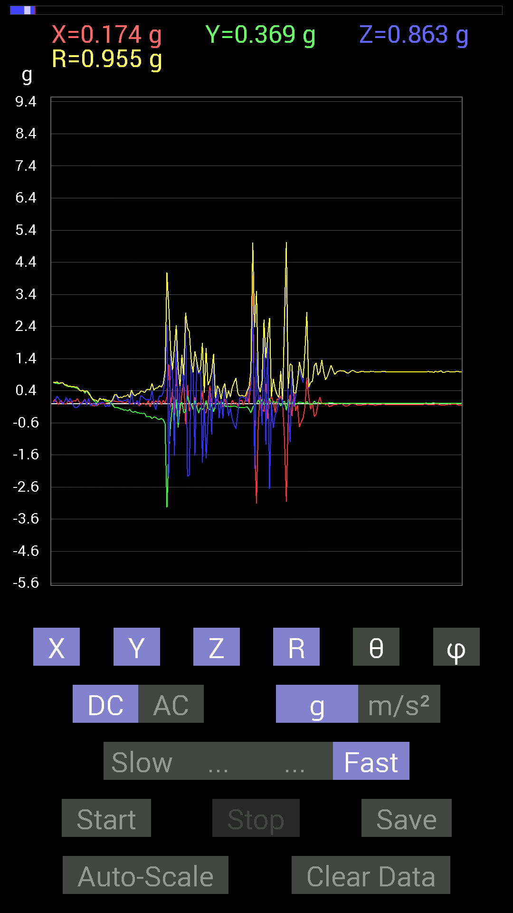
File |  | 2015-04-30 | 14-53-59
Z(g) | R(g) | Theta(deg) | Phi(deg)
0.048823457 | 0.9834534 | 87.15439 | 86.46633
0.048823457 | 0.98150593 | 87.148735 | 86.45929
0.044917766 | 0.9833895 | 87.38202 | 86.3526
0.037106387 | 0.98477185 | 87.840576 | 86.58678
0.037106387 | 0.98488986 | 87.840836 | 86.473335
0.042964146 | 0.985128 | 87.50038 | 86.473335
0.05468277 | 0.9834186 | 86.81244 | 86.807495
0.070305526 | 0.9825759 | 85.89685 | 86.68719
0.07616484 | 0.98324525 | 85.55727 | 86.45929
0.06835346 | 1.0778806 | 86.36417 | 86.877846
-0.062494148 | 0.9911771 | 93.61492 | 92.60258
0.23825797 | 0.9526575 | 75.51667 | 87.93732
-0.025387762 | 0.97296375 | 91.4952 | 90.69025
-0.11326967 | 0.9989652 | 96.5106 | 91.691284
-0.22849298 | 1.0016303 | 103.18648 | 87.81941
-0.044917766 | 0.9593359 | 92.68367 | 93.037384
0.023435695 | 0.98655933 | 88.63881 | 89.43272
0.14842243 | 0.97207725 | 81.21739 | 86.50356
0.05468277 | 0.97090775 | 86.77132 | 87.80624
0.2167759 | 0.98309684 | 77.26141 | 89.766624
0.035152763 | 0.9810208 | 87.94649 | 90.34243
0.029293451 | 0.98085946 | 88.288605 | 89.42932
-0.0917876 | 0.9873033 | 95.33437 | 87.83674
0.06444622 | 0.96300215 | 86.16277 | 90
0.052729145 | 0.9700903 | 86.88416 | 90
-0.017576382 | 0.9658667 | 91.0427 | 87.45008
0.070305526 | 0.94633687 | 85.73944 | 88.22123
0.07421122 | 0.9559887 | 85.54778 | 89.29561
0.07225915 | 0.9616813 | 85.69083 | 90.70009
-0.0820226 | 0.96054363 | 94.89856 | 89.18153
-0.0820226 | 0.9663554 | 94.869026 | 90.69724
-0.06444622 | 0.96110404 | 93.84482 | 90.58346
0.052729145 | 0.94503015 | 86.801445 | 88.57677
0.06444622 | 0.9482198 | 86.10286 | 87.633766
0.10741191 | 0.94717705 | 83.488525 | 86.54977
0.08788191 | 0.9536981 | 84.712776 | 88.114395
0.08007053 | 0.95446235 | 85.18776 | 89.647026
0.04101208 | 0.94826275 | 87.5212 | 88.81877
0.037106387 | 0.85255814 | 87.50549 | 88.55479
0.04101208 | 0.9318304 | 87.47746 | 85.18648
0.19138813 | 0.9374216 | 78.21941 | 93.538284
0.009765002 | 0.8921509 | 89.372856 | 86.61145
-0.056634836 | 0.96641344 | 93.359634 | 90.11602
-0.08983553 | 0.9450123 | 95.45493 | 86.90589
0.07225915 | 0.9097179 | 85.44418 | 92.221565
...

第十六次
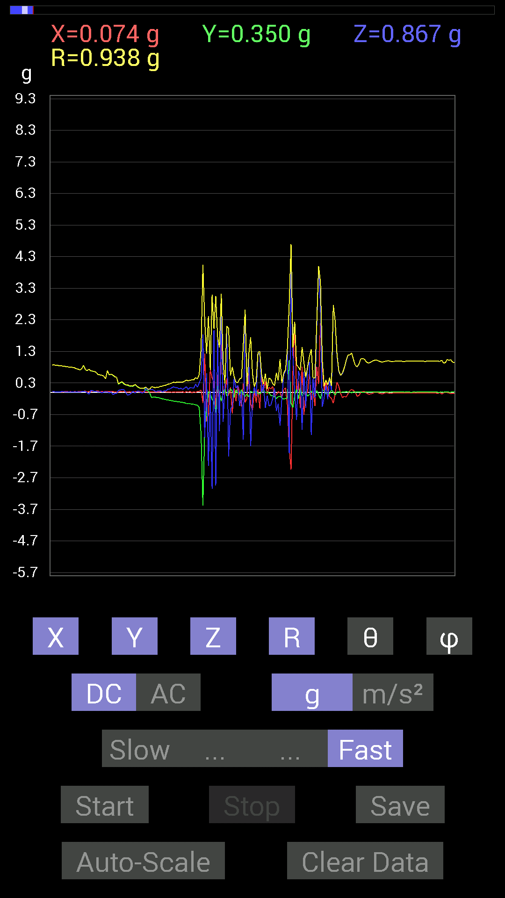
File |  | 2015-04-30 | 14-54-25
Z(g) | R(g) | Theta(deg) | Phi(deg)
0.06639984 | 0.9983005 | 86.18628 | 89.21363
0.06444622 | 0.9964065 | 86.291595 | 88.64944
0.06444622 | 0.99510926 | 86.28676 | 87.520256
0.070305526 | 0.991531 | 85.933975 | 87.62345
0.070305526 | 0.9978199 | 85.95964 | 87.0758
0.07811691 | 1.0001535 | 85.520355 | 87.30575
0.07421122 | 0.99464256 | 85.72113 | 86.61364
0.05468277 | 0.9930481 | 86.843376 | 86.95163
0.05858846 | 0.9950174 | 86.62437 | 87.182594
0.044917766 | 0.9921739 | 87.40521 | 87.40255
0.031247074 | 0.9899816 | 88.19125 | 87.05849
0.031247074 | 0.98774934 | 88.187164 | 87.39228
0.033199143 | 0.9916259 | 88.081406 | 87.51537
0.027341384 | 0.98976773 | 88.41706 | 87.17148
0.027341384 | 0.9895828 | 88.41676 | 87.39742
0.04101208 | 0.99014527 | 87.626114 | 87.284485
0.04101208 | 0.9881064 | 87.621216 | 87.39228
0.037106387 | 0.98990065 | 87.85177 | 87.39742
0.044917766 | 0.9903147 | 87.40034 | 87.284485
0.046869833 | 0.9865083 | 87.2768 | 87.27373
0.05468277 | 0.9907152 | 86.83594 | 87.39742
0.048823457 | 0.9904091 | 87.174385 | 87.39742
0.046869833 | 0.9903147 | 87.28728 | 87.39742
0.048823457 | 0.9886466 | 87.16935 | 87.165886
0.04101208 | 0.9881064 | 87.621216 | 87.39228
0.033199143 | 0.9864658 | 88.071365 | 86.70686
0.033199143 | 0.9879983 | 88.07436 | 87.165886
0.035152763 | 0.9877937 | 87.96058 | 87.50555
0.035152763 | 0.98576 | 87.95637 | 87.61403
0.035152763 | 0.98748475 | 87.95994 | 87.95864
0.025387762 | 0.9892069 | 88.52936 | 87.84955
0.044917766 | 0.9875331 | 87.39301 | 88.63875
0.035152763 | 0.989043 | 87.96315 | 88.75465
0.050777078 | 0.9876953 | 87.05315 | 88.979
0.044917766 | 0.9912509 | 87.402794 | 89.20898
0.060540527 | 0.99022996 | 86.49487 | 88.86778
0.05858846 | 0.99187213 | 86.61365 | 90.11305
0.046869833 | 0.99137014 | 87.29017 | 89.09604
0.039058454 | 0.9889582 | 87.73654 | 90.11327
0.031247074 | 0.98477674 | 88.181694 | 90.11372
0.037106387 | 0.98513496 | 87.84137 | 88.976974
0.029293451 | 0.9828586 | 88.29208 | 89.20269
0.04101208 | 0.9871545 | 87.61892 | 89.31932
0.06444622 | 0.9809209 | 86.23297 | 88.399315
0.07616484 | 0.9852829 | 85.56647 | 89.772194
...

第十七次
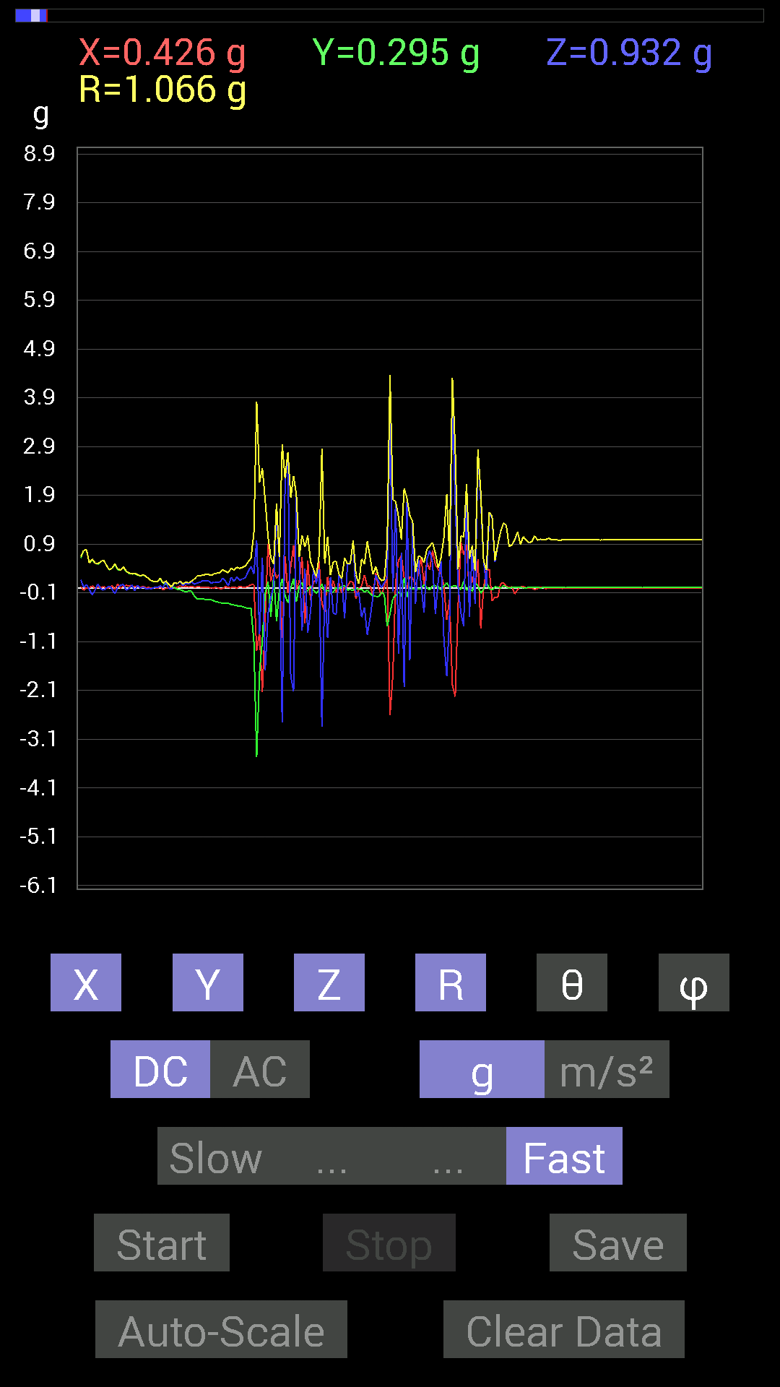
File |  | 2015-04-30 | 14-54-49
Z(g) | R(g) | Theta(deg) | Phi(deg)
0.037106387 | 0.99145675 | 87.85514 | 87.96669
0.027341384 | 0.9893341 | 88.41637 | 87.736534
0.037106387 | 0.98973113 | 87.8514 | 87.62345
0.04101208 | 0.9900548 | 87.6259 | 87.39742
0.042964146 | 0.99208736 | 87.51793 | 87.40255
0.046869833 | 0.99014527 | 87.28681 | 87.62345
0.060540527 | 0.99291736 | 86.50437 | 87.51537
0.062494148 | 0.9928771 | 86.39127 | 87.741
0.05858846 | 0.9945113 | 86.62265 | 87.85801
0.056634836 | 0.9925255 | 86.72885 | 87.741
0.06639984 | 0.9930557 | 86.16611 | 87.85379
0.062494148 | 0.99100775 | 86.38446 | 87.62345
0.05468277 | 0.99062854 | 86.83566 | 87.51047
0.04101208 | 0.99200475 | 87.63057 | 87.40255
0.04101208 | 0.98793656 | 87.620804 | 87.61875
0.031247074 | 0.9855491 | 88.18312 | 87.72756
0.039058454 | 0.98770297 | 87.733665 | 87.8453
0.04101208 | 0.9878574 | 87.62061 | 87.73206
0.044917766 | 0.9860772 | 87.38916 | 87.72756
0.046869833 | 0.98811793 | 87.28124 | 87.73206
0.056634836 | 0.9887083 | 86.71621 | 87.61875
0.062494148 | 0.98711324 | 86.37018 | 87.61403
0.062494148 | 0.98914415 | 86.37764 | 87.50555
0.060540527 | 0.9890226 | 86.49059 | 87.50555
0.05858846 | 0.9848473 | 86.58947 | 87.72305
0.048823457 | 0.98618746 | 87.162285 | 87.84103
0.042964146 | 0.9841209 | 87.49782 | 87.60929
0.037106387 | 0.9818524 | 87.83415 | 87.71852
0.037106387 | 0.98388255 | 87.83862 | 87.60929
0.04101208 | 0.98208743 | 87.60663 | 87.60454
0.039058454 | 0.98209125 | 87.7207 | 87.49066
0.04101208 | 0.9801372 | 87.60186 | 87.599754
0.04101208 | 0.9801372 | 87.60186 | 87.599754
0.044917766 | 0.9822583 | 87.379005 | 87.60454
0.046869833 | 0.9803998 | 87.25983 | 87.599754
0.052729145 | 0.98061764 | 86.91764 | 87.71397
0.050777078 | 0.9805944 | 87.031784 | 87.599754
0.052729145 | 0.97672075 | 86.905334 | 87.70482
0.050777078 | 0.9787304 | 87.02613 | 87.48064
0.046869833 | 0.97667384 | 87.24936 | 87.36096
0.04101208 | 0.97623837 | 87.59228 | 87.59015
0.039058454 | 0.97429365 | 87.70245 | 87.47053
0.037106387 | 0.9702338 | 87.8082 | 87.57559
0.035152763 | 0.97228277 | 87.928024 | 87.35036
0.037106387 | 0.9686457 | 87.8046 | 87.10873
...

第十八次
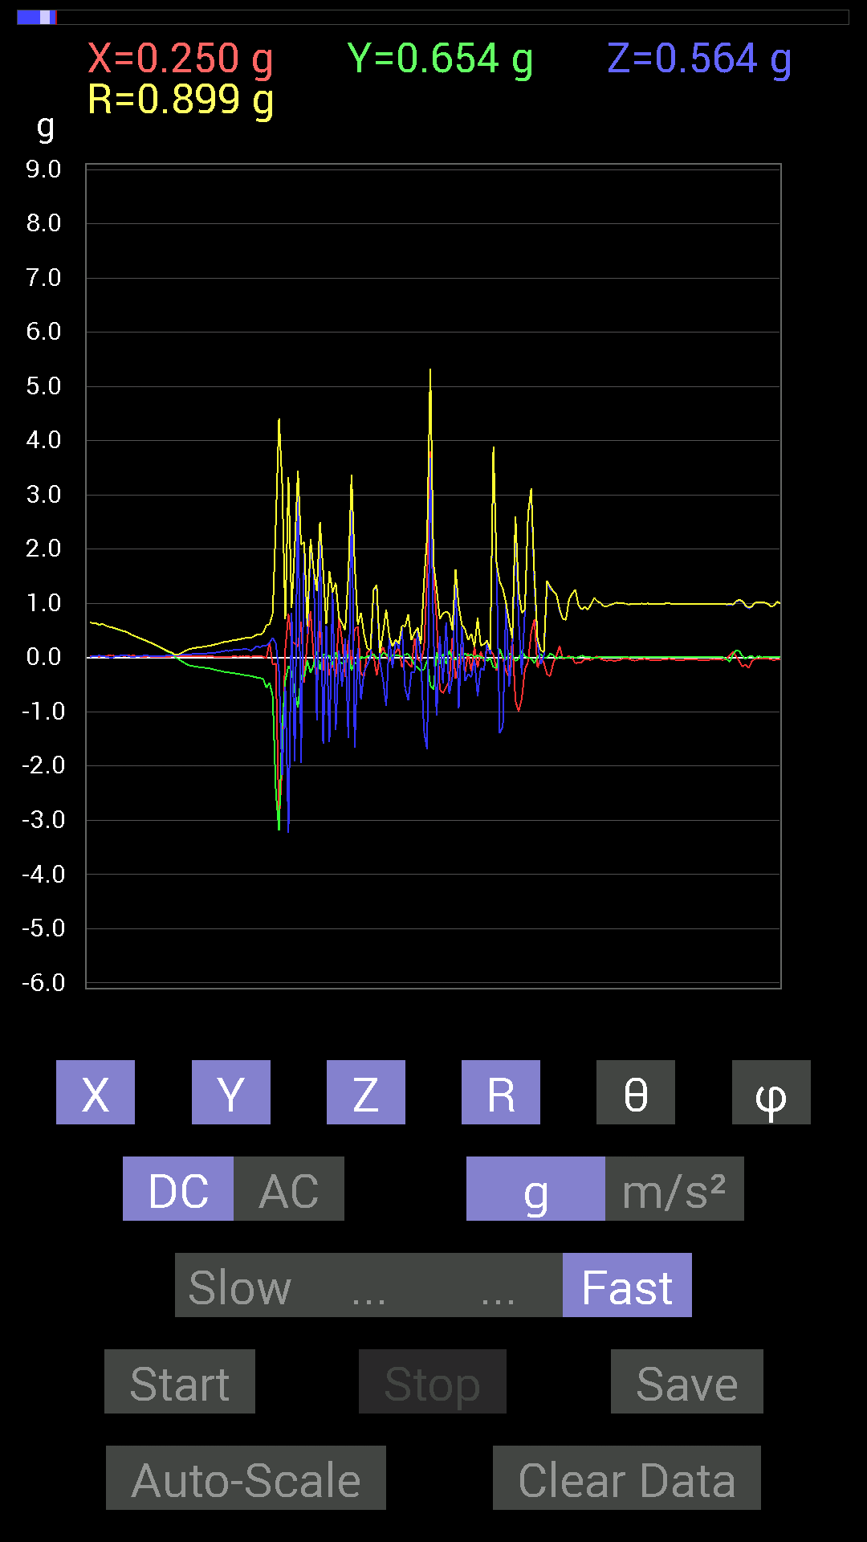
File |  | 2015-04-30 | 14-55-15
Z(g) | R(g) | Theta(deg) | Phi(deg)
0.027341384 | 0.989496 | 88.416626 | 87.51047
0.044917766 | 0.99022424 | 87.4001 | 87.39742
0.039058454 | 0.99220854 | 87.74396 | 87.064285
0.037106387 | 0.9920355 | 87.85639 | 87.17705
0.042964146 | 0.98996806 | 87.51261 | 87.62345
0.052729145 | 0.9908923 | 86.94963 | 87.05849
0.046869833 | 0.99209505 | 87.29215 | 87.628136
0.046869833 | 0.99014527 | 87.28681 | 87.62345
0.05468277 | 0.9924948 | 86.84161 | 87.628136
0.05858846 | 0.99271774 | 86.61654 | 87.628136
0.046869833 | 0.9904052 | 87.28753 | 87.284485
0.048823457 | 0.99227184 | 87.179695 | 87.51537
0.048823457 | 0.99254286 | 87.180466 | 87.17705
0.042964146 | 0.9920008 | 87.51771 | 87.51537
0.039058454 | 0.9900663 | 87.739075 | 87.284485
0.044917766 | 0.9863267 | 87.389824 | 87.38711
0.04101208 | 0.9880195 | 87.621 | 87.50555
0.039058454 | 0.9879404 | 87.73421 | 87.50555
0.046869833 | 0.9883669 | 87.28193 | 87.39228
0.050777078 | 0.9886505 | 87.05599 | 87.27911
0.048823457 | 0.9883746 | 87.168564 | 87.50555
0.050777078 | 0.9905978 | 87.06178 | 87.284485
0.05468277 | 0.98691034 | 86.82372 | 87.27373
0.056634836 | 0.98692966 | 86.71028 | 87.38711
0.046869833 | 0.9885521 | 87.28244 | 87.165886
0.044917766 | 0.9864175 | 87.39006 | 87.27373
0.046869833 | 0.9845606 | 87.271416 | 87.26831
0.039058454 | 0.98412865 | 87.725426 | 87.38192
0.039058454 | 0.9843147 | 87.72586 | 87.15463
0.042964146 | 0.98457617 | 87.49898 | 87.04098
0.039058454 | 0.9844135 | 87.72608 | 87.04098
0.04101208 | 0.9828638 | 87.60852 | 86.69377
0.046869833 | 0.9826115 | 87.266 | 87.26288
0.052729145 | 0.97643954 | 86.90444 | 88.16348
0.035152763 | 0.9793314 | 87.94295 | 88.62788
0.015622759 | 0.9789263 | 89.08557 | 88.399315
-0.0039056898 | 0.9768054 | 90.229095 | 88.510666
0.021482073 | 0.976985 | 88.740074 | 88.62514
0.042964146 | 0.9737925 | 87.47127 | 88.61962
0.046869833 | 0.97792137 | 87.25288 | 88.510666
0.044917766 | 0.97598827 | 87.36215 | 88.27824
0.035152763 | 0.97390413 | 87.93148 | 87.81504
0.031247074 | 0.9711288 | 88.15613 | 89.65412
0.017576382 | 0.9747428 | 88.9668 | 89.311134
0.015622759 | 0.9728834 | 89.079895 | 88.8496
...

第十九次
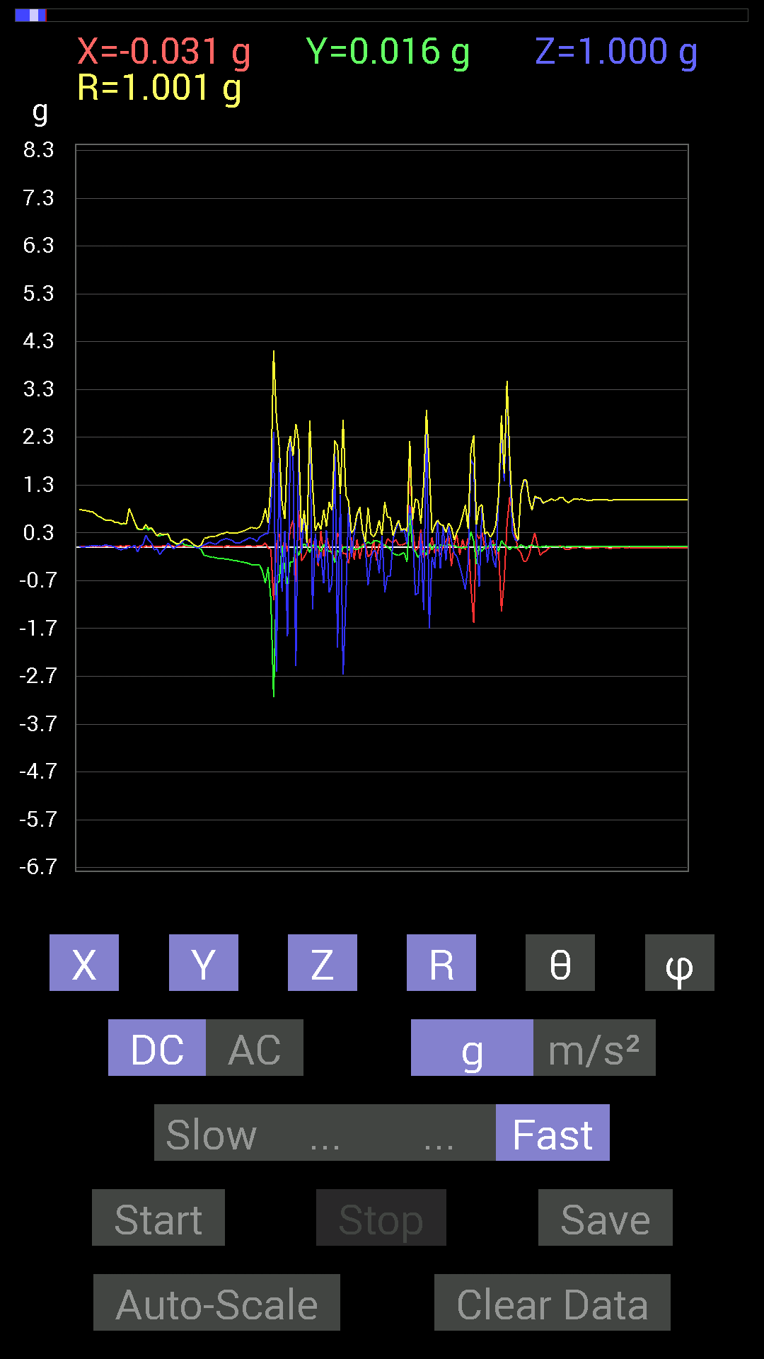
File |  | 2015-04-30 | 14-56-35
Z(g) | R(g) | Theta(deg) | Phi(deg)
0.025387762 | 0.9803862 | 88.51612 | 86.68719
-0.01171707 | 0.97710204 | 90.68709 | 88.052734
-0.017576382 | 0.97907627 | 91.02863 | 88.17081
-0.042964146 | 0.9735594 | 92.52934 | 89.42474
0.0019536226 | 0.9745335 | 89.88514 | 89.65551
0.037106387 | 0.9714763 | 87.811005 | 88.96256
0.062494148 | 0.97489834 | 86.32463 | 88.50469
0.07225915 | 0.9758075 | 85.75333 | 88.04492
0.06444622 | 0.9799084 | 86.22907 | 87.023254
0.07616484 | 0.97901416 | 85.538025 | 86.78834
0.039058454 | 0.976002 | 87.706474 | 87.81941
0.033199143 | 0.97001165 | 88.03864 | 87.690956
0.031247074 | 0.96759385 | 88.14939 | 88.37993
0.031247074 | 0.9675406 | 88.14929 | 88.49563
0.025387762 | 0.9652446 | 88.492836 | 88.95627
0.029293451 | 0.9632919 | 88.257385 | 89.41891
0.017576382 | 0.96120244 | 88.95224 | 88.83557
0.017576382 | 0.96541643 | 88.95682 | 88.14491
0.037106387 | 0.95970625 | 87.78415 | 89.183205
0.048823457 | 0.9640419 | 87.09704 | 89.76758
0.06444622 | 0.9630338 | 86.162895 | 89.53421
0.042964146 | 0.95600134 | 87.42417 | 89.414154
0.048823457 | 0.96013534 | 87.08522 | 89.88327
0.06835346 | 0.961485 | 85.92332 | 88.94989
0.046869833 | 0.956472 | 87.19122 | 88.47718
0.044917766 | 0.95433164 | 87.302246 | 88.708725
0.050777078 | 0.95093477 | 86.93912 | 88.23221
0.07421122 | 0.9483304 | 85.51175 | 88.81633
0.056634836 | 0.9450947 | 86.56449 | 89.05113
0.025387762 | 0.9437378 | 88.45848 | 89.05113
0.023435695 | 0.9397834 | 88.571045 | 89.04719
0.031247074 | 0.93622375 | 88.087364 | 88.68447
0.017576382 | 0.93192023 | 88.91931 | 88.798965
0.039058454 | 0.9268619 | 87.58481 | 88.429016
0.056634836 | 0.92178154 | 86.47749 | 88.78367
0.052729145 | 0.92141736 | 86.71939 | 89.27019
0.037106387 | 0.92260575 | 87.69499 | 89.271736
0.039058454 | 0.91896087 | 87.56403 | 88.659294
0.042964146 | 0.9151161 | 87.309006 | 89.02073
0.037106387 | 0.91282654 | 87.67029 | 89.38656
0.035152763 | 0.9069193 | 87.778625 | 89.25918
0.042964146 | 0.9034497 | 87.27423 | 88.883995
0.042964146 | 0.89557904 | 87.25026 | 89.12436
0.031247074 | 0.8930574 | 87.99487 | 89.62385
0.0058593126 | 0.8906105 | 89.62305 | 89.37176
...

第二十次
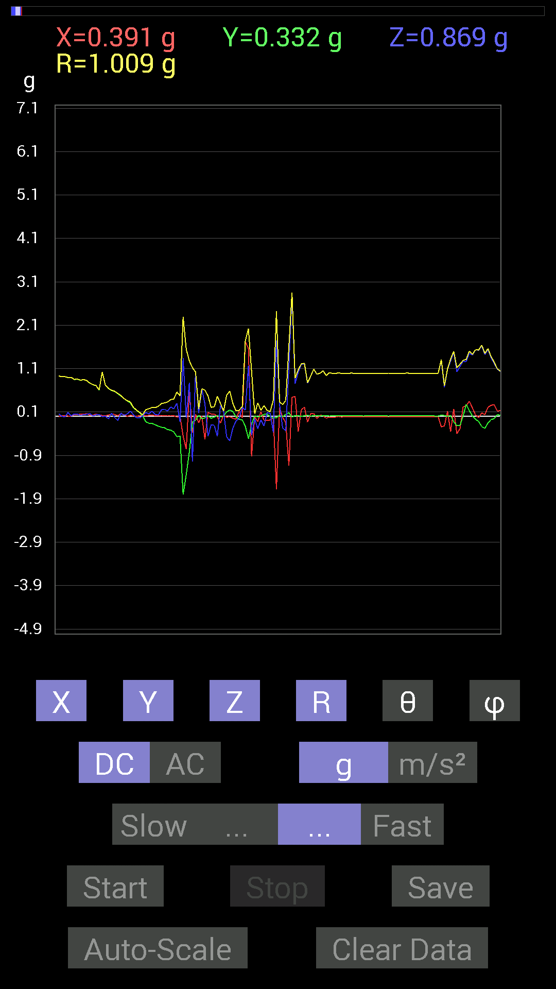
File |  | 2015-04-30 | 14-59-35
Z(g) | R(g) | Theta(deg) | Phi(deg)
0.042964146 | 0.99899626 | 87.5351 | 89.10312
0.039058454 | 0.9968553 | 87.75448 | 89.21363
0.031247074 | 0.99657977 | 88.20324 | 89.21363
0.009765002 | 0.9961377 | 89.43833 | 89.21363
-0.009765002 | 0.9941226 | 90.56281 | 89.54977
-0.031247074 | 0.9984464 | 91.7934 | 89.775764
-0.04101208 | 0.9988398 | 92.35321 | 90.56062
-0.031247074 | 0.99465764 | 91.80024 | 90.900406
-0.021482073 | 0.9923229 | 91.24045 | 90
-0.031247074 | 0.9927744 | 91.80365 | 88.87224
-0.013670692 | 0.9880659 | 90.792755 | 86.600266
0 | 0.9820168 | 90 | 85.09441
0 | 0.97677344 | 90 | 86.1021
0.027341384 | 0.9723201 | 88.38865 | 87.00532
0.046869833 | 0.9778973 | 87.25281 | 86.1021
0.08007053 | 0.9840673 | 85.332855 | 86.003746
0.07811691 | 0.97769344 | 85.41723 | 86.32339
0.046869833 | 0.9749139 | 87.24439 | 87.126114
0.048823457 | 0.9714261 | 87.119125 | 86.76896
0.056634836 | 0.97426564 | 86.66747 | 86.31601
0.06639984 | 0.9746394 | 86.09355 | 86.54567
0.07421122 | 0.9687351 | 85.606476 | 87.21863
0.07616484 | 0.96529853 | 85.474495 | 86.85887
0.06639984 | 0.9629714 | 86.04614 | 86.50356
0.048823457 | 0.9582727 | 87.079544 | 86.255905
0.046869833 | 0.9461272 | 87.160484 | 86.56402
0.05468277 | 0.9489918 | 86.69668 | 86.09954
0.06444622 | 0.9458067 | 86.0929 | 88.458275
0.0019536226 | 0.9315518 | 89.879845 | 90
0.056634836 | 0.92743987 | 86.49901 | 90.362656
0.0019536226 | 0.91418415 | 89.877556 | 88.77588
-0.013670692 | 0.9121975 | 90.858696 | 89.26394
0.08788191 | 0.8948976 | 84.36428 | 89.497444
0.009765002 | 0.89842284 | 89.377235 | 89.626305
0.05468277 | 0.8502334 | 86.31248 | 87.36153
0.050777078 | 0.85796714 | 86.60708 | 87.12457
0.017576382 | 0.8333479 | 88.791466 | 86.90955
0.039058454 | 0.84771246 | 87.35915 | 86.95941
0.044917766 | 0.82383496 | 86.87453 | 85.643005
0.06444622 | 0.76679975 | 85.17885 | 87.94934
0.0058593126 | 0.7289104 | 89.53943 | 88.00394
0.033199143 | 0.7077571 | 87.31141 | 85.72269
0.04101208 | 0.6053809 | 86.11547 | 87.59095
-0.0078113796 | 1.0235536 | 90.43726 | 88.90666
0.0058593126 | 0.71874595 | 89.53291 | 89.37727
...

