第一次
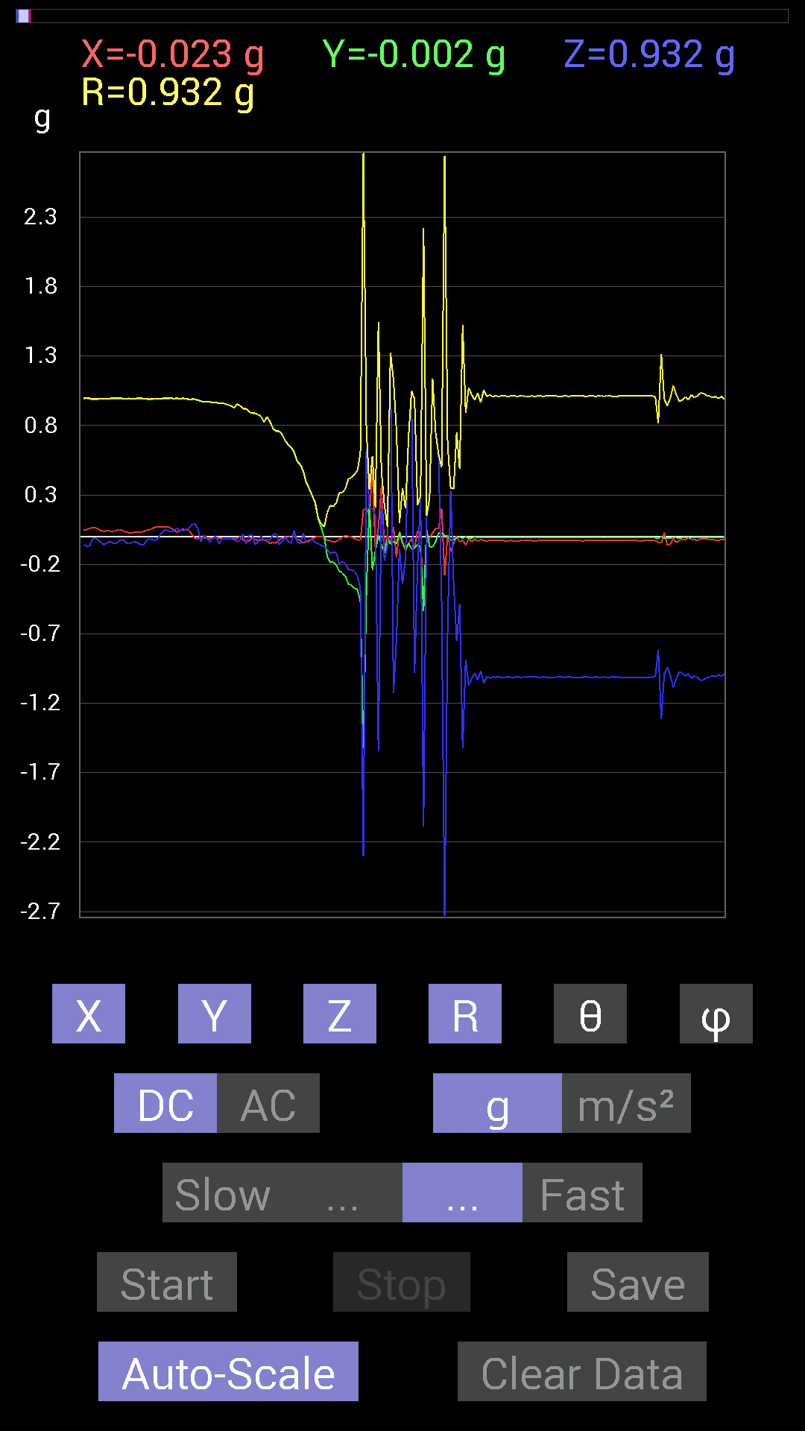
 | Keuwl | Accelerometer | Data | File |  | 2015-04-30 | 20-29-22
Number | Time(s) | X(g) | Y(g) | Z(g) | R(g) | Theta(deg) | Phi(deg)
1 | 3.7800002 | 0.039058454 | 0.99209034 | 0.042964146 | 0.99378806 | 87.52218 | 87.74544
2 | 3.801 | 0.052729145 | 0.99404395 | 0.04101208 | 0.996286 | 87.640755 | 86.963585
3 | 3.8360002 | 0.048823457 | 0.99209034 | 0.050777078 | 0.994588 | 87.073586 | 87.182594
4 | 3.8420002 | 0.044917766 | 0.9862326 | 0.05858846 | 0.98899186 | 86.603775 | 87.39228
5 | 3.8950002 | 0.017576382 | 0.9862326 | 0.08592984 | 0.990125 | 85.02122 | 88.979
6 | 3.8960001 | -0.01171707 | 0.9862326 | 0.09374122 | 0.99074686 | 84.57074 | 90.68068
7 | 3.9010003 | -0.015622759 | 0.98232687 | 0.060540527 | 0.9843146 | 86.473785 | 90.91115
8 | 3.9570003 | -0.0078113796 | 0.97451395 | -0.035152763 | 0.975179 | 92.06582 | 90.45925
9 | 3.9570003 | -0.0058593126 | 0.9706083 | 0.009765002 | 0.9706751 | 89.42359 | 90.34588
10 | 3.9620001 | -0.013670692 | 0.9686562 | -0.0078113796 | 0.96878415 | 90.46198 | 90.80856
11 | 3.9850001 | -0.013670692 | 0.9686562 | -0.04101208 | 0.96962035 | 92.424164 | 90.80856
12 | 4.0010004 | -0.009765002 | 0.9667026 | -0.0039056898 | 0.9667598 | 90.231476 | 90.57874
13 | 4.0210004 | -0.0039056898 | 0.9647505 | -0.0019536226 | 0.9647604 | 90.11602 | 90.23196
14 | 4.0470004 | -0.009765002 | 0.96084327 | -0.050777078 | 0.9622336 | 93.0249 | 90.582275
15 | 4.0620003 | -0.013670692 | 0.96084327 | -0.017576382 | 0.96110123 | 91.04787 | 90.81514
16 | 4.0820003 | -0.015622759 | 0.95693755 | -0.013670692 | 0.9571627 | 90.81836 | 90.93532
17 | 4.1060004 | -0.013670692 | 0.9491262 | -0.017576382 | 0.9493873 | 91.0608 | 90.8252
18 | 4.122 | -0.013670692 | 0.9413148 | -0.015622759 | 0.9415437 | 90.95074 | 90.83205
19 | 4.142 | -0.019530004 | 0.92764413 | -0.01171707 | 0.9279237 | 90.7235 | 91.20609
20 | 4.17 | -0.013670692 | 0.9530319 | -0.037106387 | 0.95385194 | 92.22946 | 90.821815
21 | 4.184 | 0 | 0.94326687 | -0.027341384 | 0.94366306 | 91.6603 | 90
22 | 4.2060003 | -0.023435695 | 0.91983277 | 0.021482073 | 0.920382 | 88.662575 | 91.45948
23 | 4.223 | -0.031247074 | 0.91983277 | -0.052729145 | 0.9218726 | 93.278984 | 91.94561
24 | 4.2440004 | -0.029293451 | 0.89835066 | 0.0078113796 | 0.89886206 | 89.502075 | 91.86764
25 | 4.262 | -0.01171707 | 0.8885857 | 0.015622759 | 0.88880026 | 88.992836 | 90.75547
26 | 4.283 | -0.019530004 | 0.886632 | -0.056634836 | 0.88865364 | 93.654 | 91.26186
27 | 4.3500004 | -0.027341384 | 0.87882066 | -0.035152763 | 0.8799483 | 92.2895 | 91.78198
28 | 4.3500004 | -0.025387762 | 0.86515 | 0.0039056898 | 0.8655312 | 89.741455 | 91.680855
29 | 4.3500004 | -0.019530004 | 0.82413787 | -0.025387762 | 0.8247601 | 91.763954 | 91.35751
30 | 4.3650002 | -0.031247074 | 0.8631979 | -0.021482073 | 0.86403036 | 91.42467 | 92.07316
31 | 4.3840003 | -0.050777078 | 0.82413787 | -0.025387762 | 0.8260909 | 91.761116 | 93.52567
32 | 4.413 | -0.04101208 | 0.77726805 | 0.015622759 | 0.7785061 | 88.850136 | 93.02038
33 | 4.4240003 | -0.046869833 | 0.75773805 | 0.023435695 | 0.7595479 | 88.23187 | 93.53952
34 | 4.4440002 | -0.023435695 | 0.75773805 | -0.056634836 | 0.76021296 | 94.272415 | 91.77151
35 | 4.4940004 | -0.01171707 | 0.7343039 | -0.037106387 | 0.73533416 | 92.89249 | 90.91418
36 | 4.4940004 | -0.009765002 | 0.69133824 | 0.0019536226 | 0.69141 | 89.838104 | 90.809235
37 | 4.506 | 0 | 0.66204476 | -0.035152763 | 0.66297734 | 93.0394 | 90
38 | 4.5750003 | -0.0039056898 | 0.6405627 | -0.046869833 | 0.642287 | 94.184784 | 90.34934
39 | 4.5750003 | 0 | 0.607362 | 0.044917766 | 0.60902065 | 85.77036 | 90
40 | 4.5750003 | -0.021482073 | 0.54096216 | -0.035152763 | 0.54252857 | 93.71504 | 92.27407
41 | 4.5860004 | -0.025387762 | 0.517528 | -0.050777078 | 0.5206324 | 95.59693 | 92.80844
42 | 4.6470003 | -0.044917766 | 0.47261027 | 0.025387762 | 0.47541833 | 86.938896 | 95.42919
43 | 4.6470003 | -0.033199143 | 0.38863403 | -0.04101208 | 0.39219967 | 96.00236 | 94.88265
44 | 4.6470003 | -0.027341384 | 0.34371626 | -0.035152763 | 0.3465893 | 95.82123 | 94.548096
45 | 4.6670003 | -0.015622759 | 0.29489282 | -0.017576382 | 0.29582897 | 93.40617 | 93.03257
46 | 4.7330003 | -0.0039056898 | 0.24021159 | -0.042964146 | 0.24405488 | 100.13936 | 90.93151
47 | 4.7330003 | 0 | 0.124988295 | -0.050777078 | 0.13490881 | 112.10968 | 90
48 | 4.734 | -0.0019536226 | 0.06444622 | -0.062494148 | 0.08979226 | 134.10583 | 91.736336
49 | 4.747 | -0.0019536226 | -0.0039056898 | -0.070305526 | 0.07044102 | 176.44565 | 243.42583
50 | 4.7660003 | -0.029293451 | -0.14451675 | -0.0917876 | 0.17368984 | 121.90125 | 258.54144
51 | 4.808 | -0.029293451 | -0.18552883 | -0.12303468 | 0.22453637 | 123.22648 | 261.02756
52 | 4.808 | -0.037106387 | -0.1835752 | -0.10936398 | 0.21688065 | 120.282166 | 258.57266
53 | 4.859 | -0.037106387 | -0.2070109 | -0.11912899 | 0.24170667 | 119.52913 | 259.83774
54 | 4.859 | -0.019530004 | -0.24802297 | -0.19529383 | 0.31628546 | 128.13094 | 265.49765
55 | 4.868 | -0.0058593126 | -0.26169366 | -0.17966951 | 0.31748864 | 124.4654 | 268.71738
56 | 4.9370003 | 0.009765002 | -0.28512782 | -0.19138813 | 0.34354424 | 123.85541 | 271.9615
57 | 4.9370003 | 0.0019536226 | -0.33981058 | -0.23825797 | 0.41502038 | 125.03575 | 270.3294
58 | 4.9370003 | -0.0019536226 | -0.34957558 | -0.23825797 | 0.4230529 | 124.2765 | 269.6798
59 | 4.9490004 | -0.013670692 | -0.37105766 | -0.24997504 | 0.4476139 | 123.949455 | 267.89005
60 | 5.025 | -0.021482073 | -0.38082266 | -0.2812221 | 0.4738916 | 126.40089 | 266.7714
61 | 5.025 | -0.029293451 | -0.46479887 | -0.37301126 | 0.5966854 | 128.69238 | 266.39377
62 | 5.025 | 0.18943451 | -1.5213355 | -2.3005571 | 2.7645814 | 146.32063 | 277.09787
63 | 5.0280004 | 0.2070109 | -0.4140218 | 0.6307977 | 0.78241503 | 36.27188 | 296.56506
64 | 5.0610003 | 0.14256468 | 0.23435228 | 0.1972459 | 0.33786333 | 54.281467 | 58.68639
65 | 5.0680003 | 0.48628095 | -0.24021159 | 0.20310521 | 0.5791567 | 69.4704 | 333.7117
66 | 5.0990005 | -0.09569329 | -0.10545829 | 0.15232968 | 0.20852575 | 43.07102 | 227.77927
67 | 5.109 | 0.06444622 | 0.009765002 | -1.542819 | 1.5441953 | 177.58078 | 8.616016
68 | 5.142 | 0.36715195 | -0.056634836 | 0.28708142 | 0.46949312 | 52.304058 | 351.231
69 | 5.149 | -0.08788191 | -0.11717536 | -0.17381175 | 0.22729677 | 139.87949 | 233.12999
70 | 5.182 | 0.019530004 | -0.019530004 | -0.06444622 | 0.07011531 | 156.80157 | 315
71 | 5.189 | -0.05468277 | -0.052729145 | 1.3201839 | 1.3223675 | 3.293188 | 223.95801
72 | 5.2260003 | 0.070305526 | -0.035152763 | -1.1287957 | 1.1315292 | 176.01665 | 333.43494
73 | 5.23 | -0.14842243 | -0.050777078 | -0.7421153 | 0.7585135 | 168.06453 | 198.88643
74 | 5.274 | 0.039058454 | 0.029293451 | -0.083976224 | 0.09713741 | 149.82677 | 36.869534
75 | 5.274 | -0.033199143 | -0.048823457 | -0.34371626 | 0.34875032 | 170.25317 | 235.78494
76 | 5.2900004 | -0.10545829 | -0.08788191 | -0.15037607 | 0.2036115 | 137.60754 | 219.80557
77 | 5.322 | -0.050777078 | -0.046869833 | 0.7089146 | 0.71227455 | 5.567395 | 222.70859
78 | 5.3310003 | -0.013670692 | -0.08788191 | 1.0448195 | 1.048598 | 4.8655047 | 261.15808
79 | 5.372 | -0.08788191 | -0.083976224 | -0.984279 | 0.99175614 | 172.95993 | 223.6981
80 | 5.372 | 0.04101208 | -0.05468277 | -0.21482228 | 0.2254347 | 162.34966 | 306.8699
81 | 5.4220004 | 0.031247074 | -0.07811691 | 0.28708142 | 0.2991561 | 16.334213 | 291.8016
82 | 5.4220004 | -0.5331508 | -0.53705645 | -2.0896406 | 2.2224486 | 160.09233 | 225.20909
83 | 5.432 | -0.039058454 | 0.056634836 | 0.13475175 | 0.15129806 | 27.04651 | 124.592255
84 | 5.472 | -0.01171707 | -0.07225915 | 0.26559937 | 0.27550262 | 15.408959 | 260.78946
85 | 5.472 | 0.027341384 | -0.07421122 | 1.134655 | 1.137408 | 3.9872284 | 290.22513
86 | 5.525 | 0.056634836 | -0.037106387 | 0.746021 | 0.7490872 | 5.185876 | 326.76773
87 | 5.525 | 0.05858846 | 0.027341384 | 0.58978564 | 0.5933189 | 6.2559857 | 25.016975
88 | 5.531 | 0.20115158 | 0.027341384 | -0.4569875 | 0.5000471 | 156.04843 | 7.740451
89 | 5.5730004 | -0.27731642 | 0.0078113796 | -2.7302032 | 2.744262 | 174.19789 | 178.38654
90 | 5.5740004 | 0.01171707 | 0.0019536226 | -0.66399837 | 0.66410464 | 178.97493 | 9.466022
91 | 5.6250005 | -0.10545829 | -0.027341384 | 0.33395126 | 0.3512726 | 18.067883 | 194.53464
92 | 5.6250005 | -0.050777078 | -0.023435695 | -0.33981058 | 0.34438172 | 170.65431 | 204.77525
93 | 5.6330004 | 0.0039056898 | -0.0078113796 | -0.7499267 | 0.7499775 | 179.33295 | 296.56506
94 | 5.688 | -0.039058454 | -0.0019536226 | -0.48432732 | 0.48590362 | 175.38365 | 182.86343
95 | 5.688 | -0.025387762 | -0.01171707 | -1.5252427 | 1.525499 | 178.94966 | 204.77448
96 | 5.6940002 | -0.062494148 | 0 | -0.886632 | 0.88883173 | 175.96819 | 180
97 | 5.7500005 | -0.017576382 | -0.01171707 | -1.0721608 | 1.0723689 | 178.87152 | 213.6889
98 | 5.7500005 | -0.037106387 | -0.009765002 | -1.0213853 | 1.0221057 | 177.84868 | 194.7438
99 | 5.755 | -0.017576382 | -0.0019536226 | -0.98232687 | 0.982486 | 178.96864 | 186.34242
100 | 5.828 | -0.033199143 | -0.0058593126 | -1.0331024 | 1.0336523 | 178.13094 | 190.00905

第二次
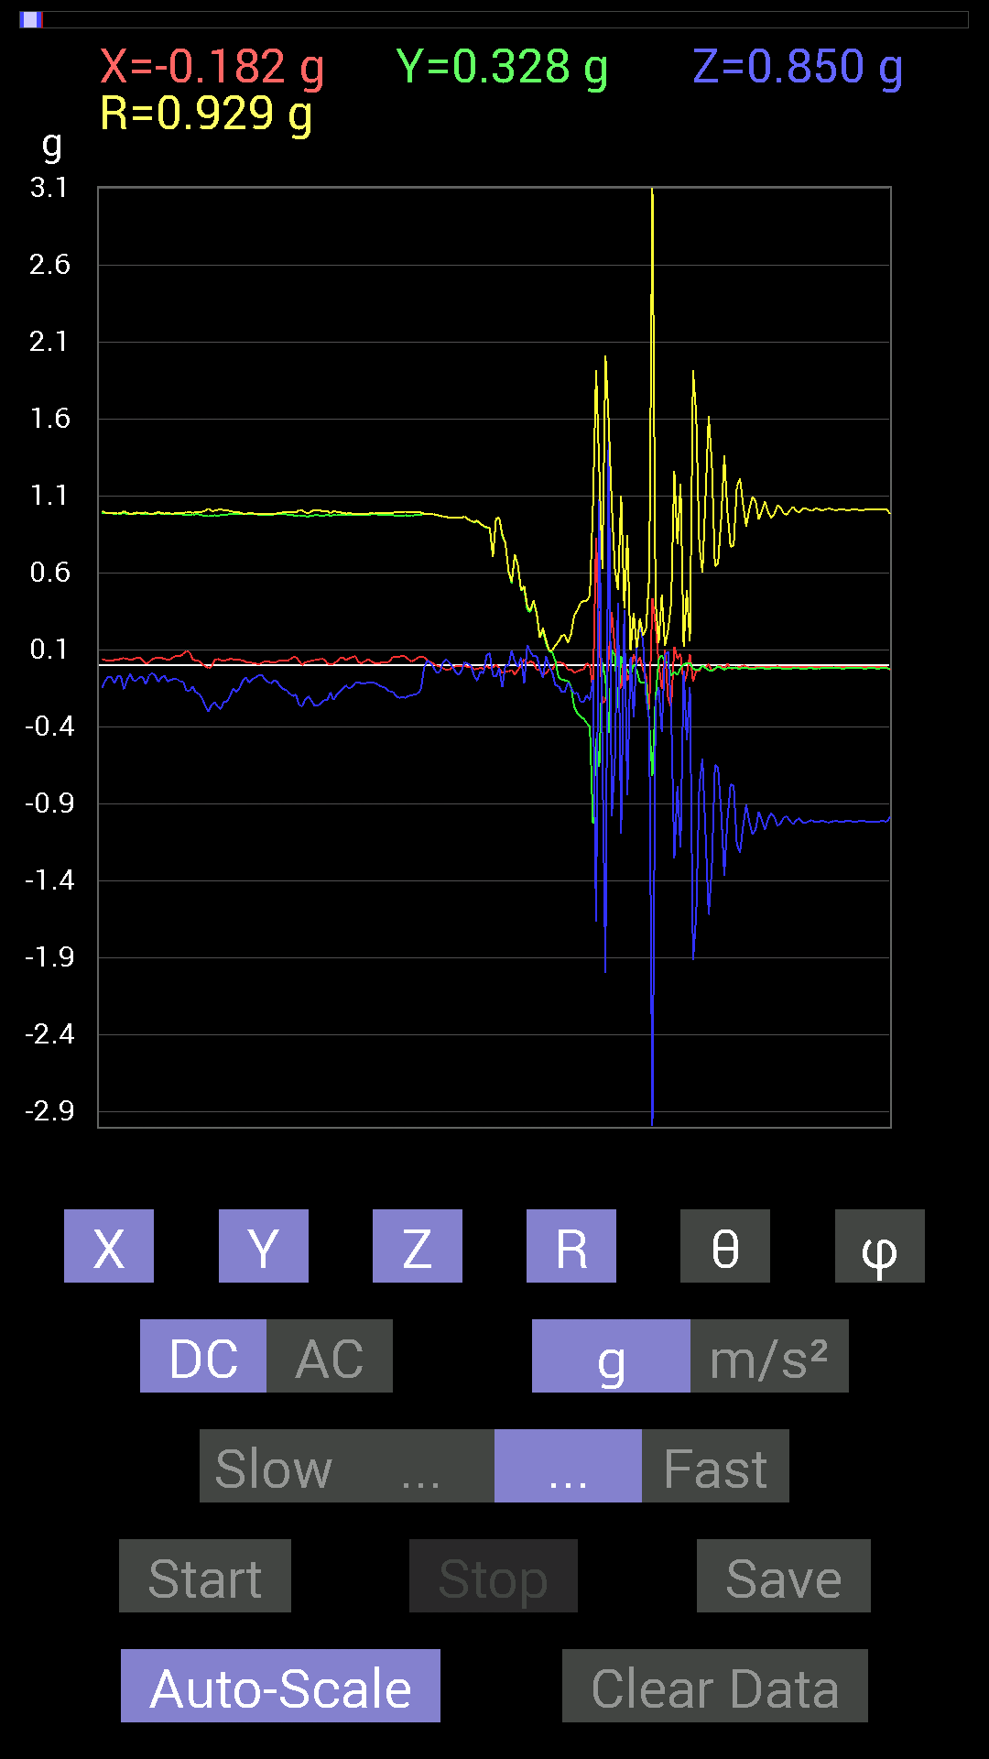
 | Keuwl | Accelerometer | Data | File |  | 2015-04-30 | 20-29-56
Number | Time(s) | X(g) | Y(g) | Z(g) | R(g) | Theta(deg) | Phi(deg)
1 | 5.341 | 0.056634836 | 0.97451395 | -0.20896451 | 0.9982741 | 102.08285 | 86.67394
2 | 5.3450003 | 0.06444622 | 0.9725619 | -0.2070109 | 0.9964354 | 101.990616 | 86.20887
3 | 5.4 | 0.05858846 | 0.97646755 | -0.20896451 | 1.0002939 | 102.05808 | 86.566345
4 | 5.4 | 0.039058454 | 0.97451395 | -0.1972459 | 0.99504215 | 101.433395 | 87.70482
5 | 5.4040003 | 0.025387762 | 0.97451395 | -0.1933402 | 0.9938322 | 101.21786 | 88.50768
6 | 5.479 | 0.037106387 | 0.97646755 | -0.18748245 | 0.9949952 | 100.86091 | 87.82377
7 | 5.479 | 0.052729145 | 0.97841966 | -0.1835752 | 0.9968878 | 100.61148 | 86.91519
8 | 5.479 | 0.056634836 | 0.98037326 | -0.15232968 | 0.9937523 | 98.81748 | 86.69377
9 | 5.485 | 0.056634836 | 0.984279 | -0.015622759 | 0.98603076 | 90.90784 | 86.70686
10 | 5.539 | 0.035152763 | 0.984279 | 0.033199143 | 0.9854659 | 88.06941 | 87.9546
11 | 5.539 | 0.021482073 | 0.984279 | 0.017576382 | 0.9846702 | 88.97722 | 88.74971
12 | 5.5460005 | 0.01171707 | 0.984279 | -0.01171707 | 0.9844184 | 90.681984 | 89.31797
13 | 5.5990005 | -0.0019536226 | 0.97646755 | -0.046869833 | 0.9775937 | 92.74805 | 90.11463
14 | 5.5990005 | -0.0058593126 | 0.97451395 | -0.04101208 | 0.9753941 | 92.409805 | 90.34449
15 | 5.6060004 | -0.017576382 | 0.9667026 | 0.017576382 | 0.9670221 | 88.95855 | 91.041626
16 | 5.6600003 | -0.027341384 | 0.9647505 | 0.04101208 | 0.96600884 | 87.566765 | 91.62335
17 | 5.6600003 | -0.027341384 | 0.96084327 | 0.021482073 | 0.9614722 | 88.71974 | 91.629944
18 | 5.6660004 | -0.013670692 | 0.96084327 | -0.0058593126 | 0.96095836 | 90.34936 | 90.81514
19 | 5.7190003 | -0.0058593126 | 0.96279687 | -0.039058454 | 0.9636066 | 92.323044 | 90.34868
20 | 5.7200003 | -0.0058593126 | 0.9588912 | -0.062494148 | 0.9609434 | 93.72881 | 90.350105
21 | 5.727 | -0.0058593126 | 0.96084327 | -0.031247074 | 0.9613691 | 91.862595 | 90.34939
22 | 5.782 | 0 | 0.9686562 | 0.023435695 | 0.96893966 | 88.61405 | 90
23 | 5.782 | -0.009765002 | 0.9510798 | 0.01171707 | 0.9512021 | 89.294205 | 90.58825
24 | 5.787 | -0.0078113796 | 0.9393612 | -0.0019536226 | 0.9393957 | 90.119156 | 90.47644
25 | 5.8170004 | -0.025387762 | 0.9295962 | -0.06639984 | 0.93231034 | 94.08411 | 91.56439
26 | 5.827 | -0.021482073 | 0.9374091 | -0.09959898 | 0.94293016 | 96.0633 | 91.31278
27 | 5.8560004 | -0.013670692 | 0.91983277 | -0.039058454 | 0.92076313 | 92.4312 | 90.85148
28 | 5.8680005 | -0.021482073 | 0.906162 | -0.048823457 | 0.9077306 | 93.08321 | 91.35804
29 | 5.899 | -0.0019536226 | 0.89639705 | 0.06835346 | 0.8990015 | 85.63944 | 90.12487
30 | 5.9080005 | -0.017576382 | 0.89053774 | 0.08007053 | 0.8943029 | 84.8632 | 91.13069
31 | 5.946 | -0.015622759 | 0.7050089 | -0.06444622 | 0.70812076 | 95.221725 | 91.26945
32 | 5.9480004 | 0.0058593126 | 0.9510798 | -0.07421122 | 0.9539887 | 94.46157 | 89.647026
33 | 5.991 | -0.017576382 | 0.96084327 | -0.015622759 | 0.96113104 | 90.93136 | 91.04797
34 | 5.991 | -0.048823457 | 0.8397622 | -0.13865899 | 0.85253185 | 99.36038 | 93.32741
35 | 6.0090003 | -0.04101208 | 0.79484445 | 0.0019536226 | 0.7959042 | 89.85936 | 92.953705
36 | 6.037 | -0.039058454 | 0.60931563 | -0.0019536226 | 0.6105693 | 90.18333 | 93.66776
37 | 6.0490003 | -0.027341384 | 0.5351044 | 0.097646914 | 0.5446276 | 79.671524 | 92.92501
38 | 6.0820003 | -0.05858846 | 0.7186796 | 0.025387762 | 0.7215106 | 87.98352 | 94.66058
39 | 6.09 | -0.027341384 | 0.6503277 | -0.009765002 | 0.65097547 | 90.859505 | 92.40744
40 | 6.1310005 | -0.0039056898 | 0.48628095 | 0.052729145 | 0.489147 | 83.81159 | 90.460175
41 | 6.1310005 | 0.04101208 | 0.5019037 | -0.115223296 | 0.5165905 | 102.887985 | 85.32857
42 | 6.1480002 | 0.01171707 | 0.35738695 | 0.13279969 | 0.3814426 | 69.625725 | 88.12221
43 | 6.181 | 0.027341384 | 0.34762195 | 0.08788191 | 0.3595995 | 75.85432 | 85.50279
44 | 6.189 | 0.017576382 | 0.41792747 | 0.05858846 | 0.42238006 | 82.02678 | 87.59178
45 | 6.234 | -0.027341384 | 0.33395126 | 0.062494148 | 0.34084678 | 79.43507 | 94.680504
46 | 6.234 | -0.023435695 | 0.18162313 | -0.017576382 | 0.18397044 | 95.48235 | 97.352516
47 | 6.287 | -0.05858846 | 0.22263521 | -0.08007053 | 0.24374236 | 109.17805 | 104.74362
48 | 6.287 | -0.050777078 | 0.14256468 | 0.060540527 | 0.16299741 | 68.19677 | 109.60431
49 | 6.2910004 | -0.021482073 | 0.09374122 | -0.0078113796 | 0.096487895 | 94.643585 | 102.90724
50 | 6.341 | -0.027341384 | 0.083976224 | -0.044917766 | 0.0990816 | 116.95825 | 108.03446
51 | 6.3420005 | 0.013670692 | 0.027341384 | -0.12889399 | 0.13246924 | 166.65819 | 63.434948
52 | 6.3510003 | 0.023435695 | -0.07811691 | -0.13279969 | 0.15584365 | 148.44455 | 286.69968
53 | 6.399 | 0.017576382 | -0.0917876 | -0.17185813 | 0.19562492 | 151.46295 | 280.84033
54 | 6.4 | 0.0078113796 | -0.09569329 | -0.17185813 | 0.19685894 | 150.80931 | 274.66666
55 | 6.412 | -0.027341384 | -0.097646914 | -0.10936398 | 0.14914072 | 137.16325 | 254.35762
56 | 6.4680004 | -0.027341384 | -0.14061105 | -0.14647037 | 0.20487213 | 135.63792 | 258.99634
57 | 6.4680004 | -0.046869833 | -0.26755142 | -0.18162313 | 0.32675296 | 123.76875 | 260.06372
58 | 6.472 | -0.037106387 | -0.31051713 | -0.17576382 | 0.35873485 | 119.3376 | 263.18555
59 | 6.538 | -0.029293451 | -0.33199918 | -0.23435228 | 0.4074341 | 125.11298 | 264.95764
60 | 6.538 | -0.027341384 | -0.3456699 | -0.23825797 | 0.42071617 | 124.493675 | 265.4775
61 | 6.538 | 0.015622759 | -0.37301126 | -0.19138813 | 0.4195365 | 117.141495 | 272.39832
62 | 6.5530005 | 0 | -0.39644542 | -0.22458728 | 0.45564067 | 119.531654 | 270
63 | 6.6050005 | -0.16404675 | -1.0291967 | -0.08983553 | 1.0460534 | 94.92666 | 260.94363
64 | 6.6050005 | 0.8299972 | -0.47456387 | -1.6639001 | 1.9190284 | 150.11801 | 330.24057
65 | 6.6130004 | 0.18748245 | -0.65813905 | 1.0799723 | 1.2785292 | 32.360302 | 285.90054
66 | 6.642 | -0.24021159 | 0.017576382 | -0.5819742 | 0.62984484 | 157.51747 | 175.81511
67 | 6.6530004 | -0.23044659 | -0.083976224 | -1.9978529 | 2.0128522 | 173.00098 | 200.02206
68 | 6.681 | 0.052729145 | -0.43550387 | 1.533054 | 1.5945841 | 15.968501 | 276.90356
69 | 6.6930003 | 0.3456699 | 0.09959898 | -0.98037326 | 1.0442889 | 159.85019 | 16.07345
70 | 6.7200003 | 0.111317605 | 0.06639984 | -0.61517495 | 0.6286818 | 168.10185 | 30.815655
71 | 6.734 | 0.023435695 | -0.27536437 | 0.40621042 | 0.4913061 | 34.228893 | 274.8646
72 | 6.762 | -0.14842243 | 0.060540527 | -1.093643 | 1.1053277 | 171.66156 | 157.80978
73 | 6.7730002 | 0.097646914 | -0.01171707 | 0.35934058 | 0.37255585 | 15.306368 | 353.15756
74 | 6.8090005 | -0.09959898 | -0.029293451 | -0.84171426 | 0.84809256 | 172.96863 | 196.38934
75 | 6.814 | -0.044917766 | -0.06444622 | 0.05468277 | 0.09571377 | 55.15798 | 235.12425
76 | 6.8610005 | 0.07225915 | 0.009765002 | -0.3359049 | 0.34372786 | 167.75262 | 7.6962476
77 | 6.8610005 | 0.013670692 | -0.031247074 | 0.10936398 | 0.11455893 | 17.320833 | 293.62952
78 | 6.8750005 | 0.052729145 | -0.10741191 | 0.28317574 | 0.30741858 | 22.906595 | 296.1467
79 | 6.9140005 | -0.027341384 | -0.10936398 | 0.15623537 | 0.19265908 | 35.81192 | 255.96356
80 | 6.9140005 | -0.06639984 | -0.10936398 | -0.2070109 | 0.24335761 | 148.28188 | 238.73616
81 | 6.9680004 | -0.2812221 | -0.37301126 | -0.35934058 | 0.58936316 | 127.568535 | 232.98648
82 | 6.9680004 | 0.43745747 | -0.7147739 | -2.9899433 | 3.1051621 | 164.34296 | 301.46756
83 | 6.9760003 | 0.26755142 | -0.21482228 | -0.24021159 | 0.41884843 | 124.99499 | 321.23834
84 | 7.0230002 | 0.017576382 | 0.039058454 | -0.13865899 | 0.14512342 | 162.83438 | 65.77216
85 | 7.0230002 | -0.15037607 | 0.06835346 | -0.4296461 | 0.46030527 | 158.97018 | 155.55582
86 | 7.0360003 | 0.10350622 | 0.023435695 | 0.070305526 | 0.12730137 | 56.47668 | 12.757703
87 | 7.0800004 | -0.2070109 | 0.021482073 | 0.08983553 | 0.22668351 | 66.65269 | 174.07547
88 | 7.0800004 | -0.27341074 | -0.06639984 | -0.28903505 | 0.40336537 | 135.7711 | 193.65044
89 | 7.096 | 0.12303468 | -0.04101208 | -1.2557377 | 1.262417 | 174.10352 | 341.56482
90 | 7.1340003 | 0.042964146 | -0.062494148 | -0.7850794 | 0.7887339 | 174.48236 | 304.50815
91 | 7.136 | 0.07616484 | -0.015622759 | -1.1815249 | 1.1840802 | 176.2351 | 348.4084
92 | 7.1870003 | -0.11912899 | 0.0058593126 | -0.035152763 | 0.12434534 | 106.42158 | 177.1842
93 | 7.1870003 | -0.060540527 | 0.017576382 | -0.48628095 | 0.49035013 | 172.6135 | 163.81071
94 | 7.1980004 | 0.07421122 | 0.017576382 | -0.13865899 | 0.15824838 | 151.18863 | 13.324561
95 | 7.2560005 | -0.10350622 | -0.019530004 | -1.9138767 | 1.9167731 | 176.8498 | 190.6852
96 | 7.2570004 | -0.035152763 | -0.029293451 | -1.6267953 | 1.6274387 | 178.38881 | 219.80507
97 | 7.2580004 | -0.035152763 | -0.023435695 | -0.77922165 | 0.7803661 | 176.89656 | 213.69066
98 | 7.293 | 0.0019536226 | 0 | -0.6054099 | 0.6054131 | 179.81442 | 0
99 | 7.2980003 | -0.01171707 | -0.015622759 | -1.0995022 | 1.0996757 | 178.98239 | 233.1301
100 | 7.3320003 | 0.009765002 | -0.029293451 | -1.6189823 | 1.6192768 | 178.90729 | 288.43585
101 | 7.339 | -0.035152763 | -0.035152763 | -1.3182303 | 1.3191674 | 177.84024 | 225
102 | 7.372 | -0.023435695 | -0.019530004 | -0.64446837 | 0.64519 | 177.28986 | 219.80594
103 | 7.3780003 | -0.0019536226 | -0.0039056898 | -0.6659505 | 0.6659648 | 179.62465 | 243.42583
104 | 7.412 | -0.0039056898 | -0.017576382 | -0.9549855 | 0.95515525 | 178.91972 | 257.47174
105 | 7.419 | -0.021482073 | -0.025387762 | -1.363148 | 1.3635536 | 178.6024 | 229.76349
106 | 7.4750004 | 0.01171707 | -0.017576382 | -0.99794966 | 0.99817324 | 178.78728 | 303.6889
107 | 7.4750004 | -0.021482073 | -0.013670692 | -0.7694567 | 0.7698779 | 178.10463 | 212.47173
108 | 7.478 | -0.019530004 | -0.015622759 | -0.78312737 | 0.7835266 | 178.17084 | 218.65758
109 | 7.557 | -0.0078113796 | -0.017576382 | -1.1600428 | 1.1602021 | 179.05023 | 246.03845
110 | 7.557 | -0.009765002 | -0.019530004 | -1.2147255 | 1.2149217 | 178.97017 | 243.43495
111 | 7.557 | 0.0019536226 | -0.015622759 | -1.0448195 | 1.0449381 | 179.1368 | 277.12784
112 | 7.5580006 | -0.0058593126 | -0.015622759 | -0.9042084 | 0.9043624 | 178.94278 | 249.44145
113 | 7.6370006 | -0.013670692 | -0.019530004 | -1.0174797 | 1.0177588 | 178.65797 | 235.00859
114 | 7.6370006 | -0.013670692 | -0.023435695 | -1.0975486 | 1.0978839 | 178.58391 | 239.7438
115 | 7.6370006 | -0.01171707 | -0.019530004 | -1.0663031 | 1.0665463 | 178.7765 | 239.03825
116 | 7.6390004 | -0.0058593126 | -0.013670692 | -0.9491262 | 0.9492427 | 179.10213 | 246.79984

第三次
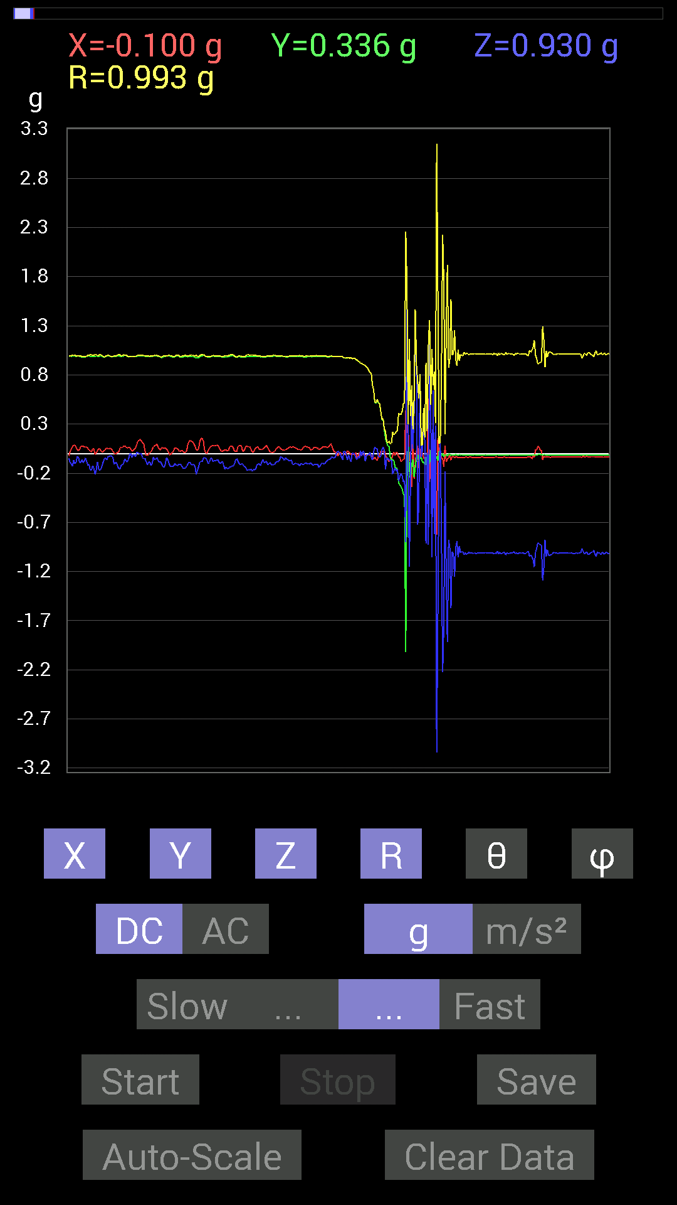
 | Keuwl | Accelerometer | Data | File |  | 2015-04-30 | 20-30-51
Number | Time(s) | X(g) | Y(g) | Z(g) | R(g) | Theta(deg) | Phi(deg)
1 | 11.232 | 0.015622759 | 0.9862326 | -0.0019536226 | 0.9863582 | 90.11348 | 89.09246
2 | 11.261001 | 0.0019536226 | 0.98818463 | -0.033199143 | 0.9887441 | 91.92419 | 89.88673
3 | 11.274 | -0.0078113796 | 0.98232687 | -0.062494148 | 0.98434377 | 93.64005 | 90.455605
4 | 11.302001 | -0.0078113796 | 0.97451395 | 0.025387762 | 0.97487587 | 88.50773 | 90.45925
5 | 11.313001 | -0.0078113796 | 0.9706083 | 0.025387762 | 0.9709717 | 88.50173 | 90.461105
6 | 11.344001 | -0.009765002 | 0.9725619 | -0.015622759 | 0.9727364 | 90.92024 | 90.57526
7 | 11.354 | 0.031247074 | 0.9706083 | -0.06639984 | 0.97337854 | 93.911514 | 88.1561
8 | 11.396001 | 0.019530004 | 0.97646755 | -0.017576382 | 0.976821 | 91.031006 | 88.8542
9 | 11.396001 | 0.0019536226 | 0.9686562 | -0.048823457 | 0.9698878 | 92.885445 | 89.884445
10 | 11.4140005 | -0.0058593126 | 0.97451395 | -0.08592984 | 0.9783127 | 95.039055 | 90.34449
11 | 11.448001 | -0.01171707 | 0.96279687 | 0.0019536226 | 0.9628701 | 89.88375 | 90.69724
12 | 11.454 | -0.0078113796 | 0.9706083 | 0.0019536226 | 0.9706417 | 89.88468 | 90.461105
13 | 11.499001 | 0.0058593126 | 0.9706083 | -0.0058593126 | 0.97064364 | 90.34587 | 89.65412
14 | 11.499001 | 0.0078113796 | 0.9549855 | -0.039058454 | 0.95581585 | 92.34199 | 89.53136
15 | 11.515 | -0.037106387 | 0.9510798 | -0.060540527 | 0.95372677 | 93.63946 | 92.23426
16 | 11.540001 | -0.033199143 | 0.9374091 | -0.025387762 | 0.93834037 | 91.550385 | 92.02833
17 | 11.555 | 0.01171707 | 0.93350345 | -0.048823457 | 0.9348527 | 92.99368 | 89.280876
18 | 11.581 | -0.015622759 | 0.9178791 | 0.027341384 | 0.9184191 | 88.29405 | 90.975105
19 | 11.595 | -0.01171707 | 0.91983277 | -0.025387762 | 0.9202577 | 91.58086 | 90.72981
20 | 11.636001 | -0.009765002 | 0.9042084 | 0.025387762 | 0.9046175 | 88.3918 | 90.618744
21 | 11.636001 | -0.0078113796 | 0.90225637 | 0.0078113796 | 0.902324 | 89.50399 | 90.49603
22 | 11.692 | -0.015622759 | 0.89053774 | -0.07811691 | 0.8940938 | 95.01232 | 91.00504
23 | 11.692 | -0.021482073 | 0.88077426 | -0.023435695 | 0.88134784 | 91.52372 | 91.39716
24 | 11.696 | -0.009765002 | 0.8710093 | -0.009765002 | 0.8711188 | 90.64228 | 90.64233
25 | 11.752001 | -0.01171707 | 0.84562 | -0.01171707 | 0.8457823 | 90.79378 | 90.79385
26 | 11.752001 | -0.01171707 | 0.8221858 | 0.01171707 | 0.82235277 | 89.18361 | 90.816475
27 | 11.757001 | -0.015622759 | 0.8221858 | -0.035152763 | 0.82308525 | 92.44776 | 91.08858
28 | 11.811001 | -0.025387762 | 0.69524544 | -0.06639984 | 0.6988703 | 95.45191 | 92.0913
29 | 11.811001 | -0.056634836 | 0.6483741 | 0.015622759 | 0.65103036 | 88.62494 | 94.99206
30 | 11.818001 | -0.037106387 | 0.52338576 | 0.06639984 | 0.5288842 | 82.78765 | 94.055305
31 | 11.868001 | -0.060540527 | 0.50971663 | 0.048823457 | 0.51561606 | 84.56655 | 96.77345
32 | 11.868001 | -0.070305526 | 0.5468215 | 0.046869833 | 0.5533113 | 85.14077 | 97.3264
33 | 11.877001 | -0.029293451 | 0.517528 | -0.025387762 | 0.5189777 | 92.80396 | 93.23964
34 | 11.965 | -0.015622759 | 0.507763 | -0.037106387 | 0.50935674 | 94.17767 | 91.76231
35 | 11.965 | 0.025387762 | 0.4296461 | -0.027341384 | 0.4312631 | 93.634895 | 86.61833
36 | 11.965 | 0.019530004 | 0.3456699 | 0.039058454 | 0.34841737 | 83.56347 | 86.76628
37 | 11.965 | 0.013670692 | 0.34762195 | 0.06639984 | 0.35417065 | 79.19425 | 87.747925
38 | 11.978001 | 0.035152763 | 0.24411729 | 0.031247074 | 0.24860682 | 82.77947 | 81.80576
39 | 12.008 | -0.017576382 | 0.15428175 | -0.16404675 | 0.22588299 | 136.57265 | 96.49934
40 | 12.019001 | -0.04101208 | 0.10936398 | -0.042964146 | 0.12445235 | 110.19557 | 110.55631
41 | 12.05 | -0.05858846 | 0.07421122 | -0.050777078 | 0.10732299 | 118.237274 | 128.29048
42 | 12.059001 | -0.083976224 | 0.07225915 | -0.06444622 | 0.12816672 | 120.187485 | 139.28894
43 | 12.104001 | -0.056634836 | -0.04101208 | -0.07225915 | 0.10055287 | 135.94054 | 215.91016
44 | 12.1050005 | -0.056634836 | -0.05858846 | -0.06444622 | 0.10389142 | 128.3397 | 225.97136
45 | 12.120001 | -0.019530004 | -0.06835346 | -0.20896451 | 0.22072558 | 161.21193 | 254.05426
46 | 12.159 | 0.015622759 | -0.06835346 | -0.17966951 | 0.19286628 | 158.68176 | 282.8743
47 | 12.159 | -0.017576382 | -0.13865899 | -0.14451675 | 0.20104809 | 135.95688 | 262.77573
48 | 12.179001 | 0.013670692 | -0.14061105 | -0.17771745 | 0.2270283 | 141.51753 | 275.55304
49 | 12.221001 | 0.009765002 | -0.16599882 | -0.16014107 | 0.23085953 | 133.92159 | 273.36658
50 | 12.221001 | -0.037106387 | -0.2987985 | -0.27927005 | 0.4106692 | 132.8465 | 262.92096
51 | 12.240001 | -0.035152763 | -0.3183285 | -0.23630434 | 0.39800563 | 126.42152 | 263.6984
52 | 12.306001 | -0.0820226 | -0.33395126 | -0.20115158 | 0.39838815 | 120.325615 | 256.2006
53 | 12.306001 | -0.07225915 | -0.35934058 | -0.22458728 | 0.42986798 | 121.49717 | 258.63013
54 | 12.306001 | -0.05858846 | -0.4101161 | -0.28903505 | 0.5051426 | 124.90273 | 261.86984
55 | 12.320001 | -0.050777078 | -0.4335518 | -0.27341074 | 0.51507175 | 122.06092 | 263.32
56 | 12.353001 | 0.43550387 | -2.021287 | -0.90225637 | 2.2559545 | 113.5747 | 282.159
57 | 12.361001 | 0.20896451 | -0.22654091 | 1.6873358 | 1.7152519 | 10.35123 | 312.68887
58 | 12.405001 | 0.26364574 | 0.13279969 | 0.04101208 | 0.29803827 | 82.090614 | 26.734625
59 | 12.405001 | -0.060540527 | -0.15428175 | -1.1522315 | 1.1640899 | 171.81482 | 248.57484
60 | 12.4210005 | -0.08007053 | -0.26559937 | -0.25974005 | 0.3800253 | 133.11626 | 253.22346
61 | 12.460001 | -0.34176418 | -0.11326967 | 0.59173924 | 0.69266737 | 31.318548 | 198.33656
62 | 12.462001 | 0.23630434 | -0.056634836 | 0.046869833 | 0.24747531 | 79.082695 | 346.5222
63 | 12.517 | -0.25974005 | -0.23825797 | 0.41792747 | 0.546713 | 40.143093 | 222.52997
64 | 12.517 | -0.12108261 | -0.14256468 | 1.4529835 | 1.4649733 | 7.3354273 | 229.65819
65 | 12.523001 | 0.025387762 | -0.033199143 | 0.9042084 | 0.9051738 | 2.6464145 | 307.40555
66 | 12.573001 | 0.083976224 | -0.009765002 | -0.7245389 | 0.7294546 | 173.34462 | 353.36728
67 | 12.574 | -0.14647037 | -0.07616484 | -0.5351044 | 0.5599923 | 162.854 | 207.4745
68 | 12.582001 | 0 | -0.060540527 | 0.8046094 | 0.8068838 | 4.3029766 | 270
69 | 12.635 | 0.06444622 | -0.031247074 | -0.039058454 | 0.08157976 | 118.60551 | 334.13333
70 | 12.635 | -0.0039056898 | -0.08983553 | 0.031247074 | 0.09519484 | 70.83781 | 267.5106
71 | 12.643001 | -0.042964146 | -0.083976224 | 0.45308024 | 0.46279547 | 11.760684 | 242.90468
72 | 12.692 | -0.05858846 | -0.111317605 | 0.10936398 | 0.16668743 | 48.996727 | 242.24136
73 | 12.692 | -0.0917876 | -0.035152763 | -0.9178791 | 0.9231266 | 173.88794 | 200.95581
74 | 12.703001 | -0.11912899 | -0.1933402 | 0.01171707 | 0.22739708 | 87.04642 | 238.36018
75 | 12.751 | 0.56244576 | -0.0820226 | -0.9295962 | 1.0895972 | 148.5566 | 351.70294
76 | 12.751 | -0.2909871 | -0.101552606 | 1.3221375 | 1.3575839 | 13.121697 | 199.23865
77 | 12.764001 | -0.025387762 | 0.039058454 | 0.49409232 | 0.4962835 | 5.386088 | 123.02363
78 | 12.816001 | 0.08592984 | 0.017576382 | -1.0584902 | 1.0621178 | 175.26318 | 11.560018
79 | 12.816001 | -0.25778797 | -0.08007053 | 0.64251477 | 0.69691545 | 22.788525 | 197.25511
80 | 12.825001 | -0.14647037 | 0.08007053 | -0.81828016 | 0.8351331 | 168.46997 | 151.33603
81 | 12.877001 | -0.101552606 | -0.06835346 | 0.28317574 | 0.30850223 | 23.3783 | 213.94388
82 | 12.877001 | -0.82413787 | -0.027341384 | -3.0426724 | 3.1524286 | 164.83656 | 181.90013
83 | 12.886001 | 0.15623537 | -0.070305526 | -1.6072652 | 1.6163706 | 173.91559 | 335.77237
84 | 12.938001 | -0.025387762 | 0.021482073 | -0.097646914 | 0.10315492 | 161.19205 | 139.76349
85 | 12.938001 | 0.017576382 | 0.0078113796 | 0.111317605 | 0.11296706 | 9.803053 | 23.961548
86 | 12.945001 | -0.044917766 | -0.027341384 | -0.82413787 | 0.8258138 | 176.34912 | 211.32881
87 | 13.000001 | -0.046869833 | 0.0058593126 | -2.2263458 | 2.2268467 | 178.78468 | 172.87428
88 | 13.000001 | -0.13279969 | -0.033199143 | -1.7322536 | 1.7376537 | 175.48174 | 194.03593
89 | 13.0060005 | 0.083976224 | -0.0078113796 | -0.17966951 | 0.19847962 | 154.85414 | 354.6857
90 | 13.073001 | -0.08592984 | -0.015622759 | -1.2537841 | 1.2568223 | 176.01523 | 190.3043
91 | 13.073001 | -0.056634836 | -0.027341384 | -1.9177824 | 1.9188133 | 178.12173 | 205.76968
92 | 13.073001 | -0.039058454 | -0.0039056898 | -0.87491494 | 0.87579507 | 177.43112 | 185.71037
93 | 13.086 | -0.017576382 | -0.0058593126 | -0.96084327 | 0.9610219 | 178.89517 | 198.43648
94 | 13.143001 | -0.06835346 | -0.021482073 | -1.5701588 | 1.5717927 | 177.3873 | 197.44685
95 | 13.143001 | -0.031247074 | -0.01171707 | -0.99794966 | 0.9985075 | 178.0847 | 200.55511
96 | 13.146001 | -0.029293451 | -0.01171707 | -1.0174797 | 1.0179687 | 178.22403 | 201.80089
97 | 13.18 | -0.044917766 | -0.015622759 | -1.2537841 | 1.2546856 | 177.82777 | 199.17809
98 | 13.187 | -0.029293451 | -0.009765002 | -0.96084327 | 0.9613393 | 178.15932 | 198.43587
99 | 13.223001 | -0.035152763 | -0.013670692 | -0.89249134 | 0.89328796 | 177.58006 | 201.25075
100 | 13.227 | -0.04101208 | -0.017576382 | -1.0545845 | 1.055528 | 177.57722 | 203.19833
101 | 13.272 | -0.037106387 | -0.009765002 | -0.9413148 | 0.94209653 | 177.66577 | 194.7438
102 | 13.273001 | -0.037106387 | -0.01171707 | -1.0077146 | 1.0084656 | 177.78867 | 197.52454
103 | 13.288001 | -0.037106387 | -0.013670692 | -0.995996 | 0.99678075 | 177.72626 | 200.22475
104 | 13.324 | -0.037106387 | -0.01171707 | -0.995996 | 0.99675584 | 177.76271 | 197.52454
105 | 13.328001 | -0.039058454 | -0.015622759 | -1.0311488 | 1.0320065 | 177.66385 | 201.80063
106 | 13.374001 | -0.037106387 | -0.01171707 | -1.0077146 | 1.0084656 | 177.78867 | 197.52454
107 | 13.375001 | -0.035152763 | -0.01171707 | -1.0252911 | 1.0259604 | 177.93019 | 198.43419
108 | 13.389001 | -0.039058454 | -0.013670692 | -1.015526 | 1.0163689 | 177.66653 | 199.29034
109 | 13.425 | -0.037106387 | -0.013670692 | -1.003809 | 1.0045877 | 177.74397 | 200.22475
110 | 13.428 | -0.035152763 | -0.01171707 | -1.0135725 | 1.0142496 | 177.90631 | 198.43419
111 | 13.476001 | -0.037106387 | -0.01171707 | -1.0096667 | 1.0104163 | 177.79291 | 197.52454
112 | 13.476001 | -0.039058454 | -0.013670692 | -1.0135725 | 1.0144168 | 177.6621 | 199.29034
113 | 13.488001 | -0.037106387 | -0.013670692 | -1.015526 | 1.0162957 | 177.77007 | 200.22475
114 | 13.527 | -0.037106387 | -0.013670692 | -1.0116203 | 1.0123929 | 177.76147 | 200.22475
115 | 13.528001 | -0.037106387 | -0.01171707 | -1.015526 | 1.0162714 | 177.80554 | 197.52454
116 | 13.578001 | -0.037106387 | -0.013670692 | -1.0135725 | 1.0143436 | 177.76569 | 200.22475
117 | 13.578001 | -0.039058454 | -0.013670692 | -1.0116203 | 1.0124663 | 177.65758 | 199.29034
118 | 13.589001 | -0.037106387 | -0.013670692 | -1.0116203 | 1.0123929 | 177.76147 | 200.22475
119 | 13.629001 | -0.037106387 | -0.01171707 | -1.0116203 | 1.0123684 | 177.79709 | 197.52454

第四次
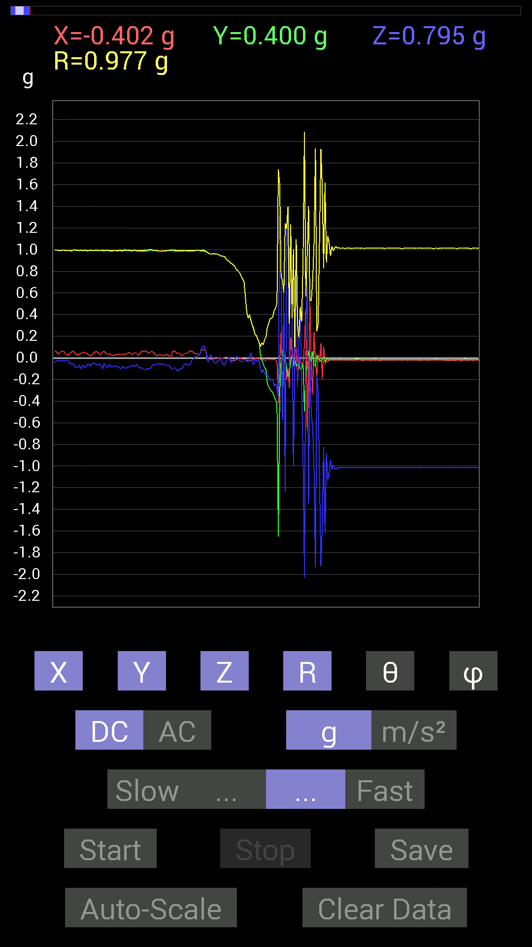
 | Keuwl | Accelerometer | Data | File |  | 2015-04-30 | 20-32-01
Number | Time(s) | X(g) | Y(g) | Z(g) | R(g) | Theta(deg) | Phi(deg)
1 | 8.741 | 0.07225915 | 0.9862326 | 0.10741191 | 0.9946926 | 83.80083 | 85.80955
2 | 8.743 | 0.070305526 | 0.98232687 | 0.070305526 | 0.9873459 | 85.91671 | 85.906296
3 | 8.815001 | 0.015622759 | 0.97646755 | -0.009765002 | 0.97664136 | 90.57288 | 89.08339
4 | 8.815001 | -0.009765002 | 0.9686562 | -0.039058454 | 0.96949255 | 92.30893 | 90.577576
5 | 8.815001 | -0.009765002 | 0.9588912 | 0.017576382 | 0.959102 | 88.94994 | 90.58346
6 | 8.824 | -0.017576382 | 0.9588912 | 0.025387762 | 0.95938826 | 88.483635 | 91.05011
7 | 8.895 | -0.015622759 | 0.96084327 | -0.0078113796 | 0.96100205 | 90.46573 | 90.93151
8 | 8.895 | -0.0058593126 | 0.96279687 | -0.042964146 | 0.96377283 | 92.555046 | 90.34868
9 | 8.895 | 0.0039056898 | 0.9588912 | -0.048823457 | 0.9601413 | 92.914764 | 89.766624
10 | 8.904 | 0.0039056898 | 0.9588912 | -0.04101208 | 0.9597758 | 92.44904 | 89.766624
11 | 8.935 | -0.0019536226 | 0.95693755 | -0.029293451 | 0.9573878 | 91.753365 | 90.116974
12 | 8.945001 | -0.0058593126 | 0.9510798 | -0.027341384 | 0.95149076 | 91.64664 | 90.352974
13 | 8.986 | -0.0039056898 | 0.9413148 | 0.009765002 | 0.9413736 | 89.405655 | 90.23773
14 | 8.986 | -0.0039056898 | 0.9413148 | -0.035152763 | 0.94197905 | 92.13866 | 90.23773
15 | 9.041 | 0 | 0.9354555 | -0.06639984 | 0.9378091 | 94.06012 | 90
16 | 9.041 | 0.0039056898 | 0.93350345 | -0.06639984 | 0.9358701 | 94.06854 | 89.760284
17 | 9.0460005 | 0.0058593126 | 0.9120198 | -0.025387762 | 0.9123919 | 91.59449 | 89.631905
18 | 9.099 | 0.0039056898 | 0.89835066 | -0.013670692 | 0.89846313 | 90.871826 | 89.7509
19 | 9.099 | -0.0039056898 | 0.89639705 | 0.009765002 | 0.89645875 | 89.37587 | 90.24964
20 | 9.106001 | -0.015622759 | 0.87686706 | -0.025387762 | 0.87737364 | 91.65815 | 91.020706
21 | 9.157001 | -0.023435695 | 0.8710093 | -0.046869833 | 0.8725842 | 93.079056 | 91.54125
22 | 9.157001 | -0.027341384 | 0.8573386 | -0.0078113796 | 0.85781 | 90.52175 | 91.8266
23 | 9.166 | -0.023435695 | 0.85538495 | -0.017576382 | 0.85588646 | 91.176704 | 91.56939
24 | 9.217 | -0.021482073 | 0.82413787 | 0.0019536226 | 0.8244201 | 89.86423 | 91.49314
25 | 9.217 | -0.009765002 | 0.8104672 | 0.015622759 | 0.8106766 | 88.89577 | 90.6903
26 | 9.228001 | -0.0078113796 | 0.79679805 | -0.009765002 | 0.7968962 | 90.70211 | 90.561676
27 | 9.274 | -0.0078113796 | 0.78312737 | -0.031247074 | 0.78378946 | 92.2848 | 90.57148
28 | 9.274 | -0.0039056898 | 0.7499267 | -0.029293451 | 0.7505088 | 92.23691 | 90.2984
29 | 9.2890005 | -0.01171707 | 0.7284446 | -0.037106387 | 0.7294831 | 92.9157 | 90.921524
30 | 9.333 | -0.009765002 | 0.7030568 | -0.025387762 | 0.7035828 | 92.06789 | 90.79575
31 | 9.333 | -0.01171707 | 0.56049216 | -0.01171707 | 0.5607371 | 91.19733 | 91.19759
32 | 9.347 | -0.023435695 | 0.42183316 | -0.033199143 | 0.42378604 | 94.49312 | 93.1799
33 | 9.391001 | -0.017576382 | 0.36519834 | -0.037106387 | 0.36749917 | 95.79503 | 92.755424
34 | 9.391001 | -0.023435695 | 0.39644542 | -0.0039056898 | 0.39715672 | 90.56346 | 93.38308
35 | 9.409 | -0.025387762 | 0.34762195 | 0.046869833 | 0.351685 | 82.34128 | 94.17705
36 | 9.469001 | -0.015622759 | 0.2987985 | -0.035152763 | 0.30126455 | 96.70077 | 92.993
37 | 9.469001 | -0.009765002 | 0.26559937 | -0.06639984 | 0.27394766 | 104.02714 | 92.10558
38 | 9.469001 | -0.0039056898 | 0.21482228 | -0.0078113796 | 0.21499972 | 92.08213 | 91.04158
39 | 9.488001 | 0.0058593126 | 0.20505883 | -0.025387762 | 0.2067075 | 97.05486 | 88.36329
40 | 9.569 | -0.01171707 | 0.16990606 | -0.029293451 | 0.1728105 | 99.759445 | 93.94499
41 | 9.569 | -0.0058593126 | 0.14451675 | -0.023435695 | 0.14652187 | 99.203804 | 92.32174
42 | 9.570001 | -0.01171707 | 0.029293451 | -0.09959898 | 0.10447656 | 162.42342 | 111.80089
43 | 9.571 | -0.021482073 | -0.015622759 | -0.13865899 | 0.14118025 | 169.15555 | 216.02638
44 | 9.619 | -0.013670692 | -0.056634836 | -0.10545829 | 0.120481715 | 151.08113 | 256.42935
45 | 9.619 | -0.017576382 | -0.09374122 | -0.14256468 | 0.17152561 | 146.21776 | 259.3804
46 | 9.63 | -0.023435695 | -0.10545829 | -0.15818743 | 0.19155663 | 145.66966 | 257.47092
47 | 9.677 | -0.0078113796 | -0.23825797 | -0.15818743 | 0.2860964 | 123.56734 | 268.12222
48 | 9.677 | -0.009765002 | -0.26755142 | -0.17185813 | 0.318142 | 122.696785 | 267.90976
49 | 9.690001 | -0.013670692 | -0.2909871 | -0.21287021 | 0.3607965 | 126.15706 | 267.3102
50 | 9.736 | -0.015622759 | -0.3085635 | -0.19529383 | 0.36550674 | 122.29712 | 267.10156
51 | 9.736 | -0.015622759 | -0.32223418 | -0.20310521 | 0.3812226 | 122.19302 | 267.22433
52 | 9.751 | -0.01171707 | -0.3554349 | -0.25974005 | 0.44038182 | 126.14328 | 268.1119
53 | 9.793 | -0.021482073 | -0.39058766 | -0.24021159 | 0.45904443 | 121.55294 | 266.85193
54 | 9.794001 | -0.027341384 | -0.41597542 | -0.28903505 | 0.50727147 | 124.735146 | 266.23944
55 | 9.812 | -0.41792747 | -1.652183 | -0.37105766 | 1.7441491 | 102.28322 | 255.80453
56 | 9.854 | -0.048823457 | -0.33981058 | 1.5584418 | 1.5958056 | 12.422956 | 261.8238
57 | 9.854 | 0.24216366 | -0.031247074 | 0.7011032 | 0.7424051 | 19.201561 | 352.64758
58 | 9.871 | -0.4335518 | 0.07421122 | -0.57806855 | 0.7263868 | 142.73218 | 170.28679
59 | 9.903001 | -0.01171707 | -0.08788191 | 0.59759855 | 0.6041395 | 8.438826 | 262.4057
60 | 9.911 | 0.027341384 | 0.009765002 | -1.242067 | 1.2424062 | 178.66104 | 19.654236
61 | 9.952001 | -0.19919951 | -0.0917876 | 1.1737134 | 1.1940304 | 10.584666 | 204.73941
62 | 9.952001 | -0.097646914 | -0.17576382 | 1.3846301 | 1.3991526 | 8.262345 | 240.94531
63 | 10.011001 | -0.27927005 | -0.13084605 | -0.070305526 | 0.3163152 | 102.84205 | 205.10445
64 | 10.011001 | 0.19138813 | -0.039058454 | 1.2166777 | 1.232258 | 9.120808 | 348.46548
65 | 10.0130005 | 0.044917766 | 0.027341384 | 0.36129266 | 0.36509937 | 8.281051 | 31.32882
66 | 10.0720005 | -0.06444622 | -0.07421122 | -1.0018554 | 1.0066652 | 174.39682 | 229.02843
67 | 10.0720005 | 0.097646914 | -0.0058593126 | -0.013670692 | 0.09877317 | 97.95556 | 356.56607
68 | 10.0720005 | 0.06835346 | -0.07811691 | 1.093643 | 1.0985578 | 5.4218063 | 311.1864
69 | 10.1310005 | -0.15818743 | -0.044917766 | -0.26559937 | 0.31238422 | 148.23703 | 195.85205
70 | 10.1310005 | -0.0820226 | -0.06639984 | 0.15428175 | 0.18692112 | 34.37253 | 218.99124
71 | 10.133 | 0.015622759 | -0.10350622 | 0.46089318 | 0.47263107 | 12.795997 | 278.5832
72 | 10.191001 | -0.101552606 | -0.10350622 | -0.30075213 | 0.33388367 | 154.25937 | 225.54585
73 | 10.191001 | -0.050777078 | -0.046869833 | -0.9003027 | 0.90295076 | 175.6109 | 222.70859
74 | 10.193001 | 0.11912899 | -0.49409232 | -2.0290985 | 2.091784 | 165.93779 | 283.55566
75 | 10.252001 | 0.45112818 | -0.13475175 | 0.31442282 | 0.5661593 | 56.264416 | 343.36914
76 | 10.252001 | -0.67376184 | -0.07811691 | 0.6679041 | 0.95192075 | 45.441402 | 186.61343
77 | 10.254001 | -0.36519834 | 0.06639984 | -1.3514309 | 1.4014792 | 164.6418 | 169.69513
78 | 10.315001 | 0.5292451 | 0.0039056898 | -0.015622759 | 0.52949005 | 91.69077 | 0.42282015
79 | 10.315001 | -0.050777078 | -0.035152763 | -0.5253394 | 0.52895707 | 173.29515 | 214.6947
80 | 10.315001 | -0.33785695 | 0.060540527 | -0.62689203 | 0.714707 | 151.29825 | 169.84099
81 | 10.377001 | 0.23825797 | -0.060540527 | -1.0311488 | 1.0600471 | 166.59079 | 345.74307
82 | 10.377001 | -0.031247074 | -0.07616484 | -1.9353588 | 1.937109 | 177.56418 | 247.69382
83 | 10.377001 | -0.17771745 | 0.025387762 | -0.16795245 | 0.24583745 | 133.09303 | 171.87004
84 | 10.396001 | 0.035152763 | -0.01171707 | -0.3085635 | 0.31078038 | 173.15237 | 341.56583
85 | 10.439 | -0.037106387 | -0.01171707 | -1.1092672 | 1.1099495 | 177.99104 | 197.52454
86 | 10.439 | 0.13279969 | -0.033199143 | -1.9236401 | 1.9285045 | 175.92966 | 345.96408
87 | 10.455001 | -0.19138813 | -0.009765002 | -1.5486768 | 1.5604887 | 172.94592 | 182.9208
88 | 10.52 | 0.10936398 | 0.009765002 | -0.8202322 | 0.8275486 | 172.37553 | 5.102353
89 | 10.52 | -0.060540527 | -0.031247074 | -1.6189823 | 1.6204152 | 177.59027 | 207.29984
90 | 10.52 | -0.019530004 | -0.01171707 | -0.88077426 | 0.88106865 | 178.51878 | 210.96175
91 | 10.536 | -0.039058454 | -0.01171707 | -1.1229379 | 1.1236781 | 177.92029 | 196.69862
92 | 10.567 | -0.015622759 | -0.021482073 | -1.0663031 | 1.0666339 | 178.57303 | 233.97362
93 | 10.577001 | -0.019530004 | -0.015622759 | -0.9393612 | 0.9396941 | 178.47491 | 218.65758
94 | 10.616 | -0.021482073 | -0.017576382 | -1.0311488 | 1.0315223 | 178.45807 | 219.28963
95 | 10.617001 | -0.019530004 | -0.01171707 | -0.9901383 | 0.9904002 | 178.68225 | 210.96175
96 | 10.6640005 | -0.021482073 | -0.015622759 | -1.015526 | 1.0158734 | 178.50159 | 216.02638
97 | 10.6640005 | -0.019530004 | -0.013670692 | -1.0291967 | 1.0294728 | 178.67308 | 214.99141
98 | 10.677 | -0.021482073 | -0.015622759 | -1.0116203 | 1.011969 | 178.49585 | 216.02638
99 | 10.712001 | -0.021482073 | -0.013670692 | -1.0194317 | 1.0197496 | 178.5692 | 212.47173
100 | 10.716001 | -0.021482073 | -0.01171707 | -1.0096667 | 1.0099632 | 178.61168 | 208.60959
101 | 10.76 | -0.021482073 | -0.015622759 | -1.0135725 | 1.0139204 | 178.49884 | 216.02638
102 | 10.76 | -0.021482073 | -0.015622759 | -1.0135725 | 1.0139204 | 178.49884 | 216.02638

第五次
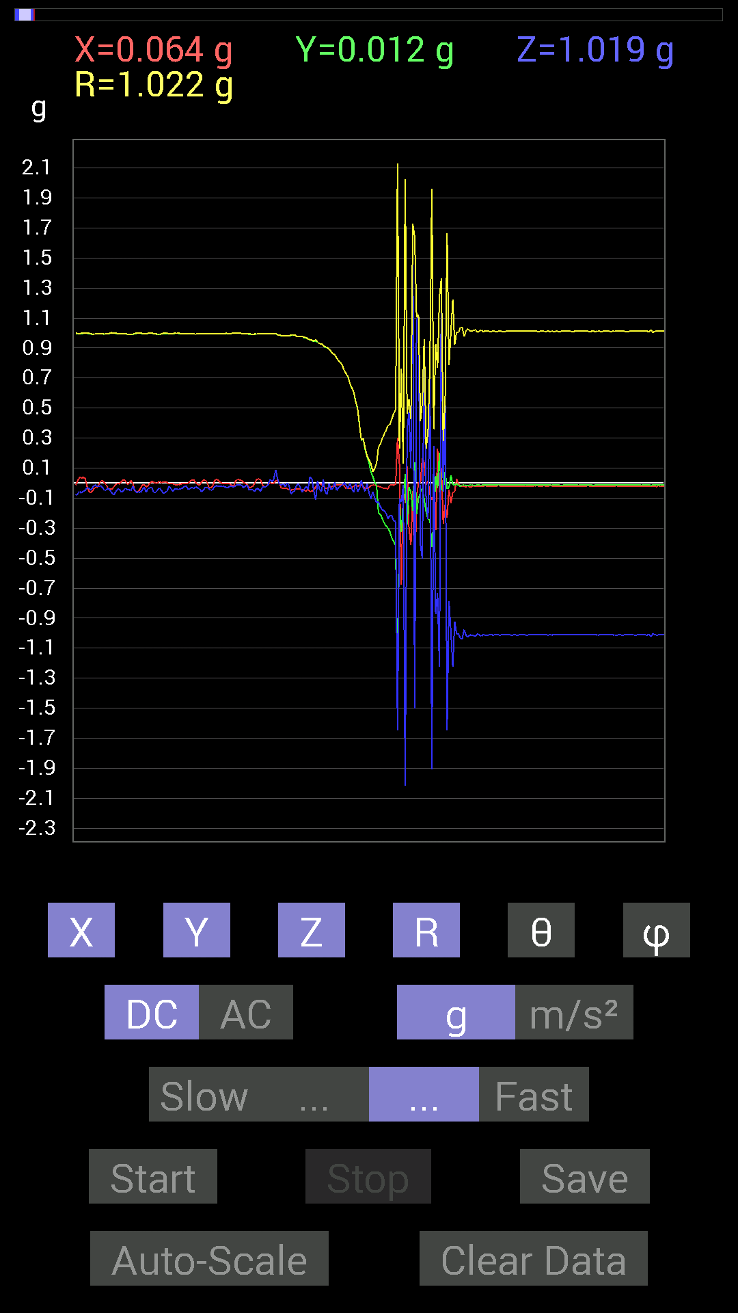
 | Keuwl | Accelerometer | Data | File |  | 2015-04-30 | 20-32-29
Number | Time(s) | X(g) | Y(g) | Z(g) | R(g) | Theta(deg) | Phi(deg)
1 | 8.593 | -0.035152763 | 0.98037326 | -0.0039056898 | 0.9810111 | 90.22811 | 92.05354
2 | 8.593 | -0.033199143 | 0.98232687 | -0.023435695 | 0.9831671 | 91.36588 | 91.93565
3 | 8.606 | -0.037106387 | 0.98037326 | 0 | 0.9810752 | 90 | 92.167564
4 | 8.658 | -0.042964146 | 0.98037326 | -0.013670692 | 0.98140943 | 90.798134 | 92.50934
5 | 8.658 | -0.046869833 | 0.984279 | -0.07225915 | 0.9880401 | 94.194 | 92.72627
6 | 8.667001 | -0.042964146 | 0.984279 | -0.060540527 | 0.98707455 | 93.51634 | 92.4994
7 | 8.726001 | -0.039058454 | 0.9862326 | -0.050777078 | 0.988311 | 92.945015 | 92.26794
8 | 8.726001 | -0.04101208 | 0.97646755 | -0.013670692 | 0.977424 | 90.80139 | 92.40504
9 | 8.726001 | -0.04101208 | 0.97646755 | -0.0058593126 | 0.977346 | 90.3435 | 92.40504
10 | 8.794001 | -0.039058454 | 0.97646755 | -0.029293451 | 0.97768736 | 91.71695 | 92.290596
11 | 8.794001 | -0.042964146 | 0.97646755 | -0.060540527 | 0.9792854 | 93.54435 | 92.51936
12 | 8.794001 | -0.048823457 | 0.9686562 | -0.039058454 | 0.970672 | 92.30612 | 92.88545
13 | 8.807 | -0.05468277 | 0.9686562 | -0.021482073 | 0.9704362 | 91.26843 | 93.23104
14 | 8.832001 | -0.04101208 | 0.9588912 | -0.04101208 | 0.9606437 | 92.44683 | 92.449066
15 | 8.846001 | -0.056634836 | 0.9530319 | 0.04101208 | 0.9555937 | 87.54023 | 93.400856
16 | 8.870001 | -0.052729145 | 0.9510798 | 0.029293451 | 0.9529907 | 88.23854 | 93.17331
17 | 8.886001 | -0.046869833 | 0.94326687 | -0.050777078 | 0.94579464 | 93.07753 | 92.84462
18 | 8.911 | -0.025387762 | 0.9491262 | -0.11326967 | 0.9561983 | 96.80314 | 91.53221
19 | 8.927 | -0.0058593126 | 0.9393612 | 0.015622759 | 0.9395094 | 89.0472 | 90.35738
20 | 8.951 | -0.0039056898 | 0.92764413 | -0.04101208 | 0.92855847 | 92.53143 | 90.241234
21 | 8.967 | -0.0078113796 | 0.92764413 | -0.05858846 | 0.9295253 | 93.61378 | 90.48246
22 | 8.995001 | -0.017576382 | 0.91592705 | 0.023435695 | 0.9163954 | 88.53457 | 91.09936
23 | 9.008 | -0.033199143 | 0.906162 | -0.062494148 | 0.908921 | 93.942566 | 92.09821
24 | 9.036 | -0.033199143 | 0.9003027 | -0.07421122 | 0.90396595 | 94.70901 | 92.111855
25 | 9.048 | -0.027341384 | 0.89444345 | -0.0019536226 | 0.89486337 | 90.125084 | 91.75088
26 | 9.076 | -0.025387762 | 0.87686706 | -0.04101208 | 0.87819266 | 92.67672 | 91.65841
27 | 9.088 | -0.021482073 | 0.86124426 | -0.039058454 | 0.8623971 | 92.59585 | 91.42883
28 | 9.119 | -0.019530004 | 0.85538495 | 0.0058593126 | 0.85562795 | 89.607635 | 91.30794
29 | 9.128 | -0.009765002 | 0.8339029 | -0.048823457 | 0.835388 | 93.35051 | 90.670906
30 | 9.161 | -0.009765002 | 0.8163265 | -0.029293451 | 0.81691027 | 92.055 | 90.68535
31 | 9.169001 | -0.013670692 | 0.8046094 | -0.019530004 | 0.80496246 | 91.39024 | 90.97339
32 | 9.211 | -0.009765002 | 0.7850794 | -0.015622759 | 0.7852956 | 91.13992 | 90.71262
33 | 9.211 | -0.021482073 | 0.7499267 | 0.0039056898 | 0.75024444 | 89.70172 | 91.64082
34 | 9.259001 | -0.035152763 | 0.7284446 | -0.015622759 | 0.7294596 | 91.22719 | 92.762794
35 | 9.259001 | -0.035152763 | 0.7089146 | -0.035152763 | 0.71065557 | 92.835304 | 92.83878
36 | 9.27 | -0.037106387 | 0.66204476 | 0 | 0.66308385 | 90 | 93.20797
37 | 9.31 | -0.029293451 | 0.6327513 | -0.039058454 | 0.63463205 | 93.5285 | 92.650635
38 | 9.31 | -0.021482073 | 0.6054099 | -0.060540527 | 0.6088085 | 95.70698 | 92.0322
39 | 9.361 | -0.009765002 | 0.54291576 | 0.0019536226 | 0.5430071 | 89.79386 | 91.030426
40 | 9.361 | -0.021482073 | 0.49604595 | -0.056634836 | 0.4997305 | 96.507355 | 92.47974
41 | 9.371 | -0.015622759 | 0.3866804 | -0.039058454 | 0.38896188 | 95.76319 | 92.31362
42 | 9.4140005 | -0.013670692 | 0.28512782 | 0.021482073 | 0.28626254 | 85.69629 | 92.744995
43 | 9.4140005 | -0.021482073 | 0.29489282 | -0.033199143 | 0.29753226 | 96.4065 | 94.166466
44 | 9.465 | -0.035152763 | 0.22263521 | -0.05468277 | 0.23193179 | 103.63707 | 98.97259
45 | 9.465 | -0.035152763 | 0.17771745 | -0.0019536226 | 0.18117127 | 90.61785 | 101.18876
46 | 9.472 | -0.031247074 | 0.13865899 | -0.062494148 | 0.15526819 | 113.73403 | 102.69958
47 | 9.518001 | -0.017576382 | 0.07225915 | -0.10545829 | 0.12904172 | 144.80963 | 103.67118
48 | 9.519 | -0.01171707 | 0.044917766 | -0.05858846 | 0.074749604 | 141.60948 | 104.62015
49 | 9.532001 | -0.01171707 | 0.0058593126 | -0.09569329 | 0.096585855 | 172.20465 | 153.43192
50 | 9.5720005 | -0.017576382 | -0.017576382 | -0.13084605 | 0.13318613 | 169.24374 | 225
51 | 9.5720005 | -0.021482073 | -0.20310521 | -0.124988295 | 0.23944786 | 121.46552 | 263.96237
52 | 9.626 | -0.025387762 | -0.2070109 | -0.15818743 | 0.26176575 | 127.179146 | 263.00818
53 | 9.626 | -0.031247074 | -0.23630434 | -0.17771745 | 0.29732072 | 126.70747 | 262.46735
54 | 9.633 | -0.035152763 | -0.26755142 | -0.18552883 | 0.32747585 | 124.50944 | 262.51495
55 | 9.681001 | -0.035152763 | -0.28708142 | -0.20115158 | 0.35229734 | 124.81797 | 263.01895
56 | 9.681001 | -0.039058454 | -0.2987985 | -0.23825797 | 0.3841523 | 128.33202 | 262.5526
57 | 9.693001 | -0.009765002 | -0.32613987 | -0.21482228 | 0.3906548 | 123.36037 | 268.285
58 | 9.736 | -0.009765002 | -0.36715195 | -0.21872796 | 0.42747846 | 120.77514 | 268.47647
59 | 9.736 | -0.015622759 | -0.38863403 | -0.2538823 | 0.46447465 | 123.13413 | 267.698
60 | 9.790001 | -0.0058593126 | -0.41792747 | -0.25583434 | 0.49004993 | 121.47038 | 269.19678
61 | 9.790001 | 0.3027042 | -1.3182303 | -1.6463237 | 2.1306672 | 140.59515 | 282.9326
62 | 9.793 | 0.124988295 | -0.16404675 | -0.10350622 | 0.23075302 | 116.65124 | 307.30402
63 | 9.844001 | -0.67571545 | -0.3280935 | -0.124988295 | 0.76148456 | 99.44714 | 205.89888
64 | 9.845 | -0.01171707 | -0.12694037 | -0.013670692 | 0.1282109 | 96.12089 | 264.72632
65 | 9.853001 | -0.13279969 | 0.060540527 | -2.019335 | 2.0246024 | 175.8661 | 155.49277
66 | 9.899 | 0.11326967 | -0.27731642 | 0.35348126 | 0.46333942 | 40.27955 | 292.21753
67 | 9.899 | -0.29684642 | -0.027341384 | 0.47261027 | 0.5587717 | 32.242035 | 185.26245
68 | 9.9140005 | -0.41206974 | -0.060540527 | 0.09959898 | 0.4282366 | 76.551025 | 188.358
69 | 9.954 | -0.050777078 | -0.1835752 | 1.7205349 | 1.7310455 | 6.317083 | 254.5385
70 | 9.954 | -0.64251477 | 0.14061105 | -1.501807 | 1.6395185 | 156.34885 | 167.65573
71 | 10.011001 | -0.09959898 | -0.2070109 | 1.0799723 | 1.1041348 | 12.008614 | 244.30644
72 | 10.011001 | 0.0058593126 | -0.097646914 | 1.1190323 | 1.1232998 | 4.995948 | 273.43393
73 | 10.017 | 0 | -0.060540527 | -0.40816402 | 0.4126294 | 171.56317 | 270
74 | 10.067 | 0.16599882 | -0.035152763 | -0.50580937 | 0.5335114 | 161.45534 | 348.0434
75 | 10.067 | 0.13475175 | -0.10741191 | 0.94326687 | 0.95887834 | 10.353054 | 321.4413
76 | 10.075001 | -0.009765002 | -0.1933402 | -0.124988295 | 0.23042972 | 122.84812 | 267.10864
77 | 10.124001 | 0.015622759 | -0.24021159 | -0.24021159 | 0.34006953 | 134.93954 | 273.72113
78 | 10.124001 | -0.07616484 | -0.24802297 | 0.76359737 | 0.8064722 | 18.766666 | 252.92891
79 | 10.136001 | -0.11326967 | -0.42769247 | -1.9099694 | 1.9605443 | 166.95769 | 255.1664
80 | 10.182 | -0.08007053 | -0.24606936 | 0.24997504 | 0.35979012 | 45.9903 | 251.9752
81 | 10.182 | -0.31442282 | 0.048823457 | -0.87296134 | 0.92914313 | 159.9734 | 171.17363
82 | 10.196 | 0.23044659 | -0.035152763 | -0.7323503 | 0.768556 | 162.34335 | 351.32684
83 | 10.239 | -0.062494148 | 0.20115158 | -1.2225369 | 1.2405498 | 170.22426 | 107.25907
84 | 10.239 | 0.10350622 | -0.044917766 | 1.3592423 | 1.3639175 | 4.7453246 | 336.541
85 | 10.298 | -0.26950505 | -0.046869833 | -0.05858846 | 0.27975413 | 102.08886 | 189.86568
86 | 10.298 | -0.14256468 | 0.07616484 | 0.54291576 | 0.5664656 | 16.579113 | 151.88675
87 | 10.298 | -0.23044659 | -0.037106387 | -1.6482774 | 1.6647224 | 171.93985 | 189.14722
88 | 10.357 | -0.042964146 | -0.031247074 | -0.7850794 | 0.78687483 | 176.12874 | 216.02774
89 | 10.357 | -0.13475175 | 0.052729145 | -0.9901383 | 1.0006559 | 171.68553 | 158.6293
90 | 10.357 | -0.062494148 | -0.0078113796 | -1.2225369 | 1.224158 | 177.05098 | 187.12466
91 | 10.418 | -0.056634836 | -0.013670692 | -0.9217848 | 0.9236242 | 176.38339 | 193.57063
92 | 10.419001 | 0.029293451 | -0.0039056898 | -1.005761 | 1.0061951 | 178.31705 | 352.40555
93 | 10.419001 | -0.0078113796 | -0.015622759 | -1.003809 | 1.003961 | 179.00299 | 243.43495
94 | 10.479 | -0.019530004 | -0.021482073 | -1.037008 | 1.0374144 | 178.39624 | 227.72508
95 | 10.479 | -0.023435695 | -0.01171707 | -1.035056 | 1.0353876 | 178.54976 | 206.56354
96 | 10.479 | -0.021482073 | -0.01171707 | -0.97646755 | 0.9767741 | 178.56454 | 208.60959
97 | 10.5390005 | -0.027341384 | -0.017576382 | -1.0174797 | 1.0179987 | 178.1703 | 212.7349
98 | 10.5390005 | -0.013670692 | -0.015622759 | -1.0272431 | 1.0274528 | 178.84242 | 228.81245
99 | 10.5390005 | -0.027341384 | -0.013670692 | -1.0116203 | 1.0120821 | 178.26901 | 206.56505
100 | 10.599001 | -0.023435695 | -0.01171707 | -1.0135725 | 1.013911 | 178.51932 | 206.56354
101 | 10.599001 | -0.017576382 | -0.015622759 | -1.0174797 | 1.0177513 | 178.67603 | 221.63228
102 | 10.599001 | -0.023435695 | -0.015622759 | -1.0213853 | 1.0217736 | 178.42046 | 213.68831
103 | 10.656 | -0.017576382 | -0.009765002 | -1.003809 | 1.0040103 | 178.85243 | 209.05547
104 | 10.656 | -0.021482073 | -0.013670692 | -1.0135725 | 1.0138923 | 178.56087 | 212.47173
105 | 10.659 | -0.019530004 | -0.015622759 | -1.0194317 | 1.0197384 | 178.59473 | 218.65758
106 | 10.715 | -0.019530004 | -0.01171707 | -1.0096667 | 1.0099235 | 178.7079 | 210.96175
107 | 10.716001 | -0.017576382 | -0.013670692 | -1.0135725 | 1.013817 | 178.74165 | 217.87534
108 | 10.72 | -0.019530004 | -0.013670692 | -1.015526 | 1.0158058 | 178.65521 | 214.99141
109 | 10.773001 | -0.019530004 | -0.013670692 | -1.0116203 | 1.0119011 | 178.64998 | 214.99141

第六次
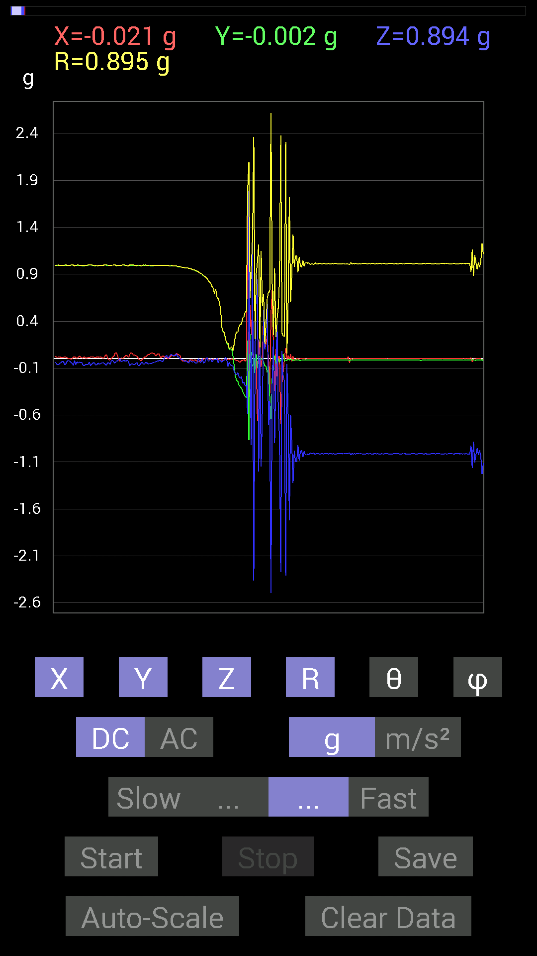
 | Keuwl | Accelerometer | Data | File |  | 2015-04-30 | 20-33-10
Number | Time(s) | X(g) | Y(g) | Z(g) | R(g) | Theta(deg) | Phi(deg)
1 | 5.432 | 0.04101208 | 0.98037326 | 0.017576382 | 0.98138815 | 88.97379 | 87.60454
2 | 5.477 | 0.033199143 | 0.98037326 | 0.0019536226 | 0.9809372 | 89.88589 | 88.060486
3 | 5.477 | -0.015622759 | 0.97451395 | -0.0058593126 | 0.97465676 | 90.344444 | 90.91845
4 | 5.492 | -0.025387762 | 0.9725619 | -0.01171707 | 0.97296375 | 90.69001 | 91.49531
5 | 5.5470004 | -0.023435695 | 0.9706083 | -0.019530004 | 0.9710876 | 91.15238 | 91.383156
6 | 5.5470004 | -0.017576382 | 0.9686562 | -0.031247074 | 0.9693194 | 91.84731 | 91.03953
7 | 5.552 | -0.025387762 | 0.9667026 | -0.019530004 | 0.96723306 | 91.156975 | 91.50437
8 | 5.611 | -0.031247074 | 0.9686562 | -0.033199143 | 0.9697285 | 91.96193 | 91.84762
9 | 5.6120005 | -0.025387762 | 0.96084327 | -0.046869833 | 0.9623207 | 92.791695 | 91.51354
10 | 5.6120005 | -0.009765002 | 0.96084327 | -0.015622759 | 0.9610199 | 90.931465 | 90.582275
11 | 5.676 | -0.013670692 | 0.95693755 | -0.029293451 | 0.9574834 | 91.75319 | 90.81847
12 | 5.677 | -0.015622759 | 0.9491262 | -0.033199143 | 0.9498351 | 92.003044 | 90.94301
13 | 5.677 | -0.017576382 | 0.94717413 | -0.029293451 | 0.94779 | 91.771126 | 91.063095
14 | 5.6940002 | -0.01171707 | 0.94326687 | -0.039058454 | 0.9441479 | 92.37095 | 90.71168
15 | 5.747 | -0.017576382 | 0.93350345 | -0.048823457 | 0.93494457 | 92.993385 | 91.07866
16 | 5.747 | -0.025387762 | 0.9315498 | -0.04101208 | 0.9327977 | 92.51992 | 91.56111
17 | 5.755 | -0.035152763 | 0.9237384 | 0.0019536226 | 0.9244091 | 89.878914 | 92.17934
18 | 5.8250003 | -0.027341384 | 0.9120198 | -0.031247074 | 0.9129644 | 91.96139 | 91.717155
19 | 5.8250003 | -0.01171707 | 0.90811414 | -0.04101208 | 0.90911525 | 92.58561 | 90.73923
20 | 5.8250003 | -0.021482073 | 0.89835066 | 0.0019536226 | 0.8986096 | 89.875435 | 91.36984
21 | 5.834 | -0.0078113796 | 0.8827264 | -0.042964146 | 0.8838059 | 92.7864 | 90.507
22 | 5.86 | 0.0039056898 | 0.87491494 | -0.04101208 | 0.87588435 | 92.68378 | 89.74423
23 | 5.874 | -0.0019536226 | 0.8671036 | -0.0039056898 | 0.86711454 | 90.25807 | 90.12909
24 | 5.9080005 | 0.0039056898 | 0.8514793 | 0.009765002 | 0.85154426 | 89.34295 | 89.73719
25 | 5.9150004 | -0.0019536226 | 0.8299972 | -0.027341384 | 0.8304497 | 91.88673 | 90.13486
26 | 5.9810004 | -0.009765002 | 0.81828016 | -0.013670692 | 0.8184526 | 90.95706 | 90.68371
27 | 5.9810004 | -0.009765002 | 0.80070376 | 0 | 0.8007633 | 90 | 90.698715
28 | 5.9810004 | -0.01171707 | 0.7694567 | -0.035152763 | 0.77034837 | 92.61545 | 90.87241
29 | 5.9960003 | -0.0058593126 | 0.7518803 | -0.015622759 | 0.7520654 | 91.1903 | 90.44649
30 | 6.0600004 | -0.0019536226 | 0.69329184 | -0.0058593126 | 0.6933194 | 90.484215 | 90.16145
31 | 6.0600004 | -0.01171707 | 0.7440674 | -0.01171707 | 0.74425185 | 90.90207 | 90.90218
32 | 6.0600004 | -0.0019536226 | 0.65813905 | 0.0058593126 | 0.658168 | 89.48992 | 90.170074
33 | 6.077 | -0.0039056898 | 0.63860905 | -0.044917766 | 0.6401987 | 94.02331 | 90.35041
34 | 6.1520004 | -0.01171707 | 0.6054099 | -0.0078113796 | 0.60557365 | 90.73909 | 91.108765
35 | 6.1520004 | -0.017576382 | 0.5214337 | -0.021482073 | 0.5221719 | 92.3578 | 91.93058
36 | 6.1530004 | -0.013670692 | 0.33395126 | -0.035152763 | 0.33607447 | 96.00401 | 92.34416
37 | 6.157 | -0.017576382 | 0.28903505 | -0.021482073 | 0.2903647 | 94.2428 | 93.479904
38 | 6.19 | -0.015622759 | 0.27731642 | -0.019530004 | 0.2784419 | 94.02205 | 93.22438
39 | 6.1970005 | -0.009765002 | 0.2070109 | 0.017576382 | 0.20798509 | 85.152275 | 92.70072
40 | 6.2310004 | -0.01171707 | 0.16599882 | -0.01171707 | 0.16682382 | 94.02755 | 94.037544
41 | 6.2370005 | -0.0039056898 | 0.14451675 | -0.0820226 | 0.16621688 | 119.56873 | 91.54809
42 | 6.2780004 | -0.0058593126 | 0.101552606 | -0.037106387 | 0.1082781 | 110.04117 | 93.302155
43 | 6.2780004 | -0.0078113796 | 0.0917876 | -0.06639984 | 0.1135558 | 125.78414 | 94.86431
44 | 6.2980003 | -0.0019536226 | 0.101552606 | -0.07616484 | 0.12695602 | 126.86495 | 91.1021
45 | 6.326 | -0.0078113796 | 0.035152763 | -0.08007053 | 0.087795354 | 155.78508 | 102.528275
46 | 6.3380003 | -0.0078113796 | -0.07225915 | -0.13475175 | 0.1531027 | 151.65921 | 263.83014
47 | 6.372 | -0.01171707 | -0.1835752 | -0.15818743 | 0.24261163 | 130.69402 | 266.34793
48 | 6.3770003 | -0.021482073 | -0.23044659 | -0.17185813 | 0.28827474 | 126.595436 | 264.67432
49 | 6.418 | -0.017576382 | -0.24021159 | -0.15037607 | 0.2839428 | 121.978424 | 265.8151
50 | 6.418 | -0.031247074 | -0.28317574 | -0.19138813 | 0.34321174 | 123.892654 | 263.70316
51 | 6.465 | -0.039058454 | -0.2987985 | -0.20896451 | 0.3667046 | 124.739365 | 262.5526
52 | 6.465 | -0.013670692 | -0.31246918 | -0.19138813 | 0.36667874 | 121.46317 | 267.49487
53 | 6.478 | -0.019530004 | -0.34762195 | -0.26169366 | 0.4355525 | 126.92947 | 266.7844
54 | 6.5130005 | -0.0078113796 | -0.37496334 | -0.24606936 | 0.44856286 | 123.26915 | 268.80658
55 | 6.5190005 | -0.025387762 | -0.4023047 | -0.28708142 | 0.49488318 | 125.45753 | 266.3891
56 | 6.602 | -0.009765002 | -0.41792747 | -0.2909871 | 0.5093449 | 124.840706 | 268.6615
57 | 6.602 | 1.6853821 | 0.19529383 | -0.58978564 | 1.7962459 | 109.16826 | 6.609677
58 | 6.602 | -0.65618545 | -0.8690557 | 1.7830291 | 2.0892653 | 31.413946 | 232.94516
59 | 6.603 | 0.57220924 | 0.26169366 | -0.16404675 | 0.65024483 | 104.61275 | 24.576471
60 | 6.6210003 | 0.32223418 | -0.044917766 | -0.9178791 | 0.973835 | 160.48271 | 352.0644
61 | 6.676 | 0.16599882 | -0.083976224 | 1.2772197 | 1.2906966 | 8.287047 | 333.16586
62 | 6.676 | -0.0078113796 | 0.013670692 | -2.3630512 | 2.3631036 | 179.61845 | 119.74348
63 | 6.6800003 | -0.08592984 | -0.17576382 | -0.07225915 | 0.20856233 | 110.27113 | 243.94627
64 | 6.7000003 | -0.0058593126 | 0.050777078 | 0.9042084 | 0.905652 | 3.2354324 | 96.58241
65 | 6.7530003 | -0.6679041 | -0.09959898 | 0.7870331 | 1.0370327 | 40.630222 | 188.48154
66 | 6.7530003 | 0.20310521 | 0.025387762 | -1.2010548 | 1.2183714 | 170.32848 | 7.1249084
67 | 6.761 | 0.029293451 | 0.021482073 | 0.115223296 | 0.12081388 | 17.498333 | 36.2541
68 | 6.8290005 | -0.08788191 | -0.0058593126 | -1.1463721 | 1.1497506 | 175.60658 | 183.8144
69 | 6.8290005 | 0.039058454 | 0 | -0.55658644 | 0.5579552 | 175.9859 | 0
70 | 6.8300004 | 0.45112818 | -0.033199143 | 0.5214337 | 0.69029844 | 40.941914 | 355.7911
71 | 6.8410006 | 0.101552606 | -0.07616484 | 0.09569329 | 0.15896925 | 52.989525 | 323.12997
72 | 6.8700004 | 0.16404675 | -0.07811691 | 0.32418782 | 0.37163332 | 29.269173 | 334.53683
73 | 6.8820004 | 0.24411729 | -0.14647037 | 0.57806855 | 0.64436793 | 26.21932 | 329.03625
74 | 6.912 | -0.0039056898 | -0.0820226 | -0.7069625 | 0.7117155 | 173.37463 | 267.2738
75 | 6.9210005 | -0.37691697 | -0.39449334 | -0.44917455 | 0.7067172 | 129.46294 | 226.30524
76 | 6.958 | 0.46089318 | -0.64446837 | -2.495851 | 2.618594 | 162.38783 | 305.57056
77 | 6.9620004 | 0.7343039 | -0.21872796 | -0.28512782 | 0.81752187 | 110.412155 | 343.41272
78 | 7.0390005 | 0.15232968 | -0.013670692 | 0.20115158 | 0.25269186 | 37.246872 | 354.87177
79 | 7.0390005 | -0.34371626 | 0.033199143 | -0.89639705 | 0.96060956 | 158.93199 | 174.48299
80 | 7.0390005 | 0.10350622 | -0.06639984 | -0.1933402 | 0.22913513 | 147.54172 | 327.31958
81 | 7.0420003 | -0.18943451 | -0.01171707 | 0.38082266 | 0.42549807 | 26.491 | 183.5394
82 | 7.0800004 | 0.017576382 | 0 | -0.5468215 | 0.5471039 | 178.159 | 0
83 | 7.0820003 | 0.027341384 | -0.037106387 | -0.8514793 | 0.85272586 | 176.90155 | 306.3842
84 | 7.1210003 | -0.69719756 | -0.0078113796 | -2.2732158 | 2.3777416 | 162.94818 | 180.6419
85 | 7.123 | -0.26364574 | -0.017576382 | 0.08007053 | 0.27609652 | 73.141495 | 183.81407
86 | 7.176 | -0.13475175 | 0.048823457 | -0.19138813 | 0.23910496 | 143.17172 | 160.08347
87 | 7.176 | -0.0039056898 | -0.023435695 | -0.23630434 | 0.23749575 | 174.25853 | 260.5383
88 | 7.1840005 | 0.111317605 | -0.017576382 | -2.3083684 | 2.3111176 | 177.2051 | 351.0274
89 | 7.2440004 | -0.0058593126 | -0.017576382 | -0.05468277 | 0.057736177 | 161.28288 | 251.56352
90 | 7.2440004 | 0.033199143 | -0.0058593126 | -0.58002216 | 0.58100104 | 176.67357 | 349.99094
91 | 7.2440004 | -0.017576382 | -0.01171707 | -1.7185829 | 1.7187127 | 179.29584 | 213.6889
92 | 7.3240004 | 0.048823457 | -0.0078113796 | -0.59759855 | 0.59964055 | 175.27019 | 350.91016
93 | 7.3240004 | -0.029293451 | -0.009765002 | -0.90811414 | 0.90863895 | 178.05258 | 198.43587
94 | 7.3240004 | 0.025387762 | -0.019530004 | -1.3240895 | 1.3244768 | 178.61435 | 322.43005
95 | 7.3240004 | -0.017576382 | -0.013670692 | -0.97841966 | 0.978673 | 178.69629 | 217.87534
96 | 7.3670006 | -0.015622759 | -0.015622759 | -1.0955966 | 1.0958194 | 178.84462 | 225
97 | 7.3670006 | 0.0078113796 | -0.015622759 | -1.0955966 | 1.0957358 | 179.08656 | 296.56506
98 | 7.418 | 0 | -0.01171707 | -0.9178791 | 0.9179539 | 179.26859 | 270
99 | 7.418 | -0.0039056898 | -0.017576382 | -1.0819259 | 1.0820756 | 179.04694 | 257.47174
100 | 7.426 | 0.0039056898 | -0.017576382 | -0.9901383 | 0.990302 | 178.95807 | 282.52826
101 | 7.4730005 | 0.0039056898 | -0.013670692 | -0.97451395 | 0.97461766 | 179.1642 | 285.94455
102 | 7.4730005 | 0 | -0.015622759 | -1.0487267 | 1.048843 | 179.14659 | 270
103 | 7.4870005 | 0.0039056898 | -0.013670692 | -0.9862326 | 0.98633504 | 179.17409 | 285.94455
104 | 7.5280004 | -0.0019536226 | -0.013670692 | -1.0213853 | 1.0214787 | 179.22545 | 261.86716
105 | 7.5280004 | 0.0019536226 | -0.015622759 | -1.0252911 | 1.025412 | 179.12018 | 277.12784
106 | 7.5840006 | 0.0019536226 | -0.015622759 | -1.015526 | 1.015648 | 179.11221 | 277.12784
107 | 7.5840006 | 0 | -0.015622759 | -1.0213853 | 1.0215048 | 179.12375 | 270
108 | 7.5870004 | 0.0019536226 | -0.015622759 | -1.003809 | 1.0039325 | 179.10126 | 277.12784
109 | 7.6400003 | 0.0019536226 | -0.015622759 | -1.0096667 | 1.0097895 | 179.10649 | 277.12784
110 | 7.6400003 | 0.0019536226 | -0.015622759 | -1.0077146 | 1.0078375 | 179.10518 | 277.12784
111 | 7.6470003 | 0.0019536226 | -0.013670692 | -1.005761 | 1.0058558 | 179.21341 | 278.13284
112 | 7.6930003 | 0 | -0.015622759 | -1.0194317 | 1.0195514 | 179.12218 | 270
113 | 7.6940002 | 0.0019536226 | -0.013670692 | -1.0077146 | 1.0078093 | 179.21466 | 278.13284
114 | 7.7090006 | 0.0019536226 | -0.015622759 | -1.0096667 | 1.0097895 | 179.10649 | 277.12784
115 | 7.748 | 0.0019536226 | -0.015622759 | -1.0135725 | 1.0136946 | 179.11044 | 277.12784
116 | 7.748 | 0.0019536226 | -0.015622759 | -1.0135725 | 1.0136946 | 179.11044 | 277.12784
117 | 7.8030005 | 0.0019536226 | -0.015622759 | -1.0116203 | 1.0117428 | 179.10825 | 277.12784
118 | 7.8030005 | 0.0019536226 | -0.015622759 | -1.0116203 | 1.0117428 | 179.10825 | 277.12784
119 | 7.807 | 0.0019536226 | -0.015622759 | -1.0135725 | 1.0136946 | 179.11044 | 277.12784

第七次
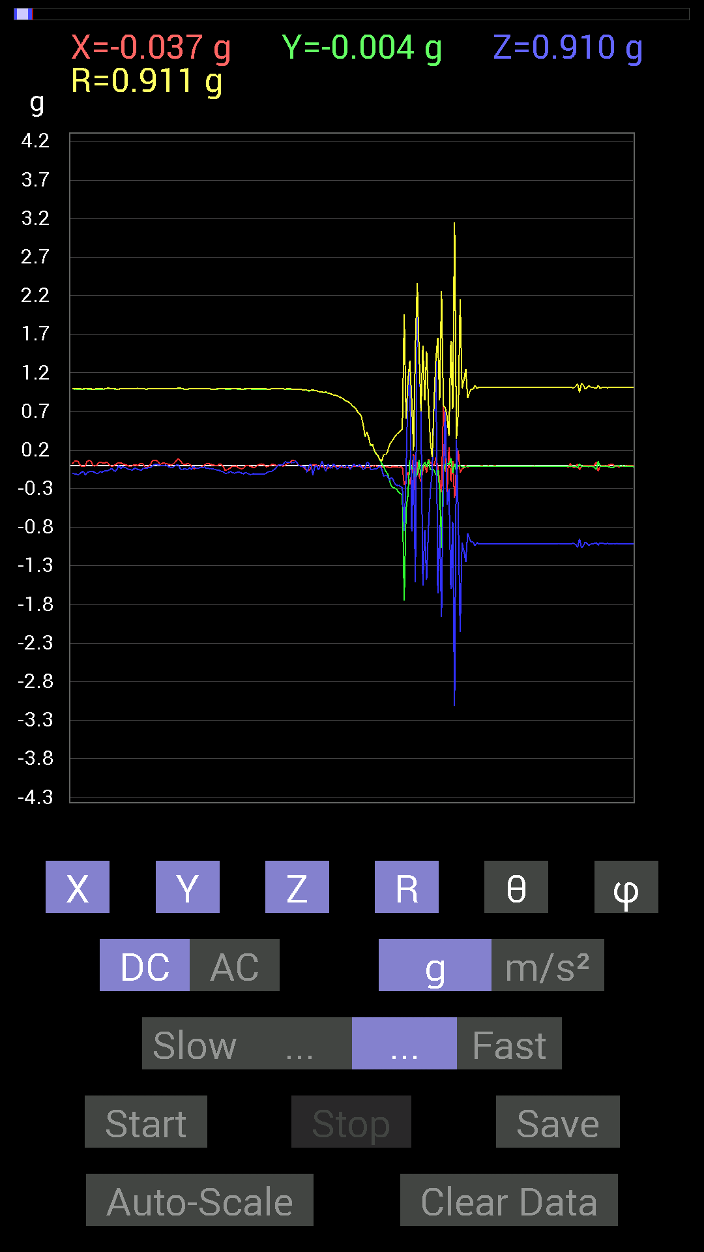
 | Keuwl | Accelerometer | Data | File |  | 2015-04-30 | 20-33-49
Number | Time(s) | X(g) | Y(g) | Z(g) | R(g) | Theta(deg) | Phi(deg)
1 | 3.7840002 | 0 | 0.99794966 | -0.0058593126 | 0.9979669 | 90.3364 | 90
2 | 3.7840002 | 0.01171707 | 0.99794966 | 0.0078113796 | 0.998049 | 89.55156 | 89.32732
3 | 3.7870002 | 0.0039056898 | 0.995996 | 0.0078113796 | 0.9960343 | 89.55065 | 89.77532
4 | 3.821 | -0.0078113796 | 0.99404395 | 0.01171707 | 0.99414366 | 89.32469 | 90.45023
5 | 3.8270001 | 0.0039056898 | 0.9901383 | 0.048823457 | 0.991349 | 87.17707 | 89.773994
6 | 3.8730001 | 0.025387762 | 0.99209034 | 0.044917766 | 0.99343115 | 87.4085 | 88.53411
7 | 3.874 | 0.031247074 | 0.99209034 | 0.039058454 | 0.9933505 | 87.74655 | 88.196
8 | 3.8880002 | 0.044917766 | 0.99209034 | 0.048823457 | 0.9943061 | 87.18547 | 87.40765
9 | 3.9370003 | 0.07225915 | 0.98818463 | 0.033199143 | 0.9913791 | 88.08093 | 85.817795
10 | 3.9370003 | 0.06639984 | 0.9862326 | 0.042964146 | 0.9893986 | 87.51118 | 86.14828
11 | 3.9480002 | 0.056634836 | 0.9862326 | 0.056634836 | 0.98947954 | 86.718765 | 86.71337
12 | 4.004 | 0.013670692 | 0.9862326 | 0.015622759 | 0.986451 | 89.09255 | 89.20584
13 | 4.004 | 0 | 0.9862326 | -0.009765002 | 0.9862809 | 90.56728 | 90
14 | 4.0090003 | -0.0039056898 | 0.984279 | -0.01171707 | 0.98435646 | 90.68202 | 90.227356
15 | 4.04 | -0.019530004 | 0.98232687 | -0.013670692 | 0.98261607 | 90.79716 | 91.13897
16 | 4.0480003 | -0.046869833 | 0.97646755 | -0.019530004 | 0.97778684 | 91.144485 | 92.748055
17 | 4.0810003 | -0.052729145 | 0.97646755 | -0.08788191 | 0.9818312 | 95.135315 | 93.090965
18 | 4.089 | -0.06444622 | 0.96279687 | 0 | 0.96495134 | 90 | 93.82947
19 | 4.142 | -0.021482073 | 0.97646755 | 0.019530004 | 0.976899 | 88.85448 | 91.26029
20 | 4.142 | 0.009765002 | 0.9725619 | -0.124988295 | 0.98060906 | 97.32283 | 89.42474
21 | 4.15 | 0.01171707 | 0.97451395 | -0.019530004 | 0.97478 | 91.14802 | 89.311134
22 | 4.2120004 | 0.0058593126 | 0.9706083 | 0.0058593126 | 0.97064364 | 89.65413 | 89.65412
23 | 4.2120004 | -0.0058593126 | 0.9549855 | -0.060540527 | 0.9569205 | 93.6273 | 90.35153
24 | 4.2120004 | -0.0019536226 | 0.95693755 | -0.0019536226 | 0.95694155 | 90.116974 | 90.116974
25 | 4.2320004 | -0.015622759 | 0.9491262 | 0.05858846 | 0.9510611 | 86.468155 | 90.94301
26 | 4.2860003 | -0.0058593126 | 0.9491262 | -0.023435695 | 0.94943357 | 91.41443 | 90.35371
27 | 4.2860003 | -0.035152763 | 0.9491262 | -0.07616484 | 0.95282596 | 94.58487 | 92.12109
28 | 4.2900004 | -0.037106387 | 0.9374091 | 0.019530004 | 0.9383465 | 88.8074 | 92.266815
29 | 4.4030004 | -0.019530004 | 0.93350345 | -0.017576382 | 0.9338731 | 91.07842 | 91.198524
30 | 4.4030004 | -0.015622759 | 0.9237384 | -0.037106387 | 0.9246154 | 92.299995 | 90.968925
31 | 4.4030004 | -0.015622759 | 0.91592705 | 0.021482073 | 0.91631216 | 88.65663 | 90.97719
32 | 4.4030004 | -0.0078113796 | 0.9120198 | 0 | 0.9120532 | 90 | 90.49072
33 | 4.4030004 | -0.0058593126 | 0.9042084 | -0.044917766 | 0.9053424 | 92.84385 | 90.37128
34 | 4.4110003 | -0.0078113796 | 0.89053774 | -0.033199143 | 0.8911906 | 92.13491 | 90.502556
35 | 4.44 | -0.017576382 | 0.88077426 | 0.0019536226 | 0.88095176 | 89.87294 | 91.14322
36 | 4.452 | -0.013670692 | 0.8710093 | -0.0078113796 | 0.87115157 | 90.51376 | 90.8992
37 | 4.506 | -0.023435695 | 0.84952724 | -0.029293451 | 0.8503552 | 91.974144 | 91.5802
38 | 4.506 | -0.031247074 | 0.8358565 | 0.0019536226 | 0.83644265 | 89.86618 | 92.14091
39 | 4.512 | -0.023435695 | 0.82413787 | 0.0019536226 | 0.8244733 | 89.864235 | 91.62886
40 | 4.579 | -0.029293451 | 0.8104672 | -0.048823457 | 0.8124647 | 93.44515 | 92.06999
41 | 4.579 | -0.015622759 | 0.77922165 | -0.019530004 | 0.7796229 | 91.43544 | 91.14858
42 | 4.579 | -0.0078113796 | 0.75773805 | 0.023435695 | 0.7581406 | 88.228584 | 90.59063
43 | 4.5930004 | -0.009765002 | 0.7382096 | -0.0078113796 | 0.7383155 | 90.6062 | 90.75786
44 | 4.6190004 | -0.009765002 | 0.69524544 | -0.01171707 | 0.69541276 | 90.96542 | 90.80469
45 | 4.6320004 | -0.009765002 | 0.67376184 | 0.015622759 | 0.6740137 | 88.67184 | 90.830345
46 | 4.671 | -0.019530004 | 0.63860905 | -0.013670692 | 0.6390538 | 91.22577 | 91.75168
47 | 4.6730003 | -0.015622759 | 0.5253394 | -0.052729145 | 0.5282101 | 95.72916 | 91.703384
48 | 4.728 | -0.025387762 | 0.37496334 | -0.031247074 | 0.3771186 | 94.75283 | 93.87343
49 | 4.728 | -0.021482073 | 0.43550387 | 0.044917766 | 0.43834084 | 84.11845 | 92.82394
50 | 4.7330003 | -0.031247074 | 0.35738695 | 0.029293451 | 0.3599443 | 85.33192 | 94.99678
51 | 4.7850003 | -0.01171707 | 0.2538823 | -0.048823457 | 0.2587996 | 100.874214 | 92.64242
52 | 4.7850003 | -0.0019536226 | 0.27145866 | -0.056634836 | 0.27731052 | 101.78436 | 90.41234
53 | 4.794 | -0.0058593126 | 0.19138813 | -0.037106387 | 0.19504008 | 100.96738 | 91.753555
54 | 4.846 | -0.0019536226 | 0.14647037 | -0.042964146 | 0.1526542 | 106.34662 | 90.76417
55 | 4.846 | -0.015622759 | 0.12108261 | -0.027341384 | 0.12511043 | 102.62318 | 97.352005
56 | 4.854 | -0.019530004 | 0.070305526 | -0.0058593126 | 0.073202595 | 94.591 | 105.524635
57 | 4.9100003 | -0.015622759 | 0.023435695 | -0.050777078 | 0.0580656 | 150.98323 | 123.68831
58 | 4.9100003 | -0.027341384 | -0.013670692 | -0.14061105 | 0.14389548 | 167.73485 | 206.56505
59 | 4.9150004 | -0.009765002 | -0.07225915 | -0.12108261 | 0.14134263 | 148.94363 | 262.30374
60 | 4.9950004 | -0.017576382 | -0.101552606 | -0.13865899 | 0.17276624 | 143.37733 | 260.18073
61 | 4.9950004 | -0.029293451 | -0.17771745 | -0.19138813 | 0.26281363 | 136.738 | 260.64
62 | 4.9950004 | -0.023435695 | -0.26364574 | -0.15232968 | 0.3053893 | 119.92097 | 264.9203
63 | 4.9950004 | -0.01171707 | -0.28317574 | -0.17966951 | 0.33556956 | 122.37217 | 267.6306
64 | 5.038 | -0.019530004 | -0.2909871 | -0.23630434 | 0.37535936 | 129.01631 | 266.16028
65 | 5.038 | -0.017576382 | -0.31051713 | -0.26169366 | 0.4064645 | 130.07794 | 266.7603
66 | 5.0550003 | -0.023435695 | -0.34371626 | -0.24997504 | 0.42564964 | 125.96414 | 266.09943
67 | 5.1080003 | -0.019530004 | -0.36324626 | -0.27341074 | 0.4550634 | 126.92857 | 266.92245
68 | 5.1080003 | -0.015622759 | -0.3827747 | -0.27731642 | 0.47293228 | 125.9003 | 267.6628
69 | 5.116 | -0.25583434 | -1.7478763 | -0.84562 | 1.9584677 | 115.580345 | 261.67282
70 | 5.1920004 | -0.18162313 | -0.5643979 | -0.11912899 | 0.6047509 | 101.36091 | 252.16183
71 | 5.1920004 | -0.0820226 | -0.3827747 | 1.0291967 | 1.1011313 | 20.824762 | 257.90533
72 | 5.1920004 | -0.24411729 | 0.07225915 | 1.3338546 | 1.3579333 | 10.805856 | 163.51115
73 | 5.197 | -0.097646914 | -0.042964146 | -0.8534329 | 0.86007476 | 172.87483 | 203.74925
74 | 5.2330003 | 0.15037607 | -0.021482073 | 0.12694037 | 0.19796033 | 50.115547 | 351.87
75 | 5.2370005 | -0.31051713 | -0.15037607 | -1.5154777 | 1.5542543 | 167.17467 | 205.8398
76 | 5.275 | 0.052729145 | -0.11717536 | 2.3650033 | 2.3684914 | 3.109924 | 294.22784
77 | 5.2770004 | -0.13670537 | 0.07421122 | 1.4412664 | 1.449636 | 6.1598206 | 151.50444
78 | 5.3190002 | -0.20896451 | -0.15623537 | 0.65227973 | 0.7025272 | 21.801502 | 216.78416
79 | 5.32 | -0.06444622 | -0.019530004 | -1.5525825 | 1.5540422 | 177.51643 | 196.85909
80 | 5.3620005 | 0.0019536226 | 0.044917766 | -0.8397622 | 0.8409649 | 176.93535 | 87.50958
81 | 5.3620005 | -0.08983553 | -0.019530004 | -1.4764192 | 1.4792787 | 176.4369 | 192.2651
82 | 5.3780003 | 0.08592984 | 0.07616484 | -0.80851513 | 0.8166283 | 171.91687 | 41.55252
83 | 5.445 | 0.037106387 | -0.05468277 | -0.31442282 | 0.3212924 | 168.13058 | 304.15985
84 | 5.445 | 0.023435695 | -0.042964146 | -0.09569329 | 0.10748188 | 152.91351 | 298.61118
85 | 5.445 | -0.0019536226 | -0.05858846 | 0.82413787 | 0.8262201 | 4.068616 | 268.09018
86 | 5.458 | 0.10936398 | -0.12303468 | 1.3846301 | 1.394381 | 6.779919 | 311.63348
87 | 5.4870005 | -0.009765002 | -0.05858846 | -1.652183 | 1.6532503 | 177.9411 | 260.53745
88 | 5.499 | -0.18552883 | -0.29489282 | -0.7694567 | 0.84465754 | 155.63959 | 237.82437
89 | 5.585 | -0.3456699 | -1.0663031 | -1.9627001 | 2.2602394 | 150.26854 | 252.03854
90 | 5.585 | 0.7675031 | -0.083976224 | -0.0917876 | 0.77752036 | 96.77967 | 353.75583
91 | 5.5860004 | 0.22458728 | 0.015622759 | 0.71672755 | 0.75125355 | 17.437933 | 3.979204
92 | 5.5860004 | -0.37496334 | 0.033199143 | -0.50580937 | 0.6305099 | 143.34288 | 174.94025
93 | 5.5990005 | 0.23435228 | 0.0058593126 | -0.30465782 | 0.38441086 | 142.42274 | 1.4322197
94 | 5.6280003 | -0.2070109 | 0.09569329 | -1.5955482 | 1.6117644 | 171.86557 | 155.19069
95 | 5.6400003 | 0.060540527 | -0.09374122 | -0.7284446 | 0.73694235 | 171.29053 | 302.85544
96 | 5.6730003 | -0.4198811 | 0.027341384 | -3.1188374 | 3.1470928 | 172.3165 | 176.27434
97 | 5.6800003 | -0.025387762 | -0.07421122 | 0.33785695 | 0.3468417 | 13.069743 | 251.1141
98 | 5.7180004 | 0.19529383 | -0.0039056898 | -0.66399837 | 0.6921335 | 163.60735 | 358.85428
99 | 5.7200003 | -0.09374122 | 0.0019536226 | -2.1560404 | 2.1580782 | 177.5099 | 178.80609
100 | 5.7650003 | -0.044917766 | -0.017576382 | -0.99990326 | 1.001066 | 177.23827 | 201.37047
101 | 5.7650003 | -0.029293451 | -0.019530004 | -1.1053616 | 1.1059221 | 178.17577 | 213.69147
102 | 5.781 | 0.0058593126 | -0.013670692 | -1.2537841 | 1.2538723 | 179.32045 | 293.20016
103 | 5.808 | -0.023435695 | -0.009765002 | -0.87882066 | 0.8791873 | 178.3453 | 202.62013
104 | 5.821 | -0.0058593126 | -0.01171707 | -0.9491262 | 0.9492166 | 179.2092 | 243.4319
105 | 5.8680005 | -0.009765002 | -0.009765002 | -0.99209034 | 0.9921865 | 179.2023 | 225
106 | 5.8680005 | -0.0039056898 | -0.01171707 | -0.9901383 | 0.9902153 | 179.28537 | 251.56505
107 | 5.881 | -0.0078113796 | -0.009765002 | -1.0389618 | 1.039037 | 179.31044 | 231.34242
108 | 5.9300003 | -0.0078113796 | -0.009765002 | -0.99794966 | 0.99802804 | 179.28181 | 231.34242
109 | 5.9300003 | -0.0058593126 | -0.009765002 | -1.0194317 | 1.0194952 | 179.3602 | 239.0349
110 | 5.9420004 | -0.0039056898 | -0.009765002 | -1.0116203 | 1.011675 | 179.40422 | 248.20016
111 | 5.997 | -0.0039056898 | -0.01171707 | -1.0116203 | 1.0116957 | 179.30031 | 251.56505
112 | 5.997 | -0.0058593126 | -0.01171707 | -1.0096667 | 1.0097517 | 179.25664 | 243.4319
113 | 6.005 | -0.0058593126 | -0.009765002 | -1.0116203 | 1.0116844 | 179.35472 | 239.0349
114 | 6.078 | -0.0039056898 | -0.009765002 | -1.0135725 | 1.013627 | 179.40521 | 248.20016
115 | 6.0790005 | -0.0058593126 | -0.01171707 | -1.0116203 | 1.0117052 | 179.25769 | 243.4319
116 | 6.0790005 | -0.0058593126 | -0.01171707 | -1.0116203 | 1.0117052 | 179.25769 | 243.4319
117 | 6.083 | -0.0039056898 | -0.009765002 | -1.0116203 | 1.011675 | 179.40422 | 248.20016
118 | 6.162 | -0.0039056898 | -0.009765002 | -1.0135725 | 1.013627 | 179.40521 | 248.20016
119 | 6.162 | -0.0078113796 | -0.009765002 | -1.0116203 | 1.0116976 | 179.29141 | 231.34242
120 | 6.162 | -0.0058593126 | -0.009765002 | -1.0096667 | 1.0097309 | 179.3535 | 239.0349
121 | 6.1640005 | -0.0058593126 | -0.01171707 | -1.0135725 | 1.0136571 | 179.25954 | 243.4319
122 | 6.203 | -0.0058593126 | -0.01171707 | -1.0135725 | 1.0136571 | 179.25954 | 243.4319
123 | 6.2040005 | -0.0058593126 | -0.01171707 | -1.0116203 | 1.0117052 | 179.25769 | 243.4319
124 | 6.248 | -0.0058593126 | -0.01171707 | -1.0116203 | 1.0117052 | 179.25769 | 243.4319
125 | 6.248 | -0.0058593126 | -0.01171707 | -1.0116203 | 1.0117052 | 179.25769 | 243.4319
126 | 6.2650003 | -0.0058593126 | -0.009765002 | -1.0116203 | 1.0116844 | 179.35472 | 239.0349
127 | 6.2960005 | -0.0058593126 | -0.01171707 | -1.0116203 | 1.0117052 | 179.25769 | 243.4319
128 | 6.3050003 | -0.0058593126 | -0.009765002 | -1.0096667 | 1.0097309 | 179.3535 | 239.0349
129 | 6.3440003 | -0.0078113796 | -0.01171707 | -1.0116203 | 1.0117184 | 179.20206 | 236.30994
130 | 6.3440003 | -0.0058593126 | -0.01171707 | -1.0116203 | 1.0117052 | 179.25769 | 243.4319
131 | 6.392 | -0.0058593126 | -0.01171707 | -1.0116203 | 1.0117052 | 179.25769 | 243.4319
132 | 6.392 | -0.0058593126 | -0.01171707 | -1.0116203 | 1.0117052 | 179.25769 | 243.4319
133 | 6.405 | -0.0058593126 | -0.01171707 | -1.0116203 | 1.0117052 | 179.25769 | 243.4319
134 | 6.4400005 | -0.0058593126 | -0.009765002 | -1.0116203 | 1.0116844 | 179.35472 | 239.0349
135 | 6.446 | -0.0058593126 | -0.01171707 | -1.0116203 | 1.0117052 | 179.25769 | 243.4319
136 | 6.4880004 | -0.0058593126 | -0.01171707 | -1.0116203 | 1.0117052 | 179.25769 | 243.4319

第八次
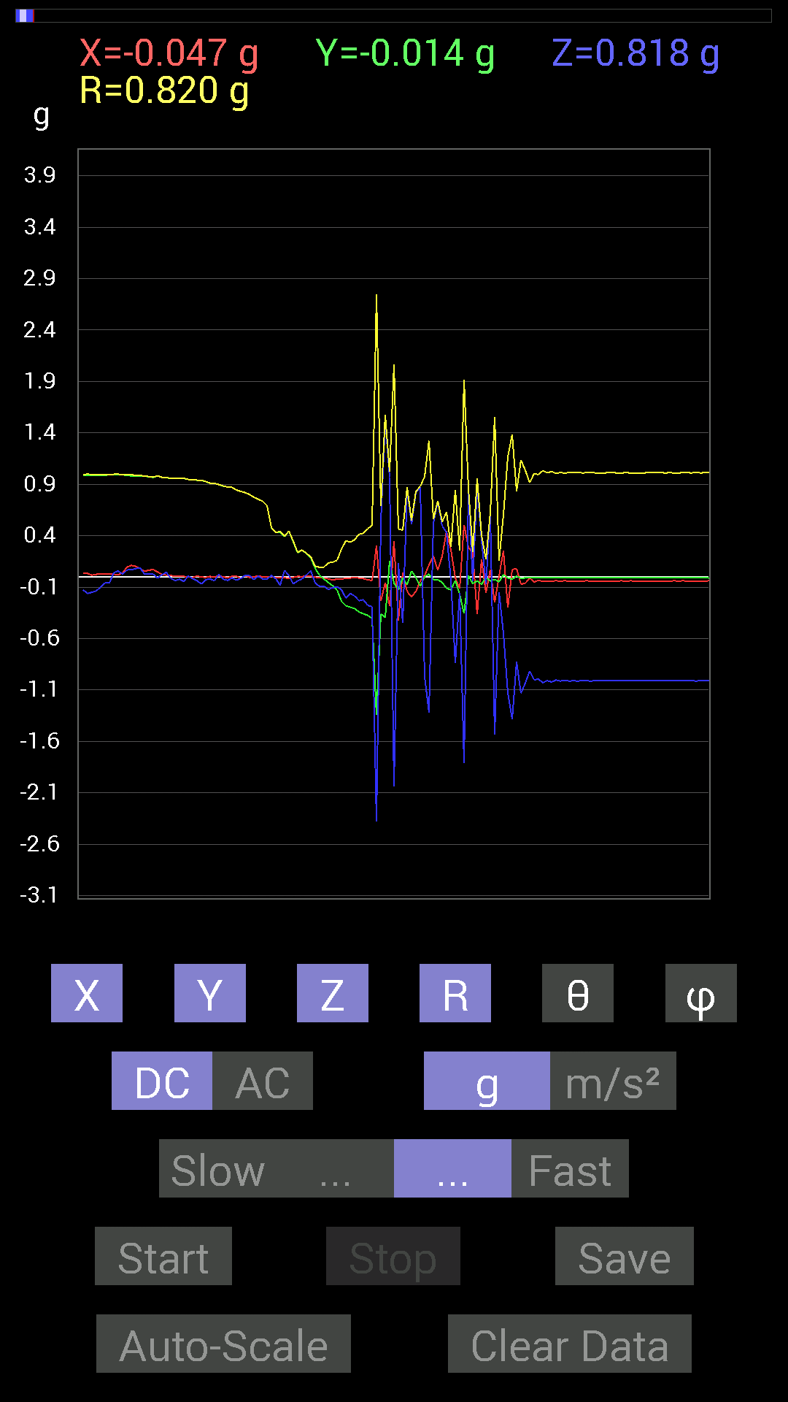
 | Keuwl | Accelerometer | Data | File |  | 2015-04-30 | 20-34-27
Number | Time(s) | X(g) | Y(g) | Z(g) | R(g) | Theta(deg) | Phi(deg)
1 | 2.058 | 0.023435695 | 0.984279 | -0.13670537 | 0.99400336 | 97.904945 | 88.63605
2 | 2.079 | 0.031247074 | 0.9862326 | -0.09959898 | 0.9917414 | 95.76384 | 88.18529
3 | 2.1430001 | 0.027341384 | 0.98818463 | -0.060540527 | 0.99041486 | 93.50447 | 88.41513
4 | 2.144 | 0.029293451 | 0.99209034 | -0.060540527 | 0.9943674 | 93.490524 | 88.308716
5 | 2.144 | 0.025387762 | 0.995996 | 0.04101208 | 0.99716324 | 87.64283 | 88.539856
6 | 2.16 | 0.019530004 | 0.995996 | 0.056634836 | 0.99779606 | 86.74615 | 88.876656
7 | 2.237 | 0.037106387 | 0.99209034 | 0.025387762 | 0.99310863 | 88.53513 | 87.85801
8 | 2.237 | 0.09374122 | 0.984279 | 0.06639984 | 0.9909598 | 86.15798 | 84.55965
9 | 2.237 | 0.111317605 | 0.98232687 | 0.06835346 | 0.9909742 | 86.04482 | 83.534805
10 | 2.239 | 0.101552606 | 0.98037326 | 0.08007053 | 0.98886603 | 85.35556 | 84.086075
11 | 2.2670002 | 0.0820226 | 0.97841966 | 0.08788191 | 0.9857768 | 84.8853 | 85.208
12 | 2.279 | 0.052729145 | 0.97841966 | 0.025387762 | 0.98016834 | 88.51579 | 86.91519
13 | 2.306 | 0.06444622 | 0.9725619 | 0.027341384 | 0.9750782 | 88.3932 | 86.20887
14 | 2.3200002 | 0.070305526 | 0.9667026 | 0.027341384 | 0.9696413 | 88.38419 | 85.84036
15 | 2.3470001 | 0.046869833 | 0.98037326 | -0.01171707 | 0.981563 | 90.68397 | 87.26288
16 | 2.361 | 0.023435695 | 0.9667026 | 0.021482073 | 0.9672252 | 88.727356 | 88.61125
17 | 2.3990002 | 0.015622759 | 0.96279687 | 0.042964146 | 0.9638816 | 87.445244 | 89.07037
18 | 2.4 | 0.013670692 | 0.9588912 | -0.013670692 | 0.95908606 | 90.81671 | 89.183205
19 | 2.4510002 | 0.0039056898 | 0.96084327 | -0.037106387 | 0.96156746 | 92.21156 | 89.767105
20 | 2.4510002 | 0.0039056898 | 0.95693755 | -0.023435695 | 0.9572325 | 91.4029 | 89.76615
21 | 2.4620001 | 0.0039056898 | 0.95693755 | -0.044917766 | 0.9579991 | 92.687416 | 89.76615
22 | 2.505 | -0.0019536226 | 0.94717413 | 0.0078113796 | 0.94720834 | 89.52749 | 90.11818
23 | 2.505 | -0.0058593126 | 0.94522053 | -0.017576382 | 0.9454021 | 91.06527 | 90.35516
24 | 2.5210001 | 0.0078113796 | 0.9393612 | -0.037106387 | 0.94012624 | 92.26203 | 89.52356
25 | 2.5570002 | -0.0019536226 | 0.9374091 | -0.070305526 | 0.9400439 | 94.28913 | 90.11941
26 | 2.562 | -0.0058593126 | 0.9256905 | -0.027341384 | 0.9261127 | 91.69177 | 90.362656
27 | 2.6100001 | 0.0039056898 | 0.91006774 | -0.021482073 | 0.91032964 | 91.352196 | 89.754105
28 | 2.6100001 | -0.0019536226 | 0.90811414 | -0.037106387 | 0.908874 | 92.33985 | 90.12326
29 | 2.6220002 | 0.009765002 | 0.89639705 | 0.025387762 | 0.8968097 | 88.3778 | 89.37587
30 | 2.664 | 0 | 0.8827264 | -0.023435695 | 0.88303745 | 91.5208 | 90
31 | 2.664 | -0.009765002 | 0.87296134 | -0.035152763 | 0.8737234 | 92.30582 | 90.640884
32 | 2.6820002 | 0.0058593126 | 0.8690557 | -0.009765002 | 0.8691303 | 90.64375 | 89.61371
33 | 2.7180002 | 0.0058593126 | 0.8436679 | -0.033199143 | 0.8443412 | 92.253426 | 89.60208
34 | 2.723 | -0.015622759 | 0.8299972 | -0.015622759 | 0.8302912 | 91.07814 | 91.07833
35 | 2.7730002 | 0.01171707 | 0.81828016 | 0.013670692 | 0.81847817 | 89.04297 | 89.17963
36 | 2.7730002 | -0.0058593126 | 0.80070376 | 0.01171707 | 0.80081093 | 89.161644 | 90.419266
37 | 2.7840002 | -0.0019536226 | 0.7733624 | -0.025387762 | 0.7737815 | 91.88021 | 90.14474
38 | 2.8270001 | 0.009765002 | 0.75383234 | 0.0058593126 | 0.75391835 | 89.5547 | 89.25784
39 | 2.8270001 | -0.0019536226 | 0.7343039 | -0.019530004 | 0.73456615 | 91.523506 | 90.152435
40 | 2.845 | 0 | 0.69133824 | -0.021482073 | 0.6916719 | 91.77979 | 90
41 | 2.8850002 | 0.0039056898 | 0.47846955 | 0.013670692 | 0.47868076 | 88.363464 | 89.53231
42 | 2.8850002 | -0.01171707 | 0.4296461 | -0.017576382 | 0.43016508 | 92.341736 | 91.56215
43 | 2.904 | -0.0058593126 | 0.43550387 | -0.0820226 | 0.44319934 | 100.66518 | 90.77081
44 | 2.9420002 | -0.009765002 | 0.39058766 | 0.062494148 | 0.3956761 | 80.9125 | 91.432144
45 | 2.9450002 | -0.013670692 | 0.44526887 | 0.01171707 | 0.44563273 | 88.49334 | 91.758545
46 | 2.999 | -0.0058593126 | 0.33785695 | -0.06835346 | 0.34475186 | 101.43573 | 90.99356
47 | 2.999 | 0.0039056898 | 0.23435228 | -0.039058454 | 0.23761694 | 99.46097 | 89.045204
48 | 3.005 | 0.0019536226 | 0.25974005 | -0.021482073 | 0.2606342 | 94.72781 | 89.56906
49 | 3.0590003 | 0.009765002 | 0.22654091 | 0.017576382 | 0.22743146 | 85.56764 | 87.53181
50 | 3.0590003 | 0.0039056898 | 0.18552883 | 0.05858846 | 0.1945991 | 72.47797 | 88.79401
51 | 3.065 | -0.0039056898 | 0.0820226 | -0.060540527 | 0.10202018 | 126.39988 | 92.726204
52 | 3.094 | -0.0058593126 | 0.013670692 | -0.0917876 | 0.092984855 | 170.79568 | 113.200165
53 | 3.1050003 | -0.013670692 | -0.021482073 | -0.0917876 | 0.09525403 | 164.49532 | 237.52827
54 | 3.1290002 | -0.019530004 | -0.05468277 | -0.12303468 | 0.13604838 | 154.73523 | 250.34576
55 | 3.167 | -0.031247074 | -0.08788191 | -0.10545829 | 0.14078729 | 138.50912 | 250.42677
56 | 3.1680002 | -0.021482073 | -0.12694037 | -0.097646914 | 0.16158669 | 127.17852 | 260.39487
57 | 3.186 | -0.021482073 | -0.23825797 | -0.124988295 | 0.26990816 | 117.585846 | 264.84796
58 | 3.2070003 | -0.015622759 | -0.2812221 | -0.2070109 | 0.3495475 | 126.31509 | 266.8203
59 | 3.226 | -0.01171707 | -0.29489282 | -0.16209313 | 0.33670944 | 118.777115 | 267.72464
60 | 3.2470002 | -0.009765002 | -0.3085635 | -0.18552883 | 0.36017737 | 121.00441 | 268.18738
61 | 3.2870002 | -0.01171707 | -0.34176418 | -0.23239866 | 0.41346002 | 124.19994 | 268.03644
62 | 3.288 | -0.017576382 | -0.35934058 | -0.22263521 | 0.42308512 | 121.750305 | 267.19974
63 | 3.331 | -0.029293451 | -0.37496334 | -0.27731642 | 0.46729007 | 126.40269 | 265.53293
64 | 3.331 | -0.035152763 | -0.4042568 | -0.2909871 | 0.49933234 | 125.64436 | 265.03027
65 | 3.3750002 | 0.30465782 | -1.3455716 | -2.3767219 | 2.7481241 | 149.86586 | 282.75754
66 | 3.3750002 | -0.23630434 | -0.36129266 | 0.53705645 | 0.6890586 | 38.793774 | 236.81322
67 | 3.3880002 | -0.05468277 | -0.39449334 | 1.5252427 | 1.576382 | 14.634086 | 262.10822
68 | 3.4250002 | -0.28512782 | 0.15623537 | 0.9686562 | 1.0217643 | 18.554188 | 151.27953
69 | 3.427 | 0.3456699 | -0.062494148 | -2.0369115 | 2.0669787 | 170.21538 | 349.7521
70 | 3.4880002 | -0.42769247 | -0.12694037 | 0.13084605 | 0.46492517 | 73.65415 | 196.53104
71 | 3.489 | 0.04101208 | -0.009765002 | -0.45112818 | 0.4530938 | 174.66112 | 346.6072
72 | 3.489 | -0.14451675 | -0.07811691 | 0.8534329 | 0.86910015 | 10.895673 | 208.39294
73 | 3.5080001 | -0.1933402 | 0.056634836 | 0.50971663 | 0.54808664 | 21.566309 | 163.67319
74 | 3.5530002 | -0.14256468 | -0.0058593126 | 0.81828016 | 0.83062714 | 9.8913145 | 182.3535
75 | 3.5530002 | -0.04101208 | -0.09374122 | 0.87296134 | 0.87893736 | 6.6851583 | 246.37047
76 | 3.5690002 | 0.013670692 | 0.0019536226 | -0.97451395 | 0.97461176 | 179.18819 | 8.13284
77 | 3.6150002 | 0.115223296 | 0.025387762 | -1.3182303 | 1.3234999 | 174.88542 | 12.425743
78 | 3.6150002 | 0.20310521 | -0.025387762 | 0.5214337 | 0.56016904 | 21.432198 | 352.8751
79 | 3.6290002 | 0.06444622 | -0.027341384 | 0.736256 | 0.73957676 | 5.4315925 | 337.01086
80 | 3.68 | 0.19919951 | -0.05468277 | 0.49409232 | 0.53553516 | 22.688704 | 344.64972
81 | 3.68 | 0.4433168 | -0.111317605 | 0.4315982 | 0.62864804 | 46.642387 | 345.90436
82 | 3.69 | 0.26169366 | -0.12694037 | -0.033199143 | 0.29274496 | 96.51172 | 334.12326
83 | 3.749 | -0.0078113796 | -0.035152763 | -0.84171426 | 0.84248424 | 177.55023 | 257.47174
84 | 3.749 | -0.115223296 | -0.16795245 | -0.15623537 | 0.2566981 | 127.490845 | 235.54803
85 | 3.7500002 | 0.50580937 | -0.35738695 | -1.812324 | 1.915225 | 161.13307 | 324.75632
86 | 3.818 | 0.28512782 | 0.009765002 | 0.80851513 | 0.8573739 | 19.436049 | 1.961488
87 | 3.8190002 | 0.23044659 | -0.06639984 | -0.04101208 | 0.24330343 | 99.70431 | 343.92642
88 | 3.8190002 | -0.36519834 | -0.039058454 | 0.8827264 | 0.9560864 | 22.591007 | 186.10466
89 | 3.831 | 0.16990606 | -0.07421122 | 0.35934058 | 0.4043526 | 27.292004 | 336.40536
90 | 3.8840003 | -0.15623537 | 0 | -0.07225915 | 0.17213622 | 114.820625 | 180
91 | 3.8840003 | 0.07225915 | -0.04101208 | 0.617127 | 0.622695 | 7.667874 | 330.4221
92 | 3.8910003 | -0.25192866 | -0.025387762 | -1.533054 | 1.5538235 | 170.62148 | 185.75447
93 | 3.9540002 | 0.0078113796 | -0.048823457 | -0.14842243 | 0.15644158 | 161.57538 | 279.08984
94 | 3.9540002 | 0.2538823 | 0.021482073 | -0.5507272 | 0.6068098 | 155.17276 | 4.8365216
95 | 3.9550002 | -0.2987985 | -0.01171707 | -1.1287957 | 1.1677319 | 165.16264 | 182.24564
96 | 3.9720001 | 0.070305526 | -0.023435695 | -1.382678 | 1.3846626 | 176.93204 | 341.56467
97 | 4.024 | 0.08007053 | 0.0078113796 | -0.8280436 | 0.8319426 | 174.4507 | 5.5719285
98 | 4.024 | -0.07225915 | -0.015622759 | -1.1327014 | 1.1351115 | 176.26572 | 192.19983
99 | 4.032 | -0.062494148 | -0.009765002 | -1.0331024 | 1.0350369 | 176.49641 | 188.88092
100 | 4.0930004 | -0.01171707 | -0.0039056898 | -0.91592705 | 0.9160103 | 179.22746 | 198.43495
101 | 4.0930004 | -0.050777078 | -0.0078113796 | -1.0018554 | 1.0031717 | 177.06454 | 188.74564
102 | 4.0930004 | -0.033199143 | -0.0078113796 | -0.99404395 | 0.99462885 | 178.03497 | 193.24022
103 | 4.112 | -0.046869833 | -0.009765002 | -1.0311488 | 1.0322597 | 177.34155 | 191.76881
104 | 4.132 | -0.04101208 | -0.009765002 | -1.0096667 | 1.0105464 | 177.60902 | 193.39279
105 | 4.168 | -0.04101208 | -0.009765002 | -1.0233374 | 1.0242054 | 177.64084 | 193.39279
106 | 4.1730003 | -0.039058454 | -0.0078113796 | -1.003809 | 1.004599 | 177.72763 | 191.3095
107 | 4.2070003 | -0.04101208 | -0.009765002 | -1.0135725 | 1.0144488 | 177.6183 | 193.39279
108 | 4.2130003 | -0.039058454 | -0.0078113796 | -1.0077146 | 1.0085015 | 177.73643 | 191.3095
109 | 4.2460003 | -0.04101208 | -0.0078113796 | -1.0135725 | 1.0144318 | 177.64142 | 190.78369

第九次
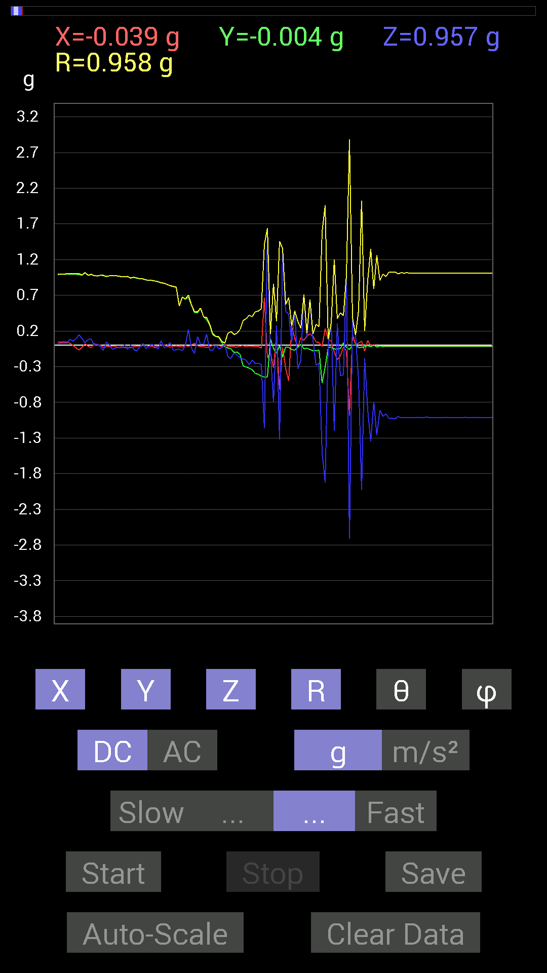
 | Keuwl | Accelerometer | Data | File |  | 2015-04-30 | 20-34-52
Number | Time(s) | X(g) | Y(g) | Z(g) | R(g) | Theta(deg) | Phi(deg)
1 | 4.3760004 | 0.023435695 | 0.97451395 | -0.0039056898 | 0.9748035 | 90.22956 | 88.62238
2 | 4.392 | -0.0019536226 | 0.9706083 | 0.019530004 | 0.9708067 | 88.84728 | 90.115326
3 | 4.4560003 | 0.0039056898 | 0.98037326 | -0.021482073 | 0.9806164 | 91.255264 | 89.77174
4 | 4.4560003 | -0.029293451 | 0.97646755 | -0.07225915 | 0.97957563 | 94.23031 | 91.71832
5 | 4.4560003 | -0.021482073 | 0.96279687 | 0.044917766 | 0.96408343 | 87.32956 | 91.27818
6 | 4.472 | -0.019530004 | 0.9725619 | 0.009765002 | 0.972807 | 89.42486 | 91.1504
7 | 4.5420003 | -0.009765002 | 0.9725619 | -0.05858846 | 0.974374 | 93.447235 | 90.57526
8 | 4.5420003 | -0.017576382 | 0.97451395 | -0.039058454 | 0.97545475 | 92.29481 | 91.03328
9 | 4.543 | -0.031247074 | 0.9686562 | -0.025387762 | 0.96949255 | 91.50056 | 91.84762
10 | 4.5530005 | -0.021482073 | 0.96084327 | -0.039058454 | 0.96187675 | 92.327225 | 91.28078
11 | 4.6210003 | -0.031247074 | 0.95693755 | 0.0058593126 | 0.95746547 | 89.64937 | 91.870224
12 | 4.622 | -0.029293451 | 0.96279687 | -0.056634836 | 0.9649059 | 93.36489 | 91.74271
13 | 4.622 | -0.035152763 | 0.9413148 | 0.0078113796 | 0.94200337 | 89.52488 | 92.13868
14 | 4.6340003 | -0.021482073 | 0.9510798 | -0.05858846 | 0.95312476 | 93.524185 | 91.29392
15 | 4.691 | -0.013670692 | 0.9393612 | -0.0820226 | 0.94303447 | 94.98974 | 90.83378
16 | 4.691 | -0.015622759 | 0.9315498 | -0.019530004 | 0.9318854 | 91.20087 | 90.9608
17 | 4.6930003 | -0.0058593126 | 0.9295962 | 0.027341384 | 0.93001664 | 88.31533 | 90.36114
18 | 4.721 | -0.0019536226 | 0.91592705 | -0.042964146 | 0.9169363 | 92.685646 | 90.12221
19 | 4.7330003 | -0.013670692 | 0.91006774 | -0.017576382 | 0.9103401 | 91.10631 | 90.86061
20 | 4.7530003 | -0.013670692 | 0.90811414 | 0.015622759 | 0.90835136 | 89.01452 | 90.862465
21 | 4.7840004 | -0.031247074 | 0.9003027 | -0.01171707 | 0.900921 | 90.74519 | 91.987785
22 | 4.793 | -0.01171707 | 0.89053774 | -0.052729145 | 0.89217436 | 93.38826 | 90.753815
23 | 4.822 | -0.0039056898 | 0.87296134 | 0.062494148 | 0.87520415 | 85.9053 | 90.25634
24 | 4.835 | 0.0058593126 | 0.8690557 | -0.035152763 | 0.8697861 | 92.31626 | 89.61371
25 | 4.8630004 | -0.015622759 | 0.8514793 | -0.01171707 | 0.8517032 | 90.78825 | 91.05113
26 | 4.874 | -0.025387762 | 0.8339029 | 0.039058454 | 0.83520305 | 87.31957 | 91.743805
27 | 4.9090004 | -0.013670692 | 0.8221858 | -0.070305526 | 0.8252995 | 94.88683 | 90.95258
28 | 4.9150004 | -0.0078113796 | 0.81242085 | -0.062494148 | 0.8148584 | 94.39852 | 90.55088
29 | 4.9620004 | -0.019530004 | 0.5487751 | -0.05468277 | 0.55183846 | 95.68688 | 92.0382
30 | 4.9620004 | -0.023435695 | 0.6718098 | -0.07616484 | 0.6765196 | 96.46426 | 91.99792
31 | 4.9760003 | -0.0039056898 | 0.646422 | 0 | 0.64643383 | 90 | 90.346176
32 | 5.0210004 | -0.015622759 | 0.66985613 | 0.22263521 | 0.7060579 | 71.61978 | 91.336044
33 | 5.0210004 | 0.0058593126 | 0.5663515 | -0.042964146 | 0.568009 | 94.33799 | 89.40726
34 | 5.0360003 | 0.027341384 | 0.45503387 | -0.115223296 | 0.4701912 | 104.18516 | 86.56143
35 | 5.0870004 | -0.0039056898 | 0.45308024 | 0.12108261 | 0.46899676 | 75.03828 | 90.4939
36 | 5.0870004 | -0.021482073 | 0.5194801 | 0.015622759 | 0.52015877 | 88.278885 | 92.368004
37 | 5.096 | -0.019530004 | 0.39644542 | 0.015622759 | 0.39723352 | 87.74604 | 92.82027
38 | 5.151 | -0.029293451 | 0.35738695 | 0.15428175 | 0.390367 | 66.72016 | 94.685814
39 | 5.151 | -0.021482073 | 0.28512782 | -0.06639984 | 0.29354438 | 103.07347 | 94.30863
40 | 5.156 | 0 | 0.14647037 | -0.07225915 | 0.16332468 | 116.2588 | 90
41 | 5.222 | -0.0078113796 | 0.124988295 | 0.0019536226 | 0.12524739 | 89.106255 | 93.57616
42 | 5.223 | -0.0019536226 | 0.10936398 | -0.050777078 | 0.120592736 | 114.90169 | 91.02339
43 | 5.223 | -0.019530004 | 0.037106387 | -0.035152763 | 0.054717656 | 129.97394 | 117.758934
44 | 5.2380004 | 0.019530004 | -0.021482073 | 0.013670692 | 0.032090314 | 64.78559 | 312.27493
45 | 5.2590003 | -0.017576382 | -0.039058454 | -0.16404675 | 0.16954595 | 165.3673 | 245.77216
46 | 5.276 | -0.015622759 | -0.048823457 | -0.1835752 | 0.19059815 | 164.398 | 252.25612
47 | 5.301 | -0.021482073 | -0.101552606 | -0.10936398 | 0.15078095 | 136.49522 | 258.05594
48 | 5.3180003 | -0.025387762 | -0.09374122 | -0.13670537 | 0.16769113 | 144.60924 | 254.8462
49 | 5.3370004 | -0.01171707 | -0.12889399 | -0.17771745 | 0.21985096 | 143.93544 | 264.80582
50 | 5.3690004 | -0.0058593126 | -0.28903505 | -0.19138813 | 0.34670594 | 123.50561 | 268.83865
51 | 5.379 | -0.023435695 | -0.30465782 | -0.21091658 | 0.37128347 | 124.61604 | 265.6012
52 | 5.4020004 | -0.01171707 | -0.32028058 | -0.27341074 | 0.42127234 | 130.46715 | 267.90485
53 | 5.4170003 | -0.01171707 | -0.34371626 | -0.20505883 | 0.4004089 | 120.80538 | 268.04758
54 | 5.439 | -0.021482073 | -0.39449334 | -0.25583434 | 0.47067788 | 122.92525 | 266.88306
55 | 5.4800005 | -0.015622759 | -0.40621042 | -0.24997504 | 0.47721955 | 121.58854 | 267.79752
56 | 5.4800005 | -0.04101208 | -0.4335518 | -0.27145866 | 0.5131656 | 121.93713 | 264.59616
57 | 5.5200005 | 0.6679041 | -0.44526887 | -1.1659021 | 1.4155169 | 145.4527 | 326.30997
58 | 5.5200005 | -0.17771745 | -0.44526887 | 1.5701588 | 1.6417207 | 16.97927 | 248.24188
59 | 5.565 | -0.09959898 | 0.08788191 | -0.08983553 | 0.16035464 | 124.071724 | 138.57619
60 | 5.565 | -0.31637487 | -0.044917766 | -0.80070376 | 0.86211205 | 158.24388 | 188.08064
61 | 5.5790005 | 0.15623537 | -0.10936398 | 0.27536437 | 0.334956 | 34.705322 | 325.00818
62 | 5.611 | -0.62493837 | -0.0039056898 | -1.3182303 | 1.4588674 | 154.63516 | 180.35808
63 | 5.6190004 | -0.027341384 | -0.16599882 | 1.3416659 | 1.3521725 | 7.1471815 | 260.64688
64 | 5.669 | -0.32223418 | -0.023435695 | 0.46870455 | 0.5692698 | 34.579098 | 184.15973
65 | 5.669 | -0.497998 | -0.029293451 | 0.4413632 | 0.6660792 | 48.49934 | 183.3664
66 | 5.6800003 | 0.25583434 | -0.062494148 | 0.037106387 | 0.26595792 | 81.97994 | 346.27286
67 | 5.741 | 0.10350622 | -0.06835346 | 0.46479887 | 0.48106518 | 14.942101 | 326.56003
68 | 5.741 | -0.04101208 | -0.025387762 | -0.33004558 | 0.33355153 | 171.68542 | 211.7588
69 | 5.741 | 0.10936398 | 0.013670692 | -0.21287021 | 0.23971044 | 152.62682 | 7.1251163
70 | 5.774 | 0.06835346 | -0.050777078 | 0.7050089 | 0.7101324 | 6.886722 | 323.3928
71 | 5.78 | 0.13084605 | -0.04101208 | 0.10545829 | 0.17298593 | 52.436882 | 342.59705
72 | 5.8100004 | 0.16014107 | -0.060540527 | 0.6190806 | 0.642317 | 15.458429 | 339.29114
73 | 5.82 | 0.124988295 | -0.07616484 | 0.06444622 | 0.15992646 | 66.23576 | 328.64288
74 | 5.8430004 | 0.046869833 | -0.07616484 | -0.27927005 | 0.29323986 | 162.24336 | 301.60706
75 | 5.88 | 0.037106387 | -0.06835346 | -0.24997504 | 0.26179495 | 162.71729 | 298.4958
76 | 5.881 | -0.015622759 | -0.5292451 | -1.4998534 | 1.5905674 | 160.55605 | 268.30917
77 | 5.913 | 0.23630434 | -0.30661142 | -1.9197345 | 1.9583745 | 168.59946 | 307.6213
78 | 5.9210005 | 0.0820226 | -0.031247074 | -0.0078113796 | 0.08811983 | 95.085655 | 339.14532
79 | 5.9480004 | 0.05858846 | -0.025387762 | 0.31051713 | 0.31701425 | 11.619915 | 336.57178
80 | 5.9630003 | -0.097646914 | -0.050777078 | -1.1951956 | 1.2002523 | 174.73877 | 207.47475
81 | 5.9880004 | -0.19919951 | -0.052729145 | 0.31051713 | 0.37266836 | 33.568386 | 194.82645
82 | 6.0030003 | -0.15037607 | -0.044917766 | -0.42769247 | 0.45557812 | 159.84944 | 196.63104
83 | 6.0280004 | -0.023435695 | 0.033199143 | -0.4140218 | 0.4160114 | 174.39415 | 125.21875
84 | 6.0420003 | -0.0820226 | -0.029293451 | 0.97646755 | 0.9803442 | 5.097045 | 199.65361
85 | 6.0740004 | -0.98232687 | -0.060540527 | -2.710673 | 2.8838134 | 160.04506 | 183.52666
86 | 6.0820003 | 0.14842243 | 0 | 0.35348126 | 0.38337737 | 22.776928 | 0
87 | 6.1180005 | 0.01171707 | 0 | 0.14256468 | 0.14304537 | 4.698404 | 0
88 | 6.123 | 0.029293451 | -0.031247074 | -0.48628095 | 0.48816353 | 174.96646 | 313.15173
89 | 6.1590004 | 0.05858846 | -0.029293451 | -2.0271463 | 2.0282042 | 178.14934 | 333.43555
90 | 6.163 | -0.083976224 | -0.021482073 | -0.1835752 | 0.20301068 | 154.7243 | 194.3492
91 | 6.2120004 | 0.06835346 | -0.0039056898 | -0.90225637 | 0.90485024 | 175.66063 | 356.7297
92 | 6.2130003 | -0.0078113796 | -0.021482073 | -1.3494773 | 1.3496709 | 179.02945 | 250.01756
93 | 6.2230005 | 0.01171707 | -0.0019536226 | -0.79093874 | 0.7910279 | 179.13974 | 350.53397
94 | 6.2840004 | -0.029293451 | -0.019530004 | -1.2615954 | 1.2620865 | 178.40149 | 213.69147
95 | 6.2840004 | -0.013670692 | -0.0078113796 | -0.90811414 | 0.90825063 | 179.00673 | 209.74347
96 | 6.2840004 | -0.013670692 | -0.019530004 | -0.995996 | 0.99628127 | 178.62883 | 235.00859
97 | 6.307 | -0.021482073 | -0.009765002 | -0.96279687 | 0.963086 | 178.59598 | 204.44489
98 | 6.3620005 | -0.017576382 | -0.015622759 | -1.0252911 | 1.0255607 | 178.68613 | 221.63228
99 | 6.3620005 | -0.017576382 | -0.01171707 | -1.0233374 | 1.0235554 | 178.81734 | 213.6889
100 | 6.3640003 | -0.021482073 | -0.013670692 | -1.0272431 | 1.0275587 | 178.58003 | 212.47173
101 | 6.385 | -0.021482073 | -0.015622759 | -0.99990326 | 1.0002561 | 178.47826 | 216.02638
102 | 6.459 | -0.021482073 | -0.009765002 | -1.015526 | 1.0158001 | 178.6691 | 204.44489
103 | 6.459 | -0.019530004 | -0.013670692 | -1.0116203 | 1.0119011 | 178.64998 | 214.99141
104 | 6.459 | -0.019530004 | -0.013670692 | -1.015526 | 1.0158058 | 178.65521 | 214.99141
105 | 6.465 | -0.019530004 | -0.013670692 | -1.0096667 | 1.009948 | 178.64752 | 214.99141
106 | 6.4930005 | -0.019530004 | -0.01171707 | -1.0135725 | 1.0138283 | 178.7129 | 210.96175
107 | 6.505 | -0.019530004 | -0.01171707 | -1.0096667 | 1.0099235 | 178.7079 | 210.96175
108 | 6.5290003 | -0.019530004 | -0.013670692 | -1.0116203 | 1.0119011 | 178.64998 | 214.99141
109 | 6.571 | -0.017576382 | -0.015622759 | -1.0116203 | 1.0118936 | 178.66821 | 221.63228
110 | 6.571 | -0.019530004 | -0.013670692 | -1.0096667 | 1.009948 | 178.64752 | 214.99141
111 | 6.5860004 | -0.019530004 | -0.013670692 | -1.0096667 | 1.009948 | 178.64752 | 214.99141
112 | 6.622 | -0.021482073 | -0.013670692 | -1.0135725 | 1.0138923 | 178.56087 | 212.47173

第十次
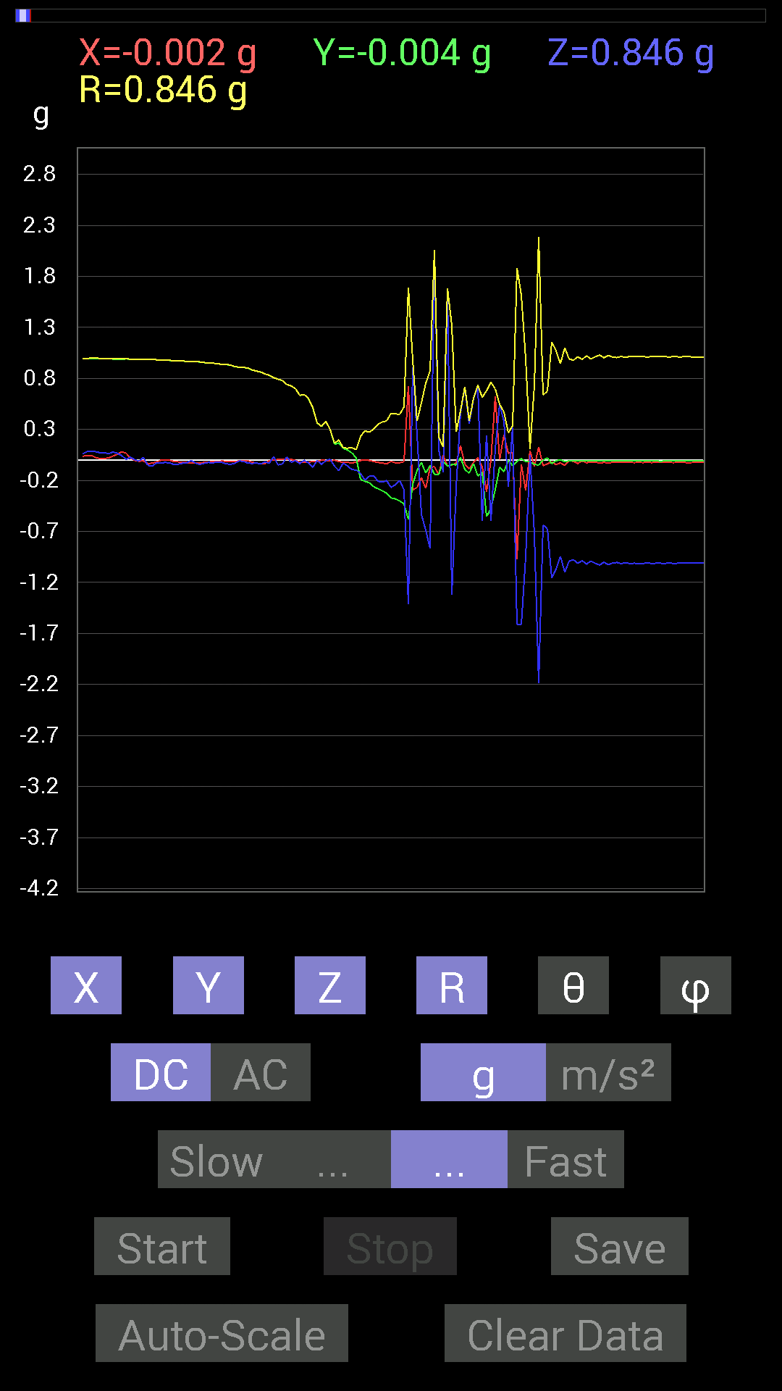
 | Keuwl | Accelerometer | Data | File |  | 2015-04-30 | 20-35-15
Number | Time(s) | X(g) | Y(g) | Z(g) | R(g) | Theta(deg) | Phi(deg)
1 | 5.991 | 0.08007053 | 0.9862326 | 0.044917766 | 0.99049664 | 87.40082 | 85.35844
2 | 6.0270004 | 0.06835346 | 0.99209034 | 0.0058593126 | 0.9944595 | 89.662415 | 86.05864
3 | 6.032 | 0.019530004 | 0.98818463 | 0.027341384 | 0.9887557 | 88.415436 | 88.86778
4 | 6.0880003 | -0.0039056898 | 0.984279 | 0.0039056898 | 0.9842945 | 89.77265 | 90.227356
5 | 6.089 | -0.01171707 | 0.9862326 | -0.009765002 | 0.98635054 | 90.567245 | 90.68068
6 | 6.0930004 | -0.0078113796 | 0.9862326 | 0.025387762 | 0.98659027 | 88.52545 | 90.4538
7 | 6.111 | -0.033199143 | 0.9862326 | -0.050777078 | 0.9880968 | 92.945656 | 91.92799
8 | 6.1530004 | -0.031247074 | 0.98818463 | -0.060540527 | 0.9905304 | 93.50406 | 91.81113
9 | 6.1530004 | -0.019530004 | 0.98232687 | -0.027341384 | 0.98290133 | 91.594 | 91.13897
10 | 6.1720004 | -0.0019536226 | 0.97841966 | -0.029293451 | 0.97886 | 91.7149 | 90.1144
11 | 6.214 | 0.0019536226 | 0.97841966 | -0.023435695 | 0.97870225 | 91.372116 | 89.8856
12 | 6.214 | -0.0019536226 | 0.97646755 | -0.027341384 | 0.97685224 | 91.603874 | 90.11463
13 | 6.2320004 | -0.013670692 | 0.97451395 | -0.042964146 | 0.9755563 | 92.52416 | 90.8037
14 | 6.2830005 | -0.017576382 | 0.97451395 | -0.04101208 | 0.9755349 | 92.40946 | 91.03328
15 | 6.2830005 | -0.021482073 | 0.9706083 | -0.031247074 | 0.9713487 | 91.84345 | 91.2679
16 | 6.2920003 | -0.023435695 | 0.9667026 | -0.027341384 | 0.9673731 | 91.6196 | 91.38875
17 | 6.3190002 | -0.031247074 | 0.96279687 | -0.0039056898 | 0.96331173 | 90.2323 | 91.85885
18 | 6.3320003 | -0.031247074 | 0.9647505 | -0.029293451 | 0.9657008 | 91.73827 | 91.85509
19 | 6.3560004 | -0.031247074 | 0.96084327 | -0.042964146 | 0.9623108 | 92.55893 | 91.86263
20 | 6.372 | -0.021482073 | 0.9549855 | -0.031247074 | 0.955738 | 91.87357 | 91.288635
21 | 6.3980002 | -0.019530004 | 0.9510798 | -0.023435695 | 0.9515689 | 91.41125 | 91.17638
22 | 6.412 | -0.013670692 | 0.9491262 | -0.029293451 | 0.9496765 | 91.76761 | 90.8252
23 | 6.433 | -0.013670692 | 0.94522053 | -0.017576382 | 0.94548273 | 91.06518 | 90.828606
24 | 6.4670005 | -0.009765002 | 0.9374091 | -0.023435695 | 0.9377529 | 91.432045 | 90.59683
25 | 6.472 | -0.01171707 | 0.9354555 | -0.035152763 | 0.93618906 | 92.15189 | 90.71762
26 | 6.5060005 | -0.015622759 | 0.9315498 | -0.042964146 | 0.9326709 | 92.640305 | 90.9608
27 | 6.512 | -0.017576382 | 0.91592705 | -0.031247074 | 0.9166284 | 91.953545 | 91.09936
28 | 6.5410004 | -0.0078113796 | 0.91006774 | -0.009765002 | 0.9101537 | 90.61474 | 90.491776
29 | 6.5530005 | -0.0039056898 | 0.906162 | -0.01171707 | 0.9062462 | 90.740814 | 90.24695
30 | 6.5730004 | -0.0058593126 | 0.9042084 | -0.029293451 | 0.90470177 | 91.855515 | 90.37128
31 | 6.609 | -0.019530004 | 0.8827264 | -0.033199143 | 0.8835663 | 92.15334 | 91.26744
32 | 6.6130004 | -0.029293451 | 0.8710093 | -0.029293451 | 0.87199396 | 91.92513 | 91.92622
33 | 6.6470003 | -0.039058454 | 0.86124426 | -0.039058454 | 0.8630138 | 92.59399 | 92.59665
34 | 6.6530004 | -0.035152763 | 0.8436679 | -0.017576382 | 0.84458286 | 91.19245 | 92.38594
35 | 6.6800003 | -0.0039056898 | 0.8299972 | -0.031247074 | 0.83059436 | 92.15598 | 90.269615
36 | 6.6940002 | -0.0019536226 | 0.8065615 | 0.035152763 | 0.80732954 | 87.50444 | 90.13878
37 | 6.714 | 0.0058593126 | 0.79093874 | -0.048823457 | 0.79246587 | 93.5322 | 89.57556
38 | 6.7460003 | 0.0058593126 | 0.77922165 | -0.037106387 | 0.78012663 | 92.72628 | 89.569176
39 | 6.754 | 0.0058593126 | 0.74016166 | 0.029293451 | 0.7407643 | 87.73365 | 89.54644
40 | 6.7790003 | 0.0058593126 | 0.726491 | -0.021482073 | 0.7268321 | 91.693665 | 89.53791
41 | 6.7950006 | -0.0039056898 | 0.7011032 | -0.0058593126 | 0.70113856 | 90.47882 | 90.319176
42 | 6.827 | -0.021482073 | 0.6327513 | -0.035152763 | 0.634091 | 93.17799 | 91.94446
43 | 6.8350005 | -0.019530004 | 0.64251477 | -0.0019536226 | 0.64281446 | 90.17413 | 91.741035
44 | 6.88 | -0.019530004 | 0.60150427 | -0.027341384 | 0.60244197 | 92.60122 | 91.85966
45 | 6.88 | -0.015622759 | 0.50971663 | -0.07225915 | 0.51505 | 98.06494 | 91.75556
46 | 6.8950005 | -0.013670692 | 0.36324626 | -0.0039056898 | 0.3635244 | 90.61559 | 92.1553
47 | 6.9200006 | -0.0019536226 | 0.3280935 | -0.042964146 | 0.3309004 | 97.46035 | 90.34116
48 | 6.9350004 | -0.0039056898 | 0.37886903 | -0.0058593126 | 0.37893447 | 90.88598 | 90.59063
49 | 6.9600005 | -0.0058593126 | 0.2987985 | 0.0078113796 | 0.29895803 | 88.50277 | 91.123405
50 | 6.9760003 | -0.0019536226 | 0.15428175 | -0.060540527 | 0.16574629 | 111.4236 | 90.72548
51 | 7.0020003 | -0.013670692 | 0.16795245 | -0.10350622 | 0.19775857 | 121.56039 | 94.653404
52 | 7.017 | -0.023435695 | 0.11326967 | -0.029293451 | 0.1193204 | 104.21153 | 101.68966
53 | 7.0420003 | -0.023435695 | 0.097646914 | -0.05858846 | 0.1162616 | 120.26078 | 103.49597
54 | 7.057 | -0.027341384 | 0.070305526 | -0.09374122 | 0.120323874 | 141.17589 | 111.250755
55 | 7.0820003 | -0.021482073 | 0.021482073 | -0.097646914 | 0.10226377 | 162.71786 | 135
56 | 7.097 | -0.0039056898 | -0.19138813 | -0.13279969 | 0.2329816 | 124.750275 | 268.83093
57 | 7.136 | 0 | -0.20896451 | -0.19529383 | 0.2860172 | 133.06319 | 270
58 | 7.1380005 | -0.0039056898 | -0.22263521 | -0.15818743 | 0.2731391 | 125.3905 | 268.99496
59 | 7.1570005 | -0.013670692 | -0.26169366 | -0.15232968 | 0.30310854 | 120.169395 | 267.0096
60 | 7.2190003 | -0.023435695 | -0.2812221 | -0.2070109 | 0.34998375 | 126.26261 | 265.23627
61 | 7.2190003 | -0.029293451 | -0.3027042 | -0.2167759 | 0.37346986 | 125.481316 | 264.47256
62 | 7.2190003 | -0.037106387 | -0.32418782 | -0.20115158 | 0.38332307 | 121.65191 | 263.47037
63 | 7.2530003 | -0.013670692 | -0.37105766 | -0.26755142 | 0.45766193 | 125.775085 | 267.89005
64 | 7.2580004 | -0.027341384 | -0.38082266 | -0.24216366 | 0.45212463 | 122.38547 | 265.89346
65 | 7.293 | -0.027341384 | -0.4003511 | -0.19919951 | 0.4480056 | 116.40007 | 266.09314
66 | 7.2980003 | -0.015622759 | -0.4315982 | -0.2909871 | 0.52076346 | 123.97079 | 267.92694
67 | 7.3320003 | 0.726491 | -0.5819742 | -1.413925 | 1.6928282 | 146.64128 | 321.30264
68 | 7.339 | -0.29294074 | -0.23630434 | 0.90811414 | 0.98301846 | 22.511648 | 218.89182
69 | 7.3840003 | -0.26950505 | -0.10350622 | 0.25192866 | 0.38316387 | 48.890827 | 201.00981
70 | 7.3840003 | -0.17185813 | -0.023435695 | -0.5331508 | 0.5606552 | 161.97885 | 187.76534
71 | 7.399 | -0.27731642 | -0.12694037 | -0.6874325 | 0.7520517 | 156.07486 | 204.59573
72 | 7.426 | -0.07421122 | -0.05468277 | -0.8690557 | 0.87393093 | 173.9452 | 216.38477
73 | 7.439 | -0.06444622 | -0.13865899 | 2.0544877 | 2.0601697 | 4.256344 | 245.07184
...

第十一次
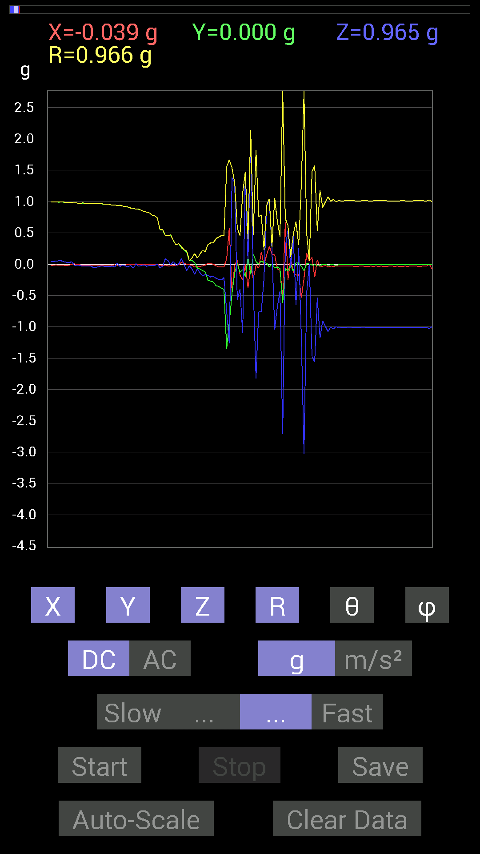
File |  | 2015-04-30 | 20-35-37
Z(g) | R(g) | Theta(deg) | Phi(deg)
0.039058454 | 0.99106425 | 87.741356 | 91.016975
0.031247074 | 0.9870058 | 88.1858 | 91.36125
0.031247074 | 0.9868221 | 88.18546 | 90.79416
0.033199143 | 0.98484063 | 88.068184 | 90.11372
-0.021482073 | 0.9806261 | 91.25525 | 89.65757
-0.015622759 | 0.9766238 | 90.91658 | 90.458336
-0.019530004 | 0.9747585 | 91.14804 | 90.574104
-0.031247074 | 0.977063 | 91.832664 | 90.80209
-0.027341384 | 0.97496784 | 91.60698 | 90.688866
-0.025387762 | 0.975003 | 91.49207 | 91.03328
-0.031247074 | 0.9732225 | 91.839905 | 91.035355
-0.050777078 | 0.97596097 | 92.982315 | 90.91845
-0.052729145 | 0.9760352 | 93.09685 | 90.8037
-0.039058454 | 0.9695692 | 92.30875 | 90.924
-0.027341384 | 0.96529794 | 91.62308 | 91.04373
-0.033199143 | 0.95956314 | 91.98273 | 90.816795
-0.033199143 | 0.957585 | 91.986824 | 90.701515
-0.039058454 | 0.9558557 | 92.34189 | 90.70295
-0.029293451 | 0.94186974 | 91.782265 | 90.83205
-0.044917766 | 0.9482889 | 92.71496 | 90.590675
0.015622759 | 0.9338384 | 89.04142 | 91.198524
-0.039058454 | 0.9421977 | 92.375854 | 90.71316
-0.01171707 | 0.9278846 | 90.72353 | 91.08547
-0.029293451 | 0.9223515 | 91.81999 | 90.84967
-0.04101208 | 0.9129498 | 92.574745 | 90.24537
-0.021482073 | 0.8966565 | 91.372826 | 90.12487
-0.06444622 | 0.89481723 | 94.13011 | 90.12542
0.009765002 | 0.8789292 | 89.36343 | 90.63661
-0.033199143 | 0.8774975 | 92.168236 | 90.127655
-0.021482073 | 0.8595791 | 91.43205 | 90.39068
-0.009765002 | 0.84178 | 90.66467 | 89.73414
-0.033199143 | 0.832613 | 92.28519 | 90
-0.021482073 | 0.82051575 | 91.500244 | 89.86353
-0.021482073 | 0.7853733 | 91.56739 | 90
-0.017576382 | 0.7716114 | 91.305244 | 90.1451
0 | 0.7421179 | 90 | 90.15083
-0.056634836 | 0.55385196 | 95.86911 | 91.6249
-0.037106387 | 0.5504475 | 93.86532 | 92.24173
0.083976224 | 0.46298152 | 79.54977 | 91.96638
0.05858846 | 0.45767003 | 82.64512 | 93.45336
-0.013670692 | 0.46753883 | 91.67555 | 92.87442
0.042964146 | 0.37826967 | 83.478226 | 93.87343
-0.015622759 | 0.31130216 | 92.87661 | 92.88024
0.0019536226 | 0.33019578 | 89.661 | 91.69471
0.0917876 | 0.28050238 | 70.89952 | 84.07931
...

第十二次
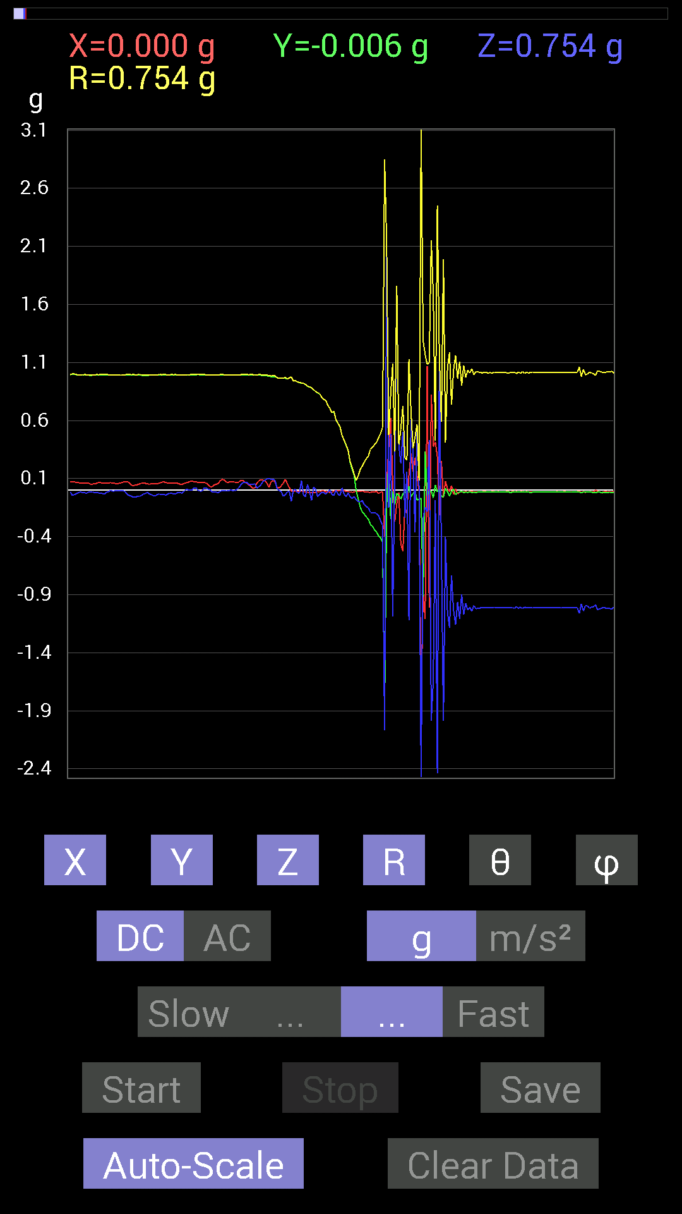
File |  | 2015-04-30 | 20-39-31
Z(g) | R(g) | Theta(deg) | Phi(deg)
0.029293451 | 0.9957473 | 88.31419 | 85.38572
0.046869833 | 0.99530953 | 87.3009 | 84.815735
0.07421122 | 0.99274665 | 85.712944 | 85.02043
0.08592984 | 0.994985 | 85.04559 | 85.48012
0.097646914 | 0.99096173 | 84.34504 | 86.480316
0.101552606 | 0.9878402 | 84.09942 | 88.63333
0.09374122 | 0.98361456 | 84.53125 | 85.76779
0.09569329 | 0.9866682 | 84.43435 | 85.09441
0.083976224 | 0.9843928 | 85.106285 | 86.003746
0.013670692 | 0.9690361 | 89.19167 | 88.61405
-0.0019536226 | 0.9629969 | 90.116234 | 88.83794
-0.01171707 | 0.9635829 | 90.69673 | 87.7929
-0.050777078 | 0.9659134 | 93.01337 | 86.51771
-0.04101208 | 0.9701613 | 92.42281 | 84.4502
-0.015622759 | 0.9588567 | 90.93357 | 86.496445
-0.0078113796 | 0.9670182 | 90.46283 | 88.61125
-0.097646914 | 0.975539 | 95.74466 | 90.461105
0.0019536226 | 0.9394627 | 89.88085 | 90.83378
0.0058593126 | 0.9433033 | 89.644104 | 90.3559
-0.021482073 | 0.93187106 | 91.32094 | 90.72063
-0.025387762 | 0.9280654 | 91.56756 | 90.72366
0.0820226 | 0.92350113 | 84.90445 | 90.36497
-0.039058454 | 0.92073625 | 92.43127 | 90.72981
-0.056634836 | 0.91193074 | 93.56061 | 90.86061
0.050777078 | 0.896056 | 86.751465 | 91.125755
-0.01171707 | 0.8889719 | 90.75521 | 91.51078
-0.08788191 | 0.8834197 | 95.70918 | 91.27307
0.027341384 | 0.8658484 | 88.19044 | 91.422386
0.0058593126 | 0.8497719 | 89.604935 | 91.316956
-0.056634836 | 0.8398024 | 93.86687 | 90.801254
-0.033199143 | 0.83077335 | 92.290245 | 90.94362
-0.017576382 | 0.8009181 | 91.25748 | 90.419266
-0.021482073 | 0.78149104 | 91.57518 | 90.42975
-0.033199143 | 0.7741954 | 92.45772 | 91.01271
-0.017576382 | 0.73070365 | 91.37833 | 90.91906
0.0039056898 | 0.7052902 | 89.68271 | 91.58679
-0.037106387 | 0.6672693 | 93.18782 | 91.6798
-0.044917766 | 0.6811291 | 93.78117 | 90.49396
0.0019536226 | 0.60736823 | 89.815704 | 90.184296
-0.035152763 | 0.5772012 | 93.49159 | 90.38842
-0.046869833 | 0.54689556 | 94.916374 | 90.4107
0.019530004 | 0.4730136 | 87.633675 | 90
-0.033199143 | 0.4309313 | 94.41847 | 90.26053
-0.056634836 | 0.39098147 | 98.328766 | 91.73563
-0.023435695 | 0.3447135 | 93.898315 | 91.95242
...

第十三次
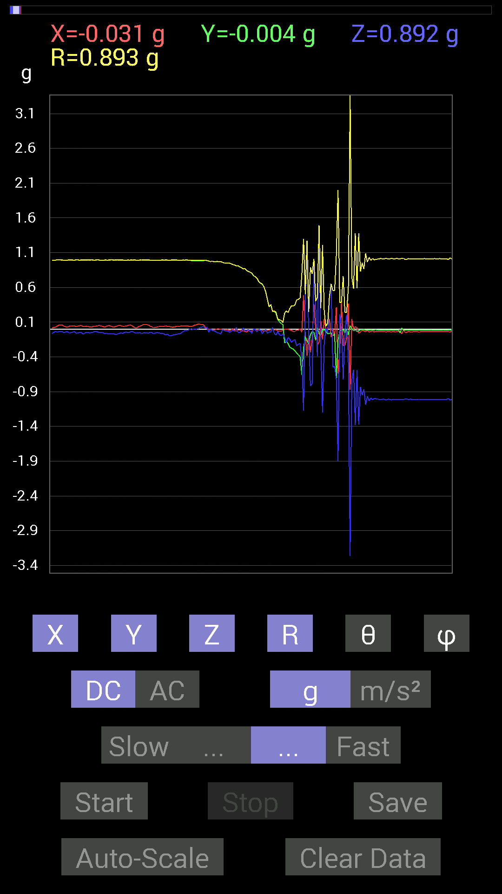
File |  | 2015-04-30 | 20-40-09
Z(g) | R(g) | Theta(deg) | Phi(deg)
-0.097646914 | 0.9936194 | 95.639786 | 87.96267
-0.08592984 | 0.9961801 | 94.94845 | 88.421364
-0.0820226 | 0.99408436 | 94.732895 | 88.079605
-0.07616484 | 0.9937564 | 94.39565 | 87.85379
-0.070305526 | 0.9935606 | 94.05771 | 87.51537
-0.06835346 | 0.9932631 | 93.946045 | 87.741
-0.056634836 | 0.9928636 | 93.270035 | 87.28983
-0.037106387 | 0.9939838 | 92.139404 | 87.182594
-0.021482073 | 0.99352324 | 91.23895 | 87.182594
-0.023435695 | 0.9953342 | 91.34918 | 87.41274
-0.013670692 | 0.9931143 | 90.78873 | 87.520256
0 | 0.9909873 | 90 | 87.628136
-0.0058593126 | 0.9870231 | 90.340126 | 87.73206
-0.0019536226 | 0.9873476 | 90.113365 | 87.27911
-0.0019536226 | 0.9879733 | 90.1133 | 86.600266
0.0019536226 | 0.98833793 | 89.88674 | 86.26128
0.0058593126 | 0.9888935 | 89.660515 | 85.80955
0.025387762 | 0.9889244 | 88.52894 | 86.0353
0.027341384 | 0.9889765 | 88.415794 | 86.0353
0.035152763 | 0.98883563 | 87.96272 | 86.374214
0.01171707 | 0.9886882 | 89.32096 | 88.30204
0.027341384 | 0.98661345 | 88.411995 | 89.886505
-0.044917766 | 0.97945017 | 92.62852 | 90
0.0078113796 | 0.9726011 | 89.539825 | 90.230095
-0.017576382 | 0.976657 | 91.03118 | 90.458336
-0.025387762 | 0.9709894 | 91.498245 | 90.576416
-0.035152763 | 0.97319895 | 92.07002 | 90.11509
-0.052729145 | 0.97399807 | 93.103325 | 89.769905
-0.05468277 | 0.9702063 | 93.23102 | 89.76898
-0.070305526 | 0.97120625 | 94.15127 | 90.115555
-0.0039056898 | 0.9589171 | 90.23337 | 90.350105
-0.019530004 | 0.9512983 | 91.17635 | 90.352974
-0.029293451 | 0.95351404 | 91.76049 | 90.469604
-0.027341384 | 0.949528 | 91.65005 | 90.23577
-0.046869833 | 0.9505717 | 92.826225 | 91.41445
-0.033199143 | 0.93996596 | 92.02408 | 90.35738
-0.013670692 | 0.92777777 | 90.84428 | 89.51754
-0.033199143 | 0.92254996 | 92.06231 | 91.09237
0.023435695 | 0.9088887 | 88.52246 | 91.84757
-0.046869833 | 0.91335696 | 92.94148 | 90.98137
-0.046869833 | 0.89574724 | 92.99936 | 90.75053
-0.029293451 | 0.8857162 | 91.8953 | 92.02286
0.017576382 | 0.8655951 | 88.836494 | 91.422386
-0.025387762 | 0.87208796 | 91.6682 | 92.31113
-0.019530004 | 0.8429391 | 91.3276 | 92.7895
...

第十四次
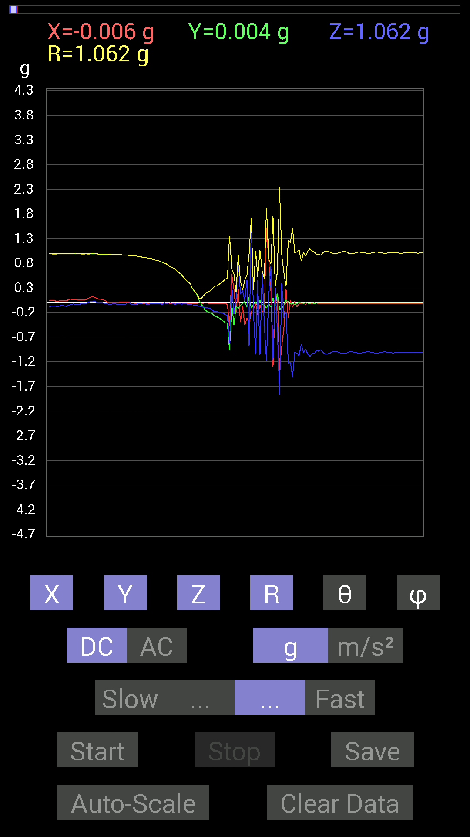
File |  | 2015-04-30 | 20-40-55
Z(g) | R(g) | Theta(deg) | Phi(deg)
-0.015622759 | 0.9791074 | 90.91426 | 88.05662
-0.029293451 | 0.9788893 | 91.71484 | 89.54258
-0.046869833 | 0.9815008 | 92.7371 | 89.77174
-0.029293451 | 0.9749717 | 91.72173 | 89.65551
-0.015622759 | 0.974647 | 90.91844 | 89.77037
-0.033199143 | 0.9750871 | 91.95115 | 89.77037
-0.04101208 | 0.97344387 | 92.414635 | 89.654816
-0.035152763 | 0.97322834 | 92.06996 | 89.539825
-0.037106387 | 0.96746373 | 92.19808 | 89.42126
-0.039058454 | 0.96947485 | 92.308975 | 89.53797
-0.0078113796 | 0.9608929 | 90.46578 | 89.65061
-0.0078113796 | 0.953096 | 90.46959 | 89.530396
-0.037106387 | 0.95382595 | 92.22952 | 90.70439
-0.033199143 | 0.94776386 | 92.00742 | 90.23626
-0.035152763 | 0.94626904 | 92.12896 | 91.65687
-0.019530004 | 0.9342304 | 91.19785 | 91.91714
-0.023435695 | 0.93002284 | 91.443954 | 90.96282
-0.009765002 | 0.9222419 | 90.606674 | 91.698975
-0.0078113796 | 0.9179871 | 90.48755 | 90.73136
-0.035152763 | 0.9069193 | 92.221375 | 90.74082
-0.031247074 | 0.899106 | 91.99163 | 91.24541
-0.019530004 | 0.89278185 | 91.25347 | 90.75217
-0.019530004 | 0.87325835 | 91.2815 | 90.76899
-0.017576382 | 0.86156523 | 91.168945 | 91.039215
-0.015622759 | 0.8536853 | 91.04859 | 90.91771
-0.015622759 | 0.83627844 | 91.07042 | 91.47221
-0.042964146 | 0.81955624 | 93.005035 | 91.093765
0 | 0.7988098 | 90 | 90.700424
-0.023435695 | 0.78351694 | 91.71403 | 90.57148
-0.009765002 | 0.74422365 | 90.7518 | 90.90218
0.0019536226 | 0.72485995 | 89.84558 | 91.69828
-0.017576382 | 0.70331985 | 91.43201 | 90.636566
-0.037106387 | 0.6807707 | 93.124535 | 91.15236
-0.013670692 | 0.62914276 | 91.24508 | 91.24538
-0.013670692 | 0.59776765 | 91.31045 | 90.37446
-0.033199143 | 0.5674077 | 93.3543 | 90.98779
-0.01171707 | 0.49437007 | 91.35809 | 91.358475
-0.027341384 | 0.45787132 | 93.4234 | 90.97927
-0.037106387 | 0.41791925 | 95.09391 | 92.15084
-0.039058454 | 0.37723994 | 95.94291 | 92.088005
-0.050777078 | 0.28217018 | 100.36696 | 92.4194
-0.046869833 | 0.2262876 | 101.953926 | 94.55376
-0.062494148 | 0.1762411 | 110.7686 | 95.44008
-0.07225915 | 0.084632486 | 148.62733 | 102.8048
-0.07811691 | 0.08358883 | 159.15358 | 246.80258
...

第十五次
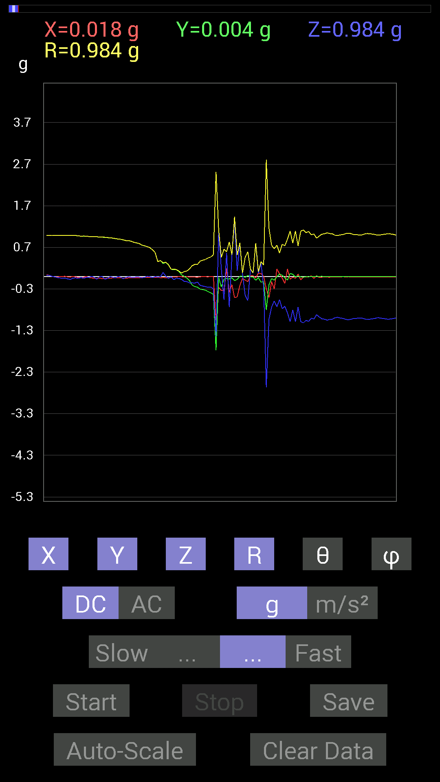
File |  | 2015-04-30 | 20-41-20
Z(g) | R(g) | Theta(deg) | Phi(deg)
-0.037106387 | 0.98888296 | 92.150444 | 89.88673
-0.035152763 | 0.9850304 | 92.04515 | 90.90934
-0.04101208 | 0.9774865 | 92.40465 | 91.03121
-0.027341384 | 0.9694847 | 91.616066 | 91.73217
-0.042964146 | 0.9736691 | 92.52905 | 91.035355
-0.021482073 | 0.96889436 | 91.270454 | 90
-0.025387762 | 0.9615139 | 91.51301 | 91.51354
0.0039056898 | 0.9555704 | 89.765816 | 91.99103
-0.023435695 | 0.9582778 | 91.40137 | 92.68744
-0.06639984 | 0.9584378 | 93.97259 | 92.80977
-0.0019536226 | 0.94399846 | 90.118576 | 92.25275
0.0039056898 | 0.9466982 | 89.76362 | 93.19294
-0.06835346 | 0.94321257 | 94.1558 | 93.09411
-0.04101208 | 0.9352199 | 92.51339 | 92.3959
-0.0019536226 | 0.9288295 | 90.120514 | 92.89245
-0.019530004 | 0.92252105 | 91.21306 | 91.9415
-0.035152763 | 0.9112823 | 92.21074 | 91.96647
0.0019536226 | 0.90091676 | 89.875755 | 92.111855
-0.017576382 | 0.8953065 | 91.124886 | 92.25064
-0.052729145 | 0.88118273 | 93.43057 | 92.41776
-0.019530004 | 0.86235064 | 91.297714 | 92.59665
-0.0058593126 | 0.8619813 | 90.38947 | 92.3373
-0.019530004 | 0.8463526 | 91.32224 | 91.98401
-0.021482073 | 0.8210362 | 91.49929 | 92.04537
-0.01171707 | 0.80710983 | 90.83181 | 91.941505
-0.015622759 | 0.79156536 | 91.1309 | 91.97983
-0.031247074 | 0.7549067 | 92.37226 | 91.928894
-0.019530004 | 0.7369524 | 91.51858 | 91.97491
0.0039056898 | 0.71712124 | 89.68794 | 91.8728
-0.0058593126 | 0.6937126 | 90.48394 | 91.93606
-0.025387762 | 0.6415681 | 92.26787 | 92.269646
-0.0058593126 | 0.5727189 | 90.58619 | 92.34532
-0.0078113796 | 0.35605675 | 91.25709 | 93.14506
-0.0058593126 | 0.3839387 | 90.87443 | 94.376274
0.097646914 | 0.32649708 | 72.597984 | 94.67409
0.0078113796 | 0.3429451 | 88.69484 | 94.57396
-0.044917766 | 0.28694806 | 99.005905 | 97.125015
-0.009765002 | 0.17758803 | 93.1521 | 97.59481
-0.07616484 | 0.17750284 | 115.409874 | 92.792564
-0.042964146 | 0.16609165 | 104.99159 | 93.48943
-0.048823457 | 0.12880489 | 112.27483 | 91.87779
-0.070305526 | 0.080639705 | 150.67404 | 98.53155
-0.11912899 | 0.11992673 | 173.38773 | 171.86716
-0.124988295 | 0.13160288 | 161.75716 | 264.55997
-0.15428175 | 0.18628818 | 145.91312 | 262.47614
...

第十六次
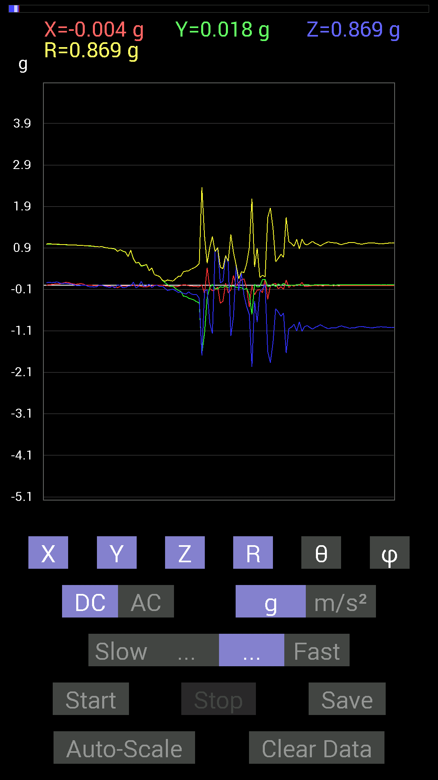
File |  | 2015-04-30 | 20-42-10
Z(g) | R(g) | Theta(deg) | Phi(deg)
0.062494148 | 0.9960141 | 86.40266 | 89.77488
0.07225915 | 0.99676055 | 85.84275 | 89.21208
0.06444622 | 0.9962859 | 86.291145 | 88.98702
0.06835346 | 0.9928714 | 86.05239 | 88.41825
0.0820226 | 0.99001515 | 85.247604 | 88.411995
0.05468277 | 0.9862919 | 86.82173 | 88.18169
0.04101208 | 0.98254365 | 87.607735 | 87.035095
0.052729145 | 0.9820867 | 86.92226 | 86.11761
0.042964146 | 0.97590715 | 87.476746 | 85.97976
0.031247074 | 0.97449136 | 88.1625 | 86.896645
0.023435695 | 0.97347915 | 88.62052 | 87.92998
0.0019536226 | 0.9688963 | 89.884476 | 88.729546
-0.01171707 | 0.9653927 | 90.69542 | 88.029106
-0.0019536226 | 0.96180534 | 90.11638 | 87.43972
-0.0019536226 | 0.9593406 | 90.11668 | 88.2502
-0.0019536226 | 0.9510838 | 90.11769 | 90.11769
-0.031247074 | 0.94769746 | 91.88947 | 89.76374
-0.035152763 | 0.9478262 | 92.12546 | 90
-0.042964146 | 0.9384115 | 92.624146 | 90.35812
-0.037106387 | 0.9343141 | 92.27611 | 90.719124
0.0039056898 | 0.9257502 | 89.75827 | 90.604385
0.0019536226 | 0.9335239 | 89.8801 | 90.35963
-0.021482073 | 0.9124065 | 91.34912 | 90.98137
-0.035152763 | 0.90120035 | 92.23548 | 91.24271
-0.050777078 | 0.8941927 | 93.25532 | 91.37883
-0.025387762 | 0.887305 | 91.63958 | 91.51411
-0.06444622 | 0.8764887 | 94.21664 | 92.945526
0.01171707 | 0.81629235 | 89.17754 | 93.84147
-0.0019536226 | 0.85784113 | 90.130486 | 91.95692
-0.060540527 | 0.824525 | 94.21072 | 90.95258
-0.05468277 | 0.8026852 | 93.90629 | 90.978134
-0.021482073 | 0.69395715 | 91.773926 | 91.77478
-0.01171707 | 0.8457372 | 90.793816 | 90.52925
0.07421122 | 0.64290947 | 83.37156 | 90.17528
-0.06444622 | 0.53706366 | 96.89195 | 90.629654
-0.017576382 | 0.5530843 | 91.8211 | 91.214516
0.0917876 | 0.4670339 | 78.6657 | 93.66771
-0.029293451 | 0.48065263 | 93.494064 | 94.20193
-0.01171707 | 0.49966475 | 91.343704 | 94.48458
0.029293451 | 0.3532863 | 85.243744 | 93.17994
-0.05468277 | 0.41784105 | 97.51986 | 91.891174
-0.0058593126 | 0.25593123 | 91.31185 | 89.12537
0 | 0.23631242 | 90 | 90.47368
-0.027341384 | 0.20880868 | 97.52391 | 90
-0.025387762 | 0.12180416 | 102.03042 | 90
...

第十七次
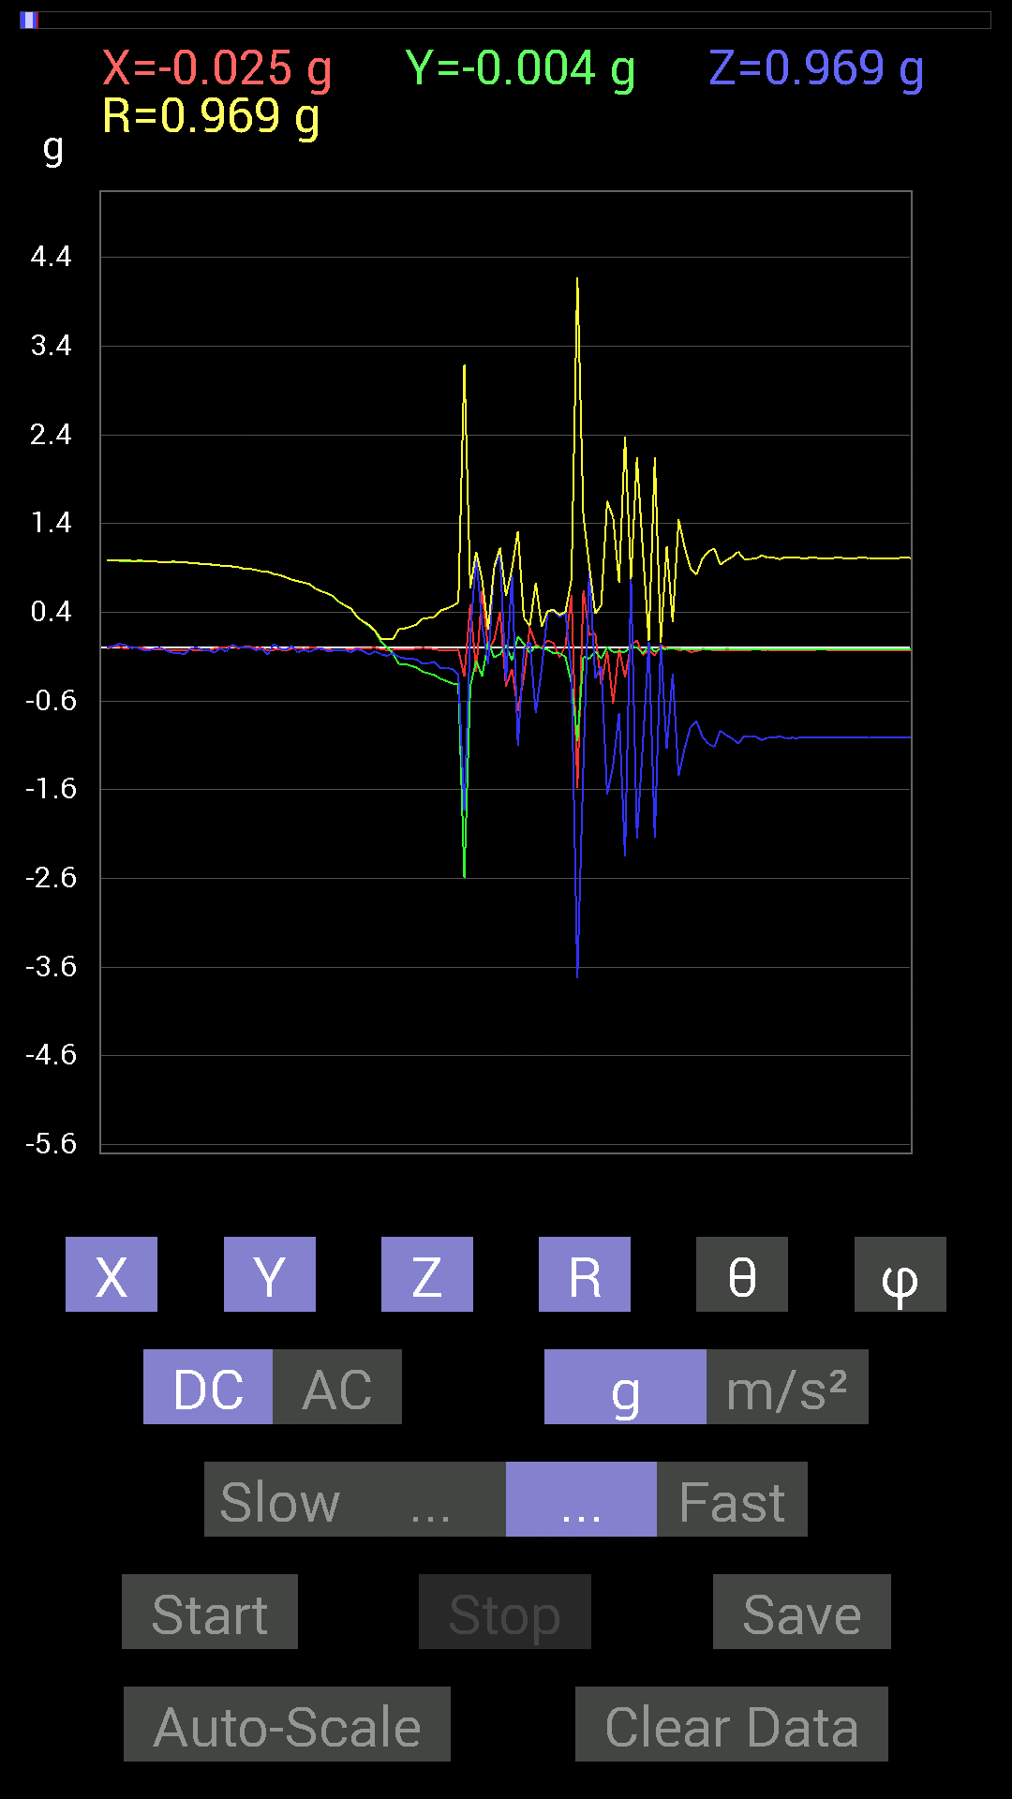
File |  | 2015-04-30 | 20-42-39
Z(g) | R(g) | Theta(deg) | Phi(deg)
-0.009765002 | 0.97085387 | 90.5763 | 91.15272
0.0019536226 | 0.96878415 | 89.88446 | 90.924
-0.035152763 | 0.9657245 | 92.08605 | 91.50741
-0.056634836 | 0.97087824 | 93.34417 | 91.96295
-0.060540527 | 0.9689291 | 93.58228 | 91.50437
-0.07421122 | 0.9679336 | 94.39717 | 91.50741
-0.009765002 | 0.955277 | 90.5857 | 91.288635
0.0039056898 | 0.949528 | 89.76433 | 91.650055
-0.023435695 | 0.9480455 | 91.4165 | 92.00744
-0.027341384 | 0.9401567 | 91.6665 | 91.6672
-0.052729145 | 0.9370137 | 93.225945 | 90.71762
-0.0078113796 | 0.92768526 | 90.48245 | 89.758766
-0.042964146 | 0.9228042 | 92.66856 | 89.6358
0.037106387 | 0.9168115 | 87.68042 | 89.02281
0.0039056898 | 0.90814143 | 89.753586 | 90.369675
0.0078113796 | 0.89062554 | 89.497475 | 89.37176
0.0039056898 | 0.89062333 | 89.74874 | 89.246185
-0.025387762 | 0.8772432 | 91.658394 | 90.2552
-0.015622759 | 0.8594327 | 91.04158 | 90
-0.08007053 | 0.85969245 | 95.34419 | 92.09207
0.044917766 | 0.8315421 | 86.90352 | 91.61736
-0.009765002 | 0.81857145 | 90.68352 | 91.367226
-0.023435695 | 0.7958036 | 91.68755 | 92.25127
0.023435695 | 0.7679502 | 88.25122 | 90.87463
-0.052729145 | 0.7517807 | 94.02197 | 90.14926
-0.023435695 | 0.734805 | 91.82769 | 91.06657
-0.046869833 | 0.7182611 | 93.74147 | 90.15617
-0.015622759 | 0.66613656 | 91.34387 | 89.83192
-0.0058593126 | 0.6349227 | 90.528755 | 91.41001
-0.039058454 | 0.61282706 | 93.65421 | 91.82997
-0.033199143 | 0.5815259 | 93.27278 | 92.506256
-0.029293451 | 0.51540506 | 93.25821 | 93.48139
-0.029293451 | 0.47604433 | 93.52793 | 92.82718
-0.048823457 | 0.43851045 | 96.392525 | 92.05448
-0.015622759 | 0.3481098 | 92.57223 | 91.60906
-0.037106387 | 0.29528794 | 97.21897 | 90.3821
-0.07811691 | 0.25820076 | 107.61042 | 90.90934
-0.04101208 | 0.19191577 | 102.33917 | 90
-0.07421122 | 0.10209589 | 136.62527 | 102.87429
-0.08983553 | 0.09398526 | 162.91052 | 171.87036
-0.062494148 | 0.09414717 | 131.58972 | 250.55962
-0.10350622 | 0.20995694 | 119.537155 | 263.86255
-0.11912899 | 0.21826625 | 123.07912 | 263.2545
-0.12303468 | 0.2378574 | 121.148796 | 266.14932
-0.13279969 | 0.26117522 | 120.56195 | 267.0135
...

第十八次
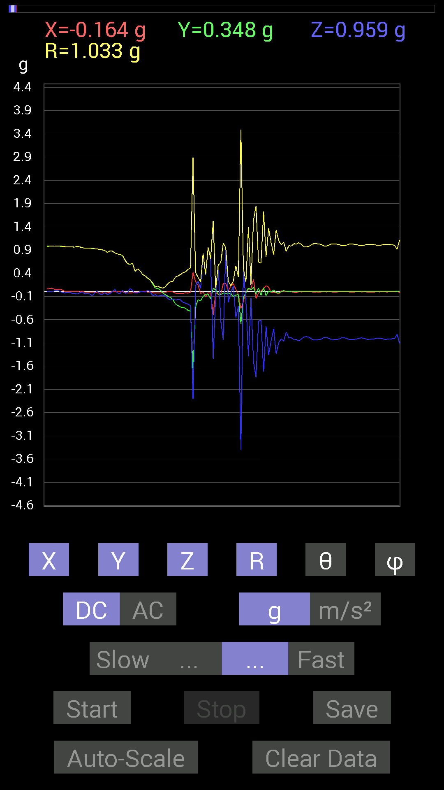
File |  | 2015-04-30 | 20-43-01
Z(g) | R(g) | Theta(deg) | Phi(deg)
0.0039056898 | 0.98797905 | 89.7735 | 86.600266
0.0058593126 | 0.98570776 | 89.65942 | 86.93352
0.0058593126 | 0.9814192 | 89.65793 | 87.37672
0 | 0.9795416 | 90 | 87.25742
0.0019536226 | 0.9802928 | 89.88582 | 86.45929
0.0078113796 | 0.9827843 | 89.54459 | 86.01169
0.0019536226 | 0.98678863 | 89.886566 | 85.91439
0.015622759 | 0.98787093 | 89.09386 | 86.82642
0.031247074 | 0.9861855 | 88.18429 | 86.93352
0.01171707 | 0.98196703 | 89.316315 | 86.807495
-0.013670692 | 0.97937423 | 90.7998 | 87.599754
-0.025387762 | 0.97294223 | 91.49523 | 89.42474
-0.013670692 | 0.9649185 | 90.811775 | 89.30417
-0.01171707 | 0.96293944 | 90.6972 | 89.30276
-0.033199143 | 0.96344036 | 91.97475 | 89.30276
-0.035152763 | 0.961504 | 92.095215 | 89.65061
-0.048823457 | 0.9778122 | 92.862045 | 89.08339
-0.023435695 | 0.96700436 | 91.38872 | 90.347275
-0.0039056898 | 0.94731104 | 90.23623 | 89.055046
-0.04101208 | 0.9422402 | 92.49465 | 90.47545
-0.037106387 | 0.94402874 | 92.25267 | 90.474464
-0.04101208 | 0.94028854 | 92.49983 | 90.47644
-0.08983553 | 0.9359224 | 95.50808 | 90.600586
-0.019530004 | 0.9259294 | 91.20859 | 90.483475
0.019530004 | 0.9203385 | 88.784065 | 91.45948
-0.048823457 | 0.9119809 | 93.06883 | 92.08922
-0.048823457 | 0.90183705 | 93.103386 | 91.24271
-0.025387762 | 0.8894308 | 91.635666 | 91.88815
-0.056634836 | 0.8478384 | 93.830154 | 91.5875
-0.039058454 | 0.8797229 | 92.544685 | 90.50926
0.0078113796 | 0.87502825 | 89.48851 | 89.23273
0.048823457 | 0.8353332 | 86.64928 | 90.13423
-0.025387762 | 0.8128268 | 91.78986 | 89.724556
-0.037106387 | 0.8074146 | 92.63407 | 90
0.037106387 | 0.7801071 | 87.27365 | 89.85635
-0.033199143 | 0.68650895 | 92.771866 | 91.468796
-0.019530004 | 0.60227734 | 91.85825 | 92.23122
0.07225915 | 0.59458387 | 83.019646 | 92.08599
0.025387762 | 0.61419386 | 87.631 | 92.18863
-0.027341384 | 0.44041523 | 93.559265 | 91.52746
-0.021482073 | 0.4945938 | 92.48936 | 90.67942
0.0039056898 | 0.4531139 | 89.50613 | 90.4939
0.0058593126 | 0.37118614 | 89.09553 | 88.79401
-0.0058593126 | 0.34195387 | 90.9818 | 88.36337
0.033199143 | 0.2948742 | 83.53551 | 91.14586
...

第十九次
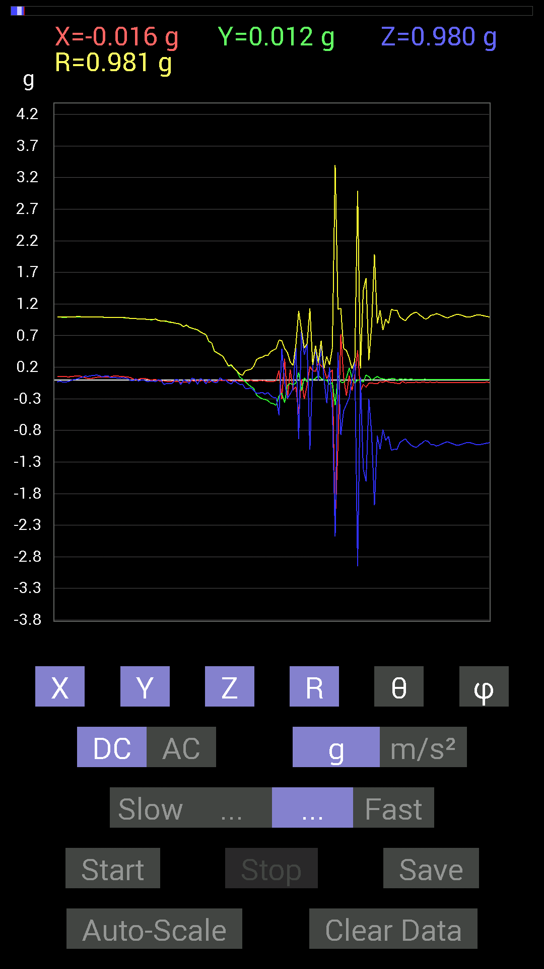
File |  | 2015-04-30 | 20-43-32
Z(g) | R(g) | Theta(deg) | Phi(deg)
0.046869833 | 0.9943022 | 87.298164 | 87.29516
0.05858846 | 0.98899186 | 86.603775 | 87.39228
0.06444622 | 0.9891865 | 86.264496 | 87.61875
0.037106387 | 0.9880427 | 87.847725 | 87.27911
0.039058454 | 0.9887431 | 87.736046 | 86.600266
0.033199143 | 0.99059385 | 88.07941 | 86.494194
0.027341384 | 0.9882357 | 88.414604 | 86.71337
0.033199143 | 0.98624927 | 88.070946 | 86.93352
0.031247074 | 0.9840357 | 88.18032 | 87.15463
0.021482073 | 0.9796857 | 88.743546 | 87.37148
-0.0058593126 | 0.97328717 | 90.34493 | 87.81504
-0.013670692 | 0.97083026 | 90.80683 | 89.07786
0.017576382 | 0.9688176 | 88.96048 | 90.115555
-0.017576382 | 0.9630068 | 91.0458 | 89.41891
-0.0019536226 | 0.9610854 | 90.11647 | 88.71922
-0.0039056898 | 0.961137 | 90.23283 | 88.60279
-0.027341384 | 0.95742565 | 91.63643 | 89.18153
-0.021482073 | 0.9513224 | 91.29392 | 90
-0.015622759 | 0.9512081 | 90.94108 | 90
-0.031247074 | 0.96331173 | 91.85883 | 89.76758
0.0019536226 | 0.9394363 | 89.88085 | 90.71464
-0.0078113796 | 0.93183017 | 90.48031 | 91.32104
-0.07421122 | 0.9307082 | 94.57341 | 90.84431
-0.056634836 | 0.9277174 | 93.49994 | 91.45025
-0.056634836 | 0.9123635 | 93.558914 | 91.96647
-0.05468277 | 0.9099686 | 93.44515 | 91.23202
0.0039056898 | 0.8967119 | 89.75044 | 91.49762
0.0058593126 | 0.8908653 | 89.62315 | 91.50747
-0.07616484 | 0.8774282 | 94.979805 | 92.945526
-0.0019536226 | 0.838548 | 90.133484 | 92.4026
-0.01171707 | 0.8680619 | 90.7734 | 92.57913
-0.060540527 | 0.8325321 | 94.17014 | 91.61736
0.027341384 | 0.81689864 | 88.08197 | 90.95942
0.01171707 | 0.8029337 | 89.163864 | 91.25445
-0.07225915 | 0.79240507 | 95.23205 | 90.99266
0.021482073 | 0.75820345 | 88.37643 | 91.18114
-0.0058593126 | 0.7344207 | 90.457115 | 90.91418
-0.06444622 | 0.71632844 | 95.161736 | 92.35325
0.01171707 | 0.60872936 | 88.89708 | 93.67953
-0.015622759 | 0.5864135 | 91.52661 | 91.90922
-0.042964146 | 0.45424545 | 95.42735 | 93.96223
-0.04101208 | 0.42787167 | 95.50032 | 91.57648
0.031247074 | 0.3996655 | 85.51586 | 90.8426
-0.0019536226 | 0.37334338 | 90.29982 | 92.39831
-0.0039056898 | 0.29692993 | 90.75367 | 91.13079
...

第二十次
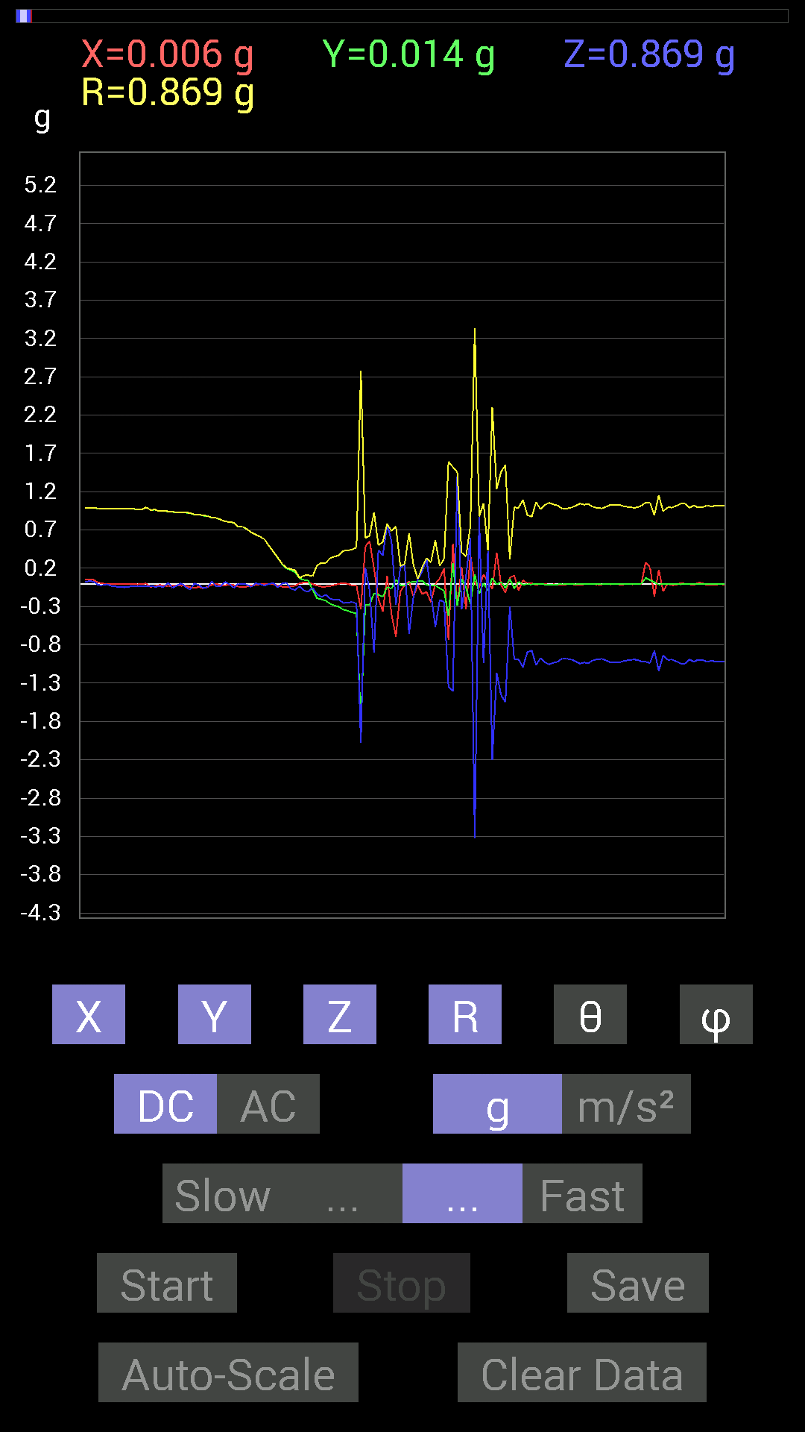
File |  | 2015-04-30 | 20-43-59
Z(g) | R(g) | Theta(deg) | Phi(deg)
0.023435695 | 0.9898679 | 88.643364 | 86.94562
0.031247074 | 0.9901896 | 88.191635 | 86.83268
0.027341384 | 0.9878188 | 88.41393 | 87.165886
-0.017576382 | 0.9826083 | 91.02493 | 89.08885
-0.021482073 | 0.9825637 | 91.25278 | 89.886055
-0.0078113796 | 0.97845864 | 90.45742 | 90.228714
-0.029293451 | 0.9749854 | 91.72171 | 90.45925
-0.037106387 | 0.97915417 | 92.17182 | 90.45742
-0.044917766 | 0.9814192 | 92.62324 | 90.34243
-0.048823457 | 0.97964483 | 92.85669 | 90.228714
-0.042964146 | 0.97741425 | 92.519356 | 90.11463
-0.029293451 | 0.9749717 | 91.72173 | 90.34449
-0.031247074 | 0.97311276 | 91.84011 | 90.57526
-0.035152763 | 0.9673731 | 92.0825 | 90.46297
-0.037106387 | 0.9966946 | 92.13358 | 89.77532
-0.029293451 | 0.96224934 | 91.74451 | 92.56028
-0.04101208 | 0.9661273 | 92.43294 | 91.85509
-0.037106387 | 0.94611186 | 92.24771 | 91.06529
-0.04101208 | 0.94835126 | 92.47857 | 91.417366
0.01171707 | 0.94406915 | 89.28887 | 92.25275
-0.05468277 | 0.9373963 | 93.34423 | 91.554596
-0.025387762 | 0.9321003 | 91.56077 | 91.201035
0.0039056898 | 0.9261621 | 89.75838 | 91.812515
-0.04101208 | 0.92895275 | 92.53036 | 91.68825
-0.0820226 | 0.92272776 | 95.09984 | 92.923164
0.0019536226 | 0.90196395 | 89.8759 | 93.47577
-0.017576382 | 0.9035447 | 91.114624 | 92.85005
-0.060540527 | 0.8910302 | 93.89593 | 94.15732
-0.046869833 | 0.88297343 | 93.04279 | 92.66598
0.027341384 | 0.86181974 | 88.18198 | 91.039215
-0.033199143 | 0.85799 | 92.21756 | 90.26102
-0.035152763 | 0.83487195 | 92.413185 | 91.34162
0.021482073 | 0.81298864 | 88.48586 | 91.51466
-0.0078113796 | 0.80476344 | 90.556145 | 90.97339
-0.05468277 | 0.79696256 | 93.93438 | 91.407524
-0.0019536226 | 0.74129957 | 90.151 | 93.17149
0 | 0.7431425 | 90 | 93.01277
-0.013670692 | 0.7120717 | 91.10006 | 93.144936
-0.044917766 | 0.6679462 | 93.85591 | 92.183205
0.0039056898 | 0.6388628 | 89.64972 | 91.576546
-0.0058593126 | 0.613299 | 90.5474 | 90.72981
-0.025387762 | 0.5786785 | 92.51449 | 90.774185
-0.0039056898 | 0.4941425 | 90.452866 | 90.67942
0.0058593126 | 0.41804156 | 89.19691 | 91.07078
-0.048823457 | 0.34216997 | 98.20341 | 93.96801
...

