DCT
Scenario | Attack | Parameters | Original | Watermark | Watermarked | Extracted WM | Attacked | Extracted After Attack
Custom DCT | None | block=8 c1=(3,4) c2=(4,3) depth=10.0 multi=false | 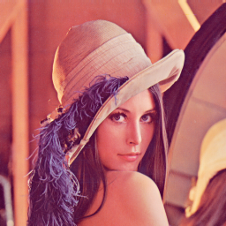 |  |  | 
 | JPEG 50 | block=8 c1=(3,4) c2=(4,3) depth=10.0 multi=false |  |  |  |  |  | 

