Agile Project Charter (APC - V1
AGILE PROJECT CHARTER
GENERAL PROJECT INFORMATION
PROJECT NAME | Kahanian
PROJECT CHAMPION | Umme Ammara
PROJECT SPONSOR | None
PROJECT MANAGER | Ahmed Ateeq
STAKEHOLDERS | Hania Rafique and Kashaf Batool (Cofounders), Embroidery unit , Tailor, Customers, Dyer, Cloth vendor, Photographers, Models, Makeup artists , Delivery company and the initial investors (Mr. Rafique and Mr. Saqlain)
EXPECTED START DATE | 24/01/2021
EXPECTED COMPLETION DATE | 28/05/2021

PROJECT DETAILS
EXECUTIVE SUMMARY | The goal of project, "Kahanian" is to provide the startup with a platform for both team Kahanian and their customers to manage, purchase, and browse, saving time for the owners and their customers by offering a better user interface and browsing experience. This charter lays down the foundations of the project's objectices, scope and purpose. Certain trade-offs and prioritizing features are mentioned as well. Risks and constraints involved with the project are breifly discussed and concludes with the resources available and total estimated budget.
OBJECTIVES | The objective of this project is to implement a fully functioning website for the brand Kahanian that is up and running by May 2021. The website would provide several functionalities, such as allowing the managers to assess their sales, allowing customers to place orders with customizable sizes for the pieces they want to order, as well as provide them a means to give feedback.
EXPECTED BENEFITS | Benefits for owners: 1) Automated process of taking orders. Owners would no longer need to manually take note of all orders. 2) Ease of handling data. Accesseing data for information such as popular items, frequent customers, sales in a given period will no longer have to be manually determined, but would be automated by the system. Benefits for the customers: 1) A customizable tailoring service. Customers will be able to order clothing items that would better suit their needs. 2) Ease of placing orders. It will be easier for the customers to determine which items are in stock, as well place orders without having to wait for confirmation through Direct Messages. Overall: making the process easier for both the owners and the customers will ultimately be very beneficial for the client as it will save them much time, and help their business grow even more rapidly.
SCOPE | 1) Login – will allow the users to log in to the website. 2)Shopping Cart Facility – will allow the users to select items and add them to the shopping cart. 3)Online Payment – will allow the users to pay online through credit card. 4)Subscription – will allow the users to subscribe to the brand's services to receive updates through email. 5)Ordering – will allow the users to purchase/order item(s). 6)Browse – will allow the users to browse clothing collections that are currently available. 7)Coupon/Voucher option – will allow the users to enter coupon/voucher codes before purchasing item(s). 8)Query Box – will allow the users to send their queries through a chat box present on the website. 9)Contact Page Information – will allow the users to enter their details such as their full name, phone number, email, address, and credit card detail to be used for delivery and authentication purposes. 10)Product Reviews – will allow the users to provide a review for a particular product (which they have already purchased) and view reviews of existing products available on the website. 11)Customizable tailoring – will allow the users to enter their accurate measurements instead of selecting from the current standard size chart (small, medium, large).
PRIORITIES | The top priority for the development team is to implement the core functionallity on the respective deadlines of demonstration and developmental phase. These include: customization tailoring, payment, login and shopping cart facility. Additional functionality including subscription and chat box might need to be re-evaluated in the interest of time and resources. This is the sole software development project taken up by the five team members from Febraury-May 2021 and hence, will be prioritized fully in the following weeks. If required, meetings with the external stakeholders (Co-Founders of Startup and initial invetsors) might be arranged before the development phase in case user requirements need to changed.
MILESTONES/PRODUCT ROADMAP | 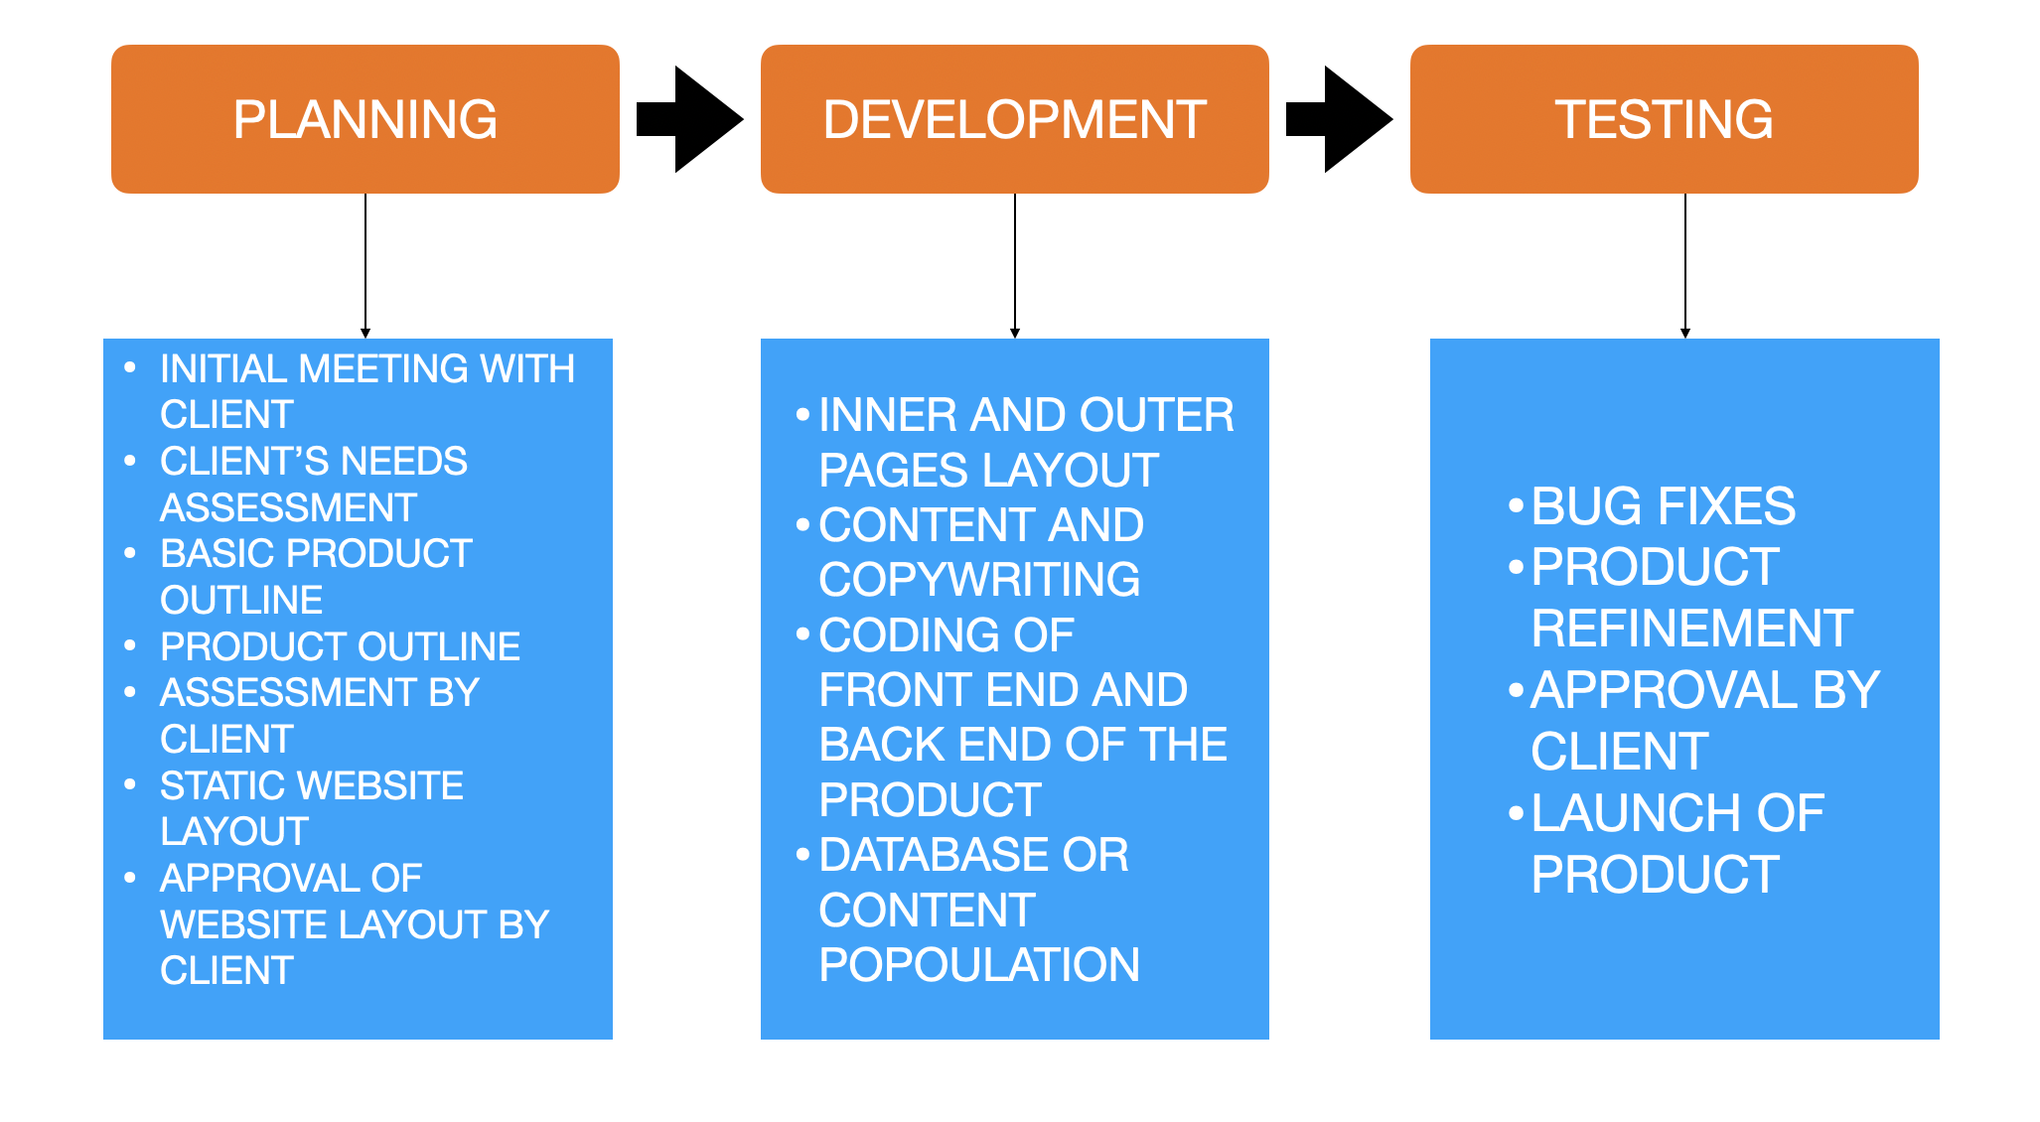
SUCCESS METRICS | 1) Ease of use by the user of the product/website. 2) Successful operation of all the use cases required by the client. 3) Streamline customer orders for the client and owner. 4) No bugs in the operation of the product/ website.
ASSUMPTIONS & CONSTRAINTS | 1) It is assumed that the system will be secure and the credit card transaction process will be similar to already existing similar websites. 2) There are time and budget constraints as the project has to be completed in 13 weeks. As the client is an undergraduate student herself, the developer team is not being provided with any monetary rewards for developing the website. 3) The team is constrained by limited expertise in software development tools. 4)The client will be providing us with the customer data and required information for the database. Apart from the usage of data, no existing customer software will be incorporated in the project; however, we might need to take a look at client’s Excel sheets containing Kahanian’s customer information. 5)The developer team might not be able to include all the features during the development phase. In that case, the developer team will inform team Kahanian beforehand. 6)The team has available resources in terms of the content to be included in the system: this includes the brand logo, design and photographed images of the released collections.
RISKS & ISSUES | - Theft of vital user information such as user credentials and billing details. - If the website accidently crashes due to server related issues, it would potentially halt the sales of the business for as long as the website is down.
RESOURCES | 1) Content Writer 2) Graphic Designer 3) Professional photographs of each clothing article(3-4 pics of each article)
ESTIMATED COST & RESOURCES | Estimated Cost Average Salary of a full stack developer in Pakistan = Rs. 1044.83/- Earnings of a software developer per month in Pakistan = Rs. 75,000/- Average hourly rate = Rs. 841/- Item Hours Budget Project Proposal 12 10,092 Proposal Presentation 8 6,728 SRS Document 25 21,025 Design Specifications and development plan 25 21,025 Development 80 67,280 QA Plan & Testing 30 25,230 Final project report 30 25,230 Presentations 8 6,728 Total Budget The total estimated budget is Rs. 183,338/- excluding hosting services. Depending on the paid hosting service used, those extra charges will be included in this final amount.
DATE | 27/01/2021

