压缩分析
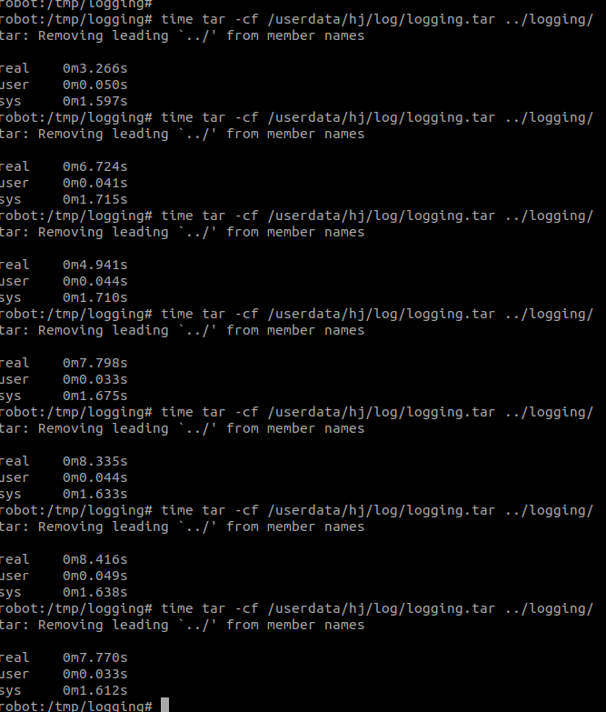
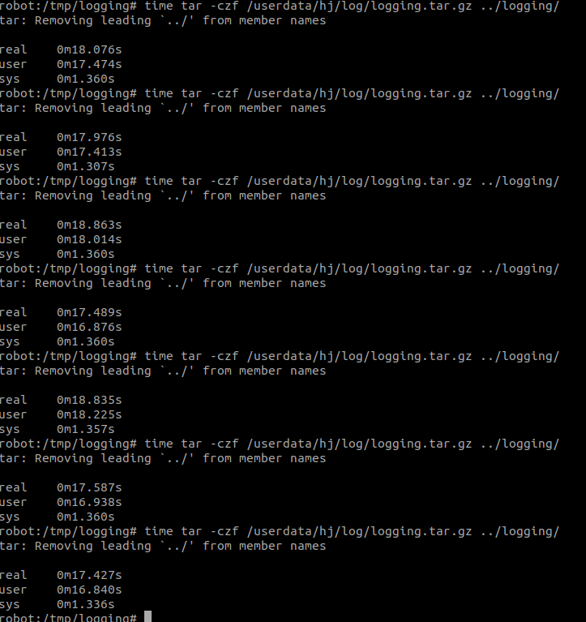
 | /userdata磁盘写速率均值：9M/s

 | 执行打包可以看出i/o读写达到瓶颈(iostat /dev/mmcblk0p8 -xy 1)

9个20M的log文件

 | 单线程打包9个文件 | 耗时：（6.2s, 10.4s, 9.6s, 6.5s, 7.8s, 5.7s, 7.4s） |  | 单线程压缩，耗时(7s, 6.9s,6.9s,6.9s,7s)
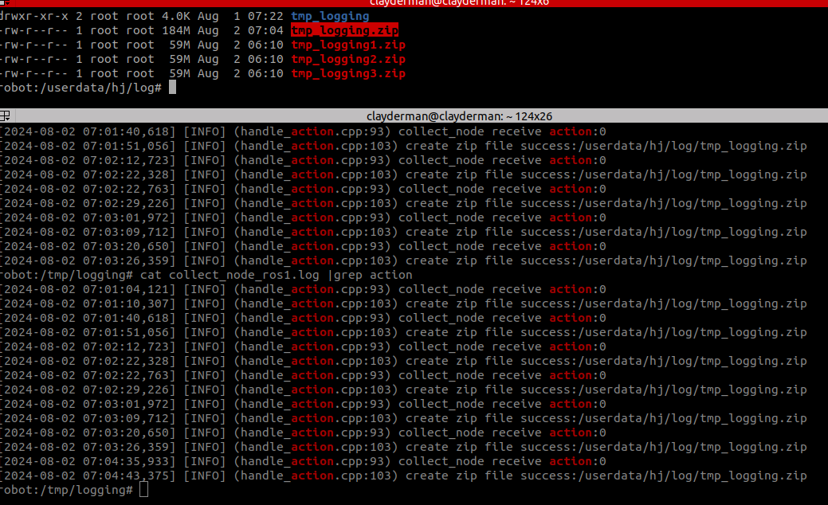

 | 3线程打包三个文件： | 耗时：（7.4s, 8.7s, 5.5s, 7.9s, 7.6s, 7.1s） |  | 三线程压缩：（3.3s，3.2s, 3.5s,3.5s,3.6s,3.4s ）
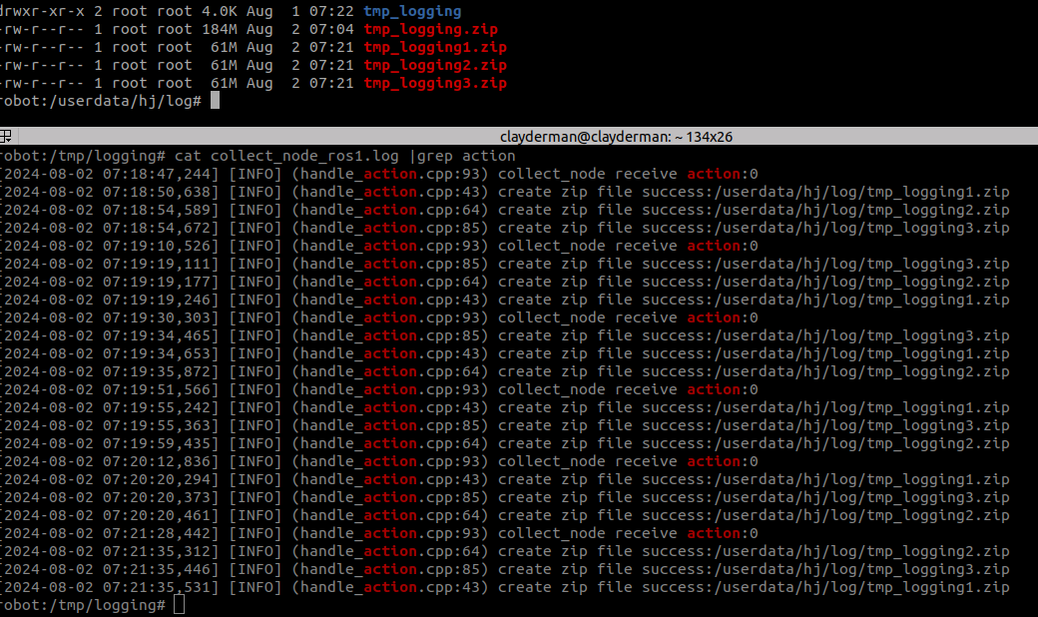
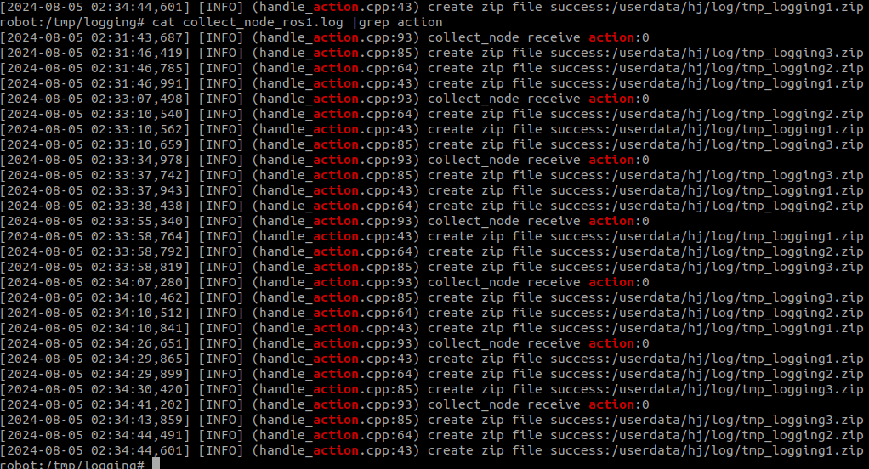

 | tar 打包：均值在7s |  | tar 压缩耗时均值17-18s

启动分析
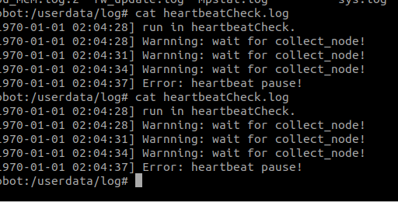
all | 8.700s |  |  |  | 1.优化utils_func构造444ms->356ms
 | 9.141s |  |  |  | 2.优化mag构造函数223ms->39ms
 | 8.999s |  |  |  | 3.collect_node启动后sleep 2s整体启动时间缩短6s
 | 9.293s
 | 9.513s
 | 8.887s
 | 8.548s
 | 8.627s

 |  |  | collect_node | 1.938s | 22 getConfigure minos time_now:1723029254124 minos get the so, name:/data/hj/lib/collect_node/./libcore_dump.so time_now:1723029254125 minos get the so, name:/data/hj/lib/collect_node/./libimu.so time_now:1723029254133 minos get the so, name:/data/hj/lib/collect_node/./libiot.so time_now:1723029254142 minos register factoryiot minos get the so, name:/data/hj/lib/collect_node/./liblog_redirect.so time_now:1723029254802 minos register factory:log_redirect minos get the so, name:/data/hj/lib/collect_node/./libmagnetometers.so time_now:1723029254809 minos get the so, name:/data/hj/lib/collect_node/./libmcu.so time_now:1723029254815 minos register factorymcu minos get the so, name:/data/hj/lib/collect_node/./libmcuota.so time_now:1723029254853 minos register factorymcuota minos get the so, name:/data/hj/lib/collect_node/./libposttunnel.so time_now:1723029254897 minos register factoryposttunnel minos get the so, name:/data/hj/lib/collect_node/./libpressure.so time_now:1723029254932 minos get the so, name:/data/hj/lib/collect_node/./libself_check.so time_now:1723029254938 minos get the so, name:/data/hj/lib/collect_node/./libturbidity.so time_now:1723029254942 minos get the so, name:/data/hj/lib/collect_node/./libulsound.so time_now:1723029254948 minos get the so, name:/data/hj/lib/collect_node/./libutils_func.so time_now:1723029254955 33 getConfigure minos time_now:1723029254972 minos success to instantiate a function ,name:magnetometers, time:1723029255198 minos success to instantiate a function ,name:turbidity, time:1723029255217 func:I2cWriteBytes, line:74, Error: Unable to send data minos success to instantiate a function ,name:pressure, time:1723029255232 minos success to instantiate a function ,name:self_check, time:1723029255232 minos success to instantiate a function ,name:mcu, time:1723029255427 minos success to instantiate a function ,name:mcuota, time:1723029255462 minos success to instantiate a function ,name:iot, time:1723029255649 minos success to ins | 没加uls初始化
 |  |  |  | 1.925s | 22 getConfigure minos time_now:1723030054569 minos get the so, name:/data/hj/lib/collect_node/./libcore_dump.so time_now:1723030054570 minos get the so, name:/data/hj/lib/collect_node/./libimu.so time_now:1723030054578 minos get the so, name:/data/hj/lib/collect_node/./libiot.so time_now:1723030054587 minos register factoryiot minos get the so, name:/data/hj/lib/collect_node/./liblog_redirect.so time_now:1723030055246 minos register factory:log_redirect minos get the so, name:/data/hj/lib/collect_node/./libmagnetometers.so time_now:1723030055254 minos get the so, name:/data/hj/lib/collect_node/./libmcu.so time_now:1723030055260 minos register factorymcu minos get the so, name:/data/hj/lib/collect_node/./libmcuota.so time_now:1723030055297 minos register factorymcuota minos get the so, name:/data/hj/lib/collect_node/./libposttunnel.so time_now:1723030055342 minos register factoryposttunnel minos get the so, name:/data/hj/lib/collect_node/./libpressure.so time_now:1723030055377 minos get the so, name:/data/hj/lib/collect_node/./libself_check.so time_now:1723030055382 minos get the so, name:/data/hj/lib/collect_node/./libturbidity.so time_now:1723030055387 minos get the so, name:/data/hj/lib/collect_node/./libulsound.so time_now:1723030055392 minos get the so, name:/data/hj/lib/collect_node/./libutils_func.so time_now:1723030055399 33 getConfigure minos time_now:1723030055416 minos success to instantiate a function ,name:core_dump, time:1723030055417 minos success to instantiate a function ,name:log_redirect, time:1723030055419 minos success to instantiate a function ,name:magnetometers, time:1723030055642 minos success to instantiate a function ,name:turbidity, time:1723030055661 func:I2cWriteBytes, line:74, Error: Unable to send data minos success to instantiate a function ,name:pressure, time:1723030055676 minos success to instantiate a function ,name:self_check, time:1723030055677 minos success to instantiate a function ,name:mcu, time:1723030055863 minos su
 |  |  |  | 1.933s | 22 getConfigure minos time_now:1723030252995 minos get the so, name:/data/hj/lib/collect_node/./libcore_dump.so time_now:1723030252997 minos get the so, name:/data/hj/lib/collect_node/./libimu.so time_now:1723030253005 minos get the so, name:/data/hj/lib/collect_node/./libiot.so time_now:1723030253014 minos register factoryiot minos get the so, name:/data/hj/lib/collect_node/./liblog_redirect.so time_now:1723030253675 minos register factory:log_redirect minos get the so, name:/data/hj/lib/collect_node/./libmagnetometers.so time_now:1723030253682 minos get the so, name:/data/hj/lib/collect_node/./libmcu.so time_now:1723030253688 minos register factorymcu minos get the so, name:/data/hj/lib/collect_node/./libmcuota.so time_now:1723030253725 minos register factorymcuota minos get the so, name:/data/hj/lib/collect_node/./libposttunnel.so time_now:1723030253770 minos register factoryposttunnel minos get the so, name:/data/hj/lib/collect_node/./libpressure.so time_now:1723030253805 minos get the so, name:/data/hj/lib/collect_node/./libself_check.so time_now:1723030253810 minos get the so, name:/data/hj/lib/collect_node/./libturbidity.so time_now:1723030253815 minos get the so, name:/data/hj/lib/collect_node/./libulsound.so time_now:1723030253820 minos get the so, name:/data/hj/lib/collect_node/./libutils_func.so time_now:1723030253827 33 getConfigure minos time_now:1723030253844 minos success to instantiate a function ,name:core_dump, time:1723030253845 minos success to instantiate a function ,name:log_redirect, time:1723030253847 minos success to instantiate a function ,name:magnetometers, time:1723030254070 minos success to instantiate a function ,name:turbidity, time:1723030254089 func:I2cWriteBytes, line:74, Error: Unable to send data minos success to instantiate a function ,name:pressure, time:1723030254105 minos success to instantiate a function ,name:self_check, time:1723030254105 minos success to instantiate a function ,name:mcu, time:1723030254292 minos su
 |  |  |  | 1.978s | 22 getConfigure minos time_now:1723030364576 minos get the so, name:/data/hj/lib/collect_node/./libcore_dump.so time_now:1723030364577 minos get the so, name:/data/hj/lib/collect_node/./libimu.so time_now:1723030364585 minos get the so, name:/data/hj/lib/collect_node/./libiot.so time_now:1723030364594 minos register factoryiot minos get the so, name:/data/hj/lib/collect_node/./liblog_redirect.so time_now:1723030365292 minos register factory:log_redirect minos get the so, name:/data/hj/lib/collect_node/./libmagnetometers.so time_now:1723030365299 minos get the so, name:/data/hj/lib/collect_node/./libmcu.so time_now:1723030365305 minos register factorymcu minos get the so, name:/data/hj/lib/collect_node/./libmcuota.so time_now:1723030365346 minos register factorymcuota minos get the so, name:/data/hj/lib/collect_node/./libposttunnel.so time_now:1723030365396 minos register factoryposttunnel minos get the so, name:/data/hj/lib/collect_node/./libpressure.so time_now:1723030365435 minos get the so, name:/data/hj/lib/collect_node/./libself_check.so time_now:1723030365440 minos get the so, name:/data/hj/lib/collect_node/./libturbidity.so time_now:1723030365445 minos get the so, name:/data/hj/lib/collect_node/./libulsound.so time_now:1723030365451 minos get the so, name:/data/hj/lib/collect_node/./libutils_func.so time_now:1723030365458 33 getConfigure minos time_now:1723030365478 minos success to instantiate a function ,name:core_dump, time:1723030365479 minos success to instantiate a function ,name:log_redirect, time:1723030365481 minos success to instantiate a function ,name:magnetometers, time:1723030365705 minos success to instantiate a function ,name:turbidity, time:1723030365724 func:I2cWriteBytes, line:74, Error: Unable to send data minos success to instantiate a function ,name:pressure, time:1723030365739 minos success to instantiate a function ,name:self_check, time:1723030365739 minos success to instantiate a function ,name:mcu, time:1723030365926 minos su
 |  |  |  | 2.005s | 22 getConfigure minos time_now:1723030661835 minos get the so, name:/data/hj/lib/collect_node/./libcore_dump.so time_now:1723030661836 minos get the so, name:/data/hj/lib/collect_node/./libiot.so time_now:1723030661844 minos register factoryiot minos get the so, name:/data/hj/lib/collect_node/./liblog_redirect.so time_now:1723030662507 minos register factory:log_redirect minos get the so, name:/data/hj/lib/collect_node/./libmagnetometers.so time_now:1723030662515 minos get the so, name:/data/hj/lib/collect_node/./libmcu.so time_now:1723030662524 minos register factorymcu minos get the so, name:/data/hj/lib/collect_node/./libmcuota.so time_now:1723030662562 minos register factorymcuota minos get the so, name:/data/hj/lib/collect_node/./libposttunnel.so time_now:1723030662606 minos register factoryposttunnel minos get the so, name:/data/hj/lib/collect_node/./libpressure.so time_now:1723030662641 minos get the so, name:/data/hj/lib/collect_node/./libself_check.so time_now:1723030662646 minos get the so, name:/data/hj/lib/collect_node/./libturbidity.so time_now:1723030662651 minos get the so, name:/data/hj/lib/collect_node/./libulsound.so time_now:1723030662656 minos get the so, name:/data/hj/lib/collect_node/./libutils_func.so time_now:1723030662663 33 getConfigure minos time_now:1723030662680 minos success to instantiate a function ,name:core_dump, time:1723030662682 minos success to instantiate a function ,name:log_redirect, time:1723030662683 minos success to instantiate a function ,name:magnetometers, time:1723030662906 minos success to instantiate a function ,name:ulsound, time:1723030662948 minos success to instantiate a function ,name:turbidity, time:1723030662987 minos success to instantiate a function ,name:pressure, time:1723030663008 minos success to instantiate a function ,name:self_check, time:1723030663008 minos success to instantiate a function ,name:mcu, time:1723030663229 minos success to instantiate a function ,name:mcuota, time:1723030663269
 |  |  |  | 2.301s | 22 getConfigure minos time_now:1723030902312 minos get the so, name:/data/hj/lib/collect_node/./libcore_dump.so time_now:1723030902315 minos get the so, name:/data/hj/lib/collect_node/./libiot.so time_now:1723030902323 minos register factoryiot minos get the so, name:/data/hj/lib/collect_node/./liblog_redirect.so time_now:1723030902984 minos register factory:log_redirect minos get the so, name:/data/hj/lib/collect_node/./libmagnetometers.so time_now:1723030902991 minos get the so, name:/data/hj/lib/collect_node/./libmcu.so time_now:1723030903001 minos register factorymcu minos get the so, name:/data/hj/lib/collect_node/./libmcuota.so time_now:1723030903039 minos register factorymcuota minos get the so, name:/data/hj/lib/collect_node/./libposttunnel.so time_now:1723030903083 minos register factoryposttunnel minos get the so, name:/data/hj/lib/collect_node/./libpressure.so time_now:1723030903118 minos get the so, name:/data/hj/lib/collect_node/./libself_check.so time_now:1723030903123 minos get the so, name:/data/hj/lib/collect_node/./libturbidity.so time_now:1723030903128 minos get the so, name:/data/hj/lib/collect_node/./libulsound.so time_now:1723030903133 minos get the so, name:/data/hj/lib/collect_node/./libutils_func.so time_now:1723030903141 33 getConfigure minos time_now:1723030903158 minos success to instantiate a function ,name:core_dump, time:1723030903159 minos success to instantiate a function ,name:log_redirect, time:1723030903161 minos success to instantiate a function ,name:magnetometers, time:1723030903385 minos success to instantiate a function ,name:ulsound, time:1723030903442 minos success to instantiate a function ,name:turbidity, time:1723030903478 func:I2cWriteBytes, line:74, Error: Unable to send data minos success to instantiate a function ,name:pressure, time:1723030903506 minos success to instantiate a function ,name:self_check, time:1723030903507 minos success to instantiate a function ,name:mcu, time:1723030903807 minos success to
 |  |  |  | 2.111s | 22 getConfigure minos time_now:1723031365563 minos get the so, name:/data/hj/lib/collect_node/./libcore_dump.so time_now:1723031365564 minos get the so, name:/data/hj/lib/collect_node/./libiot.so time_now:1723031365572 minos register factoryiot minos get the so, name:/data/hj/lib/collect_node/./liblog_redirect.so time_now:1723031366230 minos register factory:log_redirect minos get the so, name:/data/hj/lib/collect_node/./libmagnetometers.so time_now:1723031366237 minos get the so, name:/data/hj/lib/collect_node/./libmcu.so time_now:1723031366247 minos register factorymcu minos get the so, name:/data/hj/lib/collect_node/./libmcuota.so time_now:1723031366285 minos register factorymcuota minos get the so, name:/data/hj/lib/collect_node/./libposttunnel.so time_now:1723031366329 minos register factoryposttunnel minos get the so, name:/data/hj/lib/collect_node/./libpressure.so time_now:1723031366364 minos get the so, name:/data/hj/lib/collect_node/./libself_check.so time_now:1723031366369 minos get the so, name:/data/hj/lib/collect_node/./libturbidity.so time_now:1723031366374 minos get the so, name:/data/hj/lib/collect_node/./libulsound.so time_now:1723031366380 minos get the so, name:/data/hj/lib/collect_node/./libutils_func.so time_now:1723031366387 33 getConfigure minos time_now:1723031366404 minos success to instantiate a function ,name:core_dump, time:1723031366405 minos success to instantiate a function ,name:log_redirect, time:1723031366406 minos success to instantiate a function ,name:magnetometers, time:1723031366630 minos success to instantiate a function ,name:ulsound, time:1723031366673 minos success to instantiate a function ,name:turbidity, time:1723031366703 func:I2cWriteBytes, line:74, Error: Unable to send data minos success to instantiate a function ,name:pressure, time:1723031366724 minos success to instantiate a function ,name:self_check, time:1723031366724 minos success to instantiate a function ,name:mcu, time:1723031366951 minos success to
 |  |  |  | 2.123s | 22 getConfigure minos time_now:1723031576221 minos get the so, name:/data/hj/lib/collect_node/./libcore_dump.so time_now:1723031576222 minos get the so, name:/data/hj/lib/collect_node/./libiot.so time_now:1723031576230 minos register factoryiot minos get the so, name:/data/hj/lib/collect_node/./liblog_redirect.so time_now:1723031576889 minos register factory:log_redirect minos get the so, name:/data/hj/lib/collect_node/./libmagnetometers.so time_now:1723031576896 minos get the so, name:/data/hj/lib/collect_node/./libmcu.so time_now:1723031576906 minos register factorymcu minos get the so, name:/data/hj/lib/collect_node/./libmcuota.so time_now:1723031576943 minos register factorymcuota minos get the so, name:/data/hj/lib/collect_node/./libposttunnel.so time_now:1723031576988 minos register factoryposttunnel minos get the so, name:/data/hj/lib/collect_node/./libpressure.so time_now:1723031577022 minos get the so, name:/data/hj/lib/collect_node/./libself_check.so time_now:1723031577028 minos get the so, name:/data/hj/lib/collect_node/./libturbidity.so time_now:1723031577032 minos get the so, name:/data/hj/lib/collect_node/./libulsound.so time_now:1723031577038 minos get the so, name:/data/hj/lib/collect_node/./libutils_func.so time_now:1723031577045 33 getConfigure minos time_now:1723031577062 minos get dump_path:/tmp/dump_collect_node minos just a CoreDump minos success to instantiate a function ,name:core_dump, time:1723031577064 minos success to instantiate a function ,name:log_redirect, time:1723031577065 minos success to instantiate a function ,name:magnetometers, time:1723031577288 minos success to instantiate a function ,name:ulsound, time:1723031577329 minos success to instantiate a function ,name:turbidity, time:1723031577358 func:I2cWriteBytes, line:74, Error: Unable to send data minos success to instantiate a function ,name:pressure, time:1723031577380 minos success to instantiate a function ,name:self_check, time:1723031577380 minos success to instan
 |  |  |  | 2.178s | 22 getConfigure minos time_now:1723031744225 minos get the so, name:/data/hj/lib/collect_node/./libcore_dump.so time_now:1723031744227 minos get the so, name:/data/hj/lib/collect_node/./libiot.so time_now:1723031744235 minos register factoryiot minos get the so, name:/data/hj/lib/collect_node/./liblog_redirect.so time_now:1723031744893 minos register factory:log_redirect minos get the so, name:/data/hj/lib/collect_node/./libmagnetometers.so time_now:1723031744900 minos get the so, name:/data/hj/lib/collect_node/./libmcu.so time_now:1723031744910 minos register factorymcu minos get the so, name:/data/hj/lib/collect_node/./libmcuota.so time_now:1723031744947 minos register factorymcuota minos get the so, name:/data/hj/lib/collect_node/./libposttunnel.so time_now:1723031744991 minos register factoryposttunnel minos get the so, name:/data/hj/lib/collect_node/./libpressure.so time_now:1723031745026 minos get the so, name:/data/hj/lib/collect_node/./libself_check.so time_now:1723031745032 minos get the so, name:/data/hj/lib/collect_node/./libturbidity.so time_now:1723031745036 minos get the so, name:/data/hj/lib/collect_node/./libulsound.so time_now:1723031745042 minos get the so, name:/data/hj/lib/collect_node/./libutils_func.so time_now:1723031745049 33 getConfigure minos time_now:1723031745066 minos get dump_path:/tmp/dump_collect_node minos just a CoreDump minos success to instantiate a function ,name:core_dump, time:1723031745067 minos success to instantiate a function ,name:log_redirect, time:1723031745068 minos success to instantiate a function ,name:magnetometers, time:1723031745291 minos success to instantiate a function ,name:ulsound, time:1723031745334 minos success to instantiate a function ,name:turbidity, time:1723031745373 minos success to instantiate a function ,name:pressure, time:1723031745397 minos success to instantiate a function ,name:self_check, time:1723031745398 minos success to instantiate a function ,name:mcu, time:1723031745611 minos su | core_dump:8ms iot:659ms log:7ms mag:10ms mcu:37ms ota:44ms post:35ms press:6ms self:4ms tur:6ms uls:7ms utils:17ms _____ core:1ms log:2ms mag:223ms uls:43ms tur:39ms press:24ms self:1ms mcu:203ms ota:44ms iot:214ms utils:444ms post:79ms | robot:/data/hj/bin# ls -lh ../lib/collect_node/ total 11M -rw-r--r-- 1 root root 161K Aug 5 09:54 libcore_dump.so -rwxr-xr-x 1 root root 3.6M Aug 5 09:54 libiot.so -rw-r--r-- 1 root root 134K Aug 5 09:54 liblog_redirect.so -rwxr-xr-x 1 root root 100K Aug 5 09:54 libmagnetometers.so -rwxr-xr-x 1 root root 2.6M Aug 6 08:09 libmcu.so -rwxr-xr-x 1 root root 1.3M Aug 5 09:54 libmcuota.so -rwxr-xr-x 1 root root 1010K Aug 5 09:54 libposttunnel.so -rwxr-xr-x 1 root root 100K Aug 5 09:54 libpressure.so -rwxr-xr-x 1 root root 92K Aug 5 09:54 libself_check.so -rwxr-xr-x 1 root root 100K Aug 5 09:54 libturbidity.so -rwxr-xr-x 1 root root 141K Aug 5 09:54 libulsound.so -rwxr-xr-x 1 root root 1.2M Aug 7 02:45 libutils_func.so

 |  |  | midleware | 1.870s | 22 getConfigure minos time_now:1723080679115 minos get the so, name:/data/hj/lib/middleware_node/./libcharge.so time_now:1723080679117 minos get the so, name:/data/hj/lib/middleware_node/./libcore_dump.so time_now:1723080679470 minos get the so, name:/data/hj/lib/middleware_node/./libdata_manager.so time_now:1723080679479 cant find the name of function register,so=/data/hj/lib/middleware_node/./libdata_manager.so minos get the so, name:/data/hj/lib/middleware_node/./liblog_redirect.so time_now:1723080679556 minos register factory:log_redirect minos get the so, name:/data/hj/lib/middleware_node/./libota_schedule.so time_now:1723080679563 minos get the so, name:/data/hj/lib/middleware_node/./libparse_sys_com.so time_now:1723080679634 minos get the so, name:/data/hj/lib/middleware_node/./libstate_machine.so time_now:1723080679830 register factory:state_machine minos get the so, name:/data/hj/lib/middleware_node/./libtask_manage.so time_now:1723080680018 >>>register factory:task_manage 33 getConfigure minos time_now:1723080680160 minos success to instantiate a function ,name:core_dump, time:1723080680161 minos success to instantiate a function ,name:log_redirect, time:1723080680163 minos success to instantiate a function ,name:parse_sys_com, time:1723080680655 minos success to instantiate a function ,name:charge, time:1723080680672 minos success to instantiate a function ,name:ota_schedule, time:1723080680781 minos success to instantiate a function ,name:task_manage, time:1723080680981 minos success to instantiate a function ,name:state_machine, time:1723080680985 44 getConfigure minos time_now:1723080680985
 |  |  |  | 1.788s | 22 getConfigure minos time_now:1723080965302 minos get the so, name:/data/hj/lib/middleware_node/./libcharge.so time_now:1723080965302 minos get the so, name:/data/hj/lib/middleware_node/./libcore_dump.so time_now:1723080965659 minos get the so, name:/data/hj/lib/middleware_node/./libdata_manager.so time_now:1723080965667 cant find the name of function register,so=/data/hj/lib/middleware_node/./libdata_manager.so minos get the so, name:/data/hj/lib/middleware_node/./liblog_redirect.so time_now:1723080965743 minos register factory:log_redirect minos get the so, name:/data/hj/lib/middleware_node/./libota_schedule.so time_now:1723080965750 minos get the so, name:/data/hj/lib/middleware_node/./libparse_sys_com.so time_now:1723080965821 minos get the so, name:/data/hj/lib/middleware_node/./libstate_machine.so time_now:1723080965997 register factory:state_machine minos get the so, name:/data/hj/lib/middleware_node/./libtask_manage.so time_now:1723080966168 >>>register factory:task_manage 33 getConfigure minos time_now:1723080966309 minos get dump_path:/tmp/dump_middleware_node minos just a CoreDump minos success to instantiate a function ,name:core_dump, time:1723080966311 minos success to instantiate a function ,name:log_redirect, time:1723080966312 minos success to instantiate a function ,name:parse_sys_com, time:1723080966765 minos success to instantiate a function ,name:charge, time:1723080966783 minos success to instantiate a function ,name:ota_schedule, time:1723080966891 minos success to instantiate a function ,name:task_manage, time:1723080967087 minos success to instantiate a function ,name:state_machine, time:1723080967090 44 getConfigure minos time_now:1723080967090
 |  |  |  | 1.780s | 22 getConfigure minos time_now:1723081078502 minos get the so, name:/data/hj/lib/middleware_node/./libcharge.so time_now:1723081078503 minos get the so, name:/data/hj/lib/middleware_node/./libcore_dump.so time_now:1723081078856 minos get the so, name:/data/hj/lib/middleware_node/./libdata_manager.so time_now:1723081078864 cant find the name of function register,so=/data/hj/lib/middleware_node/./libdata_manager.so minos get the so, name:/data/hj/lib/middleware_node/./liblog_redirect.so time_now:1723081078941 minos register factory:log_redirect minos get the so, name:/data/hj/lib/middleware_node/./libota_schedule.so time_now:1723081078948 minos get the so, name:/data/hj/lib/middleware_node/./libparse_sys_com.so time_now:1723081079018 minos get the so, name:/data/hj/lib/middleware_node/./libstate_machine.so time_now:1723081079194 register factory:state_machine minos get the so, name:/data/hj/lib/middleware_node/./libtask_manage.so time_now:1723081079363 >>>register factory:task_manage 33 getConfigure minos time_now:1723081079504 minos get dump_path:/tmp/dump_middleware_node minos just a CoreDump minos success to instantiate a function ,name:core_dump, time:1723081079505 minos success to instantiate a function ,name:log_redirect, time:1723081079507 minos success to instantiate a function ,name:parse_sys_com, time:1723081079959 minos success to instantiate a function ,name:charge, time:1723081079977 minos success to instantiate a function ,name:ota_schedule, time:1723081080081 minos success to instantiate a function ,name:task_manage, time:1723081080278 minos success to instantiate a function ,name:state_machine, time:1723081080281 44 getConfigure minos time_now:1723081080282
 |  |  |  | 1.816s | 22 getConfigure minos time_now:1723101328484 minos get the so, name:/data/hj/lib/middleware_node/./libcharge.so time_now:1723101328485 minos get the so, name:/data/hj/lib/middleware_node/./libcore_dump.so time_now:1723101328861 minos get the so, name:/data/hj/lib/middleware_node/./libdata_manager.so time_now:1723101328869 cant find the name of function register,so=/data/hj/lib/middleware_node/./libdata_manager.so minos get the so, name:/data/hj/lib/middleware_node/./liblog_redirect.so time_now:1723101328951 minos register factory:log_redirect minos get the so, name:/data/hj/lib/middleware_node/./libota_schedule.so time_now:1723101328955 minos get the so, name:/data/hj/lib/middleware_node/./libparse_sys_com.so time_now:1723101329033 minos get the so, name:/data/hj/lib/middleware_node/./libstate_machine.so time_now:1723101329210 register factory:state_machine minos get the so, name:/data/hj/lib/middleware_node/./libtask_manage.so time_now:1723101329379 >>>register factory:task_manage 33 getConfigure minos time_now:1723101329520 minos get dump_path:/tmp/dump_middleware_node minos just a CoreDump minos success to instantiate a function ,name:core_dump, time:1723101329522 minos success to instantiate a function ,name:log_redirect, time:1723101329523 minos success to instantiate a function ,name:parse_sys_com, time:1723101329977 minos success to instantiate a function ,name:charge, time:1723101329995 minos success to instantiate a function ,name:ota_schedule, time:1723101330101 minos success to instantiate a function ,name:task_manage, time:1723101330296 minos success to instantiate a function ,name:state_machine, time:1723101330300 44 getConfigure minos time_now:1723101330300
 |  |  |  | 1.785s | 22 getConfigure minos time_now:1723101840724 minos get the so, name:/data/hj/lib/middleware_node/./libcharge.so time_now:1723101840726 minos get the so, name:/data/hj/lib/middleware_node/./libcore_dump.so time_now:1723101841076 minos get the so, name:/data/hj/lib/middleware_node/./libdata_manager.so time_now:1723101841085 cant find the name of function register,so=/data/hj/lib/middleware_node/./libdata_manager.so minos get the so, name:/data/hj/lib/middleware_node/./liblog_redirect.so time_now:1723101841161 minos register factory:log_redirect minos get the so, name:/data/hj/lib/middleware_node/./libota_schedule.so time_now:1723101841165 minos get the so, name:/data/hj/lib/middleware_node/./libparse_sys_com.so time_now:1723101841235 minos get the so, name:/data/hj/lib/middleware_node/./libstate_machine.so time_now:1723101841409 register factory:state_machine minos get the so, name:/data/hj/lib/middleware_node/./libtask_manage.so time_now:1723101841578 >>>register factory:task_manage 33 getConfigure minos time_now:1723101841718 minos get dump_path:/tmp/dump_middleware_node minos just a CoreDump minos success to instantiate a function ,name:core_dump, time:1723101841720 minos success to instantiate a function ,name:log_redirect, time:1723101841721 minos success to instantiate a function ,name:parse_sys_com, time:1723101842182 minos success to instantiate a function ,name:charge, time:1723101842200 minos success to instantiate a function ,name:ota_schedule, time:1723101842310 minos success to instantiate a function ,name:task_manage, time:1723101842505 minos success to instantiate a function ,name:state_machine, time:1723101842509 44 getConfigure minos time_now:1723101842509 |  | robot:/data/hj/bin# ls -lh ..//lib/middleware_node/ total 23M -rwxr-xr-x 1 root root 2.0M Aug 5 09:54 libcharge.so -rw-r--r-- 1 root root 161K Aug 5 09:54 libcore_dump.so -rwxr-xr-x 1 root root 2.4M Aug 5 09:54 libdata_manager.so -rwxr-xr-x 1 root root 56K Aug 8 02:08 liblog_redirect.so -rwxr-xr-x 1 root root 2.1M Aug 5 09:54 libota_schedule.so -rwxr-xr-x 1 root root 5.0M Aug 5 09:54 libparse_sys_com.so -rwxr-xr-x 1 root root 7.1M Aug 5 09:54 libstate_machine.so -rwxr-xr-x 1 root root 4.2M Aug 5 09:54 libtask_manage.so

 |  |  | planning_node | 0.671s | 22 getConfigure minos time_now:1723105413313 minos get the so, name:/data/hj/lib/planning_node/./libcore_dump.so time_now:1723105413314 minos get the so, name:/data/hj/lib/planning_node/./libhj_navi.so time_now:1723105413321 minos register factoryhj_navi minos get the so, name:/data/hj/lib/planning_node/./liblog_redirect.so time_now:1723105413698 minos register factory:log_redirect 33 getConfigure minos time_now:1723105413704 minos get dump_path:/tmp/dump_planning_node minos just a CoreDump minos success to instantiate a function ,name:core_dump, time:1723105413706 minos get cout_log_file_path:/tmp/logging minos just a LogRedirect minos success to instantiate a function ,name:log_redirect, time:1723105413707 minos success to instantiate a function ,name:hj_navi, time:1723105413984 44 getConfigure minos time_now:1723105413984
 |  |  |  | 0.676s | 22 getConfigure minos time_now:1723105556836 minos get the so, name:/data/hj/lib/planning_node/./libcore_dump.so time_now:1723105556838 minos get the so, name:/data/hj/lib/planning_node/./libhj_navi.so time_now:1723105556845 minos register factoryhj_navi minos get the so, name:/data/hj/lib/planning_node/./liblog_redirect.so time_now:1723105557225 minos register factory:log_redirect 33 getConfigure minos time_now:1723105557232 minos get dump_path:/tmp/dump_planning_node minos just a CoreDump minos success to instantiate a function ,name:core_dump, time:1723105557233 minos get cout_log_file_path:/tmp/logging minos just a LogRedirect minos success to instantiate a function ,name:log_redirect, time:1723105557235 WriteLogErrTread, file name:/tmp/logging/log_err0 minos success to instantiate a function ,name:hj_navi, time:1723105557512 44 getConfigure minos time_now:1723105557512
 |  |  |  | 0.703s | 22 getConfigure minos time_now:1723105722225 minos get the so, name:/data/hj/lib/planning_node/./libcore_dump.so time_now:1723105722227 minos get the so, name:/data/hj/lib/planning_node/./libhj_navi.so time_now:1723105722234 minos register factoryhj_navi minos get the so, name:/data/hj/lib/planning_node/./liblog_redirect.so time_now:1723105722613 minos register factory:log_redirect 33 getConfigure minos time_now:1723105722619 minos get dump_path:/tmp/dump_planning_node minos just a CoreDump minos success to instantiate a function ,name:core_dump, time:1723105722621 minos get cout_log_file_path:/tmp/logging minos just a LogRedirect minos success to instantiate a function ,name:log_redirect, time:1723105722622 WriteLogErrTread, file name:/tmp/logging/log_err0 minos success to instantiate a function ,name:hj_navi, time:1723105722928 44 getConfigure minos time_now:1723105722928
 |  |  |  | 0.675s | 22 getConfigure minos time_now:1723105793624 minos get the so, name:/data/hj/lib/planning_node/./libcore_dump.so time_now:1723105793626 minos get the so, name:/data/hj/lib/planning_node/./libhj_navi.so time_now:1723105793634 minos register factoryhj_navi minos get the so, name:/data/hj/lib/planning_node/./liblog_redirect.so time_now:1723105794012 minos register factory:log_redirect 33 getConfigure minos time_now:1723105794019 minos get dump_path:/tmp/dump_planning_node minos just a CoreDump minos success to instantiate a function ,name:core_dump, time:1723105794021 minos get cout_log_file_path:/tmp/logging minos just a LogRedirect minos success to instantiate a function ,name:log_redirect, time:1723105794022 WriteLogErrTread, file name:/tmp/logging/log_err0 minos success to instantiate a function ,name:hj_navi, time:1723105794299 44 getConfigure minos time_now:1723105794299
 |  |  |  | 0.671s | 22 getConfigure minos time_now:1723105880476 minos get the so, name:/data/hj/lib/planning_node/./libcore_dump.so time_now:1723105880477 minos get the so, name:/data/hj/lib/planning_node/./libhj_navi.so time_now:1723105880484 minos register factoryhj_navi minos get the so, name:/data/hj/lib/planning_node/./liblog_redirect.so time_now:1723105880863 minos register factory:log_redirect 33 getConfigure minos time_now:1723105880869 minos get dump_path:/tmp/dump_planning_node minos just a CoreDump minos success to instantiate a function ,name:core_dump, time:1723105880870 minos get cout_log_file_path:/tmp/logging minos just a LogRedirect minos success to instantiate a function ,name:log_redirect, time:1723105880872 WriteLogErrTread, file name:/tmp/logging/log_err0 minos success to instantiate a function ,name:hj_navi, time:1723105881147 44 getConfigure minos time_now:1723105881147 |  | robot:/data/hj/bin# ls -lh ../lib/planning_node/ total 2.9M -rw-r--r-- 1 root root 161K Aug 5 09:54 libcore_dump.so -rwxr-xr-x 1 root root 2.5M Aug 5 09:54 libhj_navi.so -rwxr-xr-x 1 root root 204K Aug 8 07:37 liblog_redirect.so robot:/data/hj/bin#

 |  |  | slam | 0.245s | 22 getConfigure minos time_now:1723106168577 minos get the so, name:/data/hj/lib/slam_node/./libaiper_slam_fusion.so time_now:1723106168578 minos register factoryaiper_slam_fusion minos get the so, name:/data/hj/lib/slam_node/./libcore_dump.so time_now:1723106168669 minos get the so, name:/data/hj/lib/slam_node/./liblog_redirect.so time_now:1723106168677 minos register factory:log_redirect 33 getConfigure minos time_now:1723106168683 minos get dump_path:/userdata/hj/log/core_dump/dump_slam_node minos just a CoreDump minos success to instantiate a function ,name:core_dump, time:1723106168687 minos get err_log_file_path:/tmp/logging/userdata/hj/log/logging/ minos get cout_log_file_path:/tmp/logging minos just a LogRedirect minos success to instantiate a function ,name:log_redirect, time:1723106168688 WriteLogErrTread, file name:/tmp/logging/userdata/hj/log/logging//log_err0 minos success to instantiate a function ,name:aiper_slam_fusion, time:1723106168822 44 getConfigure minos time_now:1723106168822
 |  |  |  | 0.243s | 22 getConfigure minos time_now:1723106324248 minos get the so, name:/data/hj/lib/slam_node/./libaiper_slam_fusion.so time_now:1723106324249 minos register factoryaiper_slam_fusion minos get the so, name:/data/hj/lib/slam_node/./libcore_dump.so time_now:1723106324339 minos get the so, name:/data/hj/lib/slam_node/./liblog_redirect.so time_now:1723106324347 minos register factory:log_redirect 33 getConfigure minos time_now:1723106324353 minos get dump_path:/userdata/hj/log/core_dump/dump_slam_node minos just a CoreDump minos success to instantiate a function ,name:core_dump, time:1723106324356 minos get err_log_file_path:/tmp/logging/userdata/hj/log/logging/ minos get cout_log_file_path:/tmp/logging minos just a LogRedirect minos success to instantiate a function ,name:log_redirect, time:1723106324358 WriteLogErrTread, file name:/tmp/logging/userdata/hj/log/logging//log_err0 minos success to instantiate a function ,name:aiper_slam_fusion, time:1723106324491 44 getConfigure minos time_now:1723106324491
 |  |  |  | 0.284s | 22 getConfigure minos time_now:1723106407727 minos get the so, name:/data/hj/lib/slam_node/./libaiper_slam_fusion.so time_now:1723106407727 minos register factoryaiper_slam_fusion minos get the so, name:/data/hj/lib/slam_node/./libcore_dump.so time_now:1723106407824 minos get the so, name:/data/hj/lib/slam_node/./liblog_redirect.so time_now:1723106407833 minos register factory:log_redirect 33 getConfigure minos time_now:1723106407841 minos get dump_path:/userdata/hj/log/core_dump/dump_slam_node minos just a CoreDump minos success to instantiate a function ,name:core_dump, time:1723106407844 minos get err_log_file_path:/tmp/logging/userdata/hj/log/logging/ minos get cout_log_file_path:/tmp/logging minos just a LogRedirect minos success to instantiate a function ,name:log_redirect, time:1723106407846 WriteLogErrTread, file name:/tmp/logging/userdata/hj/log/logging//log_err0 minos success to instantiate a function ,name:aiper_slam_fusion, time:1723106408011 44 getConfigure minos time_now:1723106408011
 |  |  |  | 0.243s | 22 getConfigure minos time_now:1723107002633 minos get the so, name:/data/hj/lib/slam_node/./libaiper_slam_fusion.so time_now:1723107002634 minos register factoryaiper_slam_fusion minos get the so, name:/data/hj/lib/slam_node/./libcore_dump.so time_now:1723107002723 minos get the so, name:/data/hj/lib/slam_node/./liblog_redirect.so time_now:1723107002731 minos register factory:log_redirect 33 getConfigure minos time_now:1723107002737 minos get dump_path:/userdata/hj/log/core_dump/dump_slam_node minos just a CoreDump minos success to instantiate a function ,name:core_dump, time:1723107002741 minos get err_log_file_path:/tmp/logging/userdata/hj/log/logging/ minos get cout_log_file_path:/tmp/logging minos just a LogRedirect minos success to instantiate a function ,name:log_redirect, time:1723107002742WriteLogErrTread, file name:/tmp/logging/userdata/hj/log/logging//log_err0 minos success to instantiate a function ,name:aiper_slam_fusion, time:1723107002876 44 getConfigure minos time_now:1723107002876
 |  |  |  | 0.242s | 22 getConfigure minos time_now:1723107122882 minos get the so, name:/data/hj/lib/slam_node/./libaiper_slam_fusion.so time_now:1723107122883 minos register factoryaiper_slam_fusion minos get the so, name:/data/hj/lib/slam_node/./libcore_dump.so time_now:1723107122972 minos get the so, name:/data/hj/lib/slam_node/./liblog_redirect.so time_now:1723107122980 minos register factory:log_redirect 33 getConfigure minos time_now:1723107122986 minos get dump_path:/userdata/hj/log/core_dump/dump_slam_node minos just a CoreDump minos success to instantiate a function ,name:core_dump, time:1723107122989 minos get err_log_file_path:/tmp/logging/userdata/hj/log/logging/ minos get cout_log_file_path:/tmp/logging minos just a LogRedirect minos success to instantiate a function ,name:log_redirect, time:1723107122991 WriteLogErrTread, file name:/tmp/logging/userdata/hj/log/logging//log_err0 minos success to instantiate a function ,name:aiper_slam_fusion, time:1723107123124 44 getConfigure minos time_now:1723107123124

 |  |  | utils | 0.125s | 22 getConfigure minos time_now:1723107226511 minos get the so, name:/data/hj/lib/utils_node/./libcore_dump.so time_now:1723107226513 minos get the so, name:/data/hj/lib/utils_node/./libhealth_monitor.so time_now:1723107226520 minos get the so, name:/data/hj/lib/utils_node/./liblog_redirect.so time_now:1723107226571 minos register factory:log_redirect 33 getConfigure minos time_now:1723107226574 minos get dump_path:/tmp/dump_utils_node minos just a CoreDump minos success to instantiate a function ,name:core_dump, time:1723107226576 minos get cout_log_file_path: minos just a LogRedirect minos success to instantiate a function ,name:log_redirect, time:1723107226577 WriteLogErrTread, file name:/tmp/logging/log_err0 minos success to instantiate a function ,name:health_monitor, time:1723107226636 44 getConfigure minos time_now:1723107226636
 |  |  |  | 0.142s | 22 getConfigure minos time_now:1723107729933 minos get the so, name:/data/hj/lib/utils_node/./libcore_dump.so time_now:1723107729934 minos get the so, name:/data/hj/lib/utils_node/./libhealth_monitor.so time_now:1723107729941 minos get the so, name:/data/hj/lib/utils_node/./liblog_redirect.so time_now:1723107729992 minos register factory:log_redirect 33 getConfigure minos time_now:1723107729996 minos get dump_path:/tmp/dump_utils_node minos just a CoreDump minos success to instantiate a function ,name:core_dump, time:1723107729997 minos get cout_log_file_path: minos just a LogRedirect minos success to instantiate a function ,name:log_redirect, time:1723107729998 WriteLogErrTread, file name:/tmp/logging/log_err0 minos success to instantiate a function ,name:health_monitor, time:1723107730057 44 getConfigure minos time_now:1723107730057
 |  |  |  | 0.112s | 22 getConfigure minos time_now:1723107807914 minos get the so, name:/data/hj/lib/utils_node/./libcore_dump.so time_now:1723107807916 minos get the so, name:/data/hj/lib/utils_node/./libhealth_monitor.so time_now:1723107807923 minos get the so, name:/data/hj/lib/utils_node/./liblog_redirect.so time_now:1723107807977 minos register factory:log_redirect 33 getConfigure minos time_now:1723107807981 minos get dump_path:/tmp/dump_utils_node minos just a CoreDump minos success to instantiate a function ,name:core_dump, time:1723107807982 minos get cout_log_file_path: minos just a LogRedirect minos success to instantiate a function ,name:log_redirect, time:1723107807984 WriteLogErrTread, file name:/tmp/logging/log_err0 minos success to instantiate a function ,name:health_monitor, time:1723107808026 44 getConfigure minos time_now:1723107808026
 |  |  |  | 0.111s | 22 getConfigure minos time_now:1723107868483 minos get the so, name:/data/hj/lib/utils_node/./libcore_dump.so time_now:1723107868485 minos get the so, name:/data/hj/lib/utils_node/./libhealth_monitor.so time_now:1723107868492 minos get the so, name:/data/hj/lib/utils_node/./liblog_redirect.so time_now:1723107868546 minos register factory:log_redirect 33 getConfigure minos time_now:1723107868549 minos get dump_path:/tmp/dump_utils_node minos just a CoreDump minos success to instantiate a function ,name:core_dump, time:1723107868550 minos get cout_log_file_path: minos just a LogRedirect minos success to instantiate a function ,name:log_redirect, time:1723107868552 WriteLogErrTread, file name:/tmp/logging/log_err0 minos success to instantiate a function ,name:health_monitor, time:1723107868594 44 getConfigure minos time_now:1723107868594
 |  |  |  | 0.110s | 22 getConfigure minos time_now:1723107916785 minos get the so, name:/data/hj/lib/utils_node/./libcore_dump.so time_now:1723107916787 minos get the so, name:/data/hj/lib/utils_node/./libhealth_monitor.so time_now:1723107916794 minos get the so, name:/data/hj/lib/utils_node/./liblog_redirect.so time_now:1723107916845 minos register factory:log_redirect 33 getConfigure minos time_now:1723107916849 minos get dump_path:/tmp/dump_utils_node minos just a CoreDump minos success to instantiate a function ,name:core_dump, time:1723107916850 minos get cout_log_file_path: minos just a LogRedirect minos success to instantiate a function ,name:log_redirect, time:1723107916852 WriteLogErrTread, file name:/tmp/logging/log_err0 minos success to instantiate a function ,name:health_monitor, time:1723107916895 44 getConfigure minos time_now:1723107916895

 |  | 1.优化构造函数 |  | mag:21ms utils:353ms all:1.549s | 22 getConfigure minos time_now:1723172772163 33 getConfigure minos time_now:1723172772833 mag can not read data from device minos success to instantiate a function ,name:magnetometers, time:1723172772854 minos success to instantiate a function ,name:ulsound, time:1723172772876 func:I2cWriteBytes, line:74, Error: Unable to send data minos success to instantiate a function ,name:pressure, time:1723172772890 minos success to instantiate a function ,name:mcu, time:1723172773085 minos success to instantiate a function ,name:self_check, time:1723172773086 minos success to instantiate a function ,name:mcuota, time:1723172773122 minos success to instantiate a function ,name:iot, time:1723172773308 minos success to instantiate a function ,name:utils_func, time:1723172773661 minos success to instantiate a function ,name:posttunnel, time:1723172773711 44 getConfigure minos time_now:1723172773712
 |  |  |  | mag:22ms utils:350ms all:1.621s | 22 getConfigure minos time_now:1723182236601 33 getConfigure minos time_now:1723182237346 minos success to instantiate a function ,name:magnetometers, time:1723182237368 minos success to instantiate a function ,name:ulsound, time:1723182237391 func:I2cWriteBytes, line:74, Error: Unable to send data minos success to instantiate a function ,name:pressure, time:1723182237405 minos success to instantiate a function ,name:mcu, time:1723182237601 minos success to instantiate a function ,name:self_check, time:1723182237601 minos success to instantiate a function ,name:mcuota, time:1723182237637 minos success to instantiate a function ,name:iot, time:1723182237818 minos success to instantiate a function ,name:utils_func, time:1723182238168 minos success to instantiate a function ,name:posttunnel, time:1723182238221 44 getConfigure minos time_now:1723182238222
 |  |  |  | mag:22ms utils:352ms all:1.731s | 22 getConfigure minos time_now:1723183079594 33 getConfigure minos time_now:1723183080343 minos success to instantiate a function ,name:magnetometers, time:1723183080365 minos success to instantiate a function ,name:ulsound, time:1723183080387 func:I2cWriteBytes, line:74, Error: Unable to send data minos success to instantiate a function ,name:pressure, time:1723183080401 minos success to instantiate a function ,name:mcu, time:1723183080596 minos success to instantiate a function ,name:self_check, time:1723183080596 minos success to instantiate a function ,name:mcuota, time:1723183080632 minos success to instantiate a function ,name:iot, time:1723183080830 minos success to instantiate a function ,name:utils_func, time:1723183081182 minos success to instantiate a function ,name:posttunnel, time:1723183081231 44 getConfigure minos time_now:1723183081231
 |  |  |  | mag:22ms utils:350ms all:1.635s | 22 getConfigure minos time_now:1723183399822 33 getConfigure minos time_now:1723183400570 minos success to instantiate a function ,name:magnetometers, time:1723183400592 minos success to instantiate a function ,name:ulsound, time:1723183400614 func:I2cWriteBytes, line:74, Error: Unable to send data minos success to instantiate a function ,name:pressure, time:1723183400628 minos success to instantiate a function ,name:mcu, time:1723183400826 minos success to instantiate a function ,name:self_check, time:1723183400826 minos success to instantiate a function ,name:mcuota, time:1723183400862 minos success to instantiate a function ,name:iot, time:1723183401052 minos success to instantiate a function ,name:utils_func, time:1723183401402 minos success to instantiate a function ,name:posttunnel, time:1723183401457 44 getConfigure minos time_now:1723183401457
 |  |  |  | mag: all:1.588s | 22 minos get the config, time_now:1796263 minos get the so, name:/data/hj/lib/collect_node/./libcore_dump.sotime_now:1796265 minos get the so, name:/data/hj/lib/collect_node/./libiot.sotime_now:1796268 minos register factoryiot minos get the so, name:/data/hj/lib/collect_node/./liblog_redirect.sotime_now:1796423 minos register factory:log_redirect minos get the so, name:/data/hj/lib/collect_node/./libmagnetometers.sotime_now:1796427 minos get the so, name:/data/hj/lib/collect_node/./libmcu.sotime_now:1796432 minos register factorymcu minos get the so, name:/data/hj/lib/collect_node/./libmcuota.sotime_now:1796478 minos register factorymcuota minos get the so, name:/data/hj/lib/collect_node/./libposttunnel.sotime_now:1796516 minos register factoryposttunnel minos get the so, name:/data/hj/lib/collect_node/./libpressure.sotime_now:1796539 minos get the so, name:/data/hj/lib/collect_node/./libself_check.sotime_now:1796543 minos get the so, name:/data/hj/lib/collect_node/./libturbidity.sotime_now:1796546 minos get the so, name:/data/hj/lib/collect_node/./libulsound.sotime_now:1796550 minos get the so, name:/data/hj/lib/collect_node/./libutils_func.sotime_now:1796555 33 minos get the config, time_now:1796576 minos get dump_path:/tmp/dump_collect_node minos Path exists:/tmp/dump_collect_node minos file_count:0 minos just a CoreDump minos success to instantiate a function ,name:core_dumptime:1796576 minos get err_log_file_path:/tmp/logging minos get cout_log_file_path:/tmp/logging minos just a LogRedirect minos success to instantiate a function ,name:log_redirecttime:1796576 minos success to instantiate a function ,name:magnetometerstime:1796576 minos success to instantiate a function ,name:ulsoundtime:1796576 minos success to instantiate a function ,name:turbiditytime:1796576 func:I2cWriteBytes, line:74, Error: Unable to send data minos success to instantiate a function ,name:pressuretime:1796576 minos success to instantiate a function ,name:self_checktime:1796576 minos su

 |  | 2.添加延时，防止I/O抢占 |  | all:5.687s all:5.844s all:6.168s all:5.873s | collect_node启动后 sleep 2 middleware启动后 sleep2 心跳链接建立在3s内

时间戳优化
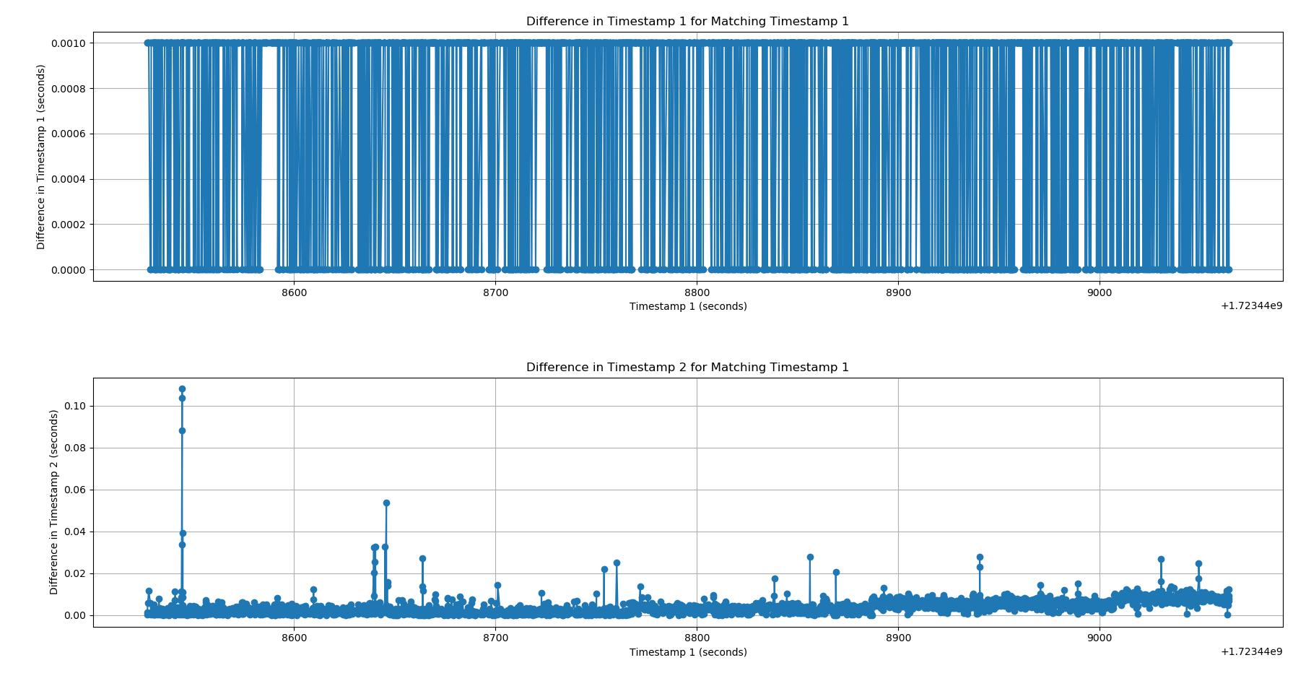
1.mcu RTC时间为基准，记录系统与MCU的时间差

55机器
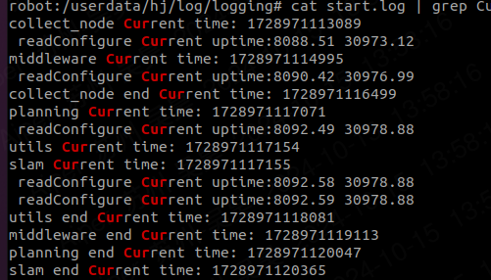
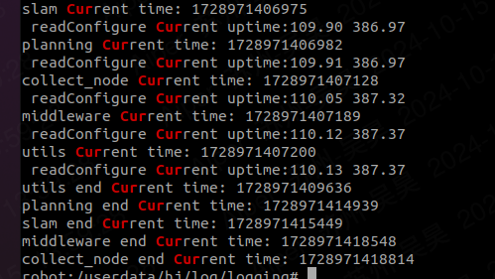
log | log | 消耗较大的地方 | 节点启动时间 | 优化后mcu和utils_funcs | log | log | 消耗较大的地方 | 节点启动时间
collect_node Current time: 1728612825299 collect_node end Current time: 1728612828116 | [2024-10-11 02:13:45,427] [INFO] (node_factory.cpp:259) 11 collect_node Current time:1728612825426 [2024-10-11 02:13:45,428] [INFO] (node_factory.cpp:273) 22 collect_node Current time:1728612825428 [2024-10-11 02:13:45,428] [INFO] (node_factory.cpp:273) 22 collect_node Current time:1728612825428 [2024-10-11 02:13:45,428] [INFO] (node_factory.cpp:273) 22 collect_node Current time:1728612825428 [2024-10-11 02:13:45,428] [INFO] (node_factory.cpp:278) minos get the so, name:/data/hj/lib/collect_node/libcore_dump.so [2024-10-11 02:13:45,436] [INFO] (node_factory.cpp:273) 22 collect_node Current time:1728612825436 [2024-10-11 02:13:45,437] [INFO] (node_factory.cpp:278) minos get the so, name:/data/hj/lib/collect_node/libiot.so [2024-10-11 02:13:46,126] [INFO] (node_factory.cpp:273) 22 collect_node Current time:1728612826126 [2024-10-11 02:13:46,126] [INFO] (node_factory.cpp:278) minos get the so, name:/data/hj/lib/collect_node/liblog_redirect.so [2024-10-11 02:13:46,133] [INFO] (node_factory.cpp:273) 22 collect_node Current time:1728612826133 [2024-10-11 02:13:46,133] [INFO] (node_factory.cpp:278) minos get the so, name:/data/hj/lib/collect_node/libmagnetometers.so [2024-10-11 02:13:46,149] [INFO] (node_factory.cpp:273) 22 collect_node Current time:1728612826149 [2024-10-11 02:13:46,149] [INFO] (node_factory.cpp:278) minos get the so, name:/data/hj/lib/collect_node/libmcu.so [2024-10-11 02:13:46,227] [INFO] (node_factory.cpp:273) 22 collect_node Current time:1728612826227 [2024-10-11 02:13:46,228] [INFO] (node_factory.cpp:278) minos get the so, name:/data/hj/lib/collect_node/libmcuota.so [2024-10-11 02:13:46,297] [INFO] (node_factory.cpp:273) 22 collect_node Current time:1728612826297 [2024-10-11 02:13:46,297] [INFO] (node_factory.cpp:278) minos get the so, name:/data/hj/lib/collect_node/libposttunnel.so [2024-10-11 02:13:46,349] [INFO] (node_factory.cpp:273) 22 collect_node Current time:1728612826348 [2024-10-11 02:13:46,349] [INFO] (node_factory.cpp:278) minos get the s | iot.so:690ms mcu构造：484ms iot构造：420ms utils_func:356ms post:226ms | 2817ms |  | collect_node Current uptime:13.92 34.30 mcu Current uptime:15.56 38.69 HandleAction Current uptime:16.15 39.75 collect_node end Current uptime:16.22 39.82 | robot:/userdata/hj/log/logging# cat collect_node_ros1.log | grep node_fac [2024-10-22 09:26:52,140] [INFO] (node_factory.cpp:274) 11 collect_node Current time:1729589212140 [2024-10-22 09:26:52,141] [INFO] (node_factory.cpp:291) 22 collect_node Current time:1729589212141, time_diff:1 [2024-10-22 09:26:52,141] [INFO] (node_factory.cpp:291) 22 collect_node Current time:1729589212141, time_diff:0 [2024-10-22 09:26:52,141] [INFO] (node_factory.cpp:291) 22 collect_node Current time:1729589212141, time_diff:0 [2024-10-22 09:26:52,141] [INFO] (node_factory.cpp:304) minos get the so, name:/data/hj/lib/collect_node/libcore_dump.so [2024-10-22 09:26:52,149] [INFO] (node_factory.cpp:291) 22 collect_node Current time:1729589212149, time_diff:8 [2024-10-22 09:26:52,150] [INFO] (node_factory.cpp:304) minos get the so, name:/data/hj/lib/collect_node/libiot.so [2024-10-22 09:26:52,774] [INFO] (node_factory.cpp:291) 22 collect_node Current time:1729589212774, time_diff:625 [2024-10-22 09:26:52,774] [INFO] (node_factory.cpp:304) minos get the so, name:/data/hj/lib/collect_node/liblog_redirect.so [2024-10-22 09:26:52,781] [INFO] (node_factory.cpp:291) 22 collect_node Current time:1729589212781, time_diff:7 [2024-10-22 09:26:52,781] [INFO] (node_factory.cpp:304) minos get the so, name:/data/hj/lib/collect_node/libmagnetometers.so [2024-10-22 09:26:52,796] [INFO] (node_factory.cpp:291) 22 collect_node Current time:1729589212796, time_diff:15 [2024-10-22 09:26:52,796] [INFO] (node_factory.cpp:304) minos get the so, name:/data/hj/lib/collect_node/libmcu.so [2024-10-22 09:26:52,875] [INFO] (node_factory.cpp:291) 22 collect_node Current time:1729589212875, time_diff:79 [2024-10-22 09:26:52,875] [INFO] (node_factory.cpp:304) minos get the so, name:/data/hj/lib/collect_node/libmcuota.so [2024-10-22 09:26:52,945] [INFO] (node_factory.cpp:291) 22 collect_node Current time:1729589212945, time_diff:70 [2024-10-22 09:26:52,945] [INFO] (node_factory.cpp:304) minos get the so, name:/data/hj/lib/coll | utils_func:87ms mcu:92ms | 2300ms
collect_node Current time: 1728613453282 collect_node end Current time: 1728613456212 | [2024-10-11 02:24:13,410] [INFO] (node_factory.cpp:259) 11 collect_node Current time:1728613453410 [2024-10-11 02:24:13,411] [INFO] (node_factory.cpp:273) 22 collect_node Current time:1728613453411 [2024-10-11 02:24:13,411] [INFO] (node_factory.cpp:273) 22 collect_node Current time:1728613453411 [2024-10-11 02:24:13,411] [INFO] (node_factory.cpp:273) 22 collect_node Current time:1728613453411 [2024-10-11 02:24:13,411] [INFO] (node_factory.cpp:278) minos get the so, name:/data/hj/lib/collect_node/libcore_dump.so [2024-10-11 02:24:13,419] [INFO] (node_factory.cpp:273) 22 collect_node Current time:1728613453419 [2024-10-11 02:24:13,420] [INFO] (node_factory.cpp:278) minos get the so, name:/data/hj/lib/collect_node/libiot.so [2024-10-11 02:24:14,124] [INFO] (node_factory.cpp:273) 22 collect_node Current time:1728613454124 [2024-10-11 02:24:14,124] [INFO] (node_factory.cpp:278) minos get the so, name:/data/hj/lib/collect_node/liblog_redirect.so [2024-10-11 02:24:14,132] [INFO] (node_factory.cpp:273) 22 collect_node Current time:1728613454132 [2024-10-11 02:24:14,132] [INFO] (node_factory.cpp:278) minos get the so, name:/data/hj/lib/collect_node/libmagnetometers.so [2024-10-11 02:24:14,149] [INFO] (node_factory.cpp:273) 22 collect_node Current time:1728613454149 [2024-10-11 02:24:14,149] [INFO] (node_factory.cpp:278) minos get the so, name:/data/hj/lib/collect_node/libmcu.so [2024-10-11 02:24:14,243] [INFO] (node_factory.cpp:273) 22 collect_node Current time:1728613454243 [2024-10-11 02:24:14,243] [INFO] (node_factory.cpp:278) minos get the so, name:/data/hj/lib/collect_node/libmcuota.so [2024-10-11 02:24:14,313] [INFO] (node_factory.cpp:273) 22 collect_node Current time:1728613454313 [2024-10-11 02:24:14,313] [INFO] (node_factory.cpp:278) minos get the so, name:/data/hj/lib/collect_node/libposttunnel.so [2024-10-11 02:24:14,366] [INFO] (node_factory.cpp:273) 22 collect_node Current time:1728613454366 [2024-10-11 02:24:14,366] [INFO] (node_factory.cpp:278) minos get the s | iot.so:705ms mcu构造：466ms iot构造：406ms utils_func:372ms post:338ms | 2930ms |  | collect_node Current uptime:12.50 30.32 mcu Current uptime:14.20 34.86 HandleAction Current uptime:14.86 35.96 collect_node end Current uptime:14.89 35.98 | [2024-10-22 10:14:45,133] [INFO] (node_factory.cpp:274) 11 collect_node Current time:1729592085133 [2024-10-22 10:14:45,134] [INFO] (node_factory.cpp:291) 22 collect_node Current time:1729592085134, time_diff:1 [2024-10-22 10:14:45,134] [INFO] (node_factory.cpp:291) 22 collect_node Current time:1729592085134, time_diff:0 [2024-10-22 10:14:45,134] [INFO] (node_factory.cpp:291) 22 collect_node Current time:1729592085134, time_diff:0 [2024-10-22 10:14:45,134] [INFO] (node_factory.cpp:304) minos get the so, name:/data/hj/lib/collect_node/libcore_dump.so [2024-10-22 10:14:45,142] [INFO] (node_factory.cpp:291) 22 collect_node Current time:1729592085142, time_diff:8 [2024-10-22 10:14:45,143] [INFO] (node_factory.cpp:304) minos get the so, name:/data/hj/lib/collect_node/libiot.so [2024-10-22 10:14:45,767] [INFO] (node_factory.cpp:291) 22 collect_node Current time:1729592085767, time_diff:625 [2024-10-22 10:14:45,767] [INFO] (node_factory.cpp:304) minos get the so, name:/data/hj/lib/collect_node/liblog_redirect.so [2024-10-22 10:14:45,774] [INFO] (node_factory.cpp:291) 22 collect_node Current time:1729592085774, time_diff:7 [2024-10-22 10:14:45,774] [INFO] (node_factory.cpp:304) minos get the so, name:/data/hj/lib/collect_node/libmagnetometers.so [2024-10-22 10:14:45,790] [INFO] (node_factory.cpp:291) 22 collect_node Current time:1729592085790, time_diff:16 [2024-10-22 10:14:45,790] [INFO] (node_factory.cpp:304) minos get the so, name:/data/hj/lib/collect_node/libmcu.so [2024-10-22 10:14:45,870] [INFO] (node_factory.cpp:291) 22 collect_node Current time:1729592085870, time_diff:80 [2024-10-22 10:14:45,870] [INFO] (node_factory.cpp:304) minos get the so, name:/data/hj/lib/collect_node/libmcuota.so [2024-10-22 10:14:45,941] [INFO] (node_factory.cpp:291) 22 collect_node Current time:1729592085941, time_diff:71 [2024-10-22 10:14:45,941] [INFO] (node_factory.cpp:304) minos get the so, name:/data/hj/lib/collect_node/libposttunnel.so [2024-10-22 10:14:45,995] [INFO] (node_factory.c | mcu构造：100ms utils_func:82ms | 2390ms
collect_node Current time: 1728613792364 collect_node end Current time: 1728613795286 | [2024-10-11 02:29:52,492] [INFO] (node_factory.cpp:259) 11 collect_node Current time:1728613792492 [2024-10-11 02:29:52,493] [INFO] (node_factory.cpp:273) 22 collect_node Current time:1728613792493 [2024-10-11 02:29:52,493] [INFO] (node_factory.cpp:273) 22 collect_node Current time:1728613792493 [2024-10-11 02:29:52,493] [INFO] (node_factory.cpp:273) 22 collect_node Current time:1728613792493 [2024-10-11 02:29:52,493] [INFO] (node_factory.cpp:278) minos get the so, name:/data/hj/lib/collect_node/libcore_dump.so [2024-10-11 02:29:52,501] [INFO] (node_factory.cpp:273) 22 collect_node Current time:1728613792501 [2024-10-11 02:29:52,501] [INFO] (node_factory.cpp:278) minos get the so, name:/data/hj/lib/collect_node/libiot.so [2024-10-11 02:29:53,201] [INFO] (node_factory.cpp:273) 22 collect_node Current time:1728613793201 [2024-10-11 02:29:53,201] [INFO] (node_factory.cpp:278) minos get the so, name:/data/hj/lib/collect_node/liblog_redirect.so [2024-10-11 02:29:53,208] [INFO] (node_factory.cpp:273) 22 collect_node Current time:1728613793208 [2024-10-11 02:29:53,208] [INFO] (node_factory.cpp:278) minos get the so, name:/data/hj/lib/collect_node/libmagnetometers.so [2024-10-11 02:29:53,227] [INFO] (node_factory.cpp:273) 22 collect_node Current time:1728613793227 [2024-10-11 02:29:53,227] [INFO] (node_factory.cpp:278) minos get the so, name:/data/hj/lib/collect_node/libmcu.so [2024-10-11 02:29:53,320] [INFO] (node_factory.cpp:273) 22 collect_node Current time:1728613793320 [2024-10-11 02:29:53,320] [INFO] (node_factory.cpp:278) minos get the so, name:/data/hj/lib/collect_node/libmcuota.so [2024-10-11 02:29:53,403] [INFO] (node_factory.cpp:273) 22 collect_node Current time:1728613793403 [2024-10-11 02:29:53,403] [INFO] (node_factory.cpp:278) minos get the so, name:/data/hj/lib/collect_node/libposttunnel.so [2024-10-11 02:29:53,466] [INFO] (node_factory.cpp:273) 22 collect_node Current time:1728613793466 [2024-10-11 02:29:53,466] [INFO] (node_factory.cpp:278) minos get the s | iot.so:700ms mcu构造：515ms iot构造：402ms utils_func:334ms post:251ms | 2922ms |  | collect_node Current uptime:13.55 33.30 mcu Current uptime:15.23 37.71 collect_node end Current uptime:15.84 38.76 HandleAction Current uptime:15.91 38.80 | [2024-10-22 10:19:29,142] [INFO] (node_factory.cpp:274) 11 collect_node Current time:1729592369142 [2024-10-22 10:19:29,143] [INFO] (node_factory.cpp:291) 22 collect_node Current time:1729592369143, time_diff:1 [2024-10-22 10:19:29,143] [INFO] (node_factory.cpp:291) 22 collect_node Current time:1729592369143, time_diff:0 [2024-10-22 10:19:29,143] [INFO] (node_factory.cpp:291) 22 collect_node Current time:1729592369143, time_diff:0 [2024-10-22 10:19:29,143] [INFO] (node_factory.cpp:304) minos get the so, name:/data/hj/lib/collect_node/libcore_dump.so [2024-10-22 10:19:29,151] [INFO] (node_factory.cpp:291) 22 collect_node Current time:1729592369151, time_diff:8 [2024-10-22 10:19:29,151] [INFO] (node_factory.cpp:304) minos get the so, name:/data/hj/lib/collect_node/libiot.so [2024-10-22 10:19:29,773] [INFO] (node_factory.cpp:291) 22 collect_node Current time:1729592369773, time_diff:622 [2024-10-22 10:19:29,774] [INFO] (node_factory.cpp:304) minos get the so, name:/data/hj/lib/collect_node/liblog_redirect.so [2024-10-22 10:19:29,782] [INFO] (node_factory.cpp:291) 22 collect_node Current time:1729592369782, time_diff:9 [2024-10-22 10:19:29,782] [INFO] (node_factory.cpp:304) minos get the so, name:/data/hj/lib/collect_node/libmagnetometers.so [2024-10-22 10:19:29,798] [INFO] (node_factory.cpp:291) 22 collect_node Current time:1729592369798, time_diff:16 [2024-10-22 10:19:29,798] [INFO] (node_factory.cpp:304) minos get the so, name:/data/hj/lib/collect_node/libmcu.so [2024-10-22 10:19:29,877] [INFO] (node_factory.cpp:291) 22 collect_node Current time:1729592369877, time_diff:79 [2024-10-22 10:19:29,877] [INFO] (node_factory.cpp:304) minos get the so, name:/data/hj/lib/collect_node/libmcuota.so [2024-10-22 10:19:29,947] [INFO] (node_factory.cpp:291) 22 collect_node Current time:1729592369947, time_diff:70 [2024-10-22 10:19:29,947] [INFO] (node_factory.cpp:304) minos get the so, name:/data/hj/lib/collect_node/libposttunnel.so [2024-10-22 10:19:29,999] [INFO] (node_factory.c | mcu构造：96ms utils_func:94ms | 2360ms
 |  |  |  |  | collect_node Current uptime:13.59 33.79 mcu Current uptime:15.27 38.24 HandleAction Current uptime:15.89 39.48 collect_node end Current uptime:15.91 39.51 | [2024-10-22 10:36:07,147] [INFO] (node_factory.cpp:518) nodeStart Current uptime:307.76 491.73 [2024-10-22 10:55:43,147] [INFO] (node_factory.cpp:274) 11 collect_node Current time:1729594543147 [2024-10-22 10:55:43,147] [INFO] (node_factory.cpp:291) 22 collect_node Current time:1729594543147, time_diff:0 [2024-10-22 10:55:43,147] [INFO] (node_factory.cpp:291) 22 collect_node Current time:1729594543147, time_diff:0 [2024-10-22 10:55:43,147] [INFO] (node_factory.cpp:291) 22 collect_node Current time:1729594543147, time_diff:0 [2024-10-22 10:55:43,148] [INFO] (node_factory.cpp:304) minos get the so, name:/data/hj/lib/collect_node/libcore_dump.so [2024-10-22 10:55:43,156] [INFO] (node_factory.cpp:291) 22 collect_node Current time:1729594543156, time_diff:9 [2024-10-22 10:55:43,156] [INFO] (node_factory.cpp:304) minos get the so, name:/data/hj/lib/collect_node/libiot.so [2024-10-22 10:55:43,778] [INFO] (node_factory.cpp:291) 22 collect_node Current time:1729594543778, time_diff:622 [2024-10-22 10:55:43,778] [INFO] (node_factory.cpp:304) minos get the so, name:/data/hj/lib/collect_node/liblog_redirect.so [2024-10-22 10:55:43,785] [INFO] (node_factory.cpp:291) 22 collect_node Current time:1729594543785, time_diff:7 [2024-10-22 10:55:43,785] [INFO] (node_factory.cpp:304) minos get the so, name:/data/hj/lib/collect_node/libmagnetometers.so [2024-10-22 10:55:43,800] [INFO] (node_factory.cpp:291) 22 collect_node Current time:1729594543800, time_diff:15 [2024-10-22 10:55:43,801] [INFO] (node_factory.cpp:304) minos get the so, name:/data/hj/lib/collect_node/libmcu.so [2024-10-22 10:55:43,881] [INFO] (node_factory.cpp:291) 22 collect_node Current time:1729594543881, time_diff:81 [2024-10-22 10:55:43,881] [INFO] (node_factory.cpp:304) minos get the so, name:/data/hj/lib/collect_node/libmcuota.so [2024-10-22 10:55:43,951] [INFO] (node_factory.cpp:291) 22 collect_node Current time:1729594543951, time_diff:70 [2024-10-22 10:55:43,951] [INFO] (node_factory.cpp:304) minos get the so, | mcu构造：91ms utils_func:94ms | 2320ms
 |  |  |  |  | collect_node Current uptime:12.57 31.03 mcu Current uptime:14.27 35.57 HandleAction Current uptime:14.82 36.78 collect_node end Current uptime:14.84 36.81 | [2024-10-22 11:12:14,116] [INFO] (node_factory.cpp:274) 11 collect_node Current time:1729595534116 [2024-10-22 11:12:14,117] [INFO] (node_factory.cpp:291) 22 collect_node Current time:1729595534117, time_diff:1 [2024-10-22 11:12:14,117] [INFO] (node_factory.cpp:291) 22 collect_node Current time:1729595534117, time_diff:0 [2024-10-22 11:12:14,117] [INFO] (node_factory.cpp:291) 22 collect_node Current time:1729595534117, time_diff:0 [2024-10-22 11:12:14,117] [INFO] (node_factory.cpp:304) minos get the so, name:/data/hj/lib/collect_node/libcore_dump.so [2024-10-22 11:12:14,125] [INFO] (node_factory.cpp:291) 22 collect_node Current time:1729595534125, time_diff:8 [2024-10-22 11:12:14,125] [INFO] (node_factory.cpp:304) minos get the so, name:/data/hj/lib/collect_node/libiot.so [2024-10-22 11:12:14,749] [INFO] (node_factory.cpp:291) 22 collect_node Current time:1729595534749, time_diff:624 [2024-10-22 11:12:14,750] [INFO] (node_factory.cpp:304) minos get the so, name:/data/hj/lib/collect_node/liblog_redirect.so [2024-10-22 11:12:14,758] [INFO] (node_factory.cpp:291) 22 collect_node Current time:1729595534758, time_diff:9 [2024-10-22 11:12:14,758] [INFO] (node_factory.cpp:304) minos get the so, name:/data/hj/lib/collect_node/libmagnetometers.so [2024-10-22 11:12:14,773] [INFO] (node_factory.cpp:291) 22 collect_node Current time:1729595534773, time_diff:15 [2024-10-22 11:12:14,774] [INFO] (node_factory.cpp:304) minos get the so, name:/data/hj/lib/collect_node/libmcu.so [2024-10-22 11:12:14,853] [INFO] (node_factory.cpp:291) 22 collect_node Current time:1729595534853, time_diff:80 [2024-10-22 11:12:14,854] [INFO] (node_factory.cpp:304) minos get the so, name:/data/hj/lib/collect_node/libmcuota.so [2024-10-22 11:12:14,924] [INFO] (node_factory.cpp:291) 22 collect_node Current time:1729595534924, time_diff:71 [2024-10-22 11:12:14,924] [INFO] (node_factory.cpp:304) minos get the so, name:/data/hj/lib/collect_node/libposttunnel.so [2024-10-22 11:12:14,978] [INFO] (node_factory.c | mcu构造：106ms utils_func:92ms | 2270ms

 | 1.utils_func:打开创建文件提取到线程中进行，sub异步创建
 | 2.posttunnel:loadFailMsgs(); 受failMsg.json影响，json文件为14K,构造989ms
 | 3.mcu sub异步创建

******************************************middleware
log | log | 消耗较大的地方 | 节点启动时间
middleware Current time: 1728636713493 middleware end Current time: 1728636716239 | [2024-10-11 08:51:53,649] [INFO] (node_factory.cpp:259) 11 collect_node Current time:1728636713649 [2024-10-11 08:51:53,651] [INFO] (node_factory.cpp:273) 22 collect_node Current time:1728636713651 [2024-10-11 08:51:53,652] [INFO] (node_factory.cpp:273) 22 collect_node Current time:1728636713652 [2024-10-11 08:51:53,652] [INFO] (node_factory.cpp:273) 22 collect_node Current time:1728636713652 [2024-10-11 08:51:53,652] [INFO] (node_factory.cpp:278) minos get the so, name:/data/hj/lib/middleware_node/libcharge.so [2024-10-11 08:51:54,109] [INFO] (node_factory.cpp:273) 22 collect_node Current time:1728636714109 [2024-10-11 08:51:54,109] [INFO] (node_factory.cpp:278) minos get the so, name:/data/hj/lib/middleware_node/libcore_dump.so [2024-10-11 08:51:54,119] [INFO] (node_factory.cpp:273) 22 collect_node Current time:1728636714119 [2024-10-11 08:51:54,120] [INFO] (node_factory.cpp:278) minos get the so, name:/data/hj/lib/middleware_node/libdata_manager.so [2024-10-11 08:51:54,224] [INFO] (node_factory.cpp:273) 22 collect_node Current time:1728636714224 [2024-10-11 08:51:54,224] [INFO] (node_factory.cpp:278) minos get the so, name:/data/hj/lib/middleware_node/liblog_redirect.so [2024-10-11 08:51:54,230] [INFO] (node_factory.cpp:273) 22 collect_node Current time:1728636714230 [2024-10-11 08:51:54,230] [INFO] (node_factory.cpp:278) minos get the so, name:/data/hj/lib/middleware_node/libota_schedule.so [2024-10-11 08:51:54,313] [INFO] (node_factory.cpp:273) 22 collect_node Current time:1728636714313 [2024-10-11 08:51:54,313] [INFO] (node_factory.cpp:278) minos get the so, name:/data/hj/lib/middleware_node/libparse_sys_com.so [2024-10-11 08:51:54,600] [INFO] (node_factory.cpp:273) 22 collect_node Current time:1728636714600 [2024-10-11 08:51:54,600] [INFO] (node_factory.cpp:278) minos get the so, name:/data/hj/lib/middleware_node/libstate_machine.so [2024-10-11 08:51:54,800] [INFO] (node_factory.cpp:273) 22 collect_node Current time:1728636714800 [2024-10-11 08:51:54,800] [IN | io read: 1232ms construct: ota_schedule:262ms parse_sys_com:664ms task_manage:192ms | 2746ms
...
******************************************utils
log | log | 消耗较大的地方 | 节点启动时间
utils Current time: 1728640436620 utils end Current time: 1728640436867 | [2024-10-11 09:53:56,756] [INFO] (node_factory.cpp:259) 11 collect_node Current time:1728640436756 [2024-10-11 09:53:56,757] [INFO] (node_factory.cpp:273) 22 collect_node Current time:1728640436757 [2024-10-11 09:53:56,758] [INFO] (node_factory.cpp:273) 22 collect_node Current time:1728640436758 [2024-10-11 09:53:56,758] [INFO] (node_factory.cpp:273) 22 collect_node Current time:1728640436758 [2024-10-11 09:53:56,758] [INFO] (node_factory.cpp:278) minos get the so, name:/data/hj/lib/utils_node/libcore_dump.so [2024-10-11 09:53:56,763] [INFO] (node_factory.cpp:273) 22 collect_node Current time:1728640436763 [2024-10-11 09:53:56,763] [INFO] (node_factory.cpp:278) minos get the so, name:/data/hj/lib/utils_node/libhealth_monitor.so [2024-10-11 09:53:56,792] [INFO] (node_factory.cpp:273) 22 collect_node Current time:1728640436792 [2024-10-11 09:53:56,792] [INFO] (node_factory.cpp:278) minos get the so, name:/data/hj/lib/utils_node/liblog_redirect.so [2024-10-11 09:53:56,796] [INFO] (node_factory.cpp:287) 55 collect_node Current time:1728640436796 [2024-10-11 09:53:56,797] [INFO] (node_factory.cpp:296) 33 collect_node Current time:1728640436797 [2024-10-11 09:53:56,799] [INFO] (node_factory.cpp:299) minos success to instantiate a function ,name:core_dump [2024-10-11 09:53:56,799] [INFO] (node_factory.cpp:296) 33 collect_node Current time:1728640436799 [2024-10-11 09:53:56,800] [INFO] (node_factory.cpp:299) minos success to instantiate a function ,name:log_redirect [2024-10-11 09:53:56,800] [INFO] (node_factory.cpp:296) 33 collect_node Current time:1728640436800 [2024-10-11 09:53:56,865] [INFO] (node_factory.cpp:299) minos success to instantiate a function ,name:health_monitor [2024-10-11 09:53:56,866] [INFO] (node_factory.cpp:305) 44 collect_node Current time:1728640436866 |  | 247ms
utils Current time: 1728640464099 utils end Current time: 1728640464373 | [2024-10-11 09:54:24,237] [INFO] (node_factory.cpp:259) 11 collect_node Current time:1728640464237 [2024-10-11 09:54:24,239] [INFO] (node_factory.cpp:273) 22 collect_node Current time:1728640464239 [2024-10-11 09:54:24,239] [INFO] (node_factory.cpp:273) 22 collect_node Current time:1728640464239 [2024-10-11 09:54:24,239] [INFO] (node_factory.cpp:273) 22 collect_node Current time:1728640464239 [2024-10-11 09:54:24,239] [INFO] (node_factory.cpp:278) minos get the so, name:/data/hj/lib/utils_node/libcore_dump.so [2024-10-11 09:54:24,248] [INFO] (node_factory.cpp:273) 22 collect_node Current time:1728640464248 [2024-10-11 09:54:24,248] [INFO] (node_factory.cpp:278) minos get the so, name:/data/hj/lib/utils_node/libhealth_monitor.so [2024-10-11 09:54:24,311] [INFO] (node_factory.cpp:273) 22 collect_node Current time:1728640464311 [2024-10-11 09:54:24,311] [INFO] (node_factory.cpp:278) minos get the so, name:/data/hj/lib/utils_node/liblog_redirect.so [2024-10-11 09:54:24,316] [INFO] (node_factory.cpp:287) 55 collect_node Current time:1728640464316 [2024-10-11 09:54:24,317] [INFO] (node_factory.cpp:296) 33 collect_node Current time:1728640464317 [2024-10-11 09:54:24,319] [INFO] (node_factory.cpp:299) minos success to instantiate a function ,name:core_dump [2024-10-11 09:54:24,319] [INFO] (node_factory.cpp:296) 33 collect_node Current time:1728640464319 [2024-10-11 09:54:24,320] [INFO] (node_factory.cpp:299) minos success to instantiate a function ,name:log_redirect [2024-10-11 09:54:24,320] [INFO] (node_factory.cpp:296) 33 collect_node Current time:1728640464320 [2024-10-11 09:54:24,372] [INFO] (node_factory.cpp:299) minos success to instantiate a function ,name:health_monitor [2024-10-11 09:54:24,373] [INFO] (node_factory.cpp:305) 44 collect_node Current time:1728640464373 |  | 272ms
utils Current time: 1728640481038 utils end Current time: 1728640481266 | [2024-10-11 09:54:41,165] [INFO] (node_factory.cpp:259) 11 collect_node Current time:1728640481165 [2024-10-11 09:54:41,166] [INFO] (node_factory.cpp:273) 22 collect_node Current time:1728640481166 [2024-10-11 09:54:41,166] [INFO] (node_factory.cpp:273) 22 collect_node Current time:1728640481166 [2024-10-11 09:54:41,166] [INFO] (node_factory.cpp:273) 22 collect_node Current time:1728640481166 [2024-10-11 09:54:41,166] [INFO] (node_factory.cpp:278) minos get the so, name:/data/hj/lib/utils_node/libcore_dump.so [2024-10-11 09:54:41,171] [INFO] (node_factory.cpp:273) 22 collect_node Current time:1728640481171 [2024-10-11 09:54:41,171] [INFO] (node_factory.cpp:278) minos get the so, name:/data/hj/lib/utils_node/libhealth_monitor.so [2024-10-11 09:54:41,204] [INFO] (node_factory.cpp:273) 22 collect_node Current time:1728640481204 [2024-10-11 09:54:41,204] [INFO] (node_factory.cpp:278) minos get the so, name:/data/hj/lib/utils_node/liblog_redirect.so [2024-10-11 09:54:41,210] [INFO] (node_factory.cpp:287) 55 collect_node Current time:1728640481210 [2024-10-11 09:54:41,210] [INFO] (node_factory.cpp:296) 33 collect_node Current time:1728640481210 [2024-10-11 09:54:41,211] [INFO] (node_factory.cpp:299) minos success to instantiate a function ,name:core_dump [2024-10-11 09:54:41,212] [INFO] (node_factory.cpp:296) 33 collect_node Current time:1728640481212 [2024-10-11 09:54:41,212] [INFO] (node_factory.cpp:299) minos success to instantiate a function ,name:log_redirect [2024-10-11 09:54:41,212] [INFO] (node_factory.cpp:296) 33 collect_node Current time:1728640481212 [2024-10-11 09:54:41,265] [INFO] (node_factory.cpp:299) minos success to instantiate a function ,name:health_monitor [2024-10-11 09:54:41,265] [INFO] (node_factory.cpp:305) 44 collect_node Current time:1728640481265 |  | 228ms

开机后重启hj_manager.sh。节点间启动不加sleep,5399ms |  |  | 开机启hj_manager.sh。节点间启动加sleep,8315ms |  |  |  | 开机启hj_manager.sh。节点间启动不加sleep,9494ms
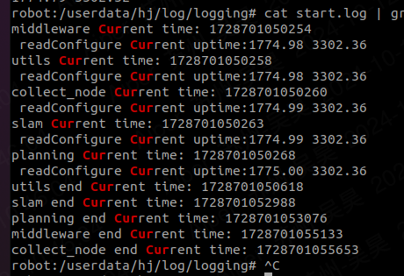
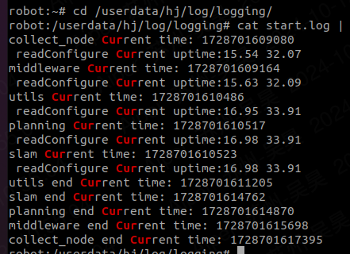
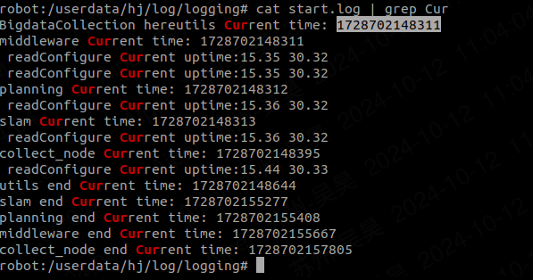

开机不默认启动hj_manager.sh，一分钟后启动，节点间加sleep, 7267ms |  |  |  | 开机不默认启动hj_manager.sh，一分钟后启动，节点间不加sleep, 11839ms

98板子
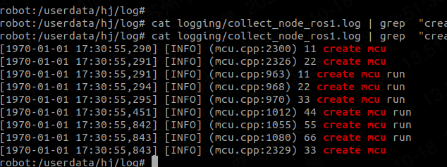
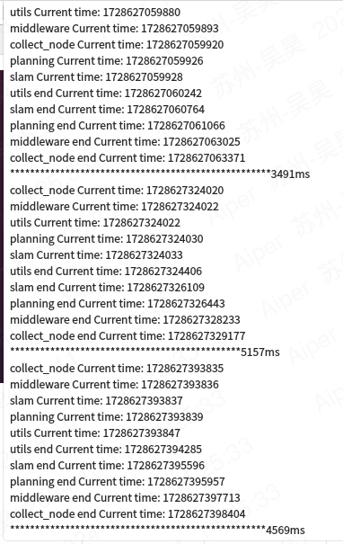
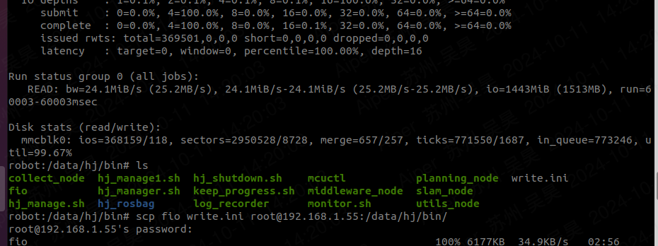

collect_node Current time: 1728628084534 collect_node end Current time: 1728628087066 | [2024-10-11 06:28:04,660] [INFO] (node_factory.cpp:259) 11 collect_node Current time:1728628084660 [2024-10-11 06:28:04,663] [INFO] (node_factory.cpp:273) 22 collect_node Current time:1728628084663 [2024-10-11 06:28:04,663] [INFO] (node_factory.cpp:273) 22 collect_node Current time:1728628084663 [2024-10-11 06:28:04,663] [INFO] (node_factory.cpp:273) 22 collect_node Current time:1728628084663 [2024-10-11 06:28:04,663] [INFO] (node_factory.cpp:278) minos get the so, name:/data/hj/lib/collect_node/libcore_dump.so [2024-10-11 06:28:04,669] [INFO] (node_factory.cpp:273) 22 collect_node Current time:1728628084669 [2024-10-11 06:28:04,669] [INFO] (node_factory.cpp:278) minos get the so, name:/data/hj/lib/collect_node/libimu.so [2024-10-11 06:28:04,678] [INFO] (node_factory.cpp:273) 22 collect_node Current time:1728628084678 [2024-10-11 06:28:04,678] [INFO] (node_factory.cpp:278) minos get the so, name:/data/hj/lib/collect_node/libiot.so [2024-10-11 06:28:05,201] [INFO] (node_factory.cpp:273) 22 collect_node Current time:1728628085201 [2024-10-11 06:28:05,202] [INFO] (node_factory.cpp:278) minos get the so, name:/data/hj/lib/collect_node/liblog_redirect.so [2024-10-11 06:28:05,207] [INFO] (node_factory.cpp:273) 22 collect_node Current time:1728628085207 [2024-10-11 06:28:05,208] [INFO] (node_factory.cpp:278) minos get the so, name:/data/hj/lib/collect_node/libmagnetometers.so [2024-10-11 06:28:05,215] [INFO] (node_factory.cpp:273) 22 collect_node Current time:1728628085215 [2024-10-11 06:28:05,215] [INFO] (node_factory.cpp:278) minos get the so, name:/data/hj/lib/collect_node/libmcu.so [2024-10-11 06:28:05,298] [INFO] (node_factory.cpp:273) 22 collect_node Current time:1728628085298 [2024-10-11 06:28:05,298] [INFO] (node_factory.cpp:278) minos get the so, name:/data/hj/lib/collect_node/libmcuota.so [2024-10-11 06:28:05,353] [INFO] (node_factory.cpp:273) 22 collect_node Current time:1728628085353 [2024-10-11 06:28:05,353] [INFO] (node_factory.cpp:278) minos get the so, name | iot.so:523ms mcu构造：473ms iot构造：320ms utils_func:269ms post:280ms | 2532ms

utils_func:

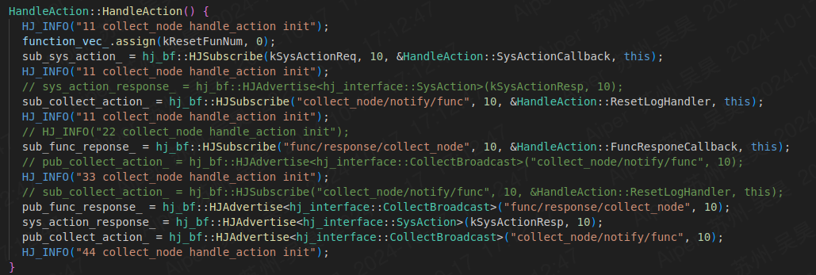

mcu： | pub:150ms, sub:391ms

