raidframes
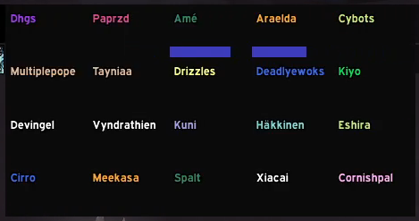
Dhgs | Paprzd | Ame | Araelda | Cybots
Multiplepope | Tayniaa | Drizzles | Deadlyewoks | Kiyo
Devingel | Vyndrathien | Kuni | Hakkinen | Eshira
Cirro | Meekasa | Spalt | Xiacai | Cornishpal

