raidframes
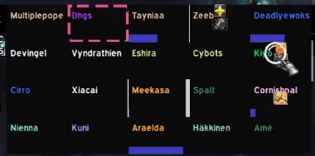
Multiplepope | Dhgs | Tayniaa | Zeebye | Deadlyewoks
Devingel | Vyndrathien | Eshira | Cybots | Kiyo
Cirro | Xiacai | Meekasa | Spalt | Cornishpal
Nienna | Kuni | Araelda | Hakkinen | Ame

