raidframes
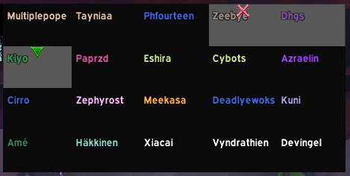
Multiplepope | Tayniaa | Phourteen | Zeebye | Dhgs
Kiyo | Paprzd | Eshira | Cybots | Azraelin
Cirro | Zephyrost | Meekasa | Deadlyewoks | Kuni
Ame | Hakkinen | Xiacai | Vyndrathien | Devingel

