raidframes
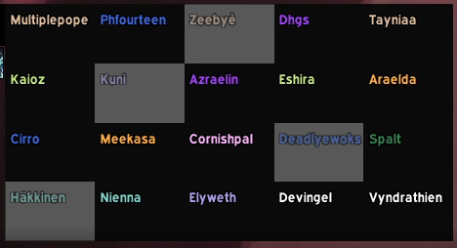
Multiplepope | Phourteen | Zeebye | Dhgs | Tayniaa
Kaioz | Kuni | Azraelin | Eshira | Araelda
Cirro | Meekasa | Cornishpal | Deadlyewoks | Spalt
Hakkinen | Nienna | Elyweth | Devingel | Vyndrathien

