raidframes
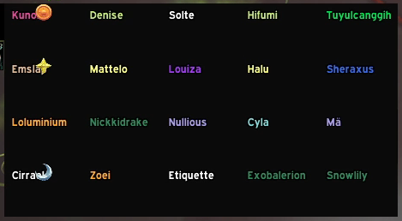
Kunono | Denise | Solte | Hifumi | Tuyulcanggih
Emslap | Mattelo | Louiza | Halu | Sheraxus
Loluminium | Nickkidrake | Nullious | Cyla | Ma
Cirrael | Zoei | Etiquette | Exobalerion | Snowlily

