raidframes
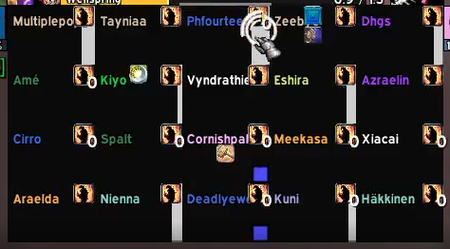
Multiplepope | Tayniaa | Phourteen | Zeebye | Dhgs
Ame | Kiyo | Vyndrathien | Eshira | Azraelin
Cirro | Spalt | Cornishpal | Meekasa | Xiacai
Araelda | Nienna | Deadlyewoks | Kuni | Hakkinen

