raidframes
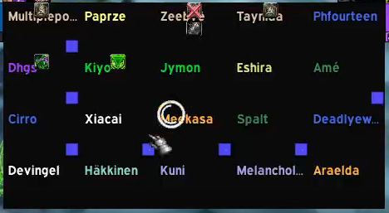
Multiplepope | Paprze | Zeebye | Tayniaa | Phourteen
Dhgs | Kiyo | Jymon | Eshira | Ame
Cirro | Xiacai | Meekasa | Spalt | Deadlyewoks
Devingel | Hakkinen | Kuni | Melancholy | Araelda

