raidframes
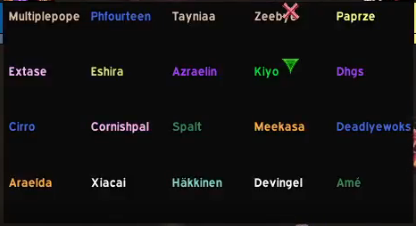
Multiplepope | Phourteen | Tayniaa | Zeebye | Paprze
Extase | Eshira | Azraelin | Kiyo | Dhgs
Cirro | Cornishpal | Spalt | Meekasa | Deadlyewoks
Araelda | Xiacai | Hakkinen | Devingel | Ame

