Sheet1
index | name | journal article | Year | abstract | 图 | description
1 | 1-Classification of patients with knee osteoarthritis in clinical phenotypes - data from the osteoarthritis initiative | PLoS One | 2018 | Objective:The existence of phenotypes has been hypothesized to explain the large heterogeneity characterizing the knee osteoarthritis. In a previous systematic review of the literature, six main phenotypes were identified: Minimal Joint Disease (MJD), Malaligned Biomechanical (MB), Chronic Pain (CP), Inflammatory (I), Metabolic Syndrome (MS) and Bone and Cartilage Metabolism (BCM). The purpose of this study was to classify a sample of individuals with knee osteoarthritis (KOA) into pre-defined groups characterized by specific variables that can be linked to different disease mechanisms, and compare these phenotypes for demographic and health outcomes. METHODS: 599 patients were selected from the OAI database FNIH at 24 months' time to conduct the study. For each phenotype, cut offs of key variables were identified matching the results from previous studies in the field and the data available for the sample. The selection process consisted of 3 steps. At the end of each step, the subjects classified were excluded from the further classification stages. Patients meeting the criteria for more than one phenotype were classified separately into a 'complex KOA' group. RESULTS: Phenotype allocation (including complex KOA) was successful for 84% of cases with an overlap of 20%. Disease duration was shorter in the MJD while the CP phenotype included a larger number of Women (81%). A significant effect of phenotypes on WOMAC pain (F = 16.736 p <0.001) and WOMAC physical function (F = 14.676, p < 0.001) was identified after controlling for disease duration. CONCLUSION: This study signifies the feasibility of a classification of KOA subjects in distinct phenotypes based on subgroup-specific characteristics. | 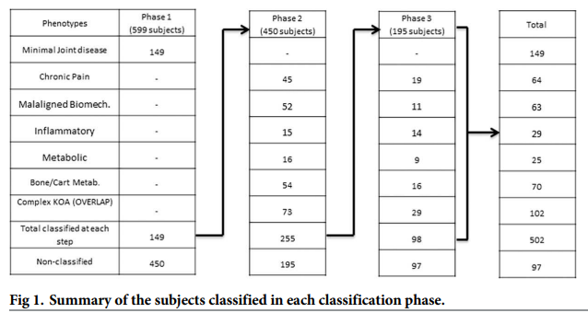 | 利用传统的方式, 手动根据某些特征来划分KOA的严重程度. 划分标准来自该领域的相关公开文献. 该文献数据部分和OA介绍部分值得借鉴
2 | Global management of patients with knee osteoarthritis begins with quality of life assessment: a systematic review | BMC Musculoskelet Disord | 2019 | BACKGROUND: Knee osteoarthritis (KOA) is a prevalent form of chronic joint disease associated with functional restrictions and pain. Activity limitations negatively impact social connectedness and psychological well-being, reducing the quality of life (QoL) of patients. The purpose of this review is to summarize the existing information on QoL in KOA patients and share the reported individual factors, which may influence it. METHODS: We conducted a systematic review examining the literature up to JAN/2017 available at MEDLINE, EMBASE, Cochrane, and PsycINFO using KOA and QOL related keywords. Inclusion criteria were QOL compared to at least one demographic factor (e.g., age, gender), lifestyle factor (e.g., functional independence), or comorbidity factor (e.g., diabetes, obesity) and a control group. Analytical methods were not considered as part of the original design. RESULTS: A total of 610 articles were reviewed, of which 62 met inclusion criteria. Instruments used to measure QoL included: SF-36, EQ-5D, KOOS, WHOQOL, HAS, AIMS, NHP and JKOM. All studies reported worse QoL in KOA patients when compared to a control group. When females were compared to males, females reported worse QOL. Obesity as well as lower level of physical activity were reported with lower QoL scores. Knee self-management programs delivered by healthcare professionals improved QoL in patients with KOA. Educational level and higher total mindfulness were reported to improve QoL whereas poverty, psychological distress, depression and lacking familial relationships reduce it. Surgical KOA interventions resulted in good to excellent outcomes generally; although, results varied by age, weight, and depression. CONCLUSION: KOA has a substantial impact on QoL. In KOA patients, QoL is also influenced by specific individual factors including gender, body weight, physical activity, mental health, and education. Importantly, education and management programs designed to support KOA patients report imp | 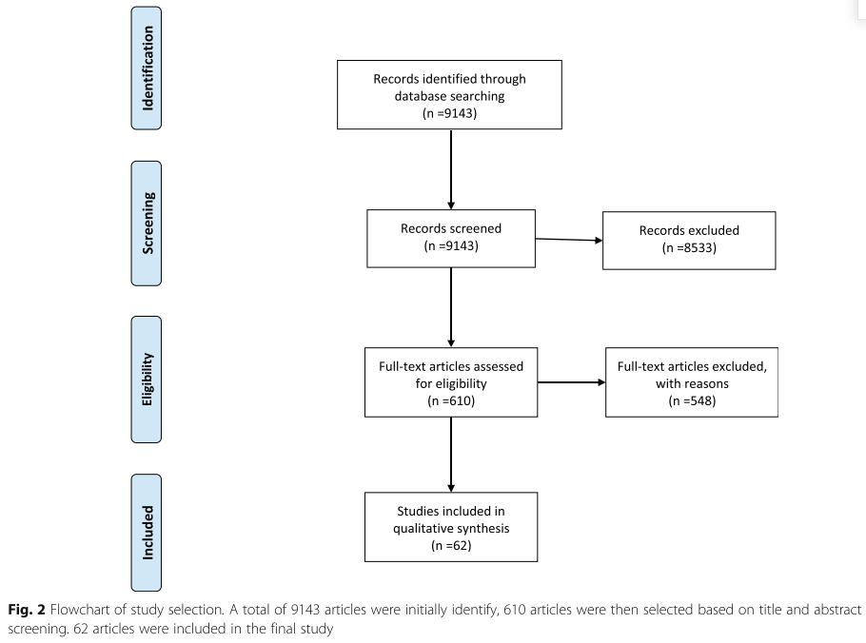 | 统计膝关节疾病对患者的影响
3 | Machine learning in knee osteoarthritis: A review | Osteoarthritis and Cartilage Open | 2020 | Summary Objective The purpose of present review paper is to introduce the reader to key directions of Machine Learning techniques on the diagnosis and predictions of knee osteoarthritis. Design This survey was based on research articles published between 2006 and 2019. The articles were divided into four categories, namely (i) predictions/regression, (ii) classification, (iii) optimum post-treatment planning techniques and (iv) segmentation. The grouping was based on the application domain of each study. Results The survey findings are reported outlining the main characteristics of the proposed learning algorithms, the application domains, the data sources investigated and the quality of the results. Conclusions Knee osteoarthritis is a big data problem in terms of data complexity, heterogeneity and size as it has been commonly considered in the literature. Machine Learning has attracted significant interest from the scientific community to cope with the aforementioned challenges and thus lead to new automated pre- or post-treatment solutions that utilize data from the greatest possible variety of sources. | 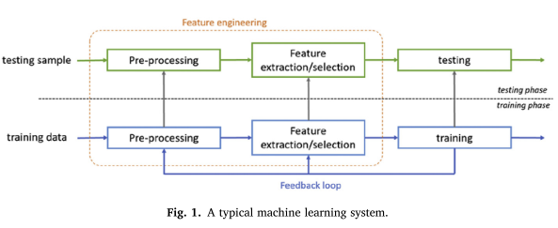 | ML在KOA上的应用综述
4 | Knee Osteoarthritis: A Primer | Perm J | 2017 | The purpose of this article is to provide a synopsis of the current medical understanding of knee osteoarthritis. We describe the prevalence, causes and associated risk factors, symptoms, diagnosis and classification, and treatment options. A quiz serves to assist readers in their understanding of the presented material. | 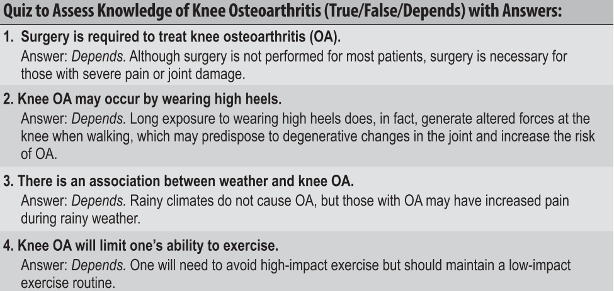 | 对KOA的入门介绍, 涉及影响因素, 诊断, 以及临床表现等.
5 | Metabolic syndrome-associated osteoarthritis | Curr Opin Rheumatol | 2017 | PURPOSE OF REVIEW: Interest in the metabolic syndrome-associated osteoarthritis phenotype is increasing. Here, we summarize recently published significant findings. RECENT FINDINGS: Meta-analyses confirmed an association between type 2 diabetes and osteoarthritis and between cardiovascular diseases and osteoarthritis. Recent advances in the study of metabolic syndrome-associated osteoarthritis have focused on a better understanding of the role of metabolic diseases in inducing or aggravating joint damage. In-vivo models of obesity, diabetes, or dyslipidemia have helped to better decipher this association. They give emerging evidence that, beyond the role of common pathogenic mechanisms for metabolic diseases and osteoarthritis (i.e., low-grade inflammation and oxidative stress), metabolic diseases have a direct systemic effect on joints. In addition to the impact of weight, obesity-associated inflammation is associated with osteoarthritis severity and may modulate osteoarthritis progression in mouse models. As well, osteoarthritis synovium from type 2 diabetic patients shows insulin-resistant features, which may participate in joint catabolism. Finally, exciting data are emerging on the association of gut microbiota and circadian rhythm and metabolic syndrome-associated osteoarthritis. SUMMARY: The systemic role of metabolic syndrome in osteoarthritis pathophysiology is now better understood, but new avenues of research are being pursued to better decipher the metabolic syndrome-associated osteoarthritis phenotype. |  | 2型糖尿病与KOA, 心血管与KOA之间存在关联关系(荟萃分析) 代谢疾病在诱导和加重关节损伤中的作用.
6 | Machine-learning-based patient-specific prediction models for knee osteoarthritis | Nat Rev Rheumatol | 2019 | Osteoarthritis (OA) is an extremely common musculoskeletal disease. However, current guidelines are not well suited for diagnosing patients in the early stages of disease and do not discriminate patients for whom the disease might progress rapidly. The most important hurdle in OA management is identifying and classifying patients who will benefit most from treatment. Further efforts are needed in patient subgrouping and developing prediction models. Conventional statistical modelling approaches exist; however, these models are limited in the amount of information they can adequately process. Comprehensive patient-specific prediction models need to be developed. Approaches such as data mining and machine learning should aid in the development of such models. Although a challenging task, technology is now available that should enable subgrouping of patients with OA and lead to improved clinical decision-making and precision medicine. | 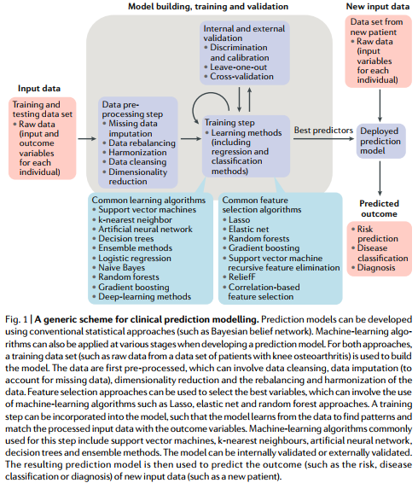 | 系统介绍机器学习技术如何在KOA疾病预测中进行应用
7 | A Novel Method to Predict Knee Osteoarthritis Progression on MRI Using Machine Learning Methods | IEEE Trans Nanobioscience | 2018 | This paper explored the hidden biomedical information from knee magnetic resonance (MR) images for osteoarthritis (OA) prediction. Method: We have computed the cartilage damage index (CDI) information from 36 informative locations on tibiofemoral cartilage compartment from 3-D MR imaging and used principal component analysis (PCA) analysis to process the feature set. Four machine learning methods (artificial neural network (ANN), support vector machine, random forest, and naïve Bayes) were employed to predict the progression of OA, which was measured by the change of Kellgren and Lawrence (KL) grade, Joint Space Narrowing on Medial compartment (JSM) grade, and Joint Space Narrowing on Lateral compartment (JSL) grade. To examine the different effects of medial and lateral informative locations, we have divided the 36-D feature set into a 18-D medial feature set and a 18-D lateral feature set and run the experiment on four classifiers separately. Experiment results showed that the medial feature set generated better prediction performance than the lateral feature set, while using the total 36-D feature set generated the best. PCA analysis is helpful in feature space reduction and performance improvement. For KL grade prediction, the best performance was achieved by ANN with AUC = 0.761 and F-measure = 0.714. For JSM grade prediction, the best performance was achieved by random forest with AUC = 0.785 and F-measure = 0.743, while for JSL grade prediction, the best performance was achieved by ANN with AUC = 0.695 and F-measure = 0.796. As experiment results showing that the informative locations on medial compartment provide more distinguishing features than informative locations on the lateral compartment, it could be considered to select more points from the medial compartment while reducing the number of points from the lateral compartment to improve clinical CDI design.
8 | Parallel Distributed Processing: Explorations in the Microstructure of Cognition: Foundations | MIT Press | 1987 |  |  | ANN提出的始祖
9 | Support-vector networks | Machine Learning | 1995 | Thesupport-vector network is a new learning machine for two-group classification problems. The machine conceptually implements the following idea: input vectors are non-linearly mapped to a very high-dimension feature space. In this feature space a linear decision surface is constructed. Special properties of the decision surface ensures high generalization ability of the learning machine. The idea behind the support-vector network was previously implemented for the restricted case where the training data can be separated without errors. We here extend this result to non-separable training data. |  | SVM提出的鼻祖
10 | Idiot's Bayes: Not So Stupid after All? | International Statistical Review |  | Folklore has it that a very simple supervised classification rule, based on the typically false assumption that the predictor variables are independent, can be highly effective, and often more effective than sophisticated rules. We examine the evidence for this, both empirical, as observed in real data applications, and theoretical, summarising explanations for why this simple rule might be effective. /// La tradition veut qu'une r&#xe8;gle tr&#xe8;s simple assumant l'independance des variables pr&#xe9;dictives, une hypoth&#xe8;se fausse dans la plupart des cas, peut &#xea;tre tr&#xe8;s efficace, souvent m&#xea;me plus efficace qu'une m&#xe9;thode plus sophistiqu&#xe9;e en ce qui concerne l'attribution de classes a un groupe d'objects. A ce sujet, nous examinons les preuves empiriques, observ&#xe9;es sur des donn&#xe9;es r&#xe9;elles, et les preuves th&#xe9;oriques, c'est-a-dire les raisons pour lesquelles cette simple r&#xe8;gle pourrait faciliter le processus de tri. | 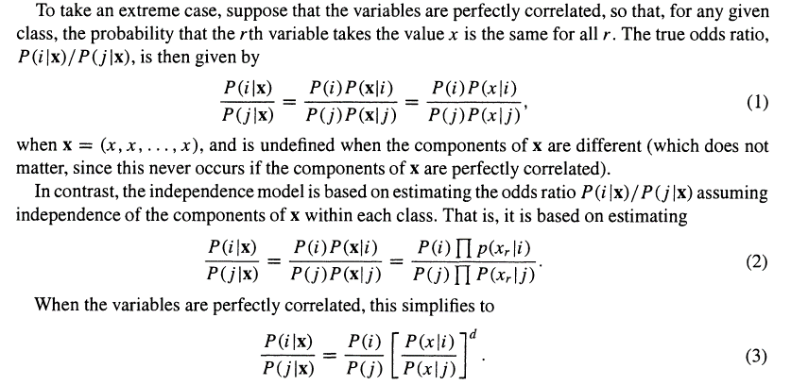 | 贝叶斯算法鼻祖
11 | A machine learning approach for the identification of new biomarkers for knee osteoarthritis development in overweight and obese women | Osteoarthritis Cartilage |  | OBJECTIVE: Knee osteoarthritis (OA) is among the higher contributors to global disability. Despite its high prevalence, currently, there is no cure for this disease. Furthermore, the available diagnostic approaches have large precision errors and low sensitivity. Therefore, there is a need for new biomarkers to correctly identify early knee OA. METHOD: We have created an analytics pipeline based on machine learning to identify small models (having few variables) that predict the 30-months incidence of knee OA (using multiple clinical and structural OA outcome measures) in overweight middle-aged women without knee OA at baseline. The data included clinical variables, food and pain questionnaires, biochemical markers (BM) and imaging-based information. RESULTS: All the models showed high performance (AUC > 0.7) while using only a few variables. We identified both the importance of each variable within the models as well its direction. Finally, we compared the performance of two models with the state-of-the-art approaches available in the literature. CONCLUSIONS: We showed the potential of applying machine learning to generate predictive models for the knee OA incidence. Imaging-based information were found particularly important in the proposed models. Furthermore, our analysis confirmed the relevance of known BM for knee OA. Overall, we propose five highly predictive small models that can be possibly adopted for an early prediction of knee OA. | 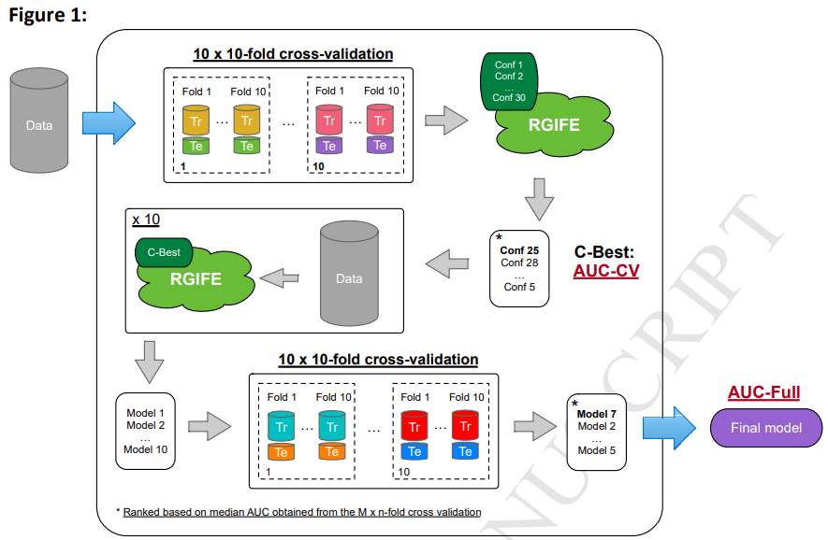 | 专注于关键变量（包括生物标志物）的识别及其在KOA预测模型中的结合。他们使用了5中事件KOA的结果测量方法，包括内侧关节间歇狭窄（JSN），但该研究仅限于超重和配胖的女性

