Sheet1
index | name | journal article | Year | abstract | 图 | description
1 | 1-Classification of patients with knee osteoarthritis in clinical phenotypes - data from the osteoarthritis initiative | PLoS One | 2018 | Objective:The existence of phenotypes has been hypothesized to explain the large heterogeneity characterizing the knee osteoarthritis. In a previous systematic review of the literature, six main phenotypes were identified: Minimal Joint Disease (MJD), Malaligned Biomechanical (MB), Chronic Pain (CP), Inflammatory (I), Metabolic Syndrome (MS) and Bone and Cartilage Metabolism (BCM). The purpose of this study was to classify a sample of individuals with knee osteoarthritis (KOA) into pre-defined groups characterized by specific variables that can be linked to different disease mechanisms, and compare these phenotypes for demographic and health outcomes. METHODS: 599 patients were selected from the OAI database FNIH at 24 months' time to conduct the study. For each phenotype, cut offs of key variables were identified matching the results from previous studies in the field and the data available for the sample. The selection process consisted of 3 steps. At the end of each step, the subjects classified were excluded from the further classification stages. Patients meeting the criteria for more than one phenotype were classified separately into a 'complex KOA' group. RESULTS: Phenotype allocation (including complex KOA) was successful for 84% of cases with an overlap of 20%. Disease duration was shorter in the MJD while the CP phenotype included a larger number of Women (81%). A significant effect of phenotypes on WOMAC pain (F = 16.736 p <0.001) and WOMAC physical function (F = 14.676, p < 0.001) was identified after controlling for disease duration. CONCLUSION: This study signifies the feasibility of a classification of KOA subjects in distinct phenotypes based on subgroup-specific characteristics. | 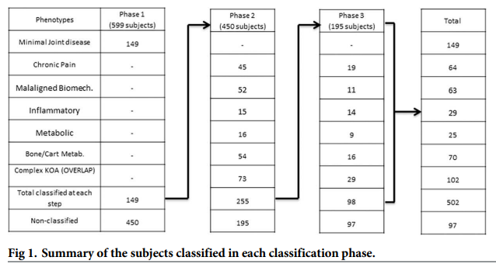 | 利用传统的方式, 手动根据某些特征来划分KOA的严重程度. 划分标准来自该领域的相关公开文献. 该文献数据部分和OA介绍部分值得借鉴
2 | Global management of patients with knee osteoarthritis begins with quality of life assessment: a systematic review | BMC Musculoskelet Disord | 2019 | BACKGROUND: Knee osteoarthritis (KOA) is a prevalent form of chronic joint disease associated with functional restrictions and pain. Activity limitations negatively impact social connectedness and psychological well-being, reducing the quality of life (QoL) of patients. The purpose of this review is to summarize the existing information on QoL in KOA patients and share the reported individual factors, which may influence it. METHODS: We conducted a systematic review examining the literature up to JAN/2017 available at MEDLINE, EMBASE, Cochrane, and PsycINFO using KOA and QOL related keywords. Inclusion criteria were QOL compared to at least one demographic factor (e.g., age, gender), lifestyle factor (e.g., functional independence), or comorbidity factor (e.g., diabetes, obesity) and a control group. Analytical methods were not considered as part of the original design. RESULTS: A total of 610 articles were reviewed, of which 62 met inclusion criteria. Instruments used to measure QoL included: SF-36, EQ-5D, KOOS, WHOQOL, HAS, AIMS, NHP and JKOM. All studies reported worse QoL in KOA patients when compared to a control group. When females were compared to males, females reported worse QOL. Obesity as well as lower level of physical activity were reported with lower QoL scores. Knee self-management programs delivered by healthcare professionals improved QoL in patients with KOA. Educational level and higher total mindfulness were reported to improve QoL whereas poverty, psychological distress, depression and lacking familial relationships reduce it. Surgical KOA interventions resulted in good to excellent outcomes generally; although, results varied by age, weight, and depression. CONCLUSION: KOA has a substantial impact on QoL. In KOA patients, QoL is also influenced by specific individual factors including gender, body weight, physical activity, mental health, and education. Importantly, education and management programs designed to support KOA patients report imp | 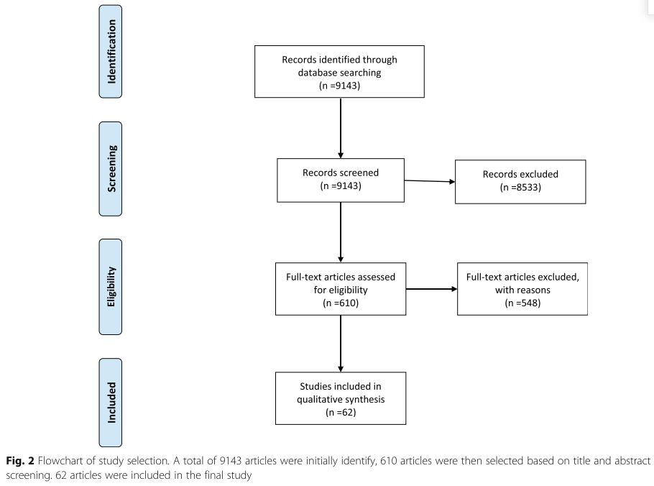 | 统计膝关节疾病对患者的影响
3 | Machine learning in knee osteoarthritis: A review | Osteoarthritis and Cartilage Open | 2020 | Summary Objective The purpose of present review paper is to introduce the reader to key directions of Machine Learning techniques on the diagnosis and predictions of knee osteoarthritis. Design This survey was based on research articles published between 2006 and 2019. The articles were divided into four categories, namely (i) predictions/regression, (ii) classification, (iii) optimum post-treatment planning techniques and (iv) segmentation. The grouping was based on the application domain of each study. Results The survey findings are reported outlining the main characteristics of the proposed learning algorithms, the application domains, the data sources investigated and the quality of the results. Conclusions Knee osteoarthritis is a big data problem in terms of data complexity, heterogeneity and size as it has been commonly considered in the literature. Machine Learning has attracted significant interest from the scientific community to cope with the aforementioned challenges and thus lead to new automated pre- or post-treatment solutions that utilize data from the greatest possible variety of sources. | 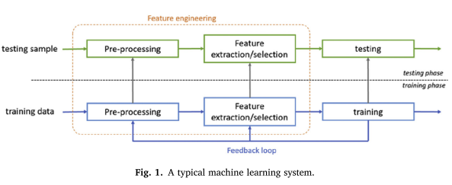 | ML在KOA上的应用综述
4 | Knee Osteoarthritis: A Primer | Perm J | 2017 | The purpose of this article is to provide a synopsis of the current medical understanding of knee osteoarthritis. We describe the prevalence, causes and associated risk factors, symptoms, diagnosis and classification, and treatment options. A quiz serves to assist readers in their understanding of the presented material. | 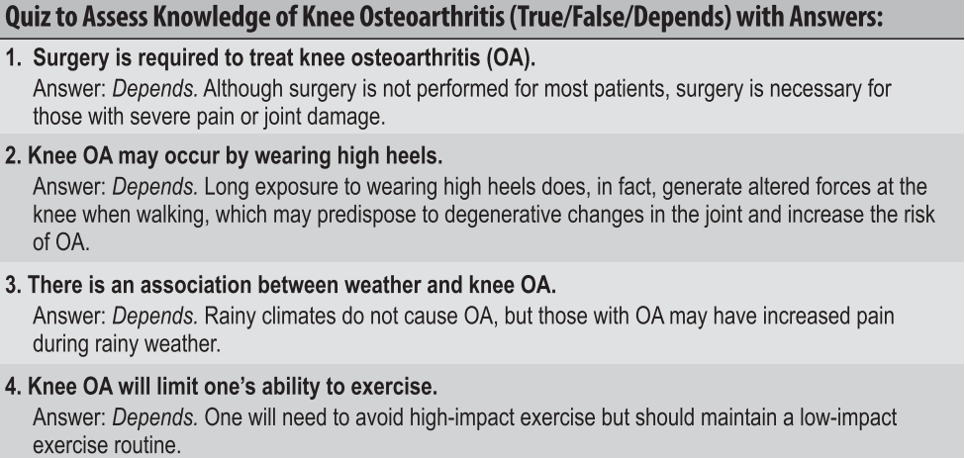 | 对KOA的入门介绍, 涉及影响因素, 诊断, 以及临床表现等.

