Sheet1
 | Activity | Description | Immediate Predecessor | Time (Weeks)
 |  |  |  | Optimistic (a) | Most Likely (m) | Pessimistic (b)
 | A | Determine required equipments | - | 4 | 6 | 8
 | B | Get proposals from vendor | - | 6 | 8 | 16
 | C | Select vendor | A,B | 2 | 4 | 6
 | D | Order system | C | 8 | 10 | 24
 | E | Determine warehouse layout | C | 7 | 10 | 13
 | F | Design warehouse | E | 4 | 6 | 8
 | G | Design computer interface | C | 4 | 6 | 20
 | H | Interface computer | D,F,G | 4 | 6 | 8
 | I | Install system | D,F | 4 | 6 | 14
 | J | Train system operators | H | 3 | 4 | 5
 | K | Test system | I,J | 2 | 4 | 6

STEP - 1 | A project network is a graphical representation that illustrates which activity to begin the project with and then which acticvites to proceed with for the entire project. This project network of warehouse automation begins with activity A and B and ends with completion of activity K. The illustration of project network is as follows :

A(6)
D(12)

START
1
2
C(4)
3
E(10)
4
F(6)
5
I(7)
7
K(4)
8
FINISH

J(4)
B(9)
G(8)
H(6)
6

STEP - 2 | The project network can be used to find out the expected project completion time. Calculate the expected duration of each activity : t = (a+4m+b)/6

 | Activity | Description | Immediate Predecessor | Time (Weeks) |  |  | Expected time (t), weeks
 |  |  |  | Optimistic (a) | Most Likely (m) | Pessimistic (b)
 | A | Determine required equipments | - | 4 | 6 | 8 | 6
 | B | Get proposals from vendor | - | 6 | 8 | 16 | 9
 | C | Select vendor | A,B | 2 | 4 | 6 | 4
 | D | Order system | C | 8 | 10 | 24 | 12
 | E | Determine warehouse layout | C | 7 | 10 | 13 | 10
 | F | Design warehouse | E | 4 | 6 | 8 | 6
 | G | Design computer interface | C | 4 | 6 | 20 | 8
 | H | Interface computer | D,F,G | 4 | 6 | 8 | 6
 | I | Install system | D,F | 4 | 6 | 14 | 7
 | J | Train system operators | H | 3 | 4 | 5 | 4
 | K | Test system | I,J | 2 | 4 | 6 | 4

STEP - 3 | Compute the variance in activity times for each activity σ2 using the formula : σ2 = [(b-a)/6]^2

 | Activity | Description | Immediate Predecessor | Time (Weeks) |  |  | Variance (σ2)
 |  |  |  | Optimistic (a) | Most Likely (m) | Pessimistic (b)
 | A | Determine required equipments | - | 4 | 6 | 8 | 0.44
 | B | Get proposals from vendor | - | 6 | 8 | 16 | 2.78
 | C | Select vendor | A,B | 2 | 4 | 6 | 0.44
 | D | Order system | C | 8 | 10 | 24 | 7.11
 | E | Determine warehouse layout | C | 7 | 10 | 13 | 1.00
 | F | Design warehouse | E | 4 | 6 | 8 | 0.44
 | G | Design computer interface | C | 4 | 6 | 20 | 7.11
 | H | Interface computer | D,F,G | 4 | 6 | 8 | 0.44
 | I | Install system | D,F | 4 | 6 | 14 | 2.78
 | J | Train system operators | H | 3 | 4 | 5 | 0.11
 | K | Test system | I,J | 2 | 4 | 6 | 0.44

STEP - 4 | Activity wise schedule :

 | Activity | Immediate Predecessor | Expected time (t), weeks | Earliest Start Time (EST) | Earliest Finish Time (EFT) | Latest Start Time (LST) | Latest Finish Time (LFT)

 | A | - | 6 | 0 | 6 | 3 | 9
 | B | - | 9 | 0 | 9 | 0 | 9
 | C | A,B | 4 | 9 | 13 | 9 | 13
 | D | C | 12 | 13 | 25 | 17 | 29
 | E | C | 10 | 13 | 23 | 13 | 23
 | F | E | 6 | 23 | 29 | 23 | 29
 | G | C | 8 | 13 | 21 | 21 | 29
 | H | D,F,G | 6 | 29 | 35 | 29 | 35
 | I | D,F | 7 | 29 | 36 | 32 | 39
 | J | H | 4 | 35 | 39 | 35 | 39
 | K | I,J | 4 | 39 | 43 | 39 | 43

STEP - 5 | Determine slack (S) and critical path (CP).

 | Activity | Immediate Predecessor | Expected time (t), weeks | Earliest Start Time (EST) | Earliest Finish Time (EFT) | Latest Start Time (LST) | Latest Finish Time (LFT) | Slack (S) | Critical Path (CP) | CONDITIONS FOR CRITICAL PATH - 1) EST = LST, for start 2) EST = LST, for finish 3) EFT - EST = LFT - LST = Expected time

 | A | - | 6 | 0 | 6 | 3 | 9 | 3 | -
 | B | - | 9 | 0 | 9 | 0 | 9 | 0 | YES
 | C | A,B | 4 | 9 | 13 | 9 | 13 | 0 | YES
 | D | C | 12 | 13 | 25 | 17 | 29 | 4 | -
 | E | C | 10 | 13 | 23 | 13 | 23 | 0 | YES
 | F | E | 6 | 23 | 29 | 23 | 29 | 0 | YES
 | G | C | 8 | 13 | 21 | 21 | 29 | 8 | -
 | H | D,F,G | 6 | 29 | 35 | 29 | 35 | 0 | YES
 | I | D,F | 7 | 29 | 36 | 32 | 39 | 3 | -
 | J | H | 4 | 35 | 39 | 35 | 39 | 0 | YES
 | K | I,J | 4 | 39 | 43 | 39 | 43 | 0 | YES

 | CRITICAL PATH : B C E F H J K

STEP - 6 | Expected project completion time : |  |  | STEP - 7 | Variance of activities at critical path :
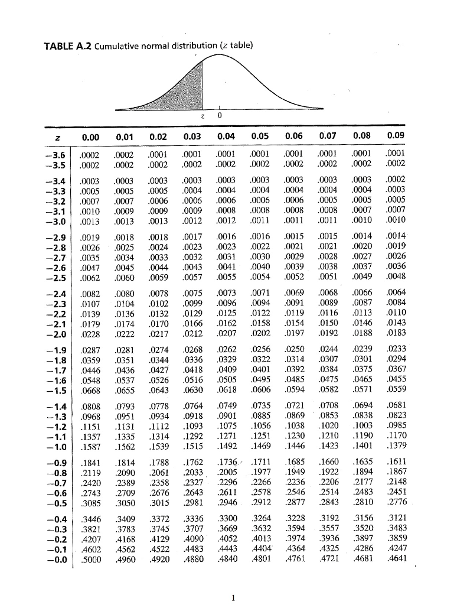
 | Activity | Expected time, weeks |  |  | Activity | Variance

 | B | 9 |  |  | B | 2.78
 | C | 4 |  |  | C | 0.44
 | E | 10 |  |  | E | 1
 | F | 6 |  |  | F | 0.44
 | H | 6 |  |  | H | 0.44
 | J | 4 |  |  | J | 0.11
 | K | 4 |  |  | K | 0.44
 | TOTAL | 43 |  |  | TOTAL | 5.65

STEP - 8 | a) The management has established a required 40-week completion time for the project. Can this completion time be achieved? Include probability information in your discussion. State your recommendations if the 40-week completion time is required.

 | ANS.
 | The management has established a required 40 week completion time for the project, at present situation this completion time cannot be achieved. Calculating the probability of the project completion in 40 weeks would make it more clear. Using the formula, T = E(t) +z*σ, where T = 40, E(t) = 43, σ = √Variance = √5.65 = 2.3804 => z = (T - E(t))/σ

 |  | z = | -1.2602923878
 | Looking for the value of z in the z table, the probability comes out to be approximately 10% or 0.1, which means that there is a 10% chance that at present condition, the project will be completed in 40 weeks time.

 | If we want to complete the project in 40 weeks then it is mandatory to use crashing method, so that some weeks can be crashed and the project can be completed in 40 weeks at optimal crashing cost.

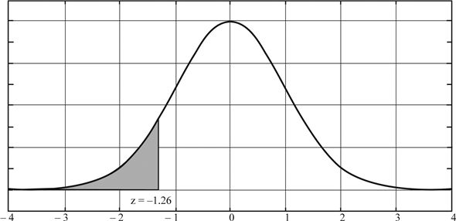

 | THE MANAGEMENT HAS TO BE INFORMED THAT THERE IS ONLY 10% PROBABILITY THAT THE PROJECT CAN BE COMPLETED IN 40 WEEKS.

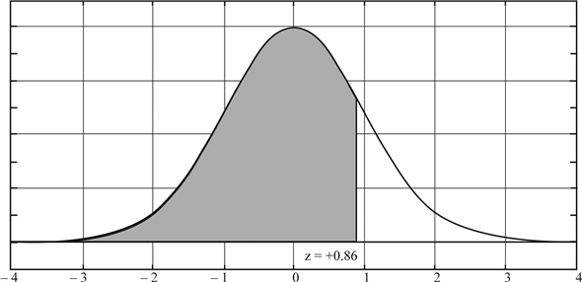
STEP - 9 | b. Suppose that management requests that activity times be shortened to provide an 80% chance of meeting the 40-week completion time. If variance in the project completion time is the same as you found in part (a), how much should the expected project completion time be shortened to achieve the goal of an 80% chance of completion within 40 weeks?

 | ANS.
 | The management requests that activity times be shortened to provide an 80% chance of meeting the 40-week completion time. Calculating the E(t) of the project completion in 40 weeks taking probability as 80%. Using the formula, T = E(t) +z*σ, where T = 40, P = 80%, σ = √Variance = √5.65 = 2.3804, At P = 0.8, z = +0.85 => E(t) = T - z*σ

 |  | E(t) = | 37.97666 | ~ 38 weeks

 | THE COMPANY SHOULD CRASH SOME OF THE ACTIVITIES, SO THAT THE EXPECTED PROJECT COMPLETION TIME CAN BE SHORTENED BY 5 WEEKS.

STEP - 10 | Using the expected activity times as the normal times and the following crashing information, determine the activity crashing decisions and revised activity schedule for the automated warehouse system.

 | ANS.
 | Activity | Crashed Activity Time (weeks) | Expected time (t), weeks | Cost (Rs.) |  | Cost Slope per week
 |  |  |  | Normal | Crash
 | A | 4 | 6 | 1000 | 1900 | 450
 | B | 7 | 9 | 1000 | 1800 | 400
 | C | 2 | 4 | 1500 | 2700 | 600
 | D | 8 | 12 | 2000 | 3200 | 300
 | E | 7 | 10 | 5000 | 8000 | 1000
 | F | 4 | 6 | 3000 | 4100 | 550
 | G | 5 | 8 | 8000 | 10250 | 750
 | H | 4 | 6 | 5000 | 6400 | 700
 | I | 4 | 7 | 10000 | 12400 | 800
 | J | 3 | 4 | 4000 | 4400 | 400
 | K | 3 | 4 | 5000 | 5500 | 500
 |  |  | TOTAL | 45500

STEP - 11 | How much and which activities should be crashed, first reaction to this question may be to consider the critical activities - B---C----E----F----H-----J-----K, Activity B has the lowest cost slope per week of the others.

 | Activity | Cost slope per week | Maximum weeks that can be crashed | Direct cost (Rs.) | Increase in cost due to crashing | Project cost (Rs.)

 | B | 400 | 2 | 45500 | 800 | 46300
 | C | 600 | 2 | 45500 | 1200 | 46700
 | E | 1000 | 3 | 45500 | 3000 | 48500
 | F | 550 | 2 | 45500 | 1100 | 46600
 | H | 700 | 2 | 45500 | 1400 | 46900
 | J | 400 | 1 | 45500 | 400 | 45900
 | K | 500 | 1 | 45500 | 500 | 46000

 | LOOKING FOR THOSE ACTIVITIES WITH LOWEST PROJECT COST AFTER MAXIMUM CRASHING - J-----K-----B-----F----C----H-----E

 | Activity | Cost slope per week | Maximum weeks that can be crashed | Direct cost (Rs.) | Increase in cost due to crashing | Project cost (Rs.)

 | B | 400 | 2 | 45500 | 800 | 46300
 | F | 550 | 2 | 45500 | 1100 | 46600
 | J | 400 | 1 | 45500 | 400 | 45900
 | K | 500 | 1 | 45500 | 500 | 46000

 | Crashing activities to achieve the calculated target of 38 weeks - Crashing activity J by 1 week Crashing activity K by 1 week Crashing activity B by 2 weeks Crashing activity F by 1 week

 | Crashing the above activities by the specified weeks achieves the target of 38 weeks in minimum crashing cost. Crashing cost = 2*400 + 1*550 + 1*400 + 1*500 = 800 + 550 + 400 + 500 = Rs. 2250

STEP - 12 | REVISED ACTIVITY WISE SCHEDULE :

 | Activity | Expected time (t), weeks | Weeks to crash | Realised Time, weeks | Earliest Start Time (EST) | Earliest Finish Time (EFT) | Latest Start Time (LST) | Latest Finish Time (LFT)

 | A | 6 | 0 | 6 | 0 | 6 | 1 | 7
 | B | 9 | 2 | 7 | 0 | 7 | 0 | 7
 | C | 4 | 0 | 4 | 7 | 11 | 7 | 11
 | D | 12 | 0 | 12 | 11 | 23 | 14 | 26
 | E | 10 | 0 | 10 | 11 | 21 | 11 | 21
 | F | 6 | 1 | 5 | 21 | 26 | 21 | 26
 | G | 8 | 0 | 8 | 11 | 19 | 18 | 26
 | H | 6 | 0 | 6 | 26 | 32 | 26 | 32
 | I | 7 | 0 | 7 | 26 | 33 | 28 | 35
 | J | 4 | 1 | 3 | 32 | 35 | 32 | 35
 | K | 4 | 1 | 3 | 35 | 38 | 35 | 38

 | WITH THIS NEW REVISED ACTIVITY WISE SCHEDULE, THE MANAGEMENT CAN ACHIEVE THE SPECIFIED TARGET OF 38 WEEKS TO COMPLETE THE PROJECT. NEW PROJECT COST = RS. 47750 THE FOLLOWING WEEKS SHOULD BE CRASHED BY THE SPECIFIED TIME TO ACHIEVE THIS TARGET WITHIN THE TIME FRAME OF 38 WEEKS : ACTIVITY B SHOULD BE CRASHED BY 2 WEEKS ACTIVITY F SHOULD BE CRASHED BY 1 WEEK ACTIVITY J SHOULD BE CRASHED BY 1 WEEK ACYIVITY K SHOULDBE CRASHED BY 1 WEEK

ANSWER | a) | THE MANAGEMENT HAS TO BE INFORMED THAT THERE IS ONLY 10% PROBABILITY THAT THE PROJECT CAN BE COMPLETED IN 40 WEEKS.

 | b) | THE COMPANY SHOULD CRASH SOME OF THE ACTIVITIES, SO THAT THE EXPECTED PROJECT COMPLETION TIME CAN BE SHORTENED BY 5 WEEKS.

 | c) | WITH THIS NEW REVISED ACTIVITY WISE SCHEDULE, THE MANAGEMENT CAN ACHIEVE THE SPECIFIED TARGET OF 38 WEEKS TO COMPLETE THE PROJECT. NEW PROJECT COST = RS. 47750 THE FOLLOWING WEEKS SHOULD BE CRASHED BY THE SPECIFIED TIME TO ACHIEVE THIS TARGET WITHIN THE TIME FRAME OF 38 WEEKS : ACTIVITY B SHOULD BE CRASHED BY 2 WEEKS ACTIVITY F SHOULD BE CRASHED BY 1 WEEK ACTIVITY J SHOULD BE CRASHED BY 1 WEEK ACYIVITY K SHOULDBE CRASHED BY 1 WEEK

 | NEW PROJECT NETWORK

A(6)
D(12)

START
1
2
C(4)
3
E(10)
4
F(5)
5
I(7)
7
K(3)
8
FINISH

J(3)
B(7)
G(8)
H(6)
6

