Sheet1
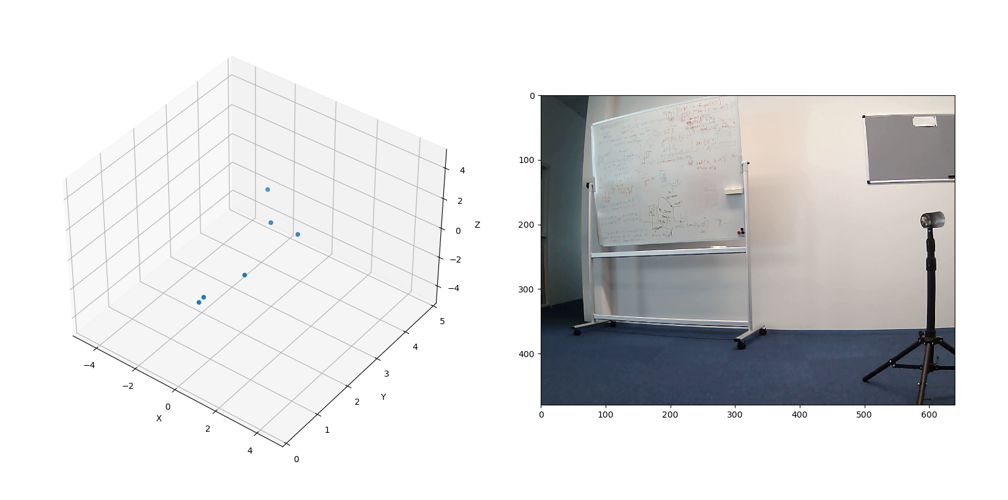
Camera | x (horizontal) | y(vertical) | radar | x (horizontal) | y (depth) | z (vertical) | x from middle | y from middle
 | 190 | 251 |  | -0.7860255 | 4.098989 | -0.39301276 | -130 | 11
 | 343 | 240 |  | 0.27079797 | 4.3221765 | 0.13539898 | 23 | 0 |  |  | Meas setup, Notice axises
 | 487 | 242 |  | 1.4089237 | 4.2827573 | 0 | 167 | 2
 | 578 | 248 |  | 2.3421724 | 4.0541196 | -0.14638577 | 258 | 8
 | 465 | 215 |  | 1.707242 | 6.486958 | -1.2804315 | 145 | -25 | outlier
 | 352 | 192 |  | 0.63116497 | 10.034332 | -0.9467474 | 32 | -48 | outlier
 | 212 | 258 |  | -1.2867622 | 8.130056 | -0.25735244 | -108 | 18
 | 21 | 401 |  | -1.8323851 | 3.001754 | -1.0307167 | -299 | 161
 | 619 | 423 |  | 1.5360029 | 2.2768266 | -0.9035311 | 299 | 183
 | 490 | 45 |  | 0.82468754 | 2.2075284 | 0.44982958 | 170 | -195 | outlier
 | 402 | 86 |  | 0.28147018 | 1.721346 | 0.45035228 | 82 | -154
 | 24 | 185 |  | -4.2028136 | 8.633061 | -0.30020097 | -296 | -55 | outlier
 | 27 | 64 |  | -0.77273494 | 1.4892521 | 0.55195355 | -293 | -176

 |  |  |  |  |  |  |  |  | minus Z as flipped vertical
 |  |  |  |  |  |  |  | X/Y | -Z/Y
 |  |  |  |  |  |  |  | -0.191760822 | 0.095880413439
 |  |  |  |  |  |  |  | 0.062653149403 | -0.031326573545
 | X (horizontal of camera) |  |  | Find f by having Px = f * (x/z) |  |  |  | 0.3289758446 | 0
 |  |  |  |  |  |  |  | 0.57772651798 | 0.036107906141
 |  |  |  |  |  |  |  | 0.26318067729 | 0.19738550797 | outlier
 |  |  |  |  |  |  |  | 0.062900546843 | 0.094350814783 | outlier
 |  |  |  |  |  |  |  | -0.15827224314 | 0.031654448629
 |  |  |  |  |  |  |  | -0.61043813051 | 0.34337147548
 |  |  |  |  |  |  |  | 0.67462445318 | 0.39683790588
 |  |  |  |  |  |  |  | 0.37357958339 | -0.20377068762 | outlier
 |  |  |  |  |  |  |  | 0.16351749154 | -0.26162798182
 |  |  |  |  |  |  |  | -0.48682774279 | 0.034773410034 | outlier
 |  |  |  |  |  |  |  | -0.51887450083 | -0.37062465784

 | Y_fit |  | Outliers
0.095880413439 | 11 | 0.19738550797 | -25
-0.031326573545 | 0 | 0.094350814783 | -48
0 | 2 | -0.20377068762 | -195
0.036107906141 | 8 | 0.034773410034 | -55
0.031654448629 | 18
0.34337147548 | 161
0.39683790588 | 183
-0.26162798182 | -154
-0.37062465784 | -176

 |  |  |  | average
 |  |  |  | 493 |  | in pixels

