Results Analysis
 | Merge | Y Upper | Y Lower Calc
1/1/2018 | 1
2/1/2018 | 365
3/1/2018 | 0
4/1/2018 | 0
5/1/2018 | 0
6/1/2018 | 5
7/1/2018 | 0 | 245 | 0
8/1/2018 | 0 | 245 | 0
9/1/2018 | 0 | 245 | 0
10/1/2018 | 0 | 245 | 0
11/1/2018 | 0 | 245 | 0
12/1/2018 | 0 | 245 | 0
1/1/2019 | 0 | 245 | 0
2/1/2019 | 0 | 245 | 0
3/1/2019 | 0 | 245 | 0

Help
Vision Forecast Analysis

Forcasting using vision analysis service

Gather historical data in "Base Data"
 | The column names are assumed to be in format of "mmm-yy"
 | The products are listed as rows.
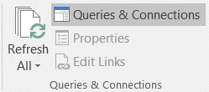
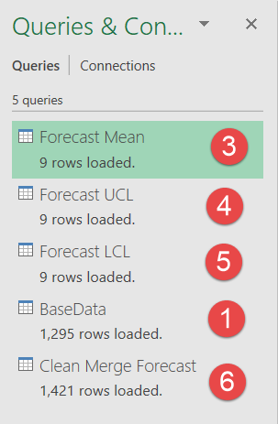
from Data > Queries and Connections >> update BaseData (1)

Go to "TransformedRawData" tab

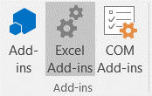
Click on "Add-ins"

Use Free DevTest Service?
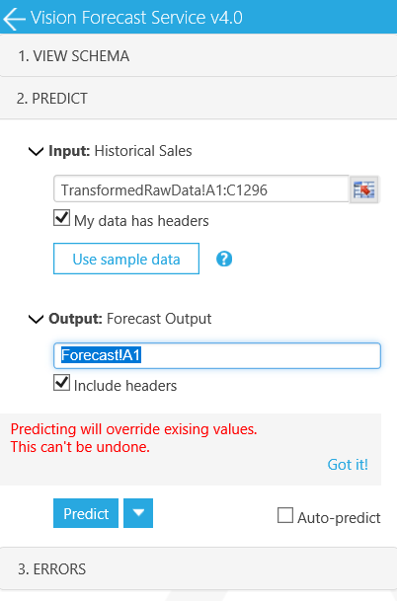

Yes

No

Select Vision Forecast V3
Vision Forecast Service v4.0

Select All "TransformedRawData" for Input
 |  | In the current example it is "TransformedRawData!A1:C1296"

Specify Output as "Forecast!A1"

Click "Predict"
 |  | This populates "Forecast" tab with the pedicted data.
 |  | Note: The time taken to run the forecasting analysis is dependent on the total amount of forecasting products.
 |  | More the total products longer it will take.

from Data > Queries and Connections >> update the following queries
Forecast Mean (3)
Forecast UCL (4)
Forecast LCL (5)
Clean Merge Forecast (6)

Use "Result Analysis" tab for result review.

