Solutions
 | > print(CART_Model)
 | n= 392

 | node), split, n, deviance, yval
 | * denotes terminal node

 | 1) root 392 23818.9900 23.44592
 | 2) displacement>=190.5 170 2210.1880 16.66000
 | 4) displacement>=284.5 98 662.3563 14.70612 *
 | 5) displacement< 284.5 72 664.4728 19.31944 *
 | 3) displacement< 190.5 222 7785.9020 28.64234
 | 6) weight>=2217 128 2756.5850 25.72578
 | 12) model.year< 78.5 75 692.3475 23.15067 *
 | 13) model.year>=78.5 53 863.1117 29.36981 *
 | 7) weight< 2217 94 2457.8720 32.61383
 | 14) model.year< 77.5 46 491.7011 28.96739 *
 | 15) model.year>=77.5 48 768.3767 36.10833 *

 | > rsq.rpart(CART_Model)

 | Regression tree:
 | rpart(formula = mpg ~ ., data = CART_2, method = "anova", control = rpart.control(minsplit = 60,
 | minbucket = 30, maxdepth = 4))

 | Variables actually used in tree construction:
 | [1] displacement model.year weight

 | Root node error: 23819/392 = 60.763

 | n= 392

 | CP nsplit rel error xerror xstd
 | 1 0.580331 0 1.00000 1.00898 0.061693
 | 2 0.107958 1 0.41967 0.44732 0.039021
 | 3 0.050427 2 0.31171 0.37282 0.036104
 | 4 0.050287 3 0.26128 0.35301 0.035191
 | 5 0.037086 4 0.21100 0.29239 0.029342
 | 6 0.010000 5 0.17391 0.21553 0.023595

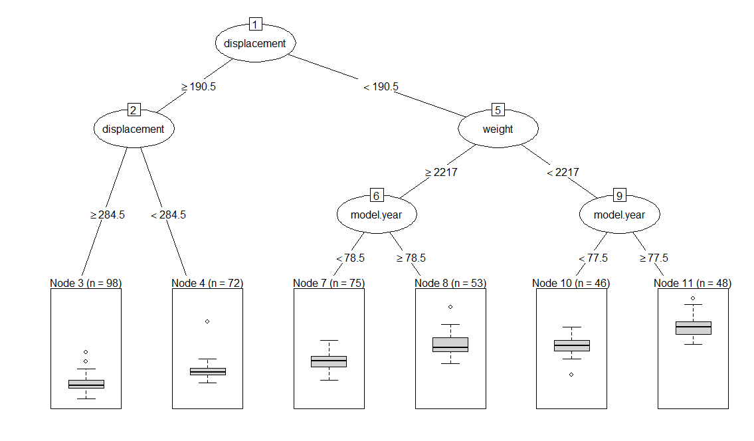

> summary(CART_Model)
Call:
rpart(formula = mpg ~ ., data = CART_2, method = "anova", control = rpart.control(minsplit = 60,
minbucket = 30, maxdepth = 4))
n= 392

CP nsplit rel error xerror xstd
1 0.58033113 0 1.0000000 1.0089757 0.06169270
2 0.10795775 1 0.4196689 0.4473215 0.03902142
3 0.05042723 2 0.3117111 0.3728153 0.03610374
4 0.05028736 3 0.2612839 0.3530051 0.03519050
5 0.03708632 4 0.2109965 0.2923853 0.02934156
6 0.01000000 5 0.1739102 0.2155278 0.02359527

Variable importance
displacement weight cylinders horsepower
23 21 18 15
origin acceleration model.year
11 7 4

Node number 1: 392 observations, complexity param=0.5803311
mean=23.44592, MSE=60.76274
left son=2 (170 obs) right son=3 (222 obs)
Primary splits:
displacement < 190.5 to the right, improve=0.5803311, (0 missing)
cylinders < 5.5 to the right, improve=0.5798965, (0 missing)
weight < 2764.5 to the right, improve=0.5581193, (0 missing)
horsepower < 49.5 to the left, improve=0.5003004, (0 missing)
model.year < 79.5 to the left, improve=0.3314956, (0 missing)
Surrogate splits:
cylinders < 5.5 to the right, agree=0.959, adj=0.906, (0 split)
weight < 2959.5 to the right, agree=0.939, adj=0.859, (0 split)
horsepower < 49.5 to the left, agree=0.855, adj=0.665, (0 split)
origin < 1.5 to the left, agree=0.809, adj=0.559, (0 split)
acceleration < 13.55 to the left, agree=0.704, adj=0.318, (0 split)

Node number 2: 170 observations, complexity param=0.03708632
mean=16.66, MSE=13.00111
left son=4 (98 obs) right son=5 (72 obs)
Primary splits:
displacement < 284.5 to the right, improve=0.3996759, (0 missing)
weight < 3745 to the right, improve=0.3938957, (0 missing)
cylinders < 7 to the right, improve=0.3404796, (0 missing)
acceleration < 14.6 to the left, improve=0.2972146, (0 missing)
model.year < 77.5 to the left, improve=0.2552067, (0 missing)
Surrogate splits:
cylinders < 7 to the right, agree=0.971, adj=0.931, (0 split)
acceleration < 14.95 to the left, agree=0.900, adj=0.764, (0 split)
weight < 3657.5 to the right, agree=0.894, adj=0.750, (0 split)
horsepower < 12 to the right, agree=0.800, adj=0.528, (0 split)
model.year < 73.5 to the left, agree=0.659, adj=0.194, (0 split)

Node number 3: 222 observations, complexity param=0.1079578
mean=28.64234, MSE=35.07163
left son=6 (128 obs) right son=7 (94 obs)
Primary splits:
weight < 2217 to the right, improve=0.33026940, (0 missing)
model.year < 78.5 to the left, improve=0.28710210, (0 missing)
displacement < 112.5 to the right, improve=0.26773830, (0 missing)
horsepower < 80.5 to the right, improve=0.13462870, (0 missing)
origin < 2.5 to the left, improve=0.05150763, (0 missing)
Surrogate splits:
displacement < 106 to the right, agree=0.901, adj=0.766, (0 split)
horsepower < 68.5 to the right, agree=0.725, adj=0.351, (0 split)
origin < 2.5 to the left, agree=0.617, adj=0.096, (0 split)
acceleration < 20.45 to the left, agree=0.590, adj=0.032, (0 split)
model.year < 71.5 to the right, agree=0.581, adj=0.011, (0 split)

Node number 4: 98 observations
mean=14.70612, MSE=6.758738

Node number 5: 72 observations
mean=19.31944, MSE=9.228789

Node number 6: 128 observations, complexity param=0.05042723
mean=25.72578, MSE=21.53582
left son=12 (75 obs) right son=13 (53 obs)
Primary splits:
model.year < 78.5 to the left, improve=0.43572960, (0 missing)
weight < 2792.5 to the right, improve=0.08454326, (0 missing)
displacement < 119.5 to the right, improve=0.04770573, (0 missing)
horsepower < 63 to the left, improve=0.04738395, (0 missing)
acceleration < 16.75 to the left, improve=0.01976675, (0 missing)
Surrogate splits:
displacement < 140.5 to the left, agree=0.680, adj=0.226, (0 split)
acceleration < 13.35 to the right, agree=0.648, adj=0.151, (0 split)
origin < 1.5 to the right, agree=0.641, adj=0.132, (0 split)
weight < 2573.5 to the left, agree=0.625, adj=0.094, (0 split)
horsepower < 2.5 to the right, agree=0.602, adj=0.038, (0 split)

Node number 7: 94 observations, complexity param=0.05028736
mean=32.61383, MSE=26.14757
left son=14 (46 obs) right son=15 (48 obs)
Primary splits:
model.year < 77.5 to the left, improve=0.48732980, (0 missing)
horsepower < 64.5 to the right, improve=0.10791160, (0 missing)
displacement < 93.5 to the right, improve=0.05298561, (0 missing)
origin < 2.5 to the left, improve=0.03970517, (0 missing)
weight < 2115 to the right, improve=0.03910866, (0 missing)
Surrogate splits:
horsepower < 70.5 to the right, agree=0.638, adj=0.261, (0 split)
weight < 1964 to the left, agree=0.617, adj=0.217, (0 split)
displacement < 80 to the left, agree=0.606, adj=0.196, (0 split)
origin < 2.5 to the left, agree=0.574, adj=0.130, (0 split)
acceleration < 16.45 to the right, agree=0.564, adj=0.109, (0 split)

Node number 12: 75 observations
mean=23.15067, MSE=9.2313

Node number 13: 53 observations
mean=29.36981, MSE=16.28513

Node number 14: 46 observations
mean=28.96739, MSE=10.68915

Node number 15: 48 observations
mean=36.10833, MSE=16.00785

